Figure 1.15
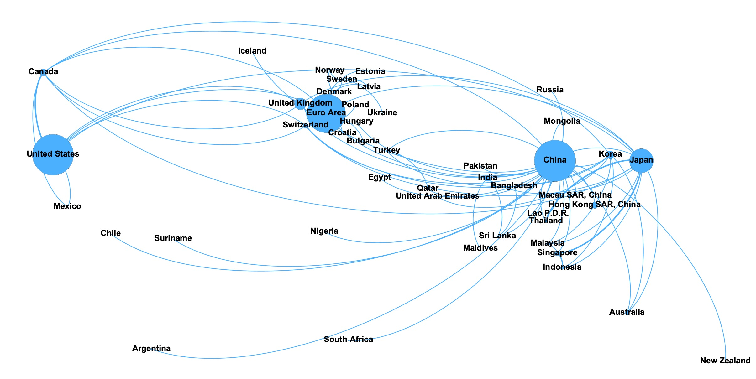
Sources: Perks and others 2021; central bank websites; and IMF staff estimates.
¹The size of each bubble represents the total amount of bilateral swap lines in US dollar terms.
Figure 1.15. Evolution of Bilateral Swap Line Networks¹, 2021
Türkiye
Macao SAR, China
Euro area
Panel 1
Euro Area | 491
Denmark | 27
Sweden | 16
Poland | 0
United States | 522
United Kingdom | 148
Japan | 305
Switzerland | 63
Canada | 86
China | 527
Korea | 97
Maldives | 0
Malaysia | 35
Thailand | 22
India | 76
Mexico | 10
Russia | 23
Türkiye | 23
Bangladesh | 0
Singapore | 64
Latvia | 1
Estonia | 1
Ukraine | 1
Suriname | 0
Australia | 53
United Arab Emirates | 5
Indonesia | 40
Macau SAR, China | 4
Egypt | 3
Bulgaria | 2
Lao P.D.R. | 1
Sri Lanka | 2
Mongolia | 2
Argentina | 19
Hong Kong SAR | 76
New Zealand | 4
Hungary | 9
Croatia | 2
Norway | 0
Iceland | 1
Qatar | 21
Nigeria | 2
Pakistan | 5
Chile | 7
South Africa | 4

