Figure 1.12
Liabilities |  |  |  |  |  |  |  |  |  |  |  |  |  | Assets

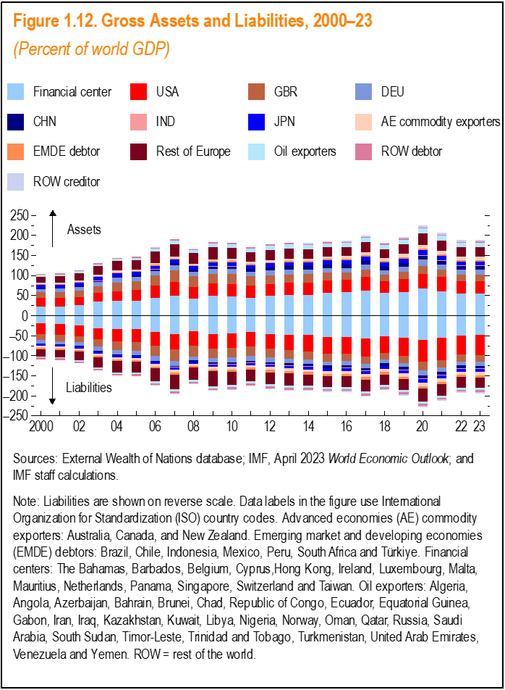
 | Financial center | USA | CHN | DEU | IND | JPN | Rest of Europe | GBR | AE commodity exporters | EMDE debtor | Oil exporters | ROW debtor | ROW creditor | Financial center | USA | CHN | DEU | IND | JPN | Rest of Europe | GBR | AE commodity exporters | EMDE debtor | Oil exporters | ROW debtor | ROW creditor
2000 | -19.7 | -27.0 | -1.1 | -7.9 | -0.4 | -5.3 | -18.1 | -14.3 | -4.3 | -3.7 | -2.4 | -4.5 | 0.0 | 22.4 | 22.2 | 1.3 | 7.9 | 0.2 | 8.7 | 15.6 | 13.9 | 3.4 | 1.4 | 4.4 | 2.4 | 0.1
2001 | -20.5 | -28.0 | -1.3 | -8.1 | -0.4 | -4.5 | -18.5 | -14.6 | -4.2 | -3.7 | -2.5 | -4.7 | 0.0 | 23.5 | 21.0 | 1.4 | 8.3 | 0.2 | 8.5 | 16.3 | 14.3 | 3.4 | 1.4 | 4.5 | 2.4 | 0.1
2002 | -23.5 | -27.2 | -1.4 | -9.6 | -0.4 | -4.6 | -21.6 | -15.4 | -4.4 | -3.5 | -2.7 | -4.6 | 0.0 | 26.8 | 20.0 | 1.7 | 9.5 | 0.3 | 8.7 | 18.6 | 15.4 | 3.4 | 1.5 | 4.7 | 2.6 | 0.1
2003 | -31.6 | -27.9 | -1.5 | -10.8 | -0.5 | -5.1 | -25.6 | -17.2 | -5.3 | -3.6 | -2.9 | -4.7 | 0.0 | 35.3 | 21.7 | 1.8 | 10.7 | 0.3 | 9.2 | 21.6 | 17.1 | 3.9 | 1.6 | 5.0 | 2.7 | 0.1
2004 | -34.0 | -29.4 | -1.5 | -10.9 | -0.5 | -5.4 | -28.1 | -22.3 | -5.6 | -3.6 | -3.2 | -4.8 | 0.0 | 37.7 | 23.8 | 2.1 | 11.1 | 0.3 | 9.4 | 23.6 | 21.8 | 4.2 | 1.7 | 5.4 | 3.0 | 0.1
2005 | -33.9 | -31.9 | -1.8 | -9.8 | -0.6 | -5.8 | -27.0 | -22.1 | -5.7 | -3.9 | -3.5 | -4.4 | -0.4 | 37.3 | 27.7 | 2.6 | 10.4 | 0.3 | 9.0 | 23.0 | 21.7 | 4.4 | 1.8 | 6.0 | 2.6 | 0.5
2006 | -40.1 | -35.2 | -2.4 | -11.3 | -0.8 | -5.6 | -32.5 | -25.5 | -6.2 | -4.3 | -4.5 | -4.5 | -0.7 | 43.9 | 31.4 | 3.3 | 11.9 | 0.4 | 9.1 | 27.4 | 24.9 | 5.0 | 2.1 | 7.5 | 2.8 | 0.9
2007 | -46.5 | -37.6 | -2.7 | -12.4 | -1.1 | -5.4 | -36.2 | -29.0 | -7.0 | -4.9 | -5.7 | -5.0 | -0.8 | 50.0 | 35.1 | 4.2 | 13.0 | 0.6 | 9.2 | 29.9 | 28.3 | 5.5 | 2.5 | 8.7 | 3.3 | 0.9
2008 | -39.1 | -36.5 | -2.4 | -10.1 | -0.8 | -5.1 | -32.0 | -26.0 | -4.9 | -3.7 | -4.5 | -4.0 | -1.0 | 42.4 | 29.9 | 4.6 | 10.9 | 0.5 | 8.9 | 26.3 | 26.2 | 3.8 | 2.2 | 7.9 | 2.4 | 1.2
2009 | -45.2 | -36.3 | -3.6 | -11.2 | -1.1 | -5.1 | -36.6 | -24.5 | -6.9 | -5.1 | -5.4 | -4.8 | -1.2 | 49.2 | 31.5 | 5.7 | 12.2 | 0.6 | 9.9 | 29.9 | 23.9 | 5.2 | 2.7 | 9.0 | 3.0 | 1.5
2010 | -43.3 | -36.6 | -4.1 | -12.1 | -1.2 | -5.6 | -32.2 | -24.4 | -7.4 | -6.2 | -5.5 | -4.9 | -1.3 | 47.4 | 32.2 | 6.2 | 12.9 | 0.6 | 10.3 | 26.8 | 24.1 | 5.6 | 2.9 | 9.0 | 3.0 | 1.5
2011 | -41.0 | -36.2 | -4.5 | -11.1 | -1.0 | -5.5 | -28.8 | -23.6 | -6.7 | -5.5 | -5.0 | -4.7 | -1.2 | 44.9 | 29.6 | 6.4 | 11.8 | 0.6 | 10.1 | 24.2 | 23.3 | 5.0 | 2.8 | 8.6 | 2.9 | 1.4
2012 | -45.2 | -36.0 | -4.9 | -11.7 | -1.2 | -5.5 | -30.0 | -23.0 | -7.3 | -6.2 | -5.3 | -5.7 | -0.8 | 49.1 | 29.4 | 6.9 | 12.6 | 0.6 | 10.1 | 25.0 | 22.0 | 5.5 | 3.2 | 9.6 | 3.6 | 1.1
2013 | -47.9 | -38.2 | -5.7 | -11.1 | -1.2 | -5.8 | -30.0 | -21.3 | -7.0 | -6.1 | -5.4 | -5.9 | -0.8 | 51.7 | 30.7 | 7.7 | 12.2 | 0.6 | 9.8 | 24.8 | 20.8 | 5.8 | 3.2 | 10.5 | 3.8 | 1.1
2014 | -48.6 | -40.1 | -6.3 | -10.4 | -1.3 | -6.0 | -27.8 | -21.0 | -7.0 | -6.1 | -4.8 | -4.7 | -2.1 | 52.4 | 30.8 | 8.1 | 11.6 | 0.6 | 9.7 | 23.4 | 20.3 | 6.0 | 3.4 | 10.2 | 2.6 | 2.5
2015 | -52.9 | -41.2 | -6.1 | -9.9 | -1.5 | -6.8 | -26.7 | -19.9 | -7.0 | -5.8 | -5.0 | -4.4 | -2.7 | 57.1 | 30.7 | 8.2 | 11.3 | 0.7 | 10.4 | 22.8 | 19.3 | 6.3 | 3.5 | 10.3 | 2.2 | 3.2
2016 | -53.2 | -42.2 | -6.0 | -9.7 | -1.5 | -7.3 | -26.0 | -17.9 | -7.5 | -6.1 | -5.3 | -4.7 | -2.7 | 58.1 | 31.0 | 8.5 | 11.3 | 0.7 | 11.0 | 22.5 | 18.1 | 6.8 | 3.7 | 10.3 | 2.3 | 3.4
2017 | -57.4 | -43.7 | -6.3 | -10.5 | -1.7 | -7.5 | -28.4 | -18.6 | -7.9 | -6.4 | -5.2 | -5.5 | -2.5 | 62.7 | 33.6 | 8.8 | 12.5 | 0.7 | 11.0 | 24.4 | 18.5 | 7.4 | 3.8 | 10.7 | 3.0 | 3.1
2018 | -51.8 | -40.6 | -6.2 | -9.3 | -1.6 | -7.1 | -25.9 | -16.8 | -7.2 | -5.8 | -4.9 | -5.4 | -2.3 | 56.6 | 28.8 | 8.5 | 11.5 | 0.7 | 10.6 | 22.5 | 16.7 | 6.7 | 3.5 | 10.0 | 2.9 | 3.1
2019 | -54.2 | -46.4 | -6.3 | -9.8 | -1.7 | -7.7 | -27.2 | -17.7 | -8.2 | -6.1 | -5.4 | -5.7 | -2.4 | 59.6 | 32.6 | 8.9 | 12.2 | 0.8 | 11.4 | 24.0 | 17.3 | 7.8 | 3.6 | 11.0 | 3.1 | 3.4
2020 | -60.3 | -54.9 | -7.7 | -12.0 | -1.9 | -9.0 | -32.4 | -21.0 | -9.2 | -6.1 | -5.7 | -5.0 | -4.1 | 67.2 | 37.1 | 10.3 | 14.9 | 1.0 | 13.0 | 28.6 | 20.6 | 9.0 | 4.0 | 11.9 | 2.3 | 5.2
2021 | -54.8 | -55.6 | -7.6 | -10.5 | -2.0 | -7.6 | -28.2 | -18.5 | -8.6 | -5.5 | -5.4 | -4.7 | -3.8 | 60.8 | 35.7 | 9.7 | 13.1 | 0.9 | 11.3 | 25.3 | 18.1 | 8.9 | 3.7 | 11.5 | 2.2 | 5.0
2022 | -49.1 | -47.8 | -6.7 | -9.9 | -1.8 | -6.9 | -25.9 | -17.3 | -8.3 | -5.6 | -4.9 | -5.0 | -2.9 | 54.9 | 31.1 | 9.1 | 12.6 | 0.8 | 10.0 | 23.6 | 17.0 | 8.2 | 3.5 | 10.8 | 2.5 | 4.1
2023 | -48.5 | -49.1 | -6.6 | -10.3 | -1.9 | -6.9 | -26.6 | -17.2 | -8.3 | -5.0 | -4.6 | -5.5 | -3.1 | 54.5 | 31.0 | 9.1 | 13.2 | 0.9 | 10.0 | 24.3 | 16.9 | 8.3 | 3.1 | 10.7 | 2.8 | 4.4

Figure 1.13
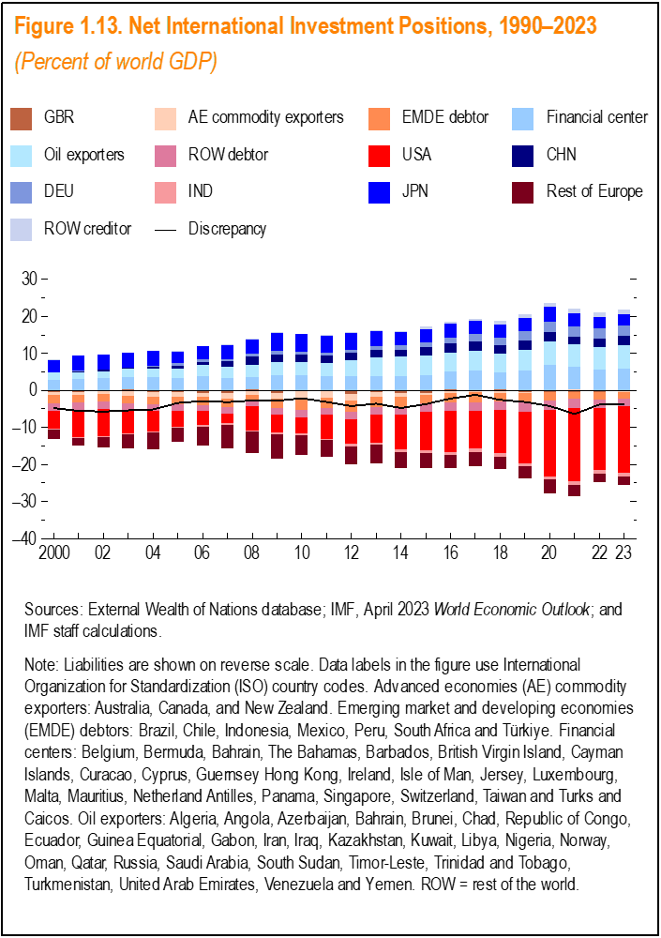
 | USA | CHN | DEU | IND | JPN | Rest of Europe | GBR | AE commodity exporters | EMDE debtor | Financial center | Oil exporters | ROW debtor | ROW creditor | Discrepancy
2000 | -4.72 | 0.13 | 0.00 | -0.24 | 3.38 | -2.51 | -0.37 | -0.82 | -2.27 | 2.77 | 1.99 | -2.15 | 0.05 | -4.75
2001 | -6.99 | 0.11 | 0.28 | -0.24 | 4.00 | -2.16 | -0.33 | -0.79 | -2.21 | 3.01 | 1.95 | -2.22 | 0.06 | -5.52
2002 | -7.15 | 0.28 | -0.11 | -0.20 | 4.16 | -2.92 | 0.04 | -1.07 | -1.94 | 3.25 | 1.96 | -2.06 | 0.07 | -5.68
2003 | -6.12 | 0.37 | -0.06 | -0.17 | 4.09 | -3.95 | -0.04 | -1.38 | -1.95 | 3.74 | 2.03 | -1.98 | 0.07 | -5.37
2004 | -5.61 | 0.60 | 0.21 | -0.19 | 4.02 | -4.55 | -0.45 | -1.33 | -1.93 | 3.69 | 2.13 | -1.80 | 0.07 | -5.13
2005 | -4.16 | 0.78 | 0.63 | -0.27 | 3.18 | -4.02 | -0.39 | -1.31 | -2.07 | 3.43 | 2.46 | -1.76 | 0.12 | -3.38
2006 | -3.81 | 0.92 | 0.68 | -0.33 | 3.46 | -5.11 | -0.60 | -1.19 | -2.17 | 3.77 | 3.05 | -1.65 | 0.12 | -2.84
2007 | -2.56 | 1.49 | 0.58 | -0.53 | 3.73 | -6.22 | -0.64 | -1.47 | -2.44 | 3.47 | 3.00 | -1.69 | 0.16 | -3.13
2008 | -6.57 | 2.17 | 0.78 | -0.31 | 3.85 | -5.76 | 0.26 | -1.09 | -1.50 | 3.34 | 3.42 | -1.57 | 0.25 | -2.71
2009 | -4.79 | 2.03 | 1.06 | -0.46 | 4.75 | -6.69 | -0.66 | -1.66 | -2.46 | 4.05 | 3.62 | -1.78 | 0.26 | -2.74
2010 | -4.33 | 2.07 | 0.85 | -0.61 | 4.68 | -5.41 | -0.28 | -1.77 | -3.24 | 4.08 | 3.50 | -1.88 | 0.21 | -2.12
2011 | -6.58 | 1.93 | 0.65 | -0.46 | 4.58 | -4.56 | -0.30 | -1.67 | -2.67 | 3.85 | 3.67 | -1.78 | 0.24 | -3.09
2012 | -6.65 | 2.03 | 0.84 | -0.60 | 4.54 | -5.01 | -0.91 | -1.80 | -3.03 | 3.86 | 4.28 | -2.03 | 0.27 | -4.21
2013 | -7.43 | 2.01 | 1.10 | -0.60 | 3.95 | -5.13 | -0.56 | -1.15 | -2.84 | 3.78 | 5.09 | -2.08 | 0.29 | -3.57
2014 | -9.22 | 1.78 | 1.15 | -0.72 | 3.63 | -4.33 | -0.69 | -1.02 | -2.79 | 3.83 | 5.35 | -2.08 | 0.36 | -4.76
2015 | -10.48 | 2.09 | 1.38 | -0.78 | 3.58 | -3.95 | -0.59 | -0.67 | -2.29 | 4.20 | 5.37 | -2.12 | 0.58 | -3.67
2016 | -11.21 | 2.51 | 1.55 | -0.78 | 3.73 | -3.46 | 0.25 | -0.72 | -2.40 | 4.88 | 5.06 | -2.28 | 0.69 | -2.18
2017 | -10.06 | 2.45 | 1.98 | -0.98 | 3.56 | -3.97 | -0.12 | -0.44 | -2.57 | 5.36 | 5.42 | -2.44 | 0.64 | -1.17
2018 | -11.75 | 2.36 | 2.18 | -0.91 | 3.54 | -3.38 | -0.09 | -0.50 | -2.26 | 4.80 | 5.05 | -2.42 | 0.86 | -2.53
2019 | -13.80 | 2.52 | 2.42 | -0.94 | 3.70 | -3.22 | -0.38 | -0.40 | -2.52 | 5.42 | 5.57 | -2.49 | 1.02 | -3.10
2020 | -17.86 | 2.54 | 2.88 | -0.95 | 4.02 | -3.83 | -0.33 | -0.23 | -2.14 | 6.92 | 6.22 | -2.58 | 1.13 | -4.19
2021 | -19.88 | 2.13 | 2.67 | -1.03 | 3.72 | -2.86 | -0.46 | 0.30 | -1.81 | 6.06 | 6.07 | -2.41 | 1.16 | -6.33
2022 | -16.55 | 2.39 | 2.69 | -1.00 | 3.09 | -2.39 | -0.31 | -0.11 | -2.12 | 5.76 | 5.87 | -2.30 | 1.17 | -3.81
2023 | -18.04 | 2.50 | 2.88 | -1.11 | 3.11 | -2.25 | -0.29 | -0.03 | -1.82 | 5.98 | 6.21 | -2.06 | 1.18 | -3.75

Figure 1.18
