Figure 1.1
Panel 1
 | CHN | JPN | GBR | USA | ARG | BRA | IND | IDN | MYS | MEX | RUS | POL | ZAF | THA | TUR | AUS | CAN | KOR | SWE | CHE | BEL | FRA | DEU | ITA | NLD | ESP | AUT | FIN | GRC | IRL | PRT | EA
2023 | 263 | 159 | -118 | -905 | -21 | -28 | -26 | -2 | 6 | -6 | 49 | 14 | -6 | 7 | -40 | -5 | -14 | 33 | 41 | 47 | -4 | -30 | 252 | 3 | 114 | 43 | 7 | -2 | -16 | 45 | 2 | 263
2024–2023 | 161 | 34 | -4 | -228 | 27 | -33 | -5 | -7 | 1 | 0 | 13 | -13 | 3 | 4 | 30 | -29 | 2 | 66 | 5 | 0 | -1 | 43 | 15 | 24 | 8 | 9 | 6 | 2 | -1 | 54 | 5 | 198

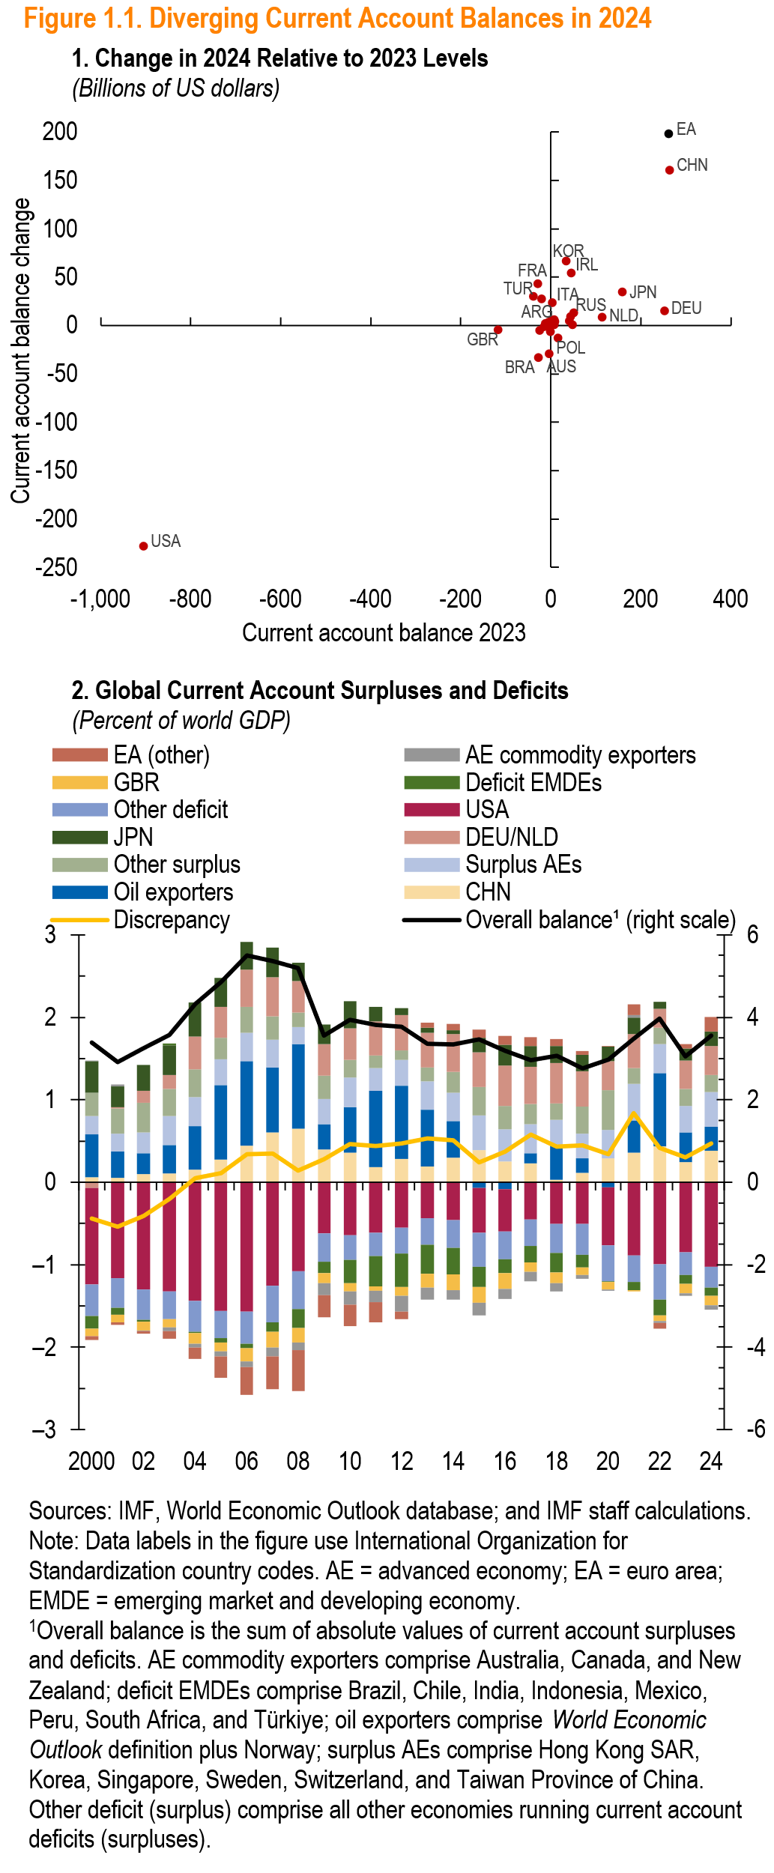
Panel 2
 | CHN | DEU/NLD | JPN | Surplus AEs | Other surplus | Oil exporters | USA | GBR | Deficit EMDEs | AE commodity exporters | Other deficit | EA (other) | Discrepancy | Overall balance¹ (right scale)
2000 | 0.1 | -0.1 | 0.4 | 0.2 | 0.3 | 0.5 | -1.2 | -0.1 | -0.2 | 0.0 | -0.4 | 0.0 | -0.4 | 3.4
01 | 0.1 | 0.0 | 0.3 | 0.2 | 0.3 | 0.3 | -1.2 | -0.1 | -0.1 | 0.0 | -0.4 | 0.0 | -0.5 | 2.9
02 | 0.1 | 0.1 | 0.3 | 0.3 | 0.4 | 0.2 | -1.3 | -0.1 | 0.0 | 0.0 | -0.4 | 0.0 | -0.4 | 3.3
03 | 0.1 | 0.2 | 0.4 | 0.4 | 0.3 | 0.3 | -1.3 | -0.1 | 0.0 | -0.1 | -0.3 | -0.1 | -0.2 | 3.6
04 | 0.2 | 0.4 | 0.4 | 0.4 | 0.3 | 0.5 | -1.4 | -0.1 | 0.0 | -0.1 | -0.4 | -0.1 | 0.0 | 4.3
05 | 0.3 | 0.4 | 0.4 | 0.3 | 0.3 | 0.9 | -1.6 | -0.1 | -0.1 | -0.1 | -0.3 | -0.3 | 0.1 | 4.9
06 | 0.4 | 0.5 | 0.3 | 0.3 | 0.3 | 1.0 | -1.6 | -0.2 | 0.0 | -0.1 | -0.4 | -0.3 | 0.3 | 5.5
07 | 0.6 | 0.5 | 0.4 | 0.3 | 0.3 | 0.8 | -1.3 | -0.2 | -0.1 | -0.1 | -0.4 | -0.4 | 0.3 | 5.4
08 | 0.7 | 0.4 | 0.2 | 0.2 | 0.2 | 1.0 | -1.1 | -0.2 | -0.2 | -0.1 | -0.5 | -0.5 | 0.1 | 5.2
09 | 0.4 | 0.4 | 0.2 | 0.3 | 0.3 | 0.3 | -0.6 | -0.1 | -0.1 | -0.1 | -0.3 | -0.3 | 0.3 | 3.5
10 | 0.4 | 0.4 | 0.3 | 0.4 | 0.2 | 0.6 | -0.6 | -0.1 | -0.3 | -0.2 | -0.3 | -0.3 | 0.5 | 3.9
11 | 0.2 | 0.4 | 0.2 | 0.3 | 0.2 | 0.9 | -0.6 | -0.1 | -0.4 | -0.1 | -0.3 | -0.2 | 0.4 | 3.8
12 | 0.3 | 0.4 | 0.1 | 0.3 | 0.1 | 0.9 | -0.6 | -0.1 | -0.4 | -0.2 | -0.3 | -0.1 | 0.5 | 3.8
13 | 0.2 | 0.4 | 0.1 | 0.4 | 0.2 | 0.7 | -0.4 | -0.2 | -0.4 | -0.1 | -0.3 | 0.1 | 0.5 | 3.4
14 | 0.3 | 0.5 | 0.0 | 0.3 | 0.3 | 0.4 | -0.5 | -0.2 | -0.3 | -0.1 | -0.3 | 0.1 | 0.5 | 3.3
15 | 0.4 | 0.4 | 0.2 | 0.4 | 0.3 | -0.1 | -0.5 | -0.2 | -0.2 | -0.2 | -0.4 | 0.1 | 0.2 | 3.5
16 | 0.2 | 0.5 | 0.3 | 0.4 | 0.3 | -0.1 | -0.5 | -0.2 | -0.2 | -0.1 | -0.3 | 0.1 | 0.4 | 3.2
17 | 0.2 | 0.5 | 0.2 | 0.3 | 0.2 | 0.1 | -0.4 | -0.1 | -0.2 | -0.1 | -0.3 | 0.1 | 0.6 | 3.0
18 | 0.0 | 0.5 | 0.2 | 0.3 | 0.2 | 0.4 | -0.5 | -0.1 | -0.2 | -0.1 | -0.3 | 0.1 | 0.4 | 3.1
19 | 0.1 | 0.4 | 0.2 | 0.3 | 0.3 | 0.2 | -0.5 | -0.1 | -0.2 | 0.0 | -0.4 | 0.0 | 0.4 | 2.8
20 | 0.3 | 0.4 | 0.2 | 0.3 | 0.5 | -0.1 | -0.7 | -0.1 | 0.0 | 0.0 | -0.4 | 0.0 | 0.3 | 3.0
21 | 0.4 | 0.4 | 0.2 | 0.4 | 0.2 | 0.4 | -0.9 | 0.0 | -0.1 | 0.0 | -0.3 | 0.1 | 0.8 | 3.5
22 | 0.4 | 0.2 | 0.1 | 0.4 | 0.2 | 0.9 | -1.0 | -0.1 | -0.2 | 0.0 | -0.4 | -0.1 | 0.4 | 4.0
23 | 0.2 | 0.3 | 0.1 | 0.3 | 0.2 | 0.4 | -0.9 | -0.1 | -0.1 | 0.0 | -0.3 | 0.1 | 0.3 | 3.0
24 | 0.4 | 0.4 | 0.2 | 0.4 | 0.2 | 0.3 | -1.0 | -0.1 | -0.1 | -0.1 | -0.2 | 0.2 | 0.5 | 3.6

Figure 1.2
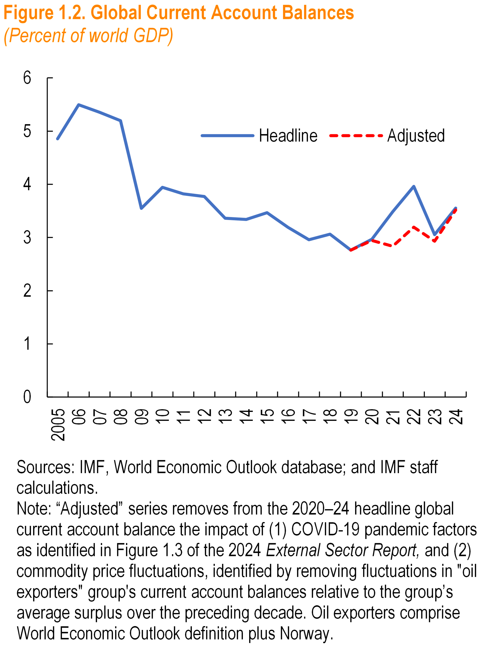

Panel 1
 | Headline | Adjusted
2005 | 4.9
06 | 5.5
07 | 5.4
08 | 5.2
09 | 3.5
10 | 3.9
11 | 3.8
12 | 3.8
13 | 3.4
14 | 3.3
15 | 3.5
16 | 3.2
17 | 3.0
18 | 3.1
19 | 2.8 | 2.8
20 | 3.0 | 3.0
21 | 3.5 | 2.9
22 | 4.0 | 3.2
23 | 3.0 | 2.9
24 | 3.6 | 3.6

Figure 1.3
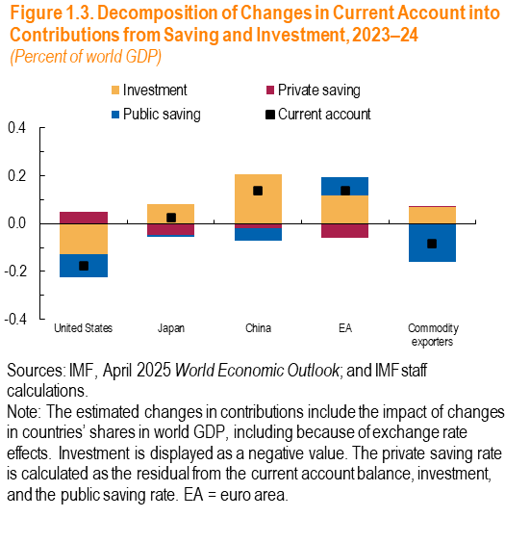
 | Current account | Investment | Private saving | Public saving
United States | -0.1748 | -0.1299 | 0.0479 | -0.0928
Japan | 0.0256 | 0.0808 | -0.0456 | -0.0095
China | 0.1360 | 0.2056 | -0.0198 | -0.0498
EA | 0.1362 | 0.1165 | -0.0595 | 0.0792
Commodity exporters | -0.0833 | 0.0685 | 0.0070 | -0.1588

Figure 1.4
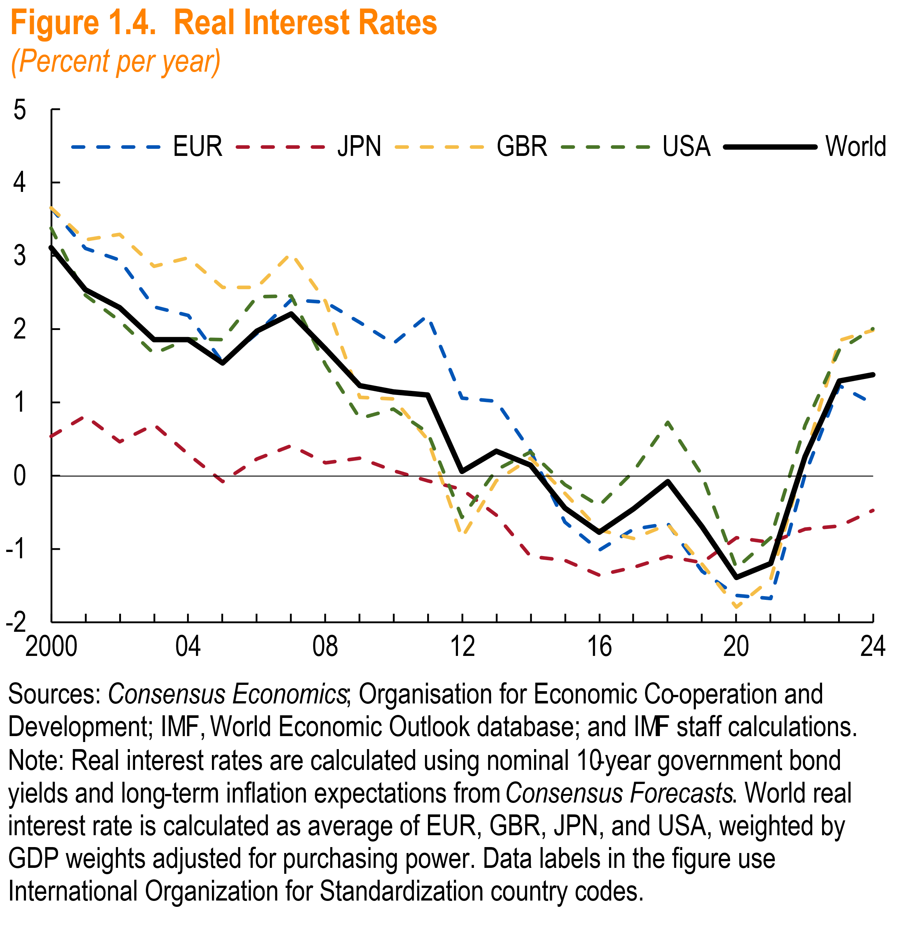
Panel 1
year | EUR | JPN | GBR | USA | World
2000 | 3.66 | 0.54 | 3.66 | 3.38 | 3.12
2001 | 3.10 | 0.82 | 3.22 | 2.47 | 2.54
2002 | 2.95 | 0.46 | 3.30 | 2.11 | 2.29
2003 | 2.31 | 0.70 | 2.86 | 1.67 | 1.86
2004 | 2.19 | 0.29 | 2.98 | 1.87 | 1.86
2005 | 1.55 | -0.08 | 2.57 | 1.86 | 1.54
2006 | 1.95 | 0.23 | 2.57 | 2.44 | 1.98
2007 | 2.40 | 0.41 | 3.04 | 2.46 | 2.22
2008 | 2.37 | 0.17 | 2.38 | 1.52 | 1.73
2009 | 2.09 | 0.25 | 1.07 | 0.79 | 1.23
2010 | 1.81 | 0.07 | 1.05 | 0.91 | 1.15
2011 | 2.19 | -0.07 | 0.50 | 0.60 | 1.11
2012 | 1.06 | -0.19 | -0.84 | -0.56 | 0.06
2013 | 1.02 | -0.53 | -0.06 | 0.08 | 0.34
2014 | 0.34 | -1.10 | 0.25 | 0.32 | 0.15
2015 | -0.63 | -1.15 | -0.23 | -0.12 | -0.44
2016 | -1.01 | -1.35 | -0.74 | -0.41 | -0.77
2017 | -0.73 | -1.24 | -0.86 | 0.06 | -0.44
2018 | -0.65 | -1.10 | -0.66 | 0.74 | -0.08
2019 | -1.30 | -1.19 | -1.21 | 0.01 | -0.70
2020 | -1.63 | -0.84 | -1.79 | -1.25 | -1.38
2021 | -1.68 | -0.90 | -1.41 | -0.85 | -1.20
2022 | 0.02 | -0.73 | 0.25 | 0.68 | 0.26
2023 | 1.23 | -0.68 | 1.85 | 1.72 | 1.30
2024 | 0.98 | -0.47 | 1.98 | 2.01 | 1.38

Figure 1.5
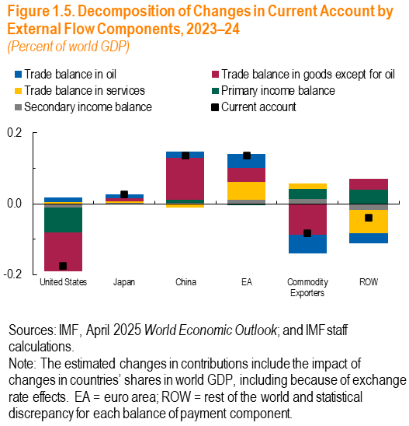

 | Current account | Trade balance in goods except for oil | Trade balance in oil | Trade balance in services | Primary income balance | Secondary income balance
United States | -0.1748 | -0.1095 | 0.0113 | 0.0054 | -0.0710 | -0.0110
Japan | 0.0256 | 0.0097 | 0.0119 | 0.0046 | -0.0017 | 0.0011
China | 0.1360 | 0.1186 | 0.0180 | -0.0113 | 0.0080 | 0.0028
EA | 0.1362 | 0.0386 | 0.0397 | 0.0514 | -0.0040 | 0.0105
Commodity Exporters | -0.0833 | -0.0872 | -0.0525 | 0.0162 | 0.0286 | 0.0132
ROW | -0.0398 | 0.0298 | -0.0284 | -0.0663 | 0.0401 | -0.0166

Figure 1.6
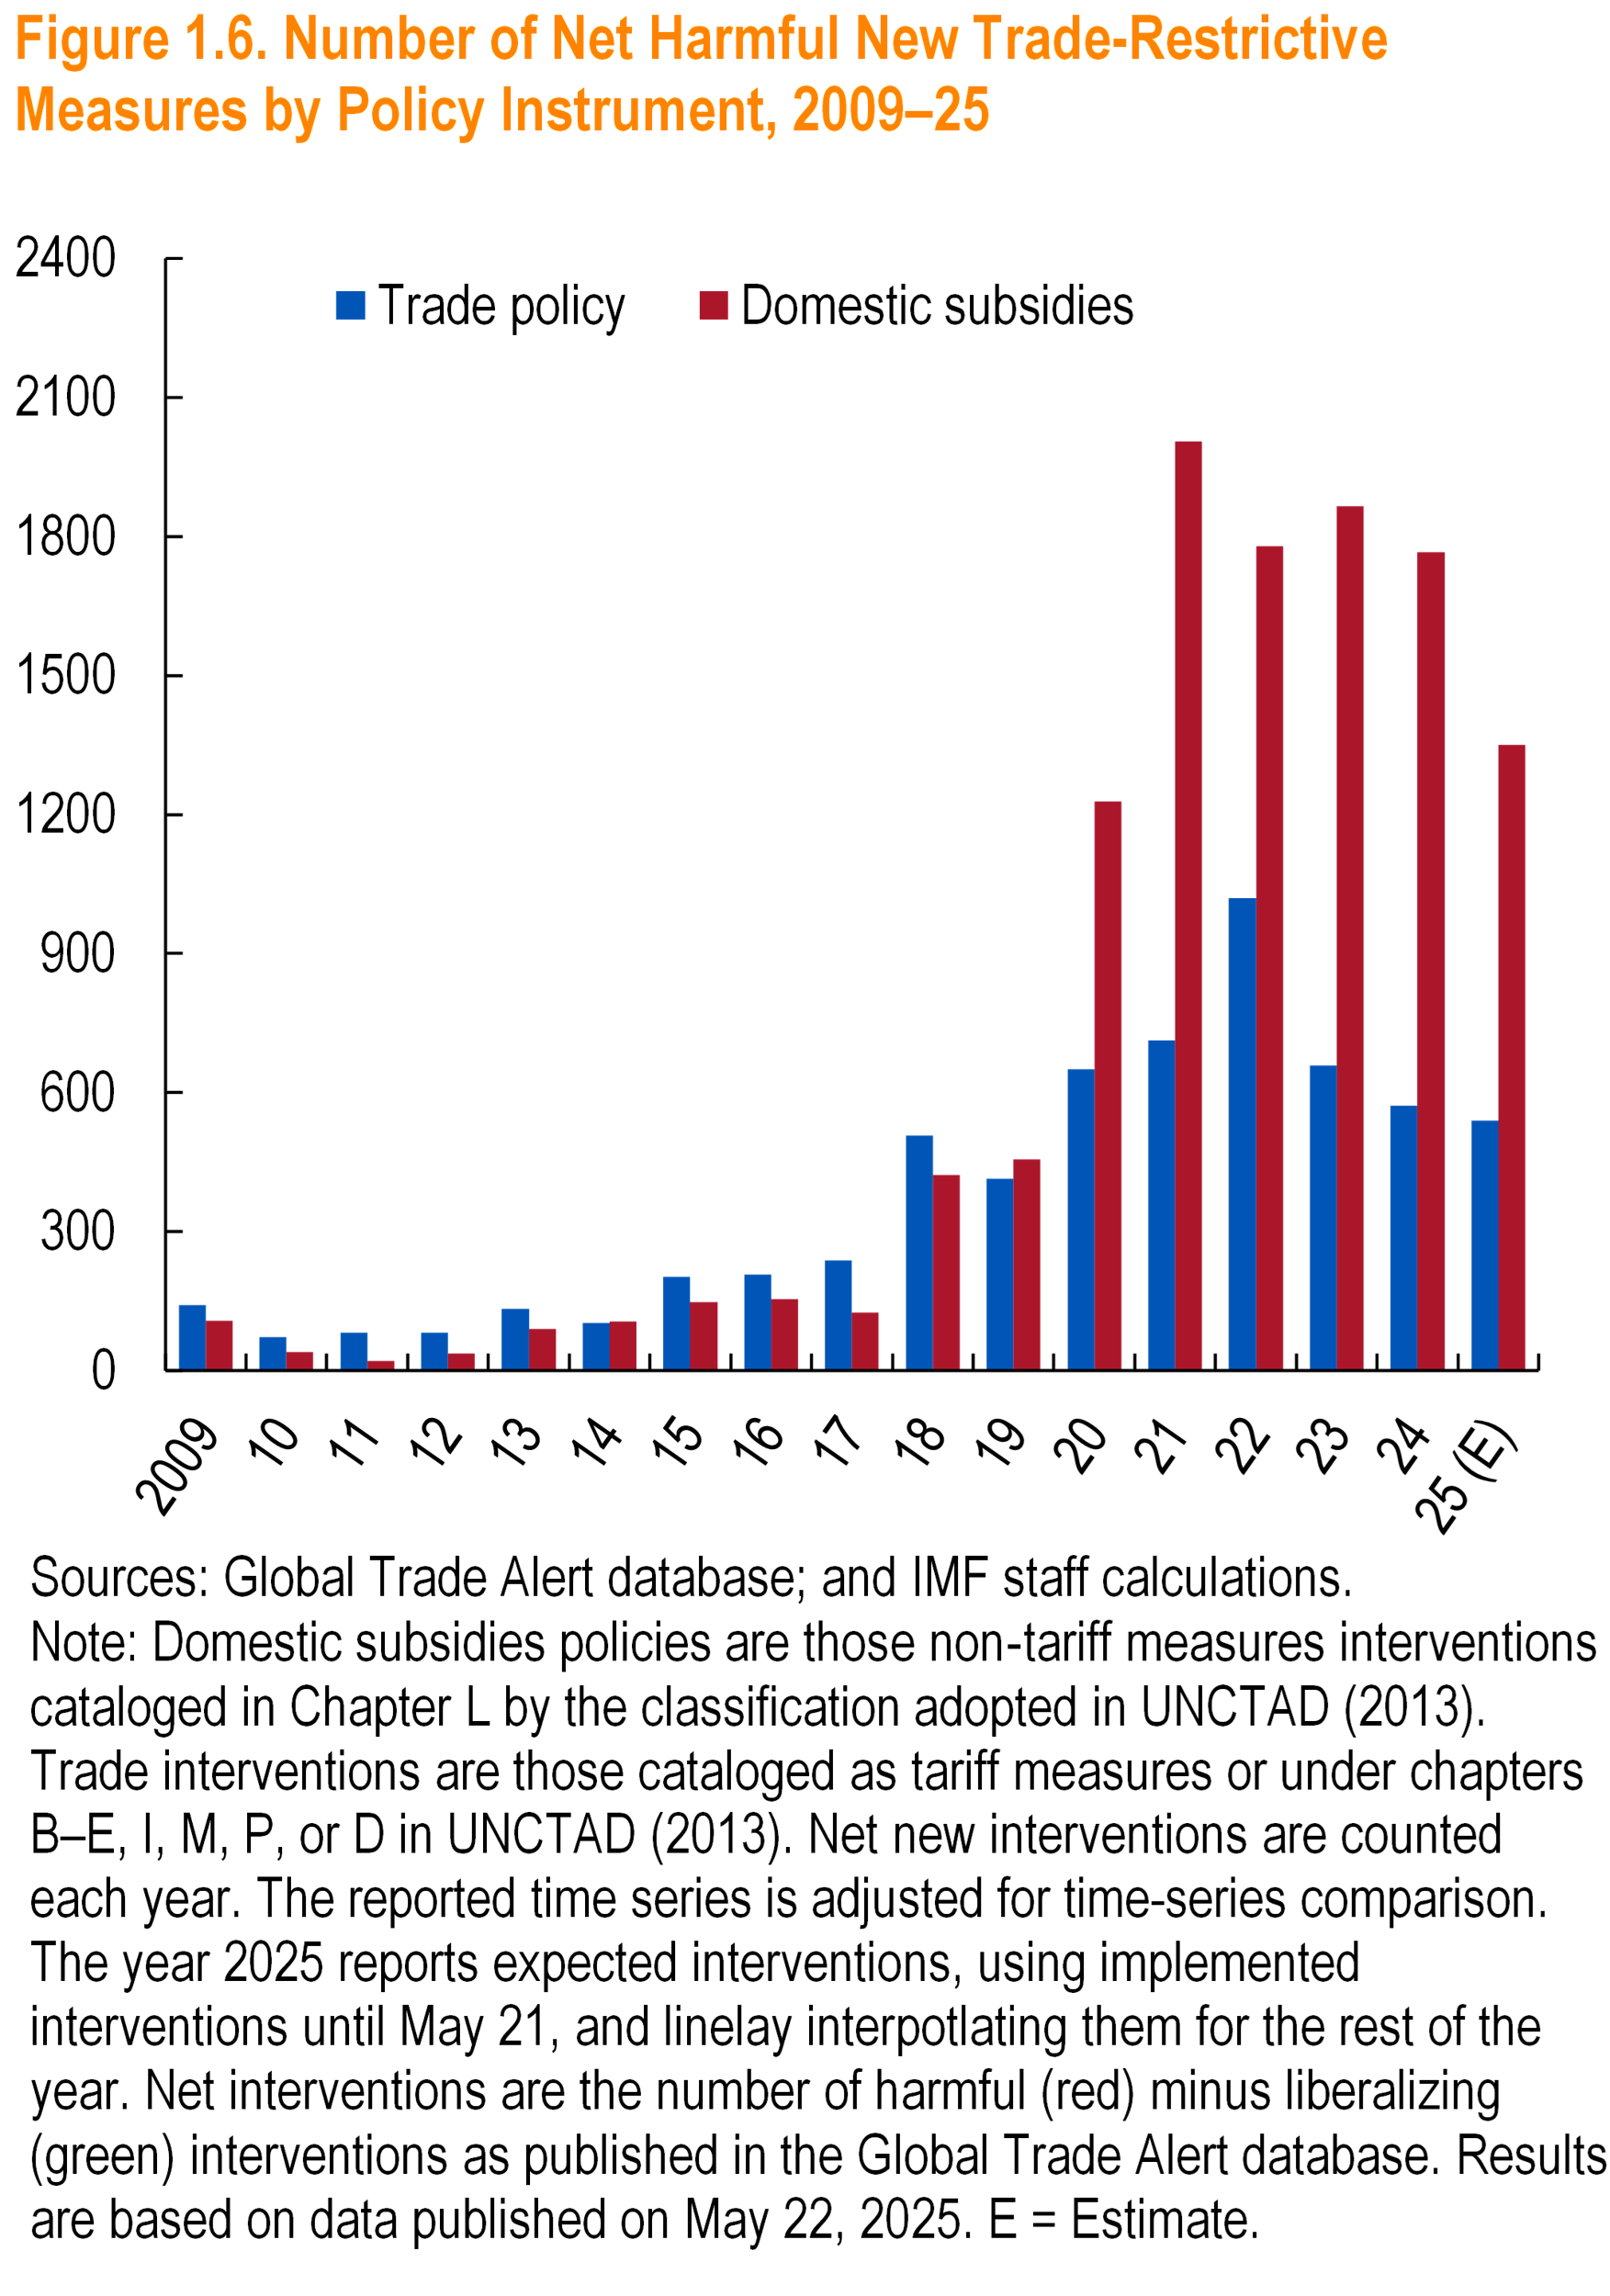

Panel 1
 | Trade policy | Domestic subsidies
2009 | 141 | 108
10 | 72 | 40
11 | 82 | 21
12 | 82 | 38
13 | 134 | 91
14 | 103 | 106
15 | 203 | 148
16 | 207 | 155
17 | 238 | 126
18 | 507 | 423
19 | 415 | 456
20 | 651 | 1228
21 | 713 | 2004
22 | 1019 | 1778
23 | 658 | 1865
24 | 572 | 1766
25 (E) | 539 | 1350

Figure 1.7
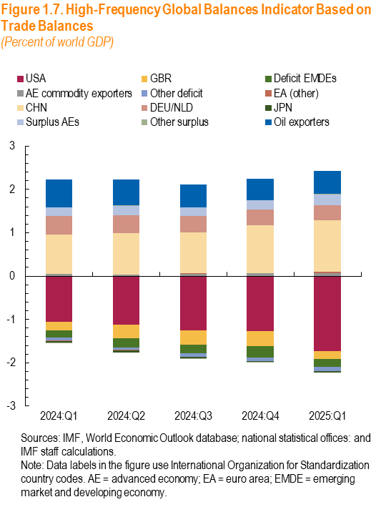
 | USA | GBR | Deficit EMDEs | AE commodity exporters | Other deficit | EA (other) | CHN | DEU/NLD | JPN | Surplus AEs | Other surplus | Oil exporters
2024:Q1 | -1.1 | -0.2 | -0.2 | 0.1 | -0.1 | 0.0 | 0.9 | 0.4 | 0.0 | 0.2 | 0.0 | 0.63142727075
2024:Q2 | -1.1 | -0.3 | -0.2 | 0.0 | -0.1 | 0.0 | 1.0 | 0.4 | 0.0 | 0.2 | 0.0 | 0.60816862614
2024:Q3 | -1.249 | -0.341 | -0.195 | 0.047 | -0.073 | 0.0 | 0.9 | 0.4 | 0.0 | 0.2 | 0.0 | 0.53021593863
2024:Q4 | -1.267 | -0.347 | -0.263 | 0.060 | -0.082 | 0.0 | 1.1 | 0.4 | 0.0 | 0.2 | 0.0 | 0.49216478954
2025:Q1 | -1.730 | -0.175 | -0.189 | 0.069 | -0.099 | 0.0 | 1.2 | 0.3 | 0.0 | 0.3 | 0.0 | 0.52642389853

Figure 1.8
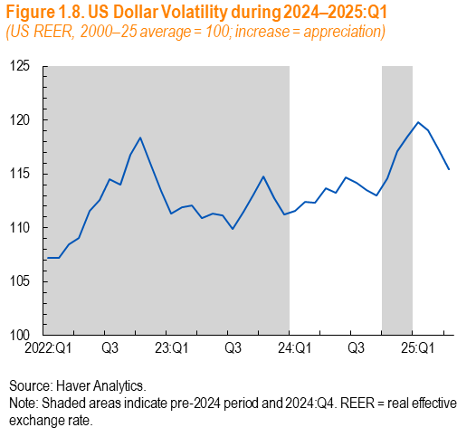
Panel 1 | Month | US REER | Shaded Area
2022:Q1 | 2022M1 | 107.17 | Yes
 | 2022M2 | 107.24 | Yes
 | 2022M3 | 108.43 | Yes
Q2 | 2022M4 | 109.03 | Yes
 | 2022M5 | 111.61 | Yes
 | 2022M6 | 112.58 | Yes
Q3 | 2022M7 | 114.54 | Yes
 | 2022M8 | 114.00 | Yes
 | 2022M9 | 116.79 | Yes
Q4 | 2022M10 | 118.34 | Yes
 | 2022M11 | 115.81 | Yes
 | 2022M12 | 113.39 | Yes
23:Q1 | 2023M1 | 111.36 | Yes
 | 2023M2 | 111.91 | Yes
 | 2023M3 | 112.11 | Yes
Q2 | 2023M4 | 110.92 | Yes
 | 2023M5 | 111.30 | Yes
 | 2023M6 | 111.13 | Yes
Q3 | 2023M7 | 109.86 | Yes
 | 2023M8 | 111.45 | Yes
 | 2023M9 | 113.13 | Yes
Q4 | 2023M10 | 114.72 | Yes
 | 2023M11 | 112.76 | Yes
 | 2023M12 | 111.23 | Yes
24:Q1 | 2024M1 | 111.54
 | 2024M2 | 112.43
 | 2024M3 | 112.30
Q2 | 2024M4 | 113.70
 | 2024M5 | 113.27
 | 2024M6 | 114.68
Q3 | 2024M7 | 114.14
 | 2024M8 | 113.48
 | 2024M9 | 113.02
Q4 | 2024M10 | 114.58 | Yes
 | 2024M11 | 117.15 | Yes
 | 2024M12 | 118.44 | Yes
25:Q1 | 2025M1 | 119.81
 | 2025M2 | 119.05
 | 2025M3 | 117.37
Q2 | 2025M4 | 115.42

Figure 1.9
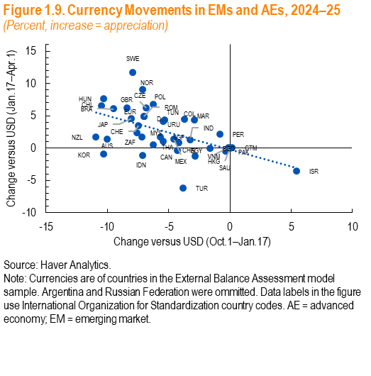
Panel 1
ISO Code | Post-Election to Inauguration | Post Inauguration
BRA | -9.49 | 6.08
CAN | -6.24 | 0.52
DNK | -7.03 | 4.93
JAP | -8.02 | 4.60
NOR | -7.13 | 9.08
SWE | -7.95 | 11.68
CHE | -7.50 | 3.52
NZL | -10.94 | 1.74
AUS | -10.01 | 1.36
GBR | -8.42 | 6.22
EUR | -7.01 | 4.94
CZE | -6.81 | 6.19
HKG | -0.10 | 0.03
HUN | -10.28 | 7.69
IND | -3.22 | 1.33
IDN | -7.12 | -1.18
ISR | 5.43 | -3.57
KOR | -10.30 | -0.96
MYS | -7.62 | 2.36
MEX | -4.60 | 1.40
PER | -0.83 | 2.17
POL | -6.27 | 6.78
ROM | -7.01 | 4.93
SAU | -0.01 | 0.02
ZAF | -7.19 | 1.70
SGP | -5.70 | 1.76
THA | -5.45 | 1.07
TUR | -3.80 | -6.19
CHN | -4.20 | 0.86
CHL | -10.45 | 6.59
URU | -5.32 | 4.35
MAR | -2.88 | 4.31
TUN | -5.47 | 4.18
COL | -3.68 | 4.47
GTM | 0.17 | 0.08
BGD | -1.64 | 0.00
EGY | -4.30 | -0.32
PAK | -0.36 | -0.53
VNM | -2.83 | -1.20

Figure 1.10
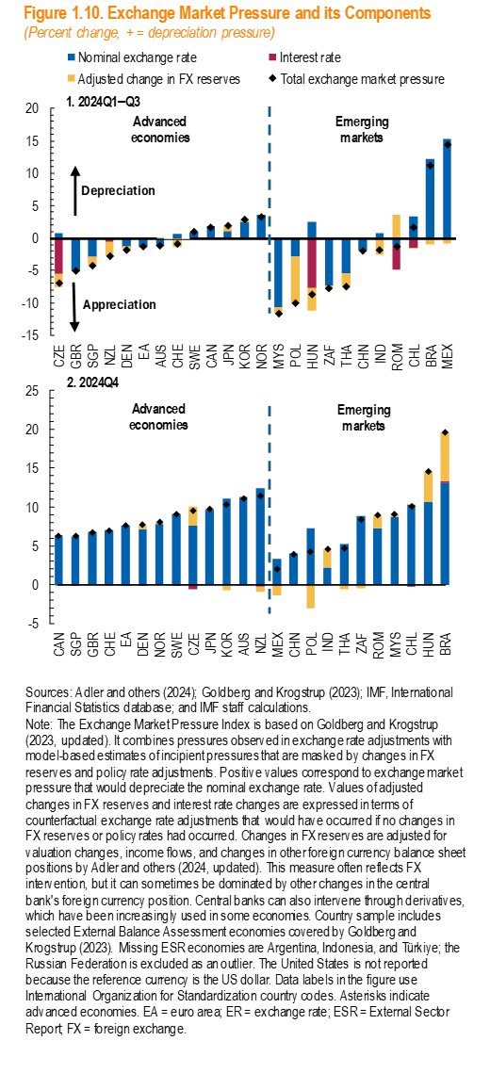
2024Q1-Q3 | Code | Nominal exchange rate | Interest rate | Adjusted change in FX reserves | Total exchange market pressure | 2024Q4 | Code | Nominal exchange rate | Interest rate | Adjusted change in FX reserves | Total EMP Post-Election
1 | CZE | 0.74716 | -5.50789 | -2.12044 | -6.88117 | 1 | CAN | 6.32452 | -0.0175 | -0.01751 | 6.2895
1 | GBR | -5.06178 | -0.01023 | 0 | -5.07201 | 1 | SGP | 6.1149 | -0.03367 | 0.22251 | 6.3037
1 | SGP | -2.83259 | -0.01531 | -1.34053 | -4.18844 | 1 | GBR | 6.73402 | 0.00257 | 0 | 6.7366
1 | NZL | -0.02904 | -0.48983 | -2.17581 | -2.69467 | 1 | CHE | 7.01108 | -0.01383 | -0.10369 | 6.8936
1 | DEN | -1.19087 | -0.0169 | -0.56561 | -1.77338 | 1 | EA | 7.58045 | -0.0124 | 0 | 7.5680
1 | EA | -1.23364 | -0.02013 | 0 | -1.25377 | 1 | DEN | 7.10067 | -0.0169 | 0.57495 | 7.6587
1 | AUS | -1.09 | -0.00126 | 0.01765 | -1.07361 | 1 | NOR | 7.81927 | 0 | 0.17604 | 7.9953
1 | CHE | 0.58925 | -0.02051 | -1.34839 | -0.77964 | 1 | SWE | 9.07192 | -0.0242 | 0.02255 | 9.0703
1 | SWE | 0.86642 | -0.01614 | 0.13292 | 0.9832 | 1 | CZE | 7.56411 | -0.55079 | 2.53033 | 9.5437
1 | CAN | 1.86037 | -0.05275 | -0.03282 | 1.77481 | 1 | JPN | 9.66867 | 0.00598 | 0 | 9.6747
1 | JPN | 1.00871 | 0.01748 | 0.98845 | 2.01464 | 1 | KOR | 11.05035 | -0.03723 | -0.67217 | 10.3410
1 | KOR | 2.47447 | 0 | 0.46387 | 2.93834 | 1 | AUS | 11.14935 | 0.00792 | -0.0564 | 11.1009
1 | NOR | 3.60185 | 0 | -0.30278 | 3.29908 | 1 | NZL | 12.3792 | -0.20506 | -0.72468 | 11.4495
0 | MYS | -10.71935 | 0 | -0.88961 | -11.60896 | 0 | MEX | 3.28836 | -0.08826 | -1.24931 | 1.9508
0 | POL | -2.84603 | 0 | -7.15345 | -9.99948 | 0 | CHN | 4.03772 | 0 | -0.15034 | 3.8874
0 | HUN | 2.55505 | -7.63331 | -3.56946 | -8.64772 | 0 | POL | 7.25417 | 0 | -3.0747 | 4.1795
0 | ZAF | -7.30475 | -0.04077 | -0.36641 | -7.71194 | 0 | IND | 2.17631 | 0 | 2.36991 | 4.5462
0 | THA | -5.41104 | 0 | -1.99455 | -7.40559 | 0 | THA | 5.23601 | -0.05469 | -0.48425 | 4.6971
0 | CHN | -1.82363 | -0.12886 | 0.03515 | -1.91734 | 0 | ZAF | 8.82266 | -0.04077 | -0.38895 | 8.3929
0 | IND | 0.80882 | 0 | -2.61086 | -1.80204 | 0 | ROM | 7.29237 | 0 | 1.63346 | 8.9258
0 | ROM | -1.05414 | -3.77221 | 3.57978 | -1.24658 | 0 | MYS | 8.69891 | 0 | 0.32056 | 9.0195
0 | CHL | 3.27952 | -1.49586 | -0.10359 | 1.68008 | 0 | CHL | 10.29157 | -0.27197 | 0.06032 | 10.0799
0 | BRA | 12.17041 | -0.14998 | -0.79022 | 11.23021 | 0 | HUN | 10.62821 | 0 | 3.94977 | 14.5780
0 | MEX | 15.34394 | -0.13239 | -0.77438 | 14.43717 | 0 | BRA | 13.11766 | 0.22497 | 6.26446 | 19.6071

Figure 1.11
Panel 1 - China |  |  |  |  | Panel 2 - EM Excluding China

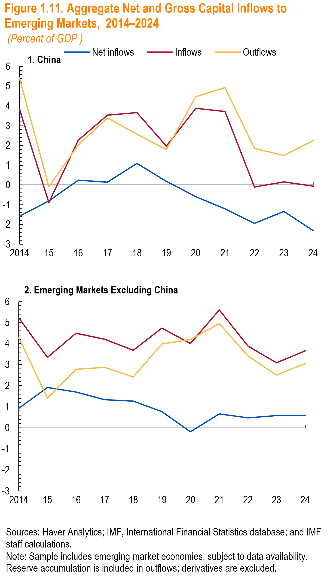
 |  | Net inflows | Inflows | Outflows |  |  | Net inflows | Inflows | Outflows
 | 2014 | -1.6 | 3.8 | 5.4 |  | 2014 | 0.93585 | 5.21509 | 4.27923
 | 2015 | -0.8 | -0.9 | -0.1 |  | 2015 | 1.91622 | 3.34013 | 1.42391
 | 2016 | 0.2 | 2.3 | 2.0 |  | 2016 | 1.70364 | 4.48611 | 2.78246
 | 2017 | 0.1 | 3.5 | 3.4 |  | 2017 | 1.33408 | 4.20963 | 2.87555
 | 2018 | 1.1 | 3.7 | 2.6 |  | 2018 | 1.26678 | 3.67827 | 2.4115
 | 2019 | 0.2 | 2.0 | 1.8 |  | 2019 | 0.76489 | 4.73692 | 3.97203
 | 2020 | -0.6 | 3.9 | 4.5 |  | 2020 | -0.18755 | 4.00955 | 4.1971
 | 2021 | -1.2 | 3.7 | 4.9 |  | 2021 | 0.65749 | 5.60077 | 4.94329
 | 2022 | -1.9 | -0.1 | 1.8 |  | 2022 | 0.47816 | 3.88938 | 3.41122
 | 2023 | -1.3 | 0.2 | 1.5 |  | 2023 | 0.58749 | 3.09055 | 2.50306
 | 2024 | -2.3 | -0.1 | 2.3 |  | 2024 | 0.59612 | 3.6503 | 3.05418

Figure 1.12
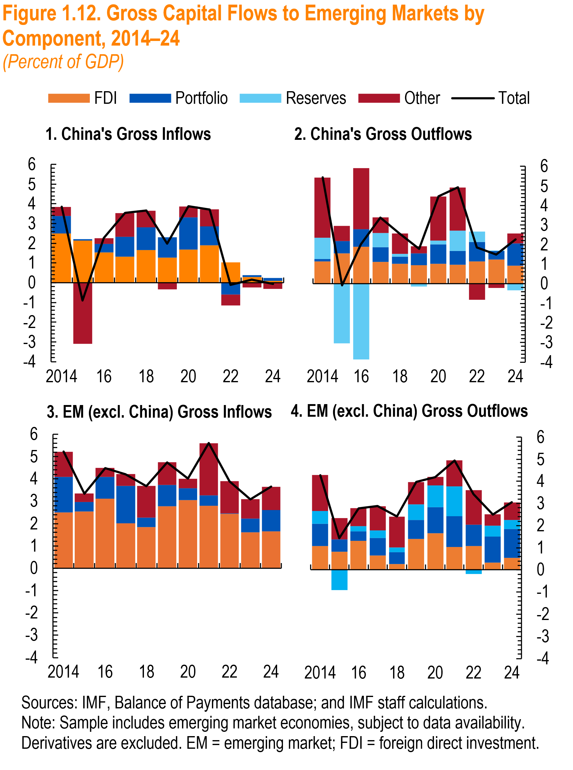
Panel 1 |  |  |  |  |  | Panel 2 |  |  |  |  |  |  |  | Panel 3 |  |  |  |  | Panel 4

 |  | Inflows | FDI | Portfolio | Other |  |  | Total | FDI | Portfolio | Reserves | Other | month |  | Inflows | FDI | Portfolio | Other |  |  | Total | FDI | Portfolio | Reserves | Other
 | 2014 | 3.8 | 2.5 | 0.9 | 0.5 |  | 2014 | 5.4 | 1.2 | 0.1 | 1.1 | 3.1 |  | 2014 | 5.2 | 2.49522 | 1.59562 | 1.12425 |  | 2014 | 4.27923 | 1.07941 | 1.00325 | 0.57212 | 1.62445
 | 2015 | -0.9 | 2.1 | 0.1 | -3.1 |  | 2015 | -0.1 | 1.5 | 0.6 | -3.0 | 0.8 |  | 2015 | 3.3 | 2.53209 | 0.4347 | 0.37334 |  | 2015 | 1.42391 | 0.82443 | 0.54551 | -0.92017 | 0.97414
 | 2016 | 2.3 | 1.5 | 0.4 | 0.3 |  | 2016 | 2.0 | 1.9 | 0.9 | -3.9 | 3.1 |  | 2016 | 4.5 | 3.11485 | 0.96552 | 0.40574 |  | 2016 | 2.78246 | 1.32276 | 0.41026 | 0.24399 | 0.80545
 | 2017 | 3.5 | 1.3 | 1.0 | 1.2 |  | 2017 | 3.4 | 1.1 | 0.8 | 0.7 | 0.8 |  | 2017 | 4.2 | 2.00929 | 1.68765 | 0.51269 |  | 2017 | 2.87555 | 0.64368 | 0.80177 | 0.34429 | 1.08581
 | 2018 | 3.7 | 1.7 | 1.1 | 0.9 |  | 2018 | 2.6 | 1.0 | 0.4 | 0.1 | 1.0 |  | 2018 | 3.7 | 1.84007 | 0.42712 | 1.41108 |  | 2018 | 2.4115 | 0.26479 | 0.52787 | 0.2268 | 1.39204
 | 2019 | 2.0 | 1.3 | 1.0 | -0.3 |  | 2019 | 1.8 | 0.9 | 0.6 | -0.1 | 0.4 |  | 2019 | 4.7 | 2.77269 | 0.94585 | 1.01838 |  | 2019 | 3.97203 | 1.39581 | 0.85293 | 0.70852 | 1.01477
 | 2020 | 3.9 | 1.7 | 1.6 | 0.6 |  | 2020 | 4.5 | 1.0 | 1.0 | 0.2 | 2.3 |  | 2020 | 4.0 | 3.0421 | 0.54839 | 0.41906 |  | 2020 | 4.1971 | 1.65406 | 1.17468 | 0.98834 | 0.38002
 | 2021 | 3.7 | 1.9 | 1.0 | 0.9 |  | 2021 | 4.9 | 1.0 | 0.7 | 1.0 | 2.2 |  | 2021 | 5.6 | 2.80405 | 0.45795 | 2.33877 |  | 2021 | 4.94329 | 1.04167 | 1.38741 | 1.34601 | 1.1682
 | 2022 | -0.1 | 1.0 | -0.6 | -0.5 |  | 2022 | 1.8 | 1.1 | 1.0 | 0.5 | -0.8 |  | 2022 | 3.9 | 2.43734 | 0.01516 | 1.43688 |  | 2022 | 3.41122 | 1.0849 | 0.94825 | -0.18733 | 1.5654
 | 2023 | 0.2 | 0.3 | 0.1 | -0.2 |  | 2023 | 1.5 | 1.2 | 0.4 | 0.0 | -0.2 |  | 2023 | 3.1 | 1.60482 | 0.61444 | 0.87129 |  | 2023 | 2.50306 | 0.32008 | 1.17991 | 0.50347 | 0.4996
 | 2024 | -0.1 | 0.1 | 0.1 | -0.3 |  | 2024 | 2.3 | 0.9 | 1.1 | -0.3 | 0.5 |  | 2024 | 3.7 | 1.65027 | 0.94975 | 1.05028 |  | 2024 | 3.05418 | 0.5445 | 1.30747 | 0.40417 | 0.79804

Figure 1.13
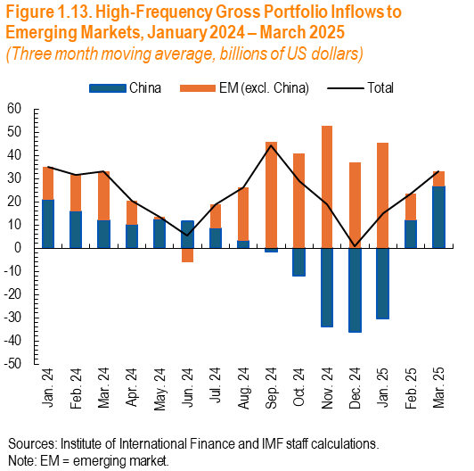
Panel 1 - China

 | China | EM (excl. China) | Total
2024-01-01 | 20.83 | 14.30 | 35.12
2024-02-01 | 15.94 | 15.79 | 31.72
2024-03-01 | 12.10 | 21.09 | 33.19
2024-04-01 | 10.13 | 10.41 | 20.54
2024-05-01 | 12.41 | 1.05 | 13.47
2024-06-01 | 11.64 | -6.04 | 5.60
2024-07-01 | 8.48 | 10.39 | 18.88
2024-08-01 | 3.06 | 23.02 | 26.08
2024-09-01 | -1.47 | 45.64 | 44.17
2024-10-01 | -12.03 | 40.92 | 28.89
2024-11-01 | -33.67 | 52.73 | 19.06
2024-12-01 | -36.18 | 36.85 | 0.67
2025-01-01 | -30.46 | 45.42 | 14.96
2025-02-01 | 11.97 | 11.61 | 23.58
2025-03-01 | 26.39 | 6.90 | 33.29

Figure 1.14
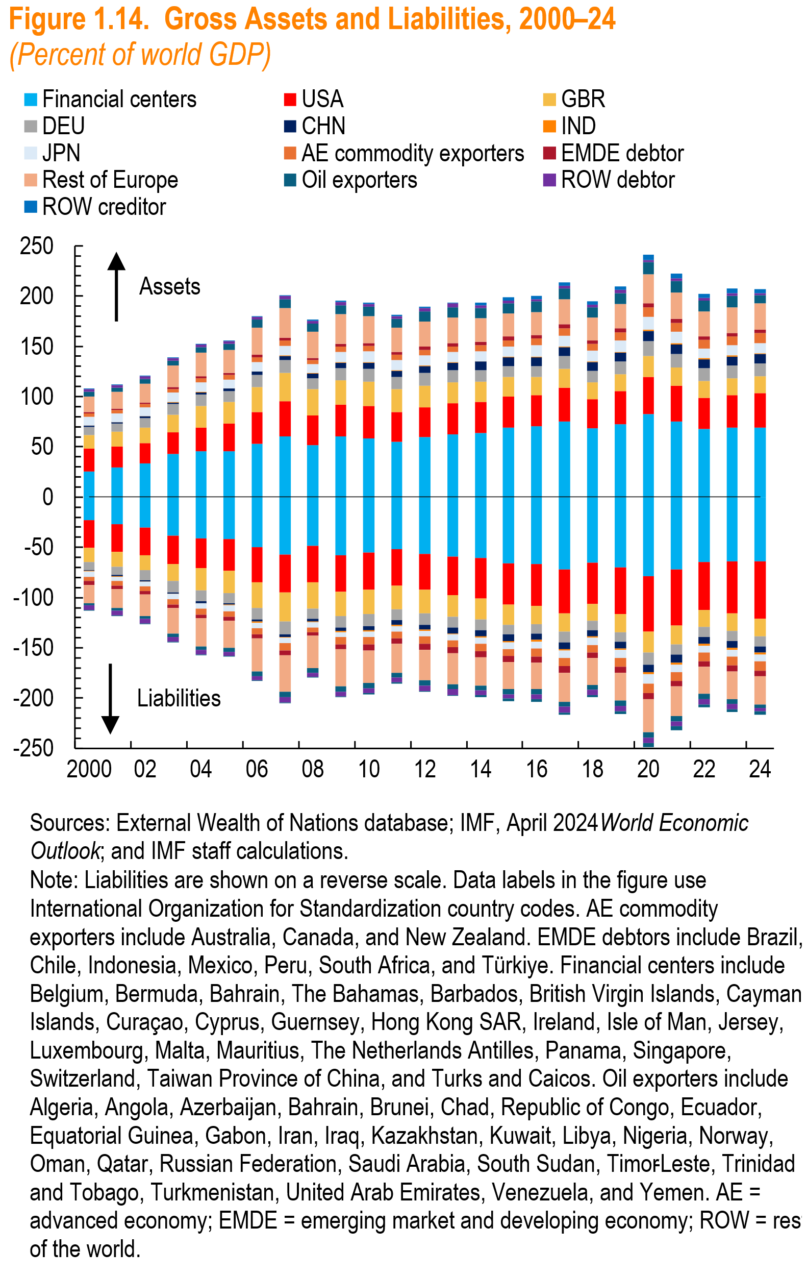

year | Financial centers | Financial_l | USA | USA_l | GBR | GBR_l | DEU | DEU_l | CHN | CHN_l | IND | IND_l | JPN | JPN_l | AE commodity exporters | AEcommodity_l | EMDE debtor | EMDEdeficit_l | Rest of Europe | RestEurope_l | Oil exporters | Oilexporters_l | ROW debtor | ROWdeficit_l | ROW creditor | ROWsurplus_l | zero
2000 | 25.70783 | -23.264 | 22.238 | (27) | 13.88883 | -14.25676 | 7.907244 | -7.903648 | 1.262148 | -1.130547 | 0.1702143 | -0.4088583 | 8.713146 | -5.329661 | 3.441637 | -4.263197 | 1.435138 | -3.694309 | 15.58638 | -18.1016 | 4.393168 | -2.52439 | 2.378695 | -4.491276 | 0.0830187 | -0.0354312 | 0
2001 | 29.51639 | -26.750 | 21.012 | (28) | 14.29612 | -14.62404 | 8.329039 | -8.049037 | 1.439707 | -1.331286 | 0.1936277 | -0.4304971 | 8.520617 | -4.510108 | 3.44431 | -4.239292 | 1.468874 | -3.656601 | 16.31521 | -18.47716 | 4.480135 | -2.662331 | 2.443778 | -4.65752 | 0.0906273 | -0.0328347 | 0
2002 | 33.67772 | -30.418 | 19.991 | (27) | 15.44407 | -15.40144 | 9.483288 | -9.592331 | 1.664606 | -1.385704 | 0.2499619 | -0.4488498 | 8.741755 | -4.569555 | 3.352739 | -4.420837 | 1.541764 | -3.468692 | 18.61977 | -21.54485 | 4.687355 | -2.842427 | 2.566686 | -4.63339 | 0.0991901 | -0.0347358 | 0
2003 | 42.7882 | -38.705 | 21.729 | (28) | 17.13322 | -17.17455 | 10.73701 | -10.80098 | 1.843414 | -1.477296 | 0.3102969 | -0.4855929 | 9.180535 | -5.086729 | 3.943985 | -5.328545 | 1.655823 | -3.589001 | 21.60132 | -25.55545 | 5.018001 | -3.079015 | 2.706677 | -4.69381 | 0.1068725 | -0.0356295 | 0
2004 | 45.28857 | -41.202 | 23.750 | (29) | 21.81489 | -22.26524 | 11.13545 | -10.93011 | 2.125325 | -1.583695 | 0.3463096 | -0.5318243 | 9.43924 | -5.413137 | 4.237137 | -5.573849 | 1.711952 | -3.612808 | 23.58112 | -28.13709 | 5.360749 | -3.333349 | 2.95357 | -4.761492 | 0.0929258 | -0.0235012 | 0
2005 | 45.50599 | -41.669 | 27.673 | (32) | 21.65357 | -22.04668 | 10.37801 | -9.75021 | 2.581768 | -1.844431 | 0.3441227 | -0.6170405 | 8.969987 | -5.782593 | 4.350693 | -5.661105 | 1.828348 | -3.865578 | 22.94571 | -26.97363 | 6.008945 | -3.626296 | 2.640168 | -4.414273 | 0.5369311 | -0.4126854 | 0
2006 | 53.26765 | -49.740 | 31.388 | (35) | 24.90983 | -25.51461 | 11.93236 | -11.24844 | 3.277443 | -2.352023 | 0.4361331 | -0.7633768 | 9.046409 | -5.581993 | 4.99936 | -6.186164 | 2.140659 | -4.277741 | 27.39795 | -32.51899 | 7.518943 | -4.511945 | 2.796852 | -4.455512 | 0.8654433 | -0.73858 | 0
2007 | 60.13059 | -57.467 | 35.051 | (38) | 28.30378 | -28.93945 | 12.97567 | -12.39886 | 4.15801 | -2.596457 | 0.5612856 | -1.092906 | 9.14526 | -5.415069 | 5.507093 | -6.980435 | 2.489852 | -4.897687 | 29.92739 | -36.16087 | 8.657596 | -5.667937 | 3.251656 | -4.953238 | 0.9409254 | -0.7735863 | 0
2008 | 51.40673 | -48.549 | 29.921 | (37) | 26.22401 | -25.96164 | 10.9126 | -10.13469 | 4.596611 | -2.47359 | 0.5131931 | -0.8216262 | 8.909486 | -5.053282 | 3.77401 | -4.864369 | 2.244279 | -3.718313 | 26.26386 | -32.03415 | 7.890386 | -4.415823 | 2.438895 | -4.01946 | 1.224699 | -0.9643303 | 0
2009 | 60.56797 | -57.670 | 31.504 | (36) | 23.82319 | -24.48816 | 12.2328 | -11.17529 | 5.660321 | -3.640349 | 0.6051373 | -1.065183 | 9.895157 | -5.143194 | 5.237392 | -6.899539 | 2.666602 | -5.099739 | 29.85591 | -36.57001 | 8.998139 | -5.276205 | 2.973577 | -4.77759 | 1.448068 | -1.18275 | 0
2010 | 58.56461 | -55.356 | 32.188 | (37) | 24.10665 | -24.38792 | 12.91237 | -12.06059 | 6.164056 | -4.081286 | 0.6082522 | -1.220908 | 10.32734 | -5.642045 | 5.587833 | -7.359289 | 2.942776 | -6.151139 | 26.76386 | -32.19475 | 8.954515 | -5.320901 | 3.012558 | -4.920182 | 1.507993 | -1.28688 | 0
2011 | 54.66727 | -51.847 | 29.570 | (36) | 23.29674 | -23.59364 | 11.78281 | -11.1367 | 6.375208 | -4.467074 | 0.5542226 | -1.014854 | 10.1245 | -5.536362 | 5.000672 | -6.667639 | 2.834993 | -5.484457 | 24.22348 | -28.80881 | 8.619129 | -4.823516 | 2.92853 | -4.745284 | 1.445953 | -1.191837 | 0
2012 | 59.7129 | -56.479 | 29.361 | (36) | 22.02278 | -22.93273 | 12.56742 | -11.72846 | 6.886971 | -4.870539 | 0.559282 | -1.159182 | 10.07491 | -5.525984 | 5.523551 | -7.322122 | 3.177032 | -6.199127 | 24.96183 | -29.98326 | 9.576062 | -5.13581 | 3.585062 | -5.660832 | 1.069069 | -0.8020363 | 0
2013 | 62.3909 | -59.313 | 30.711 | (38) | 20.75973 | -21.32071 | 12.20994 | -11.1305 | 7.730671 | -5.686184 | 0.5740808 | -1.179628 | 9.753729 | -5.794432 | 5.827425 | -6.979937 | 3.256994 | -6.079568 | 25.13639 | -30.39906 | 10.44587 | -5.197166 | 3.780894 | -5.914476 | 1.129984 | -0.8348359 | 0
2014 | 63.87619 | -60.904 | 30.838 | (40) | 20.29338 | -20.98834 | 11.543 | -10.39886 | 8.113433 | -6.348938 | 0.601338 | -1.324878 | 9.684737 | -6.047149 | 6.008986 | -7.029484 | 3.367414 | -6.147799 | 23.73435 | -28.17448 | 10.20612 | -4.671009 | 2.564167 | -4.704236 | 2.48281 | -2.115451 | 0
2015 | 69.11176 | -65.728 | 30.729 | (41) | 19.3408 | -19.93497 | 11.30899 | -9.933629 | 8.21925 | -6.134755 | 0.691808 | -1.474321 | 10.35876 | -6.769422 | 6.335228 | -7.001677 | 3.504628 | -5.781027 | 23.10703 | -27.2512 | 10.34017 | -4.786601 | 2.235982 | -4.424455 | 3.250042 | -2.660919 | 0
2016 | 70.1502 | -66.305 | 30.983 | (42) | 18.12683 | -17.87403 | 11.29579 | -9.746809 | 8.539836 | -6.022523 | 0.6926073 | -1.469968 | 11.04237 | -7.304947 | 6.758689 | -7.482217 | 3.702081 | -6.091784 | 22.89381 | -26.57463 | 10.39771 | -5.115655 | 2.318747 | -4.676322 | 3.415339 | -2.699312 | 0
2017 | 75.44588 | -71.822 | 33.635 | (44) | 18.50208 | -18.61962 | 12.48154 | -10.4843 | 8.775987 | -6.324499 | 0.7387487 | -1.720897 | 11.04522 | -7.480276 | 7.585395 | -7.98246 | 3.85804 | -6.413801 | 24.70728 | -28.93686 | 10.72565 | -5.079481 | 3.023372 | -5.553454 | 3.15412 | -2.481245 | 0
2018 | 68.51098 | -65.574 | 28.799 | (41) | 16.75497 | -16.84819 | 11.57479 | -9.340281 | 8.545203 | -6.183892 | 0.6825469 | -1.592902 | 10.64764 | -7.097199 | 6.826059 | -7.327532 | 3.524789 | -5.778152 | 22.74885 | -26.2796 | 10.08315 | -4.823953 | 2.908648 | -5.42522 | 3.156648 | -2.266665 | 0
2019 | 72.52137 | -70.144 | 32.606 | (46) | 17.35341 | -17.73909 | 12.26292 | -9.787672 | 8.875856 | -6.34988 | 0.773438 | -1.714854 | 11.40915 | -7.704517 | 8.234196 | -8.567148 | 3.628755 | -6.149228 | 24.20937 | -27.59527 | 11.07335 | -5.269176 | 3.123289 | -5.715759 | 3.458957 | -2.386611 | 0
2020 | 82.32483 | -78.556 | 37.135 | (55) | 20.68108 | -21.00979 | 15.01772 | -12.06011 | 10.29471 | -7.749091 | 0.9689763 | -1.92101 | 13.00959 | -8.974023 | 9.444776 | -9.517438 | 3.960791 | -6.11003 | 28.84017 | -32.82127 | 12.09534 | -5.586406 | 2.307803 | -5.013735 | 5.321077 | -4.111635 | 0
2021 | 75.01817 | -72.074 | 35.745 | (56) | 18.11452 | -18.52715 | 13.4065 | -10.59598 | 9.739181 | -7.595846 | 0.9291211 | -1.967389 | 11.35181 | -7.619197 | 9.246629 | -8.894274 | 3.67715 | -5.486834 | 26.14868 | -29.13234 | 11.70712 | -5.330928 | 2.24379 | -4.783768 | 5.099037 | -3.871874 | 0
2022 | 67.48042 | -64.383 | 30.929 | (48) | 16.86402 | -17.23831 | 12.79877 | -10.05738 | 9.071667 | -6.767626 | 0.8489603 | -1.83796 | 10.04324 | -6.924973 | 8.516955 | -8.520541 | 3.45234 | -5.665068 | 24.46814 | -26.91899 | 10.98437 | -4.865004 | 2.67112 | -5.31922 | 4.180849 | -2.938378 | 0
2023 | 69.13766 | -64.062 | 32.380 | (52) | 16.36215 | -17.18333 | 13.08113 | -10.16177 | 9.003799 | -6.363922 | 0.9072734 | -2.038342 | 9.981224 | -6.854466 | 9.14956 | -8.794412 | 3.436746 | -5.80332 | 25.30732 | -27.77619 | 11.53873 | -4.720055 | 2.710655 | -5.342533 | 4.222853 | -2.948462 | 0
2024 | 69.17036 | -63.788 | 34.341 | (57) | 16.49354 | -17.36777 | 13.26147 | -10.05361 | 9.102079 | -6.242954 | 0.9756655 | -2.106348 | 9.956935 | -6.768822 | 9.720055 | -8.916318 | 3.474576 | -5.734115 | 26.02231 | -28.08092 | 8.229442 | -3.464421 | 1.757578 | -3.478439 | 4.594522 | -3.330815 | 0

Figure 1.15
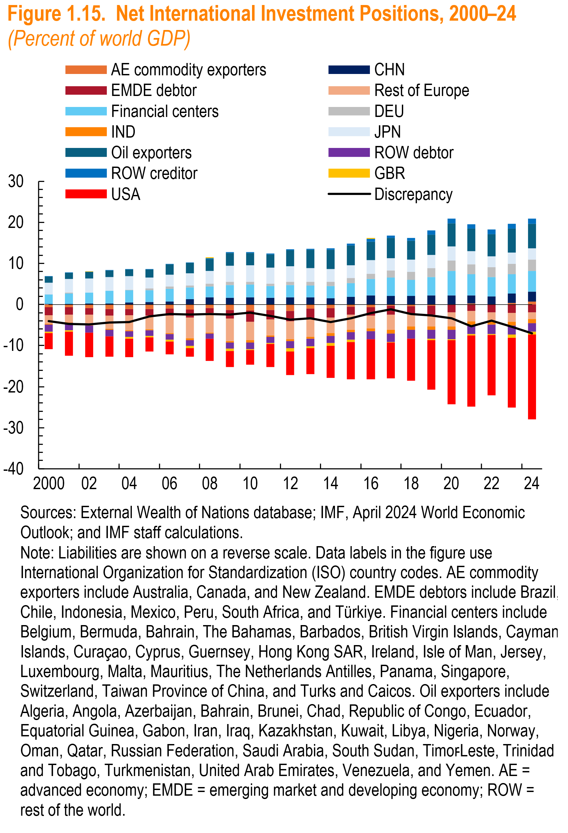
year | AE commodity exporters | CHN | EMDE debtor | Rest of Europe | Financial centers | DEU | IND | JPN | Oil exporters | ROW debtor | ROW creditor | GBR | USA | Discrepancy | zero
2000 | -0.6891695 | 0.11 | -1.90 | -2.11 | 2.32 | 0.00 | -0.20 | 2.838251 | 1.567633 | -1.767368 | 0.039919 | -0.3086402 | -3.962373 | -4.0524214 | 0
2001 | -0.6644562 | 0.09 | -1.83 | -1.81 | 2.51 | 0.23 | -0.20 | 3.352037 | 1.519345 | -1.843341 | 0.0483038 | -0.2740806 | -5.855807 | -4.7130609 | 0
2002 | -0.8844773 | 0.23 | -1.60 | -2.42 | 2.69 | -0.09 | -0.16 | 3.454942 | 1.52776 | -1.702353 | 0.0533737 | 0.0352949 | -5.935767 | -4.8036585 | 0
2003 | -1.127793 | 0.30 | -1.57 | -3.22 | 3.04 | -0.05 | -0.14 | 3.33461 | 1.579401 | -1.612247 | 0.058031 | -0.0336719 | -4.992137 | -4.444458 | 0
2004 | -1.085201 | 0.44 | -1.54 | -3.70 | 2.99 | 0.17 | -0.15 | 3.268565 | 1.645931 | -1.460693 | 0.0563619 | -0.3656074 | -4.558086 | -4.2934906 | 0
2005 | -1.072397 | 0.60 | -1.67 | -3.30 | 2.81 | 0.51 | -0.22 | 2.608454 | 1.949878 | -1.444625 | 0.1016784 | -0.3217085 | -3.411303 | -2.8539991 | 0
2006 | -0.97462 | 0.76 | -1.76 | -4.21 | 3.09 | 0.56 | -0.27 | 2.845026 | 2.469388 | -1.357622 | 0.1041819 | -0.4966595 | -3.130251 | -2.3552113 | 0
2007 | -1.205539 | 1.28 | -1.97 | -5.10 | 2.84 | 0.47 | -0.43 | 3.052171 | 2.446242 | -1.387322 | 0.1369226 | -0.5201228 | -2.094912 | -2.4856899 | 0
2008 | -0.8918257 | 1.74 | -1.21 | -4.72 | 2.66 | 0.64 | -0.25 | 3.154063 | 2.841912 | -1.286915 | 0.2129609 | 0.2145995 | -5.382028 | -2.2839092 | 0
2009 | -1.368368 | 1.66 | -2.00 | -5.53 | 3.02 | 0.87 | -0.38 | 3.912069 | 3.064095 | -1.466708 | 0.2184244 | -0.547437 | -3.943944 | -2.4883005 | 0
2010 | -1.485901 | 1.75 | -2.69 | -4.56 | 3.10 | 0.71 | -0.51 | 3.930032 | 3.047884 | -1.578284 | 0.18547 | -0.2359296 | -3.631304 | -1.9651697 | 0
2011 | -1.403673 | 1.61 | -2.23 | -3.86 | 2.94 | 0.54 | -0.39 | 3.863453 | 3.196103 | -1.503677 | 0.2139786 | -0.2500078 | -5.542529 | -2.811662 | 0
2012 | -1.53722 | 1.72 | -2.58 | -4.29 | 3.03 | 0.72 | -0.51 | 3.887924 | 3.795037 | -1.741164 | 0.2282297 | -0.7777324 | -5.68643 | -3.7453093 | 0
2013 | -0.9829909 | 1.74 | -2.41 | -4.49 | 2.83 | 0.92 | -0.52 | 3.37693 | 4.476679 | -1.780155 | 0.2517354 | -0.4784642 | -6.349578 | -3.4085385 | 0
2014 | -0.8707357 | 1.51 | -2.37 | -3.79 | 3.04 | 0.98 | -0.62 | 3.103755 | 4.722809 | -1.781173 | 0.3134476 | -0.5929764 | -7.881748 | -4.2466244 | 0
2015 | -0.575705 | 1.80 | -1.97 | -3.58 | 3.43 | 1.19 | -0.68 | 3.100617 | 4.797395 | -1.836209 | 0.5089077 | -0.5132605 | -9.07027 | -3.390164 | 0
2016 | -0.6243267 | 2.17 | -2.06 | -3.18 | 4.01 | 1.34 | -0.67 | 3.224997 | 4.557853 | -1.977363 | 0.6178542 | 0.2181322 | -9.693597 | -2.0632497 | 0
2017 | -0.3428134 | 2.12 | -2.21 | -3.65 | 4.40 | 1.72 | -0.85 | 3.077856 | 4.874721 | -2.124894 | 0.5809387 | -0.1014868 | -8.706303 | -1.2113772 | 0
2018 | -0.4319124 | 2.03 | -1.94 | -3.04 | 3.93 | 1.92 | -0.78 | 3.057946 | 4.529671 | -2.102218 | 0.7665303 | -0.0802902 | -10.14314 | -2.2854615 | 0
2019 | -0.2881352 | 2.19 | -2.18 | -2.93 | 4.49 | 2.14 | -0.81 | 3.205968 | 5.022905 | -2.170731 | 0.9280031 | -0.3337646 | -11.96406 | -2.7068373 | 0
2020 | -0.062868 | 2.20 | -1.86 | -3.44 | 5.91 | 2.56 | -0.82 | 3.491619 | 5.631596 | -2.259383 | 1.046423 | -0.284403 | -15.50395 | -3.3928405 | 0
2021 | 0.3053418 | 1.86 | -1.57 | -2.59 | 5.15 | 2.44 | -0.90 | 3.234593 | 5.525458 | -2.121418 | 1.06343 | -0.357568 | -17.34717 | -5.3107707 | 0
2022 | -0.0031369 | 2.02 | -1.94 | -2.14 | 4.62 | 2.40 | -0.87 | 2.727989 | 5.353481 | -2.209797 | 1.086966 | -0.327448 | -14.62575 | -3.9112033 | 0
2023 | 0.3090368 | 2.30 | -2.06 | -2.15 | 4.73 | 2.54 | -0.98 | 2.72079 | 5.933363 | -2.172696 | 1.108929 | -0.7145557 | -16.97442 | -5.4171054 | 0
2024 | 0.6906204 | 2.46 | -1.91 | -1.65 | 5.02 | 2.76 | -0.97 | 2.739424 | 5.91915 | -2.128727 | 1.305185 | -0.7106947 | -20.57701 | -7.0603273 | 0

Figure 1.16
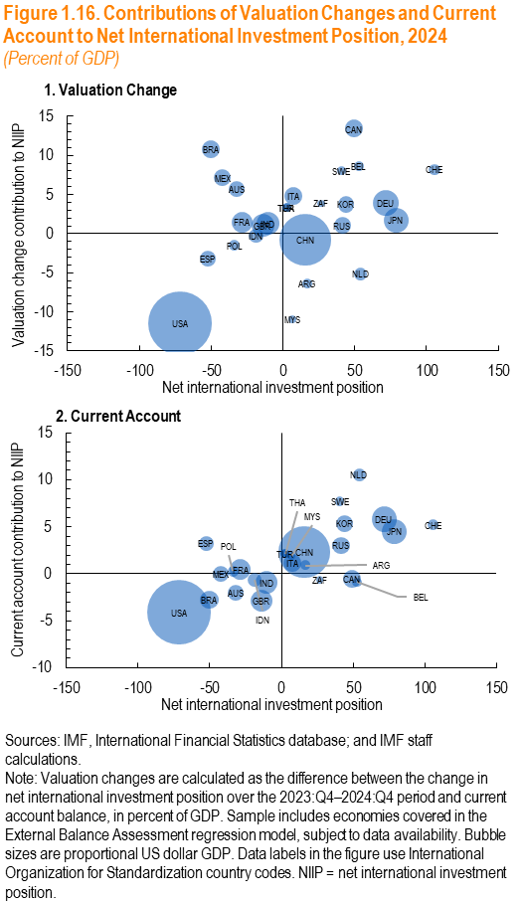

Panel 1
ISO code | NIIP | Valuation | GDP
ARG | 16.72 | -6.39 | 648116
AUS | -32.14 | 5.69 | 1741966
BEL | 52.67 | 8.67 | 644896
BRA | -50.26 | 10.74 | 2192516
CAN | 49.39 | 13.41 | 2174511
CHN | 15.59 | -0.73 | 18300000
FRA | -28.66 | 1.49 | 3057229
DEU | 71.63 | 3.89 | 4529160
IND | -10.45 | 1.32 | 3544549
IDN | -18.81 | -0.27 | 1371346
ITA | 7.40 | 4.85 | 2306913
JPN | 78.72 | 1.73 | 4219200
KOR | 44.07 | 3.76 | 1838447
MYS | 6.73 | -10.97 | 400051
MEX | -42.20 | 7.17 | 1796251
NLD | 54.05 | -5.16 | 1154730
POL | -33.77 | -1.54 | 813169
RUS | 41.35 | 1.04 | 2071200
ZAF | 26.71 | 3.89 | 380705
ESP | -52.41 | -3.21 | 1620658
SWE | 40.68 | 8.05 | 585896
CHE | 105.68 | 8.22 | 895279
THA | 2.53 | 3.33 | 516585
TUR | 2.53 | 3.33 | 516585
GBR | -14.01 | 1.06 | 3372836
USA | -71.62 | -11.42 | 27700000

Panel 2
ISO code | NIIP | CA | GDP
ARG | 16.72 | 0.97 | 648116
AUS | -32.14 | -1.99 | 1741966
BEL | 52.67 | -0.90 | 644896
BRA | -50.26 | -2.73 | 2192516
CAN | 49.39 | -0.52 | 2174511
CHN | 15.59 | 2.28 | 18300000
FRA | -28.66 | 0.44 | 3057229
DEU | 71.63 | 5.83 | 4529160
IND | -10.45 | -0.94 | 3544549
IDN | -18.81 | -0.64 | 1371346
ITA | 7.40 | 1.17 | 2306913
JPN | 78.72 | 4.50 | 4219200
KOR | 44.07 | 5.36 | 1838447
MYS | 6.73 | 1.89 | 400051
MEX | -42.20 | 0.00 | 1796251
NLD | 54.05 | 10.55 | 1154730
POL | -33.77 | 0.27 | 813169
RUS | 41.35 | 3.02 | 2071200
ZAF | 26.71 | -0.64 | 380705
ESP | -52.41 | 3.24 | 1620658
SWE | 40.68 | 7.70 | 585896
CHE | 105.68 | 5.22 | 895279
THA | 2.53 | 2.14 | 516585
TUR | 2.53 | 2.14 | 516585
GBR | -14.01 | -2.86 | 3372836
USA | -71.62 | -4.09 | 27700000

Figure 1.17
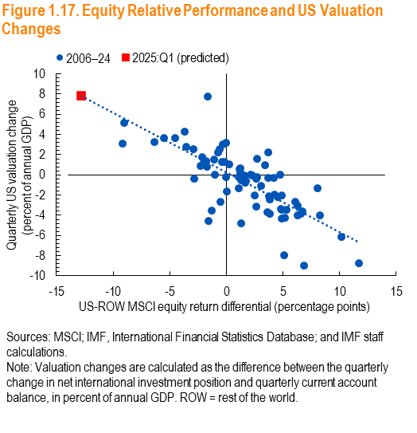

Panel 1
Quarter | MSCI Equity Return Differential | Valuation Change | Trend line
2006q1 | -5.06 | 3.02 | y = -0.5919x + 0.239
2006q2 | -1.78 | 1.34 | R² = 0.6059
2006q3 | 1.66 | -0.79
2006q4 | -3.56 | 2.82
2007q1 | -2.89 | 2.52
2007q2 | -0.28 | 3.00
2007q3 | -0.59 | 2.54
2007q4 | -1.73 | 0.82
2008q1 | -0.49 | -2.64
2008q2 | -0.18 | 1.32
2008q3 | 11.68 | -8.72
2008q4 | -1.29 | -3.55
2009q1 | 2.71 | 1.63
2009q2 | -9.05 | 5.15
2009q3 | -3.70 | 4.32
2009q4 | 3.45 | 1.00
2010q1 | 4.20 | -0.27
2010q2 | 2.52 | -2.03
2010q3 | -4.51 | 3.68
2010q4 | 3.69 | 2.22
2011q1 | 2.31 | -0.05
2011q2 | 0.01 | -0.18
2011q3 | 5.09 | -7.98
2011q4 | 8.04 | -1.35
2012q1 | 2.72 | -0.23
2012q2 | 4.81 | -3.39
2012q3 | -0.74 | 2.21
2012q4 | -6.39 | 3.22
2013q1 | 6.12 | -2.64
2013q2 | 4.89 | -2.07
2013q3 | -5.49 | 3.70
2013q4 | 4.54 | -2.21
2014q1 | 1.24 | 0.18
2014q2 | 1.16 | 0.59
2014q3 | 6.70 | -3.58
2014q4 | 8.27 | -4.00
2015q1 | -2.31 | 0.89
2015q2 | 0.29 | 1.03
2015q3 | 3.87 | -2.42
2015q4 | 2.67 | -0.35
2016q1 | 3.07 | -1.04
2016q2 | 4.23 | -1.91
2016q3 | -2.14 | 1.80
2016q4 | 3.69 | -0.33
2017q1 | -0.35 | 1.32
2017q2 | -2.02 | 1.23
2017q3 | -1.09 | 1.55
2017q4 | 2.15 | 0.03
2018q1 | 1.60 | -0.08
2018q2 | 4.87 | -4.31
2018q3 | 6.28 | -3.08
2018q4 | -1.00 | 0.01
2019q1 | 3.80 | -2.10
2019q2 | 1.11 | -1.29
2019q3 | 2.62 | -3.14
2019q4 | 1.12 | -0.21
2020q1 | 3.81 | -3.84
2020q2 | 6.55 | -3.87
2020q3 | 4.88 | -3.47
2020q4 | -2.83 | -0.36
2021q1 | 1.70 | -0.63
2021q2 | 3.66 | -3.70
2021q3 | 1.30 | -0.49
2021q4 | 6.89 | -8.99
2022q1 | -0.06 | 3.16
2022q2 | -1.64 | 7.78
2022q3 | 4.75 | 0.05
2022q4 | -9.15 | 3.13
2023q1 | 0.05 | -1.64
2023q2 | 6.30 | -3.99
2023q3 | 1.27 | 0.63
2023q4 | 1.34 | -4.77
2024q1 | 5.14 | -4.22
2024q2 | 5.30 | -3.43
2024q3 | -1.57 | -4.56
2024q4 | 10.18 | -6.16
2025:Q1 (predicted) | -12.78 | 7.84

Figure 1.18
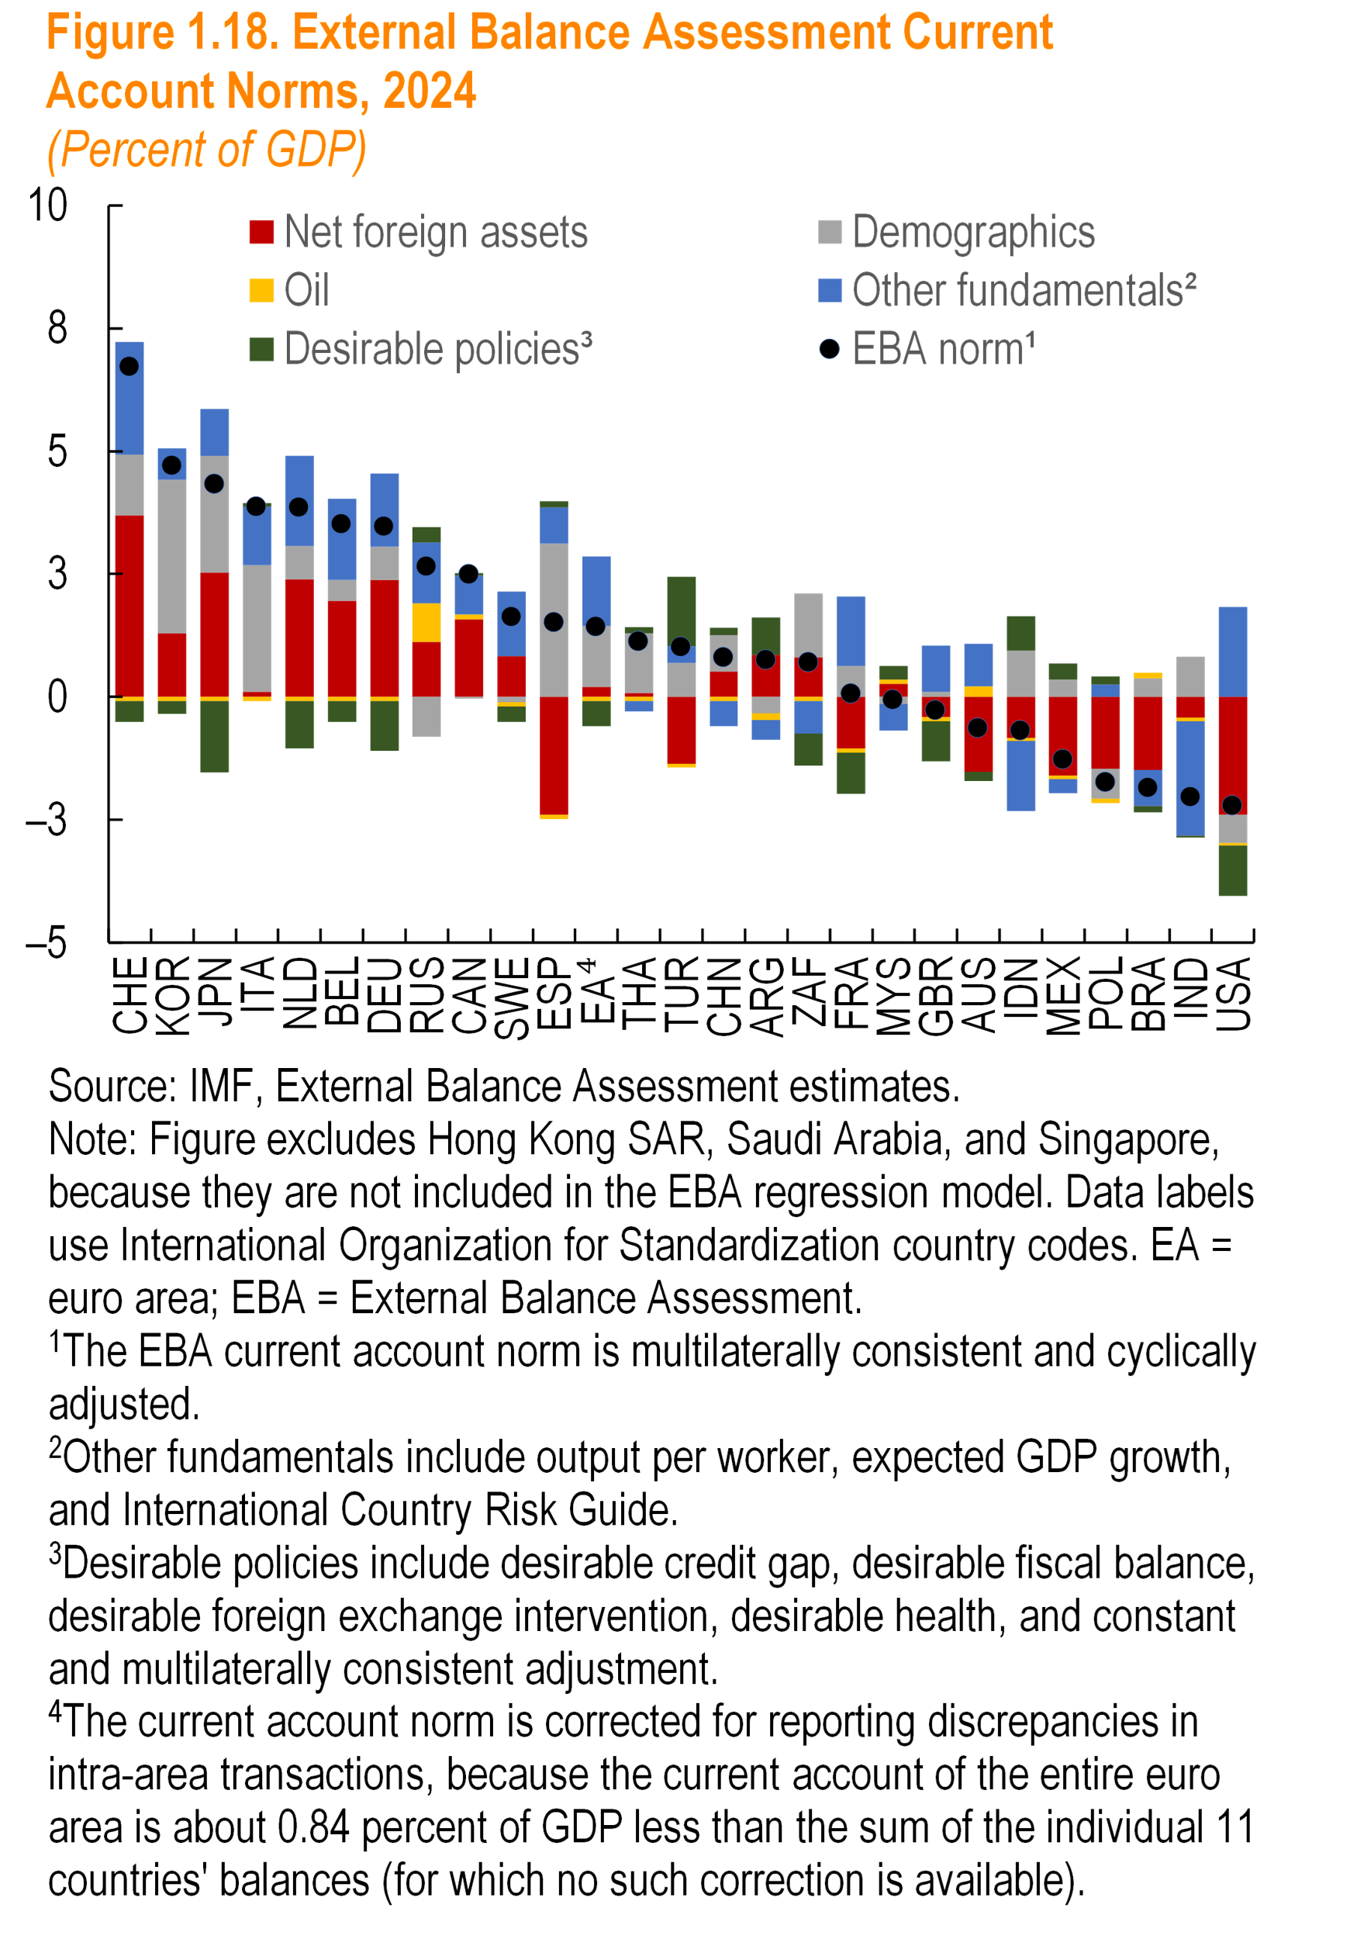
Panel 1
 | EBA norm¹ | Net foreign assets | Demographics | Oil | Other fundamentals² | Desirable policies³
CHE | 6.7 | 3.7 | 1.2 | -0.1 | 2.3 | -0.4
KOR | 4.7 | 1.3 | 3.1 | -0.1 | 0.6 | -0.3
JPN | 4.3 | 2.5 | 2.4 | -0.1 | 1.0 | -1.5
ITA | 3.9 | 0.1 | 2.6 | -0.1 | 1.2 | 0.1
NLD | 3.8 | 2.4 | 0.7 | -0.1 | 1.8 | -1.0
BEL | 3.5 | 1.9 | 0.4 | -0.1 | 1.6 | -0.4
DEU | 3.5 | 2.4 | 0.7 | -0.1 | 1.5 | -1.0
RUS | 2.6 | 1.1 | -0.8 | 0.8 | 1.2 | 0.3
CAN | 2.5 | 1.6 | 0.0 | 0.1 | 0.8 | 0.0
SWE | 1.6 | 0.8 | -0.1 | -0.1 | 1.3 | -0.3
ESP | 1.5 | -2.4 | 3.1 | -0.1 | 0.7 | 0.1
EA⁴ | 1.4 | 0.2 | 1.2 | -0.1 | 1.4 | -0.5
THA | 1.1 | 0.1 | 1.2 | -0.1 | -0.2 | 0.1
TUR | 1.0 | -1.4 | 0.7 | -0.1 | 0.3 | 1.4
CHN | 0.8 | 0.5 | 0.7 | -0.1 | -0.5 | 0.1
ARG | 0.7 | 0.8 | -0.3 | -0.1 | -0.4 | 0.8
ZAF | 0.7 | 0.8 | 1.3 | -0.1 | -0.7 | -0.7
FRA | 0.1 | -1.1 | 0.6 | -0.1 | 1.4 | -0.8
MYS | -0.1 | 0.3 | -0.1 | 0.1 | -0.5 | 0.3
GBR | -0.3 | -0.4 | 0.1 | -0.1 | 0.9 | -0.8
AUS | -0.6 | -1.5 | 0.0 | 0.2 | 0.9 | -0.2
IDN | -0.7 | -0.8 | 0.9 | -0.1 | -1.4 | 0.7
MEX | -1.3 | -1.6 | 0.3 | -0.1 | -0.3 | 0.3
POL | -1.7 | -1.5 | -0.6 | -0.1 | 0.3 | 0.2
BRA | -1.9 | -1.5 | 0.4 | 0.1 | -0.7 | -0.1
IND | -2.0 | -0.4 | 0.8 | -0.1 | -2.3 | 0.0
USA | -2.2 | -2.4 | -0.6 | -0.1 | 1.8 | -1.0

Figure 1.19
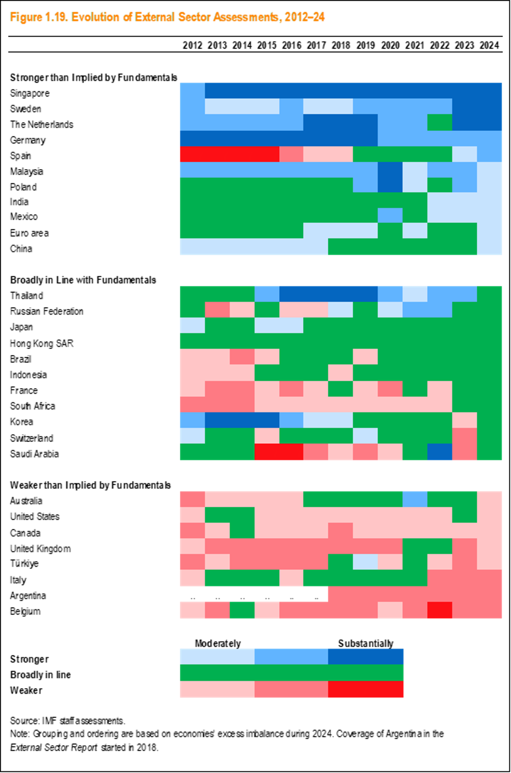

Figure 1.20
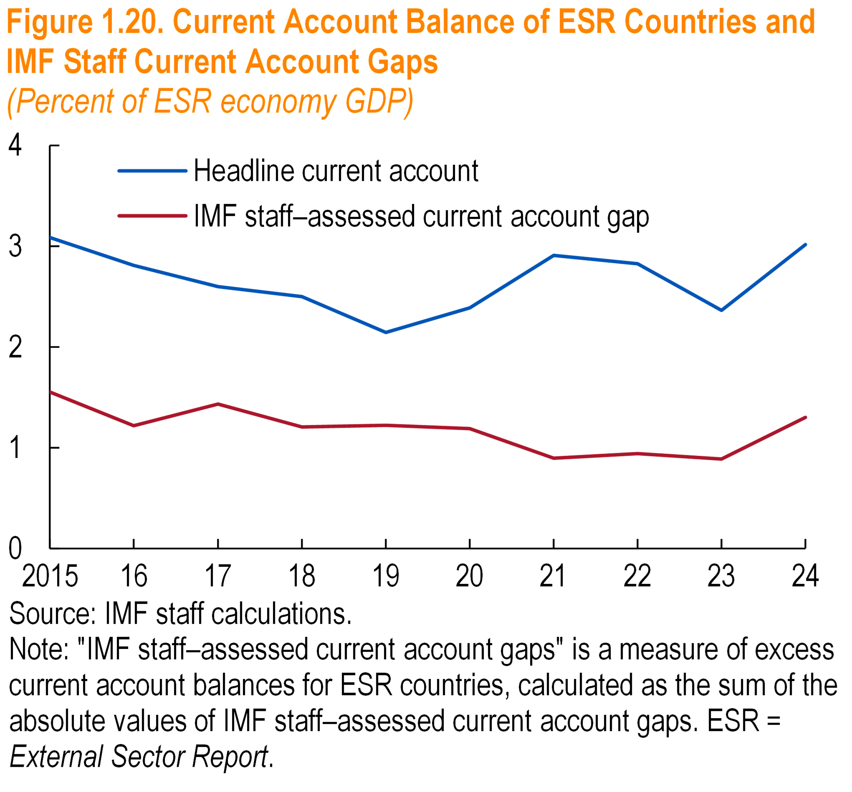

Panel 1
 | Headline current account | IMF staff–assessed current account gap
2015 | 3.09 | 1.55
16 | 2.81 | 1.22
17 | 2.60 | 1.43
18 | 2.50 | 1.21
19 | 2.14 | 1.22
20 | 2.39 | 1.19
21 | 2.91 | 0.90
22 | 2.83 | 0.94
23 | 2.36 | 0.89
24 | 3.02 | 1.30

Figure 1.21
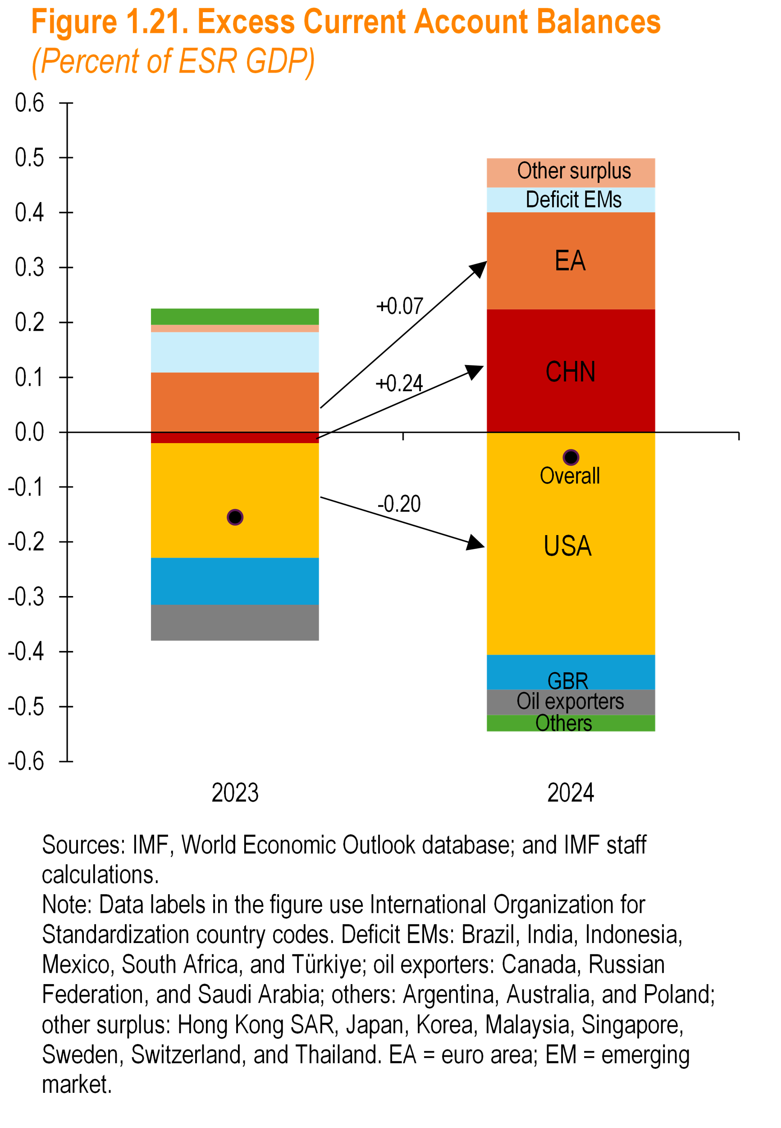

Panel 1
 | 2023 | 2024
CHN | -0.02 | 0.22
EA | 0.11 | 0.18
USA | -0.21 | -0.41
GBR | -0.09 | -0.06
Other surplus | 0.01 | 0.05
Deficit EMs | 0.07 | 0.04
Oil Exporters | -0.07 | -0.05
Others | 0.03 | -0.03
Overall | -0.15 | -0.05

Figure 1.22
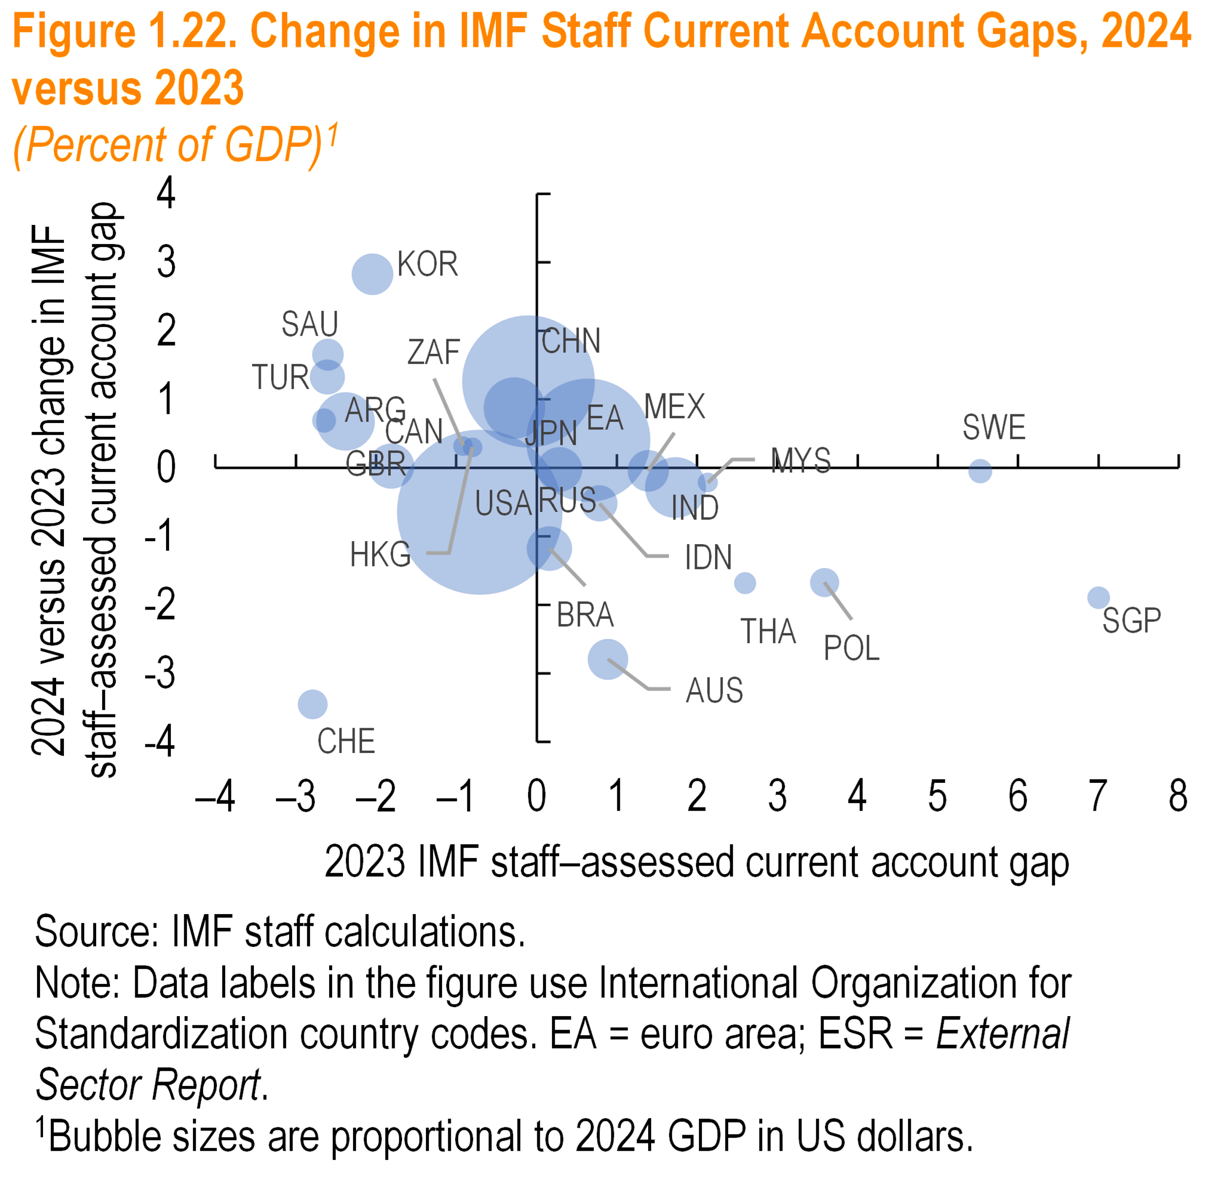

Panel 1
 | 2023 | Change 2024–23 | Gdp weights
CHN | -0.1 | 1.3 | 19.3
EA | 0.6 | 0.4 | 16.9
JPN | -0.3 | 0.9 | 4.1
GBR | -2.4 | 0.7 | 3.7
USA | -0.7 | -0.6 | 30.0
ARG | -2.6 | 0.7 | 0.7
BRA | 0.2 | -1.2 | 2.2
IND | 1.7 | -0.3 | 4.0
IDN | 0.8 | -0.5 | 1.4
MYS | 2.1 | -0.2 | 0.4
MEX | 1.4 | 0.0 | 1.9
RUS | 0.3 | 0.0 | 2.2
POL | 3.6 | -1.7 | 0.9
ZAF | -0.9 | 0.3 | 0.4
THA | 2.6 | -1.7 | 0.5
TUR | -2.6 | 1.3 | 1.4
AUS | 0.9 | -2.8 | 1.8
CAN | -1.8 | 0.0 | 2.3
SAU | -2.6 | 1.7 | 1.1
KOR | -2.0 | 2.8 | 1.9
SWE | 5.5 | 0.0 | 0.6
CHE | -2.8 | -3.5 | 1.0
HKG | -0.8 | 0.3 | 0.4
SGP | 7.0 | -1.9 | 0.6

Figure 1.23
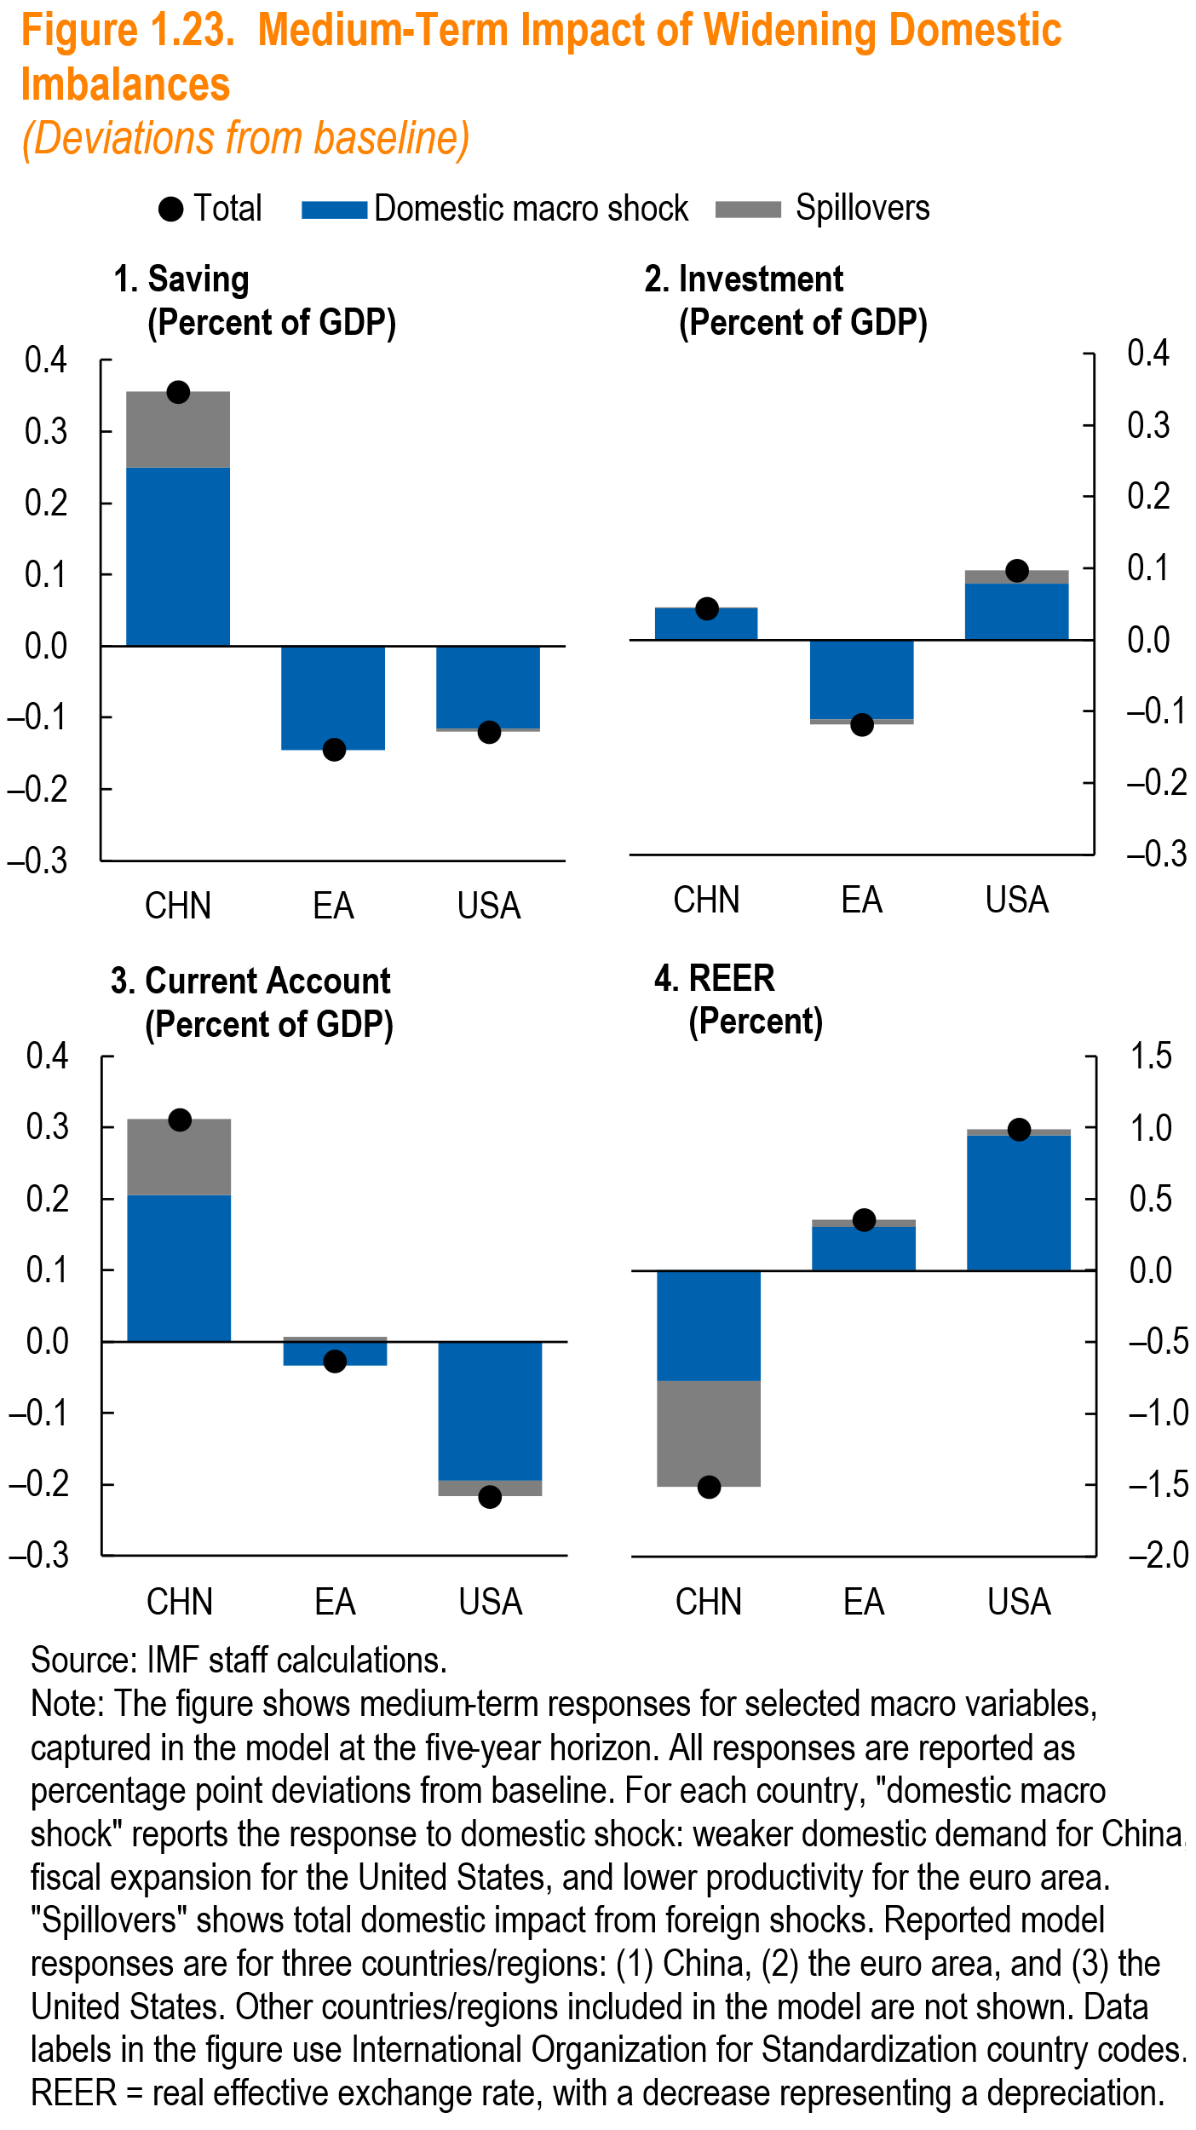
Panel1 |  |  |  | Panel2
Saving | Total | Domestic macro shock | Spillovers | Investment | Total | Domestic macro shock | Spillovers
CHN | 0.36 | 0.25 | 0.11 | CHN | 0.04 | 0.04 | 0.00
EA | -0.14 | -0.14 | 0.00 | EA | -0.12 | -0.11 | -0.01
USA | -0.12 | -0.12 | 0.00 | USA | 0.10 | 0.08 | 0.02

Panel3 |  |  |  | Panel4
Current Account | Total | Domestic macro shock | Spillovers | REER | Total | Domestic macro shock | Spillovers
CHN | 0.31 | 0.21 | 0.11 | CHN | -1.52 | -0.78 | -0.74
EA | -0.03 | -0.03 | 0.01 | EA | 0.36 | 0.30 | 0.06
USA | -0.22 | -0.19 | -0.02 | USA | 0.99 | 0.95 | 0.05

Figure 1.24
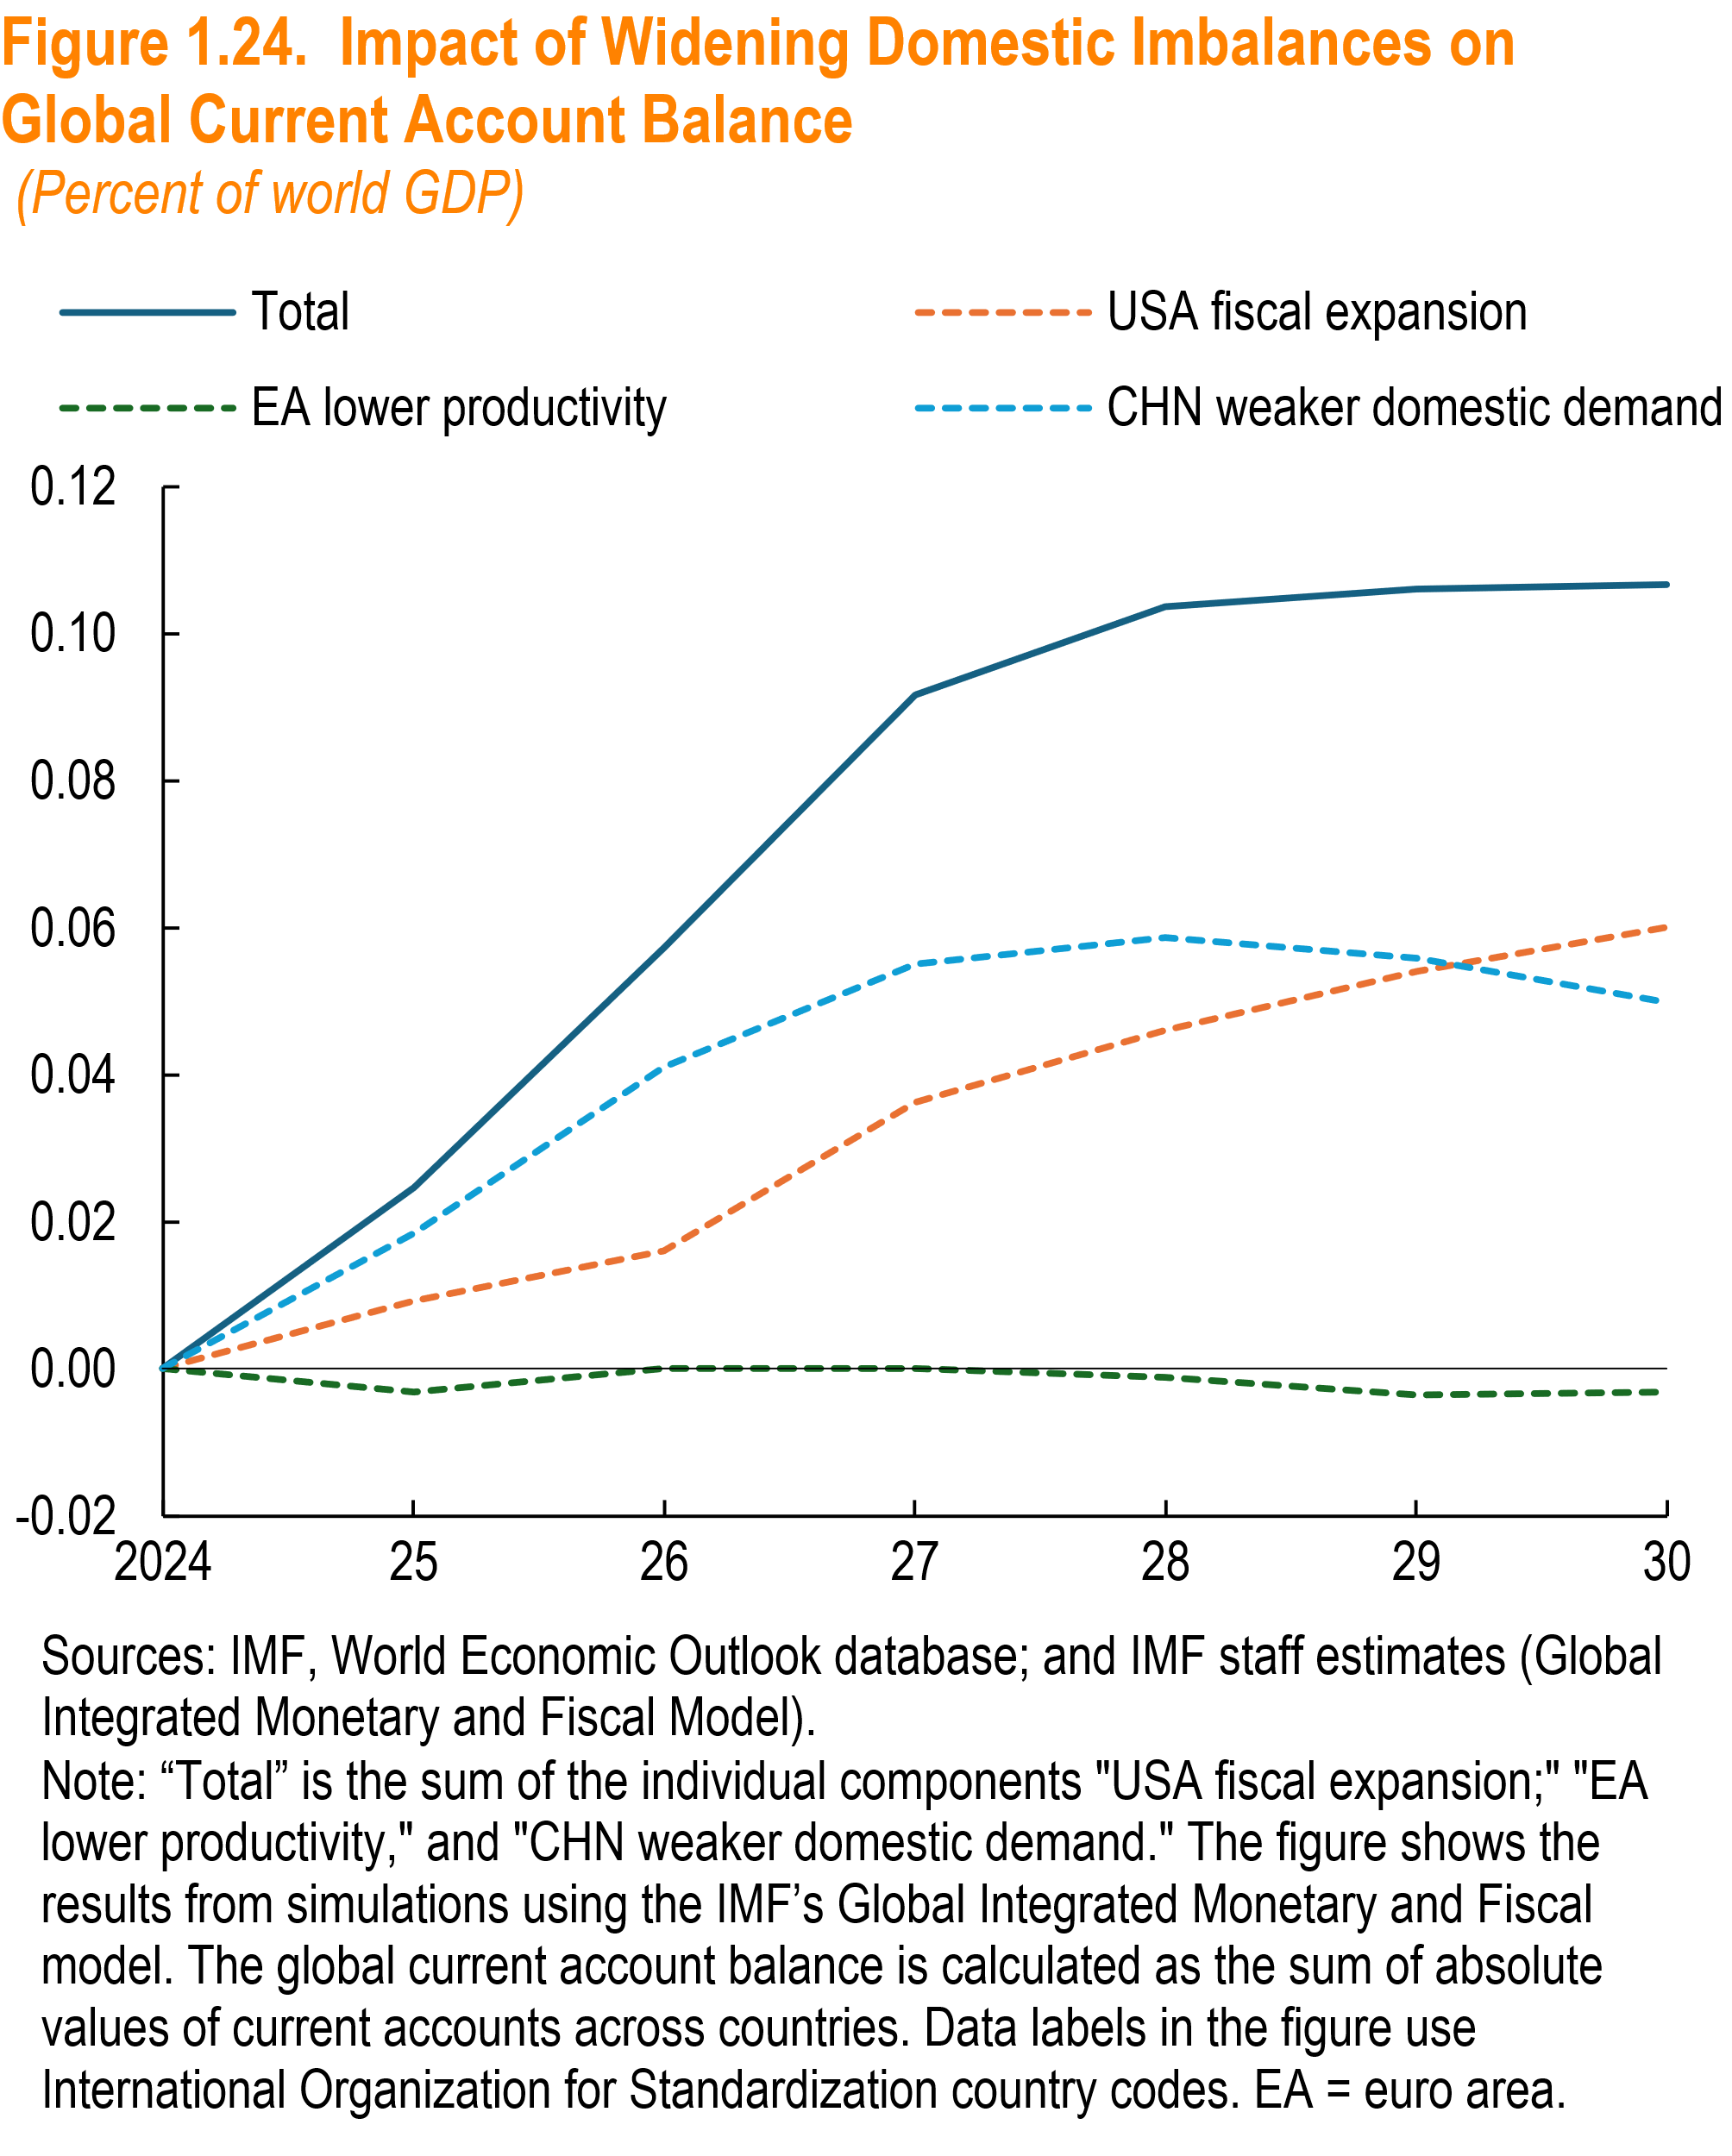
 | Total | USA fiscal expansion | EA lower productivity | CHN weaker domestic demand | zero
2024 | 0.000000 | 0.000000 | 0.000000 | 0.000000 | 0.000000
2025 | 0.024644 | 0.009174 | -0.003105 | 0.018499 | 0.000000
2026 | 0.057331 | 0.015956 | 0.000126 | 0.041125 | 0.000000
2027 | 0.091621 | 0.036171 | 0.000109 | 0.055149 | 0.000000
2028 | 0.103733 | 0.046000 | -0.001090 | 0.058753 | 0.000000
2029 | 0.106111 | 0.054022 | -0.003578 | 0.055756 | 0.000000
2030 | 0.106654 | 0.060139 | -0.003205 | 0.049766 | 0.000000

Figure 1.25
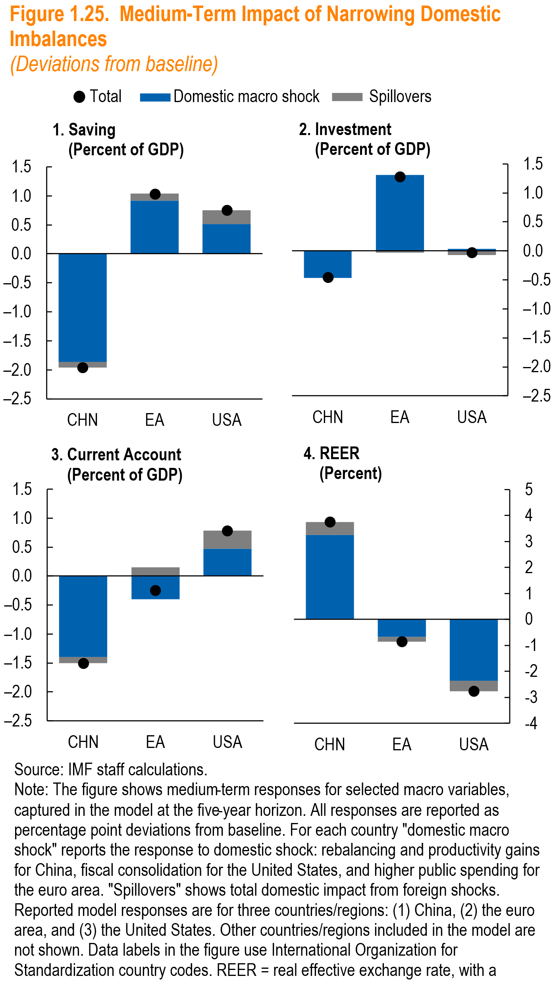

Panel1 |  |  |  | Panel2
Saving | Total | Domestic macro shock | Spillovers | Investment | Total | Domestic macro shock | Spillovers
CHN | -1.96 | -1.86 | -0.10 | CHN | -0.46 | -0.47 | 0.01
EA | 1.03 | 0.91 | 0.12 | EA | 1.28 | 1.31 | -0.03
USA | 0.75 | 0.51 | 0.24 | USA | -0.03 | 0.04 | -0.07

Panel3 |  |  |  | Panel4
Current Account | Total | Domestic macro shock | Spillovers | REER | Total | Domestic macro shock | Spillovers
CHN | -1.50 | -1.39 | -0.11 | CHN | 3.74 | 3.25 | 0.49
EA | -0.24 | -0.40 | 0.15 | EA | -0.85 | -0.68 | -0.17
USA | 0.79 | 0.47 | 0.31 | USA | -2.76 | -2.35 | -0.41

Figure 1.26
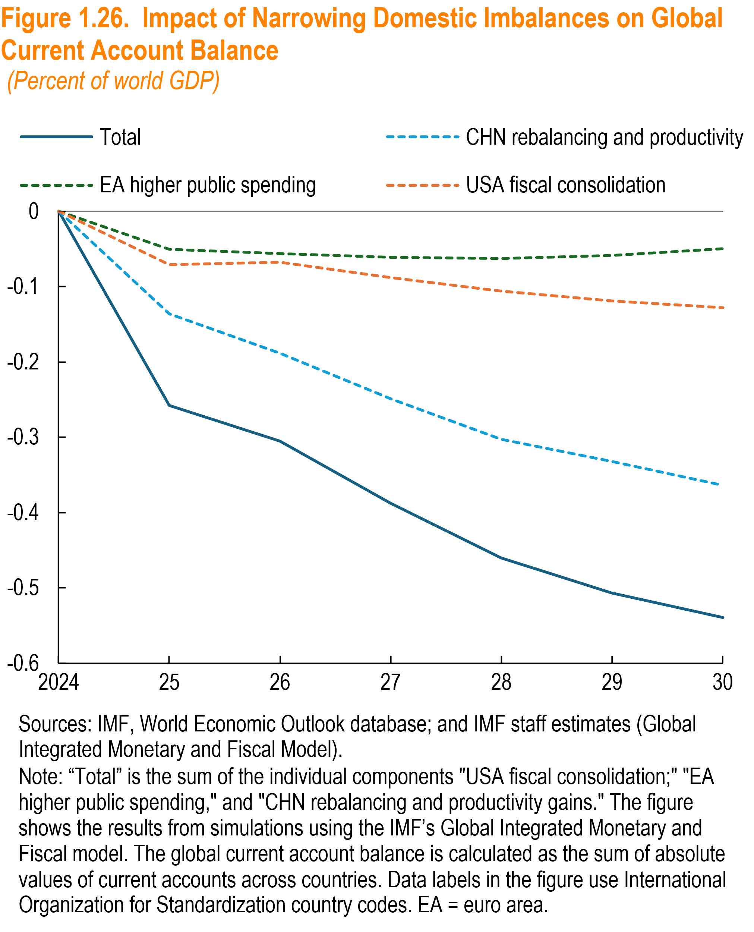

 | Total | CHN rebalancing and productivity | EA higher public spending | USA fiscal consolidation | zero
2024 | 0.00 | 0.00 | 0.00 | 0.00 | 0.00
2025 | -0.26 | -0.14 | -0.05 | -0.07 | 0.00
2026 | -0.31 | -0.19 | -0.06 | -0.07 | 0.00
2027 | -0.39 | -0.25 | -0.06 | -0.09 | 0.00
2028 | -0.46 | -0.30 | -0.06 | -0.11 | 0.00
2029 | -0.51 | -0.33 | -0.06 | -0.12 | 0.00
2030 | -0.54 | -0.36 | -0.05 | -0.13 | 0.00

Figure 1.27
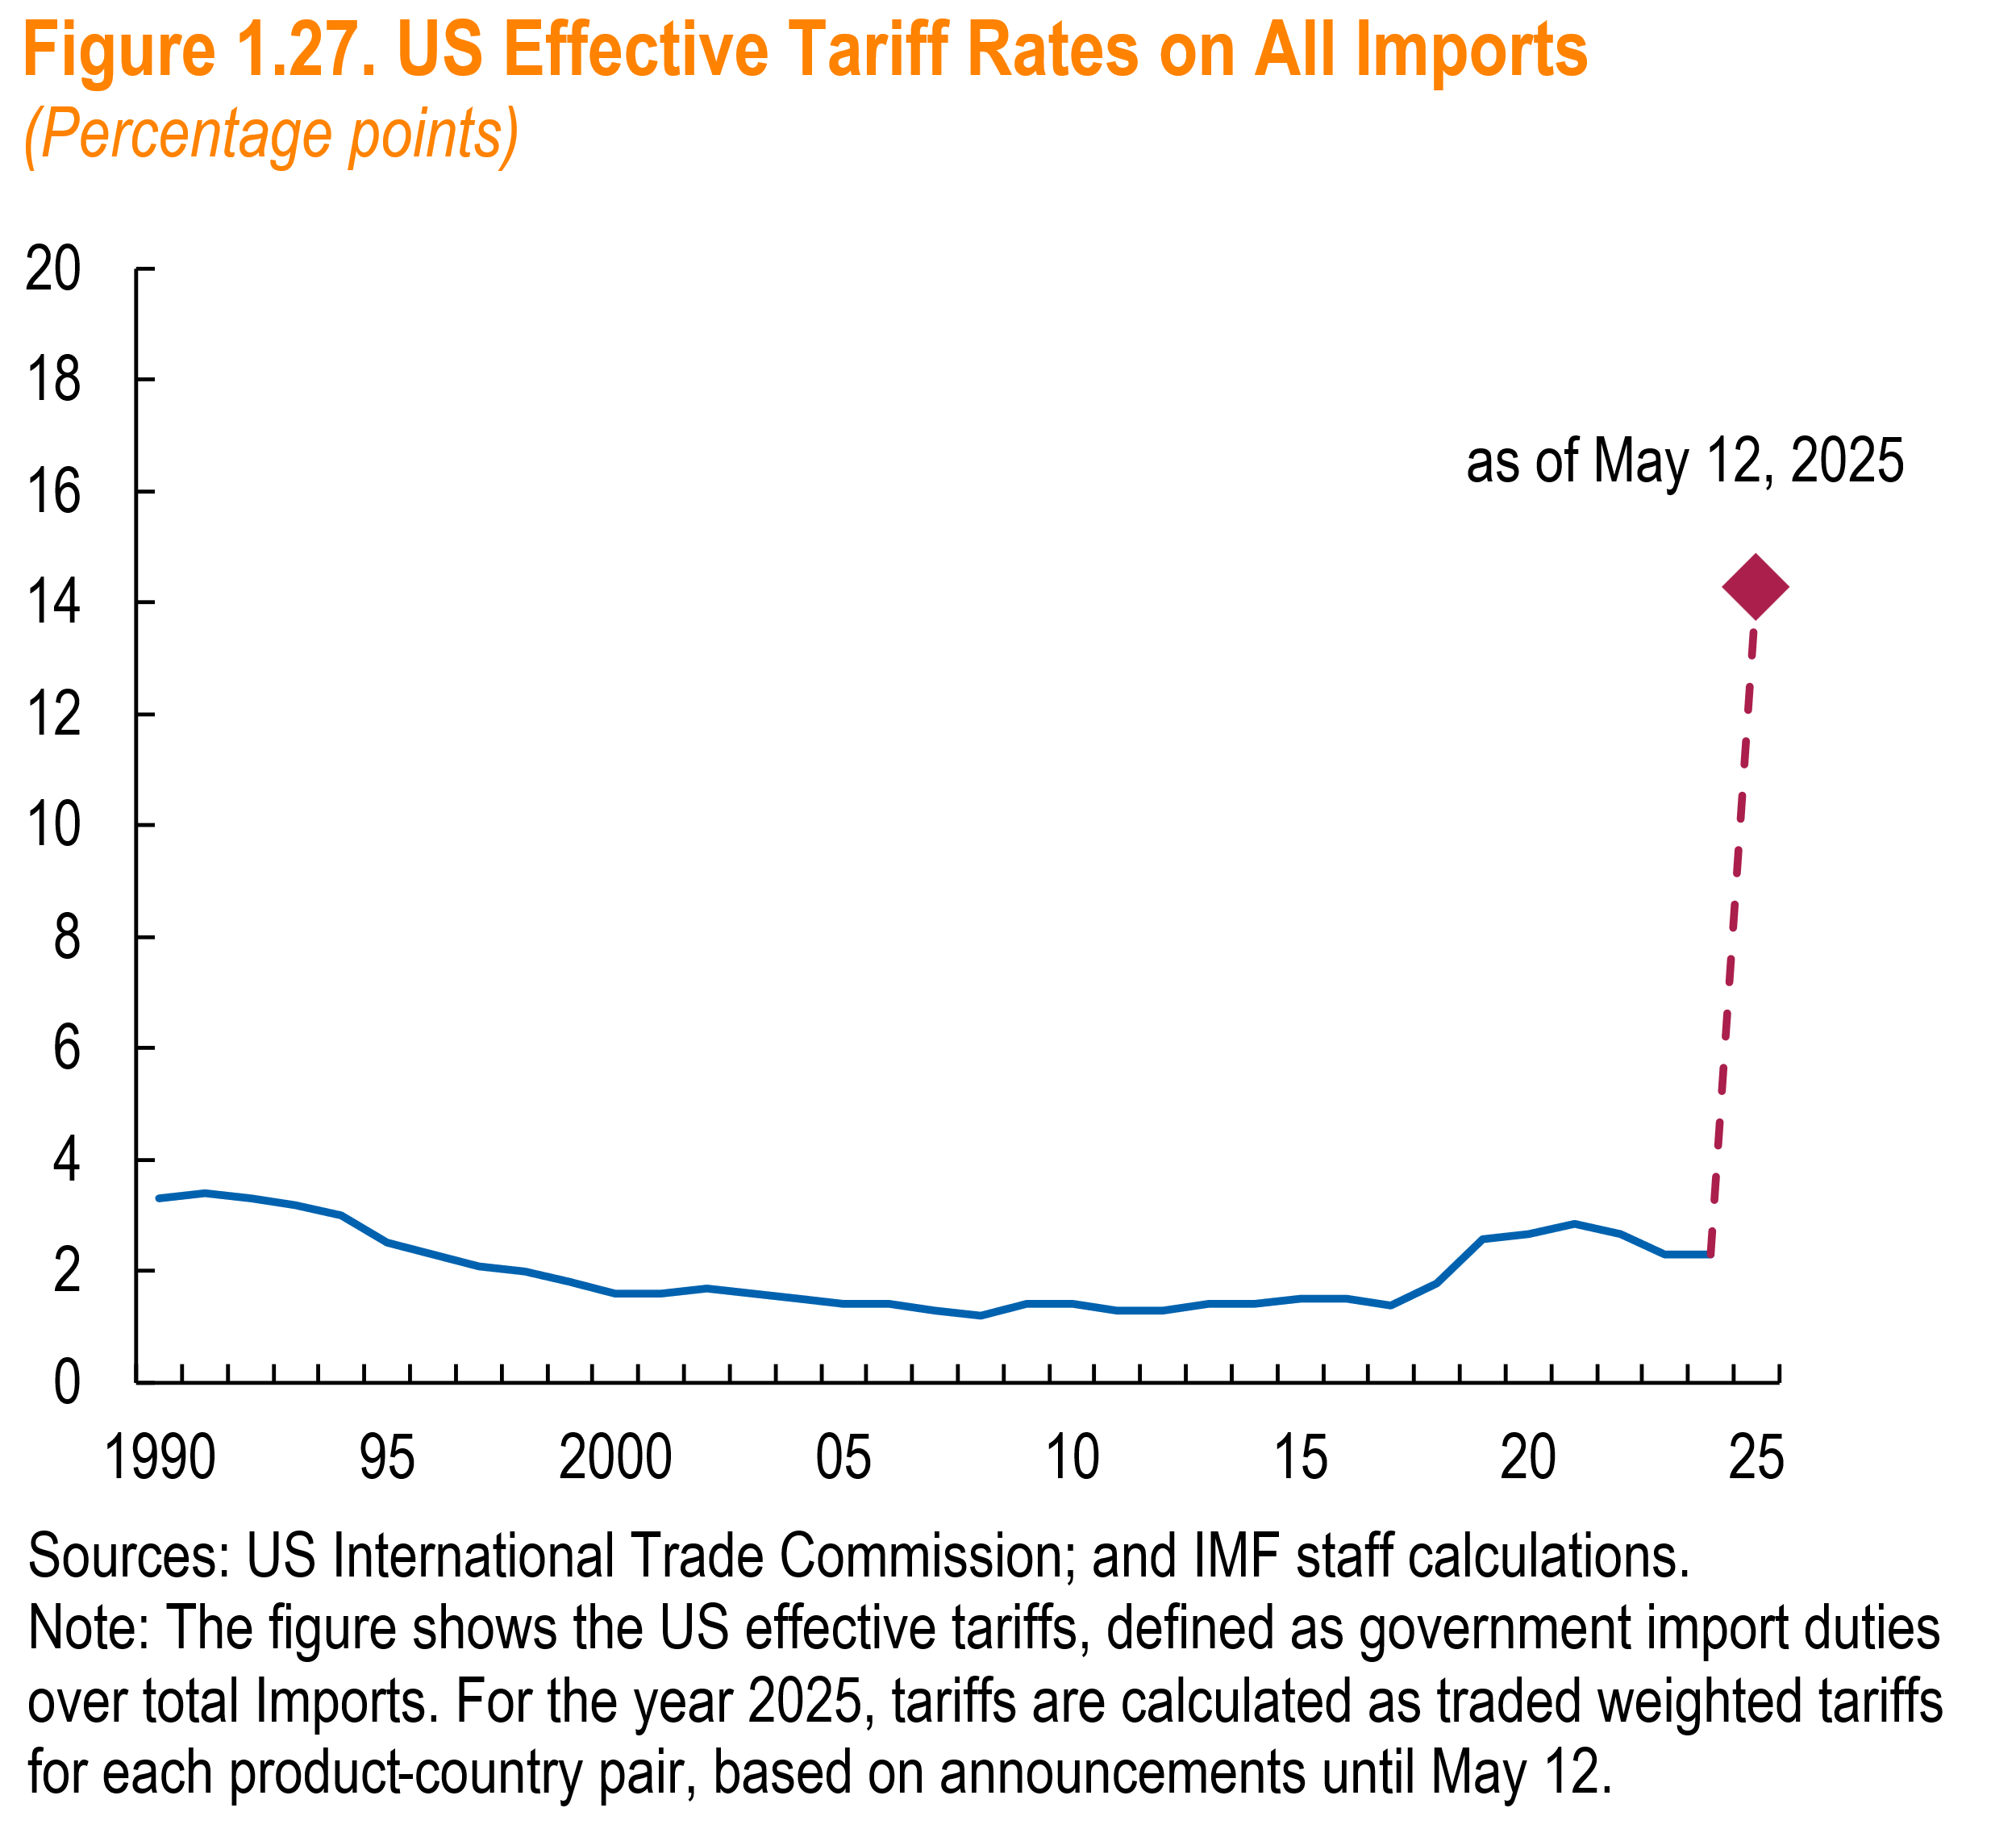
Panel 1
Year | US Effective Tariff Rates on All Imports
1990 | 3.30
1991 | 3.40
1992 | 3.30
1993 | 3.20
1994 | 3.00
1995 | 2.50
1996 | 2.30
1997 | 2.10
1998 | 2.00
1999 | 1.80
2000 | 1.60
2001 | 1.60
2002 | 1.70
2003 | 1.60
2004 | 1.50
2005 | 1.40
2006 | 1.40
2007 | 1.30
2008 | 1.20
2009 | 1.40
2010 | 1.40
2011 | 1.30
2012 | 1.30
2013 | 1.40
2014 | 1.40
2015 | 1.50
2016 | 1.50
2017 | 1.38
2018 | 1.77
2019 | 2.58
2020 | 2.68
2021 | 2.85
2022 | 2.68
2023 | 2.29
2024 | 2.29
2025 | 14.26

Figure 1.28
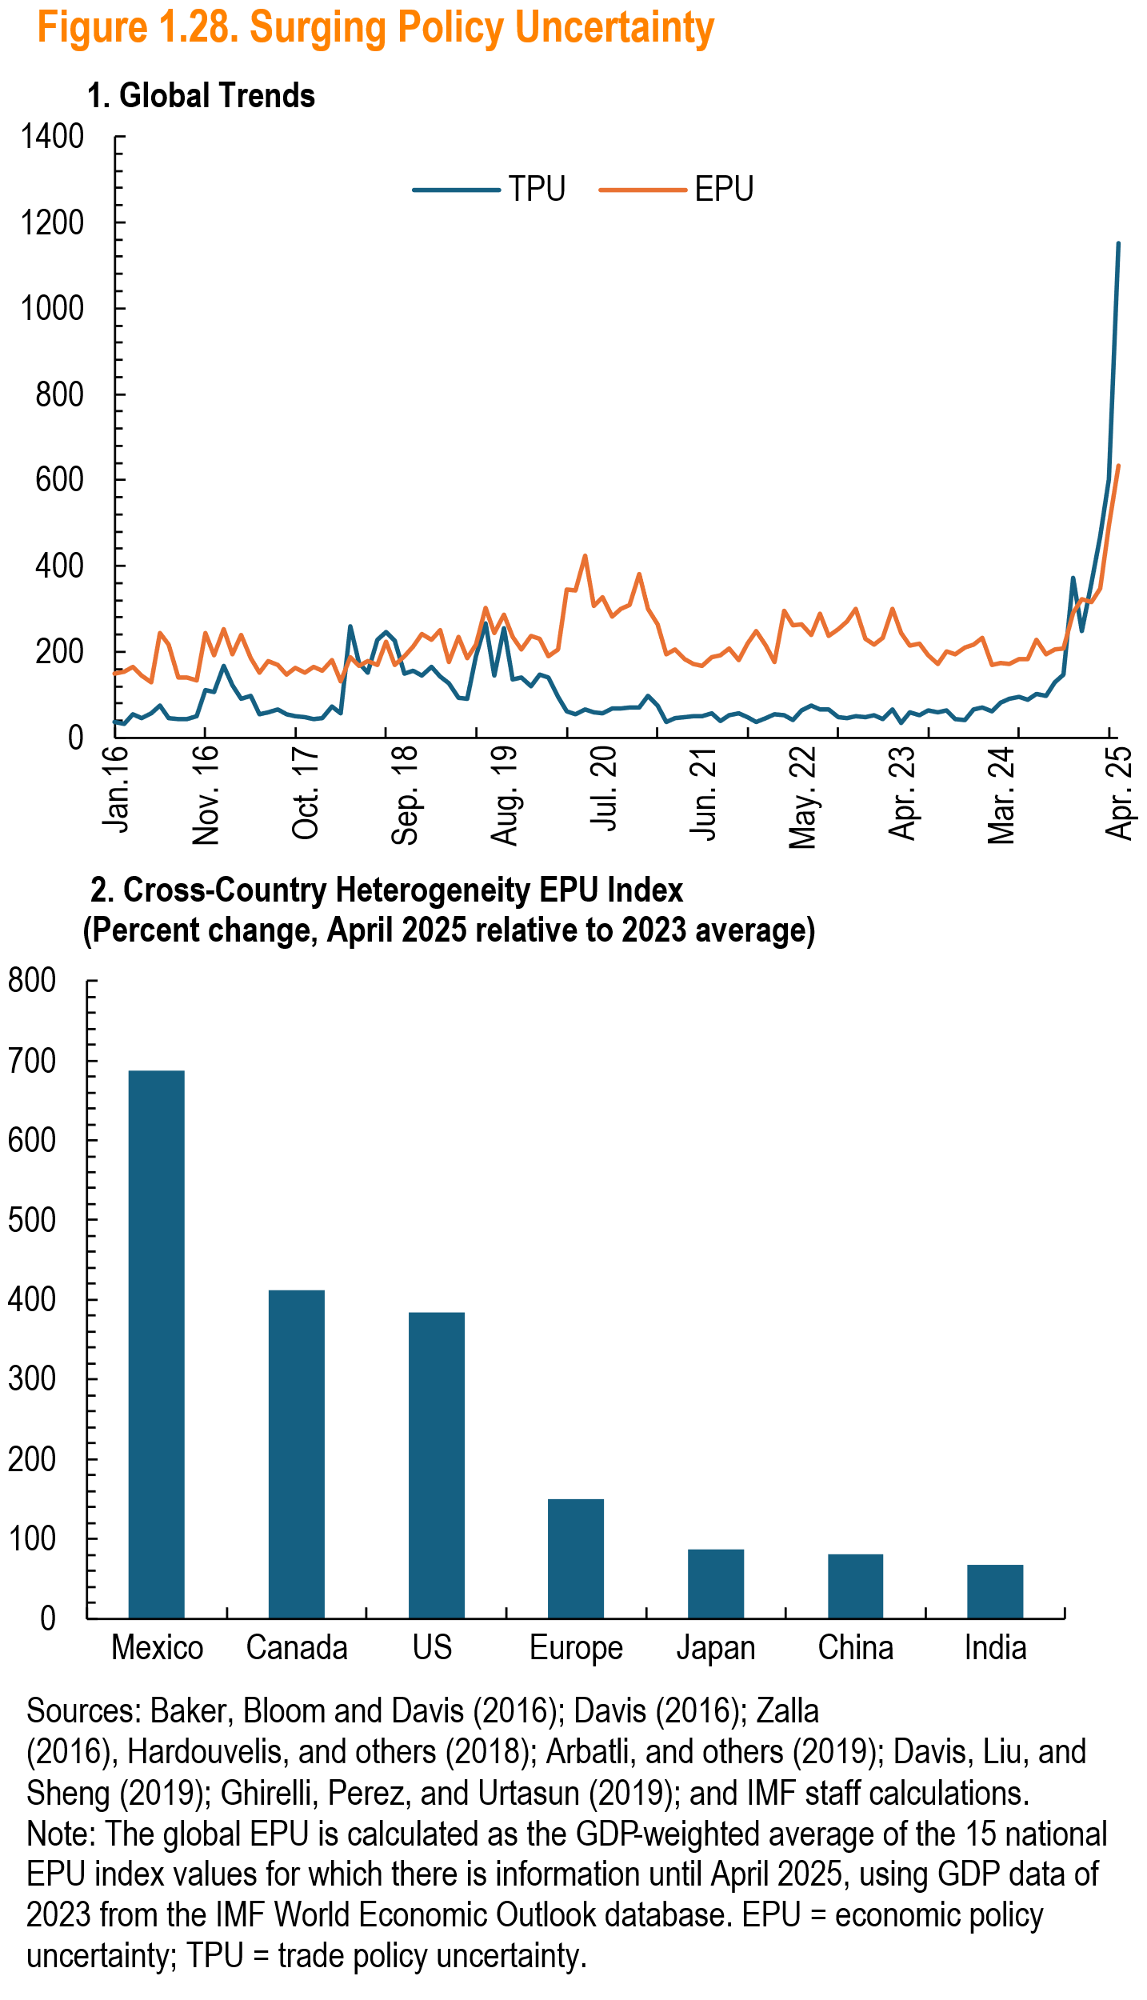
 | TPU | EPU
Jan.16 | 36.033439031 | 149.52754922
 | 32.21 | 153.19
 | 54.33 | 165.99
 | 46.85 | 144.97
 | 57.42 | 128.45
 | 74.69 | 244.95
 | 46.11 | 216.05
 | 43.67 | 141.00
 | 44.25 | 139.72
 | 50.46 | 133.52
Nov. 16 | 111.30 | 244.13
 | 105.84 | 192.36
 | 166.42 | 253.35
 | 122.70 | 193.43
 | 90.58 | 238.55
 | 97.09 | 184.88
 | 54.46 | 152.65
 | 60.12 | 178.81
 | 65.98 | 170.17
 | 54.83 | 147.75
 | 51.30 | 162.51
Oct. 17 | 47.74 | 151.55
 | 44.03 | 166.14
 | 46.75 | 155.43
 | 73.21 | 181.50
 | 57.03 | 130.31
 | 260.56 | 186.57
 | 174.21 | 166.42
 | 152.25 | 177.90
 | 228.62 | 170.61
 | 246.38 | 224.27
 | 225.83 | 170.08
Sep. 18 | 150.11 | 189.46
 | 155.21 | 211.55
 | 144.83 | 242.19
 | 164.65 | 227.13
 | 141.71 | 250.79
 | 127.47 | 175.32
 | 94.10 | 235.76
 | 91.16 | 185.47
 | 189.79 | 216.98
 | 266.00 | 301.86
 | 145.11 | 244.57
Aug. 19 | 254.22 | 287.76
 | 136.93 | 235.00
 | 139.27 | 206.46
 | 119.84 | 237.75
 | 146.32 | 231.34
 | 139.64 | 190.44
 | 95.74 | 204.75
 | 61.23 | 345.07
 | 55.47850208 | 342.05264169
 | 66.5 | 423.0192372
 | 59.9 | 307.72485173
Jul. 20 | 57.4 | 327.52039371
 | 67.2 | 281.8027523
 | 67.8 | 301.24481292
 | 70.249017038 | 309.4895399
 | 69.875342389 | 381.45100687
 | 98.011603673 | 300.74228018
 | 75.442816532 | 264.39508276
 | 36.855036855 | 194.71575721
 | 46.824542519 | 206.02353617
 | 47.950679301 | 183.58293662
 | 49.258357317 | 171.27214879
Jun. 21 | 49.348711769 | 166.93348062
 | 57.219791316 | 187.7609579
 | 39.46013954 | 191.76912883
 | 51.543302367 | 207.31251422
 | 56.062099556 | 180.29814028
 | 48.49033426 | 220.297846
 | 37.116624341 | 249.46595548
 | 46.606275437 | 213.63015615
 | 54.304102977 | 175.54653976
 | 53.627565802 | 294.70861344
 | 41.192624559 | 262.58888992
May. 22 | 63.28721226 | 263.67733039
 | 74.510820267 | 239.2060183
 | 67.036225345 | 288.6769959
 | 65.857438017 | 236.25219211
 | 48.506014746 | 253.46452192
 | 46.552591847 | 269.88897302
 | 49.304677623 | 299.82119657
 | 48.770435499 | 231.28788939
 | 52.738043635 | 216.83509082
 | 43.68174727 | 233.48593725
 | 65.441381231 | 299.28732519
Apr. 23 | 33.893309755 | 244.96888373
 | 59.655937847 | 214.25646047
 | 52.330449344 | 220.20153296
 | 63.29554149 | 192.70443459
 | 59.96592845 | 172.67709933
 | 63.604240283 | 201.16042658
 | 44.459413944 | 195.25150881
 | 40.948275862 | 210.33745795
 | 65.307307162 | 217.23475318
 | 69.603903559 | 232.84773443
 | 62.576312576 | 168.6721324
Mar. 24 | 82.189872536 | 174.53339613
 | 90.974212034 | 172.31425149
 | 94.477249045 | 183.36675441
 | 89.055715022 | 183.55880004
 | 101.36624063 | 229.31595914
 | 98.140495868 | 193.4407053
 | 128.64060129 | 205.89321508
 | 147.92688998 | 208.93920535
 | 373.3121525 | 291.8173679
 | 247.67559966 | 322.56041773
 | 360.891445 | 316.32562277
 | 469.77157156 | 347.90348039
 | 603.07777624 | 493.6719859
Apr. 25 | 1151.3555824 | 634.43780202

Figure 1.1.1
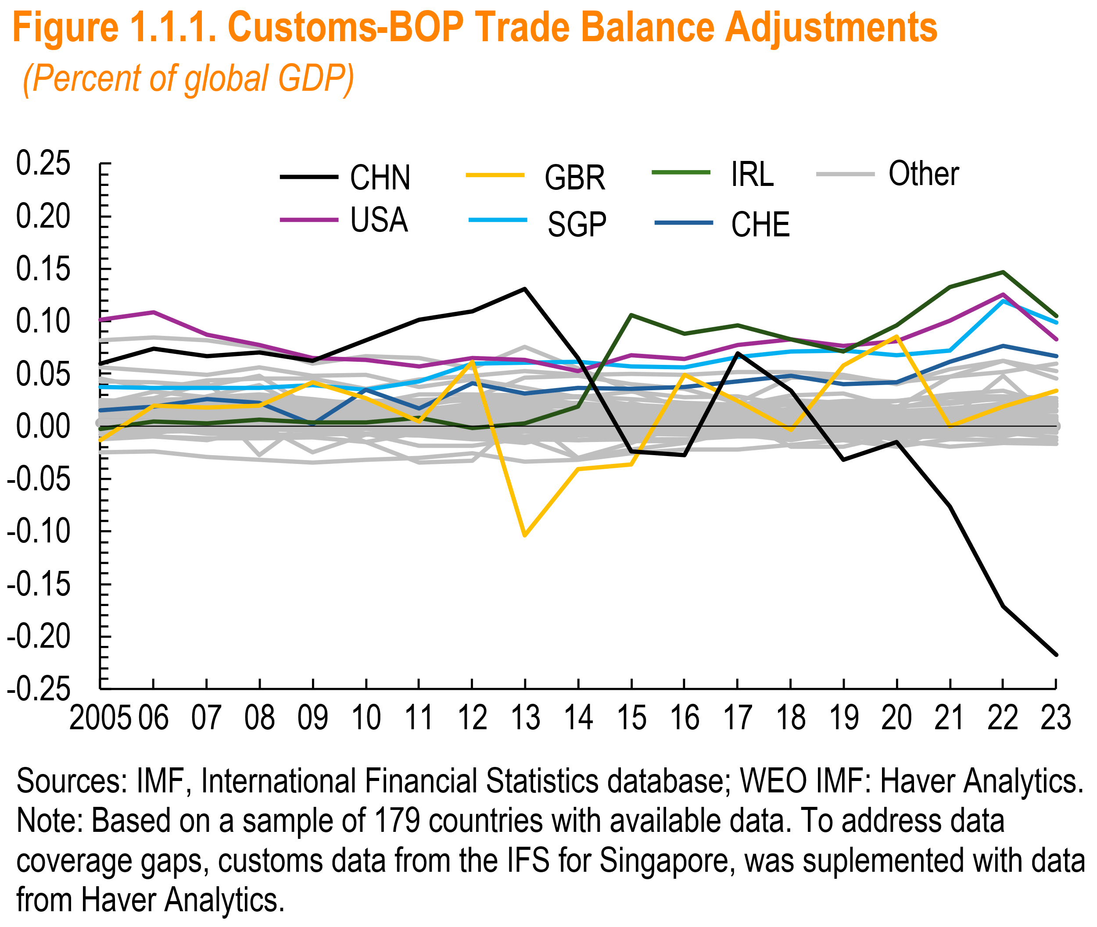
 | CHE | GBR | IRL | SGP | USA | ROW>0 | CHN | ROW<0 | Total
2005 | 0.02 | -0.01 | 0.00 | 0.04 | 0.10 | 0.58 | 0.06 | -0.01 | 0.77
2006 | 0.02 | 0.02 | 0.00 | 0.04 | 0.11 | 0.60 | 0.07 | -0.02 | 0.84
2007 | 0.03 | 0.02 | 0.00 | 0.04 | 0.09 | 0.66 | 0.07 | -0.01 | 0.88
2008 | 0.02 | 0.02 | 0.01 | 0.04 | 0.08 | 0.68 | 0.07 | -0.04 | 0.87
2009 | 0.00 | 0.04 | 0.00 | 0.04 | 0.07 | 0.56 | 0.06 | -0.06 | 0.71
2010 | 0.04 | 0.03 | 0.00 | 0.03 | 0.06 | 0.56 | 0.08 | -0.10 | 0.71
2011 | 0.02 | 0.01 | 0.01 | 0.04 | 0.06 | 0.58 | 0.10 | -0.15 | 0.67
2012 | 0.04 | 0.06 | 0.00 | 0.06 | 0.06 | 0.62 | 0.11 | -0.14 | 0.82
2013 | 0.03 | -0.10 | 0.00 | 0.06 | 0.06 | 0.65 | 0.13 | -0.13 | 0.71
2014 | 0.04 | -0.04 | 0.02 | 0.06 | 0.05 | 0.59 | 0.07 | -0.18 | 0.61
2015 | 0.04 | -0.04 | 0.11 | 0.06 | 0.07 | 0.54 | -0.02 | -0.14 | 0.60
2016 | 0.04 | 0.05 | 0.09 | 0.06 | 0.06 | 0.44 | -0.03 | -0.11 | 0.61
2017 | 0.04 | 0.02 | 0.10 | 0.07 | 0.08 | 0.49 | 0.07 | -0.08 | 0.78
2018 | 0.05 | 0.00 | 0.08 | 0.07 | 0.08 | 0.47 | 0.03 | -0.07 | 0.72
2019 | 0.04 | 0.06 | 0.07 | 0.07 | 0.08 | 0.43 | -0.03 | -0.06 | 0.65
2020 | 0.04 | 0.09 | 0.10 | 0.07 | 0.08 | 0.37 | -0.02 | -0.07 | 0.67
2021 | 0.06 | 0.00 | 0.13 | 0.07 | 0.10 | 0.54 | -0.08 | -0.04 | 0.79
2022 | 0.08 | 0.02 | 0.15 | 0.12 | 0.13 | 0.69 | -0.17 | -0.03 | 0.98
2023 | 0.07 | 0.03 | 0.11 | 0.10 | 0.08 | 0.50 | -0.22 | -0.05 | 0.63

Figure 1.1.2
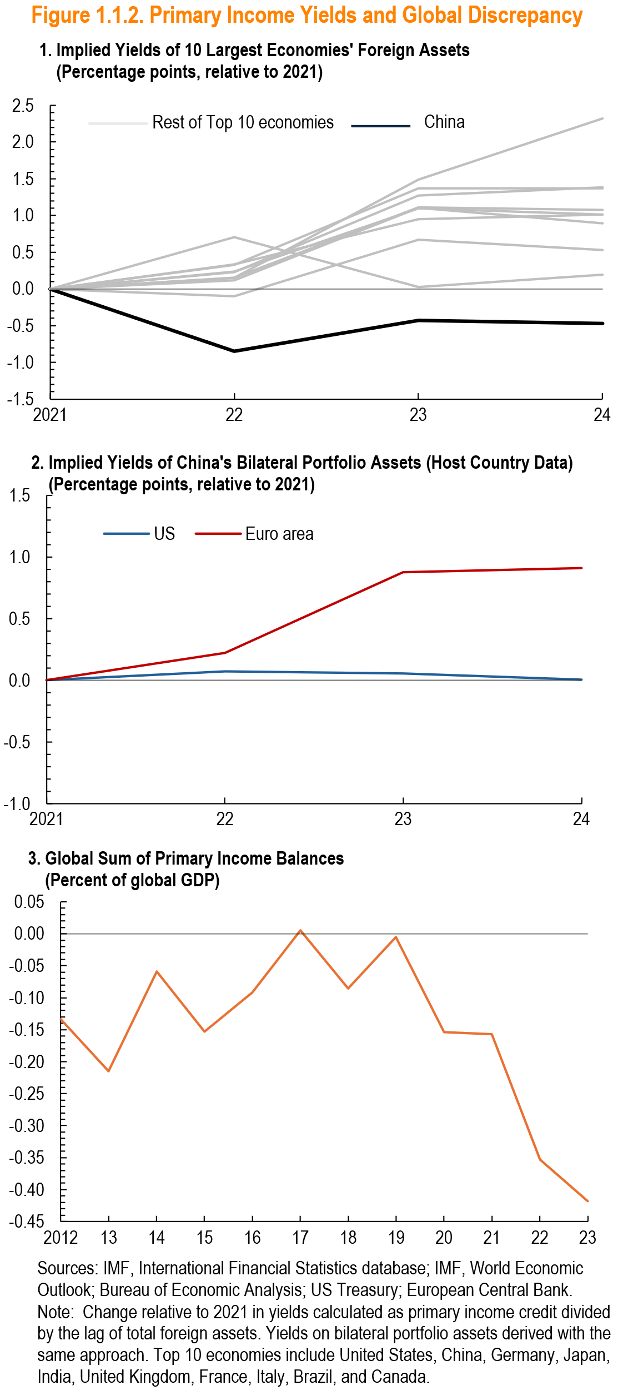
Panel 1

Year | BRA | CAN | CHN | DEU | FRA | GBR | ITA | JPN | USA | IND | zero
2021 | 0.0 | 0.0 | 0 | 0 | 0 | 0 | 0 | 0 | 0 | 0 | 0
2022 | 0.7 | -0.1 | -0.85 | 0.15 | 0.2275925 | 0.3295463 | 0.236346 | 0.3326354 | 0.1151955 | 0.149264 | 0
2023 | 0.0 | 0.7 | -0.43 | 1.11 | 1.273013 | 1.370352 | 1.098585 | 0.9513226 | 1.104435 | 1.489442 | 0
2024 | 0.2 | 0.5 | -0.47 | 1.07 | 1.384797 | 1.368475 | 1.014791 | 1.010799 | 0.8963263 | 2.318988 | 0

Panel 2

year | US | Euro area | zero
2021 | 0.0 | 0.0 | 0.00
2022 | 0.1 | 0.2 | 0.00
2023 | 0.1 | 0.9 | 0.00
2024 | 0.0 | 0.9 | 0.00

Panel 3

year | pri_inc_bop_gl | zero
2012 | -0.1 | 0.0
2013 | -0.2 | 0.0
2014 | -0.1 | 0.0
2015 | -0.2 | 0.0
2016 | -0.1 | 0.0
2017 | 0.0 | 0.0
2018 | -0.1 | 0.0
2019 | 0.0 | 0.0
2020 | -0.2 | 0.0
2021 | -0.2 | 0.0
2022 | -0.4 | 0.0
2023 | -0.4 | 0.0

Figure 1.3.1
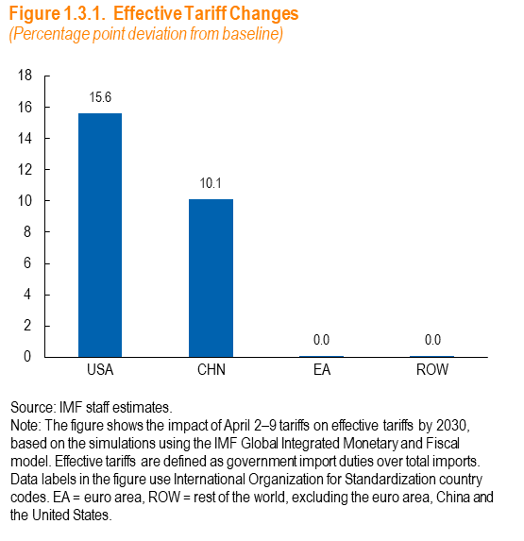

 | USA | CHN | Global | EA | ROW
Effective Tariff Changes | 15.61 | 10.11 | 5.92 | 0.00 | 0.00

Figure 1.3.2
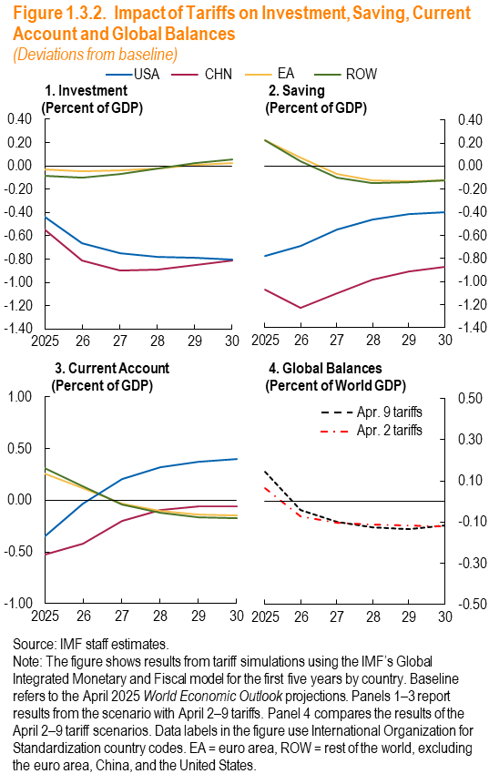

Panel 1: Investment - High Tariffs
Year | CHN | EA | RoW | USA
2025 | -0.54 | -0.03 | -0.09 | -0.43
2026 | -0.81 | -0.04 | -0.10 | -0.66
2027 | -0.90 | -0.04 | -0.07 | -0.75
2028 | -0.89 | -0.02 | -0.02 | -0.78
2029 | -0.85 | 0.01 | 0.02 | -0.79
2030 | -0.81 | 0.03 | 0.05 | -0.80

Panel 2: Savings - High Tariffs
Year | CHN | EA | RoW | USA
2025 | -1.07 | 0.23 | 0.22 | -0.78
2026 | -1.23 | 0.07 | 0.04 | -0.69
2027 | -1.10 | -0.07 | -0.10 | -0.55
2028 | -0.99 | -0.12 | -0.14 | -0.46
2029 | -0.91 | -0.13 | -0.14 | -0.41
2030 | -0.87 | -0.12 | -0.12 | -0.40

Panel 3: CA - High Tariffs
Year | CHN | EA | RoW | USA
2025 | -0.53 | 0.26 | 0.31 | -0.35
2026 | -0.42 | 0.12 | 0.14 | -0.03
2027 | -0.20 | -0.03 | -0.04 | 0.20
2028 | -0.10 | -0.10 | -0.12 | 0.32
2029 | -0.06 | -0.14 | -0.16 | 0.37
2030 | -0.06 | -0.15 | -0.18 | 0.40

Panel 4: Global Imbalances
Year | High Tarrifs | Low Tariffs
2025 | 0.14 | 0.07
2026 | -0.04 | -0.07
2027 | -0.10 | -0.10
2028 | -0.12 | -0.11
2029 | -0.14 | -0.12
2030 | -0.12 | -0.12

Figure 1.4.1
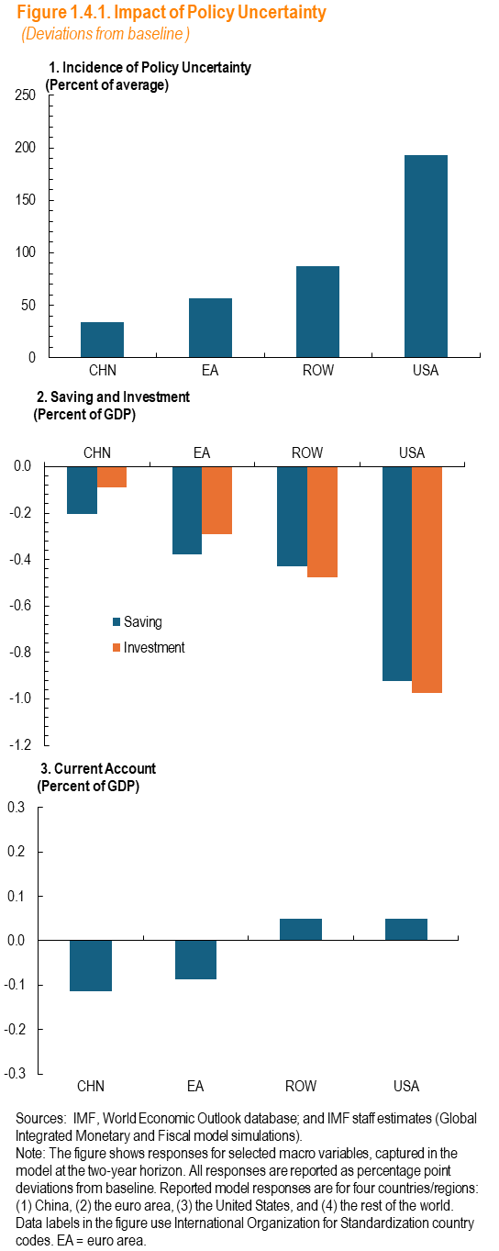
Panel 1

 | Shock
CHN | 34.0
EA | 56.3
ROW | 86.8
USA | 192.8

Panel 2
 | Saving | Investment | Zero
CHN | -0.2 | -0.1 | -1.20
EA | -0.4 | -0.3 | -1.2
ROW | -0.4 | -0.5 | -1.2
USA | -0.9 | -1.0 | -1.2

Panel 3
 | Current Account
CHN | -0.1
EA | -0.1
ROW | 0.0
USA | 0.0

Figure 1.4.2
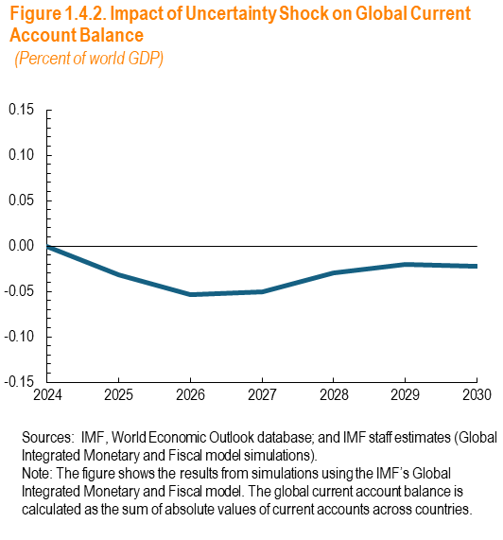
 | Global Balances | zero
2024 | 0 | 0
2025 | 0.0 | 0.0
2026 | -0.1 | 0.0
2027 | -0.1 | 0.0
2028 | 0.0 | 0.0
2029 | 0.0 | 0.0
2030 | 0.0 | 0.0

