Figure 2.1
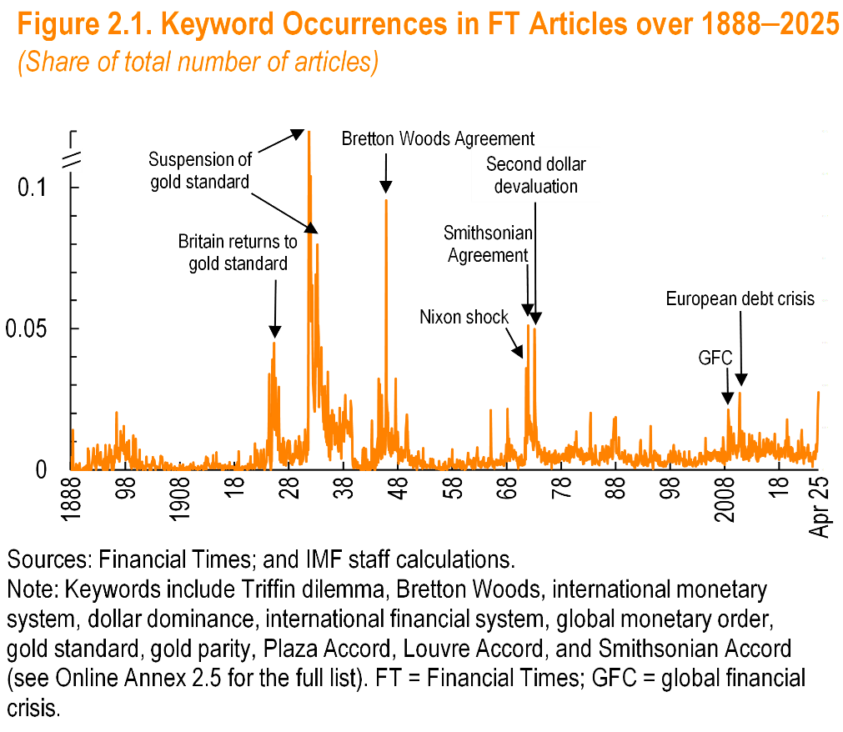
Date | Share
1888-01 | 0.0045146726862
1888-02 | 0
1888-03 | 0
1888-04 | 0
1888-05 | 0.0029542097489
1888-06 | 0.014128728414
1888-07 | 0
1888-08 | 0.00065445026178
1888-09 | 0.00068259385666
1888-10 | 0
1888-11 | 0.00061162079511
1888-12 | 0
1889-01 | 0.0019480519481
1889-02 | 0.0013986013986
1889-03 | 0
1889-04 | 0.0016129032258
1889-05 | 0
1889-06 | 0.0014378145219
1889-07 | 0
1889-08 | 0.0007326007326
1889-09 | 0.0023255813953
1889-10 | 0
1889-11 | 0
1889-12 | 0
1890-01 | 0
1890-02 | 0
1890-03 | 0
1890-04 | 0
1890-05 | 0.00056211354694
1890-06 | 0
1890-07 | 0
1890-08 | 0.0011061946903
1890-09 | 0.00064308681672
1890-10 | 0.0005437737901
1890-11 | 0
1890-12 | 0.0014137606032
1891-01 | 0.0012668918919
1891-02 | 0
1891-03 | 0.0074453234062
1891-04 | 0.0060790273556
1891-05 | 0.00663507109
1891-06 | 0.0022573363431
1891-07 | 0
1891-08 | 0
1891-09 | 0
1891-10 | 0
1891-11 | 0.0010045203415
1891-12 | 0.0019408054343
1892-01 | 0.0030349013657
1892-02 | 0.0041429311238
1892-03 | 0.0076335877863
1892-04 | 0.0035629453682
1892-05 | 0.0031430068098
1892-06 | 0.0023028209557
1892-07 | 0.0011198208287
1892-08 | 0.0047875523639
1892-09 | 0
1892-10 | 0.0016438356164
1892-11 | 0.0047897817988
1892-12 | 0.0088495575221
1893-01 | 0.003064351379
1893-02 | 0.0032275416891
1893-03 | 0.0025813113061
1893-04 | 0.002850627138
1893-05 | 0.0015814443859
1893-06 | 0.0059910134798
1893-07 | 0.0062992125984
1893-08 | 0.0028835063437
1893-09 | 0.0023626698169
1893-10 | 0.0029086678301
1893-11 | 0.0016375545852
1893-12 | 0
1894-01 | 0.00051626226123
1894-02 | 0.0037783375315
1894-03 | 0.000599880024
1894-04 | 0
1894-05 | 0.0041031652989
1894-06 | 0.0087873462214
1894-07 | 0.00057142857143
1894-08 | 0.0011730205279
1894-09 | 0
1894-10 | 0
1894-11 | 0.0044223327805
1894-12 | 0.0006157635468
1895-01 | 0.0031266284523
1895-02 | 0.0087873462214
1895-03 | 0.0026497085321
1895-04 | 0.0038738240177
1895-05 | 0.0057088487155
1895-06 | 0.0071467839472
1895-07 | 0.0032213529682
1895-08 | 0
1895-09 | 0.0047974413646
1895-10 | 0.0023105360444
1895-11 | 0
1895-12 | 0.0037313432836
1896-01 | 0.0023441162682
1896-02 | 0.0029325513196
1896-03 | 0.0085918854415
1896-04 | 0.0042350449974
1896-05 | 0.0055944055944
1896-06 | 0.020347604917
1896-07 | 0.0043842168194
1896-08 | 0.0075937351685
1896-09 | 0.0066889632107
1896-10 | 0.0038445108928
1896-11 | 0.0077132486388
1896-12 | 0.0028949545079
1897-01 | 0.0043196544276
1897-02 | 0.0067506750675
1897-03 | 0.013687600644
1897-04 | 0.012306289881
1897-05 | 0.0076563164611
1897-06 | 0.0073277967758
1897-07 | 0.0068273092369
1897-08 | 0.012323140119
1897-09 | 0.0072959416325
1897-10 | 0.015442404007
1897-11 | 0.0055932880543
1897-12 | 0.0090415913201
1898-01 | 0.0071798962904
1898-02 | 0.0033798056612
1898-03 | 0.0065934065934
1898-04 | 0.0051813471503
1898-05 | 0.0097481722177
1898-06 | 0.006427221172
1898-07 | 0.0037523452158
1898-08 | 0.0093896713615
1898-09 | 0.010383747178
1898-10 | 0.0037128712871
1898-11 | 0.0026954177898
1898-12 | 0.0029411764706
1899-01 | 0.003821656051
1899-02 | 0.0011848341232
1899-03 | 0.0003624501631
1899-04 | 0.0042301184433
1899-05 | 0.0049349484074
1899-06 | 0.0012009607686
1899-07 | 0.012185215272
1899-08 | 0.0023607176582
1899-09 | 0.0088452088452
1899-10 | 0.00095877277085
1899-11 | 0.0029635901778
1899-12 | 0.010914051842
1900-01 | 0.0032870708546
1900-02 | 0.00079776625449
1900-03 | 0.003683858004
1900-04 | 0
1900-05 | 0.0014508523758
1900-06 | 0.00076335877863
1900-07 | 0.0010733452594
1900-08 | 0.0011600928074
1900-09 | 0.0071278825996
1900-10 | 0.00037622272385
1900-11 | 0.0018341892883
1900-12 | 0.0010567101092
1901-01 | 0.0010496850945
1901-02 | 0.0027700831025
1901-03 | 0.00074515648286
1901-04 | 0
1901-05 | 0.00035014005602
1901-06 | 0.0014842300557
1901-07 | 0.0010413051024
1901-08 | 0.00039200313603
1901-09 | 0.00083542188805
1901-10 | 0
1901-11 | 0.002042205582
1901-12 | 0.0046246887229
1902-01 | 0.0011900039667
1902-02 | 0.0011980830671
1902-03 | 0.0018518518519
1902-04 | 0.001246882793
1902-05 | 0.001554001554
1902-06 | 0.0018424689083
1902-07 | 0
1902-08 | 0
1902-09 | 0
1902-10 | 0
1902-11 | 0.0019968051118
1902-12 | 0.0030086498684
1903-01 | 0.0014219694277
1903-02 | 0.0045185957595
1903-03 | 0.0015943877551
1903-04 | 0.003765060241
1903-05 | 0.0032722513089
1903-06 | 0.0016949152542
1903-07 | 0.00036376864314
1903-08 | 0
1903-09 | 0.0011746280345
1903-10 | 0.0013693940431
1903-11 | 0.00075357950264
1903-12 | 0.0010642071657
1904-01 | 0.0010319917441
1904-02 | 0.00066093853272
1904-03 | 0.00062208398134
1904-04 | 0.00076306753148
1904-05 | 0.00069324090121
1904-06 | 0.0019138755981
1904-07 | 0.0049277266754
1904-08 | 0.0025612879619
1904-09 | 0.004179331307
1904-10 | 0.0045994633959
1904-11 | 0.0038367631671
1904-12 | 0.0009878169246
1905-01 | 0.00034270047978
1905-02 | 0.001415428167
1905-03 | 0
1905-04 | 0
1905-05 | 0
1905-06 | 0.0025957170668
1905-07 | 0.0010600706714
1905-08 | 0.0014875418371
1905-09 | 0.0024222850222
1905-10 | 0.00070077084793
1905-11 | 0
1905-12 | 0.00066822586034
1906-01 | 0.0015913430936
1906-02 | 0.00067544748396
1906-03 | 0
1906-04 | 0.00036683785767
1906-05 | 0.00028669724771
1906-06 | 0.0019392372334
1906-07 | 0.00064516129032
1906-08 | 0.0003696857671
1906-09 | 0.00037257824143
1906-10 | 0
1906-11 | 0.00030750307503
1906-12 | 0.00070671378092
1907-01 | 0.00061690314621
1907-02 | 0.001194386384
1907-03 | 0
1907-04 | 0.0003307972213
1907-05 | 0.00035855145213
1907-06 | 0.00035137034434
1907-07 | 0.00062363579669
1907-08 | 0
1907-09 | 0
1907-10 | 0
1907-11 | 0.00031836994588
1907-12 | 0
1908-01 | 0.0016995241332
1908-02 | 0
1908-03 | 0
1908-04 | 0.0013679890561
1908-05 | 0
1908-06 | 0.00063856960409
1908-07 | 0
1908-08 | 0.0019149751053
1908-09 | 0
1908-10 | 0
1908-11 | 0.0006106870229
1908-12 | 0
1909-01 | 0.00030012004802
1909-02 | 0
1909-03 | 0
1909-04 | 0.0010387811634
1909-05 | 0.00030111412225
1909-06 | 0
1909-07 | 0.00098838645911
1909-08 | 0.00096711798839
1909-09 | 0
1909-10 | 0.0012903225806
1909-11 | 0.0013178703216
1909-12 | 0
...

Figure 2.2
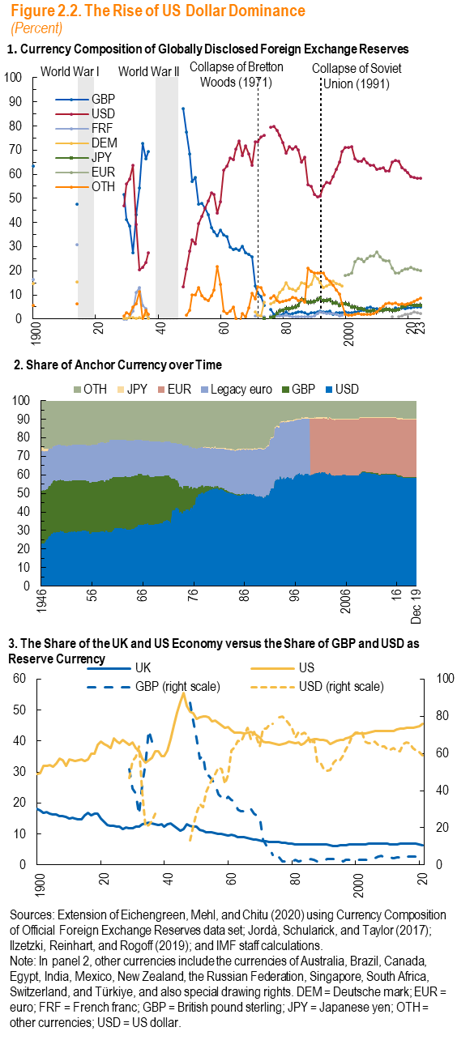

Panel 1
year | GBP | USD | FRF | DEM
1899 | 63.35142 |  | 16.39542 | 14.5871
1900
1901
1902
1903
1904
1905
1906
1907
1908
1909
1910
1911
1912
1913 | 47.65319 |  | 30.81662 | 15.3355
1914
1915
1916
1917
1918
1919
1920
1921
1922
1923
1924
1925
1926
1927
1928 | 51.7067 | 46.95462 | 0.0200421 | 0.1345514
1929 | 41.10753 | 55.91005 | 0.0748519 | 0.2345354
1930 | 38.397 | 57.93138 | 0.8229336 | 0.7637212
1931 | 27.34828 | 63.79153 | 3.443949 | 0.4546085
1932 | 43.29017 | 39.15512 | 11.07779 | 0.1854182
1933 | 54.42332 | 20.51645 | 13.08598 | 0.4701245
1934 | 72.67535 | 21.35118 | 5.791284 | 0.3275831
1935 | 66.38935 | 23.54092 | 4.327726 | 1.999151
1936 | 69.58667 | 27.54676 | 0.6594961 | 0.1470533
1937
1938
1939
1940
1941
1942
1943
1944
1945
1946
1947 | 87.38849 | 13.30935
1948 | 77.51079 | 20.86331
1949 | 68.33179 | 28.1106
1950 | 57.16912 | 32.72059
1951 | 58.81538 | 31.15385
1952 | 47.57895 | 39.47368
1953 | 47.89474 | 42.45614
1954 | 45.77049 | 45.90164
1955 | 43.14711 | 49.03786
1956 | 37.92683 | 52.43903
1957 | 36.34268 | 51.71339
...

Figure 2.3
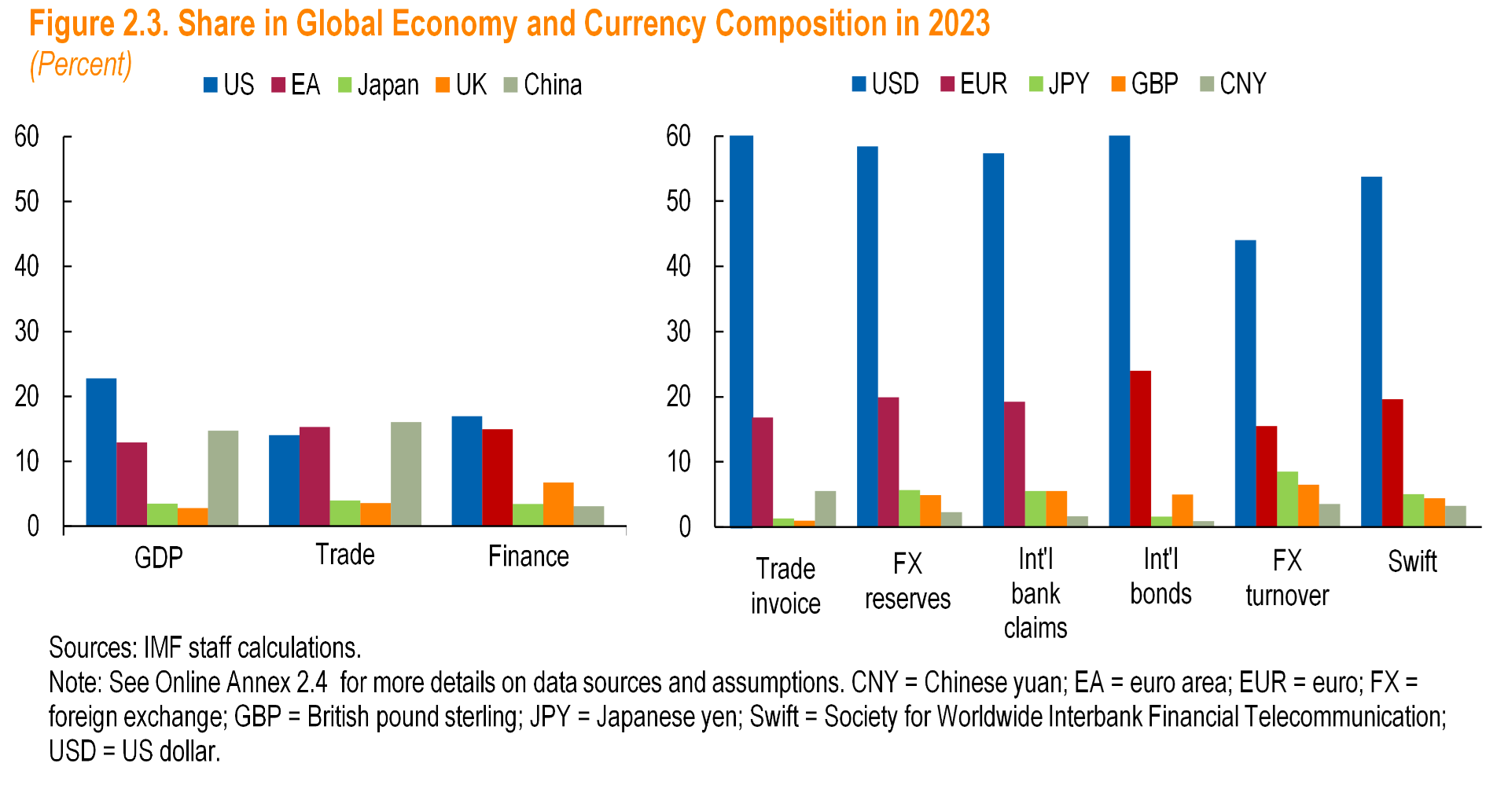

 | US | EA | Japan
GDP | 22.8 | 12.9 | 3.5
Trade | 14.0 | 15.3 | 4.0
Finance | 17.0 | 14.9 | 3.4

Panel 2
 | USD | EUR | JPY
Trade invoice | 63.50 | 16.80 | 1.30
FX reserves | 58.4 | 19.9 | 5.7
Intl bank claims | 57.36 | 19.24 | 5.52
Intl bonds | 63.2 | 24 | 1.6
FX turnover | 44 | 15.5 | 8.5
SWIFT | - | - | -

Figure 2.4
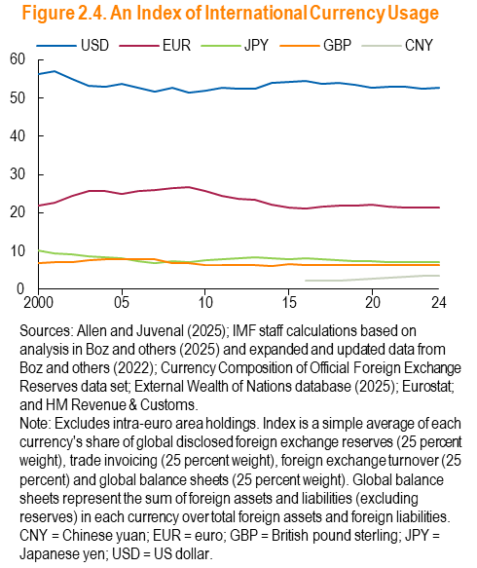

Year | USD | EUR | JPY | GBP
2000 | 56.30185 | 22.01913 | 10.09246 | 6.9811
2001 | 56.93153 | 22.53148 | 9.487541 | 7.041492
2002 | 54.92858 | 24.54138 | 9.154558 | 7.199967
2003 | 53.26702 | 25.70136 | 8.760603 | 7.516127
2004 | 53.07409 | 25.79229 | 8.474029 | 7.930571
2005 | 53.74207 | 24.99833 | 8.017363 | 7.76482
2006 | 52.77409 | 25.60619 | 7.314195 | 7.932692
2007 | 51.76057 | 26.07352 | 6.890214 | 7.771956
2008 | 52.58936 | 26.44617 | 7.295103 | 6.923671
2009 | 51.46103 | 26.80321 | 7.040223 | 6.897844
2010 | 51.99745 | 25.58903 | 7.519571 | 6.472746
2011 | 52.70929 | 24.54964 | 7.866574 | 6.240674
2012 | 52.42189 | 23.72977 | 8.134095 | 6.269249
2013 | 52.58132 | 23.29612 | 8.2679 | 6.255942
2014 | 53.98333 | 22.05507 | 8.016894 | 6.217876
2015 | 54.2593 | 21.26806 | 8.005035 | 6.555198
2016 | 54.46707 | 21.13037 | 8.053056 | 6.353522
2017 | 53.80185 | 21.72289 | 7.829752 | 6.450791
2018 | 53.88279 | 21.8975 | 7.544372 | 6.362527
2019 | 53.39129 | 21.83755 | 7.307863 | 6.410467
2020 | 52.58591 | 22.14351 | 7.352905 | 6.37822
2021 | 53.05248 | 21.68773 | 7.117327 | 6.379518
2022 | 52.99827 | 21.40443 | 7.025445 | 6.350639
2023 | 52.54871 | 21.45733 | 7.045252 | 6.359629
2024 | 52.73226 | 21.3475 | 7.047224 | 6.291596

Figure 2.5
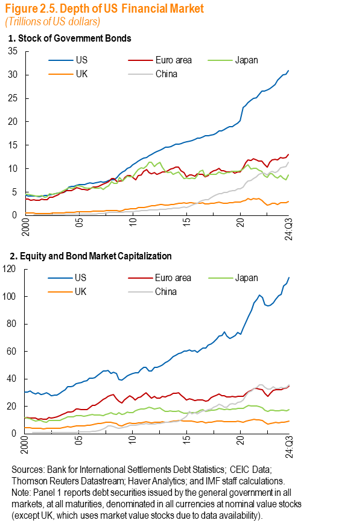
Panel 1
Date | Japan | UK | China | US
2000q1 | 4519.012 | 537.6844 |  | 4405.565
2000q2 | 4542.616 | 517.2221 |  | 4225.468
2000q3 | 4414.808 | 497.3398 |  | 4174.505
2000q4 | 4265.703 | 499.7845 | 115.9595 | 4161.133
2001q1 | 4111.656 | 464.9851 | 118.5206 | 4207.363
2001q2 | 4225.854 | 447.4531 | 124.5982 | 4082.193
2001q3 | 4336.938 | 467.7347 | 130.1214 | 4167.235
2001q4 | 3968.927 | 456.4137 | 138.6051 | 4261.952
2002q1 | 4013.495 | 443.7757 | 162.5723 | 4336.78
2002q2 | 4638.659 | 491.7144 | 181.9098 | 4405.301
2002q3 | 4535.092 | 520.8368 | 194.8291 | 4513.408
2002q4 | 4652.902 | 543.5037 | 202.48 | 4647.293
2003q1 | 4841.425 | 537.3417 | 206.7086 | 4785.977
2003q2 | 4897.049 | 577.7859 | 223.503 | 4903.738
2003q3 | 5261.089 | 589.6816 | 228.5612 | 4994.518
2003q4 | 5556.042 | 648.2915 | 260.9704 | 5137.457
2004q1 | 5955.227 | 676.8928 | 264.3738 | 6062.874
2004q2 | 5838.447 | 694.1564 | 277.0257 | 6159.4
2004q3 | 5780.999 | 707.6747 | 295.937 | 6278.837
2004q4 | 6336.163 | 805.3785 | 300.2969 | 6420.032
2005q1 | 6292.996 | 793.6154 | 299.7905 | 6616.292
2005q2 | 6214.027 | 802.8101 | 305.5167 | 6592.793
2005q3 | 6017.701 | 802.3768 | 326.2793 | 6671.723
2005q4 | 5829.682 | 807.9307 | 341.8993 | 6806.752
2006q1 | 5821.312 | 822.6409 | 341.225 | 6966.594
2006q2 | 5960.979 | 883.9114 | 338.8477 | 6919.398
2006q3 | 5867.27 | 923.7187 | 357.0181 | 6984.783
2006q4 | 5832.508 | 970.9397 | 378.7568 | 7076.964
2007q1 | 5903.05 | 951.8177 | 383.5664 | 7262.65
2007q2 | 5613.457 | 981.4196 | 401.1533 | 7183.699
2007q3 | 6056.095 | 1041.988 | 505.7983 | 7308.184
2007q4 | 6315.142 | 1077.46 | 643.6117 | 7447.559
2008q1 | 7283.666 | 1078.172 | 670.0333 | 7669.357
2008q2 | 6807.02 | 1098.572 | 699.9504 | 7640.18
2008q3 | 6833.131 | 1066.902 | 704.7458 | 8172.451
2008q4 | 8125.136 | 995.9732 | 721.1057 | 8750.969
2009q1 | 7419.571 | 1022.937 | 723.6221 | 9249.25
2009q2 | 7834.645 | 1279.696 | 789.0578 | 9626.531
2009q3 | 8461.276 | 1371.122 | 834.9866 | 10044.58
2009q4 | 8314.564 | 1434.381 | 844.7515 | 10368.18
2010q1 | 8336.078 | 1428.188 | 841.3632 | 10876.86
2010q2 | 9151.996 | 1521.907 | 898.683 | 11218.28
2010q3 | 9871.603 | 1715.353 | 960.0499 | 11623.78
2010q4 | 10172.94 | 1678.129 | 1012.828 | 12045.99
2011q1 | 10026.32 | 1745.806 | 1021.749 | 12294.68
2011q2 | 10659.09 | 1855.58 | 1077.85 | 12465.34
2011q3 | 11434.02 | 1958.373 | 1143.397 | 12752.9
2011q4 | 11361.38 | 2098.327 | 1205.277 | 13091.01
2012q1 | 10416.65 | 2162.224 | 1212.244 | 13493.42
2012q2 | 10965.44 | 2182.112 | 1211.45 | 13693.04
...

Figure 2.6
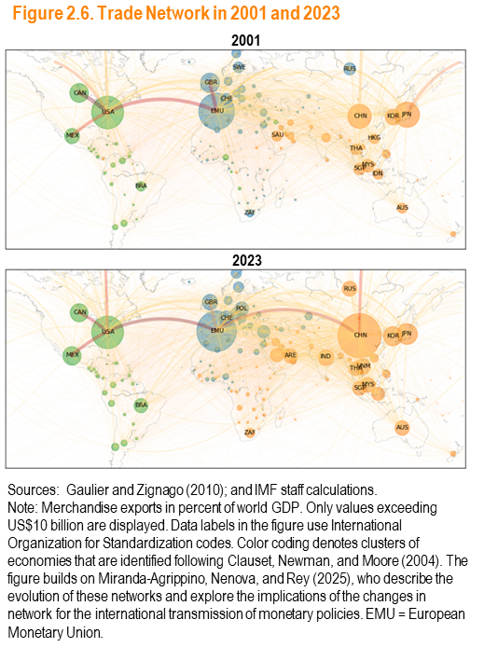

Figure 2.7
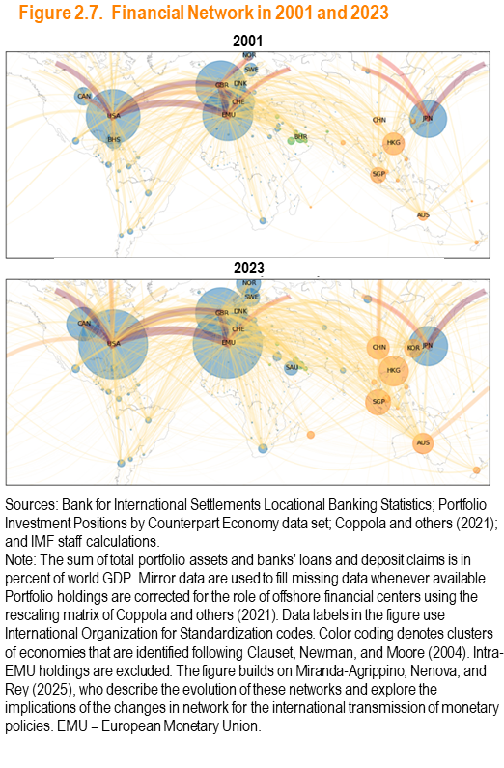

Figure 2.8
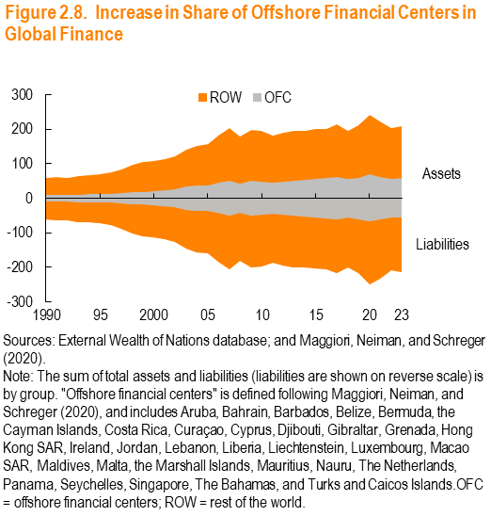
Year | OFC | ROW | OFC
1990 | 10.41088 | 59.17001 | -10.07268
1991 | 10.66265 | 60.29513 | -10.39627
1992 | 10.53248 | 58.70795 | -10.59318
1993 | 10.98343 | 64.70374 | -11.18837
1994 | 11.59439 | 66.73142 | -11.63729
1995 | 12.36347 | 69.63491 | -11.80754
1996 | 12.80389 | 74.5983 | -12.73392
1997 | 15.06268 | 84.04844 | -14.36512
1998 | 16.89606 | 96.5963 | -16.34245
1999 | 18.55053 | 104.5173 | -18.30729
2000 | 20.0167 | 108.3812 | -19.67722
2001 | 23.62616 | 112.7389 | -23.16103
2002 | 26.76968 | 121.3864 | -26.11455
2003 | 34.92638 | 139.905 | -33.32821
2004 | 36.83 | 152.8399 | -35.21286
2005 | 37.3912 | 156.5484 | -35.88319
2006 | 44.30413 | 181.2758 | -43.03056
2007 | 49.81544 | 202.4338 | -49.78171
2008 | 42.40069 | 177.6754 | -42.02364
2009 | 49.69131 | 196.8983 | -49.88121
2010 | 47.78635 | 194.8035 | -47.54792
2011 | 44.44698 | 182.4119 | -44.51814
2012 | 48.55408 | 190.0959 | -48.35502
2013 | 51.03985 | 194.6569 | -50.96639
2014 | 52.95234 | 194.1863 | -52.64667
2015 | 57.34228 | 199.3711 | -56.96606
2016 | 57.81295 | 201.1465 | -57.0206
2017 | 62.67422 | 214.5281 | -62.12085
2018 | 56.94853 | 195.5214 | -56.88297
2019 | 60.13403 | 210.2517 | -60.75578
2020 | 68.46385 | 242.1641 | -67.8194
...

Figure 2.9
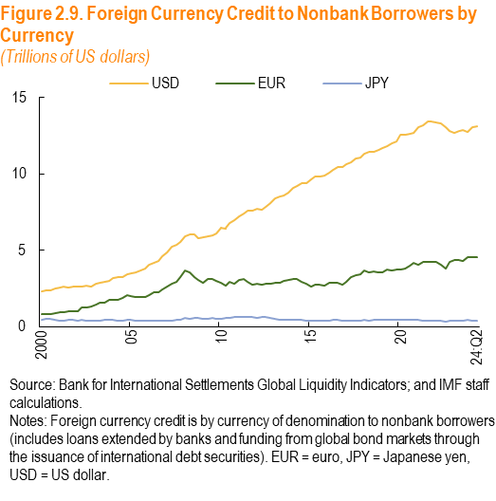
Date | USD | EUR | JPY
2000q1 | 2.328918 | 0.8095995 | 0.4586692
2000q2 | 2.346331 | 0.8257268 | 0.4978124
2000q3 | 2.390437 | 0.8011554 | 0.4856302
2000q4 | 2.486146 | 0.8906792 | 0.4495393
2001q1 | 2.574277 | 0.9396678 | 0.4081319
2001q2 | 2.598568 | 0.9198287 | 0.4136871
2001q3 | 2.568777 | 1.023579 | 0.4611389
2001q4 | 2.608352 | 1.01089 | 0.4177506
2002q1 | 2.614613 | 1.005964 | 0.3886489
2002q2 | 2.613072 | 1.2242 | 0.4162371
2002q3 | 2.660196 | 1.240272 | 0.4104986
2002q4 | 2.639858 | 1.332456 | 0.4075156
2003q1 | 2.79038 | 1.460757 | 0.402456
2003q2 | 2.850859 | 1.575571 | 0.3925257
2003q3 | 2.944923 | 1.592855 | 0.4194613
2003q4 | 3.018572 | 1.768373 | 0.4243405
2004q1 | 3.177098 | 1.780626 | 0.420478
2004q2 | 3.216314 | 1.771457 | 0.4145869
2004q3 | 3.272063 | 1.845498 | 0.4049776
2004q4 | 3.399889 | 2.046317 | 0.4212779
2005q1 | 3.499103 | 2.017959 | 0.4156833
2005q2 | 3.55328 | 1.966029 | 0.3960007
2005q3 | 3.670678 | 1.967764 | 0.3895149
2005q4 | 3.789716 | 1.929384 | 0.3963027
2006q1 | 4.026744 | 2.056784 | 0.3796163
2006q2 | 4.185876 | 2.229319 | 0.3872424
2006q3 | 4.292191 | 2.264355 | 0.3782453
2006q4 | 4.603116 | 2.455872 | 0.3896888
2007q1 | 4.866271 | 2.622946 | 0.4065977
2007q2 | 5.211487 | 2.8048 | 0.3989767
2007q3 | 5.33843 | 2.96307 | 0.4482356
2007q4 | 5.520291 | 3.242834 | 0.472102
2008q1 | 5.890608 | 3.655471 | 0.5635092
...

Figure 2.10
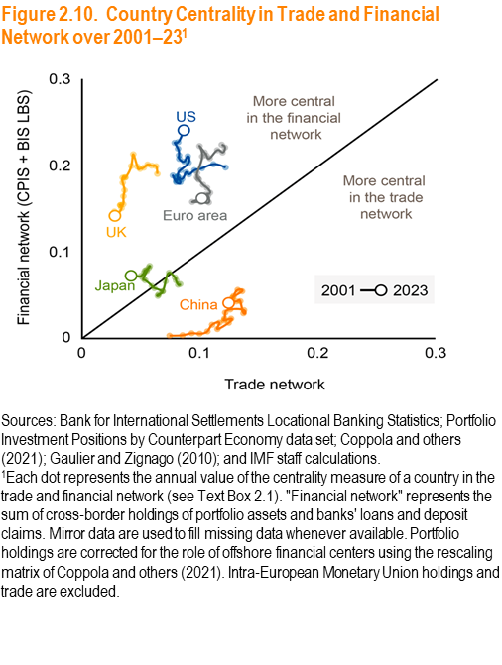
 | Trade
year | US | China | EA
2001 | 0.1218561 | 0.0742935 | 0.1186111
2002 | 0.1115794 | 0.0852962 | 0.1213976
2003 | 0.1018504 | 0.0931111 | 0.1193267
2004 | 0.0954487 | 0.0999101 | 0.1148377
2005 | 0.0908037 | 0.1064778 | 0.1084702
2006 | 0.0882647 | 0.1105198 | 0.1058124
2007 | 0.0849231 | 0.11664 | 0.1040309
2008 | 0.0809578 | 0.1150101 | 0.0998176
2009 | 0.0834568 | 0.1245646 | 0.1020541
2010 | 0.0800045 | 0.1265873 | 0.0977813
2011 | 0.077125 | 0.1206667 | 0.0985346
2012 | 0.079802 | 0.1209655 | 0.0976297
2013 | 0.0811592 | 0.1216139 | 0.099298
2014 | 0.0833144 | 0.1258194 | 0.1027999
2015 | 0.0904966 | 0.1375824 | 0.1062501
2016 | 0.0897946 | 0.1371672 | 0.1087483
2017 | 0.0866762 | 0.1343831 | 0.1049773
2018 | 0.0825321 | 0.1310441 | 0.1047296
2019 | 0.0822716 | 0.1275627 | 0.1069648
2020 | 0.0814702 | 0.1359317 | 0.1076732
2021 | 0.0786482 | 0.1322335 | 0.100941
2022 | 0.0815766 | 0.1287198 | 0.0936169
2023 | 0.0864001 | 0.1245155 | 0.1018241

Figure 2.11
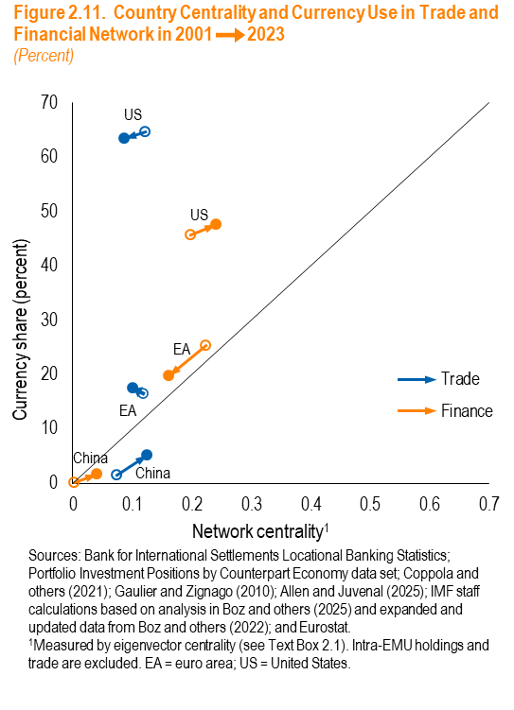
 | Trade (US) |  | Trade (EA)
 | Country centrality | Currency share | Country centrality
2001 | 0.1218561 | 64.72679 | 0.1186111
2023 | 0.0864001 | 63.42366 | 0.1018241

 | Finance (US) |  | Finance (EA)
 | Country centrality | Currency share | Country centrality
2001 | 0.19766 | 45.66076 | 0.2240398
2023 | 0.2408192 | 47.60367 | 0.1619655

Figure 2.12
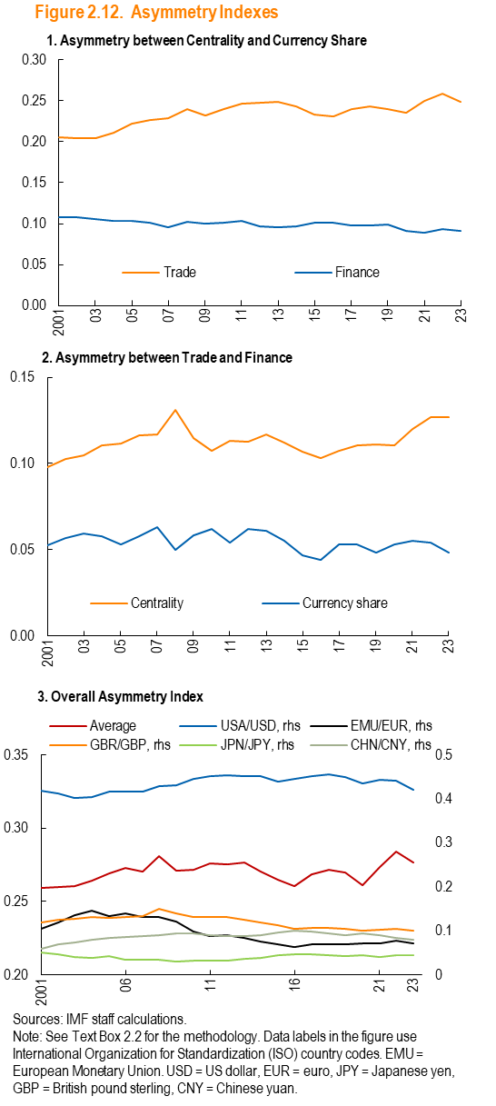

Panel 1 | Year | Trade | Finance
 | 2001 | 0.2058097 | 0.1073774
 | 2002 | 0.2039928 | 0.1074931
 | 2003 | 0.204905 | 0.1052389
 | 2004 | 0.2114175 | 0.1034213
 | 2005 | 0.2217541 | 0.1037918
 | 2006 | 0.2267811 | 0.1007942
 | 2007 | 0.2292386 | 0.0955911
 | 2008 | 0.2394699 | 0.1025932
 | 2009 | 0.232021 | 0.0995293
 | 2010 | 0.2398696 | 0.100835
 | 2011 | 0.2460576 | 0.1028529
 | 2012 | 0.2481187 | 0.0968821
 | 2013 | 0.2484408 | 0.0950728
 | 2014 | 0.2429308 | 0.0968619
 | 2015 | 0.2328443 | 0.1013619
 | 2016 | 0.23075 | 0.1010703
 | 2017 | 0.2398584 | 0.0982656
 | 2018 | 0.243511 | 0.0979898
 | 2019 | 0.2394435 | 0.0988824
 | 2020 | 0.2355651 | 0.0907601
 | 2021 | 0.2501481 | 0.0894041
 | 2022 | 0.2591176 | 0.0938112
 | 2023 | 0.2487291 | 0.0911194

Panel 2 | Year | Centrality | Currency share
 | 2001 | 0.0976194 | 0.0524335
 | 2002 | 0.1024953 | 0.0568106
 | 2003 | 0.1046617 | 0.0593442
 | 2004 | 0.1105642 | 0.0579769
 | 2005 | 0.1114637 | 0.0528691
 | 2006 | 0.1164725 | 0.0576901
 | 2007 | 0.1169075 | 0.0632078
 | 2008 | 0.1310698 | 0.049972
 | 2009 | 0.1148598 | 0.0581531
 | 2010 | 0.1071632 | 0.0618378
 | 2011 | 0.1129722 | 0.0541596
 | 2012 | 0.1127271 | 0.0619012
 | 2013 | 0.1168693 | 0.0608
 | 2014 | 0.1119524 | 0.0552629
 | 2015 | 0.1067966 | 0.0467931
 | 2016 | 0.1032142 | 0.0438752
 | 2017 | 0.1073604 | 0.0531095
 | 2018 | 0.1106531 | 0.053029
 | 2019 | 0.1110579 | 0.0480947
 | 2020 | 0.1102798 | 0.0531715
 | 2021 | 0.1199805 | 0.0550492
 | 2022 | 0.1266733 | 0.0540364
 | 2023 | 0.1268007 | 0.048158

Panel 3 | Year | CHN/CNY, rhs | EMU/EUR, rhs
 | 2001 | 0.0599738 | 0.104621
 | 2002 | 0.068934 | 0.119823
 | 2003 | 0.0743957 | 0.136279
 | 2004 | 0.08024 | 0.1453642
 | 2005 | 0.0845048 | 0.1326411
 | 2006 | 0.0850404 | 0.1399084
 | 2007 | 0.0888327 | 0.1316651
 | 2008 | 0.090052 | 0.1322378
 | 2009 | 0.0951395 | 0.1206673
 | 2010 | 0.0945502 | 0.0973322
 | 2011 | 0.0902026 | 0.0879177
 | 2012 | 0.0882254 | 0.0903433
 | 2013 | 0.0872265 | 0.0843889
 | 2014 | 0.0891771 | 0.0749563
...

Figure 2.13
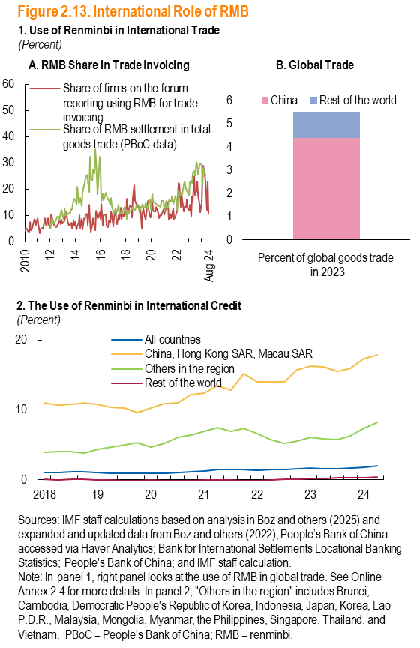
Panel 1A
Date | currency_rmb_numfirm | currency_rmb_official
2009-01-01 | 8.2666666667
2009-02-01 | 4.8507462687
2009-03-01 | 8.5308056872
2009-04-01 | 17.147192716
2009-05-01 | 8.2802547771
2009-06-01 | 5.5240793201
2009-07-01 | 10.130718954
2009-08-01 | 4.3935052531
2009-09-01 | 5.0955414013
2009-10-01 | 2.4453024453
2009-11-01 | 5.8755760369
2009-12-01 | 3.3776867963
2010-01-01 | 4.1439476554
2010-02-01 | 5.1181102362
2010-03-01 | 4.8979591837
2010-04-01 | 3.9923954373
2010-05-01 | 3.8767395626
2010-06-01 | 7.6018099548
2010-07-01 | 4.3248014122
2010-08-01 | 5.1618547682
2010-09-01 | 6.4906490649
2010-10-01 | 8.4893882647
2010-11-01 | 7.8141499472
2010-12-01 | 6.3303659743
2011-01-01 | 8.7962962963
2011-02-01 | 6.5648854962
2011-03-01 | 3.0499075786
2011-04-01 | 4.7210300429
2011-05-01 | 5.1282051282
2011-06-01 | 4.8313582498
2011-07-01 | 6.0583941606
2011-08-01 | 8.8615384615
2011-09-01 | 6.7027758971
2011-10-01 | 5.9097978227
2011-11-01 | 9.0027700831
2011-12-01 | 6.390210741
2012-01-01 | 4.8109965636 | 4.9228953
2012-02-01 | 10.442073171 | 6.7656874
2012-03-01 | 9.8340503995 | 9.2718238
2012-04-01 | 7.2307692308 | 7.0266234
2012-05-01 | 6.407487401 | 6.7915465
2012-06-01 | 5.8823529412 | 8.1108726
2012-07-01 | 5.4752851711 | 8.4146213
2012-08-01 | 6.1649319456 | 9.3421182
2012-09-01 | 7.0160608622 | 9.4834445
2012-10-01 | 8.2454458293 | 7.9723816
2012-11-01 | 6.6724436742 | 11.1596264
...

Figure 2.14
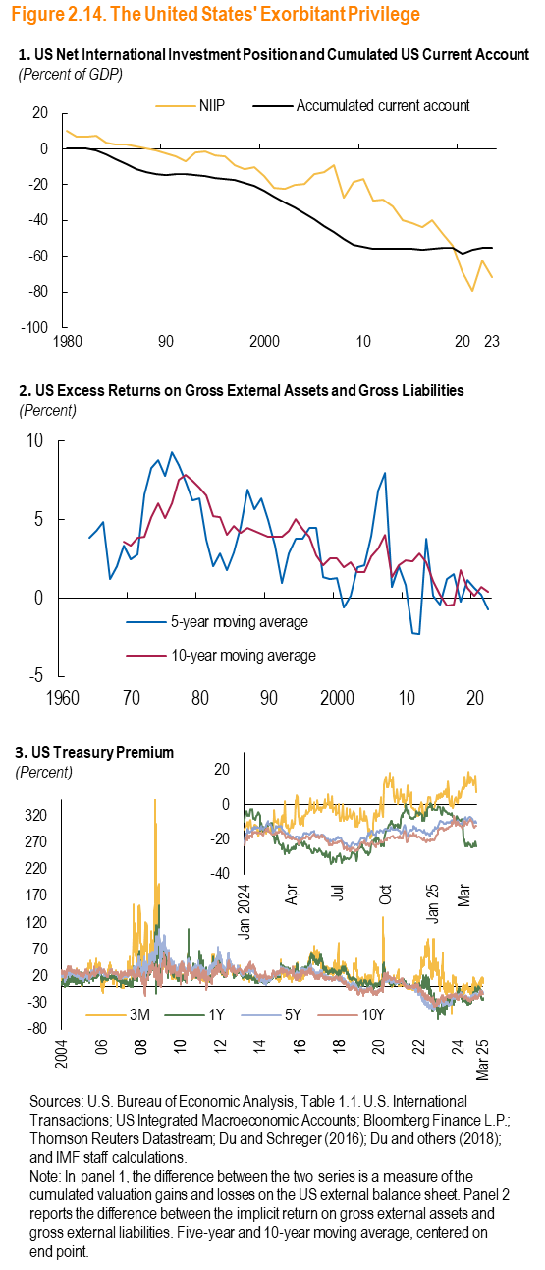
Panel 1 |  |  | Panel 2
Year | Accumulated current account | NIIP | Year
1980 | 0.081125538095 | 10.389598572 | 1960
1981 | 0.22909260992 | 7.0780168382 | 1961
1982 | 0.0541300317 | 7.1285962079 | 1962
1983 | -1.0148871767 | 7.1957622455 | 1963
1984 | -3.2500743016 | 3.4708737864 | 1964
1985 | -5.7474072367 | 2.4033417838 | 1965
1986 | -8.6591842082 | 2.3851864792 | 1966
1987 | -11.476581809 | 1.227879387 | 1967
1988 | -12.954778092 | 0.41018638759 | 1968
1989 | -13.787772972 | -0.59757870108 | 1969
1990 | -14.368700844 | -2.5074709463 | 1970
1991 | -13.866663419 | -3.9511212874 | 1971
1992 | -13.887949941 | -6.6274404552 | 1972
1993 | -14.439404543 | -1.7754643805 | 1973
1994 | -15.258988363 | -1.5137638599 | 1974
1995 | -16.041467597 | -3.6332185819 | 1975
1996 | -16.725718745 | -4.0666658409 | 1976
1997 | -17.382601194 | -9.1893420071 | 1977
1998 | -18.824998897 | -11.40679481 | 1978
1999 | -20.689882881 | -10.406470637 | 1979
2000 | -23.359691737 | -14.986323286 | 1980
2001 | -26.353339192 | -21.682939737 | 1981
2002 | -29.689489528 | -22.05454246 | 1982
2003 | -32.881621787 | -20.009557893 | 1983
2004 | -36.039133353 | -19.339676849 | 1984
2005 | -39.513198662 | -14.243404503 | 1985
2006 | -43.203704508 | -13.085345551 | 1986
2007 | -46.32657418 | -8.8352378715 | 1987
2008 | -50.114922918 | -27.045714595 | 1988
2009 | -53.74775005 | -18.144231633 | 1989
2010 | -54.579453784 | -16.68597249 | 1990
2011 | -55.571350731 | -28.555779919 | 1991
2012 | -55.907130552 | -28.113252123 | 1992
2013 | -55.842832347 | -32.247400878 | 1993
2014 | -55.637558851 | -39.874762183 | 1994
2015 | -55.781197048 | -41.48931402 | 1995
2016 | -56.375657408 | -43.916144196 | 1996
2017 | -55.929767847 | -39.928018927 | 1997
2018 | -55.231287972 | -47.422462663 | 1998
2019 | -55.016722377 | -54.16174559 | 1999
2020 | -58.311064386 | -68.937599805 | 2000
2021 | -56.246233299 | -79.52519298 | 2001
2022 | -55.107994417 | -62.536895978 | 2002
2023 | -54.967071539 | -71.618516127 | 2003
 |  |  | 2004
 |  |  | 2005
 |  |  | 2006
 |  |  | 2007
 |  |  | 2008
 |  |  | 2009
 |  |  | 2010
 |  |  | 2011
 |  |  | 2012
 |  |  | 2013
 |  |  | 2014
 |  |  | 2015
 |  |  | 2016
 |  |  | 2017
 |  |  | 2018
 |  |  | 2019
 |  |  | 2020
 |  |  | 2021
 |  |  | 2022
...

Figure 2.15
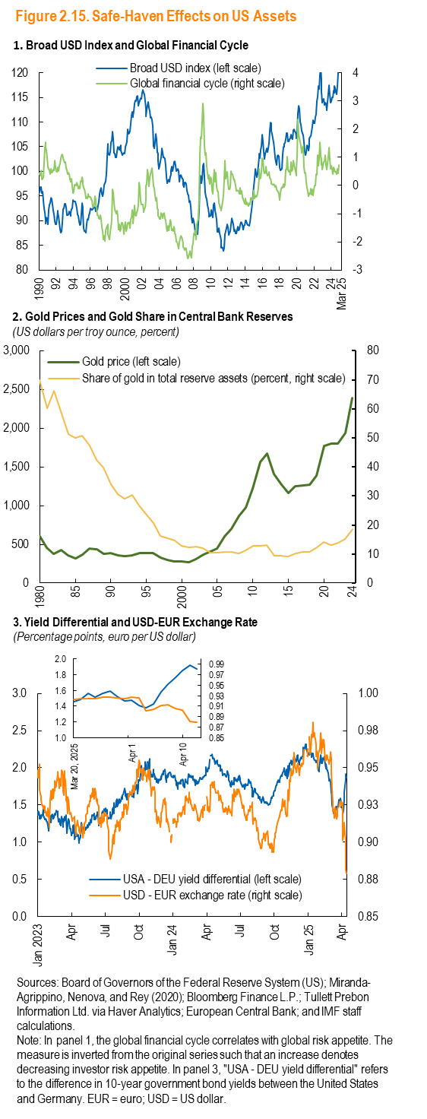
Panel 1 |  | flipped | Panel 2
Date | Broad USD index (left scale) | Global financial cycle (right scale) | Year
1990-01-01 | 95.6454 | 0.4396 | 1980
1990-02-01 | 95.7833 | 0.39115 | 1981
1990-03-01 | 96.8657 | 0.35837 | 1982
1990-04-01 | 96.7597 | 0.53361 | 1983
1990-05-01 | 95.6159 | 0.21824 | 1984
1990-06-01 | 95.9007 | 0.24292 | 1985
1990-07-01 | 94.116 | 0.30437 | 1986
1990-08-01 | 92.5866 | 0.8317 | 1987
1990-09-01 | 91.6568 | 1.32738 | 1988
1990-10-01 | 89.8389 | 1.52401 | 1989
1990-11-01 | 89.4907 | 1.36359 | 1990
1990-12-01 | 90.6538 | 1.25068 | 1991
1991-01-01 | 90.3592 | 0.99101 | 1992
1991-02-01 | 89.3227 | 0.63625 | 1993
1991-03-01 | 92.1593 | 0.57938 | 1994
1991-04-01 | 93.2639 | 0.53255 | 1995
1991-05-01 | 93.5671 | 0.4051 | 1996
1991-06-01 | 94.6384 | 0.59297 | 1997
1991-07-01 | 94.2969 | 0.46492 | 1998
1991-08-01 | 93.2281 | 0.48799 | 1999
1991-09-01 | 92.0809 | 0.56363 | 2000
1991-10-01 | 91.257 | 0.5413 | 2001
1991-11-01 | 89.9621 | 0.87733 | 2002
1991-12-01 | 89.3257 | 0.65343 | 2003
1992-01-01 | 89.2934 | 0.50781 | 2004
1992-02-01 | 90.4624 | 0.49005 | 2005
1992-03-01 | 92.0922 | 0.6448 | 2006
1992-04-01 | 91.6638 | 0.55472 | 2007
1992-05-01 | 90.8526 | 0.50672 | 2008
1992-06-01 | 89.533 | 0.69837 | 2009
1992-07-01 | 88.1628 | 0.77427 | 2010
1992-08-01 | 87.5274 | 0.9773 | 2011
1992-09-01 | 87.9316 | 1.07728 | 2012
1992-10-01 | 89.6709 | 1.09352 | 2013
1992-11-01 | 92.3204 | 0.97124 | 2014
1992-12-01 | 92.4795 | 0.88681 | 2015
1993-01-01 | 93.4411 | 0.81611 | 2016
1993-02-01 | 93.4857 | 0.82881 | 2017
1993-03-01 | 92.6328 | 0.6233 | 2018
1993-04-01 | 91.1043 | 0.54364 | 2019
1993-05-01 | 91.0659 | 0.40504 | 2020
1993-06-01 | 91.2264 | 0.45778 | 2021
1993-07-01 | 91.9336 | 0.39852 | 2022
1993-08-01 | 91.5702 | 0.21227 | 2023
1993-09-01 | 90.9806 | 0.24552 | 2024
1993-10-01 | 91.6363 | 0.12745
1993-11-01 | 92.4098 | 0.23324
1993-12-01 | 92.5765 | -0.0206
1994-01-01 | 94.16 | -0.28252
1994-02-01 | 93.8395 | -0.2052
1994-03-01 | 93.8864 | 0.03965
1994-04-01 | 93.9343 | 0.01866
1994-05-01 | 93.3023 | -0.00024
1994-06-01 | 92.5312 | 0.11067
1994-07-01 | 91.2138 | 0.01316
1994-08-01 | 91.0038 | -0.11706
1994-09-01 | 89.9477 | -0.02769
1994-10-01 | 89.0547 | -0.12151
1994-11-01 | 89.3216 | 0.15195
1994-12-01 | 91.4698 | 0.14149
1995-01-01 | 93.5464 | 0.30086
1995-02-01 | 92.7189 | 0.1626
1995-03-01 | 91.5923 | 0.02392
1995-04-01 | 88.4689 | -0.07558
1995-05-01 | 87.9584 | -0.14037
1995-06-01 | 87.8845 | -0.24627
1995-07-01 | 87.6005 | -0.45598
1995-08-01 | 89.4709 | -0.41505
1995-09-01 | 90.3681 | -0.44642
1995-10-01 | 90.1935 | -0.3015
1995-11-01 | 91.1966 | -0.41107
1995-12-01 | 91.6654 | -0.39493
1996-01-01 | 92.4594 | -0.40664
1996-02-01 | 92.3922 | -0.4863
...

Figure 2.16
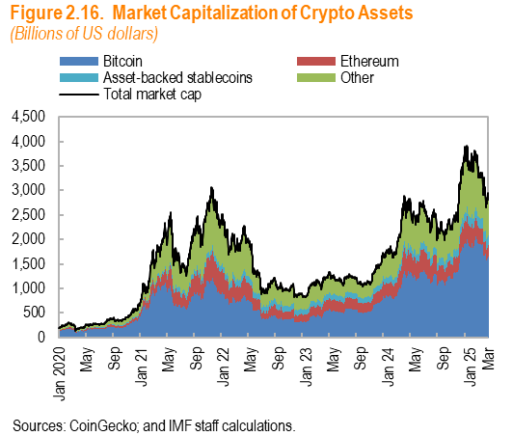
Date | Bitcoin | Ethereum | Asset-backed stablecoins
2020-01 | 130.39410154 | 14.097451632 | 4.9624626075
2020-01 | 130.42295382 | 14.230588104 | 4.9605571951
2020-01 | 126.2807902 | 13.85979333 | 4.9621114736
2020-01 | 132.76626258 | 14.613194776 | 4.9549567773
2020-01 | 133.47471622 | 14.63621316 | 4.9590935193
2020-01 | 133.38899109 | 14.738834254 | 4.9524144117
2020-01 | 140.55716829 | 15.692578635 | 4.9512327333
2020-01 | 147.7986109 | 15.656491188 | 4.9221394087
2020-01 | 146.08957543 | 15.364547562 | 4.8911412621
2020-01 | 141.91385695 | 14.998595868 | 4.8962746161
2020-01 | 146.87993426 | 15.647071448 | 4.8956879507
2020-01 | 145.56158666 | 15.564837468 | 4.8709334153
2020-01 | 148.20422878 | 15.859031094 | 4.8800921423
2020-01 | 147.4460582 | 15.715287657 | 4.876483547
2020-01 | 159.48119221 | 18.075462341 | 4.8592944575
2020-01 | 159.96076175 | 18.104742352 | 4.88619087
2020-01 | 158.41299112 | 17.869543295 | 4.874047127
2020-01 | 161.84874774 | 18.727969033 | 4.8699981839
2020-01 | 161.82360943 | 19.138755595 | 4.8660047247
2020-01 | 157.90605731 | 18.220366702 | 4.870493982
2020-01 | 156.84800998 | 18.243871991 | 4.8679895089
2020-01 | 158.56495835 | 18.460475136 | 4.8701304265
2020-01 | 157.50265206 | 18.358377436 | 4.8801262315
2020-01 | 152.98492886 | 17.722969843 | 4.867507941
2020-01 | 153.29435394 | 17.777723072 | 4.8787371098
2020-01 | 151.79449572 | 17.587666193 | 4.8724937383
2020-01 | 156.30214466 | 18.279197138 | 4.8801706218
2020-01 | 161.47360274 | 18.576520021 | 4.8701326175
2020-01 | 169.51842814 | 19.212409346 | 4.8895461999
...

Figure 2.17
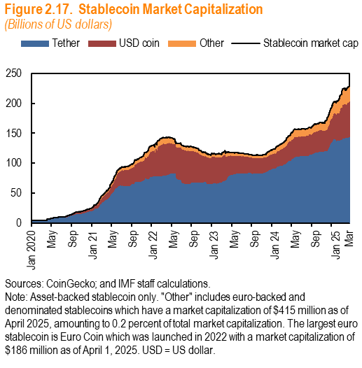
Date | Tether | USD coin | Other
2020-01-01 | 4.2859416947 | 0.52202768338 | 0.04177847481
2020-01-02 | 4.2862664853 | 0.52020777234 | 0.041083185191
2020-01-03 | 4.2888985752 | 0.51991552565 | 0.041278022174
2020-01-04 | 4.2830230282 | 0.51884035624 | 0.042581602142
2020-01-05 | 4.2872208409 | 0.51895246589 | 0.041388590591
2020-01-06 | 4.2813917014 | 0.51797327202 | 0.041935818139
2020-01-07 | 4.285344129 | 0.5139648309 | 0.044894739591
2020-01-08 | 4.2793093169 | 0.49031728913 | 0.047168618156
2020-01-09 | 4.273984481 | 0.46978429046 | 0.046123776554
2020-01-10 | 4.2869420722 | 0.46173241463 | 0.04601055508
2020-01-11 | 4.2883411433 | 0.45852066501 | 0.0833291943
2020-01-12 | 4.2733193401 | 0.44889262998 | 0.083101741421
2020-01-13 | 4.2813478496 | 0.44919750133 | 0.084458742083
2020-01-14 | 4.2823603299 | 0.44717170951 | 0.085495814021
2020-01-15 | 4.2785269481 | 0.43202088421 | 0.087284468501
2020-01-16 | 4.2861334333 | 0.45213411029 | 0.087663675274
2020-01-17 | 4.2778207578 | 0.44845680144 | 0.089222338635
2020-01-18 | 4.2798608097 | 0.44475730304 | 0.094452683062
2020-01-19 | 4.2778176415 | 0.44428497238 | 0.095750977342
2020-01-20 | 4.282607058 | 0.44463858932 | 0.09663868217
2020-01-21 | 4.2813277732 | 0.44469413117 | 0.097204215875
2020-01-22 | 4.2834734279 | 0.44747188927 | 0.098675239952
2020-01-23 | 4.2828864043 | 0.45824397747 | 0.099973323178
2020-01-24 | 4.2795829802 | 0.44916637998 | 0.10064256313
2020-01-25 | 4.2897502005 | 0.44960026558 | 0.10121736323
2020-01-26 | 4.2836479906 | 0.44947688423 | 0.10158911775
2020-01-27 | 4.285728294 | 0.44913916705 | 0.10889706622
2020-01-28 | 4.2774247535 | 0.44597755467 | 0.1098333843
2020-01-29 | 4.2951592194 | 0.44688200827 | 0.11221800097
2020-01-30 | 4.2767142938 | 0.44785072129 | 0.11201914292
2020-01-31 | 4.277899663 | 0.44246692059 | 0.11368093609
2020-02-01 | 4.2772783079 | 0.44080289414 | 0.11351475211
2020-02-02 | 4.2792977924 | 0.4385586152 | 0.11378009472
...

Figure 2.18
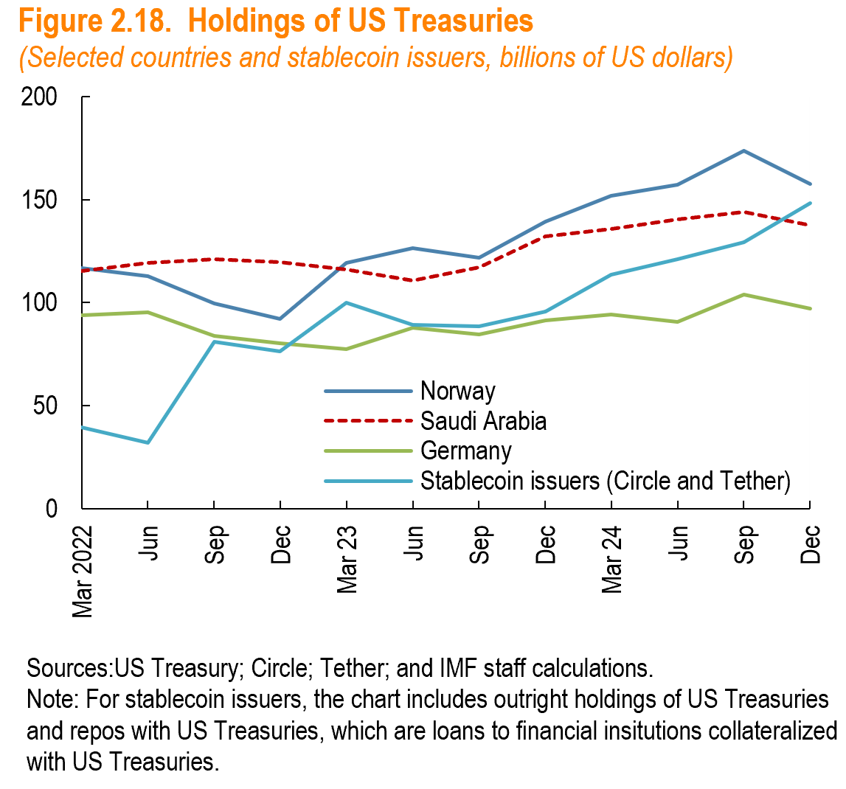
Date | Norway | Saudi Arabia | Germany
Mar 2022 | 116.7 | 115.5 | 93.8
Jun | 112.9 | 119.2 | 95.4
Sep | 99.6 | 121 | 83.9
Dec | 92 | 119.7 | 80.1
Mar 23 | 119.1 | 116.2 | 77.5
Jun | 126.4 | 110.7 | 87.6
Seo | 121.6 | 117.1 | 84.6
Dec | 139.3 | 132 | 91.4
Mar 24 | 151.9 | 135.9 | 94.1
Jun | 157.1 | 140.2 | 90.8
Sep | 173.5 | 143.9 | 103.8
Dec | 157.6 | 137.5 | 97

Figure 2.19
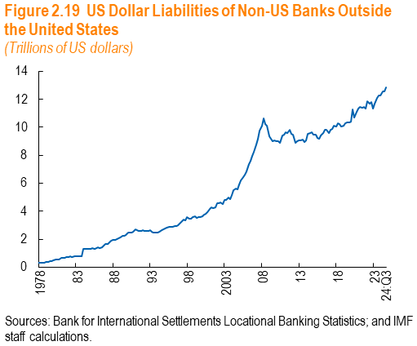
Date | value
1977-12-31 | 307681
1978-03-31 | 312816
1978-06-30 | 321938
1978-09-30 | 340371
1978-12-31 | 394538
1979-03-31 | 385507
1979-06-30 | 412205
1979-09-30 | 456041
1979-12-31 | 501507
1980-03-31 | 519067
1980-06-30 | 543874
1980-09-30 | 563998
1980-12-31 | 637380
1981-03-31 | 655921
1981-06-30 | 671429
1981-09-30 | 702537
1981-12-31 | 749471
1982-03-31 | 756666
1982-06-30 | 740609
1982-09-30 | 774671
1982-12-31 | 778442
1983-03-31 | 775906
1983-06-30 | 775142
1983-09-30 | 791395
1983-12-31 | 1281636
1984-03-31 | 1283554
1984-06-30 | 1298436
1984-09-30 | 1287551
...

Figure 2.1.1
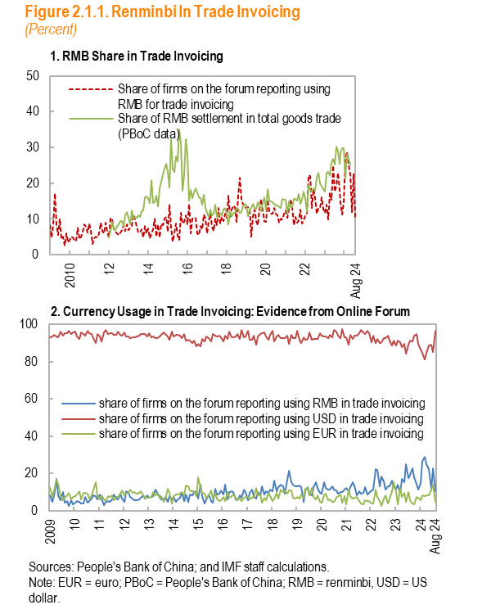

Panel 1
 | month | currency_rmb_numfirm | currency_rmb_official
 | 2009-01-01 | 8.2666666667
 | 2009-02-01 | 4.8507462687
 | 2009-03-01 | 8.5308056872
 | 2009-04-01 | 17.147192716
 | 2009-05-01 | 8.2802547771
 | 2009-06-01 | 5.5240793201
 | 2009-07-01 | 10.130718954
 | 2009-08-01 | 4.3935052531
 | 2009-09-01 | 5.0955414013
 | 2009-10-01 | 2.4453024453
 | 2009-11-01 | 5.8755760369
 | 2009-12-01 | 3.3776867963
2010 | 2010-01-01 | 4.1439476554
 | 2010-02-01 | 5.1181102362
 | 2010-03-01 | 4.8979591837
 | 2010-04-01 | 3.9923954373
 | 2010-05-01 | 3.8767395626
 | 2010-06-01 | 7.6018099548
 | 2010-07-01 | 4.3248014122
 | 2010-08-01 | 5.1618547682
 | 2010-09-01 | 6.4906490649
 | 2010-10-01 | 8.4893882647
 | 2010-11-01 | 7.8141499472
 | 2010-12-01 | 6.3303659743
 | 2011-01-01 | 8.7962962963
 | 2011-02-01 | 6.5648854962
 | 2011-03-01 | 3.0499075786
 | 2011-04-01 | 4.7210300429
 | 2011-05-01 | 5.1282051282
 | 2011-06-01 | 4.8313582498
 | 2011-07-01 | 6.0583941606
 | 2011-08-01 | 8.8615384615
 | 2011-09-01 | 6.7027758971
 | 2011-10-01 | 5.9097978227
 | 2011-11-01 | 9.0027700831
 | 2011-12-01 | 6.390210741
12 | 2012-01-01 | 4.8109965636 | 4.9228953
 | 2012-02-01 | 10.442073171 | 6.7656874
 | 2012-03-01 | 9.8340503995 | 9.2718238
 | 2012-04-01 | 7.2307692308 | 7.0266234
 | 2012-05-01 | 6.407487401 | 6.7915465
...

Figure 2.1.2
...
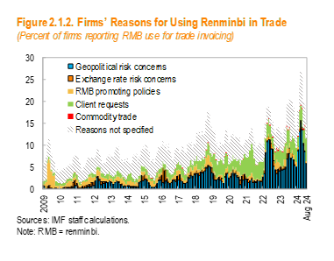
2009
...
10
...
11
...

Figure 2.2.1
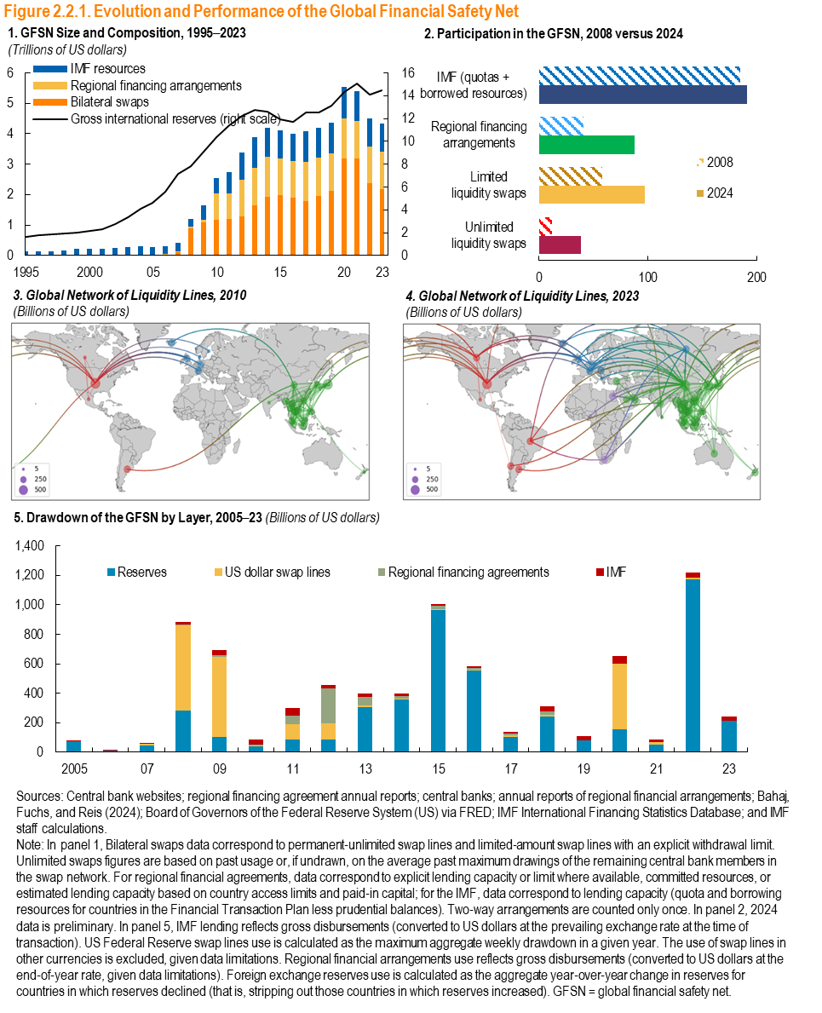
a |  | (US dollars billion)
 |  | Bilateral swaps | Regional financing arrangements
1995 | 1995 | 0 | 0.0074025
 | 1996 | 0 | 0.0074025
 | 1997 | 0 | 0.0074025
 | 1998 | 0 | 0.0074025
 | 1999 | 0 | 0.0074025
2000 | 2000 | 0.011809592833 | 0.0074025
 | 2001 | 0.011809592833 | 0.0074025
 | 2002 | 0.011809592833 | 0.019991673311
 | 2003 | 0.011809592833 | 0.022536817064
 | 2004 | 0.011809592833 | 0.02371127956
05 | 2005 | 0.011809592833 | 0.025558451398
 | 2006 | 0.011809592833 | 0.02722528481
 | 2007 | 0.1004957661 | 0.028946359649
 | 2008 | 0.8951624 | 0.04615368154
 | 2009 | 1.0890624 | 0.092128511478
10 | 2010 | 1.1654624 | 0.87825136772
 | 2011 | 1.1897196459 | 0.85199814109
 | 2012 | 1.2788196459 | 1.2115971655
 | 2013 | 1.6401196459 | 1.2304869677
 | 2014 | 1.9169196459 | 1.3163725079
15 | 2015 | 1.9748196459 | 1.2135975767
 | 2016 | 1.9092196459 | 1.1820080898
 | 2017 | 1.7910196459 | 1.2973033598
 | 2018 | 1.9562196459 | 1.2549074045
 | 2019 | 2.1307196459 | 1.2362003876
20 | 2020 | 3.1945196459 | 1.3182560076
 | 2021 | 3.1751196459 | 1.2443003076
 | 2022 | 2.3897196459 | 1.1937023359
23 | 2023 | 2.181 | 1.2214689123

Figure 2.3.1
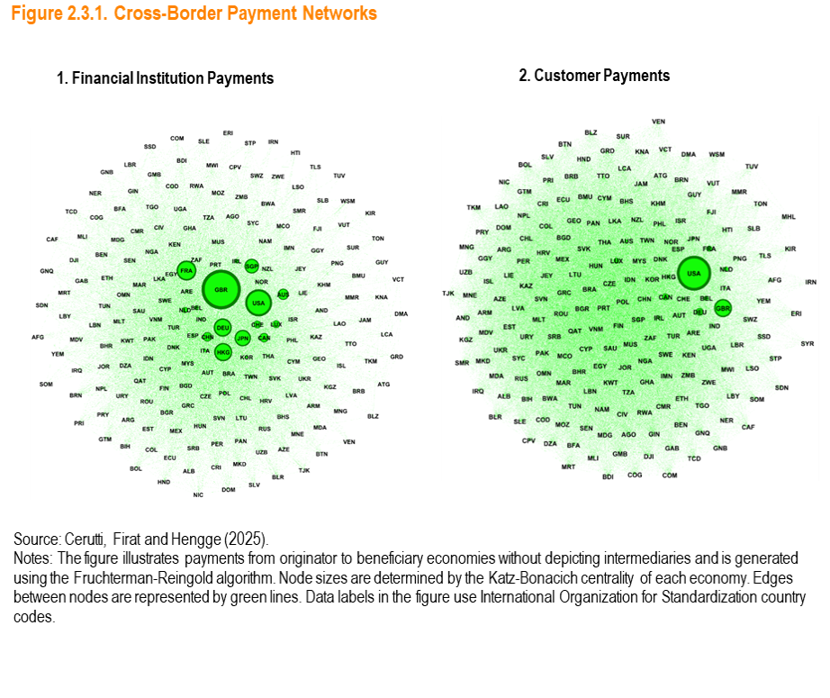

Figure 2.4.1
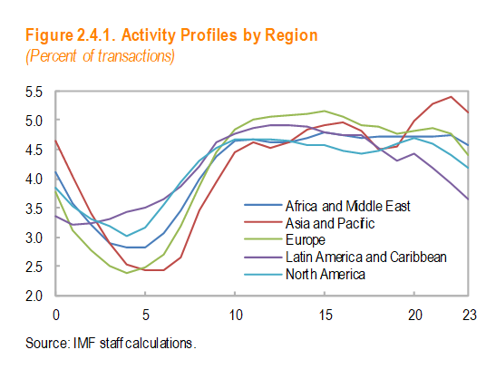

 | hour | Africa and Middle East | Asia and Pacific
0 | 0 | 4.1099765327 | 4.6357824421
 | 1 | 3.5799380768 | 4.0412803035
 | 2 | 3.2205436741 | 3.4039899244
 | 3 | 2.8983090381 | 2.8933594931
 | 4 | 2.8139189084 | 2.5400915609
5 | 5 | 2.8324101852 | 2.423888666
 | 6 | 3.0611129365 | 2.423365332
 | 7 | 3.4497597326 | 2.6622996693
 | 8 | 3.9976111666 | 3.4557334768
 | 9 | 4.3883845205 | 3.940717043
10 | 10 | 4.6340447383 | 4.4391138864
 | 11 | 4.6643665213 | 4.6185229228
 | 12 | 4.6263145779 | 4.5207714884
 | 13 | 4.6156451234 | 4.6265803406
 | 14 | 4.6834138808 | 4.845153661
15 | 15 | 4.7902306417 | 4.9245936572
 | 16 | 4.7457868029 | 4.9543606834
 | 17 | 4.6972120642 | 4.8092256463
 | 18 | 4.7177015722 | 4.5102444244
 | 19 | 4.7208669659 | 4.5578844433
20 | 20 | 4.7201764456 | 4.9793074361
 | 21 | 4.7300270531 | 5.2848268321
 | 22 | 4.7335102084 | 5.3891785754
23 | 23 | 4.5687386328 | 5.1197280918

Figure 2.4.2
