FM Database Apr. 2021
International Monetary Fund
Fiscal Affairs Department
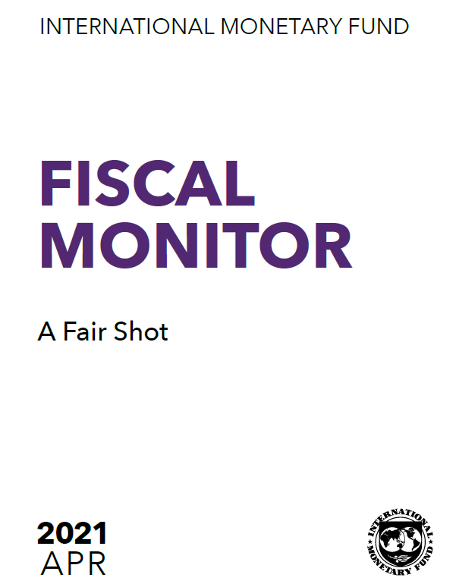

Database

April 2021 Fiscal Monitor "A Fair Shot"

This database includes the tables, charts, and underlying data from the April 2021 IMF Fiscal Monitor. When using the data, please refer to the IMF, Fiscal Monitor, April 2021.

Disclaimer: Should there be any discrepancies with the print version, the latter represents the official version.

In case of questions, please contact: | fiscalmonitor@imf.org

Figure 2.1.
Figure 2.1. Change in Inequality (Gini Index) 1990–2019
Figure 2.1.
country | Change in Gini points
Sao Tome and Principe | 24.19
Bulgaria | 10.26
Benin | 9.18
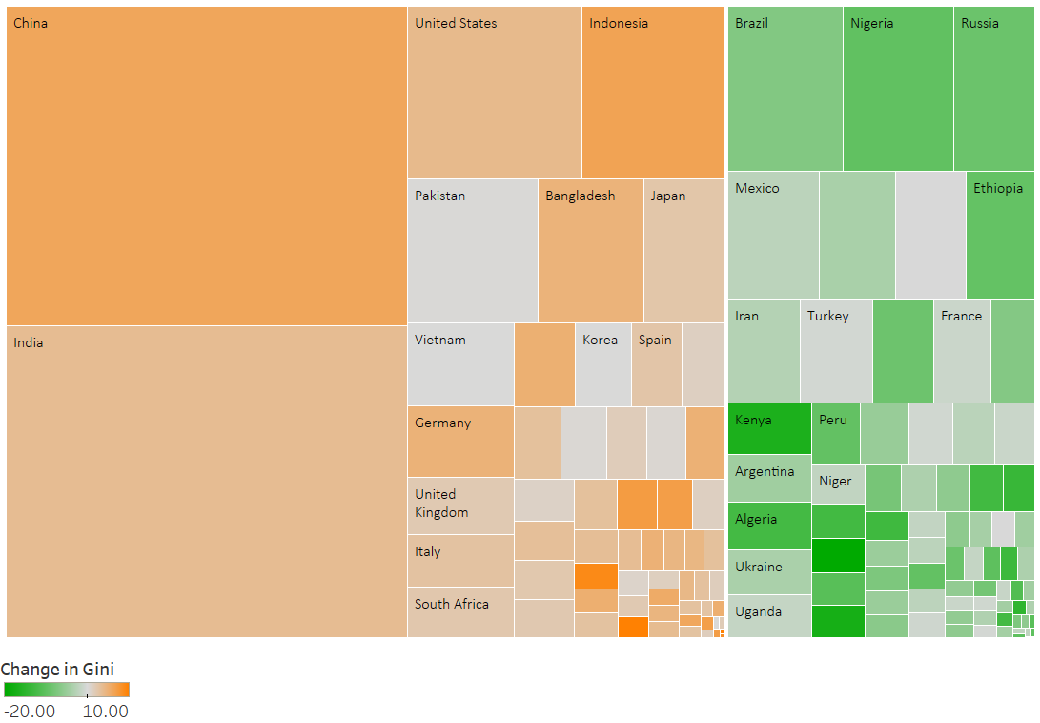
Tanzania
Thailand
Philippines
Dem. Rep. of Congo
Federation
n
St. Lucia | 8.65
Sri Lanka | 7.36
Luxembourg | 7.20
Romania | 7.10
Guinea-Bissau | 7.05
Indonesia | 6.58
China | 6.25
Albania | 6.16
Finland | 5.70
Latvia | 5.29
Burundi | 5.29
Tanzania | 5.20
Ghana | 5.08
Sweden | 5.00
Germany | 4.95
Bangladesh | 4.81
Slovak Republic | 4.60
Tajikistan | 4.45
Israel | 4.40
Costa Rica | 4.21
United States | 4.00
Norway | 3.80
India | 3.70
Czech Republic | 3.60
Chad | 3.50
Cote d'Ivoire | 3.34
Canada | 3.20
Taiwan Province of China | 3.20
Austria | 3.20
New Zealand | 3.10
Bosnia and Herzegovina | 3.06
Belgium | 3.00
Sources: IMF Income Gini Database; and World Economic Outlook database. Note: The size of box corresponds to relative size of population of the country. The colors correspond to the difference in Gini index between the value in most recent available year and 1990s. Orange/green color denotes worsening/improvement in Gini, while grey points to little change.
Italy | 2.95
Lithuania | 2.95
Slovenia | 2.80
Spain | 2.60
Japan | 2.55
South Africa | 2.34
Australia | 2.30
Cameroon | 2.19
United Kingdom | 2.10
Lao P.D.R. | 2.08
Montenegro, Rep. of | 1.91
Yemen | 1.71
Congo, Republic of | 1.61
Djibouti | 1.59
Denmark | 1.40
Netherlands | 1.30
Poland | 1.30
Venezuela | 1.03
Togo | 0.84
Mozambique | 0.44
Morocco | 0.35
Pakistan | 0.20
Cyprus | 0.10
Korea | 0.10
Vietnam | 0.06
Switzerland | 0.00
Seychelles | -0.01
Democratic Republic of the Congo | -0.06
Mongolia | -0.45
Turkey | -0.52
Angola | -0.68
Georgia | -0.72
Honduras | -0.83
France | -1.10
Madagascar | -1.21
Liberia | -1.21
Armenia | -1.36
Uganda | -1.61
Serbia | -1.61
Dominican Republic | -1.71
Niger | -1.82
Malta | -2.00
Bhutan | -2.05
Hungary | -2.20
Mexico | -2.30
Portugal | -2.30
Nepal | -2.37
Iran | -2.80
Uruguay | -3.12
Estonia | -3.20
Kyrgyz Republic | -3.34
Zambia | -3.37
Ukraine | -3.64
Philippines | -3.72
Papua New Guinea | -3.92
Gabon | -4.16
Botswana | -4.18
Namibia | -4.25
Argentina | -4.45
Sierra Leone | -4.48
Rwanda | -4.84
Bolivia | -4.92
Malaysia | -5.13
Ireland | -5.60
Panama | -5.60
Guatemala | -5.87
Croatia | -5.87
Swaziland | -5.87
Belarus | -5.93
Greece | -6.30
Colombia | -6.80
Brazil | -6.94
Timor-Leste, Dem. Rep. of | -7.28
Tunisia | -7.42
Kazakhstan | -7.93
Mauritania | -8.22
Thailand | -8.85
Paraguay | -8.99
Russia | -9.00
Ethiopia | -9.57
Jordan | -9.71
Peru | -9.74
Nigeria | -9.86
Maldives | -10.03
Cabo Verde | -10.12
Nicaragua | -10.13
Comoros | -10.59
Chile | -10.69
Moldova | -11.28
Algeria | -12.58
Gambia, The | -12.60
Burkina Faso | -12.77
Ecuador | -12.91
Guinea | -13.11
El Salvador | -13.32
Senegal | -13.85
Lesotho | -14.75
Kenya | -16.69
Mali | -17.40
Malawi | -21.06
Jamaica
Egypt

Figure 2.2
Figure 2.2. Income and Wealth Shares of Top 10 Percent of Population
Figure 2.2. | 2021 | 2020 | Spacing | Label 2018 | Positive Error | Negative Error
United States | 79.471603 | 30.4 | 13 | United States | 49.071603 | 0
The Netherlands | 68.347847 | 23.3 | 12.5
Denmark | 63.976688 | 24 | 12
Latvia | 63.376293 | 26.9 | 11.5
Germany | 59.758945 | 24.6 | 11
Chile | 57.710564 | 36.3 | 10.5
Estonia | 55.71339 | 22.5 | 10 | Figure 2.2. | 2021 | 2020
Austria | 55.59053 | 23 | 9.5 | Slovak Republic | 34.325706 | 20
Ireland | 53.7924 | 25.9 | 9 | Japan | 41.01643 | 26.4
Portugal | 52.127502 | 26.7 | 8.5 | Poland | 41.83997 | 23.5
United Kingdom | 51.988647461 | 26.8 | 8 | Greece | 42.423824 | 25.9
Norway | 51.450287 | 21.6 | 7.5 | Belgium | 42.495087 | 21.9
Canada | 51.07711792 | 25.3 | 7 | Italy | 42.784328 | 26.7
France | 50.586899 | 25.8 | 6.5 | Finland | 45.231823 | 22.6
Luxembourg | 48.667435 | 25.8 | 6 | Spain | 45.577541 | 25.4
Slovenia | 48.622921 | 20.4 | 5.5 | Australia | 46.465977 | 27
Hungary | 48.477074 | 23.9 | 5 | Hungary | 48.477074 | 23.9
Australia | 46.465977 | 27 | 4.5 | Slovenia | 48.622921 | 20.4
Spain | 45.577541 | 25.4 | 4 | Luxembourg | 48.667435 | 25.8
Finland | 45.231823 | 22.6 | 3.5 | France | 50.586899 | 25.8
Italy | 42.784328 | 26.7 | 3 | Canada | 51.07711792 | 25.3
Belgium | 42.495087 | 21.9 | 2.5 | Norway | 51.450287 | 21.6
Greece | 42.423824 | 25.9 | 2 | United Kingdom | 51.988647461 | 26.8
Poland | 41.83997 | 23.5 | 1.5 | Portugal | 52.127502 | 26.7
Japan | 41.01643 | 26.4 | 1 | Ireland | 53.7924 | 25.9
Slovak Republic | 34.325706 | 20 | 0.5 | Austria | 55.59053 | 23
 |  |  |  | Estonia | 55.71339 | 22.5
 |  |  |  | Chile | 57.710564 | 36.3
 |  |  |  | Germany | 59.758945 | 24.6
 |  |  |  | Latvia | 63.376293 | 26.9
 |  |  |  | Denmark | 63.976688 | 24
 |  |  |  | The Netherlands | 68.347847 | 23.3
 |  |  |  | United States | 79.471603 | 30.4

Percent share of total

Source: Organisation for Economic Co-operation and Development.
Note: Data taken from most recent available year, ranging from 2013–17.

Figure 2.3.
Advanced economies
Emerging market economies
Low-income developing countries
Figure 2.3. Intergenerational Persistence in Education
Figure 2.3.
 | Advanced economies | Emerging market economies | Low-income developing economies
1940 | 0.46 | 0.71 | 0.63
1950 | 0.42 | 0.61 | 0.70
1960 | 0.37 | 0.48 | 0.63
1970 | 0.38 | 0.55 | 0.65
1980 | 0.34 | 0.48 | 0.63

Sources: World Bank, Global Database of Intergenerational Mobility 2018; and IMF staff calculations.
Note: Values of intergenerational persistence are coefficient estimates from the regression of children’s years of education on the education of their parents.

Figure 2.4.
Figure 2.4. Relationships between Various Aspects of Inequality
1. Sustainable Development Goals Index and Inequality of Opportunity
Figure 2.4.
Country | Inequality of opportunity (absolute) | 2020 SDG Index Score | country.x | gini_first | IGEincome_mean
South Africa | 0.34 | 63.41 | United States | 0.3 | 0.5
Guatemala | 0.30 | 61.54 | United Kingdom | 0.3 | 0.5
2. Income Inequality and Intergenerational Persistence in Income.
Brazil | 0.28 | 72.67 | Austria | 0.2 | 0.2
Rwanda | 0.27 | 56.56 | Belgium | 0.2 | 0.2
Panama | 0.25 | 69.19 | Denmark | 0.3 | 0.1
Chile | 0.23 | 77.42 | France | 0.3 | 0.4
 | 2020 SDG Index Score
0.34 | 63.41
0.30 | 61.54
0.28 | 72.67
0.27 | 56.56
0.25 | 69.19
0.23 | 77.42
0.22 | 69.27
0.20 | 65.37
0.19 | 74.26
0.16 | 73.17
0.15 | 77.01
0.15 | 74.77
0.14 | 76.43
0.14 | 70.44
0.13 | 74.78
0.13 | 78.11
0.13 | 77.65
0.12 | 74.31
0.11 | 52.47
0.11 | 80.06
0.10 | 77.73
0.10 | 74.33
0.10 | 77.34
0.09 | 79.38
0.09 | 78.10
0.09 | 79.96
0.09 | 75.21
0.09 | 78.40
0.09 | 74.95
0.08 | 79.35
0.08 | 80.70
0.08 | 81.13
0.08 | 79.79
0.08 | 75.97
0.07
0.07 | 80.58
0.06 | 77.51
0.06 | 80.77
0.06 | 74.87
0.06 | 84.72
0.06 | 79.80
0.05 | 80.37
0.04 | 83.77
0.04 | 80.76
0.03 | 84.56
0.03 | 77.52
 | Advanced Economies | #REF! | #REF! | trendline
 | 1 | 1 | 1 | 0.5
 |  |  |  | 0.5
 |  |  |  | 0.2
 |  |  |  | 0.2
 |  |  |  | 0.1
 |  |  |  | 0.4
 |  |  |  | 0.2
 |  |  |  | 0.5
 |  |  |  | 0.3
 |  |  |  | 0.2
 |  |  |  | 0.3
 |  |  |  | 0.3
 |  |  |  | 0.3
 |  |  |  | 0.3
 |  |  |  | 0.1
 |  |  |  | 0.3
 |  |  |  | 0.3
 |  |  |  | 0.3
 |  |  |  | 0.4
 |  |  |  | 0.3
 |  |  |  | 0.3
 |  |  |  | 0.2
 |  |  |  | 0.4
 |  |  |  | 0.6
 |  |  |  | 0.9
 |  |  |  | 0.3
 |  |  |  | 0.7
 |  |  |  | 0.9
 |  |  |  | 0.6
 |  |  |  | 0.6
 |  |  |  | 1.0
 |  |  |  | 1.0
 |  |  |  | 0.7
 |  |  |  | 0.5
 |  |  |  | 0.6
 |  |  |  | 0.5
 |  |  |  | 0.5
...
Bolivia | 0.22 | 69.27 | Germany | 0.3 | 0.2
Ghana | 0.20 | 65.37 | Italy | 0.3 | 0.5
Ecuador | 0.19 | 74.26 | Netherlands | 0.2 | 0.3
Argentina | 0.16 | 73.17 | Norway | 0.2 | 0.2
Italy | 0.15 | 77.01 | Sweden | 0.3 | 0.3
Bulgaria | 0.15 | 74.77 | Switzerland | 0.3 | 0.3
United States | 0.14 | 76.43 | Canada | 0.3 | 0.3
Mexico | 0.14 | 70.44 | Japan | 0.3 | 0.3
Romania | 0.13 | 74.78 | Finland | 0.2 | 0.1
Spain | 0.13 | 78.11 | Greece | 0.3 | 0.3
Portugal | 0.13 | 77.65 | Ireland | 0.3 | 0.3
Luxembourg | 0.12 | 74.31 | Portugal | 0.4 | 0.3
Guinea | 0.11 | 52.47 | Spain | 0.3 | 0.4
Estonia | 0.11 | 80.06 | Australia | 0.3 | 0.3
Latvia | 0.10 | 77.73 | Cyprus | 0.3 | 0.3
Greece | 0.10 | 74.33 | Israel | 0.3
Hungary | 0.10 | 77.34 | Taiwan Province of China | 0.3 | 0.2
Ireland | 0.09 | 79.38 | Czech Republic | 0.2 | 0.4
Poland | 0.09 | 78.10 | Slovak Republic | 0.2 | 0.6
Belgium | 0.09 | 79.96 | Latvia | 0.3 | 0.9
Cyprus | 0.09 | 75.21 | Lithuania | 0.3
Croatia | 0.09 | 78.40 | Slovenia | 0.2 | 0.3
Lithuania | 0.09 | 74.95 | Turkey | 0.4
Switzerland | 0.08 | 79.35 | South Africa | 0.6 | 0.7
Austria | 0.08 | 80.70 | Argentina | 0.4
France | 0.08 | 81.13 | Bolivia | 0.5 | 0.9
United Kingdom | 0.08 | 79.79 | Brazil | 0.5 | 0.6
Malta | 0.08 | 75.97 | Chile | 0.5 | 0.6
Korea | 0.07 |  | Costa Rica | 0.4
Czech Republic | 0.07 | 80.58 | Dominican Republic | 0.5
Sources: Sachs and others 2020; World Bank Global Database of Intergenerational Mobility (2018); and World Database on Equality of Opportunity and Social Mobility (Equalchances.org).
Note: Panel 1 covers 45 countries of all income levels. Panel 2 covers 55 countries of all income levels. The first available income (or consumption) Gini is from 1965–85, and intergenerational persistence of income is for the 1960 or 1970 cohort, whichever is available. SDGs = Sustainable Development Goals.
Slovak Republic | 0.06 | 77.51 | Ecuador | 0.6 | 1.0
Germany | 0.06 | 80.77 | Mexico | 0.5
Australia | 0.06 | 74.87 | Panama | 0.5 | 1.0
Sweden | 0.06 | 84.72 | Paraguay | 0.6
Slovenia | 0.06 | 79.80 | Peru | 0.5 | 0.7
Netherlands | 0.05 | 80.37 | Uruguay | 0.4
Finland | 0.04 | 83.77 | Venezuela | 0.4
Norway | 0.04 | 80.76 | Jordan | 0.4 | 0.5
Denmark | 0.03 | 84.56 | Sri Lanka | 0.3
Iceland | 0.03 | 77.52 | India | 0.4 | 0.6
 |  |  | Indonesia | 0.3
 |  |  | Malaysia | 0.5 | 0.5
 |  |  | Pakistan | 0.3 | 0.5
 |  |  | Philippines | 0.4
 |  |  | Morocco | 0.4 | 0.9
 |  |  | Tunisia | 0.4 | 0.9
 |  |  | Albania | 0.3 | 0.8
 |  |  | Georgia | 0.4
 |  |  | Kazakhstan | 0.4 | 0.2
 |  |  | Bulgaria | 0.3
 |  |  | China | 0.3 | 0.4
 |  |  | Ukraine | 0.3
 |  |  | Hungary | 0.3
 |  |  | Mongolia | 0.3 | 0.4
 |  |  | Poland | 0.3
 |  |  | Romania | 0.3 | 0.4
 |  |  | Honduras | 0.5
 |  |  | Nicaragua | 0.5
 |  |  | Lao P.D.R. | 0.3
 |  |  | Nepal | 0.4 | 0.4
 |  |  | Vietnam | 0.4 | 0.5
 |  |  | Ethiopia | 0.4
 |  |  | Ghana | 0.4 | 0.6
 |  |  | Guinea | 0.5 | 0.3
 |  |  | Kenya | 0.6 | 0.7
 |  |  | Madagascar | 0.5 | 0.7
 |  |  | Malawi | 0.7 | 0.7
 |  |  | Mali | 0.5 | 0.7
 |  |  | Mauritania | 0.4
 |  |  | Niger | 0.4
 |  |  | Nigeria | 0.4 | 0.7
 |  |  | Tanzania | 0.4 | 0.5
 |  |  | Uganda | 0.4 | 1.0
 |  |  | Moldova | 0.4

Figure 2.5.
Figure 2.5. | Advanced economies |  |  |  |  |  | Emerging market and developing economies
 | Closure days | Income quintile 1 | 2 | 3 | 4 | Income quintile 5 | Closure days | Icome quintile 1 | 2 | 3 | 4 | Income quintile 5
High Education Parents | -23.53 | -8.25 | -10.13 | -14.14 | -17.13 | -19.68 | -42.01 | -7.25 | -9.11 | -12.53 | -16.10 | -22.26
Low education parents |  | -16.46 | -13.79 | -8.12 | -3.90 | -0.30 |  | -39.99 | -37.36 | -32.52 | -27.48 | -18.76

Figure 2.5. Education Losses due to School Closures and Remote Learning Efficiency in 2020
Education Loss(Required School Closures for All Schools)

 | High-education parents | Low-education parents
Closure days | -23.53
Income quintile 1 | -8.25 | -16.46
2 | -10.13 | -13.79
3 | -14.14 | -8.12
4 | -17.13 | -3.90
Income quintile 5 | -19.68 | -0.30
Closure days | -42.01
Icome quintile 1 | -7.25 | -39.99
2 | -9.11 | -37.36
3 | -12.53 | -32.52
4 | -16.10 | -27.48
Income quintile 5 | -22.26 | -18.76
Sources: Engzell and others (2020); Oxford COVID-19 Government Response Tracker; United Nations Educational, scientific and cultural Organization; World Bank, World Development Indicators and COVID-19 phone surveys; and IMF staff estimates.
Note: These are simple averages. Green bars denote shares of a school year that schools of all levels were subject to mandatory closures between March 1 to December 31, 2020. Blue bars denote estimated contributions of children’s learning losses by parents’ education

Figure 2.6.
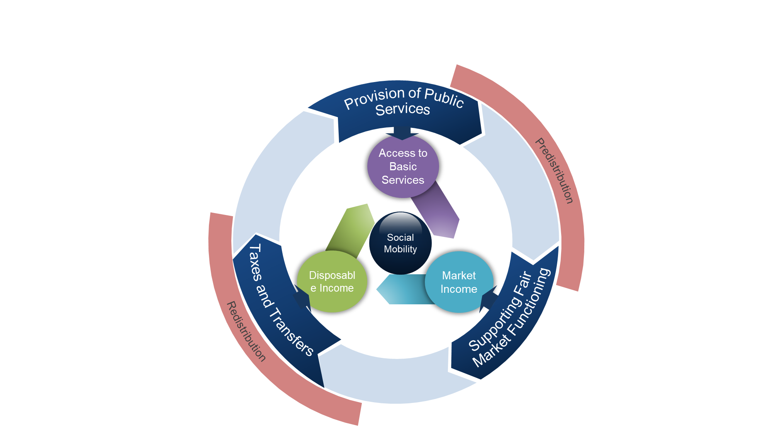
Figure 2.6. Policies–Conceptual Framework

Source: IMF staff.

Figure 2.7.
Figure 2.7. Spending on Education and Intergenerational Mobility
Figure 2.7.
isocode | Public spending on education | Intergenerational persistence in education | Income group
AUS | 5.0 | 23.1 | AEs
AUT | 5.4 | 44.1 | AEs
BEL | 4.5 | 30.8 | AEs
CAN | 6.0 | 26.0 | AEs
CHE | 4.8 | 37.1 | AEs
CYP | 4.6 | 20.4 | AEs
CZE | 4.0 | 37.3 | AEs
DEU | 4.4 | 28.6 | AEs
DNK | 7.4 | 20.0 | AEs
ESP | 4.0 | 30.7 | AEs
EST | 5.6 | 31.9 | AEs
FIN | 5.9 | 23.9 | AEs
FRA | 5.0 | 25.7 | AEs
GBR | 4.5 | 17.4 | AEs
GRC | 2.6 | 31.6 | AEs
IRL | 4.8 | 37.7 | AEs
ISL | 6.3 | 31.9 | AEs
ISR | 6.1 | 19.1 | AEs
ITA | 4.5 | 33.1 | AEs
JPN | 3.9 | 28.6 | AEs
KOR | 3.4 | 18.6 | AEs
LTU | 5.2 | 29.8 | AEs
LVA | 5.3 | 38.7 | AEs
NLD | 5.0 | 27.1 | AEs
NOR | 6.7 | 27.2 | AEs
PRT | 4.3 | 46.3 | AEs
SVK | 4.1 | 39.0 | AEs
SVN | 5.3 | 32.7 | AEs
SWE | 6.3 | 25.6 | AEs
AGO | 3.5 | 64.7 | EMEs
ALB | 3.4 | 39.8 | EMEs
Sources: United Nations Educationa, Scientific and Cultural Organization; World Bank Global Database of international Mobility; and IMF staff estimates. Note: Education persistency in adulthood is for the cohort born in the 1980s (derived as the regression coefficient in a simple regression of child’s education on parental education).
ARG | 3.1 | 34.1 | EMEs
ARM | 2.5 | 48.2 | EMEs
AZE | 3.5 | 41.2 | EMEs
BGR | 3.8 | 57.3 | EMEs
BLR | 5.8 | 31.7 | EMEs
BRA | 4.3 | 34.8 | EMEs
BWA | 6.6 | 33.0 | EMEs
CHL | 3.1 | 37.4 | EMEs
CHN | 1.9 | 48.3 | EMEs
COL | 3.7 | 46.8 | EMEs
CPV | 6.7 | 41.7 | EMEs
CRI | 4.6 | 34.7 | EMEs
DOM | 1.5 | 33.9 | EMEs
ECU | 3.3 | 49.3 | EMEs
EGY | 4.5 | 39.4 | EMEs
FJI | 5.7 | 38.9 | EMEs
GAB | 3.3 | 37.1 | EMEs
GEO | 2.8 | 44.9 | EMEs
GTM | 2.0 | 70.8 | EMEs
HRV | 3.9 | 45.0 | EMEs
HUN | 5.2 | 59.0 | EMEs
IDN | 2.0 | 41.6 | EMEs
IND | 3.6 | 57.6 | EMEs
IRN | 4.0 | 34.1 | EMEs
IRQ | 3.6 | 49.0 | EMEs
JOR | 5.1 | 24.1 | EMEs
KAZ | 3.2 | 33.3 | EMEs
LBN | 2.4 | 45.0 | EMEs
LKA | 2.8 | 40.7 | EMEs
MAR | 5.0 | 46.9 | EMEs
MDV | 5.0 | 10.9 | EMEs
MEX | 3.8 | 40.4 | EMEs
MKD | 4.3 | 52.4 | EMEs
MNG | 5.2 | 24.5 | EMEs
MUS | 3.7 | 37.8 | EMEs
MYS | 5.7 | 29.3 | EMEs
NAM | 6.8 | 48.8 | EMEs
PAK | 2.5 | 56.0 | EMEs
PAN | 3.9 | 47.7 | EMEs
PER | 3.0 | 39.5 | EMEs
PHL | 2.8 | 14.9 | EMEs
POL | 5.0 | 33.9 | EMEs
PRY | 3.1 | 40.2 | EMEs
ROU | 3.5 | 68.9 | EMEs
RUS | 3.5 | 41.5 | EMEs
SLV | 3.1 | 43.8 | EMEs
SRB | 4.2 | 44.7 | EMEs
SWZ | 5.5 | 38.1 | EMEs
THA | 3.7 | 35.6 | EMEs
TON | 5.3 | 32.4 | EMEs
TUN | 6.1 | 40.3 | EMEs
TUR | 2.4 | 57.6 | EMEs
TUV | 5.6 | 37.0 | EMEs
UKR | 5.2 | 38.6 | EMEs
URY | 2.5 | 45.5 | EMEs
VEN | 4.1 | 33.5 | EMEs
VUT | 7.2 | 36.8 | EMEs
ZAF | 5.3 | 20.5 | EMEs
BEN | 2.4 | 74.5 | LIDCs
BFA | 2.7 | 83.6 | LIDCs
BGD | 1.7 | 58.3 | LIDCs
BTN | 6.3 | 59.9 | LIDCs
CAF | 1.8 | 46.8 | LIDCs
CIV | 4.4 | 59.5 | LIDCs
CMR | 2.9 | 59.6 | LIDCs
COD | 0.9 | 48.2 | LIDCs
COG | 3.6 | 49.1 | LIDCs
COM | 2.2 | 61.5 | LIDCs
ETH | 3.3 | 66.1 | LIDCs
GHA | 5.0 | 52.6 | LIDCs
GIN | 2.2 | 55.7 | LIDCs
GNB | 5.2 | 49.5 | LIDCs
HND | 2.6 | 57.4 | LIDCs
KEN | 6.0 | 35.9 | LIDCs
KGZ | 4.9 | 36.0 | LIDCs
KHM | 1.6 | 54.7 | LIDCs
LAO | 2.4 | 39.3 | LIDCs
MDA | 6.5 | 47.2 | LIDCs
MDG | 2.4 | 56.3 | LIDCs
MLI | 3.0 | 68.0 | LIDCs
MOZ | 3.2 | 61.3 | LIDCs
MRT | 2.0 | 42.7 | LIDCs
MWI | 4.0 | 37.1 | LIDCs
NER | 2.3 | 52.3 | LIDCs
NIC | 3.4 | 43.3 | LIDCs
NPL | 3.2 | 61.2 | LIDCs
RWA | 4.1 | 50.7 | LIDCs
SDN | 1.5 | 64.5 | LIDCs
SEN | 2.9 | 45.2 | LIDCs
SLE | 3.4 | 53.2 | LIDCs
STP | 4.1 | 58.2 | LIDCs
TCD | 2.2 | 55.1 | LIDCs
TGO | 4.0 | 57.8 | LIDCs
TJK | 3.1 | 23.2 | LIDCs
TZA | 2.9 | 44.2 | LIDCs
UGA | 3.3 | 43.8 | LIDCs
ZMB | 2.6 | 41.8 | LIDCs

Figure 2.8.
Figure 2.8. Differences in Enrollment Rates between the Richest and Poorest Households
Figure 2.8.
region | 2000s | 2010s | gap_secondary_old2000 | gap_secondary_old2010
Caucasus and Central Asia | 2.356805 | 0.8628277
Emerging and developing Asia | 19.41284 | 13.47164
Emerging and developing Europe | 7.682673 | 3.898387
Latin America and the Caribbean | 11.70132 | 7.926097
Middle East, North Africa, Afghanistan, and Pakistan | 32.24784 | 30.66358
Sub-Saharan Africa | 29.14031 | 26.9385

Sources: United Nations Educationa, Scientific and Cultural Organization; and World Bank.

Figure 2.9.
Figure 2.9. Impact of Public Education Spending on School Enrollment Rates
Figure 2.9.
 |  | point | UCI | LCI | point
Primary | Poorest quintile | 5.06 | 3.21 | 3.21 | 5.06
 | Richest quintile | 1.91 | 1.63 | 1.63 | 1.91
 | Gap (richest⁠– poorest) | -2.79 | 1.90 | 1.90 | -2.79
Secondary | Poorest quintile | 5.84 | 2.01 | 2.01 | 5.84
 | Richest quintile | 2.50 | 1.21 | 1.21 | 2.50
 | Gap (richest⁠– poorest) | -3.33 | 1.77 | 1.77 | -3.33

Sources: World Bank; UNESCO; and IMF staff.
Note: Estimated coefficients from panel regressions. Data cover 38 emerging market economies over 2000–18.

Figure 2.10.
Figure 2.10. Effectiveness of Social Assistance Spending
Figure 2.10.
isocode | poverty_reduction | social_assistance_spending | high_cov | high_ade | x | y
ALB | 6.02 | 1.48 | TRUE | TRUE | 0 | 6.8332663216
AZE | 6.08 | 0.84 | TRUE | TRUE | 4 | 6.8332663216
CMR | 2.61 | 0.02 | TRUE | TRUE
COL | 6.22 | 2.77 | TRUE | TRUE | xsa | ysa
DJI | 11.91 | 0.13 | TRUE | TRUE | 1.169945 | 0
ETH | 9.52 | 1.02 | TRUE | TRUE | 1.169945 | 35
GHA | 4.80 | 0.45 | TRUE | TRUE
KEN | 5.99 | 0.39 | TRUE | TRUE
KGZ | 11.15 | 2.60 | TRUE | TRUE
LBR | 2.99 | 1.70 | TRUE | TRUE
MMR | 3.54 | 0.02 | TRUE | TRUE
MNE | 22.09 | 0.60 | TRUE | TRUE
NER | 1.63 | 0.42 | TRUE | TRUE
NGA | 2.19 | 0.28 | TRUE | TRUE
PAK | 5.70 | 0.64 | TRUE | TRUE
RWA | 4.59 | 1.44 | TRUE | TRUE
SEN | 7.22 | 0.89 | TRUE | TRUE
TCD | 10.48 | 0.75 | TRUE | TRUE
TJK | 2.43 | 0.76 | TRUE | TRUE
TUN | 3.80 | 0.76 | TRUE | TRUE
TUR | 6.51 | 1.17 | TRUE | TRUE
TZA | 3.69 | 0.38 | TRUE | TRUE
UZB | 16.39 | 0.78 | TRUE | TRUE
VNM | 2.89 | 1.92 | TRUE | TRUE
ZMB | 2.42 | 0.23 | TRUE | TRUE
BIH | 13.80 | 2.79 | TRUE | TRUE
COD | 37.45 | 0.68 | TRUE | TRUE
FJI | 5.67 | 0.73 | TRUE | TRUE
GEO | 29.52 | 6.59 | TRUE | TRUE
Source: World Bank, Aspire database; and IMF staff.
Note: Poverty reduction is defined as the difference between poverty headcount after and before transfers divided by poverty headcount before transfers. Data in figure taken from most recent available year, ranging from 2008–18. High coverage/adequacy is defined as the level above median.
MDA | 9.04 | 1.11 | TRUE | TRUE
MDV | 8.18 | 1.07 | TRUE | TRUE
SRB | 22.18 | 1.85 | TRUE | TRUE
UKR | 11.05 | 5.27 | TRUE | TRUE
BGD | 4.70 | 0.99 | TRUE | TRUE
CHN | 2.34 | 1.24 | TRUE | TRUE
DOM | 1.33 | 1.59 | TRUE | TRUE
GTM | 3.38 | 0.35 | TRUE | TRUE
HND | 1.90 | 0.43 | TRUE | TRUE
IDN | 3.17 | 0.71 | TRUE | TRUE
IND | 4.62 | 1.49 | TRUE | TRUE
MWI | 3.01 | 1.49 | TRUE | TRUE
NPL | 2.51 | 2.06 | TRUE | TRUE
PER | 10.70 | 1.39 | TRUE | TRUE
SLV | 7.39 | 0.99 | TRUE | TRUE
UGA | 9.46 | 0.67 | TRUE | TRUE
URY | 3.01 | 1.15 | TRUE | TRUE
ARG | 9.62 | 1.84 | TRUE | TRUE
ARM | 17.36 | 1.53 | TRUE | TRUE
BLR | 42.16 | 2.35 | TRUE | TRUE
BOL | 9.00 | 2.18 | TRUE | TRUE
BRA | 20.42 | 1.48 | TRUE | TRUE
BWA | 21.15 | 2.71 | TRUE | TRUE
CHL | 8.54 | 3.78 | TRUE | TRUE
CRI | 14.53 | 1.46 | TRUE | TRUE
ECU | 10.96 | 1.50 | TRUE | TRUE
HRV | 13.21 | 3.27 | TRUE | TRUE
IRQ | 2.75 | 2.56 | TRUE | TRUE
JAM | 4.63 | 1.51 | TRUE | TRUE
JOR | 3.98 | 1.09 | TRUE | TRUE
KAZ | 12.60 | 1.71 | TRUE | TRUE
LKA | 5.77 | 0.51 | TRUE | TRUE
LSO | 10.79 | 5.40 | TRUE | TRUE
MEX | 10.37 | 1.22 | TRUE | TRUE
MNG | 4.81 | 2.52 | TRUE | TRUE
MUS | 28.76 | 3.46 | TRUE | TRUE
MYS | 3.04 | 0.76 | TRUE | TRUE
NAM | 12.03 | 2.85 | TRUE | TRUE
PAN | 7.18 | 1.47 | TRUE | TRUE
PHL | 5.43 | 0.66 | TRUE | TRUE
POL | 13.12 | 1.97 | TRUE | TRUE
PRY | 14.41 | 1.43 | TRUE | TRUE
ROU | 10.91 | 1.16 | TRUE | TRUE
RUS | 6.83 | 1.61 | TRUE | TRUE
SWZ | 6.46 | 1.51 | TRUE | TRUE
THA | 6.22 | 0.47 | TRUE | TRUE
ZAF | 29.38 | 3.40 | TRUE | TRUE

Figure 2.11.
Figure 2.11.1 |  |  |  |  |  |  |  |  |  | Figure 2.11.2
isocode | Cash transfers | isocode | Social pension | isocode | Fee waivers | AFG | In-kind (food) | isocode | Other social assistance programs | isocode | Cash transfers | isocode | Social pensions | isocode | Fee waivers | isocode | In-kind (food) | isocode | Other social assistance programs
AFG | 0 | AFG | 0 | AFG | 0 | AFG | 0 | BFA | 0 | BFA | 0.0498796 | PNG | 0.00558529 | BGD | 0.00577079 | JOR | 0.0272288 | BGR | 0.0517943
Figure 2.11. Effectiveness and Allocation of Social Assistance Programs
Panel 1. Poverty Reduction Panel 2. Spending
BTN | 0 | ALB | 0 | ARG | 0 | ALB | 0 | BGD | 0 | IDN | 0.0861956 | GTM | 0.00634584 | BEN | 0.00703273 | ZMB | 0.0315976 | ALB | 0.0588514
CIV | 0 | ARG | 0 | ARM | 0 | ARG | 0 | BOL | 0 | DJI | 0.0979855 | ZMB | 0.01414358 | GNB | 0.00874215 | VNM | 0.0386554 | URY | 0.0642251
CMR | 0 | ARM | 0 | AZE | 0 | BFA | 0 | CHN | 0 | PAN | 0.1198136 | HUN | 0.02214169 | BIH | 0.00906634 | MDG | 0.045028 | SLV | 0.0984157
COD | 0 | BFA | 0 | BFA | 0 | BIH | 0 | DJI | 0 | HND | 0.1264018 | GRD | 0.0247184 | TJK | 0.01017556 | TGO | 0.0558135 | KGZ | 0.1005434
GMB | 0 | BLR | 0 | BGD | 0 | BLR | 0 | GIN | 0 | GTM | 0.1412013 | LBN | 0.03351442 | SLE | 0.01640931 | ARG | 0.0647998 | NPL | 0.1075003
HTI | 0 | BTN | 0 | BIH | 0 | BRA | 0 | HND | 0 | SLV | 0.1442518 | BDI | 0.03560335 | KEN | 0.01682726 | TUR | 0.0700613 | MLI | 0.1290465
IND | 0 | CHN | 0 | BLR | 0 | BTN | 0 | KHM | 0 | SLE | 0.1454504 | MYS | 0.05105079 | ALB | 0.02011779 | PAN | 0.0707609 | MEX | 0.1343461
KHM | 0 | CIV | 0 | BOL | 0 | CMR | 0 | MDG | 0 | UGA | 0.1558504 | IND | 0.05598093 | UZB | 0.02856836 | KEN | 0.0768768 | ARG | 0.1481214
MDG | 0 | CMR | 0 | BRA | 0 | COD | 0 | MNE | 0 | KEN | 0.1678116 | PHL | 0.05756664 | MOZ | 0.0345251 | NAM | 0.0810439 | KAZ | 0.1615015
NGA | 0 | COD | 0 | BTN | 0 | DOM | 0 | MRT | 0 | DOM | 0.1769606 | WSM | 0.0792297 | HND | 0.04005557 | TZA | 0.0824741 | HND | 0.171147
NIC | 0 | DJI | 0 | CIV | 0 | GHA | 0 | PAK | 0 | MDG | 0.1901983 | ARG | 0.08000909 | SLV | 0.04890895 | HND | 0.0910261 | POL | 0.191697
SEN | 0 | DOM | 0 | CMR | 0 | GIN | 0 | PRY | 0 | SEN | 0.192874 | RWA | 0.08382216 | BFA | 0.05665214 | KGZ | 0.0945963 | RWA | 0.1981065
SLE | 0 | GHA | 0 | COD | 0 | GMB | 0 | SRB | 0 | KWT | 0.2034511 | UGA | 0.08752783 | POL | 0.0597494 | SEN | 0.126811 | GHA | 0.1992856
TCD | 0 | GIN | 0 | DJI | 0 | JOR | 0 | TGO | 0 | PRY | 0.2112249 | LKA | 0.09371585 | BLR | 0.06083551 | GRD | 0.132978 | LCA | 0.202206
TGO | 0 | GMB | 0 | ECU | 0 | KAZ | 0 | TLS | 0 | BGD | 0.2120311 | SLV | 0.09421635 | ECU | 0.07285451 | ZAF | 0.1400187 | IND | 0.2705233
TJK | 0 | HND | 0 | GEO | 0 | KGZ | 0 | ZMB | 0 | MAR | 0.2125956 | SVN | 0.09581722 | BGR | 0.07351059 | THA | 0.1505994 | MOZ | 0.2711605
TLS | 0 | HRV | 0 | GHA | 0 | KHM | 0 | GTM | 0.054451 | TUR | 0.2381421 | CHN | 0.10313573 | TCD | 0.07531866 | LKA | 0.1553839 | BGD | 0.279987
TZA | 0 | HTI | 0 | GIN | 0 | MDA | 0 | TCD | 0.0676216 | COL | 0.2570035 | KEN | 0.10445356 | CRI | 0.08683613 | SWZ | 0.1846314 | UGA | 0.3994032
NPL | 0.0811544 | IDN | 0 | GMB | 0 | MDG | 0 | IRQ | 0.082897 | FJI | 0.2595562 | COL | 0.12350464 | MDV | 0.09019484 | GTM | 0.1855501 | BFA | 0.4968145
GHA | 0.095661 | IND | 0 | GTM | 0 | MEX | 0 | AZE | 0.0883353 | TLS | 0.3109348 | PER | 0.1253985 | IND | 0.09151344 | SDN | 0.1927258 | UKR | 0.7259629
Sources: World Bank, ASPIRE database; and IMF staff calculations.
Note: Each box shows 25th and 75th percentiles of the variable of interest. The mid-line/x corresponds to the median/mean. Poverty reduction is defined as the percentage change in poverty headcount. Data cover 110 emerging market and developing economies for the most recent available year during 2010 to 2018. Examples of in-kind (food) programs include food stamps, vouchers, nutrition programs, school feeding, school supplies, in-kind emergency support. Examples of fee waivers include reduced medical fees, education fee waivers, subsidies for utilities and agricultural inputs, and transportation benefits.
AZE | 0.1313294 | IRQ | 0 | HRV | 0 | MNE | 0 | CMR | 0.1217622 | TTO | 0.3492653 | FJI | 0.13556303 | GHA | 0.09346396 | COL | 0.2100412 | KHM | 0.7502886
ZMB | 0.2426603 | JAM | 0 | HTI | 0 | MNG | 0 | LKA | 0.1352276 | BGR | 0.3797036 | KWT | 0.18380129 | KHM | 0.10122276 | BGD | 0.2132949 | TTO | 0.7809307
UGA | 0.347697 | JOR | 0 | IDN | 0 | MUS | 0 | NGA | 0.1523418 | BRA | 0.4157819 | TUR | 0.2136768 | FJI | 0.11135535 | CPV | 0.2286983 | SWZ | 0.8113528
DJI | 0.3766059 | KGZ | 0 | IRQ | 0 | PAK | 0 | KGZ | 0.1772262 | URY | 0.4284035 | MEX | 0.21426667 | TGO | 0.11283968 | PER | 0.2592148 | CHL | 0.8236151
PAN | 0.5386529 | KHM | 0 | JOR | 0 | PHL | 0 | CIV | 0.2076415 | KAZ | 0.4774787 | BLR | 0.21457244 | ARM | 0.11377471 | ECU | 0.2974409 | GRD | 0.998394
LBR | 0.5860817 | LBR | 0 | KEN | 0 | POL | 0 | MUS | 0.2202678 | ECU | 0.4869683 | POL | 0.22172047 | MAR | 0.13502708 | ETH | 0.3249029 | DMA | 1.026233
KEN | 0.6147977 | MDG | 0 | KGZ | 0 | SRB | 0 | TJK | 0.228768 | EGY | 0.5563444 | LVA | 0.22322327 | PHL | 0.14200842 | JAM | 0.3445268 | BDI | 1.367761
MWI | 0.83588 | MNG | 0 | KHM | 0 | TCD | 0 | TUN | 0.2700786 | TUN | 0.5777351 | ARM | 0.23852728 | GAB | 0.14240669 | MLI | 0.3613746 | CAF | 1.425049
VNM | 0.9006165 | MRT | 0 | LBR | 0 | TGO | 0 | ZAF | 0.274201 | CRI | 0.5799736 | DMA | 0.266944 | TUN | 0.16366154 | NER | 0.3729651 | BWA | 1.46
TUR | 1.060949 | MWI | 0 | LKA | 0 | TJK | 0 | TUR | 0.3461127 | PAK | 0.6135727 | SWZ | 0.27041355 | ZMB | 0.17030805 | PRY | 0.4214924 | LSO | 2.307088
DOM | 1.781086 | NER | 0 | LSO | 0 | TLS | 0 | KEN | 0.3622228 | CHL | 0.6205779 | UZB | 0.27485436 | IDN | 0.20009308 | MOZ | 0.4785445 | AFG | .
SLV | 1.902841 | NGA | 0 | MDA | 0 | UGA | 0 | KAZ | 0.3708362 | MKD | 0.6397787 | BGD | 0.28132448 | SEN | 0.20714363 | CHL | 0.5258499 | ARM | .
BIH | 2.388322 | NIC | 0 | MDG | 0 | UKR | 0 | ARM | 0.3760247 | SDN | 0.6431268 | MNE | 0.29305622 | BDI | 0.21251698 | TCD | 0.596108 | AZE | .
CHN | 2.403974 | PAK | 0 | MEX | 0 | ZAF | 0 | HRV | 0.4710038 | ROU | 0.7452801 | SVK | 0.30017394 | SWZ | 0.21848047 | SLV | 0.6012634 | BEN | .
LSO | 2.546425 | PHL | 0 | MNE | 0 | ZMB | 0 | BRA | 0.4826081 | GRD | 0.8024572 | THA | 0.30401793 | LSO | 0.23691021 | LSO | 0.6203329 | BIH | .
MUS | 2.567068 | SEN | 0 | MNG | 0 | SEN | 0.074925 | GEO | 0.4966883 | DMA | 1.4681 | PAN | 0.31341407 | TUR | 0.28028676 | SLE | 0.6353528 | BLR | .
BGD | 2.918423 | SLV | 0 | MRT | 0 | NGA | 0.1057673 | COL | 0.5340001 | ARG | 1.550169 | BWA | 0.32 | PRY | 0.28796697 | BOL | 0.6925313 | BOL | .
PER | 2.933889 | TCD | 0 | MWI | 0 | HRV | 0.6366438 | LBR | 0.6317441 | UKR | 1.692214 | EST | 0.32786596 | PER | 0.28910655 | BDI | 0.7698116 | BRA | .
COL | 3.191224 | TGO | 0 | NER | 0 | LKA | 0.637959 | SEN | 0.8368518 | AFG | . | ROU | 0.33721393 | DMA | 0.32547837 | DOM | 0.8286706 | BTN | .
PRY | 3.285498 | TJK | 0 | NGA | 0 | CHN | 0.6386755 | ALB | 0.874167 | ALB | . | MDA | 0.34388858 | SDN | 0.34940588 | BWA | 0.88 | CHN | .
PAK | 3.390306 | TUN | 0 | NIC | 0 | NER | 0.7724057 | TZA | 0.9031306 | ARM | . | SAU | 0.3588973 | DOM | 0.38294873 | LBR | 0.956004 | CIV | .
ALB | 3.570593 | TZA | 0 | NPL | 0 | TUR | 0.8206537 | MEX | 0.9129997 | AZE | . | UKR | 0.37336424 | KWT | 0.40932065 | IND | 1.074597 | CMR | .
MNE | 3.609469 | UGA | 0 | PAK | 0 | HND | 0.8828959 | MWI | 0.9382676 | BDI | . | TJK | 0.40460226 | BRA | 0.42848921 | BFA | 1.246096 | COD | .
HND | 4.392576 | URY | 0 | PER | 0 | LBR | 1.024901 | NER | 1.138045 | BEN | . | SRB | 0.42748889 | PAN | 0.43222898 | MRT | 2.879598 | COG | .
KGZ | 4.571836 | VNM | 0 | PHL | 0 | BGD | 1.242849 | BIH | 1.204246 | BIH | . | EGY | 0.449155 | JAM | 0.51276368 | AFG | . | COL | .
...

Figure 2.12.
Figure 2.12. OECD: Income Tax Top Rates
Top integrated tax rates on capital income and top PIT marginal rate,
OECD average
...
 | 1980/1 | 2016 or latest available year
Top PIT marginal rate | 65.5 | 43.9
Dividend income | 60.8 | 41.7
Interest earnings | 50.9 | 29.2
CIT statutory rate | 47.5 | 24.9
Capital gains | 23.3 | 36.1
2016 or latest available year
29%
42%
36%
0.24
0.43

2016 or latest available year
43.9
41.7
29.2
24.9
36.1

Sources: Carey, Chouraqui and Hagemann (1993); and Harding and Marten (2018). Note: CIT=corporate income tax; PIT=personal income tax.

Figure 2.13.
Figure 2.13. Additional Spending Requirement for Meeting the SDGs by 2030
Figure 2.13.
income | Emerging Market Economies | Low Income Developing Countries
 | EME | LIDC
Education | 0.92713079519 | 3.3136090862
Health | 0.86616635153 | 3.0774433707
Roads | 2.3000085967 | 5.9449517151
Electricity | 0.47153309826 | 1.1331796841
Water | 0.18484174876 | 1.4126017642

Source: IMF staff estimates. EMEs = emerging market economies; LIDCs = low-income developing countries.

Figure 2.14.
Figure 2.14. Sectoral Spending Inefficiencies
 |  | 100
36.31279548 | 55.939441238
Emerging Market Economies | Low Income Developing Countries
99.059617519 | 99.843746424
 | Advanced Economies |  | avg
8.00395 | 0.5 | 3.1741341176 | 0
7.87966 | 0.5 | 3.1741341176 | 1
7.23646 | 0.5
6.25931 | 0.5
4.74698 | 0.5
4.728 | 0.5
4.38758 | 0.5
4.2909 | 0.5
4.00417 | 0.5
3.88252 | 0.5
3.62982 | 0.5
3.48807 | 0.5
3.45587 | 0.5
3.36379 | 0.5
3.07726 | 0.5
3.03515 | 0.5
2.92138 | 0.5
2.77166 | 0.5
2.717 | 0.5
2.62904 | 0.5
2.61105 | 0.5
2.45556 | 0.5
2.32146 | 0.5
2.15524 | 0.5
2.08552 | 0.5
1.89343 | 0.5
1.4109 | 0.5
1.37629 | 0.5
1.32631 | 0.5
1.20165 | 0.5
0.92217 | 0.5
0.67531 | 0.5
0.57839 | 0.5
0.39871 | 0.5
 | Advanced Economies |  | avg
8.1005811691 | 0.5 | 3.7917756117 | 0
6.6251397133 | 0.5 | 3.7917756117 | 1
5.8205246925 | 0.5
5.7894229889 | 0.5
5.5102467537 | 0.5
5.1503300667 | 0.5
5.0927042961 | 0.5
4.8455834389 | 0.5
4.7766566277 | 0.5
4.7355175018 | 0.5
4.4641017914 | 0.5
3.9708614349 | 0.5
3.7796854973 | 0.5
3.7707924843 | 0.5
3.520989418 | 0.5
3.4997940063 | 0.5
3.3195257187 | 0.5
2.5660514832 | 0.5
2.4577975273 | 0.5
2.2521257401 | 0.5
1.8641233444 | 0.5
1.5656232834 | 0.5
1.4651298523 | 0.5
1.3975858688 | 0.5
1.3315796852 | 0.5
0.91369152069 | 0.5
#N/A | 0.5
#N/A | 0.5
#N/A | 0.5
#N/A | 0.5
#N/A | 0.5
#N/A | 0.5
#N/A | 0.5
#N/A | 0.5
 | 0.5
 | 0.5
 | 0.5
 | 0.5
 | 0.5
 | 0.5
 | 0.5
 | 0.5
 | 0.5
 | 0.5
 | 0.5
 | 0.5
 | 0.5
 | 0.5
 | 0.5
 | 0.5
...
 | Advanced Economies |  | avg
45.405036211 | 0.5 | 16.376601325 | 0
33.139520884 | 0.5 | 16.376601325 | 1
27.42921114 | 0.5
25.196546316 | 0.5
23.616790771 | 0.5
22.645503283 | 0.5
22.01961875 | 0.5
20.880162716 | 0.5
20.07983923 | 0.5
18.755400181 | 0.5
18.627721071 | 0.5
18.236750364 | 0.5
17.219340801 | 0.5
16.986876726 | 0.5
16.790181398 | 0.5
16.523873806 | 0.5
15.61653018 | 0.5
12.612777948 | 0.5
12.321162224 | 0.5
7.7035725117 | 0.5
7.2435438633 | 0.5
6.4014077187 | 0.5
5.0923407078 | 0.5
4.5983195305 | 0.5
3.2667338848 | 0.5
2.120923996 | 0.5
1.6385495663 | 0.5
#N/A | 0.5
#N/A | 0.5
#N/A | 0.5
#N/A | 0.5
#N/A | 0.5
#N/A | 0.5
#N/A | 0.5
 | 0.5
 | 0.5
 | 0.5
 | 0.5
 | 0.5
 | 0.5
 | 0.5
 | 0.5
 | 0.5
 | 0.5
 | 0.5
 | 0.5
 | 0.5
 | 0.5
 | 0.5
 | 0.5
...
 | Emerging Market Economies |  | avg
26.67443 | 0.5 | 7.4941104762 | 0
24.68878 | 0.5 | 7.4941104762 | 1
20.84742 | 0.5
20.69681 | 0.5
19.60047 | 0.5
15.52571 | 0.5
15.0182 | 0.5
13.6113 | 0.5
12.14731 | 0.5
10.79165 | 0.5
10.75556 | 0.5
10.46053 | 0.5
10.24832 | 0.5
10.20382 | 0.5
10.0325 | 0.5
9.97729 | 0.5
9.58953 | 0.5
9.57063 | 0.5
9.54163 | 0.5
9.37975 | 0.5
8.86846 | 0.5
8.61513 | 0.5
8.4922 | 0.5
8.48764 | 0.5
8.42933 | 0.5
8.36534 | 0.5
8.09986 | 0.5
7.94739 | 0.5
7.94472 | 0.5
7.88186 | 0.5
7.60024 | 0.5
7.5564 | 0.5
7.47482 | 0.5
7.45576 | 0.5
7.26223 | 0.5
7.24172 | 0.5
7.21211 | 0.5
7.20771 | 0.5
7.13124 | 0.5
6.95285 | 0.5
6.83739 | 0.5
6.69967 | 0.5
6.6447 | 0.5
6.53724 | 0.5
6.45928 | 0.5
6.40845 | 0.5
6.38685 | 0.5
6.33608 | 0.5
6.25584 | 0.5
6.07064 | 0.5
...
 | Emerging Market Economies |  | avg
67.949473858 | 0.5 | 25.319026245 | 0
61.879277229 | 0.5 | 25.319026245 | 1
52.347254753 | 0.5
43.083047867 | 0.5
43.036079407 | 0.5
42.831254005 | 0.5
40.300548077 | 0.5
37.053442001 | 0.5
36.700248718 | 0.5
32.689845562 | 0.5
31.943380833 | 0.5
31.703078747 | 0.5
31.607913971 | 0.5
29.263603687 | 0.5
28.384172916 | 0.5
26.756930351 | 0.5
25.162315369 | 0.5
24.704325199 | 0.5
23.976099491 | 0.5
23.320305347 | 0.5
20.656681061 | 0.5
19.08557415 | 0.5
19.05349493 | 0.5
18.544352055 | 0.5
15.178966522 | 0.5
14.628064632 | 0.5
14.035463333 | 0.5
10.80262661 | 0.5
8.9642286301 | 0.5
8.3628892899 | 0.5
8.0428957939 | 0.5
7.9464912415 | 0.5
4.8646688461 | 0.5
3.7471652031 | 0.5
2.4287104607 | 0.5
0.4500746727 | 0.5
#N/A | 0.5
#N/A | 0.5
#N/A | 0.5
#N/A | 0.5
#N/A | 0.5
#N/A | 0.5
#N/A | 0.5
#N/A | 0.5
#N/A | 0.5
#N/A | 0.5
#N/A | 0.5
#N/A | 0.5
#N/A | 0.5
#N/A | 0.5
...
 | Emerging Market Economies |  | avg
99.059617519 | 0.5 | 36.31279548 | 0
73.260062933 | 0.5 | 36.31279548 | 1
62.35229969 | 0.5
61.900496483 | 0.5
61.695027351 | 0.5
60.891258717 | 0.5
54.315567017 | 0.5
54.314047098 | 0.5
54.182040691 | 0.5
53.872561455 | 0.5
52.634501457 | 0.5
51.999163628 | 0.5
50.613999367 | 0.5
49.372774363 | 0.5
47.790545225 | 0.5
47.696042061 | 0.5
47.281628847 | 0.5
45.404183865 | 0.5
43.22527051 | 0.5
39.916741848 | 0.5
39.725041389 | 0.5
39.600193501 | 0.5
38.739180565 | 0.5
38.410824537 | 0.5
37.920659781 | 0.5
37.16378212 | 0.5
36.162734032 | 0.5
34.187507629 | 0.5
34.03622508 | 0.5
33.613151312 | 0.5
32.875692844 | 0.5
31.481653452 | 0.5
31.418204308 | 0.5
31.176960468 | 0.5
30.865013599 | 0.5
30.697202682 | 0.5
30.180573463 | 0.5
29.920297861 | 0.5
29.353201389 | 0.5
29.32946682 | 0.5
29.321944714 | 0.5
29.319232702 | 0.5
28.756445646 | 0.5
27.316534519 | 0.5
25.782507658 | 0.5
24.477249384 | 0.5
22.677409649 | 0.5
22.100800276 | 0.5
21.337479353 | 0.5
21.323901415 | 0.5
...
 | Low Income Developing Countries |  | avg
29.81643 | 0.5 | 11.213636909 | 0
28.29173 | 0.5 | 11.213636909 | 1
27.84395 | 0.5
26.07963 | 0.5
23.46641 | 0.5
21.81491 | 0.5
21.56534 | 0.5
17.29871 | 0.5
17.25584 | 0.5
15.30165 | 0.5
15.14559 | 0.5
14.98667 | 0.5
14.70178 | 0.5
14.51392 | 0.5
14.13043 | 0.5
13.8697 | 0.5
13.62984 | 0.5
13.5305 | 0.5
12.87698 | 0.5
12.69028 | 0.5
12.52787 | 0.5
12.36523 | 0.5
11.99792 | 0.5
11.76985 | 0.5
11.76319 | 0.5
11.22707 | 0.5
10.76991 | 0.5
10.71153 | 0.5
9.98495 | 0.5
9.37041 | 0.5
9.27685 | 0.5
8.92673 | 0.5
8.47658 | 0.5
8.01378 | 0.5
7.79887 | 0.5
7.74749 | 0.5
7.44567 | 0.5
7.35413 | 0.5
6.80876 | 0.5
6.50386 | 0.5
6.12568 | 0.5
5.99928 | 0.5
5.41696 | 0.5
5.393 | 0.5
5.22159 | 0.5
4.3785 | 0.5
4.30099 | 0.5
4.05437 | 0.5
3.71775 | 0.5
2.95479 | 0.5
...
 | Low Income Developing Countries |  | avg
76.015353203 | 0.5 | 47.490750892 | 0
72.433936596 | 0.5 | 47.490750892 | 1
70.113134384 | 0.5
64.049780369 | 0.5
57.393431664 | 0.5
52.904725075 | 0.5
50.464725494 | 0.5
50.130140781 | 0.5
48.316919804 | 0.5
46.716237068 | 0.5
27.559792995 | 0.5
21.85819149 | 0.5
21.029579639 | 0.5
5.8845639229 | 0.5
#N/A | 0.5
#N/A | 0.5
#N/A | 0.5
#N/A | 0.5
#N/A | 0.5
#N/A | 0.5
#N/A | 0.5
#N/A | 0.5
#N/A | 0.5
#N/A | 0.5
#N/A | 0.5
#N/A | 0.5
#N/A | 0.5
#N/A | 0.5
#N/A | 0.5
#N/A | 0.5
#N/A | 0.5
#N/A | 0.5
#N/A | 0.5
#N/A | 0.5
#N/A | 0.5
#N/A | 0.5
#N/A | 0.5
#N/A | 0.5
#N/A | 0.5
#N/A | 0.5
#N/A | 0.5
#N/A | 0.5
#N/A | 0.5
#N/A | 0.5
#N/A | 0.5
#N/A | 0.5
#N/A | 0.5
#N/A | 0.5
#N/A | 0.5
#N/A | 0.5
...
 | Low Income Developing Countries |  | avg
99.843746424 | 0.5 | 55.939441238 | 0
97.551268339 | 0.5 | 55.939441238 | 1
96.438735723 | 0.5
92.463982105 | 0.5
88.062137365 | 0.5
83.270573616 | 0.5
82.696461678 | 0.5
76.705133915 | 0.5
75.601303577 | 0.5
74.393308163 | 0.5
73.17084074 | 0.5
70.385795832 | 0.5
69.759464264 | 0.5
69.137626886 | 0.5
63.506489992 | 0.5
63.118070364 | 0.5
63.03973794 | 0.5
62.572544813 | 0.5
59.22281146 | 0.5
54.966974258 | 0.5
52.861022949 | 0.5
50.79087019 | 0.5
48.627716303 | 0.5
39.851921797 | 0.5
38.149827719 | 0.5
34.064787626 | 0.5
29.165959358 | 0.5
25.086236 | 0.5
23.217868805 | 0.5
22.328287363 | 0.5
21.510696411 | 0.5
18.13415885 | 0.5
16.679769754 | 0.5
10.827857256 | 0.5
10.676455498 | 0.5
#N/A | 0.5
#N/A | 0.5
#N/A | 0.5
#N/A | 0.5
#N/A | 0.5
#N/A | 0.5
#N/A | 0.5
#N/A | 0.5
#N/A | 0.5
#N/A | 0.5
#N/A | 0.5
#N/A | 0.5
#N/A | 0.5
#N/A | 0.5
#N/A | 0.5
...
AEs
LIDCs
EMEs
73.260062933 | 97.551268339
62.35229969 | 96.438735723
61.900496483 | 92.463982105
61.695027351 | 88.062137365
60.891258717 | 83.270573616
54.315567017 | 82.696461678
54.314047098 | 76.705133915
54.182040691 | 75.601303577
53.872561455 | 74.393308163
52.634501457 | 73.17084074
51.999163628 | 70.385795832
50.613999367 | 69.759464264
49.372774363 | 69.137626886
47.790545225 | 63.506489992
47.696042061 | 63.118070364
47.281628847 | 63.03973794
45.404183865 | 62.572544813
43.22527051 | 59.22281146
39.916741848 | 54.966974258
39.725041389 | 52.861022949
39.600193501 | 50.79087019
Sources: Baum, Mogues and Verdier (2020); Garcia-Escribano, Juarros, and Mogues (forthcoming); and IMF staff calculations. Note: All estimates are based on Data Envelopment Analysis; for health the output is life expectancy and the input is total per capita health expenditure; for education outputs are test scores and net enrolment rates and input is public education spending per student (Online Annex 2.4); for infrastructure output is the volume and quality of infrastructure and input is public capital stock and GDP per capita. AEs = advanced economies; EMEs = emerging market economies; LIDCs = low-income developing countries.
38.739180565 | 48.627716303
38.410824537 | 39.851921797
37.920659781 | 38.149827719
37.16378212 | 34.064787626
36.162734032 | 29.165959358
34.187507629 | 25.086236
34.03622508 | 23.217868805
33.613151312 | 22.328287363
32.875692844 | 21.510696411
31.481653452 | 18.13415885
31.418204308 | 16.679769754
31.176960468 | 10.827857256
30.865013599 | 10.676455498
30.697202682 | #N/A
30.180573463 | #N/A
29.920297861 | #N/A
29.353201389 | #N/A
29.32946682 | #N/A
29.321944714 | #N/A
29.319232702 | #N/A
28.756445646 | #N/A
27.316534519 | #N/A
25.782507658 | #N/A
...

Figure 2.15.
Figure 2.15. Tax Reform Options to Raise Additional Revenue
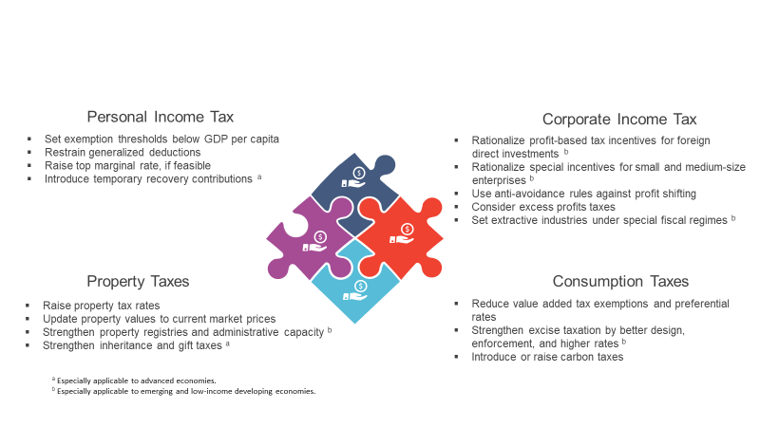

Source: IMF staff.

Figure 2.16.
...
 |  |  | Pension | Unemployment benefit | Police | Military
 |  |  | 45.49 | 31.85 | 21.08 | 22.56
More | 35.20 | 37.12 | 37.77 | 34.31 | 32.19 | 30.59
Same | 10.51 | 9.22 | 11.30 | 20.43 | 29.34 | 28.57
Less | 1.86 | 2.02 | 1.99 | 7.13 | 10.36 | 10.09
Much less | 0.78 | 0.60 | 1.19 | 2.69 | 2.94 | 4.20
 | 1.74 | 1.80 | 1.73 | 2.95 | 3.36 | 3.26
Figure 2.16. Survey Results on Preferences for Tax-Financed Spending
 | 0.46 | 0.40 | 0.53 | 0.64 | 0.72 | 0.72

1. Advanced Economies 2. Emerging Market Economies

 | Much more | More | Same | Less | Much less
Education | 26.44 | 43.63 | 26.73 | 2.69 | 0.51
Health | 27.44 | 46.23 | 22.47 | 3.17 | 0.69
Pension | 22.22 | 41.24 | 32.24 | 3.37 | 0.92
Unemployment benefits | 7.36 | 23.29 | 45.08 | 17.90 | 6.38
Police | 14.73 | 39.99 | 38.48 | 5.56 | 1.23
Military | 8.80 | 22.58 | 41.59 | 19.00 | 8.03
 | Much more | More | Same | Less | Much less
Education | 49.47 | 35.20 | 10.51 | 1.86 | 0.78
Health | 48.83 | 37.12 | 9.22 | 2.02 | 0.60
Pension | 45.49 | 37.77 | 11.30 | 1.99 | 1.19
Unemployment benefit | 31.85 | 34.31 | 20.43 | 7.13 | 2.69
Police | 21.08 | 32.19 | 29.34 | 10.36 | 2.94
Military | 22.56 | 30.59 | 28.57 | 10.09 | 4.20
Percent of respondents

Sources: International Social Survey Program (2016); and IMF staff estimates.
Note: Results based on individual-level data on 23 advanced and 12 emerging market economies in 2016.

Figure 2.17.
...
Figure 2.17.1 | High income | Low income | Middle income
Czech | 21.90 | 77.05 | 49.34 | HU-Hungary | HU | Hungary | 11.95 | 79.28
Denmark | 25.29 | 62.36 | 33.65 | IN-India | IN | India | 60.31 | 64.70
Finland | 13.90 | 69.71 | 38.45 | PH-Philippines | PH | Philippines | 50.93 | 36.33
Francce | 32.61 | 54.13 | 77.32 | RU-Russia | RU | Russia | 7.40 | 72.37
Georgia | 29.33 | 91.87 | 74.07 | ZA-South Africa | ZA | South Africa | 48.86 | 47.53
Germany | 10.00 | 76.00 | 47.64 | SR-Suriname | SR | Surinam | 29.53 | 70.75
Hungary | 11.95 | 79.28 | 36.17 | TH-Thailand | TH | Thailand | 18.02 | 43.62
Iceland | 19.76 | 79.52 | 52.93 | TR-Turkey | TR | Turkey | 28.20 | 83.71
India | 60.31 | 64.70 | 65.19 | VE-Venezuela | VE | Venezuela | 28.76 | 46.97
Israel | 37.31 | 65.76 | 72.62
Figure 2.17. People’s Preference for Progressive Taxation
Japan | 17.82 | 69.18 | 50.14
Korea | 7.53 | 58.75 | 33.63
Latvia | 23.18 | 91.74 | 60.56
 | Advanced economies |  | Emerging market economies
26.55 | 54.38 | 16.04 | 73.87 | 0 | 0
27.63 | 76.33 | 19.02 | 74.46
16.04 | 73.87 | 29.33 | 91.87 | 100 | 100
19.02 | 74.46 | 11.95 | 79.28
21.90 | 77.05 | 60.31 | 64.70
25.29 | 62.36 | 50.93 | 36.33
13.90 | 69.71 | 7.40 | 72.37
32.61 | 54.13 | 48.86 | 47.53
29.33 | 91.87 | 29.53 | 70.75
10.00 | 76.00 | 18.02 | 43.62
11.95 | 79.28 | 28.20 | 83.71
19.76 | 79.52 | 28.76 | 46.97
60.31 | 64.70
37.31 | 65.76
17.82 | 69.18
7.53 | 58.75
23.18 | 91.74
38.11 | 92.44
14.97 | 56.55
12.02 | 64.49
50.93 | 36.33
7.40 | 72.37
17.41 | 85.66
13.35 | 91.10
48.86 | 47.53
9.59 | 87.61
29.53 | 70.75
17.17 | 67.63
10.77 | 63.12
7.50 | 69.94
18.02 | 43.62
28.20 | 83.71
21.84 | 56.96
23.54 | 60.34
28.76 | 46.97
Lithuania | 38.11 | 92.44 | 70.62
New Zealand | 14.97 | 56.55 | 41.22
Norway | 12.02 | 64.49 | 27.75
Philippines | 50.93 | 36.33 | 34.98
Russia | 7.40 | 72.37 | 31.76
Slovak | 17.41 | 85.66 | 62.14
Slovenia | 13.35 | 91.10 | 49.22
South Africa | 48.86 | 47.53 | 43.07
Spain | 9.59 | 87.61 | 69.36
Surinam | 29.53 | 70.75 | 55.54
Sweden | 17.17 | 67.63 | 29.26
Switzerland | 10.77 | 63.12 | 43.33
Taiwan | 7.50 | 69.94 | 34.80
Thailand | 18.02 | 43.62 | 17.23
Turkey | 28.20 | 83.71 | 61.49
UK | 21.84 | 56.96 | 32.32
USA | 23.54 | 60.34 | 53.95
Venezuela | 28.76 | 46.97 | 38.34

Sources: IInternational Social Survey Program (2016); and IMF staff estimates.
Note: Results based on 2016 individual-level data on 23 advanced and 12 emerging market economies. Percentages refer to the share of respondents who agree with the statements reported on each axis.
...

Box Figure 2.1.1.
Figure 2.1.1. Norway: Percentile in The Income Distribution of Children vs Parental Wealth

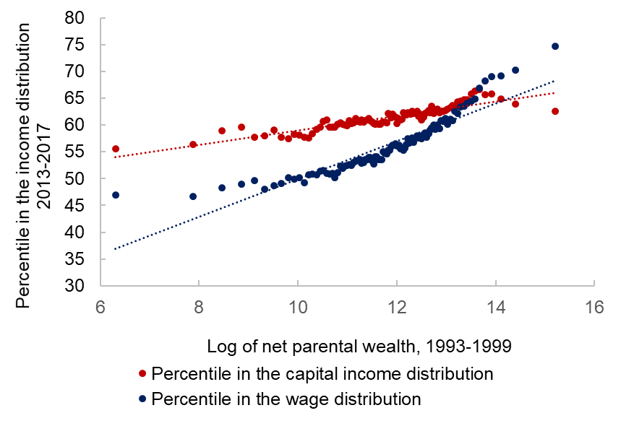

Source: Berg and Hebous (2021).

