Figure 1.1.
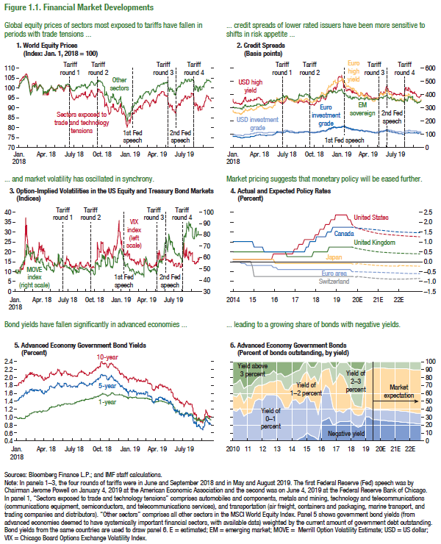
Figure 1.1. Financial Market Developments

1. World Equity Prices |  |  | 6. Advanced Economy Government Bonds
(Index, Jan. 1 2018 = 100) |  |  | (Percent of bonds outstanding, by yield)

 | Sectors explosed to trade tensions | Other sectors |  | Above 3 | 2-3 | 1-2 | 0-1 | Negative
2018-01-01 | 100.00 | 100.00 | 2010:Q1 | 28.64 | 14.19 | 18.06 | 39.11 | 0.00
2018-01-02 | 101.21 | 100.59 | 2010:Q2 | 26.95 | 17.43 | 18.13 | 37.48 | 0.00
2018-01-03 | 101.54 | 100.95 | 2010:Q3 | 22.34 | 16.99 | 19.34 | 41.32 | 0.00
2018-01-04 | 102.76 | 101.88 | 2010:Q4 | 33.94 | 18.01 | 17.27 | 30.78 | 0.00
2018-01-05 | 103.38 | 102.42 | 2011:Q1 | 30.26 | 14.53 | 20.59 | 34.63 | 0.00
2018-01-08 | 103.98 | 102.44 | 2011:Q2 | 30.09 | 15.76 | 18.83 | 35.32 | 0.00
2018-01-09 | 103.75 | 102.62 | 2011:Q3 | 23.23 | 9.03 | 17.20 | 50.50 | 0.04
2018-01-10 | 103.67 | 102.54 | 2011:Q4 | 19.43 | 10.52 | 17.09 | 52.89 | 0.08
2018-01-11 | 104.41 | 103.07 | 2012:Q1 | 17.85 | 11.74 | 19.23 | 51.18 | 0.00
2018-01-12 | 105.05 | 103.74 | 2012:Q2 | 16.97 | 11.38 | 13.97 | 57.43 | 0.24
2018-01-15 | 105.69 | 104.15 | 2012:Q3 | 15.91 | 9.63 | 16.34 | 57.68 | 0.44
2018-01-16 | 105.20 | 103.91 | 2012:Q4 | 11.45 | 13.48 | 17.01 | 56.81 | 1.24
2018-01-17 | 105.48 | 104.26 | 2013:Q1 | 15.40 | 7.91 | 19.88 | 56.75 | 0.06
2018-01-18 | 105.34 | 104.15 | 2013:Q2 | 15.04 | 9.65 | 22.98 | 52.22 | 0.11
2018-01-19 | 105.77 | 104.74 | 2013:Q3 | 19.45 | 15.10 | 23.60 | 41.80 | 0.06
2018-01-22 | 105.98 | 105.11 | 2013:Q4 | 17.83 | 17.79 | 23.15 | 41.10 | 0.12
2018-01-23 | 106.35 | 105.64 | 2014:Q1 | 14.79 | 14.45 | 19.20 | 51.43 | 0.13
2018-01-24 | 106.89 | 105.53 | 2014:Q2 | 12.42 | 15.13 | 20.78 | 51.56 | 0.11
2018-01-25 | 106.67 | 105.47 | 2014:Q3 | 10.66 | 16.87 | 25.94 | 43.30 | 3.22
2018-01-26 | 107.23 | 105.96 | 2014:Q4 | 1.70 | 14.82 | 34.20 | 44.22 | 5.05
2018-01-29 | 106.66 | 105.17 | 2015:Q1 | 0.51 | 12.17 | 29.01 | 48.45 | 9.86
2018-01-30 | 105.44 | 104.42 | 2015:Q2 | 7.29 | 15.45 | 28.09 | 42.41 | 6.75
2018-01-31 | 104.89 | 104.51 | 2015:Q3 | 7.14 | 11.42 | 32.30 | 44.33 | 4.81
2018-02-01 | 104.66 | 104.42 | 2015:Q4 | 0.09 | 27.72 | 38.83 | 32.28 | 1.08
2018-02-02 | 102.99 | 102.45 | 2016:Q1 | 1.05 | 11.21 | 29.38 | 32.92 | 25.44
2018-02-05 | 100.35 | 99.50 | 2016:Q2 | 0.60 | 8.85 | 20.64 | 42.90 | 27.01
2018-02-06 | 99.88 | 99.07 | 2016:Q3 | 0.45 | 8.17 | 25.60 | 36.50 | 29.28
2018-02-07 | 100.36 | 99.26 | 2016:Q4 | 7.46 | 21.54 | 28.17 | 22.84 | 19.99
2018-02-08 | 97.86 | 96.70 | 2017:Q1 | 7.84 | 16.51 | 39.20 | 15.29 | 21.17
2018-02-09 | 97.78 | 96.55 | 2017:Q2 | 0.73 | 13.76 | 47.86 | 13.94 | 23.71
2018-02-12 | 99.23 | 97.88 | 2017:Q3 | 0.90 | 17.47 | 45.90 | 11.83 | 23.90
2018-02-13 | 99.44 | 98.16 | 2017:Q4 | 0.87 | 28.35 | 30.90 | 16.03 | 23.85
2018-02-14 | 100.37 | 99.33 | 2018:Q1 | 6.99 | 36.94 | 14.91 | 16.11 | 25.06
2018-02-15 | 101.87 | 100.67 | 2018:Q2 | 9.44 | 45.09 | 12.01 | 13.81 | 19.65
2018-02-16 | 102.19 | 101.13 | 2018:Q3 | 10.07 | 46.63 | 11.67 | 14.54 | 17.08
2018-02-19 | 102.28 | 101.02 | 2018:Q4 | 10.27 | 47.71 | 9.47 | 13.41 | 19.13
2018-02-20 | 101.58 | 100.70 | 2019:Q1 | 0.35 | 12.22 | 44.92 | 11.93 | 30.58
2018-02-21 | 100.81 | 100.46 | 2019:Q2 | 0.94 | 9.75 | 48.17 | 11.03 | 30.11
2018-02-22 | 100.68 | 100.33 | 2019:Q3 | 0.27 | 7.79 | 53.16 | 12.02 | 26.76
2018-02-23 | 101.90 | 101.24 | 2019:Q4 | 0.26 | 7.90 | 53.15 | 12.32 | 26.37
2018-02-26 | 103.19 | 102.03 | 2020:Q1 | 0.25 | 8.01 | 53.13 | 12.61 | 25.99
2018-02-27 | 102.46 | 101.09 | 2020:Q2 | 0.25 | 8.12 | 53.12 | 12.91 | 25.61
2018-02-28 | 101.23 | 100.13 | 2020:Q3 | 0.24 | 8.23 | 53.10 | 13.20 | 25.22
2018-03-01 | 99.74 | 98.76 | 2020:Q4 | 0.24 | 8.23 | 53.32 | 13.60 | 24.61
2018-03-02 | 99.41 | 98.55 | 2021:Q1 | 0.24 | 8.23 | 53.54 | 13.99 | 24.00
2018-03-05 | 99.77 | 99.27 | 2021:Q2 | 0.24 | 8.23 | 53.76 | 14.39 | 23.38
2018-03-06 | 100.76 | 99.86 | 2021:Q3 | 0.24 | 8.23 | 53.97 | 14.78 | 22.77
2018-03-07 | 100.30 | 99.79 | 2021:Q4 | 0.24 | 8.84 | 54.26 | 14.30 | 22.36
2018-03-08 | 100.18 | 100.33 | 2022:Q1 | 0.24 | 9.45 | 54.54 | 13.81 | 21.95
2018-03-09 | 101.00 | 101.43 | 2022:Q2 | 0.24 | 10.06 | 54.83 | 13.33 | 21.54
2018-03-12 | 101.63 | 101.69 | 2022:Q3 | 0.24 | 10.67 | 55.11 | 12.84 | 21.14
2018-03-13 | 101.43 | 101.35 | 2022:Q4 | 0.24 | 10.67 | 55.11 | 12.84 | 21.14
2018-03-14 | 101.06 | 100.87
2018-03-15 | 101.04 | 100.92
2018-03-16 | 101.06 | 100.87
2018-03-19 | 99.83 | 99.96
2018-03-20 | 99.68 | 99.96
2018-03-21 | 99.85 | 99.80
2018-03-22 | 98.24 | 98.38
2018-03-23 | 96.39 | 96.84
2018-03-26 | 97.92 | 98.12
2018-03-27 | 97.49 | 97.88
2018-03-28 | 96.44 | 97.34
2018-03-29 | 97.57 | 98.13
2018-03-30 | 97.77 | 98.21
2018-04-02 | 96.43 | 97.08
2018-04-03 | 96.75 | 97.42
2018-04-04 | 96.91 | 97.82
2018-04-05 | 97.71 | 98.94
2018-04-06 | 96.42 | 97.69
2018-04-09 | 96.68 | 98.04
2018-04-10 | 98.61 | 99.12
2018-04-11 | 98.57 | 98.73
2018-04-12 | 98.98 | 98.96
2018-04-13 | 99.03 | 99.11
2018-04-16 | 99.47 | 99.68
2018-04-17 | 100.31 | 100.42
2018-04-18 | 100.85 | 101.07
2018-04-19 | 100.41 | 100.66
2018-04-20 | 100.07 | 99.90
2018-04-23 | 99.84 | 99.72
2018-04-24 | 99.46 | 98.87
2018-04-25 | 99.12 | 98.57
2018-04-26 | 99.48 | 98.94
2018-04-27 | 99.59 | 99.11
2018-04-30 | 99.00 | 98.78
2018-05-01 | 98.81 | 98.63
2018-05-02 | 98.29 | 98.70
2018-05-03 | 98.35 | 98.55
2018-05-04 | 99.19 | 99.44
2018-05-07 | 99.63 | 99.82
2018-05-08 | 99.66 | 99.84
2018-05-09 | 100.17 | 100.25
2018-05-10 | 101.02 | 100.74
2018-05-11 | 101.57 | 101.19
2018-05-14 | 101.51 | 101.20
2018-05-15 | 100.47 | 100.55
2018-05-16 | 100.89 | 100.68
2018-05-17 | 100.28 | 100.77
2018-05-18 | 99.79 | 100.76
2018-05-21 | 100.32 | 101.26
2018-05-22 | 100.70 | 101.04
2018-05-23 | 100.10 | 100.59
2018-05-24 | 99.78 | 100.60
2018-05-25 | 99.40 | 100.39
2018-05-28 | 99.05 | 100.30
2018-05-29 | 98.10 | 99.28
2018-05-30 | 98.50 | 99.85
2018-05-31 | 98.34 | 99.55
2018-06-01 | 99.57 | 100.20
2018-06-04 | 100.36 | 100.87
2018-06-05 | 100.41 | 100.75
2018-06-06 | 101.44 | 101.58
2018-06-07 | 101.28 | 101.68
2018-06-08 | 100.77 | 101.56
2018-06-11 | 100.91 | 101.84
2018-06-12 | 100.96 | 101.92
2018-06-13 | 100.78 | 101.73
2018-06-14 | 101.04 | 101.71
2018-06-15 | 100.39 | 101.31
2018-06-18 | 99.49 | 100.84
2018-06-19 | 98.06 | 99.80
2018-06-20 | 98.13 | 100.14
2018-06-21 | 97.24 | 99.50
2018-06-22 | 97.11 | 99.95
2018-06-25 | 95.51 | 98.65
2018-06-26 | 95.39 | 98.91
2018-06-27 | 94.71 | 98.48
2018-06-28 | 94.48 | 98.35
2018-06-29 | 94.77 | 98.94
2018-07-02 | 94.05 | 98.36
2018-07-03 | 93.87 | 98.44
2018-07-04 | 93.87 | 98.34
2018-07-05 | 94.41 | 98.86
2018-07-06 | 95.11 | 99.59
2018-07-09 | 95.98 | 100.47
2018-07-10 | 96.25 | 100.65
2018-07-11 | 94.91 | 99.63
2018-07-12 | 95.33 | 100.18
2018-07-13 | 95.20 | 100.50
2018-07-16 | 95.07 | 100.39
2018-07-17 | 95.57 | 100.65
2018-07-18 | 96.33 | 100.75
2018-07-19 | 96.14 | 100.56
2018-07-20 | 95.91 | 100.53
2018-07-23 | 95.62 | 100.22
2018-07-24 | 96.34 | 100.70
2018-07-25 | 96.71 | 101.16
2018-07-26 | 97.07 | 101.50
2018-07-27 | 96.93 | 101.41
2018-07-30 | 96.87 | 100.98
2018-07-31 | 97.31 | 101.31
2018-08-01 | 96.90 | 101.14
2018-08-02 | 96.48 | 100.99
2018-08-03 | 96.80 | 101.39
2018-08-06 | 96.88 | 101.38
2018-08-07 | 97.76 | 101.82
2018-08-08 | 98.12 | 101.75
2018-08-09 | 97.90 | 101.73
2018-08-10 | 96.28 | 100.50
2018-08-13 | 95.45 | 99.93
2018-08-14 | 95.67 | 100.39
2018-08-15 | 94.46 | 99.49
2018-08-16 | 95.17 | 100.16
2018-08-17 | 95.60 | 100.67
2018-08-20 | 96.13 | 101.09
2018-08-21 | 96.51 | 101.58
2018-08-22 | 96.75 | 101.69
2018-08-23 | 96.18 | 101.40
2018-08-24 | 97.09 | 101.91
2018-08-27 | 98.19 | 102.80
2018-08-28 | 98.66 | 103.04
2018-08-29 | 98.84 | 103.42
2018-08-30 | 98.17 | 103.11
2018-08-31 | 97.74 | 102.91
2018-09-03 | 97.38 | 102.72
2018-09-04 | 96.56 | 102.17
2018-09-05 | 96.10 | 101.81
2018-09-06 | 95.87 | 101.54
2018-09-07 | 95.33 | 101.15
2018-09-10 | 95.87 | 101.35
2018-09-11 | 95.46 | 101.65
2018-09-12 | 95.80 | 101.85
2018-09-13 | 96.58 | 102.35
2018-09-14 | 97.04 | 102.52
2018-09-17 | 96.89 | 102.29
2018-09-18 | 97.64 | 102.86
2018-09-19 | 98.12 | 103.00
2018-09-20 | 98.89 | 103.63
2018-09-21 | 99.53 | 103.89
2018-09-24 | 99.04 | 103.43
2018-09-25 | 98.72 | 103.51
2018-09-26 | 98.10 | 103.36
2018-09-27 | 97.86 | 103.29
2018-09-28 | 97.81 | 103.07
2018-10-01 | 97.88 | 103.14
2018-10-02 | 98.00 | 102.86
2018-10-03 | 97.61 | 102.85
2018-10-04 | 96.97 | 101.87
2018-10-05 | 95.88 | 101.19
2018-10-08 | 95.20 | 100.89
2018-10-09 | 94.41 | 100.42
2018-10-10 | 92.20 | 97.91
2018-10-11 | 90.53 | 95.95
2018-10-12 | 91.41 | 96.72
2018-10-15 | 91.13 | 96.38
2018-10-16 | 92.65 | 98.03
2018-10-17 | 92.32 | 97.78
2018-10-18 | 91.00 | 96.53
2018-10-19 | 90.34 | 96.33
2018-10-22 | 90.09 | 96.00
2018-10-23 | 89.11 | 94.90
2018-10-24 | 86.76 | 93.16
2018-10-25 | 87.26 | 93.88
2018-10-26 | 86.69 | 92.82
2018-10-29 | 86.91 | 92.41
2018-10-30 | 88.10 | 93.40
2018-10-31 | 89.22 | 94.62
2018-11-01 | 90.32 | 95.54
2018-11-02 | 90.57 | 95.27
...

Figure 1.2.
Figure 1.2. Asset Valuations
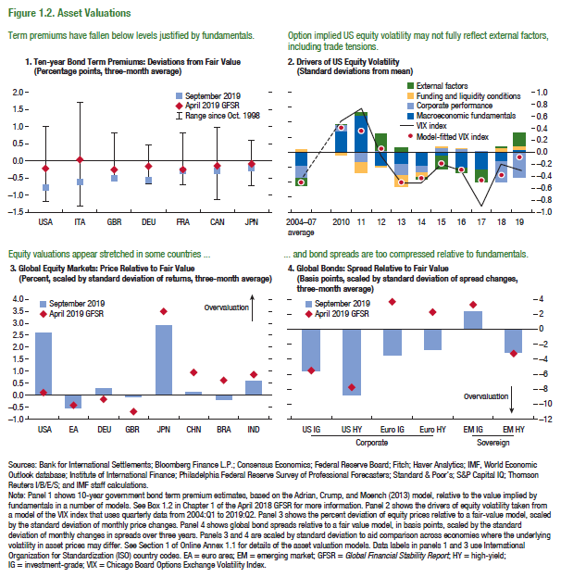

1. Ten-year Bond Term Premiums: Deviations from Failr Value
(Percentage points, three-month average)

 | United States | Italy | United Kingdom

September 2019 | -78.69 | -61.43 | -54.97
April 2019 GFSR | -23.42 | 2.78 | -24.73
Maximum | 1.01 | 1.69 | 0.82
Minimum | -1.19 | -1.31 | -0.58
...

Figure 1.3.
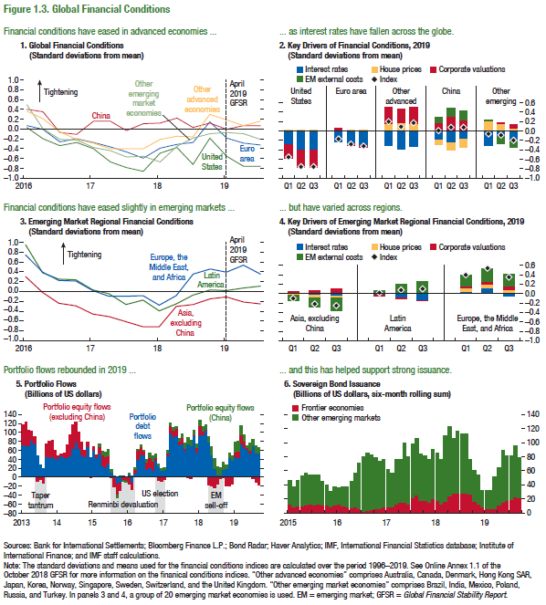
Figure 1.3. Global Financial Conditions

1. Global Financial Conditions
(Standard deviations from mean)

 | United States | Euro area | China
2016-03-31 | 0.04 | 0.09 | 0.42
2016-06-30 | -0.19 | 0.00 | 0.36
2016-09-30 | -0.33 | -0.25 | -0.05
2016-12-30 | -0.27 | -0.19 | -0.10
2017-03-31 | -0.39 | -0.27 | 0.16
2017-06-30 | -0.66 | -0.36 | 0.17
2017-09-29 | -0.78 | -0.46 | -0.02
2017-12-29 | -0.86 | -0.59 | 0.12
2018-03-30 | -0.48 | -0.39 | 0.13
2018-06-29 | -0.37 | -0.31 | 0.24
2018-09-28 | -0.71 | -0.27 | 0.05
2018-12-28 | -0.17 | 0.15 | 0.13
2019-03-28 | -0.55 | -0.17 | 0.00
2019-06-28 | -0.76 | -0.28 | 0.08
2019-09-28 | -0.75 | -0.32 | 0.08
...

Figure 1.4.
Figure 1.4. Global Financial Vulnerabilities
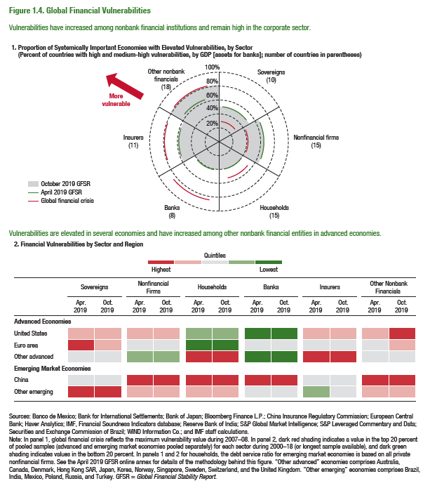

1. Proportion of Systemically Important Economies with Elevated Vulnerabilites, by Sector
(Percent of countries with high and medium-high vulnerabilites, by GDP [assets for banks]; number of countries in parentheses)
 | Latest | Previous
Households | 40.78
 | 40.78
 | 40.78
 | 40.78 | 40.78
 | 40.78 | 40.78
 | 40.78 | 40.78
 | 40.78 | 40.78
 | 40.78 | 40.78
 | 40.78 | 40.78
 | 40.78 | 40.78
 | 40.78 | 40.78
 | 40.78 | 40.78
 | 40.78 | 40.78
 | 40.78 | 40.78
 | 40.78 | 40.78
 | 40.78 | 40.78
 | 40.78 | 40.78
 | 40.78 | 40.78
 | 40.78 | 40.78
 | 40.78 | 40.78
 | 40.78 | 40.78
 | 40.78 | 40.78
 | 40.78 | 40.78
 | 40.78 | 40.78
 | 40.78 | 40.78
 | 40.78
 | 40.78
 | 40.78
Sovereign | 51.68
 | 51.68
 | 51.68
 | 51.68 | 51.16
 | 51.68 | 51.16
 | 51.68 | 51.16
 | 51.68 | 51.16
 | 51.68 | 51.16
 | 51.68 | 51.16
 | 51.68 | 51.16
 | 51.68 | 51.16
...

Figure 1.5.
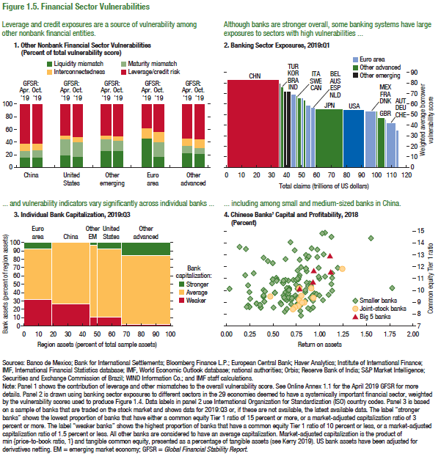
Figure 1.5. Financial Sector Vulnerabilities

1. Other Nonbank Financial Sector Vulnerabilities
(Percent of total vulnerability score)

 | Apr. 2019 | Oct. 2019
 | China | China
Liquidity mismatch | 15.72 | 15.19
Maturity mismatch | 9.93 | 10.61
Leverage/credit risk | 62.72 | 62.19
Interconnectedness | 11.64 | 12.01
...

Figure 1.6.
2. Change in Fiscal Balance Ratio: 2015–16
(Percent of GDP)
… driven by declining revenues in commodity exporters.
Figure 1.6. Nonfinancial Sector Vulnerabilities
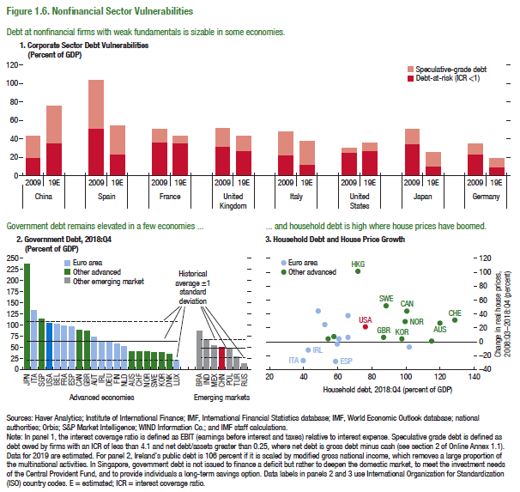
1. Corporate Sector Debt Vulnerabilities |  |  |  | 2. Government Debt, 2018:Q4
(Percent of GDP) |  |  |  | (Percent of GDP)

 |  | Debt-at-risk (ICR <1) | Speculative-grade debt
China | 2009 | 19.19 | 43.34 | JPN
 | 19E | 34.70 | 75.40 | ITA
 |  |  |  | SGP
Spain | 2009 | 49.92 | 103.16 | USA
 | 19E | 22.90 | 53.92
...
France | 2009 | 35.57 | 50.21
 | 19E | 34.72 | 43.38
...
United Kingdom | 2009 | 31.98 | 51.01
 | 19E | 26.43 | 43.26
...
Italy | 2009 | 21.55 | 48.44
 | 19E | 12.45 | 37.48
...
United States | 2009 | 24.55 | 30.39
 | 19E | 26.48 | 35.68
...
Japan | 2009 | 33.32 | 50.41
 | 19E | 10.54 | 25.59
...
Germany | 2009 | 22.90 | 34.67
 | 19E | 8.85 | 19.00
...

Figure 1.7.
Sources: Baker, Bloom, and Davis 2016; www.PolicyUncertainty.com.
Note: The global index is calculated as the GDP-weighted average of monthly index values for sample of 18 advanced, emerging market, and middle-income economies. Each monthly national index value is proportional to the share of own-country newspaper articles that discussed economic policy uncertainty in that month.
Figure 1.7. Global Economic Policy Uncertainty Index, 2007–16
Uncertainty about future economic policies has reached a decade high.
Figure 1.7. Global Growth-at-Risk Estimates
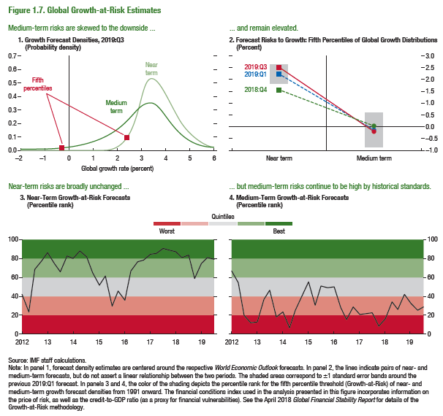

1. Growth Forecast Densities, 2019:Q2
...
 | Near Term | Medium term
-4.000000 | 0.000002 | 0.003486
-3.990000 | 0.000002 | 0.003500
-3.980000 | 0.000002 | 0.003513
-3.970000 | 0.000002 | 0.003527
-3.960000 | 0.000002 | 0.003541
-3.950000 | 0.000002 | 0.003555
-3.940000 | 0.000002 | 0.003568
-3.930000 | 0.000002 | 0.003582
-3.920000 | 0.000002 | 0.003596
-3.910000 | 0.000002 | 0.003610
-3.900000 | 0.000002 | 0.003625
-3.890000 | 0.000002 | 0.003639
-3.880000 | 0.000002 | 0.003653
-3.870000 | 0.000002 | 0.003668
-3.860000 | 0.000002 | 0.003682
-3.850000 | 0.000002 | 0.003696
-3.840000 | 0.000002 | 0.003711
-3.830000 | 0.000002 | 0.003726
-3.820000 | 0.000002 | 0.003741
-3.810000 | 0.000002 | 0.003755
-3.800000 | 0.000002 | 0.003770
-3.790000 | 0.000002 | 0.003785
-3.780000 | 0.000002 | 0.003800
-3.770000 | 0.000002 | 0.003815
-3.760000 | 0.000002 | 0.003831
-3.750000 | 0.000002 | 0.003846
-3.740000 | 0.000002 | 0.003861
-3.730000 | 0.000002 | 0.003877
-3.720000 | 0.000002 | 0.003892
-3.710000 | 0.000002 | 0.003908
-3.700000 | 0.000002 | 0.003924
-3.690000 | 0.000002 | 0.003940
-3.680000 | 0.000002 | 0.003955
...

Figure 1.8.
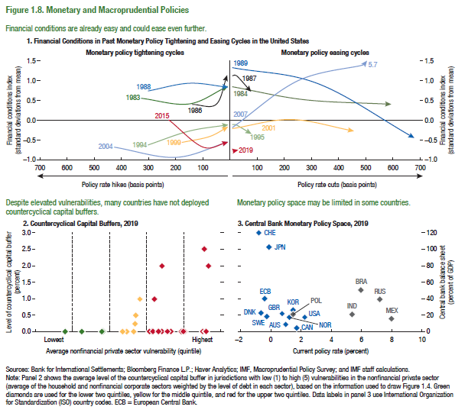
Figure 1.8. Monetary and Macroprudential Policies
(Standard deviation of change in home economy probability of default)

2. Countercyclical Capital Buffers, 2019 |  | 3. Central Bank Monetary Policy Space, 2019

Level of Countercyclical Capital Buffer (percent) | Average Nonfinancial Private Sector Vulnerability (quintile)
5.01 | 0.00 | AUS
5.02 | 0.00 | ECB
4.43 | 0.00 | CAN
4.04 | 0.00 | DNK
5.05 | 2.50 | JPN
3.91 | 2.00 | NOR
3.92 | 0.00 | SWE
4.52 | 0.00 | CHE
5.09 | 0.00 | GBR
3.63 | 0.00 | USA
5.11 | 0.00 | KOR
4.49 | 0.00 | POL
3.58 | 0.00 | BRA
3.14 | 0.00 | RUS
4.15 | 0.00 | MEX
3.20 | 0.50 | IND
5.17 | 2.00
3.66 | 0.00
3.19 | 0.25
3.70 | 1.00
2.33 | 0.00
2.96 | 0.00
1.75 | 0.00
2.86 | 0.00
3.81 | 0.00
4.06 | 0.00
3.31 | 1.00
2.28 | 0.00
...

Figure 1.1.1.
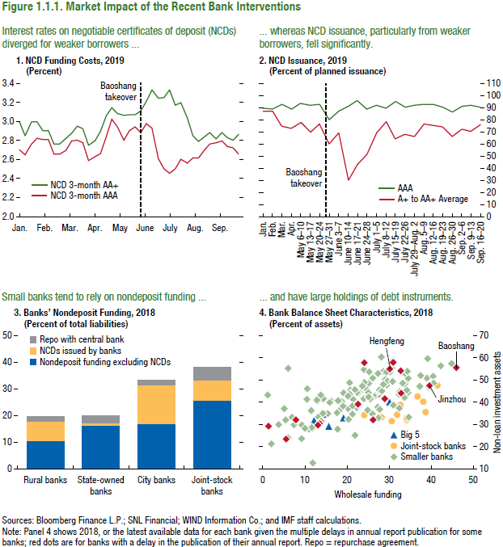
Figure 1.1.1. Market Impact of the Recent Bank Intervention

2. NCD Issuance, 2019
(Percent of planned issuance)
...
 | AAA | A+ to AA+ Average
Jan | 89.78 | 86.62
Feb | 88.79 | 86.63
Mar | 92.41 | 74.57
Apr | 88.42 | 72.80
6-10 May | 93.48 | 77.79
13-17 May | 91.62 | 69.51
20-24 May | 92.66 | 76.26
27-31 May | 80.00 | 60.13
3-7 Jun | 86.88 | 69.17
10-14 Jun | 90.97 | 30.00
17-21 Jun | 95.75 | 42.73
24-28 Jun | 88.83 | 51.08
1- 5 Jul | 91.56 | 69.16
8-12 Jul | 89.86 | 78.14
15-19 Jul | 95.17 | 64.17
22-26 Jul | 90.61 | 67.86
29 Jul-2 Aug | 91.58 | 65.88
5-9 Aug | 92.49 | 76.20
12-16 Aug | 92.44 | 75.33
19-23 Aug | 90.30 | 73.67
26-30 Aug | 86.67 | 65.73
2-6 Sep | 91.00 | 72.16
9-13 Sep | 91.85 | 70.41
16-20 Sep | 90.04 | 75.75
...

Figure 1.2.1.
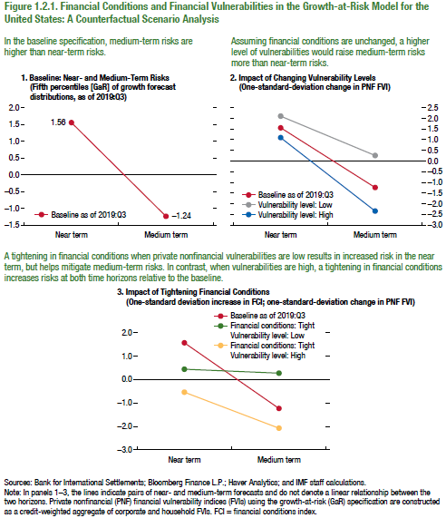
Figure 1.2.1. Financial Conditions and Financial Vulnerabilities in the Growth-at-Risk Model for the United States: A Counterfactual Scenario Analysis

1. Baseline: Near- and Medium-Term Risks
(Fifth percentiles [GaR] of growth forecast distributions, as of 2019:Q3)

 | Near term | Medium term
Baseline as of 2019:Q3 | 1.56 | -1.24
...

