Figure 3.1.
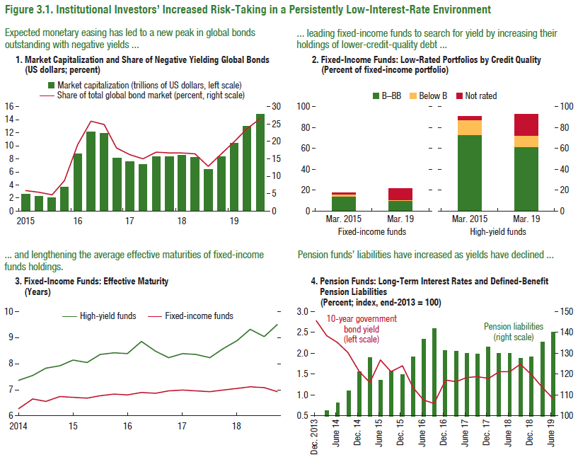
Figure 3.1. Institutional Investors' Increased Risk-Taking in a Persistently Low-Interest-Rate Environment

1. Market Capitalization and Share of Negative Yielding Global Bonds |  |  | 2. Fixed-Income Funds: Low-Rated Portfolios by Credit Quality |  |  | 3. Fixed-Income Funds: Effective Maturity |  |  | 4. Pension Funds: Long-Term Interest Rates and Defined-Benefit Pension Liabilities |  |  | 5. Large Pension Funds: Alternative Asset and Cash Allocations |  |  |  |  |  |  |  |  |  |  |  | 6. Life Insurers: Guaranteed Return Spreads and Duration Mismatches
(US dollars; percent) |  |  | (Percent of fixed-income portfolio) |  |  | (Years) |  |  | (Percent; index, end-2013 = 100) |  |  | (Percent)

 | Market capitalization (trillions of US dollars) | Share of total global bond market (percent) |  | Fixed-income funds |  |  | High-yield funds | Fixed-income funds |  | Ten-year government bond yield | Pension liabilities |  | 2007 | 2008 | 2009 | 2010 | 2011 | 2012 | 2013 | 2014 | 2015 | 2016 | 2017/18 |  | X | Y
2015-03-31 | 2,507,669 | 5.84 |  | 2015-03-31 | 2019-03-31 | 2014-12-31 | 7.93 | 6.71 | 2013-12-31 | 2.77 | 100.00 | Interquartile (min) | 6.44 | 8.93 | 7.57 | 7.83 | 9.24 | 9.84 | 9.59 | 10.62 | 10.72 | 11.44 | 11.93 | USA | -0.83 | 2.00
2015-06-30 | 2,266,297 | 5.30 | B-BB | 13.50 | 9.40 | 2015-03-31 | 8.15 | 6.68 | 2014-03-31 | 2.42 | 102.23 | Alternative assets (weighted average) | 5.51 | 7.17 | 8.92 | 13.42 | 16.79 | 17.86 | 17.05 | 18.07 | 18.13 | 20.63 | 22.50 | JPN | -2.34 | 3.50
2015-09-30 | 1,972,766 | 4.57 | Below B | 2.49 | 1.51 | 2015-06-30 | 8.06 | 6.64 | 2014-06-30 | 2.26 | 106.35 | Interquartile (max) | 16.43 | 20.49 | 20.90 | 26.21 | 29.46 | 29.98 | 29.14 | 29.37 | 30.86 | 31.97 | 33.66 | GBR | 0.39 | 0.00
2015-12-31 | 3,699,954 | 8.61 | Not rated | 1.67 | 10.53 | 2015-09-30 | 8.35 | 6.74 | 2014-09-30 | 2.02 | 111.63 | Cash (weighted average) | 2.17 | 2.41 | 2.59 | 3.08 | 3.88 | 3.61 | 3.47 | 3.38 | 3.81 | 3.74 | 3.79 | FRA | -0.29 | 6.50
2016-03-31 | 8,639,011 | 18.93 |  |  |  | 2015-12-31 | 8.41 | 6.79 | 2014-12-31 | 1.56 | 120.79 |  |  |  |  |  |  |  |  |  |  |  |  | DEU | -3.20 | 10.00
2016-06-30 | 12,168,825 | 25.71 |  | High-yield funds |  | 2016-03-31 | 8.39 | 6.78 | 2015-03-31 | 1.30 | 127.92 |  |  |  |  |  |  |  |  |  |  |  |  | KOR | -3.54 | 1.00
2016-09-30 | 11,927,569 | 24.86 |  | 2015-03-31 | 2019-03-31 | 2016-06-30 | 8.85 | 6.86 | 2015-06-30 | 1.85 | 116.87 |  |  |  |  |  |  |  |  |  |  |  |  | ITA | 0.91 | 2.00
2016-12-30 | 8,037,442 | 17.96 | B-BB | 73.96 | 61.82 | 2016-09-30 | 8.47 | 6.82 | 2015-09-30 | 1.55 | 121.41 |  |  |  |  |  |  |  |  |  |  |  |  | TWN | -2.55 | 6.50
2017-03-31 | 7,469,025 | 16.13 | Below B | 13.44 | 10.49 | 2016-12-31 | 8.22 | 6.93 | 2015-12-31 | 1.69 | 119.77 |  |  |  |  |  |  |  |  |  |  |  |  | CHN | 0.29 | 8.50
2017-06-30 | 7,199,867 | 15.07 | Not rated | 3.73 | 20.75 | 2017-03-31 | 8.37 | 6.95 | 2016-03-31 | 1.17 | 128.17
2017-09-29 | 8,324,488 | 16.96 |  |  |  | 2017-06-30 | 8.36 | 6.94 | 2016-06-30 | 0.87 | 136.56
2017-12-29 | 8,289,784 | 16.62 |  |  |  | 2017-09-30 | 8.24 | 6.89 | 2016-09-30 | 0.81 | 141.84
2018-03-30 | 8,518,424 | 16.72 |  |  |  | 2017-12-31 | 8.58 | 6.96 | 2016-12-31 | 1.36 | 131.39
2018-06-29 | 8,158,201 | 16.36 |  |  |  | 2018-03-31 | 8.90 | 7.03 | 2017-03-31 | 1.31 | 130.98
2018-09-28 | 6,372,590 | 12.81 |  |  |  | 2018-06-30 | 9.33 | 7.07 | 2017-06-30 | 1.42 | 129.73
2018-12-31 | 8,324,936 | 16.51 |  |  |  | 2018-09-30 | 9.06 | 7.06 | 2017-09-30 | 1.43 | 129.18
2019-03-29 | 10,395,878 | 19.91 |  |  |  | 2018-12-31 | 9.51 | 6.89 | 2017-12-31 | 1.39 | 132.77
2019-06-28 | 12,919,157 | 23.58 |  |  |  |  |  |  | 2018-03-31 | 1.56 | 129.63
2019-09-28 | 14,882,251 | 26.51

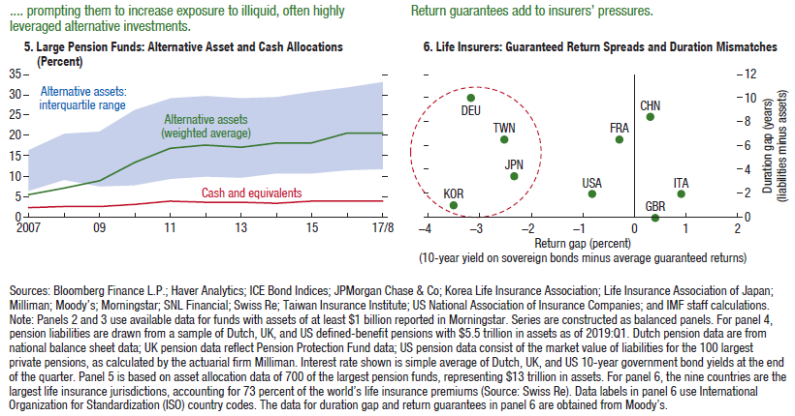

Figure 3.2.
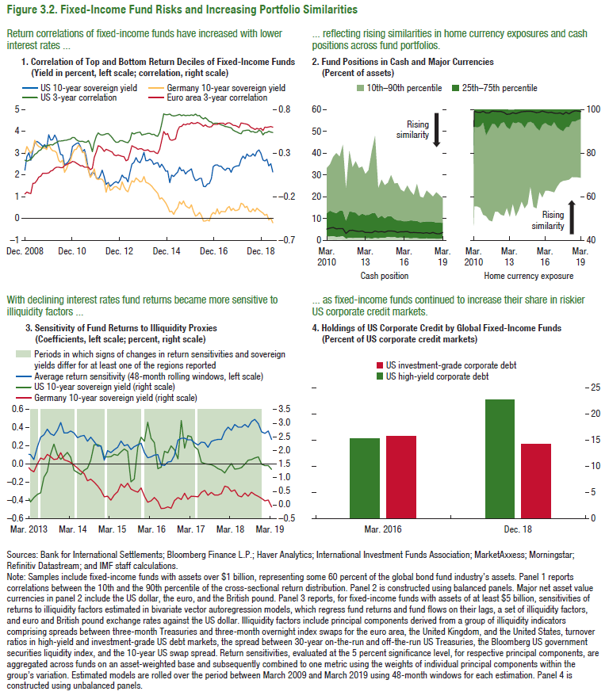
Figure 3.2. Fixed-Income Funds Risks and Increasing Portfolio Similarities

4. Holdings of US Corporate Credit by Global Fixed-Income Funds
(Percent of US corporate credit markets)

 | US investment-grade corporate debt | US high-yield corporate debt
Dec. 2018 | 14.17 | 22.70
Mar. 2016 | 15.70 | 15.26

Figure 3.3.
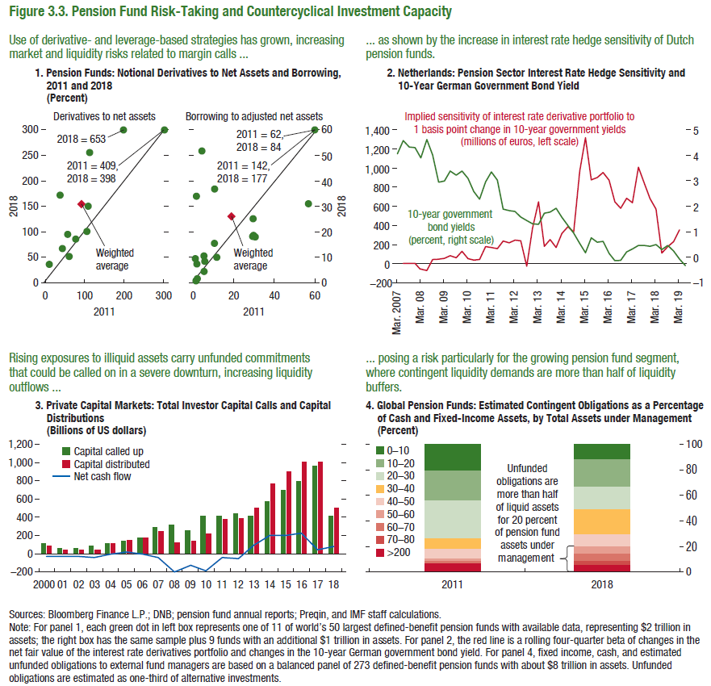
Figure 3.3. Pension Fund Risk-Taking and Countercyclical Investment Capacity

1. Pension Funds: Notional Derivatives to Net Assets and Borrowing, 2011 and 2018 |  |  | 2. Netherlands: Pension Sector Interest Rate Hedge Sensitivity and 10-year German Government Bond Yield |  |  | 3. Private Capital Markets: Total Investor Capital Calls and Capital Distributions |  |  |  | 4. Global Pension Funds: Estimated Contingent Obligations as a Percentage of Cash and Fixed-Income Assets, by Total Assets under Management
(Percent) |  |  |  |  |  | (Billions of US dollars) |  |  |  | (Percent)

 | Derivatives to net assets |  |  | 10-year government bond yield (percent) | Implied sensitivity (millions of euros) |  | Capital called up | Capital distributed | Net cash flow |  | 2011 | 2018
 | 2011 | 2018 | 2007-03-31 | 4.06 |  | 2000-12-31 | 113.9 | 91.4 | -22.5 | 0–10 | 0.21 | 0.12
Canada | 77.23 | 85.85 | 2007-06-30 | 4.57 |  | 2001-12-31 | 68.1 | 44.8 | -23.3 | 10–20 | 0.23 | 0.22
Canada | 105.62 | 100.73 | 2007-09-30 | 4.33 |  | 2002-12-31 | 67.8 | 40.5 | -27.4 | 20–30 | 0.30 | 0.17
Canada | 198.45 | 300.00 | 2007-12-31 | 4.31 |  | 2003-12-31 | 85.3 | 45.1 | -40.3 | 30–40 | 0.08 | 0.19
Canada | 300.00 | 300.00 | 2008-03-31 | 3.90 | -53.19 | 2004-12-31 | 115.1 | 117.4 | 2.3 | 40–50 | 0.07 | 0.10
Canada | 112.53 | 255.70 | 2008-06-30 | 4.62 | -72.02 | 2005-12-31 | 135.3 | 150.5 | 15.2 | 50–60 | 0.02 | 0.05
Netherlands | 109.14 | 150.52 | 2008-09-30 | 4.02 | 44.45 | 2006-12-31 | 173.3 | 171.0 | -2.3 | 60–70 | 0.02 | 0.06
Netherlands | 43.52 | 67.40 | 2008-12-31 | 2.95 | 47.17 | 2007-12-31 | 291.4 | 250.0 | -41.4 | 70–80 | 0.00 | 0.04
UK | 57.27 | 95.27 | 2009-03-31 | 2.99 | 54.35 | 2008-12-31 | 318.6 | 121.2 | -197.5 | >80 | 0.06 | 0.05
UK | 37.87 | 171.93 | 2009-06-30 | 3.39 | 84.61 | 2009-12-31 | 253.6 | 133.8 | -119.7
US | 10.83 | 36.33 | 2009-09-30 | 3.22 | 60.97 | 2010-12-31 | 411.3 | 226.2 | -185.1
Sweden | 60.68 | 51.70 | 2009-12-31 | 3.39 | 129.06 | 2011-12-31 | 421.1 | 383.8 | -37.3
Sweden | 91.91 | 154.68 | 2010-03-31 | 3.09 | 52.29 | 2012-12-31 | 443.1 | 391.9 | -51.2
Sweden | 110.56 | 181.90 | 2010-06-30 | 2.58 | 36.75 | 2013-12-31 | 411.5 | 501.8 | 90.4
 |  |  | 2010-09-30 | 2.28 | 44.73 | 2014-12-31 | 569.2 | 771.5 | 202.3
 | Borrowing to adjusted net assets |  | 2010-12-31 | 2.96 | 177.72 | 2015-12-31 | 696.3 | 898.6 | 202.3
 | 2011 | 2018 | 2011-03-31 | 3.35 | 167.93 | 2016-12-31 | 793.8 | 1016.8 | 223.0
Canada | 4.26 | 51.78 | 2011-06-30 | 3.03 | 156.40 | 2017-12-31 | 969.5 | 1016.7 | 47.3
Canada | 29.78 | 18.65 | 2011-09-30 | 1.89 | 235.17 | 2018-12-31 | 417.4 | 499.5 | 82.1
Canada | 60.00 | 60.00 | 2011-12-31 | 1.83 | 216.68
Canada | 60.00 | 60.00 | 2012-03-31 | 1.79 | 246.91
Canada | 10.51 | 36.82 | 2012-06-30 | 1.58 | 239.51
Netherlands | 10.48 | 15.43 | 2012-09-30 | 1.44 | -26.94
Netherlands | 5.36 | 10.53 | 2012-12-31 | 1.32 | 372.74
Netherlands | 1.58 | 33.95 | 2013-03-31 | 1.29 | 647.08
Denmark | 29.33 | 18.27 | 2013-06-30 | 1.73 | 180.39
UK | 1.85 | 7.41 | 2013-09-30 | 1.78 | 251.48
UK | 5.39 | 4.42 | 2013-12-31 | 1.93 | 170.47
UK | 56.82 | 31.04 | 2014-03-31 | 1.57 | 315.65
UK | 1.32 | 0.82 | 2014-06-30 | 1.25 | 385.30
US | 5.72 | 8.42 | 2014-09-30 | 0.95 | 331.57
US | 29.58 | 25.16 | 2014-12-31 | 0.54 | 966.56
US | 11.60 | 9.99 | 2015-03-31 | 0.18 | 1317.94
US | 30.60 | 18.06 | 2015-06-30 | 0.76 | 878.07
US | 1.01 | 9.48 | 2015-09-30 | 0.59 | 901.89
Sweden | 1.98 | 1.60 | 2015-12-31 | 0.63 | 954.53
 |  |  | 2016-03-31 | 0.15 | 872.55
 |  |  | 2016-06-30 | -0.13 | 647.61
 |  |  | 2016-09-30 | -0.12 | 580.80
 |  |  | 2016-12-31 | 0.21 | 684.51
 |  |  | 2017-03-31 | 0.33 | 636.56
 |  |  | 2017-06-30 | 0.47 | 1009.63
 |  |  | 2017-09-30 | 0.46 | 841.99
 |  |  | 2017-12-31 | 0.43 | 682.42
 |  |  | 2018-03-31 | 0.50 | 571.26
 |  |  | 2018-06-30 | 0.30 | 111.69
 |  |  | 2018-09-30 | 0.47 | 177.79
 |  |  | 2018-12-31 | 0.24 | 231.96
 |  |  | 2019-03-31 | -0.07 | 353.21
 |  |  | 2019-06-30 | -0.33 | 435.00

Figure 3.4.
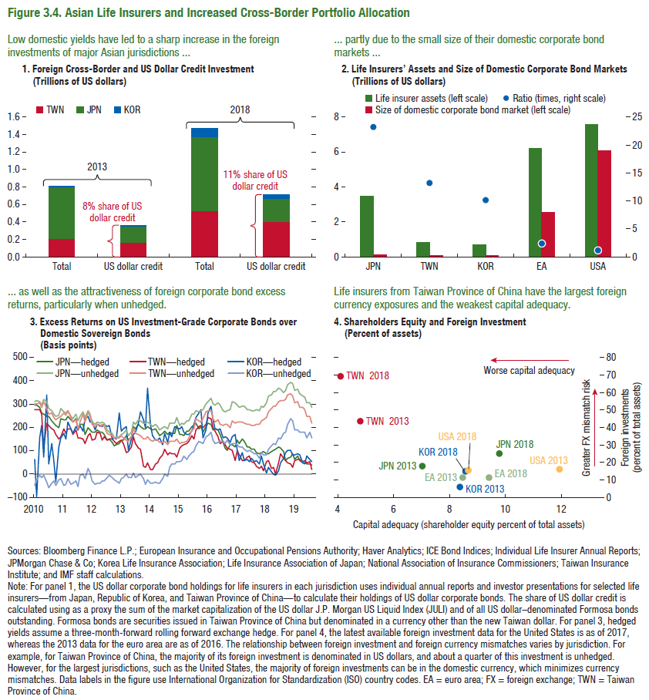
Figure 3.4. Asian Life Insurers and Increased Cross-Border Portfolio Allocation

1. Foreign Cross-Border and US Dollar Credit Investment |  |  |  |  | 2. Life Insurers' Assets and Size of Domestic Corporate Bond Markets |  |  |  | 3. Excess Returns on US Investment-Grade Corporate Bonds over Domestic Sovereign Bonds |  |  |  |  |  |  | 4. Shareholders Equity and Foreign Investment
(Trillions of US dollars) |  |  |  |  | (Trillions of US dollars) |  |  |  | (Basis points) |  |  |  |  |  |  | (Percent of assets)

 | 2013 |  | 2018 |  |  | Life insurer assets | Size of domestic corporate bond market | Ratio |  | JPN—hedged | TWN—hedged | KOR—hedged | JPN—unhedged | TWN—unhedged | KOR—unhedged |  | Capital adequacy | Foreign investments
 | Total | US dollar credit | Total | US dollar credit | JPN | 3.50 | 0.15 | 23.18 | 2010-01-29 | 295.75 | 276.09 | 62.09 | 311.30 | 298.20 | -48.00 | JPN 2013 | 7.05 | 17.40
TWN | 0.21 | 0.16 | 0.53 | 0.41 | TWN | 0.86 | 0.07 | 13.26 | 2010-02-26 | 292.87 | 275.33 | -97.17 | 311.90 | 297.70 | -27.00 | JPN 2018 | 9.82 | 24.20
JPN | 0.58 | 0.18 | 0.85 | 0.27 | KOR | 0.77 | 0.08 | 10.29 | 2010-03-31 | 285.58 | 274.95 | 153.85 | 307.00 | 304.00 | -7.00 | KOR 2013 | 8.40 | 5.00
KOR | 0.02 | 0.01 | 0.09 | 0.04 | EA | 6.22 | 2.55 | 2.44 | 2010-04-30 | 259.77 | 253.34 | 207.34 | 295.40 | 283.40 | -18.00 | KOR 2018 | 8.60 | 14.00
 |  |  |  |  | USA | 7.57 | 6.10 | 1.24 | 2010-05-31 | 257.22 | 109.18 | 71.38 | 316.30 | 307.50 | -6.00 | USA 2013 | 11.96 | 15.04
 |  |  |  |  |  |  |  |  | 2010-06-30 | 246.42 | 218.91 | 339.61 | 307.20 | 282.20 | -34.00 | USA 2018 | 8.72 | 14.44
 |  |  |  |  |  |  |  |  | 2010-07-30 | 246.69 | 208.43 | 42.63 | 279.90 | 257.50 | -58.00 | EA 2013 | 8.49 | 10.70
 |  |  |  |  |  |  |  |  | 2010-08-31 | 228.03 | 192.22 | 127.44 | 268.40 | 259.48 | -40.00 | EA 2018 | 9.43 | 10.60
 |  |  |  |  |  |  |  |  | 2010-09-30 | 214.50 | 187.81 | 59.00 | 256.70 | 243.41 | -29.00 | TWN (POC) 2013 | 4.85 | 43.00
 |  |  |  |  |  |  |  |  | 2010-10-29 | 209.30 | 169.01 | -34.59 | 245.10 | 231.80 | -48.00 | TWN (POC) 2018 | 4.14 | 68.70
 |  |  |  |  |  |  |  |  | 2010-11-30 | 195.50 | 147.57 | 113.97 | 248.40 | 239.00 | -27.00
 |  |  |  |  |  |  |  |  | 2010-12-31 | 238.27 | 161.04 | 155.72 | 277.60 | 247.12 | -19.00
 |  |  |  |  |  |  |  |  | 2011-01-31 | 233.83 | 190.43 | 173.56 | 264.20 | 258.57 | -52.00
 |  |  |  |  |  |  |  |  | 2011-02-28 | 231.68 | 174.15 | 149.05 | 258.50 | 253.10 | -45.00
 |  |  |  |  |  |  |  |  | 2011-03-31 | 245.78 | 191.60 | 220.70 | 269.50 | 271.50 | -19.00
 |  |  |  |  |  |  |  |  | 2011-04-29 | 229.11 | 190.92 | 192.70 | 248.00 | 240.42 | -47.00
 |  |  |  |  |  |  |  |  | 2011-05-31 | 220.89 | 168.46 | 174.71 | 236.50 | 220.75 | -40.00
 |  |  |  |  |  |  |  |  | 2011-06-30 | 234.30 | 188.72 | 204.42 | 255.30 | 232.49 | -32.00
 |  |  |  |  |  |  |  |  | 2011-07-29 | 188.01 | 153.27 | 186.45 | 228.10 | 193.52 | -54.00
 |  |  |  |  |  |  |  |  | 2011-08-31 | 209.92 | 154.48 | 205.28 | 243.70 | 222.50 | -8.00
 |  |  |  |  |  |  |  |  | 2011-09-30 | 209.91 | 151.17 | 180.57 | 264.40 | 255.70 | -2.00
 |  |  |  |  |  |  |  |  | 2011-10-31 | 169.24 | 131.16 | 236.06 | 238.80 | 224.00 | -19.00
 |  |  |  |  |  |  |  |  | 2011-11-30 | 197.20 | 165.18 | 245.11 | 270.90 | 263.07 | 25.00
 |  |  |  |  |  |  |  |  | 2011-12-30 | 188.72 | 172.40 | 221.90 | 256.40 | 245.50 | 3.00
 |  |  |  |  |  |  |  |  | 2012-01-31 | 176.73 | 143.25 | 224.76 | 221.70 | 212.38 | -30.00
 |  |  |  |  |  |  |  |  | 2012-02-29 | 177.43 | 150.58 | 186.58 | 210.60 | 200.20 | -44.00
 |  |  |  |  |  |  |  |  | 2012-03-30 | 188.23 | 180.33 | 212.18 | 221.50 | 213.05 | -42.00
 |  |  |  |  |  |  |  |  | 2012-04-30 | 179.82 | 173.97 | 206.42 | 215.00 | 201.05 | -42.00
 |  |  |  |  |  |  |  |  | 2012-05-31 | 179.74 | 144.11 | 201.31 | 222.50 | 209.90 | -28.00
 |  |  |  |  |  |  |  |  | 2012-06-29 | 167.88 | 160.85 | 211.94 | 217.30 | 204.11 | -28.00
 |  |  |  |  |  |  |  |  | 2012-07-31 | 144.59 | 144.84 | 204.74 | 185.70 | 174.70 | -16.00
 |  |  |  |  |  |  |  |  | 2012-08-31 | 147.87 | 149.93 | 208.18 | 179.40 | 170.85 | -7.00
 |  |  |  |  |  |  |  |  | 2012-09-28 | 132.99 | 150.36 | 149.15 | 171.00 | 162.11 | -17.00
 |  |  |  |  |  |  |  |  | 2012-10-31 | 119.21 | 139.15 | 155.73 | 156.00 | 153.32 | -27.00
 |  |  |  |  |  |  |  |  | 2012-11-30 | 125.20 | 130.90 | 150.95 | 160.20 | 154.55 | -31.00
 |  |  |  |  |  |  |  |  | 2012-12-31 | 128.47 | 137.39 | 261.40 | 157.40 | 154.49 | -40.00
 |  |  |  |  |  |  |  |  | 2013-01-31 | 144.57 | 142.88 | 185.20 | 170.40 | 162.98 | -21.00
 |  |  |  |  |  |  |  |  | 2013-02-28 | 145.60 | 129.18 | 193.29 | 171.70 | 152.89 | -17.00
 |  |  |  |  |  |  |  |  | 2013-03-29 | 161.95 | 91.84 | 202.74 | 186.70 | 145.30 | 0.00
 |  |  |  |  |  |  |  |  | 2013-04-30 | 142.97 | 93.69 | 101.69 | 163.30 | 141.50 | -16.00
 |  |  |  |  |  |  |  |  | 2013-05-31 | 159.92 | 116.08 | 150.48 | 177.50 | 157.50 | -16.00
 |  |  |  |  |  |  |  |  | 2013-06-28 | 203.10 | 159.69 | 168.69 | 220.40 | 194.40 | 4.00
 |  |  |  |  |  |  |  |  | 2013-07-31 | 192.10 | 127.94 | 176.44 | 211.50 | 173.50 | -15.00
 |  |  |  |  |  |  |  |  | 2013-08-30 | 212.88 | 111.63 | 217.05 | 231.00 | 166.28 | -5.00
 |  |  |  |  |  |  |  |  | 2013-09-30 | 201.39 | 106.12 | 263.12 | 226.80 | 161.50 | -3.00
 |  |  |  |  |  |  |  |  | 2013-10-31 | 192.03 | 31.00 | 231.80 | 215.90 | 150.60 | -21.00
 |  |  |  |  |  |  |  |  | 2013-11-29 | 194.18 | 27.49 | 199.09 | 217.70 | 147.00 | -43.00
 |  |  |  |  |  |  |  |  | 2013-12-31 | 201.96 | 49.14 | 368.39 | 220.50 | 158.05 | -26.00
 |  |  |  |  |  |  |  |  | 2014-01-31 | 193.00 | 16.64 | 205.34 | 212.30 | 146.30 | -42.00
 |  |  |  |  |  |  |  |  | 2014-02-28 | 185.83 | 16.94 | 162.43 | 204.60 | 140.20 | -41.00
 |  |  |  |  |  |  |  |  | 2014-03-31 | 191.53 | 41.74 | 144.94 | 210.40 | 150.70 | -33.00
 |  |  |  |  |  |  |  |  | 2014-04-30 | 179.56 | 48.27 | 142.67 | 200.90 | 145.90 | -42.00
 |  |  |  |  |  |  |  |  | 2014-05-30 | 165.05 | 66.76 | 152.26 | 188.10 | 134.40 | -39.00
 |  |  |  |  |  |  |  |  | 2014-06-30 | 171.05 | 83.54 | 125.93 | 196.50 | 133.01 | -19.00
 |  |  |  |  |  |  |  |  | 2014-07-31 | 180.60 | 105.59 | 172.09 | 204.20 | 137.30 | -1.00
 |  |  |  |  |  |  |  |  | 2014-08-29 | 168.74 | 79.74 | 134.64 | 194.70 | 127.00 | -13.00
 |  |  |  |  |  |  |  |  | 2014-09-30 | 178.95 | 91.69 | 178.49 | 218.50 | 137.80 | 29.00
 |  |  |  |  |  |  |  |  | 2014-10-31 | 173.82 | 87.19 | 159.79 | 216.10 | 139.50 | 41.00
 |  |  |  |  |  |  |  |  | 2014-11-28 | 175.30 | 86.99 | 200.64 | 218.30 | 140.35 | 42.00
 |  |  |  |  |  |  |  |  | 2014-12-31 | 207.86 | 72.34 | 195.44 | 242.60 | 150.80 | 50.00
 |  |  |  |  |  |  |  |  | 2015-01-30 | 166.69 | 111.96 | 192.69 | 209.30 | 130.17 | 52.00
 |  |  |  |  |  |  |  |  | 2015-02-27 | 169.53 | 117.66 | 200.81 | 216.20 | 134.45 | 56.00
 |  |  |  |  |  |  |  |  | 2015-03-31 | 162.41 | 124.63 | 177.93 | 214.30 | 136.50 | 75.00
 |  |  |  |  |  |  |  |  | 2015-04-30 | 181.87 | 130.83 | 170.13 | 225.20 | 141.50 | 60.00
 |  |  |  |  |  |  |  |  | 2015-05-29 | 182.92 | 137.02 | 168.62 | 228.30 | 156.00 | 78.00
 |  |  |  |  |  |  |  |  | 2015-06-30 | 203.11 | 161.38 | 183.68 | 253.70 | 185.50 | 93.00
 |  |  |  |  |  |  |  |  | 2015-07-31 | 206.07 | 148.21 | 212.14 | 256.30 | 191.77 | 96.00
 |  |  |  |  |  |  |  |  | 2015-08-31 | 216.76 | 189.90 | 240.10 | 270.10 | 236.00 | 121.00
 |  |  |  |  |  |  |  |  | 2015-09-30 | 191.11 | 204.05 | 258.50 | 266.10 | 227.85 | 137.00
 |  |  |  |  |  |  |  |  | 2015-10-30 | 200.50 | 206.19 | 276.59 | 269.70 | 222.30 | 134.00
 |  |  |  |  |  |  |  |  | 2015-11-30 | 179.23 | 197.95 | 153.38 | 276.70 | 235.47 | 128.00
 |  |  |  |  |  |  |  |  | 2015-12-31 | 202.42 | 214.03 | 188.73 | 300.50 | 265.80 | 160.00
 |  |  |  |  |  |  |  |  | 2016-01-29 | 216.54 | 240.04 | 262.74 | 310.00 | 271.20 | 166.00
 |  |  |  |  |  |  |  |  | 2016-02-29 | 212.73 | 236.49 | 289.69 | 322.30 | 269.70 | 178.00
 |  |  |  |  |  |  |  |  | 2016-03-31 | 188.61 | 195.85 | 229.14 | 298.20 | 235.51 | 143.00
 |  |  |  |  |  |  |  |  | 2016-04-29 | 191.04 | 184.14 | 191.34 | 294.70 | 221.40 | 129.00
 |  |  |  |  |  |  |  |  | 2016-05-31 | 187.71 | 158.96 | 186.42 | 305.50 | 231.14 | 134.00
 |  |  |  |  |  |  |  |  | 2016-06-30 | 166.51 | 131.94 | 194.59 | 293.90 | 212.45 | 140.00
 |  |  |  |  |  |  |  |  | 2016-07-29 | 136.41 | 137.93 | 155.09 | 272.20 | 207.44 | 137.00
 |  |  |  |  |  |  |  |  | 2016-08-31 | 109.88 | 122.97 | 157.07 | 263.00 | 211.70 | 132.00
 |  |  |  |  |  |  |  |  | 2016-09-30 | 98.89 | 112.63 | 152.63 | 268.00 | 212.50 | 142.00
 |  |  |  |  |  |  |  |  | 2016-10-31 | 123.88 | 106.47 | 135.57 | 275.60 | 195.50 | 127.00
 |  |  |  |  |  |  |  |  | 2016-11-30 | 127.02 | 100.58 | 158.58 | 309.70 | 224.70 | 128.00
 |  |  |  |  |  |  |  |  | 2016-12-30 | 117.18 | 55.51 | 166.21 | 302.40 | 218.00 | 130.00
 |  |  |  |  |  |  |  |  | 2017-01-31 | 146.26 | 101.28 | 98.54 | 294.20 | 223.84 | 125.00
 |  |  |  |  |  |  |  |  | 2017-02-28 | 131.82 | 82.80 | 55.60 | 287.00 | 219.50 | 115.00
 |  |  |  |  |  |  |  |  | 2017-03-31 | 147.14 | 57.34 | 89.04 | 291.90 | 224.00 | 116.00
 |  |  |  |  |  |  |  |  | 2017-04-28 | 139.25 | 59.02 | 56.77 | 288.30 | 215.45 | 107.00
 |  |  |  |  |  |  |  |  | 2017-05-31 | 116.54 | 71.20 | 61.00 | 276.30 | 211.50 | 95.00
 |  |  |  |  |  |  |  |  | 2017-06-30 | 117.51 | 77.38 | 53.08 | 276.80 | 211.10 | 102.00
 |  |  |  |  |  |  |  |  | 2017-07-31 | 103.48 | 49.99 | 64.94 | 269.50 | 208.85 | 95.00
 |  |  |  |  |  |  |  |  | 2017-08-31 | 103.06 | 48.92 | 53.22 | 269.70 | 204.90 | 85.00
 |  |  |  |  |  |  |  |  | 2017-09-29 | 89.10 | 30.70 | 56.61 | 274.20 | 212.99 | 87.00
 |  |  |  |  |  |  |  |  | 2017-10-31 | 85.04 | 24.38 | 43.88 | 272.60 | 211.20 | 65.00
 |  |  |  |  |  |  |  |  | 2017-11-30 | 92.15 | 31.46 | 77.26 | 287.90 | 228.00 | 89.00
 |  |  |  |  |  |  |  |  | 2017-12-29 | 94.68 | 14.08 | 41.57 | 285.40 | 230.01 | 83.00
 |  |  |  |  |  |  |  |  | 2018-01-31 | 86.58 | 51.82 | 5.22 | 303.00 | 241.30 | 79.00
 |  |  |  |  |  |  |  |  | 2018-02-28 | 88.00 | 55.93 | 26.28 | 332.70 | 267.25 | 105.00
 |  |  |  |  |  |  |  |  | 2018-03-30 | 95.99 | 22.49 | 8.82 | 339.00 | 277.67 | 120.00
 |  |  |  |  |  |  |  |  | 2018-04-30 | 101.86 | 26.05 | -1.29 | 353.90 | 290.64 | 129.00
 |  |  |  |  |  |  |  |  | 2018-05-31 | 105.91 | 0.02 | -8.13 | 351.70 | 288.25 | 127.00
 |  |  |  |  |  |  |  |  | 2018-06-29 | 112.86 | 46.42 | 11.42 | 365.80 | 309.00 | 154.00
 |  |  |  |  |  |  |  |  | 2018-07-31 | 111.77 | 86.74 | 45.14 | 360.20 | 313.20 | 151.00
 |  |  |  |  |  |  |  |  | 2018-08-31 | 93.39 | 67.37 | 67.93 | 349.10 | 312.64 | 173.00
 |  |  |  |  |  |  |  |  | 2018-09-28 | 56.02 | 58.60 | 89.16 | 357.70 | 319.94 | 179.00
 |  |  |  |  |  |  |  |  | 2018-10-31 | 65.52 | 46.09 | 101.15 | 379.90 | 338.64 | 213.00
 |  |  |  |  |  |  |  |  | 2018-11-30 | 73.38 | 42.99 | 98.39 | 393.00 | 342.30 | 235.00
 |  |  |  |  |  |  |  |  | 2018-12-31 | 85.22 | 27.94 | 81.24 | 384.20 | 333.80 | 225.00
 |  |  |  |  |  |  |  |  | 2019-01-31 | 62.79 | 59.25 | 82.25 | 359.70 | 304.00 | 190.00
 |  |  |  |  |  |  |  |  | 2019-02-28 | 77.66 | 59.98 | 85.49 | 362.00 | 309.09 | 190.00
 |  |  |  |  |  |  |  |  | 2019-03-29 | 58.93 | 61.52 | 83.02 | 341.80 | 286.20 | 180.00
 |  |  |  |  |  |  |  |  | 2019-04-30 | 45.31 | 51.54 | 45.44 | 335.30 | 286.60 | 176.00
 |  |  |  |  |  |  |  |  | 2019-05-31 | 47.25 | 58.40 | 42.75 | 326.20 | 273.35 | 176.00
 |  |  |  |  |  |  |  |  | 2019-06-30 | 42.20 | 46.51 | 77.01 | 304.80 | 247.60 | 156.00
 |  |  |  |  |  |  |  |  | 2019-07-31 | 41.03 | 50.84 | 62.44 | 306.10 | 247.50 | 180.00
 |  |  |  |  |  |  |  |  | 2019-08-31 | 39.74 | 18.99 | 53.24 | 286.40 | 216.75 | 153.00

 |  |  | -200

Figure 3.5.
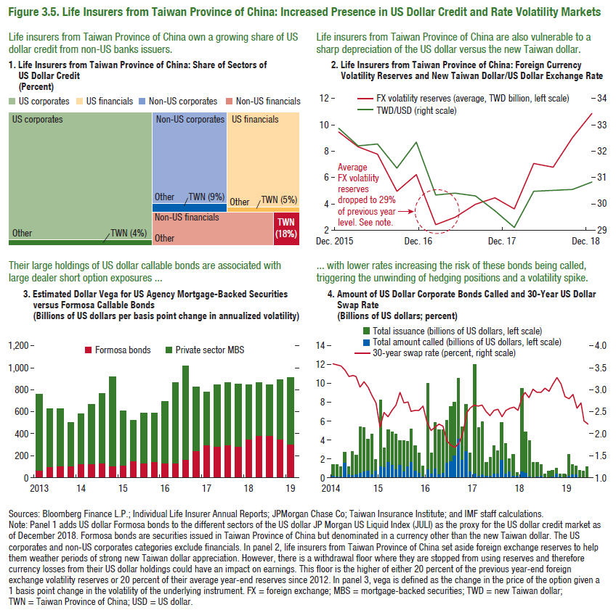
Figure 3.5. Life Insurers from Taiwan Province of China: Increased Presence in US Dollar Credit and Rate Volatility Markets

1. Life Insurer from Taiwan Province of China: Share of Sectors of US Dollar Credit |  |  | 2. Life Insurers from Taiwan Province of China: Foreign Currency Volatility Reserves and New Taiwan Dollar/US Dollar Exchange Rate
(Percent)

US corporates | Other | 2987.94 |  | TWD/USD | FX volatility reserves (average, billions of new Taiwan dollars)
US corporates | TWN (4%) | 111.26 | 2015-12-01 | 32.86 | 9.48
US financials | Other | 1100.60 | 2016-03-16 | 32.21 | 8.31
US financials | TWN (5%) | 56.66 | 2016-06-16 | 32.26 | 7.76
Non-US corporates | Other | 1091.26 | 2016-09-16 | 31.36 | 4.95
Non-US corporates | TWN (9%) | 103.00 | 2016-12-01 | 32.33 | 6.23
Non-US financials | Other | 652.00 | 2017-03-01 | 30.35 | 2.43
Non-US financials | TWN (18%) | 138.00 | 2017-06-17 | 30.43 | 3.03
 |  |  | 2017-09-17 | 30.32 | 4.00
 |  |  | 2017-12-01 | 29.73 | 4.50
 |  |  | 2018-03-01 | 29.11 | 3.66
 |  |  | 2018-06-18 | 30.48 | 7.10
 |  |  | 2018-09-18 | 30.53 | 6.80
 |  |  | 2018-12-18 | 30.55 | 9.06
 |  |  | 2019-03-19 | 30.83 | 10.88

Figure 3.1.1.
Figure 3.1.1. Liquidity Stress Scenarios for Fixed-Income Funds
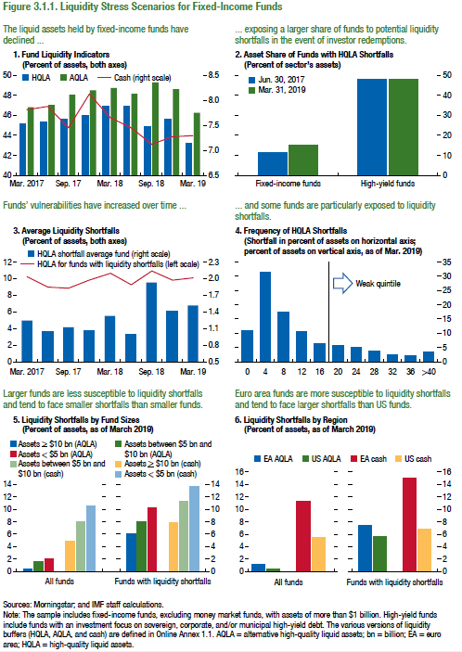

1. Fund Liquidity Indicators |  |  |  | 2. Asset Share of Funds with HQLA Shortfalls |  |  | 3. Average Liquidity Shortffalls |  |  | 4. Frequency of HQLA Shortfalls |  | 5. Liquidty Sortfalls by Fund Sizes |  |  |  |  |  |  |  |  |  |  |  | 6. Liquidty Shortfalls by Region
(Percent of assets, both axes) |  |  |  | (Percent of sector's assets) |  |  | (Percent of asssets, both axes) |  |  | (Shortfall in percent of assets on horizaontal axis; percent of assets on vertical axis, as of Mar. 2019) |  | (Percent of asets, as of March 2019) |  |  |  |  |  |  |  |  |  |  |  | (Percent of assets, as of March 2019

 | HQLA | AQLA | Cash |  | Fixed-income funds | High-yield funds |  | HQLA for funds with liquidity shortfalls | HQLA shohrtfall average fund | X-axis | Y-axis | All Funds |  |  |  |  |  | Funds with liquidity shortfalls |  |  |  |  |  | All funds |  |  |  | Funds with liquidity shortfalls
2017-03-31 | 45.17 | 46.99 | 7.81 | Jun. 30, 2017 | 11.59 | 48.03 | 2017-03-31 | 1.26 | 10.29 | >0 | 10.82 | Assets ≥ $10 bn (AQLA) | Assets between $5 bn and $10 bn (AQLA) | Assets < $5 bn (AQLA) | Assets ≥ $10 bn (cash) | Assets between $5 bn and $10 bn (cash) | Assets < $5 bn (cash) | Liquidy shortfall (AQLA) NAV ≥ $10 bn | Liquidy shortfall (AQLA) NAV ≥ $5 bn | Liquidy shortfall (AQLA) NAV < $5 bn | Liquidy shortfall (cash) NAV ≥ $10 bn | Liquidy shortfall (cash) NAV ≥$ 5 bn | Liquidity shortfall (cash) <$5 bn | EA AQLA | US AQLA | EA cash | US cash | EA AQLA | US AQLA | EA cash | US cash
2017-06-30 | 45.47 | 47.15 | 7.88 | Mar. 31, 2019 | 14.95 | 48.04 | 2017-06-30 | 1.05 | 9.04 | 4 | 31.61 | 0.43 | 1.66 | 2.05 | 4.95 | 8.02 | 10.51 | 6.14 | 8.11 | 10.29 | 6.24 | 11.34 | 13.67 | 1.25 | 0.51 | 11.17 | 5.50 | 7.48 | 5.73 | 14.93 | 6.90
2017-09-30 | 45.68 | 48.18 | 7.46 |  |  |  | 2017-09-30 | 1.13 | 8.93 | 8 | 17.39
2017-12-31 | 46.16 | 48.62 | 8.13 |  |  |  | 2017-12-31 | 1.07 | 9.87 | 12 | 10.49
2018-03-31 | 47.10 | 48.86 | 7.66 |  |  |  | 2018-03-31 | 1.33 | 10.73 | 16 | 6.62
2018-06-30 | 47.09 | 48.37 | 7.46 |  |  |  | 2018-06-30 | 1.00 | 9.36 | 20 | 5.58
2018-09-30 | 45.00 | 49.52 | 7.12 |  |  |  | 2018-09-30 | 1.94 | 11.03 | 24 | 5.24
2018-12-31 | 45.74 | 48.76 | 7.26 |  |  |  | 2018-12-31 | 1.42 | 9.87 | 28 | 3.88
2019-03-31 | 43.23 | 46.40 | 7.30 |  |  |  | 2019-03-31 | 1.53 | 10.23 | 32 | 2.63
 |  |  |  |  |  |  |  |  |  | 36 | 2.21
 |  |  |  |  |  |  |  |  |  | >40 | 3.53

