Figure 4.1.
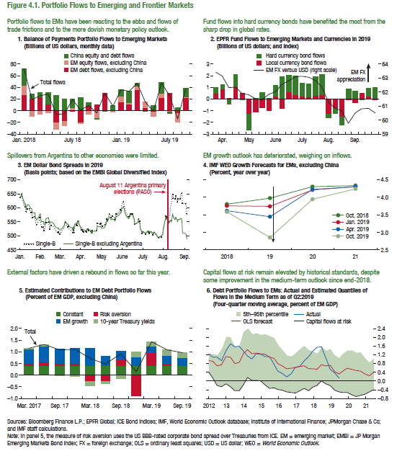
Figure 4.1. Portfolio Flows to Emerging and Frontier Markets

4. IMF WEO Growth Forecasts for EMs, excluding China |  |  |  |  | 5. Estimated Contributions to EM Debt Portfolio Flows |  |  |  |  |  | 6. Debt Portfolio Flows to EMs: Actual and Estimated Quantiles of Flows in the Medium Term as of Q2:2019
(Percent, year over year) |  |  |  |  | (Percent of EM GDP, excluding China) |  |  |  |  |  | (Four-quarter moving average, percent of EM GDP)

 | 2018 | 2019 | 2020 | 2021 |  | Risk aversion | EM growth | 10-year Treasury yields | Constant | Total |  | 5th | 95th | Actual | OLS forecast | Capital flows at risk
Oct. 2019 | 3.58 | 2.86 | 3.94 | 4.25 | 2017-03-30 | 0.13 | 0.59 | 0.03 | 0.40 | 1.15 | 2012-03-31 | -0.20 | 1.20 | 1.10 | 0.71 | -0.20
Apr. 2019 | 3.61 | 3.45 | 4.22 | 4.30 | 2017-06-30 | 0.16 | 0.71 | 0.05 | 0.40 | 1.32 | 2012-06-30 | -0.26 | 1.51 | 0.92 | 0.76 | -0.26
Jan. 2019 | 3.75 | 3.75 | 4.21 | 4.30 | 2017-09-30 | 0.13 | 0.58 | -0.02 | 0.40 | 1.10 | 2012-09-30 | -0.13 | 2.03 | 1.38 | 1.11 | -0.13
Oct. 2018 | 3.80 | 3.98 | 4.31 | 4.34 | 2017-12-30 | 0.13 | 0.62 | -0.04 | 0.40 | 1.10 | 2012-12-31 | -0.25 | 2.00 | 1.70 | 1.09 | -0.25
 |  |  |  |  | 2018-03-30 | -0.25 | 0.77 | -0.20 | 0.40 | 0.71 | 2013-03-31 | -0.43 | 1.58 | 1.58 | 0.81 | -0.43
 |  |  |  |  | 2018-06-30 | -0.26 | 0.42 | -0.07 | 0.40 | 0.48 | 2013-06-30 | -0.44 | 1.59 | 1.59 | 0.85 | -0.44
 |  |  |  |  | 2018-09-30 | 0.29 | 0.35 | -0.12 | 0.40 | 0.92 | 2013-09-30 | -0.15 | 2.24 | 1.36 | 1.27 | -0.15
 |  |  |  |  | 2018-12-31 | -0.86 | 0.39 | 0.23 | 0.40 | 0.16 | 2013-12-31 | 0.17 | 2.41 | 1.13 | 1.44 | 0.17
 |  |  |  |  | 2019-03-31 | 0.57 | 0.30 | 0.17 | 0.40 | 1.44 | 2014-03-31 | 0.05 | 2.13 | 1.01 | 1.26 | 0.05
 |  |  |  |  | 2019-06-30 | 0.09 | 0.36 | 0.24 | 0.40 | 1.09 | 2014-06-30 | 0.04 | 2.19 | 1.26 | 1.28 | 0.04
 |  |  |  |  | 2019-09-30 | 0.00 | 0.35 | 0.21 | 0.40 | 0.96 | 2014-09-30 | 0.02 | 2.11 | 1.21 | 1.25 | 0.02
 |  |  |  |  |  |  |  |  |  |  | 2014-12-31 | -0.18 | 2.14 | 1.11 | 1.21 | -0.18
 |  |  |  |  |  |  |  |  |  |  | 2015-03-31 | -0.32 | 2.05 | 1.12 | 1.09 | -0.32
 |  |  |  |  |  |  |  |  |  |  | 2015-06-30 | -0.30 | 1.97 | 0.78 | 1.03 | -0.30
 |  |  |  |  |  |  |  |  |  |  | 2015-09-30 | -0.38 | 1.62 | 0.46 | 0.79 | -0.38
 |  |  |  |  |  |  |  |  |  |  | 2015-12-31 | -0.42 | 1.40 | 0.36 | 0.70 | -0.42
 |  |  |  |  |  |  |  |  |  |  | 2016-03-31 | -0.49 | 1.15 | 0.19 | 0.57 | -0.49
 |  |  |  |  |  |  |  |  |  |  | 2016-06-30 | -0.51 | 1.14 | 0.33 | 0.59 | -0.51
 |  |  |  |  |  |  |  |  |  |  | 2016-09-30 | -0.55 | 1.27 | 0.64 | 0.61 | -0.55
 |  |  |  |  |  |  |  |  |  |  | 2016-12-31 | -0.43 | 1.44 | 0.66 | 0.67 | -0.43
 |  |  |  |  |  |  |  |  |  |  | 2017-03-31 | -0.34 | 1.60 | 0.93 | 0.70 | -0.34
 |  |  |  |  |  |  |  |  |  |  | 2017-06-30 | -0.43 | 1.42 | 1.12 | 0.56 | -0.43
 |  |  |  |  |  |  |  |  |  |  | 2017-09-30 | -0.28 | 1.35 | 1.35 | 0.56 | -0.28
 |  |  |  |  |  |  |  |  |  |  | 2017-12-31 | -0.19 | 1.27 | 1.54 | 0.54 | -0.19
 |  |  |  |  |  |  |  |  |  |  | 2018-03-31 | 0.02 | 1.56 | 1.56 | 0.76 | 0.02
 |  |  |  |  |  |  |  |  |  |  | 2018-06-30 | -0.12 | 1.38 | 1.06 | 0.71 | -0.12
 |  |  |  |  |  |  |  |  |  |  | 2018-09-30 | -0.19 | 1.47 | 0.55 | 0.73 | -0.19
 |  |  |  |  |  |  |  |  |  |  | 2018-12-31 | -0.41 | 1.18 | 0.38 | 0.43 | -0.41
 |  |  |  |  |  |  |  |  |  |  | 2019-03-31 | -0.49 | 1.05 | 0.15 | 0.33 | -0.49
 |  |  |  |  |  |  |  |  |  |  | 2019-06-30 | -0.51 | 1.27 |  | 0.46 | -0.51
 |  |  |  |  |  |  |  |  |  |  | 2019-09-30 | -0.52 | 1.41 |  | 0.59 | -0.52
 |  |  |  |  |  |  |  |  |  |  | 2019-12-31 | -0.61 | 1.41 |  | 0.55 | -0.61
 |  |  |  |  |  |  |  |  |  |  | 2020-03-31 | -0.69 | 1.30 |  | 0.49 | -0.69
 |  |  |  |  |  |  |  |  |  |  | 2020-06-30 | -0.64 | 1.32 |  | 0.46 | -0.64
 |  |  |  |  |  |  |  |  |  |  | 2020-09-30 | -0.60 | 1.05 |  | 0.33 | -0.60
 |  |  |  |  |  |  |  |  |  |  | 2020-12-31 | -0.49 | 0.83 |  | 0.24 | -0.49
 |  |  |  |  |  |  |  |  |  |  | 2021-03-31 | -0.37 | 1.02 |  | 0.41 | -0.37
 |  |  |  |  |  |  |  |  |  |  | 2021-06-30 | -0.36 | 1.07 |  | 0.47 | -0.36

Figure 4.2.
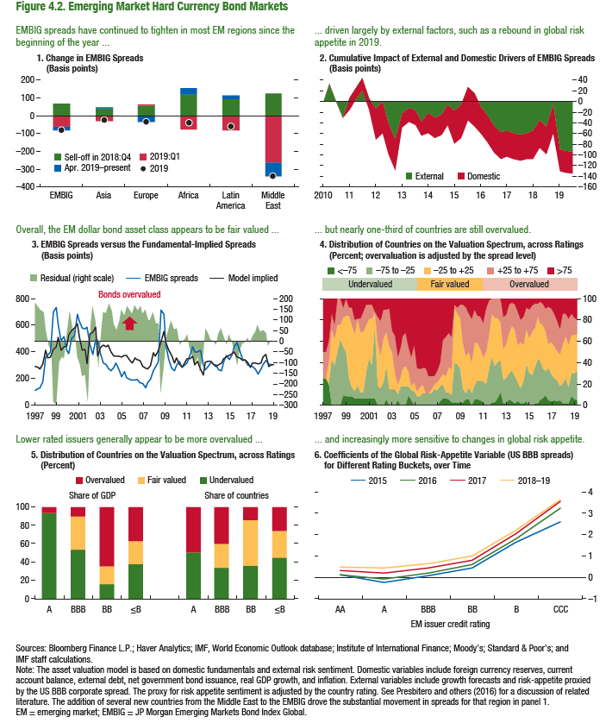
Figure 4.2. Emerging Market Hard Currency Bond Markets

2. Cumulative Impact of External and Domestic Drivers of EMBIG Spreads |  |  | 4. Distribution of Countries on the Valuation Spectrum, across Ratings |  |  |  |  |  | 5. Distribution of Countries on the Valuation Spectrum, across Ratings |  |  |  | 6. Coefficients of the Global Risk-Appetite Variable (US BBB spreads)
(Basis points) |  |  | (Percent; overvaluation is adjusted by the spread level) |  |  |  |  |  | (Percent) |  |  |  | for Different Rating Buckets, over Time

 | Domestic | External |  | <–75 | –75 to –25 | –25 to +25 | +25 to +75 | >75 |  | Share of GDP
Mar-10 | 0.00 | 0.00 | 1997-03-01 | 25.00 | 0.00 | 0.00 | 50.00 | 25.00 |  | Overvalued | Fair valued | Undervalued |  | AA | A | BBB | BB | B | CCC
Jun-10 | 0.00 | 32.80 | 1997-06-01 | 25.00 | 0.00 | 0.00 | 25.00 | 50.00 | A | 5.79 | 0.00 | 94.21 | 2015 | 0.12 | -0.22 | 0.08 | 0.46 | 1.67 | 2.62
Sep-10 | 0.00 | -0.55 | 1997-09-01 | 25.00 | 0.00 | 0.00 | 25.00 | 50.00 | BBB | 9.83 | 36.38 | 53.80 | 2016 | 0.15 | -0.08 | 0.20 | 0.59 | 1.80 | 3.25
Dec-10 | 0.00 | -30.47 | 1997-12-01 | 20.00 | 0.00 | 20.00 | 20.00 | 40.00 | BB | 64.36 | 19.88 | 15.76 | 2017 | 0.32 | 0.21 | 0.43 | 0.82 | 2.03 | 3.59
Mar-11 | -21.63 | 6.68 | 1998-03-01 | 0.00 | 42.86 | 28.57 | 14.29 | 14.29 | ≤B | 36.70 | 25.88 | 37.42 | 2018–19 | 0.48 | 0.46 | 0.65 | 1.00 | 2.23 | 3.65
Jun-11 | -21.63 | 26.68 | 1998-06-01 | 0.00 | 37.50 | 25.00 | 12.50 | 25.00
Sep-11 | -21.63 | 42.51 | 1998-09-01 | 0.00 | 50.00 | 25.00 | 25.00 | 0.00 |  | Share of Countries
Dec-11 | -21.63 | 6.07 | 1998-12-01 | 0.00 | 62.50 | 12.50 | 25.00 | 0.00 | A | 50.00 | 0.00 | 50.00
Mar-12 | -57.47 | -14.48 | 1999-03-01 | 9.09 | 45.45 | 27.27 | 9.09 | 9.09 | BBB | 40.00 | 26.67 | 33.33
Jun-12 | -57.47 | -1.27 | 1999-06-01 | 8.33 | 41.67 | 33.33 | 16.67 | 0.00 | BB | 14.29 | 50.00 | 35.71
Sep-12 | -57.14 | -41.26 | 1999-09-01 | 8.33 | 16.67 | 58.33 | 8.33 | 8.33 | ≤B | 25.81 | 29.03 | 45.16
Dec-12 | -57.14 | -71.25 | 1999-12-01 | 8.33 | 8.33 | 58.33 | 16.67 | 8.33
Mar-13 | -26.19 | -22.47 | 2000-03-01 | 6.67 | 6.67 | 53.33 | 13.33 | 20.00
Jun-13 | -26.19 | -11.96 | 2000-06-01 | 6.25 | 12.50 | 62.50 | 0.00 | 18.75
Sep-13 | -26.19 | -17.47 | 2000-09-01 | 6.25 | 6.25 | 56.25 | 12.50 | 18.75
Dec-13 | -26.19 | -37.65 | 2000-12-01 | 6.25 | 6.25 | 56.25 | 18.75 | 12.50
Mar-14 | -37.79 | -22.31 | 2001-03-01 | 6.25 | 25.00 | 43.75 | 18.75 | 6.25
Jun-14 | -37.79 | -30.85 | 2001-06-01 | 6.25 | 37.50 | 37.50 | 12.50 | 6.25
Sep-14 | -37.79 | -24.20 | 2001-09-01 | 6.25 | 31.25 | 43.75 | 12.50 | 6.25
Dec-14 | -37.79 | -6.56 | 2001-12-01 | 6.25 | 68.75 | 12.50 | 0.00 | 12.50
Mar-15 | -63.13 | -16.53 | 2002-03-01 | 0.00 | 17.65 | 41.18 | 23.53 | 17.65
Jun-15 | -63.13 | -6.07 | 2002-06-01 | 0.00 | 15.79 | 31.58 | 31.58 | 21.05
Sep-15 | -62.90 | 27.22 | 2002-09-01 | 0.00 | 21.05 | 42.11 | 26.32 | 10.53
Dec-15 | -62.90 | 15.05 | 2002-12-01 | 5.26 | 31.58 | 31.58 | 21.05 | 10.53
Mar-16 | -50.11 | -8.86 | 2003-03-01 | 0.00 | 15.00 | 40.00 | 35.00 | 10.00
Jun-16 | -50.11 | -25.94 | 2003-06-01 | 0.00 | 15.00 | 35.00 | 20.00 | 30.00
Sep-16 | -50.11 | -45.49 | 2003-09-01 | 0.00 | 15.00 | 15.00 | 35.00 | 35.00
Dec-16 | -50.11 | -58.30 | 2003-12-01 | 5.00 | 5.00 | 10.00 | 25.00 | 55.00
Mar-17 | -47.52 | -55.46 | 2004-03-01 | 0.00 | 18.18 | 9.09 | 27.27 | 45.45
Jun-17 | -47.52 | -59.81 | 2004-06-01 | 0.00 | 17.39 | 17.39 | 30.43 | 34.78
Sep-17 | -47.52 | -62.98 | 2004-09-01 | 0.00 | 18.18 | 18.18 | 31.82 | 31.82
Dec-17 | -47.52 | -59.82 | 2004-12-01 | 9.09 | 9.09 | 13.64 | 22.73 | 45.45
Mar-18 | -51.60 | -55.49 | 2005-03-01 | 4.55 | 9.09 | 4.55 | 27.27 | 54.55
Jun-18 | -51.60 | -35.14 | 2005-06-01 | 0.00 | 13.04 | 8.70 | 34.78 | 43.48
Sep-18 | -51.60 | -46.60 | 2005-09-01 | 0.00 | 8.70 | 4.35 | 21.74 | 65.22
Dec-18 | -51.60 | -7.12 | 2005-12-01 | 0.00 | 8.33 | 8.33 | 16.67 | 66.67
Mar-19 | -40.54 | -89.32 | 2006-03-01 | 0.00 | 11.54 | 7.69 | 15.38 | 65.38
Jun-19 | -40.54 | -92.62 | 2006-06-01 | 0.00 | 11.54 | 0.00 | 23.08 | 65.38
Sep-19 | -40.54 | -94.62 | 2006-09-01 | 0.00 | 11.54 | 0.00 | 15.38 | 73.08
 |  |  | 2006-12-01 | 0.00 | 11.54 | 3.85 | 11.54 | 73.08
 |  |  | 2007-03-01 | 0.00 | 15.38 | 3.85 | 7.69 | 73.08
 |  |  | 2007-06-01 | 0.00 | 14.29 | 7.14 | 10.71 | 67.86
 |  |  | 2007-09-01 | 3.57 | 14.29 | 7.14 | 14.29 | 60.71
 |  |  | 2007-12-01 | 6.45 | 12.90 | 9.68 | 32.26 | 38.71
 |  |  | 2008-03-01 | 6.06 | 6.06 | 15.15 | 36.36 | 36.36
 |  |  | 2008-06-01 | 5.88 | 5.88 | 23.53 | 32.35 | 32.35
 |  |  | 2008-09-01 | 3.03 | 6.06 | 24.24 | 30.30 | 36.36
 |  |  | 2008-12-01 | 3.03 | 36.36 | 51.52 | 3.03 | 6.06
 |  |  | 2009-03-01 | 2.94 | 35.29 | 47.06 | 5.88 | 8.82
 |  |  | 2009-06-01 | 3.03 | 30.30 | 48.48 | 12.12 | 6.06
 |  |  | 2009-09-01 | 3.03 | 12.12 | 42.42 | 36.36 | 6.06
 |  |  | 2009-12-01 | 5.71 | 5.71 | 34.29 | 45.71 | 8.57
 |  |  | 2010-03-01 | 5.56 | 11.11 | 33.33 | 36.11 | 13.89
 |  |  | 2010-06-01 | 0 | 10.810810811 | 29.72972973 | 40.540540541 | 18.918918919
 |  |  | 2010-09-01 | 5.2631578947 | 13.157894737 | 39.473684211 | 31.578947368 | 10.526315789
 |  |  | 2010-12-01 | 5.2631578947 | 18.421052632 | 34.210526316 | 26.315789474 | 15.789473684
 |  |  | 2011-03-01 | 5 | 17.5 | 30 | 30 | 17.5
 |  |  | 2011-06-01 | 2.5 | 20 | 22.5 | 32.5 | 22.5
 |  |  | 2011-09-01 | 0 | 20 | 30 | 40 | 10
 |  |  | 2011-12-01 | 0 | 34.146341463 | 31.707317073 | 31.707317073 | 2.4390243902
 |  |  | 2012-03-01 | 2.380952381 | 42.857142857 | 40.476190476 | 14.285714286 | 0
 |  |  | 2012-06-01 | 2.2727272727 | 34.090909091 | 45.454545455 | 18.181818182 | 0
 |  |  | 2012-09-01 | 6.6666666667 | 33.333333333 | 42.222222222 | 17.777777778 | 0
 |  |  | 2012-12-01 | 12 | 30 | 36 | 22 | 0
 |  |  | 2013-03-01 | 1.9607843137 | 21.568627451 | 29.411764706 | 29.411764706 | 17.647058824
 |  |  | 2013-06-01 | 1.9230769231 | 23.076923077 | 32.692307692 | 26.923076923 | 15.384615385
 |  |  | 2013-09-01 | 5.6603773585 | 24.528301887 | 37.735849057 | 26.41509434 | 5.6603773585
2016-10-01 | 1590777.00 | 15.13 | 2013-12-01 | 3.6363636364 | 29.090909091 | 41.818181818 | 21.818181818 | 3.6363636364
2017-01-01 | 1526146.00 | 14.08 | 2014-03-01 | 1.8181818182 | 25.454545455 | 43.636363636 | 23.636363636 | 5.4545454545
2017-04-01 | 1412408.00 | 13.13 | 2014-06-01 | 3.6363636364 | 18.181818182 | 34.545454545 | 30.909090909 | 12.727272727
2017-07-01 | 1293872.00 | 11.84 | 2014-09-01 | 1.7857142857 | 14.285714286 | 42.857142857 | 21.428571429 | 19.642857143
2017-10-01 | 1359724.00 | 12.51 | 2014-12-01 | 1.7543859649 | 21.052631579 | 33.333333333 | 26.315789474 | 17.543859649
2018-01-01 | 1435161.00 | 12.82 | 2015-03-01 | 3.5087719298 | 35.087719298 | 33.333333333 | 19.298245614 | 8.7719298246
 |  |  | 2015-06-01 | 0 | 29.824561404 | 33.333333333 | 26.315789474 | 10.526315789
 |  |  | 2015-09-01 | 0 | 28.070175439 | 40.350877193 | 24.561403509 | 7.0175438596
 |  |  | 2015-12-01 | 1.6949152542 | 33.898305085 | 37.288135593 | 22.033898305 | 5.0847457627
 |  |  | 2016-03-01 | 1.6666666667 | 41.666666667 | 40 | 11.666666667 | 5
 |  |  | 2016-06-01 | 4.9180327869 | 37.704918033 | 34.426229508 | 19.672131148 | 3.2786885246
 |  |  | 2016-09-01 | 6.5573770492 | 27.868852459 | 40.983606557 | 19.672131148 | 4.9180327869
 |  |  | 2016-12-01 | 9.6774193548 | 22.580645161 | 37.096774194 | 20.967741935 | 9.6774193548
 |  |  | 2017-03-01 | 4.9180327869 | 29.508196721 | 22.950819672 | 34.426229508 | 8.1967213115
 |  |  | 2017-06-01 | 3.2786885246 | 26.229508197 | 29.508196721 | 31.147540984 | 9.8360655738
 |  |  | 2017-09-01 | 4.7619047619 | 20.634920635 | 30.158730159 | 30.158730159 | 14.285714286
 |  |  | 2017-12-01 | 3.1746031746 | 20.634920635 | 26.984126984 | 28.571428571 | 20.634920635
 |  |  | 2018-03-01 | 4.7619047619 | 12.698412698 | 30.158730159 | 23.80952381 | 28.571428571
 |  |  | 2018-06-01 | 1.5873015873 | 19.047619048 | 36.507936508 | 28.571428571 | 14.285714286
 |  |  | 2018-09-01 | 1.5873015873 | 23.80952381 | 39.682539683 | 20.634920635 | 14.285714286
 |  |  | 2018-12-01 | 1.5625 | 15.625 | 39.0625 | 25 | 18.75
 |  |  | 2019-03-01 | 8.5714285714 | 21.428571429 | 35.714285714 | 20 | 14.285714286
 |  |  | 2019-06-01 | 5.7142857143 | 24.285714286 | 35.714285714 | 15.714285714 | 18.571428571
 |  |  | 2019-09-01 | 4.2857142857 | 27.142857143 | 35.714285714 | 12.857142857 | 20

Figure 4.3.
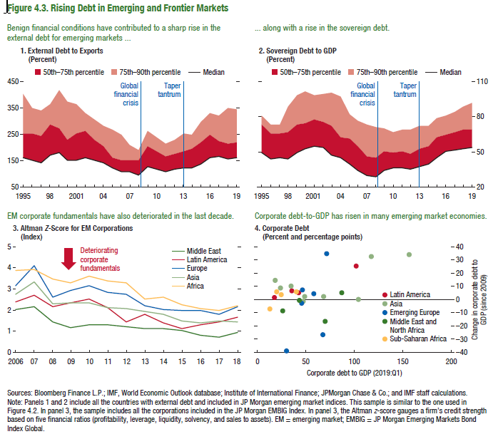
Figure 4.3. Rising Debt in Emerging and Frontier Markets

1. External Debt to Exports |  |  |  | 2. Sovereign Debt to GDP |  |  |  | 3. Altman Z-Score for EM Corporations |  |  |  |  |  | 4. Corporate Debt
(Percent) |  |  |  | (Percent) |  |  |  | (Index) |  |  |  |  |  | (Percent and percentage points)
 |  |  |  |  |  |  |  |  |  |  |  |  |  | Corporate Leverage |  |  |  |  | Change in Corporate Leverage since 2009
 | Median | 50th-75th percentile | 75th-90th percentile |  | Median | 50th-75th percentile | 75th-90th percentile |  | Middle East | Latin America | Europe | Asia | Africa | Latin America | Asia | Emerging Europe | Middle East and North Africa | Sub-Saharan Africa | Latin America | Asia | Emerging Europe | Middle East and North Africa | Sub-Saharan Africa
1995 | 163.68 | 89.91 | 151.28 | 1995 | 49.06 | 24.74 | 6.94 | 2006 | 2.04 | 2.19 | 3.13 | 2.74 | 3.50 | 16.6 | #N/A | #N/A | #N/A | #N/A | 1.7 | #N/A | #N/A | #N/A | #N/A
1996 | 154.21 | 99.87 | 98.34 | 1996 | 43.64 | 21.97 | 7.64 | 2007 | 2.16 | 2.62 | 4.11 | 3.30 | 3.24 | 41.6 | #N/A | #N/A | #N/A | #N/A | 5.5 | #N/A | #N/A | #N/A | #N/A
1997 | 140.33 | 106.33 | 93.75 | 1997 | 44.84 | 21.33 | 7.69 | 2008 | 1.44 | 2.21 | 2.59 | 2.31 | 3.36 | 101.2 | #N/A | #N/A | #N/A | #N/A | 26 | #N/A | #N/A | #N/A | #N/A
1998 | 171.48 | 115.33 | 77.01 | 1998 | 44.18 | 23.13 | 21.13 | 2009 | 1.16 | 2.33 | 2.90 | 2.34 | 3.06 | 35 | #N/A | #N/A | #N/A | #N/A | 7.3 | #N/A | #N/A | #N/A | #N/A
1999 | 182.20 | 91.31 | 145.58 | 1999 | 50.11 | 23.55 | 24.64 | 2010 | 1.29 | 2.45 | 3.12 | 2.33 | 3.26 | #N/A | 155.6 | #N/A | #N/A | #N/A | #N/A | 34.3 | #N/A | #N/A | #N/A
2000 | 150.02 | 82.22 | 141.57 | 2000 | 52.39 | 22.05 | 27.30 | 2011 | 1.30 | 2.07 | 3.00 | 2.12 | 3.12 | #N/A | 46.1 | #N/A | #N/A | #N/A | #N/A | -1.2 | #N/A | #N/A | #N/A
2001 | 153.87 | 98.83 | 111.23 | 2001 | 54.71 | 22.70 | 21.40 | 2012 | 1.21 | 1.98 | 2.87 | 2.04 | 2.91 | #N/A | 23 | #N/A | #N/A | #N/A | #N/A | 9.4 | #N/A | #N/A | #N/A
2002 | 160.28 | 101.98 | 68.90 | 2002 | 53.92 | 22.18 | 23.49 | 2013 | 1.14 | 1.82 | 2.29 | 1.91 | 2.11 | #N/A | #N/A | 57.4 | #N/A | #N/A | #N/A | #N/A | 5.1 | #N/A | #N/A
2003 | 153.88 | 77.41 | 73.71 | 2003 | 47.64 | 24.65 | 28.56 | 2014 | 1.12 | 1.40 | 2.13 | 1.82 | 2.29 | #N/A | #N/A | #N/A | 25.1 | #N/A | #N/A | #N/A | #N/A | -8.2 | #N/A
2004 | 141.17 | 63.27 | 80.56 | 2004 | 45.21 | 17.53 | 34.43 | 2015 | 1.04 | 1.16 | 2.05 | 1.50 | 2.21 | #N/A | #N/A | #N/A | #N/A | 19.5 | #N/A | #N/A | #N/A | #N/A | 6.6
2005 | 124.24 | 39.18 | 103.20 | 2005 | 40.13 | 21.78 | 20.42 | 2016 | 0.80 | 1.32 | 2.00 | 1.40 | 2.06 | #N/A | #N/A | 66.8 | #N/A | #N/A | #N/A | #N/A | -25.7 | #N/A | #N/A
2006 | 106.50 | 45.27 | 99.75 | 2006 | 34.64 | 19.90 | 22.29 | 2017 | 0.72 | 1.47 | 1.84 | 1.49 | 1.92 | #N/A | #N/A | #N/A | 69.4 | #N/A | #N/A | #N/A | #N/A | -16.3 | #N/A
2007 | 107.43 | 44.22 | 59.52 | 2007 | 30.12 | 16.20 | 27.68 | 2018 | 0.93 | 1.63 | 2.18 | 1.44 | 2.24 | #N/A | #N/A | #N/A | #N/A | 23.9 | #N/A | #N/A | #N/A | #N/A | 4.1
2008 | 95.91 | 58.81 | 38.23 | 2008 | 28.44 | 16.27 | 26.15 |  |  |  |  |  |  | #N/A | #N/A | #N/A | 99.358 | #N/A | #N/A | #N/A | #N/A | #N/A | #N/A
2009 | 130.43 | 77.11 | 54.54 | 2009 | 34.24 | 15.92 | 19.59 |  |  |  |  |  |  | #N/A | 67.6 | #N/A | #N/A | #N/A | #N/A | 2.9 | #N/A | #N/A | #N/A
2010 | 118.05 | 66.29 | 55.11 | 2010 | 36.59 | 12.92 | 17.64 |  |  |  |  |  |  | #N/A | #N/A | #N/A | #N/A | 12 | #N/A | #N/A | #N/A | #N/A | -6.5
2011 | 108.52 | 59.08 | 45.93 | 2011 | 36.16 | 14.64 | 18.92 |  |  |  |  |  |  | #N/A | 17.8 | #N/A | #N/A | #N/A | #N/A | 14.7 | #N/A | #N/A | #N/A
2012 | 119.60 | 56.43 | 51.58 | 2012 | 35.59 | 12.47 | 21.65 |  |  |  |  |  |  | #N/A | 33.709 | #N/A | #N/A | #N/A | #N/A | 10.626 | #N/A | #N/A | #N/A
2013 | 123.13 | 63.83 | 66.06 | 2013 | 37.38 | 15.39 | 19.55 |  |  |  |  |  |  | #N/A | #N/A | 45.7 | #N/A | #N/A | #N/A | #N/A | 7.5 | #N/A | #N/A
2014 | 122.23 | 72.48 | 53.42 | 2014 | 40.21 | 15.00 | 17.45 |  |  |  |  |  |  | #N/A | #N/A | 44.6 | #N/A | #N/A | #N/A | #N/A | -2.6 | #N/A | #N/A
2015 | 140.23 | 81.66 | 74.86 | 2015 | 45.46 | 17.60 | 16.29 |  |  |  |  |  |  | #N/A | #N/A | #N/A | 42.8 | #N/A | #N/A | #N/A | #N/A | 0.1 | #N/A
2016 | 163.23 | 84.75 | 85.42 | 2016 | 50.63 | 14.69 | 16.08 |  |  |  |  |  |  | #N/A | 116.9 | #N/A | #N/A | #N/A | #N/A | 32.9 | #N/A | #N/A | #N/A
2017 | 167.38 | 57.03 | 98.98 | 2017 | 52.25 | 14.37 | 17.87 |  |  |  |  |  |  | #N/A | #N/A | #N/A | #N/A | 39.2 | #N/A | #N/A | #N/A | #N/A | 6.4
2018 | 156.57 | 56.77 | 138.74 | 2018 | 53.33 | 15.68 | 19.36 |  |  |  |  |  |  | #N/A | 103 | #N/A | #N/A | #N/A | #N/A | 0.3 | #N/A | #N/A | #N/A
2019 | 161.93 | 60.63 | 123.47 | 2019 | 54.22 | 14.46 | 23.02 |  |  |  |  |  |  | #N/A | 47.9 | #N/A | #N/A | #N/A | #N/A | 2.8 | #N/A | #N/A | #N/A
 |  |  |  |  |  |  |  |  |  |  |  |  |  | #N/A | #N/A | 70.4 | #N/A | #N/A | #N/A | #N/A | 35.1 | #N/A | #N/A
 |  |  |  |  |  |  |  |  |  |  |  |  |  | #N/A | #N/A | 28.927 | #N/A | #N/A | #N/A | #N/A | -38.12 | #N/A | #N/A
 |  |  |  |  |  |  |  |  |  |  |  |  |  | #N/A | #N/A | #N/A | 85.962 | #N/A | #N/A | #N/A | #N/A | 5.298 | #N/A

2011-03-01 | -79.23 | -14.89
2011-04-01 | -89.95 | -14.97
2011-05-01 | -83.63 | -11.43
2011-06-01 | -83.97 | -15.81
2011-07-01 | -84.15 | -16.43
2011-08-01 | -92.66 | -19.68
2011-09-01 | -115.84 | -24.75
2011-10-01 | -122.08 | -13.90
2011-11-01 | -137.40 | -9.24
2011-12-01 | -122.25 | -5.83
2012-01-01 | -128.72 | -8.26
2012-02-01 | -136.05 | -4.79
2012-03-01 | -127.48 | -6.41
2012-04-01 | -105.18 | -9.30
2012-05-01 | -82.71 | -9.60
2012-06-01 | -87.54 | -16.93
2012-07-01 | -89.98 | -19.39
2012-08-01 | -93.78 | -7.26
2012-09-01 | -70.68 | -9.47
2012-10-01 | -76.18 | -9.74
2012-11-01 | -78.00 | -12.13
2012-12-01 | -78.35 | -18.88
2013-01-01 | -79.20 | -13.01
2013-02-01 | -80.35 | -13.01
2013-03-01 | -80.72 | -6.71
2013-04-01 | -81.57 | -10.59
2013-05-01 | -92.80 | -7.05
2013-06-01 | -66.41 | -9.70
2013-07-01 | -79.64 | -6.88
2013-08-01 | -81.58 | -7.82
2013-09-01 | -76.73 | -4.64
2013-10-01 | -64.99 | -4.27
2013-11-01 | -65.60 | -1.63
2013-12-01 | -82.95 | -6.29
2014-01-01 | -81.12 | -7.47
2014-02-01 | -61.70 | -7.04
2014-03-01 | -61.75 | -3.77
2014-04-01 | -78.23 | -2.62
2014-05-01 | -60.85 | -10.60
2014-06-01 | -80.21 | -10.31
2014-07-01 | -59.12 | -9.86
2014-08-01 | -68.25 | -6.73
2014-09-01 | -84.32 | -12.94
2014-10-01 | -90.44 | -11.42
2014-11-01 | -89.71 | -6.35
2014-12-01 | -82.32 | -10.53
2015-01-01 | -85.51 | -16.81
2015-02-01 | -85.54 | -18.75
2015-03-01 | -75.27 | -15.91
2015-04-01 | -71.95 | -8.74
2015-05-01 | -57.39 | -8.38
2015-06-01 | -60.06 | -7.47
2015-07-01 | -59.76 | -19.60
2015-08-01 | -74.03 | -6.17
2015-09-01 | -89.41 | -7.83
2015-10-01 | -76.47 | -23.00
2015-11-01 | -117.35 | -21.09
2015-12-01 | -96.10 | -26.75
2016-01-01 | -83.83 | -12.96
2016-02-01 | -69.71 | -19.11
2016-03-01 | -49.84 | -19.99
...

Figure 4.4.
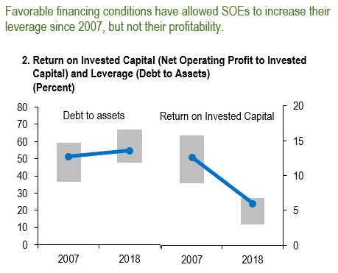
Figure 4.4. Emerging Market State-Owned Enterprises
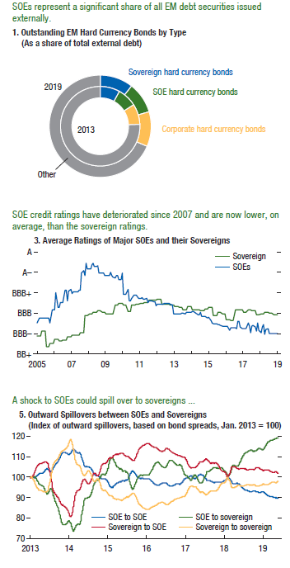

1. Outstanding EM Hard Currency Bonds by Type
(As a share of total external debt)

 | 2013 | 2019
Sovereign hard currency bonds | 0.08 | 0.11
SOE hard currency bonds | 0.08 | 0.10
Corporate hard currency bonds | 0.08 | 0.11
Other | 0.76 | 0.69
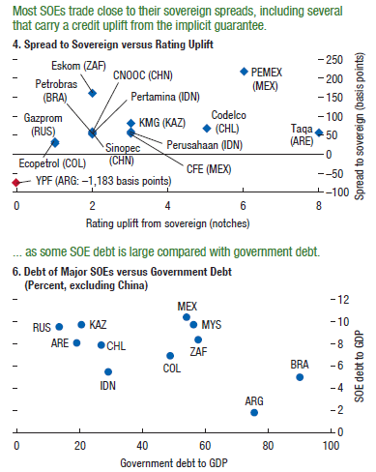
...

Figure 4.5
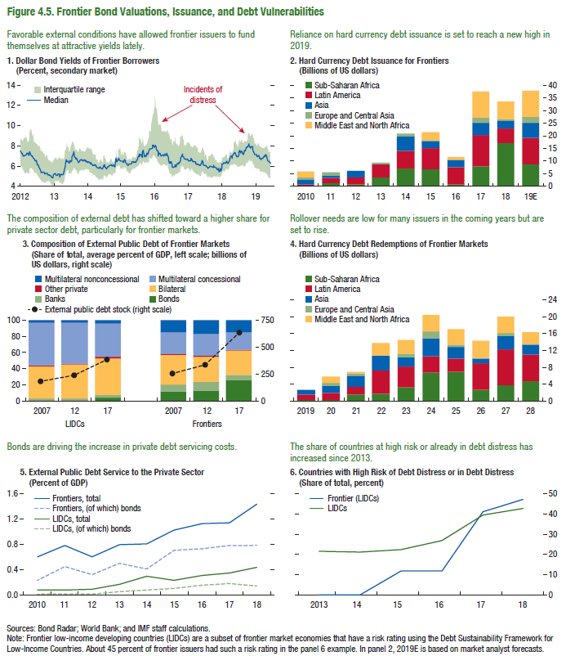
Figure 4.5. Frontier Bond Valuations, Issuance, and Debt Vulnerabilities

1. Dollar Bond Yields of Frontier Borrowers
(Percent, secondary market)

 | Low | Median | High
2012-01-06 | 6.11 | 8.01 | 2.76
2012-01-13 | 6.19 | 7.98 | 2.68
2012-01-20 | 6.10 | 7.58 | 2.75
2012-01-27 | 6.09 | 7.14 | 2.62
2012-02-03 | 5.91 | 7.18 | 2.74
2012-02-10 | 5.91 | 7.49 | 2.78
2012-02-17 | 6.01 | 7.36 | 2.57
2012-02-24 | 6.07 | 7.19 | 2.55
2012-03-02 | 5.74 | 7.26 | 2.68
2012-03-09 | 5.59 | 7.01 | 2.98
2012-03-16 | 5.54 | 7.01 | 3.19
2012-03-23 | 5.39 | 7.02 | 3.34
2012-03-30 | 5.23 | 7.06 | 3.65
2012-04-06 | 5.24 | 7.05 | 3.48
2012-04-13 | 5.34 | 7.25 | 3.54
2012-04-20 | 5.36 | 7.23 | 3.03
2012-04-27 | 5.38 | 7.25 | 3.01
2012-05-04 | 5.22 | 7.06 | 3.17
2012-05-11 | 5.29 | 7.04 | 3.26
2012-05-18 | 5.78 | 7.40 | 3.26
2012-05-25 | 5.73 | 7.16 | 3.81
2012-06-01 | 5.90 | 7.11 | 3.78
2012-06-08 | 5.75 | 7.01 | 3.31
2012-06-15 | 5.70 | 6.98 | 3.27
2012-06-22 | 5.65 | 6.95 | 3.43
2012-06-29 | 5.51 | 6.76 | 2.95
2012-07-06 | 5.30 | 6.71 | 3.01
2012-07-13 | 5.37 | 6.67 | 3.01
2012-07-20 | 5.30 | 6.47 | 2.95
2012-07-27 | 5.32 | 6.52 | 2.93
2012-08-03 | 5.31 | 6.20 | 2.83
2012-08-10 | 5.11 | 6.15 | 2.96
2012-08-17 | 5.08 | 6.11 | 2.97
2012-08-24 | 4.87 | 5.87 | 3.10
2012-08-31 | 4.92 | 5.81 | 3.06
2012-09-07 | 4.78 | 5.67 | 3.21
2012-09-14 | 4.64 | 5.48 | 2.96
2012-09-21 | 4.56 | 5.34 | 2.89
2012-09-28 | 4.36 | 5.36 | 3.12
...

