Figure 6.3.
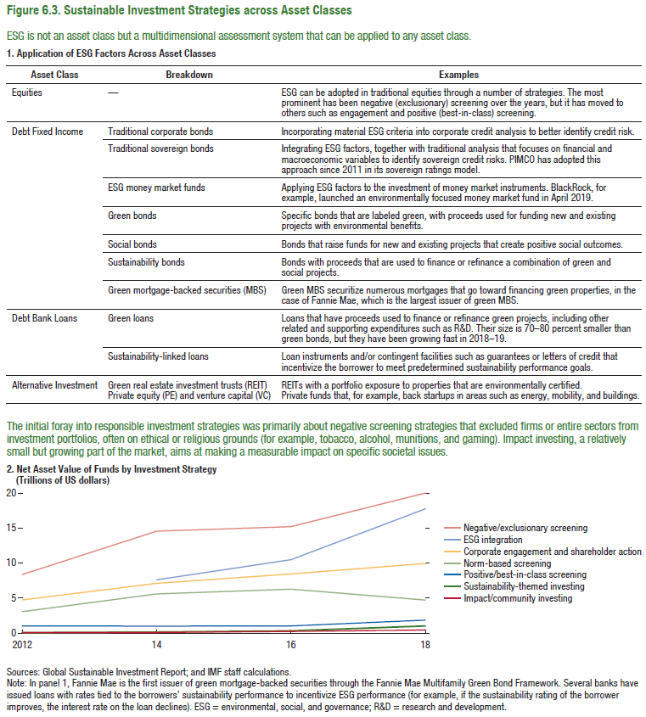
Figure 6.3. Sustainable Investment Strategies across Asset Classes

2. Net Asset Value of Funds by Investment Strategy
(Trillions of US dollars)

 | 2012 | 2014 | 2016 | 2018
Sustainability-themed investing | 0 | 0 | 0 | 1
Impact/community investing | 0 | 0 | 0 | 0
Positive/best-in-class screening | 1 | 1 | 1 | 2
Norm-based screening | 3 | 6 | 6 | 5
Corporate engagement and shareholder action | 5 | 7 | 8 | 10
ESG Integration |  | 8 | 10 | 18
Negative/exclusionary screening | 8 | 14 | 15 | 20

Figure 6.4.
Figure 6.4. Growth of ESG-Dedicated Funds
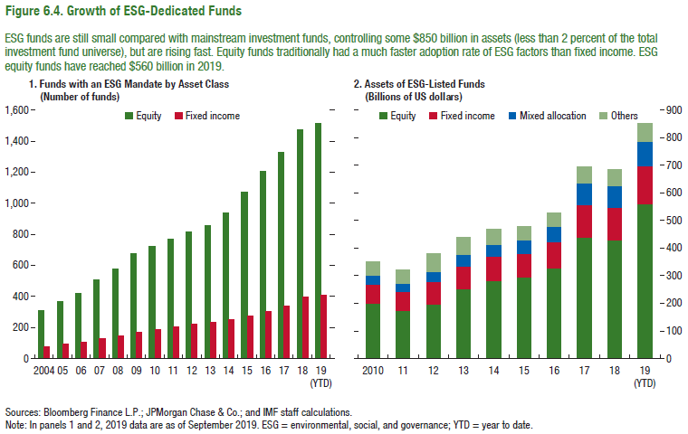

1. Funds with an ESG Mandate by Asset Class |  |  |  |  |  |  |  |  |  |  |  |  |  |  |  |  | 2. Assets of ESG-Listed Funds
(Number of funds) |  |  |  |  |  |  |  |  |  |  |  |  |  |  |  |  | (Billions of US dollars)

 | 2004 | 2005 | 2006 | 2007 | 2008 | 2009 | 2010 | 2011 | 2012 | 2013 | 2014 | 2015 | 2016 | 2017 | 2018 | 2019 (YTD) |  | 2010 | 2011 | 2012 | 2013 | 2014 | 2015 | 2016 | 2017 | 2018 | 2019 (YTD)
Equity | 310 | 366 | 420 | 504 | 576 | 675 | 725 | 772 | 816 | 859 | 939 | 1075 | 1208 | 1331 | 1472 | 1518 | Equity | 201 | 173 | 196 | 252 | 280 | 296 | 328 | 439 | 429 | 561
Fixed income | 77 | 97 | 108 | 130 | 145 | 170 | 188 | 203 | 220 | 235 | 249 | 275 | 303 | 339 | 396 | 413 | Fixed income | 66 | 68 | 82 | 83 | 89 | 84 | 95 | 119 | 119 | 140
 |  |  |  |  |  |  |  |  |  |  |  |  |  |  |  |  | Mixed allocation | 35 | 31 | 35 | 42 | 45 | 48 | 55 | 77 | 77 | 89
 |  |  |  |  |  |  |  |  |  |  |  |  |  |  |  |  | Others | 50 | 50 | 67 | 63 | 55 | 50 | 49 | 59 | 59 | 67

Figure 6.5.
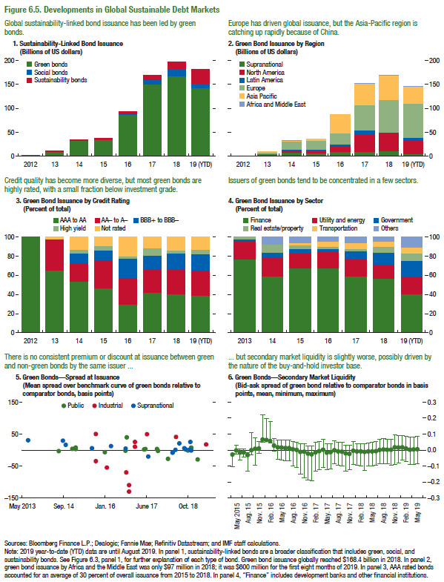
Figure 6.5. Developments in Global Sustainable Debt Markets

1. Sustainability-Linked Bond Issuance |  |  |  |  |  |  |  |  | 2. Green Bond Issuance by Region |  |  |  |  |  |  |  |  | 3. Green Bond Issuance by Credit Rating |  |  |  |  |  |  |  |  | 4. Green Bond Issuance by Sector |  |  |  |  |  |  |  | 5. Green Bonds—Spread at Issuance |  |  |  | 6. Green Bonds—Secondary Market Liquidity
(Billions of US dollars) |  |  |  |  |  |  |  |  | (Billions of US dollars) |  |  |  |  |  |  |  |  | (Percent of total) |  |  |  |  |  |  |  |  | (Percent of total) |  |  |  |  |  |  |  | (Mean spread over benchmark curve of green bonds relative to comparator bonds, basis points) |  |  |  | (Bid-ask spread of green bond relative to comparator bonds in basispoints, mean, minimum, maximum)

 | 2012 | 2013 | 2014 | 2015 | 2016 | 2017 | 2018 | 2019 (YTD) |  | 2012 | 2013 | 2014 | 2015 | 2016 | 2017 | 2018 | 2019 (YTD) |  | 2012 | 2013 | 2014 | 2015 | 2016 | 2017 | 2018 | 2019 (YTD) |  | 2013 | 2014 | 2015 | 2016 | 2017 | 2018 | 2019 (YTD) |  | Public | Industrial | Supranational |  |  | Mean Spread Difference
Green bonds | 0 | 9 | 33 | 36 | 87 | 152 | 168 | 145 | Supranational | 0 | 5 | 9 | 8 | 10 | 9 | 12 | 5 | AAA to AA | 100 | 67 | 54 | 47 | 30 | 42 | 41 | 40 | Finance | 77 | 59 | 68 | 68 | 59 | 57 | 42 | 2013-07-18 |  |  | 30 |  | May-2015 | -0.0292427
Sustainability bonds |  | 1 | 1 | 2 | 5 | 9 | 18 | 27 | North America | 0 | 1 | 5 | 6 | 12 | 38 | 39 | 30 | AA- to A- | 0 | 31 | 19 | 30 | 28 | 24 | 26 | 27 | Utility and energy | 20 | 20 | 15 | 17 | 17 | 15 | 18 | 2014-04-10 |  |  |  |  | Jun-2015 | -0.0026536
Social bonds |  |  | 0 | 0 | 2 | 10 | 13 | 9 | Latin America | 0 | 0 | 0 | 1 | 3 | 8 | 1 | 3 | BBB+ to BBB- | 0 | 0 | 11 | 9 | 20 | 15 | 17 | 17 | Government | 1 | 5 | 5 | 2 | 8 | 13 | 16 | 2014-07-03 |  |  |  |  | Jul-2015 | -0.0169682
 |  |  |  |  |  |  |  |  | Europe | 0 | 3 | 17 | 18 | 24 | 52 | 67 | 72 | High yield | 0 | 0 | 3 | 5 | 2 | 7 | 2 | 5 | Real estate/property | 2 | 8 | 3 | 3 | 3 | 5 | 7 | 2014-07-22 | -4 |  |  |  | Aug-2015 | -0.0159989
 |  |  |  |  |  |  |  |  | Asia Pacific | 0 | 0 | 1 | 4 | 38 | 44 | 50 | 34 | Not rated | 0 | 2 | 13 | 10 | 20 | 12 | 14 | 12 | Transportation | 0 | 0 | 2 | 4 | 7 | 5 | 6 | 2014-08-20 |  |  |  |  | Sep-2015 | -0.0325064
 |  |  |  |  |  |  |  |  | Africa & Middle East | 0 | 0 | 0 | 0 | 0 | 1 | 0 | 1 |  |  |  |  |  |  |  |  |  | Others | 0 | 7 | 7 | 5 | 5 | 5 | 11 | 2014-09-10 |  |  | 29 |  | Oct-2015 | -0.0021399
 |  |  |  |  |  |  |  |  |  |  |  |  |  |  |  |  |  |  |  |  |  |  |  |  |  |  |  |  |  |  |  |  |  |  | 2014-10-15 |  |  | 16 |  | Nov-2015 | 0.0073158
 |  |  |  |  |  |  |  |  |  |  |  |  |  |  |  |  |  |  |  |  |  |  |  |  |  |  |  |  |  |  |  |  |  |  | 2014-12-16 |  |  |  |  | Dec-2015 | 0.0087196
 |  |  |  |  |  |  |  |  |  |  |  |  |  |  |  |  |  |  |  |  |  |  |  |  |  |  |  |  |  |  |  |  |  |  | 2015-01-02 | 4 |  |  |  | Jan-2016 | 0.0643404
 |  |  |  |  |  |  |  |  |  |  |  |  |  |  |  |  |  |  |  |  |  |  |  |  |  |  |  |  |  |  |  |  |  |  | 2015-01-12 |  |  |  |  | Feb-2016 | 0.0615697
 |  |  |  |  |  |  |  |  |  |  |  |  |  |  |  |  |  |  |  |  |  |  |  |  |  |  |  |  |  |  |  |  |  |  | 2015-02-11 | 3 |  |  |  | Mar-2016 | 0.0557757
 |  |  |  |  |  |  |  |  |  |  |  |  |  |  |  |  |  |  |  |  |  |  |  |  |  |  |  |  |  |  |  |  |  |  | 2015-02-11 | 8 |  |  |  | Apr-2016 | 0.0265331
 |  |  |  |  |  |  |  |  |  |  |  |  |  |  |  |  |  |  |  |  |  |  |  |  |  |  |  |  |  |  |  |  |  |  | 2015-02-24 |  |  |  |  | May-2016 | 0.0158046
 |  |  |  |  |  |  |  |  |  |  |  |  |  |  |  |  |  |  |  |  |  |  |  |  |  |  |  |  |  |  |  |  |  |  | 2015-02-25 |  |  |  |  | Jun-2016 | 0.0155893
 |  |  |  |  |  |  |  |  |  |  |  |  |  |  |  |  |  |  |  |  |  |  |  |  |  |  |  |  |  |  |  |  |  |  | 2015-03-03 |  |  |  |  | Jul-2016 | 0.0125146
 |  |  |  |  |  |  |  |  |  |  |  |  |  |  |  |  |  |  |  |  |  |  |  |  |  |  |  |  |  |  |  |  |  |  | 2015-03-06 |  |  |  |  | Aug-2016 | 0.0116487
 |  |  |  |  |  |  |  |  |  |  |  |  |  |  |  |  |  |  |  |  |  |  |  |  |  |  |  |  |  |  |  |  |  |  | 2015-03-19 |  |  |  |  | Sep-2016 | 0.0037559
 |  |  |  |  |  |  |  |  |  |  |  |  |  |  |  |  |  |  |  |  |  |  |  |  |  |  |  |  |  |  |  |  |  |  | 2015-04-02 |  |  |  |  | Oct-2016 | -0.0006403
 |  |  |  |  |  |  |  |  |  |  |  |  |  |  |  |  |  |  |  |  |  |  |  |  |  |  |  |  |  |  |  |  |  |  | 2015-04-02 |  |  |  |  | Nov-2016 | -0.0120364
 |  |  |  |  |  |  |  |  |  |  |  |  |  |  |  |  |  |  |  |  |  |  |  |  |  |  |  |  |  |  |  |  |  |  | 2015-04-09 |  |  |  |  | Dec-2016 | -0.0105231
 |  |  |  |  |  |  |  |  |  |  |  |  |  |  |  |  |  |  |  |  |  |  |  |  |  |  |  |  |  |  |  |  |  |  | 2015-04-09 |  |  |  |  | Jan-2017 | -0.0224179
 |  |  |  |  |  |  |  |  |  |  |  |  |  |  |  |  |  |  |  |  |  |  |  |  |  |  |  |  |  |  |  |  |  |  | 2015-04-09 |  |  |  |  | Feb-2017 | -0.0273118
 |  |  |  |  |  |  |  |  |  |  |  |  |  |  |  |  |  |  |  |  |  |  |  |  |  |  |  |  |  |  |  |  |  |  | 2015-04-15 |  |  |  |  | Mar-2017 | -0.0160252
 |  |  |  |  |  |  |  |  |  |  |  |  |  |  |  |  |  |  |  |  |  |  |  |  |  |  |  |  |  |  |  |  |  |  | 2015-04-23 |  |  |  |  | Apr-2017 | -0.0082815
 |  |  |  |  |  |  |  |  |  |  |  |  |  |  |  |  |  |  |  |  |  |  |  |  |  |  |  |  |  |  |  |  |  |  | 2015-04-23 |  |  |  |  | May-2017 | 0.0009881
 |  |  |  |  |  |  |  |  |  |  |  |  |  |  |  |  |  |  |  |  |  |  |  |  |  |  |  |  |  |  |  |  |  |  | 2015-04-23 |  |  |  |  | Jun-2017 | -0.0170516
 |  |  |  |  |  |  |  |  |  |  |  |  |  |  |  |  |  |  |  |  |  |  |  |  |  |  |  |  |  |  |  |  |  |  | 2015-04-30 |  |  |  |  | Jul-2017 | -0.0144598
 |  |  |  |  |  |  |  |  |  |  |  |  |  |  |  |  |  |  |  |  |  |  |  |  |  |  |  |  |  |  |  |  |  |  | 2015-04-30 |  |  |  |  | Aug-2017 | -0.0014918
 |  |  |  |  |  |  |  |  |  |  |  |  |  |  |  |  |  |  |  |  |  |  |  |  |  |  |  |  |  |  |  |  |  |  | 2015-05-14 |  |  |  |  | Sep-2017 | -0.0098782
 |  |  |  |  |  |  |  |  |  |  |  |  |  |  |  |  |  |  |  |  |  |  |  |  |  |  |  |  |  |  |  |  |  |  | 2015-05-14 |  |  |  |  | Oct-2017 | -0.0115406
 |  |  |  |  |  |  |  |  |  |  |  |  |  |  |  |  |  |  |  |  |  |  |  |  |  |  |  |  |  |  |  |  |  |  | 2015-05-14 |  |  |  |  | Nov-2017 | -0.0215074
 |  |  |  |  |  |  |  |  |  |  |  |  |  |  |  |  |  |  |  |  |  |  |  |  |  |  |  |  |  |  |  |  |  |  | 2015-05-21 |  |  |  |  | Dec-2017 | -0.0241464
 |  |  |  |  |  |  |  |  |  |  |  |  |  |  |  |  |  |  |  |  |  |  |  |  |  |  |  |  |  |  |  |  |  |  | 2015-05-21 |  |  |  |  | Jan-2018 | -0.0043075
 |  |  |  |  |  |  |  |  |  |  |  |  |  |  |  |  |  |  |  |  |  |  |  |  |  |  |  |  |  |  |  |  |  |  | 2015-05-21 |  |  |  |  | Feb-2018 | -0.009018
 |  |  |  |  |  |  |  |  |  |  |  |  |  |  |  |  |  |  |  |  |  |  |  |  |  |  |  |  |  |  |  |  |  |  | 2015-05-29 |  |  |  |  | Mar-2018 | -0.0098099
 |  |  |  |  |  |  |  |  |  |  |  |  |  |  |  |  |  |  |  |  |  |  |  |  |  |  |  |  |  |  |  |  |  |  | 2015-05-29 |  |  |  |  | Apr-2018 | -0.0122457
 |  |  |  |  |  |  |  |  |  |  |  |  |  |  |  |  |  |  |  |  |  |  |  |  |  |  |  |  |  |  |  |  |  |  | 2015-05-29 |  |  |  |  | May-2018 | -0.0098861
 |  |  |  |  |  |  |  |  |  |  |  |  |  |  |  |  |  |  |  |  |  |  |  |  |  |  |  |  |  |  |  |  |  |  | 2015-06-09 |  |  |  |  | Jun-2018 | -0.0099095
 |  |  |  |  |  |  |  |  |  |  |  |  |  |  |  |  |  |  |  |  |  |  |  |  |  |  |  |  |  |  |  |  |  |  | 2015-06-11 |  |  |  |  | Jul-2018 | -0.0072068
 |  |  |  |  |  |  |  |  |  |  |  |  |  |  |  |  |  |  |  |  |  |  |  |  |  |  |  |  |  |  |  |  |  |  | 2015-06-11 |  |  |  |  | Aug-2018 | 0.0003
 |  |  |  |  |  |  |  |  |  |  |  |  |  |  |  |  |  |  |  |  |  |  |  |  |  |  |  |  |  |  |  |  |  |  | 2015-06-11 |  |  |  |  | Sep-2018 | 0.0025361
 |  |  |  |  |  |  |  |  |  |  |  |  |  |  |  |  |  |  |  |  |  |  |  |  |  |  |  |  |  |  |  |  |  |  | 2015-06-18 |  |  |  |  | Oct-2018 | 0.0014273
 |  |  |  |  |  |  |  |  |  |  |  |  |  |  |  |  |  |  |  |  |  |  |  |  |  |  |  |  |  |  |  |  |  |  | 2015-06-18 |  |  |  |  | Nov-2018 | 0.0013576
 |  |  |  |  |  |  |  |  |  |  |  |  |  |  |  |  |  |  |  |  |  |  |  |  |  |  |  |  |  |  |  |  |  |  | 2015-06-18 |  |  |  |  | Dec-2018 | 0.0162029
 |  |  |  |  |  |  |  |  |  |  |  |  |  |  |  |  |  |  |  |  |  |  |  |  |  |  |  |  |  |  |  |  |  |  | 2015-06-25 |  |  |  |  | Jan-2019 | 0.0151264
 |  |  |  |  |  |  |  |  |  |  |  |  |  |  |  |  |  |  |  |  |  |  |  |  |  |  |  |  |  |  |  |  |  |  | 2015-06-25 |  |  |  |  | Feb-2019 | 0.0159605
 |  |  |  |  |  |  |  |  |  |  |  |  |  |  |  |  |  |  |  |  |  |  |  |  |  |  |  |  |  |  |  |  |  |  | 2015-07-02 |  |  |  |  | Mar-2019 | 0.0092873
 |  |  |  |  |  |  |  |  |  |  |  |  |  |  |  |  |  |  |  |  |  |  |  |  |  |  |  |  |  |  |  |  |  |  | 2015-07-02 |  |  |  |  | Apr-2019 | 0.0017404
 |  |  |  |  |  |  |  |  |  |  |  |  |  |  |  |  |  |  |  |  |  |  |  |  |  |  |  |  |  |  |  |  |  |  | 2015-07-02 |  |  |  |  | May-2019 | 0.0029051
 |  |  |  |  |  |  |  |  |  |  |  |  |  |  |  |  |  |  |  |  |  |  |  |  |  |  |  |  |  |  |  |  |  |  | 2015-07-16 |  |  |  |  | Jun-2019 | 0.0041888
 |  |  |  |  |  |  |  |  |  |  |  |  |  |  |  |  |  |  |  |  |  |  |  |  |  |  |  |  |  |  |  |  |  |  | 2015-07-16
 |  |  |  |  |  |  |  |  |  |  |  |  |  |  |  |  |  |  |  |  |  |  |  |  |  |  |  |  |  |  |  |  |  |  | 2015-07-16
 |  |  |  |  |  |  |  |  |  |  |  |  |  |  |  |  |  |  |  |  |  |  |  |  |  |  |  |  |  |  |  |  |  |  | 2015-07-23
 |  |  |  |  |  |  |  |  |  |  |  |  |  |  |  |  |  |  |  |  |  |  |  |  |  |  |  |  |  |  |  |  |  |  | 2015-07-23
 |  |  |  |  |  |  |  |  |  |  |  |  |  |  |  |  |  |  |  |  |  |  |  |  |  |  |  |  |  |  |  |  |  |  | 2015-07-23
 |  |  |  |  |  |  |  |  |  |  |  |  |  |  |  |  |  |  |  |  |  |  |  |  |  |  |  |  |  |  |  |  |  |  | 2015-08-06
 |  |  |  |  |  |  |  |  |  |  |  |  |  |  |  |  |  |  |  |  |  |  |  |  |  |  |  |  |  |  |  |  |  |  | 2015-08-06
 |  |  |  |  |  |  |  |  |  |  |  |  |  |  |  |  |  |  |  |  |  |  |  |  |  |  |  |  |  |  |  |  |  |  | 2015-08-06
 |  |  |  |  |  |  |  |  |  |  |  |  |  |  |  |  |  |  |  |  |  |  |  |  |  |  |  |  |  |  |  |  |  |  | 2015-08-13
 |  |  |  |  |  |  |  |  |  |  |  |  |  |  |  |  |  |  |  |  |  |  |  |  |  |  |  |  |  |  |  |  |  |  | 2015-08-13
 |  |  |  |  |  |  |  |  |  |  |  |  |  |  |  |  |  |  |  |  |  |  |  |  |  |  |  |  |  |  |  |  |  |  | 2015-08-13
 |  |  |  |  |  |  |  |  |  |  |  |  |  |  |  |  |  |  |  |  |  |  |  |  |  |  |  |  |  |  |  |  |  |  | 2015-08-20
 |  |  |  |  |  |  |  |  |  |  |  |  |  |  |  |  |  |  |  |  |  |  |  |  |  |  |  |  |  |  |  |  |  |  | 2015-08-20
 |  |  |  |  |  |  |  |  |  |  |  |  |  |  |  |  |  |  |  |  |  |  |  |  |  |  |  |  |  |  |  |  |  |  | 2015-08-20
 |  |  |  |  |  |  |  |  |  |  |  |  |  |  |  |  |  |  |  |  |  |  |  |  |  |  |  |  |  |  |  |  |  |  | 2015-08-27 |  |  | 5
 |  |  |  |  |  |  |  |  |  |  |  |  |  |  |  |  |  |  |  |  |  |  |  |  |  |  |  |  |  |  |  |  |  |  | 2015-08-27
 |  |  |  |  |  |  |  |  |  |  |  |  |  |  |  |  |  |  |  |  |  |  |  |  |  |  |  |  |  |  |  |  |  |  | 2015-08-27
 |  |  |  |  |  |  |  |  |  |  |  |  |  |  |  |  |  |  |  |  |  |  |  |  |  |  |  |  |  |  |  |  |  |  | 2015-08-27
 |  |  |  |  |  |  |  |  |  |  |  |  |  |  |  |  |  |  |  |  |  |  |  |  |  |  |  |  |  |  |  |  |  |  | 2015-09-03
 |  |  |  |  |  |  |  |  |  |  |  |  |  |  |  |  |  |  |  |  |  |  |  |  |  |  |  |  |  |  |  |  |  |  | 2015-09-03
 |  |  |  |  |  |  |  |  |  |  |  |  |  |  |  |  |  |  |  |  |  |  |  |  |  |  |  |  |  |  |  |  |  |  | 2015-09-03
 |  |  |  |  |  |  |  |  |  |  |  |  |  |  |  |  |  |  |  |  |  |  |  |  |  |  |  |  |  |  |  |  |  |  | 2015-09-17
 |  |  |  |  |  |  |  |  |  |  |  |  |  |  |  |  |  |  |  |  |  |  |  |  |  |  |  |  |  |  |  |  |  |  | 2015-09-17
 |  |  |  |  |  |  |  |  |  |  |  |  |  |  |  |  |  |  |  |  |  |  |  |  |  |  |  |  |  |  |  |  |  |  | 2015-09-17
 |  |  |  |  |  |  |  |  |  |  |  |  |  |  |  |  |  |  |  |  |  |  |  |  |  |  |  |  |  |  |  |  |  |  | 2015-09-18
 |  |  |  |  |  |  |  |  |  |  |  |  |  |  |  |  |  |  |  |  |  |  |  |  |  |  |  |  |  |  |  |  |  |  | 2015-10-13 |  | 50
 |  |  |  |  |  |  |  |  |  |  |  |  |  |  |  |  |  |  |  |  |  |  |  |  |  |  |  |  |  |  |  |  |  |  | 2015-10-13 |  | -35
 |  |  |  |  |  |  |  |  |  |  |  |  |  |  |  |  |  |  |  |  |  |  |  |  |  |  |  |  |  |  |  |  |  |  | 2015-10-20
 |  |  |  |  |  |  |  |  |  |  |  |  |  |  |  |  |  |  |  |  |  |  |  |  |  |  |  |  |  |  |  |  |  |  | 2015-10-22
 |  |  |  |  |  |  |  |  |  |  |  |  |  |  |  |  |  |  |  |  |  |  |  |  |  |  |  |  |  |  |  |  |  |  | 2015-10-27
 |  |  |  |  |  |  |  |  |  |  |  |  |  |  |  |  |  |  |  |  |  |  |  |  |  |  |  |  |  |  |  |  |  |  | 2015-11-02
 |  |  |  |  |  |  |  |  |  |  |  |  |  |  |  |  |  |  |  |  |  |  |  |  |  |  |  |  |  |  |  |  |  |  | 2015-11-02
 |  |  |  |  |  |  |  |  |  |  |  |  |  |  |  |  |  |  |  |  |  |  |  |  |  |  |  |  |  |  |  |  |  |  | 2015-11-02
 |  |  |  |  |  |  |  |  |  |  |  |  |  |  |  |  |  |  |  |  |  |  |  |  |  |  |  |  |  |  |  |  |  |  | 2015-11-24
 |  |  |  |  |  |  |  |  |  |  |  |  |  |  |  |  |  |  |  |  |  |  |  |  |  |  |  |  |  |  |  |  |  |  | 2015-11-25
 |  |  |  |  |  |  |  |  |  |  |  |  |  |  |  |  |  |  |  |  |  |  |  |  |  |  |  |  |  |  |  |  |  |  | 2015-12-14
 |  |  |  |  |  |  |  |  |  |  |  |  |  |  |  |  |  |  |  |  |  |  |  |  |  |  |  |  |  |  |  |  |  |  | 2015-12-29
 |  |  |  |  |  |  |  |  |  |  |  |  |  |  |  |  |  |  |  |  |  |  |  |  |  |  |  |  |  |  |  |  |  |  | 2015-12-31
 |  |  |  |  |  |  |  |  |  |  |  |  |  |  |  |  |  |  |  |  |  |  |  |  |  |  |  |  |  |  |  |  |  |  | 2016-01-08
 |  |  |  |  |  |  |  |  |  |  |  |  |  |  |  |  |  |  |  |  |  |  |  |  |  |  |  |  |  |  |  |  |  |  | 2016-01-20
 |  |  |  |  |  |  |  |  |  |  |  |  |  |  |  |  |  |  |  |  |  |  |  |  |  |  |  |  |  |  |  |  |  |  | 2016-01-29 | -7
 |  |  |  |  |  |  |  |  |  |  |  |  |  |  |  |  |  |  |  |  |  |  |  |  |  |  |  |  |  |  |  |  |  |  | 2016-02-23 |  | -55
 |  |  |  |  |  |  |  |  |  |  |  |  |  |  |  |  |  |  |  |  |  |  |  |  |  |  |  |  |  |  |  |  |  |  | 2016-03-10
 |  |  |  |  |  |  |  |  |  |  |  |  |  |  |  |  |  |  |  |  |  |  |  |  |  |  |  |  |  |  |  |  |  |  | 2016-04-06
 |  |  |  |  |  |  |  |  |  |  |  |  |  |  |  |  |  |  |  |  |  |  |  |  |  |  |  |  |  |  |  |  |  |  | 2016-04-13 |  |  | 12
 |  |  |  |  |  |  |  |  |  |  |  |  |  |  |  |  |  |  |  |  |  |  |  |  |  |  |  |  |  |  |  |  |  |  | 2016-05-20
 |  |  |  |  |  |  |  |  |  |  |  |  |  |  |  |  |  |  |  |  |  |  |  |  |  |  |  |  |  |  |  |  |  |  | 2016-05-31
 |  |  |  |  |  |  |  |  |  |  |  |  |  |  |  |  |  |  |  |  |  |  |  |  |  |  |  |  |  |  |  |  |  |  | 2016-06-15
 |  |  |  |  |  |  |  |  |  |  |  |  |  |  |  |  |  |  |  |  |  |  |  |  |  |  |  |  |  |  |  |  |  |  | 2016-07-20
 |  |  |  |  |  |  |  |  |  |  |  |  |  |  |  |  |  |  |  |  |  |  |  |  |  |  |  |  |  |  |  |  |  |  | 2016-09-13
 |  |  |  |  |  |  |  |  |  |  |  |  |  |  |  |  |  |  |  |  |  |  |  |  |  |  |  |  |  |  |  |  |  |  | 2016-10-04
 |  |  |  |  |  |  |  |  |  |  |  |  |  |  |  |  |  |  |  |  |  |  |  |  |  |  |  |  |  |  |  |  |  |  | 2016-10-04 | -3
 |  |  |  |  |  |  |  |  |  |  |  |  |  |  |  |  |  |  |  |  |  |  |  |  |  |  |  |  |  |  |  |  |  |  | 2016-10-05 |  |  | 4
 |  |  |  |  |  |  |  |  |  |  |  |  |  |  |  |  |  |  |  |  |  |  |  |  |  |  |  |  |  |  |  |  |  |  | 2016-10-13 |  | -70
 |  |  |  |  |  |  |  |  |  |  |  |  |  |  |  |  |  |  |  |  |  |  |  |  |  |  |  |  |  |  |  |  |  |  | 2016-10-19 | 40
 |  |  |  |  |  |  |  |  |  |  |  |  |  |  |  |  |  |  |  |  |  |  |  |  |  |  |  |  |  |  |  |  |  |  | 2016-10-26
 |  |  |  |  |  |  |  |  |  |  |  |  |  |  |  |  |  |  |  |  |  |  |  |  |  |  |  |  |  |  |  |  |  |  | 2016-10-26
 |  |  |  |  |  |  |  |  |  |  |  |  |  |  |  |  |  |  |  |  |  |  |  |  |  |  |  |  |  |  |  |  |  |  | 2016-11-09
 |  |  |  |  |  |  |  |  |  |  |  |  |  |  |  |  |  |  |  |  |  |  |  |  |  |  |  |  |  |  |  |  |  |  | 2016-11-14
 |  |  |  |  |  |  |  |  |  |  |  |  |  |  |  |  |  |  |  |  |  |  |  |  |  |  |  |  |  |  |  |  |  |  | 2016-11-16 |  | -130
 |  |  |  |  |  |  |  |  |  |  |  |  |  |  |  |  |  |  |  |  |  |  |  |  |  |  |  |  |  |  |  |  |  |  | 2016-11-16 |  | -110
 |  |  |  |  |  |  |  |  |  |  |  |  |  |  |  |  |  |  |  |  |  |  |  |  |  |  |  |  |  |  |  |  |  |  | 2016-11-22
 |  |  |  |  |  |  |  |  |  |  |  |  |  |  |  |  |  |  |  |  |  |  |  |  |  |  |  |  |  |  |  |  |  |  | 2016-11-30
 |  |  |  |  |  |  |  |  |  |  |  |  |  |  |  |  |  |  |  |  |  |  |  |  |  |  |  |  |  |  |  |  |  |  | 2016-12-07
 |  |  |  |  |  |  |  |  |  |  |  |  |  |  |  |  |  |  |  |  |  |  |  |  |  |  |  |  |  |  |  |  |  |  | 2016-12-20
 |  |  |  |  |  |  |  |  |  |  |  |  |  |  |  |  |  |  |  |  |  |  |  |  |  |  |  |  |  |  |  |  |  |  | 2017-01-25
 |  |  |  |  |  |  |  |  |  |  |  |  |  |  |  |  |  |  |  |  |  |  |  |  |  |  |  |  |  |  |  |  |  |  | 2017-01-26 |  | 25
 |  |  |  |  |  |  |  |  |  |  |  |  |  |  |  |  |  |  |  |  |  |  |  |  |  |  |  |  |  |  |  |  |  |  | 2017-01-26 |  | 10
 |  |  |  |  |  |  |  |  |  |  |  |  |  |  |  |  |  |  |  |  |  |  |  |  |  |  |  |  |  |  |  |  |  |  | 2017-03-07
 |  |  |  |  |  |  |  |  |  |  |  |  |  |  |  |  |  |  |  |  |  |  |  |  |  |  |  |  |  |  |  |  |  |  | 2017-03-07
 |  |  |  |  |  |  |  |  |  |  |  |  |  |  |  |  |  |  |  |  |  |  |  |  |  |  |  |  |  |  |  |  |  |  | 2017-03-31
 |  |  |  |  |  |  |  |  |  |  |  |  |  |  |  |  |  |  |  |  |  |  |  |  |  |  |  |  |  |  |  |  |  |  | 2017-03-31
 |  |  |  |  |  |  |  |  |  |  |  |  |  |  |  |  |  |  |  |  |  |  |  |  |  |  |  |  |  |  |  |  |  |  | 2017-04-11
 |  |  |  |  |  |  |  |  |  |  |  |  |  |  |  |  |  |  |  |  |  |  |  |  |  |  |  |  |  |  |  |  |  |  | 2017-04-12
 |  |  |  |  |  |  |  |  |  |  |  |  |  |  |  |  |  |  |  |  |  |  |  |  |  |  |  |  |  |  |  |  |  |  | 2017-04-12
 |  |  |  |  |  |  |  |  |  |  |  |  |  |  |  |  |  |  |  |  |  |  |  |  |  |  |  |  |  |  |  |  |  |  | 2017-05-16 | 1
 |  |  |  |  |  |  |  |  |  |  |  |  |  |  |  |  |  |  |  |  |  |  |  |  |  |  |  |  |  |  |  |  |  |  | 2017-05-24
 |  |  |  |  |  |  |  |  |  |  |  |  |  |  |  |  |  |  |  |  |  |  |  |  |  |  |  |  |  |  |  |  |  |  | 2017-06-01 | 3
 |  |  |  |  |  |  |  |  |  |  |  |  |  |  |  |  |  |  |  |  |  |  |  |  |  |  |  |  |  |  |  |  |  |  | 2017-06-14
 |  |  |  |  |  |  |  |  |  |  |  |  |  |  |  |  |  |  |  |  |  |  |  |  |  |  |  |  |  |  |  |  |  |  | 2017-06-20 |  | 49
 |  |  |  |  |  |  |  |  |  |  |  |  |  |  |  |  |  |  |  |  |  |  |  |  |  |  |  |  |  |  |  |  |  |  | 2017-07-05 |  |  | -21
 |  |  |  |  |  |  |  |  |  |  |  |  |  |  |  |  |  |  |  |  |  |  |  |  |  |  |  |  |  |  |  |  |  |  | 2017-07-12
 |  |  |  |  |  |  |  |  |  |  |  |  |  |  |  |  |  |  |  |  |  |  |  |  |  |  |  |  |  |  |  |  |  |  | 2017-08-10
 |  |  |  |  |  |  |  |  |  |  |  |  |  |  |  |  |  |  |  |  |  |  |  |  |  |  |  |  |  |  |  |  |  |  | 2017-08-10
 |  |  |  |  |  |  |  |  |  |  |  |  |  |  |  |  |  |  |  |  |  |  |  |  |  |  |  |  |  |  |  |  |  |  | 2017-08-17
 |  |  |  |  |  |  |  |  |  |  |  |  |  |  |  |  |  |  |  |  |  |  |  |  |  |  |  |  |  |  |  |  |  |  | 2017-09-12
 |  |  |  |  |  |  |  |  |  |  |  |  |  |  |  |  |  |  |  |  |  |  |  |  |  |  |  |  |  |  |  |  |  |  | 2017-09-13
 |  |  |  |  |  |  |  |  |  |  |  |  |  |  |  |  |  |  |  |  |  |  |  |  |  |  |  |  |  |  |  |  |  |  | 2017-09-19
 |  |  |  |  |  |  |  |  |  |  |  |  |  |  |  |  |  |  |  |  |  |  |  |  |  |  |  |  |  |  |  |  |  |  | 2017-09-27
 |  |  |  |  |  |  |  |  |  |  |  |  |  |  |  |  |  |  |  |  |  |  |  |  |  |  |  |  |  |  |  |  |  |  | 2017-09-28
 |  |  |  |  |  |  |  |  |  |  |  |  |  |  |  |  |  |  |  |  |  |  |  |  |  |  |  |  |  |  |  |  |  |  | 2017-09-28
 |  |  |  |  |  |  |  |  |  |  |  |  |  |  |  |  |  |  |  |  |  |  |  |  |  |  |  |  |  |  |  |  |  |  | 2017-09-28
 |  |  |  |  |  |  |  |  |  |  |  |  |  |  |  |  |  |  |  |  |  |  |  |  |  |  |  |  |  |  |  |  |  |  | 2017-09-29
 |  |  |  |  |  |  |  |  |  |  |  |  |  |  |  |  |  |  |  |  |  |  |  |  |  |  |  |  |  |  |  |  |  |  | 2017-10-05
 |  |  |  |  |  |  |  |  |  |  |  |  |  |  |  |  |  |  |  |  |  |  |  |  |  |  |  |  |  |  |  |  |  |  | 2017-10-18 | 3
 |  |  |  |  |  |  |  |  |  |  |  |  |  |  |  |  |  |  |  |  |  |  |  |  |  |  |  |  |  |  |  |  |  |  | 2017-10-19
 |  |  |  |  |  |  |  |  |  |  |  |  |  |  |  |  |  |  |  |  |  |  |  |  |  |  |  |  |  |  |  |  |  |  | 2017-10-25
 |  |  |  |  |  |  |  |  |  |  |  |  |  |  |  |  |  |  |  |  |  |  |  |  |  |  |  |  |  |  |  |  |  |  | 2017-10-31
 |  |  |  |  |  |  |  |  |  |  |  |  |  |  |  |  |  |  |  |  |  |  |  |  |  |  |  |  |  |  |  |  |  |  | 2017-10-31 | -3
 |  |  |  |  |  |  |  |  |  |  |  |  |  |  |  |  |  |  |  |  |  |  |  |  |  |  |  |  |  |  |  |  |  |  | 2017-11-14
 |  |  |  |  |  |  |  |  |  |  |  |  |  |  |  |  |  |  |  |  |  |  |  |  |  |  |  |  |  |  |  |  |  |  | 2017-11-21
 |  |  |  |  |  |  |  |  |  |  |  |  |  |  |  |  |  |  |  |  |  |  |  |  |  |  |  |  |  |  |  |  |  |  | 2017-11-22
 |  |  |  |  |  |  |  |  |  |  |  |  |  |  |  |  |  |  |  |  |  |  |  |  |  |  |  |  |  |  |  |  |  |  | 2017-11-29
 |  |  |  |  |  |  |  |  |  |  |  |  |  |  |  |  |  |  |  |  |  |  |  |  |  |  |  |  |  |  |  |  |  |  | 2017-11-29
 |  |  |  |  |  |  |  |  |  |  |  |  |  |  |  |  |  |  |  |  |  |  |  |  |  |  |  |  |  |  |  |  |  |  | 2017-12-22
 |  |  |  |  |  |  |  |  |  |  |  |  |  |  |  |  |  |  |  |  |  |  |  |  |  |  |  |  |  |  |  |  |  |  | 2018-01-23
 |  |  |  |  |  |  |  |  |  |  |  |  |  |  |  |  |  |  |  |  |  |  |  |  |  |  |  |  |  |  |  |  |  |  | 2018-01-26
 |  |  |  |  |  |  |  |  |  |  |  |  |  |  |  |  |  |  |  |  |  |  |  |  |  |  |  |  |  |  |  |  |  |  | 2018-02-02
 |  |  |  |  |  |  |  |  |  |  |  |  |  |  |  |  |  |  |  |  |  |  |  |  |  |  |  |  |  |  |  |  |  |  | 2018-03-01 | -28
 |  |  |  |  |  |  |  |  |  |  |  |  |  |  |  |  |  |  |  |  |  |  |  |  |  |  |  |  |  |  |  |  |  |  | 2018-03-09
 |  |  |  |  |  |  |  |  |  |  |  |  |  |  |  |  |  |  |  |  |  |  |  |  |  |  |  |  |  |  |  |  |  |  | 2018-04-17
 |  |  |  |  |  |  |  |  |  |  |  |  |  |  |  |  |  |  |  |  |  |  |  |  |  |  |  |  |  |  |  |  |  |  | 2018-04-17
 |  |  |  |  |  |  |  |  |  |  |  |  |  |  |  |  |  |  |  |  |  |  |  |  |  |  |  |  |  |  |  |  |  |  | 2018-04-18
 |  |  |  |  |  |  |  |  |  |  |  |  |  |  |  |  |  |  |  |  |  |  |  |  |  |  |  |  |  |  |  |  |  |  | 2018-04-25 |  |  | -8
 |  |  |  |  |  |  |  |  |  |  |  |  |  |  |  |  |  |  |  |  |  |  |  |  |  |  |  |  |  |  |  |  |  |  | 2018-04-25 |  |  | -8
 |  |  |  |  |  |  |  |  |  |  |  |  |  |  |  |  |  |  |  |  |  |  |  |  |  |  |  |  |  |  |  |  |  |  | 2018-05-17
 |  |  |  |  |  |  |  |  |  |  |  |  |  |  |  |  |  |  |  |  |  |  |  |  |  |  |  |  |  |  |  |  |  |  | 2018-05-29 |  |  | 0
 |  |  |  |  |  |  |  |  |  |  |  |  |  |  |  |  |  |  |  |  |  |  |  |  |  |  |  |  |  |  |  |  |  |  | 2018-06-04
 |  |  |  |  |  |  |  |  |  |  |  |  |  |  |  |  |  |  |  |  |  |  |  |  |  |  |  |  |  |  |  |  |  |  | 2018-06-05 |  | 41
 |  |  |  |  |  |  |  |  |  |  |  |  |  |  |  |  |  |  |  |  |  |  |  |  |  |  |  |  |  |  |  |  |  |  | 2018-06-19
 |  |  |  |  |  |  |  |  |  |  |  |  |  |  |  |  |  |  |  |  |  |  |  |  |  |  |  |  |  |  |  |  |  |  | 2018-06-20
 |  |  |  |  |  |  |  |  |  |  |  |  |  |  |  |  |  |  |  |  |  |  |  |  |  |  |  |  |  |  |  |  |  |  | 2018-06-21
 |  |  |  |  |  |  |  |  |  |  |  |  |  |  |  |  |  |  |  |  |  |  |  |  |  |  |  |  |  |  |  |  |  |  | 2018-06-28
 |  |  |  |  |  |  |  |  |  |  |  |  |  |  |  |  |  |  |  |  |  |  |  |  |  |  |  |  |  |  |  |  |  |  | 2018-07-16 |  |  | 21
 |  |  |  |  |  |  |  |  |  |  |  |  |  |  |  |  |  |  |  |  |  |  |  |  |  |  |  |  |  |  |  |  |  |  | 2018-07-30
 |  |  |  |  |  |  |  |  |  |  |  |  |  |  |  |  |  |  |  |  |  |  |  |  |  |  |  |  |  |  |  |  |  |  | 2018-08-30
 |  |  |  |  |  |  |  |  |  |  |  |  |  |  |  |  |  |  |  |  |  |  |  |  |  |  |  |  |  |  |  |  |  |  | 2018-09-07
 |  |  |  |  |  |  |  |  |  |  |  |  |  |  |  |  |  |  |  |  |  |  |  |  |  |  |  |  |  |  |  |  |  |  | 2018-09-10
 |  |  |  |  |  |  |  |  |  |  |  |  |  |  |  |  |  |  |  |  |  |  |  |  |  |  |  |  |  |  |  |  |  |  | 2018-09-13 |  |  | 5
 |  |  |  |  |  |  |  |  |  |  |  |  |  |  |  |  |  |  |  |  |  |  |  |  |  |  |  |  |  |  |  |  |  |  | 2018-09-21
 |  |  |  |  |  |  |  |  |  |  |  |  |  |  |  |  |  |  |  |  |  |  |  |  |  |  |  |  |  |  |  |  |  |  | 2018-09-24
 |  |  |  |  |  |  |  |  |  |  |  |  |  |  |  |  |  |  |  |  |  |  |  |  |  |  |  |  |  |  |  |  |  |  | 2018-09-26 |  |  | 2
 |  |  |  |  |  |  |  |  |  |  |  |  |  |  |  |  |  |  |  |  |  |  |  |  |  |  |  |  |  |  |  |  |  |  | 2018-10-03
 |  |  |  |  |  |  |  |  |  |  |  |  |  |  |  |  |  |  |  |  |  |  |  |  |  |  |  |  |  |  |  |  |  |  | 2018-10-04
 |  |  |  |  |  |  |  |  |  |  |  |  |  |  |  |  |  |  |  |  |  |  |  |  |  |  |  |  |  |  |  |  |  |  | 2018-10-09
 |  |  |  |  |  |  |  |  |  |  |  |  |  |  |  |  |  |  |  |  |  |  |  |  |  |  |  |  |  |  |  |  |  |  | 2018-10-15
 |  |  |  |  |  |  |  |  |  |  |  |  |  |  |  |  |  |  |  |  |  |  |  |  |  |  |  |  |  |  |  |  |  |  | 2018-10-24 | -1
 |  |  |  |  |  |  |  |  |  |  |  |  |  |  |  |  |  |  |  |  |  |  |  |  |  |  |  |  |  |  |  |  |  |  | 2018-10-25
 |  |  |  |  |  |  |  |  |  |  |  |  |  |  |  |  |  |  |  |  |  |  |  |  |  |  |  |  |  |  |  |  |  |  | 2018-10-25
 |  |  |  |  |  |  |  |  |  |  |  |  |  |  |  |  |  |  |  |  |  |  |  |  |  |  |  |  |  |  |  |  |  |  | 2018-10-30 | -1
 |  |  |  |  |  |  |  |  |  |  |  |  |  |  |  |  |  |  |  |  |  |  |  |  |  |  |  |  |  |  |  |  |  |  | 2018-10-30
 |  |  |  |  |  |  |  |  |  |  |  |  |  |  |  |  |  |  |  |  |  |  |  |  |  |  |  |  |  |  |  |  |  |  | 2018-10-31
 |  |  |  |  |  |  |  |  |  |  |  |  |  |  |  |  |  |  |  |  |  |  |  |  |  |  |  |  |  |  |  |  |  |  | 2018-11-02
 |  |  |  |  |  |  |  |  |  |  |  |  |  |  |  |  |  |  |  |  |  |  |  |  |  |  |  |  |  |  |  |  |  |  | 2018-11-20 |  |  | 1
 |  |  |  |  |  |  |  |  |  |  |  |  |  |  |  |  |  |  |  |  |  |  |  |  |  |  |  |  |  |  |  |  |  |  | 2018-11-20
 |  |  |  |  |  |  |  |  |  |  |  |  |  |  |  |  |  |  |  |  |  |  |  |  |  |  |  |  |  |  |  |  |  |  | 2018-11-26 |  |  | 25
 |  |  |  |  |  |  |  |  |  |  |  |  |  |  |  |  |  |  |  |  |  |  |  |  |  |  |  |  |  |  |  |  |  |  | 2018-11-29
 |  |  |  |  |  |  |  |  |  |  |  |  |  |  |  |  |  |  |  |  |  |  |  |  |  |  |  |  |  |  |  |  |  |  | 2018-12-05 | 6
 |  |  |  |  |  |  |  |  |  |  |  |  |  |  |  |  |  |  |  |  |  |  |  |  |  |  |  |  |  |  |  |  |  |  | 2018-12-05 | 6
 |  |  |  |  |  |  |  |  |  |  |  |  |  |  |  |  |  |  |  |  |  |  |  |  |  |  |  |  |  |  |  |  |  |  | 2018-12-06 |  |  | -2
 |  |  |  |  |  |  |  |  |  |  |  |  |  |  |  |  |  |  |  |  |  |  |  |  |  |  |  |  |  |  |  |  |  |  | 2019-01-16
 |  |  |  |  |  |  |  |  |  |  |  |  |  |  |  |  |  |  |  |  |  |  |  |  |  |  |  |  |  |  |  |  |  |  | 2019-01-24
 |  |  |  |  |  |  |  |  |  |  |  |  |  |  |  |  |  |  |  |  |  |  |  |  |  |  |  |  |  |  |  |  |  |  | 2019-01-29
 |  |  |  |  |  |  |  |  |  |  |  |  |  |  |  |  |  |  |  |  |  |  |  |  |  |  |  |  |  |  |  |  |  |  | 2019-01-31
 |  |  |  |  |  |  |  |  |  |  |  |  |  |  |  |  |  |  |  |  |  |  |  |  |  |  |  |  |  |  |  |  |  |  | 2019-02-01
 |  |  |  |  |  |  |  |  |  |  |  |  |  |  |  |  |  |  |  |  |  |  |  |  |  |  |  |  |  |  |  |  |  |  | 2019-02-05
 |  |  |  |  |  |  |  |  |  |  |  |  |  |  |  |  |  |  |  |  |  |  |  |  |  |  |  |  |  |  |  |  |  |  | 2019-02-20
 |  |  |  |  |  |  |  |  |  |  |  |  |  |  |  |  |  |  |  |  |  |  |  |  |  |  |  |  |  |  |  |  |  |  | 2019-02-22 | -30
 |  |  |  |  |  |  |  |  |  |  |  |  |  |  |  |  |  |  |  |  |  |  |  |  |  |  |  |  |  |  |  |  |  |  | 2019-02-22
 |  |  |  |  |  |  |  |  |  |  |  |  |  |  |  |  |  |  |  |  |  |  |  |  |  |  |  |  |  |  |  |  |  |  | 2019-02-25
 |  |  |  |  |  |  |  |  |  |  |  |  |  |  |  |  |  |  |  |  |  |  |  |  |  |  |  |  |  |  |  |  |  |  | 2019-02-28
 |  |  |  |  |  |  |  |  |  |  |  |  |  |  |  |  |  |  |  |  |  |  |  |  |  |  |  |  |  |  |  |  |  |  | 2019-02-28
 |  |  |  |  |  |  |  |  |  |  |  |  |  |  |  |  |  |  |  |  |  |  |  |  |  |  |  |  |  |  |  |  |  |  | 2019-03-05
 |  |  |  |  |  |  |  |  |  |  |  |  |  |  |  |  |  |  |  |  |  |  |  |  |  |  |  |  |  |  |  |  |  |  | 2019-03-07
 |  |  |  |  |  |  |  |  |  |  |  |  |  |  |  |  |  |  |  |  |  |  |  |  |  |  |  |  |  |  |  |  |  |  | 2019-03-15
 |  |  |  |  |  |  |  |  |  |  |  |  |  |  |  |  |  |  |  |  |  |  |  |  |  |  |  |  |  |  |  |  |  |  | 2019-03-21
 |  |  |  |  |  |  |  |  |  |  |  |  |  |  |  |  |  |  |  |  |  |  |  |  |  |  |  |  |  |  |  |  |  |  | 2019-03-27
 |  |  |  |  |  |  |  |  |  |  |  |  |  |  |  |  |  |  |  |  |  |  |  |  |  |  |  |  |  |  |  |  |  |  | 2019-03-29
 |  |  |  |  |  |  |  |  |  |  |  |  |  |  |  |  |  |  |  |  |  |  |  |  |  |  |  |  |  |  |  |  |  |  | 2019-04-02
 |  |  |  |  |  |  |  |  |  |  |  |  |  |  |  |  |  |  |  |  |  |  |  |  |  |  |  |  |  |  |  |  |  |  | 2019-04-15
 |  |  |  |  |  |  |  |  |  |  |  |  |  |  |  |  |  |  |  |  |  |  |  |  |  |  |  |  |  |  |  |  |  |  | 2019-06-03 |  | 18

Figure 6.6.
2. Change in Fiscal Balance Ratio: 2015–16
(Percent of GDP)
… driven by declining revenues in commodity exporters.
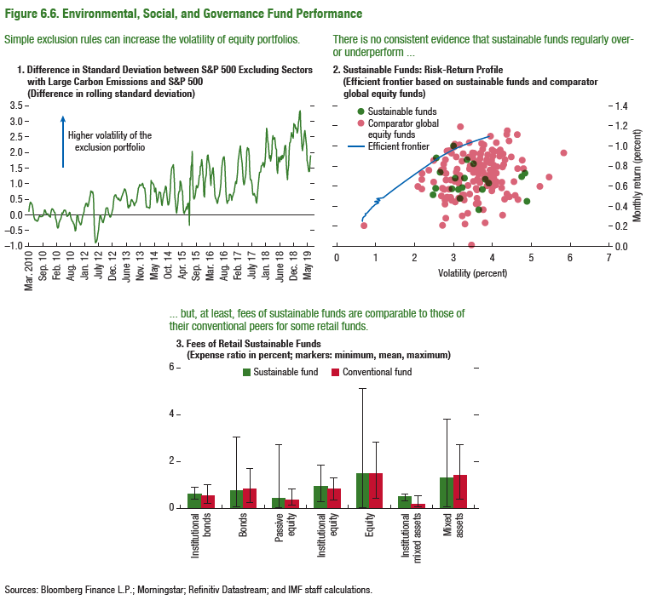
Figure 6.6. Environmental, Social, and Governance Fund Performance

1. Difference in Standard Deviation between S&P 500 Excluding Sectors with Large Carbon Emissions and S&P 500 |  | 2. Sustainable Funds: Risk-Return Profile |  |  |  |  |  | 3. Fees of Retail Sustainable Funds
(Difference in rolling standard deviation) |  | (Efficient frontier based on sustainable funds and comparatorglobal equity funds) |  |  |  |  |  | (Expense ratio in percent; markers: minimum, mean, maximum)

 |  | Comparator global equity funds |  | Sustainable funds |  | Efficient frontier
 | Difference between S&P 500 and S&P 500 (Excluding Energy, Materials, Utilities) | Monthly return (%) | Volatilty (%) | Monthly return (%) | Volatilty (%) | Monthly return (%) | Volatilty (%) | LIPPER ASSET TYPE | Sustainable fund | Conventional fund
2010-03-19 | 0.09 | 1.02 | 3.03 | 0.76 | 3.57 | 0.66 | 0.25 | Institutional bonds | 0.6000 | 0.5246
2010-03-26 | 0.26 | 0.63 | 4.23 | 0.73 | 4.84 | 0.66 | 0.26 | Bonds | 0.7359 | 0.8335
2010-04-02 | 0.36 | 0.64 | 4.12 | 0.72 | 3.81 | 0.66 | 0.27 | Passive equity | 0.4279 | 0.3392
2010-04-09 | 0.39 | 0.92 | 4.28 | 0.81 | 3.60 | 0.67 | 0.28 | Institutional equity | 0.9341 | 0.8071
2010-04-16 | 0.36 | 0.77 | 4.80 | 0.69 | 4.75 | 0.68 | 0.29 | Equity | 1.4829 | 1.4706
2010-04-23 | 0.34 | 0.96 | 3.75 | 0.87 | 3.35 | 0.70 | 0.30 | Institutional mixed assets | 0.4882 | 0.1586
2010-04-30 | 0.30 | 0.70 | 3.98 | 0.57 | 3.75 | 0.73 | 0.31 | Mixed assets | 1.2934 | 1.3885
2010-05-07 | 0.17 |  |  | 0.64 | 3.91 | 0.75 | 0.31
2010-05-14 | 0.04 | 0.68 | 3.18 | 0.66 | 3.83 | 0.73 | 0.32
2010-05-21 | -0.10 | 0.92 | 3.25 | 0.59 | 3.23 | 0.78 | 0.33
2010-05-28 | -0.16 | 0.88 | 3.69 | 0.68 | 3.28 | 0.80 | 0.34
2010-06-04 | -0.19 | 0.77 | 3.09 | 0.92 | 3.49 | 0.82 | 0.35
2010-06-11 | -0.18 | 0.91 | 4.04 | 0.70 | 3.18 | 0.84 | 0.36
2010-06-18 | -0.20 | 0.51 | 4.59 | 0.48 | 3.17 | 0.87 | 0.37
2010-06-25 | -0.23 | 0.84 | 3.90 | 0.88 | 2.56 | 0.89 | 0.38
2010-07-02 | -0.21 | 0.77 | 3.61 | 0.36 | 3.66 | 0.90 | 0.39
2010-07-09 | -0.19 | 0.82 | 4.29 | 0.82 | 3.53 | 0.94 | 0.40
2010-07-16 | -0.11 | 0.79 | 4.12 | 0.57 | 2.96 | 0.97 | 0.41
2010-07-23 | -0.06 | 0.74 | 3.76 | 0.67 | 3.05 | 0.99 | 0.42
2010-07-30 | -0.05 | 0.86 | 3.92 |  |  | 1.05 | 0.43
2010-08-06 | -0.08 | 0.93 | 3.98 | 0.74 | 2.66 | 1.08 | 0.44
2010-08-13 | -0.07 | 1.05 | 4.43 | 1.00 | 3.01 | 0.97 | 0.45
2010-08-20 | -0.08 | 0.96 | 3.99 | 0.58 | 2.55 | 1.10 | 0.46
2010-08-27 | -0.06 | 0.94 | 4.05 | 0.57 | 3.14 | 1.09 | 0.47
2010-09-03 | -0.05 | 1.11 | 4.64 | 0.51 | 2.47 | 1.03 | 0.48
2010-09-10 | -0.04 |  |  | 0.45 | 4.89 | 1.19 | 0.48
2010-09-17 | 0.04 | 0.77 | 4.64 |  |  | 1.22 | 0.49
2010-09-24 | 0.14 | 0.86 | 3.99 | 0.97 | 2.60 | 1.25 | 0.50
2010-10-01 | 0.13 | 0.56 | 3.99 |  |  | 1.28 | 0.51
2010-10-08 | 0.08 | 0.76 | 3.94 |  |  | 1.31 | 0.52
2010-10-15 | 0.02 | 0.86 | 4.33 |  |  | 1.35 | 0.53
2010-10-22 | 0.00 | 0.81 | 3.77 |  |  | 1.38 | 0.54
2010-10-29 | 0.02 | 0.73 | 3.63 |  |  | 1.41 | 0.55
2010-11-05 | 0.02 | 0.72 | 3.88 |  |  | 1.44 | 0.56
2010-11-12 | -0.04 | 0.86 | 4.77 |  |  | 1.47 | 0.57
2010-11-19 | -0.06 | 0.89 | 3.39 |  |  | 1.51 | 0.58
2010-11-26 | -0.06 | 1.12 | 4.37 |  |  | 1.54 | 0.59
2010-12-03 | -0.09 | 0.93 | 3.55 |  |  | 1.57 | 0.60
2010-12-10 | 0.04 | 0.89 | 4.49 |  |  | 1.61 | 0.61
2010-12-17 | 0.14 | 1.16 | 4.38 |  |  | 1.64 | 0.62
2010-12-24 | 0.18 | 0.96 | 4.20 |  |  | 1.67 | 0.63
2010-12-31 | 0.17 | 0.93 | 3.70 |  |  | 1.71 | 0.64
2011-01-07 | 0.15 | 0.57 | 2.19 |  |  | 1.74 | 0.65
2011-01-14 | 0.09 | 0.71 | 3.79 |  |  | 1.77 | 0.65
2011-01-21 | 0.07 | 0.48 | 2.93 |  |  | 1.81 | 0.66
2011-01-28 | 0.05 | 0.84 | 3.56 |  |  | 1.84 | 0.67
2011-02-04 | -0.14 | 0.60 | 2.08 |  |  | 1.88 | 0.68
2011-02-11 | -0.17 | 0.89 | 3.08 |  |  | 1.91 | 0.69
2011-02-18 | -0.27 | 0.47 | 4.32 |  |  | 1.94 | 0.70
2011-02-25 | -0.40 | 0.85 | 3.22 |  |  | 1.98 | 0.71
2011-03-04 | -0.45 | 0.57 | 3.60 |  |  | 2.01 | 0.72
2011-03-11 | -0.41 |  |  |  |  | 2.05 | 0.73
2011-03-18 | -0.28 | 0.97 | 3.77 |  |  | 2.08 | 0.74
2011-03-25 | -0.22 |  |  |  |  | 2.12 | 0.75
2011-04-01 | -0.16 | 0.66 | 3.61 |  |  | 2.15 | 0.76
2011-04-08 | -0.16 | 0.73 | 4.11 |  |  | 2.19 | 0.77
2011-04-15 | -0.08 | 0.80 | 4.26 |  |  | 2.22 | 0.78
2011-04-22 | 0.05 | 0.71 | 3.79 |  |  | 2.25 | 0.79
2011-04-29 | 0.02 | 0.75 | 3.97 |  |  | 2.29 | 0.80
2011-05-06 | 0.05 | 0.74 | 3.07 |  |  | 2.32 | 0.81
2011-05-13 | 0.10 |  |  |  |  | 2.36 | 0.81
2011-05-20 | 0.14 | 0.52 | 4.37 |  |  | 2.39 | 0.82
2011-05-27 | 0.13 | 0.65 | 3.90 |  |  | 2.43 | 0.83
2011-06-03 | 0.13 | 0.72 | 3.64 |  |  | 2.46 | 0.84
2011-06-10 | 0.07 | 0.70 | 3.84 |  |  | 2.50 | 0.85
2011-06-17 | -0.02 |  |  |  |  | 2.54 | 0.86
2011-06-24 | -0.07 | 0.88 | 3.50 |  |  | 2.57 | 0.87
2011-07-01 | -0.04 |  |  |  |  | 2.61 | 0.88
2011-07-08 | -0.03 | 0.73 | 3.62 |  |  | 2.65 | 0.89
2011-07-15 | 0.00 | 0.78 | 3.74 |  |  | 2.69 | 0.90
2011-07-22 | 0.06 | 0.76 | 4.09 |  |  | 2.73 | 0.91
2011-07-29 | 0.06 | 0.57 | 4.00 |  |  | 2.78 | 0.92
2011-08-05 | -0.07 | 0.61 | 3.38 |  |  | 2.82 | 0.93
2011-08-12 | -0.15 | 0.50 | 4.45 |  |  | 2.86 | 0.94
2011-08-19 | -0.18 | 0.64 | 4.56 |  |  | 2.91 | 0.95
2011-08-26 | -0.23 | 0.81 | 4.04 |  |  | 2.95 | 0.96
2011-09-02 | -0.25 | 0.68 | 3.94 |  |  | 3.00 | 0.97
2011-09-09 | -0.30 | 0.95 | 4.18 |  |  | 3.05 | 0.98
2011-09-16 | -0.32 | 0.60 | 3.86 |  |  | 3.10 | 0.98
2011-09-23 | -0.44 | 0.87 | 3.86 |  |  | 3.16 | 0.99
2011-09-30 | -0.54 | 0.68 | 4.01 |  |  | 3.22 | 1.00
2011-10-07 | -0.51 |  |  |  |  | 3.28 | 1.01
2011-10-14 | -0.29 | 0.61 | 4.09 |  |  | 3.34 | 1.02
2011-10-21 | -0.02 | 0.58 | 4.01 |  |  | 3.41 | 1.03
2011-10-28 | -0.03 | 0.58 | 4.24 |  |  | 3.48 | 1.04
2011-11-04 | -0.07 | 0.86 | 3.87 |  |  | 3.55 | 1.05
2011-11-11 | -0.22 |  |  |  |  | 3.62 | 1.06
2011-11-18 | -0.25 | 0.90 | 4.18 |  |  | 3.69 | 1.07
2011-11-25 | -0.28 | 0.43 | 3.64 |  |  | 3.77 | 1.08
2011-12-02 | -0.34 | 0.93 | 2.95 |  |  | 3.84 | 1.09
2011-12-09 | -0.33 |  |  |  |  | 3.92 | 1.10
2011-12-16 | -0.25 | 0.68 | 4.05
2011-12-23 | -0.12 | 0.48 | 3.60
2011-12-30 | -0.06
2012-01-06 | -0.01 | 0.52 | 3.42 |  |  | 3.03 | 1.02
2012-01-13 | 0.08 | 0.92 | 3.48
2012-01-20 | 0.21 | 0.65 | 3.51
2012-01-27 | 0.25 | 0.60 | 5.22
2012-02-03 | 0.34 | 0.73 | 2.81
2012-02-10 | 0.35
2012-02-17 | 0.35 |  |  | 0.00 | 0.00
2012-02-24 | 0.26 | 0.91 | 3.87
2012-03-02 | 0.25 | 0.84 | 3.23
2012-03-09 | 0.33
2012-03-16 | 0.42 | 0.37 | 3.77
...

Figure 6.7.
Sources: Baker, Bloom, and Davis 2016; www.PolicyUncertainty.com.
Note: The global index is calculated as the GDP-weighted average of monthly index values for sample of 18 advanced, emerging market, and middle-income economies. Each monthly national index value is proportional to the share of own-country newspaper articles that discussed economic policy uncertainty in that month.
Figure 1.7. Global Economic Policy Uncertainty Index, 2007–16
Uncertainty about future economic policies has reached a decade high.
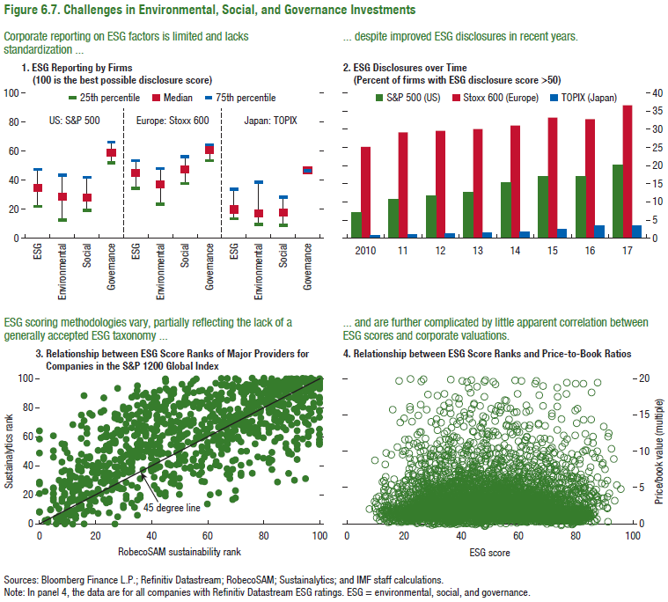
Figure 6.7. Challenges in Environmental, Social, and Governance Investments

1. ESG Reporting by Firms
(100 is the best possible disclosure score)

 | ESG | Environmental | Social | Governance
25th percentile | 22 | 12 | 19 | 52
Median | 35 | 29 | 28 | 59
75th percentile | 47 | 43 | 42 | 66

