Figure 5.1.
Figure 5.1. Trends in US Dollar Activities of Non-US Banks
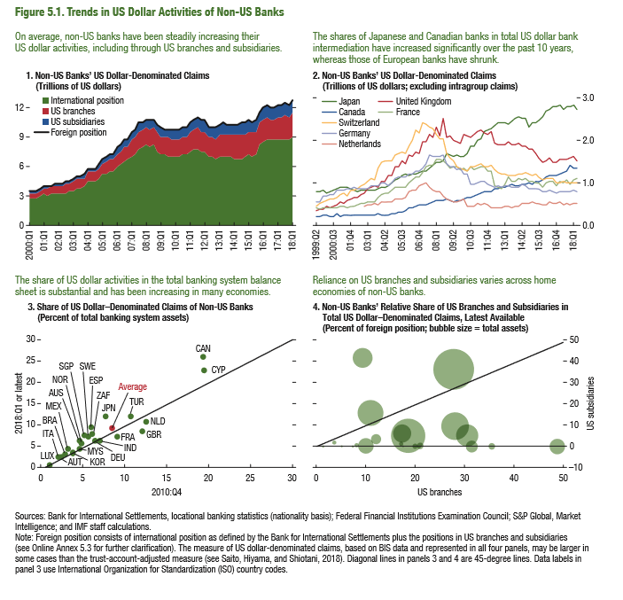

1.Non-US Banks’ US Dollar-Denominated Claims |  |  |  |  | 2. Non-US Banks' US Dollar-Denominated Claims |  |  |  |  |  |  |  | 3. Share of US Dollar–Denominated Claims of Non-US Banks |  |  | 4. Non-US Banks' Relative Share of US Branches and Subsidiaries in Total US Dollar–Denominated Claims, Latest Available
(Trillions of US dollars) |  |  |  |  | (Trillions of US dollars; excluding intragroup claims) |  |  |  |  |  |  |  | (In percent of total banking system assets) |  |  | (Percent of foreign position; bubble size = total assets)

 | Foreign position | International position | US branches | US subsidiaries |  | Japan | United Kingdom | Canada | France | Switzerland | Germany | Netherlands |  | 2010:Q4 | Latest | Share of branches | Share of subsidiaries | Total assets
2000-01-01 | 3.34 | 2.55 | 0.64 | 0.16 | 1999-04-01 | 0.78 | 0.34 | 0.19 | 0.39 | 0.45 | 0.53 |  | LUX | 1.00 | 0.57 | 31.45 | 0.00 | 79974.12
2000-04-01 | 3.33 | 2.53 | 0.64 | 0.16 | 1999-07-01 | 0.78 | 0.35 | 0.20 | 0.38 | 0.52 | 0.54 |  | ZAF | 6.10 | 7.90 | 7.40 | 0.00 | 2500.81
2000-07-01 | 3.45 | 2.56 | 0.66 | 0.25 | 1999-10-01 | 0.81 | 0.36 | 0.22 | 0.40 | 0.53 | 0.67 |  | FRA | 9.11 | 7.44 | 8.06 | 0.48 | 11187.99
2000-10-01 | 3.68 | 2.76 | 0.69 | 0.25 | 2000-01-01 | 0.76 | 0.42 | 0.22 | 0.40 | 0.59 | 0.69 |  | SWE | 5.63 | 7.42 | 27.79 | 36.25 | 895833.38
2001-01-01 | 3.94 | 2.99 | 0.72 | 0.25 | 2000-04-01 | 0.80 | 0.40 | 0.20 | 0.39 | 0.62 | 0.70 |  | IND | 7.03 | 6.44 | 17.33 | 5.96 | 202260.59
2001-04-01 | 3.88 | 2.94 | 0.69 | 0.25 | 2000-07-01 | 0.80 | 0.44 | 0.20 | 0.39 | 0.59 | 0.73 |  | NLD | 12.55 | 10.86 | 9.99 | 0.19 | 129746.37
2001-07-01 | 3.96 | 3.04 | 0.70 | 0.24 | 2000-10-01 | 0.85 | 0.47 | 0.25 | 0.40 | 0.63 | 0.80 |  | GBR | 12.09 | 8.53 | 30.44 | 5.10 | 298413.19
2001-10-01 | 4.14 | 3.10 | 0.77 | 0.28 | 2001-01-01 | 0.88 | 0.55 | 0.21 | 0.43 | 0.71 | 0.83 |  | CAN | 19.28 | 26.25 | 9.25 | 41.56 | 197056.00
2002-01-01 | 4.17 | 3.12 | 0.78 | 0.28 | 2001-04-01 | 0.87 | 0.52 | 0.22 | 0.42 | 0.74 | 0.81 |  | ESP | 6.00 | 9.68 | 27.98 | 9.60 | 429631.88
2002-04-01 | 4.20 | 3.11 | 0.81 | 0.30 | 2001-07-01 | 0.88 | 0.57 | 0.21 | 0.40 | 0.68 | 0.85 |  | MYS | 4.57 | 4.51 | 11.01 | 15.63 | 365069.44
2002-07-01 | 4.30 | 3.19 | 0.81 | 0.31 | 2001-10-01 | 0.86 | 0.62 | 0.23 | 0.44 | 0.80 | 0.86 |  | NOR | 4.86 | 5.76 | 10.84 | 0.00 | 3892.24
2002-10-01 | 4.45 | 3.33 | 0.82 | 0.31 | 2002-01-01 | 0.80 | 0.65 | 0.22 | 0.44 | 0.83 | 0.89 |  | KOR | 3.78 | 3.70 | 20.94 | 0.42 | 36201.70
2003-01-01 | 4.59 | 3.43 | 0.85 | 0.32 | 2002-04-01 | 0.78 | 0.65 | 0.22 | 0.47 | 0.87 | 0.86 |  | DEU | 6.41 | 6.57 | 17.11 | 0.00 | 27551.96
2003-04-01 | 4.80 | 3.60 | 0.87 | 0.34 | 2002-07-01 | 0.80 | 0.71 | 0.22 | 0.51 | 0.93 | 0.85 |  | ITA | 2.10 | 2.77 | 18.55 | 4.51 | 678666.63
2003-07-01 | 4.81 | 3.63 | 0.85 | 0.34 | 2002-10-01 | 0.82 | 0.74 | 0.22 | 0.51 | 0.96 | 0.84 | 0.44 | AUT | 2.37 | 2.63 | 3.56 | 1.93 | 9778.79
2003-10-01 | 5.01 | 3.85 | 0.83 | 0.34 | 2003-01-01 | 0.83 | 0.85 | 0.23 | 0.55 | 1.01 | 0.84 | 0.47 | AUS | 4.56 | 6.47 | 5.07 | 0.00 | 1756.70
2004-01-01 | 5.57 | 4.31 | 0.92 | 0.36 | 2003-04-01 | 0.83 | 0.87 | 0.24 | 0.55 | 1.10 | 0.93 | 0.48 | MEX | 3.20 | 4.65 | 12.03 | 3.65 | 58286.91
2004-04-01 | 5.59 | 4.30 | 0.92 | 0.37 | 2003-07-01 | 0.83 | 0.91 | 0.23 | 0.55 | 1.05 | 0.94 | 0.49 | TUR | 10.66 | 12.07 | 35.47 | 0.00 | 22039.53
2004-07-01 | 5.68 | 4.32 | 0.94 | 0.43 | 2003-10-01 | 0.84 | 0.89 | 0.25 | 0.63 | 1.34 | 0.93 | 0.48 | JPN | 7.73 | 12.20 | 19.94 | 0.00 | 20913.95
2004-10-01 | 5.96 | 4.55 | 0.96 | 0.46 | 2004-01-01 | 0.88 | 1.03 | 0.24 | 0.73 | 1.47 | 1.01 | 0.53 | BRA | 2.86 | 3.10 | 48.81 | 0.00 | 106403.96
2005-01-01 | 6.65 | 5.13 | 1.03 | 0.50 | 2004-04-01 | 0.89 | 1.01 | 0.24 | 0.73 | 1.50 | 0.97 | 0.54 | CHE | 39.56 | 31.09 | 1.30 | 0.00 | 1741.70
2005-04-01 | 6.82 | 5.21 | 1.08 | 0.54 | 2004-07-01 | 0.93 | 1.15 | 0.23 | 0.73 | 1.51 | 0.93 | 0.54 | CYP | 19.49 | 23.02
2005-07-01 | 7.04 | 5.33 | 1.16 | 0.55 | 2004-10-01 | 0.97 | 1.17 | 0.26 | 0.80 | 1.52 | 0.99 | 0.54 | SGP | 5.13 | 7.54
2005-10-01 | 7.10 | 5.37 | 1.16 | 0.57 | 2005-01-01 | 1.07 | 1.36 | 0.27 | 0.89 | 1.66 | 1.09 | 0.60 | Average | 8.53 | 9.18
2006-01-01 | 7.71 | 5.87 | 1.25 | 0.60 | 2005-04-01 | 1.10 | 1.38 | 0.31 | 0.88 | 1.69 | 1.14 | 0.62
2006-04-01 | 8.03 | 6.07 | 1.30 | 0.68 | 2005-07-01 | 1.15 | 1.50 | 0.31 | 0.89 | 1.72 | 1.12 | 0.62
2006-07-01 | 8.48 | 6.38 | 1.39 | 0.71 | 2005-10-01 | 1.20 | 1.44 | 0.33 | 0.89 | 1.68 | 1.11 | 0.64
2006-10-01 | 8.66 | 6.46 | 1.47 | 0.73 | 2006-01-01 | 1.15 | 1.64 | 0.40 | 0.99 | 1.85 | 1.20 | 0.78
2007-01-01 | 9.21 | 6.90 | 1.59 | 0.72 | 2006-04-01 | 1.18 | 1.60 | 0.42 | 1.06 | 1.98 | 1.20 | 0.80
2007-04-01 | 9.55 | 7.18 | 1.64 | 0.73 | 2006-07-01 | 1.20 | 1.71 | 0.45 | 1.12 | 2.22 | 1.27 | 0.83
2007-07-01 | 10.21 | 7.63 | 1.73 | 0.86 | 2006-10-01 | 1.25 | 1.68 | 0.47 | 1.14 | 2.17 | 1.28 | 0.90
2007-10-01 | 10.30 | 7.75 | 1.80 | 0.76 | 2007-01-01 | 1.25 | 1.94 | 0.47 | 1.23 | 2.40 | 1.34 | 0.95
2008-01-01 | 10.59 | 7.96 | 1.86 | 0.78 | 2007-04-01 | 1.28 | 1.95 | 0.48 | 1.37 | 2.37 | 1.42 | 0.97
2008-04-01 | 10.43 | 7.75 | 1.83 | 0.86 | 2007-07-01 | 1.34 | 2.14 | 0.52 | 1.39 | 2.30 | 1.64 | 0.89
2008-07-01 | 10.66 | 7.97 | 1.78 | 0.94 | 2007-10-01 | 1.41 | 2.06 | 0.55 | 1.41 | 2.25 | 1.60 | 0.83
2008-10-01 | 10.17 | 7.43 | 1.80 | 0.98 | 2008-01-01 | 1.48 | 2.29 | 0.59 | 1.54 | 2.13 | 1.62 | 0.80
2009-01-01 | 9.83 | 7.13 | 1.77 | 0.97 | 2008-04-01 | 1.46 | 2.09 | 0.57 | 1.53 | 2.02 | 1.62 | 0.77
2009-04-01 | 9.67 | 7.01 | 1.75 | 0.92 | 2008-07-01 | 1.50 | 2.52 | 0.57 | 1.51 | 2.01 | 1.65 | 0.68
2009-07-01 | 9.64 | 6.93 | 1.77 | 0.95 | 2008-10-01 | 1.68 | 2.04 | 0.61 | 1.44 | 1.66 | 1.44 | 0.60
2009-10-01 | 9.57 | 6.88 | 1.74 | 0.96 | 2009-01-01 | 1.63 | 2.09 | 0.57 | 1.32 | 1.57 | 1.35 | 0.57
2010-01-01 | 9.63 | 6.92 | 1.75 | 0.98 | 2009-04-01 | 1.62 | 2.00 | 0.55 | 1.37 | 1.50 | 1.35 | 0.55
2010-04-01 | 9.56 | 6.91 | 1.68 | 0.98 | 2009-07-01 | 1.64 | 1.96 | 0.57 | 1.35 | 1.37 | 1.32 | 0.53
2010-07-01 | 9.88 | 7.12 | 1.77 | 1.00 | 2009-10-01 | 1.62 | 1.94 | 0.58 | 1.31 | 1.34 | 1.33 | 0.56
2010-10-01 | 9.83 | 7.11 | 1.75 | 0.99 | 2010-01-01 | 1.62 | 2.11 | 0.59 | 1.32 | 1.30 | 1.20 | 0.60
2011-01-01 | 10.40 | 7.42 | 1.97 | 1.03 | 2010-04-01 | 1.69 | 2.08 | 0.63 | 1.28 | 1.26 | 1.20 | 0.43
2011-04-01 | 10.50 | 7.51 | 1.98 | 1.03 | 2010-07-01 | 1.84 | 2.06 | 0.64 | 1.36 | 1.36 | 0.95 | 0.44
2011-07-01 | 10.82 | 7.68 | 2.05 | 1.10 | 2010-10-01 | 1.87 | 2.12 | 0.68 | 1.29 | 1.37 | 0.94 | 0.45
2011-10-01 | 10.44 | 7.41 | 1.97 | 1.09 | 2011-01-01 | 1.99 | 2.20 | 0.73 | 1.33 | 1.41 | 0.98 | 0.49
2012-01-01 | 10.45 | 7.45 | 1.98 | 1.09 | 2011-04-01 | 2.01 | 2.22 | 0.74 | 1.37 | 1.43 | 1.01 | 0.49
2012-04-01 | 9.75 | 6.79 | 1.95 | 1.09 | 2011-07-01 | 2.18 | 2.15 | 0.77 | 1.38 | 1.37 | 1.01 | 0.51
2012-07-01 | 9.88 | 6.79 | 2.02 | 1.11 | 2011-10-01 | 2.23 | 2.13 | 0.78 | 1.27 | 1.38 | 0.96 | 0.46
2012-10-01 | 9.75 | 6.69 | 1.98 | 1.13 | 2012-01-01 | 2.25 | 2.21 | 0.79 | 1.25 | 1.39 | 0.92 | 0.39
2013-01-01 | 10.05 | 6.91 | 2.06 | 1.13 | 2012-04-01 | 2.33 | 1.91 | 0.83 | 0.91 | 1.29 | 0.90 | 0.40
2013-04-01 | 10.21 | 6.90 | 2.24 | 1.12 | 2012-07-01 | 2.39 | 1.90 | 0.83 | 0.87 | 1.24 | 0.91 | 0.40
2013-07-01 | 10.14 | 6.81 | 2.27 | 1.12 | 2012-10-01 | 2.41 | 1.89 | 0.90 | 0.85 | 1.20 | 0.90 | 0.39
2013-10-01 | 10.04 | 6.74 | 2.25 | 1.12 | 2013-01-01 | 2.40 | 1.87 | 0.90 | 0.95 | 1.20 | 0.90 | 0.45
2014-01-01 | 10.07 | 6.60 | 2.41 | 1.15 | 2013-04-01 | 2.37 | 1.97 | 0.91 | 1.12 | 1.16 | 0.92 | 0.43
2014-04-01 | 10.06 | 6.55 | 2.47 | 1.16 | 2013-07-01 | 2.42 | 1.90 | 0.94 | 1.02 | 1.16 | 0.89 | 0.41
2014-07-01 | 10.19 | 6.66 | 2.49 | 1.16 | 2013-10-01 | 2.49 | 1.87 | 0.91 | 1.02 | 1.18 | 0.88 | 0.43
2014-10-01 | 10.29 | 6.83 | 2.35 | 1.21 | 2014-01-01 | 2.52 | 1.91 | 0.92 | 1.08 | 1.18 | 0.90 | 0.45
2015-01-01 | 10.55 | 7.11 | 2.32 | 1.24 | 2014-04-01 | 2.51 | 1.86 | 0.95 | 1.07 | 1.20 | 0.94 | 0.49
2015-04-01 | 10.42 | 6.93 | 2.36 | 1.23 | 2014-07-01 | 2.50 | 1.87 | 0.96 | 1.08 | 1.23 | 0.91 | 0.51
2015-07-01 | 10.52 | 7.02 | 2.32 | 1.29 | 2014-10-01 | 2.29 | 1.77 | 0.99 | 1.02 | 1.18 | 0.86 | 0.50
2015-10-01 | 11.40 | 8.11 | 2.14 | 1.15 | 2015-01-01 | 2.41 | 1.78 | 0.96 | 1.02 | 1.17 | 0.87 | 0.53
2016-01-01 | 11.85 | 8.39 | 2.26 | 1.19 | 2015-04-01 | 2.39 | 1.69 | 1.01 | 0.98 | 1.19 | 0.87 | 0.50
2016-04-01 | 12.07 | 8.57 | 2.30 | 1.20 | 2015-07-01 | 2.46 | 1.57 | 1.04 | 0.98 | 1.13 | 0.85 | 0.49
2016-07-01 | 11.89 | 8.57 | 2.11 | 1.22 | 2015-10-01 | 2.53 | 1.47 | 1.06 | 0.90 | 1.06 | 0.79 | 0.47
2016-10-01 | 11.73 | 8.44 | 2.07 | 1.22 | 2016-01-01 | 2.66 | 1.49 | 1.12 | 0.98 | 1.11 | 0.80 | 0.48
2017-01-01 | 12.07 | 8.63 | 2.21 | 1.23 | 2016-04-01 | 2.70 | 1.59 | 1.16 | 1.01 | 1.11 | 0.80 | 0.53
2017-04-01 | 11.97 | 8.52 | 2.24 | 1.22 | 2016-07-01 | 2.77 | 1.48 | 1.16 | 1.03 | 1.08 | 0.78 | 0.51
2017-07-01 | 12.17 | 8.61 | 2.31 | 1.24 | 2016-10-01 | 2.78 | 1.47 | 1.16 | 0.92 | 0.98 | 0.76 | 0.51
2017-10-01 | 12.11 | 8.54 | 2.33 | 1.24 | 2017-01-01 | 2.80 | 1.54 | 1.19 | 1.01 | 1.00 | 0.79 | 0.52
2018-01-01 | 12.43 | 8.85 | 2.34 | 1.24 | 2017-04-01 | 2.72 | 1.53 | 1.23 | 1.00 | 1.03 | 0.78 | 0.49
 |  |  |  |  | 2017-07-01 | 2.77 | 1.54 | 1.28 | 1.05 | 1.00 | 0.79 | 0.50
 |  |  |  |  | 2017-10-01 | 2.78 | 1.56 | 1.39 | 0.95 | 1.00 | 0.77 | 0.48
 |  |  |  |  | 2018-01-01 | 2.81 | 1.61 | 1.34 | 1.06 | 1.00 | 0.80 | 0.49
 |  |  |  |  | 2018-04-01 | 2.72 | 1.49 | 1.35 | 1.10 | 0.99 | 0.78 | 0.51

Figure 5.2.
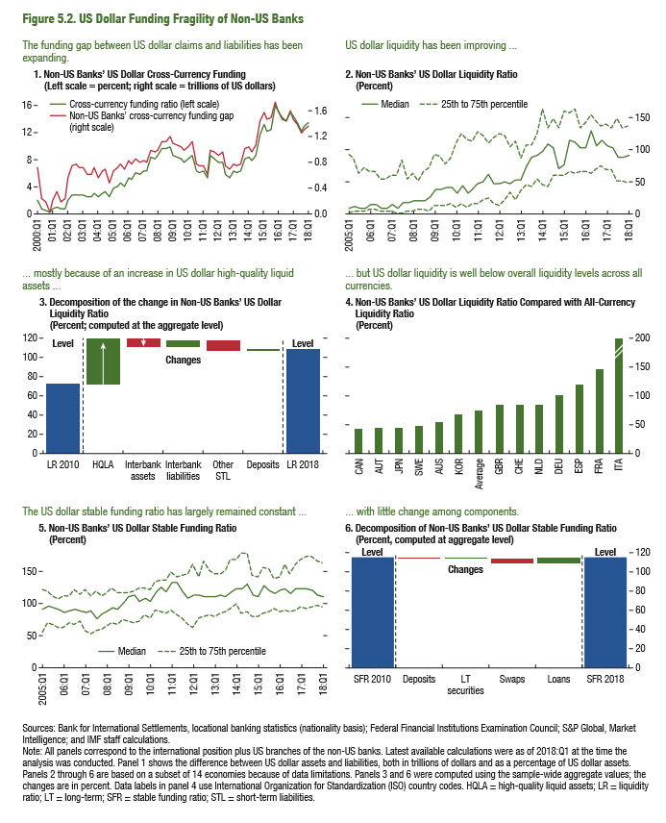
Figure 5.2. US Dollar Funding Fragility of Non-US Banks

1. Non-US Banks’ US Dollar Cross-Currency Funding |  |  | 2. Non-US Banks’ US Dollar Liquidity Ratio |  |  |  | 3. Decomposition of Non-US Banks’ US Dollar Liquidity Ratio |  | 4. Non-US Banks’ Liquidity Ratios: US Dollar Compared with All Currencies |  | 5. Non-US Banks’ Stable Funding Ratio |  |  |  | 6. Decomposition of Non-US Banks’ US Dollar Stable Funding Ratio
(Left scale = percent; right scale = trillions of US dollars) |  |  | (Percent) |  |  |  | (Percent; computed at the aggregate level) |  | (Percent) |  | (Percent; computed at aggregate level) |  |  |  | (Percent, latest available)

 | Non-US Banks' cross-currency funding gap (right scale) | Cross-currency funding ratio (left scale) |  | 25th percentile | Median | 75th percentile | LR 2018 | 108.37 |  | Ratios |  | 25th percentile | Median | 75th percentile | SFR 2010 | 114.9
2000-01-01 | 217006.25 | 6.84 | 2005-01-01 | 2.50 | 11.26 | 94.85 | Deposits | -1.66 | CAN | 43.5 | 2005-01-01 | 56.1 | 91.5 | 122.7 | Deposits | -2.3
2000-04-01 | 69294.00 | 2.19 | 2005-04-01 | 5.32 | 12.36 | 86.53 | Other STL STL | 11.80 | AUT | 44.5 | 2005-04-01 | 70.0 | 95.3 | 118.3 | LT securities | 0.4
2000-07-01 | 52782.25 | 1.64 | 2005-07-01 | 5.85 | 9.71 | 63.37 | Interbank liabilities liabilities | -8.06 | JPN | 45.2 | 2005-07-01 | 67.9 | 92.1 | 112.9 | Swaps | -5.2
2000-10-01 | 10506.25 | 0.31 | 2005-10-01 | 6.38 | 10.83 | 71.90 | Interbank assets assets | 8.92 | SWE | 50.2 | 2005-10-01 | 61.4 | 91.0 | 107.2 | Loans | 7.1
2001-01-01 | 73629.50 | 1.99 | 2006-01-01 | 7.98 | 16.22 | 66.75 | HQLA | -47.33 | AUS | 55.9 | 2006-01-01 | 62.3 | 86.0 | 112.2 | SFR 2018 | 114.9
2001-04-01 | 116033.50 | 3.20 | 2006-04-01 | 7.90 | 15.72 | 67.04 | LR 2010 | 72.04 | KOR | 68.6 | 2006-04-01 | 69.9 | 88.1 | 111.1
2001-07-01 | 64680.50 | 1.74 | 2006-07-01 | 5.35 | 10.13 | 54.72 |  |  | Average | 74.4 | 2006-07-01 | 68.5 | 91.2 | 121.2
2001-10-01 | 87689.00 | 2.27 | 2006-10-01 | 4.30 | 10.35 | 55.70 |  |  | GBR | 83.6 | 2006-10-01 | 71.9 | 87.5 | 113.5
2002-01-01 | 209298.00 | 5.38 | 2007-01-01 | 4.14 | 16.20 | 59.88 |  |  | CHE | 83.6 | 2007-01-01 | 58.0 | 85.7 | 120.6
2002-04-01 | 278427.00 | 7.13 | 2007-04-01 | 3.02 | 9.99 | 60.80 |  |  | NLD | 85.1 | 2007-04-01 | 53.5 | 88.4 | 112.0
2002-07-01 | 297717.75 | 7.45 | 2007-07-01 | 2.62 | 18.92 | 84.23 |  |  | DEU | 101.9 | 2007-07-01 | 58.2 | 76.8 | 120.0
2002-10-01 | 285719.50 | 6.90 | 2007-10-01 | 4.19 | 19.95 | 55.06 |  |  | ESP | 121.1 | 2007-10-01 | 59.5 | 84.1 | 111.3
2003-01-01 | 294143.75 | 6.89 | 2008-01-01 | 5.09 | 20.45 | 65.63 |  |  | FRA | 145.5 | 2008-01-01 | 64.2 | 88.7 | 116.1
2003-04-01 | 255679.50 | 5.73 | 2008-04-01 | 7.26 | 21.84 | 53.19 |  |  | ITA | 753.8 | 2008-04-01 | 70.5 | 92.1 | 122.8
2003-07-01 | 259732.00 | 5.81 | 2008-07-01 | 8.77 | 21.68 | 68.37 |  |  |  |  | 2008-07-01 | 67.4 | 91.5 | 116.7
2003-10-01 | 321753.50 | 6.88 | 2008-10-01 | 6.71 | 27.38 | 74.24 |  |  |  |  | 2008-10-01 | 73.7 | 101.5 | 115.6
2004-01-01 | 275778.00 | 5.29 | 2009-01-01 | 14.25 | 38.27 | 93.48 |  |  |  |  | 2009-01-01 | 71.4 | 109.9 | 117.5
2004-04-01 | 327196.00 | 6.27 | 2009-04-01 | 14.72 | 40.52 | 90.85 |  |  |  |  | 2009-04-01 | 70.7 | 111.8 | 118.4
2004-07-01 | 342786.00 | 6.52 | 2009-07-01 | 14.25 | 41.33 | 79.53 |  |  |  |  | 2009-07-01 | 72.9 | 103.4 | 123.5
2004-10-01 | 254884.00 | 4.63 | 2009-10-01 | 16.02 | 40.88 | 88.64 |  |  |  |  | 2009-10-01 | 83.0 | 108.7 | 123.3
2005-01-01 | 394715.00 | 6.41 | 2010-01-01 | 10.61 | 32.48 | 112.47 |  |  |  |  | 2010-01-01 | 76.7 | 103.6 | 121.6
2005-04-01 | 428755.00 | 6.82 | 2010-04-01 | 18.50 | 43.64 | 124.54 |  |  |  |  | 2010-04-01 | 89.1 | 118.6 | 133.4
2005-07-01 | 470356.50 | 7.25 | 2010-07-01 | 11.05 | 32.87 | 117.16 |  |  |  |  | 2010-07-01 | 88.1 | 126.3 | 136.9
2005-10-01 | 435718.50 | 6.67 | 2010-10-01 | 16.59 | 39.02 | 113.02 |  |  |  |  | 2010-10-01 | 85.6 | 117.7 | 136.4
2006-01-01 | 554996.50 | 7.80 | 2011-01-01 | 16.17 | 47.45 | 129.24 |  |  |  |  | 2011-01-01 | 89.1 | 132.0 | 147.9
2006-04-01 | 546788.00 | 7.43 | 2011-04-01 | 22.14 | 51.45 | 122.70 |  |  |  |  | 2011-04-01 | 81.8 | 131.5 | 140.5
2006-07-01 | 638469.00 | 8.22 | 2011-07-01 | 25.77 | 61.47 | 112.39 |  |  |  |  | 2011-07-01 | 77.5 | 118.6 | 142.6
2006-10-01 | 608578.50 | 7.68 | 2011-10-01 | 18.26 | 46.84 | 119.08 |  |  |  |  | 2011-10-01 | 66.3 | 108.4 | 146.9
2007-01-01 | 675393.50 | 7.96 | 2012-01-01 | 15.04 | 47.25 | 125.54 |  |  |  |  | 2012-01-01 | 61.8 | 114.1 | 161.4
2007-04-01 | 668061.50 | 7.57 | 2012-04-01 | 22.01 | 51.59 | 122.70 |  |  |  |  | 2012-04-01 | 77.5 | 113.2 | 142.3
2007-07-01 | 872057.00 | 9.32 | 2012-07-01 | 33.37 | 48.31 | 104.94 |  |  |  |  | 2012-07-01 | 79.9 | 110.5 | 166.8
2007-10-01 | 866122.00 | 9.07 | 2012-10-01 | 22.40 | 53.03 | 113.36 |  |  |  |  | 2012-10-01 | 82.5 | 110.6 | 151.3
2008-01-01 | 914578.00 | 9.33 | 2013-01-01 | 37.80 | 53.78 | 86.93 |  |  |  |  | 2013-01-01 | 78.9 | 110.5 | 145.7
2008-04-01 | 1019097.00 | 10.65 | 2013-04-01 | 46.32 | 74.35 | 107.21 |  |  |  |  | 2013-04-01 | 85.6 | 113.7 | 147.2
2008-07-01 | 1032493.00 | 10.62 | 2013-07-01 | 42.75 | 87.78 | 107.31 |  |  |  |  | 2013-07-01 | 87.3 | 111.7 | 152.1
2008-10-01 | 1045582.00 | 11.38 | 2013-10-01 | 55.59 | 92.72 | 127.19 |  |  |  |  | 2013-10-01 | 92.6 | 117.6 | 167.5
2009-01-01 | 912664.50 | 10.30 | 2014-01-01 | 45.56 | 97.02 | 162.71 |  |  |  |  | 2014-01-01 | 100.3 | 124.0 | 168.6
2009-04-01 | 880019.00 | 10.06 | 2014-04-01 | 43.59 | 109.16 | 134.07 |  |  |  |  | 2014-04-01 | 84.0 | 123.3 | 178.6
2009-07-01 | 862507.00 | 9.92 | 2014-07-01 | 61.37 | 104.75 | 149.12 |  |  |  |  | 2014-07-01 | 88.0 | 130.1 | 177.8
2009-10-01 | 811540.50 | 9.43 | 2014-10-01 | 59.87 | 71.33 | 133.80 |  |  |  |  | 2014-10-01 | 80.3 | 112.5 | 144.6
2010-01-01 | 849030.00 | 9.81 | 2015-01-01 | 60.04 | 76.49 | 161.96 |  |  |  |  | 2015-01-01 | 80.8 | 111.5 | 140.5
2010-04-01 | 916906.00 | 10.68 | 2015-04-01 | 68.34 | 116.15 | 159.28 |  |  |  |  | 2015-04-01 | 83.4 | 126.7 | 155.2
2010-07-01 | 659581.00 | 7.43 | 2015-07-01 | 63.82 | 113.07 | 164.05 |  |  |  |  | 2015-07-01 | 86.9 | 119.7 | 153.3
2010-10-01 | 636412.50 | 7.20 | 2015-10-01 | 65.95 | 103.77 | 135.22 |  |  |  |  | 2015-10-01 | 92.8 | 115.8 | 139.1
2011-01-01 | 671105.00 | 7.16 | 2016-01-01 | 67.32 | 104.67 | 143.42 |  |  |  |  | 2016-01-01 | 86.8 | 119.6 | 140.7
2011-04-01 | 559067.00 | 5.90 | 2016-04-01 | 65.51 | 129.27 | 155.14 |  |  |  |  | 2016-04-01 | 88.4 | 122.7 | 160.1
2011-07-01 | 922052.00 | 9.49 | 2016-07-01 | 70.78 | 107.66 | 147.34 |  |  |  |  | 2016-07-01 | 86.1 | 114.7 | 146.9
2011-10-01 | 856259.00 | 9.16 | 2016-10-01 | 77.13 | 114.51 | 137.12 |  |  |  |  | 2016-10-01 | 88.6 | 123.3 | 161.7
2012-01-01 | 796648.00 | 8.51 | 2017-01-01 | 71.04 | 107.55 | 138.96 |  |  |  |  | 2017-01-01 | 94.9 | 122.7 | 167.6
2012-04-01 | 794461.00 | 9.17 | 2017-04-01 | 71.28 | 103.38 | 135.66 |  |  |  |  | 2017-04-01 | 92.8 | 124.0 | 173.9
2012-07-01 | 626474.50 | 7.15 | 2017-07-01 | 51.40 | 89.40 | 148.47 |  |  |  |  | 2017-07-01 | 94.6 | 119.9 | 174.1
2012-10-01 | 574377.50 | 6.66 | 2017-10-01 | 51.65 | 90.35 | 135.83 |  |  |  |  | 2017-10-01 | 97.9 | 114.1 | 165.4
2013-01-01 | 659162.00 | 7.39 | 2018-01-01 | 48.52 | 91.98 | 136.21 |  |  |  |  | 2018-01-01 | 95.0 | 110.2 | 163.7
2013-04-01 | 650965.00 | 7.16
2013-07-01 | 661185.50 | 7.33
2013-10-01 | 866536.00 | 9.72
2014-01-01 | 885799.00 | 9.92
2014-04-01 | 820312.50 | 9.21
2014-07-01 | 919675.00 | 10.18
2014-10-01 | 1235965.00 | 13.60
2015-01-01 | 1400483.00 | 15.04
2015-04-01 | 1286195.50 | 13.99
2015-07-01 | 1320697.50 | 14.31
...

Figure 5.3.
Figure 5.3. The Cross-Currency Basis

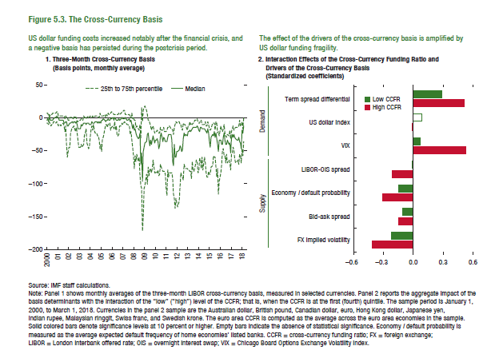
1. Three-Month Cross-Currency Basis (CCB)
(Basis points, monthly average)

 | 25th percentile | Median | 75th percentile
2000-01-01 | -8.54 | -2.73 | 7.62
2000-02-01 | -8.97 | -1.92 | 8.05
2000-03-01 | -9.37 | -4.69 | 3.09
2000-04-01 | -6.07 | 3.47 | 5.60
2000-05-01 | -10.18 | -3.32 | 1.97
2000-06-01 | -11.28 | -2.74 | 4.10
2000-07-01 | -9.85 | -3.19 | 4.71
2000-08-01 | -9.56 | -3.64 | 6.37
2000-09-01 | -5.90 | -1.95 | 7.98
2000-10-01 | -6.45 | 1.59 | 6.23
2000-11-01 | -8.33 | 0.78 | 7.00
2000-12-01 | -6.67 | 2.12 | 10.32
2001-01-01 | -7.95 | 0.39 | 8.95
2001-02-01 | -12.30 | -0.28 | 3.47
2001-03-01 | -10.24 | -3.90 | 2.77
2001-04-01 | -11.10 | -4.09 | 3.07
2001-05-01 | -11.67 | -3.48 | 3.85
2001-06-01 | -9.92 | -3.84 | 2.12
2001-07-01 | -8.98 | -3.90 | 2.23
2001-08-01 | -11.72 | -6.89 | 2.09
2001-09-01 | -20.28 | -8.29 | -2.36
2001-10-01 | -11.67 | -6.01 | 3.39
2001-11-01 | -39.93 | -6.53 | 0.72
2001-12-01 | -60.25 | -12.58 | 1.59
2002-01-01 | -50.73 | -12.37 | -3.32
2002-02-01 | -45.23 | -10.05 | -2.91
2002-03-01 | -44.26 | -6.92 | -0.01
...

Figure 5.4.
Figure 5.4. Financial Regulations and the Cross-Currency Basis
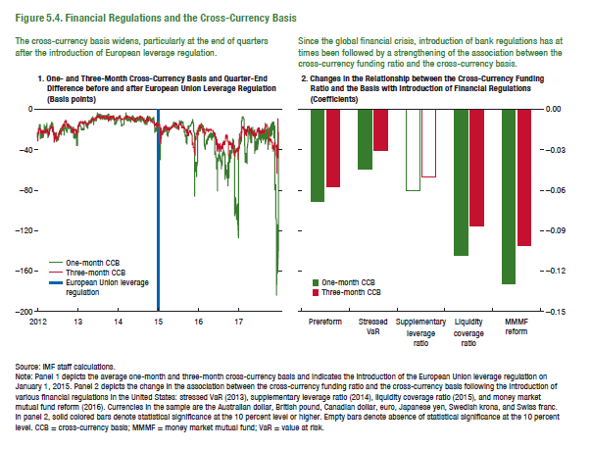

1. One- and Three-Month Cross-Currency Basis and Quarter-End Difference before and after Euro Area Leverage Regulation
(Basis points)
 | One-month CCB | Three-month CCB | EA leverage regulation
2012-01-02 | -27.46 | -31.48
2012-01-03 | -22.77 | -24.93
2012-01-04 | -24.30 | -26.49
2012-01-05 | -26.35 | -28.79
2012-01-06 | -25.05 | -26.66
2012-01-09 | -18.37 | -24.42
2012-01-10 | -20.42 | -23.17
2012-01-11 | -22.87 | -22.83
2012-01-12 | -21.25 | -21.07
2012-01-13 | -21.89 | -21.84
2012-01-16 | -15.45 | -22.04
2012-01-17 | -14.85 | -19.63
2012-01-18 | -17.16 | -19.47
2012-01-19 | -20.22 | -19.29
2012-01-20 | -20.21 | -18.83
2012-01-23 | -14.80 | -17.88
2012-01-24 | -19.15 | -18.81
2012-01-25 | -21.51 | -18.84
2012-01-26 | -21.52 | -18.62
2012-01-27 | -25.65 | -19.71
2012-01-30 | -28.51 | -21.90
2012-01-31 | -28.50 | -22.98
2012-02-01 | -25.16 | -22.22
2012-02-02 | -26.19 | -21.87
2012-02-03 | -26.56 | -21.28
2012-02-06 | -27.57 | -22.68
2012-02-07 | -22.93 | -21.91
...

Figure 5.5.
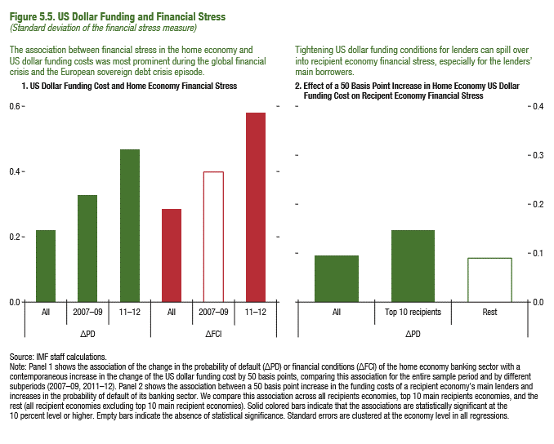
Figure 5.5. US Dollar Funding and Financial Stress
(Standard deviation of the financial stress measure)

1. US Dollar Funding Cost and Home Economy Financial Stress

∆PD
All | 2007-09 | 2011-12
0.22 | 0.33 | 0.47

2. Effect of a 50 Basis Point Increase in Home Economy US Dollar Funding Cost on Recipent Economy Financial Stress

∆PD
All | Top 10 recipients | Rest
0.10 | 0.15 | 0.09

Figure 5.6.
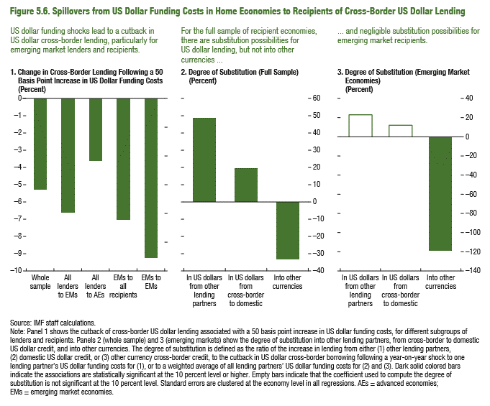
2. Change in Fiscal Balance Ratio: 2015–16
(Percent of GDP)
… driven by declining revenues in commodity exporters.
Figure 5.6. Spillovers from US Dollar Funding Costs in Home Economies to Recipients of Cross-Border US Dollar Lending

1. Change in Cross-Border Lending Following a 50 Basis Point Increase in US Dollar Funding Costs
(Percent)
Whole sample | All lenders to EMs | All lenders to AEs | EMs to all recipients | EMs to EMs
-5.31 | -6.62 | -3.57 | -7.06 | -9.27

2. Degree of Substitution (Full Sample)
(Percent)
In US dollars to other lending partners | In US dollars from cross-border to domestic | Into other currencies
48.97 | 19.92 | -33.76

3. Degree of Substitution (Emerging Market Economies)
(Percent)
In US dollars to other lending partners | In US dollars from cross-border to domestic | Into other currencies
23.03 | 12.21 | -119.65

Figure 5.7.
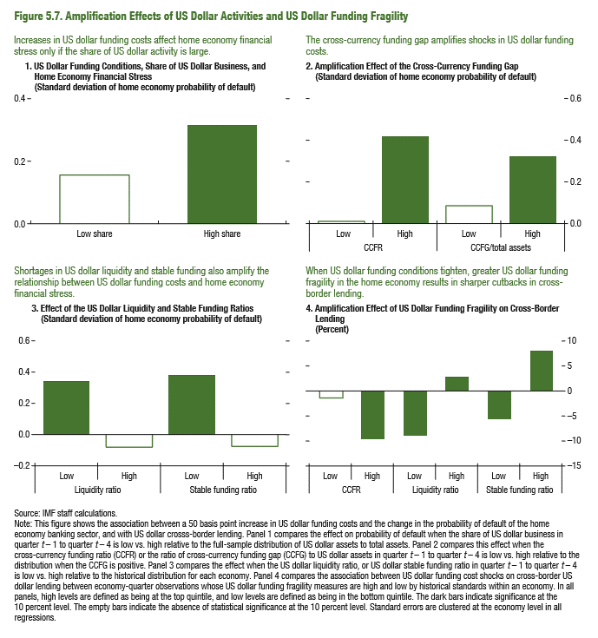
Sources: Baker, Bloom, and Davis 2016; www.PolicyUncertainty.com.
Note: The global index is calculated as the GDP-weighted average of monthly index values for sample of 18 advanced, emerging market, and middle-income economies. Each monthly national index value is proportional to the share of own-country newspaper articles that discussed economic policy uncertainty in that month.
Figure 1.7. Global Economic Policy Uncertainty Index, 2007–16
Uncertainty about future economic policies has reached a decade high.
Figure 5.7. Amplification Effects of US Dollar Activities and US Dollar Funding Fragility

1. US Dollar Funding Conditions, Share of US Dollar Business, and Home Economy Financial Stress
(Standard deviation of home economy probability of default)
 | Low share | High share
∆PD | 0.15 | 0.32

2. Amplification Effect of the Cross-Currency Funding Gap
(Standard deviation of home economy probability of default)

 |  | CCFR | CCFG/Total Assets
 | Low | 0.01 | 0.08
 | High | 0.41 | 0.32

3. Effect of the US Dollar Liquidity and Stable Funding Ratios
(Standard deviation of home economy probability of default)

 |  | Liqudity ratio | Stable funding ratio
 | Low | 0.33 | 0.38
 | High | -0.08 | -0.08

4. Amplification Effect of US Dollar Funding Fragility on Cross-Border Lending
(Percentage points)
 |  | CCFR | Liquidity ratio
 | Low | -1.40 | -8.75
 | High | -9.70 | 3.12

Figure 5.8.
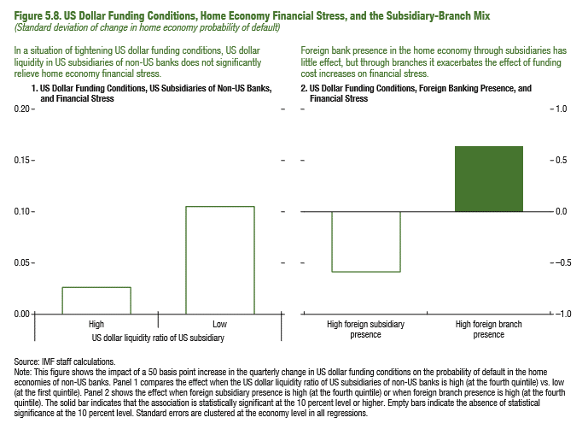
Figure 5.8. US Dollar Funding Conditions, Home Economy Financial Stress, and the Subsidiary-Branch Mix
(Standard deviation of change in home economy probability of default)

1. US Dollar Funding Conditions, US Subsidiaries of Non-US Banks, and Financial Stress

US dollar liquidity ratio of US subsidiary
 | High | Low
 | 0.03 | 0.10

2. US Dollar Funding Conditions, Foreign Banking Presence, and Financial Stress

High foreign subsidiary presence
-0.59
High foreign branch presence
0.64

Figure 5.9
Figure 1.8. Selected Advanced Economies: Current Deleveraging Episodes (Weighted average)
3. Public Debt
(Percent of GDP)
1. Private Debt
(Percent of GDP)
Sources: Bank for International Settlements; IMF, World Economic Outlook; and IMF staff estimates.
Figure 5.9. The Mitigating Effect of Home Economy Bank Health
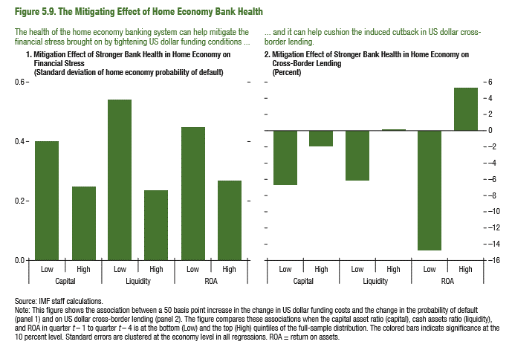
1. Mitigation Effect of Stronger Bank Health in Home Economy on Financial Stress
(Standard deviation of home economy probability of default)

 | Capital | Liquidity | ROA
Low | 0.40 | 0.54 | 0.45
High | 0.25 | 0.24 | 0.27

2. Mitigation Effect of Stronger Bank Health in Home Economy on Cross-Border Lending
(Percent)

 | Capital | Liquidity | ROA
Low | -6.74 | -6.26 | -14.94
High | -2.00 | 0.06 | 5.19

Figure 5.10.
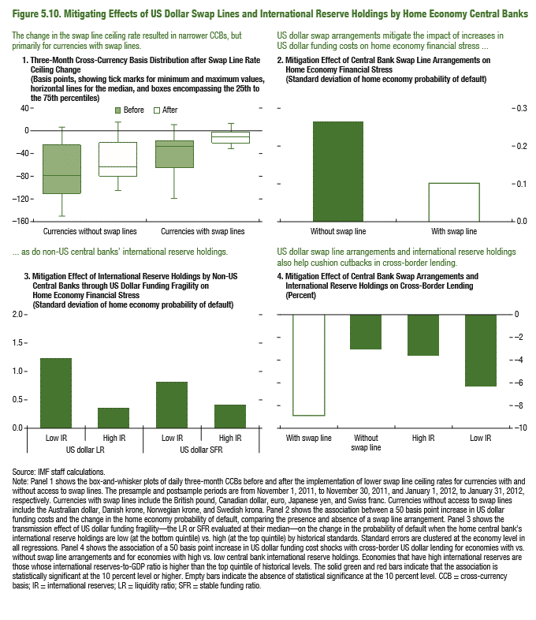
Figure 5.10. Mitigating Effects of US Dollar Swap Lines and International Reserve Holdings by Home Economy Central Banks

1. Three-Month Cross-Currency Basis Distribution after Swap Line Ceiling Change
(Basis points, showing tick marks for minimum and maximum values, horizontal lines for the median, and boxes encompassing the 25th to the 75th percentiles)

 | Currencies without swap lines |  | Currencies with swap lines
 | Before | After | Before
p50-p75 | -53.00 | -42.30 | -8.78
p25-p50 | -31.59 | -17.03 | -37.44

2. Mittigation Effect of Central Bank Swap Line Arrangements on Home Economy Financial Stress
(Standard deviation of home economy probability of default)

Without swap line | With swap line
0.26 | 0.10

3. Mitigation Effect of International Reserve Holdings by Non-US Central Banks through US Dollar Funding Fragility on Home economy financial Stress
(Standard deviation of home economy probability of default)

 | US Dollar Liquidity Ratio | US Dollar Stable Funding Ratio
Low IR | 1.22 | 0.85
High IR | 0.38 | 0.42

4. Mitigation Effect of Central Bank Swap Arrangements and International Reserve Holdings on Cross-Border Lending
(Percent)

With swap line | Without swap line | High IR | Low IR
-8.83 | -3.18 | -3.66 | -6.26

