Figure 3.1
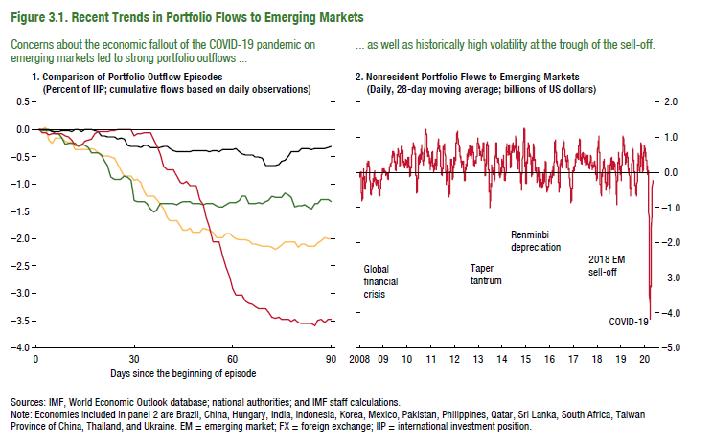
Figure 3.1. Recent Trends in Portfolio Flows to Emerging Markets
2. Nonresident Portfolio Flows to Emerging Markets
(Daily, 28-day moving average; billions of US dollars)
1. Comparison of Portfolio Outflow Episodes
(Percent of IIP; cumulative flows based on daily observations)

 |  |  |  |  |  |  | Daily 28-day moving average
Day | Global financial crisis (2008) | Taper tantrum (2013) | China's FX depreciation (2015) | COVID-19 (2020) | Zero-line | 2008-01-01 | 0.00
t | 0.0 | 0.0 | 0.0 | 0.0 | 0.0 | 2008-01-02 | -0.02
 | 0.0 | 0.0 | 0.0 | -0.1 | 0.0 | 2008-01-03 | -0.03
 | 0.0 | 0.0 | 0.0 | 0.0 | 0.0 | 2008-01-04 | -0.06
 | -0.2 | 0.0 | 0.0 | -0.1 | 0.0 | 2008-01-05 | -0.06
 | -0.2 | 0.0 | 0.0 | -0.1 | 0.0 | 2008-01-06 | -0.06
 | -0.2 | -0.1 | 0.0 | -0.1 | 0.0 | 2008-01-07 | -0.09
 | -0.2 | -0.1 | 0.0 | -0.1 | 0.0 | 2008-01-08 | -0.11
 | -0.2 | -0.2 | 0.0 | -0.1 | 0.0 | 2008-01-09 | -0.06
 | -0.2 | -0.3 | 0.0 | -0.1 | 0.0 | 2008-01-10 | -0.10
 | -0.2 | -0.2 | 0.0 | -0.1 | 0.0 | 2008-01-11 | -0.13
 | -0.2 | -0.2 | 0.0 | -0.2 | 0.0 | 2008-01-12 | -0.13
 | -0.4 | -0.2 | 0.0 | -0.3 | 0.0 | 2008-01-13 | -0.13
 | -0.4 | -0.3 | 0.0 | -0.3 | 0.0 | 2008-01-14 | -0.06
 | -0.4 | -0.3 | 0.0 | -0.3 | 0.0 | 2008-01-15 | 0.01
 | -0.4 | -0.3 | 0.0 | -0.2 | 0.0 | 2008-01-16 | -0.12
 | -0.4 | -0.3 | 0.0 | -0.2 | 0.0 | 2008-01-17 | -0.10
 | -0.3 | -0.4 | 0.0 | -0.2 | 0.0 | 2008-01-18 | -0.19
 | -0.4 | -0.4 | 0.0 | -0.1 | 0.0 | 2008-01-19 | -0.20
 | -0.4 | -0.4 | 0.0 | 0.0 | 0.0 | 2008-01-20 | -0.20
 | -0.5 | -0.5 | -0.1 | 0.0 | 0.0 | 2008-01-21 | -0.26
 | -0.5 | -0.6 | -0.1 | 0.0 | 0.0 | 2008-01-22 | -0.39
 | -0.5 | -0.6 | -0.1 | 0.0 | 0.0 | 2008-01-23 | -0.45
 | -0.5 | -0.9 | -0.1 | 0.0 | 0.0 | 2008-01-24 | -0.53
 | -0.5 | -0.9 | -0.1 | 0.0 | 0.0 | 2008-01-25 | -0.60
 | -0.6 | -0.9 | -0.2 | 0.0 | 0.0 | 2008-01-26 | -0.60
 | -0.7 | -0.9 | -0.2 | 0.0 | 0.0 | 2008-01-27 | -0.60
 | -0.9 | -0.9 | -0.2 | 0.0 | 0.0 | 2008-01-28 | -0.63
 | -0.8 | -0.9 | -0.3 | 0.0 | 0.0 | 2008-01-29 | -0.68
 | -0.8 | -0.9 | -0.3 | 0.0 | 0.0 | 2008-01-30 | -0.74
 | -0.9 | -1.3 | -0.3 | -0.1 | 0.0 | 2008-01-31 | -0.82
t+30 | -0.9 | -1.3 | -0.3 | -0.1 | 0.0 | 2008-02-01 | -0.77
 | -1.0 | -1.3 | -0.3 | -0.1 | 0.0 | 2008-02-02 | -0.77
 | -1.1 | -1.3 | -0.3 | 0.0 | 0.0 | 2008-02-03 | -0.77
 | -1.2 | -1.3 | -0.3 | 0.0 | 0.0 | 2008-02-04 | -0.64
 | -1.2 | -1.5 | -0.3 | 0.0 | 0.0 | 2008-02-05 | -0.61
 | -1.2 | -1.5 | -0.3 | -0.2 | 0.0 | 2008-02-06 | -0.67
 | -1.3 | -1.5 | -0.3 | -0.3 | 0.0 | 2008-02-07 | -0.67
 | -1.4 | -1.4 | -0.3 | -0.4 | 0.0 | 2008-02-08 | -0.66
 | -1.5 | -1.4 | -0.3 | -0.7 | 0.0 | 2008-02-09 | -0.66
 | -1.6 | -1.4 | -0.3 | -0.7 | 0.0 | 2008-02-10 | -0.66
 | -1.7 | -1.3 | -0.3 | -0.7 | 0.0 | 2008-02-11 | -0.75
 | -1.7 | -1.4 | -0.4 | -0.7 | 0.0 | 2008-02-12 | -0.73
 | -1.7 | -1.4 | -0.4 | -0.8 | 0.0 | 2008-02-13 | -0.59
 | -1.8 | -1.3 | -0.4 | -1.0 | 0.0 | 2008-02-14 | -0.56
 | -1.8 | -1.3 | -0.4 | -1.0 | 0.0 | 2008-02-15 | -0.44
 | -1.9 | -1.3 | -0.4 | -0.9 | 0.0 | 2008-02-16 | -0.44
 | -1.8 | -1.3 | -0.4 | -1.0 | 0.0 | 2008-02-17 | -0.44
 | -1.9 | -1.3 | -0.4 | -1.0 | 0.0 | 2008-02-18 | -0.36
 | -1.9 | -1.4 | -0.4 | -1.0 | 0.0 | 2008-02-19 | -0.20
 | -1.9 | -1.4 | -0.4 | -1.3 | 0.0 | 2008-02-20 | -0.14
 | -1.8 | -1.4 | -0.4 | -1.4 | 0.0 | 2008-02-21 | -0.11
 | -1.8 | -1.4 | -0.4 | -1.6 | 0.0 | 2008-02-22 | -0.12
 | -1.8 | -1.4 | -0.4 | -1.8 | 0.0 | 2008-02-23 | -0.12
 | -1.9 | -1.4 | -0.4 | -2.1 | 0.0 | 2008-02-24 | -0.12
 | -2.0 | -1.4 | -0.4 | -2.1 | 0.0 | 2008-02-25 | -0.07
 | -2.0 | -1.4 | -0.4 | -2.1 | 0.0 | 2008-02-26 | -0.02
 | -2.0 | -1.4 | -0.4 | -2.3 | 0.0 | 2008-02-27 | 0.04
 | -1.9 | -1.4 | -0.4 | -2.5 | 0.0 | 2008-02-28 | 0.09
 | -1.9 | -1.3 | -0.4 | -2.7 | 0.0 | 2008-02-29 | 0.01
 | -2.0 | -1.3 | -0.4 | -2.9 | 0.0 | 2008-03-01 | 0.01
t+60 | -2.0 | -1.3 | -0.4 | -3.0 | 0.0 | 2008-03-02 | 0.01
 | -2.0 | -1.3 | -0.4 | -3.0 | 0.0 | 2008-03-03 | -0.13
 | -2.0 | -1.2 | -0.4 | -3.0 | 0.0 | 2008-03-04 | -0.21
 | -2.0 | -1.2 | -0.5 | -3.1 | 0.0 | 2008-03-05 | -0.19
 | -2.0 | -1.4 | -0.5 | -3.2 | 0.0 | 2008-03-06 | -0.14
 | -2.1 | -1.4 | -0.5 | -3.2 | 0.0 | 2008-03-07 | -0.12
 | -2.1 | -1.3 | -0.5 | -3.2 | 0.0 | 2008-03-08 | -0.12
 | -2.1 | -1.3 | -0.5 | -3.3 | 0.0 | 2008-03-09 | -0.12
 | -2.1 | -1.4 | -0.5 | -3.3 | 0.0 | 2008-03-10 | -0.16
 | -2.1 | -1.3 | -0.7 | -3.3 | 0.0 | 2008-03-11 | -0.20
 | -2.1 | -1.3 | -0.7 | -3.3 | 0.0 | 2008-03-12 | -0.20
 | -2.1 | -1.2 | -0.7 | -3.4 | 0.0 | 2008-03-13 | -0.24
 | -2.2 | -1.2 | -0.7 | -3.5 | 0.0 | 2008-03-14 | -0.32
 | -2.2 | -1.2 | -0.6 | -3.4 | 0.0 | 2008-03-15 | -0.32
 | -2.1 | -1.2 | -0.6 | -3.5 | 0.0 | 2008-03-16 | -0.32
 | -2.1 | -1.2 | -0.6 | -3.5 | 0.0 | 2008-03-17 | -0.38
 | -2.1 | -1.2 | -0.5 | -3.5 | 0.0 | 2008-03-18 | -0.46
 | -2.1 | -1.2 | -0.4 | -3.5 | 0.0 | 2008-03-19 | -0.47
 | -2.1 | -1.4 | -0.4 | -3.5 | 0.0 | 2008-03-20 | -0.49
 | -2.2 | -1.4 | -0.4 | -3.5 | 0.0 | 2008-03-21 | -0.45
 | -2.1 | -1.4 | -0.3 | -3.6 | 0.0 | 2008-03-22 | -0.45
 | -2.1 | -1.4 | -0.3 | -3.6 | 0.0 | 2008-03-23 | -0.45
 | -2.1 | -1.4 | -0.4 | -3.6 | 0.0 | 2008-03-24 | -0.48
 | -2.1 | -1.5 | -0.4 | -3.6 | 0.0 | 2008-03-25 | -0.42
 | -2.1 | -1.4 | -0.3 | -3.6 | 0.0 | 2008-03-26 | -0.43
 | -2.1 | -1.4 | -0.3 | -3.5 | 0.0 | 2008-03-27 | -0.43
 | -2.0 | -1.3 | -0.3 | -3.5 | 0.0 | 2008-03-28 | -0.41
 | -2.0 | -1.3 | -0.3 | -3.6 | 0.0 | 2008-03-29 | -0.41
 | -2.0 | -1.3 | -0.3 | -3.5 | 0.0 | 2008-03-30 | -0.41
 | -2.0 | -1.3 | -0.3 | -3.5 | 0.0 | 2008-03-31 | -0.31
t+90 | -2.0 | -1.3 | -0.3 | -3.5 | 0.0 | 2008-04-01 | -0.25
 |  |  |  |  |  | 2008-04-02 | -0.18
 |  |  |  |  |  | 2008-04-03 | -0.22
 |  |  |  |  |  | 2008-04-04 | -0.18
 |  |  |  |  |  | 2008-04-05 | -0.18
 |  |  |  |  |  | 2008-04-06 | -0.18
 |  |  |  |  |  | 2008-04-07 | -0.14
 |  |  |  |  |  | 2008-04-08 | -0.04
 |  |  |  |  |  | 2008-04-09 | -0.01
 |  |  |  |  |  | 2008-04-10 | 0.00
 |  |  |  |  |  | 2008-04-11 | -0.01
 |  |  |  |  |  | 2008-04-12 | -0.01
 |  |  |  |  |  | 2008-04-13 | -0.01
 |  |  |  |  |  | 2008-04-14 | 0.07
 |  |  |  |  |  | 2008-04-15 | 0.13
 |  |  |  |  |  | 2008-04-16 | 0.14
 |  |  |  |  |  | 2008-04-17 | 0.22
 |  |  |  |  |  | 2008-04-18 | 0.23
 |  |  |  |  |  | 2008-04-19 | 0.23
 |  |  |  |  |  | 2008-04-20 | 0.23
 |  |  |  |  |  | 2008-04-21 | 0.26
 |  |  |  |  |  | 2008-04-22 | 0.22
 |  |  |  |  |  | 2008-04-23 | 0.20
 |  |  |  |  |  | 2008-04-24 | 0.18
 |  |  |  |  |  | 2008-04-25 | 0.27
 |  |  |  |  |  | 2008-04-26 | 0.27
 |  |  |  |  |  | 2008-04-27 | 0.27
 |  |  |  |  |  | 2008-04-28 | 0.24
 |  |  |  |  |  | 2008-04-29 | 0.23
 |  |  |  |  |  | 2008-04-30 | 0.16
 |  |  |  |  |  | 2008-05-01 | 0.17
 |  |  |  |  |  | 2008-05-02 | 0.18
 |  |  |  |  |  | 2008-05-03 | 0.18
 |  |  |  |  |  | 2008-05-04 | 0.18
 |  |  |  |  |  | 2008-05-05 | 0.26
 |  |  |  |  |  | 2008-05-06 | 0.26
 |  |  |  |  |  | 2008-05-07 | 0.26
 |  |  |  |  |  | 2008-05-08 | 0.27
 |  |  |  |  |  | 2008-05-09 | 0.33
 |  |  |  |  |  | 2008-05-10 | 0.33
 |  |  |  |  |  | 2008-05-11 | 0.33
 |  |  |  |  |  | 2008-05-12 | 0.29
 |  |  |  |  |  | 2008-05-13 | 0.26
 |  |  |  |  |  | 2008-05-14 | 0.23
 |  |  |  |  |  | 2008-05-15 | 0.19
 |  |  |  |  |  | 2008-05-16 | 0.23
 |  |  |  |  |  | 2008-05-17 | 0.23
 |  |  |  |  |  | 2008-05-18 | 0.23
 |  |  |  |  |  | 2008-05-19 | 0.27
 |  |  |  |  |  | 2008-05-20 | 0.23
 |  |  |  |  |  | 2008-05-21 | 0.22
 |  |  |  |  |  | 2008-05-22 | 0.23
 |  |  |  |  |  | 2008-05-23 | 0.09
 |  |  |  |  |  | 2008-05-24 | 0.09
 |  |  |  |  |  | 2008-05-25 | 0.09
 |  |  |  |  |  | 2008-05-26 | 0.01
 |  |  |  |  |  | 2008-05-27 | -0.01
 |  |  |  |  |  | 2008-05-28 | 0.03
 |  |  |  |  |  | 2008-05-29 | -0.02
 |  |  |  |  |  | 2008-05-30 | -0.05
 |  |  |  |  |  | 2008-05-31 | -0.05
 |  |  |  |  |  | 2008-06-01 | -0.05
 |  |  |  |  |  | 2008-06-02 | -0.07
 |  |  |  |  |  | 2008-06-03 | -0.18
 |  |  |  |  |  | 2008-06-04 | -0.21
 |  |  |  |  |  | 2008-06-05 | -0.28
 |  |  |  |  |  | 2008-06-06 | -0.30
 |  |  |  |  |  | 2008-06-07 | -0.30
 |  |  |  |  |  | 2008-06-08 | -0.30
 |  |  |  |  |  | 2008-06-09 | -0.30
 |  |  |  |  |  | 2008-06-10 | -0.33
 |  |  |  |  |  | 2008-06-11 | -0.35
 |  |  |  |  |  | 2008-06-12 | -0.46
 |  |  |  |  |  | 2008-06-13 | -0.54
 |  |  |  |  |  | 2008-06-14 | -0.54
 |  |  |  |  |  | 2008-06-15 | -0.54
 |  |  |  |  |  | 2008-06-16 | -0.61
 |  |  |  |  |  | 2008-06-17 | -0.63
 |  |  |  |  |  | 2008-06-18 | -0.64
 |  |  |  |  |  | 2008-06-19 | -0.63
 |  |  |  |  |  | 2008-06-20 | -0.63
 |  |  |  |  |  | 2008-06-21 | -0.63
 |  |  |  |  |  | 2008-06-22 | -0.63
 |  |  |  |  |  | 2008-06-23 | -0.60
 |  |  |  |  |  | 2008-06-24 | -0.59
 |  |  |  |  |  | 2008-06-25 | -0.63
 |  |  |  |  |  | 2008-06-26 | -0.60
 |  |  |  |  |  | 2008-06-27 | -0.60
 |  |  |  |  |  | 2008-06-28 | -0.60
 |  |  |  |  |  | 2008-06-29 | -0.60
 |  |  |  |  |  | 2008-06-30 | -0.64
 |  |  |  |  |  | 2008-07-01 | -0.52
 |  |  |  |  |  | 2008-07-02 | -0.49
 |  |  |  |  |  | 2008-07-03 | -0.49
 |  |  |  |  |  | 2008-07-04 | -0.45
 |  |  |  |  |  | 2008-07-05 | -0.45
 |  |  |  |  |  | 2008-07-06 | -0.45
 |  |  |  |  |  | 2008-07-07 | -0.44
 |  |  |  |  |  | 2008-07-08 | -0.44
 |  |  |  |  |  | 2008-07-09 | -0.40
 |  |  |  |  |  | 2008-07-10 | -0.32
 |  |  |  |  |  | 2008-07-11 | -0.35
 |  |  |  |  |  | 2008-07-12 | -0.35
 |  |  |  |  |  | 2008-07-13 | -0.35
 |  |  |  |  |  | 2008-07-14 | -0.32
 |  |  |  |  |  | 2008-07-15 | -0.39
 |  |  |  |  |  | 2008-07-16 | -0.36
 |  |  |  |  |  | 2008-07-17 | -0.38
 |  |  |  |  |  | 2008-07-18 | -0.29
 |  |  |  |  |  | 2008-07-19 | -0.29
 |  |  |  |  |  | 2008-07-20 | -0.29
 |  |  |  |  |  | 2008-07-21 | -0.25
 |  |  |  |  |  | 2008-07-22 | -0.25
 |  |  |  |  |  | 2008-07-23 | -0.24
 |  |  |  |  |  | 2008-07-24 | -0.19
 |  |  |  |  |  | 2008-07-25 | -0.18
 |  |  |  |  |  | 2008-07-26 | -0.18
 |  |  |  |  |  | 2008-07-27 | -0.18
 |  |  |  |  |  | 2008-07-28 | -0.18
 |  |  |  |  |  | 2008-07-29 | -0.24
 |  |  |  |  |  | 2008-07-30 | -0.27
 |  |  |  |  |  | 2008-07-31 | -0.22
 |  |  |  |  |  | 2008-08-01 | -0.21
 |  |  |  |  |  | 2008-08-02 | -0.21
 |  |  |  |  |  | 2008-08-03 | -0.21
 |  |  |  |  |  | 2008-08-04 | -0.25
 |  |  |  |  |  | 2008-08-05 | -0.27
 |  |  |  |  |  | 2008-08-06 | -0.18
 |  |  |  |  |  | 2008-08-07 | -0.11
...

Figure 3.2
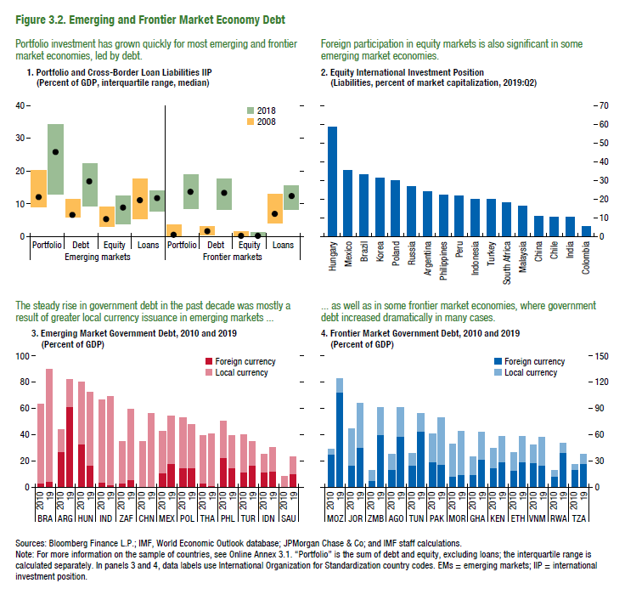
Figure 3.2. Emerging and Frontier Market Economy Debt

1. Portfolio and Cross-Broder Loan Liabilities IIP
(percent of GDP, interquartile range, median)
2. Equity International Investment Position
(Liabilities, percent of market capitalization, 2019:Q2)
3. Emerging Market Government Debt, 2010 and 2019
(Percent of GDP)
4. Frontier Market Government Debt, 2010 and 2019
(Percent of GDP)

 |  |  |  |  |  |  |  |  |  |  |  |  |  |  |  |  |  | Foreign currency | Local currency |  |  | Foreign currency | Local currency
 |  |  |  |  |  |  |  |  |  |  |  |  |  | Hungary | 58.74 | BRA | 2010 | 3 | 60 | MOZ | 2010 | 38 | 5
 |  | Emerging markets |  |  |  |  |  |  |  | Frontier markets |  |  |  | Mexico | 35.15 |  | 19 | 4 | 85 |  | 19 | 109 | 16
 |  | Portfolio |  | Debt |  | Equity |  | Loans |  | Portfolio | Debt | Equity | Loans | Brazil | 33.21
 |  |  |  |  |  |  |  |  |  |  |  |  |  | Korea | 30.95 | ARG | 2010 | 27 | 16 | JOR | 2010 | 25 | 43
bottom | 2008 | 9.0 |  | 6.0 |  | 3.0 |  | 5.6 |  | 0.2 | 0.5 | 0.0 | 4.2 | Poland | 29.99 |  | 19 | 61 | 21 |  | 19 | 46 | 51
iqr | 2008 | 11.2 |  | 5.2 |  | 5.9 |  | 12.2 |  | 3.6 | 2.6 | 1.6 | 8.7 | Russia | 26.74
median | 2008 | 11.9 |  | 6.7 |  | 5.2 |  | 11.1 |  | 0.7 | 1.8 | 0.1 | 7.0 | Argentina | 23.78 | HUN | 2010 | 32 | 48 | ZMB | 2010 | 7 | 12
bottom | 2018 |  | 13.0 |  | 9.3 |  | 3.7 |  | 7.9
iqr | 2018 |  | 21.4
median | 2018 |  | 25.6
...

Figure 3.3
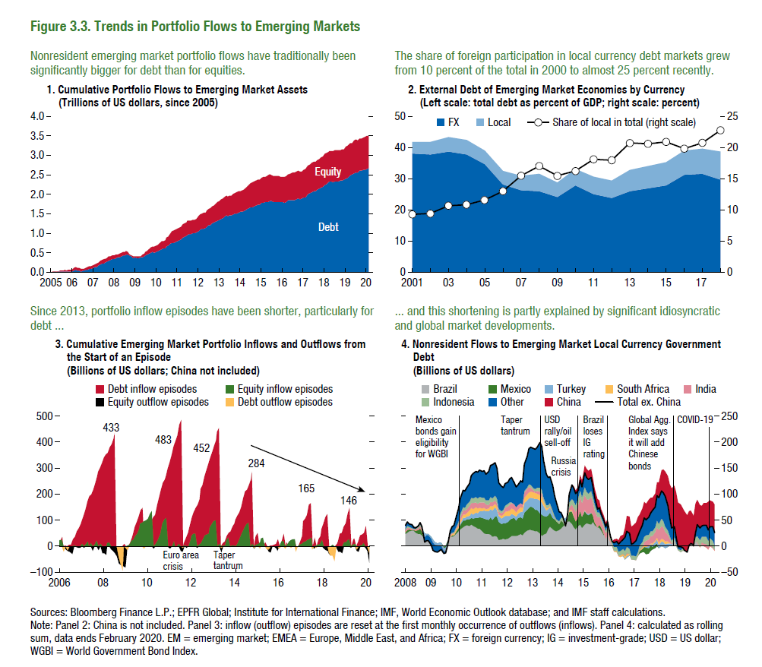
Figure 3.3. Trends in Portfolio Flows to Emerging Markets

1. Cumulative Portfolio Flows to Emerging Market Assets
(Trillions of US dollars, since 2005)
2. External Debt of Emerging Market Economies by Currency
(Left scale: total debt as percent of GDP; right scale: percent)
3. Cumulative Emerging Market Portfolio Inflows and Outflows from
the Start of an Episode
(Billions of US dollars; China not included)
4. Nonresident Flows to Emerging Market Local Currency Government Debt
(Billions of US dollars)

 |  | Portfolio Debt | Portfolio Equity |  | EM ex-China | EM ex-China |  |  |  |  |  |  |  | Brazil | Mexico | Turkey | South Africa | India | Indonesia | Other | China | Total ex. China
2005 | 2005-01-01 | 1.5894526796 | 4.616937725 |  | FX | Local | Share of local in total (right scale) | 2005-01-31 | 2 | 0 | 3 | 0 | 2007-11-30 | 22.27 | 6.11 | -7.70 | 1.65 | 1.95 | 2.12 | 4.43 | 0.00 | 30.83
 | 2005-02-01 | 16.744653702 | 13.107314066 | 2000-01-01 | 38.2 | 4.0 | 9.4 | 2005-02-28 | 17 | 0 | 10 | 0 | 2007-12-31 | 23.20 | 6.85 | -7.21 | 0.96 | 2.77 | 2.28 | 4.62 | 0.00 | 33.48
 | 2005-03-01 | 27.236076313 | 12.52676163 | 2001-01-01 | 37.9 | 4.0 | 9.6 | 2005-03-31 | 27 | 0 | 0 | -2 | 2008-01-31 | 23.61 | 10.06 | -5.35 | -0.69 | 3.27 | 2.38 | 7.24 | 0.00 | 40.53
 | 2005-04-01 | 20.796190881 | 11.790319423 | 2002-01-01 | 38.8 | 4.6 | 10.7 | 2005-04-30 | 0 | -7 | 0 | -5 | 2008-02-29 | 26.27 | 11.64 | -5.41 | -1.13 | 3.90 | 2.85 | 8.32 | 0.00 | 46.44
 | 2005-05-01 | 27.809545057 | 8.3266936448 | 2003-01-01 | 37.9 | 4.7 | 11.0 | 2005-05-31 | 7 | 0 | 0 | -10 | 2008-03-31 | 28.69 | 11.82 | -4.96 | -3.20 | 3.19 | 1.96 | 5.09 | 0.00 | 42.58
 | 2005-06-01 | 41.45283055 | 13.880037574 | 2004-01-01 | 34.8 | 4.6 | 11.7 | 2005-06-30 | 21 | 0 | 4 | 0 | 2008-04-30 | 29.18 | 12.12 | -9.03 | -1.13 | 2.59 | 1.70 | 5.32 | 0.00 | 40.76
 | 2005-07-01 | 24.107181232 | 25.166807764 | 2005-01-01 | 28.4 | 4.3 | 13.0 | 2005-07-31 | 0 | -17 | 13 | 0 | 2008-05-31 | 29.80 | 9.26 | -7.75 | -0.74 | 2.22 | 0.91 | 3.10 | 0.00 | 36.80
 | 2005-08-01 | 22.740343008 | 27.232501559 | 2006-01-01 | 26.3 | 4.8 | 15.5 | 2005-08-31 | 0 | -19 | 14 | 0 | 2008-06-30 | 25.69 | 10.71 | -5.76 | -1.12 | 2.16 | 1.36 | 1.92 | 0.00 | 34.97
 | 2005-09-01 | 38.787860185 | 29.661846658 | 2007-01-01 | 26.2 | 5.4 | 17.2 | 2005-09-30 | 16 | 0 | 14 | 0 | 2008-07-31 | 23.55
 | 2005-10-01 | 29.616620646
 | 2005-11-01 | 40.554989383
 | 2005-12-01 | 42.711646766
06 | 2006-01-01 | 39.203836669
 | 2006-02-01 | 59.465322847
 | 2006-03-01 | 75.615797191
 | 2006-04-01 | 55.557074241
 | 2006-05-01 | 55.952692243
 | 2006-06-01 | 40.580005256
 | 2006-07-01 | 44.005897387
 | 2006-08-01 | 46.35438266
 | 2006-09-01 | 66.843072142
 | 2006-10-01 | 75.323477337
 | 2006-11-01 | 95.365943056
 | 2006-12-01 | 107.97340747
07 | 2007-01-01 | 123.66502228
 | 2007-02-01 | 135.68753408
 | 2007-03-01 | 155.98126354
 | 2007-04-01 | 181.78131547
 | 2007-05-01 | 212.43689572
 | 2007-06-01 | 234.36185251
 | 2007-07-01 | 240.17810256
 | 2007-08-01 | 257.09189008
 | 2007-09-01 | 283.54231756
 | 2007-10-01 | 310.5524591
...

Figure 3.5.
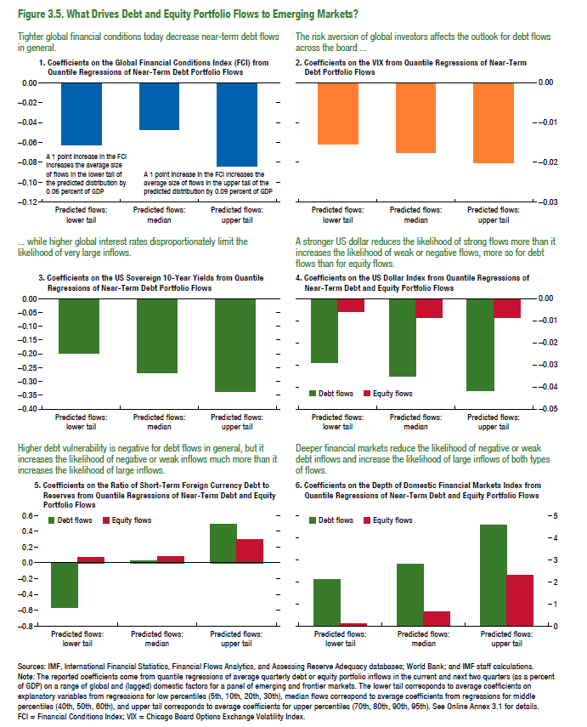
Figure 3.5. What Drives Debt and Equity Portfolio Flows to Emerging Markets?

1. Coefﬁcients on the Global Financial Conditions Index (FCI) from Quantile Regressions of Near-Term Debt Portfolio Flows |  |  |  | 2. Coefﬁcients on the VIX from Quantile Regressions of Near-Term Debt Portfolio Flows

 | Predicted flows: lower tail | Predicted flows: median | Predicted flows: upper tail
IFC | -0.063 | -0.047 | -0.084 | VIX
...

Figure 3.6.
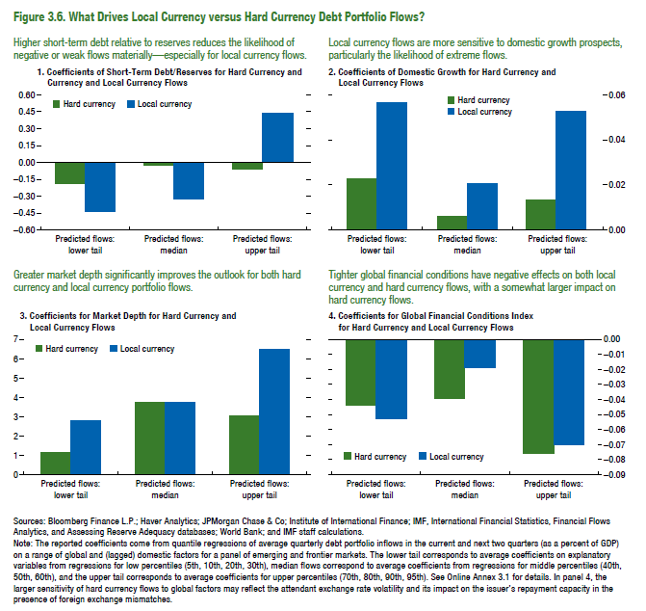
Figure 3.6. What Drives Local Currency versus Hard Currency Debt Portfolio Flows?

1. Coefﬁcients of Short-Term Debt/Reserves for Hard Currency and Currency and Local Currency Flows |  |  |  | 2. Coefﬁcients of Domestic Growth for Hard Currency and Local Currency Flows

 | Predicted flows: lower tail | Predicted flows: median | Predicted flows: upper tail
Hard currency | -0.196 | -0.023 | -0.051 | Hard currency
Local currency | -0.446 | -0.318 | 0.443 | Local currency

Figure 3.7.
Figure 3.7. Emerging Market Local Currency Bond Yields
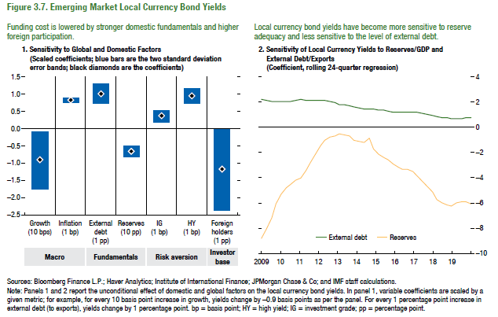
1. Sensitivity to Global and Domestic Factors |  |  |  | 2. Sensitivity of Local Currency Yields to Reserves / GDP, and External Debt / Exports
(Scaled coefficients; blue bars are the two standard deviation error bands; black diamonds are the coefficients) |  |  |  | (Coefficient, rolling 24-quarter regression)

 |  | Coefficient | Standard Deviation |  | External Debt | Reserves
Macro | Growth (10 bps) | -0.94 | 0.42 | 2009-03-19 | 2.27 | -8.76
 | Inflation (1 bp) | 0.82 | 0.04 | 2009-06-19 | 2.13 | -8.03
Fundamentals | External debt (1 pp) | 1.01 | 0.15 | 2009-09-19 | 2.09 | -7.20
 | Reserves (10 pp) | -0.68 | 0.08 | 2009-12-19 | 2.10 | -6.06
Risk aversion | IG (1 bp) | 0.35 | 0.09 | 2010-03-19 | 2.05 | -5.31
 | HY (1 bp) | 0.93 | 0.11 | 2010-06-19 | 2.06 | -4.79
Investor base | Foreign holders (1 pp) | -1.18 | 0.58 | 2010-09-19 | 2.07 | -4.53
 |  |  |  | 2010-12-19 | 2.12 | -4.18
 |  |  |  | 2011-03-19 | 2.21 | -4.01
 |  |  |  | 2011-06-19 | 2.14 | -3.44
 |  |  |  | 2011-09-19 | 2.13 | -2.81
 |  |  |  | 2011-12-19 | 2.12 | -2.17
 |  |  |  | 2012-03-19 | 2.13 | -1.47
 |  |  |  | 2012-06-19 | 2.15 | -0.98
 |  |  |  | 2012-09-19 | 2.09 | -0.75
 |  |  |  | 2012-12-19 | 1.99 | -0.68
 |  |  |  | 2013-03-19 | 1.84 | -0.51
 |  |  |  | 2013-06-19 | 1.77 | -0.61
 |  |  |  | 2013-09-19 | 1.69 | -0.69
 |  |  |  | 2013-12-19 | 1.60 | -0.98
 |  |  |  | 2014-03-19 | 1.52 | -1.06
 |  |  |  | 2014-06-19 | 1.49 | -1.23
 |  |  |  | 2014-09-19 | 1.44 | -0.87
 |  |  |  | 2014-12-19 | 1.45 | -1.68
 |  |  |  | 2015-03-19 | 1.40 | -2.12
 |  |  |  | 2015-06-19 | 1.36 | -2.37
...

Figure 3.8.
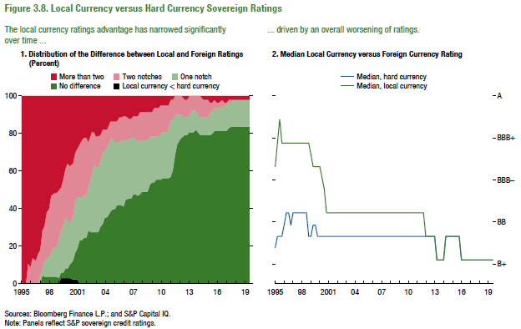
Figure 3.8. Local Currency versus Hard Currency Sovereign ratings

1. Distribution of the difference between local and foreign currency ratings (Percent)

 | Local currency < Hard currency | No difference | One notch | Two notches | More than two
1995-01-01 | - | - | - | - | 100
1995-04-01 | - | - | - | - | 100
1995-07-01 | - | - | - | - | 100
1995-10-01 | - | - | - | 11 | 89
1996-01-01 | - | - | - | 8 | 92
1996-04-01 | - | - | - | 13 | 87
1996-07-01 | - | - | - | 13 | 88
1996-10-01 | - | - | - | 16 | 84
1997-01-01 | - | - | 5 | 14 | 82
1997-04-01 | - | 4 | 4 | 20 | 72
1997-07-01 | - | 4 | 8 | 19 | 69
1997-10-01 | - | 3 | 10 | 24 | 62
1998-01-01 | - | 3 | 10 | 27 | 60
1998-04-01 | - | 3 | 13 | 30 | 53
1998-07-01 | - | 3 | 16 | 29 | 52
1998-10-01 | - | 3 | 16 | 29 | 52
1999-01-01 | - | 3 | 21 | 26 | 50
1999-04-01 | 3 | 3 | 23 | 23 | 49
1999-07-01 | 3 | 3 | 25 | 25 | 44
1999-10-01 | 3 | 5 | 28 | 26 | 38
2000-01-01 | 3 | 5 | 26 | 31 | 36
2000-04-01 | 3 | 8 | 23 | 30 | 38
2000-07-01 | 2 | 10 | 24 | 29 | 36
2000-10-01 | 2 | 14 | 28 | 26 | 30
...

Figure 3.9.
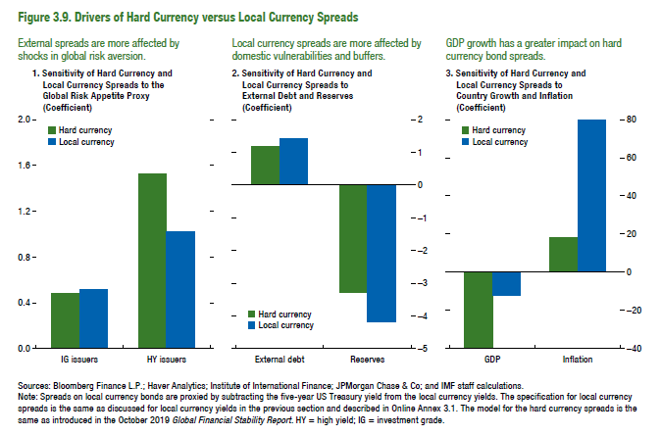
Figure 3.9. Drivers of Hard Currency versus Local Currency Spreads

1. Sensitivity of Hard Currency and Local Currency Spreads to the Global Risk Appetite Proxy |  |  | 2. Sensitivity of Hard Currency and Local Currency Spreads to External Debt and Reserves
(Coefﬁcient) |  |  | (Coefﬁcient)

 | Hard currency | Local currency |  | Hard currency
IG issuers | 0.49 | 0.52 | External debt | 1.16
HY issuers | 1.54 | 1.03 | Reserves | -3.31

Figure 3.10.
Figure 3.10. Local Currency Debt Markets
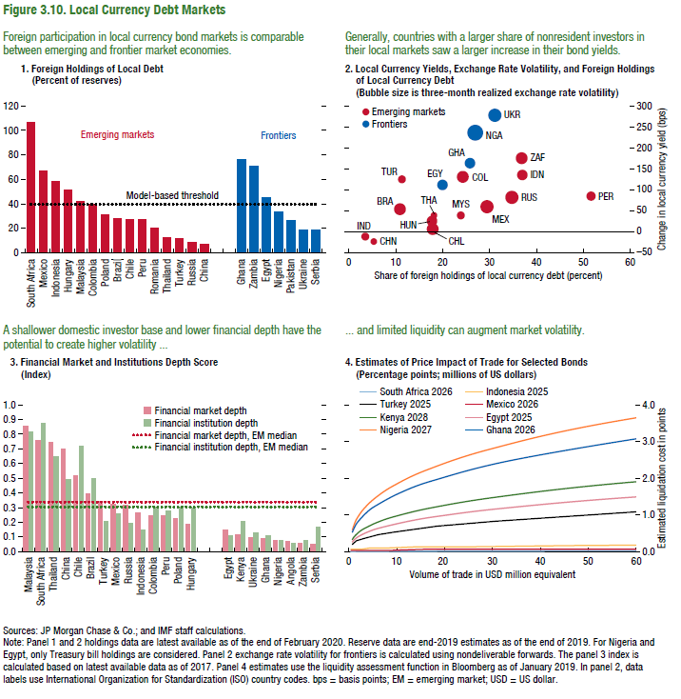
3. Financial Market and Institutions Depth Score (index)

 | Financial market depth | Financial institution depth | Financial market depth, EM median | Financial institution depth, EM median
Malaysia | 0.86 | 0.82 | 0.34 | 0.31
South Africa | 0.76 | 0.88 | 0.34 | 0.31
Thailand | 0.75 | 0.65 | 0.34 | 0.31
China | 0.70 | 0.50 | 0.34 | 0.31
Chile | 0.52 | 0.72 | 0.34 | 0.31
Brazil | 0.40 | 0.50 | 0.34 | 0.31
Turkey | 0.34 | 0.21 | 0.34 | 0.31
Mexico | 0.33 | 0.26 | 0.34 | 0.31
Russia | 0.32 | 0.19 | 0.34 | 0.31
Indonesia | 0.26 | 0.14 | 0.34 | 0.31
Colombia | 0.25 | 0.31 | 0.34 | 0.31
Peru | 0.24 | 0.27 | 0.34 | 0.31
Poland | 0.23 | 0.30 | 0.34 | 0.31
Hungary | 0.18 | 0.29 | 0.34 | 0.31

Egypt | 0.15 | 0.10 | 0.34 | 0.31
Kenya | 0.12 | 0.21 | 0.34 | 0.31
Ukraine | 0.10 | 0.13 | 0.34 | 0.31
Ghana | 0.08 | 0.11 | 0.34 | 0.31
Nigeria | 0.07 | 0.07 | 0.34 | 0.31
Angola | 0.07 | 0.06 | 0.34 | 0.31
Zambia | 0.06 | 0.08 | 0.34 | 0.31
Serbia | 0.05 | 0.16 | 0.34 | 0.31

