Figure 5.1.
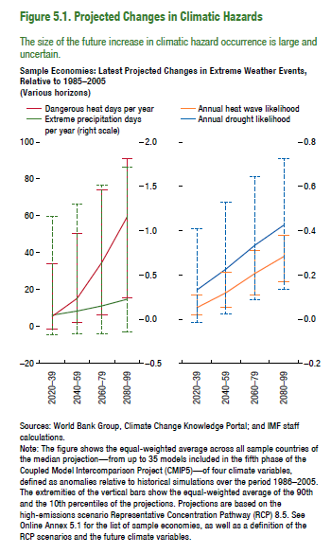
Figure 5.1. Projected Changes in Climatic Hazards
Sample Economies: Latest Projected Changes in Extreme Weather Events, Relative to 1985–2005
(Various horizons)
 | Dangerous heat days per year | Extreme precipitation days per year
2020–39 | 5.49 | 0.04
2040–59 | 15.28 | 0.09
2060–79 | 34.95 | 0.15
2080–99 | 59.39 | 0.22

 | Annual heat wave likelihood | Annual drought likelihood
2020–39 | 0.05 | 0.13
2040–59 | 0.12 | 0.23
2060–79 | 0.21 | 0.33
2080–99 | 0.28 | 0.43

Figure 5.2.
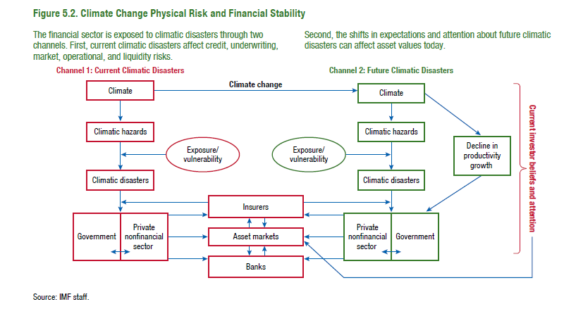
Figure 5.2. Climate Change Physical Risk and Financial Stability

Figure 5.3.
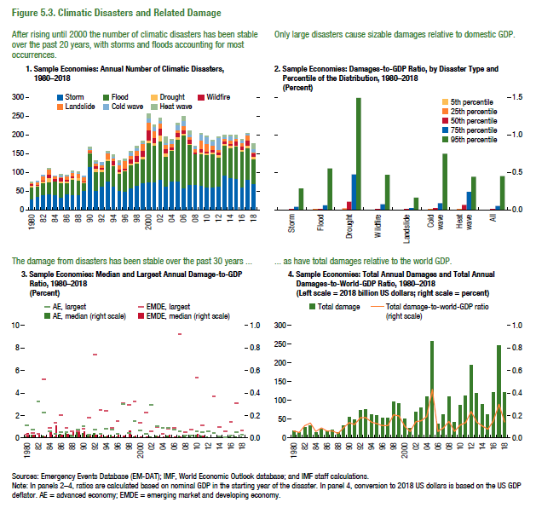
Figure 5.3. Climatic Disasters and Related Damage

1. Sample Economies: Annual Number of Climatic Disasters, 1980–2018 |  |  |  |  |  |  |  | 2. Sample Economies: Damages-to-GDP Ratio, by Disaster Type and Percentile of the Distribution, 1980–2018 |  |  |  |  |  |  |  |  | 3. Sample Economies: Median and Largest Annual Damage-to-GDP Ratio, 1980–2018 |  |  |  |  | 4. Sample Economies: Total Annual Damages and Total Annual Damages-to-World-GDP Ratio, 1980–2018
 | Storm | Flood | Drought | Wildfire | Landslide | Cold wave | Heat wave | (Percent) |  |  |  |  |  |  |  |  | (Percent) |  |  |  |  | (Left scale = 2018 billion US dollars; right scale = percent)
1980 | 29 | 32 | 4 | 4 | 3 | 1 | 2 |  | Storm | Flood | Drought | Wildfire | Landslide | Cold wave | Heatwave | All |  | AE, median | AE, largest | EMDE, median | EMDE, largest |  | Total damage | Damage as percent of the world GDP
1981 | 35 | 27 | 3 | 3 | 7 | 1 | 0 | 5th percentile | 0.0001 | 0.0002 | 0.0016 | 0.0000 | 0.0001 | 0.0002 | 0.0004 | 0.0001 | 1980 | 0.012 | 1.087 | 0.040 | 0.284 | 1980 | 18.63 | 0.06
1982 | 41 | 31 | 4 | 3 | 12 | 2 | 0 | 25th percentile | 0.0017 | 0.0023 | 0.0227 | 0.0013 | 0.0012 | 0.0051 | 0.0104 | 0.0020 | 1981 | 0.023 | 0.715 | 0.025 | 0.413 | 1981 | 13.64 | 0.05
1983 | 43 | 31 | 13 | 8 | 13 | 0 | 2 | 50th percentile | 0.0084 | 0.0122 | 0.1090 | 0.0092 | 0.0045 | 0.0143 | 0.0660 | 0.0107 | 1982 | 0.006 | 3.214 | 0.039 | 0.344 | 1982 | 27.44 | 0.11
1984 | 41 | 35 | 2 | 6 | 6 | 1 | 0 | 75th percentile | 0.0394 | 0.0603 | 0.4713 | 0.0750 | 0.0154 | 0.0905 | 0.2386 | 0.0543 | 1983 | 0.017 | 2.262 | 0.010 | 5.242 | 1983 | 33.39 | 0.13
1985 | 34 | 39 | 3 | 10 | 3 | 4 | 2 | 95th percentile | 0.2855 | 0.5515 | 1.4945 | 0.4667 | 0.1618 | 0.7478 | 0.4409 | 0.4515 | 1984 | 0.006 | 0.582 | 0.053 | 0.926 | 1984 | 14.46 | 0.06
1986 | 43 | 30 | 4 | 5 | 9 | 1 | 1 |  |  |  |  |  |  |  |  |  | 1985 | 0.007 | 0.349 | 0.112 | 1.360 | 1985 | 22.75 | 0.09
1987 | 40 | 41 | 5 | 5 | 9 | 2 | 3 |  |  |  |  |  |  |  |  |  | 1986 | 0.032 | 0.518 | 0.028 | 2.025 | 1986 | 18.19 | 0.06
1988 | 40 | 39 | 7 | 0 | 12 | 2 | 3 |  |  |  |  |  |  |  |  |  | 1987 | 0.051 | 0.533 | 0.036 | 0.864 | 1987 | 20.88 | 0.06
1989 | 51 | 22 | 2 | 3 | 10 | 3 | 0 |  |  |  |  |  |  |  |  |  | 1988 | 0.025 | 0.159 | 0.062 | 0.572 | 1988 | 14.48 | 0.04
1990 | 115 | 37 | 2 | 3 | 3 | 4 | 4 |  |  |  |  |  |  |  |  |  | 1989 | 0.050 | 0.740 | 0.081 | 0.606 | 1989 | 33.76 | 0.09
1991 | 53 | 49 | 8 | 7 | 8 | 5 | 1 |  |  |  |  |  |  |  |  |  | 1990 | 0.038 | 1.021 | 0.053 | 0.791 | 1990 | 55.52 | 0.14
1992 | 64 | 37 | 7 | 6 | 6 | 6 | 0 |  |  |  |  |  |  |  |  |  | 1991 | 0.016 | 0.279 | 0.027 | 1.805 | 1991 | 49.42 | 0.12
1993 | 78 | 53 | 4 | 2 | 15 | 3 | 2 |  |  |  |  |  |  |  |  |  | 1992 | 0.039 | 0.748 | 0.027 | 7.450 | 1992 | 74.25 | 0.18
1994 | 63 | 55 | 3 | 11 | 7 | 3 | 5 |  |  |  |  |  |  |  |  |  | 1993 | 0.009 | 0.345 | 0.036 | 2.463 | 1993 | 75.53 | 0.18
1995 | 51 | 46 | 6 | 6 | 11 | 6 | 6 |  |  |  |  |  |  |  |  |  | 1994 | 0.009 | 0.854 | 0.015 | 2.428 | 1994 | 62.03 | 0.14
1996 | 49 | 55 | 2 | 4 | 21 | 1 | 3 |  |  |  |  |  |  |  |  |  | 1995 | 0.025 | 0.735 | 0.013 | 0.912 | 1995 | 61.14 | 0.13
1997 | 59 | 60 | 5 | 13 | 8 | 9 | 2 |  |  |  |  |  |  |  |  |  | 1996 | 0.011 | 0.376 | 0.028 | 1.466 | 1996 | 52.88 | 0.11
1998 | 66 | 59 | 5 | 15 | 14 | 6 | 5 |  |  |  |  |  |  |  |  |  | 1997 | 0.006 | 2.994 | 0.019 | 3.069 | 1997 | 52.40 | 0.11
1999 | 72 | 63 | 8 | 16 | 17 | 4 | 4 |  |  |  |  |  |  |  |  |  | 1998 | 0.007 | 0.467 | 0.062 | 2.905 | 1998 | 96.40 | 0.21
2000 | 74 | 105 | 8 | 26 | 20 | 12 | 11 |  |  |  |  |  |  |  |  |  | 1999 | 0.011 | 1.464 | 0.018 | 3.250 | 1999 | 92.96 | 0.20
2001 | 75 | 98 | 7 | 13 | 19 | 11 | 3 |  |  |  |  |  |  |  |  |  | 2000 | 0.005 | 0.699 | 0.009 | 1.341 | 2000 | 50.79 | 0.11
2002 | 82 | 102 | 15 | 19 | 13 | 8 | 5 |  |  |  |  |  |  |  |  |  | 2001 | 0.006 | 0.377 | 0.010 | 2.281 | 2001 | 26.96 | 0.06
2003 | 64 | 79 | 8 | 13 | 11 | 3 | 17 |  |  |  |  |  |  |  |  |  | 2002 | 0.007 | 2.930 | 0.006 | 0.570 | 2002 | 68.65 | 0.15
2004 | 77 | 81 | 2 | 7 | 10 | 8 | 4 |  |  |  |  |  |  |  |  |  | 2003 | 0.017 | 1.047 | 0.014 | 0.952 | 2003 | 80.58 | 0.15
2005 | 77 | 112 | 7 | 10 | 7 | 13 | 6 |  |  |  |  |  |  |  |  |  | 2004 | 0.006 | 0.889 | 0.008 | 0.346 | 2004 | 109.16 | 0.19
2006 | 59 | 141 | 4 | 9 | 11 | 15 | 11 |  |  |  |  |  |  |  |  |  | 2005 | 0.016 | 0.959 | 0.026 | 0.833 | 2005 | 259.01 | 0.43
2007 | 67 | 108 | 2 | 11 | 8 | 5 | 11 |  |  |  |  |  |  |  |  |  | 2006 | 0.002 | 0.746 | 0.010 | 0.940 | 2006 | 37.70 | 0.06
2008 | 68 | 81 | 1 | 4 | 9 | 7 | 1 |  |  |  |  |  |  |  |  |  | 2007 | 0.014 | 0.607 | 0.008 | 9.267 | 2007 | 63.05 | 0.09
2009 | 66 | 84 | 5 | 8 | 22 | 17 | 3 |  |  |  |  |  |  |  |  |  | 2008 | 0.008 | 0.204 | 0.004 | 0.487 | 2008 | 109.89 | 0.15
2010 | 60 | 87 | 4 | 5 | 20 | 18 | 4 |  |  |  |  |  |  |  |  |  | 2009 | 0.011 | 0.185 | 0.005 | 0.772 | 2009 | 41.59 | 0.06
2011 | 61 | 88 | 5 | 7 | 11 | 11 | 3 |  |  |  |  |  |  |  |  |  | 2010 | 0.029 | 0.566 | 0.031 | 5.362 | 2010 | 87.15 | 0.11
2012 | 64 | 76 | 7 | 6 | 7 | 33 | 1 |  |  |  |  |  |  |  |  |  | 2011 | 0.021 | 0.482 | 0.015 | 1.170 | 2011 | 113.70 | 0.14
2013 | 92 | 81 | 3 | 8 | 6 | 6 | 4 |  |  |  |  |  |  |  |  |  | 2012 | 0.008 | 0.569 | 0.004 | 10.061 | 2012 | 194.14 | 0.24
2014 | 86 | 80 | 6 | 4 | 11 | 10 | 3 |  |  |  |  |  |  |  |  |  | 2013 | 0.004 | 0.440 | 0.005 | 3.679 | 2013 | 118.35 | 0.14
2015 | 83 | 86 | 3 | 11 | 7 | 2 | 8 |  |  |  |  |  |  |  |  |  | 2014 | 0.004 | 0.122 | 0.007 | 0.959 | 2014 | 90.11 | 0.11
2016 | 60 | 97 | 5 | 9 | 7 | 8 | 3 |  |  |  |  |  |  |  |  |  | 2015 | 0.005 | 0.105 | 0.004 | 0.615 | 2015 | 61.85 | 0.08
2017 | 81 | 84 | 7 | 13 | 14 | 4 | 1 |  |  |  |  |  |  |  |  |  | 2016 | 0.008 | 0.261 | 0.007 | 1.456 | 2016 | 120.51 | 0.15
2018 | 69 | 67 | 6 | 9 | 4 | 9 | 12 |  |  |  |  |  |  |  |  |  | 2017 | 0.010 | 0.487 | 0.004 | 3.063 | 2017 | 246.19 | 0.30
 |  |  |  |  |  |  |  |  |  |  |  |  |  |  |  |  | 2018 | 0.012 | 0.251 | 0.004 | 0.654 | 2018 | 122.21 | 0.14

Figure 5.4.
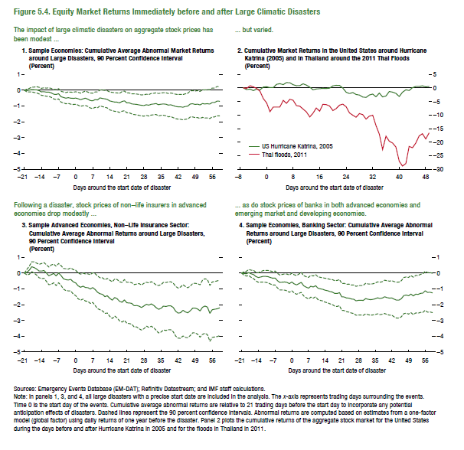
Figure 5.4. Equity Market Returns Immediately before and after Large Climatic Disasters

1. Sample Economies: Cumulative Average Abnormal Market Returns |  |  |  | 2. Cumulative Market Returns in the United States around |  |  | 3. Sample Advanced Economies, Non-Life Insurance Sector: |  |  |  | 4. Sample Economies, Banking Sector:
around Large Disasters, 90 Percent Confidence Interval |  |  |  | Hurricane Katrina (2005) and in Thailand around the 2011 Thai Floods |  |  | Cumulative Average Abnormal Returns around Large Disasters, 90 Percent Confidence Interval |  |  |  | Cumulative Average Abnormal Returns around Large Disasters, 90 Percent Confidence Interval
(Percent) |  |  |  | (Percent) |  |  | (Percent) |  |  |  | (Percent)
 | CAAR | Upper | Lower |  | US Hurricane Katrina, 2005 | Thai Floods, 2011 |  | CAAR | Upper | Lower |  | CAAR | Upper | Lower
-21 | 0.000 | 0.000 | 0.000 | -7 | 0.000 | 0.000 | -21 | 0.000 | 0.000 | 0.000 | -21 | 0.000 | 0.000 | 0.000
-20 | -0.022 | 0.059 | -0.103 | -6 | -0.574 | -0.119 | -20 | 0.056 | 0.229 | -0.117 | -20 | -0.032 | 0.076 | -0.141
-19 | 0.002 | 0.114 | -0.109 | -5 | -0.381 | 0.847 | -19 | 0.179 | 0.436 | -0.078 | -19 | -0.037 | 0.120 | -0.195
-18 | 0.043 | 0.189 | -0.103 | -4 | -0.976 | 0.418 | -18 | 0.400 | 0.710 | 0.090 | -18 | 0.031 | 0.225 | -0.163
-17 | 0.029 | 0.199 | -0.142 | -3 | -0.395 | -0.190 | -17 | 0.346 | 0.703 | -0.012 | -17 | -0.050 | 0.179 | -0.278
-16 | 0.026 | 0.222 | -0.170 | -2 | -0.700 | -1.186 | -16 | 0.254 | 0.632 | -0.123 | -16 | -0.100 | 0.160 | -0.361
-15 | -0.026 | 0.184 | -0.236 | -1 | 0.338 | -3.924 | -15 | 0.132 | 0.556 | -0.292 | -15 | -0.225 | 0.046 | -0.497
-14 | -0.103 | 0.120 | -0.327 | 0 | 0.469 | -5.470 | -14 | 0.127 | 0.608 | -0.354 | -14 | -0.286 | 0.020 | -0.592
-13 | -0.095 | 0.152 | -0.343 | 1 | 0.151 | -8.762 | -13 | 0.165 | 0.662 | -0.332 | -13 | -0.244 | 0.089 | -0.577
-12 | -0.124 | 0.133 | -0.381 | 2 | 0.151 | -7.052 | -12 | 0.005 | 0.529 | -0.518 | -12 | -0.207 | 0.156 | -0.570
-11 | -0.120 | 0.152 | -0.392 | 3 | 1.355 | -7.020 | -11 | -0.176 | 0.384 | -0.736 | -11 | -0.208 | 0.168 | -0.584
-10 | -0.172 | 0.111 | -0.456 | 4 | 1.613 | -7.020 | -10 | -0.099 | 0.514 | -0.713 | -10 | -0.227 | 0.165 | -0.618
-9 | -0.254 | 0.040 | -0.549 | 5 | 1.246 | -4.583 | -9 | -0.026 | 0.566 | -0.617 | -9 | -0.278 | 0.130 | -0.687
-8 | -0.272 | 0.042 | -0.587 | 6 | 2.009 | -5.647 | -8 | -0.180 | 0.432 | -0.791 | -8 | -0.329 | 0.097 | -0.755
-7 | -0.225 | 0.101 | -0.551 | 7 | 1.943 | -4.142 | -7 | -0.003 | 0.607 | -0.613 | -7 | -0.315 | 0.129 | -0.759
-6 | -0.409 | -0.069 | -0.749 | 8 | 1.213 | -4.516 | -6 | -0.149 | 0.476 | -0.774 | -6 | -0.488 | -0.029 | -0.947
-5 | -0.457 | -0.112 | -0.803 | 9 | 0.857 | -6.534 | -5 | -0.361 | 0.293 | -1.015 | -5 | -0.597 | -0.125 | -1.069
-4 | -0.503 | -0.148 | -0.858 | 10 | 0.883 | -6.703 | -4 | -0.422 | 0.273 | -1.117 | -4 | -0.580 | -0.089 | -1.070
-3 | -0.472 | -0.109 | -0.835 | 11 | 1.569 | -7.789 | -3 | -0.436 | 0.252 | -1.125 | -3 | -0.567 | -0.055 | -1.078
-2 | -0.506 | -0.126 | -0.885 | 12 | 1.070 | -8.817 | -2 | -0.402 | 0.328 | -1.133 | -2 | -0.591 | -0.062 | -1.119
-1 | -0.520 | -0.135 | -0.905 | 13 | 0.327 | -10.707 | -1 | -0.554 | 0.221 | -1.329 | -1 | -0.671 | -0.126 | -1.217
0 | -0.497 | -0.100 | -0.894 | 14 | -0.663 | -9.303 | 0 | -0.628 | 0.178 | -1.434 | 0 | -0.567 | -0.011 | -1.123
1 | -0.539 | -0.135 | -0.942 | 15 | -0.356 | -7.406 | 1 | -0.804 | 0.020 | -1.628 | 1 | -0.681 | -0.106 | -1.256
2 | -0.602 | -0.185 | -1.019 | 16 | -0.238 | -8.569 | 2 | -0.899 | -0.074 | -1.725 | 2 | -0.750 | -0.157 | -1.343
3 | -0.551 | -0.122 | -0.980 | 17 | -0.145 | -6.044 | 3 | -0.829 | -0.009 | -1.649 | 3 | -0.671 | -0.061 | -1.281
4 | -0.507 | -0.053 | -0.960 | 18 | -0.161 | -6.168 | 4 | -0.915 | -0.054 | -1.775 | 4 | -0.592 | 0.041 | -1.224
5 | -0.572 | -0.116 | -1.027 | 19 | -0.070 | -6.649 | 5 | -0.926 | -0.056 | -1.796 | 5 | -0.804 | -0.162 | -1.445
6 | -0.653 | -0.181 | -1.125 | 20 | 0.816 | -8.330 | 6 | -1.015 | -0.106 | -1.924 | 6 | -0.888 | -0.228 | -1.549
7 | -0.676 | -0.192 | -1.160 | 21 | 1.013 | -7.628 | 7 | -0.920 | 0.019 | -1.860 | 7 | -0.960 | -0.271 | -1.648
8 | -0.599 | -0.113 | -1.085 | 22 | 0.974 | -6.334 | 8 | -1.047 | -0.039 | -2.056 | 8 | -0.835 | -0.146 | -1.525
9 | -0.612 | -0.109 | -1.115 | 23 | -0.011 | -5.958 | 9 | -1.225 | -0.188 | -2.261 | 9 | -0.884 | -0.184 | -1.584
10 | -0.485 | 0.016 | -0.986 | 24 | -1.562 | -6.939 | 10 | -1.311 | -0.297 | -2.325 | 10 | -0.806 | -0.102 | -1.509
11 | -0.523 | -0.003 | -1.043 | 25 | -2.064 | -9.186 | 11 | -1.351 | -0.301 | -2.401 | 11 | -0.957 | -0.237 | -1.677
12 | -0.544 | -0.012 | -1.076 | 26 | -1.679 | -10.047 | 12 | -1.492 | -0.429 | -2.556 | 12 | -1.003 | -0.270 | -1.736
13 | -0.582 | -0.036 | -1.127 | 27 | -2.385 | -10.824 | 13 | -1.435 | -0.336 | -2.534 | 13 | -1.033 | -0.300 | -1.766
14 | -0.680 | -0.114 | -1.247 | 28 | -2.608 | -9.443 | 14 | -1.600 | -0.453 | -2.747 | 14 | -1.085 | -0.329 | -1.841
15 | -0.717 | -0.140 | -1.293 | 29 | -3.332 | -9.850 | 15 | -1.718 | -0.555 | -2.882 | 15 | -1.118 | -0.359 | -1.878
16 | -0.748 | -0.159 | -1.338 | 30 | -3.470 | -11.473 | 16 | -1.552 | -0.378 | -2.726 | 16 | -1.173 | -0.399 | -1.947
17 | -0.760 | -0.170 | -1.350 | 31 | -2.564 | -10.387 | 17 | -1.625 | -0.408 | -2.842 | 17 | -1.200 | -0.409 | -1.990
18 | -0.805 | -0.194 | -1.415 | 32 | -2.224 | -10.051 | 18 | -1.792 | -0.554 | -3.030 | 18 | -1.284 | -0.478 | -2.091
19 | -0.718 | -0.102 | -1.334 | 33 | -3.250 | -13.855 | 19 | -1.851 | -0.599 | -3.104 | 19 | -1.292 | -0.468 | -2.116
20 | -0.675 | -0.055 | -1.296 | 34 | -1.850 | -17.081 | 20 | -1.706 | -0.414 | -2.998 | 20 | -1.243 | -0.415 | -2.071
21 | -0.800 | -0.170 | -1.430 | 35 | -3.283 | -22.729 | 21 | -1.886 | -0.588 | -3.184 | 21 | -1.507 | -0.659 | -2.356
22 | -0.804 | -0.176 | -1.432 | 36 | -2.972 | -17.812 | 22 | -1.896 | -0.590 | -3.202 | 22 | -1.513 | -0.650 | -2.375
23 | -0.865 | -0.230 | -1.501 | 37 | -1.302 | -19.666 | 23 | -1.925 | -0.612 | -3.239 | 23 | -1.580 | -0.707 | -2.453
24 | -0.887 | -0.231 | -1.544 | 38 | -1.530 | -20.366 | 24 | -2.073 | -0.726 | -3.420 | 24 | -1.585 | -0.697 | -2.472
25 | -0.897 | -0.240 | -1.553 | 39 | -1.972 | -21.779 | 25 | -2.055 | -0.695 | -3.415 | 25 | -1.642 | -0.753 | -2.532
26 | -0.931 | -0.270 | -1.592 | 40 | -3.130 | -27.103 | 26 | -2.097 | -0.664 | -3.530 | 26 | -1.661 | -0.754 | -2.568
27 | -0.959 | -0.300 | -1.617 | 41 | -1.555 | -28.878 | 27 | -2.187 | -0.757 | -3.616 | 27 | -1.757 | -0.840 | -2.673
28 | -0.971 | -0.295 | -1.646 | 42 | -0.661 | -27.903 | 28 | -2.085 | -0.645 | -3.526 | 28 | -1.729 | -0.799 | -2.660
29 | -0.924 | -0.253 | -1.594 | 43 | -0.912 | -21.596 | 29 | -1.976 | -0.586 | -3.367 | 29 | -1.724 | -0.793 | -2.656
30 | -0.953 | -0.273 | -1.633 | 44 | 0.141 | -22.083 | 30 | -2.033 | -0.621 | -3.445 | 30 | -1.732 | -0.781 | -2.684
31 | -0.891 | -0.210 | -1.572 | 45 | 0.567 | -20.349 | 31 | -1.958 | -0.545 | -3.372 | 31 | -1.619 | -0.652 | -2.585
32 | -0.875 | -0.196 | -1.555 | 46 | 0.570 | -17.732 | 32 | -2.052 | -0.636 | -3.468 | 32 | -1.660 | -0.689 | -2.631
33 | -0.848 | -0.161 | -1.535 | 47 | 0.808 | -16.887 | 33 | -2.191 | -0.756 | -3.626 | 33 | -1.685 | -0.703 | -2.668
34 | -0.920 | -0.212 | -1.628 | 48 | 0.447 | -18.830 | 34 | -2.296 | -0.795 | -3.797 | 34 | -1.666 | -0.679 | -2.652
35 | -0.887 | -0.181 | -1.592 | 49 | 0.596 | -16.656 | 35 | -2.234 | -0.728 | -3.740 | 35 | -1.629 | -0.630 | -2.628
36 | -0.872 | -0.159 | -1.585 | 50 |  |  | 36 | -2.096 | -0.589 | -3.603 | 36 | -1.567 | -0.557 | -2.578
37 | -0.885 | -0.159 | -1.611 |  |  |  | 37 | -2.119 | -0.601 | -3.637 | 37 | -1.609 | -0.584 | -2.634
38 | -0.945 | -0.207 | -1.682 |  |  |  | 38 | -2.077 | -0.560 | -3.594 | 38 | -1.580 | -0.550 | -2.610
39 | -0.924 | -0.177 | -1.672 |  |  |  | 39 | -2.074 | -0.554 | -3.593 | 39 | -1.503 | -0.448 | -2.558
40 | -0.971 | -0.210 | -1.733 |  |  |  | 40 | -2.177 | -0.634 | -3.719 | 40 | -1.559 | -0.492 | -2.626
41 | -1.025 | -0.252 | -1.798 |  |  |  | 41 | -2.424 | -0.853 | -3.995 | 41 | -1.587 | -0.508 | -2.666
42 | -1.053 | -0.271 | -1.835 |  |  |  | 42 | -2.537 | -0.949 | -4.126 | 42 | -1.580 | -0.487 | -2.673
43 | -1.053 | -0.265 | -1.842 |  |  |  | 43 | -2.513 | -0.890 | -4.135 | 43 | -1.657 | -0.539 | -2.774
44 | -1.078 | -0.277 | -1.878 |  |  |  | 44 | -2.360 | -0.737 | -3.984 | 44 | -1.718 | -0.582 | -2.853
45 | -1.034 | -0.231 | -1.837 |  |  |  | 45 | -2.467 | -0.854 | -4.080 | 45 | -1.711 | -0.572 | -2.849
46 | -1.009 | -0.193 | -1.825 |  |  |  | 46 | -2.518 | -0.934 | -4.103 | 46 | -1.626 | -0.483 | -2.768
47 | -0.871 | -0.046 | -1.696 |  |  |  | 47 | -2.387 | -0.822 | -3.952 | 47 | -1.427 | -0.284 | -2.569
48 | -0.861 | -0.028 | -1.694 |  |  |  | 48 | -2.222 | -0.658 | -3.786 | 48 | -1.394 | -0.247 | -2.540
49 | -0.896 | -0.058 | -1.734 |  |  |  | 49 | -2.219 | -0.645 | -3.794 | 49 | -1.438 | -0.279 | -2.597
50 | -0.883 | -0.031 | -1.734 |  |  |  | 50 | -2.282 | -0.682 | -3.881 | 50 | -1.331 | -0.155 | -2.507
51 | -0.933 | -0.079 | -1.787 |  |  |  | 51 | -2.400 | -0.740 | -4.060 | 51 | -1.445 | -0.265 | -2.625
52 | -0.849 | 0.024 | -1.721 |  |  |  | 52 | -2.168 | -0.448 | -3.888 | 52 | -1.338 | -0.152 | -2.524
53 | -0.873 | 0.015 | -1.761 |  |  |  | 53 | -2.090 | -0.363 | -3.818 | 53 | -1.352 | -0.163 | -2.541
54 | -0.855 | 0.044 | -1.754 |  |  |  | 54 | -2.158 | -0.413 | -3.904 | 54 | -1.286 | -0.080 | -2.491
55 | -0.882 | 0.028 | -1.792 |  |  |  | 55 | -2.553 | -0.781 | -4.326 | 55 | -1.267 | -0.048 | -2.486
56 | -0.783 | 0.132 | -1.699 |  |  |  | 56 | -2.325 | -0.567 | -4.083 | 56 | -1.122 | 0.117 | -2.360
57 | -0.776 | 0.142 | -1.694 |  |  |  | 57 | -2.291 | -0.533 | -4.049 | 57 | -1.226 | 0.027 | -2.479
58 | -0.695 | 0.228 | -1.618 |  |  |  | 58 | -2.265 | -0.498 | -4.031 | 58 | -1.211 | 0.036 | -2.459
59 | -0.699 | 0.228 | -1.625 |  |  |  | 59 | -2.208 | -0.447 | -3.969 | 59 | -1.260 | -0.013 | -2.506

2014-03-12 | -8.20
2014-03-13 | -8.84
2014-03-14 | -3.41
2014-03-17 | -3.55
2014-03-18 | -5.63
2014-03-19 | -7.36
2014-03-20 | -9.33
2014-03-21 | -5.81
2014-03-24 | -6.63
2014-03-25 | -6.85
2014-03-26 | -8.37
2014-03-27 | -10.82
...

Figure 5.5.
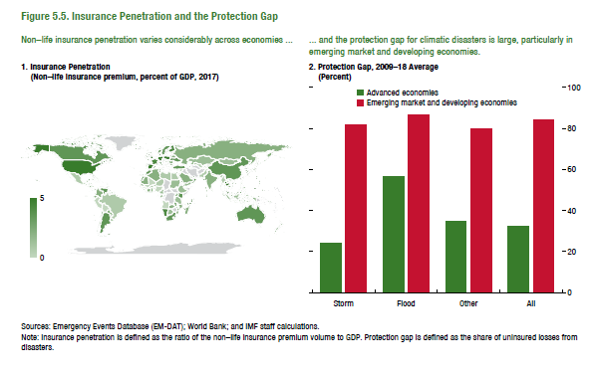
Figure 5.5. Insurance Penetration and the Protection Gap
1. Insurance Penetration
(Non-life insurance premium, percent of GDP, 2017)

ISO code | Country name
ALB | Albania | 0.88
DZA | Algeria | 0.64
AGO | Angola | 0.25
ATG | Antigua and Barbuda | 4.14
ARG | Argentina | 2.13
ARM | Armenia | 0.52
ABW | Aruba | 1.30
AUS | Australia | 2.16
AUT | Austria | 2.58
AZE | Azerbaijan | 0.68
BHS | Bahamas | 2.63
BHR | Bahrain | 1.04
BGD | Bangladesh | 0.15
BRB | Barbados | 4.51
BLR | Belarus | 0.78
BEL | Belgium | 2.10
BLZ | Belize | 2.48
BEN | Benin | 0.43
BOL | Bolivia | 0.72
BIH | Bosnia and Herzegovina | 1.53
BWA | Botswana | 0.73
BRA | Brazil | 1.03
BRN | Brunei Darussalam | 0.37
BGR | Bulgaria | 1.66
BFA | Burkina Faso | 0.45
...

Figure 5.6.
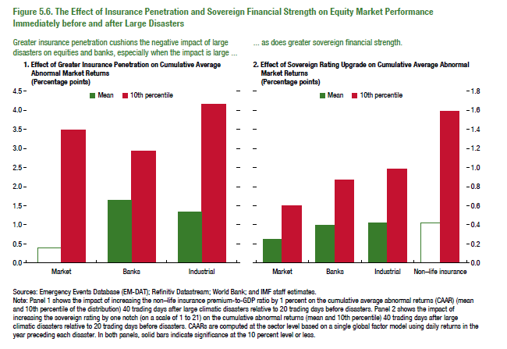
Figure 5.6. The Effect of Insurance Penetration and Sovereign Financial Strength on Equity Market Performance Immediately before and after Large Disasters

1. Effect of Greater Insurance Penetration on Cumulative Average Abnormal Market Returns
(Percentage points)
 | Mean | 10th percentile
Market | 0.41 | 3.49
Banks | 1.65 | 2.94
Industrial | 1.34 | 4.16

2. Effect of Sovereign Rating Upgrade on Cumulative Average Abnormal Market Returns
(Percentage points)
 | Mean | 10th percentile
Market | 0.25 | 0.60
Banks | 0.39 | 0.87
Industrial | 0.42 | 0.98
Non-life insurance | 0.42 | 1.59

Figure 5.7.
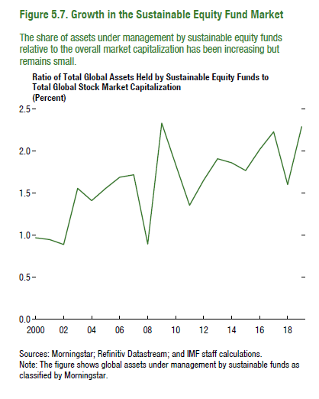
Figure 5.7. Growth in the Sustainable Equity Fund Market

Ratio of Total Global Assets Held by Sustainable Equity Funds to Total Global Stock Market Capitalization
(Percent)

2000 | 0.97
2001 | 0.95
2002 | 0.89
2003 | 1.56
2004 | 1.41
2005 | 1.56
2006 | 1.69
2007 | 1.72
2008 | 0.89
2009 | 2.33
2010 | 1.84
2011 | 1.36
2012 | 1.65
2013 | 1.91
2014 | 1.86
2015 | 1.77
2016 | 2.02
2017 | 2.23
2018 | 1.60
2019 | 2.29

Figure 5.8.
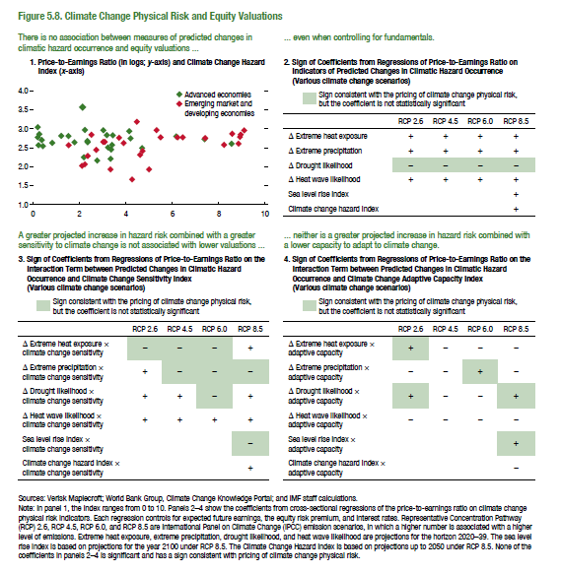
Figure 5.8. Climate Change Physical Risk and Equity Valuations

1. Price-to-Earnings Ratio (in logs; y-axis) and Climate Change Hazard Index (x-axis)

ISO code | log(P/E ratio) | Classification
AUS | 2.82 | AE
AUT | 2.24 | AE
BEL | 2.86 | AE
CAN | 2.74 | AE
CHE | 2.97 | AE
CZE | 2.64 | AE
DEU | 2.63 | AE
DNK | 3.04 | AE
ESP | 2.51 | AE
EST | 2.54 | AE
FIN | 2.81 | AE
FRA | 2.68 | AE
GBR | 2.56 | AE
GRC | 2.80 | AE
HKG | 2.83 | AE
IRL | 2.77 | AE
ISR | 2.45 | AE
ITA | 2.49 | AE
JPN | 2.57 | AE
KOR | 2.20 | AE
NLD | 2.70 | AE
NOR | 2.64 | AE
NZL | 3.57 | AE
PRT | 2.96 | AE
SGP | 2.61 | AE
SVN | 2.16 | AE
SWE | 2.81 | AE
TWN | 2.72 | AE
USA | 2.94 | AE
ARE | 2.41 | EM
ARG | 2.02 | EM
BRA | 2.75 | EM
CHL | 2.76 | EM
CHN | 2.65 | EM
COL | 2.60 | EM
...

Figure 5.9
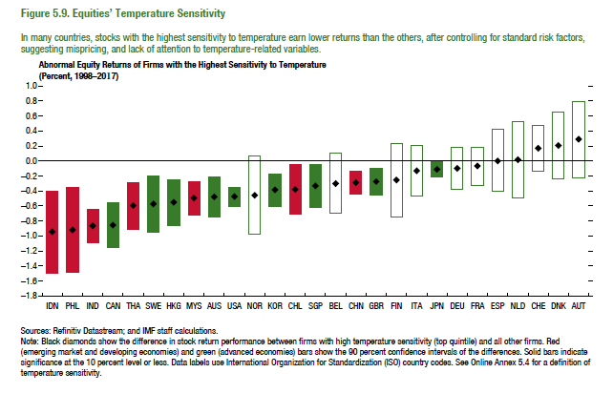
Figure 1.8. Selected Advanced Economies: Current Deleveraging Episodes (Weighted average)
3. Public Debt
(Percent of GDP)
1. Private Debt
(Percent of GDP)
Sources: Bank for International Settlements; IMF, World Economic Outlook; and IMF staff estimates.
Figure 5.9. Equities’ Temperature Sensitivity

Abnormal Equity Returns of Firms with the Highest Sensitivity to Temperature
(Percent, 1998–2017)
 | Difference | Higher | Effective
IDN | -0.95 | -0.40 | -1.09
PHL | -0.92 | -0.35 | -1.13
IND | -0.87 | -0.64 | -0.45
CAN | -0.86 | -0.55 | -0.61
THA | -0.60 | -0.28 | -0.63
SWE | -0.58 | -0.20 | -0.75
HKG | -0.56 | -0.25 | -0.62
MYS | -0.50 | -0.27 | -0.45
AUS | -0.48 | -0.21 | -0.54
USA | -0.47 | -0.35 | -0.25
NOR | -0.46 | 0.07 | -0.98
KOR | -0.39 | -0.17 | -0.43
CHL | -0.38 | -0.05 | -0.66
SGP | -0.33 | -0.05 | -0.57
BEL | -0.30 | 0.10 | -0.70
CHN | -0.29 | -0.14 | -0.30
GBR | -0.27 | -0.09 | -0.36
FIN | -0.26 | 0.23 | -0.74
ITA | -0.13 | 0.21 | -0.47
JPN | -0.11 | -0.01 | -0.19
DEU | -0.10 | 0.18 | -0.38
FRA | -0.07 | 0.18 | -0.33
ESP | 0.00 | 0.42 | -0.41
NLD | 0.02 | 0.52 | -0.49
CHE | 0.17 | 0.47 | -0.14
DNK | 0.21 | 0.65 | -0.24
...

