Figure 3.1.
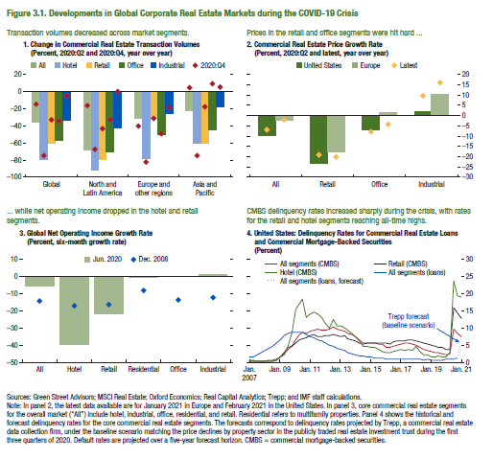
Figure 3.1. Developments in Global Corporate Real Estate Markets During the COVID-19 Crisis

Note: Because of the data licensing agreement, the data series shown in all panels of this figure are proprietary.

Figure 3.2.
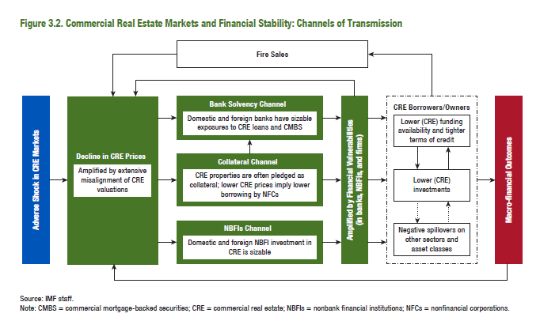
Figure 3.2. Commercial Real Estate Markets and Financial Stability: Channels of Transmission

Figure 3.3.
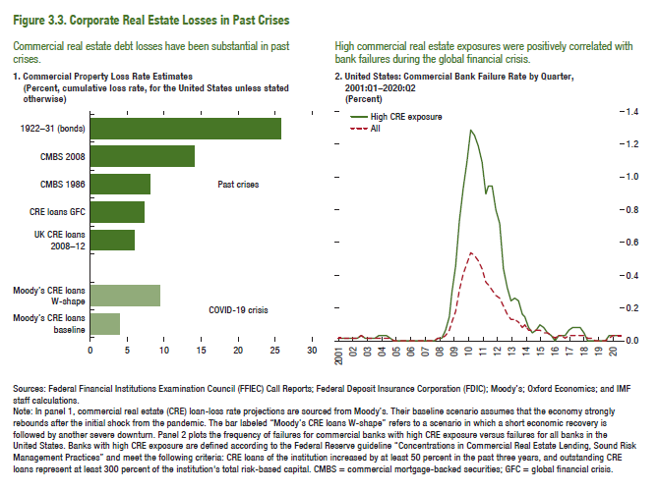
Figure 3.3. Corporate Real Estate Losses in Past Crises

1. Commercial Property Loss Rate Estimates |  | 2. United States: Commercial Bank Failure Rate by Quarter,
(Percent, cumulative loss rate, for the United States unless stated otherwise) |  | (Percent)

COVID-19 crisis | 3.9 |  | High CRE exposure | All
Moody's CRE loans baseline | 9.2 | 2001Q1 | 0.01129 | 0.01129
Moody's CRE loans W-shape |  | 2001Q2 | 0.01133 | 0.01133
 |  | 2001Q3 | 0.00756 | 0.00756
Past crises | 6.0 | 2001Q4 | 0.01718 | 0.01718
UK CRE loans 2008-2012 | 7.3 | 2002Q1 | 0.01726 | 0.01726
CRE loans GFC | 8.0 | 2002Q2 | 0.01733 | 0.01733
CMBS 1986 | 13.9 | 2002Q3 | 0.02320 | 0.02320
CMBS 2008 | 25.6 | 2002Q4 | 0.01464 | 0.01464
1922-1931 (bonds) |  | 2003Q1 | 0.01470 | 0.01470
 |  | 2003Q2 | 0.01178 | 0.01178
 |  | 2003Q3 | 0.00889 | 0.00889
 |  | 2003Q4 | 0.02509 | 0.01193
 |  | 2004Q1 | 0.02213 | 0.01199
 |  | 2004Q2 | 0.02213 | 0.01199
 |  | 2004Q3 | 0.01915 | 0.00901
 |  | 2004Q4 | 0.00000 | 0.00302
 |  | 2005Q1 | 0.00000 | 0.00000
 |  | 2005Q2 | 0.00000 | 0.00000
 |  | 2005Q3 | 0.00000 | 0.00000
 |  | 2005Q4 | 0.00000 | 0.00000
 |  | 2006Q1 | 0.00000 | 0.00000
 |  | 2006Q2 | 0.00000 | 0.00000
 |  | 2006Q3 | 0.00000 | 0.00000
 |  | 2006Q4 | 0.00000 | 0.00000
 |  | 2007Q1 | 0.00000 | 0.00000
 |  | 2007Q2 | 0.00000 | 0.00000
 |  | 2007Q3 | 0.00000 | 0.00000
 |  | 2007Q4 | 0.00820 | 0.00642
 |  | 2008Q1 | 0.01643 | 0.01288
 |  | 2008Q2 | 0.06605 | 0.03237
 |  | 2008Q3 | 0.14102 | 0.06182
 |  | 2008Q4 | 0.28438 | 0.11816
 |  | 2009Q1 | 0.45620 | 0.18151
 |  | 2009Q2 | 0.72270 | 0.30248
 |  | 2009Q3 | 0.92185 | 0.39815
 |  | 2009Q4 | 1.08409 | 0.46173
 |  | 2010Q1 | 1.28635 | 0.54019
 |  | 2010Q2 | 1.24896 | 0.51160 | 2018 | 0.012 | 0.251 | 0.004 | 0.654 | 2018 | 122.21 | 0.14
 |  | 2010Q3 | 1.17854 | 0.48163
 |  | 2010Q4 | 1.09487 | 0.44101
 |  | 2011Q1 | 0.89318 | 0.36135
 |  | 2011Q2 | 0.94448 | 0.34039
 |  | 2011Q3 | 0.93422 | 0.31122
 |  | 2011Q4 | 0.80030 | 0.27336
 |  | 2012Q1 | 0.70604 | 0.25558
 |  | 2012Q2 | 0.44172 | 0.20570
 |  | 2012Q3 | 0.31881 | 0.16731
 |  | 2012Q4 | 0.23778 | 0.13343
 |  | 2013Q1 | 0.24993 | 0.12494
 |  | 2013Q2 | 0.23544 | 0.10533
 |  | 2013Q3 | 0.16490 | 0.08493
 |  | 2013Q4 | 0.14972 | 0.08912
 |  | 2014Q1 | 0.07048 | 0.06886
 |  | 2014Q2 | 0.03910 | 0.05488
 |  | 2014Q3 | 0.05935 | 0.06273
 |  | 2014Q4 | 0.09173 | 0.05977
 |  | 2015Q1 | 0.07248 | 0.04155
 |  | 2015Q2 | 0.05263 | 0.03802
 |  | 2015Q3 | 0.03238 | 0.03088
 |  | 2015Q4 | 0.00000 | 0.01967
 |  | 2016Q1 | 0.02857 | 0.02391
 |  | 2016Q2 | 0.02857 | 0.02819
 |  | 2016Q3 | 0.02857 | 0.02028
 |  | 2016Q4 | 0.05486 | 0.02885
 |  | 2017Q1 | 0.07720 | 0.03345
 |  | 2017Q2 | 0.07720 | 0.02527
 |  | 2017Q3 | 0.07720 | 0.03390
 |  | 2017Q4 | 0.05092 | 0.02133
 |  | 2018Q1 | 0.00000 | 0.00864
 |  | 2018Q2 | 0.00000 | 0.00864
 |  | 2018Q3 | 0.00000 | 0.00000
 |  | 2018Q4 | 0.00000 | 0.00000
 |  | 2019Q1 | 0.00000 | 0.00462
 |  | 2019Q2 | 0.00000 | 0.00462
 |  | 2019Q3 | 0.02470 | 0.01875
 |  | 2019Q4 | 0.02470 | 0.02353
 |  | 2020Q1 | 0.02470 | 0.02375
 |  | 2020Q2 | 0.02470 | 0.02375

Figure 3.4.
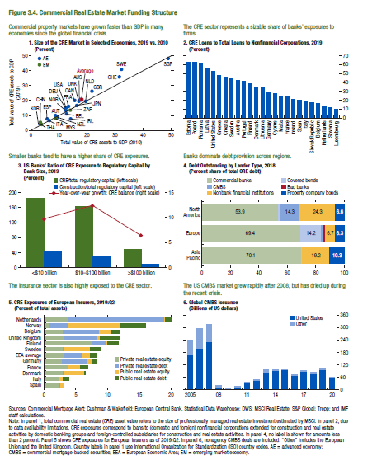
Figure 3.4. Commercial Real Estate Market Funding Structure

1. Size of the CRE Market in Selected Economies, 2019 vs. 2010 (Percent) |  |  |  | 2. CRE Loans to Total Loans to Nonfinancial Corporations, 2019 (Percent) |  | 3. US Banks’ Ratio of CRE Exposure to Regulatory Capital by Bank Size, 2019 (Percent) |  |  |  | Note: Because of the data licensing agreement, the data series shown in panels 4, 5 and 6 of this figure are proprietary.

 |  | %GDP (2010) | %GDP (2019)
AUS | Australia | 17.7 | 20.6 | Estonia | 61.8 | as of 2019 | CRE/Total regulatory capital (left scale) | Construction/Total regulatory capital (left scale) | Year-over-year growth: CRE balance (right scale)
AUT | Austria | 9.0 | 9.8 | Poland | 61.8 | <$10 billion | 183.7 | 42.7 | 9.7
BEL | Belgium | 12.9 | 11.0 | Romania | 60.3 | $10-$100 billion | 165.1 | 31.8 | 12.6
CAN | Canada | 15.8 | 19.9 | Latvia | 55.5 | >$100 billion | 49.3 | 8.7 | 6.5
DNK | Denmark | 17.3 | 19.4 | United States | 51.5
FRA | France | 13.5 | 16.2 | Greece | 46.8
DEU | Germany | 12.6 | 14.6 | Croatia | 45.6
IRL | Ireland | 14.2 | 7.8 | Sweden | 43.1
ITA | Italy | 6.8 | 6.3 | Austria | 41.7
JPN | Japan | 16.6 | 16.7 | Portugal | 40.0
KOR | Korea | 3.4 | 5.1 | Finland | 37.7
NLD | Netherlands | 19.6 | 19.5 | Denmark | 34.5
NZL | New Zealand | 9.8 | 8.9 | Lithuania | 33.1
NOR | Norway | 12.6 | 13.0 | Germany | 28.2
ZAF | South Africa | 14.0 | 13.2 | Cyprus | 27.4
ESP | Spain | 6.0 | 7.6 | Malta | 23.3
SWE | Sweden | 32.3 | 40.6 | France | 23.0
CHE | Switzerland | 31.6 | 35.3 | Ireland | 21.1
GBR | United Kingdom | 21.9 | 26.1 | Spain | 19.3
USA | United States | 12.5 | 14.9 | Italy | 18.0
CHN | China | 3.8 | 3.9 | Slovak Republic | 17.4
HKG | Hong Kong SAR | 81.7 | 96.6 | Belgium | 15.4
MYS | Malaysia | 8.8 | 7.8 | Netherlands | 13.1
SGP | Singapore | 48.8 | 47.6 | Slovenia | 10.3
THA | Thailand | 3.4 | 4.3 | Luxembourg | 9.8
Average |  | 17.9 | 20.1

2014-03-12 | -8.20
2014-03-13 | -8.84
2014-03-14 | -3.41
2014-03-17 | -3.55
2014-03-18 | -5.63
2014-03-19 | -7.36
2014-03-20 | -9.33
2014-03-21 | -5.81
2014-03-24 | -6.63
2014-03-25 | -6.85
2014-03-26 | -8.37
2014-03-27 | -10.82
2014-03-28 | -11.23
2014-03-31 | -11.36
2014-04-01 | -8.79
2014-04-02 | -8.05
2014-04-03 | -8.69
2014-04-04 | -9.05
2014-04-07 | -9.94
2014-04-08 | -8.11
2014-04-09 | -8.35
2014-04-10 | -10.07
2014-04-11 | -10.51
2014-04-14 | -10.96
2014-04-15 | -8.00
2014-04-16 | -11.27
2014-04-17 | -10.74
2014-04-18 | -10.84
2014-04-21 | -10.88
2014-04-22 | -6.42
2014-04-23 | -8.96
2014-04-24 | -9.98
2014-04-25 | -10.47
2014-04-28 | -11.48
2014-04-29 | -9.27
2014-04-30 | -9.36
2014-05-01 | -9.70
2014-05-02 | -8.65
2014-05-05 | -6.42
2014-05-06 | -6.60
2014-05-07 | -7.80
2014-05-08 | -8.93
2014-05-09 | -8.71
2014-05-12 | -6.20
2014-05-13 | -7.63
2014-05-14 | -8.88
2014-05-15 | -9.02
2014-05-16 | -8.73
2014-05-19 | -6.77
2014-05-20 | -7.10
2014-05-21 | -8.66
2014-05-22 | -9.25
2014-05-23 | -8.98
2014-05-26 | -7.17
2014-05-27 | -8.13
2014-05-28 | -10.22
2014-05-29 | -11.50
2014-05-30 | -12.24
2014-06-02 | -8.65
2014-06-03 | -8.70
2014-06-04 | -10.68
2014-06-05 | -12.30
2014-06-06 | -11.53
2014-06-09 | -11.55
2014-06-10 | -8.72
2014-06-11 | -9.82
2014-06-12 | -12.09
2014-06-13 | -12.61
2014-06-16 | -12.71
2014-06-17 | -9.48
2014-06-18 | -10.27
2014-06-19 | -10.58
2014-06-20 | -10.23
2014-06-23 | -10.39
2014-06-24 | -8.95
2014-06-25 | -10.03
2014-06-26 | -10.51
2014-06-27 | -10.55
2014-06-30 | -9.34
2014-07-01 | -7.49
2014-07-02 | -9.49
2014-07-03 | -10.37
2014-07-04 | -10.74
2014-07-07 | -8.24
2014-07-08 | -8.17
2014-07-09 | -9.83
2014-07-10 | -9.87
2014-07-11 | -9.23
2014-07-14 | -7.19
2014-07-15 | -7.62
2014-07-16 | -9.67
2014-07-17 | -10.22
2014-07-18 | -10.82
2014-07-21 | -8.23
2014-07-22 | -7.92
2014-07-23 | -9.04
2014-07-24 | -9.13
2014-07-25 | -9.22
2014-07-28 | -10.52
2014-07-29 | -12.43
2014-07-30 | -8.37
2014-07-31 | -8.75
2014-08-01 | -7.20
2014-08-04 | -7.18
2014-08-05 | -7.80
2014-08-06 | -9.52
2014-08-07 | -9.03
2014-08-08 | -9.08
2014-08-11 | -7.10
2014-08-12 | -7.37
2014-08-13 | -8.90
2014-08-14 | -9.74
2014-08-15 | -10.16
2014-08-18 | -10.62
2014-08-19 | -8.90
2014-08-20 | -10.24
2014-08-21 | -10.52
2014-08-22 | -10.35
2014-08-25 | -8.16
2014-08-26 | -8.49
2014-08-27 | -8.52
2014-08-28 | -12.52
2014-08-29 | -13.53
2014-09-01 | -13.53
2014-09-02 | -10.19
2014-09-03 | -10.19
2014-09-04 | -14.24
2014-09-05 | -13.69
2014-09-08 | -14.46
2014-09-09 | -11.73
2014-09-10 | -11.58
2014-09-11 | -12.31
2014-09-12 | -12.27
2014-09-15 | -12.74
2014-09-16 | -10.55
2014-09-17 | -12.39
2014-09-18 | -13.42
2014-09-19 | -14.50
2014-09-22 | -12.80
2014-09-23 | -9.52
2014-09-24 | -9.13
2014-09-25 | -11.16
2014-09-26 | -10.90
2014-09-29 | -7.41
2014-09-30 | -7.68
2014-10-01 | -9.76
2014-10-02 | -9.34
2014-10-03 | -6.83
2014-10-06 | -7.62
2014-10-07 | -6.40
2014-10-08 | -7.56
2014-10-09 | -7.52
2014-10-10 | -8.37
2014-10-13 | -6.40
2014-10-14 | -7.23
2014-10-15 | -8.50
2014-10-16 | -8.97
2014-10-17 | -7.70
2014-10-20 | -6.97
2014-10-21 | -8.87
2014-10-22 | -10.02
2014-10-23 | -8.30
2014-10-24 | -8.53
2014-10-27 | -10.17
2014-10-28 | -11.08
2014-10-29 | -12.31
2014-10-30 | -10.62
2014-10-31 | -11.16
2014-11-03 | -10.88
2014-11-04 | -9.13
2014-11-05 | -8.86
2014-11-06 | -9.99
2014-11-07 | -10.47
2014-11-10 | -8.69
2014-11-11 | -8.11
2014-11-12 | -10.92
2014-11-13 | -11.09
2014-11-14 | -10.92
2014-11-17 | -8.27
2014-11-18 | -9.20
2014-11-19 | -10.59
2014-11-20 | -11.60
2014-11-21 | -7.26
2014-11-24 | -7.01
2014-11-25 | -7.33
2014-11-26 | -7.50
2014-11-27 | -17.56
2014-11-28 | -21.01
2014-12-01 | -19.82
2014-12-02 | -21.96
2014-12-03 | -22.52
2014-12-04 | -21.78
2014-12-05 | -21.96
2014-12-08 | -20.59
2014-12-09 | -21.49
2014-12-10 | -21.58
2014-12-11 | -18.40
2014-12-12 | -19.13
2014-12-15 | -16.99
2014-12-16 | -17.51
2014-12-17 | -19.55
2014-12-18 | -20.28
2014-12-19 | -17.96
2014-12-22 | -21.65
2014-12-23 | -21.54
2014-12-24 | -21.75
2014-12-25 | -21.81
2014-12-26 | -21.45
2014-12-29 | -19.56
2014-12-30 | -16.42
...

Figure 3.5.
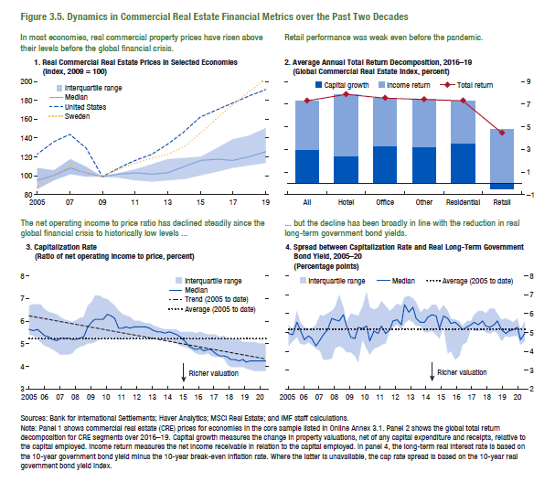
Figure 3.5. Dynamics in Commercial Real Estate Financial Metrics Over the Past Two Decades

1. Real Commercial Real Estate Prices in Selected Economies
(Index, 2009=100)
...
 | Interquartile range | Median | Interquartile range
2005 | 86.9 | 96.0 | 108.3
2006 | 95.9 | 101.0 | 106.4
2007 | 102.6 | 108.7 | 117.5
2008 | 100.2 | 103.0 | 110.6
2009 | 100.0 | 100.0 | 100.0
2010 | 98.1 | 102.0 | 104.1
2011 | 95.2 | 103.2 | 107.6
2012 | 94.6 | 102.3 | 112.9
2013 | 95.6 | 103.4 | 117.5
2014 | 97.4 | 110.3 | 119.2
2015 | 101.4 | 117.0 | 121.0
2016 | 105.1 | 117.7 | 130.2
2017 | 109.2 | 117.0 | 139.3
2018 | 111.8 | 120.7 | 143.4
2019 | 114.3 | 126.2 | 150.2
...

Figure 3.6.
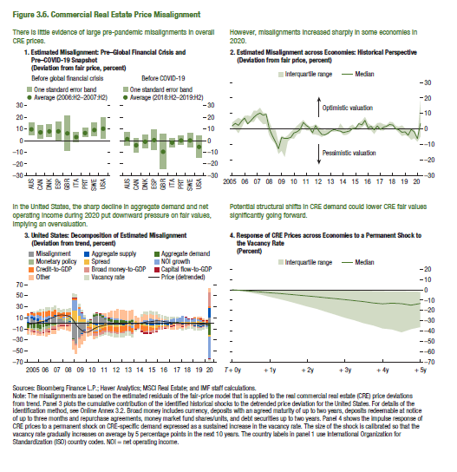
Figure 3.6. Commercial Real Estate Price Misalignment

1. Estimated Misalignment: Pre–Global Financial Crisis and Pre–COVID-19 Snapshot
(Deviation from fair price; percent)

Pre-pandemic average (2006:H2-2007:H2) | +1 sigma bar | -1 sigma bar
9.88 | 11.58 | 4.09
7.33 | 11.98 | 1.34
8.11 | 11.06 | 2.58
8.15 | 16.62 | -0.31
6.51 | 21.43 | -8.41
3.12 | 7.06 | -0.83
6.84 | 7.65 | 3.01
9.43 | 12.64 | 3.11
10.45 | 18.58 | 1.16
...

Figure 3.7.
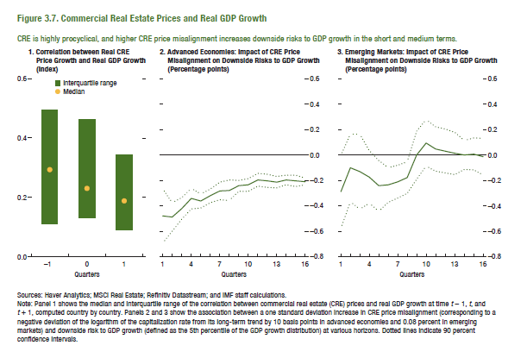
Figure 3.7. Commercial Real Estate Prices and Real GDP Growth

1. Correlation between Real CRE Price Growth and Real GDP Growth
(Index)

 | Interquartile range | Median
-1 | 0.385 | 0.287
0 | 0.332 | 0.229
1 | 0.254 | 0.183
...

Figure 3.8.
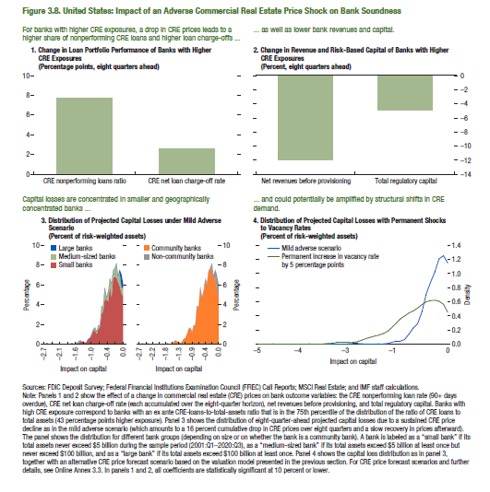
Figure 3.8. United States: Impact of an Adverse Commercial Real Estate Price Shock on Bank Soundness

1. Change in Loan Portfolio Performance of Banks with Higher CRE Exposures
(Percentage points, eight quarters ahead)

CRE nonperforming loans ratio | CRE net loan charge-off rate
7.74 | 2.54
...

Figure 3.9.
Figure 1.8. Selected Advanced Economies: Current Deleveraging Episodes (Weighted average)
3. Public Debt
(Percent of GDP)
1. Private Debt
(Percent of GDP)
Sources: Bank for International Settlements; IMF, World Economic Outlook; and IMF staff estimates.
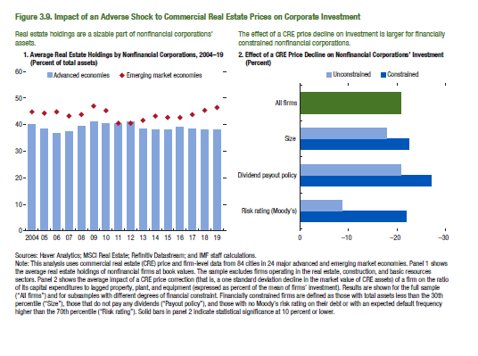
Figure 3.9. Impact of an Adverse Shock to Commercial Real Estate Prices on Corporate Investment

1. Average Real Estate Holdings by Nonfinancial Corporations, 2004−19
(Percent of total assets)

 | Advanced economies | Emerging market economies
2004 | 39.6 | 44.2
2005 | 38.0 | 43.8
2006 | 36.8 | 44.2
2007 | 37.4 | 42.7
2008 | 39.3 | 43.1
2009 | 41.2 | 46.7
2010 | 40.5 | 45.1
2011 | 40.2 | 40.0
2012 | 40.7 | 39.9
2013 | 38.4 | 40.9
2014 | 37.8 | 42.8
2015 | 37.8 | 42.2
2016 | 38.8 | 42.4
2017 | 38.1 | 43.2
2018 | 37.8 | 45.1
2019 | 37.6 | 45.9

Figure 3.10.
Figure 1.8. Selected Advanced Economies: Current Deleveraging Episodes (Weighted average)
3. Public Debt
(Percent of GDP)
1. Private Debt
(Percent of GDP)
Sources: Bank for International Settlements; IMF, World Economic Outlook; and IMF staff estimates.
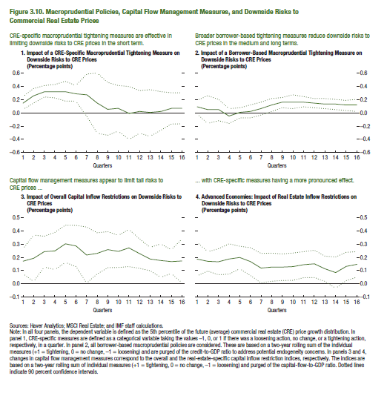
Figure 3.10. Macroprudential Policies, Capital Flow Management Measures, and Downside Risks to Commercial Real Estate Prices

1. Impact of a CRE-Specific Macroprudential Tightening Measure on Downside Risks to CRE Prices
(Percentage points)

5th percentile | Low | High
0.145 | 0.049 | 0.241
0.249 | 0.137 | 0.361
0.317 | 0.230 | 0.404
0.317 | 0.213 | 0.421
0.316 | 0.166 | 0.466
0.289 | 0.177 | 0.401
0.260 | -0.062 | 0.582
0.143 | -0.307 | 0.593
0.051 | -0.343 | 0.445
0.062 | -0.278 | 0.402
-0.013 | -0.409 | 0.383
0.013 | -0.307 | 0.333
-0.005 | -0.355 | 0.345
0.023 | -0.269 | 0.315
0.064 | -0.167 | 0.295
0.068 | -0.163 | 0.299

Box 3.1. Figure
Figure 1.8. Selected Advanced Economies: Current Deleveraging Episodes (Weighted average)
3. Public Debt
(Percent of GDP)
1. Private Debt
(Percent of GDP)
Sources: Bank for International Settlements; IMF, World Economic Outlook; and IMF staff estimates.
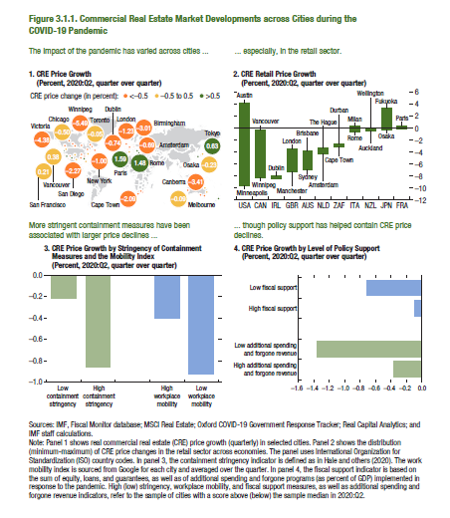
Figure 3.1.1. Commercial Real Estate Market Developments Across Cities During the COVID-19 Pandemic

1. CRE Price Growth
(Percent, 2020:Q2, quarter over quarter)

Note: Because of the data licensing agreement, the data series shown in panels 1 and 2 of this figure are proprietary.
...

Box 3.2. Figure
Figure 1.8. Selected Advanced Economies: Current Deleveraging Episodes (Weighted average)
3. Public Debt
(Percent of GDP)
1. Private Debt
(Percent of GDP)
Sources: Bank for International Settlements; IMF, World Economic Outlook; and IMF staff estimates.
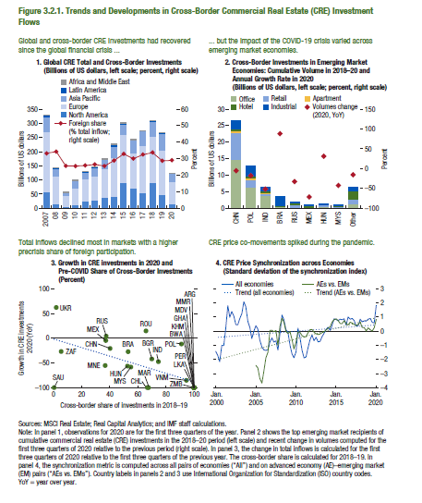
Figure 3.2.1. Trends and Developments in Cross-Border Commercial Real Estate (CRE) Investment Flows

1. Global CRE Total and Cross-Border Investments
(Billions of US dollars, left scale; percent, right scale)

 | North America | Europe | Asia Pacific
2007 | 58.09 | 211.02 | 52.46
2008 | 17.30 | 96.44 | 25.27
2009 | 5.39 | 40.59 | 9.76
2010 | 12.52 | 59.60 | 25.35
2011 | 24.73 | 77.55 | 24.89
2012 | 28.62 | 83.45 | 30.01
2013 | 37.85 | 102.26 | 32.11
2014 | 42.90 | 135.88 | 40.39
2015 | 91.43 | 167.51 | 38.71
2016 | 71.33 | 123.49 | 45.69
2017 | 54.67 | 166.68 | 50.71
2018 | 91.93 | 160.61 | 52.64
2019 | 49.69 | 156.53 | 58.41
2020 | 16.61 | 76.87 | 28.70
...

Box 3.3. Figure
Figure 1.8. Selected Advanced Economies: Current Deleveraging Episodes (Weighted average)
3. Public Debt
(Percent of GDP)
1. Private Debt
(Percent of GDP)
Sources: Bank for International Settlements; IMF, World Economic Outlook; and IMF staff estimates.
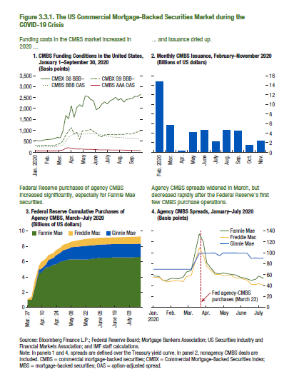
Figure 3.3.1. The US Commercial Mortgage-Backed Securities Market during the COVID-19 Crisis

Note: Because of the data licensing agreement, the data series shown in panels 1, 3 and 4 of this figure are proprietary.
...

