Figure 2.3.
Figure 2.3. Stablecoins

1. Reserves of Top Stablecoins
(Share and US billion)
2. IRON Stablecoin and Titan Price
(US dollars)

 | Tether | USD Coin | Binance USD | DAI |  | IRON stablecoin | Titan token (right scale)
Cash/Bank deposits/Treasury bills | 0.3 | 0.9 | 1.0 |  | 6/2/21 | 1.00 | 1.68
US govt bonds |  |  |  |  | 6/3/21 | 1.00 | 1.68
Yankee CDs |  | 0.1 |  |  | 6/4/21 | 1.00 | 2.55
Commercial paper | 0.5 | 0.0 |  |  | 6/5/21 | 1.01 | 3.17
Corporate bonds | 0.1 | 0.0 |  |  | 6/6/21 | 1.00 | 3.36
Secured loans | 0.0 |  |  |  | 6/7/21 | 1.01 | 4.83
Other | 0.0 | 0.0 |  |  | 6/8/21 | 1.00 | 6.26
USD Coin |  |  |  | 0.3 | 6/9/21 | 1.00 | 11.50
Ethereum |  |  |  | 0.6 | 6/10/21 | 1.00 | 7.82
Wrapped Bitcoin |  |  |  | 0.1 | 6/11/21 | 1.00 | 11.09
Other crypto assets |  |  |  | 0.1 | 6/12/21 | 1.01 | 13.68
Pax dollar |  |  | 0.0 |  | 6/13/21 | 1.00 | 26.63
 |  |  |  |  | 6/14/21 | 1.01 | 31.48
 |  |  |  |  | 6/15/21 | 1.01 | 34.02
 |  |  |  |  | 6/16/21 | 1.01 | 38.70
 |  |  |  |  | 6/17/21 | 0.98 | 9.54
 |  |  |  |  | 6/18/21 | 0.75 | 0.00
 |  |  |  |  | 6/19/21 | 0.75 | 0.00
 |  |  |  |  | 6/20/21 | 0.75 | 0.00
 |  |  |  |  | 6/21/21 | 0.78 | 0.00
 |  |  |  |  | 6/22/21 | 0.74 | 0.00
 |  |  |  |  | 6/23/21 | 0.74 | 0.00
 |  |  |  |  | 6/24/21 | 0.75 | 0.00
 |  |  |  |  | 6/25/21 | 0.74 | 0.00
 |  |  |  |  | 6/26/21 | 0.75 | 0.00
 |  |  |  |  | 6/27/21 | 0.76 | 0.00
 |  |  |  |  | 6/28/21 | 0.77 | 0.00
 |  |  |  |  | 6/29/21 | 0.75 | 0.00
 |  |  |  |  | 6/30/21 | 0.76 | 0.00
 |  |  |  |  | 7/1/21 | 0.80 | 0.00
 |  |  |  |  | 7/2/21 | 0.84 | 0.00
 |  |  |  |  | 7/3/21 | 0.79 | 0.00
 |  |  |  |  | 7/4/21 | 0.79 | 0.00

Figure 2.4.
Figure 2.4. Cryptoization Risks
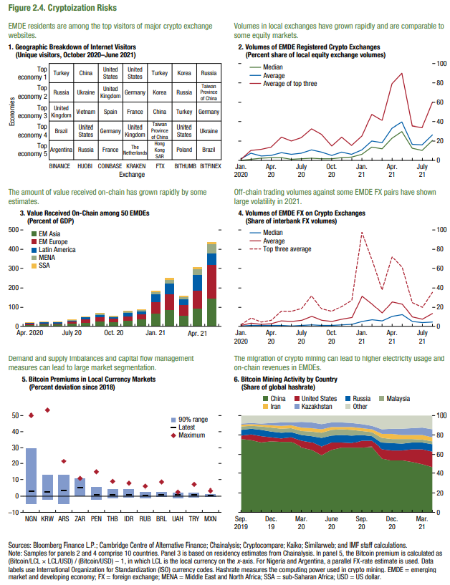
5. Bitcoin Premiums in Local Currency Markets |  |  |  |  | 6. Bitcoin Mining Activity by Country
(Percent deviation since 2018) |  |  |  |  | (Share of global hashrate)

 | Latest | 10% tile | 90% Range | MAX |  | China | United States | Russia | Malaysia | Iran | Kazakhstan | Other
NGN | 3.1% | -4.6% | 29.4% | 50.0% | 2019-09-01 | 75.53 | 4.06 | 5.93 | 3.25 | 1.74 | 1.42 | 8.06
KRW | 2.4% | -2.2% | 12.6% | 53.0% | 2019-10-01 | 74.78 | 5.58 | 5.87 | 3.26 | 1.77 | 1.37 | 7.37
ARS | 3.7% | -4.6% | 12.5% | 21.6% | 2019-11-01 | 72.33 | 6.58 | 6.24 | 3.66 | 1.6 | 1.71 | 7.87
ZAR | 4.8% | 2.1% | 8.1% | 10.5% | 2019-12-01 | 73.46 | 3.87 | 6.23 | 3.92 | 2.71 | 2.18 | 7.63
PEN | 0.6% | -2.4% | 5.3% | 14.9% | 2020-01-01 | 72.69 | 3.44 | 6.05 | 4.13 | 3.2 | 3.49 | 7
THB | 0.7% | -1.3% | 4.1% | 8.9% | 2020-02-01 | 72.98 | 4.54 | 5.56 | 3.94 | 3.01 | 3.26 | 6.71
IDR | 0.8% | -0.7% | 3.8% | 7.7% | 2020-03-01 | 67.06 | 7.07 | 5.97 | 4.11 | 3.53 | 5.62 | 6.64
RUB | 0.2% | -1.4% | 2.5% | 5.8% | 2020-04-01 | 64.81 | 7.24 | 6.9 | 4.33 | 3.82 | 6.17 | 6.73
BRL | 0.9% | -0.6% | 2.2% | 8.6% | 2020-05-01 | 59.48 | 8.22 | 9.34 | 5.21 | 3.85 | 5.2 | 8.69
UAH | 0.6% | -1.1% | 1.9% | 2.6% | 2020-06-01 | 64.67 | 6.7 | 8.25 | 5.46 | 3 | 4.86 | 7.04
TRY | 0.5% | -0.7% | 1.9% | 7.1% | 2020-07-01 | 66.86 | 5.09 | 8.08 | 5.62 | 2.81 | 4.58 | 6.96
MXN | 0.2% | -0.4% | 1.1% | 3.2% | 2020-08-01 | 66.86 | 4.2 | 8.17 | 6.23 | 2.67 | 4.57 | 7.3
 |  |  |  |  | 2020-09-01 | 67.12 | 7.08 | 5.74 | 4.48 | 2.47 | 4.09 | 9.02
 |  |  |  |  | 2020-10-01 | 67.38 | 6.71 | 4.9 | 4.12 | 2.82 | 3.59 | 10.47
 |  |  |  |  | 2020-11-01 | 55.58 | 9.38 | 6.77 | 5.27 | 4 | 4.77 | 14.24
 |  |  |  |  | 2020-12-01 | 53.27 | 10.41 | 7.16 | 5.29 | 4.78 | 5.35 | 13.76
 |  |  |  |  | 2021-01-01 | 53.3 | 10.55 | 6.91 | 5.18 | 4.15 | 6.17 | 13.75
 |  |  |  |  | 2021-02-01 | 51.58 | 13.37 | 6.43 | 4.66 | 4.15 | 6.71 | 13.1
 |  |  |  |  | 2021-03-01 | 49.06 | 16.12 | 6.47 | 3.66 | 4.67 | 7.65 | 12.36
 |  |  |  |  | 2021-04-01 | 46.04 | 16.85 | 6.84 | 3.44 | 4.64 | 8.19 | 14

