Figure 3.1.
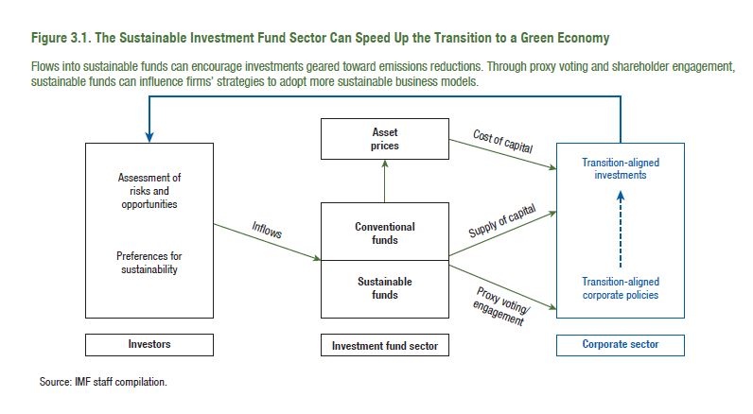
Figure 3.1. The Sustainable Investment Fund Sector Can Speed Up the Transition to a Green Economy

Figure 3.9.
Figure 1.8. Selected Advanced Economies: Current Deleveraging Episodes (Weighted average)
3. Public Debt
(Percent of GDP)
1. Private Debt
(Percent of GDP)
Sources: Bank for International Settlements; IMF, World Economic Outlook; and IMF staff estimates.
Figure 3.9. Fund Returns and Flows Have Barely Reacted to Climate-Related News over the Past 10 Years

1. Difference in Impact of Climate-Related News on Quarterly Returns between High-and Low-Score Funds |  |  |  |  |  | 2. Difference in Impact of Climate-Related News on Quarterly Flows between High- and Low-Score Funds
(Percent) |  |  |  |  |  | (Percent of lagged total net assets)

 | Carbon intensity (high minus low) | Transition-opportunity score (high minus low) |  | Carbon intensity (high minus low) | Transition-opportunity score (high minus low) |  | Carbon intensity (high minus low) | Transition-opportunity score (high minus low) |  | Carbon intensity (high minus low) | Transition-opportunity score (high minus low)
Min | -0.5 | -1.3 | 2015:Q4 | -0.1 | 0.3 | Min | -0.5 | -1.3 | 2015:Q4 | -0.1 | 0.5
Q1 | -0.2 | -0.5 |  |  |  | Q1 | -0.1 | -0.4
Q3 | 0.3 | 0.3 |  |  |  | Q3 | 0.6 | 0.3
Max | 0.6 | 0.5 |  |  |  | Max | 1.1 | 0.7

Figure 3.10.
Figure 1.8. Selected Advanced Economies: Current Deleveraging Episodes (Weighted average)
3. Public Debt
(Percent of GDP)
1. Private Debt
(Percent of GDP)
Sources: Bank for International Settlements; IMF, World Economic Outlook; and IMF staff estimates.
Figure 3.10. The Impact of Climate-Related News on Funds’ Transition-Related Scores Has Been Limited

1. Effect of Climate-Related News on Funds’ Carbon Intensity |  |  |  | 2. Effect of Climate-Related News on Funds’ Transition- Opportunity Score
(Percent of average carbon intensity) |  |  |  | (Percent of average score)

Min | -5.6 |  | Carbon intensity | Min | -4.6 |  | Transiction-opportunity score
Q1 | -3.7 | 2015:Q4 | -3.7 | Q1 | -3.2 | 2015:Q4 | -4.6
Q3 | -0.6 |  |  | Q3 | -1.6
Max | 14.4 |  |  | Max | 3.2

Figure 3.11.
Figure 1.8. Selected Advanced Economies: Current Deleveraging Episodes (Weighted average)
3. Public Debt
(Percent of GDP)
1. Private Debt
(Percent of GDP)
Sources: Bank for International Settlements; IMF, World Economic Outlook; and IMF staff estimates.
Figure 3.11. Sensitivity of Cash Buffers to Transition-Related Scores

1. Reaction in Cash Buffers to a One-Standard-Deviation Increase in Transition Opportunity Score and Carbon Intensity
(Percent of fund assets)
Transition-opportunity score | -0.11
Carbon intensity | -0.07

2. Reaction in Cash Buffers to a One-Standard-Deviation Increase in Transition-Opportunity Score and Carbon Intensity, Quantile Regression Results
(Percent of fund assets)

 | Mean | 1st | 2nd | 3rd | 4th | 5th | 6th | 7th | 8th | 9th
Transition-opportunity score | -0.11 | 0.00 | 0.01 | 0.00 | 0.00 | -0.04 | -0.09 | -0.13 | -0.18 | -0.26

 | Mean | 1st | 2nd | 3rd | 4th | 5th | 6th | 7th | 8th | 9th
Carbon intensity | -0.07 | 0.00 | 0.00 | 0.00 | 0.00 | -0.04 | -0.05 | -0.07 | -0.09 | -0.14

Figure 3.12.
Figure 1.8. Selected Advanced Economies: Current Deleveraging Episodes (Weighted average)
3. Public Debt
(Percent of GDP)
1. Private Debt
(Percent of GDP)
Sources: Bank for International Settlements; IMF, World Economic Outlook; and IMF staff estimates.
Figure 3.12. Flow-Performance Relationship

1. Flows Sensitivity to Lagged Returns
(Basis points, for one-percentage-point shock to lagged returns; flows are normalized by lagged total net assets)

 | Mean | 10th | 20th | 30th | 40th | 50th | 60th | 70th | 80th | 90th
Conventional funds | 8.1 | 8.5 | 6.0 | 4.6 | 3.6 | 3.6 | 4.8 | 6.7 | 9.7 | 16.5
Difference between conventional and sustainable funds | -2.2 | -1.7 | -1.8 | -1.5 | -1.1 | 0.1 | -0.4 | -0.8 | -2.1 | -2.2

2. Flow Persistence
(Basis points, for one-percentage-point shock to lagged flows; flows are normalized by lagged total net assets)

 | Mean | 10th | 20th | 30th | 40th | 50th | 60th | 70th | 80th | 90th
Conventional funds | 28.7 | 12.1 | 8.9 | 7.0 | 6.7 | 7.4 | 11.8 | 19.6 | 34.0 | 73.8
Difference between conventional and sustainable funds | 3.5 | 0.3 | 1.9 | 1.6 | 1.6 | 1.8 | 2.8 | 4.0 | 5.8 | 10.1

Box 3.1. Figure
Figure 1.8. Selected Advanced Economies: Current Deleveraging Episodes (Weighted average)
3. Public Debt
(Percent of GDP)
1. Private Debt
(Percent of GDP)
Sources: Bank for International Settlements; IMF, World Economic Outlook; and IMF staff estimates.
Figure 3.1.1. Survey Responses

1. Approaches Used by Asset Managers to Incorporate Climate Change Mitigation in Sustainable Investment Strategies
(Percent of respondents)

Positive screening | Impact investing | Sustainability-themed investment | Negative screening | ESG integration
50.0 | 50.0 | 66.7 | 83.3 | 91.7

2. Tools Used to Incorporate Risks and Opportunities Related to the Transition in Asset Managers’ Investment Decisions
(Percent of respondents)

Sector/industry classification | Valuation model / scenario analysis | Expected carbon reduction related to securities in your portfolio | ESG-type score | Carbon footprint related to securities in your portfolio
45.5 | 72.7 | 72.7 | 81.8 | 100.0

3. The Two Most Important Obstacles Faced by Survey Respondents When Integrating Transition-Related Risks and Opportunities into Investment Decisions
(Percent of respondents)

 | Lack of current data | Lack of forward-looking data | Lack of a commonly accepted taxonomy | Multiplicity of disclosure standards
Most important | 41.2 | 35.3 | 8.8 | 14.7
Second most important | 33.3 | 41.7 | 4.2 | 20.8

4. The Two Most Important Climate-Related Risk Factors over the Next Three Years
(Percent of respondents)

 | Physical risk | Emissions policy tightening | Technological change | Changes to consumer preferences | Litigation risk
Most important | 28.6 | 50.0 | 6.0 | 6.0 | 9.5
Second most important | 36.4 | 27.3 | 36.4 | 0.0 | 0.0

