Figure 3.1.
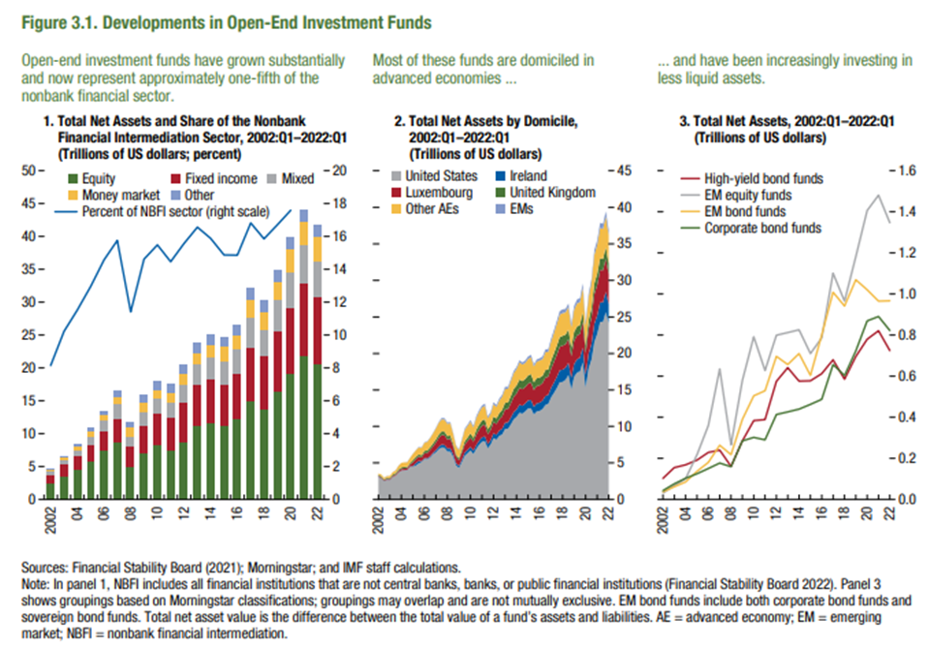
Figure 3.1. Developments in Open-End Investments Funds

1. Total Net Assets and Share of the Nonbank Financial Intermediation Sector, 2002:Q1–2022:Q1 |  |  |  |  |  |  | 2. Total Net Assets by Domicile, 2002:Q1–2022:Q1 |  |  |  |  |  |  | 3. Total Net Assets, 2002:Q1–2022:Q1
(Trillions of US dollars; percent) |  |  |  |  |  |  | (Trillions of US dollars) |  |  |  |  |  |  | (Trillions of US dollars)

Year | Equity | Fixed income | Mixed | Money market | Other | Percent of NBFI sector (right scale) | Date | United States | Ireland | Luxembourg | United Kingdom | Other AEs | EMs | Year | High-yield bond funds | EM equity funds | EM bond funds | Corporate bond funds
2002 | 2.509 | 1.320 | 0.522 | 0.285 | 0.098 | 8.148 | 2002:Q1 | 3.100 | 0.017 | 0.116 | 0.137 | 0.195 | 0.012 | 2002 | 0.103 | 0.031 | 0.038 | 0.043
2003 | 3.625 | 1.680 | 0.741 | 0.427 | 0.185 | 10.228 | 2002:Q2 | 2.879 | 0.018 | 0.120 | 0.146 | 0.251 | 0.011 | 2003 | 0.155 | 0.067 | 0.062 | 0.076
2004 | 4.538 | 1.998 | 1.003 | 0.525 | 0.279 | 11.521 | 2002:Q3 | 2.500 | 0.019 | 0.120 | 0.114 | 0.242 | 0.009 | 2004 | 0.169 | 0.102 | 0.085 | 0.103
2005 | 5.793 | 2.454 | 1.298 | 0.812 | 0.413 | 12.958 | 2002:Q4 | 2.678 | 0.022 | 0.126 | 0.139 | 0.249 | 0.011 | 2005 | 0.192 | 0.219 | 0.137 | 0.125
2006 | 7.525 | 2.899 | 1.672 | 0.842 | 0.614 | 14.579 | 2003:Q1 | 2.660 | 0.022 | 0.128 | 0.135 | 0.276 | 0.012 | 2006 | 0.230 | 0.360 | 0.181 | 0.151
2007 | 8.773 | 3.416 | 2.263 | 1.188 | 0.839 | 15.755 | 2003:Q2 | 3.085 | 0.026 | 0.142 | 0.171 | 0.320 | 0.014 | 2007 | 0.241 | 0.636 | 0.264 | 0.178
2008 | 4.999 | 3.082 | 1.489 | 1.480 | 0.710 | 11.417 | 2003:Q3 | 3.256 | 0.028 | 0.151 | 0.183 | 0.370 | 0.016 | 2008 | 0.162 | 0.266 | 0.218 | 0.159
2009 | 7.021 | 4.217 | 1.990 | 1.545 | 1.073 | 14.622 | 2003:Q4 | 3.690 | 0.035 | 0.193 | 0.212 | 0.480 | 0.019 | 2009 | 0.285 | 0.580 | 0.390 | 0.286
2010 | 8.277 | 4.829 | 2.279 | 1.371 | 1.322 | 15.489 | 2004:Q1 | 3.923 | 0.036 | 0.223 | 0.217 | 0.600 | 0.019 | 2010 | 0.384 | 0.791 | 0.505 | 0.302
2011 | 7.425 | 5.118 | 2.224 | 1.387 | 1.363 | 14.460 | 2004:Q2 | 3.981 | 0.036 | 0.221 | 0.219 | 0.614 | 0.028 | 2011 | 0.389 | 0.628 | 0.529 | 0.290
2012 | 8.736 | 6.125 | 2.631 | 1.553 | 1.459 | 15.567 | 2004:Q3 | 4.018 | 0.039 | 0.235 | 0.159 | 0.626 | 0.031 | 2012 | 0.575 | 0.800 | 0.697 | 0.414
2013 | 11.195 | 6.256 | 3.190 | 1.558 | 1.543 | 16.562 | 2004:Q4 | 4.471 | 0.048 | 0.278 | 0.191 | 0.678 | 0.036 | 2013 | 0.642 | 0.812 | 0.657 | 0.426
2014 | 11.643 | 6.641 | 3.477 | 1.735 | 1.532 | 15.882 | 2005:Q1 | 4.495 | 0.074 | 0.519 | 0.289 | 0.855 | 0.038 | 2014 | 0.576 | 0.826 | 0.710 | 0.440
2015 | 11.238 | 6.219 | 3.581 | 2.157 | 1.471 | 14.878 | 2005:Q2 | 4.658 | 0.322 | 0.548 | 0.295 | 0.904 | 0.042 | 2015 | 0.577 | 0.711 | 0.604 | 0.463
2016 | 12.211 | 6.909 | 3.727 | 2.150 | 1.517 | 14.863 | 2005:Q3 | 4.956 | 0.314 | 0.608 | 0.297 | 0.961 | 0.049 | 2016 | 0.613 | 0.787 | 0.800 | 0.487
2017 | 14.934 | 8.195 | 4.542 | 2.744 | 1.791 | 16.817 | 2005:Q4 | 5.134 | 0.097 | 0.542 | 0.288 | 0.993 | 0.063 | 2017 | 0.680 | 1.101 | 1.009 | 0.657
2018 | 13.729 | 7.968 | 4.158 | 2.815 | 1.663 | 15.859 | 2006:Q1 | 5.528 | 0.104 | 0.697 | 0.317 | 1.127 | 0.072 | 2018 | 0.585 | 0.965 | 0.941 | 0.603
2019 | 16.497 | 9.051 | 4.837 | 2.846 | 1.728 | 16.707 | 2006:Q2 | 5.497 | 0.130 | 0.754 | 0.352 | 1.182 | 0.067 | 2019 | 0.695 | 1.182 | 1.069 | 0.723
2020 | 19.145 | 10.094 | 5.420 | 3.430 | 1.752 | 17.592 | 2006:Q3 | 5.744 | 0.149 | 0.885 | 0.367 | 1.267 | 0.071 | 2020 | 0.780 | 1.406 | 1.020 | 0.869
2021 | 21.853 | 11.000 | 5.981 | 3.546 | 1.781 |  | 2006:Q4 | 6.211 | 0.170 | 0.899 | 0.386 | 1.380 | 0.084 | 2021 | 0.821 | 1.481 | 0.965 | 0.891
2022 | 20.702 | 10.038 | 5.576 | 3.537 | 1.844 |  | 2007:Q1 | 6.471 | 0.291 | 1.044 | 0.448 | 1.462 | 0.098 | 2022 | 0.725 | 1.347 | 0.967 | 0.822
 |  |  |  |  |  |  | 2007:Q2 | 6.903 | 0.337 | 1.205 | 0.476 | 1.600 | 0.123
 |  |  |  |  |  |  | 2007:Q3 | 7.143 | 0.389 | 1.286 | 0.497 | 1.664 | 0.170
 |  |  |  |  |  |  | 2007:Q4 | 7.096 | 0.373 | 1.310 | 0.511 | 1.656 | 0.184
 |  |  |  |  |  |  | 2008:Q1 | 6.562 | 0.414 | 1.239 | 0.481 | 1.670 | 0.165
 |  |  |  |  |  |  | 2008:Q2 | 6.575 | 0.424 | 1.295 | 0.477 | 1.645 | 0.164
 |  |  |  |  |  |  | 2008:Q3 | 5.834 | 0.361 | 1.067 | 0.376 | 1.353 | 0.141
 |  |  |  |  |  |  | 2008:Q4 | 4.667 | 0.312 | 0.871 | 0.291 | 1.171 | 0.116
 |  |  |  |  |  |  | 2009:Q1 | 4.300 | 0.301 | 0.790 | 0.272 | 1.076 | 0.126
 |  |  |  |  |  |  | 2009:Q2 | 5.113 | 0.353 | 0.967 | 0.357 | 1.312 | 0.168
 |  |  |  |  |  |  | 2009:Q3 | 5.991 | 0.420 | 1.139 | 0.423 | 1.547 | 0.182
 |  |  |  |  |  |  | 2009:Q4 | 6.356 | 0.452 | 1.226 | 0.448 | 1.608 | 0.206
 |  |  |  |  |  |  | 2010:Q1 | 6.717 | 0.466 | 1.277 | 0.580 | 1.616 | 0.223
 |  |  |  |  |  |  | 2010:Q2 | 6.256 | 0.442 | 1.202 | 0.540 | 1.431 | 0.219
 |  |  |  |  |  |  | 2010:Q3 | 6.952 | 0.524 | 1.403 | 0.639 | 1.653 | 0.244
 |  |  |  |  |  |  | 2010:Q4 | 7.487 | 0.565 | 1.518 | 0.688 | 1.721 | 0.260
 |  |  |  |  |  |  | 2011:Q1 | 7.889 | 0.598 | 1.600 | 0.708 | 1.799 | 0.267
 |  |  |  |  |  |  | 2011:Q2 | 7.996 | 0.631 | 1.642 | 0.729 | 1.835 | 0.285
 |  |  |  |  |  |  | 2011:Q3 | 7.008 | 0.569 | 1.376 | 0.652 | 1.535 | 0.243
 |  |  |  |  |  |  | 2011:Q4 | 7.526 | 0.603 | 1.389 | 0.680 | 1.529 | 0.244
 |  |  |  |  |  |  | 2012:Q1 | 8.368 | 0.678 | 1.542 | 0.760 | 1.691 | 0.270
 |  |  |  |  |  |  | 2012:Q2 | 8.195 | 0.674 | 1.475 | 0.729 | 1.609 | 0.259
 |  |  |  |  |  |  | 2012:Q3 | 8.710 | 0.723 | 1.599 | 0.814 | 1.701 | 0.272
 |  |  |  |  |  |  | 2012:Q4 | 8.887 | 0.801 | 1.715 | 0.867 | 1.808 | 0.288
 |  |  |  |  |  |  | 2013:Q1 | 9.654 | 0.856 | 1.835 | 0.906 | 1.884 | 0.294
 |  |  |  |  |  |  | 2013:Q2 | 9.684 | 0.857 | 1.830 | 0.905 | 1.862 | 0.282
 |  |  |  |  |  |  | 2013:Q3 | 10.293 | 0.912 | 1.968 | 1.009 | 2.032 | 0.288
 |  |  |  |  |  |  | 2013:Q4 | 10.984 | 0.975 | 2.090 | 1.083 | 2.142 | 0.288
 |  |  |  |  |  |  | 2014:Q1 | 11.308 | 1.021 | 2.181 | 1.105 | 2.214 | 0.298
 |  |  |  |  |  |  | 2014:Q2 | 11.861 | 1.108 | 2.304 | 1.146 | 2.324 | 0.321
 |  |  |  |  |  |  | 2014:Q3 | 11.743 | 1.094 | 2.274 | 1.108 | 2.238 | 0.316
 |  |  |  |  |  |  | 2014:Q4 | 12.047 | 1.087 | 2.270 | 1.107 | 2.186 | 0.333
 |  |  |  |  |  |  | 2015:Q1 | 12.449 | 1.107 | 2.332 | 1.110 | 2.237 | 0.331
 |  |  |  |  |  |  | 2015:Q2 | 12.478 | 1.116 | 2.425 | 1.158 | 2.289 | 0.336
 |  |  |  |  |  |  | 2015:Q3 | 11.636 | 1.060 | 2.281 | 1.073 | 2.162 | 0.297
 |  |  |  |  |  |  | 2015:Q4 | 12.042 | 1.122 | 2.358 | 1.101 | 2.253 | 0.297
 |  |  |  |  |  |  | 2016:Q1 | 12.134 | 1.117 | 2.369 | 1.070 | 2.315 | 0.316
 |  |  |  |  |  |  | 2016:Q2 | 12.402 | 1.147 | 2.377 | 1.004 | 2.290 | 0.339
 |  |  |  |  |  |  | 2016:Q3 | 12.956 | 1.195 | 2.539 | 1.047 | 2.448 | 0.359
 |  |  |  |  |  |  | 2016:Q4 | 13.108 | 1.210 | 2.468 | 1.025 | 2.396 | 0.358
 |  |  |  |  |  |  | 2017:Q1 | 13.980 | 1.309 | 2.638 | 1.092 | 2.604 | 0.402
 |  |  |  |  |  |  | 2017:Q2 | 14.616 | 1.418 | 2.855 | 1.167 | 2.771 | 0.423
 |  |  |  |  |  |  | 2017:Q3 | 15.282 | 1.526 | 3.036 | 1.260 | 2.949 | 0.460
 |  |  |  |  |  |  | 2017:Q4 | 16.059 | 1.640 | 3.222 | 1.336 | 3.057 | 0.494
 |  |  |  |  |  |  | 2018:Q1 | 16.098 | 1.680 | 3.289 | 1.328 | 3.125 | 0.510
 |  |  |  |  |  |  | 2018:Q2 | 16.396 | 1.644 | 3.207 | 1.321 | 3.031 | 0.480
 |  |  |  |  |  |  | 2018:Q3 | 17.047 | 1.674 | 3.245 | 1.315 | 3.082 | 0.482
 |  |  |  |  |  |  | 2018:Q4 | 15.085 | 1.563 | 2.981 | 1.157 | 2.809 | 0.498
 |  |  |  |  |  |  | 2019:Q1 | 16.803 | 1.729 | 3.204 | 1.225 | 3.013 | 0.538
 |  |  |  |  |  |  | 2019:Q2 | 17.398 | 1.792 | 3.272 | 1.233 | 3.125 | 0.561
 |  |  |  |  |  |  | 2019:Q3 | 17.519 | 1.855 | 3.271 | 1.227 | 3.110 | 0.546
 |  |  |  |  |  |  | 2019:Q4 | 18.745 | 2.042 | 3.526 | 1.356 | 3.328 | 0.591
 |  |  |  |  |  |  | 2020:Q1 | 15.348 | 1.714 | 2.946 | 1.065 | 2.766 | 0.456
 |  |  |  |  |  |  | 2020:Q2 | 17.963 | 1.981 | 3.382 | 1.206 | 3.173 | 0.495
 |  |  |  |  |  |  | 2020:Q3 | 19.159 | 2.128 | 3.635 | 1.287 | 3.444 | 0.531
 |  |  |  |  |  |  | 2020:Q4 | 21.586 | 2.432 | 4.090 | 1.488 | 3.918 | 0.624
 |  |  |  |  |  |  | 2021:Q1 | 22.666 | 2.491 | 4.192 | 1.528 | 3.962 | 0.632
 |  |  |  |  |  |  | 2021:Q2 | 24.327 | 2.656 | 4.455 | 1.604 | 4.151 | 0.689
 |  |  |  |  |  |  | 2021:Q3 | 24.331 | 2.641 | 4.404 | 1.549 | 4.113 | 0.705
 |  |  |  |  |  |  | 2021:Q4 | 25.647 | 2.766 | 4.506 | 1.571 | 4.240 | 0.721
 |  |  |  |  |  |  | 2022:Q1 | 24.144 | 2.595 | 4.096 | 1.434 | 3.916 | 0.735

Figure 3.2.
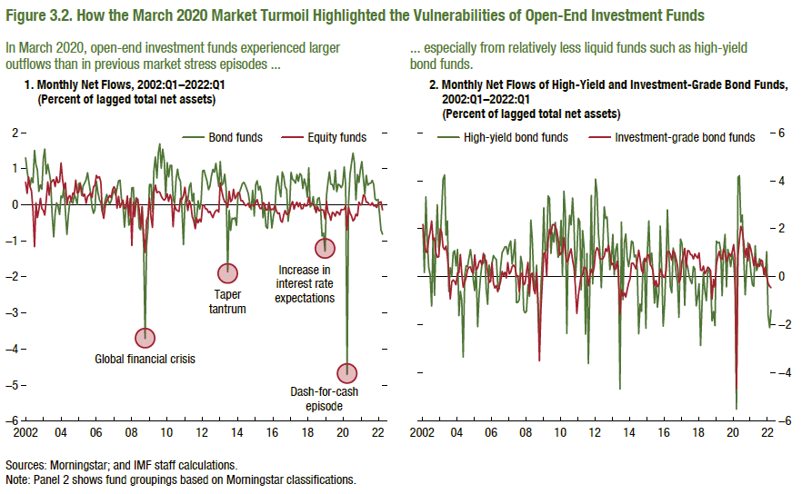
Figure 3.2. How the March 2020 Market Turmoil Highlighted the Vulnerabilities of Open-End Investment Funds

1. Monthly Net Flows, 2002:Q1–2022:Q1 |  |  | 2. Monthly Net Flows of High-Yield and Investment-Grade Bond Funds, 2002:Q1–2022:Q1
(Percent of lagged total net assets) |  |  | (Percent of lagged total net assets)

Date | Bond funds | Equity funds | Date | Investment grade bond funds | High-yield bond funds
2002:M1 | 1.303 | 0.627 | 2002:M1 | 2.181 | 2.014
2002:M2 | 0.933 | 0.314 | 2002:M2 | 1.450 | 0.184
2002:M3 | 0.653 | 0.772 | 2002:M3 | 1.047 | 3.324
2002:M4 | 0.509 | 0.497 | 2002:M4 | 1.010 | 1.498
2002:M5 | 0.744 | 0.385 | 2002:M5 | 1.580 | 0.400
2002:M6 | 0.611 | -0.151 | 2002:M6 | 1.862 | 0.089
2002:M7 | 1.510 | -1.165 | 2002:M7 | 2.326 | -1.218
2002:M8 | 1.109 | 0.051 | 2002:M8 | 1.535 | 1.713
2002:M9 | 0.964 | -0.359 | 2002:M9 | 1.614 | -0.766
2002:M10 | 0.369 | -0.140 | 2002:M10 | 0.987 | 1.402
2002:M11 | 0.553 | 0.174 | 2002:M11 | 0.817 | 3.003
2002:M12 | 0.434 | -0.106 | 2002:M12 | 0.839 | 1.066
2003:M1 | 1.271 | -0.156 | 2003:M1 | 1.999 | 1.485
2003:M2 | 1.547 | -0.286 | 2003:M2 | 1.858 | 2.765
2003:M3 | 0.855 | 0.119 | 2003:M3 | 1.235 | 4.056
2003:M4 | 1.123 | 0.632 | 2003:M4 | 1.129 | 4.243
2003:M5 | 0.902 | 0.268 | 2003:M5 | 1.279 | 1.737
2003:M6 | 0.648 | 0.598 | 2003:M6 | 0.858 | 2.328
2003:M7 | -0.266 | 0.661 | 2003:M7 | 0.079 | -0.614
2003:M8 | -0.891 | 0.697 | 2003:M8 | -0.917 | 0.379
2003:M9 | -0.238 | 0.505 | 2003:M9 | -0.207 | 0.047
2003:M10 | 0.053 | 0.770 | 2003:M10 | -0.130 | 0.999
2003:M11 | -0.034 | 0.610 | 2003:M11 | -0.185 | 1.092
2003:M12 | -0.269 | 0.644 | 2003:M12 | -0.329 | 0.458
2004:M1 | 0.243 | 1.161 | 2004:M1 | 0.163 | 1.145
2004:M2 | 0.191 | 0.720 | 2004:M2 | 0.171 | -1.617
2004:M3 | 0.516 | 0.441 | 2004:M3 | 0.932 | -0.598
2004:M4 | -0.178 | 0.611 | 2004:M4 | 0.153 | -0.987
2004:M5 | -0.823 | 0.005 | 2004:M5 | -0.431 | -3.335
2004:M6 | -0.279 | 0.213 | 2004:M6 | -0.223 | 0.059
2004:M7 | 0.090 | 0.253 | 2004:M7 | -0.034 | 0.463
2004:M8 | 0.091 | 0.098 | 2004:M8 | 0.300 | 0.416
2004:M9 | 0.043 | 0.325 | 2004:M9 | 0.397 | 0.787
2004:M10 | 0.278 | 0.291 | 2004:M10 | 0.409 | 1.137
2004:M11 | 0.170 | 0.686 | 2004:M11 | 0.210 | 0.687
2004:M12 | 0.016 | 0.327 | 2004:M12 | 0.143 | -0.131
2005:M1 | 0.579 | 0.350 | 2005:M1 | 0.915 | -0.573
2005:M2 | 0.612 | 0.567 | 2005:M2 | 0.282 | 0.420
2005:M3 | 0.259 | 0.394 | 2005:M3 | 0.380 | -2.077
2005:M4 | 0.520 | 0.236 | 2005:M4 | 0.619 | -0.769
2005:M5 | 0.597 | 0.291 | 2005:M5 | 0.687 | -0.027
2005:M6 | 0.699 | 0.039 | 2005:M6 | 0.490 | 0.513
2005:M7 | 0.886 | 0.231 | 2005:M7 | 0.980 | 0.581
2005:M8 | 0.610 | 0.267 | 2005:M8 | 0.721 | 0.907
2005:M9 | 0.346 | 0.328 | 2005:M9 | 0.667 | -0.521
2005:M10 | -0.073 | 0.203 | 2005:M10 | 0.201 | -1.142
2005:M11 | -0.237 | 0.495 | 2005:M11 | -0.229 | 0.494
2005:M12 | -0.134 | 0.541 | 2005:M12 | -0.186 | -0.011
2006:M1 | 0.653 | 0.812 | 2006:M1 | 0.593 | 0.548
2006:M2 | 0.354 | 0.742 | 2006:M2 | -0.261 | 0.885
2006:M3 | 0.148 | 0.776 | 2006:M3 | -0.462 | 0.785
2006:M4 | 0.052 | 0.625 | 2006:M4 | -0.361 | 0.725
2006:M5 | -0.191 | -0.176 | 2006:M5 | -0.617 | -0.324
2006:M6 | -0.068 | -0.378 | 2006:M6 | -0.393 | -0.513
2006:M7 | 0.140 | -0.024 | 2006:M7 | -0.185 | 0.394
2006:M8 | 0.286 | 0.123 | 2006:M8 | 0.222 | 1.002
2006:M9 | 0.115 | 0.178 | 2006:M9 | 0.054 | 1.120
2006:M10 | 0.028 | 0.259 | 2006:M10 | 0.191 | 1.246
2006:M11 | 0.106 | 0.195 | 2006:M11 | -0.049 | 1.253
2006:M12 | 0.297 | 0.421 | 2006:M12 | 0.598 | 0.934
2007:M1 | 0.400 | 0.499 | 2007:M1 | 0.119 | 1.328
2007:M2 | 0.273 | 0.418 | 2007:M2 | 0.207 | 1.499
2007:M3 | 0.447 | -0.095 | 2007:M3 | 0.424 | 0.528
2007:M4 | 0.663 | 0.233 | 2007:M4 | 0.485 | 0.928
2007:M5 | 0.679 | -0.075 | 2007:M5 | 0.399 | 1.555
2007:M6 | 0.168 | 0.031 | 2007:M6 | 0.013 | -1.069
2007:M7 | 0.018 | 0.127 | 2007:M7 | 0.050 | -1.058
2007:M8 | -0.621 | -0.110 | 2007:M8 | -0.615 | -0.937
2007:M9 | -0.112 | -0.056 | 2007:M9 | 0.101 | 0.856
2007:M10 | 0.177 | 0.242 | 2007:M10 | 0.153 | 0.498
2007:M11 | -0.567 | -0.314 | 2007:M11 | -0.333 | -1.373
2007:M12 | -0.427 | 0.179 | 2007:M12 | -0.266 | -1.499
...

Figure 3.3.
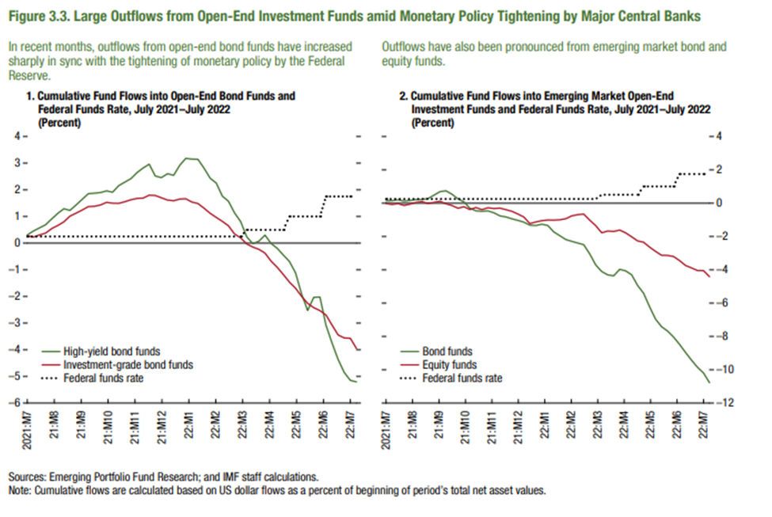
Figure 3.3. Large Outflows from Open-End Investment Funds amid Monetary Policy Tightening by Major Central Banks

1. Cumulative Fund Flows into Open-End Bond Funds and Federal Funds Rate, July 2021–July 2022 (Percent)

date_for_graphing | date | Federal funds rate | High-yield bond funds
2021:M7 | 2021-07-07 | 0.25 | 0.3039
 |  | 0.25 | 0.4565
 |  | 0.25 | 0.5727
 |  | 0.25 | 0.686
2021:M8 | 2021-08-04 | 0.25 | 0.9095
 |  | 0.25 | 1.1177
 |  | 0.25 | 1.2904
 |  | 0.25 | 1.226
2021:M9 | 2021-09-01 | 0.25 | 1.4332
 |  | 0.25 | 1.6402
 |  | 0.25 | 1.8557
 |  | 0.25 | 1.8724
 |  | 0.25 | 1.8997
2021:M10 | 2021-10-06 | 0.25 | 1.9594
 |  | 0.25 | 1.9083
 |  | 0.25 | 2.1563
 |  | 0.25 | 2.2879
2021:M11 | 2021-11-03 | 0.25 | 2.42
 |  | 0.25 | 2.6463
 |  | 0.25 | 2.8169
 |  | 0.25 | 2.9603
2021:M12 | 2021-12-01 | 0.25 | 2.5147
...

Figure 3.4.
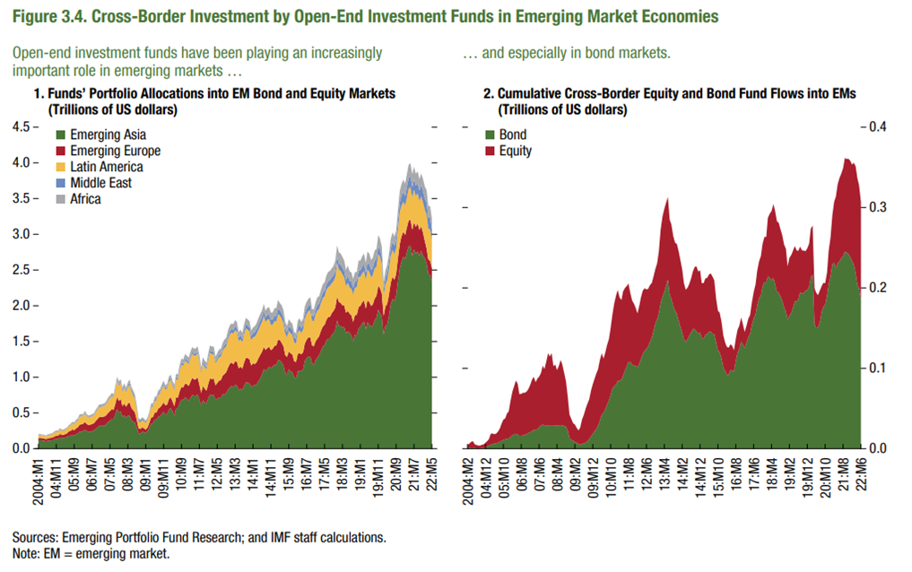
Figure 3.4. Cross-Border Investment by Open-End Investment Funds in Emerging Market Economies

1. Funds’ Portfolio Allocations into EM Bond and Equity Markets (Trillions of US dollars)

 | Africa | Emerging Asia | Emerging Europe
2004:M1 | 0.0100410807 | 0.1078932034 | 0.0276304247
2004:M2 | 0.0106975998 | 0.115848582 | 0.0304999066
2004:M3 | 0.0112844264 | 0.1170727929 | 0.0331867095
2004:M4 | 0.0104568035 | 0.1135686801 | 0.0317167912
2004:M5 | 0.0110571985 | 0.1110668379 | 0.030916883
2004:M6 | 0.0111440601 | 0.103753526 | 0.0301598053
2004:M7 | 0.011598211 | 0.1075515881 | 0.0307823206
2004:M8 | 0.0119208194 | 0.1128933785 | 0.0325529662
2004:M9 | 0.0129081034 | 0.1161031417 | 0.0349440405
2004:M10 | 0.013602766 | 0.1177468713 | 0.03803899
2004:M11 | 0.0149409275 | 0.1317559574 | 0.0399943527
2004:M12 | 0.0158934798 | 0.1358848962 | 0.0426352747
2005:M1 | 0.0144281476 | 0.1388116622 | 0.0444164236
2005:M2 | 0.0163185936 | 0.1533380479 | 0.0522985343
2005:M3 | 0.0146894915 | 0.1489290953 | 0.0483286068
2005:M4 | 0.0143458304 | 0.1449460574 | 0.0470740983
2005:M5 | 0.0142317238 | 0.1540342556 | 0.0488675959
2005:M6 | 0.0149765103 | 0.1598830385 | 0.0544555859
2005:M7 | 0.0159969364 | 0.1776691506 | 0.0616638377
2005:M8 | 0.0177086275 | 0.1786447699 | 0.0717303727
2005:M9 | 0.0204851499 | 0.1902043907 | 0.0794166205
2005:M10 | 0.0194636811 | 0.1800113349 | 0.075889081
...

Figure 3.5.
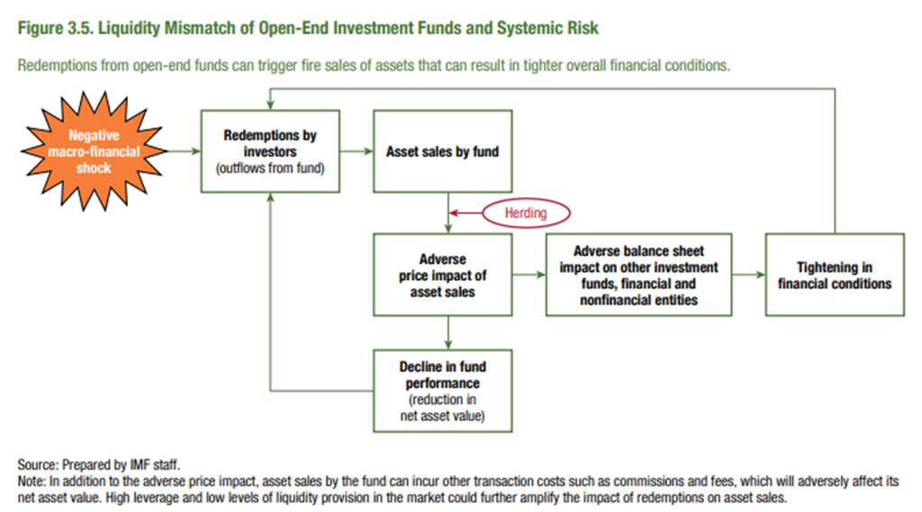
Figure 3.5. Liquidity Mismatch of Open-End Investment Funds and Systemic Risk

Figure 3.6.
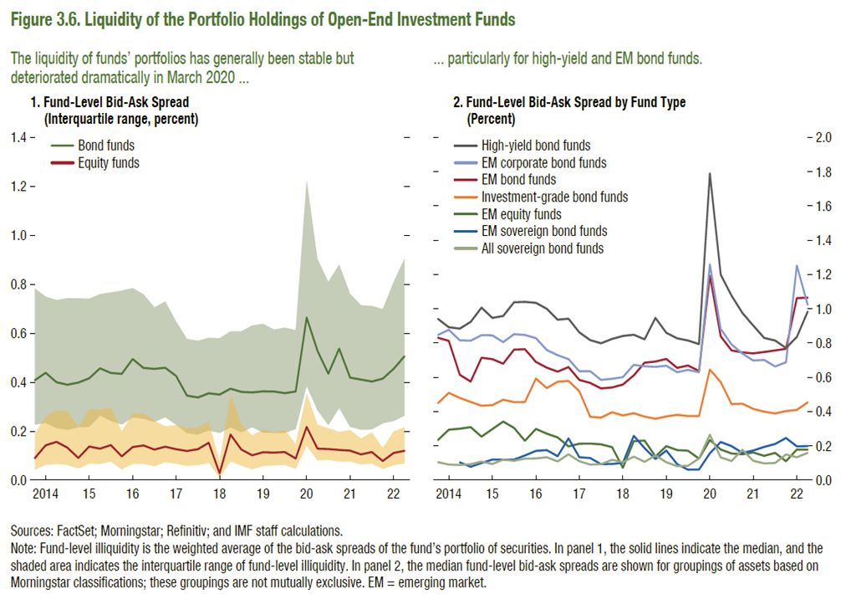
Figure 3.6. Liquidity of the Portfolio Holdings of Open-End Investment Funds

1. Fund-Level Bid-Ask Spread
(Interquartile range, percent)

Date | Equity funds-25th percentile | Equity funds-75th percentile | Equity funds
2013:Q4 | 0.042 | 0.189 | 0.090
2014:Q1 | 0.063 | 0.260 | 0.143
2014:Q2 | 0.066 | 0.285 | 0.156
2014:Q3 | 0.062 | 0.281 | 0.133
2014:Q4 | 0.047 | 0.217 | 0.091
2015:Q1 | 0.067 | 0.288 | 0.137
2015:Q2 | 0.066 | 0.287 | 0.129
2015:Q3 | 0.076 | 0.296 | 0.143
2015:Q4 | 0.044 | 0.198 | 0.097
2016:Q1 | 0.066 | 0.271 | 0.135
2016:Q2 | 0.067 | 0.273 | 0.141
2016:Q3 | 0.057 | 0.242 | 0.125
2016:Q4 | 0.074 | 0.220 | 0.137
2017:Q1 | 0.066 | 0.225 | 0.127
2017:Q2 | 0.059 | 0.212 | 0.119
2017:Q3 | 0.061 | 0.216 | 0.126
2017:Q4 | 0.072 | 0.240 | 0.153
2018:Q1 | 0.010 | 0.075 | 0.028
2018:Q2 | 0.077 | 0.350 | 0.186
2018:Q3 | 0.060 | 0.227 | 0.125
2018:Q4 | 0.045 | 0.182 | 0.102
2019:Q1 | 0.058 | 0.206 | 0.114
2019:Q2 | 0.060 | 0.196 | 0.113
2019:Q3 | 0.062 | 0.205 | 0.115
...

Figure 3.7.
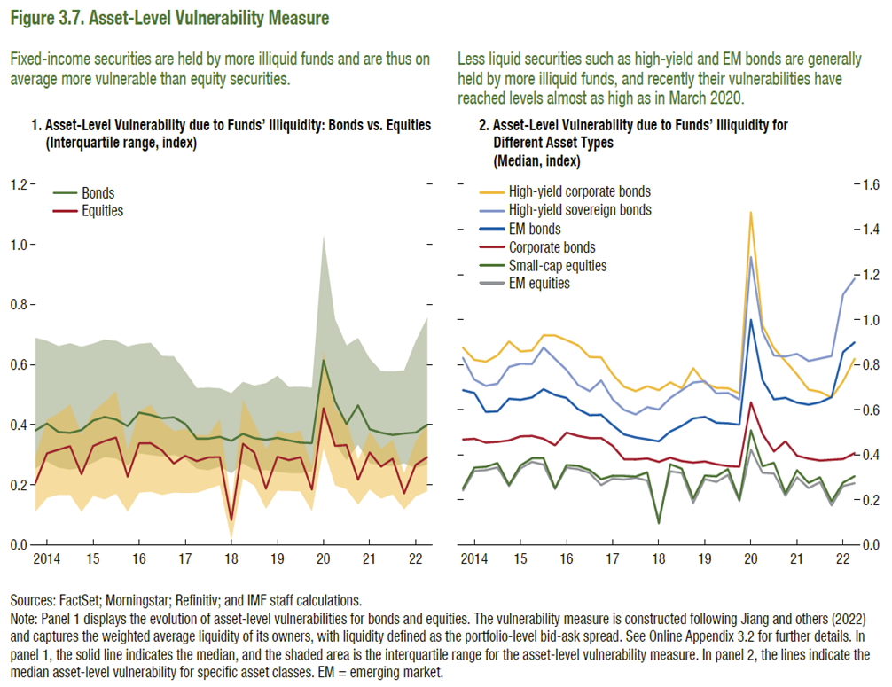
Figure 3.7. Asset-Level Vulnerability Measure

1. Asset-Level Vulnerability due to Funds’ Illiquidity: Bonds vs. Equities
(Interquartile range, index)

Date | Equities-25th percentile | Equities-75th percentile | Equities
2013:Q4 | 0.111 | 0.294 | 0.206
2014:Q1 | 0.156 | 0.417 | 0.305
2014:Q2 | 0.167 | 0.438 | 0.317
2014:Q3 | 0.167 | 0.468 | 0.329
2014:Q4 | 0.111 | 0.365 | 0.235
2015:Q1 | 0.163 | 0.443 | 0.329
2015:Q2 | 0.151 | 0.476 | 0.346
2015:Q3 | 0.170 | 0.512 | 0.357
2015:Q4 | 0.112 | 0.314 | 0.227
2016:Q1 | 0.174 | 0.445 | 0.338
2016:Q2 | 0.177 | 0.467 | 0.338
2016:Q3 | 0.167 | 0.410 | 0.314
2016:Q4 | 0.174 | 0.378 | 0.271
2017:Q1 | 0.173 | 0.387 | 0.297
2017:Q2 | 0.174 | 0.366 | 0.279
2017:Q3 | 0.186 | 0.365 | 0.291
2017:Q4 | 0.200 | 0.419 | 0.292
2018:Q1 | 0.017 | 0.127 | 0.082
2018:Q2 | 0.221 | 0.483 | 0.336
2018:Q3 | 0.197 | 0.404 | 0.307
2018:Q4 | 0.121 | 0.317 | 0.187
2019:Q1 | 0.180 | 0.381 | 0.294
2019:Q2 | 0.180 | 0.371 | 0.282
2019:Q3 | 0.178 | 0.379 | 0.292
2019:Q4 | 0.113 | 0.258 | 0.184
2020:Q1 | 0.322 | 0.643 | 0.455
...

Figure 3.9.
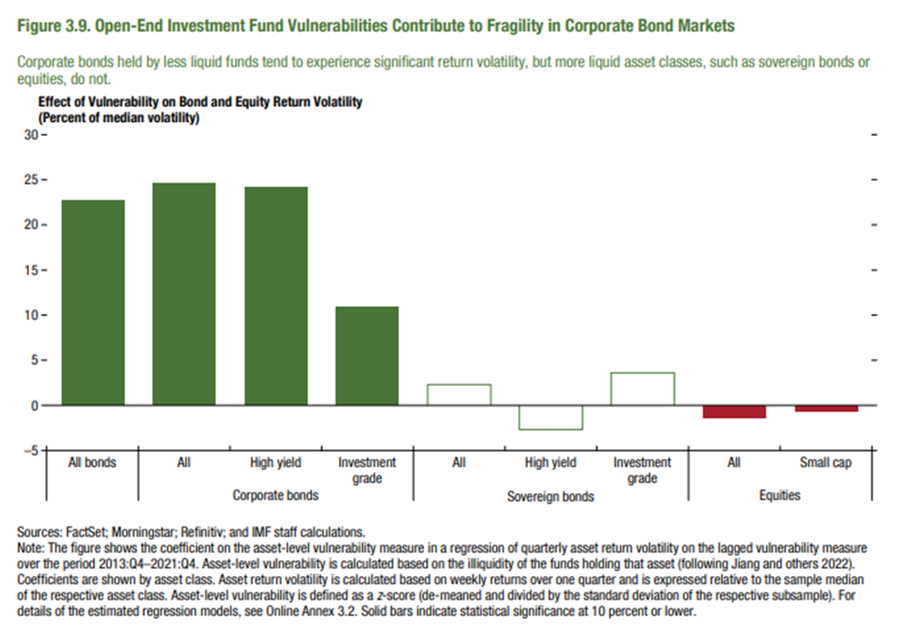
Figure 3.9. Open-End Investment Fund Vulnerabilities Contribute to Fragility in Corporate Bond Markets

Effect of Vulnerability on Bond and Equity Return Volatility (Percent of median volatility)

All bonds | 22.7
All | 24.6
High yield | 24.2
Investment grade | 10.9
All | 2.3
High yield | -2.7
Investment grade | 3.6
All | -1.4
Small cap | -0.6

Figure 3.10.
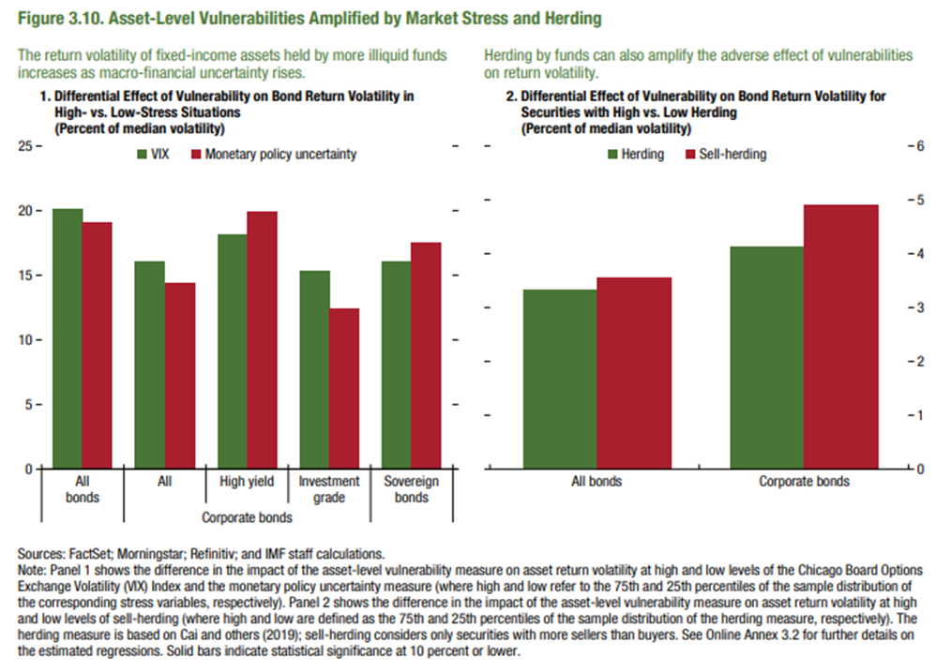
Figure 3.10. Asset-Level Vulnerabilities Amplified by Market Stress and Herding

1. Differential Effect of Vulnerability on Bond Return Volatility in High- vs. Low-Stress Situations (Percent of median volatility)

 | VIX | Monetary policy uncertainty
All bonds | 20.11529864 | 19.050
All | 16.06770806 | 14.443
High yield | 18.15283048 | 19.922
Investment grade | 15.3317825 | 12.451
Sovereign bonds | 16.06770806 | 17.556

Figure 3.11.
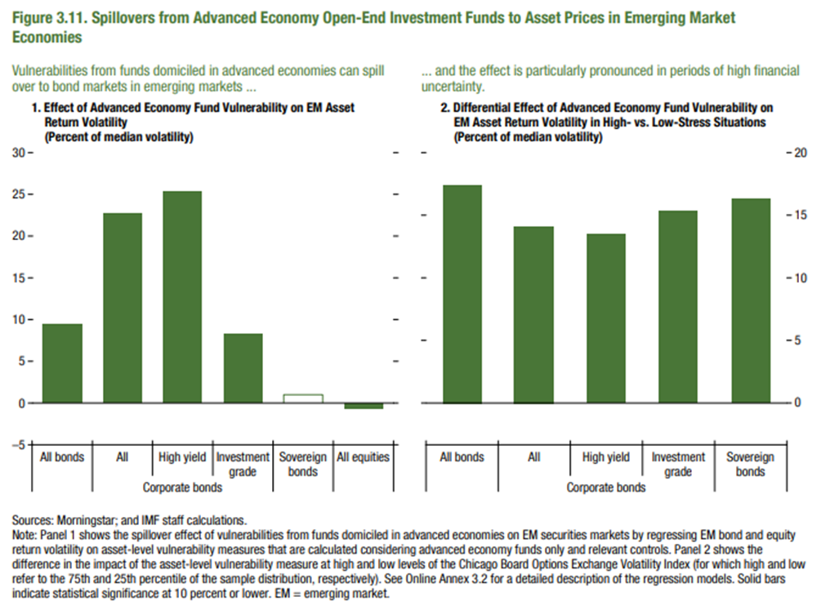
Figure 3.11. Spillovers from Advanced Economy Open-End Investment Funds to Asset Prices in Emerging Market Economies

1. Effect of Advanced Economy Fund Vulnerability on EM Asset Return Volatility (Percent of median volatility)

All bonds | 9.4
All | 22.7
High yield | 25.3
Investment grade | 8.3
Sovereign bonds | 1
All equities | -0.6

Figure 3.12.
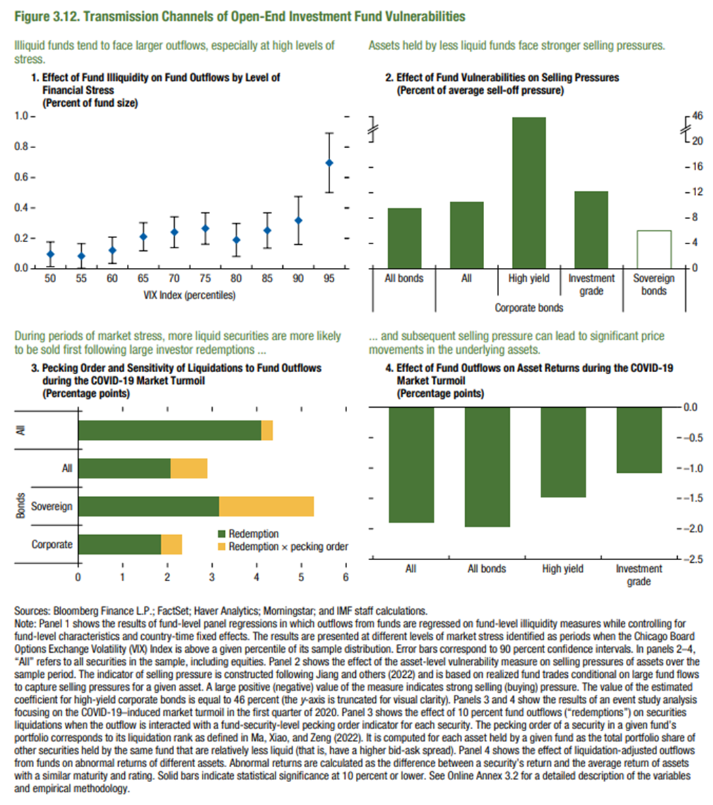
Figure 3.12. Transmission Channels of Open-End Investment Fund Vulnerabilities

1. Effect of Fund Illiquidity on Fund Outflows by Level of Financial Stress
(Percent of fund size)

VIX Index (percentiles) | Mean | Confidence Interval
50 | 0.096 | 0.081
55 | 0.084 | 0.081
60 | 0.122 | 0.086
65 | 0.211 | 0.092
70 | 0.241 | 0.101
75 | 0.265 | 0.103
80 | 0.189 | 0.108
85 | 0.252 | 0.116
90 | 0.318 | 0.158
95 | 0.697 | 0.195

2. Effect of Fund Vulnerabilities on Selling Pressures
(Percent of average sell-off pressure)

All bonds | Corporate bonds |  |  | Sovereign bonds
 | All | High yield | Investment grade
9.632 | 10.631 | 45.626 | 12.228 | 6.009

3. Pecking Order and Sensitivity of Liquidations to Fund Outflows during the COVID-19 Market Turmoil
(Percentage points)

 |  | Redemption | Redemption x pecking order
Bonds | Corporate | 1.867 | 0.450
 | Sovereign | 3.156 | 2.108
 | All | 2.066 | 0.813
All |  | 4.111 | 0.233

4. Effect of Fund Outflows on Asset Returns during the COVID-19 Market Turmoil
(Percentage points)

Average | Bonds | By Rating
All | All bonds | High yield | Investment grade
-2 | -1.971 | -1.476 | -1.082

Figure 3.13.
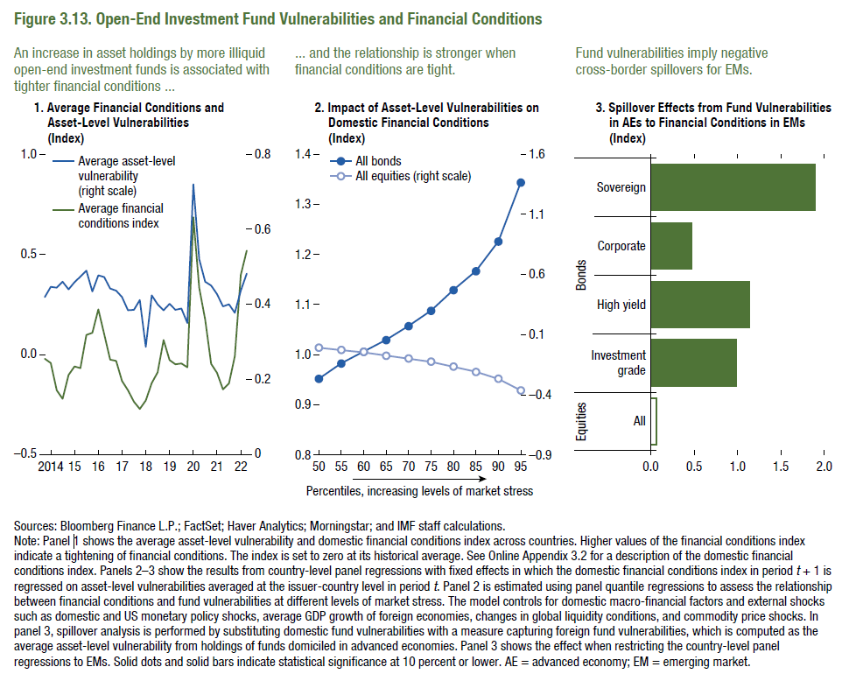
Figure 3.13. Open-End Investment Fund Vulnerabilities and Financial Conditions

1. Average Financial Conditions and Asset-Level Vulnerabilities
(Index)

Date | Average asset-level vulnerability (right scale) | Average financial conditions index
2013:Q4 | 0.420 | -0.022
2014:Q1 | 0.447 | -0.041
2014:Q2 | 0.444 | -0.178
2014:Q3 | 0.461 | -0.220
2014:Q4 | 0.441 | -0.102
2015:Q1 | 0.460 | -0.060
2015:Q2 | 0.474 | -0.068
2015:Q3 | 0.490 | 0.097
2015:Q4 | 0.434 | 0.110
2016:Q1 | 0.478 | 0.226
2016:Q2 | 0.473 | 0.103
2016:Q3 | 0.442 | -0.024
2016:Q4 | 0.437 | -0.031
2017:Q1 | 0.419 | -0.131
2017:Q2 | 0.385 | -0.178
2017:Q3 | 0.386 | -0.234
2017:Q4 | 0.411 | -0.271
2018:Q1 | 0.287 | -0.229
2018:Q2 | 0.424 | -0.141
2018:Q3 | 0.400 | -0.089
2018:Q4 | 0.384 | 0.072
2019:Q1 | 0.402 | -0.028
2019:Q2 | 0.386 | -0.047
2019:Q3 | 0.389 | -0.044
2019:Q4 | 0.350 | -0.063
2020:Q1 | 0.720 | 0.685
2020:Q2 | 0.521 | 0.335
2020:Q3 | 0.460 | 0.174
...

Figure 3.14.
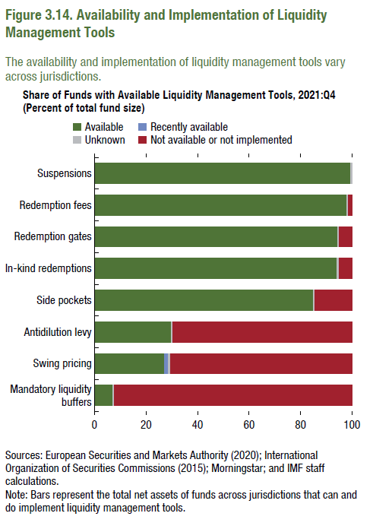
Figure 3.14. Availability and Implementation of Liquidity Management Tools

1. Share of Funds with Available Liquidity Management Tools, 2021:Q4
(Percent of total fund size)

Tool | Not available | Available but not implemented | Recently available | Available
Mandatory liquidity buffers | 92.313 | 0.000 | 0.000 | 7.009
Swing pricing | 5.673 | 64.969 | 1.659 | 27.021
Anti-dilution levy | 69.446 | 0.000 | 0.000 | 29.876
Side pockets | 14.465 | 0.000 | 0.000 | 84.857
In-kind redemptions | 5.080 | 0.000 | 0.000 | 94.241
Redemption gates | 4.951 | 0.000 | 0.000 | 94.371
Redemption fees | 1.378 | 0.000 | 0.000 | 97.944
Suspensions | 0.000 | 0.000 | 0.000 | 99.322

Figure 3.15.
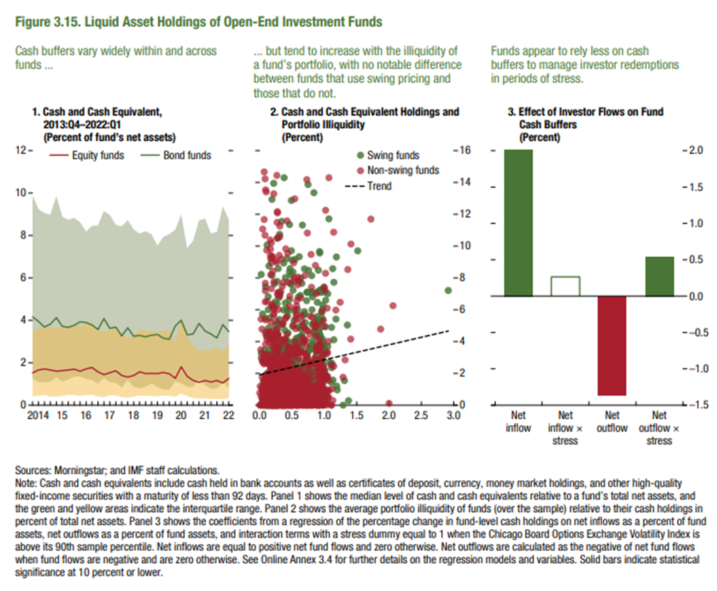
Figure 3.15. Liquid Asset Holdings of Open-End Investment Funds

1. Cash and Cash Equivalent, 2013:Q4–2022:Q1
(Percent of fund’s net assets)

Date | Equity funds | Equity funds-25th percentile | Equity funds-75th percentile
2013:Q4 | 1.520 | 0.420 | 3.390
2014:Q1 | 1.660 | 0.450 | 3.690
2014:Q2 | 1.710 | 0.480 | 3.630
2014:Q3 | 1.660 | 0.410 | 3.740
2014:Q4 | 1.600 | 0.410 | 3.600
2015:Q1 | 1.625 | 0.430 | 3.670
2015:Q2 | 1.660 | 0.490 | 3.700
2015:Q3 | 1.695 | 0.480 | 3.790
2015:Q4 | 1.600 | 0.440 | 3.710
2016:Q1 | 1.710 | 0.470 | 3.840
2016:Q2 | 1.780 | 0.490 | 3.880
2016:Q3 | 1.570 | 0.410 | 3.580
2016:Q4 | 1.440 | 0.370 | 3.470
2017:Q1 | 1.530 | 0.470 | 3.510
2017:Q2 | 1.620 | 0.450 | 3.680
2017:Q3 | 1.400 | 0.380 | 3.370
2017:Q4 | 1.320 | 0.360 | 3.140
2018:Q1 | 1.400 | 0.410 | 3.300
2018:Q2 | 1.570 | 0.450 | 3.580
2018:Q3 | 1.490 | 0.440 | 3.490
2018:Q4 | 1.500 | 0.440 | 3.520
2019:Q1 | 1.490 | 0.410 | 3.450
2019:Q2 | 1.540 | 0.450 | 3.530
2019:Q3 | 1.480 | 0.435 | 3.500
2019:Q4 | 1.270 | 0.400 | 2.980
2020:Q1 | 1.810 | 0.550 | 4.050
2020:Q2 | 1.360 | 0.430 | 3.260
...

Figure 3.16.
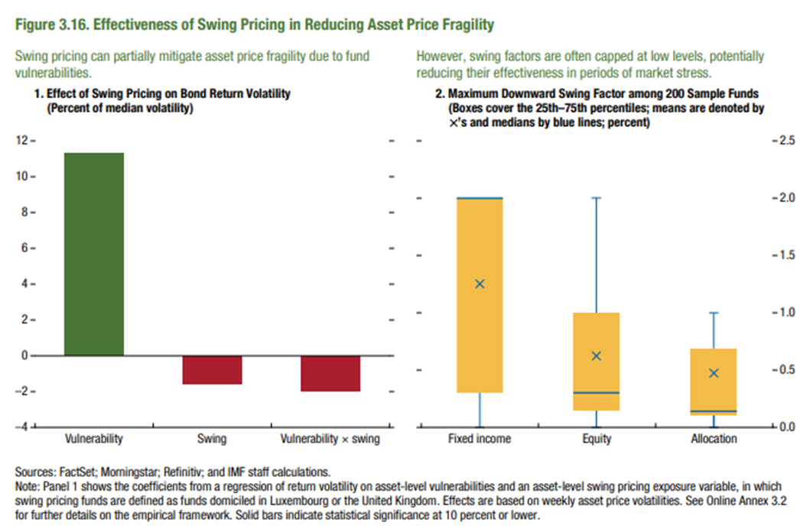
Figure 3.16. Effectiveness of Swing Pricing in Reducing Asset Price Fragility

1. Effect of Swing Pricing on Bond Return Volatility |  | 2. Maximum Downward Swing Factor among 200 Sample Funds
(Percent of median volatility) |  | (Boxes cover the 25th–75th percentiles; means are denoted by ×’s; percent)

Vulnerability | 11.3 | Fund Type | Maximum Downward Swing Factor
Swing | -1.6 |  | Mean
Vulnerability x swing | -2.0 | Fixed Income | 1.253
 |  | Equity | 0.625
 |  | Allocation | 0.473

Figure 3.1.1.
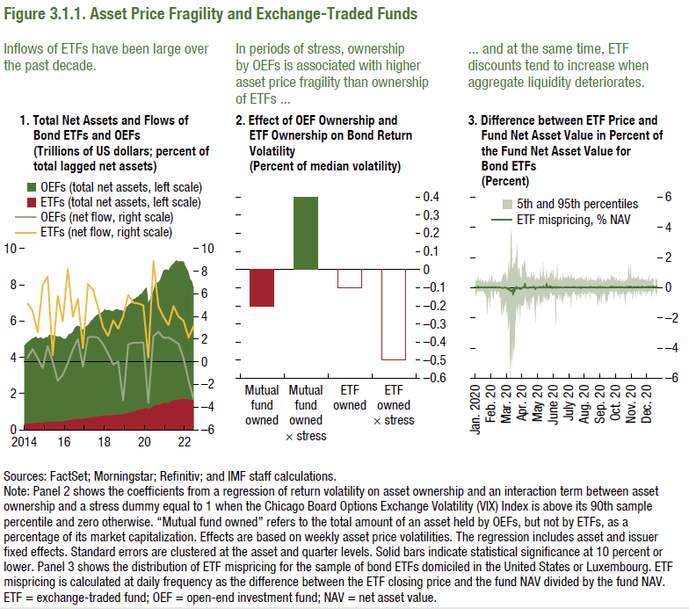
Figure 3.1.1. Asset Price Fragility and Exchange-Traded Funds

1. Total Net Assets and Flows of Bond ETFs and OEFs
(Trillions of US dollars; percent of total lagged net assets)

Date | ETFs (total net assets, left scale) | OEFs (total net assets, left scale) | ETFs (net flow, right scale)
2014:M1 | 0.333 | 4.640
2014:M2 | 0.357 | 4.740
2014:M3 | 0.354 | 4.836 | 5.148
2014:M4 | 0.363 | 4.905
2014:M5 | 0.377 | 4.983
2014:M6 | 0.379 | 5.049 | 4.511
2014:M7 | 0.378 | 5.080
2014:M8 | 0.391 | 5.146
2014:M9 | 0.381 | 5.045 | 2.611
2014:M10 | 0.402 | 5.072
2014:M11 | 0.409 | 5.112
2014:M12 | 0.409 | 5.030 | 6.745
2015:M1 | 0.422 | 5.041
2015:M2 | 0.440 | 5.122
2015:M3 | 0.438 | 5.106 | 7.526
2015:M4 | 0.452 | 5.251
2015:M5 | 0.445 | 5.237
2015:M6 | 0.439 | 5.197 | 0.581
2015:M7 | 0.449 | 5.234
2015:M8 | 0.455 | 5.185
2015:M9 | 0.464 | 5.127 | 5.822
2015:M10 | 0.481 | 5.172
2015:M11 | 0.475 | 5.110
2015:M12 | 0.475 | 5.038 | 3.581
2016:M1 | 0.490 | 5.019
2016:M2 | 0.507 | 5.029
2016:M3 | 0.534 | 5.204 | 8.185
2016:M4 | 0.545 | 5.297
2016:M5 | 0.548 | 5.305
2016:M6 | 0.569 | 5.401 | 3.980
2016:M7 | 0.588 | 5.606
...

