Figure 3.1.
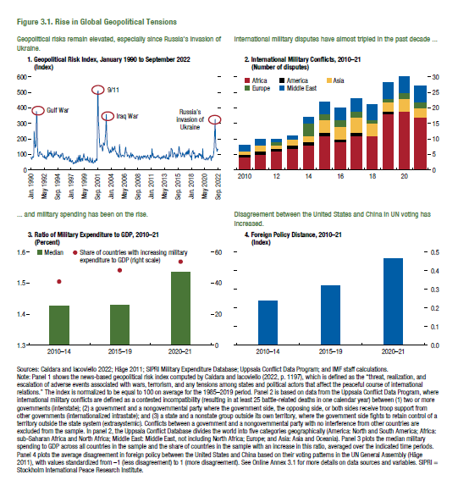
Figure 3.1. Rise in Global Geopolitical Tensions

Note: Because of the data licensing agreement, the data series shown in panel 1 of this figure are proprietary.
1.Geopolitical Risk Index, January 1990 to September 2022 | 2. International Military Conflicts, 2010–21 |  |  |  |  |  | 3. Ratio of Military Expenditure to GDP, 2010–21 |  |  | 4. Foreign Policy Distance, 2010–21
(Index) | (Number of disputes) |  |  |  |  |  | (Percent) |  |  | (Index)
 |  | Europe | Middle East | Asia | Africa | America |  | Median | Share of countries with increasing military expenditure to GDP (right scale)
 | 2010 | 0 | 2 | 1 | 4 | 1 | 2010-14 | 1.427 | 41.060 | 2010-14 | 0.236
 | 2011 | 0 | 2 | 2 | 5 | 1 | 2015-19 | 1.428 | 48.220 | 2015-19 | 0.318
 | 2012 | 1 | 1 | 1 | 6 | 1 | 2020-21 | 1.537 | 53.883 | 2020-21 | 0.466
 | 2013 | 0 | 1 | 2 | 7 | 1
 | 2014 | 4 | 2 | 2 | 8 | 1
 | 2015 | 2 | 4 | 4 | 11 | 1
 | 2016 | 2 | 4 | 4 | 9 | 1
 | 2017 | 2 | 4 | 5 | 11 | 1
 | 2018 | 1 | 5 | 4 | 11 | 0
 | 2019 | 1 | 5 | 3 | 18 | 1
 | 2020 | 2 | 5 | 4 | 19 | 0
 | 2021 | 2 | 5 | 3 | 17 | 0

Figure 3.2.
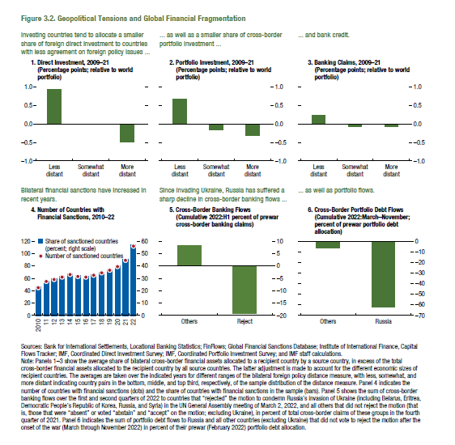
Figure 3.2. Geopolitical Tensions and Global Financial Fragmentation

1. Direct Investment, 2009–21 |  |  | 2. Portfolio Investment, 2009–21 |  | 3. Banking Claims, 2009–21
(Percentage points; relative to world portfolio) |  |  | (Percentage points; relative to world portfolio) |  | (Percentage points; relative to world portfolio)

 | 2009-21 |  |  | 2009-21 |  | 2009-21
Less distant | 0.93 |  | Less distant | 0.68 | Less distant | 0.23
Somewhat distant | -0.01 |  | Somewhat distant | -0.16 | Somewhat distant | -0.08
More distant | -0.50 |  | More distant | -0.31 | More distant | -0.07

4. Number of Countries with Financial |  |  | 5. Cross-Border Banking Flows |  | 6. Cross-Border Portfolio Debt Flows
Sanctions, 2010–22 |  |  | (Cumulative 2022:H1 percent of |  | (Cumulative 2022:March–November; percent of
 |  |  | prewar cross-border banking claims) |  | prewar portfolio debt allocation)
 | Number of sanctioned countries | Share of sanctioned countries (percent; right scale)
2010 | 45 | 23.0 | Others | 8.17 | Others | -6.23
2011 | 55 | 28.1 | Reject | -19.29 | Russia | -62.34
2012 | 58 | 29.6
2013 | 62 | 31.6
2014 | 66 | 33.7
2015 | 63 | 32.1
2016 | 62 | 31.6
2017 | 65 | 33.2
2018 | 69 | 35.2
2019 | 73 | 37.2
2020 | 79 | 40.3
2021 | 89 | 45.4
2022 | 112 | 57.1

Figure 3.3.
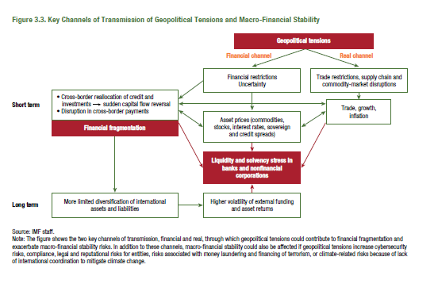
Figure 3.3. Key Channels of Transmission of Geopolitical Tensions and Macro-Financial Stability

 | 2018 | 122.21 | 0.14

Figure 3.4.
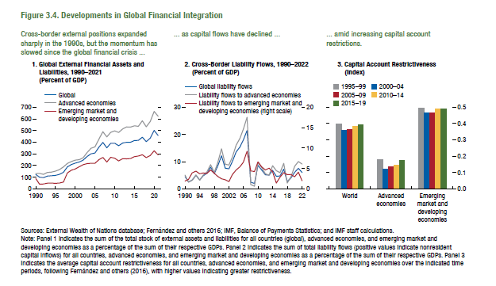
Figure 3.4. Developments in Global Financial Integration

1. Global External Financial Assets and Liabilities, 1990–2021 |  |  |  | 2. Cross-Border Liability Flows, 1990–2022 |  |  |  | 3. Capital Account Restrictiveness
(Percent of GDP) |  |  |  | (Percent of GDP) |  |  |  | (Index)

 | Global | AEs | EMDEs |  | Global liquidity flows | Liquidity flows to AEs | Liquidity flows to EMDEs |  | World | AEs | EMDEs
1970 | 38.9 | 43.2 | 24.9 | 1980 | 4.1 | 4.5 | 2.8 | 1995-99 | 0.40 | 0.18 | 0.49
1971 | 42.5 | 47.2 | 27.0 | 1981 | 4.4 | 4.4 | 4.4 | 2000-04 | 0.36 | 0.12 | 0.47
1972 | 44.5 | 49.1 | 29.1 | 1982 | 3.2 | 3.3 | 3.0 | 2005-09 | 0.36 | 0.13 | 0.47
1973 | 42.5 | 46.6 | 29.1 | 1983 | 2.6 | 2.9 | 1.4 | 2010-14 | 0.38 | 0.15 | 0.49
1974 | 43.1 | 45.9 | 34.6 | 1984 | 2.9 | 3.3 | 1.5 | 2015-19 | 0.39 | 0.17 | 0.49
1975 | 46.0 | 47.1 | 42.2 | 1985 | 3.0 | 3.5 | 1.1
1976 | 51.0 | 51.4 | 49.7 | 1986 | 4.4 | 5.1 | 1.4
1977 | 54.4 | 54.3 | 54.9 | 1987 | 4.4 | 5.1 | 1.2
1978 | 56.9 | 57.1 | 56.0 | 1988 | 3.8 | 4.4 | 0.8
1979 | 59.4 | 60.7 | 55.0 | 1989 | 5.2 | 6.0 | 1.6
1980 | 62.4 | 64.8 | 55.4 | 1990 | 4.4 | 5.0 | 1.9
1981 | 67.4 | 69.7 | 61.0 | 1991 | 2.4 | 2.5 | 2.3
1982 | 74.8 | 76.5 | 69.8 | 1992 | 3.2 | 3.1 | 3.9
1983 | 82.1 | 80.2 | 88.0 | 1993 | 4.9 | 5.1 | 4.3
1984 | 83.1 | 81.0 | 89.8 | 1994 | 3.2 | 3.1 | 3.7
1985 | 94.1 | 94.0 | 94.5 | 1995 | 4.8 | 5.0 | 3.8
1986 | 100.4 | 100.3 | 100.8 | 1996 | 5.7 | 6.2 | 3.8
1987 | 108.2 | 108.4 | 107.2 | 1997 | 7.9 | 8.8 | 4.6
1988 | 107.6 | 108.7 | 102.5 | 1998 | 5.5 | 6.0 | 3.8
1989 | 120.2 | 123.5 | 105.3 | 1999 | 8.4 | 9.7 | 3.0
1990 | 121.9 | 130.7 | 88.0 | 2000 | 12.1 | 14.7 | 2.4
1991 | 99.7 | 131.8 | 41.1 | 2001 | 7.6 | 9.0 | 2.2
1992 | 96.7 | 125.0 | 41.9 | 2002 | 7.3 | 8.7 | 1.8
1993 | 108.5 | 139.6 | 47.6 | 2003 | 10.0 | 11.7 | 3.5
1994 | 111.5 | 142.7 | 49.8 | 2004 | 13.5 | 16.0 | 4.6
1995 | 114.9 | 150.8 | 47.3 | 2005 | 15.3 | 18.4 | 5.4
1996 | 123.4 | 164.9 | 49.2 | 2006 | 17.9 | 21.9 | 6.5
1997 | 141.4 | 187.4 | 58.3 | 2007 | 21.4 | 26.3 | 9.2
1998 | 188.2 | 216.9 | 135.7 | 2008 | 2.4 | 1.5 | 4.4
1999 | 208.4 | 234.1 | 158.9 | 2009 | 2.0 | 1.0 | 4.2
2000 | 220.1 | 245.4 | 170.5 | 2010 | 8.6 | 9.6 | 6.6
2001 | 229.2 | 250.1 | 188.9 | 2011 | 6.9 | 7.8 | 5.4
2002 | 245.9 | 266.6 | 206.0 | 2012 | 5.1 | 5.5 | 4.6
2003 | 277.3 | 310.6 | 216.1 | 2013 | 5.0 | 5.0 | 5.0
2004 | 300.1 | 346.6 | 218.9 | 2014 | 6.8 | 8.5 | 4.2
2005 | 306.6 | 359.8 | 218.8 | 2015 | 4.6 | 6.6 | 1.4
2006 | 356.5 | 426.0 | 249.5 | 2016 | 4.7 | 5.9 | 2.9
2007 | 397.7 | 489.4 | 268.6 | 2017 | 7.2 | 9.3 | 4.0
2008 | 350.8 | 445.0 | 229.8 | 2018 | 2.6 | 2.1 | 3.5
2009 | 390.7 | 484.0 | 270.1 | 2019 | 4.0 | 4.3 | 3.5
2010 | 390.5 | 496.6 | 261.6 | 2020 | 6.1 | 8.2 | 2.9
2011 | 369.0 | 482.9 | 239.2 | 2021 | 7.5 | 10.0 | 4.1
2012 | 391.9 | 511.9 | 257.3 | 2022 | 6.0 | 9.1 | 2.0
2013 | 398.2 | 530.5 | 256.2
2014 | 398.4 | 529.1 | 259.1
2015 | 413.6 | 539.5 | 275.7
2016 | 414.9 | 534.8 | 281.0
2017 | 442.6 | 582.5 | 291.9
2018 | 403.9 | 531.7 | 268.0
2019 | 433.9 | 575.9 | 284.5
2020 | 500.2 | 663.2 | 326.5
2021 | 457.3 | 621.6 | 290.4

2014-03-12 | -8.20
2014-03-13 | -8.84
2014-03-14 | -3.41
2014-03-17 | -3.55
2014-03-18 | -5.63
2014-03-19 | -7.36
2014-03-20 | -9.33
2014-03-21 | -5.81
2014-03-24 | -6.63
2014-03-25 | -6.85
2014-03-26 | -8.37
2014-03-27 | -10.82
2014-03-28 | -11.23
2014-03-31 | -11.36
2014-04-01 | -8.79
2014-04-02 | -8.05
2014-04-03 | -8.69
2014-04-04 | -9.05
2014-04-07 | -9.94
2014-04-08 | -8.11
2014-04-09 | -8.35
2014-04-10 | -10.07
2014-04-11 | -10.51
2014-04-14 | -10.96
2014-04-15 | -8.00
2014-04-16 | -11.27
2014-04-17 | -10.74
2014-04-18 | -10.84
2014-04-21 | -10.88
2014-04-22 | -6.42
2014-04-23 | -8.96
2014-04-24 | -9.98
2014-04-25 | -10.47
2014-04-28 | -11.48
2014-04-29 | -9.27
2014-04-30 | -9.36
2014-05-01 | -9.70
2014-05-02 | -8.65
2014-05-05 | -6.42
2014-05-06 | -6.60
2014-05-07 | -7.80
2014-05-08 | -8.93
2014-05-09 | -8.71
2014-05-12 | -6.20
2014-05-13 | -7.63
2014-05-14 | -8.88
2014-05-15 | -9.02
2014-05-16 | -8.73
2014-05-19 | -6.77
2014-05-20 | -7.10
2014-05-21 | -8.66
2014-05-22 | -9.25
2014-05-23 | -8.98
2014-05-26 | -7.17
2014-05-27 | -8.13
2014-05-28 | -10.22
2014-05-29 | -11.50
2014-05-30 | -12.24
2014-06-02 | -8.65
2014-06-03 | -8.70
2014-06-04 | -10.68
2014-06-05 | -12.30
2014-06-06 | -11.53
2014-06-09 | -11.55
2014-06-10 | -8.72
2014-06-11 | -9.82
2014-06-12 | -12.09
2014-06-13 | -12.61
2014-06-16 | -12.71
2014-06-17 | -9.48
2014-06-18 | -10.27
2014-06-19 | -10.58
2014-06-20 | -10.23
2014-06-23 | -10.39
2014-06-24 | -8.95
2014-06-25 | -10.03
2014-06-26 | -10.51
2014-06-27 | -10.55
2014-06-30 | -9.34
2014-07-01 | -7.49
2014-07-02 | -9.49
2014-07-03 | -10.37
2014-07-04 | -10.74
2014-07-07 | -8.24
2014-07-08 | -8.17
2014-07-09 | -9.83
2014-07-10 | -9.87
2014-07-11 | -9.23
2014-07-14 | -7.19
2014-07-15 | -7.62
2014-07-16 | -9.67
2014-07-17 | -10.22
2014-07-18 | -10.82
2014-07-21 | -8.23
2014-07-22 | -7.92
2014-07-23 | -9.04
2014-07-24 | -9.13
2014-07-25 | -9.22
2014-07-28 | -10.52
2014-07-29 | -12.43
2014-07-30 | -8.37
2014-07-31 | -8.75
2014-08-01 | -7.20
2014-08-04 | -7.18
2014-08-05 | -7.80
2014-08-06 | -9.52
2014-08-07 | -9.03
2014-08-08 | -9.08
2014-08-11 | -7.10
2014-08-12 | -7.37
2014-08-13 | -8.90
2014-08-14 | -9.74
2014-08-15 | -10.16
2014-08-18 | -10.62
2014-08-19 | -8.90
2014-08-20 | -10.24
2014-08-21 | -10.52
2014-08-22 | -10.35
2014-08-25 | -8.16
2014-08-26 | -8.49
2014-08-27 | -8.52
2014-08-28 | -12.52
2014-08-29 | -13.53
2014-09-01 | -13.53
2014-09-02 | -10.19
2014-09-03 | -10.19
2014-09-04 | -14.24
2014-09-05 | -13.69
2014-09-08 | -14.46
2014-09-09 | -11.73
2014-09-10 | -11.58
2014-09-11 | -12.31
2014-09-12 | -12.27
2014-09-15 | -12.74
2014-09-16 | -10.55
2014-09-17 | -12.39
2014-09-18 | -13.42
2014-09-19 | -14.50
2014-09-22 | -12.80
2014-09-23 | -9.52
2014-09-24 | -9.13
2014-09-25 | -11.16
2014-09-26 | -10.90
2014-09-29 | -7.41
2014-09-30 | -7.68
2014-10-01 | -9.76
2014-10-02 | -9.34
2014-10-03 | -6.83
2014-10-06 | -7.62
2014-10-07 | -6.40
2014-10-08 | -7.56
2014-10-09 | -7.52
2014-10-10 | -8.37
2014-10-13 | -6.40
2014-10-14 | -7.23
2014-10-15 | -8.50
2014-10-16 | -8.97
2014-10-17 | -7.70
2014-10-20 | -6.97
2014-10-21 | -8.87
2014-10-22 | -10.02
2014-10-23 | -8.30
2014-10-24 | -8.53
2014-10-27 | -10.17
2014-10-28 | -11.08
2014-10-29 | -12.31
2014-10-30 | -10.62
2014-10-31 | -11.16
2014-11-03 | -10.88
2014-11-04 | -9.13
2014-11-05 | -8.86
2014-11-06 | -9.99
2014-11-07 | -10.47
2014-11-10 | -8.69
2014-11-11 | -8.11
2014-11-12 | -10.92
2014-11-13 | -11.09
2014-11-14 | -10.92
2014-11-17 | -8.27
2014-11-18 | -9.20
2014-11-19 | -10.59
2014-11-20 | -11.60
2014-11-21 | -7.26
2014-11-24 | -7.01
2014-11-25 | -7.33
2014-11-26 | -7.50
2014-11-27 | -17.56
2014-11-28 | -21.01
2014-12-01 | -19.82
2014-12-02 | -21.96
2014-12-03 | -22.52
2014-12-04 | -21.78
2014-12-05 | -21.96
2014-12-08 | -20.59
2014-12-09 | -21.49
2014-12-10 | -21.58
2014-12-11 | -18.40
2014-12-12 | -19.13
2014-12-15 | -16.99
2014-12-16 | -17.51
2014-12-17 | -19.55
2014-12-18 | -20.28
2014-12-19 | -17.96
2014-12-22 | -21.65
2014-12-23 | -21.54
2014-12-24 | -21.75
...

Figure 3.5.
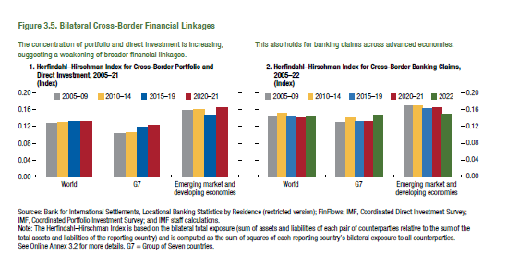
Figure 3.5. Bilateral Cross-Border Financial Linkages

1. Herfindahl–Hirschman Index for Cross-Border Portfolio and
Direct Investment, 2005–21
(Index)

 | World | G7 | EMDEs
2000-04 | 0.143 | 0.101 | 0.173
2005-09 | 0.126 | 0.103 | 0.158
2010-14 | 0.129 | 0.106 | 0.160
2015-19 | 0.131 | 0.119 | 0.148
2020-21 | 0.132 | 0.123 | 0.164
...

Figure 3.6.
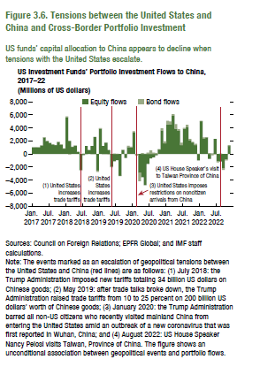
Figure 3.6. Tensions between the United States and China and Cross-Border Portfolio Investment

US Investment Funds’ Portfolio Investment Flows to China, 2017–22
(Millions of US dollars)

Note: Because of the data licensing agreement, the data series shown in Figure 3.6 are proprietary.

Figure 3.7.
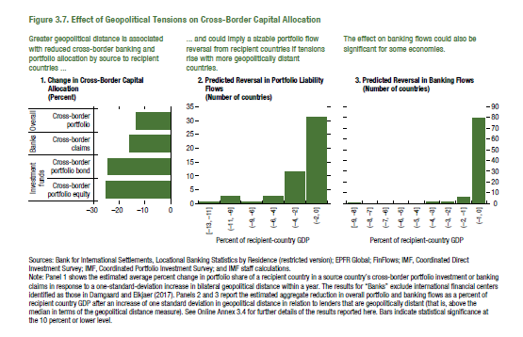
Figure 3.7. Effect of Geopolitical Tensions on Cross-Border Capital Allocation

1. Change in Cross-Border Capital Allocation
(Percent)
Investment funds |  | Banks | Overall
Cross-border portfolio equity | Cross-border portfolio bond | Cross-border claims | Cross-border portfolio
-25.1 | -24.5 | -16.0 | -13.5
...

Figure 3.8.
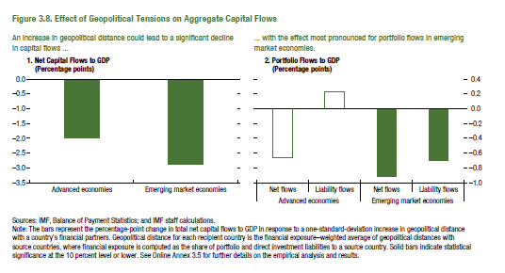
Figure 3.8. Effect of Geopolitical Tensions on Aggregate Capital Flows

1. Net Capital Flows to GDP |  | 2. Portfolio Flows to GDP
(Percentage points) |  | (Percentage points)

AEs | -1.98
EMs | -2.88 | AEs
...
 |  | EMs
...

Figure 3.9.
Figure 1.8. Selected Advanced Economies: Current Deleveraging Episodes (Weighted average)
3. Public Debt
(Percent of GDP)
1. Private Debt
(Percent of GDP)
Sources: Bank for International Settlements; IMF, World Economic Outlook; and IMF staff estimates.
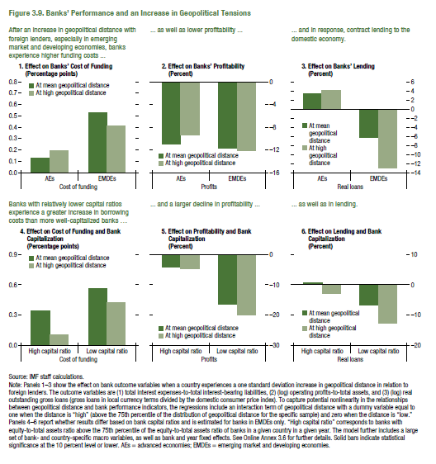
Figure 3.9. Banks’ Performance and an Increase in Geopolitical Tensions

1. Effect on Banks’ Cost of Funding
(Percentage points)

 | At mean geopolitical distance | At high geopolitical distance
AEs | 0.13 | 0.19
EMDEs | 0.53 | 0.42

4. Effect on Cost of Funding and Bank Capitalization
(Percentage points)

 | At mean geopolitical distance | At high geopolitical distance
High capital ratio | 0.35 | 0.11
Low capital ratio | 0.56 | 0.43

Figure 3.10.
Figure 1.8. Selected Advanced Economies: Current Deleveraging Episodes (Weighted average)
3. Public Debt
(Percent of GDP)
1. Private Debt
(Percent of GDP)
Sources: Bank for International Settlements; IMF, World Economic Outlook; and IMF staff estimates.
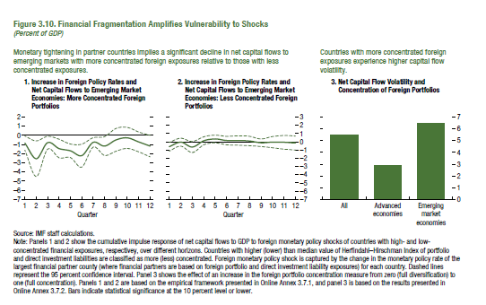
Figure 3.10. Financial Fragmentation Amplifies Vulnerability to Shocks

1. Increase in Foreign Policy Rates and Net Capital Flows to
Emerging Market Economies: More Concentrated Foreign Portfolios
(Percent of GDP)

 | Cumulative impulse response | 95% confidence bands | 95% confidence bands
1 | -0.841 | -1.613 | -0.070
2 | -2.546 | -4.489 | -0.602
3 | -0.797 | -1.502 | -0.093
4 | -1.441 | -2.460 | -0.422
5 | -1.683 | -2.427 | -0.938
6 | -2.216 | -3.473 | -0.958
7 | -0.766 | -1.281 | -0.250
8 | -1.170 | -2.202 | -0.138
9 | -0.489 | -1.736 | 0.758
10 | -0.274 | -1.427 | 0.879
11 | -0.719 | -1.804 | 0.366
12 | -1.173 | -2.351 | 0.005

Figure 3.1.1
Figure 1.8. Selected Advanced Economies: Current Deleveraging Episodes (Weighted average)
3. Public Debt
(Percent of GDP)
1. Private Debt
(Percent of GDP)
Sources: Bank for International Settlements; IMF, World Economic Outlook; and IMF staff estimates.
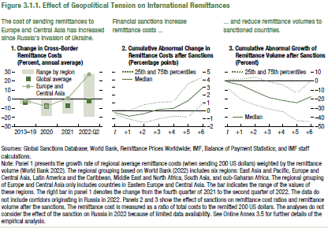
Figure 3.1.1. Effect of Geopolitical Tension on International Remittances

1. Change in Cross-Border Remittance Costs
(Percent, annual average)

 | Global average | Europe and Central Asia | Range by region
2013-19 | -3.3 | -1.3 | -4.6
2020 | -7.4 | -7.7 | -18.0
2021 | -6.8 | 1.1 | -15.6
2022:Q2 | -2.0 | 27.4 | -18.4
...

Figure 3.2.1
Figure 1.8. Selected Advanced Economies: Current Deleveraging Episodes (Weighted average)
3. Public Debt
(Percent of GDP)
1. Private Debt
(Percent of GDP)
Sources: Bank for International Settlements; IMF, World Economic Outlook; and IMF staff estimates.
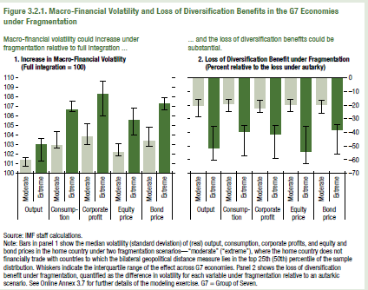
Figure 3.2.1. Macro-Financial Volatility and Loss of Diversification Benefits in the G7 Economies under Fragmentation

1. Increase in Macro-Financial Volatility
(Full integration = 100)

Output | Moderate | 101.38
 | Extreme | 103.02
Consumption | Moderate | 102.91
 | Extreme | 106.65
Corporate profit | Moderate | 103.83
 | Extreme | 108.24
Equity price | Moderate | 102.25
 | Extreme | 105.57
Bond price | Moderate | 103.38
 | Extreme | 107.26

