Figure 3.1.
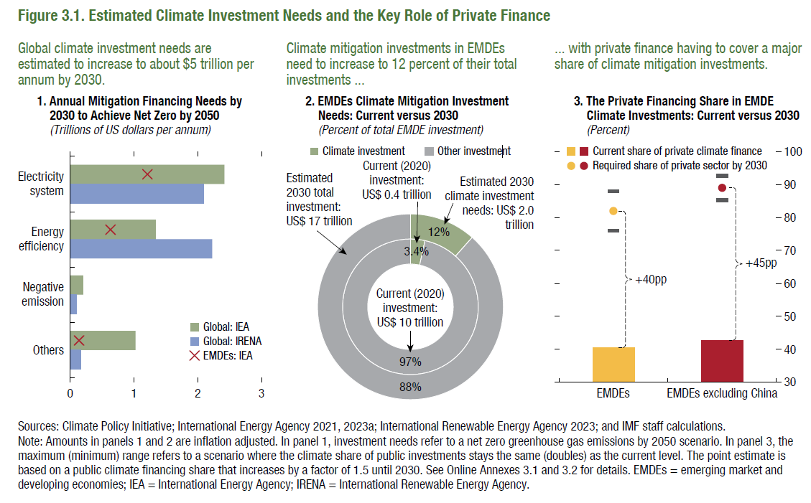
Figure 3.1 Estimated Climate Investment Needs and the Key Role of Private Finance

1. Annual Mitigation Financing Needs by 2030 to Achieve Net Zero by 2050 |  |  |  | 2. EMDEs Climate Mitigation Investment Needs: Current versus 2030 |  |  | 3. The Private Financing Share in EMDE Climate Investments: Current versus 2030
(Trillions of US dollars per annum) |  |  |  | (Percent of total EMDE investment) |  |  | (Percent)
 | Global: IEA | Global: IRENA | EMDEs: IEA |  | Climate Investment | Other Investment |  | Share of private investment | Estimated share | Estimated share | Baseline
Electricity system ​ | 2.42 | 2.09 | 1.21 | 2020 | 0.37 | 10.43 | EMDEs | 0.40 | 0.76 | 0.88 | 0.82
Energy efficiency ​ | 1.33 | 2.23 | 0.64 | 2030 | 1.99 | 15.20 | EMDEs excluding China | 0.43 | 0.85 | 0.93 | 0.89
Negative emission | 0.21 | 0.10 |  | Total | 2.36 | 25.62
Others | 1.03 | 0.16 | 0.14

Figure 3.2.
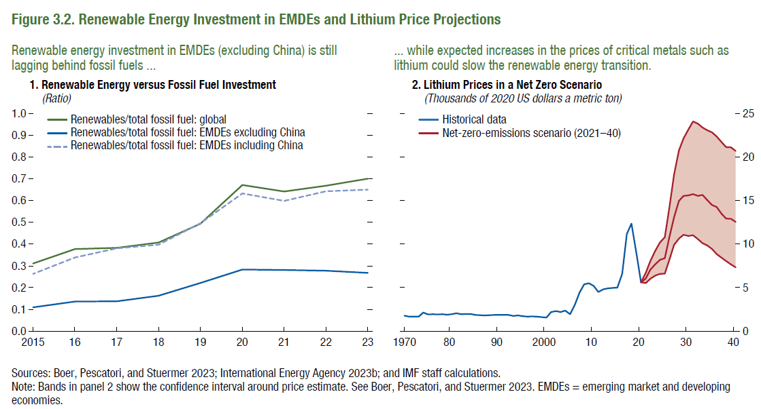
Figure 3.2. Renewable Energy Investment in EMDEs and Lithium Price Projections

1. Renewable Energy versus Fossil Fuel Investment |  |  |  |  |  |  |  |  |  | 2. Lithium Prices in a Net Zero Scenario
(Ratio) |  |  |  |  |  |  |  |  |  | (Thousands of 2020 US dollars a metric ton)
 | 2015 | 16 | 17 | 18 | 19 | 20 | 21 | 22 | 23 |  | Lithium
Renewables/total Fossil Fuel - global | 0.31 | 0.38 | 0.38 | 0.41 | 0.49 | 0.67 | 0.64 | 0.67 | 0.70 | Year | Historical data | Lower | Net-zero-emissions scenario (2021–40) | Upper
Renewables/total Fossil Fuel - EMDEs excl China | 0.11 | 0.14 | 0.14 | 0.16 | 0.22 | 0.28 | 0.28 | 0.28 | 0.27 | 1970 | 1.78
Renewables/total Fossil Fuel - EMDEs incl China | 0.26 | 0.34 | 0.38 | 0.40 | 0.49 | 0.63 | 0.60 | 0.64 | 0.65 | 71 | 1.67
 |  |  |  |  |  |  |  |  |  | 72 | 1.67
 |  |  |  |  |  |  |  |  |  | 73 | 1.65
 |  |  |  |  |  |  |  |  |  | 74 | 2.12
 |  |  |  |  |  |  |  |  |  | 75 | 1.92
 |  |  |  |  |  |  |  |  |  | 76 | 1.94
 |  |  |  |  |  |  |  |  |  | 77 | 1.93
 |  |  |  |  |  |  |  |  |  | 78 | 1.95
 |  |  |  |  |  |  |  |  |  | 79 | 1.88
 |  |  |  |  |  |  |  |  |  | 80 | 1.95
 |  |  |  |  |  |  |  |  |  | 81 | 2.06
 |  |  |  |  |  |  |  |  |  | 82 | 1.94
 |  |  |  |  |  |  |  |  |  | 83 | 1.97
 |  |  |  |  |  |  |  |  |  | 84 | 1.97
 |  |  |  |  |  |  |  |  |  | 85 | 1.85
 |  |  |  |  |  |  |  |  |  | 86 | 1.82
 |  |  |  |  |  |  |  |  |  | 87 | 1.81
 |  |  |  |  |  |  |  |  |  | 88 | 1.83
 |  |  |  |  |  |  |  |  |  | 89 | 1.85
 |  |  |  |  |  |  |  |  |  | 90 | 1.86
 |  |  |  |  |  |  |  |  |  | 91 | 1.86
 |  |  |  |  |  |  |  |  |  | 92 | 1.85
 |  |  |  |  |  |  |  |  |  | 93 | 1.76
 |  |  |  |  |  |  |  |  |  | 94 | 1.79
 |  |  |  |  |  |  |  |  |  | 95 | 1.72
 |  |  |  |  |  |  |  |  |  | 96 | 1.67
 |  |  |  |  |  |  |  |  |  | 97 | 1.68
 |  |  |  |  |  |  |  |  |  | 98 | 1.66
 |  |  |  |  |  |  |  |  |  | 99 | 1.62
 |  |  |  |  |  |  |  |  |  | 2000 | 1.56
 |  |  |  |  |  |  |  |  |  | 01 | 2.19
 |  |  |  |  |  |  |  |  |  | 02 | 2.30
 |  |  |  |  |  |  |  |  |  | 03 | 2.19
 |  |  |  |  |  |  |  |  |  | 04 | 2.37
 |  |  |  |  |  |  |  |  |  | 05 | 1.95
 |  |  |  |  |  |  |  |  |  | 06 | 3.00
 |  |  |  |  |  |  |  |  |  | 07 | 4.43
 |  |  |  |  |  |  |  |  |  | 08 | 5.37
 |  |  |  |  |  |  |  |  |  | 09 | 5.50
 |  |  |  |  |  |  |  |  |  | 10 | 5.20
 |  |  |  |  |  |  |  |  |  | 11 | 4.48
 |  |  |  |  |  |  |  |  |  | 12 | 4.79
 |  |  |  |  |  |  |  |  |  | 13 | 4.91
 |  |  |  |  |  |  |  |  |  | 14 | 4.96
 |  |  |  |  |  |  |  |  |  | 15 | 4.99
 |  |  |  |  |  |  |  |  |  | 16 | 6.57
 |  |  |  |  |  |  |  |  |  | 17 | 11.16
 |  |  |  |  |  |  |  |  |  | 18 | 12.34
 |  |  |  |  |  |  |  |  |  | 19 | 9.01
 |  |  |  |  |  |  |  |  |  | 20 | 5.60 | 5.60 | 5.60 | 5.60
 |  |  |  |  |  |  |  |  |  | 21 |  | 5.52 | 6.05 | 6.71
 |  |  |  |  |  |  |  |  |  | 22 |  | 6.03 | 7.06 | 8.06
 |  |  |  |  |  |  |  |  |  | 23 |  | 6.39 | 7.67 | 9.22
 |  |  |  |  |  |  |  |  |  | 24 |  | 6.56 | 8.17 | 10.18
 |  |  |  |  |  |  |  |  |  | 25 |  | 6.60 | 8.38 | 10.79
 |  |  |  |  |  |  |  |  |  | 26 |  | 8.21 | 10.82 | 14.22
 |  |  |  |  |  |  |  |  |  | 27 |  | 9.90 | 13.06 | 17.96
 |  |  |  |  |  |  |  |  |  | 28 |  | 10.61 | 14.95 | 20.72
 |  |  |  |  |  |  |  |  |  | 29 |  | 11.06 | 15.53 | 22.11
 |  |  |  |  |  |  |  |  |  | 30 |  | 10.93 | 15.59 | 23.14
 |  |  |  |  |  |  |  |  |  | 31 |  | 11.00 | 15.72 | 24.06
 |  |  |  |  |  |  |  |  |  | 32 |  | 10.55 | 15.53 | 23.80
 |  |  |  |  |  |  |  |  |  | 33 |  | 10.09 | 15.62 | 23.36
 |  |  |  |  |  |  |  |  |  | 34 |  | 9.84 | 15.07 | 23.05
 |  |  |  |  |  |  |  |  |  | 35 |  | 9.43 | 14.46 | 22.82
 |  |  |  |  |  |  |  |  |  | 36 |  | 8.85 | 14.26 | 22.33
 |  |  |  |  |  |  |  |  |  | 37 |  | 8.42 | 13.48 | 21.71
 |  |  |  |  |  |  |  |  |  | 38 |  | 8.05 | 12.92 | 21.13
 |  |  |  |  |  |  |  |  |  | 39 |  | 7.65 | 12.88 | 21.09
 |  |  |  |  |  |  |  |  |  | 40 |  | 7.31 | 12.53 | 20.68

Figure 3.3.
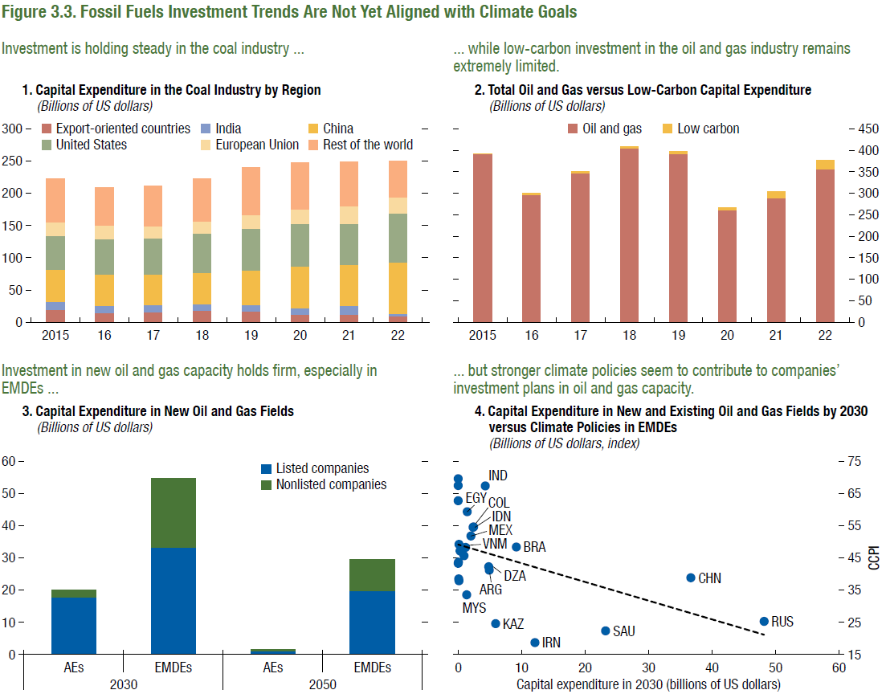
Figure 3.3. Fossil Fuels Investment Trends Are Not Yet Aligned with Climate Goals
1. Capital Expenditure in the Coal Industry by Region |  |  |  |  |  |  | 2. Total Oil and Gas versus Low-Carbon Capital Expenditure
(Billions of US dollars) |  |  |  |  |  |  | (Billions of US dollars)
Year | Export-oriented countries | India | China | USA | European Union | Rest of the world |  | Oil & Gas Capex | Low-Carbon Capex
2015 | 19.89 | 12.06 | 49.97 | 52.42 | 21.20 | 67.38 | 2015 | 391.2 | 2
2016 | 14.61 | 11.06 | 48.82 | 54.96 | 20.35 | 59.07 | 16 | 296.7 | 3
2017 | 15.44 | 10.89 | 48.31 | 56.36 | 17.79 | 62.20 | 17 | 346.6 | 4
2018 | 17.69 | 10.47 | 48.65 | 60.41 | 18.82 | 66.83 | 18 | 404.9 | 4
2019 | 16.86 | 10.15 | 54.07 | 64.68 | 20.87 | 73.23 | 19 | 391.7 | 5
2020 | 11.88 | 10.32 | 64.41 | 66.28 | 22.94 | 71.63 | 20 | 262.2 | 5
2021 | 12.24 | 13.23 | 64.10 | 63.87 | 26.66 | 68.78 | 21 | 289.5 | 15
2022 | 10.36 | 3.54 | 79.20 | 74.96 | 25.92 | 55.66 | 22 | 356.6 | 20

3. Capital Expenditure in New Oil and Gas Fields |  |  |  |  |  |  | 4. Capital Expenditure in New and Existing Oil and Gas Fields by 2030 versus Climate Policies in EMDEs
(Billions of US dollars) |  |  |  |  |  |  | (Billions of US dollars, index)
 |  | Listed Companies | Non-Listed Companies |  |  |  |  |  | 2030 Capex | Climate Change Performance Index
2030 | AE | 17.83 | 2.24 |  |  |  | Russia | RUS | 48.18 | 25.28
 | EMDE | 33.26 | 21.41 |  |  |  | China | CHN | 36.64 | 38.80
 |  |  |  |  |  |  | Saudi Arabia | SAU | 23.20 | 22.41
2050 | AE | 1.22 | 0.30 |  |  |  | Iran | IRN | 12.08 | 18.77
 | EMDE | 19.69 | 9.92 |  |  |  | Brazil | BRA | 9.14 | 48.39
 |  |  |  |  |  |  | Kazakhstan | KAZ | 5.88 | 24.61
 |  |  |  |  |  |  | Argentina | ARG | 4.88 | 41.19
 |  |  |  |  |  |  | Algeria | DZA | 4.79 | 42.26
 |  |  |  |  |  |  | India | IND | 4.24 | 67.35
 |  |  |  |  |  |  | Indonesia | IDN | 2.41 | 54.59
 |  |  |  |  |  |  | Colombia | COL | 2.33 | 54.50
 |  |  |  |  |  |  | Mexico | MEX | 2.01 | 51.77
 |  |  |  |  |  |  | Egypt | EGY | 1.41 | 59.37
 |  |  |  |  |  |  | Malaysia | MYS | 1.31 | 33.51
 |  |  |  |  |  |  | Vietnam | VNM | 1.14 | 48.31
 |  |  |  |  |  |  | South Africa | ZAF | 0.92 | 45.69
 |  |  |  |  |  |  | Romania | ROU | 0.37 | 47.09
 |  |  |  |  |  |  | Thailand | THA | 0.31 | 47.23
 |  |  |  |  |  |  | Bulgaria | BGR | 0.13 | 49.15
 |  |  |  |  |  |  | Poland | POL | 0.12 | 37.94
 |  |  |  |  |  |  | Hungary | HUN | 0.08 | 38.51
 |  |  |  |  |  |  | Belarus | BLR | 0.03 | 43.69
 |  |  |  |  |  |  | Chile | CHL | 0.01 | 69.54
 |  |  |  |  |  |  | Morocco | MAR | 0.01 | 67.44
 |  |  |  |  |  |  | Philippines | PHL | 0.00 | 62.75
 |  |  |  |  |  |  | Türkiye | TUR | 0.00 | 43.32

 |  |  |  |  |  |  |  |  |  |  | 2018 | 122.21 | 0.14

Figure 3.4.
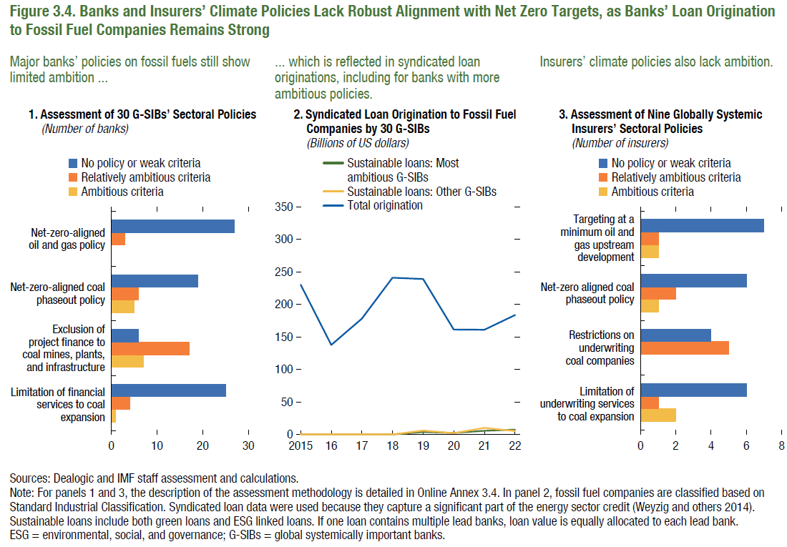
Figure 3.4. Banks and Insurers’ Climate Policies Lack Robust Alignment with Net Zero Targets, as Banks’ Loan Origination to Fossil Fuel Companies Remains Strong

1. Global External Financial Assets and Liabilities, 1990–2021 |  |  |  | 2. Syndicated Loan Origination to Fossil Fuel Companies by 30 G-SIBs |  |  |  | 3. Assessment of nine Globally Systemic Insurers' Sectoral Policies
(Percent of GDP) |  |  |  | (Billions of US dollars) |  |  |  | (Number of insurers)

 | Ambitious criteria | Relatively ambitious criteria | No policy or weak criteria | Year | Sustainable loans: Most ambitious G-SIBs | Sustainable loans: Other G-SIBs | Total origination |  | Ambitious criteria | Relatively ambitious criteria | No policy or weak criteria
Limitation of financial services to coal expansion | 1 | 4 | 25 | 2015 | 0.00 | 0.00 | 230.19 | Limitation of underwriting services to coal expansion | 2 | 1 | 6
Exclusion of project finance to coal mines, plants, and infrastructure | 7 | 17 | 6 | 2016 | 0.00 | 0.00 | 137.52 | Restrictions on underwriting coal companies | 0 | 5 | 4
Net-zero-aligned coal phase-out policy | 5 | 6 | 19 | 2017 | 0.00 | 0.00 | 177.90 | Net-zero aligned coal phase-out policy | 1 | 2 | 6
Net-zero-aligned oil and gas policy | 0 | 3 | 27 | 2018 | 0.00 | 0.00 | 240.79 | Targeting at a minimum oil and gas upstream development | 1 | 1 | 7
 |  |  |  | 2019 | 3.74 | 6.03 | 238.98
 |  |  |  | 2020 | 2.49 | 2.03 | 161.10
 |  |  |  | 2021 | 5.76 | 10.14 | 160.85
 |  |  |  | 2022 | 7.39 | 5.43 | 183.54

2014-03-12 | -8.20
2014-03-13 | -8.84
2014-03-14 | -3.41
2014-03-17 | -3.55
2014-03-18 | -5.63
2014-03-19 | -7.36
2014-03-20 | -9.33
2014-03-21 | -5.81
2014-03-24 | -6.63
2014-03-25 | -6.85
2014-03-26 | -8.37
2014-03-27 | -10.82
2014-03-28 | -11.23
2014-03-31 | -11.36
2014-04-01 | -8.79
2014-04-02 | -8.05
2014-04-03 | -8.69
2014-04-04 | -9.05
2014-04-07 | -9.94
2014-04-08 | -8.11
2014-04-09 | -8.35
2014-04-10 | -10.07
2014-04-11 | -10.51
2014-04-14 | -10.96
2014-04-15 | -8.00
2014-04-16 | -11.27
2014-04-17 | -10.74
2014-04-18 | -10.84
2014-04-21 | -10.88
2014-04-22 | -6.42
2014-04-23 | -8.96
2014-04-24 | -9.98
2014-04-25 | -10.47
2014-04-28 | -11.48
2014-04-29 | -9.27
2014-04-30 | -9.36
2014-05-01 | -9.70
2014-05-02 | -8.65
2014-05-05 | -6.42
2014-05-06 | -6.60
2014-05-07 | -7.80
2014-05-08 | -8.93
2014-05-09 | -8.71
2014-05-12 | -6.20
2014-05-13 | -7.63
2014-05-14 | -8.88
2014-05-15 | -9.02
2014-05-16 | -8.73
2014-05-19 | -6.77
2014-05-20 | -7.10
2014-05-21 | -8.66
2014-05-22 | -9.25
2014-05-23 | -8.98
2014-05-26 | -7.17
2014-05-27 | -8.13
2014-05-28 | -10.22
2014-05-29 | -11.50
2014-05-30 | -12.24
2014-06-02 | -8.65
2014-06-03 | -8.70
2014-06-04 | -10.68
2014-06-05 | -12.30
2014-06-06 | -11.53
2014-06-09 | -11.55
2014-06-10 | -8.72
2014-06-11 | -9.82
2014-06-12 | -12.09
2014-06-13 | -12.61
2014-06-16 | -12.71
2014-06-17 | -9.48
2014-06-18 | -10.27
2014-06-19 | -10.58
2014-06-20 | -10.23
2014-06-23 | -10.39
2014-06-24 | -8.95
2014-06-25 | -10.03
2014-06-26 | -10.51
2014-06-27 | -10.55
2014-06-30 | -9.34
2014-07-01 | -7.49
2014-07-02 | -9.49
2014-07-03 | -10.37
2014-07-04 | -10.74
2014-07-07 | -8.24
2014-07-08 | -8.17
2014-07-09 | -9.83
2014-07-10 | -9.87
2014-07-11 | -9.23
2014-07-14 | -7.19
2014-07-15 | -7.62
2014-07-16 | -9.67
2014-07-17 | -10.22
2014-07-18 | -10.82
2014-07-21 | -8.23
2014-07-22 | -7.92
2014-07-23 | -9.04
2014-07-24 | -9.13
2014-07-25 | -9.22
2014-07-28 | -10.52
2014-07-29 | -12.43
2014-07-30 | -8.37
2014-07-31 | -8.75
2014-08-01 | -7.20
2014-08-04 | -7.18
2014-08-05 | -7.80
2014-08-06 | -9.52
2014-08-07 | -9.03
2014-08-08 | -9.08
2014-08-11 | -7.10
2014-08-12 | -7.37
2014-08-13 | -8.90
2014-08-14 | -9.74
2014-08-15 | -10.16
2014-08-18 | -10.62
2014-08-19 | -8.90
2014-08-20 | -10.24
2014-08-21 | -10.52
2014-08-22 | -10.35
2014-08-25 | -8.16
2014-08-26 | -8.49
2014-08-27 | -8.52
2014-08-28 | -12.52
2014-08-29 | -13.53
2014-09-01 | -13.53
2014-09-02 | -10.19
2014-09-03 | -10.19
2014-09-04 | -14.24
2014-09-05 | -13.69
2014-09-08 | -14.46
2014-09-09 | -11.73
2014-09-10 | -11.58
2014-09-11 | -12.31
2014-09-12 | -12.27
2014-09-15 | -12.74
2014-09-16 | -10.55
2014-09-17 | -12.39
2014-09-18 | -13.42
2014-09-19 | -14.50
2014-09-22 | -12.80
2014-09-23 | -9.52
2014-09-24 | -9.13
2014-09-25 | -11.16
2014-09-26 | -10.90
2014-09-29 | -7.41
2014-09-30 | -7.68
2014-10-01 | -9.76
2014-10-02 | -9.34
2014-10-03 | -6.83
2014-10-06 | -7.62
2014-10-07 | -6.40
2014-10-08 | -7.56
2014-10-09 | -7.52
2014-10-10 | -8.37
2014-10-13 | -6.40
2014-10-14 | -7.23
2014-10-15 | -8.50
2014-10-16 | -8.97
2014-10-17 | -7.70
2014-10-20 | -6.97
2014-10-21 | -8.87
2014-10-22 | -10.02
2014-10-23 | -8.30
2014-10-24 | -8.53
2014-10-27 | -10.17
2014-10-28 | -11.08
2014-10-29 | -12.31
2014-10-30 | -10.62
2014-10-31 | -11.16
2014-11-03 | -10.88
2014-11-04 | -9.13
2014-11-05 | -8.86
2014-11-06 | -9.99
2014-11-07 | -10.47
2014-11-10 | -8.69
2014-11-11 | -8.11
2014-11-12 | -10.92
2014-11-13 | -11.09
2014-11-14 | -10.92
2014-11-17 | -8.27
2014-11-18 | -9.20
2014-11-19 | -10.59
2014-11-20 | -11.60
2014-11-21 | -7.26
2014-11-24 | -7.01
2014-11-25 | -7.33
2014-11-26 | -7.50
2014-11-27 | -17.56
2014-11-28 | -21.01
2014-12-01 | -19.82
2014-12-02 | -21.96
2014-12-03 | -22.52
2014-12-04 | -21.78
2014-12-05 | -21.96
2014-12-08 | -20.59
2014-12-09 | -21.49
2014-12-10 | -21.58
2014-12-11 | -18.40
2014-12-12 | -19.13
2014-12-15 | -16.99
2014-12-16 | -17.51
2014-12-17 | -19.55
2014-12-18 | -20.28
2014-12-19 | -17.96
2014-12-22 | -21.65
2014-12-23 | -21.54
2014-12-24 | -21.75
2014-12-25 | -21.81
2014-12-26 | -21.45
2014-12-29 | -19.56
2014-12-30 | -16.42
2014-12-31 | -16.09
2015-01-01 | -16.53 | -200
2015-01-02 | -15.29
2015-01-05 | -13.72
2015-01-06 | -12.49
...

Figure 3.5.
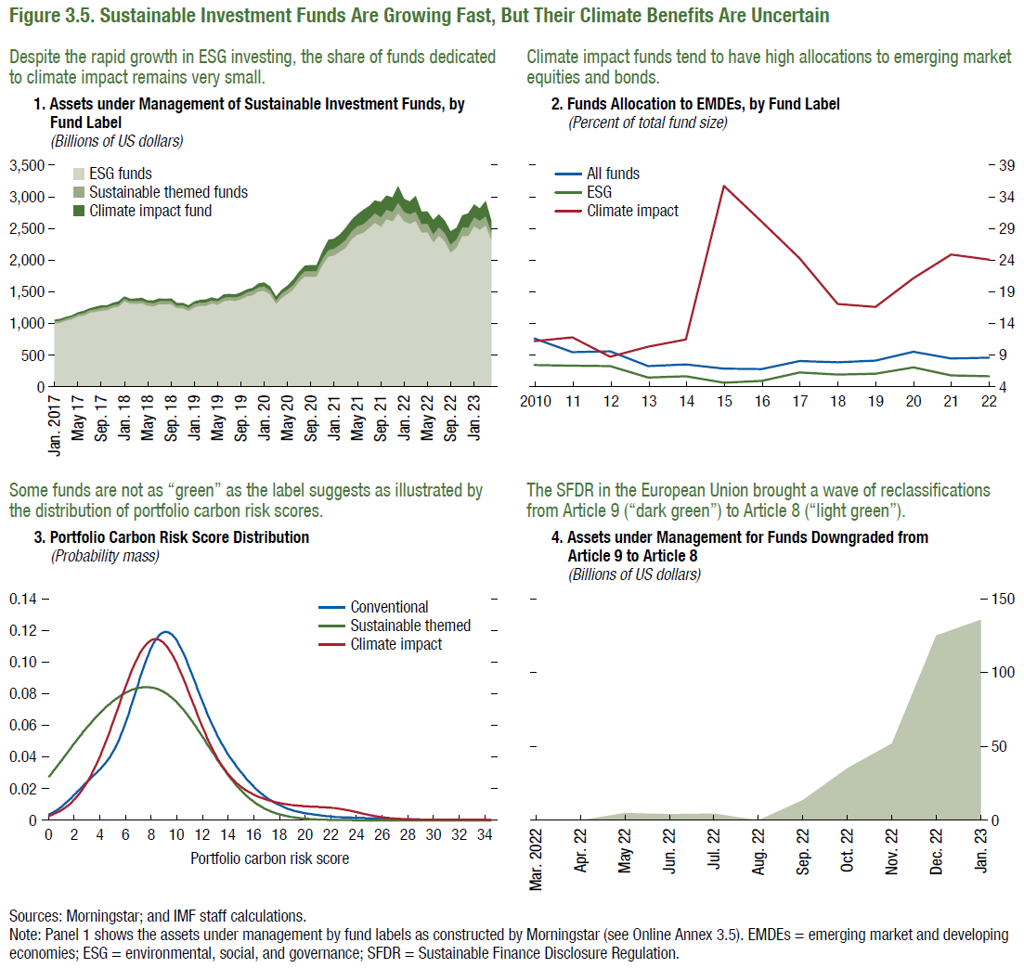
Figure 3.5. Sustainable Investment Funds Are Growing Fast, But Their Climate Benefits Are Uncertain

1. Assets under Management of Sustainable Investment Funds, by Fund Label
(Billions of US dollars)
 | Date | ESG funds | Sustainable themed funds
 | Jan-10 | 621.79 | 15.09
 | Feb-10 | 616.49 | 15.36
 | Mar-10 | 634.86 | 16.03
 | Apr-10 | 638.00 | 16.16
 | May-10 | 588.20 | 14.24
 | Jun-10 | 583.65 | 14.11
 | Jul-10 | 621.08 | 14.57
 | Aug-10 | 609.39 | 14.05
 | Sep-10 | 656.23 | 15.32
 | Oct-10 | 679.32 | 15.71
 | Nov-10 | 643.38 | 15.28
 | Dec-10 | 678.59 | 16.50
 | Jan-11 | 688.52 | 16.46
 | Feb-11 | 703.05 | 16.69
 | Mar-11 | 706.45 | 16.95
 | Apr-11 | 743.70 | 17.85
 | May-11 | 729.35 | 17.49
 | Jun-11 | 717.13 | 17.40
 | Jul-11 | 709.11 | 16.95
 | Aug-11 | 671.26 | 15.42
 | Sep-11 | 607.22 | 13.91
 | Oct-11 | 650.52 | 15.18
 | Nov-11 | 620.02 | 14.50
 | Dec-11 | 603.97 | 14.39
 | Jan-12 | 633.76 | 14.83
 | Feb-12 | 662.68 | 15.38
 | Mar-12 | 664.46 | 15.33
 | Apr-12 | 661.32 | 15.35
 | May-12 | 615.45 | 14.27
 | Jun-12 | 636.50 | 14.57
 | Jul-12 | 634.43 | 14.91
 | Aug-12 | 654.92 | 15.01
 | Sep-12 | 676.37 | 15.33
 | Oct-12 | 686.26 | 15.23
 | Nov-12 | 697.48 | 15.57
...

Figure 3.6.
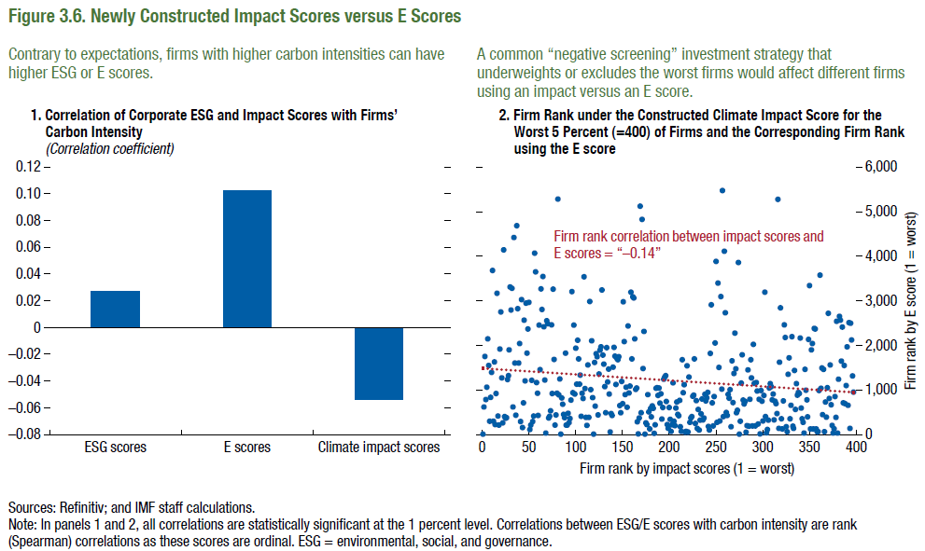
Figure 3.6. Newly Constructed Impact Scores versus E Scores

Note: Because of the data licensing agreement, the data series shown in panel 2 of this figure are proprietary.
1. Correlation of Corporate ESG and Impact Scores with Firms’ Carbon Intensity |  |  | 2. Firm Rank under the Constructed Climate Impact Score for the Worst 5 Percent (=400) of Firms and the Corresponding Firm Rank using the E score
(Correlation coefficient)
ESG scores | E scores | Climate impact scores
0.03 | 0.10 | -0.05
0.05 | 0.00 | 0.00

Figure Box 3.1.1
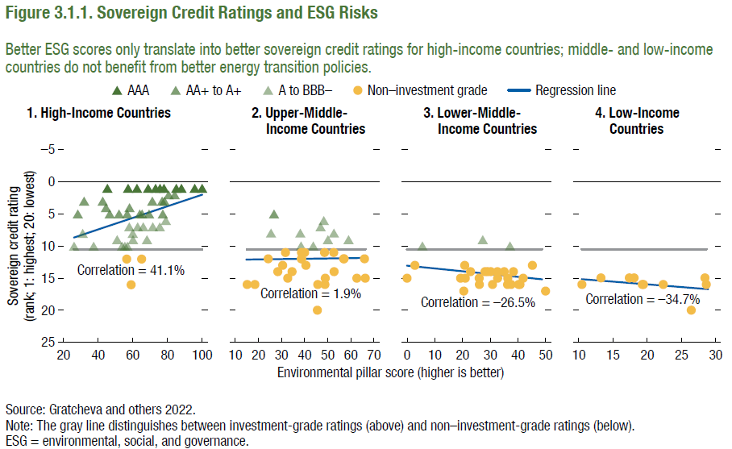
Figure 3.1.1. Sovereign Credit Ratings and ESG Risks

Note: Because of the data licensing agreement, the data series shown in this figure are proprietary.

Figure Box 3.1.2
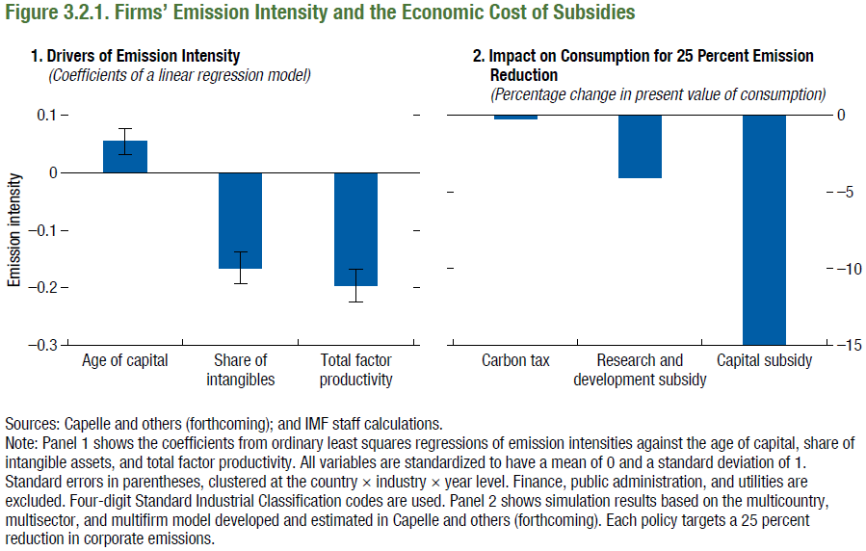
Figure 3.2.1. Firms’ Emission Intensity and the Economic Cost of Subsidies

1. Drivers of emission intensity
(Coefficients of a linear regression model)
 | Age of capital | Share of intangibles | TFP
Coefficient | 0.05 | -0.17 | -0.20
95% CI - Lower bound | 0.03 | -0.19 | -0.22
95% CI - Upper bound | 0.08 | -0.14 | -0.17

