Figure 3.1.
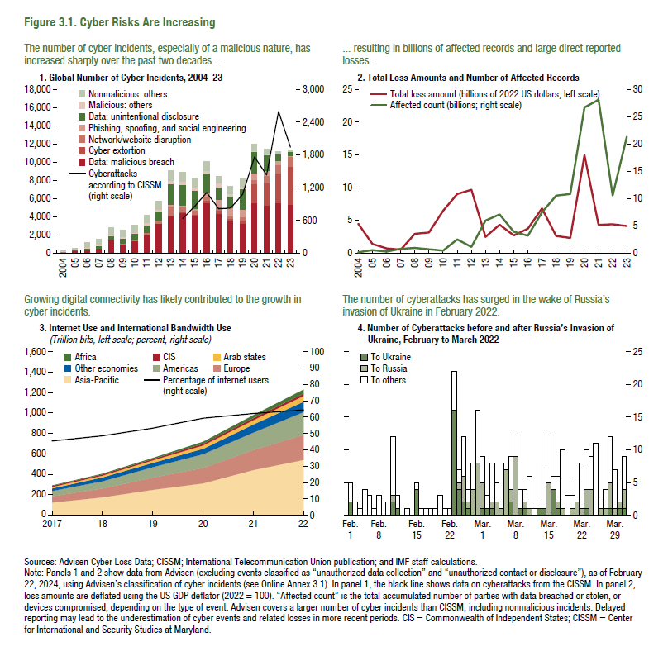
Figure 3.1. Cyber Risks Are Increasing

Note: Because of the data licensing agreement, the data series shown in this figure are proprietary.

Figure 3.2.
Figure 3.2. The Financial Sector Is Highly Exposed to Cyber Risk
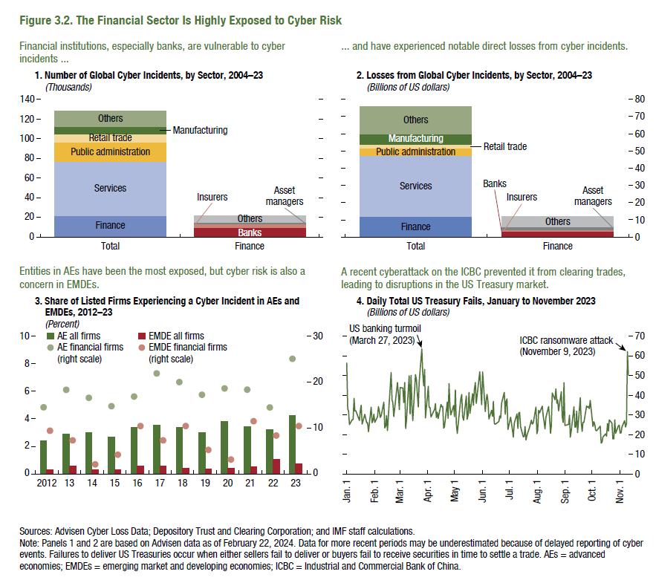
Note: Because of the data licensing agreement, the data series shown in this figure are proprietary.

Figure 3.3.
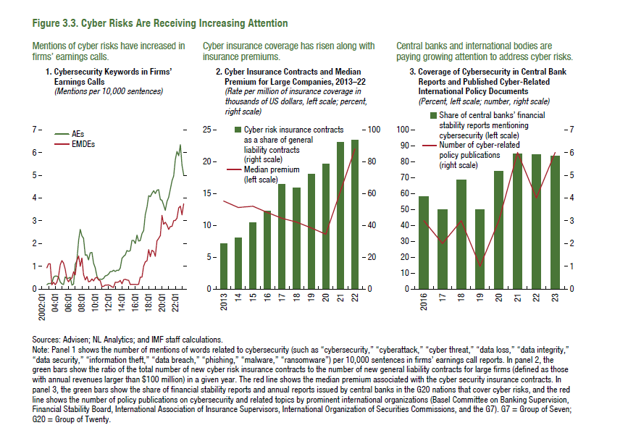
Figure 3.3. Cyber Risks Are Receiving Increasing Attention

1. Cybersecurity Keywords in Firms’ Earnings Calls |  |  | 2. Cyber Insurance Contracts and Median Premium for Large Companies, 2013–22 |  |  | 3. Cybersecurity Mentions in Central Bank Reports and Published Cyber-related International Policy Documents
(Mentions per 10,000 sentences) |  |  | (Rate per million of insurance coverage in thousands of US dollars, left scale; percent, right scale) |  |  | (Percent, left scale; number, right scale)

Date | AEs | EMDEs |  | Median premium | Cyber risk insurance contracts as a share of general liability contracts (right scale) |  | Share of central banks' financial stability reports mentioning cybersecurity | Number of cyber-related policy publications(right scale)
2002:Q4 | 0.19 | 0.93 | 2013 | 13.8 | 28.4 | 2014 | 0.24
2003:Q1 | 0.25 | 1.11 | 2014 | 12.8 | 32.3 | 2015 | 0.50
2003:Q2 | 0.24 | 1.11 | 2015 | 13.0 | 41.6 | 2016 | 0.58 | 3
2003:Q3 | 0.27 | 0.18 | 2016 | 12.0 | 48.7 | 2017 | 0.50 | 2
2003:Q4 | 0.52 | 0.30 | 2017 | 11.1 | 65.8 | 2018 | 0.68 | 3
2004:Q1 | 0.58 | 0.19 | 2018 | 10.5 | 63.6 | 2019 | 0.50 | 1
2004:Q2 | 0.57 | 0.30 | 2019 | 9.6 | 72.1 | 2020 | 0.74 | 3
2004:Q3 | 0.53 | 0.56 | 2020 | 8.6 | 78.4 | 2021 | 0.85 | 6
2004:Q4 | 0.31 | 1.07 | 2021 | 15.3 | 92.3 | 2022 | 0.84 | 4
2005:Q1 | 0.23 | 1.25 | 2022 | 22.0 | 93.3 | 2023 | 0.83 | 6
2005:Q2 | 0.20 | 1.14
2005:Q3 | 0.53 | 0.88
2005:Q4 | 0.48 | 0.43
2006:Q1 | 0.48 | 0.32
2006:Q2 | 0.52 | 0.44
2006:Q3 | 0.17 | 0.49
2006:Q4 | 0.22 | 0.76
2007:Q1 | 1.09 | 0.62
2007:Q2 | 1.24 | 1.24
2007:Q3 | 2.14 | 1.45
2007:Q4 | 2.62 | 1.00
2008:Q1 | 2.34 | 1.37
2008:Q2 | 2.23 | 0.64
2008:Q3 | 1.49 | 0.40
2008:Q4 | 1.50 | 0.55
2009:Q1 | 1.28 | 0.32
2009:Q2 | 1.59 | 0.34
2009:Q3 | 1.61 | 0.44
2009:Q4 | 1.13 | 0.36
2010:Q1 | 0.94 | 0.49
2010:Q2 | 0.56 | 0.51
2010:Q3 | 0.43 | 0.40
2010:Q4 | 0.44 | 0.36
2011:Q1 | 0.42 | 0.11
2011:Q2 | 0.47 | 0.12
2011:Q3 | 0.58 | 0.17
2011:Q4 | 0.60 | 0.18
2012:Q1 | 0.65 | 0.18
2012:Q2 | 0.77 | 0.15 |  |  |  |  |  |  | 2018 | 122.21 | 0.14
2012:Q3 | 0.77 | 0.10
2012:Q4 | 0.83 | 0.07
2013:Q1 | 0.77 | 0.30
2013:Q2 | 0.83 | 0.29
2013:Q3 | 0.81 | 0.31
2013:Q4 | 0.93 | 0.37
2014:Q1 | 1.35 | 0.23
2014:Q2 | 1.44 | 0.41
2014:Q3 | 1.50 | 0.43
2014:Q4 | 1.69 | 0.40
2015:Q1 | 1.65 | 0.38
2015:Q2 | 1.69 | 0.20
2015:Q3 | 2.13 | 0.21
2015:Q4 | 2.14 | 0.21
2016:Q1 | 2.00 | 0.20
2016:Q2 | 2.37 | 0.20
2016:Q3 | 2.11 | 0.21
2016:Q4 | 2.13 | 0.52
2017:Q1 | 2.43 | 0.52
2017:Q2 | 2.57 | 1.00
2017:Q3 | 3.27 | 1.19
2017:Q4 | 3.61 | 1.25
2018:Q1 | 4.10 | 1.73
2018:Q2 | 4.06 | 1.42
2018:Q3 | 4.20 | 1.71
2018:Q4 | 4.32 | 1.65
2019:Q1 | 4.20 | 1.43
2019:Q2 | 4.34 | 2.12
2019:Q3 | 4.37 | 2.22
2019:Q4 | 3.93 | 2.35
2020:Q1 | 3.90 | 3.24
2020:Q2 | 3.69 | 2.85
2020:Q3 | 3.46 | 2.93
2020:Q4 | 3.85 | 2.81
2021:Q1 | 4.03 | 2.62
2021:Q2 | 4.38 | 2.74
2021:Q3 | 4.76 | 2.75
2021:Q4 | 4.97 | 3.00
2022:Q1 | 5.69 | 3.01
2022:Q2 | 6.05 | 3.11
2022:Q3 | 5.85 | 3.57
2022:Q4 | 6.34 | 3.64
2023:Q1 | 5.44 | 3.26
2023:Q2 | 5.02 | 3.74

Figure 3.4.
Figure 3.4. Cybersecurity and Macrofinancial Stability: Channels of Transmission
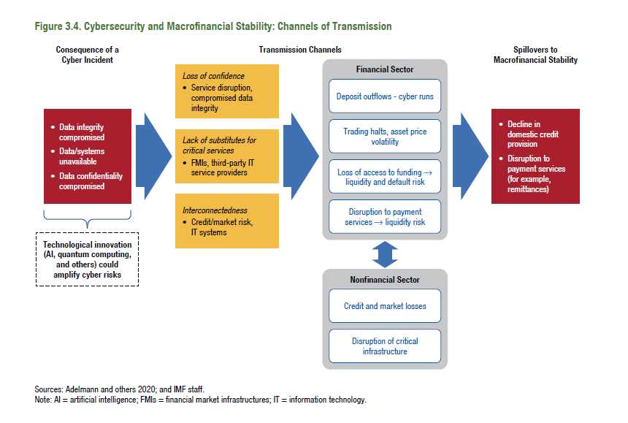

2014-03-12 | -8.20
2014-03-13 | -8.84
2014-03-14 | -3.41
2014-03-17 | -3.55
2014-03-18 | -5.63
2014-03-19 | -7.36
2014-03-20 | -9.33
2014-03-21 | -5.81
2014-03-24 | -6.63
2014-03-25 | -6.85
2014-03-26 | -8.37
2014-03-27 | -10.82
2014-03-28 | -11.23
2014-03-31 | -11.36
2014-04-01 | -8.79
2014-04-02 | -8.05
2014-04-03 | -8.69
2014-04-04 | -9.05
2014-04-07 | -9.94
2014-04-08 | -8.11
2014-04-09 | -8.35
2014-04-10 | -10.07
2014-04-11 | -10.51
2014-04-14 | -10.96
2014-04-15 | -8.00
2014-04-16 | -11.27
2014-04-17 | -10.74
2014-04-18 | -10.84
2014-04-21 | -10.88
2014-04-22 | -6.42
2014-04-23 | -8.96
2014-04-24 | -9.98
2014-04-25 | -10.47
2014-04-28 | -11.48
2014-04-29 | -9.27
2014-04-30 | -9.36
2014-05-01 | -9.70
2014-05-02 | -8.65
2014-05-05 | -6.42
2014-05-06 | -6.60
2014-05-07 | -7.80
2014-05-08 | -8.93
2014-05-09 | -8.71
2014-05-12 | -6.20
2014-05-13 | -7.63
2014-05-14 | -8.88
2014-05-15 | -9.02
2014-05-16 | -8.73
2014-05-19 | -6.77
2014-05-20 | -7.10
2014-05-21 | -8.66
2014-05-22 | -9.25
2014-05-23 | -8.98
2014-05-26 | -7.17
2014-05-27 | -8.13
2014-05-28 | -10.22
2014-05-29 | -11.50
2014-05-30 | -12.24
2014-06-02 | -8.65
2014-06-03 | -8.70
2014-06-04 | -10.68
2014-06-05 | -12.30
2014-06-06 | -11.53
2014-06-09 | -11.55
2014-06-10 | -8.72
2014-06-11 | -9.82
2014-06-12 | -12.09
2014-06-13 | -12.61
2014-06-16 | -12.71
2014-06-17 | -9.48
2014-06-18 | -10.27
2014-06-19 | -10.58
2014-06-20 | -10.23
2014-06-23 | -10.39
2014-06-24 | -8.95
2014-06-25 | -10.03
2014-06-26 | -10.51
2014-06-27 | -10.55
2014-06-30 | -9.34
2014-07-01 | -7.49
2014-07-02 | -9.49
2014-07-03 | -10.37
2014-07-04 | -10.74
2014-07-07 | -8.24
2014-07-08 | -8.17
2014-07-09 | -9.83
2014-07-10 | -9.87
2014-07-11 | -9.23
2014-07-14 | -7.19
2014-07-15 | -7.62
2014-07-16 | -9.67
2014-07-17 | -10.22
2014-07-18 | -10.82
2014-07-21 | -8.23
2014-07-22 | -7.92
2014-07-23 | -9.04
2014-07-24 | -9.13
2014-07-25 | -9.22
2014-07-28 | -10.52
2014-07-29 | -12.43
2014-07-30 | -8.37
2014-07-31 | -8.75
2014-08-01 | -7.20
2014-08-04 | -7.18
2014-08-05 | -7.80
2014-08-06 | -9.52
2014-08-07 | -9.03
2014-08-08 | -9.08
2014-08-11 | -7.10
2014-08-12 | -7.37
2014-08-13 | -8.90
2014-08-14 | -9.74
2014-08-15 | -10.16
2014-08-18 | -10.62
2014-08-19 | -8.90
2014-08-20 | -10.24
2014-08-21 | -10.52
2014-08-22 | -10.35
2014-08-25 | -8.16
2014-08-26 | -8.49
2014-08-27 | -8.52
2014-08-28 | -12.52
2014-08-29 | -13.53
2014-09-01 | -13.53
2014-09-02 | -10.19
2014-09-03 | -10.19
2014-09-04 | -14.24
2014-09-05 | -13.69
2014-09-08 | -14.46
2014-09-09 | -11.73
2014-09-10 | -11.58
2014-09-11 | -12.31
2014-09-12 | -12.27
2014-09-15 | -12.74
2014-09-16 | -10.55
2014-09-17 | -12.39
2014-09-18 | -13.42
2014-09-19 | -14.50
2014-09-22 | -12.80
2014-09-23 | -9.52
2014-09-24 | -9.13
2014-09-25 | -11.16
2014-09-26 | -10.90
2014-09-29 | -7.41
2014-09-30 | -7.68
2014-10-01 | -9.76
2014-10-02 | -9.34
2014-10-03 | -6.83
2014-10-06 | -7.62
2014-10-07 | -6.40
2014-10-08 | -7.56
2014-10-09 | -7.52
2014-10-10 | -8.37
2014-10-13 | -6.40
2014-10-14 | -7.23
2014-10-15 | -8.50
2014-10-16 | -8.97
2014-10-17 | -7.70
2014-10-20 | -6.97
2014-10-21 | -8.87
2014-10-22 | -10.02
2014-10-23 | -8.30
2014-10-24 | -8.53
2014-10-27 | -10.17
2014-10-28 | -11.08
2014-10-29 | -12.31
2014-10-30 | -10.62
2014-10-31 | -11.16
2014-11-03 | -10.88
2014-11-04 | -9.13
2014-11-05 | -8.86
2014-11-06 | -9.99
2014-11-07 | -10.47
2014-11-10 | -8.69
2014-11-11 | -8.11
2014-11-12 | -10.92
2014-11-13 | -11.09
2014-11-14 | -10.92
2014-11-17 | -8.27
2014-11-18 | -9.20
2014-11-19 | -10.59
2014-11-20 | -11.60
2014-11-21 | -7.26
2014-11-24 | -7.01
2014-11-25 | -7.33
2014-11-26 | -7.50
2014-11-27 | -17.56
2014-11-28 | -21.01
2014-12-01 | -19.82
2014-12-02 | -21.96
2014-12-03 | -22.52
2014-12-04 | -21.78
2014-12-05 | -21.96
2014-12-08 | -20.59
2014-12-09 | -21.49
2014-12-10 | -21.58
2014-12-11 | -18.40
2014-12-12 | -19.13
2014-12-15 | -16.99
2014-12-16 | -17.51
2014-12-17 | -19.55
2014-12-18 | -20.28
2014-12-19 | -17.96
2014-12-22 | -21.65
2014-12-23 | -21.54
2014-12-24 | -21.75
2014-12-25 | -21.81
2014-12-26 | -21.45
2014-12-29 | -19.56
2014-12-30 | -16.42
...

Figure 3.5.
Figure 3.5. Reported Direct Losses Due to Cyber Incidents
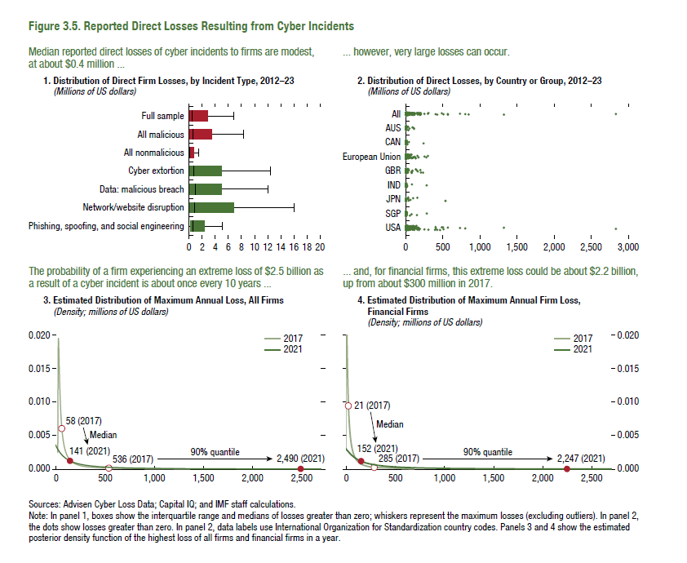
Note: Because of the data licensing agreement, the data series shown in panel 2 of this figure are proprietary.
1. Distribution of Direct Firm Losses by Incident Type, 2012–23 |  |  |  |  |  |  |  | 2. Distribution of Direct Losses by Country, 2012–23 | 3. Estimated Distribution of Maximum Annual Firm Loss, All Firms
(Millions of US dollars) |  |  |  |  |  |  |  | (Millions of US dollars) | (Density; millions of US dollars)
 | Phishing, spoofing, and social engineering | Network/website disruption | Data - Malicious breach | Cyber extortion | All nonmalicious | All malicious | Full sample |  |  | 2017 |  | 2021
First quartile | 0.18 | 0.04 | 0.16 | 0.05 | 0.01 | 0.06 | 0.04 |  | Quantiles |  | Quantiles
Median | 0.65 | 0.87 | 0.99 | 0.73 | 0.09 | 0.56 | 0.42 |  | 0.1% | 16.3 | 0.1% | -63.0
Third quartile | 2.30 | 6.78 | 5.00 | 5.00 | 0.69 | 3.40 | 2.81 |  | 5% | 20.6 | 5% | -42.1
 |  |  |  |  |  |  |  |  | 10% | 23.2 | 10% | -29.2
 |  |  |  |  |  |  |  |  | 15% | 25.8 | 15% | -16.3
 |  |  |  |  |  |  |  |  | 20% | 28.6 | 20% | -2.5
 |  |  |  |  |  |  |  |  | 25% | 31.8 | 25% | 12.9
 |  |  |  |  |  |  |  |  | 30% | 35.3 | 30% | 30.5
 |  |  |  |  |  |  |  |  | 35% | 39.5 | 35% | 51.0
 |  |  |  |  |  |  |  |  | 40% | 44.5 | 40% | 75.4
 |  |  |  |  |  |  |  |  | 45% | 50.5 | 45% | 105.0
 |  |  |  |  |  |  |  |  | Median | 57.9 | Median | 141.5
 |  |  |  |  |  |  |  |  | 55% | 67.3 | 55% | 187.7
 |  |  |  |  |  |  |  |  | 60% | 79.6 | 60% | 247.7
 |  |  |  |  |  |  |  |  | 65% | 96.0 | 65% | 328.4
 |  |  |  |  |  |  |  |  | 70% | 119.1 | 70% | 441.8
...

Figure 3.6.
Figure 3.6. Total Losses from Cyber Incidents

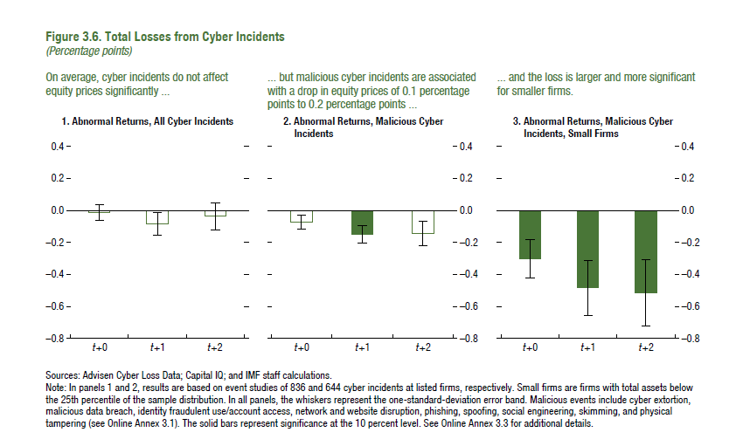
1. Abnormal Returns, All Cyber Incidents
(Percentage points)

t+0 | -0.01
t+1 | -0.08
t+2 | -0.04

Figure 3.7.
Figure 3.7. Drivers of Cyber Incidents
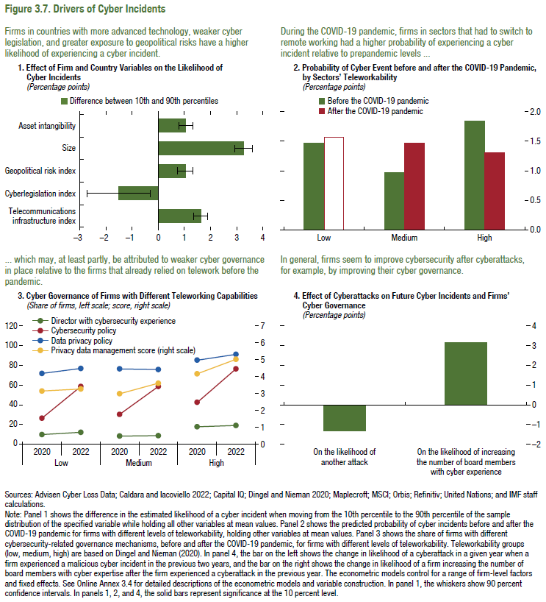
1. Effect of Firm and Country Variables on the Likelihood of Cyber Incidents
(Percentage points)
 | Difference between 10th and 90th percentile | Top decile | Bottom decile
Telecommunications infrastructure index | 1.626 | 0.021 | 0.005
Cyber legislation index | -1.518 | 0.015 | 0.030
Geopolitical risk index | 1.030 | 0.021 | 0.011
Size | 3.267 | 0.035 | 0.002
Asset intangibility | 1.052 | 0.020 | 0.009

Figure 3.8.
Figure 3.8. Cyber Risk in the Financial Sector

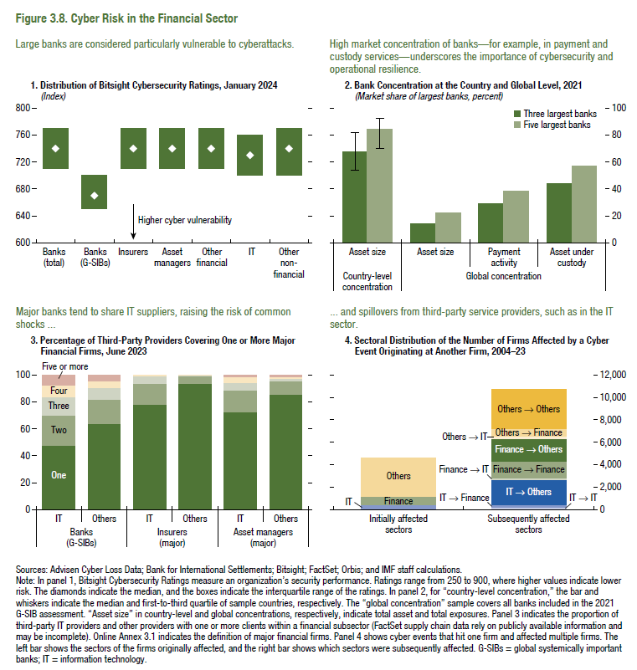

1. Distribution of BitSight Cyber Security Ratings, January 2024
(Index)

 | First quartile | Median | Third quartile
Banks (total) | 710 | 740 | 770
Banks (G-SIBs) | 650 | 670 | 700
Insurers | 710 | 740 | 770
Asset managers | 710 | 740 | 770
Other financial | 710 | 740 | 770
IT | 700 | 730 | 760
Other nonfinancial | 700 | 740 | 770

Figure 3.9.
Figure 1.8. Selected Advanced Economies: Current Deleveraging Episodes (Weighted average)
3. Public Debt
(Percent of GDP)
1. Private Debt
(Percent of GDP)
Sources: Bank for International Settlements; IMF, World Economic Outlook; and IMF staff estimates.
Figure 3.9. Cyber Incidents and Deposit Flows
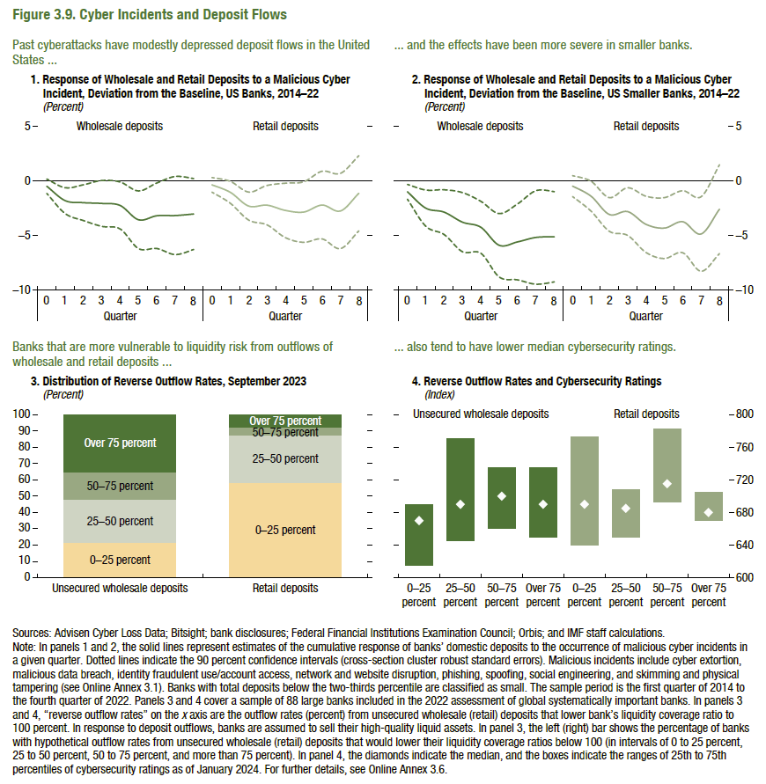
1. Response of Wholesale and Retail Deposits to a Malicious Cyber Incident, US Banks, 2014–22
(Deviation from the baseline, percent)

 | Wholesale deposits
 | 0 | 1 | 2
Estimates | -0.48 | -1.80 | -1.99
90 percent confidence intervals | 0.18 | -0.61 | -0.35
 | -1.14 | -2.99 | -3.64
...

Figure 3.10.
Figure 1.8. Selected Advanced Economies: Current Deleveraging Episodes (Weighted average)
3. Public Debt
(Percent of GDP)
1. Private Debt
(Percent of GDP)
Sources: Bank for International Settlements; IMF, World Economic Outlook; and IMF staff estimates.
Figure 3.10. Emerging Market and Developing Economies Have Gaps in Their Cybersecurity Preparedness
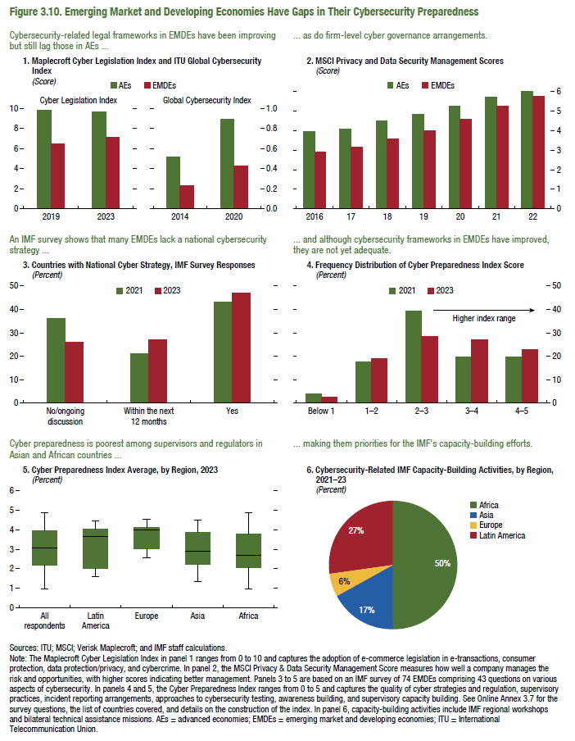
1. Maplecroft Cyber Legislation Index and ITU Global Cybersecurity Index
(Score)

Cyber Legislation Index |  |  | Global Cybersecurity Index
 | AEs | EMDEs
2019 | 9.81 | 6.45 | 2014
2023 | 9.67 | 7.14 | 2020
...

Figure 3.1.1
Figure 1.8. Selected Advanced Economies: Current Deleveraging Episodes (Weighted average)
3. Public Debt
(Percent of GDP)
1. Private Debt
(Percent of GDP)
Sources: Bank for International Settlements; IMF, World Economic Outlook; and IMF staff estimates.
...

Figure 3.2.1
Figure 1.8. Selected Advanced Economies: Current Deleveraging Episodes (Weighted average)
3. Public Debt
(Percent of GDP)
1. Private Debt
(Percent of GDP)
Sources: Bank for International Settlements; IMF, World Economic Outlook; and IMF staff estimates.
Figure 3.2.1. Cyberattacks on Crypto Assets and Cyber Run Risk of Stablecoins

1. Value Stolen in Crypto Hacks and Crypto Value Received by Ransomware Attackers | 2. Crypto Market Capitalization, December 2023
(Billions of US dollars, left scale; millions of US dollars, right scale) | (Distribution, in percent)

Note: Because of the data licensing agreement, the data series shown in panel 1 of this figure are proprietary.
 |  | Total ($1.8 trillion) | Stablecoins ($130 billion)
 | Bitcoin | 46.6
 | Ethereum | 15.5
 | Stablecoins | 7.4
 | Others | 30.5
 | Fiat-backed |  | 93.4
 | Crypto-backed |  | 5.0
 | Algorithm |  | 1.5
...

