Figure 2.1.
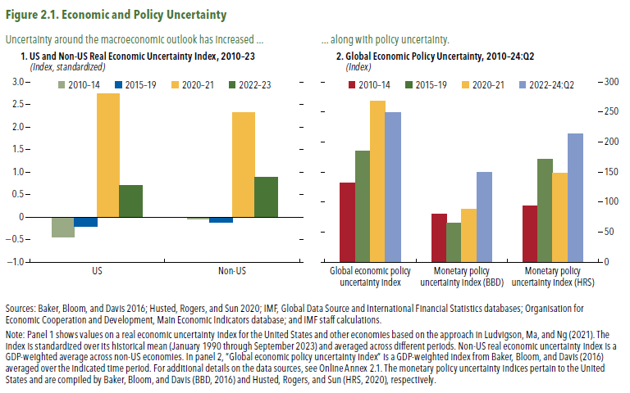
Figure 2.1. Economic and Policy Uncertainty

1. US and Non-US Real Economic Uncertainty Index, 2010–23 |  |  | 2. Global Economic Policy Uncertainty, 2010–24:Q2
(Index, standardized) |  |  | (Index)

 | US | Non-US |  | Global economic policy uncertainty index | Monetary policy uncertainty index (BBD) | Monetary policy uncertainty index (HRS)
2010-14 | -0.44 | -0.04 | 2010–14 | 132 | 79 | 94
2015-19 | -0.21 | -0.12 | 2015–19 | 185 | 64 | 171
2020-21 | 2.73 | 2.32 | 2020–21 | 269 | 88 | 149
2022-23 | 0.70 | 0.88 | 2022–24:Q2 | 249 | 150 | 213

Figure 2.2.
Figure 2.2. Macroeconomic Uncertainty and Macro nancial Stability: Channels of Transmission
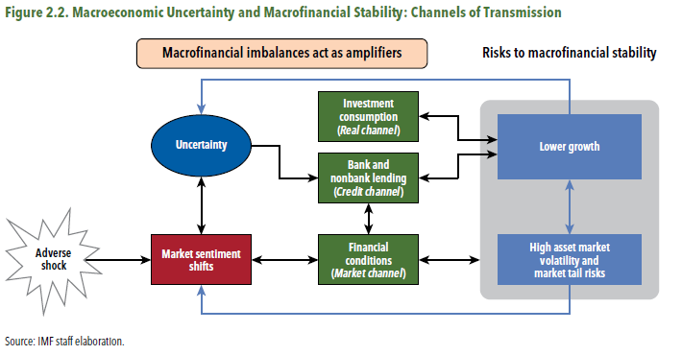

Figure 2.3.
Figure 2.3. Measures of Macroeconomic and Financial Uncertainty
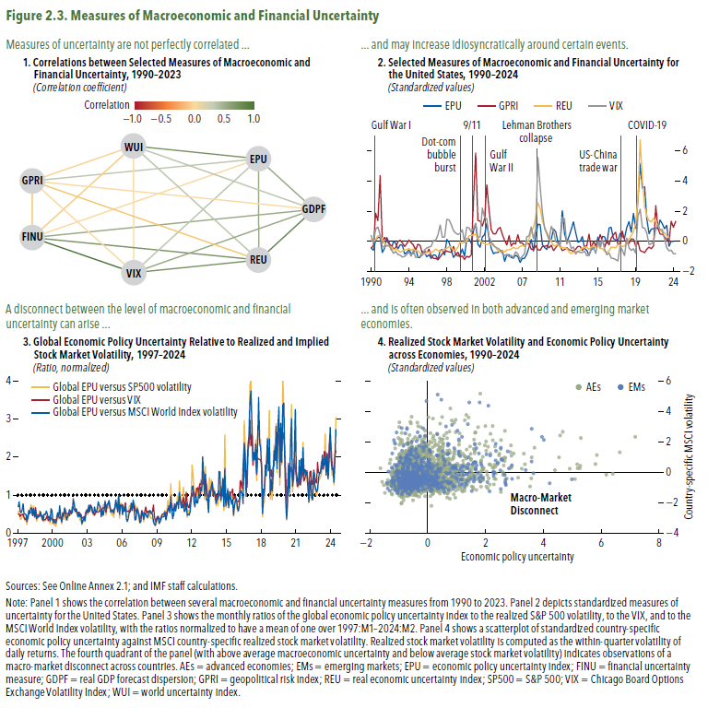

1. Correlations between Selected Measures of Macroeconomic and |  |  |  |  |  |  |  | 2. Selected Measures of Macroeconomic and Financial Uncertainty for |  |  |  |  |  | 3. Global Economic Policy Uncertainty Relative to Realized and Implied |  |  |  | 4. Realized Stock Market Volatility and Economic Policy Uncertainty
Financial Uncertainty, 1990–2023 |  |  |  |  |  |  |  | the United States, 1990–2024 |  |  |  |  |  | Stock Market Volatility, 1997–2024 |  |  |  | across Economies, 1990–2024
(Correlation coefficient) |  |  |  |  |  |  |  | (Standardized values) |  |  |  |  |  | (Ratio, normalized) |  |  |  | (Standardized values)

 | REU | GDPF | EPU | WUI | GPRI | FINU | VIX | Year | GPRI | EPU | REU | VIX | Year | one std | Global EPU versus VIX | Global EPU versus SP500 volatility | Global EPU versus MSCI World Index volatility | quarter | Country group | Economic Policy Uncertainty | Country-specific MSCI volatility
REU | 1.0 |  |  |  |  |  |  | 1990 | -0.5 | -0.5 | 0.2 | 0.4 | 1997 | 1 | 0.5 | 0.6 | 0.7 | 1990q1 | AEs | -0.5 | -0.2
GDPF | 0.4 | 1.0 |  |  |  |  |  | 1990 | -0.3 | -0.6 | 0.0 | -0.1 | 1997 | 1 | 0.5 | 0.5 | 0.8 | 1990q2 | AE | -0.6 | -0.5
EPU | 0.4 | 0.1 | 1.0 |  |  |  |  | 1990 | 1.9 | 0.1 | 0.1 | 0.8 | 1997 | 1 | 0.4 | 0.4 | 0.6 | 1990q3 | AE | 0.1 | 0.3
WUI | 0.1 | 0.1 | 0.4 | 1.0 |  |  |  | 1990 | 1.4 | 0.3 | 0.4 | 0.9 | 1997 | 1 | 0.5 | 0.4 | 0.5 | 1990q4 | AE | 0.3 | 0.2
GPRI | -0.1 | 0.0 | 0.1 | 0.0 | 1.0 |  |  | 91 | 4.4 | 0.2 | 0.4 | 0.4 | 1997 | 1 | 0.5 | 0.4 | 0.6 | 1991q1 | AE | 0.2 | 0.1
FINU | 0.2 | 0.3 | 0.0 | -0.1 | 0.1 | 1.0 |  | 91 | -0.1 | -0.7 | 0.1 | -0.3 | 1997 | 1 | 0.5 | 0.5 | 0.8 | 1991q2 | AE | -0.7 | -0.2
VIX | 0.4 | 0.3 | 0.1 | 0.0 | 0.0 | 0.6 | 1.0 | 91 | 0.3 | -0.5 | -0.1 | -0.4 | 1997 | 1 | 0.4 | 0.4 | 0.5 | 1991q3 | AE | -0.5 | -0.5
 |  |  |  |  |  |  |  | 91 | 0.0 | 0.2 | -0.3 | -0.3 | 1997 | 1 | 0.4 | 0.3 | 0.5 | 1991q4 | AE | 0.2 | -0.2
 |  |  |  |  |  |  |  | 92 | -0.2 | -0.1 | -0.3 | -0.3 | 1997 | 1 | 0.4 | 0.4 | 0.5 | 1992q1 | AE | -0.1 | -0.8
 |  |  |  |  |  |  |  | 92 | -0.3 | -0.6 | -0.4 | -0.6 | 1997 | 1 | 0.5 | 0.2 | 0.3 | 1992q2 | AE | -0.6 | -0.6
 |  |  |  |  |  |  |  | 92 | -0.5 | 0.0 | -0.6 | -0.8 | 1997 | 1 | 0.4 | 0.5 | 0.4 | 1992q3 | AE | 0.0 | -0.8
 |  |  |  |  |  |  |  | 92 | -0.4 | -0.1 | -0.5 | -0.7 | 1997 | 1 | 0.5 | 0.6 | 0.6 | 1992q4 | AE | -0.1 | -0.8
 |  |  |  |  |  |  |  | 93 | 0.0 | -0.5 | -0.6 | -0.9 | 98 | 1 | 0.5 | 0.5 | 0.5 | 1993q1 | AE | -0.5 | -0.6
 |  |  |  |  |  |  |  | 93 | 0.1 | -0.2 | -0.7 | -0.9 | 98 | 1 | 0.6 | 0.7 | 0.7 | 1993q2 | AE | -0.2 | -0.7
 |  |  |  |  |  |  |  | 93 | -0.1 | -0.3 | -0.7 | -1.1 | 98 | 1 | 0.6 | 0.7 | 0.7 | 1993q3 | AE | -0.3 | -1.0
 |  |  |  |  |  |  |  | 93 | -0.3 | -0.8 | -0.6 | -1.0 | 98 | 1 | 0.5 | 0.5 | 0.5 | 1993q4 | AE | -0.8 | -1.1
 |  |  |  |  |  |  |  | 94 | -0.2 | -0.7 | -0.6 | -0.9 | 98 | 1 | 0.5 | 0.7 | 0.6 | 1994q1 | AE | -0.7 | -0.7
 |  |  |  |  |  |  |  | 94 | 0.1 | -0.6 | -0.5 | -0.7 | 98 | 1 | 0.5 | 0.5 | 0.4 | 1994q2 | AE | -0.6 | -0.6
 |  |  |  |  |  |  |  | 94 | -0.1 | -0.8 | -0.6 | -1.0 | 98 | 1 | 0.7 | 0.6 | 0.6 | 1994q3 | AE | -0.8 | -0.9
 |  |  |  |  |  |  |  | 94 | -0.2 | -0.8 | -0.5 | -0.6 | 98 | 1 | 0.5 | 0.3 | 0.4 | 1994q4 | AE | -0.8 | -0.6
 |  |  |  |  |  |  |  | 95 | -0.6 | -0.4 | -0.6 | -1.1 | 98 | 1 | 0.5 | 0.4 | 0.4 | 1995q1 | AE | -0.4 | -1.0
 |  |  |  |  |  |  |  | 95 | -0.2 | -1.1 | -0.6 | -1.0 | 98 | 1 | 0.4 | 0.4 | 0.4 | 1995q2 | AE | -1.1 | -0.8
 |  |  |  |  |  |  |  | 95 | -0.3 | -1.1 | -0.8 | -1.0 | 98 | 1 | 0.5 | 0.6 | 0.5 | 1995q3 | AE | -1.1 | -1.0
 |  |  |  |  |  |  |  | 95 | -0.8 | -0.7 | -0.9 | -0.9 | 98 | 1 | 0.5 | 0.4 | 0.6 | 1995q4 | AE | -0.7 | -0.8
 |  |  |  |  |  |  |  | 96 | -0.6 | -0.8 | -0.9 | -0.6 | 99 | 1 | 0.5 | 0.4 | 0.4 | 1996q1 | AE | -0.8 | -0.3
 |  |  |  |  |  |  |  | 96 | -0.8 | -1.0 | -0.7 | -0.4 | 99 | 1 | 0.4 | 0.3 | 0.5 | 1996q2 | AE | -1.0 | -0.7
 |  |  |  |  |  |  |  | 96 | -0.5 | -0.9 | -0.8 | -0.4 | 99 | 1 | 0.3 | 0.3 | 0.3 | 1996q3 | AE | -0.9 | -0.3
 |  |  |  |  |  |  |  | 96 | -1.0 | -1.2 | -0.7 | -0.3 | 99 | 1 | 0.4 | 0.3 | 0.5 | 1996q4 | AE | -1.2 | -0.5
 |  |  |  |  |  |  |  | 97 | -1.1 | -0.9 | -0.7 | 0.1 | 99 | 1 | 0.4 | 0.3 | 0.5 | 1997q1 | AE | -0.9 | -0.2
 |  |  |  |  |  |  |  | 97 | -1.1 | -0.9 | -0.5 | 0.1 | 99 | 1 | 0.4 | 0.4 | 0.6 | 1997q2 | AE | -0.9 | 0.0
 |  |  |  |  |  |  |  | 97 | -1.2 | -1.2 | -0.6 | 0.4 | 99 | 1 | 0.5 | 0.5 | 0.5 | 1997q3 | AE | -1.2 | 0.1
 |  |  |  |  |  |  |  | 97 | -1.0 | -0.6 | -0.7 | 1.1 | 99 | 1 | 0.3 | 0.3 | 0.4 | 1997q4 | AE | -0.6 | 0.8
 |  |  |  |  |  |  |  | 98 | -0.8 | -0.6 | -0.6 | 0.3 | 99 | 1 | 0.4 | 0.3 | 0.4 | 1998q1 | AE | -0.6 | -0.3
 |  |  |  |  |  |  |  | 98 | -0.7 | -0.9 | -0.5 | 0.3 | 99 | 1 | 0.4 | 0.2 | 0.3 | 1998q2 | AE | -0.9 | -0.3
 |  |  |  |  |  |  |  | 98 | -0.7 | 0.1 | -0.5 | 1.5 | 99 | 1 | 0.4 | 0.5 | 0.6 | 1998q3 | AE | 0.1 | 1.5
 |  |  |  |  |  |  |  | 98 | -0.7 | -0.1 | -0.3 | 1.4 | 99 | 1 | 0.4 | 0.5 | 0.6 | 1998q4 | AE | -0.1 | 0.4
 |  |  |  |  |  |  |  | 99 | -0.7 | -0.6 | -0.4 | 1.1 | 2000 | 1 | 0.4 | 0.2 | 0.3 | 1999q1 | AE | -0.6 | 0.5
 |  |  |  |  |  |  |  | 99 | -0.3 | -1.1 | -0.6 | 0.7 | 2000 | 1 | 0.3 | 0.3 | 0.4 | 1999q2 | AE | -1.1 | 0.3
 |  |  |  |  |  |  |  | 99 | -0.9 | -0.9 | -0.6 | 0.5 | 2000 | 1 | 0.4 | 0.2 | 0.3 | 1999q3 | AE | -0.9 | 0.1
 |  |  |  |  |  |  |  | 99 | -0.7 | -1.0 | -0.4 | 0.5 | 2000 | 1 | 0.3 | 0.2 | 0.3 | 1999q4 | AE | -1.0 | 0.1
 |  |  |  |  |  |  |  | 2000 | -1.1 | -0.9 | 0.0 | 0.5 | 2000 | 1 | 0.4 | 0.3 | 0.4 | 2000q1 | AE | -0.9 | 1.0
 |  |  |  |  |  |  |  | 2000 | -1.0 | -0.5 | -0.1 | 0.8 | 2000 | 1 | 0.5 | 0.5 | 0.5 | 2000q2 | AE | -0.5 | 1.0
 |  |  |  |  |  |  |  | 2000 | -1.2 | -1.0 | -0.1 | 0.0 | 2000 | 1 | 0.4 | 0.4 | 0.4 | 2000q3 | AE | -1.0 | -0.3
 |  |  |  |  |  |  |  | 2000 | -1.0 | 0.2 | 0.0 | 0.9 | 2000 | 1 | 0.4 | 0.5 | 0.7 | 2000q4 | AE | 0.2 | 0.9
 |  |  |  |  |  |  |  | 2001 | -1.1 | 0.2 | 0.4 | 0.9 | 2000 | 1 | 0.4 | 0.4 | 0.4 | 2001q1 | AE | 0.2 | 1.0
 |  |  |  |  |  |  |  | 2001 | -0.9 | -0.1 | 0.4 | 0.6 | 2000 | 1 | 0.4 | 0.2 | 0.3 | 2001q2 | AE | -0.1 | 0.6
 |  |  |  |  |  |  |  | 2001 | 2.6 | 0.7 | 0.4 | 0.8 | 2000 | 1 | 0.5 | 0.5 | 0.5 | 2001q3 | AE | 0.7 | 0.7
 |  |  |  |  |  |  |  | 2001 | 5.9 | 1.2 | 0.5 | 1.2 | 2000 | 1 | 0.5 | 0.4 | 0.4 | 2001q4 | AE | 1.2 | 0.1
 |  |  |  |  |  |  |  | 2002 | 1.4 | -0.2 | 0.2 | 0.3 | 01 | 1 | 0.5 | 0.4 | 0.7 | 2002q1 | AE | -0.2 | 0.1
 |  |  |  |  |  |  |  | 2002 | 1.3 | -0.4 | 0.0 | 0.3 | 01 | 1 | 0.6 | 0.5 | 0.6 | 2002q2 | AE | -0.4 | 0.5
 |  |  |  |  |  |  |  | 2002 | 1.0 | 0.3 | -0.1 | 2.2 | 01 | 1 | 0.5 | 0.4 | 0.3 | 2002q3 | AE | 0.3 | 2.3
 |  |  |  |  |  |  |  | 2002 | 1.5 | 0.4 | -0.2 | 1.6 | 01 | 1 | 0.5 | 0.3 | 0.4 | 2002q4 | AE | 0.4 | 1.3
 |  |  |  |  |  |  |  | 03 | 3.8 | 1.2 | -0.2 | 1.5 | 01 | 1 | 0.5 | 0.5 | 0.5 | 2003q1 | AE | 1.2 | 0.9
 |  |  |  |  |  |  |  | 03 | 2.1 | 0.2 | -0.2 | 0.3 | 01 | 1 | 0.5 | 0.5 | 0.6 | 2003q2 | AE | 0.2 | 0.1
 |  |  |  |  |  |  |  | 03 | 0.8 | -0.5 | -0.2 | 0.0 | 01 | 1 | 0.6 | 0.5 | 0.6 | 2003q3 | AE | -0.5 | -0.2
 |  |  |  |  |  |  |  | 03 | 0.5 | -0.8 | -0.2 | -0.3 | 01 | 1 | 0.5 | 0.5 | 0.5 | 2003q4 | AE | -0.8 | -0.6
 |  |  |  |  |  |  |  | 04 | 0.5 | -0.7 | -0.4 | -0.4 | 01 | 1 | 0.7 | 0.5 | 0.5 | 2004q1 | AE | -0.7 | -0.4
 |  |  |  |  |  |  |  | 04 | 0.8 | -0.7 | -0.6 | -0.5 | 01 | 1 | 0.7 | 0.8 | 0.9 | 2004q2 | AE | -0.7 | -0.5
 |  |  |  |  |  |  |  | 04 | 0.9 | -0.6 | -0.7 | -0.6 | 01 | 1 | 0.6 | 0.7 | 0.8 | 2004q3 | AE | -0.6 | -0.6
 |  |  |  |  |  |  |  | 04 | 0.4 | -0.6 | -0.6 | -0.8 | 01 | 1 | 0.6 | 0.7 | 0.6 | 2004q4 | AE | -0.6 | -0.6
 |  |  |  |  |  |  |  | 05 | 0.1 | -1.3 | -0.7 | -1.0 | 02 | 1 | 0.6 | 0.6 | 0.6 | 2005q1 | AE | -1.3 | -0.6
 |  |  |  |  |  |  |  | 05 | -0.3 | -0.9 | -0.6 | -0.9 | 02 | 1 | 0.5 | 0.4 | 0.5 | 2005q2 | AE | -0.9 | -0.5
 |  |  |  |  |  |  |  | 05 | 0.4 | -0.9 | -0.6 | -1.0 | 02 | 1 | 0.5 | 0.5 | 0.4 | 2005q3 | AE | -0.9 | -0.8
 |  |  |  |  |  |  |  | 05 | -0.3 | -1.1 | -0.5 | -1.0 | 02 | 1 | 0.5 | 0.5 | 0.5 | 2005q4 | AE | -1.1 | -0.6
 |  |  |  |  |  |  |  | 06 | -0.1 | -1.1 | -0.4 | -1.1 | 02 | 1 | 0.5 | 0.3 | 0.4 | 2006q1 | AE | -1.1 | -0.7
 |  |  |  |  |  |  |  | 06 | -0.2 | -0.9 | -0.5 | -0.7 | 02 | 1 | 0.5 | 0.4 | 0.5 | 2006q2 | AE | -0.9 | -0.3
 |  |  |  |  |  |  |  | 06 | 0.4 | -1.0 | -0.5 | -0.8 | 02 | 1 | 0.4 | 0.2 | 0.2 | 2006q3 | AE | -1.0 | -0.7
 |  |  |  |  |  |  |  | 06 | -0.1 | -1.4 | -0.3 | -1.2 | 02 | 1 | 0.4 | 0.3 | 0.3 | 2006q4 | AE | -1.4 | -1.0
 |  |  |  |  |  |  |  | 07 | -0.1 | -1.1 | -0.3 | -1.0 | 02 | 1 | 0.4 | 0.4 | 0.4 | 2007q1 | AE | -1.1 | -0.4
 |  |  |  |  |  |  |  | 07 | -0.3 | -1.1 | -0.3 | -0.8 | 02 | 1 | 0.4 | 0.3 | 0.3 | 2007q2 | AE | -1.1 | -0.6
 |  |  |  |  |  |  |  | 07 | -0.1 | -0.9 | -0.2 | 0.3 | 02 | 1 | 0.6 | 0.5 | 0.5 | 2007q3 | AE | -0.9 | 0.4
 |  |  |  |  |  |  |  | 07 | -0.2 | -0.4 | 0.1 | 0.4 | 02 | 1 | 0.6 | 0.6 | 0.6 | 2007q4 | AE | -0.4 | 0.4
 |  |  |  |  |  |  |  | 08 | -0.5 | 0.1 | 0.6 | 0.9 | 03 | 1 | 0.6 | 0.5 | 0.5 | 2008q1 | AE | 0.1 | 0.9
 |  |  |  |  |  |  |  | 08 | -0.6 | -0.7 | 0.9 | 0.2 | 03 | 1 | 0.6 | 0.7 | 0.7 | 2008q2 | AE | -0.7 | 0.2
 |  |  |  |  |  |  |  | 08 | -0.3 | 0.3 | 1.5 | 0.8 | 03 | 1 | 0.7 | 0.6 | 0.6 | 2008q3 | AE | 0.3 | 2.2
 |  |  |  |  |  |  |  | 08 | -0.6 | 1.1 | 2.6 | 5.6 | 03 | 1 | 0.7 | 0.7 | 0.7 | 2008q4 | AE | 1.1 | 5.8
 |  |  |  |  |  |  |  | 09 | -0.6 | 1.1 | 2.2 | 3.6 | 03 | 1 | 0.7 | 0.6 | 0.7 | 2009q1 | AE | 1.1 | 2.9
 |  |  |  |  |  |  |  | 09 | -0.3 | -0.2 | 1.4 | 1.9 | 03 | 1 | 0.6 | 0.5 | 0.5 | 2009q2 | AE | -0.2 | 1.2
 |  |  |  |  |  |  |  | 09 | -0.4 | -0.4 | 1.0 | 0.9 | 03 | 1 | 0.5 | 0.5 | 0.5 | 2009q3 | AE | -0.4 | 0.2
 |  |  |  |  |  |  |  | 09 | -0.3 | -0.5 | 0.6 | 0.5 | 03 | 1 | 0.5 | 0.6 | 0.7 | 2009q4 | AE | -0.5 | 0.1
 |  |  |  |  |  |  |  | 10 | -0.4 | 0.0 | 0.3 | 0.1 | 03 | 1 | 0.5 | 0.5 | 0.6 | 2010q1 | AE | 0.0 | -0.2
 |  |  |  |  |  |  |  | 10 | -0.3 | 0.1 | 0.0 | 1.0 | 03 | 1 | 0.6 | 0.6 | 0.5 | 2010q2 | AE | 0.1 | 1.0
 |  |  |  |  |  |  |  | 10 | -0.6 | 0.8 | -0.3 | 0.7 | 03 | 1 | 0.6 | 0.6 | 0.7 | 2010q3 | AE | 0.8 | 0.2
 |  |  |  |  |  |  |  | 10 | -0.4 | 0.6 | -0.3 | 0.0 | 03 | 1 | 0.5 | 0.7 | 0.8 | 2010q4 | AE | 0.6 | -0.5
 |  |  |  |  |  |  |  | 11 | -0.2 | -0.1 | -0.2 | -0.1 | 04 | 1 | 0.6 | 0.6 | 0.7 | 2011q1 | AE | -0.1 | -0.3
 |  |  |  |  |  |  |  | 11 | -0.3 | -0.2 | -0.4 | -0.3 | 04 | 1 | 0.6 | 0.7 | 0.7 | 2011q2 | AE | -0.2 | -0.4
 |  |  |  |  |  |  |  | 11 | -0.6 | 2.0 | -0.4 | 1.6 | 04 | 1 | 0.6 | 0.5 | 0.4 | 2011q3 | AE | 2.0 | 2.0
 |  |  |  |  |  |  |  | 11 | -0.6 | 0.5 | -0.4 | 1.5 | 04 | 1 | 0.6 | 0.6 | 0.6 | 2011q4 | AE | 0.5 | 1.2
 |  |  |  |  |  |  |  | 12 | -0.4 | -0.1 | -0.5 | -0.2 | 04 | 1 | 0.7 | 0.7 | 0.5 | 2012q1 | AE | -0.1 | -0.7
 |  |  |  |  |  |  |  | 12 | -0.6 | 0.3 | -0.7 | 0.1 | 04 | 1 | 0.7 | 0.7 | 0.6 | 2012q2 | AE | 0.3 | 0.1
 |  |  |  |  |  |  |  | 12 | -0.6 | 0.8 | -0.8 | -0.5 | 04 | 1 | 0.6 | 0.7 | 0.8 | 2012q3 | AE | 0.8 | -0.5
 |  |  |  |  |  |  |  | 12 | -0.7 | 1.3 | -0.7 | -0.4 | 04 | 1 | 0.5 | 0.5 | 0.6 | 2012q4 | AE | 1.3 | -0.4
 |  |  |  |  |  |  |  | 13 | -0.5 | 0.6 | -0.7 | -0.9 | 04 | 1 | 0.7 | 0.8 | 0.7 | 2013q1 | AE | 0.6 | -0.7
 |  |  |  |  |  |  |  | 13 | -0.3 | -0.1 | -0.7 | -0.7 | 04 | 1 | 0.8 | 0.7 | 0.8 | 2013q2 | AE | -0.1 | -0.2
 |  |  |  |  |  |  |  | 13 | -0.3 | 0.0 | -0.6 | -0.7 | 04 | 1 | 0.8 | 0.8 | 0.9 | 2013q3 | AE | 0.0 | -0.8
 |  |  |  |  |  |  |  | 13 | -0.6 | 0.3 | -0.5 | -0.8 | 04 | 1 | 0.7 | 0.7 | 0.7 | 2013q4 | AE | 0.3 | -0.6
 |  |  |  |  |  |  |  | 14 | -0.3 | -0.5 | -0.4 | -0.7 | 05 | 1 | 0.6 | 0.5 | 0.5 | 2014q1 | AE | -0.5 | -0.4
 |  |  |  |  |  |  |  | 14 | -0.3 | -0.6 | -0.4 | -1.0 | 05 | 1 | 0.6 | 0.5 | 0.6 | 2014q2 | AE | -0.6 | -0.7
 |  |  |  |  |  |  |  | 14 | 0.5 | -1.0 | -0.5 | -0.9 | 05 | 1 | 0.5 | 0.5 | 0.6 | 2014q3 | AE | -1.0 | -0.7
 |  |  |  |  |  |  |  | 14 | -0.5 | -0.5 | -0.4 | -0.5 | 05 | 1 | 0.6 | 0.4 | 0.5 | 2014q4 | AE | -0.5 | -0.2
 |  |  |  |  |  |  |  | 15 | 0.0 | -0.5 | -0.3 | -0.4 | 05 | 1 | 0.7 | 0.6 | 0.7 | 2015q1 | AE | -0.5 | -0.2
 |  |  |  |  |  |  |  | 15 | -0.3 | -0.4 | -0.4 | -0.8 | 05 | 1 | 0.8 | 0.8 | 0.9 | 2015q2 | AE | -0.4 | -0.7
 |  |  |  |  |  |  |  | 15 | -0.1 | 0.3 | -0.3 | 0.0 | 05 | 1 | 0.7 | 0.6 | 0.7 | 2015q3 | AE | 0.3 | 0.6
 |  |  |  |  |  |  |  | 15 | 0.5 | -0.5 | -0.4 | -0.4 | 05 | 1 | 0.6 | 0.6 | 0.6 | 2015q4 | AE | -0.5 | -0.1
 |  |  |  |  |  |  |  | 16 | 0.1 | 0.3 | -0.5 | 0.1 | 05 | 1 | 1.0 | 0.9 | 1.0 | 2016q1 | AE | 0.3 | 0.3
 |  |  |  |  |  |  |  | 16 | -0.4 | 0.3 | -0.7 | -0.5 | 05 | 1 | 0.6 | 0.4 | 0.5 | 2016q2 | AE | 0.3 | -0.2
 |  |  |  |  |  |  |  | 16 | 0.1 | -0.1 | -0.7 | -0.9 | 05 | 1 | 0.7 | 0.8 | 0.7 | 2016q3 | AE | -0.1 | -0.7
 |  |  |  |  |  |  |  | 16 | -0.2 | 0.9 | -0.6 | -0.8 | 05 | 1 | 0.7 | 0.8 | 0.7 | 2016q4 | AE | 0.9 | -0.8
 |  |  |  |  |  |  |  | 17 | 0.2 | 0.9 | -0.4 | -1.1 | 06 | 1 | 0.7 | 0.6 | 0.5 | 2017q1 | AE | 0.9 | -1.1
 |  |  |  |  |  |  |  | 17 | 0.4 | 0.2 | -0.4 | -1.2 | 06 | 1 | 0.6 | 0.6 | 0.6 | 2017q2 | AE | 0.2 | -1.0
 |  |  |  |  |  |  |  | 17 | 0.6 | 0.1 | -0.4 | -1.2 | 06 | 1 | 0.7 | 0.7 | 0.6 | 2017q3 | AE | 0.1 | -1.0
...

Figure 2.4.
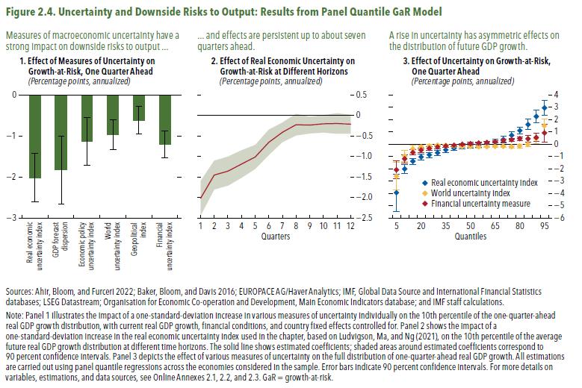
Figure 2.4. Uncertainty and Downside Risks to Output: Results from Panel Quantile GaR Model

1. Effect of Measures of Uncertainty on
Growth-at-Risk, One Quarter Ahead
(Percentage points, annualized)
 | Values | Negative/Positive error bars
Real economic uncertainty index | -2.02 | 0.59
GDP forecast dispersion | -1.83 | 0.83
Economic policy uncertainty index | -1.14 | 0.58
World uncertainty index | -0.97 | 0.36
Geopolitical index | -0.62 | 0.34
Financial uncertainty index | -1.20 | 0.33
...

Figure 2.5.
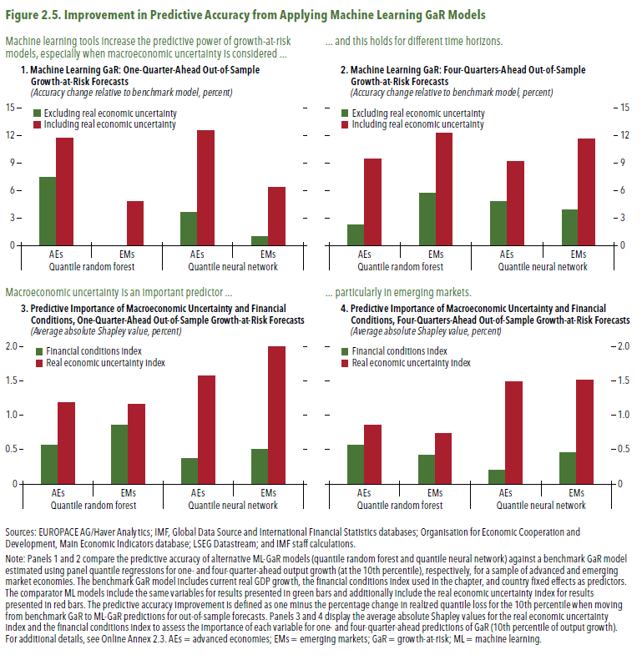
Figure 2.5. Improvement in Predictive Accuracy from Applying Machine Learning GaR Models

1. Machine Learning GaR: One-Quarter-Ahead Out-of-Sample
Growth-at-Risk Forecasts
(Accuracy change relative to benchmark model, percent)

 |  | Excluding real economic uncertainty index | Including real economic uncertainty index
Quantile random forest | AEs | 7.4 | 11.7
 | EMs | -0.1 | 4.7
Quantile neural network | AEs | 3.6 | 12.5
 | EMs | 1.0 | 6.4

Figure 2.6.
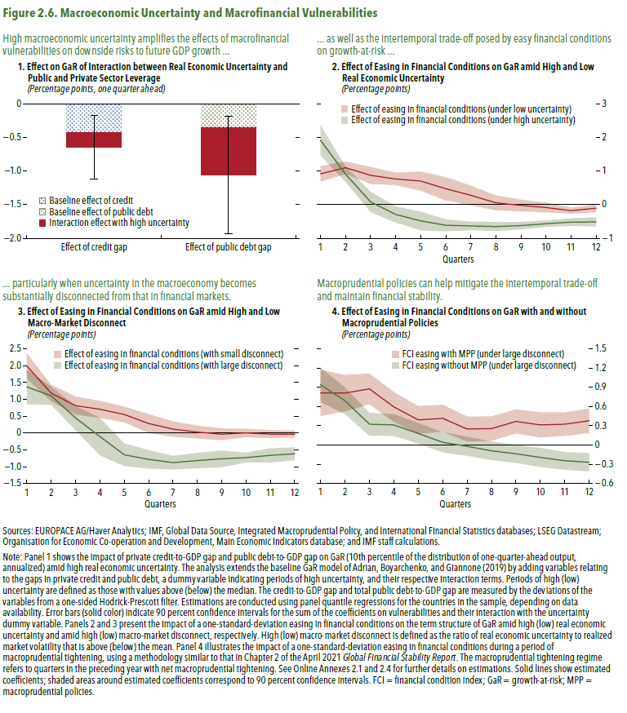
Figure 2.6. Macroeconomic Uncertainty and Macro Financial Vulnerabilities

1. Effect on GaR of Interaction between Real Economic Uncertainty and
Public and Private Sector Leverage
(Percentage points, one quarter ahead)

 | Effect of credit gap | Effect of public debt gap
Baseline effect of public debt |  | -0.3
Baseline effect of credit | -0.44
Interaction effect with high uncertainty | -0.21 | -0.7
...
Errors | 0.47 | 0.87
...

Figure 2.7.
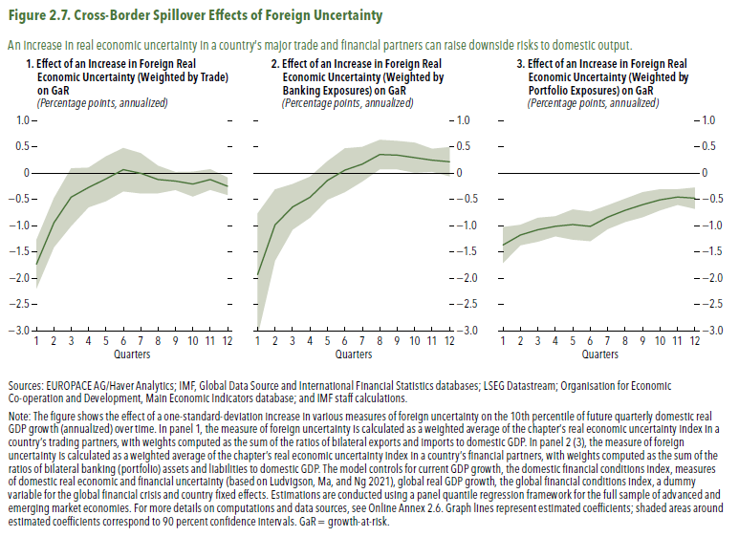
Figure 2.7. Cross-Border Spillover Effects of Foreign Uncertainty

1. Effect of an Increase in Foreign Real
Economic Uncertainty (Weighted by Trade) on GaR
(Percentage points, annualized)

Quarters | est | low | high
1 | -1.7 | -2.2 | -1.3
2 | -0.9 | -1.4 | -0.5
3 | -0.5 | -1.0 | 0.1
4 | -0.3 | -0.7 | 0.1
5 | -0.1 | -0.5 | 0.3
6 | 0.1 | -0.3 | 0.5
7 | 0.0 | -0.4 | 0.4
8 | -0.1 | -0.4 | 0.1
9 | -0.2 | -0.3 | 0.0
10 | -0.2 | -0.4 | 0.0
11 | -0.1 | -0.3 | 0.1
12 | -0.3 | -0.4 | -0.1

Figure 2.1.1.
Figure 2.1.1. Macroeconomic Uncertainty and Tail Risks in Financial Markets
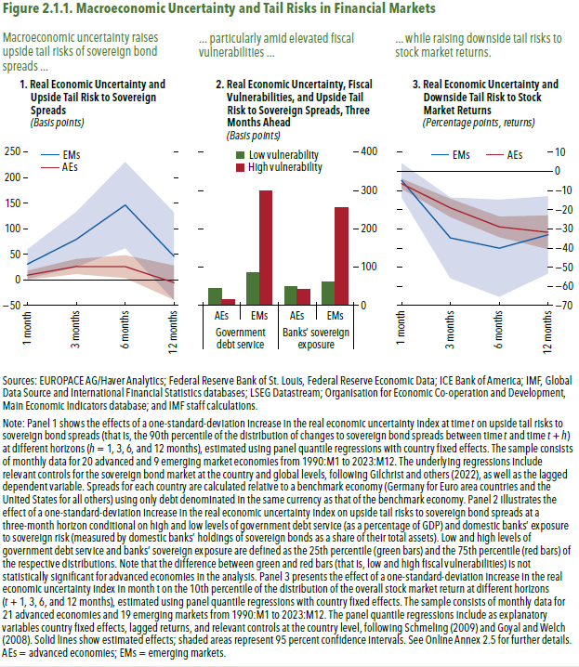

1. Real Economic Uncertainty and
Upside Tail Risk to Sovereign Spreads
(Basis points)

 | AEs
Horizon | est | low | high
1 month | 9.6 | 1.0 | 18.2
3 months | 26.4 | 11.7 | 41.1
6 months | 26.2 | 4.0 | 48.4
12 months | -5.1 | -38.6 | 28.4
...
 | EMs
Horizon | est | low | high
1 month | 31.1 | 2.5 | 59.6
3 months | 79.4 | 25.5 | 133.2
6 months | 146.7 | 62.4 | 230.9
12 months | 46.4 | -39.5 | 132.2

Figure 2.1.2.
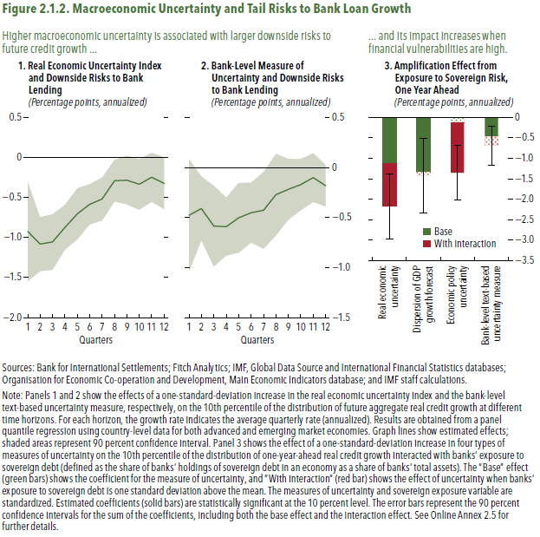
Figure 1.8. Selected Advanced Economies: Current Deleveraging Episodes (Weighted average)
3. Public Debt
(Percent of GDP)
1. Private Debt
(Percent of GDP)
Sources: Bank for International Settlements; IMF, World Economic Outlook; and IMF staff estimates.
Figure 2.1.2. Macroeconomic Uncertainty and Tail Risks to Bank Loan Growth

1. Real Economic Uncertainty Index
and Downside Risks to Bank Lending
(Percentage points, annualized)

horizon | est | low | high
1 | -0.9 | -1.5 | -0.3
2 | -1.1 | -1.4 | -0.7
3 | -1.1 | -1.4 | -0.7
4 | -0.9 | -1.2 | -0.6
5 | -0.7 | -1.0 | -0.4
6 | -0.6 | -0.8 | -0.3
7 | -0.5 | -0.8 | -0.3
8 | -0.3 | -0.6 | 0.0
9 | -0.3 | -0.6 | 0.0
10 | -0.3 | -0.7 | 0.0
11 | -0.2 | -0.6 | 0.1
12 | -0.3 | -0.6 | 0.0

Figure 2.2.1.
Figure 1.8. Selected Advanced Economies: Current Deleveraging Episodes (Weighted average)
3. Public Debt
(Percent of GDP)
1. Private Debt
(Percent of GDP)
Sources: Bank for International Settlements; IMF, World Economic Outlook; and IMF staff estimates.
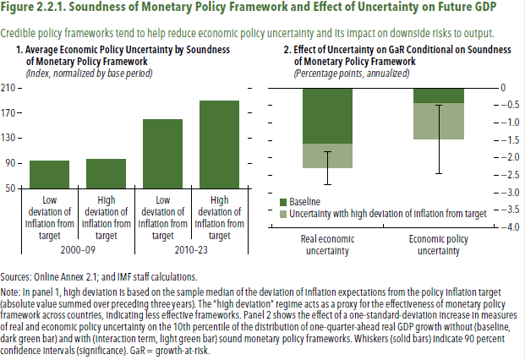
Figure 2.2.1. Soundness of Monetary Policy Framework and Eect of Uncertainty on Future GDP

1. Average Economic Policy Uncertainty by Soundness
of Monetary Policy Framework
(Index, normalized by base period)

 |  | Economic policy uncertainty
2000-09 | Low deviation of inflation from target | 94.5
 | High deviation of inflation from target | 96.9
2010-23 | Low deviation of inflation from target | 159.6
 | High deviation of inflation from target | 190.0

