1.12 panel 1
 | Equity | Event driven | Relative value | Macro | Multistrategy | Other
2013-03-29 | 0.843 | 0.128 | 0.111 | 0.19 | 0.473 | 0.187
2013-06-28 | 0.867 | 0.136 | 0.169 | 0.197 | 0.482 | 0.192
2013-09-30 | 0.937 | 0.141 | 0.21 | 0.197 | 0.509 | 0.2
2013-12-31 | 1.071 | 0.151 | 0.236 | 0.211 | 0.538 | 0.242
2014-03-31 | 1.089 | 0.154 | 0.217 | 0.261 | 0.565 | 0.227
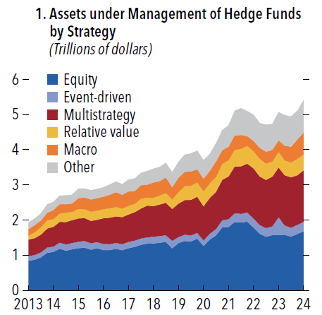
2014-06-30 | 1.184 | 0.173 | 0.234 | 0.264 | 0.593 | 0.245
2014-09-30 | 1.131 | 0.176 | 0.264 | 0.244 | 0.637 | 0.25
2014-12-31 | 1.167 | 0.175 | 0.237 | 0.239 | 0.653 | 0.252
2015-03-31 | 1.2 | 0.184 | 0.271 | 0.307 | 0.663 | 0.271
2015-06-30 | 1.213 | 0.191 | 0.252 | 0.332 | 0.652 | 0.258
2015-09-30 | 1.158 | 0.179 | 0.259 | 0.351 | 0.641 | 0.263
2015-12-31 | 1.196 | 0.173 | 0.251 | 0.361 | 0.641 | 0.264
2016-03-31 | 1.147 | 0.171 | 0.254 | 0.357 | 0.736 | 0.268
2016-06-30 | 1.147 | 0.164 | 0.263 | 0.387 | 0.758 | 0.292
2016-09-30 | 1.182 | 0.167 | 0.267 | 0.426 | 0.754 | 0.3
2016-12-30 | 1.139 | 0.171 | 0.242 | 0.394 | 0.773 | 0.306
2017-03-31 | 1.201 | 0.175 | 0.242 | 0.411 | 0.785 | 0.337
2017-06-30 | 1.236 | 0.179 | 0.238 | 0.365 | 0.811 | 0.354
2017-09-29 | 1.297 | 0.176 | 0.276 | 0.388 | 0.855 | 0.35
2017-12-29 | 1.326 | 0.182 | 0.229 | 0.367 | 0.905 | 0.384
2018-03-30 | 1.334 | 0.191 | 0.236 | 0.438 | 0.871 | 0.396
2018-06-29 | 1.355 | 0.19 | 0.254 | 0.412 | 0.898 | 0.404
2018-09-28 | 1.379 | 0.185 | 0.278 | 0.446 | 0.928 | 0.411
2018-12-31 | 1.194 | 0.215 | 0.271 | 0.35 | 0.907 | 0.433
2019-03-29 | 1.348 | 0.17 | 0.325 | 0.41 | 0.952 | 0.456
2019-06-28 | 1.402 | 0.18 | 0.398 | 0.406 | 0.987 | 0.494
2019-09-30 | 1.392 | 0.169 | 0.403 | 0.409 | 1.012 | 0.512
2019-12-31 | 1.469 | 0.166 | 0.402 | 0.371 | 1.033 | 0.538
2020-03-31 | 1.264 | 0.155 | 0.43 | 0.362 | 0.97 | 0.524
2020-06-30 | 1.449 | 0.164 | 0.42 | 0.351 | 1.019 | 0.484
2020-09-30 | 1.561 | 0.183 | 0.423 | 0.444 | 1.055 | 0.519
2020-12-31 | 1.794 | 0.198 | 0.456 | 0.388 | 1.154 | 0.57
2021-03-31 | 1.802 | 0.224 | 0.459 | 0.389 | 1.217 | 0.608
2021-06-30 | 1.946 | 0.243 | 0.471 | 0.414 | 1.334 | 0.702
2021-09-30 | 1.932 | 0.244 | 0.494 | 0.394 | 1.356 | 0.765
2021-12-31 | 1.952 | 0.259 | 0.511 | 0.274 | 1.392 | 0.71
2022-03-31 | 1.782 | 0.261 | 0.489 | 0.295 | 1.425 | 0.746
2022-06-30 | 1.607 | 0.255 | 0.498 | 0.314 | 1.384 | 0.709
2022-09-30 | 1.521 | 0.249 | 0.464 | 0.338 | 1.372 | 0.767
2022-12-30 | 1.57 | 0.249 | 0.428 | 0.335 | 1.418 | 0.732
2023-03-31 | 1.577 | 0.5 | 0.44 | 0.332 | 1.423 | 0.803
2023-06-30 | 1.58 | 0.264 | 0.416 | 0.422 | 1.435 | 0.871
2023-09-29 | 1.528 | 0.255 | 0.419 | 0.451 | 1.435 | 0.86
2023-12-29 | 1.603 | 0.258 | 0.462 | 0.555 | 1.415 | 0.82
2024-03-29 | 1.681 | 0.268 | 0.447 | 0.627 | 1.469 | 0.923

1.12 panel 2
Dates | Relative value | Macro | CTA | Multistrategy | Equity | Event-driven | All five hedge fund strategies (asset-weighted)
2014-12-31 | 15.9 | 15.9 | 8.6 | 5.5 | 2.9 | 2.2 | 6.8
2015-03-31 | 15.7 | 15.7 | 7.8 | 5.6 | 3.2 | 2.2 | 6.9
2015-06-30 | 13.4 | 15.8 | 10.2 | 7.7 | 3.2 | 2.3 | 7.4
2015-09-30 | 15.3 | 17.3 | 13.5 | 7.3 | 3.1 | 2.2 | 7.6
2015-12-31 | 15 | 13.5 | 10.9 | 6.1 | 3.2 | 2.1 | 6.7
2016-03-31 | 16.1 | 14.7 | 9.8 | 7 | 3.4 | 2.1 | 7.3
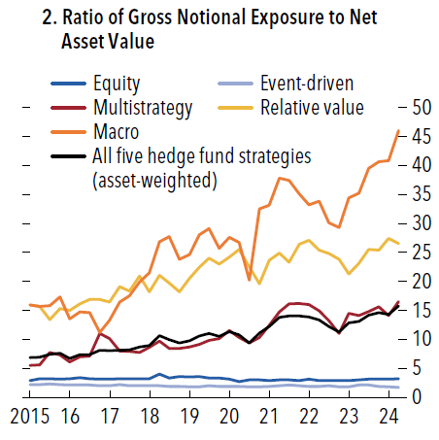
2016-06-30 | 16.9 | 14.6 | 7.3 | 7.1 | 3.2 | 2.1 | 7.4
2016-09-30 | 16.9 | 11.2 | 8.2 | 11 | 3.1 | 2 | 8.1
2016-12-30 | 16.4 | 13.3 | 7.3 | 10.1 | 3.1 | 2 | 8.1
2017-03-31 | 19.1 | 16.4 | 8 | 8 | 3.2 | 2.2 | 8.1
2017-06-30 | 18.3 | 17.5 | 9.5 | 7.9 | 3.2 | 2 | 8.2
2017-09-29 | 20.9 | 19.9 | 8.4 | 7.7 | 3.2 | 2 | 8.7
2017-12-29 | 18.2 | 21.5 | 10 | 8.6 | 3.2 | 2 | 8.9
2018-03-30 | 21 | 26.8 | 8.4 | 9.7 | 4 | 2 | 10.6
2018-06-29 | 19.7 | 27.7 | 10.5 | 8.4 | 3.3 | 1.9 | 9.9
2018-09-28 | 18.2 | 23.8 | 14 | 8.4 | 3.6 | 1.9 | 9.3
2018-12-31 | 20.5 | 24.6 | 9.7 | 8.7 | 3.5 | 1.8 | 9.7
2019-03-29 | 22.4 | 28 | 17.9 | 9.1 | 3.6 | 1.8 | 10.6
2019-06-28 | 24 | 29.1 | 19.9 | 9.8 | 3.3 | 2 | 11.0
2019-09-30 | 23 | 25.7 | 19.8 | 10.1 | 3.3 | 1.9 | 10.5
2019-12-31 | 24.2 | 27.6 | 18.5 | 11.5 | 3.1 | 1.9 | 11.3
2020-03-31 | 25.5 | 26.7 | 14.6 | 10.3 | 2.7 | 1.9 | 10.8
2020-06-30 | 22.5 | 20.2 | 17.4 | 9.4 | 3 | 1.8 | 9.4
2020-09-30 | 19.6 | 32.5 | 20.9 | 10.3 | 3 | 1.8 | 11.1
2020-12-31 | 23.6 | 33.1 | 19.7 | 12.4 | 2.9 | 1.9 | 12.2
2021-03-31 | 24.9 | 37.8 | 19.2 | 14.7 | 3 | 2 | 13.8
2021-06-30 | 23.3 | 37.4 | 21.4 | 16.1 | 3 | 2.1 | 14.1
2021-09-30 | 26.4 | 35.1 | 22.9 | 16.2 | 2.9 | 2 | 14.0
2021-12-31 | 27.1 | 33.2 | 16.9 | 16 | 3.1 | 1.9 | 13.8
2022-03-31 | 25.4 | 33.8 | 15 | 14.9 | 2.9 | 1.9 | 13.3
2022-06-30 | 24.8 | 30.1 | 16.5 | 13.2 | 2.9 | 2 | 12.2
2022-09-30 | 23.8 | 29.3 | 14 | 11 | 2.9 | 1.8 | 11.2
2022-12-30 | 21.3 | 34.4 | 14.3 | 14.5 | 2.9 | 1.8 | 12.9
2023-03-31 | 23.1 | 35.2 | 12.1 | 14.1 | 3 | 2.1 | 13.1
2023-06-30 | 25.5 | 39.5 | 17.1 | 14.8 | 3.1 | 2.1 | 14.2
2023-09-29 | 25.4 | 40.6 | 18.6 | 15.6 | 3.1 | 1.9 | 14.6
2023-12-29 | 27.4 | 40.8 | 14.8 | 14.1 | 3.1 | 1.8 | 14.3
2024-03-29 | 26.5 | 46 | 22.1 | 16.5 | 3.2 | 1.7 | 15.8

1.12 panel 3
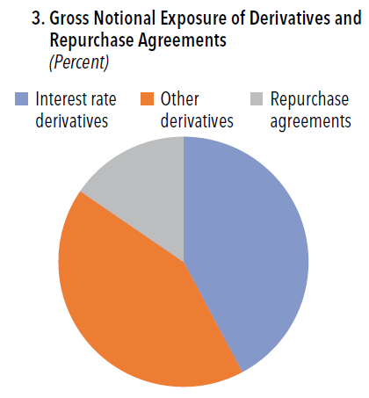
 | Percent
Interest rate derivatives | 42.2
Other derivatives | 42.3
Repurchase agreements | 15.4

1.14 panel 2
 | Percent of GDP
THA | 172.2
MYS | 155.6
CHL | 138.7
IND | 93.6
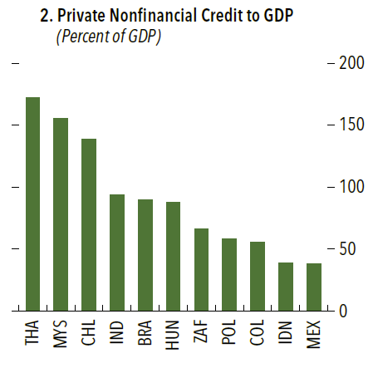
BRA | 89.7
HUN | 87.6
ZAF | 66.2
POL | 58.5
COL | 55.5
IDN | 39.3
MEX | 38.3

1.14 panel 3
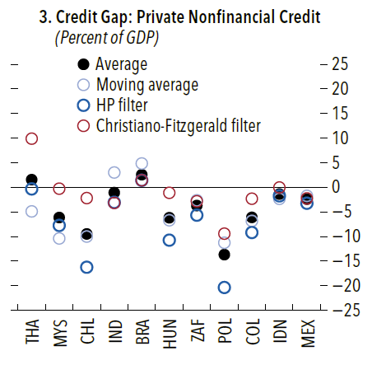
 | Moving Average | HP Filter | Christiano-Fitzgerald Filter | Average
THA | -4.9 | -0.3 | 9.9 | 1.6
MYS | -10.4 | -7.8 | -0.3 | -6.1
CHL | -10.0 | -16.2 | -2.2 | -9.5
IND | 3.0 | -3.1 | -3.2 | -1.1
BRA | 4.9 | 1.4 | 1.4 | 2.6
HUN | -6.7 | -10.7 | -1.1 | -6.2
ZAF | -2.6 | -5.7 | -2.8 | -3.7
POL | -11.3 | -20.4 | -9.4 | -13.7
COL | -6.8 | -9.2 | -2.3 | -6.1
IDN | -2.3 | -1.7 | 0.0 | -1.4
MEX | -1.7 | -3.2 | -2.3 | -2.4

1.14 panel 4
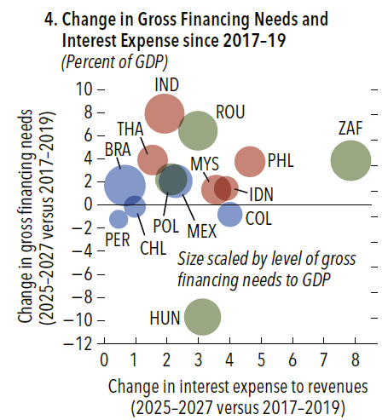
 | Change Int Exp/Revenue | Change GFN | GFN to GDP | 0.051357410377
BRA | 0.66 | 1.69 | 15.867731883 | 0.036500223433
CHL | 0.98 | -0.14 | 4.4765430953 | 0.027278875625
COL | 4.01 | -0.81 | 5.7620192569
MEX | 2.28 | 2.07 | 10.433587101
PER | 0.46 | -1.23 | 3.2667449173
THA | 1.54 | 3.90 | 8.5530536665
IND | 1.92 | 7.91 | 14.67357564
IDN | 3.89 | 1.43 | 5.5417269545
MYS | 3.57 | 1.32 | 8.2635629044
PHL | 4.64 | 3.75 | 8.8390915637
HUN | 3.13 | -9.68 | 12.627871054
POL | 2.14 | 2.23 | 9.3781758266
ROU | 2.99 | 6.43 | 14.426292518
ZAF | 7.86 | 3.85 | 15.244962806

1.17 panel 3
 | Large bank | Medium bank | Small bank | Foreign bank
2009-12-01 | 5.1699513849 | 3.6793224393 | 4.1295421033 | 8.4824539399
2010-03-01 | 4.7077337402 | 3.3897678366 | 3.5995296843 | 6.483991886
2010-06-01 | 4.8894828446 | 3.5977085359 | 3.4278384423 | 6.6572097575
2010-09-01 | 5.0221646094 | 3.6507275722 | 3.5882042268 | 6.4649782027
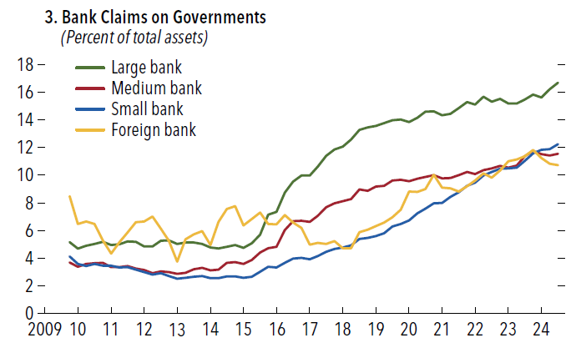
2010-12-01 | 5.1905378352 | 3.6665465422 | 3.4617174505 | 5.2823382169
2011-03-01 | 4.9614656518 | 3.3657599216 | 3.451251032 | 4.3419507652
2011-06-01 | 5.0066765913 | 3.3450238442 | 3.3180715988 | 5.1274168527
2011-09-01 | 5.2181644983 | 3.4320915917 | 3.3647332102 | 5.8574652125
2011-12-01 | 5.1827689038 | 3.2642247033 | 3.1814785517 | 6.5921988394
2012-03-01 | 4.8602673147 | 3.1442489898 | 2.9936398782 | 6.6493150156
2012-06-01 | 4.8601350695 | 2.9237774489 | 2.818378124 | 7.0225025205
2012-09-01 | 5.2535798854 | 3.0358187183 | 2.9075541183 | 6.1281254509
2012-12-01 | 5.2890732702 | 2.9830278381 | 2.7157215443 | 5.2675577121
2013-03-01 | 5.0330073635 | 2.8729967033 | 2.5192978837 | 3.7549644963
2013-06-01 | 5.1240905917 | 2.9351394442 | 2.5761404045 | 5.3610030264
2013-09-01 | 5.1303958818 | 3.1919944147 | 2.664662695 | 5.7215274027
2013-12-01 | 5.0250984518 | 3.2946362525 | 2.7122566496 | 5.9484596009
2014-03-01 | 4.7813667636 | 3.1203080213 | 2.5698006508 | 4.9612116734
2014-06-01 | 4.7047931754 | 3.1875851385 | 2.5626174761 | 6.6185938707
2014-09-01 | 4.836810476 | 3.6584482772 | 2.6964210209 | 7.5451608166
2014-12-01 | 4.9441233576 | 3.7275807069 | 2.6920245651 | 7.7639199801
2015-03-01 | 4.7486051691 | 3.5972023683 | 2.5932286743 | 6.3803053778
2015-06-01 | 5.0710270053 | 3.8633921861 | 2.6589750142 | 6.8318746717
2015-09-01 | 5.7045450365 | 4.4023339294 | 3.0323421848 | 7.2875935174
2015-12-01 | 7.1368372702 | 4.7096597513 | 3.3692795751 | 6.4776280822
2016-03-01 | 7.3478072299 | 4.825985983 | 3.3231643391 | 6.4401809747
2016-06-01 | 8.7305622108 | 6.0396429278 | 3.6650627334 | 7.1259494491
2016-09-01 | 9.5315430863 | 6.6712214001 | 3.9824139204 | 6.5690403789
2016-12-01 | 9.9803372568 | 6.7104516898 | 4.0285116858 | 6.1826229652
2017-03-01 | 9.9793659063 | 6.6392712507 | 3.935209585 | 4.9670722179
2017-06-01 | 10.61799267 | 7.0769489873 | 4.1468028879 | 5.1151699379
2017-09-01 | 11.386412895 | 7.6778986242 | 4.4531501505 | 5.0385284613
2017-12-01 | 11.85259436 | 7.9625809613 | 4.6802499626 | 5.2491584869
2018-03-01 | 12.068420542 | 8.1197498679 | 4.7700478256 | 4.7196261682
2018-06-01 | 12.574851774 | 8.2732610637 | 4.9181705017 | 4.7193521363
2018-09-01 | 13.272495498 | 8.9621341198 | 5.3846257665 | 5.8941605839
2018-12-01 | 13.465559305 | 8.8722078996 | 5.4812101929 | 6.0687688164
2019-03-01 | 13.555607672 | 9.1866369258 | 5.6032590959 | 6.3215208564
2019-06-01 | 13.779095808 | 9.2346590743 | 5.8083346487 | 6.5858281382
2019-09-01 | 13.981872555 | 9.6216786102 | 6.2976270546 | 6.9747009394
2019-12-01 | 14.015835829 | 9.6762402322 | 6.4655628031 | 7.5170286881
2020-03-01 | 13.850231292 | 9.565810236 | 6.7246097354 | 8.8210549024
2020-06-01 | 14.149677808 | 9.7532707534 | 7.2367740845 | 8.7876802097
2020-09-01 | 14.578044238 | 9.8640036379 | 7.5918117694 | 8.9883260055
2020-12-01 | 14.61835524 | 9.9978643069 | 7.9791623436 | 10.042208199
2021-03-01 | 14.33618261 | 9.7697168003 | 7.9841346947 | 9.0959288126
2021-06-01 | 14.443006301 | 9.7917997911 | 8.4430479112 | 9.0452367382
2021-09-01 | 14.836230619 | 10.012658324 | 8.7560034424 | 8.8301438452
2021-12-01 | 15.290030233 | 10.232438792 | 9.2374584639 | 9.192988293
2022-03-01 | 15.112551254 | 10.093745815 | 9.4635625945 | 9.6168718517
2022-06-01 | 15.663542585 | 10.362222134 | 9.9897810576 | 10.122233097
2022-09-01 | 15.318409328 | 10.503594057 | 10.230734605 | 9.8113433074
2022-12-01 | 15.507203877 | 10.665020827 | 10.463636084 | 10.345176842
2023-03-01 | 15.184967553 | 10.546296245 | 10.498515922 | 10.99796334
2023-06-01 | 15.176352131 | 10.705583189 | 10.535020874 | 11.136047666
2023-09-01 | 15.456162643 | 11.366581457 | 11.042021231 | 11.376519024
2023-12-01 | 15.826692629 | 11.751200847 | 11.570226273 | 11.81925809
2024-03-01 | 15.6222003 | 11.523089636 | 11.838770431 | 11.24386088
2024-06-01 | 16.223213646 | 11.418776008 | 11.89319046 | 10.819542947
2024-09-01 | 16.685648686 | 11.538724372 | 12.24381719 | 10.729303162

1.17 panel 4
 | Large bank | Medium bank | Small bank | Securities | Insurance | Other NBFI
2015-03-01 | (25,041) | - | - | 5,394 | 481 | 7,713
2015-06-01 | (51,560) | - | - | 9,938 | 3,385 | 19,271
2015-09-01 | (49,376) | - | - | 9,551 | 1,759 | 22,665
2015-12-01 | (62,586) | - | - | 11,599 | 2,277 | 32,541
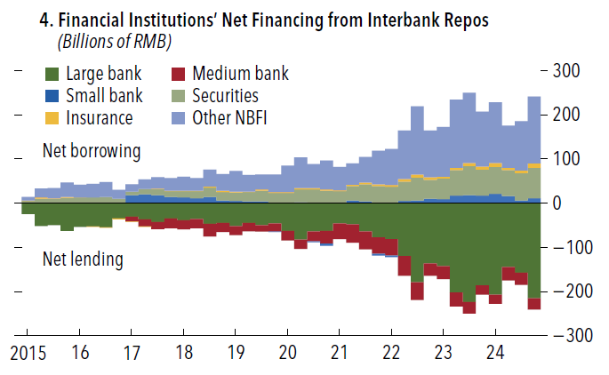
2016-03-01 | (53,901) | - | - | 12,650 | 701 | 28,689
2016-06-01 | (52,339) | - | - | 12,727 | (46) | 31,275
2016-09-01 | (54,360) | - | - | 13,840 | (1,193) | 34,240
2016-12-01 | (34,727) | - | - | 9,795 | (2,606) | 19,634
2017-03-01 | (31,059) | (10,762) | 17,966 | 7,809 | (1,408) | 17,456
2017-06-01 | (36,701) | (16,322) | 20,116 | 11,257 | (910) | 22,561
2017-09-01 | (42,677) | (16,042) | 18,092 | 14,189 | 569 | 25,869
2017-12-01 | (34,639) | (22,020) | 13,957 | 13,337 | 872 | 28,492
2018-03-01 | (38,650) | (21,539) | 13,298 | 13,468 | 938 | 32,485
2018-06-01 | (36,200) | (20,792) | 11,178 | 15,328 | 1,273 | 29,212
2018-09-01 | (46,832) | (29,282) | 13,685 | 21,030 | 2,621 | 38,778
2018-12-01 | (45,229) | (20,415) | 5,689 | 19,445 | 2,576 | 37,934
2019-03-01 | (51,692) | (21,209) | 5,258 | 19,024 | 1,982 | 46,636
2019-06-01 | (44,631) | (19,025) | 4,269 | 20,286 | 1,676 | 37,425
2019-09-01 | (49,672) | (15,470) | 4,285 | 24,024 | 2,541 | 34,294
2019-12-01 | (45,877) | (18,776) | (532) | 22,856 | 2,298 | 40,031
2020-03-01 | (62,580) | (21,973) | 390 | 22,400 | 2,568 | 59,195
2020-06-01 | (82,623) | (20,782) | 1,988 | 28,759 | 3,143 | 69,515
2020-09-01 | (63,674) | (22,659) | (2,490) | 30,859 | 3,349 | 54,614
2020-12-01 | (62,291) | (29,653) | (4,822) | 27,995 | 3,140 | 65,630
2021-03-01 | (45,853) | (36,025) | 308 | 26,820 | 1,920 | 52,831
2021-06-01 | (47,689) | (41,707) | 5,939 | 33,309 | 2,970 | 47,178
2021-09-01 | (64,132) | (40,227) | 3,522 | 38,954 | 4,777 | 57,106
2021-12-01 | (77,655) | (36,599) | (3,782) | 38,376 | 4,630 | 75,030
2022-03-01 | (81,705) | (36,525) | (4,637) | 36,710 | 3,903 | 82,254
2022-06-01 | (119,312) | (45,404) | 4,774 | 44,394 | 5,528 | 110,020
2022-09-01 | (179,015) | (40,270) | 5,818 | 51,470 | 7,414 | 154,581
2022-12-01 | (135,958) | (28,329) | 9,719 | 42,874 | 6,121 | 105,573
2023-03-01 | (142,054) | (29,880) | 9,166 | 46,128 | 4,620 | 112,020
2023-06-01 | (202,658) | (31,510) | 16,993 | 57,243 | 5,726 | 154,206
2023-09-01 | (224,157) | (25,420) | 17,960 | 65,807 | 7,004 | 158,805
2023-12-01 | (185,882) | (21,194) | 16,460 | 59,043 | 7,603 | 123,970
2024-03-01 | (207,187) | (20,587) | 20,670 | 60,912 | 8,534 | 137,657
2024-06-01 | (144,360) | (30,435) | 16,394 | 58,014 | 5,421 | 94,966
2024-09-01 | (157,663) | (27,227) | 5,634 | 61,676 | 6,484 | 111,096
2024-12-01 | (215,097) | (26,020) | 11,352 | 68,530 | 9,402 | 151,833

1.22 panel 2
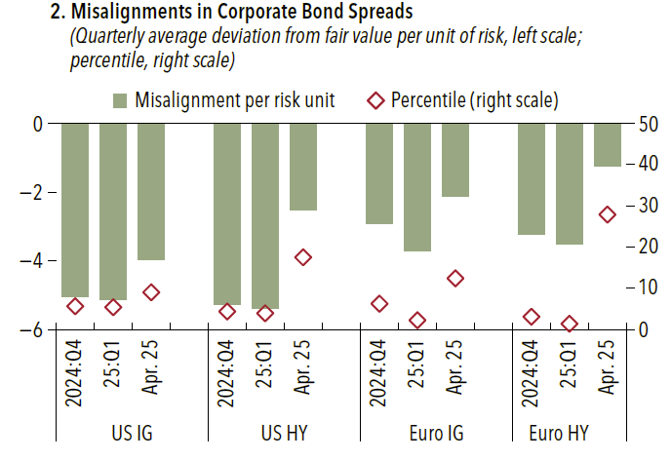
 |  | Misalignment per risk unit | Percentile (right scale)
US IG | 24Q4 | -5.04 | 5.7
US IG | 25Q1 | -5.12 | 5.4
US IG | Apr. 25 | -3.95 | 9.1
US HY | 24Q4 | -5.27 | 4.3
US HY | 25Q1 | -5.39 | 3.9
US HY | Apr. 25 | -2.52 | 17.5
Euro IG | 24Q4 | -2.91 | 6.2
Euro IG | 25Q1 | -3.73 | 2.2
Euro IG | Apr. 25 | -2.12 | 12.4
Euro HY | 24Q4 | -3.25 | 3.1
Euro HY | 25Q1 | -3.51 | 1.5
Euro HY | Apr. 25 | -1.24 | 28

1.23 panel 3
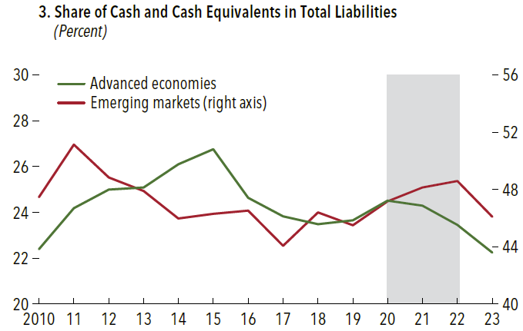
 | Advanced economies | Emerging markets
2010 | 25% | 44%
2011 | 27% | 47%
2012 | 26% | 48%
2013 | 25% | 48%
2014 | 24% | 50%
2015 | 24% | 51%
2016 | 24% | 47%
2017 | 23% | 46%
2018 | 24% | 46%
2019 | 23% | 46%
2020 | 24% | 47%
2021 | 25% | 47%
2022 | 25% | 46%
2023 | 24% | 44%

box 1.2 panel 3
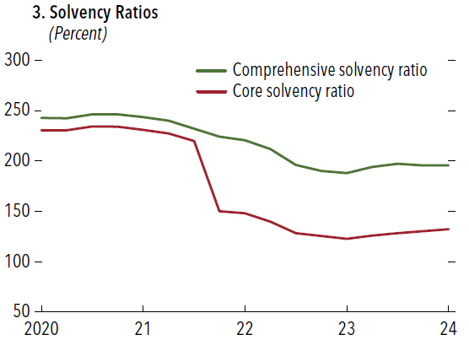
 | Comprehensive solvency ratio | Core solvency ratio
2020-06-30 | 242.6 | 230.4
2020-09-30 | 242.5 | 230.5
2020-12-31 | 246.3 | 234.3
2021-03-31 | 246.3 | 234.2
2021-06-30 | 243.7 | 231
2021-09-30 | 240 | 227.3
2021-12-31 | 232.1 | 219.7
2022-03-31 | 224.2 | 150
2022-06-30 | 220.8 | 148.1
2022-09-30 | 212 | 139.7
2022-12-30 | 196 | 128.4
2023-03-31 | 190.3 | 125.7
2023-06-30 | 188 | 122.7
2023-09-29 | 194 | 126
2023-12-29 | 197.1 | 128.2
2024-03-29 | 195.6 | 130.3
2024-06-28 | 195.5 | 132.4
2024-09-30 | 197.4 | 135.1

box 1.2 panel 4
 | Share of level 3 assets | Share of alternative assets
2020 | 19.449016918 | 21
2021 | 15.344475416 | 20.2
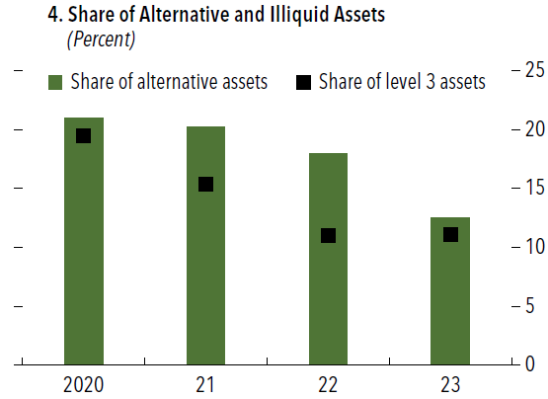
2022 | 10.978000975 | 18
2023 | 11.097931537 | 12.5

