Figure 2.1.
Figure 2.1. Rise in Global Geopolitical Tensions
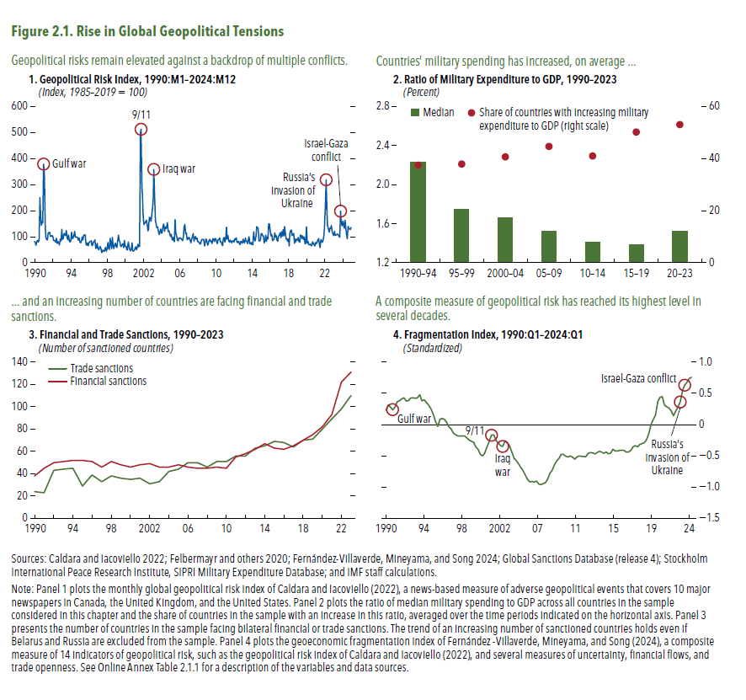
1. Geopolitical Risk Index, 1990:M1–2024:M12 |  | 2. Ratio of Military Expenditure to GDP, 1990–2023 |  |  | 3. Financial and Trade Sanctions, 1990–2023 |  |  | 4. Fragmentation Index, 1990:Q1–2024:Q1
(Index, 1985–2019 = 100) |  | (Percent) |  |  | (Number of sanctioned countries) |  |  | (Standardized)
 |  |  |  | Share of countries with increasing
1990-01-01 | 81.5 |  | Median | military expenditure to GDP (right scale) |  | Trade sanctions | Financial sanctions | 1990:Q1 | 0.23
1990-02-01 | 77.4 | 1990-94 | 2.2 | 37.3 | 1990 | 24 | 38 | 1990:Q2 | 0.32
1990-03-01 | 67.6 | 1995-99 | 1.8 | 37.8 | 1991 | 23 | 45 | 1990:Q3 | 0.28
1990-04-01 | 81.6 | 2000-04 | 1.7 | 40.6 | 1992 | 43 | 50 | 1990:Q4 | 0.23
1990-05-01 | 86.4 | 2005-09 | 1.5 | 44.5 | 1993 | 44 | 51 | 1991:Q1 | 0.28
1990-06-01 | 79.7 | 2010-14 | 1.4 | 40.9 | 1994 | 45 | 52 | 1991:Q2 | 0.36
1990-07-01 | 85.8 | 2015-19 | 1.4 | 50.0 | 1995 | 29 | 52 | 1991:Q3 | 0.38
1990-08-01 | 250.5 | 2020-23 | 1.5 | 53.0 | 1996 | 39 | 51 | 1991:Q4 | 0.41
1990-09-01 | 188.7 |  |  |  | 1997 | 33 | 46 | 1992:Q1 | 0.43
1990-10-01 | 143.9 |  |  |  | 1998 | 38 | 51 | 1992:Q2 | 0.37
1990-11-01 | 158.7 |  |  |  | 1999 | 36 | 48 | 1992:Q3 | 0.38
1990-12-01 | 153.2 |  |  |  | 2000 | 35 | 46 | 1992:Q4 | 0.43
1991-01-01 | 379.2 |  |  |  | 2001 | 36 | 48 | 1993:Q1 | 0.43
1991-02-01 | 339.4 |  |  |  | 2002 | 31 | 49 | 1993:Q2 | 0.42
1991-03-01 | 148.6 |  |  |  | 2003 | 33 | 46 | 1993:Q3 | 0.43
1991-04-01 | 97.8 |  |  |  | 2004 | 42 | 46 | 1993:Q4 | 0.48
1991-05-01 | 88.6 |  |  |  | 2005 | 44 | 48 | 1994:Q1 | 0.38
1991-06-01 | 87.7 |  |  |  | 2006 | 50 | 46 | 1994:Q2 | 0.40
1991-07-01 | 115.2 |  |  |  | 2007 | 50 | 45 | 1994:Q3 | 0.35
1991-08-01 | 113.5 |  |  |  | 2008 | 46 | 45 | 1994:Q4 | 0.31
1991-09-01 | 117.9 |  |  |  | 2009 | 51 | 46 | 1995:Q1 | 0.25
1991-10-01 | 100.8 |  |  |  | 2010 | 51 | 45 | 1995:Q2 | 0.16
1991-11-01 | 100.7 |  |  |  | 2011 | 56 | 55 | 1995:Q3 | 0.05
1991-12-01 | 104.0 |  |  |  | 2012 | 56 | 58 | 1995:Q4 | -0.03
1992-01-01 | 103.0 |  |  |  | 2013 | 63 | 62 | 1996:Q1 | 0.08
1992-02-01 | 87.2 |  |  |  | 2014 | 65 | 67 | 1996:Q2 | 0.10
1992-03-01 | 85.3 |  |  |  | 2015 | 69 | 63 | 1996:Q3 | 0.09
1992-04-01 | 85.9 |  |  |  | 2016 | 68 | 62 | 1996:Q4 | 0.04
1992-05-01 | 79.0 |  |  |  | 2017 | 64 | 65 | 1997:Q1 | -0.04
1992-06-01 | 93.8 |  |  |  | 2018 | 70 | 70 | 1997:Q2 | -0.07
1992-07-01 | 75.2 |  |  |  | 2019 | 71 | 75 | 1997:Q3 | -0.13
1992-08-01 | 81.6 |  |  |  | 2020 | 80 | 82 | 1997:Q4 | -0.16
1992-09-01 | 74.6 |  |  |  | 2021 | 89 | 93 | 1998:Q1 | -0.18
1992-10-01 | 68.2 |  |  |  | 2022 | 98 | 122 | 1998:Q2 | -0.18
1992-11-01 | 91.0 |  |  |  | 2023 | 110 | 131 | 1998:Q3 | -0.18
1992-12-01 | 83.4 |  |  |  |  |  |  | 1998:Q4 | -0.18
1993-01-01 | 128.9 |  |  |  |  |  |  | 1999:Q1 | -0.21
1993-02-01 | 90.5 |  |  |  |  |  |  | 1999:Q2 | -0.25
1993-03-01 | 94.2 |  |  |  |  |  |  | 1999:Q3 | -0.26
1993-04-01 | 112.7 |  |  |  |  |  |  | 1999:Q4 | -0.28
1993-05-01 | 110.7 |  |  |  |  |  |  | 2000:Q1 | -0.36
1993-06-01 | 104.2 |  |  |  |  |  |  | 2000:Q2 | -0.40
1993-07-01 | 123.3 |  |  |  |  |  |  | 2000:Q3 | -0.47
1993-08-01 | 97.2 |  |  |  |  |  |  | 2000:Q4 | -0.50
1993-09-01 | 89.2 |  |  |  |  |  |  | 2001:Q1 | -0.45
1993-10-01 | 106.2 |  |  |  |  |  |  | 2001:Q2 | -0.35
1993-11-01 | 83.5 |  |  |  |  |  |  | 2001:Q3 | -0.26
1993-12-01 | 79.6 |  |  |  |  |  |  | 2001:Q4 | -0.16
1994-01-01 | 83.5 |  |  |  |  |  |  | 2002:Q1 | -0.17
1994-02-01 | 117.2 |  |  |  |  |  |  | 2002:Q2 | -0.26
1994-03-01 | 93.5 |  |  |  |  |  |  | 2002:Q3 | -0.30
1994-04-01 | 95.4 |  |  |  |  |  |  | 2002:Q4 | -0.34
1994-05-01 | 104.5 |  |  |  |  |  |  | 2003:Q1 | -0.35
1994-06-01 | 120.4 |  |  |  |  |  |  | 2003:Q2 | -0.26
1994-07-01 | 99.6 |  |  |  |  |  |  | 2003:Q3 | -0.29
1994-08-01 | 98.2 |  |  |  |  |  |  | 2003:Q4 | -0.34
1994-09-01 | 98.9 |  |  |  |  |  |  | 2004:Q1 | -0.44
1994-10-01 | 94.9 |  |  |  |  |  |  | 2004:Q2 | -0.54
1994-11-01 | 86.5 |  |  |  |  |  |  | 2004:Q3 | -0.57
1994-12-01 | 96.0 |  |  |  |  |  |  | 2004:Q4 | -0.63
1995-01-01 | 80.2 |  |  |  |  |  |  | 2005:Q1 | -0.69
1995-02-01 | 76.9 |  |  |  |  |  |  | 2005:Q2 | -0.73
1995-03-01 | 82.2 |  |  |  |  |  |  | 2005:Q3 | -0.81
1995-04-01 | 99.2 |  |  |  |  |  |  | 2005:Q4 | -0.87
1995-05-01 | 87.8 |  |  |  |  |  |  | 2006:Q1 | -0.92
1995-06-01 | 104.6 |  |  |  |  |  |  | 2006:Q2 | -0.91
1995-07-01 | 107.6 |  |  |  |  |  |  | 2006:Q3 | -0.92
1995-08-01 | 106.9 |  |  |  |  |  |  | 2006:Q4 | -0.90
1995-09-01 | 71.2 |  |  |  |  |  |  | 2007:Q1 | -0.95
1995-10-01 | 67.7 |  |  |  |  |  |  | 2007:Q2 | -0.96
1995-11-01 | 76.3 |  |  |  |  |  |  | 2007:Q3 | -0.94
1995-12-01 | 65.7 |  |  |  |  |  |  | 2007:Q4 | -0.93
1996-01-01 | 75.6 |  |  |  |  |  |  | 2008:Q1 | -0.87
1996-02-01 | 80.4 |  |  |  |  |  |  | 2008:Q2 | -0.77
1996-03-01 | 82.1 |  |  |  |  |  |  | 2008:Q3 | -0.73
1996-04-01 | 84.8 |  |  |  |  |  |  | 2008:Q4 | -0.64
1996-05-01 | 65.5 |  |  |  |  |  |  | 2009:Q1 | -0.58
1996-06-01 | 69.1 |  |  |  |  |  |  | 2009:Q2 | -0.54
1996-07-01 | 80.6 |  |  |  |  |  |  | 2009:Q3 | -0.48
1996-08-01 | 81.7 |  |  |  |  |  |  | 2009:Q4 | -0.48
1996-09-01 | 88.2 |  |  |  |  |  |  | 2010:Q1 | -0.50
1996-10-01 | 55.6 |  |  |  |  |  |  | 2010:Q2 | -0.52
1996-11-01 | 57.3 |  |  |  |  |  |  | 2010:Q3 | -0.50
1996-12-01 | 75.0 |  |  |  |  |  |  | 2010:Q4 | -0.52
1997-01-01 | 54.1 |  |  |  |  |  |  | 2011:Q1 | -0.55
1997-02-01 | 50.6 |  |  |  |  |  |  | 2011:Q2 | -0.52
1997-03-01 | 58.5 |  |  |  |  |  |  | 2011:Q3 | -0.50
1997-04-01 | 62.8 |  |  |  |  |  |  | 2011:Q4 | -0.51
1997-05-01 | 53.6 |  |  |  |  |  |  | 2012:Q1 | -0.51
1997-06-01 | 39.0 |  |  |  |  |  |  | 2012:Q2 | -0.51
1997-07-01 | 47.7 |  |  |  |  |  |  | 2012:Q3 | -0.46
1997-08-01 | 48.6 |  |  |  |  |  |  | 2012:Q4 | -0.45
1997-09-01 | 42.7 |  |  |  |  |  |  | 2013:Q1 | -0.45
1997-10-01 | 49.7 |  |  |  |  |  |  | 2013:Q2 | -0.47
1997-11-01 | 59.7 |  |  |  |  |  |  | 2013:Q3 | -0.45
1997-12-01 | 44.0 |  |  |  |  |  |  | 2013:Q4 | -0.43
1998-01-01 | 53.1 |  |  |  |  |  |  | 2014:Q1 | -0.44
1998-02-01 | 77.6 |  |  |  |  |  |  | 2014:Q2 | -0.46
1998-03-01 | 57.2 |  |  |  |  |  |  | 2014:Q3 | -0.44
1998-04-01 | 51.0 |  |  |  |  |  |  | 2014:Q4 | -0.47
1998-05-01 | 94.5 |  |  |  |  |  |  | 2015:Q1 | -0.46
1998-06-01 | 76.3 |  |  |  |  |  |  | 2015:Q2 | -0.39
1998-07-01 | 54.0 |  |  |  |  |  |  | 2015:Q3 | -0.42
1998-08-01 | 97.0 |  |  |  |  |  |  | 2015:Q4 | -0.42
1998-09-01 | 62.5 |  |  |  |  |  |  | 2016:Q1 | -0.41
1998-10-01 | 54.4 |  |  |  |  |  |  | 2016:Q2 | -0.41
1998-11-01 | 68.0 |  |  |  |  |  |  | 2016:Q3 | -0.41
1998-12-01 | 76.0 |  |  |  |  |  |  | 2016:Q4 | -0.44
1999-01-01 | 64.0 |  |  |  |  |  |  | 2017:Q1 | -0.44
1999-02-01 | 58.3 |  |  |  |  |  |  | 2017:Q2 | -0.41
1999-03-01 | 83.4 |  |  |  |  |  |  | 2017:Q3 | -0.35
1999-04-01 | 106.2 |  |  |  |  |  |  | 2017:Q4 | -0.34
1999-05-01 | 85.4 |  |  |  |  |  |  | 2018:Q1 | -0.35
1999-06-01 | 79.4 |  |  |  |  |  |  | 2018:Q2 | -0.32
1999-07-01 | 62.1 |  |  |  |  |  |  | 2018:Q3 | -0.30
1999-08-01 | 62.9 |  |  |  |  |  |  | 2018:Q4 | -0.29
1999-09-01 | 69.6 |  |  |  |  |  |  | 2019:Q1 | -0.24
1999-10-01 | 72.4 |  |  |  |  |  |  | 2019:Q2 | -0.14
1999-11-01 | 58.0 |  |  |  |  |  |  | 2019:Q3 | 0.00
1999-12-01 | 86.1 |  |  |  |  |  |  | 2019:Q4 | 0.08
2000-01-01 | 64.5 |  |  |  |  |  |  | 2020:Q1 | 0.15
2000-02-01 | 63.5 |  |  |  |  |  |  | 2020:Q2 | 0.37
2000-03-01 | 50.1 |  |  |  |  |  |  | 2020:Q3 | 0.44
2000-04-01 | 48.7 |  |  |  |  |  |  | 2020:Q4 | 0.45
2000-05-01 | 79.5 |  |  |  |  |  |  | 2021:Q1 | 0.31
2000-06-01 | 64.7 |  |  |  |  |  |  | 2021:Q2 | 0.29
2000-07-01 | 51.9 |  |  |  |  |  |  | 2021:Q3 | 0.26
2000-08-01 | 46.5 |  |  |  |  |  |  | 2021:Q4 | 0.22
2000-09-01 | 52.7 |  |  |  |  |  |  | 2022:Q1 | 0.14
2000-10-01 | 76.5 |  |  |  |  |  |  | 2022:Q2 | 0.22
2000-11-01 | 45.1 |  |  |  |  |  |  | 2022:Q3 | 0.28
2000-12-01 | 45.4 |  |  |  |  |  |  | 2022:Q4 | 0.36
2001-01-01 | 46.9 |  |  |  |  |  |  | 2023:Q1 | 0.54
2001-02-01 | 55.1 |  |  |  |  |  |  | 2023:Q2 | 0.63
2001-03-01 | 61.7 |  |  |  |  |  |  | 2023:Q3 | 0.67
2001-04-01 | 50.6 |  |  |  |  |  |  | 2023:Q4 | 0.74
2001-05-01 | 60.4 |  |  |  |  |  |  | 2024:Q1 | 0.76
2001-06-01 | 72.1
2001-07-01 | 61.1
2001-08-01 | 64.1
2001-09-01 | 498.6
2001-10-01 | 512.5
2001-11-01 | 306.8
2001-12-01 | 236.1
2002-01-01 | 172.5
2002-02-01 | 146.2
2002-03-01 | 152.0
2002-04-01 | 157.5
2002-05-01 | 163.3
2002-06-01 | 149.3
2002-07-01 | 122.8
2002-08-01 | 127.1
2002-09-01 | 174.9
2002-10-01 | 172.0
2002-11-01 | 159.1
2002-12-01 | 175.8
2003-01-01 | 206.4
2003-02-01 | 239.6
2003-03-01 | 358.7
2003-04-01 | 255.8
2003-05-01 | 162.1
2003-06-01 | 145.8
2003-07-01 | 134.9
2003-08-01 | 138.2
2003-09-01 | 118.2
2003-10-01 | 108.3
2003-11-01 | 118.1
2003-12-01 | 129.5
2004-01-01 | 113.5
2004-02-01 | 115.1
2004-03-01 | 138.5
2004-04-01 | 149.6
2004-05-01 | 121.1
2004-06-01 | 137.2
2004-07-01 | 131.0
2004-08-01 | 140.4
2004-09-01 | 153.9
2004-10-01 | 119.9
2004-11-01 | 122.7
2004-12-01 | 109.9
2005-01-01 | 100.9
2005-02-01 | 109.0
2005-03-01 | 90.4
2005-04-01 | 87.0
2005-05-01 | 98.2
2005-06-01 | 81.1
2005-07-01 | 165.9
2005-08-01 | 116.2
2005-09-01 | 103.8
2005-10-01 | 87.1
2005-11-01 | 83.5
2005-12-01 | 95.4
2006-01-01 | 94.5
2006-02-01 | 95.9
2006-03-01 | 92.8
2006-04-01 | 89.0
2006-05-01 | 85.2
2006-06-01 | 102.6
2006-07-01 | 137.1
2006-08-01 | 147.1
2006-09-01 | 111.7
2006-10-01 | 113.1
2006-11-01 | 88.8
2006-12-01 | 90.6
2007-01-01 | 97.9
2007-02-01 | 96.2
2007-03-01 | 87.3
2007-04-01 | 76.6
2007-05-01 | 92.6
2007-06-01 | 98.0
2007-07-01 | 112.3
2007-08-01 | 83.2
2007-09-01 | 94.5
2007-10-01 | 101.5
2007-11-01 | 89.8
2007-12-01 | 95.0
2008-01-01 | 81.5
2008-02-01 | 80.8
2008-03-01 | 77.6
2008-04-01 | 71.9
2008-05-01 | 72.6
2008-06-01 | 87.5
2008-07-01 | 89.7
2008-08-01 | 88.6
2008-09-01 | 88.5
2008-10-01 | 64.2
2008-11-01 | 79.1
2008-12-01 | 92.4
2009-01-01 | 85.4
2009-02-01 | 67.5
2009-03-01 | 72.6
2009-04-01 | 85.7
2009-05-01 | 89.7
2009-06-01 | 81.1
2009-07-01 | 83.4
2009-08-01 | 73.4
2009-09-01 | 92.8
2009-10-01 | 90.6
2009-11-01 | 82.1
...

Figure 2.2.
Figure 2.2. Stock Market Reaction after Major Geopolitical Risk Events
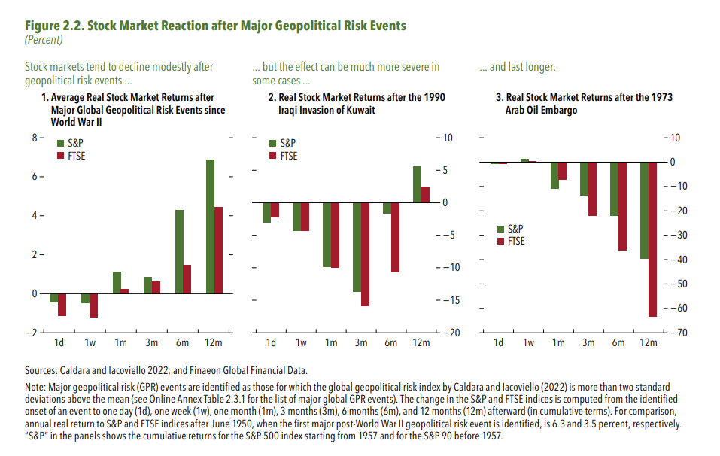
1. Average Real Stock Market Returns after Major Global Geopolitical Risk Events since World War II

 | 1d | 1w | 1m
S&P | -0.43 | -0.49 | 1.12
FTSE | -1.13 | -1.23 | 0.25

2. Real Stock Market Returns after the 1990 Iraqi Invasion of Kuwait

 | 1d | 1w | 1m
S&P | -3.00 | -4.38 | -9.88
FTSE | -2.31 | -4.36 | -10.03

3. Real Stock Market Returns after the 1973 Arab Oil Embargo

 | 1d | 1w | 1m
S&P | -0.77 | 1.25 | -10.90
FTSE | -0.77 | 0.42 | -7.26

Figure 2.3.
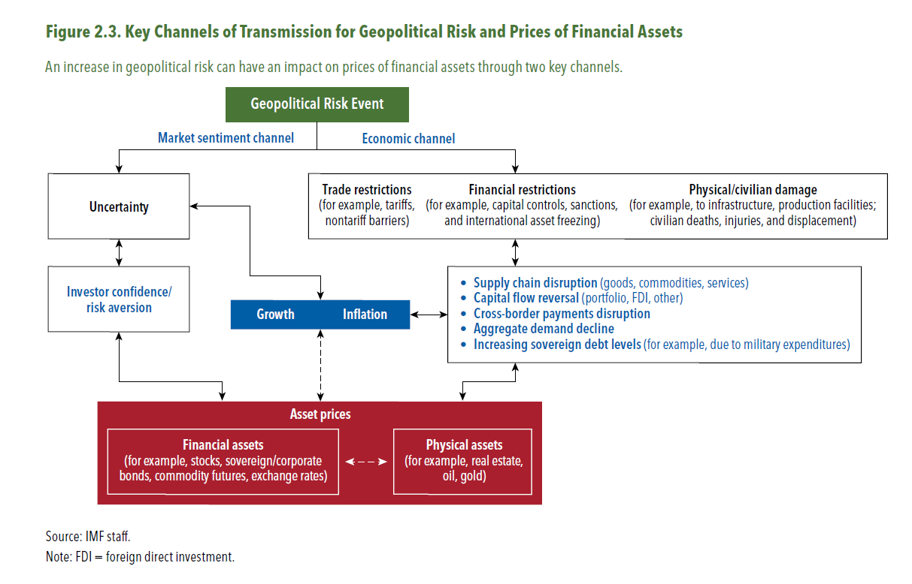
Figure 2.3. Key Channels of Transmission for Geopolitical Risk and Prices of Financial Assets

Figure 2.4.
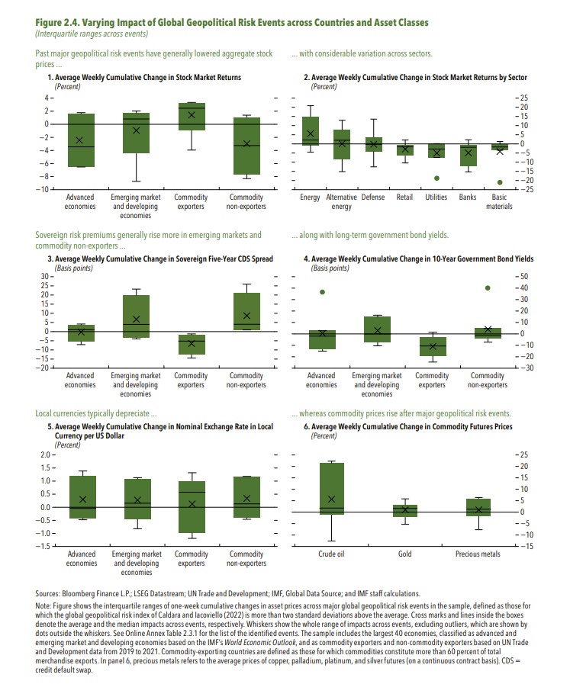
Figure 2.4. Varying Impact of Global Geopolitical Risk Events across Countries and Asset Classes

1. Average Weekly Cumulative Change in Stock Market Returns
(Percent)

1990-08-02 | Advanced economies | -6.48
1991-01-04 | Advanced economies | -3.45
2001-09-11 | Advanced economies | -6.52
2003-03-19 | Advanced economies | 1.79
2014-03-18 | Advanced economies | 0.01
2022-02-24 | Advanced economies | -3.97
2023-10-06 | Advanced economies | 1.61
1990-08-02 | Emerging market and developing economies
1991-01-04 | Emerging market and developing economies
2001-09-11 | Emerging market and developing economies | -8.72
2003-03-19 | Emerging market and developing economies | 0.82
2014-03-18 | Emerging market and developing economies | 1.38
2022-02-24 | Emerging market and developing economies | -0.19
2023-10-06 | Emerging market and developing economies | 2.03
1990-08-02 | Commodity exporters
1991-01-04 | Commodity exporters
2001-09-11 | Commodity exporters | -3.93
2003-03-19 | Commodity exporters | 2.43
2014-03-18 | Commodity exporters | 3.36
2022-02-24 | Commodity exporters | 2.11
2023-10-06 | Commodity exporters | 3.17
1990-08-02 | Commodity non-exporters | -7.64
1991-01-04 | Commodity non-exporters | -3.26
2001-09-11 | Commodity non-exporters | -8.30
2003-03-19 | Commodity non-exporters | 1.05
2014-03-18 | Commodity non-exporters | -0.28
2022-02-24 | Commodity non-exporters | -3.72
2023-10-06 | Commodity non-exporters | 1.40
...

Figure 2.5.
Figure 2.5. Response of Aggregate Stock Prices and Option-Implied Volatility to Geopolitical Risk Shocks
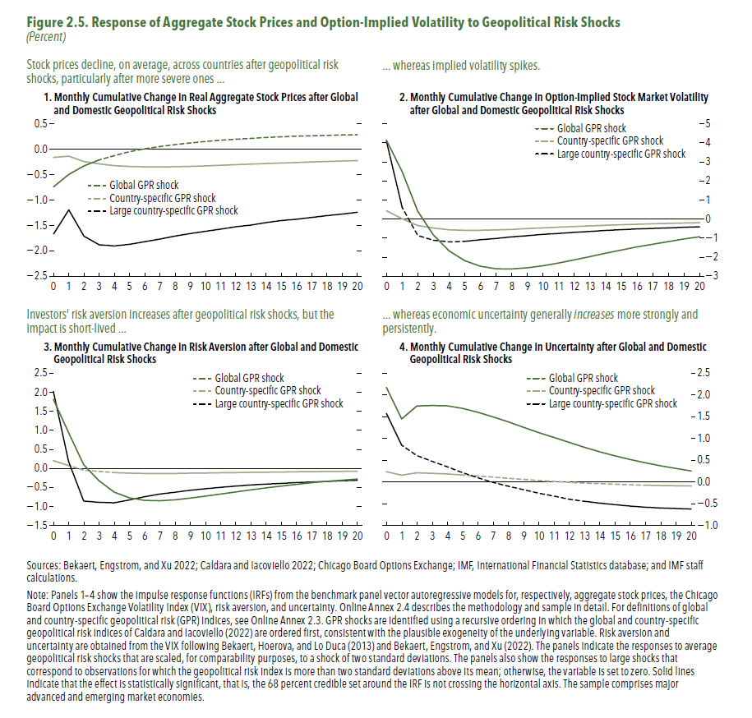
1. Monthly Cumulative Change in Real Aggregate Stock Prices after Global and Domestic Geopolitical Risk Shocks

 | 0 | 1
Global GPR shock | -0.74 | -0.49
Country-specific GPR shock | -0.16 | -0.14
Large country-specific GPR shock | -1.66 | -1.19

2. Monthly Cumulative Change in Option-Implied Stock Market Volatility after Global and Domestic Geopolitical Risk Shocks

 | 0 | 1
Global GPR shock | 4.14 | 2.50
Country-specific GPR shock | 0.44 | 0.02
Large country-specific GPR shock | 4.09 | 0.62

3. Monthly Cumulative Change in Risk Aversion after Global and Domestic Geopolitical Risk Shocks

 | 0 | 1
Global GPR shock | 1.81 | 0.94
Country-specific GPR shock | 0.21 | 0.08
Large country-specific GPR shock | 2.02 | 0.18

4. Monthly Cumulative Change in Uncertainty after Global and Domestic Geopolitical Risk Shocks

 | 0 | 1
Global GPR shock | 2.17 | 1.45
Country-specific GPR shock | 0.24 | 0.16
Large country-specific GPR shock | 1.58 | 0.85

Figure 2.6.
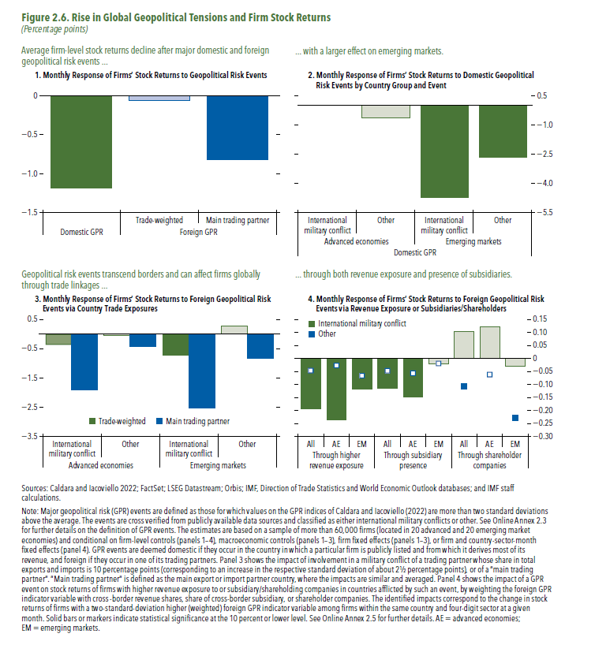
Figure 2.6. Rise in Global Geopolitical Tensions and Firm Stock Returns

1. Monthly Response of Firms’ Stock Returns to Geopolitical Risk Events

Domestic GPR | Foreign GPR
 | Trade-weighted | Main trading partner
-1.19 | -0.06 | -0.82

2. Monthly Response of Firms’ Stock Returns to Domestic Geopolitical Risk Events by Country Group and Event

Domestic GPR
Advanced economies |  | Emerging markets
International military conflict | Other | International military conflict | Other
0.02 | -0.64 | -4.72 | -2.64

3. Monthly Response of Firms’ Stock Returns to Foreign Geopolitical Risk Events via Country Trade Exposures

Foreign GPR
 | Advanced economies |  | Emerging markets
 | International military conflict | Other | International military conflict
Trade-weighted | -0.38 | -0.06 | -0.72
Main Trading Partner | -1.91 | -0.42 | -2.52

4. Monthly Response of Firms’ Stock Returns to Foreign Geopolitical Risk Events via Revenue Exposure or Subsidiaries/Shareholders

 | Through higher revenue exposure
 | All | AE | EM
International military conflict | -0.19 | -0.24 | -0.12
Other | -0.05 | -0.03 | -0.07

Figure 2.7.
Figure 2.7. Direct and Indirect Effects of Russia’s 2022 Invasion of Ukraine
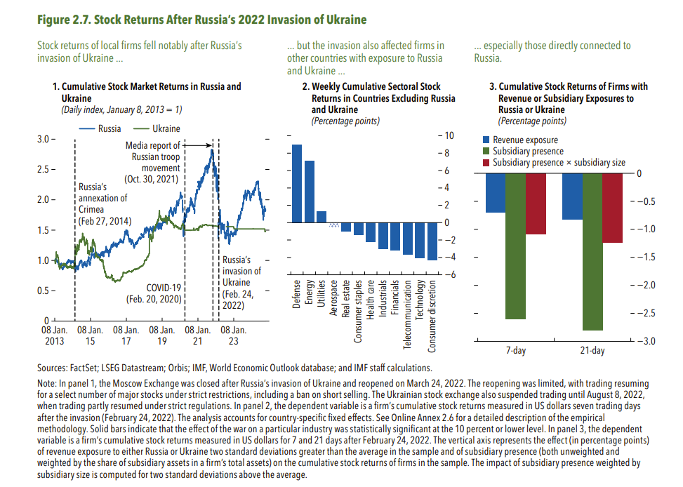
1. Cumulative Stock Market Returns in Russia and Ukraine
(Daily index, January 8, 2013 = 1)
 | Russia | Ukraine
2013-01-08 | 1.000 | 1.000
2013-01-09 | 1.001 | 1.001
2013-01-10 | 0.995 | 1.000
2013-01-11 | 0.997 | 0.990
2013-01-14 | 1.009 | 0.982
2013-01-15 | 1.000 | 0.978
2013-01-16 | 1.000 | 0.966
2013-01-17 | 1.006 | 0.955
2013-01-18 | 1.017 | 0.949
2013-01-21 | 1.015 | 0.959
2013-01-22 | 1.007 | 0.959
2013-01-23 | 1.015 | 0.957
2013-01-24 | 1.013 | 0.954
2013-01-25 | 1.019 | 0.961
2013-01-28 | 1.032 | 0.978
2013-01-29 | 1.023 | 0.990
2013-01-30 | 1.019 | 1.003
2013-01-31 | 1.021 | 1.008
2013-02-01 | 1.021 | 1.019
2013-02-04 | 1.014 | 1.042
2013-02-05 | 1.017 | 1.043
2013-02-06 | 1.010 | 1.133
2013-02-07 | 1.007 | 1.139
2013-02-08 | 1.003 | 1.078
2013-02-11 | 1.001 | 1.079
2013-02-12 | 0.998 | 1.076
2013-02-13 | 1.015 | 1.076
2013-02-14 | 1.003 | 1.062
2013-02-15 | 0.996 | 1.046
...

Figure 2.8.
Figure 2.8. Firms’ Exposure to Russia

1. Revenue and Subsidiary Exposure to Russia
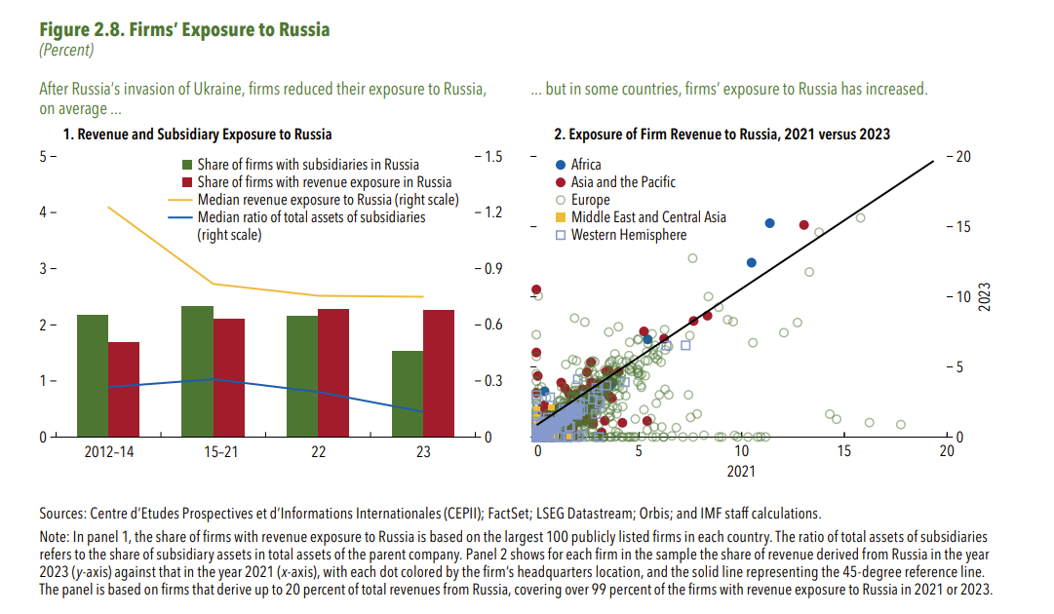
 | Share of firms with subsidiaries in Russia | Share of firms with revenue exposure in Russia | Median revenue exposure to Russia (right scale) | Median ratio of total assets of subsidiaries (right scale)
2012-14 | 2.18 | 1.69 | 1.23 | 0.27
2015-21 | 2.33 | 2.11 | 0.82 | 0.31
2022 | 2.15 | 2.27 | 0.76 | 0.24
2023 | 1.53 | 2.26 | 0.75 | 0.14

2. Exposure of Firm Revenue to Russia, 2021 versus 2023

In this panel, the data are proprietary and cannot be provided due to the copyright agreement.

Figure 2.9.
Figure 1.8. Selected Advanced Economies: Current Deleveraging Episodes (Weighted average)
3. Public Debt
(Percent of GDP)
1. Private Debt
(Percent of GDP)
Sources: Bank for International Settlements; IMF, World Economic Outlook; and IMF staff estimates.
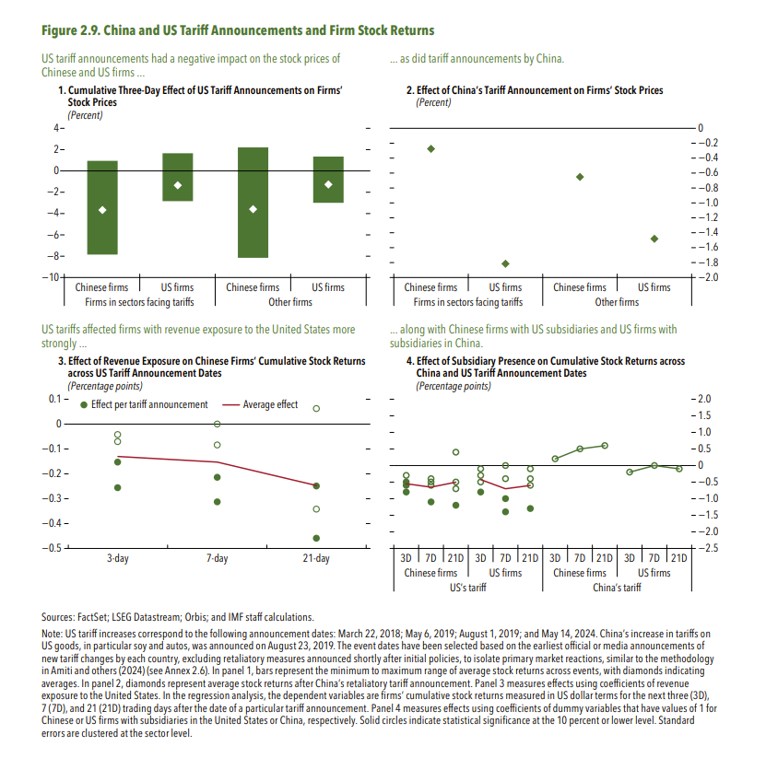
Figure 2.9. China and US Tariff Announcements and Firm Stock Returns

1. Cumulative Three-Day Effect of US Tariff Announcements on Firms’ Stock Prices
(Percent)
 |  | Mean | Max
Firms in sectors facing tariffs | Chinese firms | -3.67 | 0.90
 | US firms | -1.35 | 1.65
Other firms | Chinese firms | -3.58 | 2.21
 | US firms | -1.28 | 1.34

2. Effect of China’s Tariff Announcement on Firms’ Stock Prices
(Percent)
 |  |  | Mean
Firms in sectors facing tariffs | Chinese firms |  | -0.28
 | US firms |  | -1.82
Other firms | Chinese firms |  | -0.65
 | US firms |  | -1.48

3. Effect of Revenue Exposure on Chinese Firms’ Cumulative Stock Returns across US Tariff Announcement Dates
(Percentage points)

 | 3-day | 7-day | 21-day
Mar. 22, 2018 | -0.26 | -0.31 | -0.34
May.6, 2019 | -0.04 | 0.00 | -0.25
Aug. 1, 2019 | -0.15 | -0.08 | 0.06
May. 14, 2024 | -0.07 | -0.21 | -0.46
Average effect | -0.13 | -0.15 | -0.25

4. Effect of Subsidiary Presence on Cumulative Stock Returns across China and US Tariff Announcement Dates
(Percentage points)

 | US's tariff
 | Chinese firms
 | 3D | 7D | 21D
1 | -0.6 | -1.1 | -0.7
3 | -0.8 | -0.5 | -0.5
...

Figure 2.10.
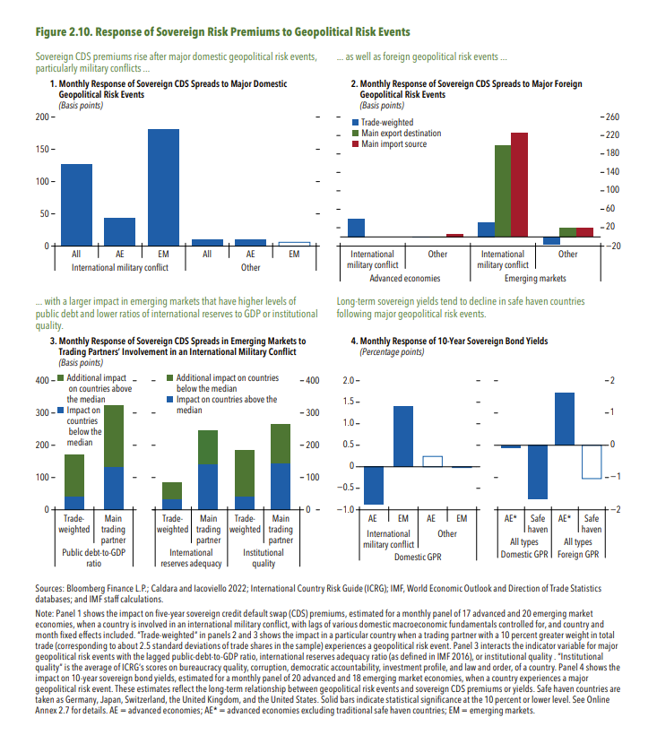
Figure 1.8. Selected Advanced Economies: Current Deleveraging Episodes (Weighted average)
3. Public Debt
(Percent of GDP)
1. Private Debt
(Percent of GDP)
Sources: Bank for International Settlements; IMF, World Economic Outlook; and IMF staff estimates.
Figure 2.10. Response of Sovereign Risk Premiums to Geopolitical Risk Events

1. Monthly Response of Sovereign CDS Spreads to Major Domestic Geopolitical Risk Events
(Basis points)

International military conflict | All | 126.6
 | AE | 44.0
 | EM | 181.7
Other | All | 11.1
 | AE | 11.0
 | EM | 6.0

3. Monthly Response of Sovereign CDS Spreads in Emerging Markets to Trading Partners’ Involvement in an International Military Conflict
(Basis points)

 | Public debt-to-GDP ratio
 | Trade weighted | Main trading partner
Impact on countries below the median | 40.4 | 131.9
Additional impact on countries above the median | 130.6 | 192.7

 | International reserves adequacy |  | Institutional quality
 | Trade weighted | Main trading partner | Trade weighted
Impact on countries below the median | 33.8 | 142.0 | 41.8
Additional impact on countries above the median | 51.5 | 103.4 | 141.9

4. Monthly Response of 10-Year Sovereign Bond Yields
(Percentage points)

Domestic GPR | International military conflict | AE | -0.9
 |  | EM | 1.4
 | Other | AE | 0.2
 |  | EM | 0.0

Domestic GPR | All types | AE* | -0.1
...

Figure 2.11.
Figure 1.8. Selected Advanced Economies: Current Deleveraging Episodes (Weighted average)
3. Public Debt
(Percent of GDP)
1. Private Debt
(Percent of GDP)
Sources: Bank for International Settlements; IMF, World Economic Outlook; and IMF staff estimates.
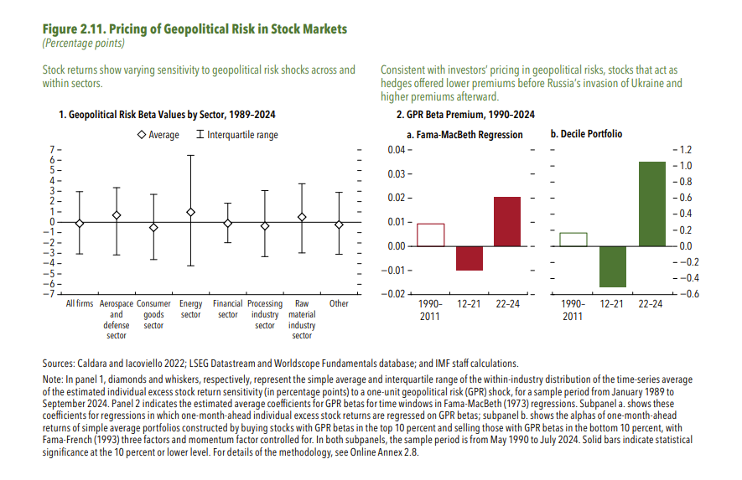
Figure 2.11. Pricing of Geopolitical Risk in Stock Markets

1. Geopolitical Risk Beta Values by Sector, 1989–2024

 | Average | Interquartile range
All firms | -0.12 | 3.08 | 2.94
Aerospace and defense sector | 0.68 | 2.67 | 3.84
Consumer goods sector | -0.52 | 3.22 | 3.09
Energy sector | 0.98 | 5.50 | 5.19
Financial sector | -0.10 | 1.94 | 1.87
Processing industry sector | -0.36 | 3.43 | 2.96
Raw material industry sector | 0.50 | 3.23 | 3.46
Other | -0.23 | 3.12 | 2.87

2. GPR Beta Premium, 1990–2024

 | Fama-Macbeth | Decile portfolio
1990-2011 | 0.01 | 0.17
2012-21 | -0.01 | -0.50
2022-24 | 0.02 | 1.05

Figure 2.12.
Figure 1.8. Selected Advanced Economies: Current Deleveraging Episodes (Weighted average)
3. Public Debt
(Percent of GDP)
1. Private Debt
(Percent of GDP)
Sources: Bank for International Settlements; IMF, World Economic Outlook; and IMF staff estimates.
Figure 2.12. Pricing of Geopolitical Risk in Options Markets around Russia’s 2022 Invasion of Ukraine
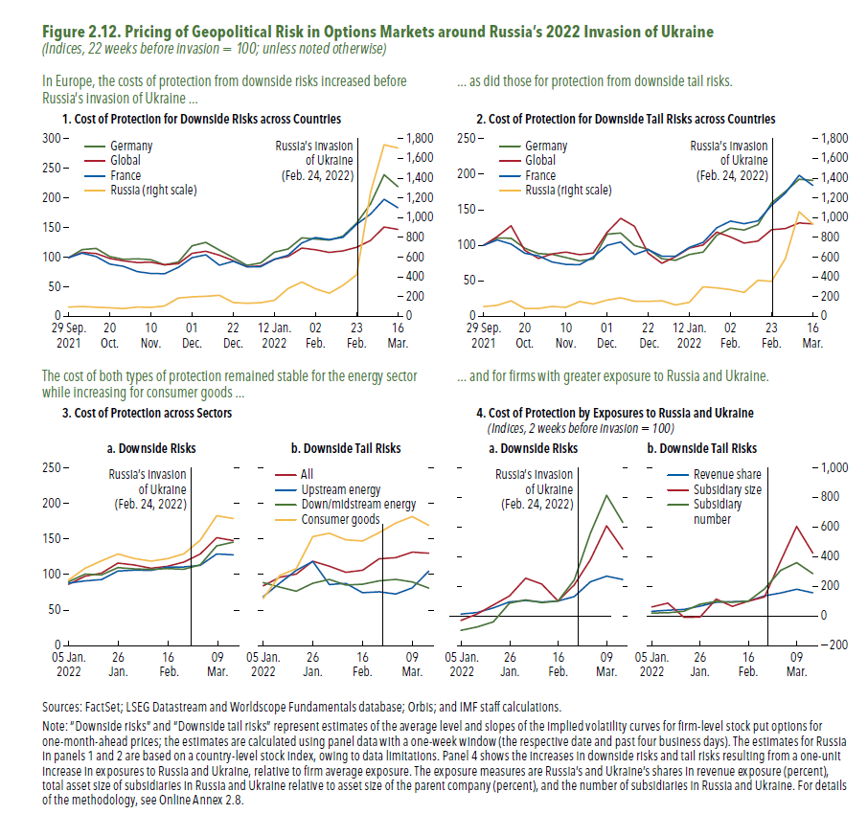
1. Cost of Protection for Downside Risks across Countries
 | France | Germany | Russia (right scale)
2021-09-29 | 100.0 | 100.0 | 100.0
2021-10-06 | 110.1 | 113.8 | 105.4
2021-10-13 | 110.8 | 115.7 | 99.0
2021-10-20 | 100.3 | 101.8 | 92.7
2021-10-27 | 89.1 | 97.0 | 84.4
2021-11-03 | 81.2 | 98.1 | 99.3
2021-11-10 | 78.5 | 96.5 | 95.3
2021-11-17 | 76.8 | 88.0 | 111.7
2021-11-24 | 87.8 | 92.8 | 191.7
2021-12-01 | 124.7 | 120.0 | 202.6
2021-12-08 | 128.5 | 125.8 | 207.9
2021-12-15 | 116.2 | 112.7 | 218.4
2021-12-22 | 102.2 | 100.1 | 146.6
2021-12-29 | 88.8 | 87.0 | 138.0
2022-01-05 | 88.0 | 91.2 | 144.7
2022-01-12 | 104.7 | 109.3 | 169.6
2022-01-19 | 108.0 | 114.6 | 287.7
2022-01-26 | 126.4 | 133.5 | 354.2
2022-02-02 | 127.7 | 131.6 | 285.4
2022-02-09 | 121.7 | 129.7 | 239.3
2022-02-16 | 126.9 | 136.2 | 320.1
2022-02-23 | 141.3 | 158.2 | 427.1
2022-03-02 | 170.5 | 190.7 | 1258.0
2022-03-09 | 220.2 | 240.0 | 1743.5
2022-03-16 | 208.5 | 220.0 | 1711.5

3. Cost of Protection across Sectors
a. Downside Risks
...
 | Consumer goods | Down/midstream energy | Upstream energy
2022-01-05 | 92.3 | 89.9 | 87.8
2022-01-12 | 108.8 | 100.5 | 91.0
2022-01-19 | 119.2 | 99.5 | 92.9
2022-01-26 | 128.9 | 109.7 | 104.9
2022-02-02 | 122.5 | 107.9 | 106.0
2022-02-09 | 118.8 | 107.1 | 105.9
...

Figure 2.13
Figure 1.8. Selected Advanced Economies: Current Deleveraging Episodes (Weighted average)
3. Public Debt
(Percent of GDP)
1. Private Debt
(Percent of GDP)
Sources: Bank for International Settlements; IMF, World Economic Outlook; and IMF staff estimates.
Figure 2.13. Pricing of Geopolitical Risk in Options Markets amid China–US Trade Tensions
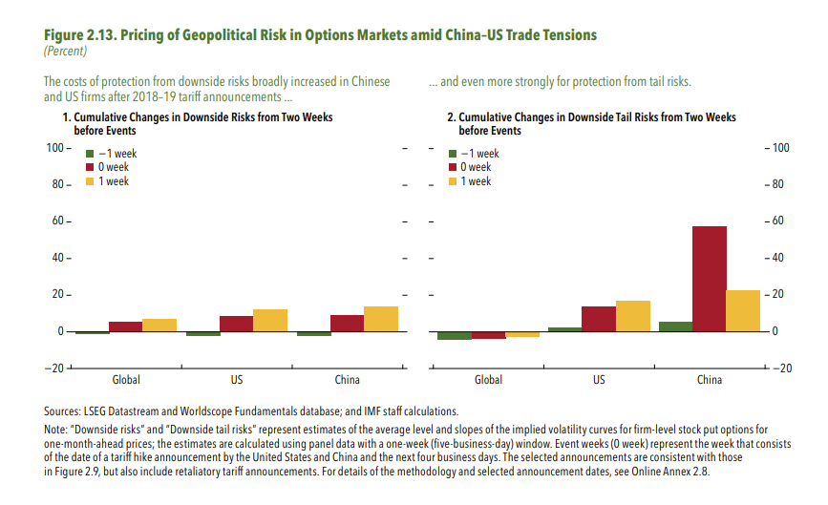
1. Cumulative Changes in Downside Risks from Two Weeks before Events

 | Global | US | China
-2 week | 0.00 | 0.00 | 0.00
-1 week | -1.18 | -2.28 | -2.42
0 week | 5.61 | 8.54 | 8.98
1 week | 7.13 | 12.20 | 13.89

Figure 2.14
Figure 1.8. Selected Advanced Economies: Current Deleveraging Episodes (Weighted average)
3. Public Debt
(Percent of GDP)
1. Private Debt
(Percent of GDP)
Sources: Bank for International Settlements; IMF, World Economic Outlook; and IMF staff estimates.
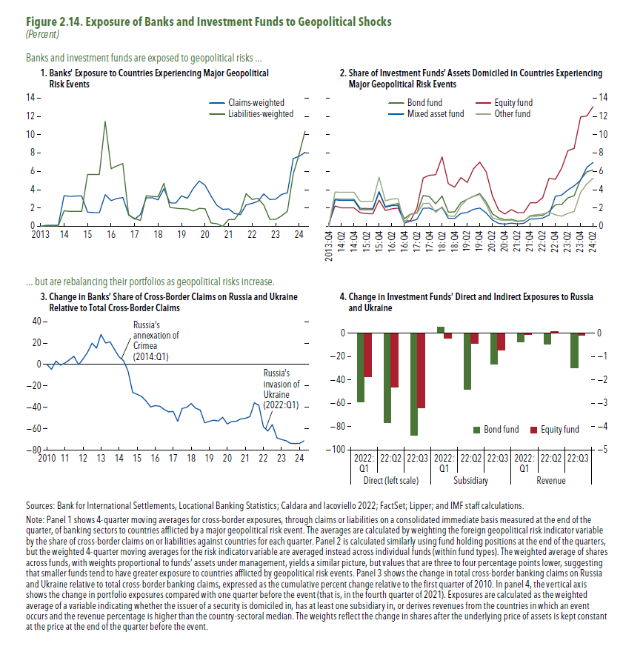
Figure 2.14. Exposure of Banks and Investment Funds to Geopolitical Shocks

1. Banks’ Exposure to Countries Experiencing Major Geopolitical Risk Events
 | Claims weighted | Liabilities weighted
2013:Q1 | 0.00 | 0.00
2013:Q2 | 0.13 | 0.06
2013:Q3 | 0.13 | 0.06
2013:Q4 | 0.13 | 0.06
2014:Q1 | 3.34 | 1.70
2014:Q2 | 3.26 | 1.64
2014:Q3 | 3.30 | 1.64
2014:Q4 | 3.30 | 1.64
2015:Q1 | 1.55 | 5.67
2015:Q2 | 1.51 | 5.67
2015:Q3 | 1.48 | 5.67
2015:Q4 | 3.46 | 11.46
2016:Q1 | 2.82 | 6.28
2016:Q2 | 3.04 | 6.60
2016:Q3 | 3.14 | 6.85
2016:Q4 | 1.28 | 1.23
2017:Q1 | 0.78 | 0.87
2017:Q2 | 1.29 | 0.65
2017:Q3 | 3.11 | 3.34
2017:Q4 | 3.11 | 3.26
2018:Q1 | 2.90 | 3.22
2018:Q2 | 4.12 | 4.70
2018:Q3 | 2.56 | 2.06
2018:Q4 | 2.54 | 1.97
2019:Q1 | 3.34 | 1.92
2019:Q2 | 3.07 | 1.89
2019:Q3 | 4.15 | 1.67
2019:Q4 | 4.94 | 1.96
2020:Q1 | 4.49 | 1.93
2020:Q2 | 3.31 | 0.38
2020:Q3 | 2.30 | 0.29
2020:Q4 | 1.86 | 0.00
2021:Q1 | 1.89 | 0.75
2021:Q2 | 1.40 | 0.75
2021:Q3 | 1.27 | 1.60
2021:Q4 | 2.35 | 3.57
...

Figure 2.15
Figure 2.15. Impact of Major Geopolitical Risk Events on Bank Capital and Lending
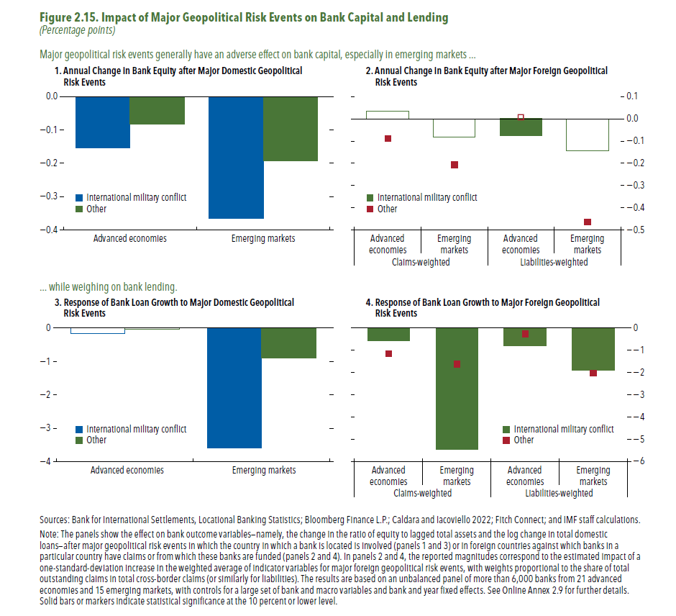
1. Annual Change in Bank Equity after Major Domestic Geopolitical Risk Events

 | Advanced economies | Emerging markets
International military conflict | -0.15 | -0.37
Other | -0.08 | -0.19

2. Annual Change in Bank Equity after Major Foreign Geopolitical Risk Events

 | Claims weighted |  | Liabilities weighted
 | Advanced economies | Emerging markets | Advanced economies
International military conflict | 0.04 | -0.08 | -0.08
Other | -0.09 | -0.21 | 0.01

3. Response of Bank Loan Growth to Major Domestic Geopolitical Risk Events

 | Advanced economies | Emerging markets
International military conflict | -0.16 | -3.60
Other | -0.03 | -0.91

4. Response of Bank Loan Growth to Major Foreign Geopolitical Risk Events

 | Claims weighted |  | Liabilities weighted
 | Advanced economies | Emerging markets | Advanced economies
International military conflict | -0.56 | -5.44 | -0.80
Other | -1.15 | -1.61 | -0.26

Figure 2.16
Figure 2.16. Impact of Exposure to Foreign Geopolitical Risk on Investment Funds
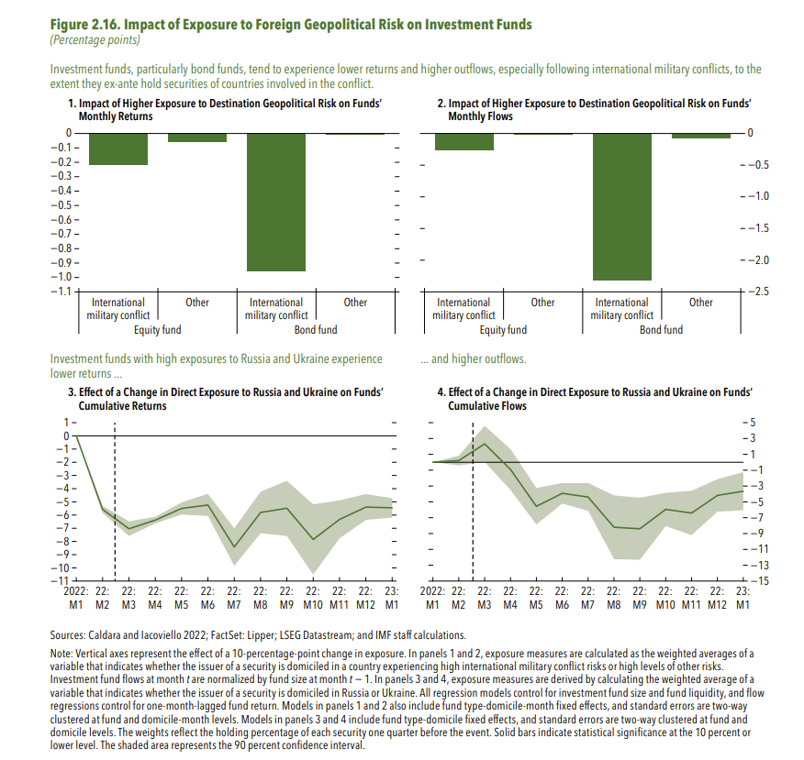
1. Impact of Higher Exposure to Destination Geopolitical Risk on Funds’ Monthly Returns

Equity fund | International military conflict | -0.022
 | Other | -0.006
Bond fund | International military conflict | -0.096
 | Other | -0.001

2. Impact of Higher Exposure to Destination Geopolitical Risk on Funds’ Monthly Flows

Equity fund | International military conflict | -0.027
 | Other | -0.002
Bond fund | International military conflict | -0.232
 | Other | -0.007

3. Effect of a Change in Direct Exposure to Russia and Ukraine on Funds’ Cumulative Returns
 |  | 90% lower confidence interval | 90% higher confidence interval
2022:M1 | 2.00 | 2.00 | 2.00
2022:M2 | 1.44 | 1.42 | 1.47
2022:M3 | 1.30 | 1.24 | 1.35
2022:M4 | 1.36 | 1.34 | 1.39
2022:M5 | 1.45 | 1.40 | 1.50
2022:M6 | 1.48 | 1.39 | 1.56
2022:M7 | 1.16 | 1.02 | 1.30
2022:M8 | 1.42 | 1.26 | 1.58
2022:M9 | 1.45 | 1.24 | 1.66
2022:M10 | 1.22 | 0.95 | 1.48
2022:M11 | 1.37 | 1.22 | 1.51
2022:M12 | 1.46 | 1.36 | 1.56
2023:M1 | 1.45 | 1.38 | 1.53

4. Effect of a Change in Direct Exposure to Russia and Ukraine on Funds’ Cumulative Flows

 |  | 90% lower confidence interval | 90% higher confidence interval
2022:M1 | 2.00 | 2.00 | 2.00
2022:M2 | 2.02 | 1.96 | 2.08
2022:M3 | 2.23 | 2.00 | 2.46
2022:M4 | 1.91 | 1.65 | 2.17
...

Figure 2.1.1
Figure 2.1.1. Global Geopolitical Risk and Downside Risk to Stock Market Returns
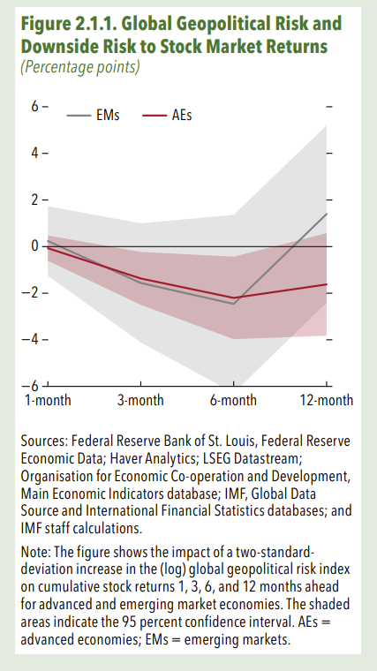
 | AEs | EMs
1-month | -0.07 | 0.24
3-month | -1.36 | -1.56
6-month | -2.20 | -2.46
12-month | -1.62 | 1.40

