Figure 2.1.
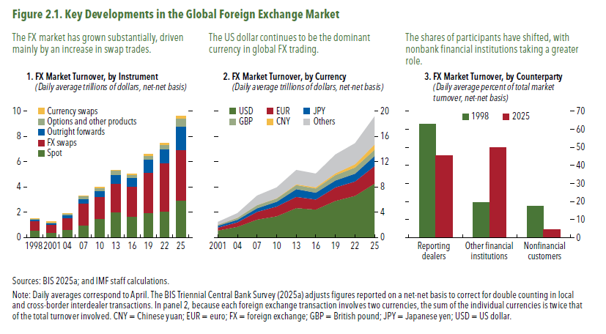
Figure 2.1. Key Developments in the Global Foreign Exchange Market

1. FX Market Turnover, by Instrument
(Daily average trillions of dollars, net-net basis)
 | Spot | FX swaps | Outright forwards | Options and other products | Currency swaps
1998 | 0.57 | 0.73 | 0.13 | 0.09 | 0.01
2001 | 0.39 | 0.66 | 0.13 | 0.06 | 0.01
04 | 0.63 | 0.95 | 0.21 | 0.12 | 0.02
07 | 1.00 | 1.71 | 0.36 | 0.21 | 0.03
10 | 1.49 | 1.76 | 0.47 | 0.21 | 0.04
13 | 2.05 | 2.24 | 0.68 | 0.34 | 0.05
16 | 1.65 | 2.38 | 0.70 | 0.25 | 0.08
19 | 1.98 | 3.20 | 1.00 | 0.30 | 0.11
22 | 2.09 | 3.80 | 1.16 | 0.30 | 0.12
25 | 2.96 | 3.99 | 1.85 | 0.63 | 0.17

2. FX Market Turnover, by Currency
(Daily average trillions of dollars, net-net basis)
 | USD | EUR | JPY | GBP | CNY | Others
2001 | 1.11 | 0.47 | 0.29 | 0.16 | 0.00 | 0.44
04 | 1.70 | 0.72 | 0.40 | 0.32 | 0.00 | 0.72
07 | 2.85 | 1.23 | 0.57 | 0.49 | 0.02 | 1.49
10 | 3.37 | 1.55 | 0.75 | 0.51 | 0.03 | 1.72
13 | 4.66 | 1.79 | 1.23 | 0.63 | 0.12 | 2.27
16 | 4.44 | 1.59 | 1.10 | 0.65 | 0.20 | 2.16
19 | 5.81 | 2.13 | 1.11 | 0.84 | 0.29 | 2.99
22 | 6.60 | 2.29 | 1.25 | 0.97 | 0.52 | 3.31
25 | 8.56 | 2.77 | 1.61 | 0.98 | 0.82 | 4.45

3. FX Market Turnover, by Counterparty
(Daily average percent of total market turnover, net-net basis)
 | Reporting dealers | Other financial institutions | Nonfinancial customers
1998 | 63.0 | 19.59 | 17.41
2025 | 45.6 | 49.82 | 4.62

Figure 2.2.
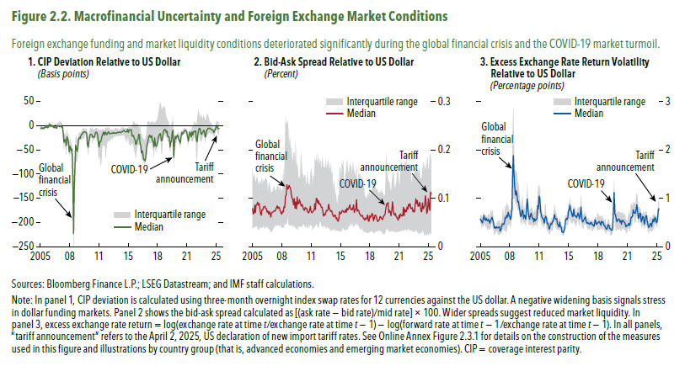
Figure 2.2. Macrofinancial Uncertainty and Foreign Exchange Market Conditions

1. CIP Deviation Relative to US Dollar |  |  |  | 2. Bid-Ask Spread Relative to US Dollar |  |  |  | 3. Excess Exchange Rate Return Volatility Relative to US Dollar
(Basis points) |  |  |  | (Percent) |  |  |  | (Percentage points)
monthly | median | p25 | p75 | monthly | median | p25 | p75 | monthly | median | p25 | p75
2005m1 | -5.50 | -10.06 | -1.66 | 2005m1 | 0.079 | 0.038 | 0.161 | 2005m1
2005m2 | -4.42 | -8.02 | -0.53 | 2005m2 | 0.068 | 0.038 | 0.139 | 2005m2 | 0.57 | 0.48 | 0.64
2005m3 | -6.14 | -7.86 | -2.96 | 2005m3 | 0.069 | 0.042 | 0.149 | 2005m3 | 0.55 | 0.47 | 0.66
2005m4 | -4.35 | -6.32 | -2.80 | 2005m4 | 0.085 | 0.039 | 0.144 | 2005m4 | 0.51 | 0.40 | 0.62
2005m5 | -6.03 | -6.22 | -1.06 | 2005m5 | 0.070 | 0.042 | 0.132 | 2005m5 | 0.49 | 0.42 | 0.58
2005m6 | -4.90 | -6.73 | 0.97 | 2005m6 | 0.086 | 0.041 | 0.137 | 2005m6 | 0.56 | 0.42 | 0.70
2005m7 | -3.05 | -6.77 | 0.21 | 2005m7 | 0.087 | 0.043 | 0.145 | 2005m7 | 0.64 | 0.43 | 0.70
2005m8 | -2.98 | -4.40 | -0.89 | 2005m8 | 0.092 | 0.038 | 0.142 | 2005m8 | 0.58 | 0.52 | 0.66
2005m9 | 0.13 | -0.81 | 4.52 | 2005m9 | 0.085 | 0.034 | 0.132 | 2005m9 | 0.54 | 0.43 | 0.65
2005m10 | -4.07 | -5.20 | 1.50 | 2005m10 | 0.089 | 0.036 | 0.127 | 2005m10 | 0.59 | 0.40 | 0.65
2005m11 | -3.82 | -7.34 | -0.56 | 2005m11 | 0.079 | 0.043 | 0.137 | 2005m11 | 0.54 | 0.40 | 0.60
2005m12 | -2.05 | -3.13 | 5.32 | 2005m12 | 0.069 | 0.037 | 0.127 | 2005m12 | 0.53 | 0.34 | 0.62
2006m1 | 2.08 | -3.64 | 7.55 | 2006m1 | 0.065 | 0.041 | 0.135 | 2006m1 | 0.56 | 0.37 | 0.69
2006m2 | 2.33 | -0.57 | 5.43 | 2006m2 | 0.076 | 0.039 | 0.144 | 2006m2 | 0.53 | 0.36 | 0.65
2006m3 | -1.75 | -5.36 | 3.12 | 2006m3 | 0.075 | 0.041 | 0.127 | 2006m3 | 0.48 | 0.37 | 0.60
2006m4 | 0.24 | -0.57 | 3.83 | 2006m4 | 0.082 | 0.044 | 0.139 | 2006m4 | 0.54 | 0.36 | 0.76
2006m5 | -0.92 | -3.16 | -0.66 | 2006m5 | 0.082 | 0.039 | 0.132 | 2006m5 | 0.57 | 0.46 | 0.70
2006m6 | -0.87 | -4.67 | 2.80 | 2006m6 | 0.084 | 0.040 | 0.138 | 2006m6 | 0.61 | 0.51 | 0.75
2006m7 | -3.91 | -5.63 | -0.08 | 2006m7 | 0.078 | 0.037 | 0.144 | 2006m7 | 0.55 | 0.40 | 0.75
2006m8 | -2.93 | -5.06 | 2.56 | 2006m8 | 0.078 | 0.042 | 0.139 | 2006m8 | 0.49 | 0.34 | 0.57
2006m9 | -2.17 | -4.24 | 4.75 | 2006m9 | 0.071 | 0.041 | 0.136 | 2006m9 | 0.39 | 0.24 | 0.48
2006m10 | -4.90 | -5.63 | 2.07 | 2006m10 | 0.073 | 0.040 | 0.109 | 2006m10 | 0.40 | 0.26 | 0.46
2006m11 | -5.09 | -6.47 | 2.41 | 2006m11 | 0.067 | 0.035 | 0.128 | 2006m11 | 0.38 | 0.30 | 0.43
2006m12 | -0.49 | -2.53 | 5.67 | 2006m12 | 0.073 | 0.039 | 0.133 | 2006m12 | 0.41 | 0.32 | 0.46
2007m1 | -0.35 | -1.69 | 5.83 | 2007m1 | 0.068 | 0.032 | 0.124 | 2007m1 | 0.38 | 0.32 | 0.53
2007m2 | -0.72 | -3.43 | 6.65 | 2007m2 | 0.061 | 0.031 | 0.111 | 2007m2 | 0.39 | 0.24 | 0.51
2007m3 | -1.66 | -5.96 | 9.93 | 2007m3 | 0.070 | 0.030 | 0.112 | 2007m3 | 0.40 | 0.27 | 0.54
2007m4 | -0.48 | -1.66 | 9.18 | 2007m4 | 0.071 | 0.033 | 0.114 | 2007m4 | 0.41 | 0.22 | 0.55
2007m5 | -2.50 | -6.08 | 6.54 | 2007m5 | 0.072 | 0.036 | 0.116 | 2007m5 | 0.32 | 0.27 | 0.50
2007m6 | -1.96 | -4.85 | 4.71 | 2007m6 | 0.073 | 0.039 | 0.126 | 2007m6 | 0.35 | 0.27 | 0.47
2007m7 | -3.75 | -6.61 | 2.68 | 2007m7 | 0.074 | 0.042 | 0.121 | 2007m7 | 0.41 | 0.28 | 0.51
2007m8 | -16.74 | -25.08 | -10.79 | 2007m8 | 0.073 | 0.041 | 0.115 | 2007m8 | 0.47 | 0.34 | 0.66
2007m9 | -34.21 | -50.37 | -20.28 | 2007m9 | 0.077 | 0.046 | 0.115 | 2007m9 | 0.47 | 0.40 | 0.81
2007m10 | -28.19 | -36.78 | -14.53 | 2007m10 | 0.082 | 0.043 | 0.123 | 2007m10 | 0.45 | 0.36 | 0.63
2007m11 | -31.30 | -45.68 | -18.46 | 2007m11 | 0.084 | 0.043 | 0.122 | 2007m11 | 0.51 | 0.32 | 0.66
2007m12 | -41.26 | -62.22 | -27.30 | 2007m12 | 0.079 | 0.046 | 0.130 | 2007m12 | 0.60 | 0.35 | 0.86
2008m1 | -22.66 | -33.14 | -7.29 | 2008m1 | 0.081 | 0.043 | 0.117 | 2008m1 | 0.58 | 0.30 | 0.79
2008m2 | -27.28 | -37.21 | -19.40 | 2008m2 | 0.079 | 0.042 | 0.119 | 2008m2 | 0.65 | 0.29 | 0.91
2008m3 | -31.88 | -41.95 | -17.14 | 2008m3 | 0.073 | 0.046 | 0.123 | 2008m3 | 0.61 | 0.43 | 0.85
2008m4 | -54.19 | -63.16 | -35.44 | 2008m4 | 0.069 | 0.040 | 0.116 | 2008m4 | 0.71 | 0.44 | 0.86
2008m5 | -42.50 | -54.93 | -25.34 | 2008m5 | 0.067 | 0.039 | 0.117 | 2008m5 | 0.65 | 0.46 | 0.76
2008m6 | -45.37 | -57.42 | -30.30 | 2008m6 | 0.073 | 0.040 | 0.115 | 2008m6 | 0.63 | 0.49 | 0.74
2008m7 | -51.86 | -60.46 | -38.70 | 2008m7 | 0.071 | 0.039 | 0.160 | 2008m7 | 0.56 | 0.37 | 0.77
2008m8 | -48.28 | -63.11 | -39.82 | 2008m8 | 0.083 | 0.042 | 0.127 | 2008m8 | 0.62 | 0.49 | 0.78
2008m9 | -109.16 | -146.30 | -73.18 | 2008m9 | 0.080 | 0.046 | 0.184 | 2008m9 | 0.77 | 0.65 | 1.16
2008m10 | -222.85 | -277.06 | -168.89 | 2008m10 | 0.104 | 0.049 | 0.270 | 2008m10 | 1.47 | 1.06 | 2.33
2008m11 | -125.16 | -176.77 | -114.91 | 2008m11 | 0.107 | 0.045 | 0.251 | 2008m11 | 1.88 | 0.98 | 2.89
2008m12 | -84.36 | -143.77 | -69.54 | 2008m12 | 0.128 | 0.048 | 0.255 | 2008m12 | 1.45 | 1.00 | 2.03
2009m1 | -40.36 | -69.73 | -24.30 | 2009m1 | 0.119 | 0.066 | 0.260 | 2009m1 | 1.22 | 0.98 | 1.55
2009m2 | -48.09 | -74.70 | -20.99 | 2009m2 | 0.120 | 0.047 | 0.242 | 2009m2 | 1.06 | 0.87 | 1.58
2009m3 | -53.46 | -75.11 | -29.78 | 2009m3 | 0.127 | 0.045 | 0.210 | 2009m3 | 1.15 | 0.93 | 1.53
2009m4 | -41.93 | -52.70 | -26.90 | 2009m4 | 0.123 | 0.043 | 0.228 | 2009m4 | 1.06 | 0.80 | 1.54
2009m5 | -28.74 | -37.48 | -18.03 | 2009m5 | 0.120 | 0.045 | 0.206 | 2009m5 | 0.92 | 0.75 | 1.33
2009m6 | -24.78 | -29.10 | -12.76 | 2009m6 | 0.108 | 0.044 | 0.203 | 2009m6 | 0.93 | 0.81 | 1.28
2009m7 | -26.26 | -29.49 | -15.34 | 2009m7 | 0.100 | 0.044 | 0.183 | 2009m7 | 0.81 | 0.66 | 1.13
2009m8 | -20.80 | -27.64 | -14.32 | 2009m8 | 0.097 | 0.042 | 0.173 | 2009m8 | 0.72 | 0.62 | 0.95
2009m9 | -17.84 | -32.09 | -12.25 | 2009m9 | 0.087 | 0.045 | 0.195 | 2009m9 | 0.62 | 0.51 | 0.84
2009m10 | -16.70 | -24.56 | -8.35 | 2009m10 | 0.099 | 0.040 | 0.196 | 2009m10 | 0.63 | 0.43 | 0.85
2009m11 | -13.39 | -26.08 | -5.19 | 2009m11 | 0.079 | 0.042 | 0.166 | 2009m11 | 0.76 | 0.54 | 1.05
2009m12 | -13.89 | -28.12 | -6.19 | 2009m12 | 0.092 | 0.039 | 0.219 | 2009m12 | 0.73 | 0.56 | 0.92
2010m1 | -12.85 | -22.49 | -7.62 | 2010m1 | 0.078 | 0.036 | 0.161 | 2010m1 | 0.58 | 0.48 | 0.74
2010m2 | -12.95 | -19.03 | -5.81 | 2010m2 | 0.103 | 0.041 | 0.174 | 2010m2 | 0.65 | 0.50 | 0.85
2010m3 | -14.22 | -18.35 | -5.68 | 2010m3 | 0.088 | 0.035 | 0.163 | 2010m3 | 0.63 | 0.47 | 0.71
2010m4 | -15.54 | -20.95 | -8.34 | 2010m4 | 0.089 | 0.042 | 0.140 | 2010m4 | 0.56 | 0.42 | 0.61
2010m5 | -38.85 | -44.40 | -16.37 | 2010m5 | 0.097 | 0.042 | 0.144 | 2010m5 | 0.84 | 0.65 | 1.03
2010m6 | -44.49 | -61.13 | -20.42 | 2010m6 | 0.093 | 0.041 | 0.143 | 2010m6 | 0.98 | 0.77 | 1.32
2010m7 | -32.19 | -40.47 | -16.41 | 2010m7 | 0.085 | 0.044 | 0.194 | 2010m7 | 0.73 | 0.51 | 0.91
2010m8 | -24.03 | -30.60 | -9.27 | 2010m8 | 0.084 | 0.040 | 0.179 | 2010m8 | 0.63 | 0.44 | 0.81
2010m9 | -17.71 | -28.10 | -6.15 | 2010m9 | 0.087 | 0.043 | 0.152 | 2010m9 | 0.57 | 0.47 | 0.74
2010m10 | -17.87 | -24.57 | -4.87 | 2010m10 | 0.080 | 0.046 | 0.149 | 2010m10 | 0.63 | 0.43 | 0.77
2010m11 | -18.76 | -26.43 | -2.83 | 2010m11 | 0.077 | 0.048 | 0.141 | 2010m11 | 0.69 | 0.45 | 0.81
2010m12 | -23.51 | -38.03 | -8.17 | 2010m12 | 0.075 | 0.044 | 0.149 | 2010m12 | 0.65 | 0.48 | 0.82
2011m1 | -23.04 | -26.49 | -8.29 | 2011m1 | 0.081 | 0.040 | 0.146 | 2011m1 | 0.58 | 0.39 | 0.75
2011m2 | -24.26 | -29.73 | -8.81 | 2011m2 | 0.078 | 0.043 | 0.130 | 2011m2 | 0.59 | 0.44 | 0.73
2011m3 | -20.54 | -29.35 | -6.73 | 2011m3 | 0.079 | 0.041 | 0.126 | 2011m3 | 0.51 | 0.44 | 0.68
2011m4 | -15.44 | -23.51 | -5.85 | 2011m4 | 0.073 | 0.040 | 0.157 | 2011m4 | 0.58 | 0.44 | 0.75
2011m5 | -13.20 | -24.30 | -4.34 | 2011m5 | 0.070 | 0.037 | 0.132 | 2011m5 | 0.54 | 0.44 | 0.72
2011m6 | -15.12 | -34.90 | -4.74 | 2011m6 | 0.070 | 0.046 | 0.131 | 2011m6 | 0.56 | 0.49 | 0.79
2011m7 | -20.09 | -25.26 | -6.82 | 2011m7 | 0.076 | 0.041 | 0.123 | 2011m7 | 0.58 | 0.40 | 0.79
2011m8 | -35.10 | -61.06 | -8.60 | 2011m8 | 0.083 | 0.046 | 0.149 | 2011m8 | 0.85 | 0.50 | 1.07
...

Figure 2.3.
Figure 2.3. Shock Transmission to Foreign Exchange Market Conditions and Macrofinancial Feedback Effects
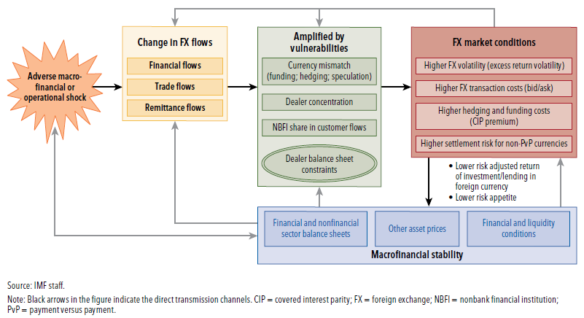

Figure 2.4.
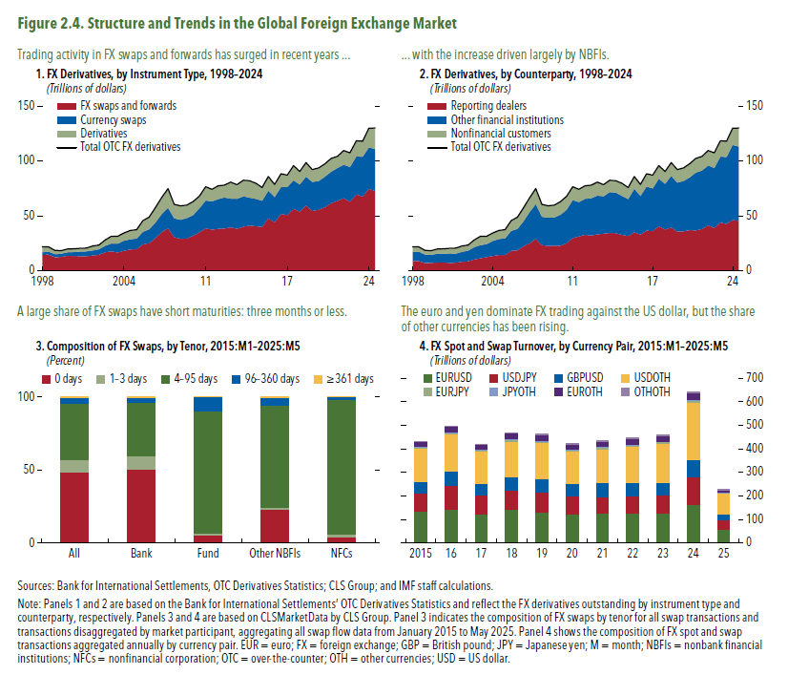
Figure 2.4. Structure and Trends in the Global Foreign Exchange Market

In this panel, the data are proprietary and cannot be provided due to the copyright agreement.
In this panel, the data are proprietary and cannot be provided due to the copyright agreement.
 | 1. FX Derivatives, by Instrument Type, 1998–2024 |  |  |  |  | 2. FX Derivatives, by Counterparty, 1998–2024 |  |  |  |  | 3. Composition of FX Swaps, by Tenor, 2015:M1–2025:M5 | 4. FX Spot and Swap Turnover, by Currency Pair, 2015:M1–2025:M5
 | (Trillions of dollars) |  |  |  |  | (Trillions of dollars) |  |  |  |  | (Percent) | (Trillions of dollars)
 | Year | Total OTC FX derivatives | FX swaps and forwards | Currency swaps | Derivatives | year | Total OTC FX derivatives | Reporting dealers | Other financial institutions | Nonfinancial customers
 | 1998 | 22.04 | 14.66 | 2.32 | 5.04 | 1998 | 22.04 | 8.84 | 8.21 | 4.97
 | 1998 | 21.71 | 14.86 | 2.67 | 4.16 | 1998 | 21.71 | 8.88 | 8.73 | 4.08
 | 99 | 18.65 | 12.38 | 2.77 | 3.48 | 99 | 18.65 | 7.08 | 7.74 | 3.81
 | 99 | 18.41 | 12.66 | 2.90 | 2.82 | 99 | 18.41 | 7.14 | 7.52 | 3.72
 | 2000 | 19.83 | 13.77 | 3.10 | 2.93 | 2000 | 19.83 | 7.69 | 7.93 | 4.17
 | 2000 | 20.05 | 13.45 | 3.69 | 2.89 | 2000 | 20.05 | 7.62 | 8.13 | 4.28
 | 01 | 20.42 | 13.27 | 4.30 | 2.82 | 01 | 20.42 | 7.26 | 8.67 | 4.46
 | 01 | 20.66 | 13.34 | 4.47 | 2.84 | 01 | 20.66 | 7.42 | 8.30 | 4.91
 | 02 | 22.56 | 13.87 | 4.82 | 3.85 | 02 | 22.56 | 8.34 | 8.98 | 5.20
 | 02 | 23.44 | 14.54 | 5.17 | 3.69 | 02 | 23.44 | 8.77 | 9.57 | 5.06
 | 03 | 28.05 | 16.91 | 5.96 | 5.14 | 03 | 28.05 | 10.26 | 11.31 | 6.43
 | 03 | 31.42 | 17.71
 | 2004 | 31.50 | 16.76
 | 2004 | 34.58 | 18.29
 | 05 | 36.86 | 19.45
 | 05 | 37.48 | 19.73
 | 06 | 45.74 | 24.21
 | 06 | 48.82 | 25.27
 | 07 | 57.61 | 29.78
 | 07 | 66.58 | 35.19
 | 08 | 74.85 | 38.91
 | 08 | 60.59 | 30.67
 | 09 | 59.22 | 29.25
 | 09 | 59.83 | 29.37
 | 10 | 62.96 | 31.93
 | 10 | 67.91 | 34.94
 | 11 | 76.60 | 38.77
 | 11 | 74.29 | 37.54
 | 12 | 77.47 | 38.34
 | 12 | 78.06 | 38.60
 | 13 | 80.90 | 39.49
 | 13 | 78.49 | 38.40
...

Figure 2.5.
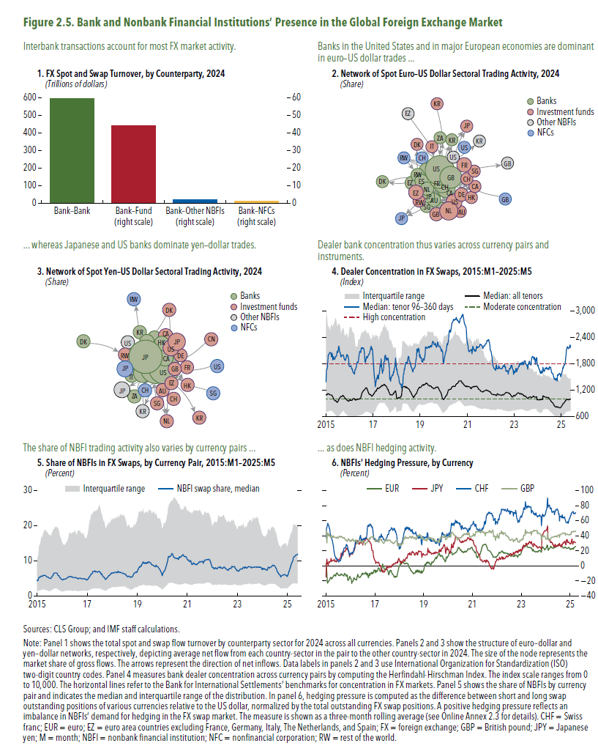
Figure 2.5. Bank and Nonbank Financial Institutions’ Presence in the Global Foreign Exchange Market

In this panel, the data are proprietary and cannot be provided due to the copyright agreement.
1. FX Spot and Swap Turnover, by Counterparty, 2024 (Trillions of dollars) | 4. Dealer Concentration in FX Swaps, 2015:M1–2025:M5
 | (Index)
 | date/weekly | Median: all tenors | p25 | p75 | Median: tenor 96–360 days | Moderate concentration
In this panel, the data are proprietary and cannot be provided due to the copyright agreement.
2. Network of Spot Euro–US Dollar Sectoral Trading Activity, 2024 (Share) | 2015 | 1093.41 | 702.40 | 2724.18 | 1391.67 | 1000
 | 2015 | 1099.53 | 712.05 | 2981.05 | 1670.69 | 1000
 | 2015 | 1087.56 | 702.55 | 2891.01 | 1678.04 | 1000
In this panel, the data are proprietary and cannot be provided due to the copyright agreement.
3. Network of Spot Yen–US Dollar Sectoral Trading Activity, 2024 (Share) | 2015 | 1119.82 | 712.38 | 2774.71 | 1721.79 | 1000
 | 2015 | 1121.62 | 721.65 | 2635.92 | 1846.75 | 1000
 | 2015 | 1108.81 | 723.69 | 2643.59 | 2003.91 | 1000
 | 2015 | 1113.42 | 722.28 | 2663.60 | 2011.76 | 1000
 | 2015 | 1111.14 | 729.78 | 2619.79 | 2030.22 | 1000
 | 2015 | 1104.90 | 728.66 | 2574.51 | 2052.94 | 1000
 | 2015 | 1092.64 | 728.69 | 2567.55 | 2064.18 | 1000
 | 2015 | 1091.78 | 731.81 | 2631.61 | 2064.54 | 1000
 | 2015 | 1094.16 | 735.20 | 2692.35 | 2027.39 | 1000
 | 2015 | 1092.95 | 737.34 | 2682.32 | 1962.61 | 1000
 | 2015 | 1082.51 | 732.09 | 2701.68 | 2044.49 | 1000
 | 2015 | 1062.97 | 717.43 | 2634.70 | 2019.39 | 1000
 | 2015 | 1049.81 | 708.63 | 2635.41 | 1889.18 | 1000
...

Figure 2.6.
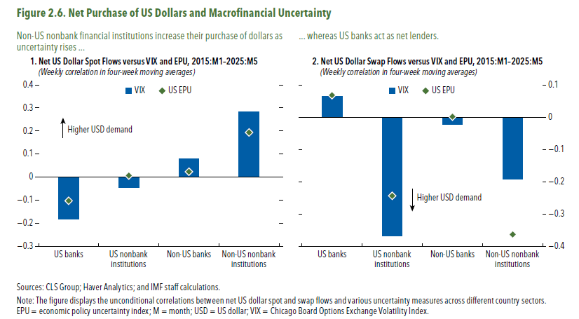
Figure 2.6. Net Purchase of US Dollars and Macronancial Uncertainty

1. Net US Dollar Spot Flows versus VIX and EPU, 2015:M1–2025:M5
(Weekly correlation in four-week moving averages)
 | US EPU | VIX
US banks | -0.10 | -0.18
US nonbank institutions | 0.01 | -0.05
Non-US banks | 0.02 | 0.08
Non-US nonbank institutions | 0.19 | 0.28

2. Net US Dollar Swap Flows versus VIX and EPU, 2015:M1–2025:M5
(Weekly correlation in four-week moving averages)
 | US EPU | VIX
US banks | 0.07 | 0.07
US nonbank institutions | -0.24 | -0.37
Non-US banks | 0.00 | -0.02
Non-US nonbank institutions | -0.36 | -0.19

Figure 2.7.
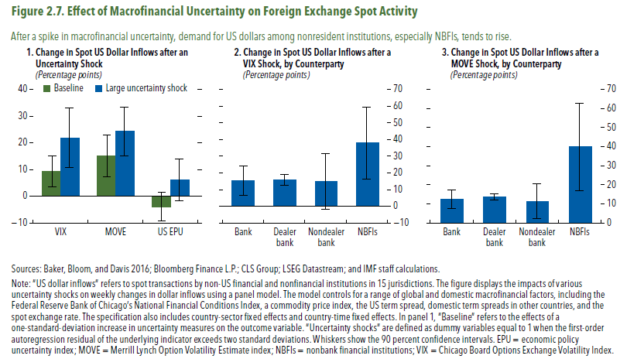
Figure 2.7. Effect of Macrofinancial Uncertainty on Foreign Exchange Spot Activity

1. Change in Spot US Dollar In flows after an Uncertainty Shock
(Percentage points)
 | Baseline | Large uncertainty shock
VIX | 9.28 | 21.79
MOVE | 15.12 | 24.27
US EPU | -3.93 | 6.00

2. Change in Spot US Dollar In flows after a VIX Shock, by Counterparty
(Percentage points)
 | Inflow
Bank | 15.31
Dealer bank | 15.86
Nondealer bank | 14.87
NBFIs | 37.85

3. Change in Spot US Dollar Inflows after a MOVE Shock, by Counterparty
(Percentage points)
 | Inflow
Bank | 12.32
Dealer bank | 13.54
Nondealer bank | 11.41
NBFIs | 39.82

Figure 2.8.
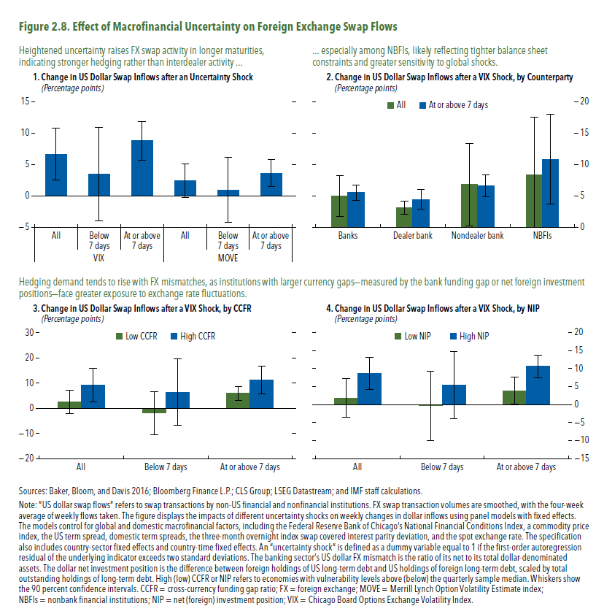
Figure 2.8. Effect of Macrofinancial Uncertainty on Foreign Exchange Swap Flows

1. Change in US Dollar Swap Inflows after an Uncertainty Shock
(Percentage points)
 |  | Inflow
VIX | All | 6.65
 | Below seven days | 3.48
 | At or above seven days | 8.76
MOVE | All | 2.45
 | Below seven days | 0.96
 | At or above seven days | 3.67

2. Change in US Dollar Swap Inflows after a VIX Shock, by Counterparty
(Percentage points)
 | All | At or above seven days
Banks | 5.01 | 5.53
Dealer bank | 3.18 | 4.45
Nondealer bank | 6.84 | 6.60
NBFIs | 8.42 | 10.85

3. Change in US Dollar Swap Infows after a VIX Shock, by CCFR
(Percentage points)
 | Low CCFR | High CCFR
All | 2.55 | 9.24
Below seven days | -1.98 | 6.32
At or above seven days | 5.81 | 11.09

4. Change in US Dollar Swap In ows after a VIX Shock, by NIP
(Percentage points)
 | Low NIP | High NIP
All | 1.83 | 8.69
Below seven days | -0.32 | 5.41
At or above seven days | 3.81 | 10.60

Figure 2.9.
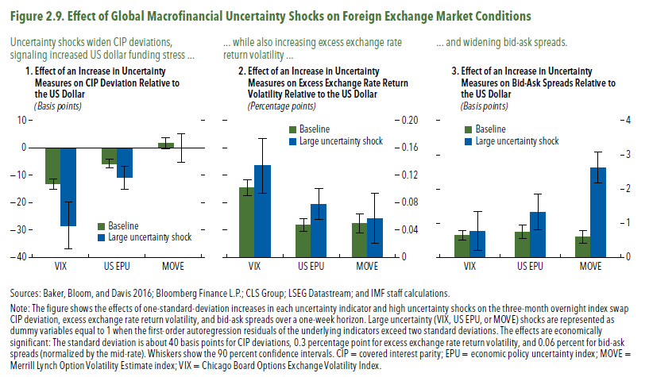
Figure 1.8. Selected Advanced Economies: Current Deleveraging Episodes (Weighted average)
3. Public Debt
(Percent of GDP)
1. Private Debt
(Percent of GDP)
Sources: Bank for International Settlements; IMF, World Economic Outlook; and IMF staff estimates.
Figure 2.9. Effect of Global Macrofinancial Uncertainty Shocks on Foreign Exchange Market Conditions

1. Effect of an Increase in Uncertainty Measures on CIP Deviation Relative to the US Dollar
(Basis points)
 | Baseline | Large uncertainty shock
VIX | -13.13 | -28.27
US EPU | -5.722 | -10.85
MOVE | 1.658 | -0.07

2. Effect of an Increase in Uncertainty Measures on Excess Exchange Rate Return Volatility Relative to the US Dollar
(Percentage points)
 | Baseline | Large uncertainty shock
VIX | 0.10 | 0.13
US EPU | 0.05 | 0.08
MOVE | 0.05 | 0.06

3. Effect of an Increase in Uncertainty Measures on Bid-Ask Spreads Relative to the US Dollar
(Basis points)
 | Baseline | Large uncertainty shock
VIX | 0.64 | 0.77
US EPU | 0.75 | 1.33
MOVE | 0.60 | 2.63

Figure 2.10.
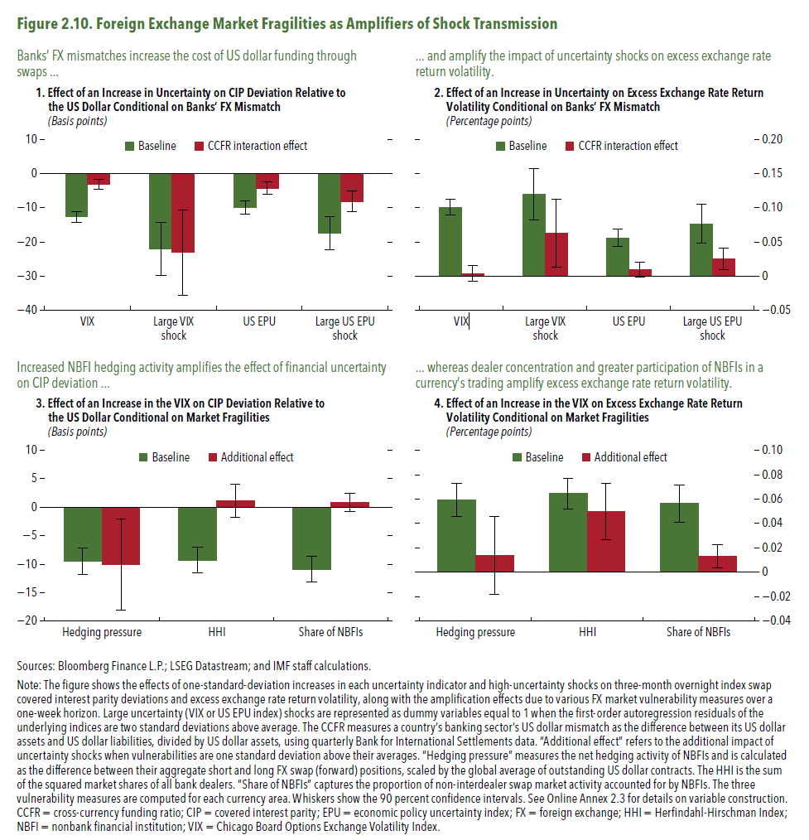
Figure 1.8. Selected Advanced Economies: Current Deleveraging Episodes (Weighted average)
3. Public Debt
(Percent of GDP)
1. Private Debt
(Percent of GDP)
Sources: Bank for International Settlements; IMF, World Economic Outlook; and IMF staff estimates.
Figure 2.10. Foreign Exchange Market Fragilities as Amplifiers of Shock Transmission

1. Effect of an Increase in Uncertainty on CIP Deviation Relative to the US Dollar Conditional on Banks’ FX Mismatch
(Basis points)
 | Baseline | CCFR interaction effect
VIX | -12.640 | -3.124
High VIX Shock | -21.980 | -23.050
US EPU | -9.967 | -4.169
High US EPU Shock | -17.340 | -8.047

2. Effect of an Increase in Uncertainty on Excess Exchange Rate Return Volatility Conditional on Banks’ FX Mismatch
(Percentage points)
 | Baseline | CCFR interaction effect
VIX | 0.101 | 0.004
High VIX Shock | 0.120 | 0.063
US EPU | 0.056 | 0.009
High US EPU Shock | 0.077 | 0.025

3. Effect of an Increase in the VIX on CIP Deviation Relative to the US Dollar Conditional on Market Fragilities
(Basis points)
 | Baseline | Additional effect
Hedging pressure | -9.481 | -10.090
HHI | -9.253 | 1.088
Share of NBFIs | -10.880 | 0.881

4. Effect of an Increase in the VIX on Excess Exchange Rate Return Volatility Conditional on Market Fragilities
(Percentage points)
 | Baseline | Additional effect
Hedging pressure | 0.060 | 0.014
HHI | 0.064 | 0.050
Share of NBFIs | 0.056 | 0.013

Figure 2.11.
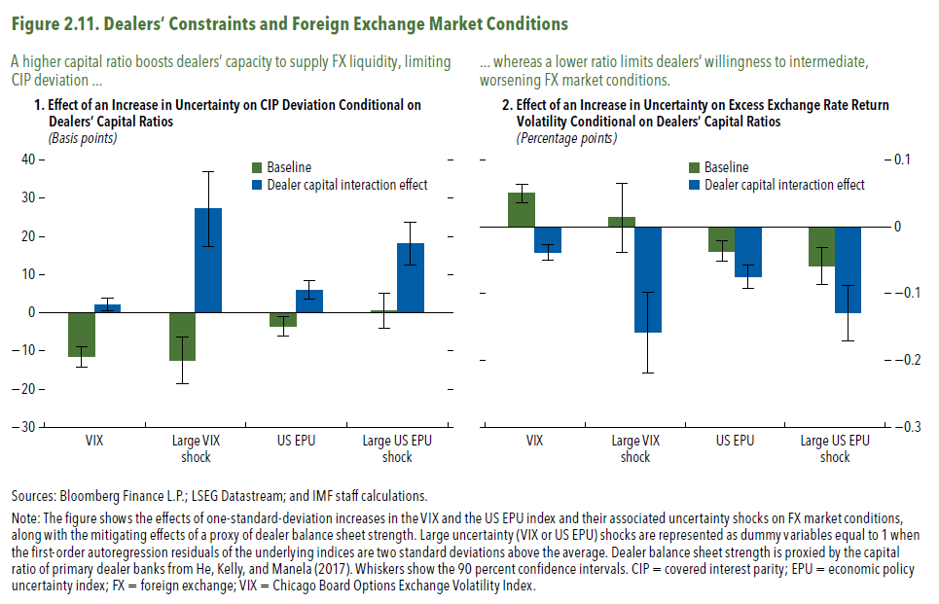
Figure 1.8. Selected Advanced Economies: Current Deleveraging Episodes (Weighted average)
3. Public Debt
(Percent of GDP)
1. Private Debt
(Percent of GDP)
Sources: Bank for International Settlements; IMF, World Economic Outlook; and IMF staff estimates.
Figure 2.11. Dealers’ Constraints and Foreign Exchange Market Conditions

1. Effect of an Increase in Uncertainty on CIP Deviation Conditional on Dealers’ Capital Ratios
(Basis points)
 | Baseline | Dealer capital interaction effect
VIX | -11.530 | 2.122
Large VIX shock | -12.360 | 27.160
US EPU | -3.568 | 5.979
Large US EPU shock | 0.458 | 18.070

2. Effect of an Increase in Uncertainty on Excess Exchange Rate Return Volatility Conditional on Dealers’ Capital Ratios
(Percentage points)
 | Baseline | Dealer capital interaction effect
VIX | 0.050 | -0.038
Large VIX shock | 0.014 | -0.158
US EPU | -0.036 | -0.075
Large US EPU shock | -0.059 | -0.129

Figure 2.12.
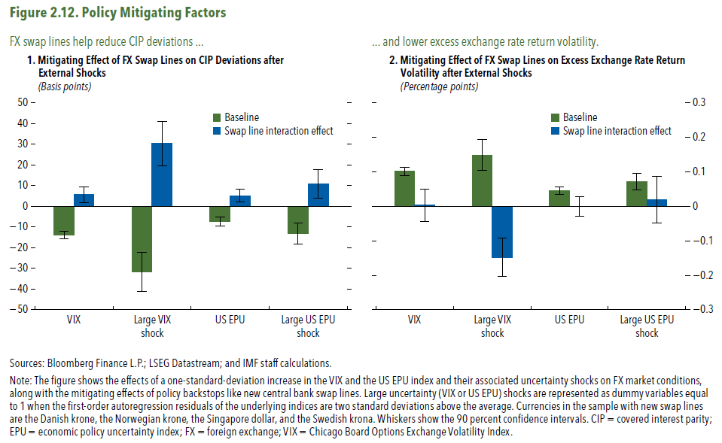
Figure 1.8. Selected Advanced Economies: Current Deleveraging Episodes (Weighted average)
3. Public Debt
(Percent of GDP)
1. Private Debt
(Percent of GDP)
Sources: Bank for International Settlements; IMF, World Economic Outlook; and IMF staff estimates.
Figure 2.12. Policy Mitigating Factors

1. Mitigating Effect of FX Swap Lines on CIP Deviations after External Shocks
(Basis points)
 | Baseline | Swap line interaction effect
VIX | -13.880 | 5.557
Large VIX Shock | -31.580 | 30.400
US EPU | -7.300 | 5.200
Large US EPU Shock | -13.280 | 10.830

2. Mitigating Effect of FX Swap Lines on Excess Exchange Rate Return Volatility after External Shocks
(Percentage points)
 | Baseline | Swap line interaction effect
VIX | 0.101 | 0.003
Large VIX Shock | 0.149 | -0.148
US EPU | 0.046 | 0.000
Large US EPU Shock | 0.072 | 0.020

Figure 2.13
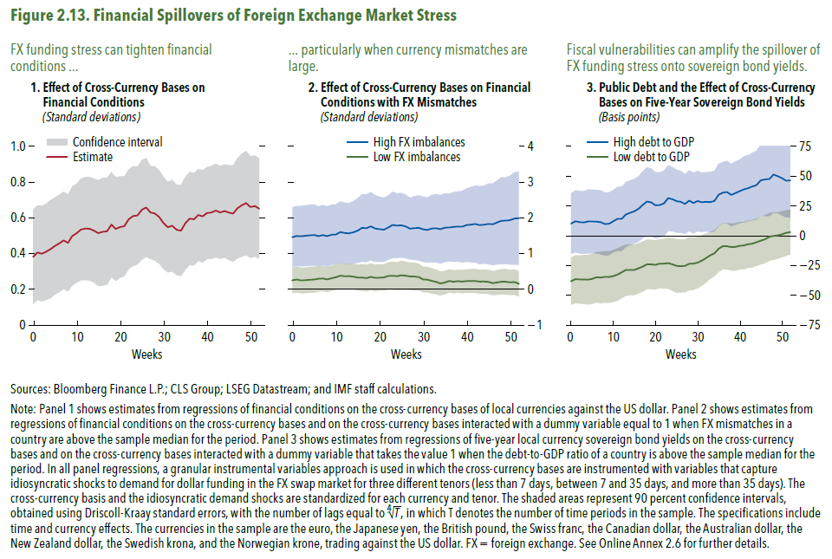
Figure 1.8. Selected Advanced Economies: Current Deleveraging Episodes (Weighted average)
3. Public Debt
(Percent of GDP)
1. Private Debt
(Percent of GDP)
Sources: Bank for International Settlements; IMF, World Economic Outlook; and IMF staff estimates.
Figure 2.13. Financial Spillovers of Foreign Exchange Market Stress

1. Effect of Cross-Currency Bases on Financial Conditions
(Standard deviations)
Weeks | estimate | confidence interval 0.05 | confidence interval 0.95
0 | 0.38 | 0.12 | 0.65
1 | 0.41 | 0.14 | 0.67
2 | 0.40 | 0.13 | 0.67
3 | 0.41 | 0.14 | 0.68
4 | 0.42 | 0.15 | 0.70
5 | 0.44 | 0.17 | 0.71
6 | 0.46 | 0.18 | 0.73
7 | 0.47 | 0.20 | 0.75
8 | 0.46 | 0.19 | 0.73
9 | 0.50 | 0.22 | 0.78
10 | 0.51 | 0.24 | 0.79
11 | 0.54 | 0.25 | 0.82
12 | 0.54 | 0.25 | 0.83
13 | 0.54 | 0.25 | 0.83
14 | 0.53 | 0.24 | 0.82
15 | 0.51 | 0.22 | 0.81
16 | 0.52 | 0.22 | 0.82
17 | 0.53 | 0.23 | 0.82
18 | 0.56 | 0.27 | 0.86
19 | 0.54 | 0.25 | 0.83
20 | 0.55 | 0.26 | 0.83
21 | 0.55 | 0.27 | 0.83
22 | 0.59 | 0.31 | 0.87
23 | 0.61 | 0.33 | 0.89
24 | 0.61 | 0.34 | 0.89
...

Figure 2.1.1.
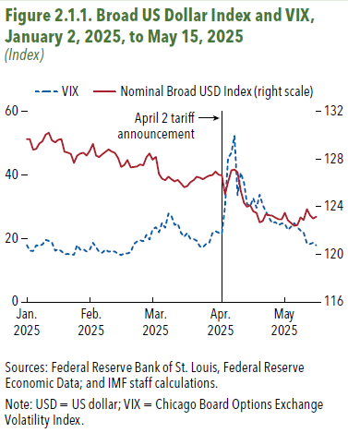
Figure 1.8. Selected Advanced Economies: Current Deleveraging Episodes (Weighted average)
3. Public Debt
(Percent of GDP)
1. Private Debt
(Percent of GDP)
Sources: Bank for International Settlements; IMF, World Economic Outlook; and IMF staff estimates.
Figure 2.1.1. Broad US Dollar Index and VIX, January 2, 2025, to May 15, 2025
(Index)
observation date | Nominal Broad USD Index (right-axis) | VIX
Jan. 2025 | 129.67 | 17.93
 | 129.67 | 16.13
 | 128.79 | 16.04
 | 128.86 | 17.82
 | 129.30 | 17.70
 | 129.49 | 18.07
 | 130.05 | 19.54
 | 130.21 | 19.19
 | 129.58 | 18.71
 | 129.41 | 16.12
 | 129.63 | 16.60
 | 129.68 | 15.97
 | 128.61 | 15.06
 | 128.54 | 15.10
 | 128.43 | 15.02
 | 127.68 | 14.85
 | 128.29 | 17.90
 | 128.47 | 16.41
 | 128.53 | 16.56
 | 128.30 | 15.84
Feb. 25 | 128.67 | 16.43
 | 129.28 | 18.62
 | 128.30 | 17.21
 | 128.17 | 15.77
 | 128.40 | 15.50
 | 128.61 | 16.54
 | 128.82 | 15.81
 | 128.63 | 16.02
...

Figure 2.1.2
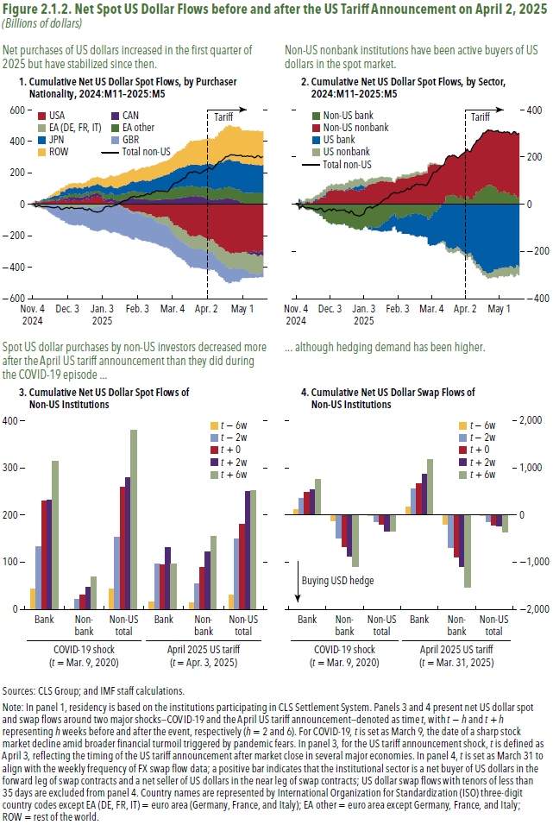
Figure 2.1.2. Net Spot US Dollar Flows before and after the US Tariff Announcement on April 2, 2025
(Billions of dollars)
In this panel, the data are proprietary and cannot be provided due to the copyright agreement.

Figure 2.2.1
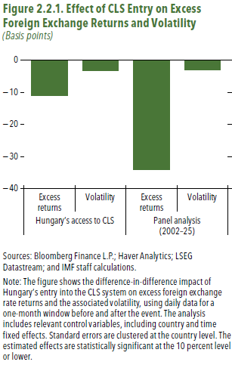
Figure 2.2.1. Effect of CLS Entry on Excess Foreign Exchange Returns and Volatility
(Basis points)
 | Hungary's access to CLS
 | Excess returns
Effects | -11

Figure 2.3.1
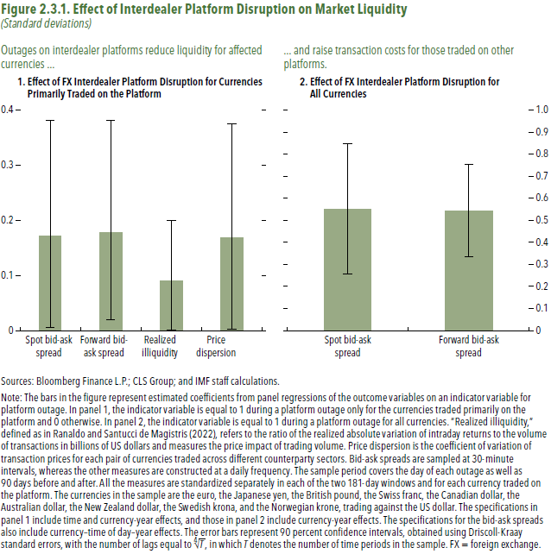
Figure 2.3.1. Effect of Interdealer Platform Disruption on Market Liquidity
(Standard deviations)
1. Effect of FX Interdealer Platform Disruption for Currencies Primarily Traded on the Platform

 | Spot bid-ask spread | Forward bid-ask spread | Realized illiquidity | Price dispersion
estimate | 0.19 | 0.20 | 0.10 | 0.19

2. Effect of FX Interdealer Platform Disruption for All Currencies

 | Spot bid-ask spread | Forward bid-ask spread
estimate | 0.62 | 0.61

