Figure 2.1.
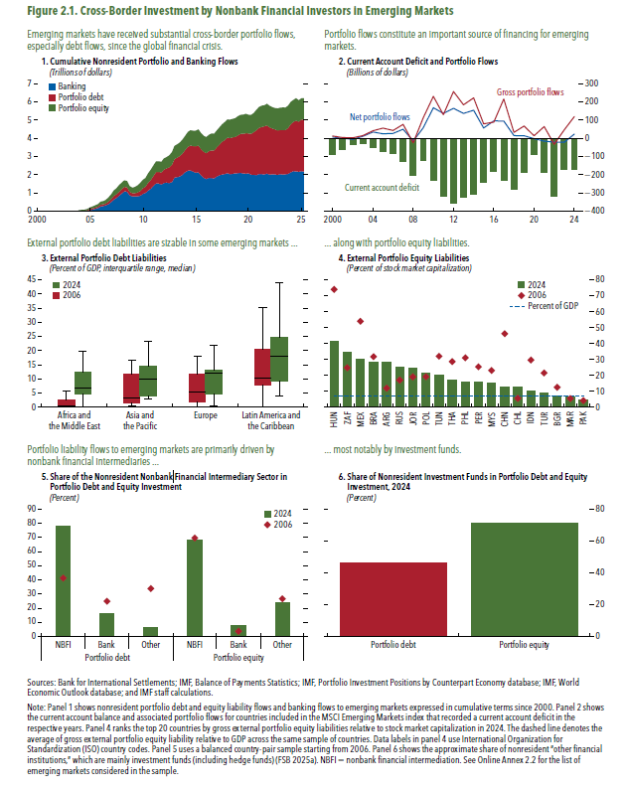
Figure 2.1. Cross-Border Investment by Nonbank Financial Investors in Emerging Markets

1. Cumulative Nonresident Portfolio and Banking Flows |  |  |  | 2. Current Account Deficit and Portfolio Flows |  |  |  | 3. External Portfolio Debt Liabilities |  |  | 4. External Portfolio Equity Liabilities |  |  |  | 5. Share of the Nonresident Nonbank Financial Intermediary Sector in Portfolio Debt and Equity Investment |  |  |  |  |  |  | 6. Share of Nonresident Investment Funds in Portfolio Debt and Equity Investment, 2024
(Trillions of dollars) |  |  |  | (Billions of dollars) |  |  |  | (Percent of GDP, interquartile range, median) |  |  | (Percent of stock market capitalization) |  |  |  | (Percent) |  |  |  |  |  |  | (Percent)

 | Banking | Portfolio debt | Portfolio equity |  | Current account deficit | Net portfolio flows | Gross portfolio flows | Debt | 2006 | 2024 |  | 2006 | 2024 | Average1 |  | Portfolio debt |  |  | Portfolio equity |  |  |  | Portfolio debt | Portfolio equity
2000q1 | -0.001 | 0.015 | 0.004 | 2000 | -87.3 | 7.9 | 12.9 | Africa and the Middle East | 0.06 | 0.07 | Hungary | 74.1 | 41.4 | 7.3 |  | NBFI | Bank | Others | NBFI | Bank | Others | 2024 | 46.5 | 70.9
2000q2 | -0.003 | 0.015 | 0.007 | 2001 | -60.4 | 0.0 | 4.2 | Africa and the Middle East | 0.19 | 7.91 | South Africa | 25.1 | 34.4 | 7.3 | 2006 | 41.3 | 24.8 | 33.8 | 69.6 | 3.7 | 26.7
2000q3 | -0.003 | 0.005 | 0.008 | 2002 | -35.4 | -4.7 | 2.7 | Africa and the Middle East | 0.16 | 5.67 | Mexico | 54.0 | 30.1 | 7.3 | 2024 | 77.6 | 16.0 | 6.4 | 68.3 | 7.9 | 23.8
2000q4 | 0.002 | -0.007 | 0.007 | 2003 | -27.2 | 11.5 | 15.5 | Africa and the Middle East | 0.57 | 5.37 | Brazil | 31.8 | 28.4 | 7.3
2001q1 | 0.003 | -0.003 | 0.010 | 2004 | -51.7 | 35.0 | 42.1 | Africa and the Middle East | 2.56 | 11.15 | Argentina | 12.0 | 28.1 | 7.3
2001q2 | 0.003 | -0.005 | 0.010 | 2005 | -72.5 | 25.4 | 56.5 | Africa and the Middle East |  | 7.02 | Russia | 17.2 | 25.3 | 7.3
2001q3 | -0.015 | -0.008 | 0.011 | 2006 | -83.9 | 27.1 | 43.1 | Africa and the Middle East |  |  | Jordan | 19.2 | 24.6 | 7.3
2001q4 | -0.019 | -0.012 | 0.012 | 2007 | -126.1 | 50.3 | 76.9 | Africa and the Middle East |  | 13.58 | Poland | 19.2 | 21.5 | 7.3
2002q1 | -0.027 | -0.010 | 0.017 | 2008 | -202.5 | -14.2 | -24.1 | Africa and the Middle East | 5.18 | 4.71 | Tunisia | 32.1 | 20.3 | 7.3
2002q2 | -0.036 | -0.017 | 0.018 | 2009 | -123.0 | 58.2 | 113.0 | Africa and the Middle East | 0.64 | 78.31 | Thailand | 28.8 | 16.7 | 7.3
2002q3 | -0.046 | -0.018 | 0.016 | 2010 | -231.6 | 168.3 | 230.8 | Africa and the Middle East | 0.00 | 7.54 | Philippines | 31.1 | 15.9 | 7.3
2002q4 | -0.066 | -0.015 | 0.018 | 2011 | -319.9 | 137.1 | 129.9 | Africa and the Middle East | 1.30 | 2.18 | Peru | 25.4 | 15.8 | 7.3
2003q1 | -0.040 | -0.008 | 0.019 | 2012 | -353.8 | 165.5 | 257.4 | Africa and the Middle East | 5.92 | 19.59 | Malaysia | 23.2 | 15.0 | 7.3
2003q2 | -0.044 | -0.007 | 0.022 | 2013 | -326.2 | 136.9 | 184.3 | Africa and the Middle East | 0.09 | 5.06 | China | 46.3 | 13.0 | 7.3
2003q3 | -0.031 | -0.010 | 0.025 | 2014 | -305.7 | 154.7 | 222.4 | Asia and the Pacific | 0.51 | 4.00 | Chile | 5.7 | 12.7 | 7.3
2003q4 | -0.034 | -0.004 | 0.036 | 2015 | -241.3 | 57.3 | 79.6 | Asia and the Pacific | 1.45 | 3.09 | Indonesia | 29.7 | 9.9 | 7.3
2004q1 | 0.003 | 0.013 | 0.044 | 2016 | -182.7 | 95.9 | 88.7 | Asia and the Pacific | 6.21 | 14.52 | Türkiye | 21.5 | 8.8 | 7.3
2004q2 | 0.018 | 0.010 | 0.047 | 2017 | -229.2 | 95.4 | 216.1 | Asia and the Pacific | 11.68 | 23.43 | Bulgaria | 12.6 | 7.3 | 7.3
2004q3 | 0.011 | 0.019 | 0.049 | 2018 | -277.8 | 15.4 | 32.8 | Asia and the Pacific | 16.52 | 10.91 | Morocco | 5.5 | 6.4 | 7.3
2004q4 | 0.028 | 0.030 | 0.065 | 2019 | -185.0 | 14.4 | 67.7 | Asia and the Pacific | 1.54 | 9.80 | Pakistan | 4.3 | 4.8 | 7.3
2005q1 | 0.068 | 0.050 | 0.082 | 2020 | -87.2 | -1.4 | 14.7 | Asia and the Pacific | 3.15 | 9.51
2005q2 | 0.091 | 0.072 | 0.094 | 2021 | -187.5 | -15.4 | 64.5 | Europe | 0.63 | 5.75 | 1The average of gross external portfolio equity liability relative to GDP across the same sample of countries
2005q3 | 0.134 | 0.070 | 0.117 | 2022 | -320.1 | -20.3 | -32.4 | Europe | 0.04 | 3.54
2005q4 | 0.179 | 0.076 | 0.133 | 2023 | -170.8 | -21.2 | 46.8 | Europe | 1.31 | 0.51
2006q1 | 0.257 | 0.105 | 0.159 | 2024 | -171.2 | 23.9 | 119.9 | Europe | 8.57 | 10.12
2006q2 | 0.286 | 0.087 | 0.176 |  |  |  |  | Europe | 12.94 | 12.19
2006q3 | 0.324 | 0.099 | 0.197 |  |  |  |  | Europe | 38.21 | 26.91
2006q4 | 0.396 | 0.130 | 0.237 |  |  |  |  | Europe | 3.65 | 13.10
2007q1 | 0.507 | 0.160 | 0.253 |  |  |  |  | Europe | 17.93 | 12.66
2007q2 | 0.636 | 0.202 | 0.295 |  |  |  |  | Europe | 3.90 | 21.76
2007q3 | 0.731 | 0.201 | 0.320 |  |  |  |  | Europe | 5.45 | 0.79
2007q4 | 0.851 | 0.210 | 0.367 |  |  |  |  | Europe | 2.48 | 13.00
2008q1 | 0.977 | 0.232 | 0.359 |  |  |  |  | Europe | 9.12 | 6.70
2008q2 | 1.087 | 0.242 | 0.366 |  |  |  |  | Europe | 10.78 | 12.63
2008q3 | 1.073 | 0.238 | 0.346 |  |  |  |  | Latin America and the Caribbean | 24.00 | 9.38
2008q4 | 0.887 | 0.185 | 0.310 |  |  |  |  | Latin America and the Caribbean | 17.29 | 53.27
2009q1 | 0.810 | 0.172 | 0.307 |  |  |  |  | Latin America and the Caribbean | 0.01 | 3.94
2009q2 | 0.807 | 0.179 | 0.340 |  |  |  |  | Latin America and the Caribbean | 10.18 | 9.44
2009q3 | 0.817 | 0.215 | 0.387 |  |  |  |  | Latin America and the Caribbean | 7.42 | 33.71
2009q4 | 0.853 | 0.252 | 0.435 |  |  |  |  | Latin America and the Caribbean | 9.39 | 20.87
2010q1 | 0.956 | 0.307 | 0.458 |  |  |  |  | Latin America and the Caribbean | 5.95 | 9.06
2010q2 | 1.004 | 0.346 | 0.471 |  |  |  |  | Latin America and the Caribbean | 8.59 | 26.39
2010q3 | 1.139 | 0.428 | 0.515 |  |  |  |  | Latin America and the Caribbean | 8.71 | 11.74
2010q4 | 1.236 | 0.473 | 0.571 |  |  |  |  | Latin America and the Caribbean | 17.00 | 18.02
2011q1 | 1.393 | 0.547 | 0.573 |  |  |  |  | Latin America and the Caribbean | 4.43 | 8.86
2011q2 | 1.527 | 0.613 | 0.590 |  |  |  |  | Latin America and the Caribbean | 35.07 | 16.40
2011q3 | 1.523 | 0.632 | 0.583 |  |  |  |  | Latin America and the Caribbean | 10.27 | 18.11
2011q4 | 1.471 | 0.655 | 0.581 |  |  |  |  | Latin America and the Caribbean | 32.23 | 44.09
2012q1 | 1.550 | 0.733 | 0.615 |  |  |  |  | Latin America and the Caribbean | 10.07 | 23.28
2012q2 | 1.576 | 0.776 | 0.618 |  |  |  |  | Latin America and the Caribbean | 30.05 | 21.36
2012q3 | 1.547 | 0.866 | 0.649 |  |  |  |  | Latin America and the Caribbean | 11.35 | 9.55
2012q4 | 1.606 | 0.947 | 0.684
2013q1 | 1.850 | 1.016 | 0.721
2013q2 | 1.876 | 1.064 | 0.733
2013q3 | 1.909 | 1.120 | 0.742
2013q4 | 2.004 | 1.168 | 0.760
2014q1 | 2.142 | 1.220 | 0.767
2014q2 | 2.225 | 1.308 | 0.810
2014q3 | 2.240 | 1.368 | 0.831
2014q4 | 2.178 | 1.396 | 0.846
2015q1 | 2.110 | 1.447 | 0.864
2015q2 | 2.137 | 1.466 | 0.892
2015q3 | 1.978 | 1.441 | 0.875
2015q4 | 1.836 | 1.431 | 0.870
2016q1 | 1.768 | 1.416 | 0.885
2016q2 | 1.832 | 1.469 | 0.893
2016q3 | 1.824 | 1.516 | 0.920
2016q4 | 1.807 | 1.535 | 0.912
2017q1 | 1.913 | 1.596 | 0.925
2017q2 | 1.981 | 1.677 | 0.941
2017q3 | 2.013 | 1.798 | 0.962
2017q4 | 2.043 | 1.863 | 0.984
2018q1 | 2.090 | 1.953 | 0.999
2018q2 | 2.037 | 1.980 | 1.005
2018q3 | 2.054 | 1.999 | 1.017
2018q4 | 2.081 | 2.003 | 1.019
2019q1 | 2.089 | 2.074 | 1.056
2019q2 | 2.112 | 2.133 | 1.045
2019q3 | 2.070 | 2.183 | 1.045
2019q4 | 2.061 | 2.213 | 1.071
2020q1 | 2.079 | 2.188 | 1.027
2020q2 | 2.005 | 2.245 | 1.038
2020q3 | 1.996 | 2.349 | 1.052
2020q4 | 1.985 | 2.462 | 1.122
2021q1 | 2.047 | 2.537 | 1.144
2021q2 | 2.039 | 2.578 | 1.176
2021q3 | 2.021 | 2.641 | 1.152
2021q4 | 2.064 | 2.650 | 1.182
2022q1 | 2.016 | 2.592 | 1.178
2022q2 | 2.020 | 2.522 | 1.171
2022q3 | 2.024 | 2.467 | 1.174
2022q4 | 1.995 | 2.443 | 1.204
2023q1 | 2.039 | 2.422 | 1.223
2023q2 | 2.018 | 2.441 | 1.241
2023q3 | 2.027 | 2.432 | 1.229
2023q4 | 2.049 | 2.529 | 1.225
2024q1 | 2.139 | 2.641 | 1.219
2024q2 | 2.205 | 2.703 | 1.206
2024q3 | 2.188 | 2.786 | 1.230
2024q4 | 2.163 | 2.752 | 1.177
2025q1 | 2.205 | 2.833 | 1.156
2025q2 | 2.172 | 2.840 | 1.182

Figure 2.2.
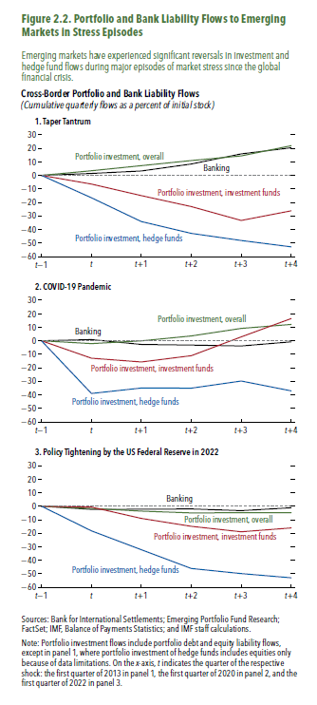
Figure 2.2. Portfolio and Bank Liability Flows to Emerging Markets in Stress Episodes

1. Taper Tantrum

 | Banking | Portfolio investment, overall | Portfolio investment, investment funds | Portfolio investment, hedge funds
t-1 | 0.00 | 0.00 | 0.00 | 0.00
t | 1.45 | 3.40 | -6.43 | -16.58
t+1 | 3.26 | 7.16 | -14.97 | -34.12
t+2 | 8.41 | 10.97 | -23.04 | -42.86
t+3 | 15.89 | 14.39 | -33.31 | -48.09
t+4 | 20.40 | 21.93 | -26.19 | -52.81

2. COVID-19 Pandemic

 | Banking | Portfolio investment, overall | Portfolio investment, investment funds | Portfolio investment, hedge funds
t-1 | 0.00 | 0.00 | 0.00 | 0.00
t | 0.87 | -2.09 | -12.89 | -38.93
t+1 | -2.71 | -0.04 | -15.65 | -34.93
t+2 | -3.16 | 3.56 | -11.03 | -35.04
t+3 | -3.84 | 9.12 | 2.91 | -29.73
t+4 | -0.81 | 12.08 | 16.41 | -36.99

3. Policy Tightening by the US Federal Reserve in 2022

 | Banking | Portfolio investment, overall | Portfolio investment, investment funds | Portfolio investment, hedge funds
t-1 | 0.00 | 0.00 | 0.00 | 0.00
t | -2.32 | -1.61 | -0.65 | -18.25
t+1 | -2.24 | -3.61 | -9.00 | -32.14
t+2 | -2.01 | -4.96 | -14.84 | -46.00
t+3 | -3.28 | -4.83 | -18.90 | -49.80
t+4 | -1.16 | -4.89 | -16.05 | -52.90

Figure 2.3.
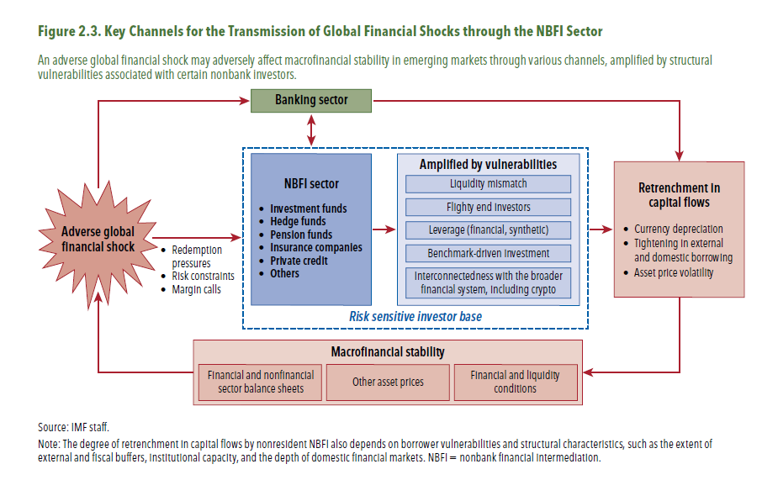
Figure 2.3. Key Channels for the Transmission of Global Financial Shocks through the NBFI Sector

Figure 2.4.
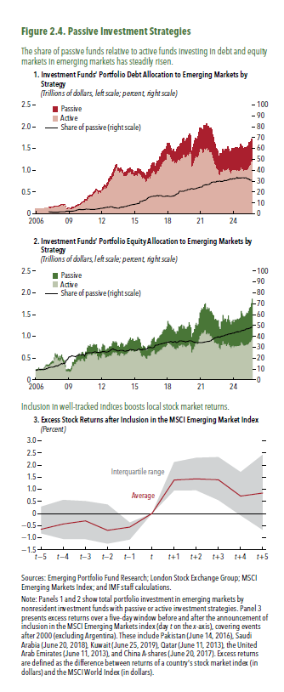
Figure 2.4. Passive Investment Strategies

1. Investment Funds’ Portfolio Debt Allocation to Emerging Markets by Strategy |  |  |  |  | 2. Investment Funds’ Portfolio Equity Allocation to Emerging |  |  |  | 3. Excess Stock Returns Following Inclusion in the MSCI Emerging Market Index
(Trillions of dollars, left scale; percent, right scale) |  |  |  |  | Markets by Strategy |  |  |  | (Percent)
 |  |  |  |  | (Trillions of dollars, left scale; percent, right scale)
 | Active | Passive | Share of passive |  | Active | Passive | Share of passive |  | p25 | Average | p75
2006m1 | 0.113 |  |  | 2006m1 | 0.223 | 0.022 | 8.858 | t-5 | -0.82 | -0.65 | 0.28
2006m2 | 0.117 |  |  | 2006m2 | 0.226 | 0.022 | 9.043 | t-4 | -1.05 | -0.43 | 0.56
2006m3 | 0.116 |  |  | 2006m3 | 0.232 | 0.024 | 9.382 | t-3 | -1.06 | -0.31 | 0.51
2006m4 | 0.118 |  |  | 2006m4 | 0.256 | 0.027 | 9.500 | t-2 | -1.24 | -0.69 | 0.37
2006m5 | 0.114 |  |  | 2006m5 | 0.227 | 0.024 | 9.739 | t-1 | -1.07 | -0.56 | -0.37
2006m6 | 0.112 |  |  | 2006m6 | 0.218 | 0.024 | 9.909 | t | 0.00 | 0.00 | 0.00
2006m7 | 0.115 |  |  | 2006m7 | 0.227 | 0.025 | 9.834 | t+1 | 0.95 | 1.38 | 2.12
2006m8 | 0.119 |  |  | 2006m8 | 0.231 | 0.025 | 9.694 | t+2 | 0.96 | 1.43 | 2.30
2006m9 | 0.122 |  |  | 2006m9 | 0.235 | 0.024 | 9.424 | t+3 | 0.55 | 1.39 | 2.33
2006m10 | 0.127 |  |  | 2006m10 | 0.262 | 0.029 | 9.806 | t+4 | -0.08 | 0.72 | 1.71
2006m11 | 0.131 |  |  | 2006m11 | 0.289 | 0.032 | 9.838 | t+5 | -0.68 | 0.85 | 2.43
2006m12 | 0.136 |  |  | 2006m12 | 0.317 | 0.037 | 10.370
2007m1 | 0.136 |  |  | 2007m1 | 0.321 | 0.037 | 10.286
2007m2 | 0.141 |  |  | 2007m2 | 0.310 | 0.038 | 11.049
2007m3 | 0.142 | 0.003 | 1.838 | 2007m3 | 0.317 | 0.040 | 11.157
2007m4 | 0.146 | 0.003 | 1.763 | 2007m4 | 0.332 | 0.044 | 11.656
2007m5 | 0.155 | 0.003 | 1.717 | 2007m5 | 0.356 | 0.047 | 11.686
2007m6 | 0.161 | 0.003 | 1.664 | 2007m6 | 0.371 | 0.050 | 11.891
2007m7 | 0.159 | 0.003 | 1.613 | 2007m7 | 0.388 | 0.051 | 11.641
2007m8 | 0.159 | 0.002 | 1.528 | 2007m8 | 0.384 | 0.052 | 11.917
2007m9 | 0.168 | 0.003 | 1.483 | 2007m9 | 0.458 | 0.063 | 12.062
2007m10 | 0.176 | 0.003 | 1.489 | 2007m10 | 0.533 | 0.078 | 12.792
2007m11 | 0.170 | 0.003 | 1.560 | 2007m11 | 0.501 | 0.074 | 12.912
2007m12 | 0.172 | 0.003 | 1.498 | 2007m12 | 0.517 | 0.076 | 12.804
2008m1 | 0.176 | 0.003 | 1.520 | 2008m1 | 0.450 | 0.067 | 12.931
2008m2 | 0.182 | 0.003 | 1.645 | 2008m2 | 0.477 | 0.076 | 13.826
2008m3 | 0.191 | 0.003 | 1.783 | 2008m3 | 0.431 | 0.070 | 14.030
2008m4 | 0.199 | 0.004 | 1.915 | 2008m4 | 0.472 | 0.082 | 14.722
2008m5 | 0.209 | 0.004 | 1.878 | 2008m5 | 0.494 | 0.088 | 15.092
2008m6 | 0.201 | 0.004 | 1.918 | 2008m6 | 0.441 | 0.076 | 14.689
2008m7 | 0.211 | 0.004 | 1.911 | 2008m7 | 0.403 | 0.074 | 15.606
2008m8 | 0.207 | 0.004 | 1.862 | 2008m8 | 0.381 | 0.066 | 14.728
2008m9 | 0.176 | 0.004 | 2.031 | 2008m9 | 0.297 | 0.057 | 16.057
2008m10 | 0.124 | 0.003 | 2.377 | 2008m10 | 0.201 | 0.045 | 18.160
2008m11 | 0.121 | 0.003 | 2.395 | 2008m11 | 0.199 | 0.045 | 18.478
2008m12 | 0.130 | 0.003 | 2.426 | 2008m12 | 0.210 | 0.052 | 19.776
2009m1 | 0.125 | 0.003 | 2.421 | 2009m1 | 0.198 | 0.054 | 21.354
2009m2 | 0.118 | 0.003 | 2.380 | 2009m2 | 0.189 | 0.050 | 21.094
2009m3 | 0.121 | 0.003 | 2.317 | 2009m3 | 0.210 | 0.058 | 21.711
2009m4 | 0.128 | 0.003 | 2.420 | 2009m4 | 0.247 | 0.071 | 22.233
2009m5 | 0.145 | 0.004 | 2.438 | 2009m5 | 0.319 | 0.090 | 22.029
2009m6 | 0.145 | 0.004 | 2.558 | 2009m6 | 0.323 | 0.090 | 21.856
2009m7 | 0.157 | 0.004 | 2.720 | 2009m7 | 0.371 | 0.102 | 21.651
2009m8 | 0.168 | 0.005 | 2.819 | 2009m8 | 0.370 | 0.100 | 21.312
2009m9 | 0.182 | 0.006 | 3.080 | 2009m9 | 0.410 | 0.114 | 21.825
2009m10 | 0.188 | 0.007 | 3.573 | 2009m10 | 0.424 | 0.123 | 22.458
2009m11 | 0.202 | 0.008 | 3.755 | 2009m11 | 0.455 | 0.134 | 22.750
2009m12 | 0.207 | 0.009 | 4.000 | 2009m12 | 0.471 | 0.141 | 23.070
2010m1 | 0.216 | 0.009 | 4.041 | 2010m1 | 0.431 | 0.131 | 23.321
2010m2 | 0.229 | 0.009 | 3.824 | 2010m2 | 0.442 | 0.133 | 23.094
2010m3 | 0.251 | 0.010 | 3.777 | 2010m3 | 0.491 | 0.145 | 22.826
2010m4 | 0.273 | 0.011 | 3.858 | 2010m4 | 0.496 | 0.150 | 23.212
2010m5 | 0.269 | 0.011 | 3.923 | 2010m5 | 0.452 | 0.139 | 23.537
2010m6 | 0.281 | 0.012 | 3.987 | 2010m6 | 0.426 | 0.118 | 21.746
2010m7 | 0.310 | 0.013 | 4.148 | 2010m7 | 0.493 | 0.158 | 24.236
2010m8 | 0.323 | 0.015 | 4.442 | 2010m8 | 0.491 | 0.159 | 24.482
2010m9 | 0.359 | 0.016 | 4.253 | 2010m9 | 0.558 | 0.185 | 24.878
2010m10 | 0.384 | 0.017 | 4.312 | 2010m10 | 0.595 | 0.198 | 24.944
2010m11 | 0.388 | 0.017 | 4.200 | 2010m11 | 0.583 | 0.194 | 24.969
2010m12 | 0.408 | 0.017 | 4.095 | 2010m12 | 0.612 | 0.203 | 24.925
2011m1 | 0.416 | 0.018 | 4.050 | 2011m1 | 0.573 | 0.191 | 24.953
2011m2 | 0.419 | 0.017 | 4.012 | 2011m2 | 0.568 | 0.188 | 24.855
2011m3 | 0.441 | 0.018 | 4.020 | 2011m3 | 0.596 | 0.201 | 25.261
2011m4 | 0.474 | 0.020 | 4.072 | 2011m4 | 0.618 | 0.210 | 25.393
2011m5 | 0.494 | 0.021 | 4.049 | 2011m5 | 0.599 | 0.210 | 25.954
2011m6 | 0.510 | 0.022 | 4.185 | 2011m6 | 0.598 | 0.208 | 25.766
2011m7 | 0.543 | 0.024 | 4.305 | 2011m7 | 0.609 | 0.208 | 25.498
2011m8 | 0.529 | 0.025 | 4.491 | 2011m8 | 0.549 | 0.188 | 25.522
2011m9 | 0.477 | 0.023 | 4.674 | 2011m9 | 0.465 | 0.157 | 25.276
2011m10 | 0.504 | 0.024 | 4.626 | 2011m10 | 0.538 | 0.181 | 25.217
2011m11 | 0.493 | 0.025 | 4.831 | 2011m11 | 0.517 | 0.172 | 25.031
2011m12 | 0.473 | 0.026 | 5.224 | 2011m12 | 0.498 | 0.169 | 25.385
2012m1 | 0.526 | 0.028 | 4.968 | 2012m1 | 0.565 | 0.198 | 25.909
2012m2 | 0.567 | 0.032 | 5.268 | 2012m2 | 0.612 | 0.216 | 26.057
2012m3 | 0.585 | 0.033 | 5.335 | 2012m3 | 0.592 | 0.208 | 26.016
2012m4 | 0.620 | 0.036 | 5.462 | 2012m4 | 0.583 | 0.204 | 25.927
2012m5 | 0.585 | 0.037 | 5.883 | 2012m5 | 0.512 | 0.176 | 25.586
2012m6 | 0.615 | 0.038 | 5.817 | 2012m6 | 0.526 | 0.180 | 25.538
...

Figure 2.5.
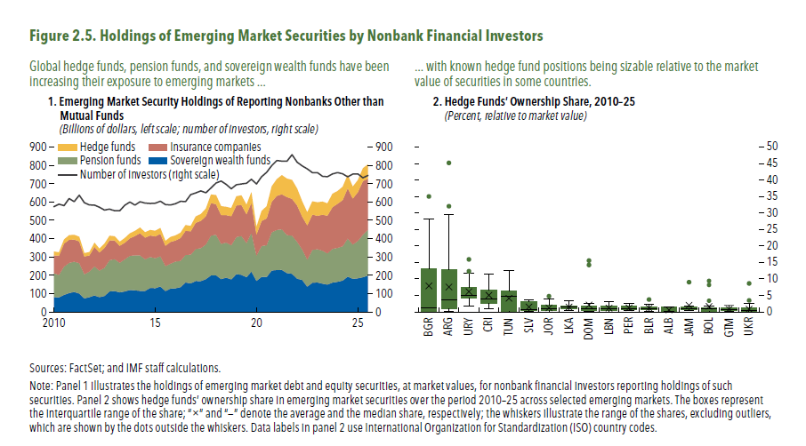
Figure 2.5. Holdings of Emerging Market Securities by Nonbank Financial Investors

1. Emerging Market Security Holdings of Reporting Nonbanks Other than Mutual Funds
(Billions of dollars; number of investors)

 | Hedge fund | Insurance company | Pension fund
2010-01-01 | 21.2 | 97.7 | 129.1
2010-04-01 | 18.5 | 104.9 | 123.1
2010-07-01 | 22.9 | 125.1 | 154.2
2010-10-01 | 25.1 | 126.5 | 164.0
2011-01-01 | 25.9 | 120.8 | 164.5
2011-04-01 | 25.1 | 118.8 | 165.9
2011-07-01 | 18.8 | 96.7 | 131.6
2011-10-01 | 18.4 | 88.2 | 140.0
2012-01-01 | 22.8 | 106.4 | 158.7
2012-04-01 | 20.9 | 99.1 | 144.6
2012-07-01 | 23.3 | 108.6 | 153.6
2012-10-01 | 24.7 | 108.5 | 170.6
2013-01-01 | 23.5 | 101.2 | 174.0
2013-04-01 | 21.8 | 92.9 | 161.6
2013-07-01 | 25.8 | 90.2 | 175.2
2013-10-01 | 27.4 | 95.4 | 186.3
2014-01-01 | 27.3 | 106.3 | 190.4
2014-04-01 | 30.1 | 121.2 | 193.7
2014-07-01 | 29.5 | 117.7 | 172.5
2014-10-01 | 30.3 | 117.7 | 168.4
2015-01-01 | 30.9 | 118.5 | 163.8
...

Figure 2.6.
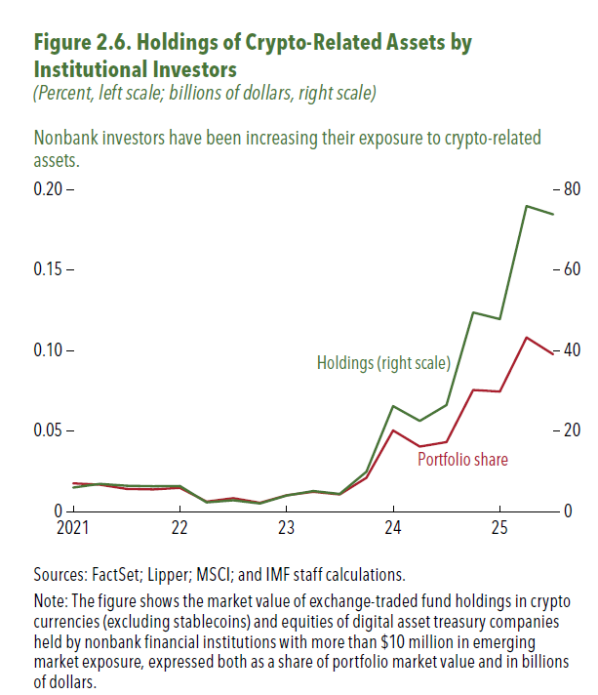
Figure 2.6. Holdings of Crypto-Related Assets by Institutional Investors
(Percent; billions of dollars)

 | Portfolio share | Holdings (right scale)
2010-01-01 | 0.00904 | 0.62794
2010-04-01 | 0.00861 | 0.53877
2010-07-01 | 0.00807 | 0.58181
2010-10-01 | 0.00667 | 0.53809
2011-01-01 | 0.01059 | 0.87151
2011-04-01 | 0.01406 | 1.15321
2011-07-01 | 0.01251 | 0.82164
2011-10-01 | 0.01066 | 0.80079
2012-01-01 | 0.01186 | 1.06007
2012-04-01 | 0.01188 | 0.98784
2012-07-01 | 0.01165 | 1.03640
2012-10-01 | 0.00692 | 0.60877
2013-01-01 | 0.00622 | 0.67829
2013-04-01 | 0.00601 | 0.63505
2013-07-01 | 0.00581 | 0.70962
2013-10-01 | 0.00603 | 0.83577
2014-01-01 | 0.00627 | 0.86914
2014-04-01 | 0.00705 | 1.11356
2014-07-01 | 0.00662 | 1.00048
2014-10-01 | 0.00774 | 1.24522
2015-01-01 | 0.00828 | 1.33281
2015-04-01 | 0.00861 | 1.34733
2015-07-01 | 0.00980 | 1.54495
2015-10-01 | 0.00929 | 1.43151
2016-01-01 | 0.00016 | 0.01613
2016-04-01 | 0.00976 | 1.54897
2016-07-01 | 0.00815 | 1.36180
2016-10-01 | 0.00846 | 1.57476
2017-01-01 | 0.00771 | 1.49689
2017-04-01 | 0.00765 | 1.52363
2017-07-01 | 0.00544 | 1.11430
2017-10-01 | 0.00749 | 1.53538
2018-01-01 | 0.00560 | 1.20292
2018-04-01 | 0.00545 | 1.20651
...

Figure 2.7.
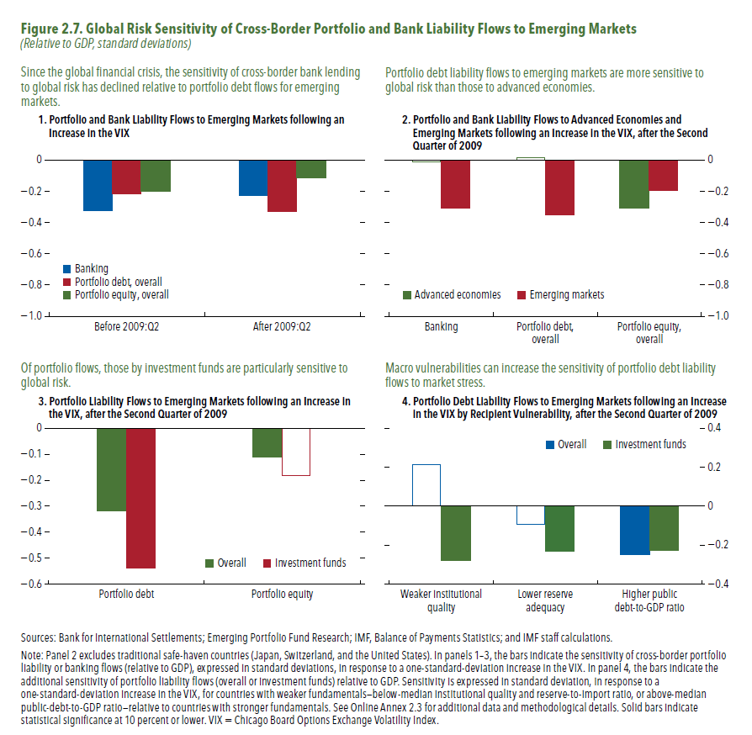
Figure 2.7. Global Risk Sensitivity of Cross-Border Portfolio and Bank Liability Flows to Emerging Markets

1. Portfolio and Bank Liability Flows to Emerging Markets Following an Increase in the VIX
(Relative to GDP, standard deviations)

 | Banking | Portfolio debt, overall | Portfolio equity, overall
Before 2009:Q2 | -0.33 | -0.21 | -0.20
After 2009:Q2 | -0.23 | -0.33 | -0.11

2. Portfolio and Bank Liability Flows to Advanced and Emerging Markets Following an Increase in the VIX, after the Second Quarter of 2009
(Relative to GDP, standard deviations)

 | AEs | EMs
Banking | -0.014 | -0.306
Portfolio debt, overall | 0.014 | -0.349
Portfolio equity, overall | -0.310 | -0.193

3. Portfolio Liability Flows to Emerging Markets Following an Increase in the VIX, after the Second Quarter of 2009
(Relative to GDP, standard deviations)

 | Overall | Investment funds
Portfolio debt | -0.32 | -0.54
Portfolio equity | -0.11 | -0.18

4. Portfolio Debt Liability Flows to Emerging Markets Following an Increase in the VIX by Recipient Vulnerability, after the Second Quarter of 2009
(Relative to GDP, standard deviations)

 | Overall | Investment funds
Weaker institutional quality | 0.21 | -0.28
Lower reserve adequacy | -0.09 | -0.23
Higher public debt-to-GDP ratio | -0.25 | -0.23

Figure 2.8.
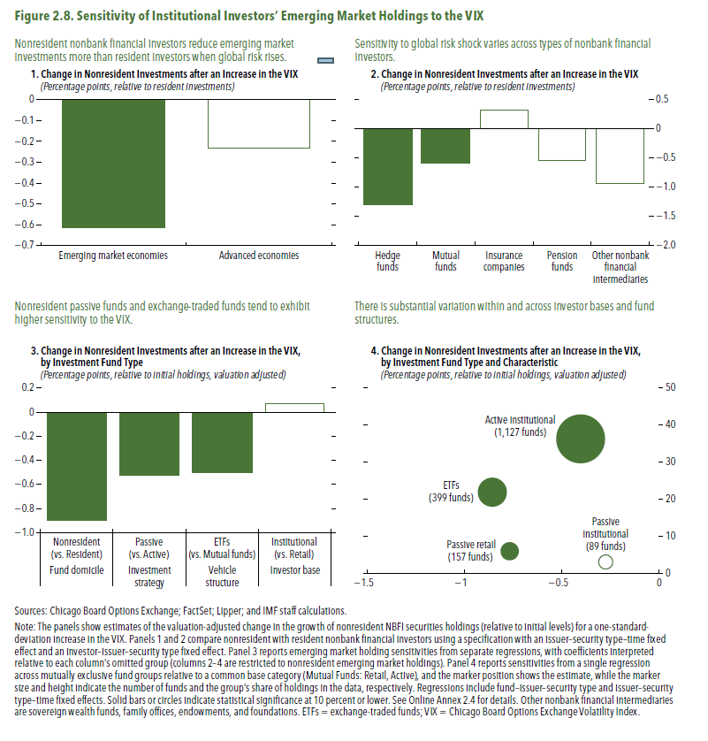
Figure 2.8. Sensitivity of Institutional Investors’ Emerging Market Holdings to the VIX

1. Change in Nonresident Investments after an Increase in the VIX
(Percentage points, relative to resident investments)

Emerging market economies | -0.61
Advanced economies | -0.23

2. Change in Nonresident Investments after an Increase in the VIX
(Percentage points, relative to resident investments)

Hedge funds | -1.29
Mutual funds | -0.58
Insurance companies | 0.32
Pension funds | -0.54
Other nonbank financial intermediaries | -0.93

3. Change in Nonresident Investments after an Increase in the VIX, by Investment Fund Type
(Percentage points, relative to initial holdings, valuation-adjusted)

Fund domicile | Non-resident (vs. Resident) | -0.89
Investment strategy | Passive (vs. Active) | -0.52
Vehicle structure | ETFs (vs. Mutual funds) | -0.50
Investor base | Institutional (vs. Retail) | 0.07

4. Change in Nonresident Investments after an Increase in the VIX, by Investment Fund Type and Characteristic
(Percentage points, relative to initial holdings, valuation-adjusted)
 |  | Number | Holdings_share
ETFs | -0.86 | 399 | 21.89
Mutual Funds (Institutional, Active) | -0.40 | 1127 | 36.30
Mutual Funds (Institutional, Passive) | -0.27 | 89 | 3.04
Mutual Funds (Retail, Passive) | -0.77 | 157 | 5.93

Figure 2.9.
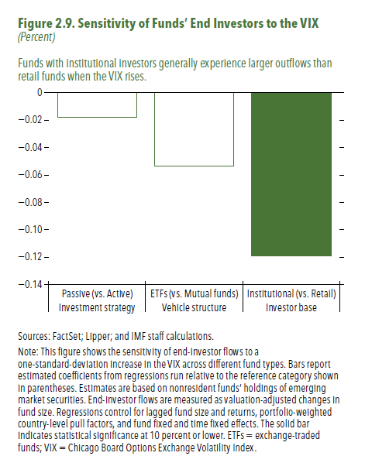
Figure 1.8. Selected Advanced Economies: Current Deleveraging Episodes (Weighted average)
3. Public Debt
(Percent of GDP)
1. Private Debt
(Percent of GDP)
Sources: Bank for International Settlements; IMF, World Economic Outlook; and IMF staff estimates.
Figure 2.9. Sensitivity of Funds’ End Investors to the VIX

Investment strategy | Passive (vs. Active) | -0.02
Vehicle structure | ETFs (vs. Mutual funds) | -0.05
Investor base | Institutional (vs. Retail) | -0.12

Figure 2.10.
Figure 1.8. Selected Advanced Economies: Current Deleveraging Episodes (Weighted average)
3. Public Debt
(Percent of GDP)
1. Private Debt
(Percent of GDP)
Sources: Bank for International Settlements; IMF, World Economic Outlook; and IMF staff estimates.
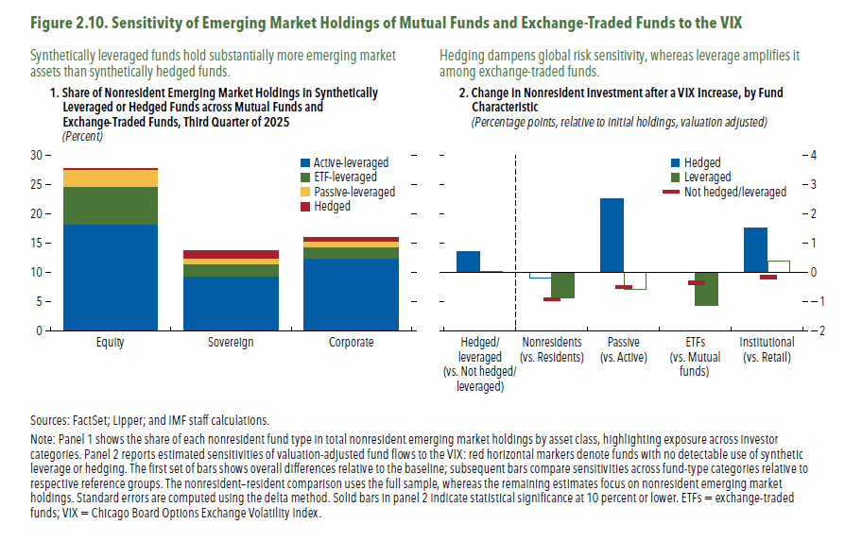
Figure 2.10. Sensitivity of Emerging Market Holdings of Mutual Funds and Exchange-Traded Funds to the VIX

1. Share of Nonresident Emerging Market Holdings in Synthetically Leveraged or Hedged Funds across Mutual Funds and Exchange-Traded Funds, Third Quarter of 2025
(Percent)

 | Active-leveraged | ETF-leveraged | Passive-leveraged
Equity | 18.28 | 6.42 | 2.91
Sovereign | 9.39 | 2.01 | 1.06
Corporate | 12.46 | 1.94 | 0.94

2. Change in Nonresident Investment after a VIX Increase, by Fund Characteristic
(Percentage points, relative to initial holdings, valuation-adjusted)

 |  | Hedged | Leveraged
Hedged/leveraged (vs. Not hedged/leveraged) |  | 0.71 | 0.05

Nonresidents (vs. Residents) |  | -0.19 | -0.88

Passive (vs. Active) |  | 2.53 | -0.57

ETFs (vs. Mutual funds) |  |  | -1.13

Institutional (vs. Retail) |  | 1.53 | 0.40

Figure 2.11.
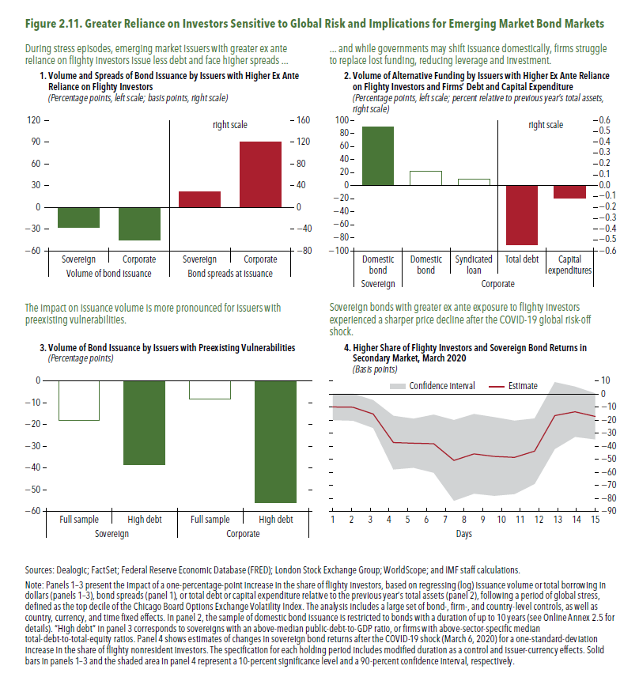
Figure 1.8. Selected Advanced Economies: Current Deleveraging Episodes (Weighted average)
3. Public Debt
(Percent of GDP)
1. Private Debt
(Percent of GDP)
Sources: Bank for International Settlements; IMF, World Economic Outlook; and IMF staff estimates.
Figure 2.11. Greater Reliance on Investors Sensitive to Global Risk and Implications for Emerging Market Bond Markets

1. Volume and Spreads of Bond Issuance by Issuers with Higher Ex Ante Reliance on Flighty Investors
(Percentage points, left scale; basis points, right scale)

Volume of bond issuance |  | Bond spreads at issuance
Sovereign | Corporate | Sovereign | Corporate
-27.6 | -45.3 | 29.4 | 121.2

2. Volume of Alternative Funding by Issuers with Higher Ex Ante Reliance on Flighty Investors and Firms’ Debt and Capital Expenditure
(Percentage points, left scale; percent relative to previous year’s total assets, right scale)

Sovereign | Corporate
Domestic bond | Domestic bond | Syndicated loan | Total debt
90.04 | 22.02 | 10.05 | -0.55

3. Volume of Bond Issuance by Issuers with Preexisting Vulnerabilities
(Percentage points)

Sovereign |  | Corporate
Full sample | High debt | Full sample | High debt
-17.93 | -38.63 | -8.30 | -55.77

4. Higher Share of Flighty Investors and Sovereign Bond Returns in Secondary Market, March 2020
(Basis points)

 | Confidence intervals | Estimate
1 | 20.2 | -9.9
2 | 20.7 | -10.1
3 | 21.3 | -15.3
4 | 41.1 | -37.2
5 | 37.6 | -37.6
6 | 44.6 | -38.0
7 | 61.8 | -50.8
...

Figure 2.12.
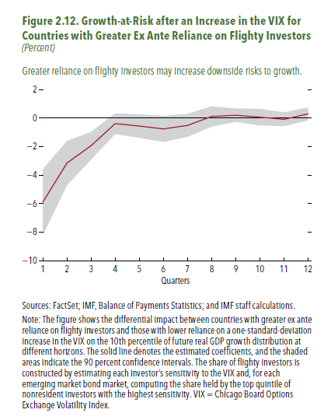
Figure 1.8. Selected Advanced Economies: Current Deleveraging Episodes (Weighted average)
3. Public Debt
(Percent of GDP)
1. Private Debt
(Percent of GDP)
Sources: Bank for International Settlements; IMF, World Economic Outlook; and IMF staff estimates.
Figure 2.12. Pricing of Geopolitical Risk in Options Markets around Russia’s 2022 Invasion of Ukraine

 | Confidence intervals | Estimate
1 | 4.6 | -5.9
2 | 3.1 | -3.1
3 | 1.9 | -1.9
4 | 1.4 | -0.4
5 | 1.6 | -0.6
6 | 1.8 | -0.8
7 | 1.6 | -0.5
8 | 1.4 | 0.1
9 | 0.9 | 0.2
10 | 1.2 | 0.1
11 | 1.0 | -0.1
12 | 0.9 | 0.3

Figure 2.1.1
Figure 1.8. Selected Advanced Economies: Current Deleveraging Episodes (Weighted average)
3. Public Debt
(Percent of GDP)
1. Private Debt
(Percent of GDP)
Sources: Bank for International Settlements; IMF, World Economic Outlook; and IMF staff estimates.
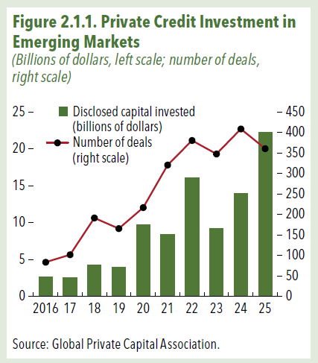
Figure 2.1.1. Private Credit Investment in Emerging Markets
(Billions of dollars, left scale; number of deals, right scale)

Data for this figure is proprietary and cannot be displayed.

Figure 2.2.1
Figure 1.8. Selected Advanced Economies: Current Deleveraging Episodes (Weighted average)
3. Public Debt
(Percent of GDP)
1. Private Debt
(Percent of GDP)
Sources: Bank for International Settlements; IMF, World Economic Outlook; and IMF staff estimates.
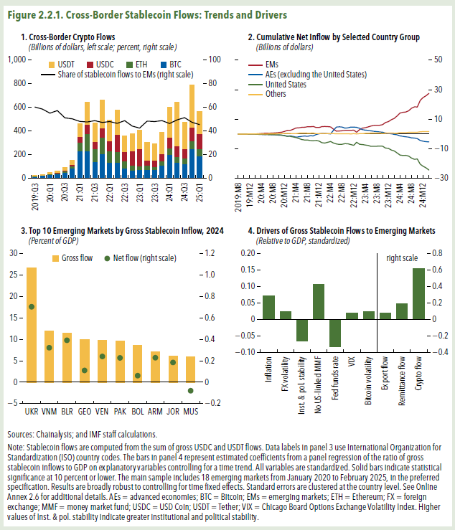
Figure 2.2.1. Cross-Border Stablecoin Flows: Trends and Drivers

Data for this figure is proprietary and cannot be displayed.

