Instructions
Eikon -- Data retrieval and sharing permissions
1 | Connect to Refinitiv Eikon database | Log into your Refinitiv Eikon account.
2 | Select currency and adjust time zone | Type RIC for currency of interest and adjust time zone to fit appropriate local time zone. | 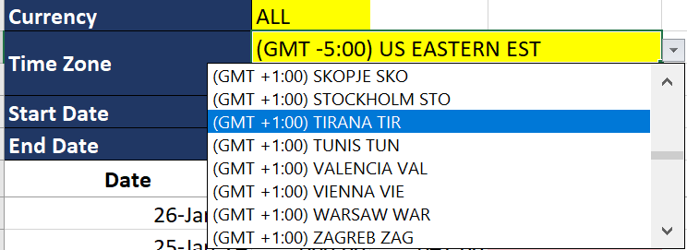
3 | No need to change dates | The start date and end date are set up by functions, which will include days between yesterday and back one year from then. Notes: So the number of the rows are dynamic, there will be a few #NA in the end which is fine.
4 | WHILE INTERNAL SHARING OF RETRIEVED DATA IS PERMISSIBLE TO AN EXTENT WITHIN THE PARAMETERS OF THE IMF'S CONTRACTUAL AGREEMENT WITH REFINITIV EIKON*, STAFF MUST ABIDE BY EXTERNAL SHARING PERMISSIONS. ONLY NON-SYSTEMATIC SHARING OF A LIMITED AMOUNT OF DERIVED DATA WITH AUTHORITIES IS PERMITTED. PLEASE CONTACT JOINTLIBCONTENT@IMF.ORG FOR FURTHER INFORMATION ON DATA SHARING PERMISSIONS.
 | *There is a limited number of Refinitiv Eikon licenses for use at the IMF, and account credentials should not be shared, however, under the IMF’s license agreement with Refinitiv, account holders are permitted to share portions of data internally with IMF colleagues working on the same project and store the same in a shared drive. Daily values of particular countries’ exchange rates over a 12-month period fall under the definition of “portions of data” for the purpose of this project.

EER - Import & Deposit
Effective Exchange rate of transaction ( R )
 | Margin deposit requirements, if remunerated below market rates due to official action, would be assessed under the MCP policy following the methodology at maturity. |  | Date | Market (High) | Market (Low) | ik | ig | G | T | MH/L | R | MH/L +2% | MH/L -2% | MCP Assessment
 | Effective exchange rate of the transaction (R), that includes the forgone interest would be compared with the wholesale spot market H/L and the permissible margin. |  | 2024-02-19 | 75 | 76 | 14% | 0% | 1 | 1 | 75.50 | 86.07 | 77.01 | 73.99 | MCP finding
 | R is computed as below: |  | 2024-02-18 | 75 | 76 | 14% | 5% | 1 | 1 | 75.50 | 82.30 | 77.01 | 73.99 | MCP finding
$$R=DC∗\left[1+\left(ⅈ^{k}−ⅈ^{g}\right)∗G∗T\right]$$
 |  |  | 2024-02-17 | 75 | 76 | 14% | 10% | 0.5 | 1 | 75.50 | 77.01 | 77.01 | 73.99 | no MCP

 | R | Effective exchange rate of transaction
 | 𝐷𝐶 | Amount of domestic currency required by official action to be deposited to obtain one unit of foreign currency
 | ik | Annualized domestic currency market interest rate.
 | ig | Annualized rate at which the cash margin is remunerated
 | ik-ig | represents the difference between market rates and the remuneration of the deposit margin
 | G | Margin requirement. G=0.5 means that a market participant wishing to exchange 100 unit of the domestic currency must deposit 50 unit of the domestic currency as cash margin.
 | T | T is the period (in years) during which the deposit must be kept.

 | Example: Import Deposit | Authorities may require banks to provide deposit margins equal to 100 percent of the amount of domestic currency to be exchanged, up to a year, for no remuneration, while the market interest rates is 14 percent. The amount of domestic currency (DC) demanded is the market exchange rate. High and low market exchange rates are 75 and 76 respectively.
 | R | 86.07
 | 𝐷𝐶 | 75.50
 | ik | 0.14
 | ig | 0.00
 | G | 1.00
 | T | 1.00
 | Market (High) | 75.00
 | Market (Low) | 76.00
 | Market Mid | 75.50
 | Tolerance Margin (High) | 77.01
 | Tolerance Margin (Low) | 73.99
 | MCP Assessment | MCP finding

