Region
Reported Social Unrest Index - Regional Aggregates
DISCLAIMER: Due to differences in media coverage, these data series are not directly comparable across countries

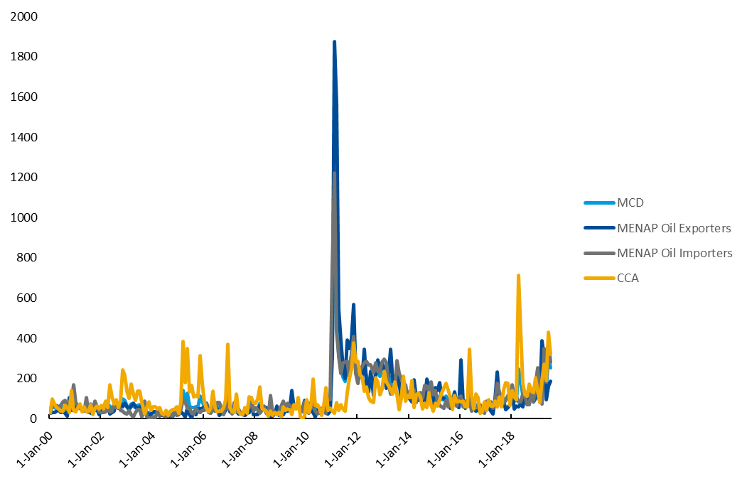
Date | Year | MCD | MENAP Oil Exporters | MENAP Oil Importers | CCA | Reported Social Unrest Index - 2000 -19
Jan-00 | 2000 | 26.4 | 26.3 | 26.2 | 30.1
Feb-00 | 2000 | 67.3 | 32.2 | 85.1 | 96.6
Mar-00 | 2000 | 55.3 | 31.6 | 68.8 | 72.4
Apr-00 | 2000 | 52.1 | 36.9 | 68.1 | 54.7
May-00 | 2000 | 50.8 | 46.4 | 59.0 | 48.0
Jun-00 | 2000 | 44.8 | 30.7 | 66.0 | 36.7
Jul-00 | 2000 | 56.3 | 39.1 | 84.8 | 39.4
Aug-00 | 2000 | 60.1 | 26.2 | 90.1 | 67.0
Sep-00 | 2000 | 36.0 | 15.2 | 44.2 | 56.2
Oct-00 | 2000 | 82.0 | 107.0 | 89.1 | 30.1
Nov-00 | 2000 | 82.7 | 40.9 | 85.8 | 141.3
Dec-00 | 2000 | 91.1 | 42.9 | 169.2 | 41.2
Jan-01 | 2001 | 61.5 | 61.0 | 81.8 | 35.2
Feb-01 | 2001 | 58.7 | 55.3 | 66.3 | 54.7
Mar-01 | 2001 | 57.2 | 53.6 | 53.3 | 72.3
Apr-01 | 2001 | 43.2 | 50.9 | 41.9 | 35.7
May-01 | 2001 | 46.4 | 49.3 | 38.0 | 58.1
Jun-01 | 2001 | 67.9 | 56.3 | 103.6 | 33.1
Jul-01 | 2001 | 39.1 | 50.1 | 31.1 | 38.1
Aug-01 | 2001 | 55.8 | 27.2 | 74.8 | 71.5
Sep-01 | 2001 | 35.2 | 36.4 | 40.5 | 20.1
Oct-01 | 2001 | 60.7 | 40.8 | 88.3 | 53.5
Nov-01 | 2001 | 53.8 | 44.1 | 59.3 | 61.9
Dec-01 | 2001 | 34.3 | 21.6 | 36.1 | 49.8
Jan-02 | 2002 | 43.7 | 40.5 | 32.6 | 67.3
Feb-02 | 2002 | 42.7 | 54.6 | 30.4 | 49.3
Mar-02 | 2002 | 61.9 | 79.0 | 32.9 | 88.2
Apr-02 | 2002 | 71.4 | 71.1 | 72.5 | 55.9
May-02 | 2002 | 64.5 | 25.1 | 33.5 | 169.0
Jun-02 | 2002 | 53.4 | 32.5 | 37.4 | 109.1
Jul-02 | 2002 | 60.5 | 39.1 | 71.3 | 74.1
Aug-02 | 2002 | 75.3 | 85.0 | 56.0 | 95.7
Sep-02 | 2002 | 62.4 | 52.5 | 73.9 | 54.8
Oct-02 | 2002 | 65.8 | 79.2 | 40.4 | 88.6
Nov-02 | 2002 | 96.5 | 59.8 | 37.8 | 244.8
Dec-02 | 2002 | 91.5 | 78.6 | 27.4 | 214.7
Jan-03 | 2003 | 64.3 | 59.2 | 25.1 | 135.4
Feb-03 | 2003 | 56.2 | 44.3 | 41.2 | 100.7
Mar-03 | 2003 | 72.2 | 61.7 | 18.7 | 170.8
Apr-03 | 2003 | 62.0 | 77.4 | 10.8 | 124.1
May-03 | 2003 | 56.1 | 62.7 | 31.2 | 89.9
Jun-03 | 2003 | 67.0 | 44.7 | 44.6 | 136.0
Jul-03 | 2003 | 71.6 | 58.1 | 45.4 | 136.2
Aug-03 | 2003 | 31.0 | 20.9 | 9.1 | 80.6
Sep-03 | 2003 | 50.3 | 24.0 | 89.2 | 25.6
Oct-03 | 2003 | 28.7 | 32.6 | 8.2 | 56.4
Nov-03 | 2003 | 30.1 | 13.9 | 7.7 | 83.8
Dec-03 | 2003 | 21.1 | 23.3 | 3.7 | 40.0
Jan-04 | 2004 | 31.3 | 33.2 | 9.2 | 58.8
Feb-04 | 2004 | 31.3 | 35.1 | 7.3 | 59.4
Mar-04 | 2004 | 37.2 | 24.4 | 37.9 | 50.4
Apr-04 | 2004 | 27.2 | 24.4 | 12.4 | 55.2
May-04 | 2004 | 22.8 | 17.0 | 26.0 | 27.2
Jun-04 | 2004 | 18.6 | 20.1 | 13.2 | 20.9
Jul-04 | 2004 | 24.3 | 16.7 | 9.2 | 43.1
Aug-04 | 2004 | 23.8 | 31.5 | 18.0 | 16.5
Sep-04 | 2004 | 19.5 | 8.5 | 17.1 | 37.3
Oct-04 | 2004 | 21.9 | 10.8 | 13.6 | 44.4
Nov-04 | 2004 | 35.6 | 26.9 | 34.3 | 46.9
Dec-04 | 2004 | 32.7 | 24.7 | 16.5 | 60.1
Jan-05 | 2005 | 26.6 | 27.3 | 22.0 | 28.1
Feb-05 | 2005 | 53.2 | 36.2 | 49.1 | 82.9
Mar-05 | 2005 | 140.1 | 22.3 | 93.6 | 383.7
Apr-05 | 2005 | 80.7 | 9.3 | 84.3 | 178.0
May-05 | 2005 | 127.9 | 52.2 | 51.9 | 350.8
Jun-05 | 2005 | 61.7 | 21.9 | 51.7 | 135.1
Jul-05 | 2005 | 56.8 | 5.9 | 26.1 | 164.7
Aug-05 | 2005 | 56.0 | 33.2 | 23.5 | 108.6
Sep-05 | 2005 | 57.6 | 20.0 | 51.4 | 116.3
Oct-05 | 2005 | 60.9 | 47.7 | 39.7 | 110.3
Nov-05 | 2005 | 111.8 | 50.4 | 31.8 | 314.1
Dec-05 | 2005 | 82.9 | 53.2 | 43.1 | 175.3
Jan-06 | 2006 | 64.6 | 60.1 | 40.4 | 79.2
Feb-06 | 2006 | 71.4 | 76.8 | 77.6 | 51.7
Mar-06 | 2006 | 41.9 | 46.1 | 30.1 | 33.6
Apr-06 | 2006 | 39.4 | 33.2 | 26.2 | 52.3
May-06 | 2006 | 76.3 | 60.2 | 48.4 | 137.8
Jun-06 | 2006 | 46.3 | 36.5 | 38.6 | 54.2
Jul-06 | 2006 | 59.5 | 48.1 | 81.7 | 36.2
Aug-06 | 2006 | 47.3 | 17.9 | 79.3 | 38.4
Sep-06 | 2006 | 43.9 | 28.1 | 50.9 | 39.2
Oct-06 | 2006 | 34.5 | 24.4 | 22.0 | 56.5
Nov-06 | 2006 | 74.6 | 44.0 | 90.2 | 95.3
Dec-06 | 2006 | 134.4 | 62.8 | 47.0 | 369.8
Jan-07 | 2007 | 48.9 | 35.8 | 57.2 | 57.3
Feb-07 | 2007 | 31.6 | 33.6 | 24.7 | 35.3
Mar-07 | 2007 | 51.8 | 36.8 | 80.6 | 32.0
Apr-07 | 2007 | 61.2 | 43.0 | 39.8 | 124.5
May-07 | 2007 | 36.4 | 24.1 | 48.2 | 34.5
Jun-07 | 2007 | 28.0 | 29.0 | 29.1 | 22.9
Jul-07 | 2007 | 23.4 | 20.1 | 28.6 | 20.0
Aug-07 | 2007 | 33.8 | 16.5 | 37.0 | 54.6
Sep-07 | 2007 | 36.8 | 27.5 | 52.5 | 26.0
Oct-07 | 2007 | 59.1 | 31.3 | 56.2 | 108.4
Nov-07 | 2007 | 97.0 | 85.3 | 106.5 | 105.4
Dec-07 | 2007 | 42.8 | 21.8 | 39.2 | 79.0
Jan-08 | 2008 | 50.6 | 21.1 | 54.1 | 77.1
Feb-08 | 2008 | 49.9 | 20.6 | 44.8 | 98.2
Mar-08 | 2008 | 77.5 | 65.8 | 29.0 | 159.0
Apr-08 | 2008 | 43.4 | 44.5 | 40.7 | 51.2
May-08 | 2008 | 54.6 | 58.9 | 62.6 | 43.6
Jun-08 | 2008 | 38.9 | 55.5 | 27.3 | 36.7
Jul-08 | 2008 | 16.1 | 19.7 | 15.8 | 12.9
Aug-08 | 2008 | 57.4 | 13.6 | 115.7 | 36.4
Sep-08 | 2008 | 18.3 | 11.8 | 26.8 | 16.7
Oct-08 | 2008 | 30.3 | 25.6 | 34.3 | 31.8
Nov-08 | 2008 | 36.6 | 63.8 | 24.6 | 21.1
Dec-08 | 2008 | 28.5 | 15.6 | 33.6 | 31.7
Jan-09 | 2009 | 41.7 | 18.6 | 63.0 | 11.3
Feb-09 | 2009 | 56.2 | 20.7 | 89.3 | 58.1
Mar-09 | 2009 | 45.9 | 40.9 | 54.8 | 42.4
Apr-09 | 2009 | 54.9 | 36.8 | 76.6 | 49.6
May-09 | 2009 | 50.9 | 43.6 | 65.8 | 44.0
Jun-09 | 2009 | 77.4 | 139.8 | 59.7 | 21.6
Jul-09 | 2009 | 61.5 | 56.5 | 65.5 | 70.0
Aug-09 | 2009 | 52.2 | 58.4 | 52.5 | 47.1
Sep-09 | 2009 | 77.1 | 72.1 | 60.4 | 105.2
Oct-09 | 2009 | 34.9 | 35.1 | 47.3 | 10.8
Nov-09 | 2009 | 33.6 | 49.9 | 39.7 | 0.0
Dec-09 | 2009 | 69.0 | 91.9 | 85.5 | 13.4
Jan-10 | 2010 | 53.9 | 35.5 | 42.7 | 94.1
Feb-10 | 2010 | 46.5 | 78.7 | 28.4 | 30.7
Mar-10 | 2010 | 56.4 | 41.2 | 58.1 | 69.2
Apr-10 | 2010 | 87.9 | 29.5 | 71.0 | 196.7
May-10 | 2010 | 36.8 | 9.1 | 39.4 | 67.7
Jun-10 | 2010 | 48.4 | 41.9 | 25.6 | 70.5
Jul-10 | 2010 | 38.0 | 26.7 | 36.8 | 53.0
Aug-10 | 2010 | 37.0 | 32.6 | 54.0 | 15.9
Sep-10 | 2010 | 47.3 | 40.5 | 39.9 | 61.5
Oct-10 | 2010 | 60.6 | 28.2 | 28.2 | 156.0
Nov-10 | 2010 | 60.6 | 22.4 | 111.8 | 40.5
Dec-10 | 2010 | 62.8 | 36.8 | 96.3 | 51.6
Jan-11 | 2011 | 409.4 | 316.4 | 763.6 | 38.0
Feb-11 | 2011 | 1,121.6 | 1,874.3 | 1,221.5 | 28.9
Mar-11 | 2011 | 725.4 | 1,561.9 | 435.5 | 79.5
Apr-11 | 2011 | 318.2 | 542.9 | 311.7 | 41.8
May-11 | 2011 | 245.5 | 389.5 | 225.4 | 69.7
Jun-11 | 2011 | 208.2 | 257.5 | 278.2 | 50.5
Jul-11 | 2011 | 188.2 | 200.8 | 280.4 | 36.5
Aug-11 | 2011 | 282.6 | 390.2 | 286.2 | 129.0
Sep-11 | 2011 | 259.1 | 347.9 | 209.2 | 202.2
Oct-11 | 2011 | 322.3 | 399.1 | 318.7 | 245.1
Nov-11 | 2011 | 448.6 | 569.5 | 408.1 | 377.1
Dec-11 | 2011 | 236.7 | 224.4 | 226.6 | 281.1
Jan-12 | 2012 | 209.1 | 207.0 | 175.7 | 283.9
Feb-12 | 2012 | 219.6 | 210.4 | 238.6 | 219.7
Mar-12 | 2012 | 224.4 | 206.7 | 259.8 | 208.5
Apr-12 | 2012 | 259.1 | 344.2 | 278.8 | 136.3
May-12 | 2012 | 209.8 | 175.2 | 285.9 | 159.0
Jun-12 | 2012 | 175.5 | 134.3 | 266.4 | 106.4
Jul-12 | 2012 | 205.3 | 235.1 | 269.3 | 89.1
Aug-12 | 2012 | 147.8 | 115.3 | 229.2 | 81.4
Sep-12 | 2012 | 237.2 | 218.6 | 277.4 | 205.4
Oct-12 | 2012 | 237.7 | 292.0 | 234.8 | 181.5
Nov-12 | 2012 | 213.0 | 246.6 | 235.0 | 119.6
Dec-12 | 2012 | 245.3 | 278.6 | 282.4 | 148.7
Jan-13 | 2013 | 258.9 | 242.2 | 296.7 | 234.6
Feb-13 | 2013 | 205.8 | 152.1 | 277.8 | 182.1
Mar-13 | 2013 | 191.8 | 219.2 | 181.5 | 166.4
Apr-13 | 2013 | 208.1 | 346.2 | 123.0 | 145.5
May-13 | 2013 | 156.4 | 185.7 | 154.7 | 123.0
Jun-13 | 2013 | 179.4 | 211.4 | 153.2 | 184.2
Jul-13 | 2013 | 216.3 | 213.4 | 288.2 | 118.6
Aug-13 | 2013 | 162.1 | 179.7 | 223.7 | 46.0
Sep-13 | 2013 | 136.4 | 100.9 | 200.0 | 100.9
Oct-13 | 2013 | 187.5 | 195.0 | 173.1 | 210.0
Nov-13 | 2013 | 122.2 | 102.9 | 167.4 | 89.0
...

