Figure 1
Back to TOC
 | Figure 1. Recent Developments in the COVID-19 Pandemic

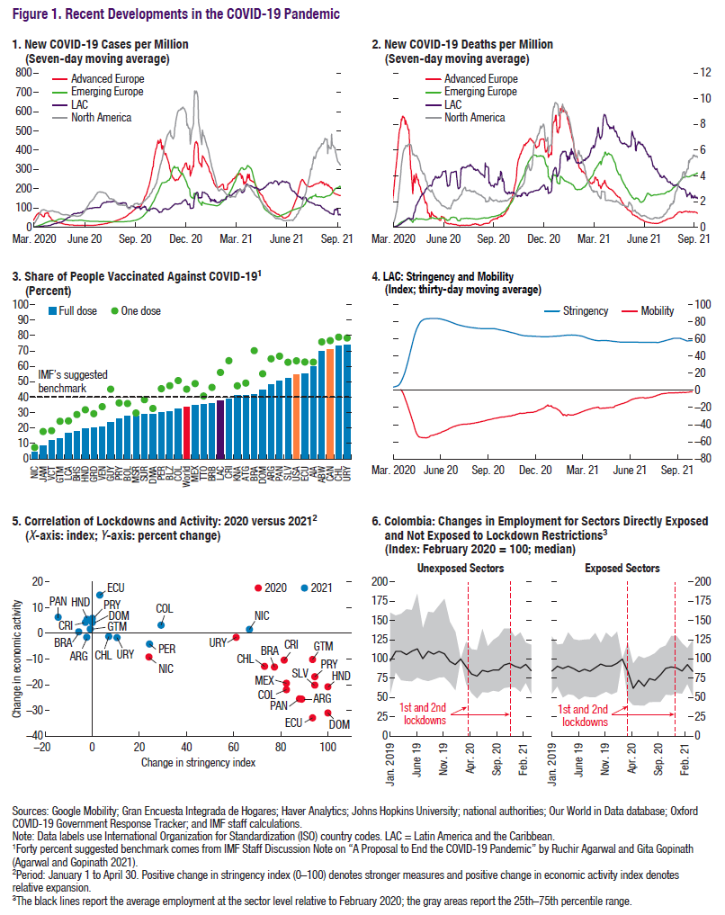

 | 1. New COVID-19 Cases per Million |  |  |  |  | 2. New COVID-19 Deaths per Million |  |  |  |  | 3. Share of People Vaccinated Against COVID-19 |  |  | 4. LAC: Stringency and Mobility |  |  | 5. Correlation of Lockdowns and Activity: 2020 versus 2021 |  |  |  |  |  |  |  |  |  |  |  |  |  |  |  |  | 6. Colombia: Changes in Employment for Sectors Directly Exposed and Not Exposed to Lockdown Restrictions3
 | (7-day moving average; as of September 29, 2021) |  |  |  |  | (Seven-day moving average) |  |  |  |  | (Percent; as of September 29, 2021) |  |  | (Index: 30-day moving average) |  |  | (X-axis: index; Y-axis: percent change) |  |  |  |  |  |  |  |  |  |  |  |  |  |  |  |  | (Index: February 2020 = 100; median)

 |  |  |  |  |  |  |  |  |  |  |  | Full dose | One dose |  |  |  |  | ARG | BRA | CHL | COL | CRI | DOM | ECU | SLV | GTM | HND | MEX | NIC | PAN | PRY | PER | URY |  | date | Lock_s | p25_emp | p75_emp | Median
 |  | LAC | North America | Adv_EUR | EM_EUR |  | LAC | North America | Adv_EUR | EM_EUR | Country | Latest | Latest |  | Stringency | Mobility | EAI |  |  |  |  |  |  |  |  |  |  |  |  |  |  |  |  | Jan-19 | 2019m1 | Unexposed sectors | 54.9 | 160.5 | 97.6
 | 1-Mar-20 | 0.0 | 0.0 | 0.6 | 0.0 | 1-Mar-20 | 0.0 | 0.0 | 0.0 | 0.0 |  |  |  | 1-Mar-20 | 4.0 |  | January 1 to April 30, 2020 | -25.6 | -13.1 | -12.9 | -21.9 | -10.5 | -31.0 | -32.9 | -20.2 | -10.2 | -20.8 | -19.4 | -9.2 | -25.5 | -16.9 | -41.0 | -1.6 | Feb-19 | 2019m2 | Unexposed sectors | 82.9 | 156.6 | 109.9
 | 2-Mar-20 | 0.0 | 0.0 | 0.8 | 0.0 | 2-Mar-20 | 0.0 | 0.0 | 0.0 | 0.0 | Anguilla, United Kingdom-British Overseas Territory | 4.3 | 7.5 | 2-Mar-20 | 4.1 |  | January 1 to April 30, 2021 | -1.5 | 0.6 | -1.2 | 3.2 | 4.3 | 4.2 | 14.9 | 1.7 | 1.7 | 5.5 | 2.2 | 1.5 | 6.3 | 5.8 | -4.2 | -1.7 | Mar-19 | 2019m3 | Unexposed sectors | 72.5 | 159.0 | 109.9
 | 3-Mar-20 | 0.0 | 0.0 | 1.0 | 0.0 | 3-Mar-20 | 0.0 | 0.0 | 0.0 | 0.0 | Antigua and Barbuda | 8.5 | 17.8 | 3-Mar-20 | 4.2 |  |  |  |  |  |  |  |  |  |  |  |  |  |  |  |  |  |  | Apr-19 | 2019m4 | Unexposed sectors | 71.5 | 164.8 | 105.8
 | 4-Mar-20 | 0.0 | 0.0 | 1.2 | 0.0 | 4-Mar-20 | 0.0 | 0.0 | 0.0 | 0.0 | Argentina | 12.1 | 18.4 | 4-Mar-20 | 4.4 |  | Stringency |  |  |  |  |  |  |  |  |  |  |  |  |  |  |  |  | May-19 | 2019m5 | Unexposed sectors | 70.9 | 163.9 | 110.4
 | 5-Mar-20 | 0.0 | 0.1 | 1.6 | 0.0 | 5-Mar-20 | 0.0 | 0.0 | 0.0 | 0.0 | Aruba, Kingdom of the Netherlands | 13.0 | 24.4 | 5-Mar-20 | 4.5 |  | January 1 to April 30, 2020 | 88.9 | 77.3 | 73.2 | 82.4 | 81.5 | 100.0 | 93.5 | 94.4 | 93.5 | 100.0 | 82.4 | 24.1 | 88.0 | 94.4 | 94.4 | 61.1 | Jun-19 | 2019m6 | Unexposed sectors | 75.9 | 184.8 | 113.3
 | 6-Mar-20 | 0.0 | 0.1 | 2.0 | 0.0 | 6-Mar-20 | 0.0 | 0.0 | 0.1 | 0.0 | Bahamas, The | 16.9 | 24.7 | 6-Mar-20 | 4.7 |  | January 1 to April 30, 2021 | -2.3 | -5.7 | 7.0 | 29.2 | -2.9 | 0.0 | 3.2 | -43.1 | -0.9 | -2.2 | -38.1 | 66.7 | -14.5 | 0.0 | 24.3 | 10.5 | Jul-19 | 2019m7 | Unexposed sectors | 73.0 | 139.9 | 100.6
 | 7-Mar-20 | 0.0 | 0.2 | 2.6 | 0.0 | 7-Mar-20 | 0.0 | 0.0 | 0.1 | 0.0 | Barbados | 17.7 | 28.8 | 7-Mar-20 | 4.9 |  |  |  |  |  |  |  |  |  |  |  |  |  |  |  |  |  |  | Aug-19 | 2019m8 | Unexposed sectors | 71.3 | 161.6 | 110.0
 | 8-Mar-20 | 0.0 | 0.2 | 3.1 | 0.0 | 8-Mar-20 | 0.0 | 0.0 | 0.1 | 0.0 | Belize | 19.8 | 31.9 | 8-Mar-20 | 5.2 |  |  |  |  |  |  |  |  |  |  |  |  |  |  |  |  |  |  | Sep-19 | 2019m9 | Unexposed sectors | 73.5 | 160.5 | 106.5
 | 9-Mar-20 | 0.0 | 0.2 | 3.9 | 0.0 | 9-Mar-20 | 0.0 | 0.0 | 0.1 | 0.0 | Bolivia | 19.9 | 29.3 | 9-Mar-20 | 5.4 |  |  |  |  |  |  |  |  |  |  |  |  |  |  |  |  |  |  | Oct-19 | 2019m10 | Unexposed sectors | 76.1 | 169.9 | 109.8
 | 10-Mar-20 | 0.0 | 0.3 | 4.7 | 0.0 | 10-Mar-20 | 0.0 | 0.0 | 0.2 | 0.0 | Brazil | 20.8 | 33.9 | 10-Mar-20 | 5.7 |  |  |  |  |  |  |  |  |  |  |  |  |  |  |  |  |  |  | Nov-19 | 2019m11 | Unexposed sectors | 76.4 | 178.5 | 106.9
 | 11-Mar-20 | 0.0 | 0.4 | 6.1 | 0.1 | 11-Mar-20 | 0.0 | 0.0 | 0.3 | 0.0 | Chile | 23.5 | 45.2 | 11-Mar-20 | 6.2 |  |  |  |  |  |  |  |  |  |  |  |  |  |  |  |  |  |  | Dec-19 | 2019m12 | Unexposed sectors | 69.3 | 148.6 | 96.9
 | 12-Mar-20 | 0.0 | 0.6 | 6.9 | 0.1 | 12-Mar-20 | 0.0 | 0.0 | 0.3 | 0.0 | Colombia | 25.9 | 36.3 | 12-Mar-20 | 6.7 |  |  |  |  |  |  |  |  |  |  |  |  |  |  |  |  |  |  | Jan-20 | 2020m1 | Unexposed sectors | 59.4 | 135.4 | 92.8
 | 13-Mar-20 | 0.1 | 0.8 | 9.8 | 0.1 | 13-Mar-20 | 0.0 | 0.0 | 0.4 | 0.0 | Costa Rica | 27.5 | 35.9 | 13-Mar-20 | 7.6 |  |  |  |  |  |  |  |  |  |  |  |  |  |  |  |  |  |  | Feb-20 | 2020m2 | Unexposed sectors | 100.0 | 100.0 | 100.0
 | 14-Mar-20 | 0.1 | 1.1 | 11.6 | 0.2 | 14-Mar-20 | 0.0 | 0.0 | 0.5 | 0.0 | Dominica | 27.9 | 29.8 | 14-Mar-20 | 8.5 |  |  |  |  |  |  |  |  |  |  |  |  |  |  |  |  |  |  | Mar-20 | 2020m3 | Unexposed sectors | 67.7 | 122.5 | 89.9
 | 15-Mar-20 | 0.1 | 1.1 | 13.6 | 0.2 | 15-Mar-20 | 0.0 | 0.0 | 0.6 | 0.0 | Dominican Republic | 28.8 | 38.4 | 15-Mar-20 | 9.4 | 0.8 |  |  |  |  |  |  |  |  |  |  |  |  |  |  |  |  |  | Apr-20 | 2020m4 | Unexposed sectors | 56.0 | 112.7 | 80.5
 | 16-Mar-20 | 0.2 | 1.7 | 16.0 | 0.3 | 16-Mar-20 | 0.0 | 0.0 | 0.7 | 0.0 | Ecuador | 29.1 | 32.7 | 16-Mar-20 | 10.6 | 0.2 |  |  |  |  |  |  |  |  |  |  |  |  |  |  |  |  |  | May-20 | 2020m5 | Unexposed sectors | 48.7 | 111.7 | 77.8
 | 17-Mar-20 | 0.3 | 2.4 | 18.4 | 0.4 | 17-Mar-20 | 0.0 | 0.0 | 0.8 | 0.0 | El Salvador | 29.96 | 45.57 | 17-Mar-20 | 12.0 | -0.5 |  |  |  |  |  |  |  |  |  |  |  |  |  |  |  |  |  | Jun-20 | 2020m6 | Unexposed sectors | 57.1 | 139.2 | 85.2
 | 18-Mar-20 | 0.3 | 3.4 | 21.1 | 0.5 | 18-Mar-20 | 0.0 | 0.1 | 1.0 | 0.0 | Grenada | 30.49 | 47.5 | 18-Mar-20 | 13.3 | -1.5 |  |  |  |  |  |  |  |  |  |  |  |  |  |  |  |  |  | Jul-20 | 2020m7 | Unexposed sectors | 56.4 | 116.5 | 83.5
 | 19-Mar-20 | 0.4 | 5.0 | 25.8 | 0.6 | 19-Mar-20 | 0.0 | 0.1 | 1.2 | 0.0 | Guatemala | 32.54 | 50.81 | 19-Mar-20 | 14.7 | -2.6 |  |  |  |  |  |  |  |  |  |  |  |  |  |  |  |  |  | Aug-20 | 2020m8 | Unexposed sectors | 58.9 | 124.9 | 85.7
 | 20-Mar-20 | 0.6 | 7.3 | 28.5 | 0.8 | 20-Mar-20 | 0.0 | 0.1 | 1.4 | 0.0 | Guyana | 33.54 | 45.21 | 20-Mar-20 | 16.2 | -4.0 |  |  |  |  |  |  |  |  |  |  |  |  |  |  |  |  |  | Sep-20 | 2020m9 | Unexposed sectors | 57.5 | 129.7 | 85.5
 | 21-Mar-20 | 0.7 | 9.5 | 32.6 | 1.0 | 21-Mar-20 | 0.0 | 0.2 | 1.8 | 0.0 | Haiti | 34.76 | 48.92 | 21-Mar-20 | 17.8 | -5.5 |  |  |  |  |  |  |  |  |  |  |  |  |  |  |  |  |  | Oct-20 | 2020m10 | Unexposed sectors | 62.2 | 139.7 | 92.2
 | 22-Mar-20 | 1.1 | 13.0 | 36.1 | 1.5 | 22-Mar-20 | 0.0 | 0.2 | 2.0 | 0.0 | Honduras | 35.16 | 40.83 | 22-Mar-20 | 19.4 | -7.2 |  |  |  |  |  |  |  |  |  |  |  |  |  |  |  |  |  | Nov-20 | 2020m11 | Unexposed sectors | 63.4 | 139.9 | 94.5
 | 23-Mar-20 | 1.2 | 16.9 | 40.8 | 1.7 | 23-Mar-20 | 0.0 | 0.3 | 2.3 | 0.0 | Jamaica | 35.85 | 46.38 | 23-Mar-20 | 21.1 | -8.9 |  |  |  |  |  |  |  |  |  |  |  |  |  |  |  |  |  | Dec-20 | 2020m12 | Unexposed sectors | 63.3 | 129.0 | 90.7
 | 24-Mar-20 | 1.4 | 20.5 | 44.6 | 2.1 | 24-Mar-20 | 0.0 | 0.4 | 2.7 | 0.0 | Mexico | 37.554521796 | 56.10746952 | 24-Mar-20 | 23.2 | -10.7 |  |  |  |  |  |  |  |  |  |  |  |  |  |  |  |  |  | Jan-21 | 2021m1 | Unexposed sectors | 57.5 | 134.5 | 88.4
 | 25-Mar-20 | 1.5 | 24.3 | 50.0 | 2.5 | 25-Mar-20 | 0.0 | 0.5 | 3.2 | 0.0 | Montserrat, United Kingdom-British Overseas Territory | 38.99 | 63.72 | 25-Mar-20 | 25.3 | -12.3 |  |  |  |  |  |  |  |  |  |  |  |  |  |  |  |  |  | Feb-21 | 2021m2 | Unexposed sectors | 69.1 | 121.4 | 93.1
 | 26-Mar-20 | 1.7 | 29.8 | 55.1 | 3.1 | 26-Mar-20 | 0.0 | 0.6 | 3.7 | 0.1 | Nicaragua | 41.13 | 47.42 | 26-Mar-20 | 27.5 | -13.9 |  |  |  |  |  |  |  |  |  |  |  |  |  |  |  |  |  | Mar-21 | 2021m3 | Unexposed sectors | 54.9 | 118.4 | 84.9
 | 27-Mar-20 | 1.9 | 34.7 | 59.8 | 4.2 | 27-Mar-20 | 0.0 | 0.8 | 4.1 | 0.1 | Panama | 41.2 | 49.21 | 27-Mar-20 | 29.7 | -15.6
 | 28-Mar-20 | 2.1 | 41.1 | 64.4 | 5.0 | 28-Mar-20 | 0.1 | 1.0 | 4.5 | 0.1 | Paraguay | 41.58 | 70.22 | 28-Mar-20 | 31.9 | -17.3 |  |  |  |  |  |  |  |  |  |  |  |  |  |  |  |  |  | Jan-19 | 2019m1 | Exposed sectors | 55.1 | 129.5 | 84.4
 | 29-Mar-20 | 2.1 | 44.1 | 67.2 | 5.9 | 29-Mar-20 | 0.1 | 1.2 | 4.9 | 0.1 | Peru | 44.62 | 55.25 | 29-Mar-20 | 34.2 | -19.2 |  |  |  |  |  |  |  |  |  |  |  |  |  |  |  |  |  | Feb-19 | 2019m2 | Exposed sectors | 64.8 | 118.8 | 90.8
 | 30-Mar-20 | 2.2 | 48.6 | 69.0 | 6.7 | 30-Mar-20 | 0.1 | 1.4 | 5.4 | 0.1 | St. Kitts and Nevis | 47.97 | 64.95 | 30-Mar-20 | 36.6 | -21.1 |  |  |  |  |  |  |  |  |  |  |  |  |  |  |  |  |  | Mar-19 | 2019m3 | Exposed sectors | 50.3 | 120.0 | 87.8
 | 31-Mar-20 | 2.6 | 54.9 | 72.8 | 7.9 | 31-Mar-20 | 0.1 | 1.7 | 5.8 | 0.1 | St. Lucia | 50.62 | 66.65 | 31-Mar-20 | 39.0 | -22.9 |  |  |  |  |  |  |  |  |  |  |  |  |  |  |  |  |  | Apr-19 | 2019m4 | Exposed sectors | 54.5 | 134.8 | 90.8
 | 1-Apr-20 | 3.0 | 63.0 | 74.4 | 8.9 | 1-Apr-20 | 0.1 | 2.1 | 6.4 | 0.2 | St. Vincent and the Grenadines | 52.11 | 62.71 | 1-Apr-20 | 41.5 | -24.7 |  |  |  |  |  |  |  |  |  |  |  |  |  |  |  |  |  | May-19 | 2019m5 | Exposed sectors | 53.3 | 125.9 | 87.7
 | 2-Apr-20 | 3.3 | 69.0 | 74.1 | 10.0 | 2-Apr-20 | 0.1 | 2.5 | 6.8 | 0.2 | Suriname | 54.81 | 63.64 | 2-Apr-20 | 43.9 | -26.6 |  |  |  |  |  |  |  |  |  |  |  |  |  |  |  |  |  | Jun-19 | 2019m6 | Exposed sectors | 47.6 | 124.5 | 83.5
 | 3-Apr-20 | 3.5 | 74.6 | 74.3 | 10.8 | 3-Apr-20 | 0.2 | 2.9 | 7.3 | 0.3 | Trinidad and Tobago | 55.31 | 62.86 | 3-Apr-20 | 46.4 | -28.4 |  |  |  |  |  |  |  |  |  |  |  |  |  |  |  |  |  | Jul-19 | 2019m7 | Exposed sectors | 51.8 | 125.3 | 86.9
 | 4-Apr-20 | 3.7 | 78.8 | 66.4 | 11.6 | 4-Apr-20 | 0.2 | 3.3 | 7.6 | 0.3 | Uruguay | 60.07 | 62.8 | 4-Apr-20 | 48.9 | -30.3 |  |  |  |  |  |  |  |  |  |  |  |  |  |  |  |  |  | Aug-19 | 2019m8 | Exposed sectors | 50.6 | 125.9 | 84.3
 | 5-Apr-20 | 4.0 | 84.2 | 65.1 | 12.6 | 5-Apr-20 | 0.2 | 3.7 | 7.7 | 0.3 | Venezuela, República Bolivariana de | 65.73 | 71.54 | 5-Apr-20 | 51.3 | -32.3 |  |  |  |  |  |  |  |  |  |  |  |  |  |  |  |  |  | Sep-19 | 2019m9 | Exposed sectors | 50.4 | 133.9 | 88.9
 | 6-Apr-20 | 4.3 | 87.9 | 63.2 | 13.6 | 6-Apr-20 | 0.2 | 4.1 | 7.9 | 0.4 | Canada | 69.73 | 75.86 | 6-Apr-20 | 53.8 | -34.2 |  |  |  |  |  |  |  |  |  |  |  |  |  |  |  |  |  | Oct-19 | 2019m10 | Exposed sectors | 54.3 | 120.8 | 93.6
 | 7-Apr-20 | 4.4 | 89.6 | 58.6 | 14.7 | 7-Apr-20 | 0.3 | 4.7 | 8.4 | 0.4 | United Kingdom | 70.74 | 76.73 | 7-Apr-20 | 56.2 | -36.0 |  |  |  |  |  |  |  |  |  |  |  |  |  |  |  |  |  | Nov-19 | 2019m11 | Exposed sectors | 57.6 | 134.5 | 91.0
 | 8-Apr-20 | 5.1 | 89.2 | 57.1 | 16.0 | 8-Apr-20 | 0.3 | 5.1 | 8.3 | 0.4 | United States | 73.54 | 78.96 | 8-Apr-20 | 58.7 | -37.8 |  |  |  |  |  |  |  |  |  |  |  |  |  |  |  |  |  | Dec-19 | 2019m12 | Exposed sectors | 54.3 | 128.0 | 91.1
 | 9-Apr-20 | 5.6 | 90.5 | 55.7 | 17.2 | 9-Apr-20 | 0.4 | 5.4 | 8.6 | 0.4 | World | 73.71 | 78.44 | 9-Apr-20 | 61.0 | -39.8 |  |  |  |  |  |  |  |  |  |  |  |  |  |  |  |  |  | Jan-20 | 2020m1 | Exposed sectors | 57.3 | 135.6 | 94.6
 | 10-Apr-20 | 6.5 | 91.3 | 53.2 | 18.6 | 10-Apr-20 | 0.4 | 5.7 | 8.6 | 0.4 | Latin America and the Caribbean (no AIA, MSR) |  |  | 10-Apr-20 | 63.2 | -42.2 |  |  |  |  |  |  |  |  |  |  |  |  |  |  |  |  |  | Feb-20 | 2020m2 | Exposed sectors | 100.0 | 100.0 | 100.0
 | 11-Apr-20 | 6.7 | 90.0 | 57.1 | 20.3 | 11-Apr-20 | 0.4 | 5.9 | 8.5 | 0.5 |  |  |  | 11-Apr-20 | 65.3 | -44.3 |  |  |  |  |  |  |  |  |  |  |  |  |  |  |  |  |  | Mar-20 | 2020m3 | Exposed sectors | 47.9 | 121.8 | 83.9
 | 12-Apr-20 | 7.0 | 88.9 | 71.5 | 21.7 | 12-Apr-20 | 0.4 | 6.0 | 8.6 | 0.5 |  |  |  | 12-Apr-20 | 67.2 | -46.4 |  |  |  |  |  |  |  |  |  |  |  |  |  |  |  |  |  | Apr-20 | 2020m4 | Exposed sectors | 40.3 | 94.2 | 62.0
 | 13-Apr-20 | 7.5 | 87.2 | 70.0 | 23.0 | 13-Apr-20 | 0.5 | 6.2 | 8.5 | 0.5 |  |  |  | 13-Apr-20 | 69.0 | -48.1 |  |  |  |  |  |  |  |  |  |  |  |  |  |  |  |  |  | May-20 | 2020m5 | Exposed sectors | 40.0 | 104.1 | 72.5
 | 14-Apr-20 | 7.5 | 86.5 | 73.7 | 23.8 | 14-Apr-20 | 0.5 | 6.1 | 8.0 | 0.5 |  |  |  | 14-Apr-20 | 70.7 | -49.6 |  |  |  |  |  |  |  |  |  |  |  |  |  |  |  |  |  | Jun-20 | 2020m6 | Exposed sectors | 39.6 | 101.2 | 64.8
 | 15-Apr-20 | 7.6 | 84.7 | 72.1 | 25.0 | 15-Apr-20 | 0.5 | 6.3 | 8.3 | 0.6 |  |  |  | 15-Apr-20 | 72.2 | -50.8 |  |  |  |  |  |  |  |  |  |  |  |  |  |  |  |  |  | Jul-20 | 2020m7 | Exposed sectors | 44.2 | 103.9 | 74.8
 | 16-Apr-20 | 7.6 | 82.9 | 74.6 | 26.3 | 16-Apr-20 | 0.6 | 6.4 | 8.1 | 0.6 |  |  |  | 16-Apr-20 | 73.5 | -51.8 |  |  |  |  |  |  |  |  |  |  |  |  |  |  |  |  |  | Aug-20 | 2020m8 | Exposed sectors | 44.3 | 107.6 | 72.6
 | 17-Apr-20 | 7.7 | 82.7 | 74.0 | 27.2 | 17-Apr-20 | 0.6 | 6.3 | 8.0 | 0.6 |  |  |  | 17-Apr-20 | 74.7 | -52.7 |  |  |  |  |  |  |  |  |  |  |  |  |  |  |  |  |  | Sep-20 | 2020m9 | Exposed sectors | 44.3 | 114.7 | 79.2
 | 18-Apr-20 | 8.3 | 82.3 | 73.0 | 28.0 | 18-Apr-20 | 0.7 | 6.3 | 7.9 | 0.6 |  |  |  | 18-Apr-20 | 76.0 | -53.5 |  |  |  |  |  |  |  |  |  |  |  |  |  |  |  |  |  | Oct-20 | 2020m10 | Exposed sectors | 53.9 | 117.7 | 88.0
 | 19-Apr-20 | 8.7 | 82.0 | 57.7 | 29.5 | 19-Apr-20 | 0.7 | 6.3 | 7.7 | 0.7 |  |  |  | 19-Apr-20 | 77.1 | -54.1 |  |  |  |  |  |  |  |  |  |  |  |  |  |  |  |  |  | Nov-20 | 2020m11 | Exposed sectors | 53.3 | 129.9 | 89.9
 | 20-Apr-20 | 8.8 | 83.1 | 56.7 | 30.4 | 20-Apr-20 | 0.7 | 6.4 | 7.6 | 0.7 |  |  |  | 20-Apr-20 | 78.0 | -54.4 |  |  |  |  |  |  |  |  |  |  |  |  |  |  |  |  |  | Dec-20 | 2020m12 | Exposed sectors | 56.0 | 130.2 | 88.6
 | 21-Apr-20 | 9.3 | 82.3 | 52.7 | 31.8 | 21-Apr-20 | 0.7 | 6.5 | 7.6 | 0.7 |  |  |  | 21-Apr-20 | 79.1 | -54.6 |  |  |  |  |  |  |  |  |  |  |  |  |  |  |  |  |  | Jan-21 | 2021m1 | Exposed sectors | 55.2 | 120.9 | 84.6
 | 22-Apr-20 | 9.5 | 83.7 | 51.3 | 32.1 | 22-Apr-20 | 0.6 | 6.4 | 6.1 | 0.6 |  |  |  | 22-Apr-20 | 79.9 | -54.7 |  |  |  |  |  |  |  |  |  |  |  |  |  |  |  |  |  | Feb-21 | 2021m2 | Exposed sectors | 67.9 | 114.3 | 93.0
 | 23-Apr-20 | 10.4 | 84.6 | 45.2 | 31.9 | 23-Apr-20 | 0.5 | 6.4 | 4.8 | 0.5 |  |  |  | 23-Apr-20 | 80.5 | -54.8 |  |  |  |  |  |  |  |  |  |  |  |  |  |  |  |  |  | Mar-21 | 2021m3 | Exposed sectors | 51.8 | 124.9 | 84.1
 | 24-Apr-20 | 13.2 | 84.1 | 39.7 | 32.1 | 24-Apr-20 | 0.6 | 6.4 | 4.6 | 0.5 |  |  |  | 24-Apr-20 | 81.1 | -54.9
 | 25-Apr-20 | 14.5 | 85.1 | 38.4 | 32.3 | 25-Apr-20 | 0.7 | 6.4 | 4.4 | 0.6 |  |  |  | 25-Apr-20 | 81.5 | -55.0
 | 26-Apr-20 | 15.1 | 85.3 | 35.7 | 31.8 | 26-Apr-20 | 0.6 | 6.1 | 3.7 | 0.5 |  |  |  | 26-Apr-20 | 81.9 | -55.2
 | 27-Apr-20 | 15.7 | 83.0 | 35.0 | 31.7 | 27-Apr-20 | 0.5 | 5.7 | 2.9 | 0.4 |  |  |  | 27-Apr-20 | 82.3 | -55.2
 | 28-Apr-20 | 17.1 | 82.4 | 33.5 | 31.3 | 28-Apr-20 | 0.6 | 5.6 | 2.6 | 0.4 |  |  |  | 28-Apr-20 | 82.7 | -55.2
 | 29-Apr-20 | 18.3 | 81.1 | 30.7 | 31.6 | 29-Apr-20 | 0.9 | 5.7 | 3.4 | 0.5 |  |  |  | 29-Apr-20 | 82.9 | -55.2
 | 30-Apr-20 | 19.5 | 79.5 | 29.3 | 32.4 | 30-Apr-20 | 1.1 | 5.7 | 4.0 | 0.6 |  |  |  | 30-Apr-20 | 83.1 | -55.0
 | 1-May-20 | 18.3 | 80.6 | 30.8 | 32.8 | 1-May-20 | 1.2 | 5.6 | 3.6 | 0.6 |  |  |  | 1-May-20 | 83.3 | -55.4
 | 2-May-20 | 18.6 | 79.4 | 28.9 | 34.0 | 2-May-20 | 1.3 | 5.6 | 3.4 | 0.6 |  |  |  | 2-May-20 | 83.4 | -55.4
 | 3-May-20 | 19.9 | 78.4 | 27.4 | 35.4 | 3-May-20 | 1.5 | 5.5 | 3.8 | 0.6 |  |  |  | 3-May-20 | 83.5 | -55.5
 | 4-May-20 | 21.2 | 78.6 | 25.1 | 37.0 | 4-May-20 | 1.7 | 5.6 | 4.2 | 0.7 |  |  |  | 4-May-20 | 83.6 | -55.3
 | 5-May-20 | 21.9 | 78.4 | 23.5 | 38.3 | 5-May-20 | 1.7 | 5.6 | 3.9 | 0.7 |  |  |  | 5-May-20 | 83.6 | -55.1
 | 6-May-20 | 23.3 | 77.5 | 23.9 | 39.8 | 6-May-20 | 1.8 | 5.5 | 3.8 | 0.7 |  |  |  | 6-May-20 | 83.7 | -54.9
 | 7-May-20 | 23.7 | 76.8 | 23.2 | 41.3 | 7-May-20 | 1.9 | 5.4 | 3.7 | 0.6 |  |  |  | 7-May-20 | 83.7 | -54.8
 | 8-May-20 | 24.7 | 73.6 | 22.4 | 42.4 | 8-May-20 | 2.0 | 5.3 | 3.7 | 0.6 |  |  |  | 8-May-20 | 83.8 | -54.6
 | 9-May-20 | 26.1 | 72.4 | 21.6 | 42.7 | 9-May-20 | 2.0 | 5.2 | 3.4 | 0.6 |  |  |  | 9-May-20 | 83.8 | -54.3
 | 10-May-20 | 26.3 | 70.3 | 21.1 | 42.7 | 10-May-20 | 2.2 | 5.1 | 3.3 | 0.6 |  |  |  | 10-May-20 | 83.8 | -53.6
 | 11-May-20 | 25.9 | 68.2 | 21.6 | 43.0 | 11-May-20 | 2.2 | 5.0 | 3.2 | 0.6 |  |  |  | 11-May-20 | 83.9 | -53.2
 | 12-May-20 | 26.7 | 67.5 | 21.2 | 43.3 | 12-May-20 | 2.4 | 4.7 | 3.1 | 0.6 |  |  |  | 12-May-20 | 83.9 | -52.8
 | 13-May-20 | 27.5 | 65.9 | 19.3 | 42.8 | 13-May-20 | 2.4 | 4.5 | 2.8 | 0.6 |  |  |  | 13-May-20 | 83.9 | -52.6
 | 14-May-20 | 29.3 | 65.4 | 18.2 | 42.1 | 14-May-20 | 2.5 | 4.4 | 2.8 | 0.6 |  |  |  | 14-May-20 | 83.9 | -52.5
 | 15-May-20 | 31.8 | 64.4 | 17.3 | 42.0 | 15-May-20 | 2.6 | 4.3 | 2.5 | 0.6 |  |  |  | 15-May-20 | 83.9 | -52.4
 | 16-May-20 | 33.7 | 64.3 | 16.8 | 41.3 | 16-May-20 | 2.6 | 4.2 | 2.5 | 0.6 |  |  |  | 16-May-20 | 84.0 | -52.4
 | 17-May-20 | 34.4 | 64.2 | 16.2 | 40.7 | 17-May-20 | 2.6 | 4.1 | 2.6 | 0.6 |  |  |  | 17-May-20 | 84.0 | -52.4
 | 18-May-20 | 37.0 | 65.3 | 15.0 | 39.6 | 18-May-20 | 2.6 | 4.2 | 2.5 | 0.6 |  |  |  | 18-May-20 | 84.0 | -52.1
 | 19-May-20 | 39.9 | 64.5 | 14.6 | 38.6 | 19-May-20 | 2.7 | 4.1 | 2.2 | 0.6 |  |  |  | 19-May-20 | 84.0 | -51.8
 | 20-May-20 | 42.3 | 65.4 | 14.3 | 37.8 | 20-May-20 | 2.8 | 4.0 | 2.1 | 0.6 |  |  |  | 20-May-20 | 84.0 | -51.6
 | 21-May-20 | 44.3 | 65.1 | 13.8 | 37.1 | 21-May-20 | 2.9 | 3.8 | 1.9 | 0.6 |  |  |  | 21-May-20 | 84.0 | -51.4
 | 22-May-20 | 45.6 | 64.6 | 13.9 | 36.1 | 22-May-20 | 3.0 | 3.6 | 2.0 | 0.6 |  |  |  | 22-May-20 | 83.9 | -51.2
 | 23-May-20 | 47.6 | 63.4 | 13.6 | 36.1 | 23-May-20 | 3.0 | 3.6 | 1.9 | 0.6 |  |  |  | 23-May-20 | 83.9 | -51.0
 | 24-May-20 | 50.6 | 63.9 | 13.2 | 35.6 | 24-May-20 | 3.1 | 3.5 | 1.8 | 0.6 |  |  |  | 24-May-20 | 83.9 | -51.0
 | 25-May-20 | 51.1 | 62.4 | 12.4 | 35.6 | 25-May-20 | 3.1 | 3.2 | 1.1 | 0.6 |  |  |  | 25-May-20 | 83.8 | -50.7
 | 26-May-20 | 51.7 | 61.6 | 11.7 | 35.4 | 26-May-20 | 3.1 | 2.9 | 1.1 | 0.6 |  |  |  | 26-May-20 | 83.8 | -50.3
 | 27-May-20 | 52.9 | 60.1 | 11.0 | 35.2 | 27-May-20 | 3.2 | 2.9 | 1.1 | 0.6 |  |  |  | 27-May-20 | 83.7 | -50.1
 | 28-May-20 | 55.5 | 58.4 | 12.1 | 35.1 | 28-May-20 | 3.2 | 2.9 | 1.1 | 0.7 |  |  |  | 28-May-20 | 83.7 | -49.9
 | 29-May-20 | 57.7 | 58.7 | 11.6 | 35.0 | 29-May-20 | 3.2 | 2.8 | 0.8 | 0.7 |  |  |  | 29-May-20 | 83.6 | -49.7
 | 30-May-20 | 63.1 | 59.8 | 11.8 | 34.7 | 30-May-20 | 3.3 | 2.8 | 0.8 | 0.7 |  |  |  | 30-May-20 | 83.5 | -49.6
 | 31-May-20 | 64.6 | 59.3 | 11.8 | 34.7 | 31-May-20 | 3.2 | 2.8 | 0.7 | 0.7 |  |  |  | 31-May-20 | 83.5 | -49.3
 | 1-Jun-20 | 65.1 | 58.7 | 11.9 | 34.3 | 1-Jun-20 | 3.2 | 2.8 | 1.2 | 0.7 |  |  |  | 1-Jun-20 | 83.3 | -49.0
 | 2-Jun-20 | 69.0 | 59.5 | 11.3 | 34.2 | 2-Jun-20 | 3.3 | 2.9 | 1.1 | 0.7 |  |  |  | 2-Jun-20 | 83.1 | -48.5
 | 3-Jun-20 | 69.9 | 59.5 | 10.1 | 34.3 | 3-Jun-20 | 3.5 | 2.7 | 1.0 | 0.7 |  |  |  | 3-Jun-20 | 82.9 | -48.3
 | 4-Jun-20 | 71.0 | 59.5 | 9.7 | 34.5 | 4-Jun-20 | 3.7 | 2.7 | 0.9 | 0.7 |  |  |  | 4-Jun-20 | 82.8 | -48.0
 | 5-Jun-20 | 71.9 | 59.5 | 9.5 | 34.7 | 5-Jun-20 | 3.7 | 2.6 | 0.9 | 0.7 |  |  |  | 5-Jun-20 | 82.6 | -47.8
 | 6-Jun-20 | 70.4 | 58.3 | 9.1 | 34.9 | 6-Jun-20 | 3.7 | 2.4 | 0.9 | 0.7 |  |  |  | 6-Jun-20 | 82.5 | -47.5
 | 7-Jun-20 | 70.6 | 57.9 | 9.1 | 35.1 | 7-Jun-20 | 3.8 | 2.4 | 0.9 | 0.7 |  |  |  | 7-Jun-20 | 82.3 | -47.5
 | 8-Jun-20 | 71.0 | 57.7 | 9.1 | 35.6 | 8-Jun-20 | 3.9 | 2.3 | 0.9 | 0.7 |  |  |  | 8-Jun-20 | 82.1 | -47.2
 | 9-Jun-20 | 71.1 | 56.4 | 9.5 | 35.6 | 9-Jun-20 | 4.0 | 2.2 | 0.8 | 0.7 |  |  |  | 9-Jun-20 | 82.0 | -46.9
 | 10-Jun-20 | 73.6 | 56.8 | 10.7 | 35.6 | 10-Jun-20 | 3.9 | 2.2 | 0.8 | 0.7 |  |  |  | 10-Jun-20 | 81.8 | -46.6
 | 11-Jun-20 | 74.4 | 57.0 | 9.5 | 35.5 | 11-Jun-20 | 3.8 | 2.1 | 0.7 | 0.7 |  |  |  | 11-Jun-20 | 81.6 | -46.4
 | 12-Jun-20 | 73.8 | 57.0 | 9.6 | 35.7 | 12-Jun-20 | 3.8 | 2.1 | 0.7 | 0.7 |  |  |  | 12-Jun-20 | 81.4 | -46.1
 | 13-Jun-20 | 71.9 | 58.4 | 9.5 | 35.9 | 13-Jun-20 | 3.9 | 2.1 | 0.6 | 0.7 |  |  |  | 13-Jun-20 | 81.2 | -45.8
 | 14-Jun-20 | 73.4 | 58.7 | 9.5 | 36.0 | 14-Jun-20 | 3.9 | 2.0 | 0.6 | 0.7 |  |  |  | 14-Jun-20 | 81.0 | -45.7
 | 15-Jun-20 | 75.0 | 59.3 | 9.4 | 35.9 | 15-Jun-20 | 3.8 | 2.0 | 0.6 | 0.7 |  |  |  | 15-Jun-20 | 80.8 | -45.3
 | 16-Jun-20 | 76.2 | 61.6 | 9.5 | 36.1 | 16-Jun-20 | 3.9 | 1.9 | 0.5 | 0.7 |  |  |  | 16-Jun-20 | 80.6 | -44.7
 | 17-Jun-20 | 75.3 | 63.9 | 9.6 | 36.3 | 17-Jun-20 | 3.9 | 1.9 | 0.5 | 0.7 |  |  |  | 17-Jun-20 | 80.3 | -44.4
 | 18-Jun-20 | 73.6 | 66.2 | 10.2 | 36.1 | 18-Jun-20 | 3.9 | 1.8 | 0.5 | 0.7 |  |  |  | 18-Jun-20 | 80.1 | -44.2
 | 19-Jun-20 | 81.2 | 68.7 | 10.0 | 35.6 | 19-Jun-20 | 4.0 | 1.7 | 0.9 | 0.7 |  |  |  | 19-Jun-20 | 79.9 | -43.8
 | 20-Jun-20 | 83.5 | 71.6 | 9.9 | 35.1 | 20-Jun-20 | 4.1 | 1.7 | 0.8 | 0.7 |  |  |  | 20-Jun-20 | 79.7 | -43.5
 | 21-Jun-20 | 82.4 | 74.2 | 9.8 | 34.3 | 21-Jun-20 | 4.3 | 1.7 | 0.8 | 0.7 |  |  |  | 21-Jun-20 | 79.4 | -43.4
 | 22-Jun-20 | 83.6 | 79.1 | 9.9 | 33.9 | 22-Jun-20 | 4.3 | 1.7 | 0.8 | 0.7 |  |  |  | 22-Jun-20 | 79.2 | -43.2
...

Figure 2
Back to TOC
 | Figure 2. Recent Economic Developments

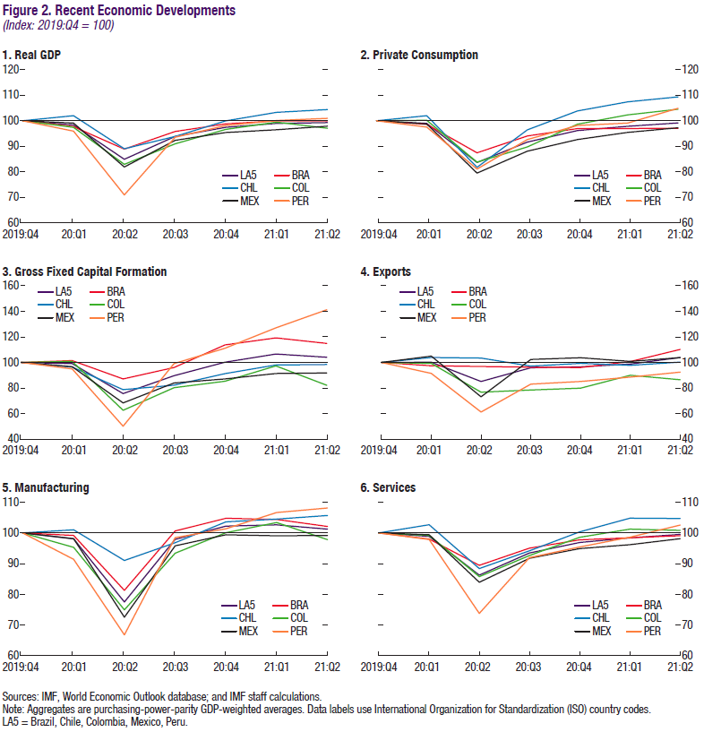

 | 1. Real GDP
 | (Index: 2019Q4 = 100)

 |  | LA5 | BRA | CHL

 | 2019Q4 | 100.0 | 100.0 | 100.0
 | 2020Q1 | 98.3 | 97.7 | 101.9
 | 2020Q2 | 84.9 | 88.9 | 89.0
 | 2020Q3 | 93.9 | 95.8 | 93.9
 | 2020Q4 | 97.4 | 98.8 | 99.9
 | 2021Q1 | 98.9 | 99.9 | 103.3
 | 2021Q2 | 99.3 | 99.9 | 104.3

Figure 3
Back to TOC
 | Figure 3. Global Economic Conditions

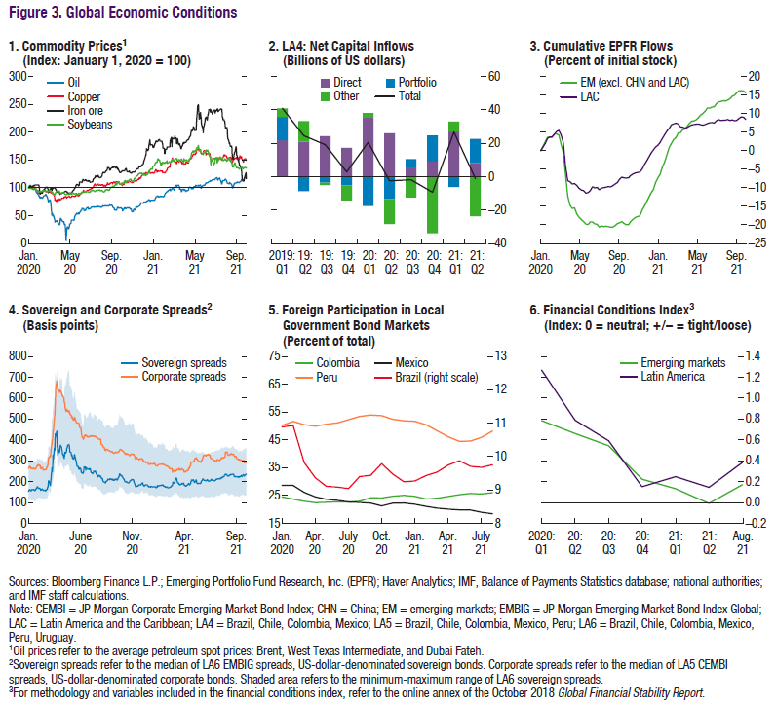

 | 1. Commodity Prices
 | (Index: January 1, 2020 = 100)
...
 |  | Oil | Copper | Iron ore
 | 2020-01-01 | 100 | 100 | 100
 | 2020-01-02 | 100.10894942 | 100.2358107 | 100.54347826
 | 2020-01-03 | 103.60051881 | 99.268173687 | 101.63043478
 | 2020-01-06 | 104.6381323 | 99.43893316 | 102.17391304
 | 2020-01-07 | 103.47081712 | 99.65034965 | 102.7173913
 | 2020-01-08 | 100.58106355 | 100.0544804 | 103.26086957
 | 2020-01-09 | 98.941634241 | 100.05691982 | 102.17391304
 | 2020-01-10 | 98.319066148 | 100.37811026 | 101.63043478
 | 2020-01-13 | 97.608300908 | 101.89055131 | 101.63043478
 | 2020-01-14 | 97.38002594 | 101.96779964 | 103.80434783
 | 2020-01-15 | 96.477302205 | 101.68320052 | 103.80434783
 | 2020-01-16 | 97.234760052 | 101.65880631 | 103.80434783
 | 2020-01-17 | 97.437094682 | 101.59782078 | 104.34782609
 | 2020-01-20 | 97.354085603 | 101.37014149 | 104.89130435
 | 2020-01-21 | 96.46692607 | 99.666612457 | 104.89130435
 | 2020-01-22 | 94.604409857 | 98.776223776 | 104.89130435
 | 2020-01-23 | 92.897535668 | 96.861278257 | 104.89130435
 | 2020-01-24 | 91.159533074 | 95.946495365 | 104.89130435
 | 2020-01-27 | 89.680933852 | 92.950073183 | 104.89130435
 | 2020-01-28 | 88.575875486 | 92.291429501 | 104.89130435
 | 2020-01-29 | 88.778210117 | 91.279069767 | 104.89130435
 | 2020-01-30 | 87.081712062 | 90.555374858 | 104.89130435
 | 2020-01-31 | 85.84695201 | 90.278907139 | 104.89130435
 | 2020-02-03 | 82.189364462 | 89.502358107 | 90.760869565
 | 2020-02-04 | 81.271076524 | 90.98227354 | 88.586956522
 | 2020-02-05 | 83.237354086 | 92.754919499 | 90.760869565
 | 2020-02-06 | 83.263294423 | 93.05984713 | 90.217391304
 | 2020-02-07 | 82.453955901 | 91.856399415 | 90.217391304
 | 2020-02-10 | 80.97535668 | 91.913319239 | 90.217391304
 | 2020-02-11 | 81.60311284 | 93.173686778 | 92.391304348
 | 2020-02-12 | 83.745784695 | 93.462351602 | 94.565217391
 | 2020-02-13 | 84.103761349 | 93.872987478 | 96.195652174
 | 2020-02-14 | 85.483787289 | 93.523337128 | 96.195652174
 | 2020-02-17 | 85.654993515 | 94.271426248 | 97.826086957
 | 2020-02-18 | 85.924773022 | 93.450154497 | 99.456521739
 | 2020-02-19 | 87.725032425 | 93.442023093 | 98.369565217
 | 2020-02-20 | 88.274967575 | 92.82810213 | 100.54347826
 | 2020-02-21 | 87.278858625 | 93.446088795 | 101.08695652
 | 2020-02-24 | 84.02075227 | 92.140998536 | 101.08695652
 | 2020-02-25 | 82.516212711 | 92.092210115 | 99.456521739
 | 2020-02-26 | 79.922178988 | 91.807610994 | 99.456521739
 | 2020-02-27 | 77.514915694 | 91.043259067 | 95.652173913
 | 2020-02-28 | 74.407263294 | 91.352252399 | 91.847826087
...

Figure 4
Back to TOC
 | Figure 4. Corporate and Banking Financial Conditions

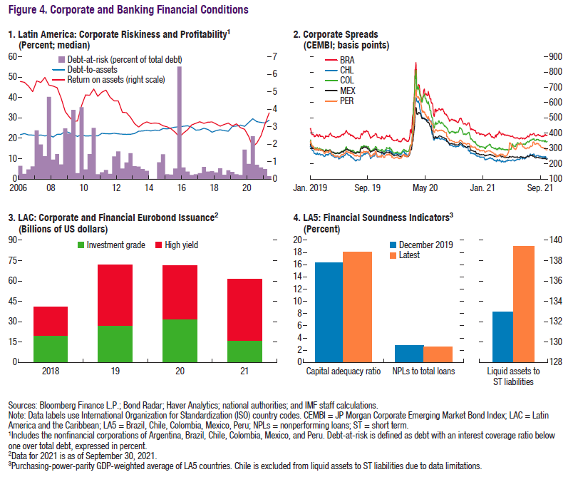

 | 1. Latin America: Corporate Riskiness and Profitability1
 | (Percent; median)
...
 |  | DTA | DaR | ROA
 | Mar-06 | 21.758476257 | 6.4376659691 | 5.5834503174
 | Jun-06 | 22.262918472 | 2.5019414723 | 5.535900116
 | Sep-06 | 21.639736176 | 4.6777628362 | 5.321199894
 | Dec-06 | 21.549152374 | 6.1720624566 | 5.0013999939
 | Mar-07 | 21.285028458 | 23.856136203 | 5.615049839
 | Jun-07 | 21.579130173 | 16.92366004 | 5.5260000229
 | Sep-07 | 21.10115242 | 11.126530915 | 5.8157501221
 | Dec-07 | 21.616950989 | 40.325158834 | 5.3780999184
 | Mar-08 | 20.551696777 | 9.4987764955 | 5.3193502426
 | Jun-08 | 21.890604019 | 12.236700207 | 5.2288999557
 | Sep-08 | 22.003593445 | 7.144960016 | 4.6195998192
 | Dec-08 | 23.454568863 | 24.757027626 | 3.859650135
 | Mar-09 | 22.682598114 | 22.263900936 | 3.5489001274
 | Jun-09 | 21.736164093 | 33.91264379 | 3.2973001003
 | Sep-09 | 20.875743866 | 2.8909383342 | 3.3175001144
 | Dec-09 | 21.741029739 | 35.208332539 | 4.1937999725
 | Mar-10 | 21.072675705 | 4.6965070069 | 4.815100193
 | Jun-10 | 21.15896225 | 12.199294567 | 4.7976503372
 | Sep-10 | 21.192899704 | 25.091820955 | 5.1514000893
 | Dec-10 | 21.133483887 | 2.3502225056 | 4.7333498001
 | Mar-11 | 22.402065277 | 3.2397139817 | 4.9673500061
 | Jun-11 | 22.209779739 | 4.4700752944 | 5.0882000923
 | Sep-11 | 22.131385803 | 2.4788020179 | 4.6725001335
 | Dec-11 | 22.446743011 | 11.024698615 | 4.4706001282
 | Mar-12 | 22.130821228 | 13.555432856 | 4.4717001915
 | Jun-12 | 22.022806168 | 5.0768017769 | 3.8153500557
 | Sep-12 | 21.923696518 | 8.0440655351 | 3.7946000099
 | Dec-12 | 21.974449158 | 12.602140009 | 3.5280001163
 | Mar-13 | 22.314434052 | 6.2152747065 | 3.1714999676
 | Jun-13 | 23.450679779 | 6.114481017 | 2.9732999802
 | Sep-13 | 23.520004272 | 4.8654001206 | 3.1587500572
 | Dec-13 | 23.896615982 | 3.9981741458 | 3.2697000504
 | Mar-14 | 23.593242645 | 0.10333724786 | 3.1754000187
 | Jun-14 | 24.000347137 | 0.096370332176 | 3.2009501457
 | Sep-14 | 23.781326294 | 8.1353515387 | 3.1779000759
 | Dec-14 | 24.768327713 | 12.122542411 | 3.0461499691
 | Mar-15 | 24.551431656 | 2.3326912895 | 2.9858500957
 | Jun-15 | 25.035591125 | 2.0993553102 | 2.8640999794
 | Sep-15 | 25.453084946 | 5.0677962601 | 2.6683001518
...

Figure 5
Back to TOC
 | Figure 5. Economic Policy Developments

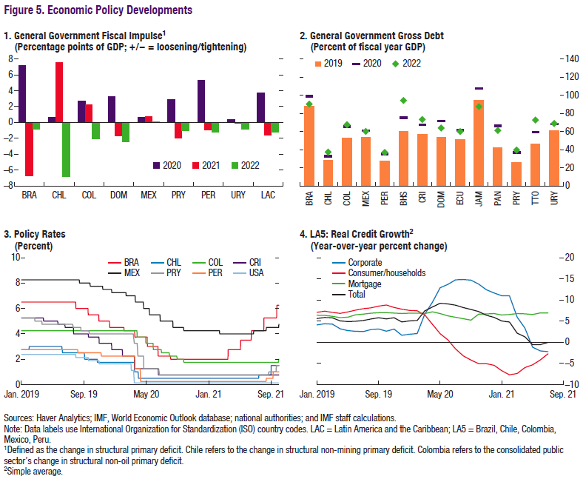

 | 1. General Government Fiscal Impulse
 | (Percentage points of GDP; +/– = loosening/tightening)

 |  | 2020 | 2021 | 2022
 | BRA | 7.2 | -6.7 | -0.8
 | CHL | 0.7 | 7.6 | -6.8
 | COL | 2.7 | 2.2 | -2.0
 | DOM | 3.3 | -1.7 | -2.5
 | MEX | 0.7 | 0.8 | 0.1
 | PRY | 2.9 | -2.0 | -1.0
 | PER | 5.3 | -1.0 | -1.2
 | URY | 0.4 | -0.1 | -0.8
 | LAC | 3.7 | -1.6 | -1.2
...

Figure 6
Back to TOC
 | Figure 6. Inflation Developments
 | (Index: January 2019 = 100)
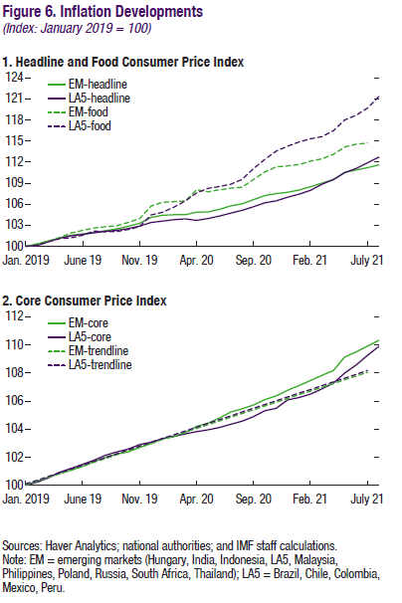

 | 1. Headline and Food Consumer Price Index

 |  | EM-headline | LA5-headline
 | Jan-2019 | 100.00 | 100.00
 | Feb-2019 | 100.32 | 100.09
 | Mar-2019 | 100.76 | 100.65
 | Apr-2019 | 101.17 | 101.18
 | May-2019 | 101.57 | 101.51
 | Jun-2019 | 101.77 | 101.69
 | Jul-2019 | 101.97 | 101.92
 | Aug-2019 | 102.24 | 102.12
 | Sep-2019 | 102.50 | 102.27
 | Oct-2019 | 102.85 | 102.54
 | Nov-2019 | 103.27 | 102.89
 | Dec-2019 | 104.12 | 103.39
 | Jan-2020 | 104.43 | 103.59
 | Feb-2020 | 104.49 | 103.79
 | Mar-2020 | 104.50 | 103.92
 | Apr-2020 | 104.86 | 103.69
 | May-2020 | 104.90 | 103.96
 | Jun-2020 | 105.27 | 104.31
 | Jul-2020 | 105.76 | 104.72
 | Aug-2020 | 106.05 | 105.13
 | Sep-2020 | 106.63 | 105.63
 | Oct-2020 | 107.22 | 106.21
 | Nov-2020 | 107.50 | 106.47
 | Dec-2020 | 107.70 | 107.00
 | Jan-2021 | 108.02 | 107.44
 | Feb-2021 | 108.50 | 107.97
 | Mar-2021 | 109.01 | 108.85
 | Apr-2021 | 109.50 | 109.50
 | May-2021 | 110.53 | 110.50
 | Jun-2021 | 110.88 | 111.08
 | Jul-2021 | 111.20 | 111.91
 | Aug-2021 | 111.59 | 112.70

Figure 7
Back to TOC
 | Figure 7. LAC: Growth Outlook

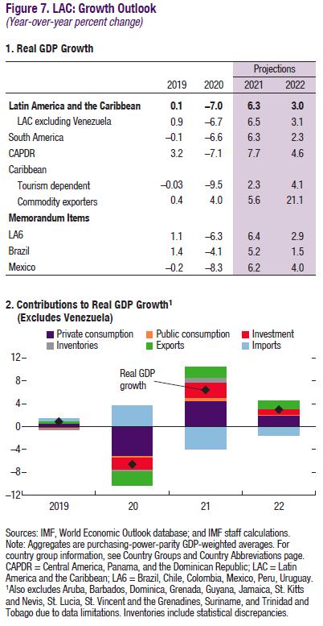

 | 1. Real Retail Sales Growth
...

Figure 8
Back to TOC
 | Figure 8. Commodity Price and Economic Growth

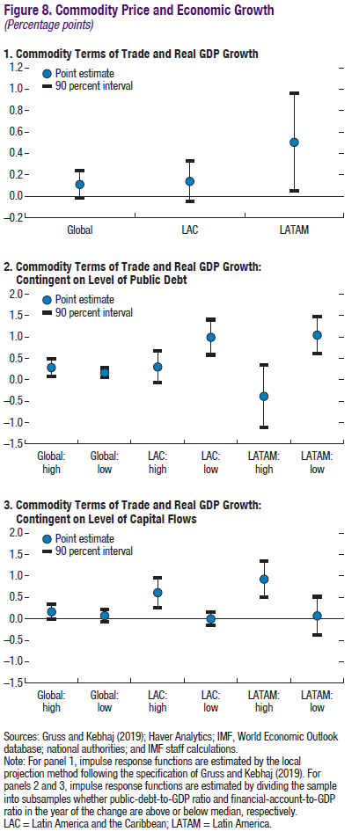

 | 1. Commodity Terms of Trade and Real GDP Growth
 | (Percentage points)

 |  | Global | LAC | LATAM
 |  | Global | LAC | LATAM
 | Point estimate | 0.111 | 0.139 | 0.504
 | 90interval_up | 0.23892 | 0.32924 | 0.96156
 | 90interval_down | -0.01692 | -0.05124 | 0.04644

Figure 9
Back to TOC
 | Figure 9. Private Sector Savings and Household Debt

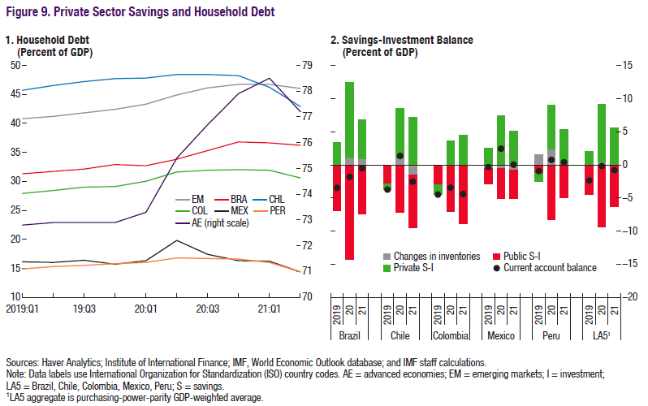

 | 1. Household Debt
 | (Percent of GDP)

 |  | AE | EM | BRA
 | Q1-2019 | 72.8 | 40.8 | 31.3
 | Q2-2019 | 72.9 | 41.2 | 31.7
 | Q3-2019 | 72.9 | 41.8 | 32.1
 | Q4-2019 | 72.9 | 42.4 | 32.9
 | Q1-2020 | 73.3 | 43.3 | 32.7
 | Q2-2020 | 75.4 | 44.9 | 33.8
 | Q3-2020 | 76.7 | 46.1 | 35.3
 | Q4-2020 | 77.9 | 46.7 | 36.8
 | Q1-2021 | 78.5 | 46.7 | 36.6
 | Q2-2021 | 77.2 | 46.0 | 36.2
...

Figure 10
Back to TOC
 | Figure 10. Inflation

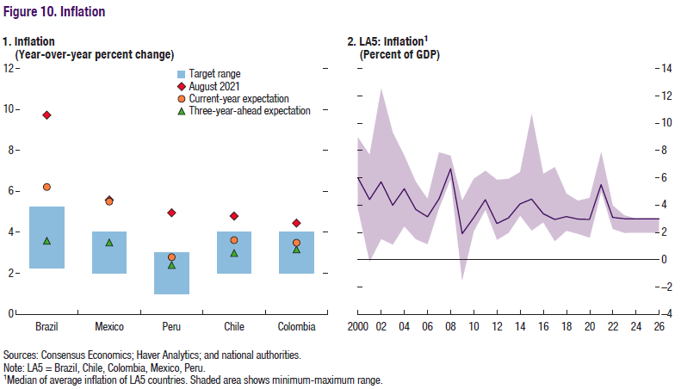

 | 1. Inflation (Year-over-year percent change)
 | (Year-over-year percent change)

 |  | August 2021 | Current-year expectation | One-year-ahead expectation
...
 | Brazil | 9.7 | 6.2 | 3.9
 | Mexico | 5.6 | 5.5 | 3.6
 | Peru | 5.0 | 2.8 | 2.5
 | Chile | 4.8 | 3.6 | 3.2
 | Colombia | 4.5 | 3.5 | 3.3
...

Figure 11
Back to TOC
 | Figure 11. Medium-Term Projections on GDP and GDP per Capita

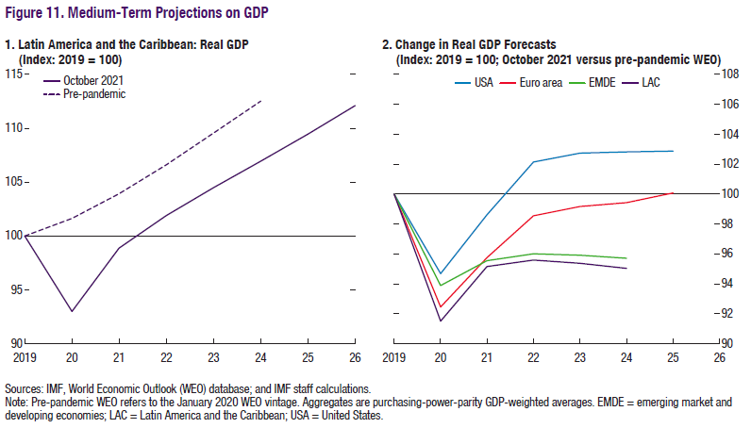

 | 1. Latin America and the Caribbean: Real GDP
 | (Index: 2019 = 100; October 2021 versus Pre-pandemic WEO)

 |  | Oct-21 | Pre-pandemic
 | 2019 | 100.0 | 100.0
 | 2020 | 93.0 | 101.6
 | 2021 | 98.9 | 103.9
 | 2022 | 101.9 | 106.6
 | 2023 | 104.5 | 109.5
 | 2024 | 106.9 | 112.5
 | 2025 | 109.5 | #N/A
 | 2026 | 112.1 | #N/A

Figure 12
Back to TOC
 | Figure 12. Labor Market Developments

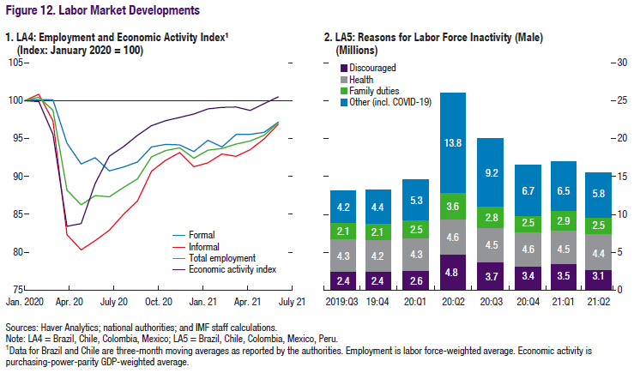

 | 1. LA4: Employment and Economic Activity Index1
 | (Index: January 2020 = 100)

 |  | Formal | Informal
 | Jan-20 | 100.0 | 100.0
 | Feb-20 | 100.1 | 100.9
 | Mar-20 | 100.1 | 97.3
 | Apr-20 | 94.4 | 82.3
 | May-20 | 91.6 | 80.3
 | Jun-20 | 92.5 | 81.5
 | Jul-20 | 90.7 | 82.9
 | Aug-20 | 91.2 | 85.0
 | Sep-20 | 91.9 | 86.8
 | Oct-20 | 93.9 | 90.7
 | Nov-20 | 94.2 | 92.1
 | Dec-20 | 94.1 | 93.1
 | Jan-21 | 93.3 | 91.3
 | Feb-21 | 94.8 | 91.8
 | Mar-21 | 93.9 | 93.0
 | Apr-21 | 95.5 | 92.6
 | May-21 | 95.6 | 93.5
 | Jun-21 | 95.8 | 95.0
 | Jul-21 | 97.2 | 96.9
 | Aug-21 | #N/A | #N/A

Figure 13
Back to TOC
 | Figure 13. LA7: Potential Output and Production Factors Post-Pandemic Relative to Pre-Pandemic
 | (Percent of pre-pandemic projection)
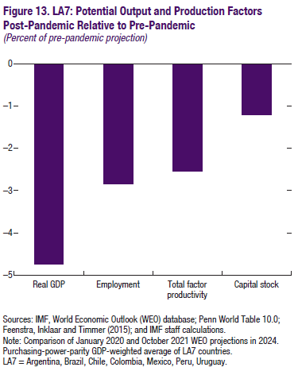

 |  | LA7
 | Real GDP | -4.7
 | Employment | -2.8
 | Total factor productivity | -2.5
 | Capital stock | -1.2

Figure 14
Back to TOC
 | Figure 14. Public Gross Financing Needs
 | (Percent of GDP)
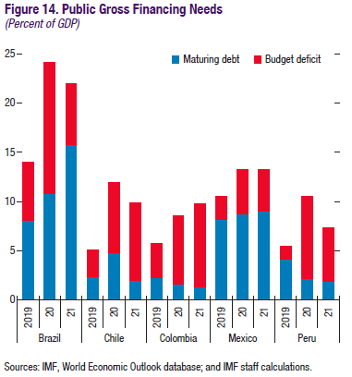

 |  |  | Maturing debt
 | Brazil | 2019 | 8.1
 |  | 2020 | 10.8
 |  | 2021 | 15.8
 | Chile | 2019 | 2.4
 |  | 2020 | 4.8
 |  | 2021 | 2.0
 | Colombia | 2019 | 2.3
 |  | 2020 | 1.6
 |  | 2021 | 1.3
 | Mexico | 2019 | 8.2
 |  | 2020 | 8.7
 |  | 2021 | 9.0
 | Peru | 2019 | 4.1
 |  | 2020 | 2.2
 |  | 2021 | 1.9

Figure 15
Back to TOC
 | Figure 15. Social Indicators

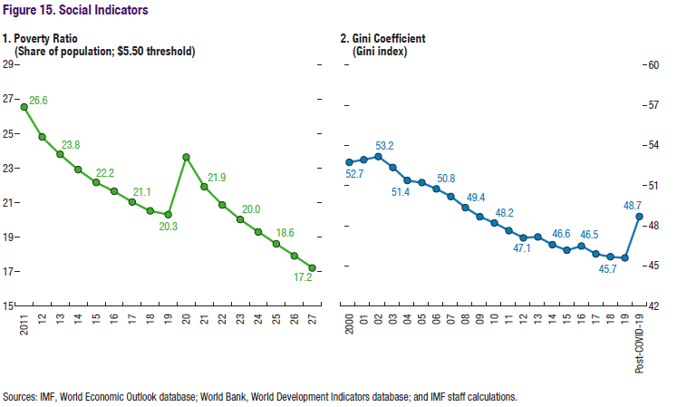

 | 1. Poverty Ratio
 | (Share of population; $5.5 threshold)
...
 | 2011 | 26.562453244
 | 2012 | 24.827032573
 | 2013 | 23.813658503
 | 2014 | 22.93095421
 | 2015 | 22.182249286
 | 2016 | 21.672709676
 | 2017 | 21.051071246
 | 2018 | 20.534017753
 | 2019 | 20.321163511
 | 2020 | 23.649782096
 | 2021 | 21.935762584
 | 2022 | 20.876789687
 | 2023 | 20.030561404
 | 2024 | 19.315410269
 | 2025 | 18.62103293
 | 2026 | 17.921786575
 | 2027 | 17.22254022
...

Figure 16
Back to TOC
 | Figure 16. Inflation and Monetary Policy Indicators

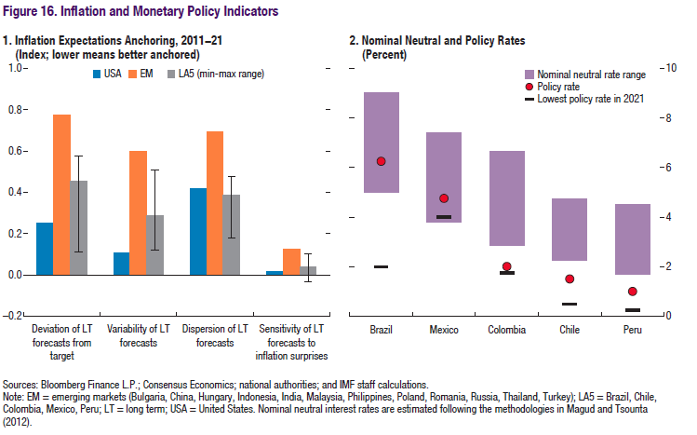

 | 1. Inflation Expectations Anchoring, 2011–21
 | (Index; lower means better anchored)

 |  | Deviation of LT forecasts from target | Variability of LT forecasts
 | US | 0.3 | 0.1
 | EM | 0.8 | 0.6
 | LA5 (min-max range) | 0.5 | 0.3
...

Figure 17
Back to TOC
 | Figure 17. Duration of Complete and Partial School Closures
 | (Number of weeks)
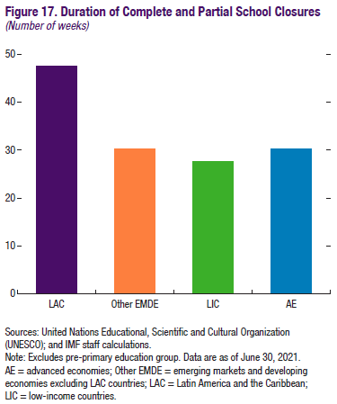

 | All Economies | 32.25
 | LAC | 47.45
 | Other EMDE | 30.17
 | LIC | 27.68
 | AE | 30.23

Figure 18
Back to TOC
 | Figure 18. LA7: Potential Output
 | (Index: 2019 = 100)
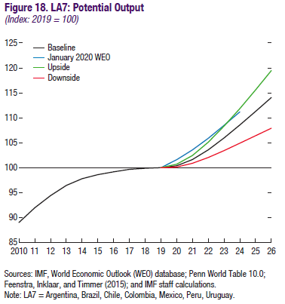

 |  | Baseline | January 2020 WEO | Upside
 | 2010 | 89.0
 | 2011 | 91.9
 | 2012 | 94.4
 | 2013 | 96.4
 | 2014 | 97.8
 | 2015 | 98.6
 | 2016 | 99.1
 | 2017 | 99.6
 | 2018 | 99.9
 | 2019 | 100.0 | 100.0 | 100.0
 | 2020 | 100.4 | 101.6 | 100.7
 | 2021 | 101.6 | 103.5 | 102.4
 | 2022 | 103.6 | 105.9 | 105.1
 | 2023 | 105.9 | 108.4 | 108.3
 | 2024 | 108.5 | 111.2 | 111.8
 | 2025 | 111.3 |  | 115.6
 | 2026 | 114.1 |  | 119.5

Table 1
Back to TOC

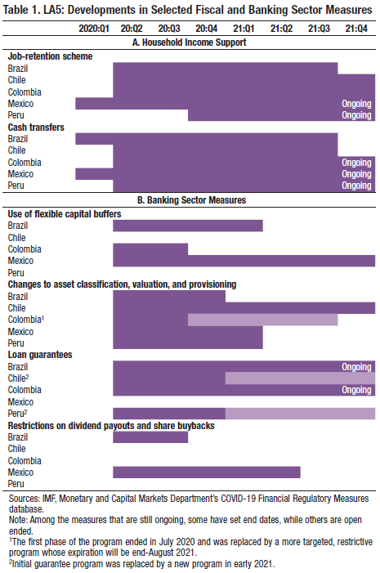

Box Figure 1.1
Back to TOC
 | Figure 1.1. COVID-19 Daily Cases per Million
 | (Fourteen-day moving average)
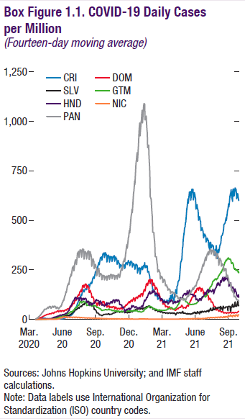

 |  | CRI | DOM | SLV
 | 2020-03-02
 | 2020-03-03
 | 2020-03-04
 | 2020-03-05
 | 2020-03-06
 | 2020-03-09
 | 2020-03-10
 | 2020-03-11
 | 2020-03-12
 | 2020-03-13
 | 2020-03-16
 | 2020-03-17
 | 2020-03-18
 | 2020-03-19
 | 2020-03-20 | 1 | 0 | 0
 | 2020-03-23 | 2 | 2 | 0
 | 2020-03-24 | 3 | 2 | 0
 | 2020-03-25 | 3 | 3 | 0
 | 2020-03-26 | 3 | 3 | 0
 | 2020-03-27 | 4 | 4 | 0
 | 2020-03-30 | 5 | 6 | 0
 | 2020-03-31 | 5 | 7 | 0
 | 2020-04-01 | 5 | 9 | 0
 | 2020-04-02 | 5 | 9 | 0
 | 2020-04-03 | 5 | 10 | 1
 | 2020-04-06 | 6 | 12 | 1
 | 2020-04-07 | 6 | 13 | 1
 | 2020-04-08 | 6 | 14 | 1
 | 2020-04-09 | 6 | 15 | 1
 | 2020-04-10 | 6 | 16 | 1
 | 2020-04-13 | 6 | 19 | 1
 | 2020-04-14 | 6 | 19 | 2
 | 2020-04-15 | 6 | 21 | 2
 | 2020-04-16 | 5 | 21 | 2
 | 2020-04-17 | 5 | 21 | 2
 | 2020-04-20 | 4 | 26 | 2
 | 2020-04-21 | 4 | 25 | 2
 | 2020-04-22 | 4 | 26 | 2
 | 2020-04-23 | 4 | 27 | 2
...

Box Figure 1.2
Back to TOC
 | Figure 1.2. Real GDP Growth
 | (Year-over-year percent change)
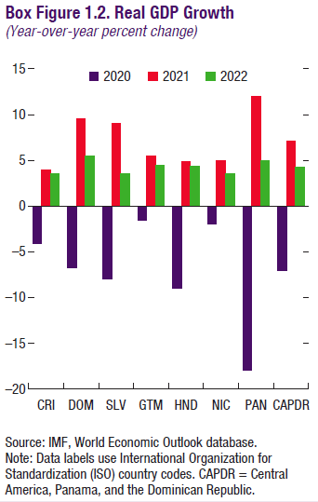

 |  | 2020 | 2021
 | CRI | -4.1 | 3.9
 | DOM | -6.7 | 9.5
 | SLV | -7.9 | 9.0
 | GTM | -1.5 | 5.5
 | HND | -9.0 | 4.9
 | NIC | -2.0 | 5.0
 | PAN | -17.9 | 12.0
 | CAPDR | -7.0 | 7.1

Box Figure 2.1
Back to TOC
 | Figure 2.1. Caribbean: Tourism Dependent: Total Tourist Arrivals
 | (Index: 2019 = 100)
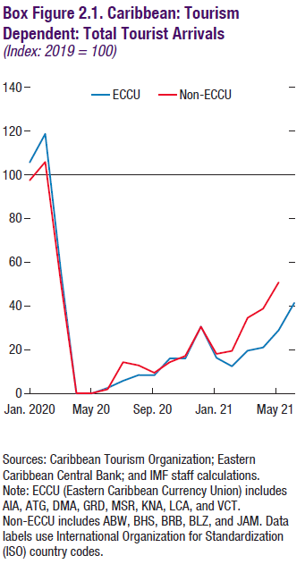

 |  | Jan-20 | Feb-20
 | ECCU | 105.7 | 118.8
 | Non-ECCU | 97.5 | 105.9

Box Figure 2.2
Back to TOC
 | Figure 2.2. Caribbean: Tourism-Dependent: Real GDP
 | (Index: 2019 = 100)
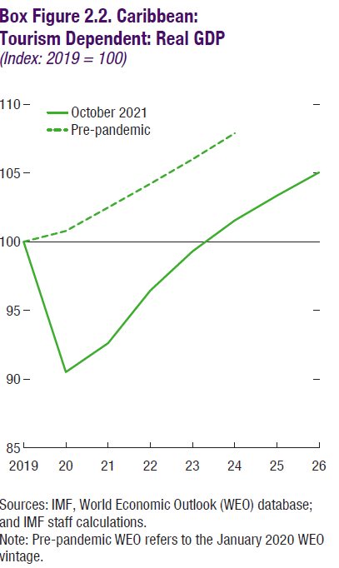

 |  | 2019 | 2020
 | October 2021 | 100.0 | 90.5
 | Pre-pandemic | 100.0 | 100.8

Annex Figure 2.1
Back to TOC
 | Annex Figure 2.1. LA5: Employment and Value Added at Risk versus Actual Losses
 | (Percent share; bars = Fall 2020 REO simulations; markers = actual/projection)
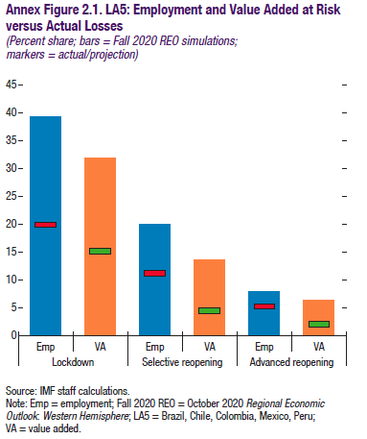

 |  |  | Bars
 |  |  | REO
 |  |  | Employment
 | Lockdown | Emp | 39.2
 |  | VA
 | Selective reopening | Emp | 19.9
 |  | VA
 | Advanced reopening | Emp | 8.0
 |  | VA

Annex Figure 2.2
Back to TOC
 | Annex Figure 2.2. Employment Across Countries and Worker Types

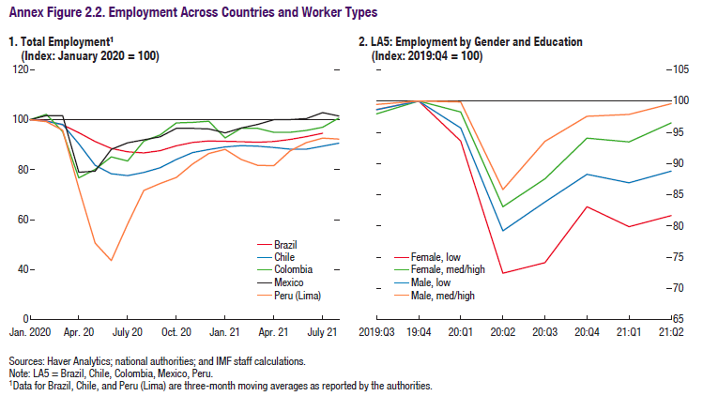

 | 1. Total Employment1
 | (Index: January 2020 = 100)

 |  | Brazil | Chile | Colombia
 | Jan-20 | 100 | 100 | 100
 | Feb-20 | 99.531603488 | 99.426589905 | 102.13970759
 | Mar-20 | 97.95222568 | 98.099749442 | 95.293571594
 | Apr-20 | 94.784973075 | 90.349443374 | 76.699930378
 | May-20 | 91.274654544 | 81.733372533 | 80.120677651
 | Jun-20 | 88.524816518 | 78.355112751 | 85.147365978
 | Jul-20 | 87.122813353 | 77.594003273 | 83.471803203
 | Aug-20 | 86.73938673 | 78.890895209 | 91.422603852
 | Sep-20 | 87.586961371 | 80.795862934 | 93.905778603
 | Oct-20 | 89.538082442 | 84.115432378 | 98.746809004
 | Nov-20 | 90.894414292 | 86.847659627 | 98.923184033
 | Dec-20 | 91.532750582 | 88.048891795 | 99.368763054
 | Jan-21 | 91.369183546 | 89.093250721 | 92.680436296
 | Feb-21 | 91.235355971 | 89.600071964 | 96.625667208
 | Mar-21 | 90.970887192 | 89.387141221 | 96.54676259
 | Apr-21 | 91.278903039 | 88.90357671 | 94.987236018
 | May-21 | 92.094613971 | 88.212237429 | 94.996518914
 | Jun-21 | 93.244893841 | 88.213115042 | 95.743792063
 | Jul-21 | 94.573610477 | 89.395259137 | 97.015548851
 | Aug-21 | #N/A | 90.600111457 | 100.68229288

Annex Figure 3.1
Back to TOC
 | Annex Figure 3.1. LA5: Impact of Normalization of Monetary Policy
 | (Percentage points, unless otherwise indicated)
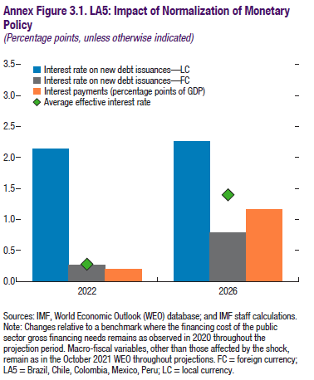

 |  | LC | FC
 | 2022 | 2.14 | 0.27
 | 2026 | 2.25 | 0.79

Annex Figure 3.2
Back to TOC
 | Annex Figure 3.2. LA5: Decomposition of Public Debt Changes
 | (Percentage points of GDP)
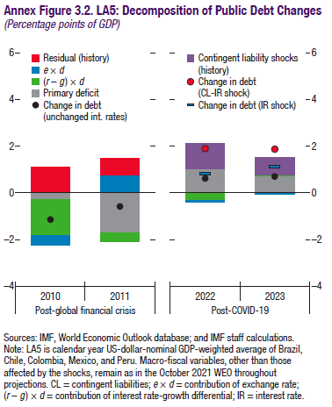

 |  | 2010 | 2011
 | Change in debt (unchanged int. rates) | -1.14 | -0.58
 | Primary deficit | -0.29 | -1.71
 | (r-g)*d | -1.55 | -0.37
 | e*d | -0.39 | 0.76
 | Residual (history) | 1.09 | 0.73
 | Change in debt (CL-IR shock)
 | Change in debt (IR shock)

Annex Figure 4.1
Back to TOC
 | Annex Figure 4.1. Total Tax Revenue Collection and PIT Micro-Simulations

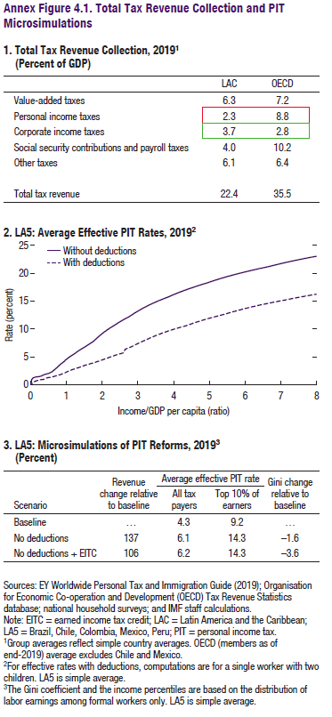

 | 1. Total Tax Revenue Collection, 20191
 | (Percent of GDP)

 |  | LAC | OECD
...
 | Value added taxes | 6.3 | 7.2
 | Personal income taxes | 2.3 | 8.8
 | Corporate income taxes | 3.7 | 2.8
 | Social security contributions and payroll taxes | 4.0 | 10.2
 | Other taxes | 6.1 | 6.4
...
 | Total tax revenue | 22.4 | 35.5
...

Annex Figure 5.1
Back to TOC
 | Annex Figure 5.1. Reduction of Gross Greenhouse Gas Emissions (excluding LULUCF) from Illustrative Scenario of Subsidy Removal and Carbon Tax
 | (Percent of 2030 BAU)
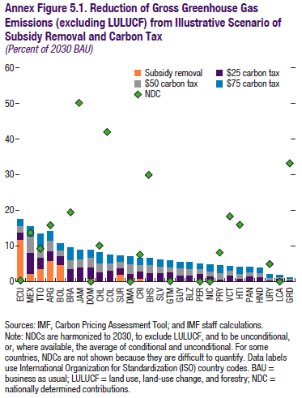

 |  | Subsidy removal | $25 carbon tax | $50 carbon tax
 | Ecuador | 11.93 | 2.02 | 1.79
 | Mexico | 2.49 | 5.52 | 4.13
 | Trinidad and Tobago | 3.85 | 3.43 | 3.02
 | Argentina | 5.25 | 2.67 | 2.93
 | Bolivia | 4.98 | 1.84 | 1.57
 | Brazil | 0.01 | 3.25 | 2.93
 | Jamaica | 0.00 | 3.69 | 3.00
 | Dominican Republic | 0.00 | 3.32 | 2.69
 | Chile | 0.00 | 2.52 | 2.29
 | Colombia | 0.01 | 3.08 | 1.95
 | Suriname | 1.93 | 1.79 | 1.79
 | Dominica | 0.00 | 2.14 | 2.67
 | Costa Rica | 0.38 | 2.11 | 1.95
 | Bahamas, The | 0.00 | 2.18 | 1.89
 | El Salvador | 0.00 | 1.88 | 1.90
 | Guatemala | 0.73 | 1.55 | 1.48
 | Guyana | 0.00 | 2.03 | 1.79
 | Belize | 0.00 | 1.76 | 1.80
 | Peru | 0.00 | 2.05 | 1.56
 | Nicaragua | 0.00 | 0.96 | 1.44
 | Paraguay | 0.00 | 0.59 | 1.59
 | St. Vincent and the Grenadines | 0.00 | 1.61 | 1.61
 | Haiti | 0.01 | 1.26 | 1.51
 | Panama | 0.00 | 1.76 | 1.36
 | Honduras | 0.20 | 1.40 | 1.30
 | Uruguay | 0.00 | 0.57 | 0.57
 | St. Lucia | 0.00 | 0.50 | 0.67
 | Grenada | 0.00 | 0.33 | 0.33

Annex Figure 5.2
Back to TOC
 | Annex Figure 5.2. Output and Fiscal Gains from Resilient Investment in the Long Run
 | (Change relative to no resilience; Output: percent; Fiscal: percentage points of GDP)
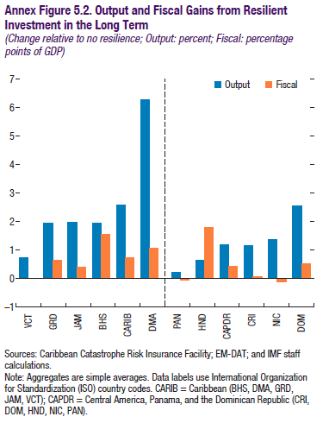

 |  | Output | Fiscal
 | VCT | 0.73 | 0.02
 | GRD | 1.94 | 0.65
 | JAM | 1.99 | 0.42
 | BHS | 1.94 | 1.55
 | CARIB | 2.58 | 0.74
 | DMA | 6.27 | 1.06
 | PAN | 0.23 | -0.05
 | HND | 0.64 | 1.80
 | CAPDR | 1.19 | 0.44
 | CRI | 1.16 | 0.06
 | NIC | 1.37 | -0.12
 | DOM | 2.56 | 0.53

