WEO Chapter 2 Apr. 2019
 |  |  | 2019-04-03

International Monetary Fund
World Economic Outlook


April 2019

Chapter 2. The Rise of Corporate Market Power
and Its Macroeconomic Effects

This datafile includes charts and underlying data from the Chapter 2 of the April 2019 World Economic Outlook. When using the data, please refer to the
IMF, World Economic Outlook, April 2019.

Disclaimer: Should there be any discrepancies with the print version, the latter represents the official version.

 | Please refer any questions to the WEO Data Forum: | https://forums.imf.org/

Figure 2.1.
Figure 2.1. Worrisome Macroeconomic Trends
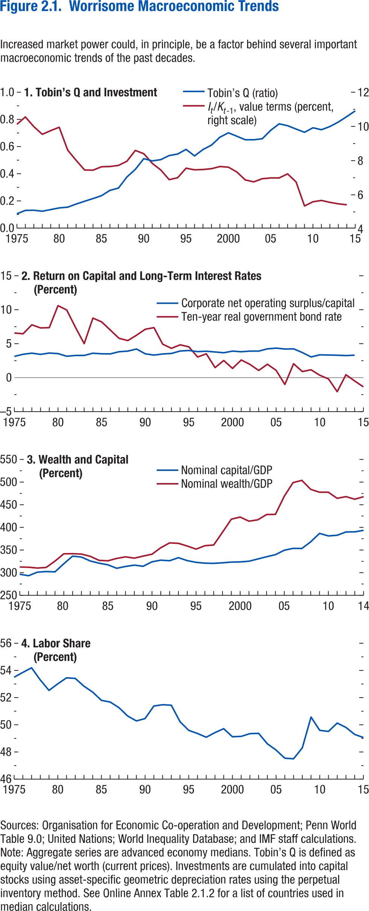

1. Tobin's Q and Investment |  |  | 2. Return on Capital and Long-Term Interest Rates |  | 3. Wealth and Capital |  | 4. Labor Share
 |  |  | (Percent) |  | (Percent) |  | (Percent)

 | Tobin's Q | It/Kt-1, value terms (percent, right scale) | Corporate net operating surplus/capital | Ten-year real government bond rate | Nominal capital/GDP | Nominal wealth/GDP | Labor share
1975 | 0.106 | 10.112 | 3.130 | 6.573268 | 296.5323 | 312.4654 | 53.50298
1976 | 0.130 | 10.545 | 3.442 | 6.462606 | 293.2598 | 312.0599 | 53.85399
1977 | 0.132 | 9.974 | 3.608 | 7.779917 | 301.1273 | 310.2175 | 54.19532
1978 | 0.124 | 9.523 | 3.427 | 7.322772 | 302.4996 | 311.5387 | 53.29955
1979 | 0.137 | 9.739 | 3.625 | 7.359806 | 301.7957 | 325.5621 | 52.53105
1980 | 0.149 | 9.939 | 3.541 | 10.59787 | 319.7089 | 341.6188 | 53.01353
1981 | 0.154 | 8.595 | 3.154 | 9.963957 | 336.5254 | 341.9296 | 53.4567
1982 | 0.177 | 7.990 | 3.269 | 7.410312 | 334.4666 | 341.0663 | 53.41715
1983 | 0.198 | 7.422 | 3.273 | 5.009357 | 325.7686 | 336.1004 | 52.8443
1984 | 0.218 | 7.412 | 3.600 | 8.76976 | 320.9507 | 327.1511 | 52.40031
1985 | 0.239 | 7.613 | 3.511 | 8.210282 | 317.3657 | 326.2061 | 51.79793
1986 | 0.278 | 7.627 | 3.500 | 7.000597 | 309.6879 | 331.4856 | 51.6754
1987 | 0.295 | 7.691 | 3.819 | 5.791537 | 313.7237 | 334.995 | 51.26865
1988 | 0.376 | 7.936 | 3.908 | 5.458158 | 316.6833 | 332.0166 | 50.64896
1989 | 0.432 | 8.574 | 4.218 | 6.246778 | 314.1195 | 336.6162 | 50.28523
1990 | 0.511 | 8.380 | 3.510 | 7.124564 | 324.001 | 340.6923 | 50.45983
1991 | 0.495 | 7.811 | 3.322 | 7.366739 | 327.6197 | 355.1151 | 51.38432
1992 | 0.504 | 7.425 | 3.485 | 4.924763 | 326.3459 | 365.7713 | 51.47517
1993 | 0.534 | 6.853 | 3.561 | 4.319225 | 333.0616 | 364.7947 | 51.44157
1994 | 0.545 | 6.965 | 3.925 | 4.83312 | 326.6655 | 358.8232 | 50.22821
1995 | 0.579 | 7.527 | 3.996 | 4.534936 | 322.7782 | 351.9429 | 49.5916
1996 | 0.531 | 7.432 | 3.834 | 3.037632 | 320.9951 | 359.5308 | 49.36123
1997 | 0.579 | 7.449 | 3.891 | 3.511934 | 320.6129 | 361.1675 | 49.08433
1998 | 0.611 | 7.498 | 3.782 | 1.479477 | 321.7316 | 389.3139 | 49.42493
1999 | 0.669 | 7.625 | 3.668 | 2.528726 | 323.406 | 418.1098 | 49.71245
2000 | 0.701 | 7.588 | 3.912 | 1.358058 | 323.8208 | 422.7537 | 49.12282
2001 | 0.676 | 7.304 | 3.815 | 2.600788 | 325.3116 | 413.6691 | 49.14744
2002 | 0.650 | 6.837 | 3.912 | 1.94949 | 330.2566 | 416.7493 | 49.34912
2003 | 0.650 | 6.722 | 3.912 | 1.062693 | 335.118 | 428.347 | 49.37038
2004 | 0.658 | 6.909 | 4.244 | 1.974243 | 339.7578 | 428.7539 | 48.60313
2005 | 0.720 | 6.954 | 4.348 | 1.076354 | 349.4824 | 468.6171 | 48.14043
2006 | 0.768 | 6.954 | 4.218 | -0.99869 | 353.6406 | 498.8931 | 47.54236
2007 | 0.754 | 7.192 | 4.244 | 2.048011 | 353.4689 | 503.7883 | 47.49785
2008 | 0.729 | 6.719 | 3.696 | 0.900921 | 368.12 | 483.952 | 48.3001
2009 | 0.705 | 5.303 | 3.052 | 1.161805 | 386.7415 | 477.6748 | 50.5672
2010 | 0.738 | 5.551 | 3.360 | 0.355797 | 381.1306 | 477.6699 | 49.59149
2011 | 0.724 | 5.629 | 3.334 | -0.18773 | 382.5839 | 464.1355 | 49.51497
2012 | 0.748 | 5.516 | 3.304 | -2.06148 | 389.9084 | 467.9069 | 50.12453
2013 | 0.781 | 5.428 | 3.247 | 0.435461 | 390.1136 | 462.1458 | 49.80772
2014 | 0.821 | 5.374 | 3.312 | -0.48268 | 393.4642 | 467.8102 | 49.29114
2015 | 0.863 |  |  | -1.35252 |  |  | 49.06519

Figure 2.2.
Sources: Baker, Bloom, and Davis 2016; www.PolicyUncertainty.com.
Note: The global index is calculated as the GDP-weighted average of monthly index values for sample of 18 advanced, emerging market, and middle-income economies. Each monthly national index value is proportional to the share of own-country newspaper articles that discussed economic policy uncertainty in that month.
Figure 1.7. Global Economic Policy Uncertainty Index, 2007–16
Uncertainty about future economic policies has reached a decade high.
Figure 2.2. Evolution of Market Power

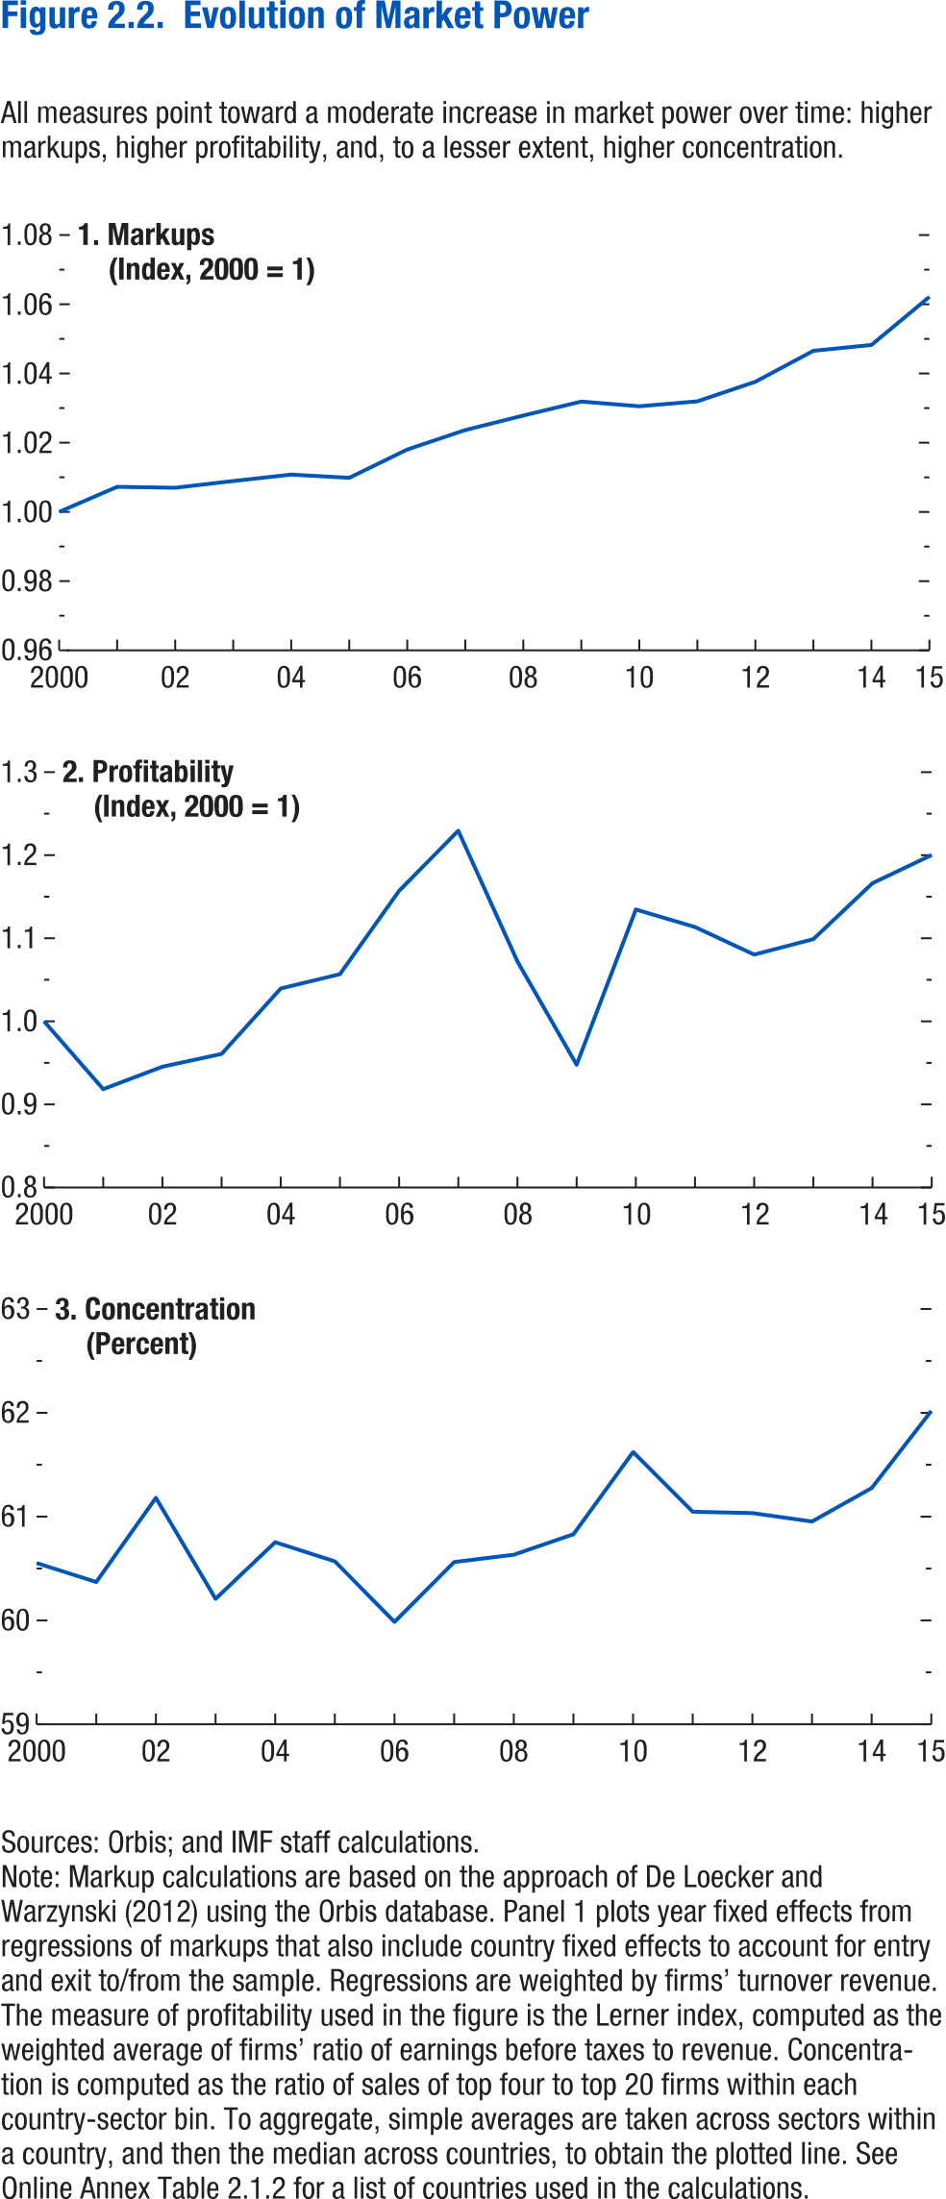
 | 1. Markups | 2. Profitability | 3. Concentration
 | (Index, 2000 = 1) | (Index, 2000 = 1) | (Percent)

2000 | 1 | 1 | 60.56299
2001 | 1.0072557498 | 0.9183008 | 60.38126
2002 | 1.0069787465 | 0.9453276 | 61.18806
2003 | 1.0089177695 | 0.9607172 | 60.21969
2004 | 1.0107715607 | 1.039558 | 60.76288
2005 | 1.0098434813 | 1.056711 | 60.57926
2006 | 1.0180265213 | 1.157134 | 59.99858
2007 | 1.0236502403 | 1.229368 | 60.57233
2008 | 1.0278510622 | 1.071868 | 60.64309
2009 | 1.0318806313 | 0.9476711 | 60.83876
2010 | 1.0305216579 | 1.134552 | 61.62794
2011 | 1.0319492902 | 1.113516 | 61.05536
2012 | 1.0375958956 | 1.080307 | 61.0424
2013 | 1.0465452324 | 1.098883 | 60.96129
2014 | 1.0482380303 | 1.166402 | 61.28219
2015 | 1.0621450156 | 1.200181 | 62.02207

 |  |  |  | 715 | 230
 |  |  |  | 685 | 228
 |  |  |  | 652 | 204
 |  |  |  | 667 | 204
 |  |  |  | 681 | 214
 |  |  |  | 761 | 234
 |  |  |  | 837 | 246
 |  |  |  | 759 | 232
 |  |  |  | 678 | 209
 |  |  |  | 755 | 220
 |  |  |  | 776 | 206
 |  |  |  | 814 | 179
 |  |  |  | 790 | 184
 |  |  |  | 711 | 168
 |  |  |  | 746 | 216
 |  |  |  | 673 | 211
 |  |  |  | 748 | 240
 |  |  |  | 738 | 267
 |  |  |  | 621 | 213
 |  |  |  | 558 | 190
 |  |  |  | 572 | 181
 |  |  |  | 563 | 184
 |  |  |  | 500 | 147
 |  |  |  | 496 | 153
 |  |  |  | 522 | 156
 |  |  |  | 601 | 200
 |  |  |  | 874 | 219
 |  |  |  | 803 | 191
 |  |  |  | 914 | 213
 |  |  |  | 762 | 200
 |  |  |  | 622 | 169
 |  |  |  | 615 | 183
 |  |  |  | 628 | 168
 |  |  |  | 576 | 170
 |  |  |  | 551 | 171
 |  |  |  | 465 | 132
 |  |  |  | 461 | 118
 |  |  |  | 458 | 120
 |  |  |  | 453 | 114
 |  |  |  | 408 | 94
 |  |  |  | 430 | 95
 |  |  |  | 408 | 87
 |  |  |  | 394 | 86
 |  |  |  | 347 | 86
 |  |  |  | 374 | 90
 |  |  |  | 384 | 87
 |  |  |  | 361 | 86
 |  |  |  | 412 | 89
 |  |  |  | 483 | 92
 |  |  |  | 450 | 83
 |  |  |  | 423 | 80
 |  |  |  | 372 | 74
 |  |  |  | 340 | 78
 |  |  |  | 337 | 81
 |  |  |  | 293 | 73
 |  |  |  | 264 | 69
 |  |  |  | 280 | 60
 |  |  |  | 247 | 59
 |  |  |  | 309 | 71
 |  |  |  | 352 | 72
 |  |  |  | 315 | 68
 |  |  |  | 298 | 60
 |  |  |  | 268 | 56
 |  |  |  | 307 | 65
 |  |  |  | 240 | 60
 |  |  |  | 261 | 74
 |  |  |  | 243 | 74
 |  |  |  | 257 | 80
 |  |  |  | 208 | 73
 |  |  |  | 185 | 67
 |  |  |  | 216 | 81
 |  |  |  | 205 | 79
 |  |  |  | 217 | 85
 |  |  |  | 242 | 95
 |  |  |  | 211 | 88
 |  |  |  | 211 | 87
 |  |  |  | 212 | 87
 |  |  |  | 197 | 79
 |  |  |  | 202 | 75
 |  |  |  | 156 | 66
 |  |  |  | 159 | 71
 |  |  |  | 182 | 69
 |  |  |  | 167 | 71
 |  |  |  | 158 | 68
 |  |  |  | 139 | 67
 |  |  |  | 156 | 74
 |  |  |  | 209 | 99
 |  |  |  | 203 | 97
 |  |  |  | 175 | 103
 |  |  |  | 167 | 96
 |  |  |  | 222 | 129
 |  |  |  | 210 | 143
 |  |  |  | 255 | 153
 |  |  |  | 267 | 161
 |  |  |  | 275 | 173
 |  |  |  | 220 | 164
 |  |  |  | 208 | 140
 |  |  |  | 250 | 171
 |  |  |  | 232 | 172
 |  |  |  | 248 | 168
 |  |  |  | 370 | 216
 |  |  |  | 627 | 423
 |  |  |  | 635 | 422
 |  |  |  | 590 | 414
 |  |  |  | 499 | 400
 |  |  |  | 555 | 374
 |  |  |  | 553 | 404
 |  |  |  | 475 | 303
 |  |  |  | 371 | 257
 |  |  |  | 384 | 259
 |  |  |  | 325 | 191
 |  |  |  | 320 | 224
 |  |  |  | 272 | 192
 |  |  |  | 261 | 196
 |  |  |  | 265 | 192
 |  |  |  | 200 | 146
 |  |  |  | 241 | 189
 |  |  |  | 238 | 176
 |  |  |  | 187 | 144
 |  |  |  | 197 | 159
 |  |  |  | 269 | 203
 |  |  |  | 287 | 211
 |  |  |  | 244 | 171
 |  |  |  | 261 | 170
 |  |  |  | 227 | 160
 |  |  |  | 192 | 136
 |  |  |  | 225 | 178
 |  |  |  | 190 | 149
 |  |  |  | 223 | 152
 |  |  |  | 209 | 158
 |  |  |  | 192 | 156
 |  |  |  | 199 | 162
 |  |  |  | 205 | 166
 |  |  |  | 199 | 149
 |  |  |  | 222 | 159
 |  |  |  | 267 | 192
 |  |  |  | 355 | 275
 |  |  |  | 302 | 217
 |  |  |  | 330 | 226
 |  |  |  | 346 | 221
 |  |  |  | 314 | 224
 |  |  |  | 293 | 195
 |  |  |  | 270 | 177
 |  |  |  | 271 | 187
 |  |  |  | 336 | 244
 |  |  |  | 294 | 202
 |  |  |  | 241 | 172
 |  |  |  | 234 | 158
 |  |  |  | 208 | 143
 |  |  |  | 214 | 127
 |  |  |  | 191 | 125
 |  |  |  | 178 | 114
 |  |  |  | 190 | 130
 |  |  |  | 202 | 141
 |  |  |  | 224 | 148
 |  |  |  | 204 | 133
 |  |  |  | 220 | 154
 |  |  |  | 269 | 183
 |  |  |  | 273 | 166
 |  |  |  | 322 | 185
 |  |  |  | 282 | 174
 |  |  |  | 264 | 162

 |  |  |  | 278 | 149
 |  |  |  | 295 | 176
 |  |  |  | 251 | 166
 |  |  |  | 267 | 155
 |  |  |  | 236 | 149
 |  |  |  | 222 | 132
 |  |  |  | 222 | 137
 |  |  |  | 215 | 132
 |  |  |  | 217 | 136
 |  |  |  | 241 | 142
 |  |  |  | 225 | 146

 |  |  |  | 238 | 170
 |  |  |  | 265 | 190
 |  |  |  | 251 | 150
 |  |  |  | 255 | 168
 |  |  |  | 255 | 165
 |  |  |  | 260 | 159
 |  |  |  | 265 | 166
 |  |  |  | 280 | 179
 |  |  |  | 319 | 187
 |  |  |  | 343 | 202
 |  |  |  | 287 | 178
 |  |  |  | 289 | 171
 |  |  |  | 317 | 175
 |  |  |  | 362 | 206
 |  |  |  | 353 | 199
 |  |  |  | 299 | 197
 |  |  |  | 281 | 183
 |  |  |  | 304 | 200
 |  |  |  | 293 | 200
 |  |  |  | 294 | 174
 |  |  |  | 258 | 153
 |  |  |  | 291 | 154
 |  |  |  | 282 | 155
 |  |  |  | 293 | 157
 |  |  |  | 276 | 159
 |  |  |  | 263 | 152
 |  |  |  | 242 | 130
 |  |  |  | 255 | 138
 |  |  |  | 254 | 138
 |  |  |  | 255 | 134
 |  |  |  | 255 | 132
 |  |  |  | 237 | 123
 |  |  |  | 244 | 130
 |  |  |  | 233 | 125
 |  |  |  | 237 | 109
 |  |  |  | 232 | 109
 |  |  |  | 232 | 108
 |  |  |  | 217 | 101
 |  |  |  | 226 | 120
 |  |  |  | 238 | 128
 |  |  |  | 242 | 130

Figure 2.3.
Figure 2.3. Markup Increases by Country Income Group
(Percent change, cumulative 2000-15)
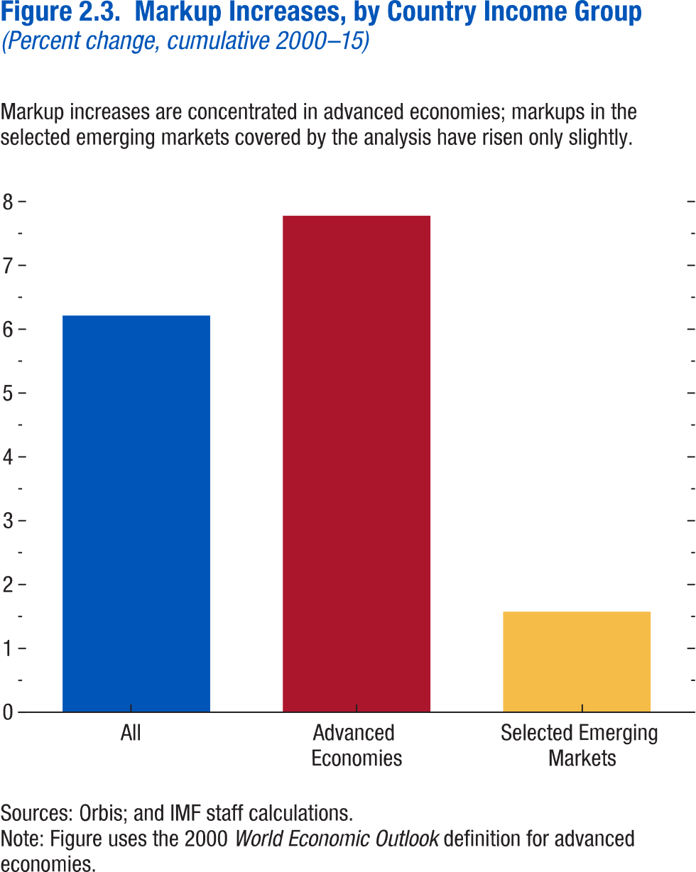
1. Weighted Average Inflation by Region

 | Markup increase
All | 6.214502
AEs | 7.777544
Selected EMs | 1.575673

Figure 2.4.
Figure 1.4. Fiscal Trends in Emerging Market and Middle-Income Economies
Figure 2.4. Decomposition of Markup Increases
(Percent)
2. Average Real GDP Growth: 2001–11 versus 2012–16
(Percent)
1. General Government Overall Balance, 2008–21
(Percent of GDP)
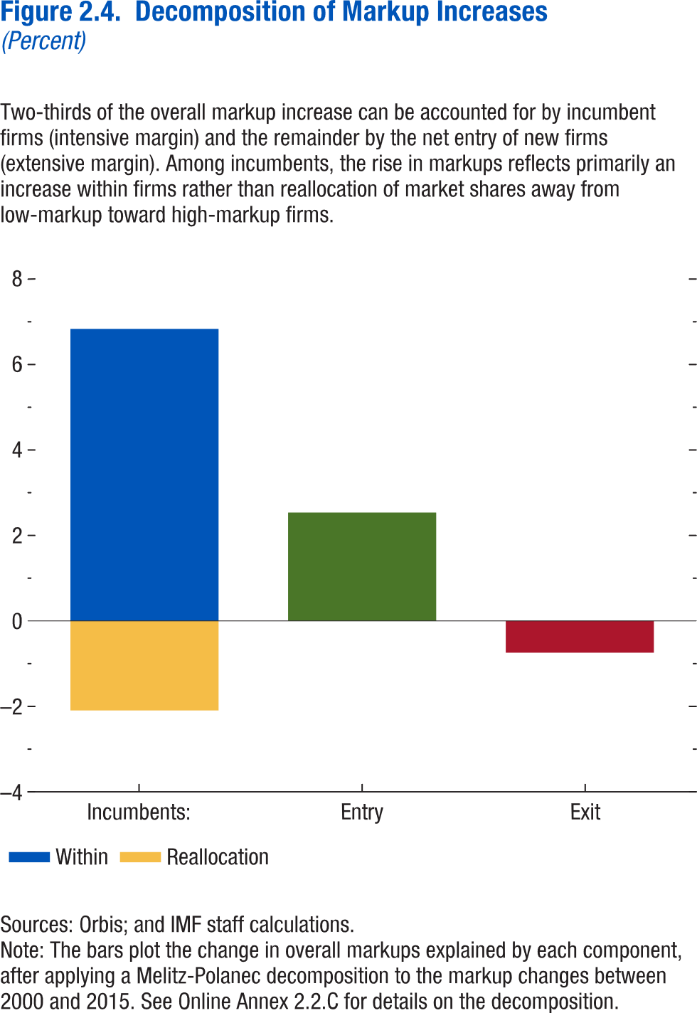

 | Within | Reallocation
Incumbents: | 6.83442 | -2.09523
Entry | 2.5358
Exit | -0.74352

4. Emerging Market and Middle-Income Economies: Decomposition of Change in Debt Ratio between 2014 and 2015²
(Percentage points)
3. Capital Flows in G20 Emerging Market and Middle-Income Economies¹, 2000–15
(Percent of GDP)

5. Oil Exporters in 2015: Currency Depreciation versus Revenue Ratio Decline
6. Gulf Region: Sovereign Wealth Funds and Foreign Reserve Assets³
(U.S. dollars, billion)

Sources: Sovereign Wealth Fund Institute; and IMF staff estimates.
Note: For a list of countries in the emerging market and middle-income economies, see Table A in the Methodological and Statistical Appendix. Data labels in the figure use International Organization for Standardization (ISO) country codes. EMMIEs = emerging market and middle-income economies; G20 = group of 20; Δdebt/y = annual change in gross debt to GDP; r minus g = Interest-growth rate differential.
¹ Capital inflows are net purchases of domestic assets by nonresidents. Capital outflows are net purchases of foreign assets by domestic residents. Emerging market and middle-income economies in the G20 include Argentina, Brazil, China, India, Indonesia, Mexico, Russia, Saudi Arabia, South Africa, and Turkey. 2015 figure includes data available up to Q3, and excludes Argentina due to unavailability of GDP figure. Numbers are aggregated over the sample of G20 EMMIEs using the simple average method.
² Average contributions over the sample of EMMIEs using the simple average method.
³ Gulf region includes Kuwait, Oman, Saudi Arabia, Qatar, and United Arab Emirates.

Figure 2.5.
Figure 2.5. Disconnect between Firms in the Top Decile and the Rest

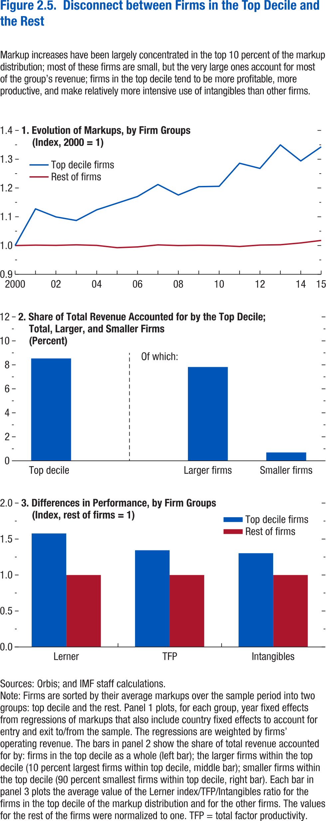
1. Evolution of Markups by Firm Groups |  |  | 2. Share of Revenue by the Top Decile; Total, Large, and Other Firms |  | 3. Differences in Performance by Firm Groups
 |  |  | (Percent)
year | Top decile firms | Rest of firms |  |  |  | Top decile firms | Rest of firms
2000 | 1 | 1 | Top Decile | 8.55349 | Lerner | 1.583437 | 1
2001 | 1.127421 | 1.001477 | Large Firms | 7.83968 | TFP | 1.349735 | 1
2002 | 1.099578 | 1.00066 | Other Firms | 0.71381 | Intangibles | 1.308748 | 1
2003 | 1.087049 | 1.002498
2004 | 1.124118 | 1.000544
2005 | 1.147232 | 0.99258
2006 | 1.170474 | 0.995203
2007 | 1.212158 | 1.002261
2008 | 1.175576 | 0.999979
2009 | 1.204489 | 1.001087
2010 | 1.205891 | 1.000026
2011 | 1.285961 | 0.99666
2012 | 1.268113 | 1.001652
2013 | 1.34975 | 1.002768
2014 | 1.29399 | 1.009115
2015 | 1.342952 | 1.01784

Figure 2.6.
1. Overall Fiscal Balance and Gross Debt, 2009–22
(Percent of GDP)
Fiscal deficits have continued to increase in 2016 …
Figure 1.6. Fiscal Trends in Low-Income Developing Countries
3. Interest Expenditure of the General Government, 2009–16¹
This has pushed up borrowing costs in recent years...
Sources: Dealogic; and IMF staff estimates.
Note: Frontier markets include Bangladesh, Bolivia, Côte d’Ivoire, Ghana, Kenya, Mongolia, Mozambique, Nigeria, Papua New Guinea, Senegal, Tanzania, Uganda, Vietnam, and Zambia. LIDC = low-income developing country.
¹ The coupon rate is based on the dollar-denominated government bonds issued by the following countries: Bolivia, Côte d’Ivoire, Ghana, Kenya, Mongolia, Mozambique, Rwanda, Senegal, Tanzania, Vietnam, and Zambia. It is calculated based on weighted averages using the face value of issued bonds.
4. Expected Change in Fiscal Balance Ratio, 2016–17
(Percent of GDP)
...but deficits are expected to stabilize in 2017 as commodity markets improve.
2. Change in Fiscal Balance Ratio: 2015–16
(Percent of GDP)
… driven by declining revenues in commodity exporters.
Figure 2.6. Patents and Markups: A Hump-Shaped Relationship
(Number of patents)
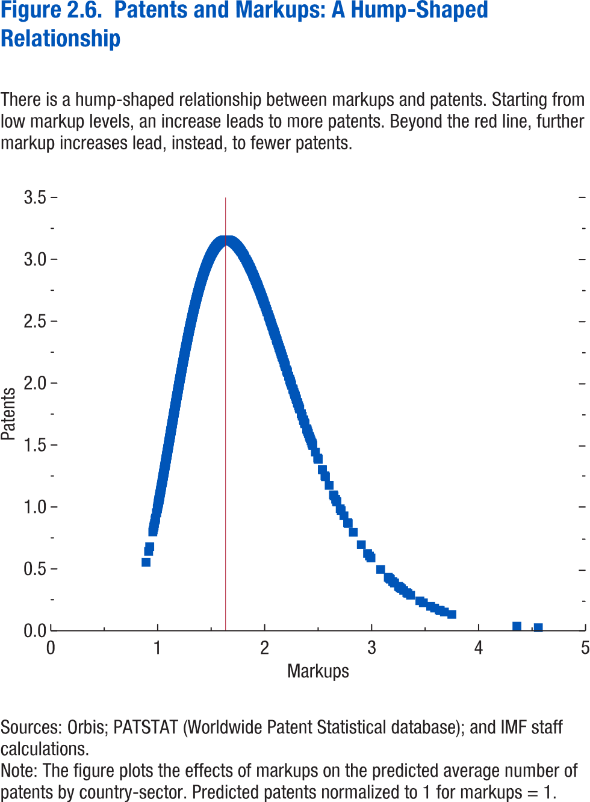

Markups | Patents
0.891171 | 0.550111
0.915324 | 0.638623
0.925193 | 0.676731
0.954156 | 0.79464
0.958052 | 0.811152
0.962952 | 0.832132
0.965694 | 0.843968
0.969934 | 0.862412
0.976102 | 0.88953
0.977196 | 0.894374
0.979703 | 0.905517
0.979822 | 0.906047
0.979997 | 0.906829
0.988888 | 0.946793
0.9895 | 0.949569
0.995866 | 0.97861
0.996665 | 0.982276
0.997034 | 0.983971
0.997963 | 0.988246
1.000512 | 1
1.002948 | 1.011282
1.005999 | 1.025472
1.006256 | 1.026671
1.007043 | 1.030342
1.008496 | 1.037136
1.009592 | 1.042269
1.010292 | 1.045551
1.01139 | 1.050704
1.011636 | 1.05186
1.011671 | 1.052028
1.011851 | 1.05287
1.012444 | 1.055663
1.012727 | 1.056992
1.014917 | 1.067318
1.015162 | 1.068477
1.016481 | 1.074715
1.016796 | 1.076204
1.016945 | 1.076914
1.017466 | 1.07938
1.018194 | 1.082832
1.019462 | 1.088854
1.019476 | 1.088919
1.019766 | 1.090295
1.020124 | 1.092
1.020964 | 1.095996
1.021676 | 1.09939
1.022031 | 1.101081
1.023152 | 1.106431
1.024262 | 1.111733
1.024777 | 1.114195
1.024927 | 1.114915
1.025508 | 1.117697
1.026315 | 1.121561
1.027344 | 1.126495
1.028272 | 1.130954
1.028634 | 1.132692
1.029156 | 1.135206
1.032197 | 1.149859
1.032205 | 1.149897
1.03272 | 1.152386
1.033463 | 1.155974
1.034049 | 1.158807
1.034078 | 1.158949
1.034201 | 1.159541
1.035554 | 1.166095
1.035614 | 1.166384
1.036407 | 1.170226
1.0367 | 1.17165
1.037356 | 1.174834
1.037819 | 1.177082
1.039949 | 1.187441
1.040374 | 1.189509
1.040562 | 1.190423
1.041068 | 1.192891
1.041088 | 1.19299
1.041341 | 1.19422
1.041546 | 1.195221
1.041944 | 1.19716
1.042049 | 1.197675
1.042719 | 1.200946
1.043316 | 1.203859
1.043598 | 1.205235
1.043732 | 1.205891
1.043793 | 1.206188
1.043945 | 1.206932
1.044252 | 1.208434
1.044306 | 1.2087
1.044769 | 1.210963
1.045235 | 1.213244
1.045288 | 1.213502
1.045336 | 1.213734
1.045436 | 1.214225
1.045626 | 1.215156
1.045772 | 1.215869
1.046173 | 1.217836
1.046619 | 1.22002
1.047737 | 1.225501
1.048111 | 1.227334
1.048355 | 1.228535
1.048396 | 1.228733
1.048964 | 1.231524
1.049147 | 1.232422
1.049338 | 1.233361
1.050136 | 1.237283
1.05079 | 1.240495
1.051031 | 1.241684
1.051223 | 1.242628
1.051778 | 1.245359
1.051795 | 1.245445
1.052303 | 1.247945
1.052629 | 1.24955
1.053014 | 1.251446
1.053079 | 1.251771
1.053198 | 1.252356
1.053469 | 1.253692
1.053941 | 1.256018
1.054167 | 1.257131
1.054195 | 1.257271
1.054674 | 1.259635
1.054798 | 1.260246
1.054909 | 1.260795
1.055564 | 1.264029
1.055947 | 1.26592
1.056027 | 1.266316
1.056535 | 1.268826
1.056624 | 1.269266
1.056785 | 1.270064
1.056871 | 1.270486
1.057766 | 1.274916
1.058305 | 1.27758
1.058644 | 1.279261
1.059174 | 1.281887
1.05922 | 1.282113
1.059454 | 1.283272
1.059526 | 1.283629
1.059725 | 1.284614
1.059744 | 1.284706
1.059947 | 1.285714
1.06016 | 1.286772
1.060223 | 1.28708
1.060271 | 1.28732
1.060297 | 1.287447
1.061339 | 1.292617
1.061563 | 1.29373
1.061701 | 1.294413
1.061734 | 1.294575
1.061788 | 1.294847
1.06198 | 1.295798
1.062169 | 1.296734
1.06232 | 1.297485
1.062392 | 1.297842
1.063088 | 1.301302
1.063198 | 1.301846
1.063364 | 1.30267
1.06355 | 1.303598
1.063991 | 1.305787
1.064056 | 1.306112
1.064332 | 1.307484
1.064402 | 1.307828
1.065218 | 1.31189
1.065292 | 1.312257
1.065544 | 1.313508
1.066064 | 1.316096
1.066176 | 1.316658
1.066763 | 1.319577
1.066927 | 1.320396
1.067182 | 1.321667
1.06725 | 1.322003
1.068119 | 1.326334
1.068403 | 1.32775
1.068414 | 1.327807
1.068439 | 1.327931
1.068991 | 1.330682
1.069093 | 1.331191
1.069131 | 1.331378
1.069558 | 1.333509
1.069932 | 1.335375
1.069971 | 1.335571
1.070056 | 1.335994
1.070206 | 1.336746
1.070448 | 1.337954
1.070793 | 1.339676
1.071174 | 1.341575
1.071223 | 1.341821
1.071407 | 1.342738
1.07148 | 1.343103
1.07153 | 1.343353
1.071813 | 1.34477
1.071822 | 1.344814
1.071957 | 1.34549
1.072303 | 1.347219
1.072534 | 1.348372
1.07292 | 1.3503
1.073085 | 1.351127
1.073439 | 1.352897
1.073458 | 1.352989
1.073501 | 1.353208
1.074009 | 1.355748
1.074213 | 1.356767
1.074245 | 1.356926
1.07434 | 1.3574
1.074519 | 1.358301
1.074737 | 1.35939
1.07485 | 1.359954
1.074947 | 1.360442
1.075286 | 1.36214
1.075495 | 1.363183
1.076063 | 1.366026
1.076496 | 1.368196
1.076647 | 1.36895
1.076774 | 1.369591
1.076811 | 1.369777
1.077322 | 1.372334
1.077422 | 1.372836
1.077966 | 1.375565
1.078004 | 1.375755
1.078561 | 1.378548
1.078564 | 1.37856
1.078697 | 1.379226
1.079093 | 1.381214
1.079339 | 1.382446
1.079537 | 1.38344
1.079788 | 1.384698
1.079996 | 1.385746
1.080035 | 1.38594
1.080038 | 1.385957
1.080119 | 1.386362
1.080136 | 1.386447
1.08017 | 1.386615
1.080178 | 1.386659
1.080358 | 1.387559
1.080385 | 1.387695
1.080389 | 1.387718
1.080415 | 1.387847
1.080431 | 1.387928
1.080472 | 1.388133
1.080591 | 1.388731
1.0807 | 1.389276
1.080928 | 1.390422
1.081367 | 1.392627
1.081535 | 1.393471
1.082069 | 1.396155
1.082132 | 1.396469
1.082352 | 1.397572
1.082763 | 1.399637
1.082882 | 1.400238
1.08308 | 1.401231
1.083095 | 1.401306
1.083147 | 1.401569
1.083148 | 1.401573
1.083442 | 1.403052
1.083482 | 1.403252
1.084292 | 1.407327
1.084495 | 1.408345
1.084519 | 1.408464
1.084648 | 1.409113
1.084787 | 1.409814
1.085028 | 1.411024
1.085073 | 1.411252
1.085171 | 1.411743
1.085223 | 1.412006
1.085579 | 1.413798
1.085814 | 1.414981
1.085864 | 1.415229
1.085912 | 1.415472
1.086059 | 1.41621
1.086222 | 1.417029
1.086268 | 1.417262
1.086532 | 1.418591
1.086992 | 1.420907
1.087114 | 1.421523
1.087319 | 1.422554
1.087549 | 1.423714
1.087675 | 1.424344
1.087724 | 1.424595
1.087725 | 1.424599
1.087872 | 1.425335
1.088042 | 1.426192
1.088476 | 1.42838
1.088481 | 1.428405
1.088635 | 1.42918
1.089008 | 1.431057
1.089115 | 1.431597
1.089372 | 1.432892
1.089447 | 1.433269
1.089553 | 1.433806
1.089556 | 1.433821
1.08962 | 1.434143
1.089705 | 1.434569
1.089937 | 1.435741
1.090028 | 1.436198
1.090032 | 1.436219
1.090432 | 1.438235
1.091093 | 1.441567
1.091141 | 1.441808
1.091387 | 1.44305
1.09163 | 1.444273
1.0918 | 1.445129
1.091822 | 1.44524
1.092013 | 1.446206
1.092413 | 1.448222
1.092457 | 1.448444
1.092878 | 1.450565
1.092883 | 1.450591
1.092915 | 1.450755
1.093143 | 1.451904
1.093433 | 1.453365
1.09344 | 1.453403
1.093563 | 1.454024
1.093733 | 1.454881
1.093901 | 1.455727
1.09391 | 1.455775
1.094045 | 1.456453
1.094073 | 1.456594
1.094145 | 1.456959
1.094435 | 1.458425
1.094472 | 1.458611
1.094495 | 1.458725
1.094713 | 1.459825
1.094785 | 1.46019
1.095286 | 1.462718
1.095483 | 1.463712
1.095898 | 1.465807
1.096031 | 1.46648
1.096331 | 1.467994
1.096641 | 1.469557
1.096806 | 1.470392
1.097119 | 1.471973
1.09714 | 1.472078
1.097163 | 1.472194
1.097196 | 1.47236
1.097196 | 1.472362
1.097624 | 1.474524
1.097836 | 1.475593
1.097943 | 1.476134
1.098124 | 1.477049
1.09819 | 1.47738
1.098191 | 1.477388
1.098412 | 1.478502
1.098467 | 1.478784
1.098713 | 1.480025
1.098879 | 1.480864
1.099003 | 1.48149
1.099028 | 1.481617
1.099293 | 1.482952
1.099306 | 1.483021
1.09931 | 1.483043
1.099371 | 1.483349
1.09981 | 1.485569
1.099815 | 1.485591
1.099856 | 1.485799
1.099971 | 1.486381
1.10004 | 1.486728
1.100111 | 1.487089
1.100307 | 1.488079
1.10054 | 1.489258
1.100598 | 1.489549
1.10062 | 1.489661
1.100637 | 1.489746
1.100941 | 1.491284
1.101064 | 1.491906
1.101134 | 1.492262
1.101157 | 1.492375
1.101269 | 1.492942
1.101452 | 1.493867
1.101724 | 1.495244
1.101896 | 1.496113
1.102431 | 1.498816
1.102485 | 1.499089
1.102487 | 1.4991
1.102696 | 1.500157
1.102717 | 1.500264
1.102852 | 1.500946
1.102859 | 1.500979
1.103013 | 1.501759
1.103073 | 1.502063
1.103085 | 1.502126
1.10329 | 1.503162
1.103421 | 1.503823
1.104107 | 1.507293
1.104176 | 1.507643
1.104445 | 1.509003
1.104614 | 1.509859
1.104649 | 1.510034
1.104673 | 1.510154
1.104934 | 1.511474
1.105073 | 1.512181
1.105207 | 1.512859
1.105766 | 1.515687
1.105804 | 1.515877
1.105845 | 1.516086
1.105847 | 1.516092
1.105852 | 1.516122
1.10586 | 1.51616
1.105918 | 1.516452
1.106106 | 1.517406
1.106186 | 1.517812
1.106475 | 1.51927
1.106488 | 1.519336
1.107053 | 1.522196
1.107078 | 1.522323
1.107253 | 1.523208
1.107898 | 1.526474
1.107914 | 1.526553
1.10793 | 1.526633
1.108069 | 1.527338
1.108162 | 1.527807
1.108292 | 1.528467
1.108311 | 1.528565
1.108318 | 1.5286
1.108435 | 1.529189
1.108495 | 1.529493
1.108681 | 1.530436
1.10879 | 1.530989
1.108918 | 1.531637
1.109205 | 1.533085
1.109255 | 1.533342
1.109271 | 1.533421
1.109309 | 1.533615
1.109432 | 1.534235
1.109533 | 1.534746
1.109561 | 1.534889
1.109639 | 1.535285
1.109702 | 1.535605
1.109766 | 1.535929
1.10981 | 1.536151
1.109932 | 1.536767
1.109971 | 1.536963
1.110121 | 1.537724
1.110166 | 1.537954
1.110225 | 1.538252
1.110402 | 1.539146
1.110473 | 1.539504
1.110543 | 1.539859
1.110591 | 1.540101
1.110777 | 1.541043
1.110988 | 1.542112
1.11101 | 1.542223
1.111041 | 1.542382
1.111194 | 1.543154
1.11132 | 1.543795
1.111346 | 1.543926
1.111421 | 1.544304
1.111591 | 1.545163
1.111651 | 1.545467
1.112066 | 1.547571
1.112206 | 1.548276
1.112268 | 1.548592
1.112305 | 1.548778
1.112403 | 1.549278
1.11252 | 1.549866
1.112566 | 1.550103
1.113123 | 1.552919
1.113448 | 1.554566
1.113624 | 1.555458
1.113889 | 1.556801
1.113982 | 1.557271
1.113992 | 1.557321
1.114192 | 1.558335
1.114219 | 1.558471
1.114322 | 1.558993
1.114346 | 1.559116
1.11437 | 1.559235
1.114385 | 1.559314
1.114529 | 1.560037
1.114573 | 1.560263
1.114593 | 1.560366
1.114631 | 1.560556
1.114672 | 1.560766
1.114895 | 1.56189
1.11532 | 1.564043
1.115387 | 1.564386
1.115397 | 1.564437
1.115498 | 1.564946
1.115892 | 1.566942
1.115926 | 1.567113
1.115939 | 1.567178
1.116013 | 1.567555
1.116132 | 1.568154
1.116316 | 1.569088
1.116324 | 1.569129
1.116341 | 1.569214
1.116431 | 1.569671
1.116518 | 1.570108
1.116535 | 1.570196
1.116568 | 1.570366
1.116618 | 1.570618
1.116831 | 1.571694
1.116836 | 1.571722
1.116937 | 1.572233
1.117015 | 1.572625
1.117019 | 1.572647
1.117108 | 1.573097
1.11717 | 1.573413
1.11736 | 1.574376
1.117485 | 1.575007
1.117518 | 1.575175
1.117524 | 1.575206
1.117603 | 1.575605
1.117722 | 1.576209
1.117783 | 1.576518
1.117807 | 1.576635
1.117821 | 1.576706
1.117879 | 1.577004
1.117902 | 1.577119
1.117945 | 1.577335
1.11796 | 1.577413
1.118041 | 1.577821
1.11809 | 1.57807
1.118105 | 1.578149
1.118141 | 1.578327
1.118348 | 1.579378
1.118415 | 1.579715
1.118416 | 1.579722
1.118559 | 1.580443
1.118591 | 1.580609
1.118597 | 1.580638
1.11867 | 1.581009
1.11904 | 1.58288
1.119079 | 1.583076
1.119133 | 1.583349
1.119318 | 1.58429
1.119329 | 1.584344
1.119329 | 1.584346
1.119403 | 1.584721
1.119639 | 1.585911
1.11972 | 1.586324
1.120093 | 1.588212
1.120116 | 1.58833
1.120219 | 1.588849
1.120269 | 1.589104
1.120273 | 1.589126
1.120424 | 1.589885
1.120457 | 1.590057
1.120543 | 1.59049
1.120725 | 1.591412
1.121125 | 1.593437
1.121207 | 1.593851
1.121214 | 1.593886
1.121444 | 1.595049
1.121941 | 1.597568
1.121944 | 1.597583
1.122152 | 1.598636
1.122268 | 1.599221
1.122374 | 1.599758
1.122405 | 1.599919
1.122456 | 1.600174
1.122583 | 1.600821
1.122681 | 1.601314
1.122698 | 1.601402
1.122772 | 1.601777
1.122785 | 1.60184
1.1228 | 1.601917
1.122818 | 1.602006
1.122841 | 1.602126
1.122859 | 1.602217
1.122873 | 1.602288
1.123003 | 1.602944
1.123148 | 1.603682
1.123209 | 1.60399
1.123314 | 1.60452
1.12332 | 1.604551
1.123469 | 1.605304
1.123514 | 1.605533
1.123523 | 1.605575
1.123567 | 1.6058
1.123588 | 1.605905
1.123592 | 1.605929
1.12366 | 1.606271
1.123776 | 1.606858
1.123914 | 1.607556
1.124061 | 1.6083
1.124076 | 1.608376
1.124193 | 1.608968
1.124389 | 1.609961
1.12441 | 1.610069
1.124441 | 1.610224
1.124446 | 1.61025
1.124554 | 1.610795
1.124682 | 1.611447
1.124746 | 1.61177
1.124753 | 1.611803
1.124847 | 1.61228
1.124976 | 1.612934
1.124992 | 1.613015
1.125077 | 1.613443
1.125236 | 1.614246
1.125266 | 1.6144
1.125362 | 1.614886
1.125406 | 1.615109
1.125493 | 1.615547
1.125574 | 1.615958
1.125619 | 1.616188
1.125623 | 1.616205
1.125756 | 1.616879
1.12576 | 1.6169
1.125885 | 1.61753
1.125889 | 1.617554
1.125908 | 1.617646
1.126013 | 1.618179
1.126156 | 1.618903
1.126157 | 1.618908
1.12627 | 1.619482
1.126322 | 1.619745
1.126347 | 1.619872
1.126352 | 1.619898
1.12639 | 1.620089
1.126417 | 1.620223
1.126486 | 1.620572
1.126512 | 1.620704
1.1269 | 1.622671
1.127105 | 1.623706
1.127417 | 1.625283
1.127557 | 1.625992
1.127673 | 1.626579
1.127854 | 1.627496
1.127957 | 1.628015
1.128034 | 1.62841
1.128035 | 1.628412
1.128044 | 1.62846
1.128359 | 1.63005
1.128438 | 1.630451
1.128584 | 1.63119
1.128619 | 1.631369
1.12878 | 1.632181
1.128891 | 1.632743
1.129018 | 1.633386
1.129138 | 1.633993
1.129194 | 1.634276
1.129337 | 1.634998
1.129479 | 1.635719
1.129564 | 1.636149
1.129632 | 1.636493
1.129679 | 1.636727
1.130034 | 1.638527
1.130185 | 1.639289
1.130493 | 1.640847
1.130565 | 1.641211
1.130599 | 1.641383
1.130711 | 1.641947
1.130719 | 1.641992
1.130924 | 1.643026
1.13109 | 1.643866
1.131179 | 1.644315
1.131451 | 1.645693
1.131477 | 1.645823
1.13164 | 1.646649
1.131677 | 1.646835
1.131954 | 1.648237
1.13196 | 1.648264
1.132037 | 1.648656
1.132052 | 1.648729
1.132292 | 1.649941
1.132402 | 1.650498
1.132444 | 1.650715
1.132451 | 1.650746
1.132464 | 1.650813
1.132577 | 1.651384
1.132581 | 1.651406
1.132753 | 1.652276
1.132831 | 1.652669
1.132863 | 1.652831
1.132957 | 1.653303
1.133019 | 1.653618
1.13304 | 1.653724
1.133083 | 1.653944
1.133142 | 1.654243
1.133177 | 1.654421
1.133193 | 1.6545
1.13325 | 1.654789
1.133324 | 1.655163
1.133591 | 1.656512
1.13365 | 1.65681
1.133716 | 1.657145
1.133813 | 1.657633
1.134073 | 1.65895
1.134126 | 1.659217
1.134281 | 1.659998
1.134281 | 1.659999
1.134477 | 1.660988
1.134642 | 1.661823
1.134649 | 1.66186
1.134663 | 1.661929
1.134682 | 1.662027
1.134805 | 1.662648
1.13481 | 1.662672
1.134822 | 1.662734
1.134824 | 1.662743
1.134868 | 1.662965
1.134985 | 1.663555
1.135077 | 1.664019
1.135108 | 1.664178
1.135138 | 1.664329
1.135146 | 1.664371
1.135322 | 1.665259
1.135519 | 1.666257
1.135636 | 1.666845
1.135692 | 1.667131
1.13576 | 1.667471
1.135929 | 1.668324
1.135981 | 1.66859
1.136049 | 1.668933
1.136089 | 1.669135
1.13612 | 1.66929
1.136124 | 1.669311
1.136137 | 1.669376
1.136214 | 1.669766
1.136254 | 1.669967
1.136353 | 1.670468
1.136385 | 1.670628
1.136397 | 1.670688
1.136642 | 1.671927
1.13676 | 1.672526
1.136781 | 1.672629
1.136959 | 1.673528
1.137059 | 1.674034
1.137074 | 1.67411
1.137075 | 1.674117
1.137091 | 1.674194
1.137289 | 1.675195
1.137362 | 1.675566
1.137475 | 1.676134
1.137578 | 1.676654
1.137621 | 1.676874
1.137637 | 1.676952
1.137942 | 1.678492
1.138005 | 1.678813
1.138509 | 1.681357
1.138517 | 1.681398
1.138567 | 1.681649
1.138641 | 1.682024
1.138653 | 1.682084
1.13884 | 1.68303
1.138868 | 1.683167
1.138978 | 1.683723
1.13898 | 1.683732
1.138995 | 1.68381
1.139122 | 1.684448
1.139211 | 1.684898
1.139458 | 1.686147
1.139587 | 1.686796
1.139601 | 1.686868
1.13964 | 1.687066
1.13977 | 1.687723
1.139883 | 1.688294
1.140195 | 1.689864
1.140225 | 1.690017
1.140338 | 1.690589
1.140344 | 1.69062
1.140508 | 1.691444
1.140621 | 1.692016
1.140977 | 1.693812
1.14114 | 1.694637
1.141172 | 1.694797
1.141356 | 1.695725
1.141462 | 1.696261
1.141467 | 1.696284
1.141611 | 1.697012
1.141682 | 1.69737
1.142659 | 1.702294
1.142841 | 1.703213
1.142987 | 1.703948
1.143286 | 1.705457
1.143327 | 1.705665
1.143362 | 1.705839
1.143419 | 1.706128
1.143454 | 1.706306
1.143567 | 1.706876
1.143626 | 1.70717
1.143688 | 1.707481
1.143741 | 1.70775
1.143811 | 1.708103
1.143955 | 1.708829
1.143982 | 1.708964
1.144132 | 1.709722
1.144176 | 1.709944
1.144258 | 1.710355
1.144265 | 1.71039
1.144274 | 1.710435
1.144333 | 1.710734
1.144411 | 1.711127
1.144593 | 1.712046
1.14461 | 1.71213
1.144686 | 1.712513
1.144696 | 1.712562
1.144728 | 1.712724
1.144805 | 1.713113
1.144879 | 1.713483
1.144905 | 1.713618
1.144929 | 1.713738
1.14499 | 1.714045
1.145102 | 1.714609
1.14516 | 1.714903
1.145267 | 1.715439
1.145273 | 1.715471
1.145403 | 1.716126
1.14551 | 1.716667
1.145662 | 1.717433
1.146007 | 1.719167
1.146218 | 1.720232
1.146356 | 1.720928
1.146394 | 1.721118
1.146403 | 1.721161
1.146488 | 1.72159
1.146535 | 1.721826
1.146646 | 1.722387
1.146675 | 1.722532
1.146961 | 1.72397
1.147146 | 1.724904
1.147277 | 1.725565
1.147285 | 1.725605
1.1473 | 1.72568
1.147523 | 1.726802
1.147543 | 1.726903
1.147543 | 1.726903
1.147614 | 1.727259
1.147714 | 1.727761
1.147822 | 1.728306
1.147863 | 1.728513
1.147886 | 1.728627
1.14798 | 1.729104
1.148053 | 1.729471
1.14825 | 1.730462
1.148409 | 1.73126
1.148509 | 1.731765
1.148516 | 1.731797
1.148541 | 1.731925
1.148631 | 1.732379
1.148974 | 1.734103
1.149039 | 1.73443
1.149075 | 1.734614
1.149192 | 1.7352
1.149331 | 1.735898
1.14944 | 1.736445
1.149658 | 1.737544
1.149788 | 1.738197
1.149932 | 1.738923
1.150022 | 1.739373
1.15003 | 1.739412
1.150075 | 1.739643
1.150225 | 1.740394
1.150644 | 1.742501
1.150999 | 1.744289
1.151111 | 1.744851
1.151195 | 1.745269
1.151661 | 1.747612
1.151795 | 1.748285
1.151836 | 1.748492
1.15187 | 1.748662
1.151962 | 1.749125
1.15201 | 1.749368
1.152051 | 1.749574
1.152356 | 1.751107
1.152629 | 1.752477
1.15266 | 1.75263
1.152797 | 1.75332
1.152813 | 1.7534
1.153092 | 1.754803
1.153105 | 1.754867
1.153204 | 1.755367
1.15336 | 1.756146
1.153482 | 1.756762
1.153522 | 1.756961
1.153585 | 1.757278
1.153692 | 1.757816
1.153708 | 1.757894
1.153819 | 1.75845
1.154033 | 1.759528
1.154038 | 1.759553
1.154087 | 1.7598
1.154114 | 1.759935
1.154308 | 1.760906
1.15441 | 1.76142
1.154422 | 1.761482
1.154457 | 1.761657
1.154617 | 1.762458
1.154795 | 1.763351
1.154809 | 1.763423
1.154835 | 1.76355
1.154887 | 1.763814
1.154912 | 1.763937
1.154924 | 1.763996
1.155025 | 1.764508
1.155164 | 1.765201
1.155571 | 1.767244
1.155724 | 1.768012
1.155839 | 1.768591
1.155888 | 1.768833
1.155984 | 1.769316
1.156056 | 1.769677
1.156219 | 1.770497
1.156273 | 1.770763
1.15637 | 1.771253
1.156522 | 1.772011
1.156649 | 1.772651
1.156743 | 1.773122
1.156757 | 1.77319
1.156781 | 1.773313
1.156974 | 1.774278
1.156976 | 1.774289
1.157098 | 1.774902
1.157205 | 1.775439
1.157209 | 1.775459
1.157615 | 1.77749
1.157651 | 1.77767
1.157652 | 1.777676
1.157654 | 1.777688
1.15787 | 1.778769
1.15803 | 1.779571
1.158243 | 1.780638
1.158732 | 1.783089
1.158901 | 1.783935
1.158962 | 1.784238
1.159024 | 1.784553
1.159053 | 1.784695
1.159086 | 1.784862
1.159257 | 1.785718
1.159421 | 1.786539
1.15949 | 1.786882
1.159542 | 1.787142
1.159696 | 1.787913
1.159993 | 1.7894
1.16014 | 1.790139
1.16015 | 1.790185
1.160152 | 1.790196
1.160171 | 1.79029
1.160561 | 1.792241
1.160712 | 1.792998
1.160929 | 1.794084
1.161182 | 1.795348
1.161184 | 1.795359
1.161285 | 1.795863
1.161297 | 1.795923
1.161345 | 1.796163
1.161502 | 1.796948
1.161643 | 1.797655
1.161653 | 1.797705
1.161946 | 1.799169
1.162036 | 1.79962
1.162123 | 1.800052
1.162412 | 1.801497
1.162506 | 1.801968
1.162928 | 1.804075
1.163281 | 1.805842
1.163311 | 1.80599
1.163412 | 1.806493
1.163567 | 1.807268
1.16379 | 1.808384
1.163808 | 1.808472
1.163966 | 1.809262
1.16397 | 1.809279
1.164039 | 1.809625
1.164156 | 1.810212
1.164331 | 1.811084
1.16439 | 1.811381
1.164595 | 1.812402
1.164837 | 1.813608
1.165137 | 1.815106
1.165154 | 1.815191
1.165459 | 1.816713
1.165562 | 1.817226
1.165778 | 1.818302
1.165897 | 1.818899
1.165996 | 1.819393
1.166134 | 1.82008
1.166361 | 1.821211
1.166525 | 1.822029
1.166606 | 1.822434
1.166696 | 1.82288
1.166902 | 1.82391
1.167062 | 1.824707
1.167169 | 1.825239
1.167267 | 1.825726
1.167401 | 1.826395
1.16741 | 1.82644
1.167429 | 1.826534
1.16747 | 1.82674
1.167509 | 1.826933
1.167538 | 1.827079
1.167703 | 1.827898
1.167878 | 1.828773
1.167902 | 1.828892
1.167987 | 1.829314
1.168113 | 1.82994
1.168204 | 1.830396
1.168435 | 1.831545
1.168595 | 1.832341
1.168596 | 1.832348
1.168747 | 1.833098
1.169026 | 1.834487
1.169236 | 1.835533
1.169407 | 1.836384
1.169734 | 1.838009
1.169777 | 1.838226
1.169872 | 1.838698
1.169921 | 1.838939
1.170025 | 1.83946
1.170166 | 1.84016
1.170432 | 1.841482
1.170604 | 1.84234
1.17065 | 1.842567
1.170919 | 1.843904
1.170984 | 1.844228
1.171074 | 1.844673
1.171171 | 1.845159
1.171319 | 1.845894
1.171328 | 1.845939
1.171354 | 1.846067
1.171367 | 1.84613
1.171389 | 1.846242
1.171417 | 1.846381
1.17149 | 1.846741
1.172072 | 1.849632
1.172172 | 1.850133
1.172661 | 1.852559
1.172732 | 1.852911
1.172881 | 1.853652
1.172915 | 1.853818
1.173325 | 1.855852
1.173356 | 1.85601
1.173878 | 1.858599
1.173898 | 1.8587
1.173919 | 1.858805
1.174179 | 1.860094
1.174206 | 1.860228
1.174257 | 1.860478
1.174369 | 1.861034
1.174399 | 1.861185
1.174515 | 1.861759
1.17458 | 1.862079
1.174609 | 1.862222
1.17462 | 1.862278
1.174874 | 1.863537
1.174882 | 1.863576
1.174953 | 1.863932
1.174965 | 1.86399
1.17497 | 1.864015
1.175155 | 1.864932
1.175298 | 1.865638
1.175358 | 1.865939
1.175503 | 1.866656
1.175656 | 1.867413
1.175816 | 1.868207
1.175845 | 1.868351
1.176038 | 1.869304
1.176084 | 1.869532
1.176102 | 1.869624
1.176178 | 1.869998
1.176178 | 1.869998
1.176286 | 1.870536
1.176531 | 1.871745
1.176602 | 1.872099
1.176914 | 1.873642
1.177041 | 1.874273
1.177236 | 1.875238
1.177277 | 1.875439
1.17738 | 1.875948
1.177392 | 1.876011
1.17745 | 1.876297
1.177702 | 1.877543
1.177761 | 1.877836
1.177768 | 1.877868
1.177853 | 1.878291
1.1779 | 1.878523
1.177992 | 1.878978
1.17807 | 1.879364
1.178417 | 1.881078
1.178511 | 1.881544
1.178568 | 1.881824
1.178589 | 1.881927
1.178735 | 1.882649
1.178858 | 1.883261
1.178999 | 1.883957
1.179039 | 1.884153
1.179046 | 1.884189
1.179074 | 1.884326
1.17966 | 1.887222
1.18021 | 1.889937
1.180235 | 1.890058
1.180258 | 1.890172
1.180485 | 1.891293
1.180628 | 1.891998
1.18064 | 1.892062
1.180722 | 1.892467
1.180911 | 1.893398
1.180957 | 1.893622
1.181048 | 1.894071
1.181117 | 1.894411
1.18118 | 1.894727
1.181385 | 1.895738
1.181644 | 1.897011
1.181921 | 1.898381
1.181993 | 1.898732
1.181997 | 1.898751
1.182187 | 1.899688
1.182261 | 1.900057
1.182337 | 1.900432
1.182383 | 1.900655
1.182385 | 1.900664
1.182385 | 1.900664
1.182438 | 1.900925
1.182462 | 1.901043
1.182685 | 1.902143
1.182833 | 1.902874
1.18304 | 1.903894
1.183157 | 1.904471
1.183158 | 1.904475
1.183164 | 1.904504
1.183165 | 1.904507
1.183238 | 1.904869
1.183319 | 1.905268
1.183342 | 1.90538
1.183345 | 1.905395
1.183466 | 1.905992
1.183646 | 1.906878
1.183832 | 1.907792
1.183834 | 1.907804
1.183999 | 1.908617
1.184186 | 1.909537
1.184205 | 1.909627
1.184207 | 1.90964
1.184226 | 1.909732
1.184362 | 1.910402
1.184534 | 1.911245
1.184602 | 1.911582
1.184749 | 1.912307
1.184801 | 1.912562
1.184802 | 1.912563
1.184948 | 1.913281
1.18495 | 1.913293
1.184963 | 1.913358
1.184989 | 1.913485
1.185036 | 1.913716
1.185486 | 1.915928
1.185535 | 1.916171
1.185544 | 1.916212
1.185548 | 1.916233
1.185596 | 1.916471
1.185652 | 1.916745
1.185788 | 1.917414
1.185877 | 1.91785
1.185964 | 1.918279
1.18604 | 1.918651
1.186087 | 1.918881
1.186176 | 1.91932
1.186182 | 1.919346
1.186284 | 1.919851
1.186302 | 1.919939
1.186323 | 1.920042
1.186416 | 1.920497
1.186503 | 1.920925
1.186545 | 1.921133
1.186555 | 1.921179
1.186773 | 1.92225
1.186829 | 1.922524
1.186949 | 1.923113
1.187023 | 1.923479
1.187135 | 1.924028
1.187424 | 1.925447
1.187428 | 1.925469
1.187448 | 1.925566
1.1877 | 1.926801
1.187888 | 1.927722
1.188052 | 1.92853
1.188259 | 1.92954
1.18832 | 1.92984
1.188419 | 1.930326
1.188457 | 1.930513
1.188554 | 1.93099
1.188657 | 1.931493
1.188661 | 1.931514
1.188885 | 1.932611
1.189073 | 1.933532
1.189118 | 1.933752
1.189366 | 1.934969
1.18937 | 1.934987
1.189427 | 1.935265
1.18952 | 1.935722
1.189594 | 1.936087
1.189746 | 1.936831
1.189805 | 1.937117
1.18982 | 1.93719
1.1899 | 1.937585
1.190024 | 1.938188
1.190214 | 1.939121
1.190353 | 1.939802
1.190426 | 1.94016
1.190513 | 1.940586
1.190559 | 1.940808
1.190626 | 1.941136
1.190729 | 1.941643
1.19089 | 1.94243
1.190962 | 1.94278
1.190989 | 1.942911
1.191008 | 1.943003
1.191155 | 1.943726
1.19119 | 1.943897
1.191208 | 1.943984
1.191323 | 1.944545
1.191352 | 1.944688
1.191487 | 1.945346
1.191499 | 1.945406
1.191503 | 1.945428
1.191801 | 1.94688
1.192235 | 1.949006
1.192274 | 1.949193
1.192392 | 1.949769
1.192406 | 1.94984
1.192441 | 1.950011
1.192572 | 1.95065
1.192793 | 1.951729
1.192865 | 1.95208
1.193009 | 1.952784
1.193161 | 1.953527
1.193218 | 1.953805
1.193336 | 1.954377
1.193395 | 1.954665
1.193577 | 1.955554
1.193641 | 1.955865
1.193641 | 1.955865
1.193653 | 1.955927
1.193663 | 1.955975
1.193736 | 1.956328
1.193799 | 1.956637
1.193813 | 1.956705
1.194015 | 1.957689
1.194065 | 1.957937
1.194252 | 1.958848
1.194271 | 1.958942
1.194278 | 1.958973
1.194323 | 1.959193
1.194732 | 1.961187
1.194935 | 1.962176
1.19494 | 1.962202
1.195021 | 1.962595
1.195109 | 1.963023
1.195282 | 1.963866
1.195317 | 1.964035
1.195611 | 1.965466
1.195668 | 1.965746
1.195716 | 1.96598
1.19576 | 1.966195
1.195843 | 1.966599
1.195949 | 1.967116
1.195963 | 1.967182
1.195965 | 1.967191
1.196015 | 1.967438
1.196072 | 1.967714
1.196449 | 1.96955
1.196485 | 1.969722
1.196524 | 1.969914
1.196534 | 1.96996
1.196598 | 1.970272
1.196661 | 1.970579
1.196684 | 1.970689
1.196732 | 1.970927
1.196939 | 1.971928
1.197001 | 1.972234
1.19706 | 1.972521
1.197087 | 1.972652
1.19717 | 1.973053
1.19748 | 1.974563
1.197572 | 1.975008
1.197581 | 1.975055
1.197587 | 1.975079
1.197645 | 1.975364
1.197739 | 1.975819
1.198057 | 1.977367
1.198203 | 1.978072
1.198251 | 1.978306
1.198419 | 1.97912
1.198442 | 1.979233
1.198488 | 1.979456
1.198557 | 1.979793
1.198721 | 1.980588
1.198788 | 1.980914
1.198822 | 1.981081
1.198916 | 1.981536
1.198964 | 1.981769
1.198983 | 1.98186
1.199 | 1.981945
1.199039 | 1.982133
1.199118 | 1.982518
1.199133 | 1.982588
1.199625 | 1.984974
1.199636 | 1.985027
1.199673 | 1.98521
1.199831 | 1.985973
1.199958 | 1.986592
1.199999 | 1.986787
1.200289 | 1.988194
1.200408 | 1.988772
1.200439 | 1.988922
1.200512 | 1.989274
1.200723 | 1.990295
1.200782 | 1.990585
1.200802 | 1.990678
1.200895 | 1.99113
1.20099 | 1.991589
1.201023 | 1.991748
1.201079 | 1.992021
1.201124 | 1.992241
1.201132 | 1.992276
1.201249 | 1.992846
1.20127 | 1.992945
1.201328 | 1.993227
1.201379 | 1.993473
1.2014 | 1.993575
1.201574 | 1.994416
1.201594 | 1.994514
1.201778 | 1.995406
1.201792 | 1.995472
1.201887 | 1.995933
1.20194 | 1.996188
1.20205 | 1.996721
1.202212 | 1.997504
1.202331 | 1.99808
1.202389 | 1.998359
1.202474 | 1.998772
1.202491 | 1.998851
1.202697 | 1.999851
1.202707 | 1.999898
1.202719 | 1.999956
1.202754 | 2.000126
1.202778 | 2.000242
1.202906 | 2.000858
1.202909 | 2.000876
1.203067 | 2.001638
1.20318 | 2.002186
1.20326 | 2.002569
1.20343 | 2.003393
1.203449 | 2.00348
1.203467 | 2.00357
1.203528 | 2.003865
1.20354 | 2.003922
1.203549 | 2.003966
1.203626 | 2.004337
1.203659 | 2.004498
1.203711 | 2.00475
1.203725 | 2.004817
1.203932 | 2.005816
1.203961 | 2.005954
1.203999 | 2.006139
1.204054 | 2.006405
1.204132 | 2.006782
1.204152 | 2.006875
1.204331 | 2.007739
1.204392 | 2.008036
1.204411 | 2.008127
1.204485 | 2.008485
1.204508 | 2.008596
1.204572 | 2.008901
1.204633 | 2.009196
1.204641 | 2.009234
1.204645 | 2.009253
1.204658 | 2.009318
1.204664 | 2.009349
1.20467 | 2.009375
1.204689 | 2.009469
1.204732 | 2.009674
1.204742 | 2.009724
1.204858 | 2.010282
1.20487 | 2.010341
1.204973 | 2.010837
1.205012 | 2.011026
1.205402 | 2.012907
1.205531 | 2.013529
1.205638 | 2.014041
1.205681 | 2.014252
1.20572 | 2.014434
1.205768 | 2.01467
1.205801 | 2.014825
1.205956 | 2.015574
1.206283 | 2.017149
1.206374 | 2.017586
1.206375 | 2.017594
1.206413 | 2.017774
1.206463 | 2.018016
1.206502 | 2.018204
1.206573 | 2.018545
1.206701 | 2.019159
1.206809 | 2.019679
1.206857 | 2.019909
1.207027 | 2.02073
1.207032 | 2.020753
1.207083 | 2.020999
1.207157 | 2.021357
1.207334 | 2.022205
1.207339 | 2.022229
1.207374 | 2.0224
1.207395 | 2.0225
1.20753 | 2.023147
1.207533 | 2.023164
1.20773 | 2.024111
1.207762 | 2.024263
1.207769 | 2.024297
1.207845 | 2.024662
1.207895 | 2.024904
1.207916 | 2.025006
1.207944 | 2.025138
1.207998 | 2.025397
1.208013 | 2.025469
1.208187 | 2.026307
1.208434 | 2.027492
1.208492 | 2.027771
1.208627 | 2.028416
1.208732 | 2.028924
1.209197 | 2.031156
1.209198 | 2.031159
1.209203 | 2.031184
1.2093 | 2.031648
1.209326 | 2.031774
1.209474 | 2.032483
1.209496 | 2.03259
1.209539 | 2.032797
1.209542 | 2.032811
1.209572 | 2.032955
1.209596 | 2.03307
1.209621 | 2.033188
1.209738 | 2.033752
1.209774 | 2.033924
1.209918 | 2.034611
1.209988 | 2.034949
1.209996 | 2.034989
1.210068 | 2.035332
1.210124 | 2.035599
1.210156 | 2.035751
1.210288 | 2.036384
1.21038 | 2.036825
1.210385 | 2.036853
1.210461 | 2.037214
1.210561 | 2.037694
1.210591 | 2.037839
1.210811 | 2.038892
1.210823 | 2.038947
1.210939 | 2.039506
1.211026 | 2.039922
1.211055 | 2.040062
1.21116 | 2.040564
1.211179 | 2.040653
1.211182 | 2.04067
1.211202 | 2.040765
1.21123 | 2.040896
1.211278 | 2.041127
1.2114 | 2.04171
1.211518 | 2.042278
1.211596 | 2.042651
1.211663 | 2.042973
1.211691 | 2.043104
1.21173 | 2.043291
1.211844 | 2.043839
1.211876 | 2.04399
1.212055 | 2.044844
1.212195 | 2.045517
1.212197 | 2.045523
1.212245 | 2.045752
1.212301 | 2.046024
1.212456 | 2.046762
1.212546 | 2.047194
1.212573 | 2.047322
1.212662 | 2.047749
1.212871 | 2.048748
1.212874 | 2.04876
1.213108 | 2.049876
1.213112 | 2.049898
1.213219 | 2.05041
1.213241 | 2.050516
1.213348 | 2.051025
1.213676 | 2.052589
1.213763 | 2.053007
1.213889 | 2.053604
1.213933 | 2.053815
1.213939 | 2.053845
1.213969 | 2.053987
1.214184 | 2.055013
1.214267 | 2.055411
1.214611 | 2.057049
1.214915 | 2.058501
1.21497 | 2.05876
1.214988 | 2.058846
1.215006 | 2.058936
1.215286 | 2.060268
1.215339 | 2.060521
1.215344 | 2.060544
1.2155 | 2.061285
1.215533 | 2.061443
1.215595 | 2.061737
1.21586 | 2.063003
1.215872 | 2.063057
1.215908 | 2.063229
1.215915 | 2.06326
1.21603 | 2.06381
1.216056 | 2.063935
1.21634 | 2.065284
1.216358 | 2.06537
1.216374 | 2.065444
1.21651 | 2.066093
1.216783 | 2.06739
1.216809 | 2.067516
1.216984 | 2.068345
1.217161 | 2.06919
1.217238 | 2.069553
1.217546 | 2.071019
1.21756 | 2.071085
1.217619 | 2.071365
1.217838 | 2.072403
1.217884 | 2.072625
1.217916 | 2.072776
1.218005 | 2.073199
1.218012 | 2.073229
1.218182 | 2.074036
1.218219 | 2.074215
1.218239 | 2.074307
1.21852 | 2.075642
1.218586 | 2.075953
1.218687 | 2.076435
1.218716 | 2.076569
1.218752 | 2.076742
1.218804 | 2.076988
1.218834 | 2.077131
1.218886 | 2.077379
1.218909 | 2.077485
1.219027 | 2.078044
1.219033 | 2.078076
1.219039 | 2.078101
1.219162 | 2.078686
1.219183 | 2.078783
1.219239 | 2.079049
1.219264 | 2.079167
1.219294 | 2.079312
1.219428 | 2.079946
1.219609 | 2.080804
1.220039 | 2.082838
1.220047 | 2.082878
1.220118 | 2.083213
1.220162 | 2.083421
1.220167 | 2.083445
1.220176 | 2.083489
1.220542 | 2.085221
1.220599 | 2.085492
1.220634 | 2.085654
1.220959 | 2.087195
1.220999 | 2.087382
1.221062 | 2.08768
1.221112 | 2.087917
1.221184 | 2.088254
1.22131 | 2.088851
1.221317 | 2.088887
1.221477 | 2.08964
1.221489 | 2.089699
1.221864 | 2.091471
1.222187 | 2.092998
1.222208 | 2.093097
1.222515 | 2.094545
1.222569 | 2.094799
1.222628 | 2.095079
1.222672 | 2.095287
1.222716 | 2.095494
1.222847 | 2.096112
1.222872 | 2.096229
1.22288 | 2.096266
1.222897 | 2.096348
1.223015 | 2.096903
1.223112 | 2.09736
1.223144 | 2.097512
1.223557 | 2.099459
1.223682 | 2.100048
1.223701 | 2.100135
1.223941 | 2.101268
1.223995 | 2.101524
1.224003 | 2.10156
1.224161 | 2.102305
1.224406 | 2.103457
1.224409 | 2.103469
1.224409 | 2.103473
1.22445 | 2.103662
1.224529 | 2.104036
1.224997 | 2.106237
1.225018 | 2.106338
1.225077 | 2.106613
1.225394 | 2.108107
1.225514 | 2.108668
1.225543 | 2.108807
1.225576 | 2.108961
1.225624 | 2.109183
1.225673 | 2.109415
1.225843 | 2.110215
1.225968 | 2.110805
1.226023 | 2.111058
1.22604 | 2.11114
1.226108 | 2.111461
1.226167 | 2.111735
1.226224 | 2.112002
1.2263 | 2.11236
1.226395 | 2.112806
1.226414 | 2.112896
1.226562 | 2.113593
1.226681 | 2.114151
1.226714 | 2.114306
1.226805 | 2.114731
1.226875 | 2.115059
1.226959 | 2.115455
1.226994 | 2.115616
1.227169 | 2.11644
1.227352 | 2.117298
1.227507 | 2.118024
1.227549 | 2.118218
1.227809 | 2.119438
1.228052 | 2.120575
1.228105 | 2.120824
1.228269 | 2.121594
1.228328 | 2.121867
1.228607 | 2.123176
1.228886 | 2.124479
1.228904 | 2.124562
1.228975 | 2.124896
1.22916 | 2.125764
1.229272 | 2.126286
1.229299 | 2.126414
1.229367 | 2.126728
1.229558 | 2.127621
1.229686 | 2.128219
1.229736 | 2.128453
1.229843 | 2.128953
1.22996 | 2.129501
1.23005 | 2.129921
1.230066 | 2.129994
1.230071 | 2.130018
1.230189 | 2.130571
1.230247 | 2.130843
1.230409 | 2.131596
1.230472 | 2.13189
1.230571 | 2.132355
1.230598 | 2.132481
1.230616 | 2.132565
1.230647 | 2.132707
1.230662 | 2.13278
1.23069 | 2.132908
1.230796 | 2.133404
1.23088 | 2.133796
1.231076 | 2.134707
1.231134 | 2.134981
1.231162 | 2.135112
1.231338 | 2.13593
1.231546 | 2.136898
1.231949 | 2.138778
1.232008 | 2.139051
1.232274 | 2.140291
1.232355 | 2.140668
1.232384 | 2.140803
1.232392 | 2.140838
1.232438 | 2.141054
1.232443 | 2.141079
1.232661 | 2.142094
1.232856 | 2.142998
1.232889 | 2.143153
1.233419 | 2.145615
1.233594 | 2.146432
1.233654 | 2.146709
1.233672 | 2.146794
1.233704 | 2.146942
1.234155 | 2.149037
1.234156 | 2.149039
1.234369 | 2.15003
1.234521 | 2.150734
1.234592 | 2.151063
1.234674 | 2.151446
1.234788 | 2.15197
1.234799 | 2.152023
1.235081 | 2.153334
1.235132 | 2.153567
1.235206 | 2.153911
1.235331 | 2.154491
1.235415 | 2.154878
1.235432 | 2.154959
1.23548 | 2.155179
1.235509 | 2.155314
1.235521 | 2.155369
1.235701 | 2.156205
1.23578 | 2.156573
1.235807 | 2.156697
1.235823 | 2.156771
1.236082 | 2.157971
1.236115 | 2.158122
1.23628 | 2.158885
1.236406 | 2.159466
1.236407 | 2.159472
1.236421 | 2.159538
1.236534 | 2.16006
1.236604 | 2.160385
1.236656 | 2.160625
1.236806 | 2.161319
1.23687 | 2.161614
1.236874 | 2.161631
1.237179 | 2.163044
1.237199 | 2.163134
1.237226 | 2.16326
1.237258 | 2.16341
1.237365 | 2.1639
1.237394 | 2.164036
1.237469 | 2.164384
1.237472 | 2.164395
1.237538 | 2.1647
1.237636 | 2.165156
1.237804 | 2.165931
1.237953 | 2.166617
1.237966 | 2.166679
1.238123 | 2.167403
1.238146 | 2.167511
1.238509 | 2.169184
1.238566 | 2.169445
1.238617 | 2.169682
1.238727 | 2.170189
1.238786 | 2.170458
1.238873 | 2.170861
1.239248 | 2.172587
1.239503 | 2.173763
1.239584 | 2.174138
1.23959 | 2.174163
1.23971 | 2.174714
1.239859 | 2.175403
1.239867 | 2.175438
1.240007 | 2.176085
1.240041 | 2.176241
1.240069 | 2.176368
1.240076 | 2.1764
1.240132 | 2.17666
1.240134 | 2.176668
1.240228 | 2.1771
1.240369 | 2.177749
1.240398 | 2.177881
1.240468 | 2.178202
1.240636 | 2.178978
1.2407 | 2.179268
1.240778 | 2.17963
1.240792 | 2.179692
1.240975 | 2.180536
1.241054 | 2.180896
1.241118 | 2.181188
1.241156 | 2.181364
1.24118 | 2.181474
1.241455 | 2.182739
1.241568 | 2.183256
1.241761 | 2.184142
1.241846 | 2.18453
1.241923 | 2.184885
1.242001 | 2.185245
1.242022 | 2.185342
1.242085 | 2.185628
1.242114 | 2.18576
1.242975 | 2.189708
1.243014 | 2.189887
1.243044 | 2.190026
1.243119 | 2.190365
1.243219 | 2.190826
1.243405 | 2.191678
1.243423 | 2.191759
1.243427 | 2.191778
1.243445 | 2.191858
1.243479 | 2.192016
1.243622 | 2.192667
1.243626 | 2.192689
1.243754 | 2.193272
1.243937 | 2.194112
1.243942 | 2.194133
1.243961 | 2.194221
1.244134 | 2.195009
1.2442 | 2.195312
1.244301 | 2.195775
1.244422 | 2.196326
1.244512 | 2.19674
1.244617 | 2.197218
1.244716 | 2.197668
1.244803 | 2.198065
1.245101 | 2.199427
1.245345 | 2.200541
1.245374 | 2.200673
1.245405 | 2.200814
1.245506 | 2.201273
1.245559 | 2.201516
1.245636 | 2.201868
1.246044 | 2.203729
1.246079 | 2.203886
1.24611 | 2.204029
1.246127 | 2.204108
1.246136 | 2.204147
1.246142 | 2.204173
1.246184 | 2.204366
1.246221 | 2.204537
1.246281 | 2.204807
1.2463 | 2.204894
1.246492 | 2.20577
1.246515 | 2.205875
1.24654 | 2.20599
1.246669 | 2.206576
1.246707 | 2.206745
1.246735 | 2.206876
1.24677 | 2.207035
1.246889 | 2.207576
1.246952 | 2.207862
1.246962 | 2.207909
1.246971 | 2.207949
1.247014 | 2.208145
1.247026 | 2.208199
1.247028 | 2.20821
1.247115 | 2.208604
1.247124 | 2.208644
1.247202 | 2.209001
1.247258 | 2.209253
1.247283 | 2.209367
1.247319 | 2.209533
1.247433 | 2.210051
1.247577 | 2.210704
1.247751 | 2.211498
1.247808 | 2.211754
1.247814 | 2.211783
1.247829 | 2.211853
1.247915 | 2.21224
1.247963 | 2.212457
1.248083 | 2.213003
1.248148 | 2.213301
1.248153 | 2.213321
1.24831 | 2.214036
1.248431 | 2.214586
1.248435 | 2.214604
1.248483 | 2.214821
1.248513 | 2.214957
1.248525 | 2.215009
1.248556 | 2.215151
1.248742 | 2.215995
1.248956 | 2.216967
1.249001 | 2.21717
1.249019 | 2.217252
1.249122 | 2.217718
1.249148 | 2.217836
1.249198 | 2.218065
1.249373 | 2.218858
1.249418 | 2.219059
1.249419 | 2.219065
1.249421 | 2.219073
1.249635 | 2.220042
1.249691 | 2.220299
1.249857 | 2.22105
1.249885 | 2.221176
1.249888 | 2.221189
1.250246 | 2.222813
1.250315 | 2.223121
1.250697 | 2.224848
1.250713 | 2.224922
1.250717 | 2.224939
1.250743 | 2.225059
1.250874 | 2.225652
1.250875 | 2.225654
1.251032 | 2.226363
1.251182 | 2.227044
1.251214 | 2.227185
1.251353 | 2.227815
1.251384 | 2.227952
1.251485 | 2.228408
1.251575 | 2.228815
1.251667 | 2.229231
1.25171 | 2.229425
1.251942 | 2.230473
1.252029 | 2.230865
1.252092 | 2.231151
1.252099 | 2.23118
1.252099 | 2.231182
1.252124 | 2.231296
1.252219 | 2.231724
1.2524 | 2.232541
1.252429 | 2.232668
1.252429 | 2.232669
1.252449 | 2.232761
1.252724 | 2.233998
1.252763 | 2.234175
1.252968 | 2.235096
1.25305 | 2.23547
1.253495 | 2.23747
1.253571 | 2.237811
1.253682 | 2.238315
1.25371 | 2.238437
1.253853 | 2.239081
1.254025 | 2.239857
1.254059 | 2.240008
1.254361 | 2.241366
1.25437 | 2.241406
1.254425 | 2.241653
1.254464 | 2.241826
1.254573 | 2.242318
1.254578 | 2.242343
1.254623 | 2.242543
1.25468 | 2.242797
1.254786 | 2.243273
1.255104 | 2.244702
1.255192 | 2.245094
1.255227 | 2.245254
1.255409 | 2.246068
1.255531 | 2.246615
1.255601 | 2.246931
1.25565 | 2.247149
1.25579 | 2.24778
1.256206 | 2.249643
1.256263 | 2.249894
1.256756 | 2.252103
1.256775 | 2.252187
1.256811 | 2.252348
1.256812 | 2.252356
1.256828 | 2.252424
1.256938 | 2.252917
1.257093 | 2.253613
1.257187 | 2.25403
1.257227 | 2.254211
1.257244 | 2.254287
1.257365 | 2.254828
1.257502 | 2.255439
1.257562 | 2.255708
1.257577 | 2.255772
1.257593 | 2.255847
1.25776 | 2.256591
1.257763 | 2.256606
1.257854 | 2.257011
1.257902 | 2.257225
1.257905 | 2.25724
1.257963 | 2.257497
1.257984 | 2.257591
1.258058 | 2.25792
1.25823 | 2.258688
1.258269 | 2.258864
1.258308 | 2.259036
1.258649 | 2.260561
1.258712 | 2.260839
1.258777 | 2.261129
1.258858 | 2.261488
1.258893 | 2.261646
1.258946 | 2.261882
1.258948 | 2.261892
1.259007 | 2.262155
1.259141 | 2.26275
1.259188 | 2.262962
1.259201 | 2.263019
1.259202 | 2.263022
1.25921 | 2.263061
1.259313 | 2.263519
1.259375 | 2.263796
1.259393 | 2.263876
1.259417 | 2.263981
1.259715 | 2.265306
1.259724 | 2.265346
1.25994 | 2.266307
1.26011 | 2.267063
1.260194 | 2.267439
1.26029 | 2.267865
1.260462 | 2.268631
1.260772 | 2.270005
1.260774 | 2.270017
1.260834 | 2.270281
1.260834 | 2.270282
1.260948 | 2.270788
1.261156 | 2.271712
1.261185 | 2.271839
1.261214 | 2.271971
1.261239 | 2.272081
1.261299 | 2.272345
1.261611 | 2.273732
1.261703 | 2.27414
1.261809 | 2.274607
1.261936 | 2.275174
1.261998 | 2.275444
1.262061 | 2.275725
1.262229 | 2.276471
1.262249 | 2.276558
1.262497 | 2.277659
1.262522 | 2.277767
1.262555 | 2.277912
1.262563 | 2.277949
1.262625 | 2.278223
1.262694 | 2.278529
1.262752 | 2.278786
1.262756 | 2.278802
1.262785 | 2.278931
1.262826 | 2.279111
1.262889 | 2.279392
1.262919 | 2.279526
1.263009 | 2.279922
1.26328 | 2.281119
1.263293 | 2.281178
1.263415 | 2.281718
1.263463 | 2.281929
1.263513 | 2.282152
1.26365 | 2.282756
1.263809 | 2.28346
1.263852 | 2.28365
1.264012 | 2.284354
1.264117 | 2.284819
1.264142 | 2.284929
1.264143 | 2.284935
1.264647 | 2.287157
1.2647 | 2.28739
1.264774 | 2.287719
1.264821 | 2.287923
1.264821 | 2.287926
1.264848 | 2.288045
1.264899 | 2.288266
1.265033 | 2.288857
1.265142 | 2.289337
1.265817 | 2.29231
1.26587 | 2.292544
1.265925 | 2.292787
1.265935 | 2.292831
1.266036 | 2.293275
1.266112 | 2.293606
1.266225 | 2.294106
1.266423 | 2.294977
1.266555 | 2.295556
1.26678 | 2.296546
1.266843 | 2.296821
1.266875 | 2.296963
1.266946 | 2.297275
1.266973 | 2.297391
1.266974 | 2.297394
1.266994 | 2.297482
1.266999 | 2.297504
1.267022 | 2.297607
1.26706 | 2.297773
1.267137 | 2.298112
1.267163 | 2.298227
1.26725 | 2.298609
1.267394 | 2.299238
1.267495 | 2.299683
1.267818 | 2.3011
1.267828 | 2.301144
1.268023 | 2.301999
1.268142 | 2.302519
1.268378 | 2.303553
1.268396 | 2.303632
1.268403 | 2.303663
1.268473 | 2.303968
1.2685 | 2.304085
1.268789 | 2.305352
1.268814 | 2.305459
1.26891 | 2.305881
1.269157 | 2.306961
1.269173 | 2.307027
1.269262 | 2.307417
1.269362 | 2.307856
1.269381 | 2.307938
1.269455 | 2.308263
1.269722 | 2.309428
1.269766 | 2.309621
1.269797 | 2.309759
1.269883 | 2.310133
1.269931 | 2.310343
1.27012 | 2.311166
1.270158 | 2.311334
1.270196 | 2.311497
1.270231 | 2.311652
1.27024 | 2.311688
1.270248 | 2.311725
1.270285 | 2.311886
1.270365 | 2.312233
1.270387 | 2.312329
1.270434 | 2.312537
1.270575 | 2.313149
1.270576 | 2.313157
1.270593 | 2.313228
1.270693 | 2.313666
1.270738 | 2.313861
1.270831 | 2.314267
1.270832 | 2.314271
1.270853 | 2.314364
1.270924 | 2.314671
1.271298 | 2.316303
1.271464 | 2.317023
1.271562 | 2.317449
1.271649 | 2.317826
1.271809 | 2.318526
1.271964 | 2.319199
1.272047 | 2.319561
1.272092 | 2.319755
1.272249 | 2.320438
1.272261 | 2.32049
1.272299 | 2.320654
1.272368 | 2.320952
1.272462 | 2.321362
1.272635 | 2.322114
1.272684 | 2.322326
1.272687 | 2.322342
1.272812 | 2.322883
1.272831 | 2.322965
1.272968 | 2.323558
1.27298 | 2.32361
1.272984 | 2.323628
1.272995 | 2.323673
1.273053 | 2.323927
1.273103 | 2.324144
1.273182 | 2.324486
1.273203 | 2.324578
1.27324 | 2.324739
1.273502 | 2.325874
1.273562 | 2.326134
1.273622 | 2.326397
1.273689 | 2.326684
1.273783 | 2.327094
1.273827 | 2.327282
1.273863 | 2.327437
1.273908 | 2.327631
1.274074 | 2.328352
1.274249 | 2.329112
1.274401 | 2.32977
1.274682 | 2.330985
1.274818 | 2.331572
1.27483 | 2.331625
1.274841 | 2.331673
1.274945 | 2.33212
1.275026 | 2.332471
1.275034 | 2.332506
1.27521 | 2.333264
1.27528 | 2.333569
1.275337 | 2.333814
1.275467 | 2.334374
1.275492 | 2.334483
1.275518 | 2.334596
1.275555 | 2.334753
1.275584 | 2.33488
1.275598 | 2.33494
1.275663 | 2.335219
1.275719 | 2.335463
1.275777 | 2.335714
1.275815 | 2.335878
1.275904 | 2.336261
1.276048 | 2.336883
1.276057 | 2.336922
1.27606 | 2.336933
1.27612 | 2.337193
1.276151 | 2.337326
1.276165 | 2.337388
1.276236 | 2.337693
1.276306 | 2.337994
1.276381 | 2.338316
1.276384 | 2.338331
1.276741 | 2.33987
1.276821 | 2.340213
1.277096 | 2.341397
1.277309 | 2.342312
1.277324 | 2.342378
1.277362 | 2.342542
1.277458 | 2.342953
1.277461 | 2.342968
1.277496 | 2.343118
1.277585 | 2.343498
1.277711 | 2.344042
1.277727 | 2.34411
1.277728 | 2.344114
1.277735 | 2.344145
1.277751 | 2.344211
1.27783 | 2.344554
1.27808 | 2.345624
1.27824 | 2.346311
1.278409 | 2.347039
1.278739 | 2.348453
1.278826 | 2.348824
1.278921 | 2.349234
1.27904 | 2.349743
1.279073 | 2.349887
1.279092 | 2.349967
1.279126 | 2.350112
1.279151 | 2.35022
1.279178 | 2.350337
1.279267 | 2.350716
1.279464 | 2.35156
1.279613 | 2.352196
1.279814 | 2.353058
1.279829 | 2.35312
1.279878 | 2.353331
1.279884 | 2.353356
1.279904 | 2.353442
1.280179 | 2.354619
1.28029 | 2.355096
1.280362 | 2.355403
1.280536 | 2.356144
1.280605 | 2.356442
1.280606 | 2.356444
1.28063 | 2.356548
1.280732 | 2.356983
1.280746 | 2.357044
1.280762 | 2.35711
1.280903 | 2.357711
1.280925 | 2.357806
1.281014 | 2.358186
1.281051 | 2.358345
1.281066 | 2.358406
1.281066 | 2.358409
1.281173 | 2.358867
1.281259 | 2.359232
1.281417 | 2.359907
1.281543 | 2.36044
1.281705 | 2.361135
1.281859 | 2.36179
1.281869 | 2.361834
1.28188 | 2.36188
1.282129 | 2.362936
1.2822 | 2.363242
1.282259 | 2.363491
1.282263 | 2.363511
1.282301 | 2.363674
1.282417 | 2.364167
1.282477 | 2.364419
1.282543 | 2.364703
1.282562 | 2.364784
1.28273 | 2.365498
1.282825 | 2.365898
1.282845 | 2.365985
1.282874 | 2.366107
1.282878 | 2.366126
1.28295 | 2.366434
1.283002 | 2.366654
1.283067 | 2.366927
1.283105 | 2.367091
1.283146 | 2.367263
1.283224 | 2.367597
1.283255 | 2.367728
1.28333 | 2.368046
1.283331 | 2.368049
1.283482 | 2.368693
1.283497 | 2.368753
1.283519 | 2.36885
1.283608 | 2.369225
1.28371 | 2.369657
1.283741 | 2.369789
1.283741 | 2.369789
1.283844 | 2.370228
1.283886 | 2.370408
1.283933 | 2.370603
1.284052 | 2.371112
1.284074 | 2.371205
1.284091 | 2.371273
1.284108 | 2.371346
1.284124 | 2.371414
1.28417 | 2.371611
1.284207 | 2.371769
1.284277 | 2.372064
1.284351 | 2.372378
1.284426 | 2.372697
1.284461 | 2.372843
1.284496 | 2.372993
1.284673 | 2.373742
1.28476 | 2.37411
1.28478 | 2.374194
1.284961 | 2.374959
1.285179 | 2.375884
1.285182 | 2.375897
1.285199 | 2.375969
1.285277 | 2.376299
1.285292 | 2.376359
1.285372 | 2.376698
1.285517 | 2.377312
1.285568 | 2.377527
1.285704 | 2.378102
1.285848 | 2.37871
1.285851 | 2.378723
1.286029 | 2.379475
1.286104 | 2.379792
1.286347 | 2.380817
1.286352 | 2.380839
1.286368 | 2.380906
1.286411 | 2.381088
1.286443 | 2.38122
1.286443 | 2.381222
1.2866 | 2.381884
1.286605 | 2.381903
1.28672 | 2.382389
1.286779 | 2.382641
1.286791 | 2.38269
1.286854 | 2.382954
1.286884 | 2.38308
1.286886 | 2.38309
1.28693 | 2.383275
1.28696 | 2.383402
1.287084 | 2.383926
1.287226 | 2.384521
1.287405 | 2.385277
1.287592 | 2.386061
1.287597 | 2.386086
1.287749 | 2.386722
1.287803 | 2.386949
1.287841 | 2.38711
1.287881 | 2.387279
1.287952 | 2.387575
1.288116 | 2.388265
1.288408 | 2.389493
1.288426 | 2.389568
1.288542 | 2.390057
1.28855 | 2.390089
1.288633 | 2.390436
1.288685 | 2.390659
1.288747 | 2.390919
1.288762 | 2.390979
1.288893 | 2.391528
1.288992 | 2.391946
1.289139 | 2.392562
1.289255 | 2.39305
1.289313 | 2.393289
1.2894 | 2.393657
1.289711 | 2.39496
1.289758 | 2.395155
1.289764 | 2.395181
1.289767 | 2.395191
1.289843 | 2.395511
1.28986 | 2.395581
1.289888 | 2.3957
1.29 | 2.396168
1.290026 | 2.396276
1.29004 | 2.396335
1.290043 | 2.396347
1.290503 | 2.398271
1.290537 | 2.398415
1.290817 | 2.399584
1.290845 | 2.399701
1.290906 | 2.399957
1.291062 | 2.400609
1.291351 | 2.401813
1.291431 | 2.402149
1.291452 | 2.402236
1.291554 | 2.40266
1.291712 | 2.403319
1.29172 | 2.403354
1.291749 | 2.403474
1.291845 | 2.403873
1.291851 | 2.4039
1.291896 | 2.404086
1.291952 | 2.40432
1.292035 | 2.404665
1.292064 | 2.404786
1.292097 | 2.404922
1.292223 | 2.405449
1.292312 | 2.40582
1.292462 | 2.406442
1.292467 | 2.406463
1.292525 | 2.406708
1.292728 | 2.407549
1.292749 | 2.407637
1.29279 | 2.407809
1.292936 | 2.408414
1.292965 | 2.408536
1.293009 | 2.40872
1.293055 | 2.408911
1.293189 | 2.409466
1.29324 | 2.409679
1.29324 | 2.409679
1.29325 | 2.409721
1.293345 | 2.410113
1.293367 | 2.410205
1.293433 | 2.410481
1.293598 | 2.411167
1.29361 | 2.411213
1.293638 | 2.41133
1.293723 | 2.411686
1.293793 | 2.411976
1.293797 | 2.411992
1.294155 | 2.413478
1.294271 | 2.413957
1.29436 | 2.414325
1.294425 | 2.414595
1.29455 | 2.415113
1.294588 | 2.415271
1.294604 | 2.415336
1.294847 | 2.416344
1.294878 | 2.416471
1.294915 | 2.416623
1.294968 | 2.416845
1.295013 | 2.417028
1.295066 | 2.417248
1.295223 | 2.417899
1.295233 | 2.417939
1.295272 | 2.418102
1.295319 | 2.418295
1.295505 | 2.419065
1.295517 | 2.419113
1.295642 | 2.419629
1.295716 | 2.419935
1.295729 | 2.41999
1.295844 | 2.420464
1.295849 | 2.420487
1.295971 | 2.420989
1.296087 | 2.421469
1.296115 | 2.421586
1.29612 | 2.421603
1.296123 | 2.421618
1.296186 | 2.421877
1.29619 | 2.421894
1.296264 | 2.422197
1.296301 | 2.422353
1.296422 | 2.422853
1.296531 | 2.423299
1.296597 | 2.423572
1.296715 | 2.424059
1.296732 | 2.424129
1.296754 | 2.424218
1.296802 | 2.424417
1.296917 | 2.424892
1.29698 | 2.42515
1.297134 | 2.425785
1.297367 | 2.426744
1.297396 | 2.426863
1.297527 | 2.427404
1.297602 | 2.427712
1.297852 | 2.428738
1.297993 | 2.42932
1.298053 | 2.429565
1.298078 | 2.429667
1.298188 | 2.43012
1.298344 | 2.430761
1.298377 | 2.430895
1.298387 | 2.430937
1.298608 | 2.431842
1.29863 | 2.431935
1.298724 | 2.432319
1.298774 | 2.432523
1.298824 | 2.432732
1.298831 | 2.432757
1.298961 | 2.433293
1.299031 | 2.43358
1.299117 | 2.43393
1.299127 | 2.433973
1.299326 | 2.434788
1.299364 | 2.434942
1.29941 | 2.435131
1.29947 | 2.435377
1.299513 | 2.435554
1.299589 | 2.435864
1.299593 | 2.435882
1.299634 | 2.436049
1.299649 | 2.436108
1.299736 | 2.436465
1.299738 | 2.436474
1.299809 | 2.436763
1.299885 | 2.437074
1.299928 | 2.437251
1.299973 | 2.437436
1.299995 | 2.437526
1.30002 | 2.437626
1.30005 | 2.437752
1.300082 | 2.437881
1.300104 | 2.43797
1.300327 | 2.438884
1.300541 | 2.439756
1.300543 | 2.439766
1.300567 | 2.439862
1.300696 | 2.44039
1.300954 | 2.441443
1.301053 | 2.441846
1.301167 | 2.442312
1.301496 | 2.443653
1.301533 | 2.443803
1.30167 | 2.444361
1.301692 | 2.444449
1.301741 | 2.44465
1.301938 | 2.445456
1.302145 | 2.446296
1.302336 | 2.447073
1.302435 | 2.447475
1.302449 | 2.447531
1.302463 | 2.447588
1.302495 | 2.44772
1.302675 | 2.448449
1.302688 | 2.448506
1.302712 | 2.448603
1.30273 | 2.448675
1.302922 | 2.449456
1.303044 | 2.449951
1.303063 | 2.450029
1.303225 | 2.450685
1.303331 | 2.451114
1.303476 | 2.451705
1.303508 | 2.45183
1.303583 | 2.452137
1.303653 | 2.45242
1.303759 | 2.452848
1.303778 | 2.452926
1.303974 | 2.453719
1.304189 | 2.45459
1.304352 | 2.45525
1.304376 | 2.455347
1.304479 | 2.455764
1.304547 | 2.456038
1.304551 | 2.456056
1.304553 | 2.456063
1.304556 | 2.456076
1.304642 | 2.456422
1.304734 | 2.456798
1.304774 | 2.456955
1.304784 | 2.456999
1.304957 | 2.457698
1.305134 | 2.458411
1.305196 | 2.458662
1.305355 | 2.459304
1.305435 | 2.459628
1.305446 | 2.459674
1.305489 | 2.459848
1.305543 | 2.460062
1.305653 | 2.460509
1.305805 | 2.461122
1.305822 | 2.461191
1.306121 | 2.462395
1.306154 | 2.462526
1.306198 | 2.462706
1.306249 | 2.462909
1.306428 | 2.463631
1.306527 | 2.46403
1.306572 | 2.464212
1.306785 | 2.46507
1.306788 | 2.465082
1.306803 | 2.46514
1.306844 | 2.465304
1.306895 | 2.465509
1.306927 | 2.465638
1.307134 | 2.466471
1.307158 | 2.466567
1.307352 | 2.467349
1.307374 | 2.467434
1.307588 | 2.468296
1.307657 | 2.468573
1.307715 | 2.468804
1.307891 | 2.46951
1.307918 | 2.469617
1.307934 | 2.469682
1.308156 | 2.470575
1.308258 | 2.470984
1.30826 | 2.470989
1.308306 | 2.471178
1.308309 | 2.471188
1.308376 | 2.471455
1.30841 | 2.471592
1.308614 | 2.472411
1.308683 | 2.472684
1.308722 | 2.472842
1.308746 | 2.472937
1.309001 | 2.473958
1.309018 | 2.474024
1.309031 | 2.474079
1.309244 | 2.474929
1.309306 | 2.475179
1.309439 | 2.475709
1.309467 | 2.475822
1.309522 | 2.476042
1.309527 | 2.47606
1.309795 | 2.47713
1.309831 | 2.477276
1.30994 | 2.47771
1.310296 | 2.47913
1.310366 | 2.479409
1.310477 | 2.479852
1.310682 | 2.480668
1.310691 | 2.480705
1.310737 | 2.480888
1.310797 | 2.481126
1.310825 | 2.481237
1.311032 | 2.482061
1.311071 | 2.482217
1.311475 | 2.483824
1.311501 | 2.483928
1.311557 | 2.484148
1.311817 | 2.485185
1.31214 | 2.486467
1.312152 | 2.486514
1.312166 | 2.486568
1.312174 | 2.486602
1.312201 | 2.486707
1.312246 | 2.486887
1.312292 | 2.48707
...

Figure 2.7.
Sources: Baker, Bloom, and Davis 2016; www.PolicyUncertainty.com.
Note: The global index is calculated as the GDP-weighted average of monthly index values for sample of 18 advanced, emerging market, and middle-income economies. Each monthly national index value is proportional to the share of own-country newspaper articles that discussed economic policy uncertainty in that month.
Figure 1.7. Global Economic Policy Uncertainty Index, 2007–16
Uncertainty about future economic policies has reached a decade high.
Figure 2.7. Implied Relationship between Higher Markups and Patents
(Percent change in patents)
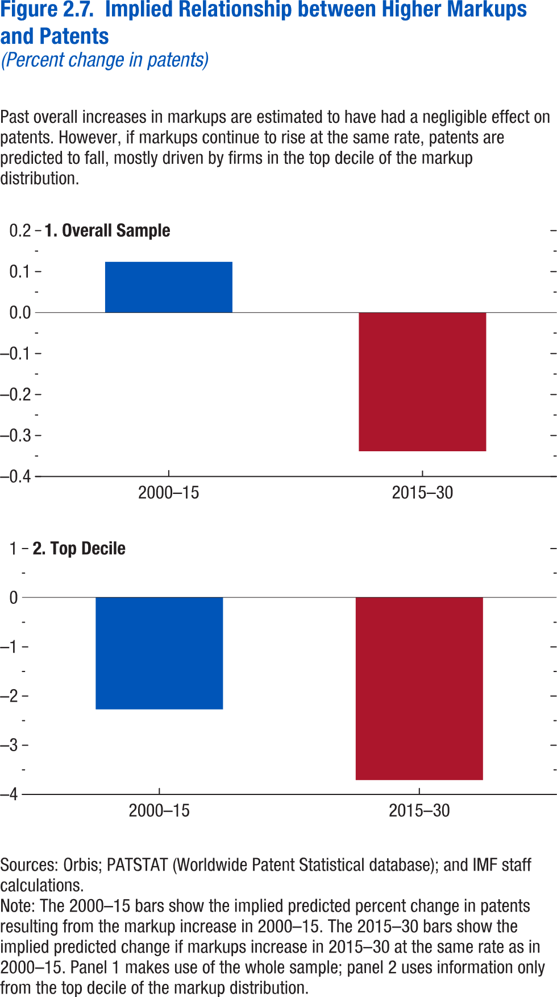

1. Overall Sample |  | 2. Top Decile
2015–30 | 2000–15 | 2015–30 | 2000–15
-0.33833 | 0.12391 | -3.71657 | -2.27774

Figure 2.8.
Figure 1.8. Selected Advanced Economies: Current Deleveraging Episodes (Weighted average)
3. Public Debt
(Percent of GDP)
1. Private Debt
(Percent of GDP)
Sources: Bank for International Settlements; IMF, World Economic Outlook; and IMF staff estimates.
Figure 2.8. Markups and Physical Capital Investment
(Percentage point change in investment)
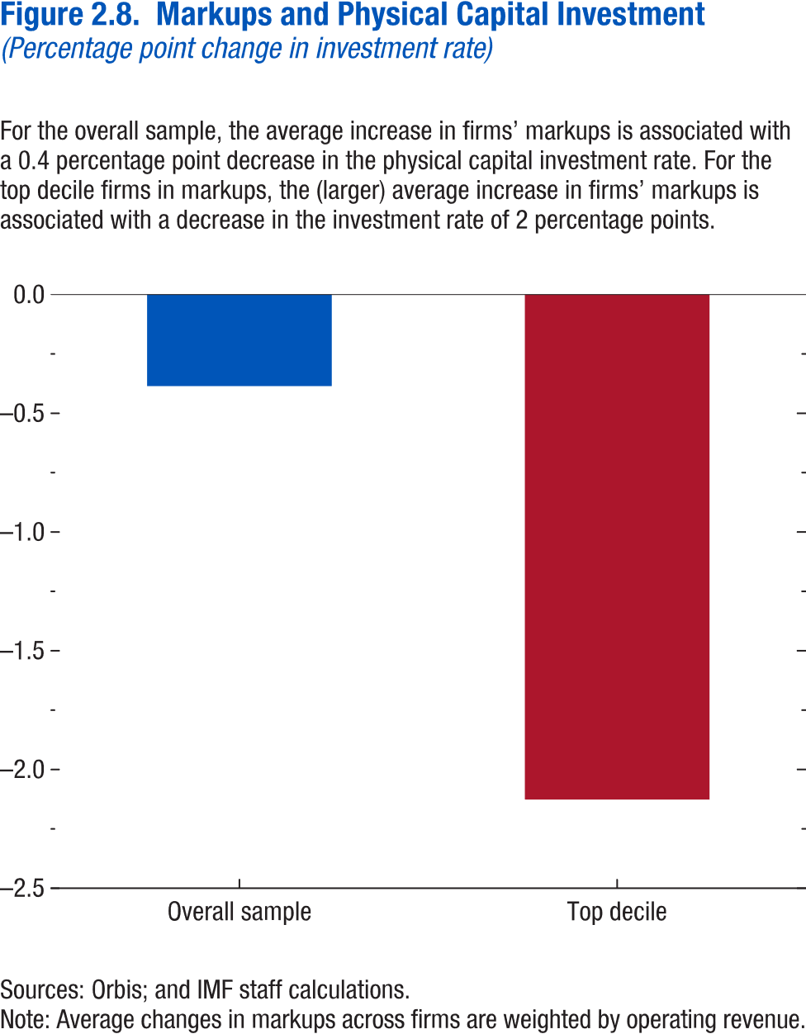

Overall Sample | -0.385299
Top Decile | -2.1263024

Figure 2.9.
Figure 2.9. Markup Increases, Investment, and the Natural Interest Rate
(Percentage point change; index, 2000 = 0)
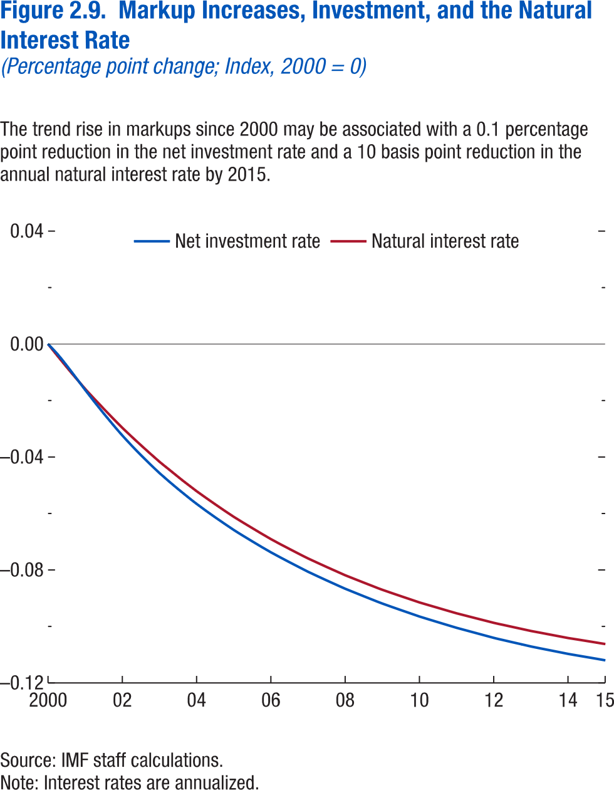

Average | Net Investment Rate | Natural Interest Rate
2000 | 1.98E-13 | -1.6E-13
2000.2 | -0.00349 | -0.00412
2000.5 | -0.00755 | -0.00814
2000.8 | -0.01187 | -0.01205
2001 | -0.01626 | -0.01587
2001.2 | -0.0205 | -0.01945
2001.5 | -0.02461 | -0.02294
2001.8 | -0.02857 | -0.02635
2002 | -0.03238 | -0.02967
2002.2 | -0.03592 | -0.03278
2002.5 | -0.03931 | -0.03582
2002.8 | -0.04255 | -0.03878
2003 | -0.04567 | -0.04168
2003.2 | -0.04856 | -0.04438
2003.5 | -0.05134 | -0.04702
2003.8 | -0.05402 | -0.0496
2004 | -0.05661 | -0.05212
2004.2 | -0.05903 | -0.05446
2004.5 | -0.06136 | -0.05675
2004.8 | -0.06363 | -0.059
2005 | -0.06584 | -0.06119
2005.2 | -0.0679 | -0.06322
2005.5 | -0.0699 | -0.06521
2005.8 | -0.07186 | -0.06716
2006 | -0.07377 | -0.06908
2006.2 | -0.07555 | -0.07084
2006.5 | -0.07728 | -0.07256
2006.8 | -0.07898 | -0.07426
2007 | -0.08066 | -0.07592
2007.2 | -0.0822 | -0.07744
2007.5 | -0.08371 | -0.07894
2007.8 | -0.08519 | -0.08041
2008 | -0.08666 | -0.08187
2008.2 | -0.088 | -0.08318
2008.5 | -0.08932 | -0.08448
2008.8 | -0.09062 | -0.08576
2009 | -0.09191 | -0.08702
2009.2 | -0.09308 | -0.08816
2009.5 | -0.09423 | -0.08928
2009.8 | -0.09536 | -0.09039
2010 | -0.09649 | -0.09149
2010.2 | -0.09751 | -0.09247
2010.5 | -0.09851 | -0.09343
2010.8 | -0.09951 | -0.0944
2011 | -0.10049 | -0.09535
2011.2 | -0.10138 | -0.09619
2011.5 | -0.10225 | -0.09703
2011.8 | -0.10312 | -0.09787
2012 | -0.10398 | -0.0987
2012.2 | -0.10475 | -0.09942
2012.5 | -0.10551 | -0.10014
2012.8 | -0.10626 | -0.10086
2013 | -0.10701 | -0.10159
2013.2 | -0.10768 | -0.1022
2013.5 | -0.10833 | -0.10282
2013.8 | -0.10899 | -0.10345
2014 | -0.10964 | -0.10408
2014.2 | -0.11021 | -0.1046
2014.5 | -0.11078 | -0.10513
2014.8 | -0.11134 | -0.10567
2015 | -0.11192 | -0.10622

Figure 2.10.
Figure 2.10. Markups and Labor Income Shares
(Percentage point change in labor shares)
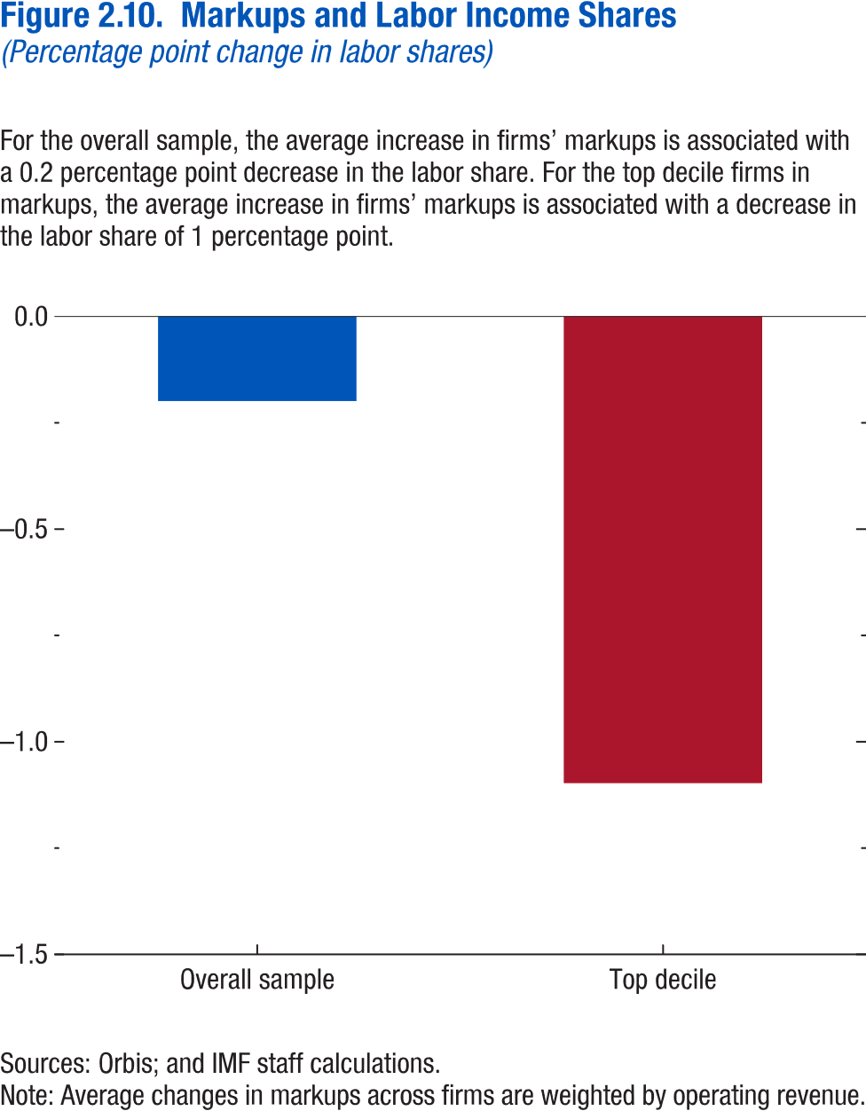
Overall Sample | -0.198864
Top Decile | -1.0974464

Figure 2.1.1.
Figure 1.16. World Distribution of Tax-to-GDP Ratio, 2016
Revenue mobilization remains limited in low-income developing countries.
Source: IMF staff estimates.
Note: AEs = advanced economies; EMMIEs = emerging markets and middle-income economies; LIDCs = low-income developing economies.
Figure 2.1.1 Comovement between Average Industry Concentration and Corporate Saving in G& Countries
(Percent)
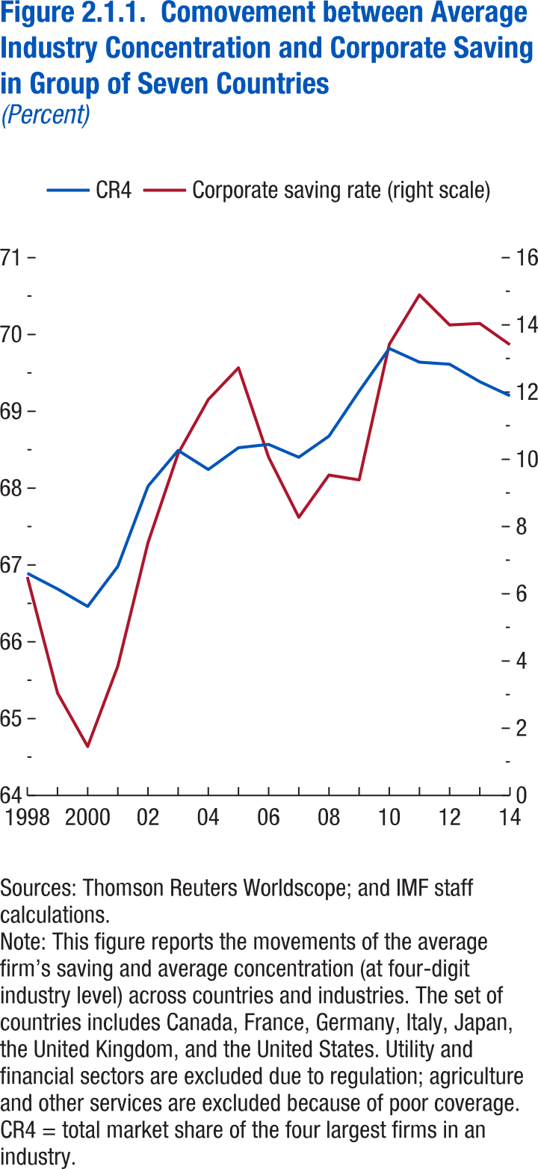

 | CR4 | Corporate saving rate (right scale)
1998 | 66.89194 | 6.501735
1999 | 66.68813 | 3.046936
2000 | 66.46024 | 1.457539
2001 | 66.98076 | 3.850862
2002 | 68.02539 | 7.521067
2003 | 68.49065 | 10.17685
2004 | 68.24291 | 11.77903
2005 | 68.52604 | 12.72332
2006 | 68.56958 | 10.06324
2007 | 68.40217 | 8.275075
2008 | 68.67666 | 9.533675
2009 | 69.26115 | 9.388085
2010 | 69.81817 | 13.42317
2011 | 69.63991 | 14.89212
2012 | 69.61322 | 13.99788
2013 | 69.38574 | 14.04322
2014 | 69.20258 | 13.41176

Figure 2.1.2.
Figure 1.16. World Distribution of Tax-to-GDP Ratio, 2016
Revenue mobilization remains limited in low-income developing countries.
Source: IMF staff estimates.
Note: AEs = advanced economies; EMMIEs = emerging markets and middle-income economies; LIDCs = low-income developing economies.
Figure 2.1.2. Change in Industry Concentration and Change in Saving Rates
(Percentage points)
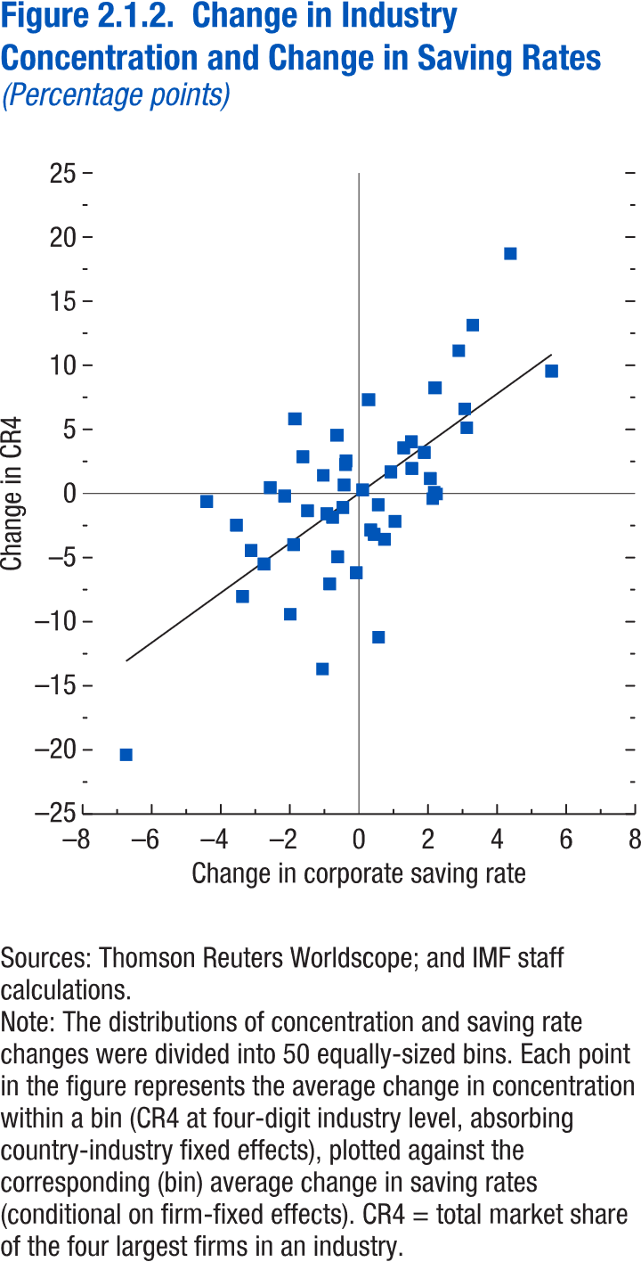
Change in corp. saving rate | Change in CR4
-6.74037 | -20.377
-1.05414 | -13.6871
0.568021 | -11.213
-1.98696 | -9.41707
-3.36902 | -8.02762
-0.84628 | -7.04518
-0.07671 | -6.18323
-2.74774 | -5.50111
-0.61503 | -4.94017
-3.12091 | -4.44735
-1.89135 | -3.98624
0.740285 | -3.57079
0.44099 | -3.18788
0.341711 | -2.84284
-3.54627 | -2.47004
1.044783 | -2.17454
-0.76275 | -1.85168
-0.92931 | -1.58476
-1.48835 | -1.34404
-0.46487 | -1.08981
0.559456 | -0.88045
-4.40707 | -0.6304
2.137546 | -0.4041
-2.1492 | -0.199
2.248199 | -0.03814
2.178241 | 0.105205
0.1086 | 0.27781
-2.56754 | 0.460469
-0.42887 | 0.672239
2.067649 | 1.167352
-1.03211 | 1.413283
0.925768 | 1.684047
1.532895 | 1.953324
-0.38598 | 2.262283
-0.37322 | 2.54891
-1.62225 | 2.864997
1.890936 | 3.203152
1.296304 | 3.557591
1.520293 | 4.030428
-0.63594 | 4.545592
3.121324 | 5.130894
-1.85439 | 5.822308
3.063054 | 6.599169
0.278973 | 7.314014
2.202214 | 8.243275
5.579705 | 9.55454
2.889764 | 11.13556
3.296948 | 13.13145
4.387287 | 18.71323

Figure 2.2.1.
Figure 1.16. World Distribution of Tax-to-GDP Ratio, 2016
Revenue mobilization remains limited in low-income developing countries.
Source: IMF staff estimates.
Note: AEs = advanced economies; EMMIEs = emerging markets and middle-income economies; LIDCs = low-income developing economies.
Figure 2.2.1. Total Number of Deals and Share of Horizontal Deals

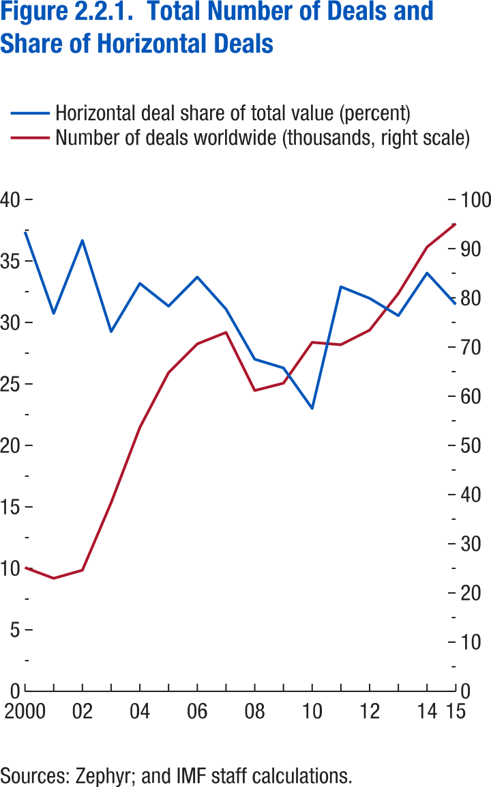
year | Horizontal deal share of total value (percent) | Number of deals worldwide (thousands, right scale)
2000 | 37.37114 | 25.158
2001 | 30.73687 | 22.972
2002 | 36.66096 | 24.62
2003 | 29.25403 | 38.357
2004 | 33.17295 | 53.633
2005 | 31.32305 | 64.786
2006 | 33.68945 | 70.63
2007 | 31.08274 | 72.96
2008 | 27.00628 | 61.154
2009 | 26.29937 | 62.645
2010 | 23.00568 | 70.938
2011 | 32.89949 | 70.469
2012 | 31.96068 | 73.425
2013 | 30.55063 | 80.875
2014 | 34.01505 | 90.326
2015 | 31.46676 | 95.077

Figure 2.2.2.
Figure 1.16. World Distribution of Tax-to-GDP Ratio, 2016
Revenue mobilization remains limited in low-income developing countries.
Source: IMF staff estimates.
Note: AEs = advanced economies; EMMIEs = emerging markets and middle-income economies; LIDCs = low-income developing economies.
Figure 2.2.2. Impact of M&A on Acquirer Firm's Markups by Deal Type
(Percentage Points)
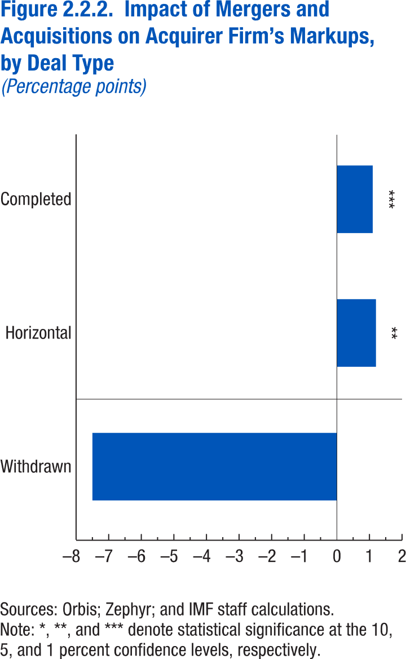

Completed | 1.1
Horizontal | 1.2
Withdrawn | -7.5

Annex Figure 2.2.1.
Figure 1.16. World Distribution of Tax-to-GDP Ratio, 2016
Revenue mobilization remains limited in low-income developing countries.
Source: IMF staff estimates.
Note: AEs = advanced economies; EMMIEs = emerging markets and middle-income economies; LIDCs = low-income developing economies.
Annex Figure 2.2.1. Markup Increases in Digitally-Intensive versus All Industries
(Percentage change, cumulative 2000-15)
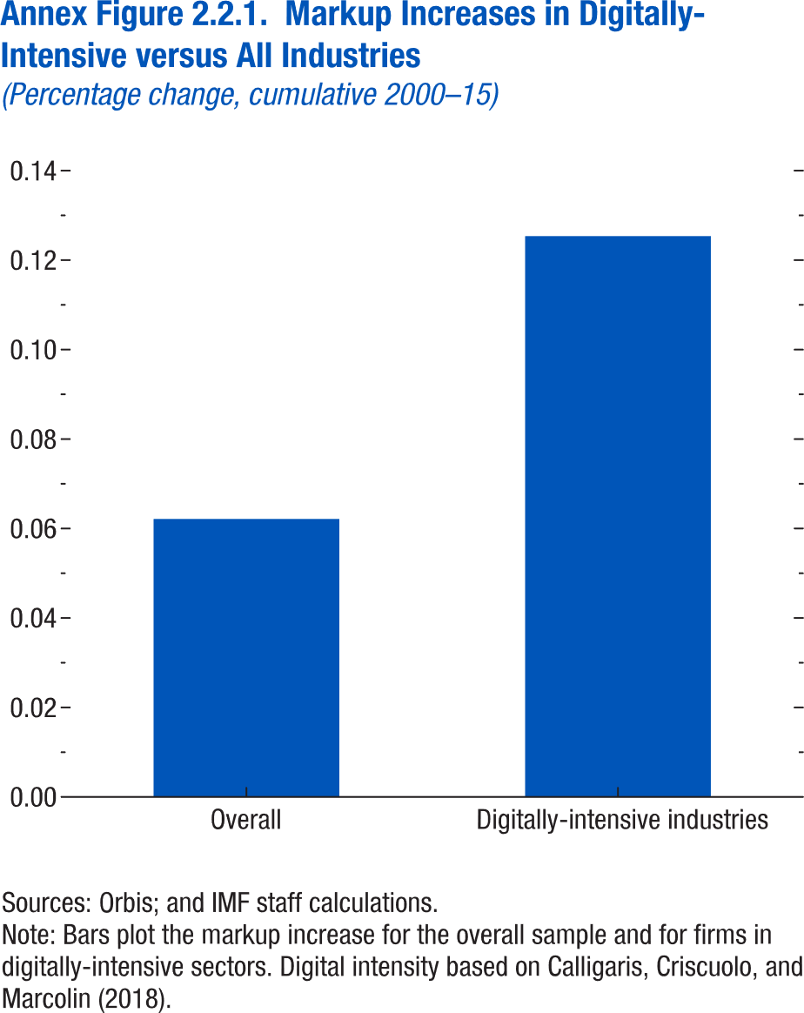

Overall | 0.062145
Digitally-intensive industries | 0.125367

Annex Figure 2.3.1.
Figure 1.16. World Distribution of Tax-to-GDP Ratio, 2016
Revenue mobilization remains limited in low-income developing countries.
Source: IMF staff estimates.
Note: AEs = advanced economies; EMMIEs = emerging markets and middle-income economies; LIDCs = low-income developing economies.
Annex Figure 2.3.1. Calibrated Rise in Markups, Average of United States and Euro Area
(Index, 2000 = 100)
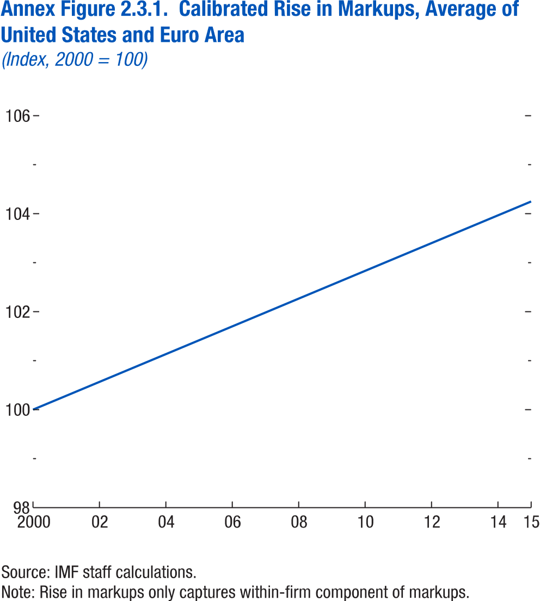
year | Calibrated markup
2000 | 100
2001 | 100.2834
2002 | 100.5667
2003 | 100.85
2004 | 101.1334
2005 | 101.4167
2006 | 101.7
2007 | 101.9834
2008 | 102.2667
2009 | 102.55
2010 | 102.8334
2011 | 103.1167
2012 | 103.4
2013 | 103.6834
2014 | 103.9667
2015 | 104.25

Annex Figure 2.3.2.
Figure 1.16. World Distribution of Tax-to-GDP Ratio, 2016
Revenue mobilization remains limited in low-income developing countries.
Source: IMF staff estimates.
Note: AEs = advanced economies; EMMIEs = emerging markets and middle-income economies; LIDCs = low-income developing economies.
Annex Figure 2.3.2. Simulated Phillips Curve
(Percent)
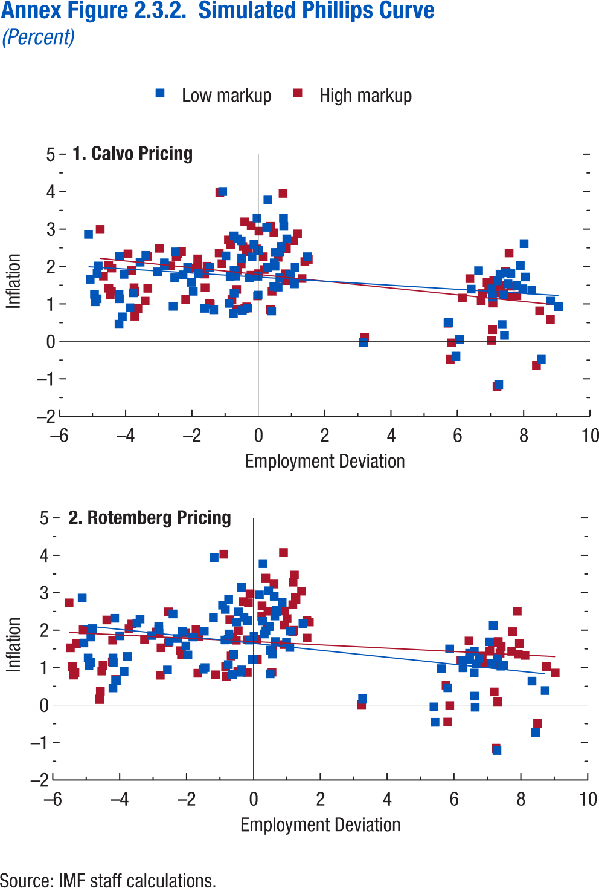

Calvo |  |  |  | Rotemberg
Low markup |  | High markup |  | Low Markup |  | High Markup
Employment | Inflation | Employment | Inflation | Employment | Inflation | Employment | Inflation
-0.74 | 2.8181 | -0.21296 | 3.0857 | -0.74 | 2.8181 | -0.10019 | 2.9711
0.29 | 3.7781 | 0.74721 | 3.9546 | 0.29 | 3.7781 | 0.89986 | 4.0748
0.69 | 2.5381 | 1.0698 | 2.6912 | 0.69 | 2.5381 | 1.2735 | 2.8216
0.86 | 2.7381 | 1.1811 | 2.8722 | 0.86 | 2.7381 | 1.4403 | 3.0426
1.11 | 1.9781 | 1.403 | 2.1302 | 1.11 | 1.9781 | 1.6717 | 2.2194
1.09 | 1.5381 | 1.3178 | 1.6792 | 1.09 | 1.5381 | 1.6028 | 1.7905
0.64 | 2.3781 | 0.84624 | 2.4807 | 0.64 | 2.3781 | 1.1795 | 2.6802
0.65 | 1.6981 | 0.81772 | 1.8065 | 0.65 | 1.6981 | 1.1777 | 1.9659
0.69 | 2.4981 | 0.80227 | 2.5409 | 0.69 | 2.4981 | 1.2569 | 2.8712
0.48 | 2.0981 | 0.59512 | 2.2464 | 0.48 | 2.0981 | 1.0075 | 2.3088
-0.19 | 2.2581 | -0.03873 | 2.4703 | -0.19 | 2.2581 | 0.25088 | 2.3651
-0.5 | 2.2181 | -0.31416 | 2.4672 | -0.5 | 2.2181 | -0.17963 | 2.257
-0.73 | 1.8981 | -0.51559 | 2.0725 | -0.73 | 1.8981 | -0.4534 | 1.9869
-0.85 | 1.7381 | -0.63362 | 1.9045 | -0.85 | 1.7381 | -0.62835 | 1.8197
-1.81 | 1.8181 | -1.5433 | 2.007 | -1.81 | 1.8181 | -1.6301 | 1.8273
-2.13 | 1.9781 | -1.8256 | 2.2029 | -2.13 | 1.9781 | -2.0381 | 1.9228
-2.83 | 2.0181 | -2.4761 | 2.2566 | -2.83 | 2.0181 | -2.8238 | 1.9113
-2.83 | 2.0981 | -2.4262 | 2.3452 | -2.83 | 2.0981 | -2.9091 | 1.9523
-2.02 | 1.5781 | -1.6213 | 1.799 | -2.02 | 1.5781 | -2.1903 | 1.454
-2.52 | 1.6981 | -2.0909 | 1.9437 | -2.52 | 1.6981 | -2.7623 | 1.5307
-2.27 | 1.7781 | -1.8377 | 1.9797 | -2.27 | 1.7781 | -2.5486 | 1.6612
-1.47 | 1.9781 | -1.095 | 2.0775 | -1.47 | 1.9781 | -1.7154 | 2.0135
-1.96 | 1.3381 | -1.6067 | 1.4335 | -1.96 | 1.3381 | -2.1519 | 1.3456
-2.57 | 0.93812 | -2.1903 | 1.1241 | -2.57 | 0.93812 | -2.7846 | 0.79586
-3.04 | 1.8581 | -2.6409 | 2.0184 | -3.04 | 1.8581 | -3.254 | 1.7538
-3.39 | 2.2981 | -2.9843 | 2.4863 | -3.39 | 2.2981 | -3.6355 | 2.1641
-3.87 | 0.89812 | -3.4133 | 1.075 | -3.87 | 0.89812 | -4.1203 | 0.68399
-4.2 | 1.2581 | -3.747 | 1.4325 | -4.2 | 1.2581 | -4.4966 | 1.0563
-4.19 | 1.1381 | -3.7339 | 1.3281 | -4.19 | 1.1381 | -4.5347 | 0.90866
-4.2 | 0.45812 | -3.7224 | 0.67252 | -4.2 | 0.45812 | -4.6038 | 0.16208
-4.1 | 0.65812 | -3.6308 | 0.87706 | -4.1 | 0.65812 | -4.5775 | 0.37093
-3.77 | 1.2981 | -3.3319 | 1.4187 | -3.77 | 1.2981 | -4.2174 | 1.1557
-4.92 | 1.0581 | -4.4654 | 1.25 | -4.92 | 1.0581 | -5.3766 | 0.80139
-4.86 | 1.8181 | -4.4178 | 1.9586 | -4.86 | 1.8181 | -5.2921 | 1.6439
-4.86 | 1.1381 | -4.4298 | 1.3435 | -4.86 | 1.1381 | -5.338 | 0.86636
-4.94 | 1.2581 | -4.5074 | 1.4216 | -4.94 | 1.2581 | -5.4082 | 1.0258
-5.07 | 1.6581 | -4.669 | 1.7436 | -5.07 | 1.6581 | -5.4748 | 1.5289
-5.12 | 2.8581 | -4.7674 | 2.9903 | -5.12 | 2.8581 | -5.5129 | 2.7294
-4.8278 | 2.0143 | -4.5125 | 2.0357 | -4.8149 | 2.0409 | -5.0901 | 2.0086
-4.1817 | 2.2749 | -3.93 | 2.3368 | -4.1495 | 2.3184 | -4.3825 | 2.2728
-4.0504 | 1.7906 | -3.8148 | 1.899 | -3.9947 | 1.8496 | -4.2087 | 1.7336
-3.5652 | 2.1156 | -3.336 | 2.2721 | -3.4829 | 2.1885 | -3.7186 | 2.0388
...

