Figure 3.1
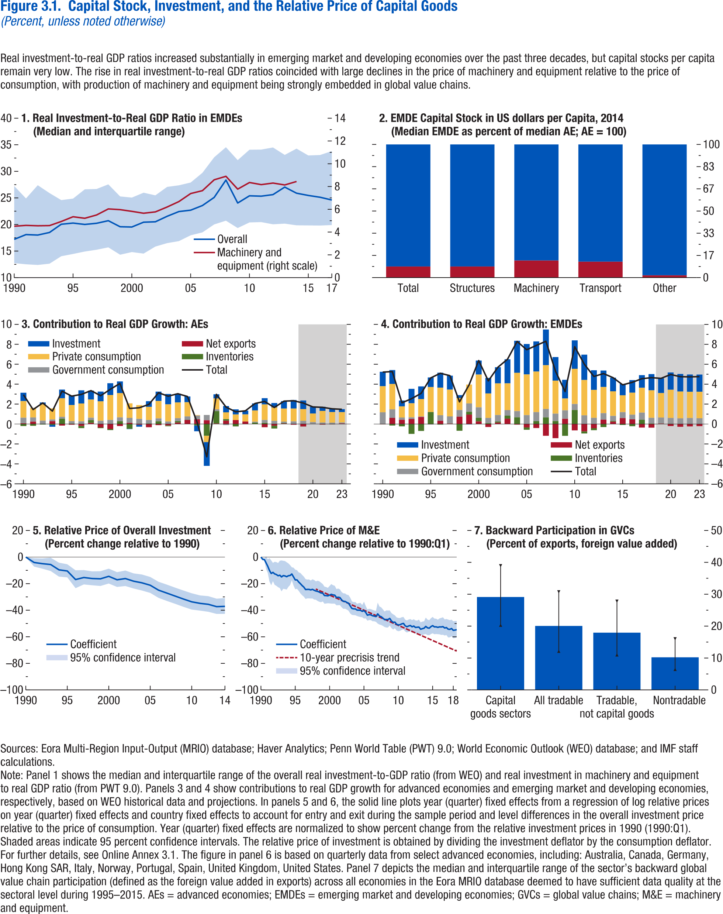
Figure 3.1. Capital Stock, Investment, and the Relative Price of Capital Goods
(Percent, unless noted otherwise)

1. Real Investment-to-Real GDP Ratio in EMDEs |  |  |  |  | 2. EMDE Capital Stock in US Dollars per Capitam, 2014 |  |  | 3. Contribution to Real GDP Growth: AEs |  |  |  |  |  |  | 4. Contribution to Real GDP Growth: EMDEs |  |  |  |  |  |  | 5. Relative Price of Overall Investment |  |  |  | 6. Relative Price of M&E |  |  |  |  | 7. Backward Participation in GVCs
(Median and interquartile range) |  |  |  |  | (Median EMDE as percent of median AE; AE = 100) |  |  |  |  |  |  |  |  |  |  |  |  |  |  |  |  | (Percent change relative to 1990) |  |  |  | (Percent change relative to 1990Q1) |  |  |  |  | (Percent of exports, foreign value added)

year | Overall | Overall, 25th percentile | Overall, 75th percentile | Machinery and equipment (right scale) |  | AEs | EMDEs |  | Inventories | Net exports | Government consumption | Private consumption | Investment | Total |  | Inventories | Net exports | Government consumption | Private consumption | Investment | Total | year | Coefficient | 95% confidence interval, upper bound | 95% confidence interval, lower bound | year | Coefficient | 95% confidence interval, upper bound | 95% confidence interval, lower bound | 10-year precrisis trend |  | Median | 25th | 75th
1990 | 17.21 | 12.72 | 27.24 | 4.51 | Total | 91.65 | 8.35 | 1990 | -0.20 | 0.07 | 0.56 | 1.67 | 0.84 | 2.94 | 1990 | 0.00 | -0.02 | 1.18 | 2.62 | 1.45 | 5.21 | 1990 | 0 | 0 | 0 | 1990q1 | 0 | 0 | 0 |  | Capital goods sectors | 29.14 | 20.27 | 38.95
1991 | 18.10 | 12.51 | 24.91 | 4.59 | Structures | 91.63 | 8.37 | 1991 | -0.18 | 0.24 | 0.42 | 0.96 | 0.01 | 1.45 | 1991 | -0.15 | 0.62 | 0.86 | 2.55 | 1.39 | 5.27 | 1991 | -4.07 | -0.86 | -7.18 | 1990q2 | -1.62 | -2.67 | -0.55 |  | All tradable | 20.06 | 12.11 | 30.77
1992 | 18.01 | 12.39 | 27.40 | 4.55 | Machinery | 87.11 | 12.89 | 1992 | -0.05 | 0.00 | 0.34 | 1.64 | 0.19 | 2.12 | 1992 | -0.23 | 0.42 | 0.23 | 1.12 | 0.59 | 2.13 | 1992 | -4.97 | -1.02 | -8.76 | 1990q3 | -1.85 | -2.40 | -1.31 |  | Tradable, not capital goods | 17.95 | 10.97 | 27.83
1993 | 18.50 | 12.63 | 25.91 | 4.57 | Transport | 87.99 | 12.01 | 1993 | -0.09 | 0.28 | 0.18 | 1.11 | -0.18 | 1.30 | 1993 | -0.99 | 0.50 | 0.17 | 1.41 | 1.45 | 2.54 | 1993 | -5.61 | -0.45 | -10.50 | 1990q4 | -4.32 | -8.92 | 0.51 |  | Nontradable | 10.22 | 6.42 | 16.03
1994 | 20.05 | 14.03 | 24.59 | 4.93 | Other | 98.26 | 1.74 | 1994 | 0.53 | -0.15 | 0.19 | 1.86 | 0.87 | 3.30 | 1994 | -0.69 | 0.71 | 0.06 | 1.75 | 1.27 | 3.08 | 1994 | -9.63 | -4.21 | -14.73 | 1991q1 | -6.96 | -11.96 | -1.68
1995 | 20.27 | 14.45 | 24.88 | 5.35 |  |  |  | 1995 | 0.05 | -0.07 | 0.24 | 1.62 | 0.96 | 2.80 | 1995 | 1.20 | -0.01 | -0.04 | 2.51 | 0.97 | 4.63 | 1995 | -10.48 | -5.41 | -15.28 | 1991q2 | -10.03 | -18.40 | -0.81
1996 | 20.01 | 14.92 | 26.62 | 5.21 |  |  |  | 1996 | -0.22 | -0.19 | 0.27 | 1.79 | 1.32 | 2.97 | 1996 | -0.06 | 0.32 | 0.56 | 2.77 | 1.50 | 5.09 | 1996 | -16.94 | -9.93 | -23.41 | 1991q3 | -12.36 | -21.22 | -2.51
1997 | 20.23 | 15.25 | 26.68 | 5.50 |  |  |  | 1997 | 0.28 | 0.11 | 0.24 | 1.82 | 0.90 | 3.35 | 1997 | 0.01 | 0.04 | 0.71 | 2.68 | 1.41 | 4.86 | 1997 | -15.36 | -9.79 | -20.60 | 1991q4 | -11.49 | -18.09 | -4.37
1998 | 20.72 | 15.70 | 27.55 | 6.04 |  |  |  | 1998 | -0.07 | -0.34 | 0.33 | 1.95 | 0.98 | 2.84 | 1998 | -0.68 | 0.74 | 0.66 | 1.21 | 0.29 | 2.23 | 1998 | -16.16 | -10.75 | -21.24 | 1992q1 | -12.66 | -20.91 | -3.55
1999 | 19.58 | 14.32 | 25.29 | 5.97 |  |  |  | 1999 | -0.12 | -0.49 | 0.41 | 2.50 | 1.19 | 3.48 | 1999 | 0.29 | 0.95 | 0.83 | 1.89 | -0.03 | 3.93 | 1999 | -16.38 | -10.64 | -21.75 | 1992q2 | -13.14 | -21.61 | -3.74
2000 | 19.53 | 14.81 | 25.07 | 5.82 |  |  |  | 2000 | 0.28 | -0.21 | 0.39 | 2.43 | 1.17 | 4.07 | 2000 | 0.36 | 0.26 | 1.06 | 3.29 | 1.41 | 6.37 | 2000 | -14.50 | -8.72 | -19.91 | 1992q3 | -14.06 | -22.68 | -4.47
2001 | 20.44 | 14.53 | 25.99 | 5.66 |  |  |  | 2001 | -0.48 | 0.12 | 0.50 | 1.46 | -0.04 | 1.56 | 2001 | 0.08 | -0.30 | 0.53 | 2.45 | 1.56 | 4.33 | 2001 | -17.09 | -11.34 | -22.47 | 1992q4 | -13.63 | -23.30 | -2.74
2002 | 20.51 | 15.85 | 25.49 | 5.77 |  |  |  | 2002 | 0.02 | -0.07 | 0.50 | 1.38 | -0.20 | 1.63 | 2002 | 0.11 | 0.14 | 0.65 | 3.17 | 1.62 | 5.70 | 2002 | -16.17 | -10.13 | -21.82 | 1993q1 | -14.95 | -25.80 | -2.51
2003 | 21.55 | 16.50 | 27.08 | 6.20 |  |  |  | 2003 | 0.05 | -0.32 | 0.35 | 1.32 | 0.57 | 1.97 | 2003 | 0.30 | 0.54 | 0.56 | 2.69 | 2.42 | 6.50 | 2003 | -18.17 | -12.29 | -23.65 | 1993q2 | -13.94 | -23.84 | -2.76
2004 | 22.44 | 16.87 | 27.38 | 6.68 |  |  |  | 2004 | 0.27 | -0.11 | 0.30 | 1.75 | 0.93 | 3.14 | 2004 | 0.67 | -0.06 | 0.62 | 3.85 | 3.21 | 8.30 | 2004 | -19.38 | -13.13 | -25.19 | 1993q3 | -14.17 | -24.09 | -2.96
2005 | 22.70 | 17.97 | 27.90 | 7.38 |  |  |  | 2005 | -0.08 | -0.14 | 0.26 | 1.72 | 1.04 | 2.79 | 2005 | -0.23 | -0.34 | 0.90 | 4.09 | 3.05 | 7.46 | 2005 | -21.21 | -14.98 | -26.98 | 1993q4 | -14.78 | -24.45 | -3.87
2006 | 23.57 | 18.51 | 29.73 | 7.64 |  |  |  | 2006 | 0.15 | 0.14 | 0.30 | 1.57 | 0.88 | 3.04 | 2006 | 0.29 | -0.40 | 0.91 | 4.07 | 3.02 | 7.89 | 2006 | -24.90 | -18.59 | -30.72 | 1994q1 | -14.03 | -22.40 | -4.75
2007 | 25.10 | 20.01 | 32.65 | 8.59 |  |  |  | 2007 | 0.03 | 0.41 | 0.32 | 1.43 | 0.58 | 2.76 | 2007 | 0.66 | -1.18 | 0.85 | 4.39 | 3.59 | 8.31 | 2007 | -27.13 | -20.72 | -33.02 | 1994q2 | -13.86 | -21.04 | -6.02
2008 | 28.37 | 20.72 | 34.54 | 8.90 |  |  |  | 2008 | -0.15 | 0.47 | 0.38 | 0.05 | -0.57 | 0.18 | 2008 | 0.29 | -1.42 | 0.75 | 3.31 | 2.37 | 5.30 | 2008 | -29.36 | -23.00 | -35.19 | 1994q3 | -12.72 | -17.46 | -7.71
2009 | 24.04 | 19.33 | 32.11 | 7.77 |  |  |  | 2009 | -1.18 | 0.38 | 0.53 | -0.63 | -2.40 | -3.29 | 2009 | -1.19 | 0.53 | 0.85 | 1.19 | 1.87 | 3.25 | 2009 | -31.59 | -25.19 | -37.45 | 1994q4 | -14.95 | -21.41 | -7.96
2010 | 25.40 | 20.39 | 34.07 | 8.35 |  |  |  | 2010 | 1.24 | 0.05 | 0.17 | 1.09 | 0.42 | 2.98 | 2010 | 1.41 | -0.64 | 0.60 | 3.54 | 2.85 | 7.76 | 2010 | -33.68 | -27.27 | -39.53 | 1995q1 | -17.17 | -24.22 | -9.47
2011 | 25.33 | 20.45 | 34.10 | 8.17 |  |  |  | 2011 | 0.16 | 0.33 | -0.10 | 0.68 | 0.63 | 1.70 | 2011 | -0.22 | -0.73 | 0.87 | 3.55 | 2.54 | 6.01 | 2011 | -34.84 | -28.85 | -40.32 | 1995q2 | -17.15 | -23.86 | -9.85
2012 | 25.62 | 20.04 | 34.50 | 8.31 |  |  |  | 2012 | -0.24 | 0.39 | -0.01 | 0.57 | 0.51 | 1.23 | 2012 | -0.20 | -0.42 | 0.62 | 2.81 | 1.97 | 4.78 | 2012 | -35.57 | -29.43 | -41.18 | 1995q3 | -18.75 | -25.43 | -11.48
2013 | 27.04 | 20.17 | 33.10 | 8.14 |  |  |  | 2013 | 0.00 | 0.25 | -0.01 | 0.71 | 0.38 | 1.33 | 2013 | -0.31 | 0.44 | 0.65 | 2.62 | 1.65 | 5.06 | 2013 | -37.31 | -31.30 | -42.80 | 1995q4 | -19.99 | -27.30 | -11.95
2014 | 25.89 | 19.85 | 34.28 | 8.44 |  |  |  | 2014 | 0.12 | 0.02 | 0.09 | 1.13 | 0.70 | 2.06 | 2014 | 0.08 | 0.24 | 0.51 | 2.47 | 1.37 | 4.65 | 2014 | -37.10 | -30.87 | -42.76 | 1996q1 | -21.44 | -28.71 | -13.42
2015 | 25.47 | 19.82 | 32.99 |  |  |  |  | 2015 | 0.11 | -0.33 | 0.29 | 1.56 | 0.63 | 2.27 | 2015 | -0.09 | 0.60 | 0.60 | 1.69 | 1.15 | 3.93 |  |  |  |  | 1996q2 | -22.60 | -29.80 | -14.67
2016 | 25.13 | 19.80 | 33.07 |  |  |  |  | 2016 | -0.28 | -0.17 | 0.32 | 1.35 | 0.44 | 1.66 | 2016 | -0.22 | 0.47 | 0.48 | 2.20 | 1.26 | 4.19 |  |  |  |  | 1996q3 | -24.42 | -31.52 | -16.59
2017 | 24.61 | 19.90 | 33.81 |  |  |  |  | 2017 | 0.04 | 0.05 | 0.14 | 1.31 | 0.74 | 2.30 | 2017 | 0.43 | -0.36 | 0.72 | 2.49 | 1.27 | 4.55 |  |  |  |  | 1996q4 | -24.33 | -31.07 | -16.93
 |  |  |  |  |  |  |  | 2018 | 0.00 | -0.07 | 0.26 | 1.29 | 0.85 | 2.34 | 2018 | 0.05 | -0.36 | 0.58 | 2.76 | 1.63 | 4.65 |  |  |  |  | 1997q1 | -24.28 | -31.08 | -16.81
 |  |  |  |  |  |  |  | 2019 | -0.01 | -0.24 | 0.32 | 1.18 | 0.87 | 2.11 | 2019 | 0.01 | 0.04 | 0.60 | 2.45 | 1.48 | 4.59 |  |  |  |  | 1997q2 | -24.71 | -31.18 | -17.63
 |  |  |  |  |  |  |  | 2020 | 0.02 | -0.01 | 0.17 | 0.86 | 0.67 | 1.72 | 2020 | 0.03 | -0.20 | 0.58 | 2.83 | 1.74 | 4.97 |  |  |  |  | 1997q3 | -24.26 | -31.13 | -16.70
 |  |  |  |  |  |  |  | 2021 | -0.01 | -0.05 | 0.15 | 1.17 | 0.41 | 1.67 | 2021 | 0.00 | -0.28 | 0.57 | 2.69 | 1.76 | 4.75 |  |  |  |  | 1997q4 | -24.96 | -31.96 | -17.24
 |  |  |  |  |  |  |  | 2022 | -0.01 | -0.02 | 0.14 | 1.06 | 0.36 | 1.53 | 2022 | 0.01 | -0.24 | 0.59 | 2.63 | 1.74 | 4.74 |  |  |  |  | 1998q1 | -25.49 | -32.09 | -18.26 | -24.06
 |  |  |  |  |  |  |  | 2023 | -0.02 | 0.05 | 0.10 | 1.04 | 0.30 | 1.48 | 2023 | 0.00 | -0.21 | 0.58 | 2.66 | 1.73 | 4.76 |  |  |  |  | 1998q2 | -25.78 | -33.01 | -17.78 | -24.62
 |  |  |  |  |  |  |  |  |  |  |  |  |  |  |  |  |  |  |  |  |  |  |  |  |  | 1998q3 | -26.33 | -33.63 | -18.23 | -25.19
 |  |  |  |  |  |  |  |  |  |  |  |  |  |  |  |  |  |  |  |  |  |  |  |  |  | 1998q4 | -26.99 | -33.98 | -19.26 | -25.76
 |  |  |  |  |  |  |  |  |  |  |  |  |  |  |  |  |  |  |  |  |  |  |  |  |  | 1999q1 | -27.13 | -33.38 | -20.28 | -26.33
 |  |  |  |  |  |  |  |  |  |  |  |  |  |  |  |  |  |  |  |  |  |  |  |  |  | 1999q2 | -28.95 | -35.10 | -22.21 | -26.90
 |  |  |  |  |  |  |  |  |  |  |  |  |  |  |  |  |  |  |  |  |  |  |  |  |  | 1999q3 | -28.99 | -34.92 | -22.52 | -27.47
 |  |  |  |  |  |  |  |  |  |  |  |  |  |  |  |  |  |  |  |  |  |  |  |  |  | 1999q4 | -29.17 | -34.73 | -23.14 | -28.04
 |  |  |  |  |  |  |  |  |  |  |  |  |  |  |  |  |  |  |  |  |  |  |  |  |  | 2000q1 | -28.57 | -34.85 | -21.68 | -28.61
 |  |  |  |  |  |  |  |  |  |  |  |  |  |  |  |  |  |  |  |  |  |  |  |  |  | 2000q2 | -28.03 | -35.02 | -20.29 | -29.18
 |  |  |  |  |  |  |  |  |  |  |  |  |  |  |  |  |  |  |  |  |  |  |  |  |  | 2000q3 | -28.45 | -35.06 | -21.16 | -29.75
 |  |  |  |  |  |  |  |  |  |  |  |  |  |  |  |  |  |  |  |  |  |  |  |  |  | 2000q4 | -28.64 | -35.05 | -21.60 | -30.32
 |  |  |  |  |  |  |  |  |  |  |  |  |  |  |  |  |  |  |  |  |  |  |  |  |  | 2001q1 | -30.44 | -36.27 | -24.07 | -30.89
 |  |  |  |  |  |  |  |  |  |  |  |  |  |  |  |  |  |  |  |  |  |  |  |  |  | 2001q2 | -30.19 | -36.17 | -23.65 | -31.45
 |  |  |  |  |  |  |  |  |  |  |  |  |  |  |  |  |  |  |  |  |  |  |  |  |  | 2001q3 | -30.48 | -36.14 | -24.31 | -32.02
 |  |  |  |  |  |  |  |  |  |  |  |  |  |  |  |  |  |  |  |  |  |  |  |  |  | 2001q4 | -32.23 | -37.71 | -26.27 | -32.59
 |  |  |  |  |  |  |  |  |  |  |  |  |  |  |  |  |  |  |  |  |  |  |  |  |  | 2002q1 | -33.36 | -38.94 | -27.27 | -33.16
 |  |  |  |  |  |  |  |  |  |  |  |  |  |  |  |  |  |  |  |  |  |  |  |  |  | 2002q2 | -33.34 | -38.84 | -27.35 | -33.73
 |  |  |  |  |  |  |  |  |  |  |  |  |  |  |  |  |  |  |  |  |  |  |  |  |  | 2002q3 | -34.14 | -39.51 | -28.29 | -34.30
 |  |  |  |  |  |  |  |  |  |  |  |  |  |  |  |  |  |  |  |  |  |  |  |  |  | 2002q4 | -34.70 | -40.32 | -28.57 | -34.87
 |  |  |  |  |  |  |  |  |  |  |  |  |  |  |  |  |  |  |  |  |  |  |  |  |  | 2003q1 | -36.74 | -42.40 | -30.53 | -35.44
 |  |  |  |  |  |  |  |  |  |  |  |  |  |  |  |  |  |  |  |  |  |  |  |  |  | 2003q2 | -38.66 | -43.51 | -33.39 | -36.01
 |  |  |  |  |  |  |  |  |  |  |  |  |  |  |  |  |  |  |  |  |  |  |  |  |  | 2003q3 | -38.96 | -43.66 | -33.86 | -36.58
 |  |  |  |  |  |  |  |  |  |  |  |  |  |  |  |  |  |  |  |  |  |  |  |  |  | 2003q4 | -38.99 | -43.77 | -33.81 | -37.15
 |  |  |  |  |  |  |  |  |  |  |  |  |  |  |  |  |  |  |  |  |  |  |  |  |  | 2004q1 | -39.90 | -44.37 | -35.07 | -37.72
 |  |  |  |  |  |  |  |  |  |  |  |  |  |  |  |  |  |  |  |  |  |  |  |  |  | 2004q2 | -39.95 | -44.77 | -34.70 | -38.29
 |  |  |  |  |  |  |  |  |  |  |  |  |  |  |  |  |  |  |  |  |  |  |  |  |  | 2004q3 | -40.03 | -45.09 | -34.50 | -38.85
 |  |  |  |  |  |  |  |  |  |  |  |  |  |  |  |  |  |  |  |  |  |  |  |  |  | 2004q4 | -40.85 | -45.31 | -36.03 | -39.42
 |  |  |  |  |  |  |  |  |  |  |  |  |  |  |  |  |  |  |  |  |  |  |  |  |  | 2005q1 | -40.24 | -46.27 | -33.53 | -39.99
 |  |  |  |  |  |  |  |  |  |  |  |  |  |  |  |  |  |  |  |  |  |  |  |  |  | 2005q2 | -41.58 | -46.08 | -36.71 | -40.56
 |  |  |  |  |  |  |  |  |  |  |  |  |  |  |  |  |  |  |  |  |  |  |  |  |  | 2005q3 | -43.77 | -47.83 | -39.39 | -41.13
 |  |  |  |  |  |  |  |  |  |  |  |  |  |  |  |  |  |  |  |  |  |  |  |  |  | 2005q4 | -43.30 | -47.38 | -38.90 | -41.70
 |  |  |  |  |  |  |  |  |  |  |  |  |  |  |  |  |  |  |  |  |  |  |  |  |  | 2006q1 | -43.45 | -47.43 | -39.15 | -42.27
 |  |  |  |  |  |  |  |  |  |  |  |  |  |  |  |  |  |  |  |  |  |  |  |  |  | 2006q2 | -44.14 | -48.30 | -39.66 | -42.84
 |  |  |  |  |  |  |  |  |  |  |  |  |  |  |  |  |  |  |  |  |  |  |  |  |  | 2006q3 | -44.40 | -48.31 | -40.20 | -43.41
 |  |  |  |  |  |  |  |  |  |  |  |  |  |  |  |  |  |  |  |  |  |  |  |  |  | 2006q4 | -44.77 | -48.72 | -40.50 | -43.98
 |  |  |  |  |  |  |  |  |  |  |  |  |  |  |  |  |  |  |  |  |  |  |  |  |  | 2007q1 | -42.70 | -50.06 | -34.26 | -44.55
 |  |  |  |  |  |  |  |  |  |  |  |  |  |  |  |  |  |  |  |  |  |  |  |  |  | 2007q2 | -44.36 | -50.73 | -37.18 | -45.12
 |  |  |  |  |  |  |  |  |  |  |  |  |  |  |  |  |  |  |  |  |  |  |  |  |  | 2007q3 | -44.85 | -51.12 | -37.77 | -45.68
 |  |  |  |  |  |  |  |  |  |  |  |  |  |  |  |  |  |  |  |  |  |  |  |  |  | 2007q4 | -45.89 | -51.75 | -39.31 | -46.25
 |  |  |  |  |  |  |  |  |  |  |  |  |  |  |  |  |  |  |  |  |  |  |  |  |  | 2008q1 | -47.10 | -52.62 | -40.93 | -46.82
 |  |  |  |  |  |  |  |  |  |  |  |  |  |  |  |  |  |  |  |  |  |  |  |  |  | 2008q2 | -46.95 | -53.01 | -40.10 | -47.39
 |  |  |  |  |  |  |  |  |  |  |  |  |  |  |  |  |  |  |  |  |  |  |  |  |  | 2008q3 | -46.98 | -52.99 | -40.21 | -47.96
 |  |  |  |  |  |  |  |  |  |  |  |  |  |  |  |  |  |  |  |  |  |  |  |  |  | 2008q4 | -46.12 | -51.54 | -40.10 | -48.53
 |  |  |  |  |  |  |  |  |  |  |  |  |  |  |  |  |  |  |  |  |  |  |  |  |  | 2009q1 | -48.08 | -53.42 | -42.11 | -49.10
 |  |  |  |  |  |  |  |  |  |  |  |  |  |  |  |  |  |  |  |  |  |  |  |  |  | 2009q2 | -49.11 | -54.52 | -43.05 | -49.67
 |  |  |  |  |  |  |  |  |  |  |  |  |  |  |  |  |  |  |  |  |  |  |  |  |  | 2009q3 | -48.93 | -53.56 | -43.85 | -50.24
 |  |  |  |  |  |  |  |  |  |  |  |  |  |  |  |  |  |  |  |  |  |  |  |  |  | 2009q4 | -50.55 | -55.25 | -45.36 | -50.81
 |  |  |  |  |  |  |  |  |  |  |  |  |  |  |  |  |  |  |  |  |  |  |  |  |  | 2010q1 | -51.03 | -55.77 | -45.79 | -51.38
 |  |  |  |  |  |  |  |  |  |  |  |  |  |  |  |  |  |  |  |  |  |  |  |  |  | 2010q2 | -50.91 | -55.52 | -45.83 | -51.95
 |  |  |  |  |  |  |  |  |  |  |  |  |  |  |  |  |  |  |  |  |  |  |  |  |  | 2010q3 | -50.25 | -54.78 | -45.26 | -52.52
 |  |  |  |  |  |  |  |  |  |  |  |  |  |  |  |  |  |  |  |  |  |  |  |  |  | 2010q4 | -49.89 | -54.34 | -45.01 | -53.08
 |  |  |  |  |  |  |  |  |  |  |  |  |  |  |  |  |  |  |  |  |  |  |  |  |  | 2011q1 | -51.72 | -55.95 | -47.07 | -53.65
 |  |  |  |  |  |  |  |  |  |  |  |  |  |  |  |  |  |  |  |  |  |  |  |  |  | 2011q2 | -52.42 | -56.76 | -47.65 | -54.22
 |  |  |  |  |  |  |  |  |  |  |  |  |  |  |  |  |  |  |  |  |  |  |  |  |  | 2011q3 | -51.83 | -56.23 | -46.99 | -54.79
 |  |  |  |  |  |  |  |  |  |  |  |  |  |  |  |  |  |  |  |  |  |  |  |  |  | 2011q4 | -51.46 | -55.87 | -46.62 | -55.36
 |  |  |  |  |  |  |  |  |  |  |  |  |  |  |  |  |  |  |  |  |  |  |  |  |  | 2012q1 | -52.45 | -57.01 | -47.40 | -55.93
 |  |  |  |  |  |  |  |  |  |  |  |  |  |  |  |  |  |  |  |  |  |  |  |  |  | 2012q2 | -51.90 | -56.56 | -46.74 | -56.50
 |  |  |  |  |  |  |  |  |  |  |  |  |  |  |  |  |  |  |  |  |  |  |  |  |  | 2012q3 | -52.95 | -57.69 | -47.68 | -57.07
 |  |  |  |  |  |  |  |  |  |  |  |  |  |  |  |  |  |  |  |  |  |  |  |  |  | 2012q4 | -52.78 | -57.32 | -47.77 | -57.64
 |  |  |  |  |  |  |  |  |  |  |  |  |  |  |  |  |  |  |  |  |  |  |  |  |  | 2013q1 | -52.66 | -57.71 | -47.01 | -58.21
 |  |  |  |  |  |  |  |  |  |  |  |  |  |  |  |  |  |  |  |  |  |  |  |  |  | 2013q2 | -54.33 | -59.01 | -49.10 | -58.78
 |  |  |  |  |  |  |  |  |  |  |  |  |  |  |  |  |  |  |  |  |  |  |  |  |  | 2013q3 | -53.87 | -58.68 | -48.50 | -59.35
 |  |  |  |  |  |  |  |  |  |  |  |  |  |  |  |  |  |  |  |  |  |  |  |  |  | 2013q4 | -53.49 | -58.15 | -48.31 | -59.91
 |  |  |  |  |  |  |  |  |  |  |  |  |  |  |  |  |  |  |  |  |  |  |  |  |  | 2014q1 | -52.15 | -57.98 | -45.51 | -60.48
 |  |  |  |  |  |  |  |  |  |  |  |  |  |  |  |  |  |  |  |  |  |  |  |  |  | 2014q2 | -53.23 | -58.72 | -47.02 | -61.05
 |  |  |  |  |  |  |  |  |  |  |  |  |  |  |  |  |  |  |  |  |  |  |  |  |  | 2014q3 | -53.50 | -58.81 | -47.49 | -61.62
 |  |  |  |  |  |  |  |  |  |  |  |  |  |  |  |  |  |  |  |  |  |  |  |  |  | 2014q4 | -52.32 | -57.90 | -46.01 | -62.19
 |  |  |  |  |  |  |  |  |  |  |  |  |  |  |  |  |  |  |  |  |  |  |  |  |  | 2015q1 | -51.57 | -57.36 | -45.01 | -62.76
 |  |  |  |  |  |  |  |  |  |  |  |  |  |  |  |  |  |  |  |  |  |  |  |  |  | 2015q2 | -52.51 | -58.04 | -46.25 | -63.33
 |  |  |  |  |  |  |  |  |  |  |  |  |  |  |  |  |  |  |  |  |  |  |  |  |  | 2015q3 | -52.47 | -57.89 | -46.35 | -63.90
 |  |  |  |  |  |  |  |  |  |  |  |  |  |  |  |  |  |  |  |  |  |  |  |  |  | 2015q4 | -52.88 | -58.03 | -47.11 | -64.47
 |  |  |  |  |  |  |  |  |  |  |  |  |  |  |  |  |  |  |  |  |  |  |  |  |  | 2016q1 | -52.52 | -58.14 | -46.15 | -65.04
 |  |  |  |  |  |  |  |  |  |  |  |  |  |  |  |  |  |  |  |  |  |  |  |  |  | 2016q2 | -52.59 | -58.57 | -45.75 | -65.61
 |  |  |  |  |  |  |  |  |  |  |  |  |  |  |  |  |  |  |  |  |  |  |  |  |  | 2016q3 | -52.32 | -58.45 | -45.28 | -66.18
 |  |  |  |  |  |  |  |  |  |  |  |  |  |  |  |  |  |  |  |  |  |  |  |  |  | 2016q4 | -53.37 | -59.04 | -46.92 | -66.75
 |  |  |  |  |  |  |  |  |  |  |  |  |  |  |  |  |  |  |  |  |  |  |  |  |  | 2017q1 | -53.02 | -58.68 | -46.58 | -67.31
 |  |  |  |  |  |  |  |  |  |  |  |  |  |  |  |  |  |  |  |  |  |  |  |  |  | 2017q2 | -54.23 | -60.47 | -47.00 | -67.88
 |  |  |  |  |  |  |  |  |  |  |  |  |  |  |  |  |  |  |  |  |  |  |  |  |  | 2017q3 | -54.38 | -60.39 | -47.47 | -68.45
 |  |  |  |  |  |  |  |  |  |  |  |  |  |  |  |  |  |  |  |  |  |  |  |  |  | 2017q4 | -53.74 | -59.57 | -47.08 | -69.02
 |  |  |  |  |  |  |  |  |  |  |  |  |  |  |  |  |  |  |  |  |  |  |  |  |  | 2018q1 | -55.13 | -61.07 | -48.30 | -69.59
 |  |  |  |  |  |  |  |  |  |  |  |  |  |  |  |  |  |  |  |  |  |  |  |  |  | 2018q2 | -54.93 | -60.85 | -48.12 | -70.16
 |  |  |  |  |  |  |  |  |  |  |  |  |  |  |  |  |  |  |  |  |  |  |  |  |  | 2018q3 | -54.60 | -60.35 | -48.01 | -70.73

Figure 3.2
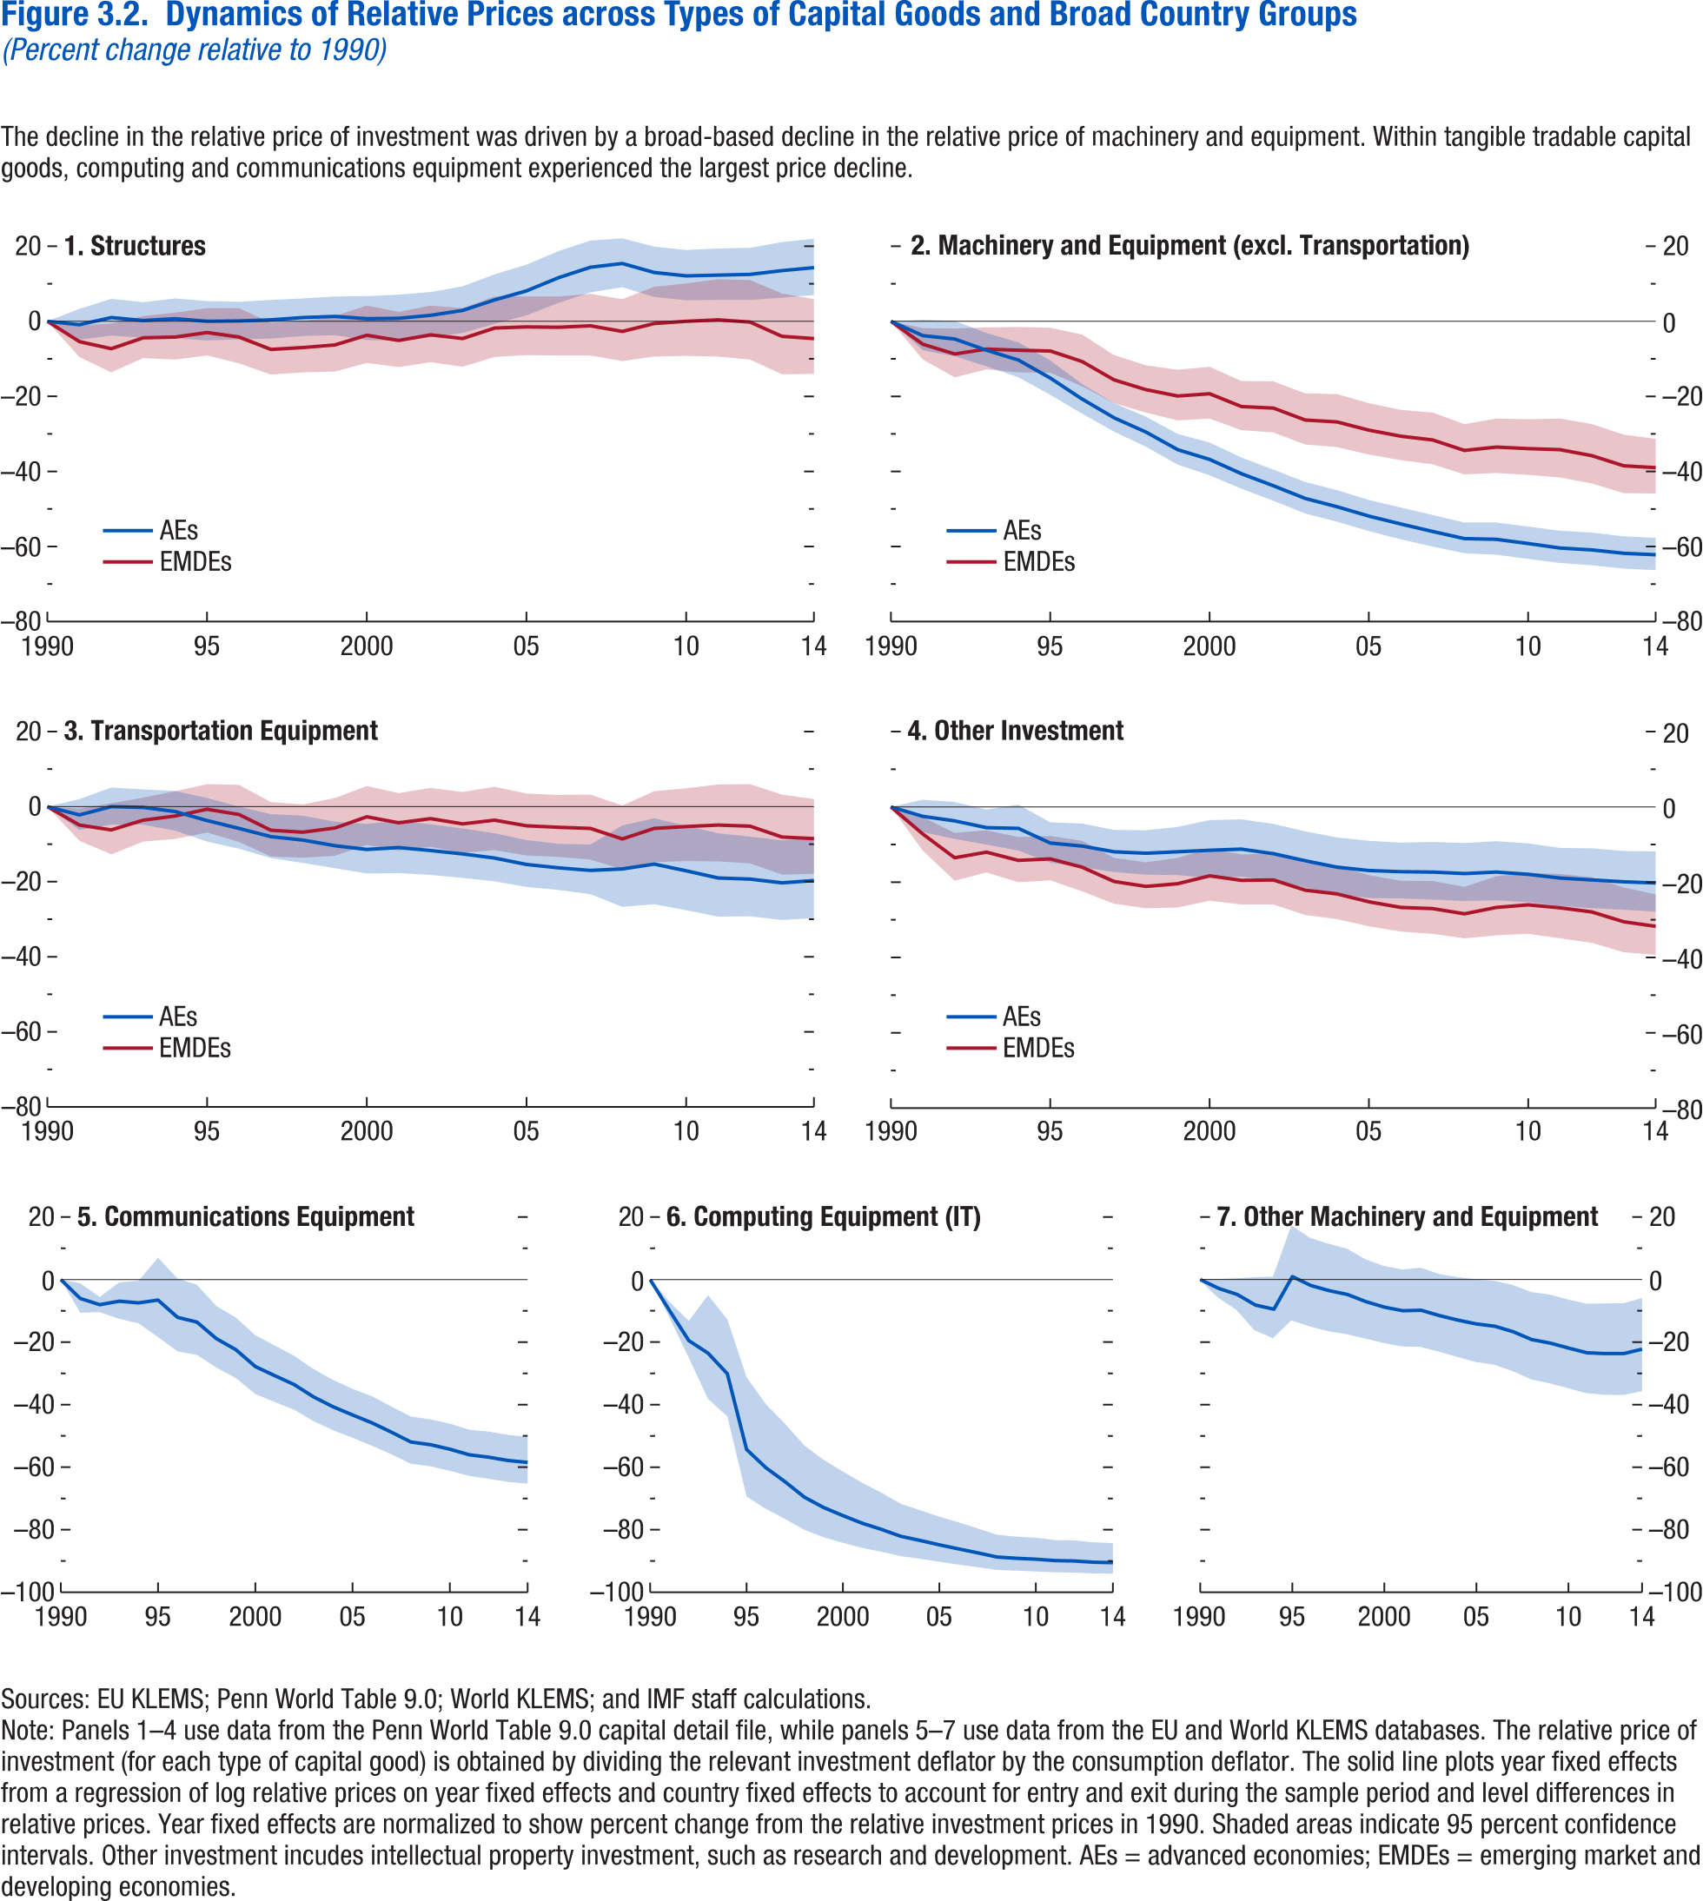
Figure 3.2. Dynamics of Relative Prices across Types of Capital Goods and Broad Country Groups
(Percent change relative to 1990)

1. Structures |  |  |  |  |  |  |  | 2. Machinery and Equipment (excl. Transportation) |  |  |  |  |  |  | 3. Transportation Equipment |  |  |  |  |  |  | 4. Other Investment |  |  |  |  |  |  | 5. Communications Equipment |  |  |  | 6. Computing Equipment (IT) |  |  |  | 7. Other Machinery and Equipment
 | AEs |  |  | EMDEs |  |  |  | AEs |  |  | EMDEs |  |  |  | AEs |  |  | EMDEs |  |  |  | AEs |  |  | EMDEs
year | Coefficient | 95% confidence interval, upper bound | 95% confidence interval, lower bound | Coefficient | 95% confidence interval, upper bound | 95% confidence interval, lower bound | year | Coefficient | 95% confidence interval, upper bound | 95% confidence interval, lower bound | Coefficient | 95% confidence interval, upper bound | 95% confidence interval, lower bound | year | Coefficient | 95% confidence interval, upper bound | 95% confidence interval, lower bound | Coefficient | 95% confidence interval, upper bound | 95% confidence interval, lower bound | year | Coefficient | 95% confidence interval, upper bound | 95% confidence interval, lower bound | Coefficient | 95% confidence interval, upper bound | 95% confidence interval, lower bound | year | Coefficient | 95% confidence interval, upper bound | 95% confidence interval, lower bound | year | Coefficient | 95% confidence interval, upper bound | 95% confidence interval, lower bound | year | Coefficient | 95% confidence interval, upper bound | 95% confidence interval, lower bound
1990 | 0 | 0 | 0 | 0 | 0 | 0 | 1990 | 0 | 0 | 0 | 0 | 0 | 0 | 1990 | 0 | 0 | 0 | 0 | 0 | 0 | 1990 | 0 | 0 | 0 | 0 | 0 | 0 | 1990 | 0 | 0 | 0 | 1990 | 0 | 0 | 0 | 1990 | 0 | 0 | 0
1991 | -0.90 | 3.30 | -4.90 | -5.40 | -1.10 | -9.50 | 1991 | -3.80 | 0.40 | -7.70 | -6.10 | -1.80 | -10.20 | 1991 | -2.20 | 2.00 | -6.20 | -4.90 | -0.50 | -9.10 | 1991 | -2.50 | 1.90 | -6.70 | -7.20 | -2.70 | -11.60 | 1991 | -6.02 | -1.20 | -10.60 | 1991 | -9.91 | -7.34 | -12.40 | 1991 | -2.82 | 0.13 | -5.68
1992 | 1.00 | 6.00 | -3.80 | -7.30 | -0.60 | -13.60 | 1992 | -4.70 | 0.10 | -9.30 | -8.70 | -1.90 | -14.90 | 1992 | 0.00 | 5.10 | -4.80 | -6.20 | 0.90 | -12.70 | 1992 | -3.70 | 1.30 | -8.50 | -13.50 | -6.90 | -19.60 | 1992 | -8.02 | -5.55 | -10.43 | 1992 | -19.51 | -13.39 | -25.20 | 1992 | -4.75 | 0.39 | -9.63
1993 | 0.20 | 5.10 | -4.40 | -4.40 | 1.40 | -9.80 | 1993 | -7.70 | -3.10 | -12.00 | -7.40 | -1.60 | -12.80 | 1993 | -0.20 | 4.60 | -4.80 | -3.60 | 2.40 | -9.30 | 1993 | -5.50 | -0.70 | -10.00 | -12.00 | -6.20 | -17.40 | 1993 | -6.90 | -0.89 | -12.54 | 1993 | -23.55 | -5.16 | -38.38 | 1993 | -8.15 | 0.72 | -16.24
1994 | 0.70 | 6.10 | -4.50 | -4.20 | 2.30 | -10.20 | 1994 | -10.30 | -5.60 | -14.90 | -7.70 | -1.50 | -13.60 | 1994 | -1.30 | 4.20 | -6.40 | -2.50 | 4.10 | -8.60 | 1994 | -5.70 | 0.60 | -11.60 | -14.20 | -8.00 | -20.00 | 1994 | -7.44 | -0.40 | -13.99 | 1994 | -30.13 | -12.93 | -43.94 | 1994 | -9.47 | 0.90 | -18.77
1995 | 0.00 | 5.40 | -5.10 | -3.00 | 3.50 | -9.10 | 1995 | -15.10 | -10.40 | -19.60 | -7.90 | -1.70 | -13.70 | 1995 | -3.70 | 2.30 | -9.30 | -0.70 | 6.00 | -6.90 | 1995 | -9.60 | -4.10 | -14.80 | -13.80 | -7.70 | -19.50 | 1995 | -6.54 | 7.02 | -18.38 | 1995 | -54.31 | -31.43 | -69.56 | 1995 | 0.97 | 17.30 | -13.09
1996 | 0.10 | 5.20 | -4.80 | -4.20 | 3.50 | -11.20 | 1996 | -20.70 | -16.70 | -24.60 | -10.70 | -3.50 | -17.30 | 1996 | -5.80 | 0.00 | -11.20 | -2.10 | 5.80 | -9.40 | 1996 | -10.40 | -4.40 | -16.00 | -16.00 | -9.00 | -22.40 | 1996 | -12.07 | 0.35 | -22.96 | 1996 | -60.16 | -40.03 | -73.53 | 1996 | -1.89 | 13.33 | -15.06
1997 | 0.40 | 5.70 | -4.60 | -7.50 | -0.40 | -14.20 | 1997 | -25.70 | -21.80 | -29.40 | -15.60 | -9.00 | -21.80 | 1997 | -8.00 | -2.00 | -13.70 | -6.30 | 1.20 | -13.30 | 1997 | -11.90 | -6.10 | -17.30 | -19.80 | -13.50 | -25.70 | 1997 | -13.60 | -1.65 | -24.10 | 1997 | -64.67 | -46.33 | -76.74 | 1997 | -3.56 | 11.45 | -16.54
1998 | 1.00 | 6.10 | -3.90 | -7.00 | 0.00 | -13.60 | 1998 | -29.50 | -25.40 | -33.40 | -18.20 | -11.70 | -24.30 | 1998 | -8.90 | -2.40 | -15.00 | -6.80 | 0.60 | -13.60 | 1998 | -12.30 | -6.20 | -18.00 | -21.10 | -14.70 | -26.90 | 1998 | -18.89 | -8.47 | -28.13 | 1998 | -69.59 | -53.26 | -80.21 | 1998 | -4.79 | 9.88 | -17.50
1999 | 1.30 | 6.60 | -3.70 | -6.30 | 1.40 | -13.40 | 1999 | -34.20 | -30.00 | -38.20 | -19.90 | -12.90 | -26.40 | 1999 | -10.40 | -4.00 | -16.40 | -5.70 | 2.30 | -13.10 | 1999 | -11.90 | -5.30 | -18.10 | -20.40 | -13.50 | -26.70 | 1999 | -22.41 | -12.14 | -31.48 | 1999 | -72.90 | -57.82 | -82.59 | 1999 | -7.06 | 6.49 | -18.89
2000 | 0.70 | 6.70 | -5.00 | -3.70 | 4.20 | -11.10 | 2000 | -36.80 | -32.30 | -41.00 | -19.30 | -12.10 | -25.90 | 2000 | -11.40 | -4.60 | -17.80 | -2.70 | 5.50 | -10.20 | 2000 | -11.50 | -3.50 | -18.90 | -18.30 | -11.10 | -24.90 | 2000 | -27.81 | -17.81 | -36.60 | 2000 | -75.49 | -61.56 | -84.37 | 2000 | -8.81 | 4.37 | -20.33
2001 | 0.80 | 7.10 | -5.20 | -5.10 | 2.50 | -12.20 | 2001 | -40.60 | -36.30 | -44.60 | -22.70 | -15.90 | -29.00 | 2001 | -10.90 | -3.70 | -17.70 | -4.30 | 3.60 | -11.70 | 2001 | -11.20 | -3.30 | -18.50 | -19.50 | -12.60 | -25.90 | 2001 | -30.72 | -21.08 | -39.18 | 2001 | -77.91 | -65.19 | -85.98 | 2001 | -9.97 | 3.18 | -21.44
2002 | 1.60 | 7.80 | -4.30 | -3.60 | 4.20 | -10.90 | 2002 | -43.80 | -39.50 | -47.80 | -23.10 | -16.00 | -29.60 | 2002 | -11.70 | -4.70 | -18.20 | -3.20 | 5.00 | -10.70 | 2002 | -12.40 | -4.50 | -19.70 | -19.40 | -12.40 | -25.90 | 2002 | -33.58 | -24.39 | -41.65 | 2002 | -79.89 | -68.35 | -87.22 | 2002 | -9.81 | 3.73 | -21.59
2003 | 2.90 | 9.30 | -3.10 | -4.60 | 3.50 | -12.10 | 2003 | -47.20 | -42.80 | -51.20 | -26.30 | -19.20 | -32.80 | 2003 | -12.60 | -5.80 | -19.00 | -4.60 | 3.90 | -12.30 | 2003 | -14.30 | -6.50 | -21.40 | -22.10 | -14.90 | -28.70 | 2003 | -37.53 | -28.64 | -45.30 | 2003 | -82.10 | -71.86 | -88.61 | 2003 | -11.53 | 1.76 | -23.09
2004 | 5.70 | 12.50 | -0.70 | -1.80 | 6.60 | -9.50 | 2004 | -49.40 | -45.00 | -53.40 | -26.80 | -19.40 | -33.50 | 2004 | -13.70 | -7.10 | -19.90 | -3.60 | 5.30 | -11.60 | 2004 | -16.00 | -8.10 | -23.20 | -23.10 | -15.70 | -29.80 | 2004 | -40.69 | -32.12 | -48.19 | 2004 | -83.42 | -73.93 | -89.46 | 2004 | -12.96 | 0.76 | -24.81
2005 | 8.10 | 15.10 | 1.60 | -1.50 | 6.60 | -9.00 | 2005 | -51.90 | -47.60 | -55.90 | -29.00 | -21.80 | -35.50 | 2005 | -15.40 | -8.90 | -21.40 | -5.10 | 3.50 | -13.00 | 2005 | -16.90 | -9.00 | -24.20 | -25.20 | -18.10 | -31.70 | 2005 | -43.30 | -34.96 | -50.57 | 2005 | -84.83 | -75.99 | -90.41 | 2005 | -14.19 | 0.07 | -26.42
2006 | 11.60 | 18.70 | 4.90 | -1.60 | 6.60 | -9.10 | 2006 | -54.00 | -49.60 | -58.10 | -30.60 | -23.60 | -37.00 | 2006 | -16.30 | -9.90 | -22.20 | -5.50 | 3.10 | -13.40 | 2006 | -17.20 | -9.50 | -24.30 | -26.70 | -19.60 | -33.10 | 2006 | -45.81 | -37.32 | -53.15 | 2006 | -86.11 | -77.81 | -91.31 | 2006 | -14.93 | -0.46 | -27.30
2007 | 14.40 | 21.50 | 7.70 | -1.20 | 7.30 | -9.10 | 2007 | -56.00 | -51.60 | -60.00 | -31.60 | -24.30 | -38.10 | 2007 | -17.00 | -10.10 | -23.30 | -5.80 | 3.20 | -14.10 | 2007 | -17.30 | -9.30 | -24.60 | -27.00 | -19.70 | -33.70 | 2007 | -48.81 | -40.62 | -55.88 | 2007 | -87.40 | -79.79 | -92.15 | 2007 | -16.69 | -1.78 | -29.34
2008 | 15.40 | 22.10 | 9.10 | -2.70 | 5.90 | -10.60 | 2008 | -57.90 | -53.60 | -61.80 | -34.40 | -27.40 | -40.80 | 2008 | -16.60 | -5.00 | -26.70 | -8.60 | 0.30 | -16.70 | 2008 | -17.70 | -9.60 | -25.00 | -28.40 | -21.20 | -34.90 | 2008 | -51.95 | -43.79 | -58.92 | 2008 | -88.71 | -81.78 | -93.00 | 2008 | -19.19 | -4.02 | -31.96
2009 | 13.00 | 19.90 | 6.50 | -0.60 | 9.20 | -9.40 | 2009 | -58.10 | -53.60 | -62.20 | -33.50 | -25.90 | -40.40 | 2009 | -15.30 | -3.10 | -26.00 | -5.80 | 4.10 | -14.80 | 2009 | -17.30 | -9.10 | -24.80 | -26.70 | -18.40 | -34.10 | 2009 | -52.79 | -44.69 | -59.70 | 2009 | -89.11 | -82.37 | -93.28 | 2009 | -20.29 | -4.85 | -33.23
2010 | 12.10 | 19.00 | 5.60 | 0.00 | 10.10 | -9.20 | 2010 | -59.20 | -54.70 | -63.30 | -33.90 | -26.10 | -40.90 | 2010 | -17.10 | -5.10 | -27.60 | -5.30 | 4.90 | -14.50 | 2010 | -17.90 | -9.70 | -25.30 | -26.00 | -17.50 | -33.70 | 2010 | -54.24 | -46.07 | -61.17 | 2010 | -89.42 | -82.75 | -93.51 | 2010 | -21.90 | -6.44 | -34.81
2011 | 12.30 | 19.40 | 5.70 | 0.40 | 11.20 | -9.40 | 2011 | -60.40 | -55.80 | -64.40 | -34.20 | -25.90 | -41.60 | 2011 | -19.00 | -7.10 | -29.30 | -4.90 | 5.90 | -14.60 | 2011 | -18.90 | -10.90 | -26.30 | -26.80 | -17.80 | -34.90 | 2011 | -56.02 | -48.04 | -62.77 | 2011 | -89.85 | -83.46 | -93.78 | 2011 | -23.42 | -7.76 | -36.42
2012 | 12.50 | 19.60 | 5.70 | -0.20 | 11.00 | -10.20 | 2012 | -60.90 | -56.30 | -65.00 | -35.80 | -27.40 | -43.20 | 2012 | -19.30 | -8.00 | -29.20 | -5.20 | 6.00 | -15.10 | 2012 | -19.40 | -11.00 | -26.90 | -27.90 | -18.70 | -36.10 | 2012 | -56.80 | -48.60 | -63.70 | 2012 | -89.97 | -83.56 | -93.88 | 2012 | -23.66 | -7.66 | -36.90
2013 | 13.50 | 21.10 | 6.30 | -4.00 | 7.40 | -14.10 | 2013 | -61.80 | -57.30 | -65.90 | -38.50 | -30.20 | -45.80 | 2013 | -20.30 | -9.00 | -30.20 | -8.10 | 3.20 | -18.10 | 2013 | -19.90 | -11.70 | -27.30 | -30.50 | -21.40 | -38.60 | 2013 | -57.85 | -49.68 | -64.69 | 2013 | -90.36 | -84.20 | -94.12 | 2013 | -23.68 | -7.61 | -36.95
2014 | 14.30 | 22.00 | 7.00 | -4.60 | 5.90 | -14.00 | 2014 | -62.20 | -57.70 | -66.30 | -39.00 | -31.30 | -45.90 | 2014 | -19.70 | -8.20 | -29.70 | -8.50 | 2.00 | -17.90 | 2014 | -20.20 | -11.80 | -27.80 | -31.70 | -23.20 | -39.30 | 2014 | -58.45 | -50.29 | -65.27 | 2014 | -90.51 | -84.44 | -94.21 | 2014 | -22.25 | -5.93 | -35.74

Figure 3.3
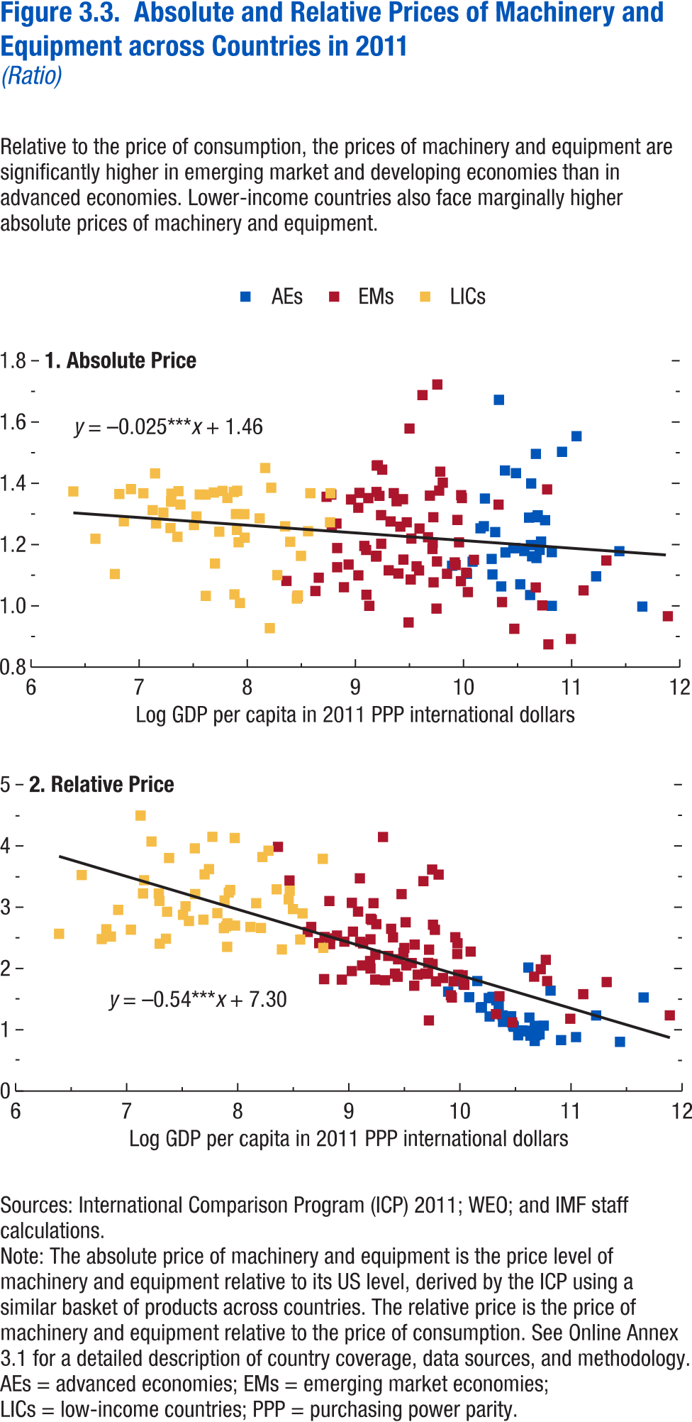
Figure 3.3. Absolute and Relative Prices of Machinery and Equipment across Countries in 2011
(Ratio)

1. Absolute Price |  |  |  |  |  |  | 2. Relative Price

country | country code | AEs | EMs | LICs | Absolute price | Log GDP per capita | country | country code | AEs | EMs | LICs | Relative price | Log GDP per capita
Bangladesh | BGD | 0 | 0 | 1 | 1.01 | 7.93 | Bangladesh | BGD | 0 | 0 | 1 | 3.28 | 7.93
Benin | BEN | 0 | 0 | 1 | 1.26 | 7.51 | Benin | BEN | 0 | 0 | 1 | 2.88 | 7.51
Bhutan | BTN | 0 | 0 | 1 | 1.27 | 8.77 | Bhutan | BTN | 0 | 0 | 1 | 3.79 | 8.77
Burkina Faso | BFA | 0 | 0 | 1 | 1.34 | 7.29 | Burkina Faso | BFA | 0 | 0 | 1 | 3.10 | 7.29
Burundi | BDI | 0 | 0 | 1 | 1.22 | 6.60 | Burundi | BDI | 0 | 0 | 1 | 3.53 | 6.60
Cambodia | KHM | 0 | 0 | 1 | 1.04 | 7.88 | Cambodia | KHM | 0 | 0 | 1 | 3.11 | 7.88
Cameroon | CMR | 0 | 0 | 1 | 1.22 | 7.98 | Cameroon | CMR | 0 | 0 | 1 | 2.70 | 7.98
Central African Republic | CAF | 0 | 0 | 1 | 1.37 | 6.82 | Central African Republic | CAF | 0 | 0 | 1 | 2.64 | 6.82
Chad | TCD | 0 | 0 | 1 | 1.37 | 7.69 | Chad | TCD | 0 | 0 | 1 | 2.80 | 7.69
Comoros | COM | 0 | 0 | 1 | 1.37 | 7.30 | Comoros | COM | 0 | 0 | 1 | 2.40 | 7.30
Congo, Democratic Republic of the | COD | 0 | 0 | 1 | 1.37 | 6.39 | Congo, Democratic Republic of the | COD | 0 | 0 | 1 | 2.57 | 6.39
Congo, Republic of | COG | 0 | 0 | 1 | 1.37 | 8.77 | Congo, Republic of | COG | 0 | 0 | 1 | 2.34 | 8.77
Côte d'Ivoire | CIV | 0 | 0 | 1 | 1.35 | 7.82 | Côte d'Ivoire | CIV | 0 | 0 | 1 | 2.90 | 7.82
Djibouti | DJI | 0 | 0 | 1 | 1.25 | 7.90 | Djibouti | DJI | 0 | 0 | 1 | 2.35 | 7.90
Ethiopia | ETH | 0 | 0 | 1 | 1.31 | 7.13 | Ethiopia | ETH | 0 | 0 | 1 | 4.50 | 7.13
Gambia, The | GMB | 0 | 0 | 1 | 1.38 | 7.77 | Gambia, The | GMB | 0 | 0 | 1 | 4.15 | 7.77
Ghana | GHA | 0 | 0 | 1 | 1.45 | 8.17 | Ghana | GHA | 0 | 0 | 1 | 3.07 | 8.17
Guinea | GIN | 0 | 0 | 1 | 1.33 | 7.38 | Guinea | GIN | 0 | 0 | 1 | 3.80 | 7.38
Guinea-Bissau | GNB | 0 | 0 | 1 | 1.37 | 7.36 | Guinea-Bissau | GNB | 0 | 0 | 1 | 2.93 | 7.36
Haiti | HTI | 0 | 0 | 1 | 1.23 | 7.35 | Haiti | HTI | 0 | 0 | 1 | 2.49 | 7.35
Honduras | HND | 0 | 0 | 1 | 1.21 | 8.40 | Honduras | HND | 0 | 0 | 1 | 2.31 | 8.40
Kenya | KEN | 0 | 0 | 1 | 1.21 | 7.92 | Kenya | KEN | 0 | 0 | 1 | 3.24 | 7.92
Kyrgyz Republic | KGZ | 0 | 0 | 1 | 1.30 | 7.97 | Kyrgyz Republic | KGZ | 0 | 0 | 1 | 4.13 | 7.97
Lao P.D.R. | LAO | 0 | 0 | 1 | 1.03 | 8.47 | Lao P.D.R. | LAO | 0 | 0 | 1 | 3.27 | 8.47
Lesotho | LSO | 0 | 0 | 1 | 1.38 | 7.91 | Lesotho | LSO | 0 | 0 | 1 | 2.74 | 7.91
Liberia | LBR | 0 | 0 | 1 | 1.37 | 7.04 | Liberia | LBR | 0 | 0 | 1 | 2.63 | 7.04
Madagascar | MDG | 0 | 0 | 1 | 1.30 | 7.22 | Madagascar | MDG | 0 | 0 | 1 | 4.07 | 7.22
Malawi | MWI | 0 | 0 | 1 | 1.38 | 6.92 | Malawi | MWI | 0 | 0 | 1 | 2.96 | 6.92
Mali | MLI | 0 | 0 | 1 | 1.29 | 7.53 | Mali | MLI | 0 | 0 | 1 | 3.01 | 7.53
Mauritania | MRT | 0 | 0 | 1 | 1.39 | 8.22 | Mauritania | MRT | 0 | 0 | 1 | 3.82 | 8.22
Moldova | MDA | 0 | 0 | 1 | 1.16 | 8.50 | Moldova | MDA | 0 | 0 | 1 | 2.97 | 8.50
Mozambique | MOZ | 0 | 0 | 1 | 1.28 | 6.86 | Mozambique | MOZ | 0 | 0 | 1 | 2.52 | 6.86
Myanmar | MMR | 0 | 0 | 1 | 1.10 | 8.28 | Myanmar | MMR | 0 | 0 | 1 | 3.92 | 8.28
Nepal | NPL | 0 | 0 | 1 | 1.03 | 7.62 | Nepal | NPL | 0 | 0 | 1 | 3.21 | 7.62
Nicaragua | NIC | 0 | 0 | 1 | 1.26 | 8.35 | Nicaragua | NIC | 0 | 0 | 1 | 3.29 | 8.35
Niger | NER | 0 | 0 | 1 | 1.10 | 6.78 | Niger | NER | 0 | 0 | 1 | 2.48 | 6.78
Nigeria | NGA | 0 | 0 | 1 | 1.37 | 8.58 | Nigeria | NGA | 0 | 0 | 1 | 2.90 | 8.58
Rwanda | RWA | 0 | 0 | 1 | 1.25 | 7.29 | Rwanda | RWA | 0 | 0 | 1 | 3.22 | 7.29
Senegal | SEN | 0 | 0 | 1 | 1.30 | 7.90 | Senegal | SEN | 0 | 0 | 1 | 2.69 | 7.90
Sierra Leone | SLE | 0 | 0 | 1 | 1.27 | 7.16 | Sierra Leone | SLE | 0 | 0 | 1 | 3.44 | 7.16
Sudan | SDN | 0 | 0 | 1 | 1.24 | 8.56 | Sudan | SDN | 0 | 0 | 1 | 2.47 | 8.56
São Tomé and Príncipe | STP | 0 | 0 | 1 | 1.37 | 7.88 | São Tomé and Príncipe | STP | 0 | 0 | 1 | 2.66 | 7.88
Tajikistan | TJK | 0 | 0 | 1 | 1.14 | 7.70 | Tajikistan | TJK | 0 | 0 | 1 | 3.54 | 7.70
Tanzania | TZA | 0 | 0 | 1 | 1.24 | 7.74 | Tanzania | TZA | 0 | 0 | 1 | 3.62 | 7.74
Togo | TGO | 0 | 0 | 1 | 1.43 | 7.15 | Togo | TGO | 0 | 0 | 1 | 3.22 | 7.15
Uganda | UGA | 0 | 0 | 1 | 1.36 | 7.61 | Uganda | UGA | 0 | 0 | 1 | 3.96 | 7.61
Vietnam | VNM | 0 | 0 | 1 | 1.02 | 8.46 | Vietnam | VNM | 0 | 0 | 1 | 3.13 | 8.46
Yemen | YEM | 0 | 0 | 1 | 0.93 | 8.21 | Yemen | YEM | 0 | 0 | 1 | 2.66 | 8.21
Zambia | ZMB | 0 | 0 | 1 | 1.29 | 8.11 | Zambia | ZMB | 0 | 0 | 1 | 2.68 | 8.11
Zimbabwe | ZWE | 0 | 0 | 1 | 1.36 | 7.56 | Zimbabwe | ZWE | 0 | 0 | 1 | 2.78 | 7.56
Albania | ALB | 0 | 1 | 0 | 1.16 | 9.20 | Albania | ALB | 0 | 1 | 0 | 2.48 | 9.20
Algeria | DZA | 0 | 1 | 0 | 1.27 | 9.47 | Algeria | DZA | 0 | 1 | 0 | 3.21 | 9.47
Angola | AGO | 0 | 1 | 0 | 1.36 | 8.78 | Angola | AGO | 0 | 1 | 0 | 1.83 | 8.78
Antigua and Barbuda | ATG | 0 | 1 | 0 | 1.28 | 9.94 | Antigua and Barbuda | ATG | 0 | 1 | 0 | 1.79 | 9.94
Armenia | ARM | 0 | 1 | 0 | 1.27 | 8.83 | Armenia | ARM | 0 | 1 | 0 | 3.10 | 8.83
Aruba | ABW | 0 | 1 | 0 | 0.93 | 10.47 | Aruba | ABW | 0 | 1 | 0 | 1.12 | 10.47
Azerbaijan | AZE | 0 | 1 | 0 | 1.22 | 9.67 | Azerbaijan | AZE | 0 | 1 | 0 | 3.43 | 9.67
Bahamas, The | BHS | 0 | 1 | 0 | 1.33 | 10.32 | Bahamas, The | BHS | 0 | 1 | 0 | 1.26 | 10.32
Bahrain | BHR | 0 | 1 | 0 | 1.06 | 10.67 | Bahrain | BHR | 0 | 1 | 0 | 1.87 | 10.67
Barbados | BRB | 0 | 1 | 0 | 1.29 | 9.72 | Barbados | BRB | 0 | 1 | 0 | 1.15 | 9.72
Belarus | BLR | 0 | 1 | 0 | 0.99 | 9.75 | Belarus | BLR | 0 | 1 | 0 | 3.62 | 9.75
Belize | BLZ | 0 | 1 | 0 | 1.35 | 8.96 | Belize | BLZ | 0 | 1 | 0 | 2.44 | 8.96
Bolivia | BOL | 0 | 1 | 0 | 1.05 | 8.63 | Bolivia | BOL | 0 | 1 | 0 | 2.60 | 8.63
Bosnia and Herzegovina | BIH | 0 | 1 | 0 | 1.16 | 9.19 | Bosnia and Herzegovina | BIH | 0 | 1 | 0 | 2.12 | 9.19
Botswana | BWA | 0 | 1 | 0 | 1.22 | 9.52 | Botswana | BWA | 0 | 1 | 0 | 2.05 | 9.52
Brazil | BRA | 0 | 1 | 0 | 1.69 | 9.62 | Brazil | BRA | 0 | 1 | 0 | 1.90 | 9.62
Brunei Darussalam | BRN | 0 | 1 | 0 | 1.15 | 11.32 | Brunei Darussalam | BRN | 0 | 1 | 0 | 1.78 | 11.32
Bulgaria | BGR | 0 | 1 | 0 | 1.08 | 9.72 | Bulgaria | BGR | 0 | 1 | 0 | 2.31 | 9.72
Cabo Verde | CPV | 0 | 1 | 0 | 1.36 | 8.73 | Cabo Verde | CPV | 0 | 1 | 0 | 2.41 | 8.73
Chile | CHL | 0 | 1 | 0 | 1.14 | 9.92 | Chile | CHL | 0 | 1 | 0 | 1.56 | 9.92
China | CHN | 0 | 1 | 0 | 1.20 | 9.24 | China | CHN | 0 | 1 | 0 | 2.22 | 9.24
Colombia | COL | 0 | 1 | 0 | 1.37 | 9.35 | Colombia | COL | 0 | 1 | 0 | 2.21 | 9.35
...

Figure 3.4
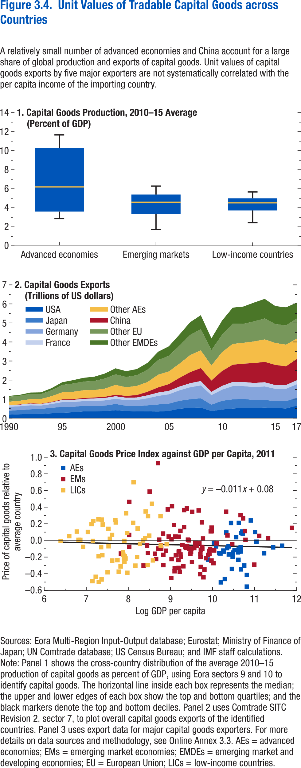
Figure 3.4. Unit Values of Tradable Capital Goods across Countries

1. Capital Goods Production, 2010–15 Average
(Percent of GDP)

groups | p10 | p25 | p50
Advanced economies | 2.87 | 3.60 | 6.19
Emerging markets | 1.74 | 3.35 | 4.59
Low-income countries | 2.44 | 3.72 | 4.52
...

Figure 3.5
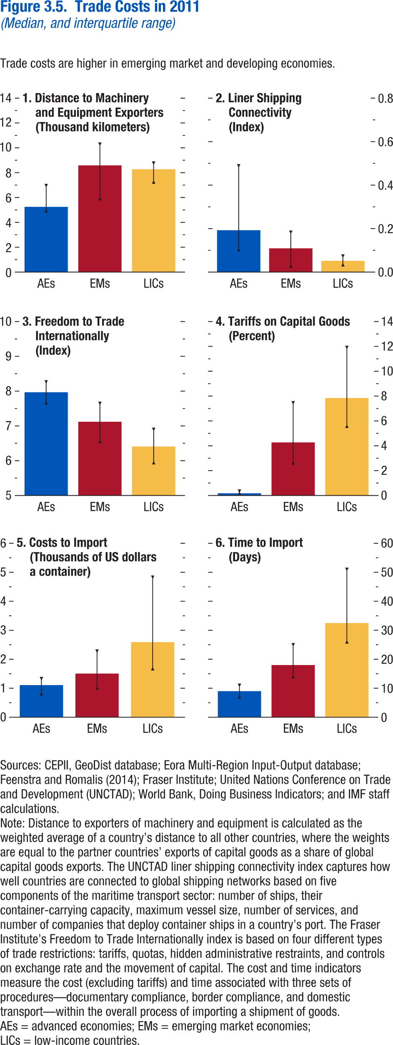
Figure 3.5. Trade Costs in 2011
(Median, and interquartile range)

1. Distance to Machinery and Equipment Exporters
(Thousand kilometers)

group | Median | p25 | p75
Advanced economies | 5.25 | 4.93 | 6.97
Emerging markets | 8.59 | 5.92 | 10.30
Low-income countries | 8.28 | 7.25 | 8.78

Figure 3.6
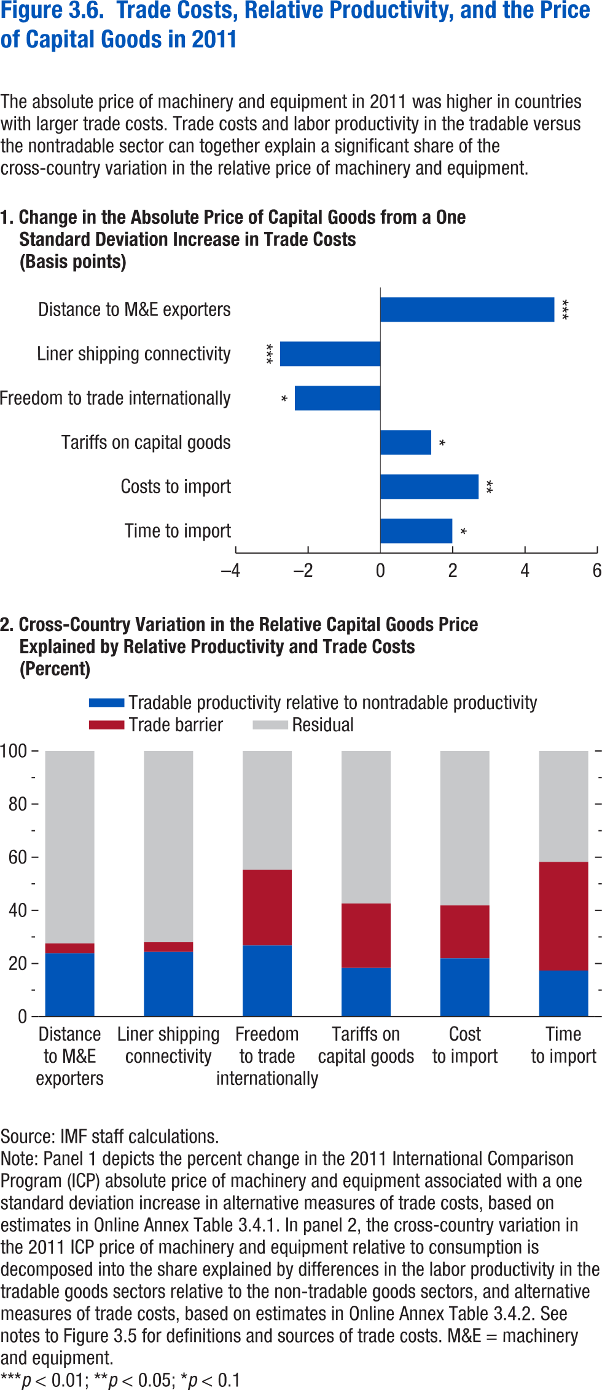
Figure 3.6. Trade Costs, Relative Productivity, and the Price of Capital Goods in 2011

1. Change in the Absolute Price of Capital Goods from a One
Standard Deviation Increase in Trade Costs
(Basis points)
...
Distance to M&E exporters | 4.81
Liner shipping connectivity | -2.77
Freedom to trade internationally | -2.37
Tariffs on capital goods | 1.41
Costs to import | 2.71
Time to import | 1.99

Figure 3.7
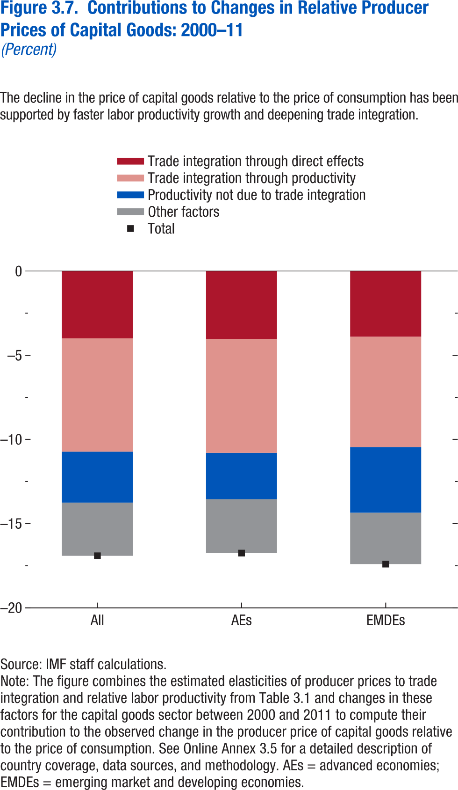
Figure 3.7. Contributions to Changes in Relative Producer Prices of Capital Goods: 2000–11
(Percent)

 | Trade integration through direct effects | Trade integration through productivity | Productivity not due to trade integration
All | -4.00 | -6.72 | -3.03
AEs | -4.03 | -6.77 | -2.75
EMDEs | -3.90 | -6.55 | -3.90

Figure 3.8
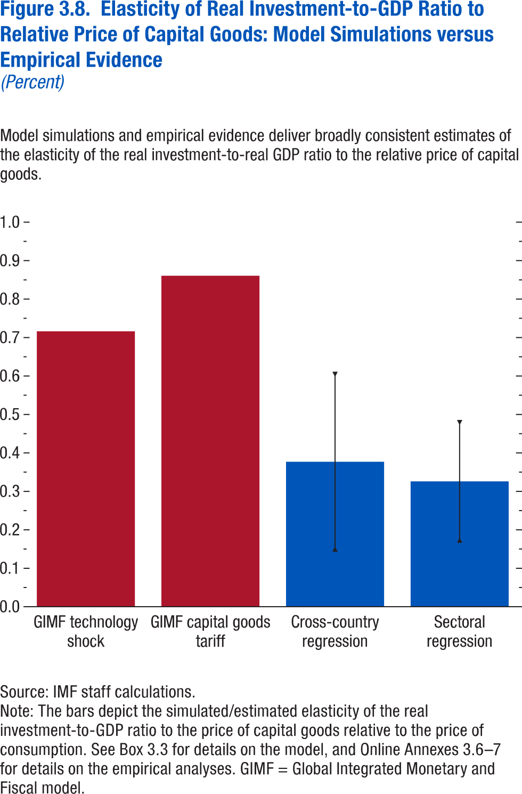
Figure 3.8. Elasticity of Real Investment-to-GDP Ratio to Relative Price of Capital Goods: Model Simulations versus Empirical Evidence
(Percent)

 | Coefficient | Upper bound | Lower bound
GIMF technology shock | 0.72
GIMF capital goods tariff | 0.86
Cross-country regression | 0.38 | 0.15 | 0.60
Sectoral regression | 0.33 | 0.17 | 0.48

Figure 3.9
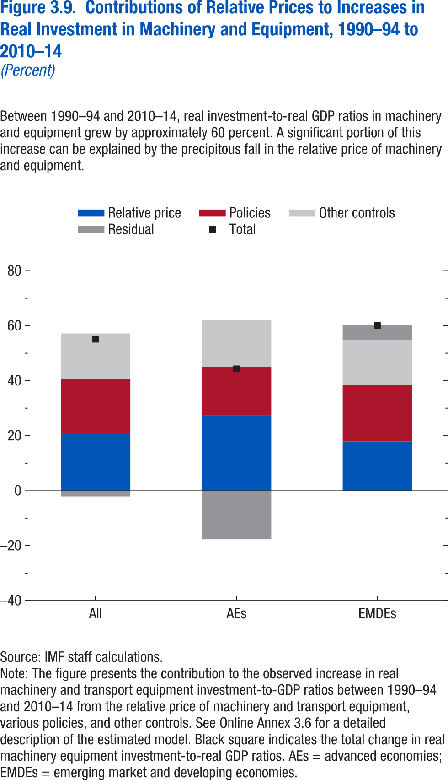
Figure 3.9. Contributions of Relative Prices to Increases in Real Investment in Machinery and Equipment, 1990–94 to 2010–14
(Percent)

 | Policies | Relative price | Other controls
All | 19.70 | 20.94 | 16.54
AEs | 17.60 | 27.44 | 16.99
EMDEs | 20.69 | 17.88 | 16.32

Figure 3.1.1
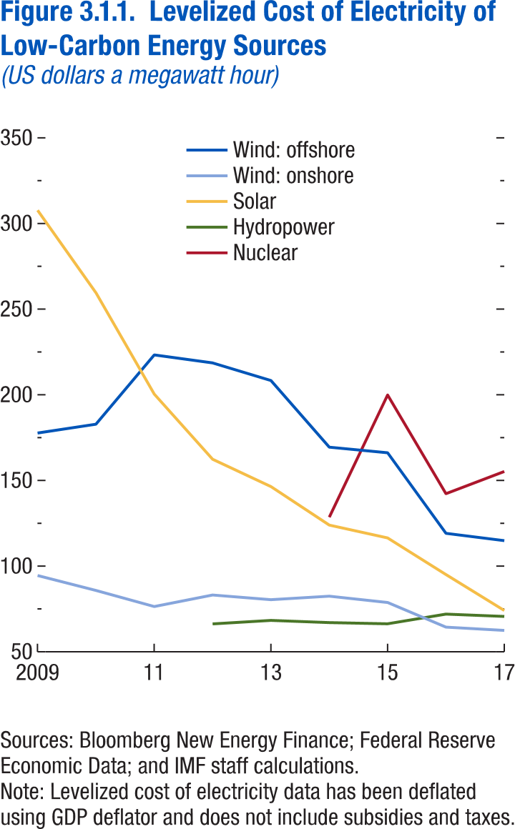
Figure 3.1.1. Levelized Cost of Electricity of Low-Carbon Energy Sources
(US dollars a megawatt hour)

year | Solar
2009 | 307.74
2010 | 259.60
2011 | 200.42
2012 | 162.39
2013 | 146.44
2014 | 123.95
2015 | 116.46
2016 | 95.07
2017 | 74.11

Figure 3.1.2
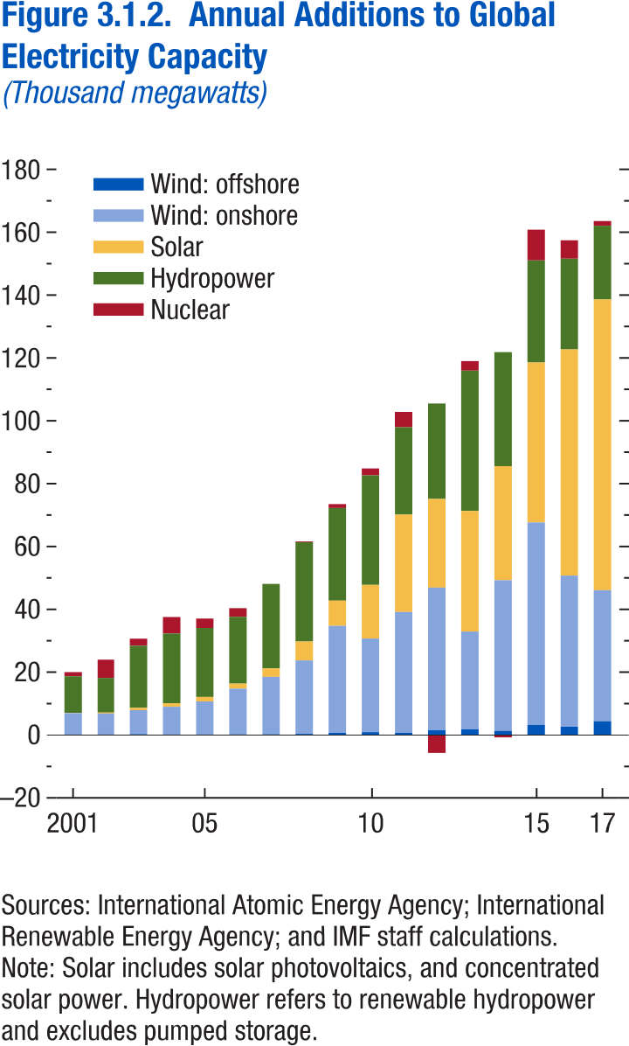
Figure 3.1.2. Annual Additions to Global Electricity Capacity
(Thousand megawatts)

 | Hydropower
2001 | 11.60
2002 | 11.03
2003 | 19.77
2004 | 22.22
2005 | 21.93
2006 | 21.23
2007 | 26.89
2008 | 31.58
2009 | 29.49
2010 | 34.84
2011 | 27.81
2012 | 30.37
2013 | 44.69
2014 | 36.31
2015 | 32.50
2016 | 28.86
2017 | 23.44

Figure 3.2.1
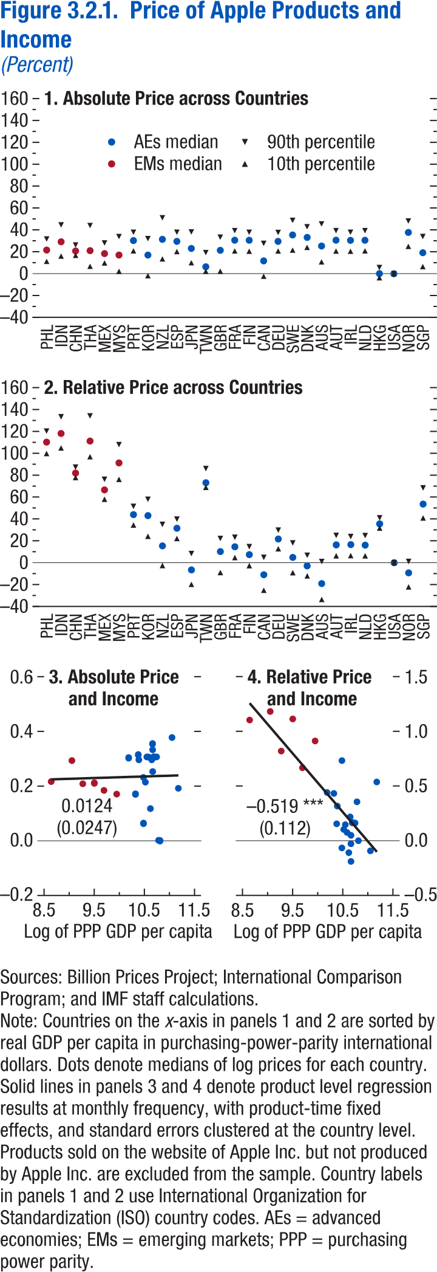
Figure 3.2.1. Price of Apple Products and Income
(Percent)

1. Absolute Price across Countries

country code | Median
PHL | 21.63
IDN | 29.31
CHN | 20.81
THA | 21.11
MEX | 18.39
MYS | 17.07
PRT | 30.32
KOR | 17.08
NZL | 31.43
ESP | 29.58
JPN | 23.12
TWN | 6.37
GBR | 21.40
FRA | 30.64
FIN | 30.59
CAN | 11.76
DEU | 29.58
SWE | 35.45
DNK | 33.23
AUS | 25.33
AUT | 30.64
IRL | 30.52
NLD | 30.59
HKG | 0.14
USA | 0.00
NOR | 37.76
SGP | 19.19

Figure 3.3.1
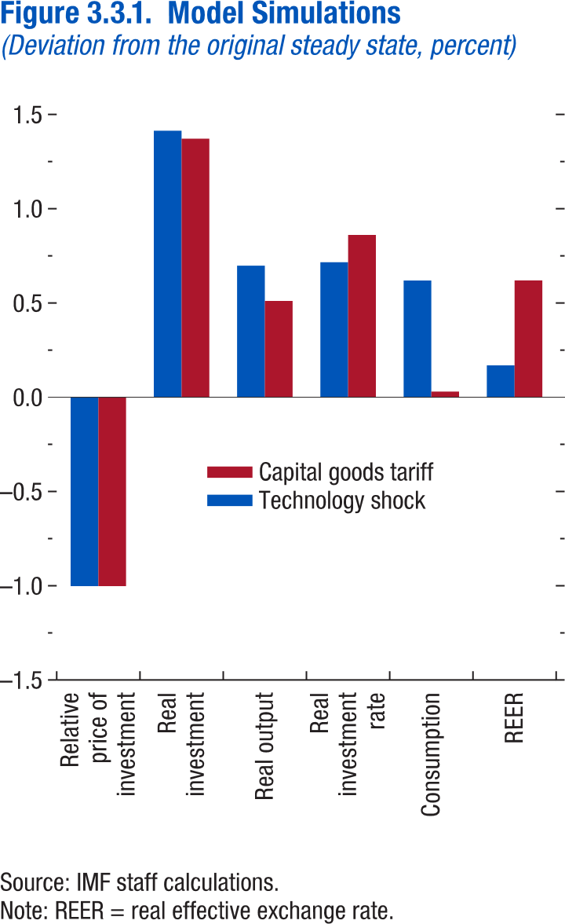
Figure 3.3.1. Model Simulations
(Deviation from the original steady state, percent)

 | Technology shock
REER | 0.17
Consumption | 0.62
Real investment rate | 0.72
Real output | 0.70
Real investment | 1.41
Relative price of investment | -1.00

Figure 3.4.1
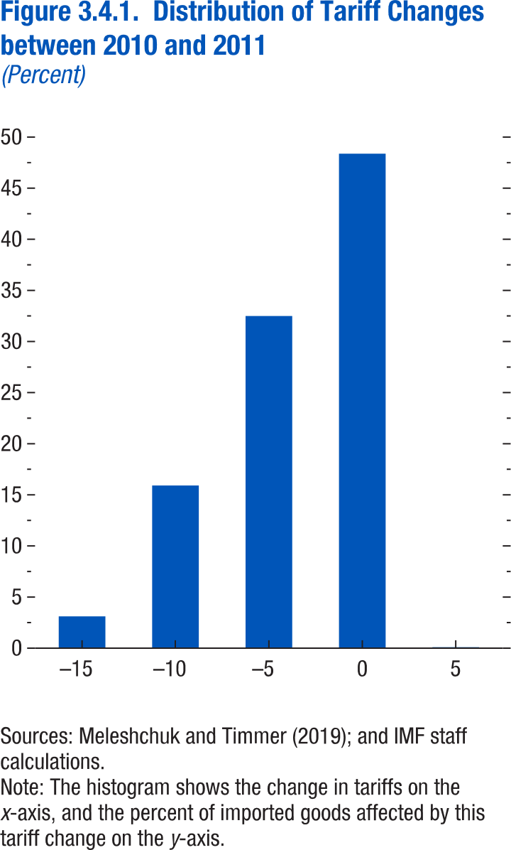
Figure 3.4.1. Distribution of Tariff Changes between 2010 and 2011
(Percent)

Bin | Value
-15 | 3.11
-10 | 15.92
-5 | 32.50
0 | 48.37
5 | 0.10

Figure 3.4.2
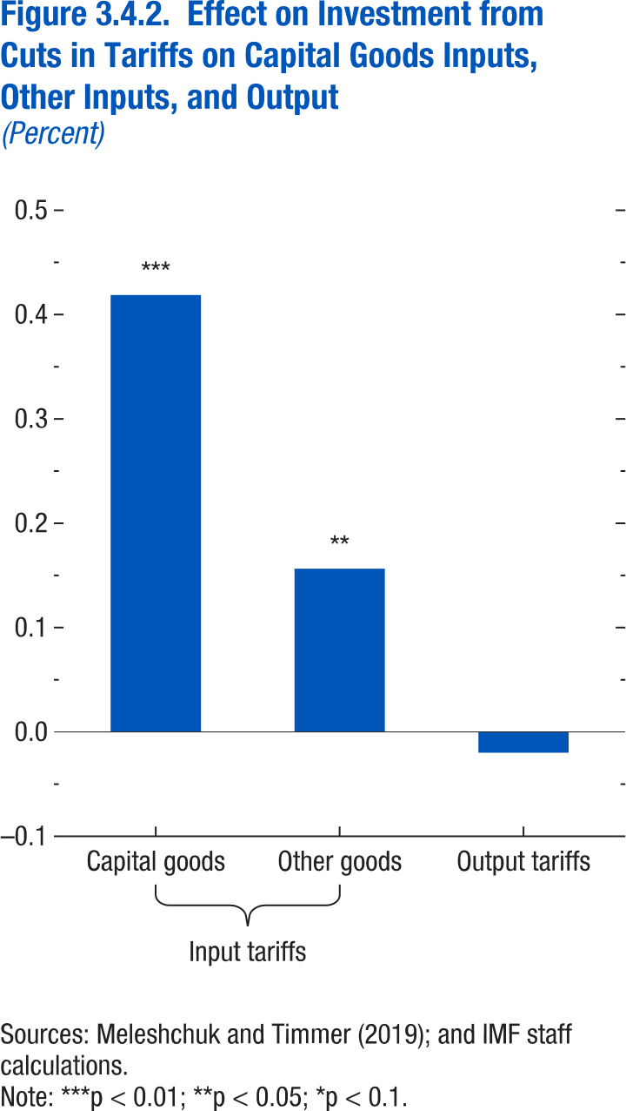
Figure 3.4.2. Effect on Investment from Cuts in Tariffs on Capital Goods Inputs, Other Inputs, and Output
(Percent)

Text | Value
Capital goods | 0.42
Other goods | 0.16
Output tariffs | -0.02

Annex Figure 3.2.1
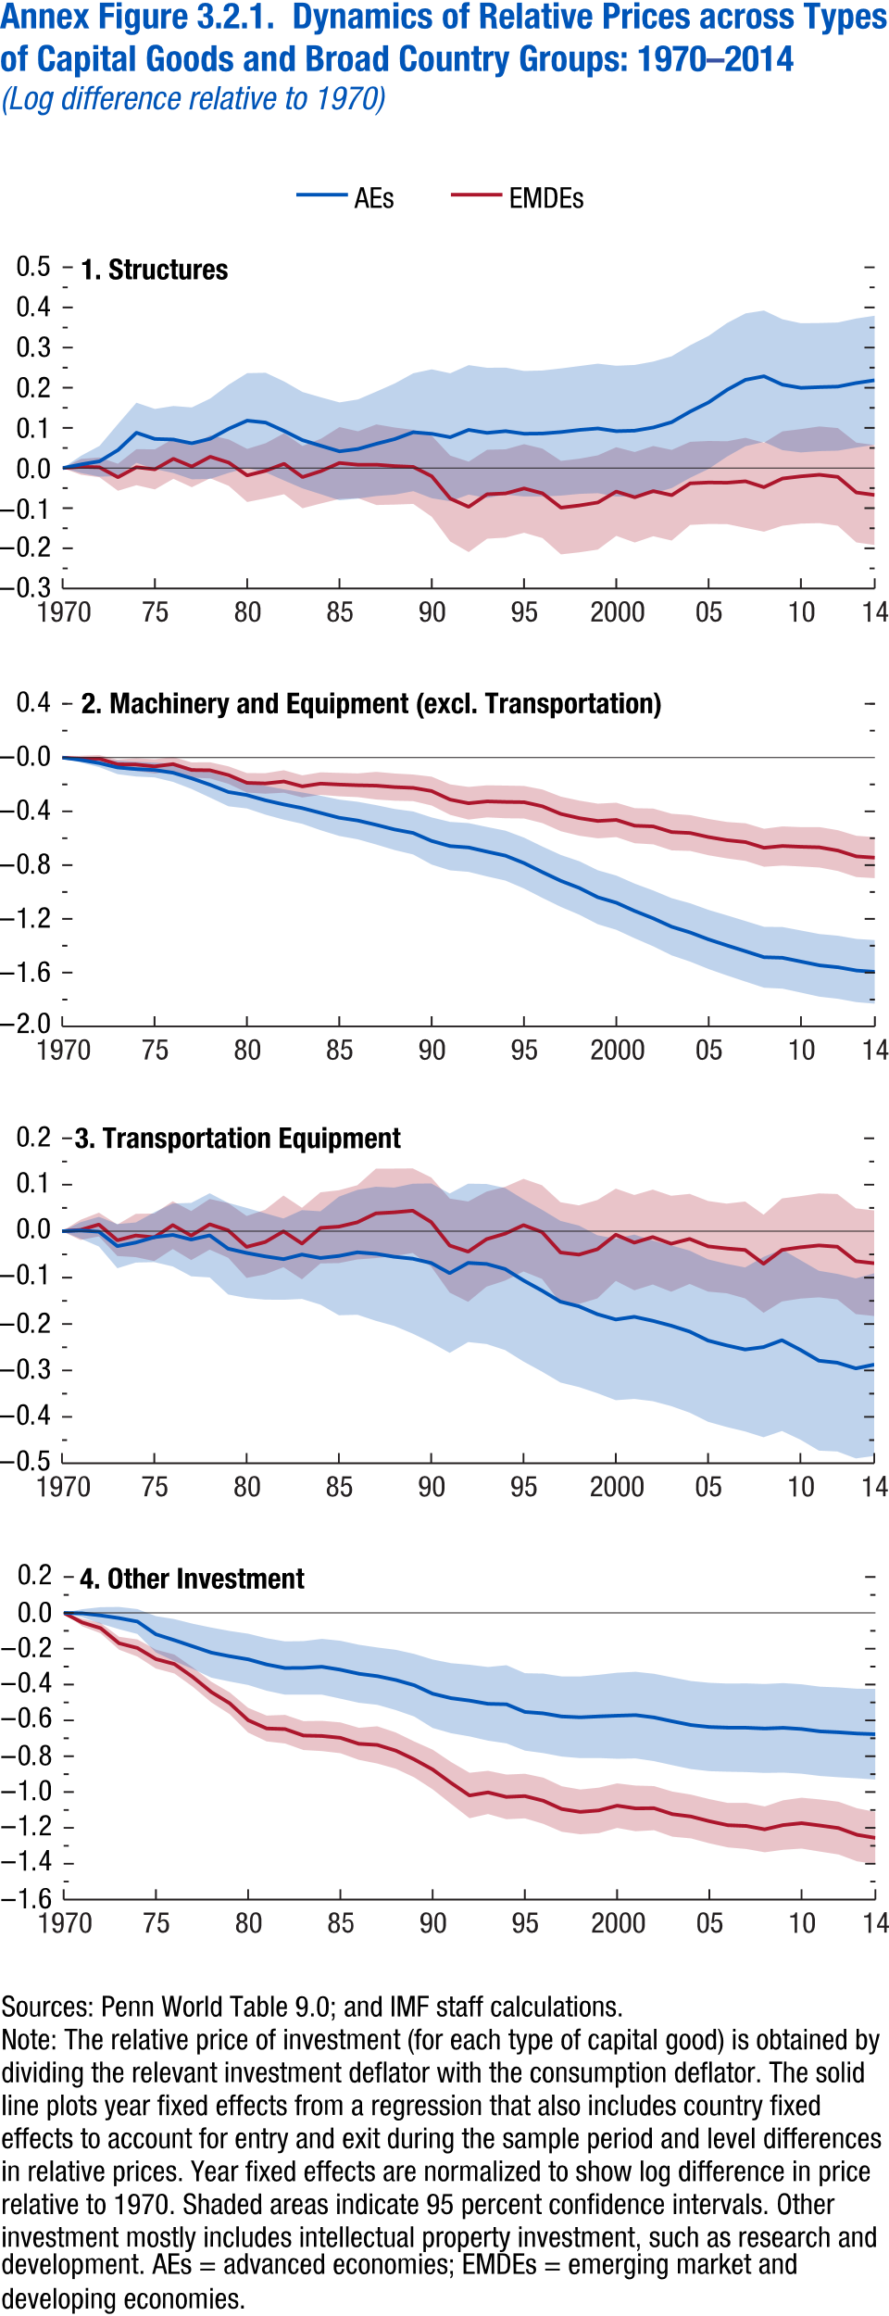
Annex Figure 3.2.1. Dynamics of Relative Prices across Types of Capital Goods and Broad Country Groups: 1970–2014
(Log difference relative to 1970)

1. Structures
 | AEs
year | Coefficient | 95% confidence interval, upper bound | 95% confidence interval, lower bound
1970 | 0 | 0 | 0
1971 | 0.01 | 0.03 | -0.01
1972 | 0.02 | 0.06 | -0.02
1973 | 0.04 | 0.11 | -0.02
1974 | 0.09 | 0.16 | 0.01
1975 | 0.07 | 0.15 | 0.00
1976 | 0.07 | 0.15 | -0.01
1977 | 0.06 | 0.15 | -0.03
1978 | 0.07 | 0.17 | -0.03
1979 | 0.10 | 0.21 | -0.01
1980 | 0.12 | 0.24 | 0.00
1981 | 0.11 | 0.24 | -0.01
1982 | 0.09 | 0.22 | -0.03
1983 | 0.07 | 0.19 | -0.05
1984 | 0.06 | 0.18 | -0.07
1985 | 0.04 | 0.16 | -0.08
1986 | 0.05 | 0.17 | -0.08
1987 | 0.06 | 0.19 | -0.07
1988 | 0.07 | 0.21 | -0.07
1989 | 0.09 | 0.24 | -0.06
1990 | 0.09 | 0.25 | -0.08
1991 | 0.08 | 0.24 | -0.08
1992 | 0.10 | 0.26 | -0.07
1993 | 0.09 | 0.25 | -0.07
1994 | 0.09 | 0.25 | -0.07
1995 | 0.09 | 0.24 | -0.07
1996 | 0.09 | 0.24 | -0.07
1997 | 0.09 | 0.25 | -0.07
1998 | 0.09 | 0.25 | -0.06
1999 | 0.10 | 0.26 | -0.06
2000 | 0.09 | 0.25 | -0.07
2001 | 0.09 | 0.26 | -0.07
2002 | 0.10 | 0.27 | -0.06
2003 | 0.11 | 0.28 | -0.05
2004 | 0.14 | 0.31 | -0.02
2005 | 0.16 | 0.33 | 0.00
2006 | 0.19 | 0.36 | 0.03
2007 | 0.22 | 0.39 | 0.05
2008 | 0.23 | 0.39 | 0.07
2009 | 0.21 | 0.37 | 0.04
2010 | 0.20 | 0.36 | 0.04
2011 | 0.20 | 0.36 | 0.04
2012 | 0.20 | 0.36 | 0.04
2013 | 0.21 | 0.37 | 0.05
2014 | 0.22 | 0.38 | 0.06

Annex Figure 3.2.2
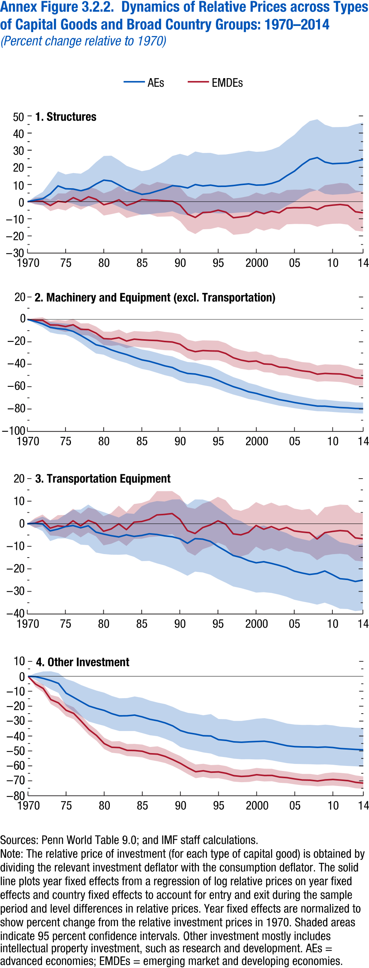
Annex Figure 3.2.2. Dynamics of Relative Prices across Types of Capital Goods and Broad Country Groups: 1970–2014
(Percent change relative to 1970)

1. Structures
 | AEs
year | Coefficient | 95% confidence interval, upper bound | 95% confidence interval, lower bound
1970 | 0 | 0 | 0
1971 | 0.917331934 | 3.121931183 | -1.240126263
1972 | 1.701147481 | 5.678142772 | -2.12618118
1973 | 4.5742647 | 11.58980425 | -2.000224683
1974 | 9.197687461 | 17.68582645 | 1.321759017
1975 | 7.515711028 | 15.8668383 | -0.233506947
1976 | 7.361805034 | 16.71196781 | -1.239286801
1977 | 6.341773544 | 16.29752591 | -2.761707856
1978 | 7.575151386 | 18.90153171 | -2.672295058
1979 | 10.28341871 | 23.09214066 | -1.192443365
1980 | 12.54579281 | 26.65133104 | 0.011220629
1981 | 11.99852326 | 26.79514923 | -1.071379406
1982 | 9.671955348 | 24.07524375 | -3.059325725
1983 | 7.192543143 | 20.86737692 | -4.935131396
1984 | 5.699650463 | 19.2643772 | -6.322270148
1985 | 4.244321168 | 17.76335986 | -7.722754269
1986 | 4.849017418 | 18.64254938 | -7.340861178
1987 | 6.229790854 | 20.98912748 | -6.72906979
1988 | 7.50147689 | 23.46584832 | -6.398679996
1989 | 9.336073947 | 26.62732022 | -5.594013638
1990 | 8.914545225 | 27.87440688 | -7.234149108
1991 | 7.980740875 | 26.63344913 | -7.924472993
1992 | 9.988089866 | 29.23700749 | -6.393850044
1993 | 9.162673377 | 28.37683805 | -7.175706774
1994 | 9.638598213 | 28.44000215 | -6.410613404
1995 | 8.931036136 | 27.35542326 | -6.82790323
1996 | 8.992937439 | 27.51965199 | -6.842129523
1997 | 9.382617284 | 28.16267891 | -6.64553627
1998 | 9.953954861 | 28.9384922 | -6.235353124
1999 | 10.36924156 | 29.68157025 | -6.067072909
2000 | 9.622745617 | 29.02551635 | -6.862240136
2001 | 9.758619449 | 29.28954008 | -6.821893436
2002 | 10.62535208 | 30.36099491 | -6.122467603
2003 | 12.10827955 | 32.11705184 | -4.870217964
2004 | 15.12058981 | 35.78454288 | -2.398683116
2005 | 17.77392371 | 38.99678258 | -0.208492352
2006 | 21.51318629 | 43.51178912 | 2.886710618
2007 | 24.58772497 | 46.98183181 | 5.605577381
2008 | 25.70146698 | 48.06063503 | 6.718826494
2009 | 23.0712537 | 44.85658529 | 4.562260264
2010 | 22.120393 | 43.43445711 | 3.973554795
2011 | 22.34112947 | 43.50465676 | 4.298719619
2012 | 22.4942005 | 43.71001522 | 4.410462505
2013 | 23.59198368 | 45.14359838 | 5.240455671
2014 | 24.44697057 | 46.14592166 | 5.969761653

Annex Figure 3.2.3
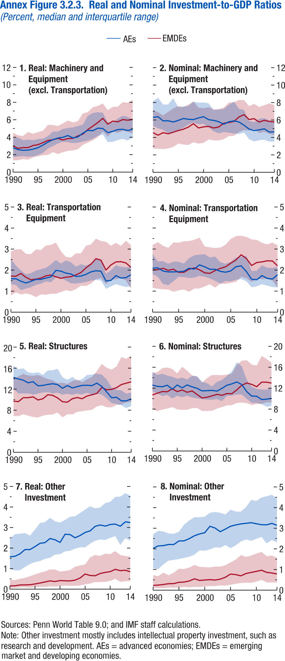
Annex Figure 3.2.3. Real and Nominal Investment-to-GDP Ratios
(Percent, median and interquartile range)

1. Real: Machinery and Equipment (excl. Transportation)

 | AEs
year | Coefficient | 95% confidence interval, upper bound | 95% confidence interval, lower bound
1990 | 2.79 | 3.92 | 1.72
1991 | 2.57 | 3.97 | 1.78
1992 | 2.50 | 3.66 | 1.82
1993 | 2.52 | 3.73 | 1.77
1994 | 2.63 | 3.65 | 1.80
1995 | 2.80 | 3.79 | 1.95
1996 | 3.10 | 3.84 | 2.21
1997 | 3.44 | 4.13 | 2.71
1998 | 3.72 | 4.66 | 2.99
1999 | 3.91 | 4.65 | 3.27
2000 | 3.99 | 4.96 | 3.48
2001 | 4.19 | 5.07 | 3.43
2002 | 3.92 | 5.12 | 3.32
2003 | 4.03 | 5.28 | 3.36
2004 | 4.46 | 5.45 | 3.50
2005 | 4.79 | 6.45 | 3.61
2006 | 4.75 | 6.78 | 3.82
2007 | 5.03 | 6.87 | 4.14
2008 | 5.00 | 6.80 | 4.32
2009 | 4.53 | 5.70 | 3.45
2010 | 4.67 | 5.69 | 3.47
2011 | 4.87 | 6.14 | 3.68
2012 | 4.91 | 6.46 | 3.81
2013 | 4.77 | 6.34 | 3.64
2014 | 4.90 | 6.05 | 3.92

Annex Figure 3.2.4
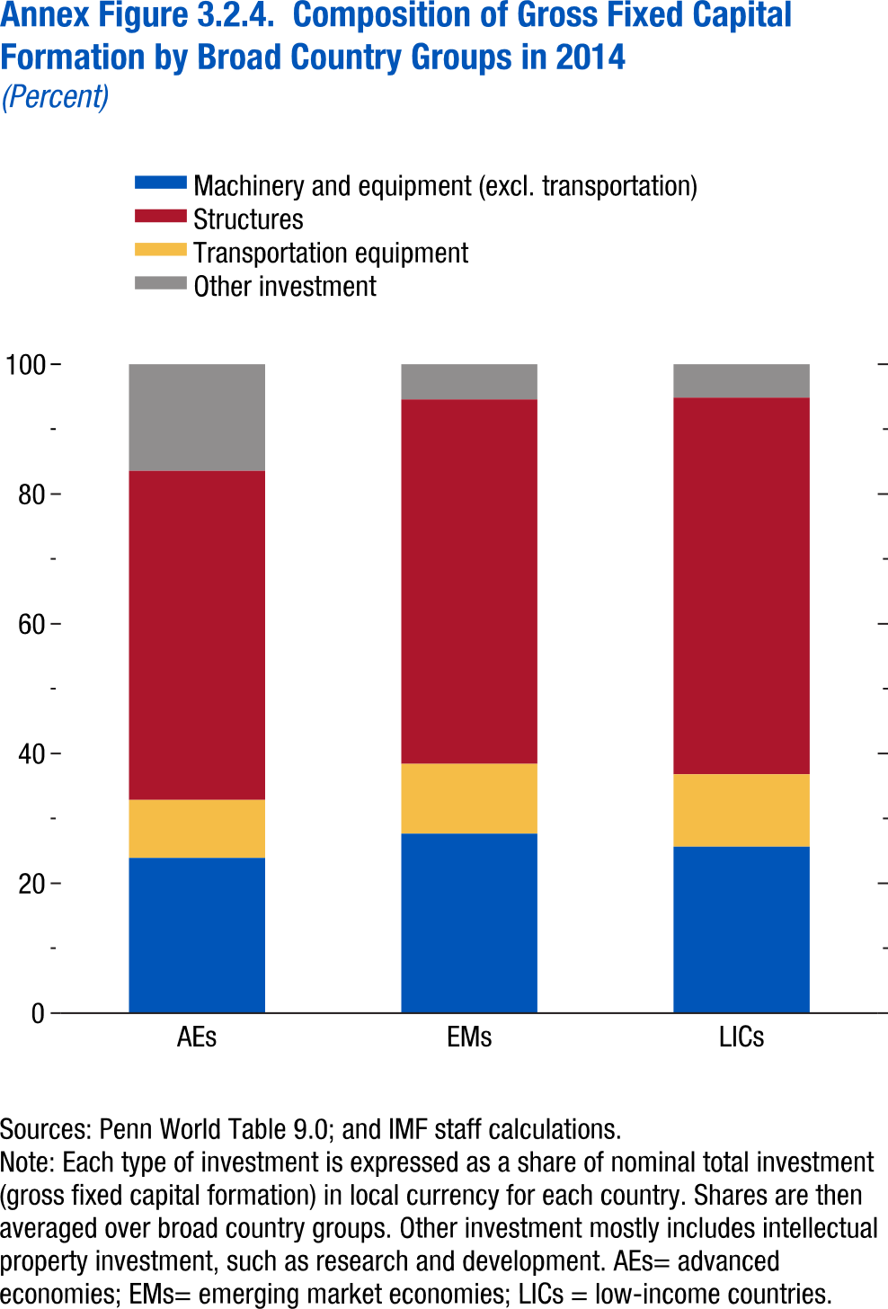
Annex Figure 3.2.4. Composition of Gross Fixed Capital Formation by Broad Country Groups in 2014
(Percent)

 | Structures | Machinery and equipment (excl. transportation) | Transportation equipment
AEs | 50.75 | 23.91 | 8.94
EMs | 56.18 | 27.67 | 10.74
LICs | 58.05 | 25.64 | 11.16

Annex Figure 3.3.1
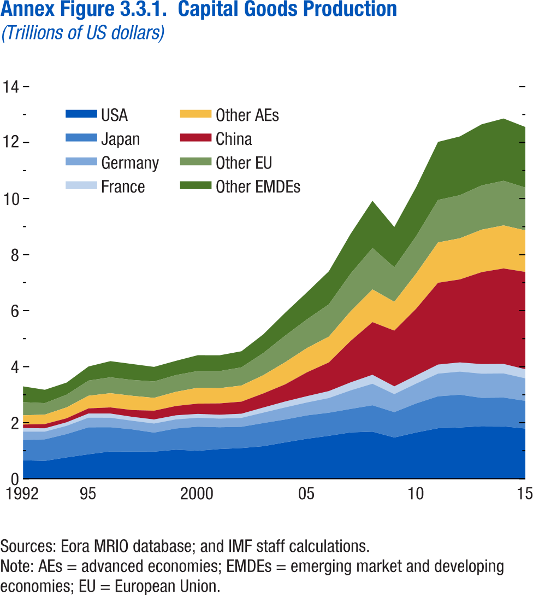
Annex Figure 3.3.1. Capital Goods Production
(Trillions of US dollars)

year | USA | Japan | Germany
1992 | 0.66 | 0.72 | 0.30
1993 | 0.64 | 0.77 | 0.28
1994 | 0.76 | 0.83 | 0.29
1995 | 0.87 | 0.96 | 0.35
1996 | 0.98 | 0.86 | 0.34
1997 | 0.97 | 0.79 | 0.31
1998 | 0.97 | 0.68 | 0.32
1999 | 1.04 | 0.76 | 0.32
2000 | 1.00 | 0.86 | 0.32
2001 | 1.06 | 0.78 | 0.31
2002 | 1.09 | 0.76 | 0.32
2003 | 1.16 | 0.83 | 0.37
2004 | 1.30 | 0.81 | 0.43
2005 | 1.43 | 0.83 | 0.46
2006 | 1.53 | 0.82 | 0.52
2007 | 1.66 | 0.84 | 0.66
2008 | 1.68 | 0.94 | 0.77
2009 | 1.47 | 0.91 | 0.64
2010 | 1.65 | 1.04 | 0.71
2011 | 1.80 | 1.14 | 0.81
2012 | 1.83 | 1.17 | 0.82
2013 | 1.88 | 1.01 | 0.86
2014 | 1.87 | 1.03 | 0.86
2015 | 1.79 | 0.99 | 0.80

