WEO Chapter 2 Apr. 2019
 |  |  | 2019-10-09

International Monetary Fund
World Economic Outlook


October 2019

Chapter 2. Closer Together or Futher Apart? Within-Country Regional
Disparities and Adjustment in Advanced Economies

This datafile includes charts and underlying data from the Chapter 2 of the October 2019 World Economic Outlook. When using the data, please refer to the
IMF, World Economic Outlook, October 2019.

Disclaimer: Should there be any discrepancies with the print version, the latter represents the official version.

 | Please refer any questions to the WEO Data Forum: | https://forums.imf.org/

Figure 2.1.
Figure 2.1. Subnational Regional Disparities and Convergence over Time
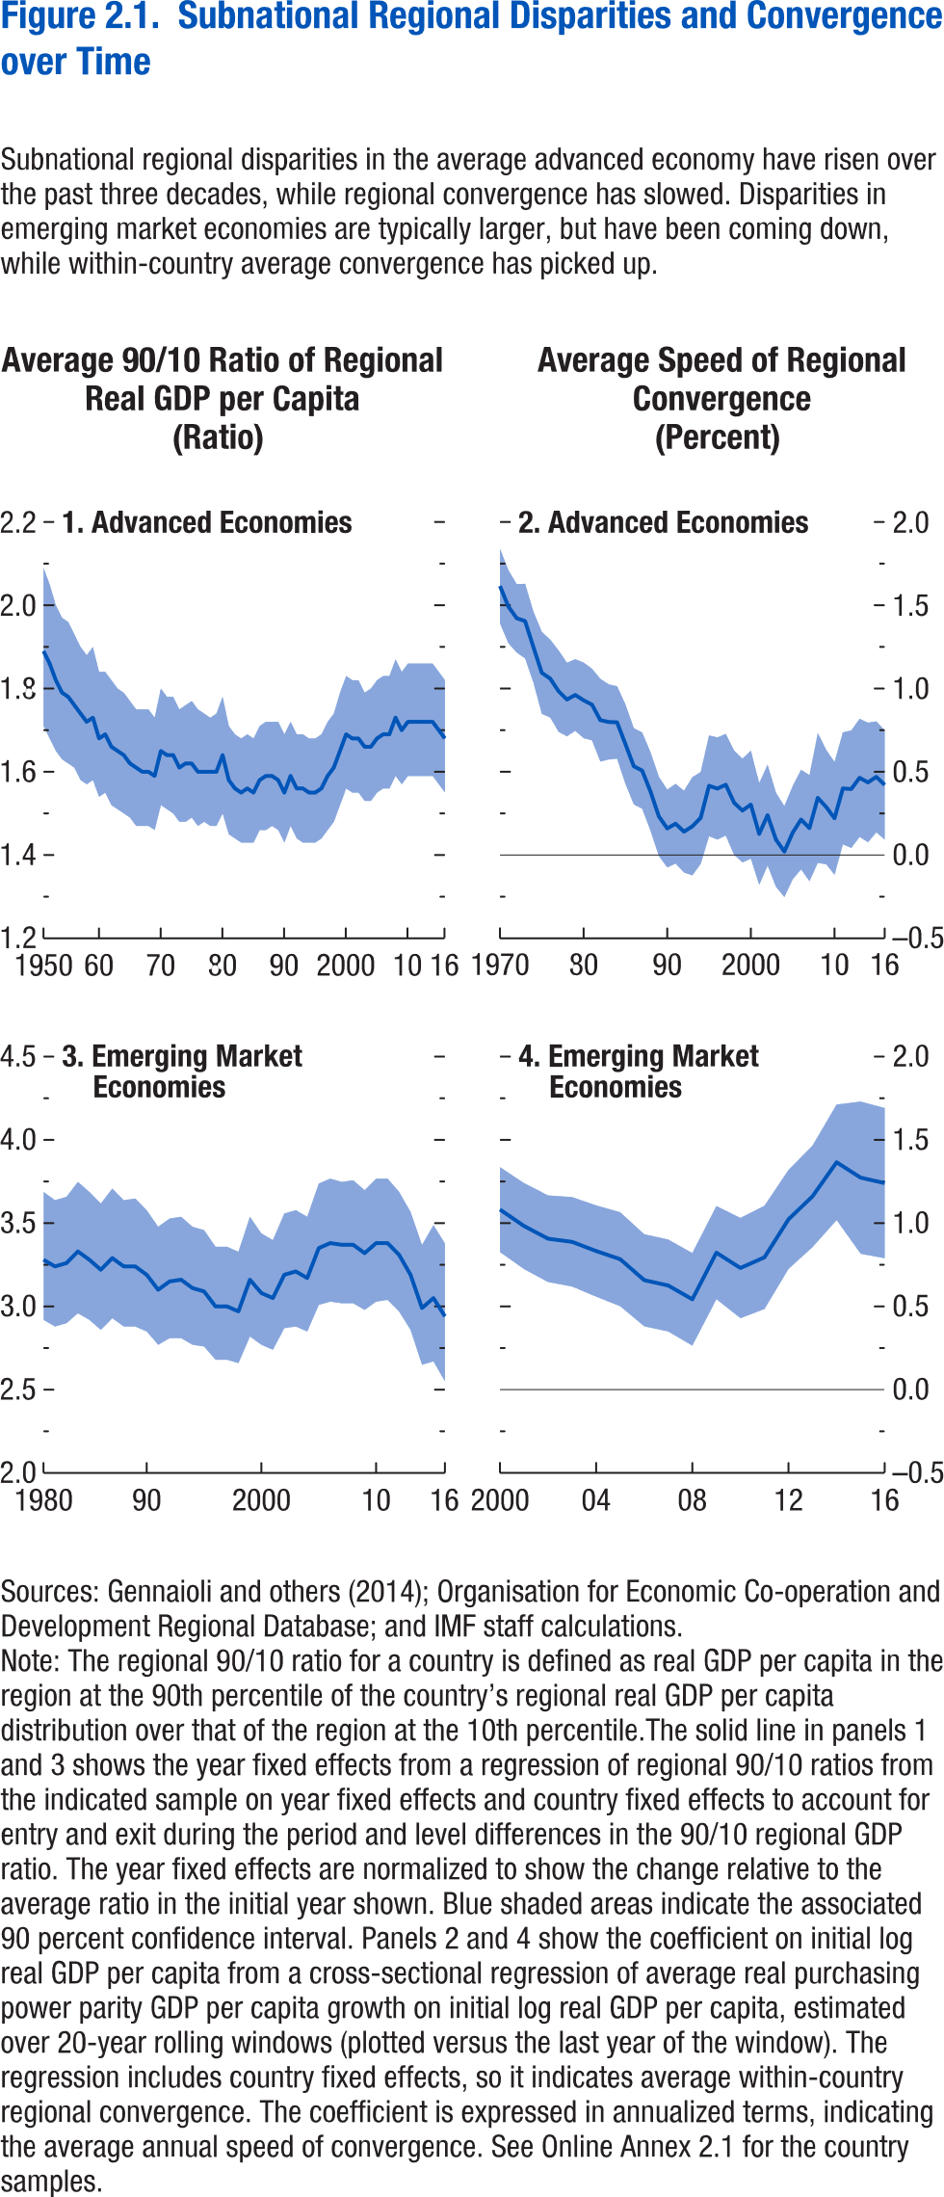

Panel 1 |  |  |  | Panel 2 |  |  |  | Panel 3 |  |  |  | Panel 4
year | Average AE | 90% CI | 90% CI | year | Average AE | 90% CI | 90% CI | year | Average EMDE | 90% CI | 90% CI | year | Average EMDE | 90% CI | 90% CI
1950 | 1.93 |  |  | 1970 | 1.616 | 1.391 | 1.84 | 1980 | 3.33 |  |  | 2000 | 1.081 | 0.826 | 1.336
1951 | 1.89 | 1.71 | 2.09 | 1971 | 1.492 | 1.272 | 1.711 | 1981 | 3.28 | 2.92 | 3.69 | 2001 | 0.982 | 0.724 | 1.24
1952 | 1.86 | 1.68 | 2.05 | 1972 | 1.422 | 1.216 | 1.627 | 1982 | 3.24 | 2.88 | 3.64 | 2002 | 0.906 | 0.646 | 1.166
1953 | 1.82 | 1.65 | 2 | 1973 | 1.405 | 1.181 | 1.629 | 1983 | 3.26 | 2.9 | 3.66 | 2003 | 0.887 | 0.619 | 1.156
1954 | 1.79 | 1.63 | 1.97 | 1974 | 1.248 | 1.035 | 1.461 | 1984 | 3.33 | 2.96 | 3.75 | 2004 | 0.832 | 0.558 | 1.106
1955 | 1.78 | 1.62 | 1.96 | 1975 | 1.094 | 0.848 | 1.34 | 1985 | 3.28 | 2.92 | 3.69 | 2005 | 0.783 | 0.501 | 1.065
1956 | 1.76 | 1.61 | 1.93 | 1976 | 1.06 | 0.826 | 1.294 | 1986 | 3.22 | 2.86 | 3.62 | 2006 | 0.657 | 0.38 | 0.933
1957 | 1.74 | 1.58 | 1.9 | 1977 | 0.984 | 0.74 | 1.229 | 1987 | 3.29 | 2.93 | 3.71 | 2007 | 0.625 | 0.349 | 0.901
1958 | 1.72 | 1.57 | 1.88 | 1978 | 0.934 | 0.713 | 1.155 | 1988 | 3.24 | 2.88 | 3.64 | 2008 | 0.542 | 0.264 | 0.82
1959 | 1.73 | 1.58 | 1.9 | 1979 | 0.961 | 0.746 | 1.176 | 1989 | 3.24 | 2.88 | 3.65 | 2009 | 0.822 | 0.543 | 1.102
1960 | 1.68 | 1.54 | 1.84 | 1980 | 0.929 | 0.702 | 1.156 | 1990 | 3.19 | 2.85 | 3.58 | 2010 | 0.73 | 0.429 | 1.031
1961 | 1.69 | 1.55 | 1.84 | 1981 | 0.903 | 0.688 | 1.119 | 1991 | 3.1 | 2.77 | 3.48 | 2011 | 0.794 | 0.484 | 1.104
1962 | 1.66 | 1.52 | 1.82 | 1982 | 0.81 | 0.561 | 1.058 | 1992 | 3.15 | 2.81 | 3.53 | 2012 | 1.022 | 0.725 | 1.319
1963 | 1.65 | 1.51 | 1.8 | 1983 | 0.799 | 0.574 | 1.025 | 1993 | 3.16 | 2.81 | 3.54 | 2013 | 1.161 | 0.856 | 1.466
1964 | 1.64 | 1.5 | 1.79 | 1984 | 0.797 | 0.579 | 1.014 | 1994 | 3.11 | 2.77 | 3.48 | 2014 | 1.365 | 1.018 | 1.712
1965 | 1.62 | 1.49 | 1.77 | 1985 | 0.666 | 0.427 | 0.904 | 1995 | 3.09 | 2.76 | 3.46 | 2015 | 1.2725 | 0.8155 | 1.7295
1966 | 1.61 | 1.47 | 1.75 | 1986 | 0.533 | 0.304 | 0.762 | 1996 | 3 | 2.68 | 3.36 | 2016 | 1.2398 | 0.789 | 1.69059
1967 | 1.6 | 1.47 | 1.75 | 1987 | 0.507 | 0.278 | 0.736 | 1997 | 3 | 2.68 | 3.36
1968 | 1.6 | 1.47 | 1.75 | 1988 | 0.381 | 0.145 | 0.617 | 1998 | 2.97 | 2.66 | 3.33
1969 | 1.59 | 1.46 | 1.73 | 1989 | 0.232 | -0.006 | 0.47 | 1999 | 3.16 | 2.82 | 3.54
1970 | 1.65 | 1.52 | 1.8 | 1990 | 0.16 | -0.074 | 0.393 | 2000 | 3.08 | 2.77 | 3.44
1971 | 1.64 | 1.51 | 1.78 | 1991 | 0.188 | -0.051 | 0.428 | 2001 | 3.05 | 2.74 | 3.4
1972 | 1.64 | 1.5 | 1.78 | 1992 | 0.14 | -0.105 | 0.386 | 2002 | 3.19 | 2.87 | 3.56
1973 | 1.61 | 1.48 | 1.75 | 1993 | 0.172 | -0.122 | 0.467 | 2003 | 3.21 | 2.88 | 3.58
1974 | 1.62 | 1.48 | 1.76 | 1994 | 0.223 | -0.053 | 0.499 | 2004 | 3.17 | 2.85 | 3.54
1975 | 1.62 | 1.49 | 1.77 | 1995 | 0.416 | 0.113 | 0.718 | 2005 | 3.35 | 3.01 | 3.74
1976 | 1.6 | 1.47 | 1.75 | 1996 | 0.399 | 0.093 | 0.706 | 2006 | 3.38 | 3.03 | 3.77
1977 | 1.6 | 1.48 | 1.74 | 1997 | 0.422 | 0.117 | 0.728 | 2007 | 3.37 | 3.02 | 3.75
1978 | 1.6 | 1.47 | 1.73 | 1998 | 0.314 | 0.001 | 0.627 | 2008 | 3.37 | 3.02 | 3.76
1979 | 1.6 | 1.47 | 1.74 | 1999 | 0.267 | -0.044 | 0.579 | 2009 | 3.32 | 2.98 | 3.7
1980 | 1.64 | 1.5 | 1.78 | 2000 | 0.303 | -0.022 | 0.627 | 2010 | 3.38 | 3.03 | 3.77
1981 | 1.58 | 1.45 | 1.71 | 2001 | 0.127 | -0.179 | 0.432 | 2011 | 3.38 | 3.04 | 3.77
1982 | 1.56 | 1.44 | 1.69 | 2002 | 0.239 | -0.063 | 0.542 | 2012 | 3.31 | 2.97 | 3.69
1983 | 1.55 | 1.43 | 1.68 | 2003 | 0.092 | -0.191 | 0.374 | 2013 | 3.19 | 2.86 | 3.57
1984 | 1.56 | 1.43 | 1.69 | 2004 | 0.021 | -0.252 | 0.294 | 2014 | 2.99 | 2.65 | 3.37
1985 | 1.55 | 1.43 | 1.68 | 2005 | 0.135 | -0.145 | 0.415 | 2015 | 3.05 | 2.67 | 3.49
1986 | 1.58 | 1.46 | 1.71 | 2006 | 0.213 | -0.086 | 0.512 | 2016 | 2.94 | 2.55 | 3.38
1987 | 1.59 | 1.46 | 1.72 | 2007 | 0.162 | -0.157 | 0.48
1988 | 1.59 | 1.47 | 1.72 | 2008 | 0.343 | -0.047 | 0.732
1989 | 1.58 | 1.46 | 1.72 | 2009 | 0.289 | -0.055 | 0.632
1990 | 1.55 | 1.43 | 1.69 | 2010 | 0.221 | -0.118 | 0.559
1991 | 1.59 | 1.47 | 1.72 | 2011 | 0.4 | 0.064 | 0.737
1992 | 1.56 | 1.44 | 1.69 | 2012 | 0.396 | 0.043 | 0.748
1993 | 1.56 | 1.43 | 1.69 | 2013 | 0.464 | 0.109 | 0.818
1994 | 1.55 | 1.43 | 1.68 | 2014 | 0.436 | 0.077 | 0.795
1995 | 1.55 | 1.43 | 1.68 | 2015 | 0.46972 | 0.13661 | 0.80284
1996 | 1.56 | 1.44 | 1.69 | 2016 | 0.42103 | 0.09287 | 0.74918
1997 | 1.59 | 1.46 | 1.72
1998 | 1.61 | 1.48 | 1.74
1999 | 1.65 | 1.52 | 1.79
2000 | 1.69 | 1.56 | 1.83
2001 | 1.68 | 1.55 | 1.82
2002 | 1.68 | 1.55 | 1.82
2003 | 1.66 | 1.53 | 1.79
2004 | 1.66 | 1.53 | 1.8
2005 | 1.68 | 1.55 | 1.82
2006 | 1.69 | 1.56 | 1.83
2007 | 1.69 | 1.56 | 1.83
2008 | 1.73 | 1.59 | 1.87
2009 | 1.7 | 1.57 | 1.84
2010 | 1.72 | 1.59 | 1.86
2011 | 1.72 | 1.59 | 1.86
2012 | 1.72 | 1.59 | 1.86
2013 | 1.72 | 1.59 | 1.86
2014 | 1.72 | 1.59 | 1.86
2015 | 1.7 | 1.57 | 1.84
2016 | 1.68 | 1.55 | 1.82

Figure 2.2.
Sources: Baker, Bloom, and Davis 2016; www.PolicyUncertainty.com.
Note: The global index is calculated as the GDP-weighted average of monthly index values for sample of 18 advanced, emerging market, and middle-income economies. Each monthly national index value is proportional to the share of own-country newspaper articles that discussed economic policy uncertainty in that month.
Figure 1.7. Global Economic Policy Uncertainty Index, 2007–16
Uncertainty about future economic policies has reached a decade high.
Figure 2.2. Distribution of Subnational Regional Disparities in Advanced Economies
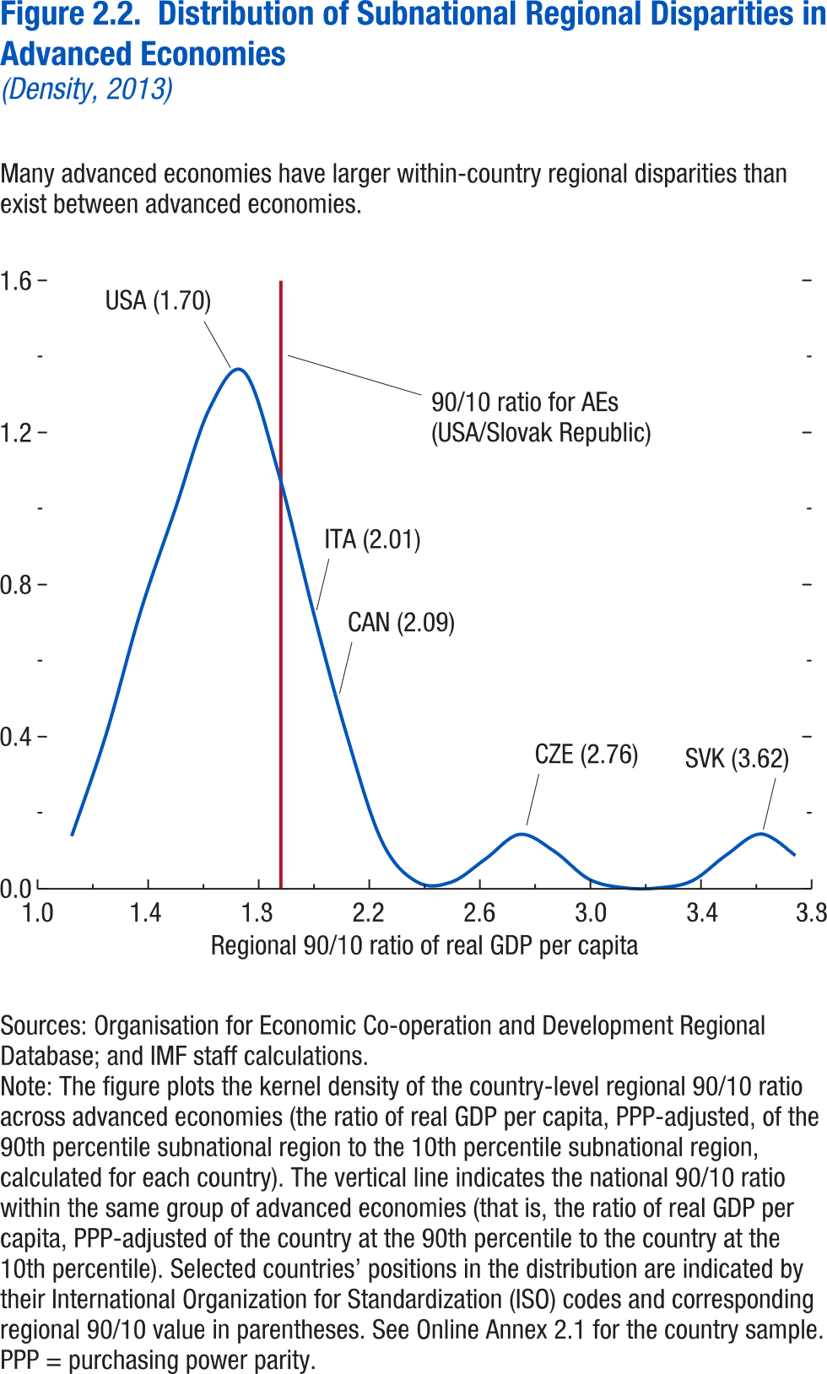

90/10 ratio of regional GDP per capita | Density | Country-level 90-10 ratio for AEs
1.123832 | 0.139747 | 1.880109
1.248488 | 0.407431
1.373145 | 0.730999
1.497802 | 0.998342
1.622458 | 1.264313
1.747115 | 1.360246
1.871771 | 1.093267
1.996428 | 0.731527
2.121085 | 0.3977
2.245741 | 0.12432
2.370398 | 0.018815
2.495055 | 0.016915
2.619711 | 0.077895
2.744368 | 0.143098
2.869024 | 0.098551
2.993681 | 0.025437
3.118338 | 0.002519
3.242994 | 0.001879
3.367651 | 0.020619
3.492307 | 0.089039
3.616964 | 0.144106
3.741621 | 0.087409

 |  |  | 715 | 230
 |  |  | 685 | 228
 |  |  | 652 | 204
 |  |  | 667 | 204
 |  |  | 681 | 214
 |  |  | 761 | 234
 |  |  | 837 | 246
 |  |  | 759 | 232
 |  |  | 678 | 209
 |  |  | 755 | 220
 |  |  | 776 | 206
 |  |  | 814 | 179
 |  |  | 790 | 184
 |  |  | 711 | 168
 |  |  | 746 | 216
 |  |  | 673 | 211
 |  |  | 748 | 240
 |  |  | 738 | 267
 |  |  | 621 | 213
 |  |  | 558 | 190
 |  |  | 572 | 181
 |  |  | 563 | 184
 |  |  | 500 | 147
 |  |  | 496 | 153
 |  |  | 522 | 156
 |  |  | 601 | 200
 |  |  | 874 | 219
 |  |  | 803 | 191
 |  |  | 914 | 213
 |  |  | 762 | 200
 |  |  | 622 | 169
 |  |  | 615 | 183
 |  |  | 628 | 168
 |  |  | 576 | 170
 |  |  | 551 | 171
 |  |  | 465 | 132
 |  |  | 461 | 118
 |  |  | 458 | 120
 |  |  | 453 | 114
 |  |  | 408 | 94
 |  |  | 430 | 95
 |  |  | 408 | 87
 |  |  | 394 | 86
 |  |  | 347 | 86
 |  |  | 374 | 90
 |  |  | 384 | 87
 |  |  | 361 | 86
 |  |  | 412 | 89
 |  |  | 483 | 92
 |  |  | 450 | 83
 |  |  | 423 | 80
 |  |  | 372 | 74
 |  |  | 340 | 78
 |  |  | 337 | 81
 |  |  | 293 | 73
 |  |  | 264 | 69
 |  |  | 280 | 60
 |  |  | 247 | 59
 |  |  | 309 | 71
 |  |  | 352 | 72
 |  |  | 315 | 68
 |  |  | 298 | 60
 |  |  | 268 | 56
 |  |  | 307 | 65
 |  |  | 240 | 60
 |  |  | 261 | 74
 |  |  | 243 | 74
 |  |  | 257 | 80
 |  |  | 208 | 73
 |  |  | 185 | 67
 |  |  | 216 | 81
 |  |  | 205 | 79
 |  |  | 217 | 85
 |  |  | 242 | 95
 |  |  | 211 | 88
 |  |  | 211 | 87
 |  |  | 212 | 87
 |  |  | 197 | 79
 |  |  | 202 | 75
 |  |  | 156 | 66
 |  |  | 159 | 71
 |  |  | 182 | 69
 |  |  | 167 | 71
 |  |  | 158 | 68
 |  |  | 139 | 67
 |  |  | 156 | 74
 |  |  | 209 | 99
 |  |  | 203 | 97
 |  |  | 175 | 103
 |  |  | 167 | 96
 |  |  | 222 | 129
 |  |  | 210 | 143
 |  |  | 255 | 153
 |  |  | 267 | 161
 |  |  | 275 | 173
 |  |  | 220 | 164
 |  |  | 208 | 140
 |  |  | 250 | 171
 |  |  | 232 | 172
 |  |  | 248 | 168
 |  |  | 370 | 216
 |  |  | 627 | 423
 |  |  | 635 | 422
 |  |  | 590 | 414
 |  |  | 499 | 400
 |  |  | 555 | 374
 |  |  | 553 | 404
 |  |  | 475 | 303
 |  |  | 371 | 257
 |  |  | 384 | 259
 |  |  | 325 | 191
 |  |  | 320 | 224
 |  |  | 272 | 192
 |  |  | 261 | 196
 |  |  | 265 | 192
 |  |  | 200 | 146
 |  |  | 241 | 189
 |  |  | 238 | 176
 |  |  | 187 | 144
 |  |  | 197 | 159
 |  |  | 269 | 203
 |  |  | 287 | 211
 |  |  | 244 | 171
 |  |  | 261 | 170
 |  |  | 227 | 160
 |  |  | 192 | 136
 |  |  | 225 | 178
 |  |  | 190 | 149
 |  |  | 223 | 152
 |  |  | 209 | 158
 |  |  | 192 | 156
 |  |  | 199 | 162
 |  |  | 205 | 166
 |  |  | 199 | 149
 |  |  | 222 | 159
 |  |  | 267 | 192
 |  |  | 355 | 275
 |  |  | 302 | 217
 |  |  | 330 | 226
 |  |  | 346 | 221
 |  |  | 314 | 224
 |  |  | 293 | 195
 |  |  | 270 | 177
 |  |  | 271 | 187
 |  |  | 336 | 244
 |  |  | 294 | 202
 |  |  | 241 | 172
 |  |  | 234 | 158
 |  |  | 208 | 143
 |  |  | 214 | 127
 |  |  | 191 | 125
 |  |  | 178 | 114
 |  |  | 190 | 130
 |  |  | 202 | 141
 |  |  | 224 | 148
 |  |  | 204 | 133
 |  |  | 220 | 154
 |  |  | 269 | 183
 |  |  | 273 | 166
 |  |  | 322 | 185
 |  |  | 282 | 174
 |  |  | 264 | 162

 |  |  | 278 | 149
 |  |  | 295 | 176
 |  |  | 251 | 166
 |  |  | 267 | 155
 |  |  | 236 | 149
 |  |  | 222 | 132
 |  |  | 222 | 137
 |  |  | 215 | 132
 |  |  | 217 | 136
 |  |  | 241 | 142
 |  |  | 225 | 146

 |  |  | 238 | 170
 |  |  | 265 | 190
 |  |  | 251 | 150
 |  |  | 255 | 168
 |  |  | 255 | 165
 |  |  | 260 | 159
 |  |  | 265 | 166
 |  |  | 280 | 179
 |  |  | 319 | 187
 |  |  | 343 | 202
 |  |  | 287 | 178
 |  |  | 289 | 171
 |  |  | 317 | 175
 |  |  | 362 | 206
 |  |  | 353 | 199
 |  |  | 299 | 197
 |  |  | 281 | 183
 |  |  | 304 | 200
 |  |  | 293 | 200
 |  |  | 294 | 174
 |  |  | 258 | 153
 |  |  | 291 | 154
 |  |  | 282 | 155
 |  |  | 293 | 157
 |  |  | 276 | 159
 |  |  | 263 | 152
 |  |  | 242 | 130
 |  |  | 255 | 138
 |  |  | 254 | 138
 |  |  | 255 | 134
 |  |  | 255 | 132
 |  |  | 237 | 123
 |  |  | 244 | 130
 |  |  | 233 | 125
 |  |  | 237 | 109
 |  |  | 232 | 109
 |  |  | 232 | 108
 |  |  | 217 | 101
 |  |  | 226 | 120
 |  |  | 238 | 128
 |  |  | 242 | 130

Figure 2.3.
Figure 2.3. Subnational Regional Unemployment and Economic Activity in Advanced Economies, 1999-2016
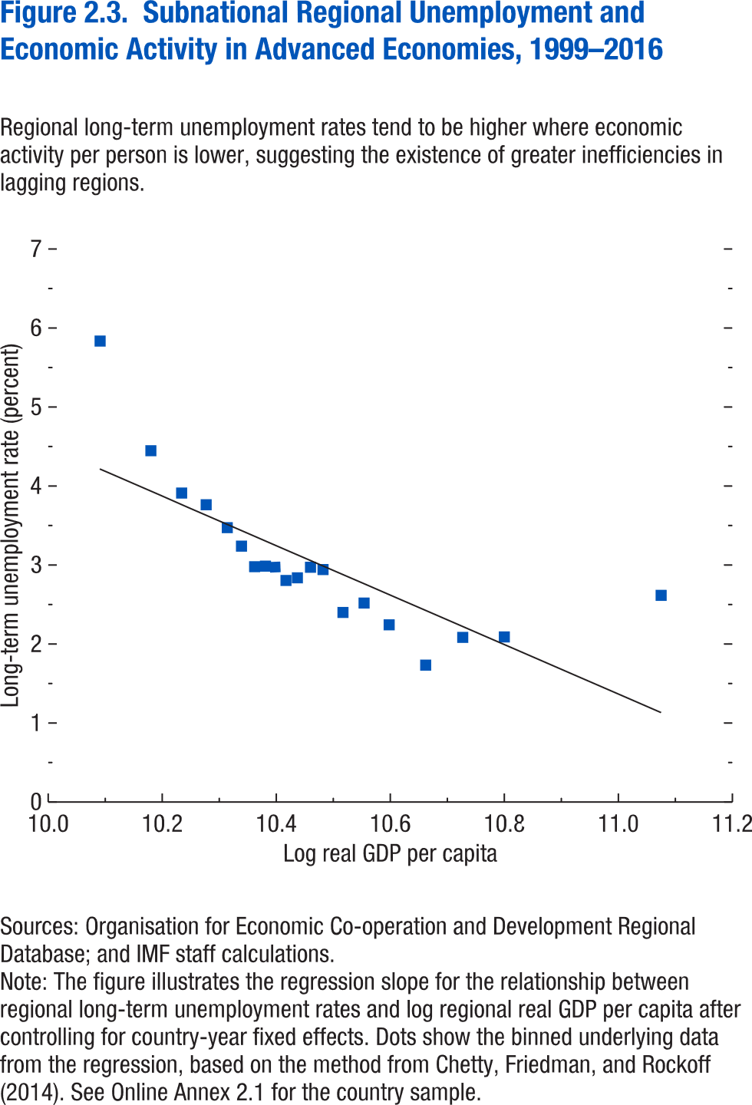

Log(GDP per capita) | Long-term unemployment rate (bin scatter chart) | Linear fit
10.091 | 5.835 | 3.185
10.18 | 4.447 | 2.981
10.234 | 3.911 | 2.857
10.277 | 3.763 | 2.759
10.314 | 3.473 | 2.674
10.339 | 3.239 | 2.616
10.362 | 2.979 | 2.562
10.381 | 2.986 | 2.519
10.398 | 2.974 | 2.48
10.417 | 2.805 | 2.437
10.437 | 2.838 | 2.39
10.46 | 2.972 | 2.338
10.482 | 2.943 | 2.288
10.517 | 2.4 | 2.207
10.554 | 2.519 | 2.122
10.598 | 2.243 | 2.021
10.662 | 1.733 | 1.875
10.727 | 2.084 | 1.726
10.8 | 2.09 | 1.557
11.075 | 2.616 | 0.926

Figure 2.4.
Figure 1.4. Fiscal Trends in Emerging Market and Middle-Income Economies
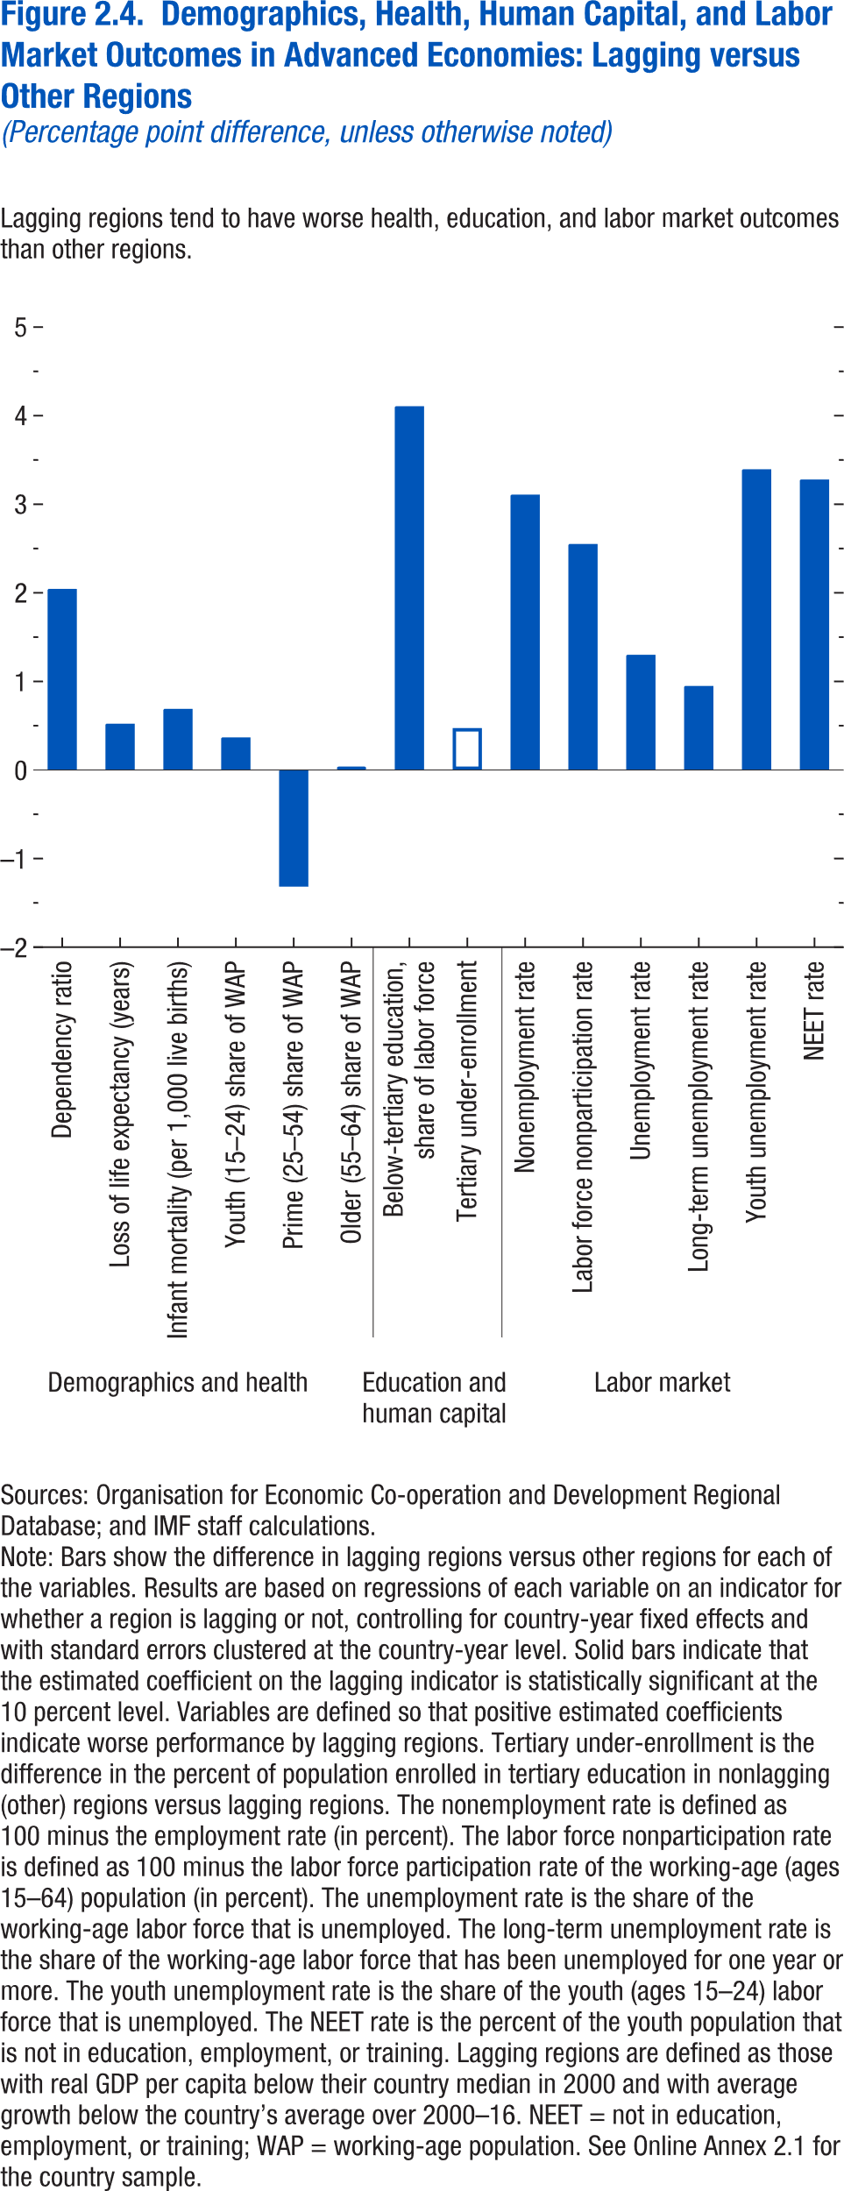
Figure 2.4. Demographics, Health, Human Capital, and Labor Market Outcomes in Advanced Economies: Lagging Regions versus Others
(Percentage point difference, unless otherwise noted)
2. Average Real GDP Growth: 2001–11 versus 2012–16
(Percent)
1. General Government Overall Balance, 2008–21
(Percent of GDP)

Dependency ratio | 2.045017
Loss of life expectancy (years) | 0.522857
Infant mortality (per 1,000 live births) | 0.690406
Youth (15–24) share of WAP | 0.368
Prime (25–54) share of WAP | -1.317
Older (55–64) share of WAP | 0.0367
Below-tertiary education, | 4.107683
share of labor force
Tertiary under-enrollment | 0.473572
Nonemployment rate | 3.109106
Labor force nonparticipation rate | 2.552215
Unemployment rate | 1.301274
Long-term unemployment rate | 0.948856
Youth unemployment rate | 3.395446
NEET rate | 3.280823
4. Emerging Market and Middle-Income Economies: Decomposition of Change in Debt Ratio between 2014 and 2015²
(Percentage points)
3. Capital Flows in G20 Emerging Market and Middle-Income Economies¹, 2000–15
(Percent of GDP)

5. Oil Exporters in 2015: Currency Depreciation versus Revenue Ratio Decline
6. Gulf Region: Sovereign Wealth Funds and Foreign Reserve Assets³
(U.S. dollars, billion)

Sources: Sovereign Wealth Fund Institute; and IMF staff estimates.
Note: For a list of countries in the emerging market and middle-income economies, see Table A in the Methodological and Statistical Appendix. Data labels in the figure use International Organization for Standardization (ISO) country codes. EMMIEs = emerging market and middle-income economies; G20 = group of 20; Δdebt/y = annual change in gross debt to GDP; r minus g = Interest-growth rate differential.
¹ Capital inflows are net purchases of domestic assets by nonresidents. Capital outflows are net purchases of foreign assets by domestic residents. Emerging market and middle-income economies in the G20 include Argentina, Brazil, China, India, Indonesia, Mexico, Russia, Saudi Arabia, South Africa, and Turkey. 2015 figure includes data available up to Q3, and excludes Argentina due to unavailability of GDP figure. Numbers are aggregated over the sample of G20 EMMIEs using the simple average method.
² Average contributions over the sample of EMMIEs using the simple average method.
³ Gulf region includes Kuwait, Oman, Saudi Arabia, Qatar, and United Arab Emirates.

Figure 2.5.
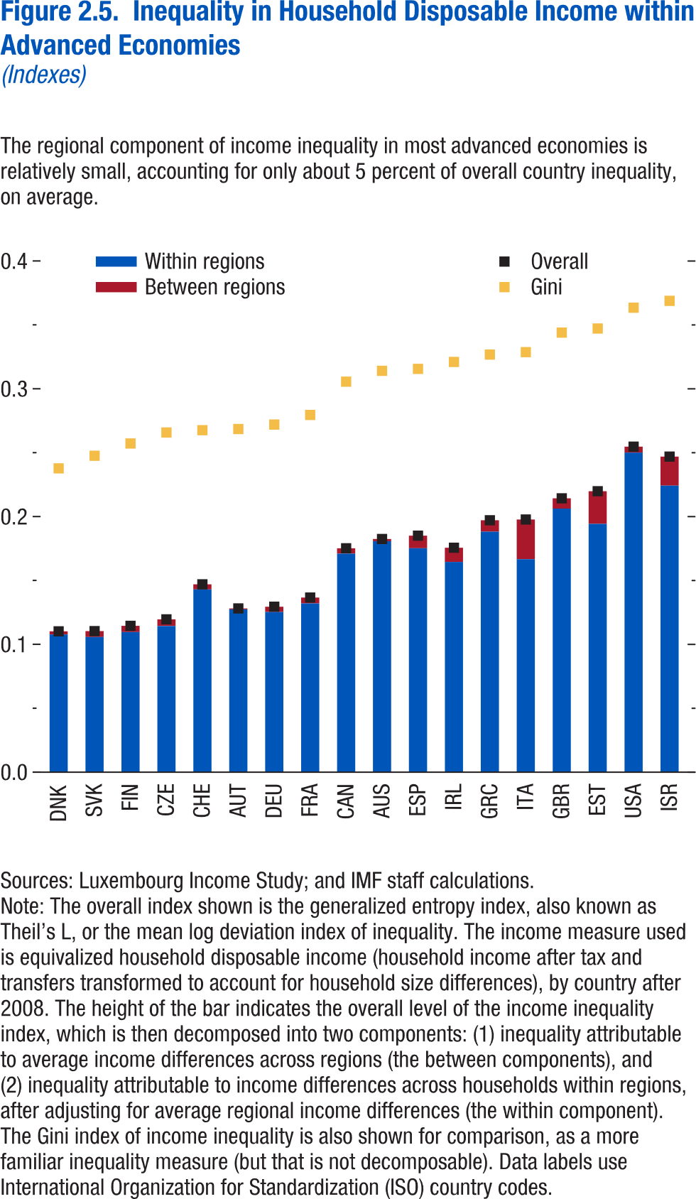
Figure 2.5. Inequality in Household Disposable Income within Advanced Economies
(Indexes)

Country | Gini | Between regions | Within regions | Overall
DNK | 0.237787 | 0.002449 | 0.107809 | 0.110258
SVK | 0.247649 | 0.004613 | 0.105799 | 0.110412
FIN | 0.257243 | 0.004836 | 0.109687 | 0.114523
CZE | 0.265829 | 0.005163 | 0.114453 | 0.119616
CHE | 0.267642 | 0.003926 | 0.143086 | 0.147012
AUT | 0.268565 | 0.000747 | 0.127438 | 0.128185
DEU | 0.272049 | 0.00409 | 0.125409 | 0.129499
FRA | 0.279565 | 0.004594 | 0.132093 | 0.136687
CAN | 0.305624 | 0.004204 | 0.171044 | 0.175248
AUS | 0.314091 | 0.001728 | 0.180779 | 0.182507
ESP | 0.315628 | 0.009854 | 0.17526 | 0.185114
IRL | 0.321054 | 0.011094 | 0.16456 | 0.175654
GRC | 0.326832 | 0.008951 | 0.188219 | 0.19717
ITA | 0.328709 | 0.031051 | 0.166704 | 0.197755
GBR | 0.344 | 0.008022 | 0.206299 | 0.214321
EST | 0.34723 | 0.025547 | 0.194338 | 0.219885
USA | 0.363503 | 0.004651 | 0.250119 | 0.25477
ISR | 0.368882 | 0.022725 | 0.22427 | 0.246995

Figure 2.6.
1. Overall Fiscal Balance and Gross Debt, 2009–22
(Percent of GDP)
Fiscal deficits have continued to increase in 2016 …
Figure 1.6. Fiscal Trends in Low-Income Developing Countries
3. Interest Expenditure of the General Government, 2009–16¹
This has pushed up borrowing costs in recent years...
Sources: Dealogic; and IMF staff estimates.
Note: Frontier markets include Bangladesh, Bolivia, Côte d’Ivoire, Ghana, Kenya, Mongolia, Mozambique, Nigeria, Papua New Guinea, Senegal, Tanzania, Uganda, Vietnam, and Zambia. LIDC = low-income developing country.
¹ The coupon rate is based on the dollar-denominated government bonds issued by the following countries: Bolivia, Côte d’Ivoire, Ghana, Kenya, Mongolia, Mozambique, Rwanda, Senegal, Tanzania, Vietnam, and Zambia. It is calculated based on weighted averages using the face value of issued bonds.
4. Expected Change in Fiscal Balance Ratio, 2016–17
(Percent of GDP)
...but deficits are expected to stabilize in 2017 as commodity markets improve.
2. Change in Fiscal Balance Ratio: 2015–16
(Percent of GDP)
… driven by declining revenues in commodity exporters.
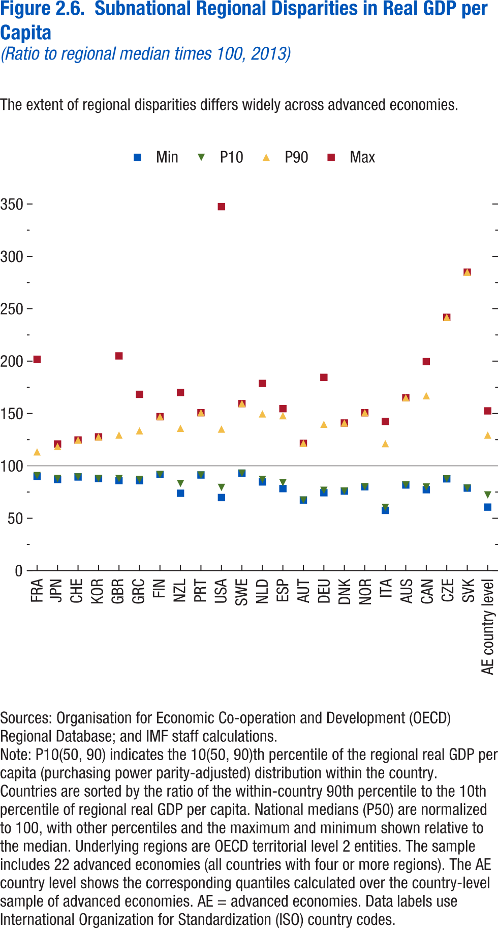
Figure 2.6. Subnational Regional Disparities in Real GDP per Capita
(Ratio to regional median times 100, 2013)

wdicode | P10 | P90 | Max | Min
FRA | 90.74490356 | 113.4004745 | 201.807312 | 90.04157257
JPN | 87.91716003 | 118.523674 | 120.9431076 | 86.95340729
CHE | 89.44219208 | 124.7301865 | 124.7301865 | 89.44219208
KOR | 87.89600372 | 127.732811 | 127.732811 | 87.89600372
GBR | 87.87063599 | 129.4241486 | 205.0228424 | 85.93927002
GRC | 87.083992 | 133.4865265 | 168.3306885 | 85.86898804
FIN | 91.73008728 | 147.0051727 | 147.0051727 | 91.73008728
NZL | 83.2578125 | 135.8536682 | 170.0603638 | 73.89770508
PRT | 91.32125092 | 150.8204498 | 150.8204498 | 91.32125092
USA | 79.45905304 | 135.1166077 | 347.5306091 | 69.7987442
SWE | 93.0721283 | 159.4754181 | 159.4754181 | 93.0721283
NLD | 87.12982941 | 149.6605225 | 178.7229919 | 84.71572876
ESP | 83.96498108 | 147.9217377 | 154.6522522 | 78.33439636
AUT | 67.38104248 | 121.5749741 | 121.5749741 | 67.38104248
DEU | 76.70896912 | 139.7435608 | 184.4867096 | 74.40572357
DNK | 75.97320557 | 140.9506683 | 140.9506683 | 75.97320557
NOR | 80.0765152 | 150.7700653 | 150.7700653 | 80.0765152
ITA | 60.38269043 | 121.2402115 | 142.4691162 | 57.55914307
AUS | 81.8147049 | 165.0332489 | 165.0332489 | 81.8147049
CAN | 79.82511902 | 166.9690857 | 199.5526733 | 77.25239563
CZE | 87.63918304 | 241.8250275 | 241.8250275 | 87.63918304
SVK | 78.81240845 | 284.9691467 | 284.9691467 | 78.81240845
AE country level | 72.2521959 | 129.3637762 | 152.5529752 | 60.70581489

Figure 2.7.
Sources: Baker, Bloom, and Davis 2016; www.PolicyUncertainty.com.
Note: The global index is calculated as the GDP-weighted average of monthly index values for sample of 18 advanced, emerging market, and middle-income economies. Each monthly national index value is proportional to the share of own-country newspaper articles that discussed economic policy uncertainty in that month.
Figure 1.7. Global Economic Policy Uncertainty Index, 2007–16
Uncertainty about future economic policies has reached a decade high.
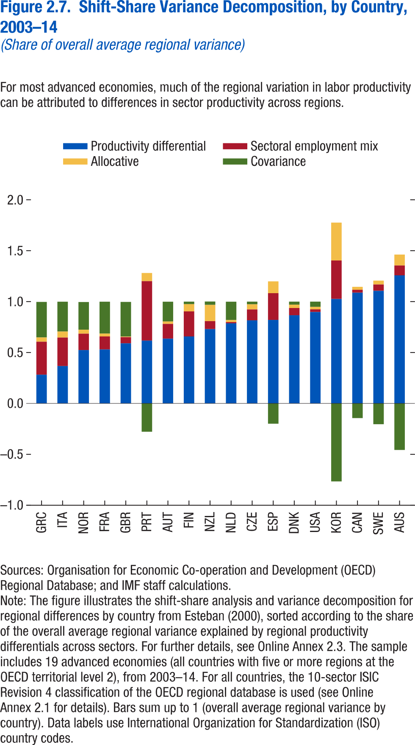
Figure 2.7. Shift-Share Variance Decomposition by Country, 2003-14
(Share of overall average regional variance)

 | Sectoral employment mix | Productivity differential | Allocative | Covariance
GRC | 0.324 | 0.282 | 0.042 | 0.349
ITA | 0.28 | 0.367 | 0.059 | 0.293
NOR | 0.161 | 0.524 | 0.039 | 0.272
FRA | 0.128 | 0.53 | 0.028 | 0.313
GBR | 0.061 | 0.59 | 0.006 | 0.34
PRT | 0.584 | 0.617 | 0.08 | -0.278
AUT | 0.145 | 0.636 | 0.024 | 0.194
FIN | 0.246 | 0.658 | 0.071 | 0.025
NZL | 0.078 | 0.73 | 0.16 | 0.033
NLD | 0.012 | 0.787 | 0.02 | 0.18
CZE | 0.107 | 0.816 | 0.05 | 0.027
ESP | 0.263 | 0.82 | 0.116 | -0.199
DNK | 0.071 | 0.866 | 0.033 | 0.03
USA | 0.026 | 0.898 | 0.024 | 0.052
KOR | 0.378 | 1.026 | 0.372 | -0.766
CAN | 0.028 | 1.088 | 0.029 | -0.144
SWE | 0.062 | 1.106 | 0.038 | -0.204
AUS | 0.097 | 1.258 | 0.107 | -0.457

Figure 2.8.
Figure 1.8. Selected Advanced Economies: Current Deleveraging Episodes (Weighted average)
3. Public Debt
(Percent of GDP)
1. Private Debt
(Percent of GDP)
Sources: Bank for International Settlements; IMF, World Economic Outlook; and IMF staff estimates.
Figure 2.8. Sectoral Labor Productivity and Employment Shares: Lagging versus Other Regions
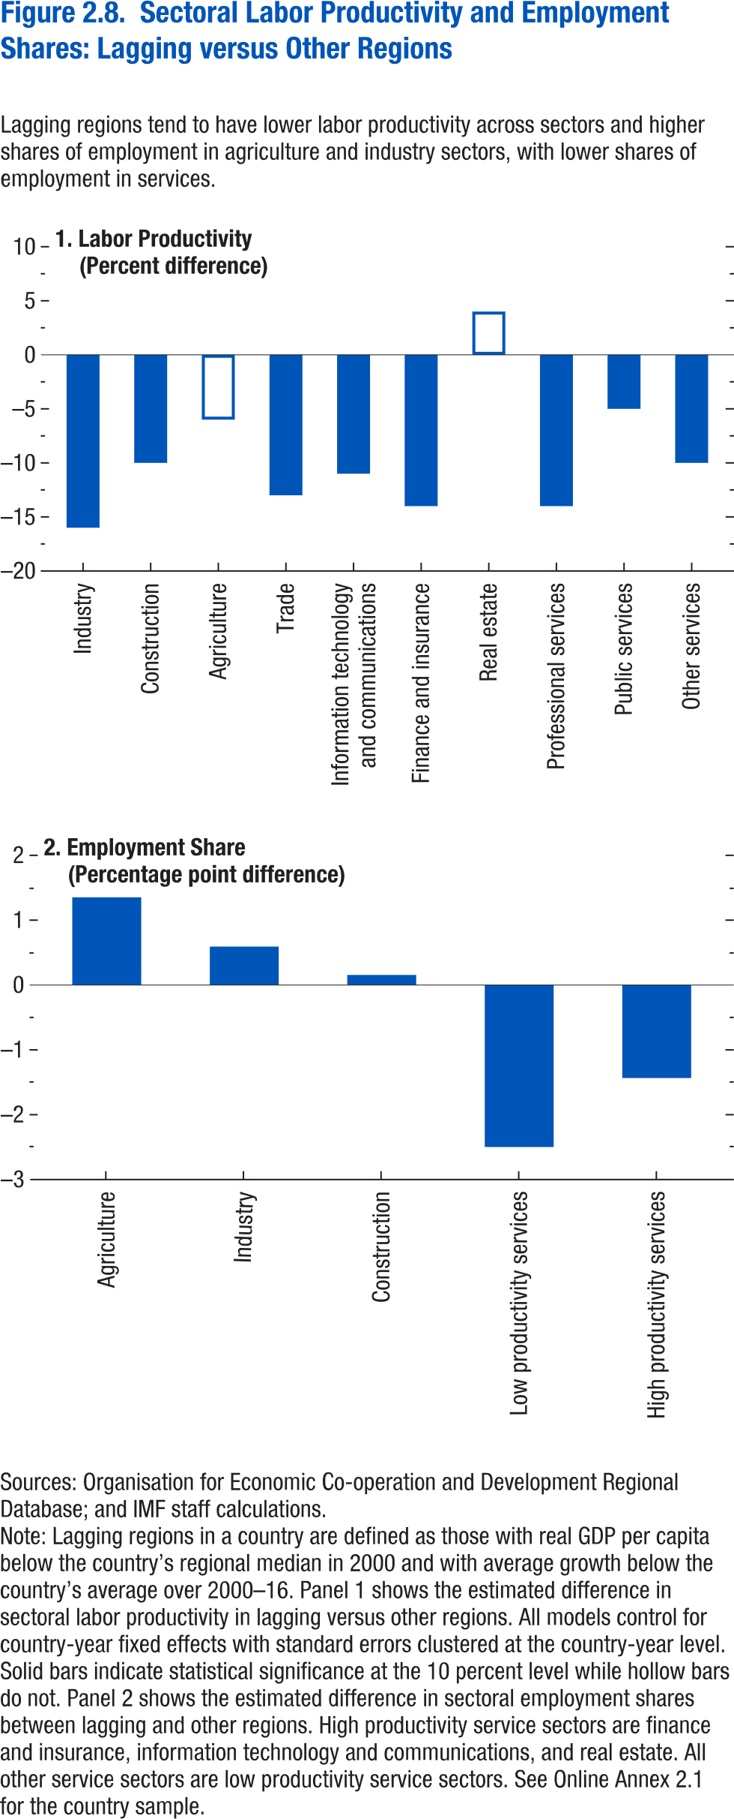

Labor productivity | Industry | -16
 | Construction | -10
 | Agriculture | -6
 | Trade | -13
 | IT and communications | -11
 | Finance and insurance | -14
 | Real estate | 4
 | Professional services | -14
 | Public services | -5
 | Other services | -10

Employment | Agriculture | 1.353
 | Industry | 0.593
 | Construction | 0.156
 | Low productivity services | -2.498
 | High productivity services | -1.434

Figure 2.9.
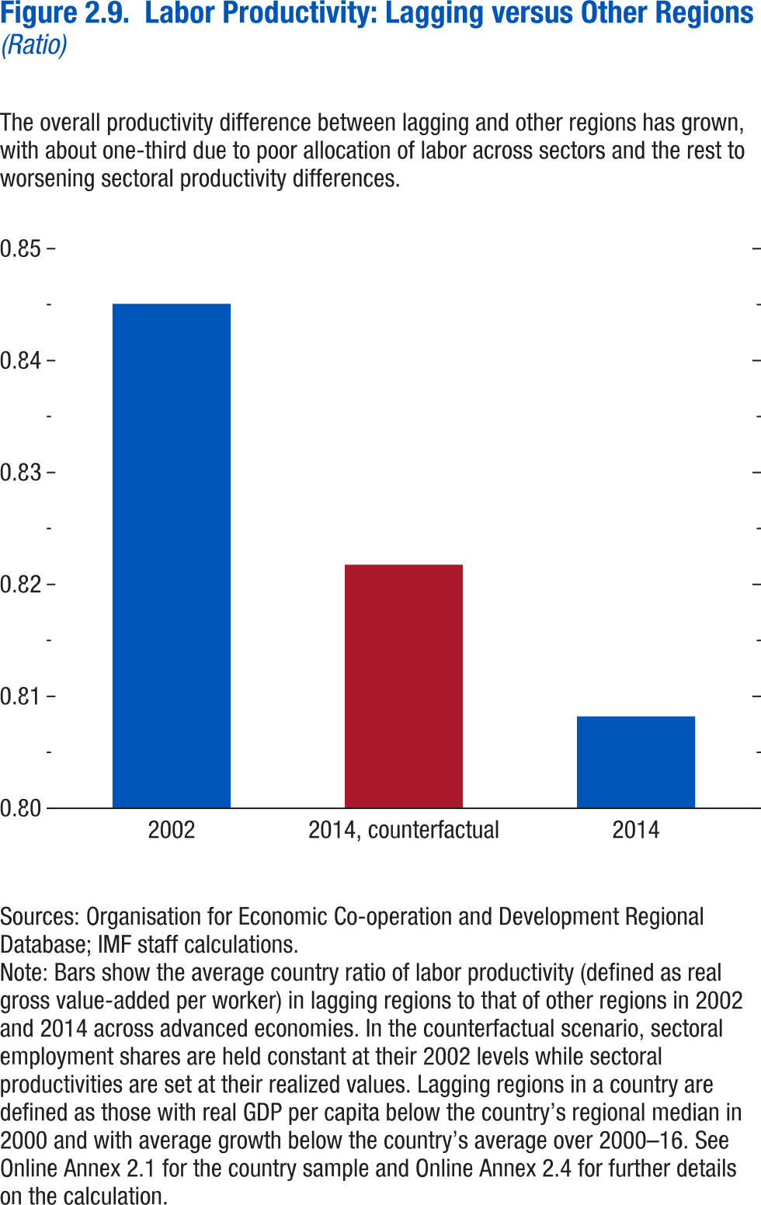
Figure 2.9. Labor Productivity in Lagging versus Other Regions
(Ratio)

2002 | 0.845071394
2014, counterfactual | 0.821764931
2014 | 0.8082109

Figure 2.10.
Figure 2.10. Regional Effects of Import Competition Shocks
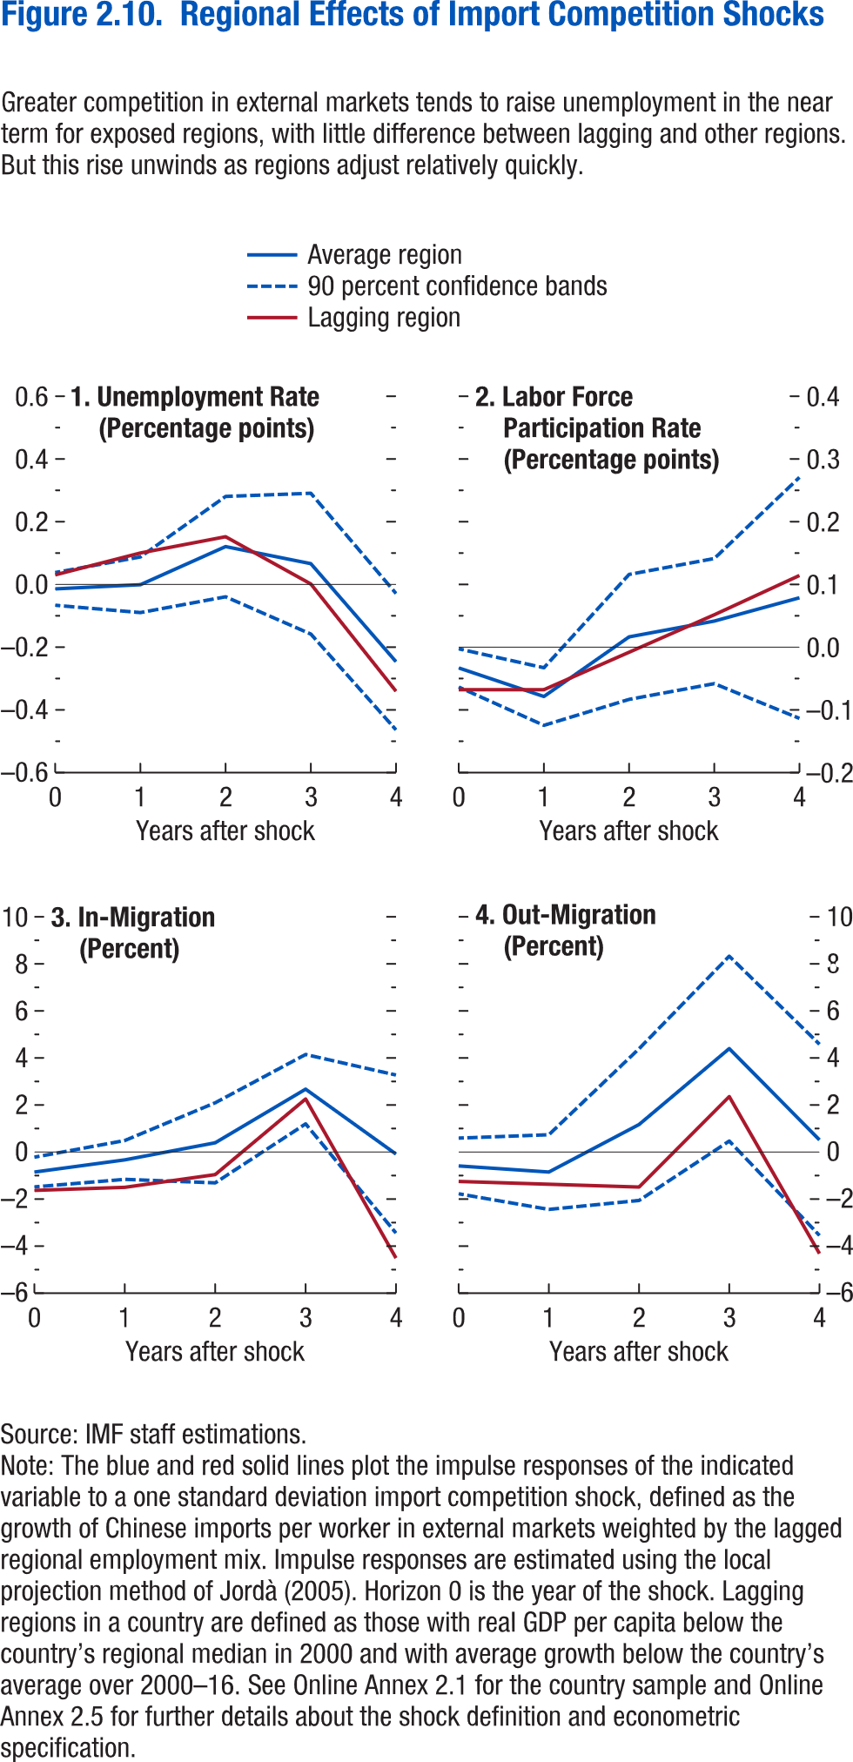

Panel 1 |  |  | 90 percent confidence bands |  |  | Panel 2 |  |  | 90 percent confidence bands
 | year | Average region | Upper | Lower | Lagging region |  | year | Average region | Upper | Lower | Lagging region
 | 0 | -0.0127 | 0.0395 | -0.0650068 | 0.032 |  | 0 | -0.0351 | -0.0045 | -0.0656831 | -0.07
 | 1 | 0.0006 | 0.0895 | -0.0884134 | 0.102 |  | 1 | -0.0809 | -0.0348 | -0.1270455 | -0.07
 | 2 | 0.1225 | 0.2829 | -0.0378641 | 0.154 |  | 2 | 0.0146 | 0.1147 | -0.0854477 | -0.01
 | 3 | 0.0679 | 0.2929 | -0.157149 | 0.003 |  | 3 | 0.0399 | 0.1401 | -0.0602559 | 0.05
 | 4 | -0.2455 | -0.0275 | -0.4635395 | -0.34 |  | 4 | 0.0772 | 0.2702 | -0.1159143 | 0.113

Panel 3 |  |  | 90 percent confidence bands |  |  | Panel 4 |  |  | 90 percent confidence bands
 | year | Average region | Upper | Lower | Lagging region |  | year | Average region | Upper | Lower | Lagging region
 | 0 | -0.8519 | -0.2206 | -1.4831523 | -1.63 |  | 0 | -0.5916 | 0.5927 | -1.7759713 | -1.25
 | 1 | -0.3341 | 0.4914 | -1.1596851 | -1.5 |  | 1 | -0.8509 | 0.7364 | -2.4382207 | -1.37
 | 2 | 0.393 | 2.0956 | -1.309648 | -0.96 |  | 2 | 1.1674 | 4.3935 | -2.058774 | -1.49
 | 3 | 2.6731 | 4.1484 | 1.19784439 | 2.256 |  | 3 | 4.3951 | 8.3247 | 0.46550006 | 2.358
 | 4 | -0.0874 | 3.2738 | -3.4485385 | -4.51 |  | 4 | 0.5149 | 4.5792 | -3.5493035 | -4.32

Figure 2.11.
Figure 2.11. Regional Effects of Automation Shocks
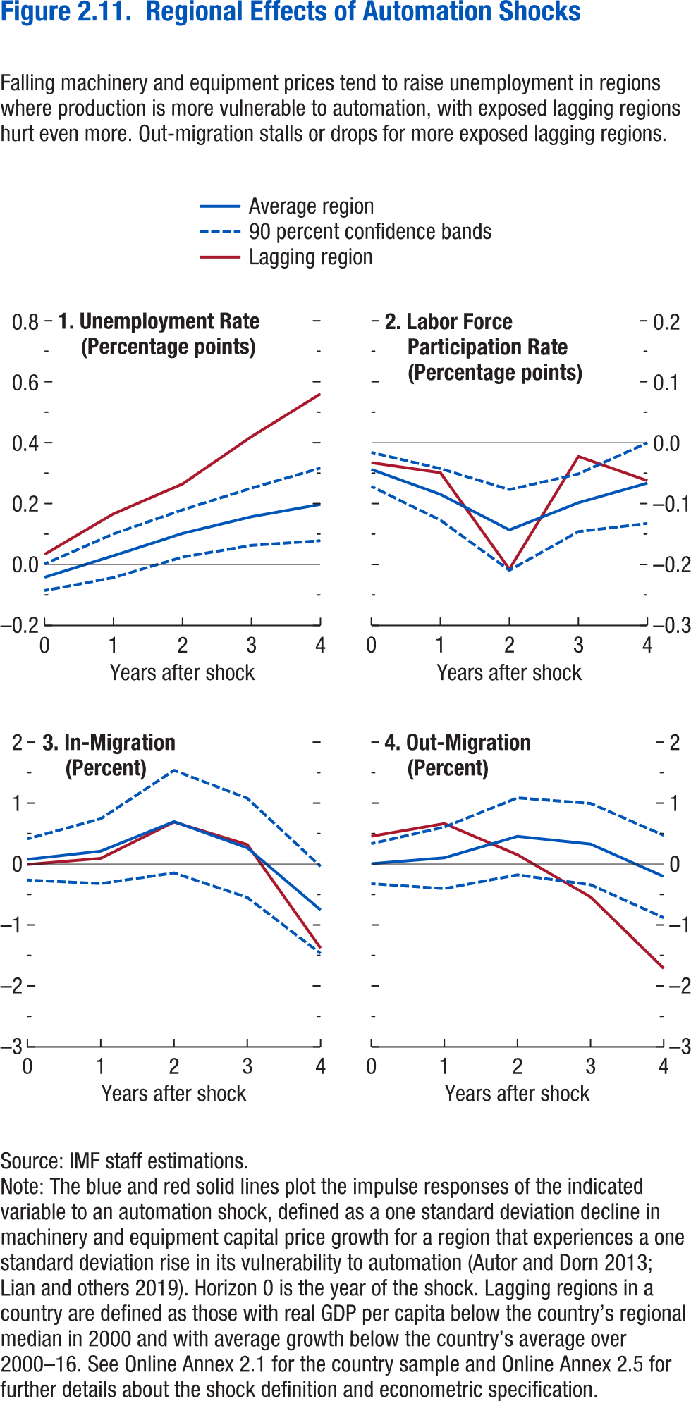

Panel 1 |  |  | 90 percent confidence bands |  |  | Panel 2 |  |  | 90 percent confidence bands
 | year | Average region | Upper | Lower | Lagging region |  | year | Average region | Upper | Lower | Lagging region
 | 0 | -0.04188 | 0.001726 | -0.08549 | 0.033296 |  | 0 | -0.04391 | -0.01601 | -0.0718 | -0.03288
 | 1 | 0.028908 | 0.100621 | -0.04281 | 0.166419 |  | 1 | -0.08485 | -0.04254 | -0.12716 | -0.04929
 | 2 | 0.102047 | 0.179517 | 0.024576 | 0.264358 |  | 2 | -0.14328 | -0.07706 | -0.2095 | -0.20766
 | 3 | 0.156892 | 0.250892 | 0.062891 | 0.419827 |  | 3 | -0.09862 | -0.05126 | -0.14597 | -0.02268
 | 4 | 0.19737 | 0.316603 | 0.078137 | 0.560019 |  | 4 | -0.0664 | -0.00015 | -0.13265 | -0.06246

Panel 3 |  |  | 90 percent confidence bands |  |  | Panel 4 |  |  | 90 percent confidence bands
 | year | Average region | Upper | Lower | Lagging region |  | year | Average region | Upper | Lower | Lagging region
 | 0 | 0.075549 | 0.413769 | -0.26267 | -0.00701 |  | 0 | 0.005724 | 0.333979 | -0.32253 | 0.456125
 | 1 | 0.211618 | 0.743665 | -0.32043 | 0.093246 |  | 1 | 0.102592 | 0.607292 | -0.40211 | 0.663885
 | 2 | 0.69666 | 1.538125 | -0.14481 | 0.69 |  | 2 | 0.454874 | 1.087057 | -0.17731 | 0.151948
 | 3 | 0.26524 | 1.079124 | -0.54865 | 0.318211 |  | 3 | 0.327523 | 0.995158 | -0.34011 | -0.54069
 | 4 | -0.75389 | -0.03827 | -1.46952 | -1.38073 |  | 4 | -0.20423 | 0.471923 | -0.88039 | -1.71347

Figure 2.12.
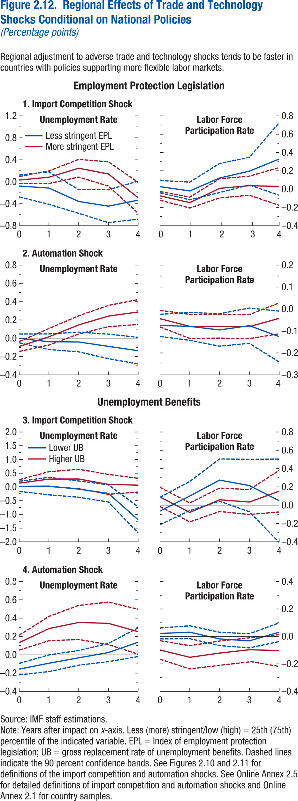
Figure 2.12. Regional Effects of Trade and Technology Shocks Conditional on National Policies\
(Percentage points)

Trade, EPL | 1. Unemployment Rate |  |  |  |  |  |  | 2. LFPR
 | year | Less stringent EPL | 90% CI | 90% CI | More stringent EPL | 90% CI | 90% CI | year | Less stringent EPL | 90% CI | 90% CI | More stringent EPL | 90% CI | 90% CI
 | 0 | -0.07695 | 0.122311 | -0.27621 | 0.031768 | 0.095707 | -0.03217 | 0 | 0.026873 | 0.093834 | -0.04009 | -0.07369 | -0.02614 | -0.12125
 | 1 | -0.11436 | 0.182148 | -0.41087 | 0.082827 | 0.197131 | -0.03148 | 1 | -0.02006 | 0.07648 | -0.11661 | -0.14719 | -0.08807 | -0.20631
 | 2 | -0.35804 | -0.14225 | -0.57383 | 0.246554 | 0.407871 | 0.085238 | 2 | 0.121359 | 0.280255 | -0.03754 | 0.008323 | 0.11311 | -0.09646
 | 3 | -0.44429 | -0.14446 | -0.74412 | 0.142751 | 0.363566 | -0.07806 | 3 | 0.19632 | 0.347044 | 0.045596 | 0.03748 | 0.141662 | -0.0667
 | 4 | -0.33419 | 0.012049 | -0.68043 | -0.28995 | -0.01001 | -0.5699 | 4 | 0.328752 | 0.724891 | -0.06739 | 0.028965 | 0.234833 | -0.1769
Automation, EPL
 | 1. Unemployment Rate |  |  |  |  |  |  | 2. LFPR
 | year | Less stringent EPL | 90% CI | 90% CI | More stringent EPL | 90% CI | 90% CI | year | Less stringent EPL | 90% CI | 90% CI | More stringent EPL | 90% CI | 90% CI
 | 0 | -0.00102 | 0.047194 | -0.04924 | -0.08913 | -0.0348 | -0.14347 | 0 | -0.0747 | -0.0242 | -0.1252 | -0.04403 | -0.00619 | -0.08187
 | 1 | -0.03742 | 0.047721 | -0.12256 | 0.016541 | 0.106744 | -0.07366 | 1 | -0.07926 | -0.01594 | -0.14257 | -0.07927 | -0.02462 | -0.13392
 | 2 | -0.04021 | 0.067467 | -0.14788 | 0.146028 | 0.245495 | 0.04656 | 2 | -0.09534 | -0.02136 | -0.16933 | -0.07903 | -0.02537 | -0.13269
 | 3 | -0.08826 | 0.045883 | -0.2224 | 0.242837 | 0.359133 | 0.126542 | 3 | -0.07592 | 0.004356 | -0.1562 | -0.08026 | -0.02564 | -0.13488
 | 4 | -0.13526 | 0.010124 | -0.28065 | 0.28723 | 0.42299 | 0.15147 | 4 | -0.12568 | -0.00976 | -0.2416 | -0.04255 | 0.027928 | -0.11303

Trade, UB | 1. Unemployment Rate |  |  |  |  |  |  | 2. LFPR
 | year | Low UB | 90% CI | 90% CI | High UB | 90% CI | 90% CI | year | Low UB | 90% CI | 90% CI | High UB | 90% CI | 90% CI
 | 0 | 0.022287 | 0.206181 | -0.16161 | 0.139454 | 0.263081 | 0.015827 | 0 | -0.06326 | 0.085811 | -0.21234 | 0.090265 | 0.195133 | -0.0146
 | 1 | 0.029453 | 0.346965 | -0.28806 | 0.285252 | 0.554323 | 0.016182 | 1 | 0.100657 | 0.259811 | -0.0585 | -0.07873 | 0.024607 | -0.18206
 | 2 | -0.07888 | 0.216314 | -0.37408 | 0.288914 | 0.64289 | -0.06506 | 2 | 0.274584 | 0.505608 | 0.043559 | 0.059506 | 0.187185 | -0.06817
 | 3 | -0.23539 | 0.078642 | -0.54942 | 0.094108 | 0.456802 | -0.26859 | 3 | 0.214976 | 0.501082 | -0.07113 | 0.034808 | 0.171227 | -0.10161
 | 4 | -1.19797 | -0.72129 | -1.67465 | 0.063787 | 0.314726 | -0.18715 | 4 | 0.049394 | 0.504761 | -0.40597 | 0.153376 | 0.380302 | -0.07355
Automation, UB
 | 1. Unemployment Rate |  |  |  |  |  |  | 2. LFPR
 | year | Low UB | 90% CI | 90% CI | High UB | 90% CI | 90% CI | year | Low UB | 90% CI | 90% CI | High UB | 90% CI | 90% CI
 | 0 | -0.15686 | -0.0939 | -0.21981 | 0.132147 | 0.213683 | 0.050612 | 0 | 0.021927 | 0.061538 | -0.01768 | -0.09839 | -0.03115 | -0.16562
 | 1 | -0.09234 | -0.00135 | -0.18332 | 0.28607 | 0.418796 | 0.153345 | 1 | 0.030927 | 0.077868 | -0.01601 | -0.15174 | -0.06688 | -0.2366
 | 2 | -0.03356 | 0.046476 | -0.1136 | 0.352915 | 0.539048 | 0.166782 | 2 | -0.01789 | 0.03066 | -0.06644 | -0.12097 | -0.03325 | -0.20869
 | 3 | 0.024331 | 0.12378 | -0.07512 | 0.343294 | 0.575583 | 0.111005 | 3 | -0.03182 | 0.019301 | -0.08294 | -0.09674 | -0.00997 | -0.1835
 | 4 | 0.136772 | 0.293264 | -0.01972 | 0.252273 | 0.497669 | 0.006878 | 4 | 0.030799 | 0.09861 | -0.03701 | -0.10258 | 0.013351 | -0.21851

Figure 2.13.
Figure 2.13. Subnational Regional Migration and Labor Mobility
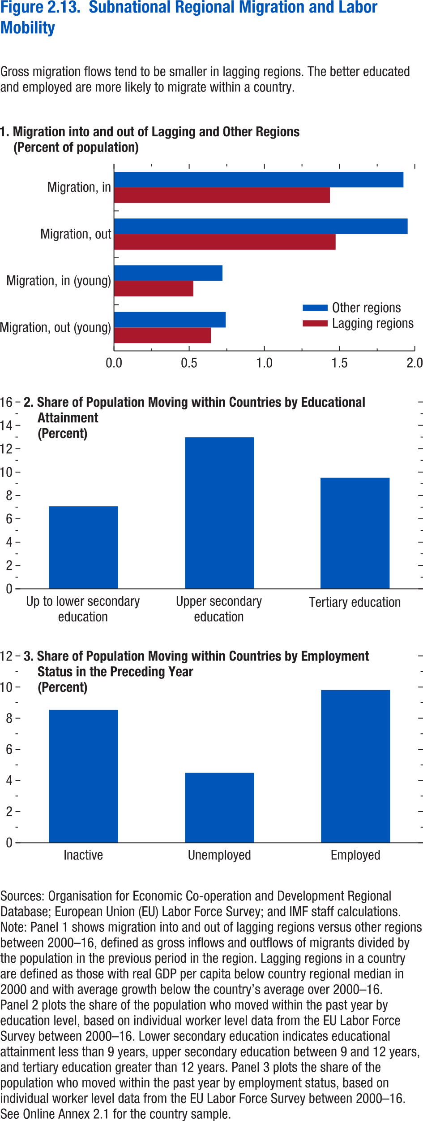

Panel 1 |  |  | Panel 2 |  | Panel 3
 | Lagging regions | Other regions
Migration, out (young) | 0.64523 | 0.74288 | Up to lower secondary education | 7.07 | Inactive | 8.54
Migration, in (young) | 0.52772 | 0.72124 | Upper secondary education | 12.98 | Unemployed | 4.49
Migration, out | 1.47345 | 1.95228 | Tertiary education | 9.51 | Employed | 9.81
Migration, in | 1.43572 | 1.92448

Figure 2.14.
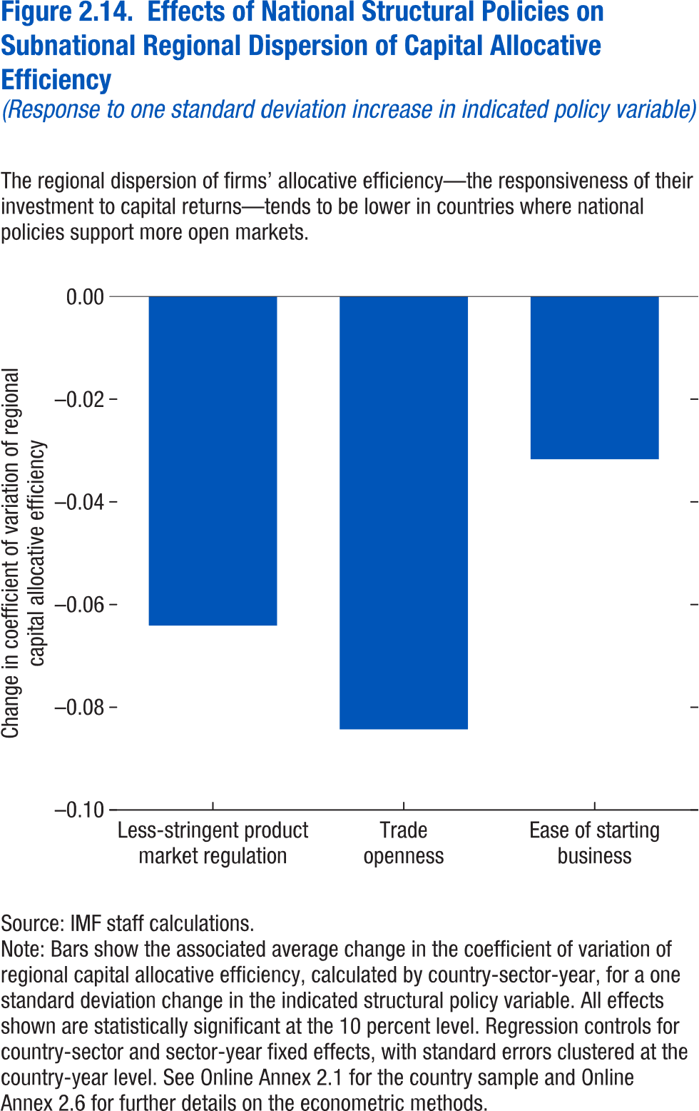
Figure 2.14. Effects of National Structural Policies on Subnational Regional Dispersion of Capital Allocative Efficiency
(Response to one standard deviation increase in indicated policy variable)

 | -0.0641
Less-stringent product market regulation
Trade openness | -0.0843
Ease of starting business | -0.0317

Figure 2.1.1.
Figure 1.16. World Distribution of Tax-to-GDP Ratio, 2016
Revenue mobilization remains limited in low-income developing countries.
Source: IMF staff estimates.
Note: AEs = advanced economies; EMMIEs = emerging markets and middle-income economies; LIDCs = low-income developing economies.
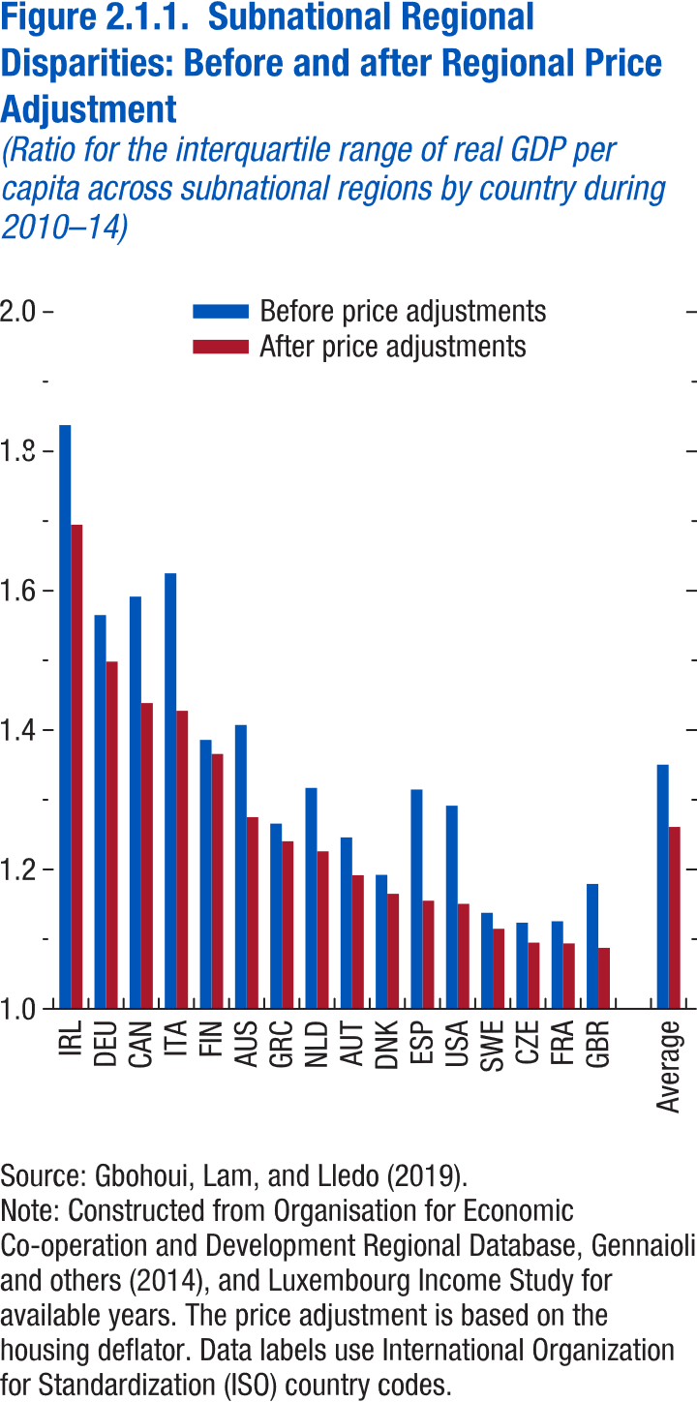
Figure 2.1.1 Subnational Regional Disparities: Before and After Regional Price Adjustment
(Ratio for the interquartile range of real GDP per capita across subnational regions by country during 2010-14)

 | Before price adjustments | After price adjustments
IRL | 1.836727 | 1.693804
DEU | 1.56416 | 1.497334
CAN | 1.590609 | 1.437888
ITA | 1.624089 | 1.426769
FIN | 1.384928 | 1.364804
AUS | 1.406418 | 1.274119
GRC | 1.264903 | 1.239487
NLD | 1.316083 | 1.225017
AUT | 1.24501 | 1.190791
DNK | 1.191242 | 1.164054
ESP | 1.313789 | 1.154169
USA | 1.290523 | 1.149663
SWE | 1.136797 | 1.113955
CZE | 1.122668 | 1.094015
FRA | 1.124652 | 1.092951
GBR | 1.178237 | 1.086554

Average | 1.3494 | 1.26

Figure 2.2.1.
Figure 1.16. World Distribution of Tax-to-GDP Ratio, 2016
Revenue mobilization remains limited in low-income developing countries.
Source: IMF staff estimates.
Note: AEs = advanced economies; EMMIEs = emerging markets and middle-income economies; LIDCs = low-income developing economies.
Figure 2.2.1. Marginal Effect of 1˚C Increase in Temperature on Sectoral Labor Productivity
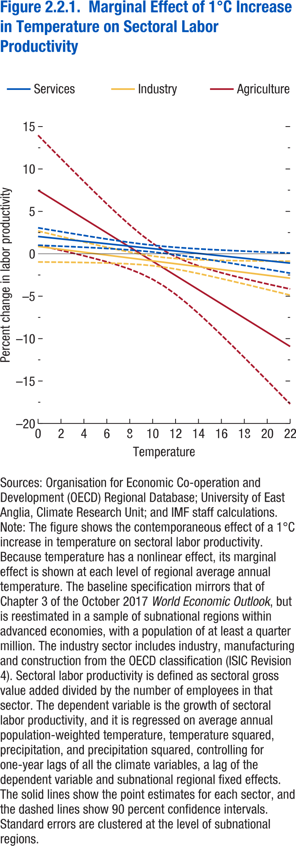

Temperature | Services | Services - upper bound | Services - lower bound | Industry | Industry - upper bound | Industry - lower bound | Agriculture | Agriculture - upper bound | Agriculture - lower bound
0 | 2.038999 | 3.065166 | 1.012832 | 0.864889 | 2.690428 | -0.96065 | 7.491647 | 13.97081 | 1.012489
1 | 1.896426 | 2.836988 | 0.955864 | 0.695012 | 2.363532 | -0.97351 | 6.654494 | 12.59515 | 0.713836
2 | 1.753854 | 2.610496 | 0.897212 | 0.525135 | 2.038538 | -0.98827 | 5.817341 | 11.22635 | 0.408333
3 | 1.611281 | 2.386236 | 0.836326 | 0.355258 | 1.716091 | -1.00557 | 4.980188 | 9.866636 | 0.09374
4 | 1.468708 | 2.164994 | 0.772422 | 0.185381 | 1.397155 | -1.02639 | 4.143035 | 8.51927 | -0.2332
5 | 1.326135 | 1.947919 | 0.704351 | 0.015504 | 1.083203 | -1.05219 | 3.305882 | 7.189117 | -0.57735
6 | 1.183563 | 1.736698 | 0.630428 | -0.15437 | 0.776551 | -1.0853 | 2.468729 | 5.883642 | -0.94618
7 | 1.04099 | 1.533778 | 0.548202 | -0.32425 | 0.480928 | -1.12943 | 1.631576 | 4.614494 | -1.35134
8 | 0.898417 | 1.342559 | 0.454275 | -0.49413 | 0.202332 | -1.19058 | 0.794423 | 3.399802 | -1.81096
9 | 0.755844 | 1.167216 | 0.344472 | -0.664 | -0.05012 | -1.27788 | -0.04273 | 2.266435 | -2.3519
10 | 0.613271 | 1.01168 | 0.214862 | -0.83388 | -0.26493 | -1.40283 | -0.87988 | 1.248622 | -3.00839
11 | 0.470699 | 0.877855 | 0.063543 | -1.00376 | -0.43314 | -1.57437 | -1.71704 | 0.376491 | -3.81056
12 | 0.328126 | 0.764429 | -0.10818 | -1.17363 | -0.55512 | -1.79215 | -2.55419 | -0.34303 | -4.76535
13 | 0.185553 | 0.667722 | -0.29662 | -1.34351 | -0.64026 | -2.04676 | -3.39134 | -0.93174 | -5.85094
14 | 0.04298 | 0.583492 | -0.49753 | -1.51339 | -0.69998 | -2.32679 | -4.2285 | -1.4242 | -7.03279
15 | -0.09959 | 0.50816 | -0.70734 | -1.68327 | -0.74319 | -2.62334 | -5.06565 | -1.85122 | -8.28008
16 | -0.24217 | 0.439092 | -0.92342 | -1.85314 | -0.77569 | -2.9306 | -5.9028 | -2.23468 | -9.57092
17 | -0.38474 | 0.374472 | -1.14395 | -2.02302 | -0.80108 | -3.24495 | -6.73995 | -2.58885 | -10.8911
18 | -0.52731 | 0.313064 | -1.36769 | -2.1929 | -0.82162 | -3.56417 | -7.57711 | -2.92283 | -12.2314
19 | -0.66988 | 0.254021 | -1.59379 | -2.36277 | -0.83872 | -3.88682 | -8.41426 | -3.24252 | -13.586
20 | -0.81246 | 0.196756 | -1.82167 | -2.53265 | -0.85333 | -4.21197 | -9.25141 | -3.5518 | -14.951
21 | -0.95503 | 0.140855 | -2.05091 | -2.70253 | -0.86608 | -4.53897 | -10.0886 | -3.85332 | -16.3238
22 | -1.0976 | 0.086017 | -2.28122 | -2.8724 | -0.8774 | -4.8674 | -10.9257 | -4.14891 | -17.7025

Figure 2.2.2.
Figure 1.16. World Distribution of Tax-to-GDP Ratio, 2016
Revenue mobilization remains limited in low-income developing countries.
Source: IMF staff estimates.
Note: AEs = advanced economies; EMMIEs = emerging markets and middle-income economies; LIDCs = low-income developing economies.
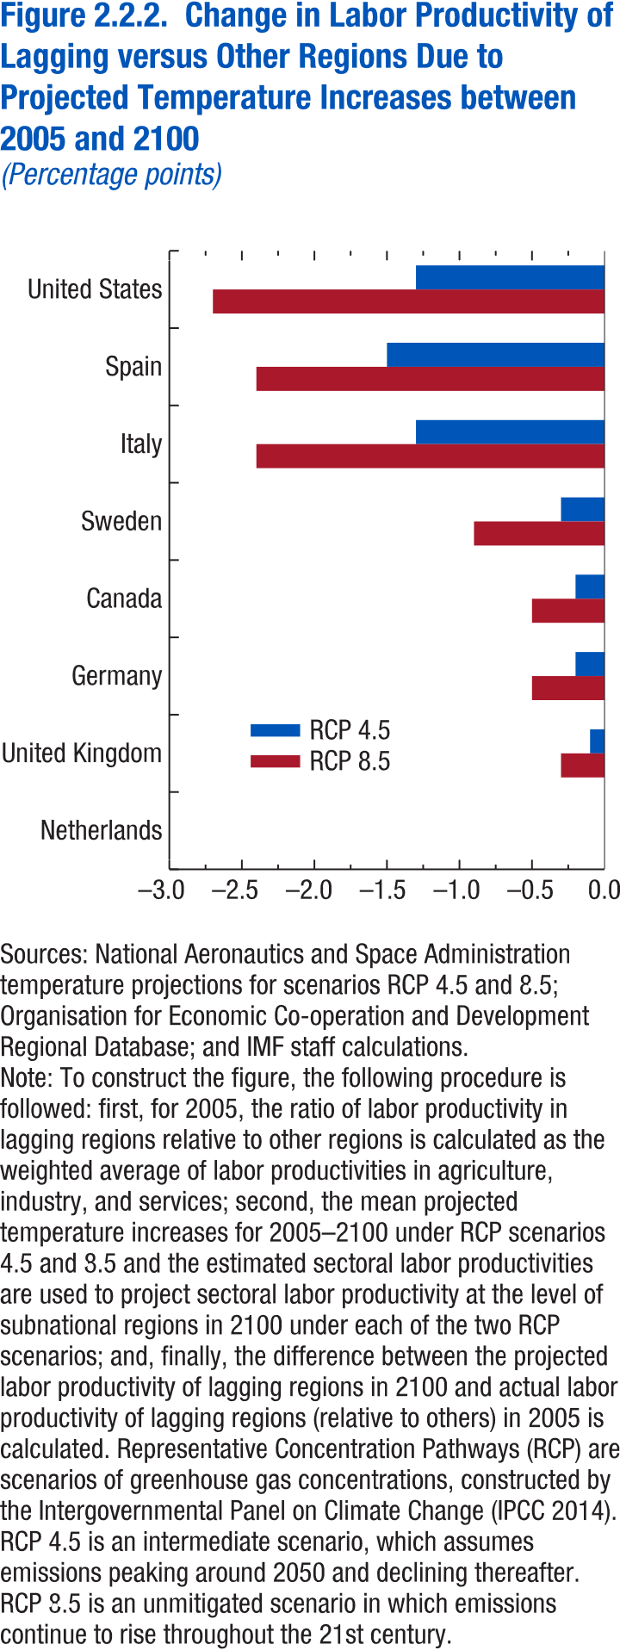
Figure 2.2.2. Change in Labor Productivity of Lagging Regions Relative to Other Regions, Due to Projected Temperature Increases between 2005 and 2100
(Percentage points)

country | RCP 8.5 | RCP 4.5
United States | -0.02721 | -0.01282
Spain | -0.02408 | -0.01497
Italy | -0.02375 | -0.01306
Sweden | -0.00864 | -0.0029
Canada | -0.00497 | -0.00245
Germany | -0.00486 | -0.00235
United Kingdom | -0.00332 | -0.0014
Netherlands | 0.00009 | -0.00001

Figure 2.3.1.
Figure 1.16. World Distribution of Tax-to-GDP Ratio, 2016
Revenue mobilization remains limited in low-income developing countries.
Source: IMF staff estimates.
Note: AEs = advanced economies; EMMIEs = emerging markets and middle-income economies; LIDCs = low-income developing economies.
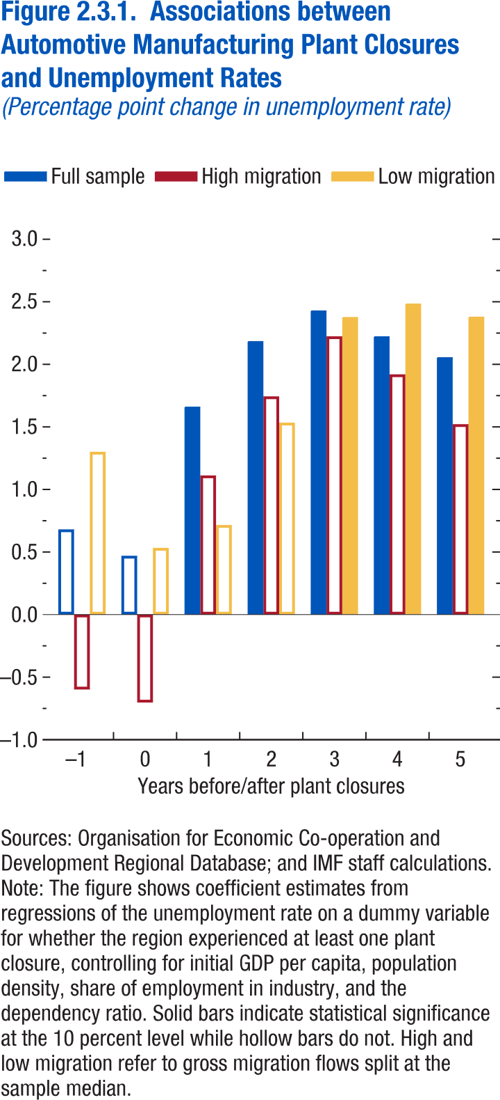
Figure 2.3.1. Associations between Automotive Manufacturing Plant Closures and Unemployment Rates
(Percentage point change in unemployment rate)

 | Full sample | High migration | Low migration
-1 | 0.681 | -0.599 | 1.301
0 | 0.47 | -0.703 | 0.533
1 | 1.662 | 1.112 | 0.716
2 | 2.186 | 1.744 | 1.534
3 | 2.431 | 2.224 | 2.378
4 | 2.224 | 1.92 | 2.486
5 | 2.057 | 1.522 | 2.381

Figure 2.4.1.
Figure 1.16. World Distribution of Tax-to-GDP Ratio, 2016
Revenue mobilization remains limited in low-income developing countries.
Source: IMF staff estimates.
Note: AEs = advanced economies; EMMIEs = emerging markets and middle-income economies; LIDCs = low-income developing economies.
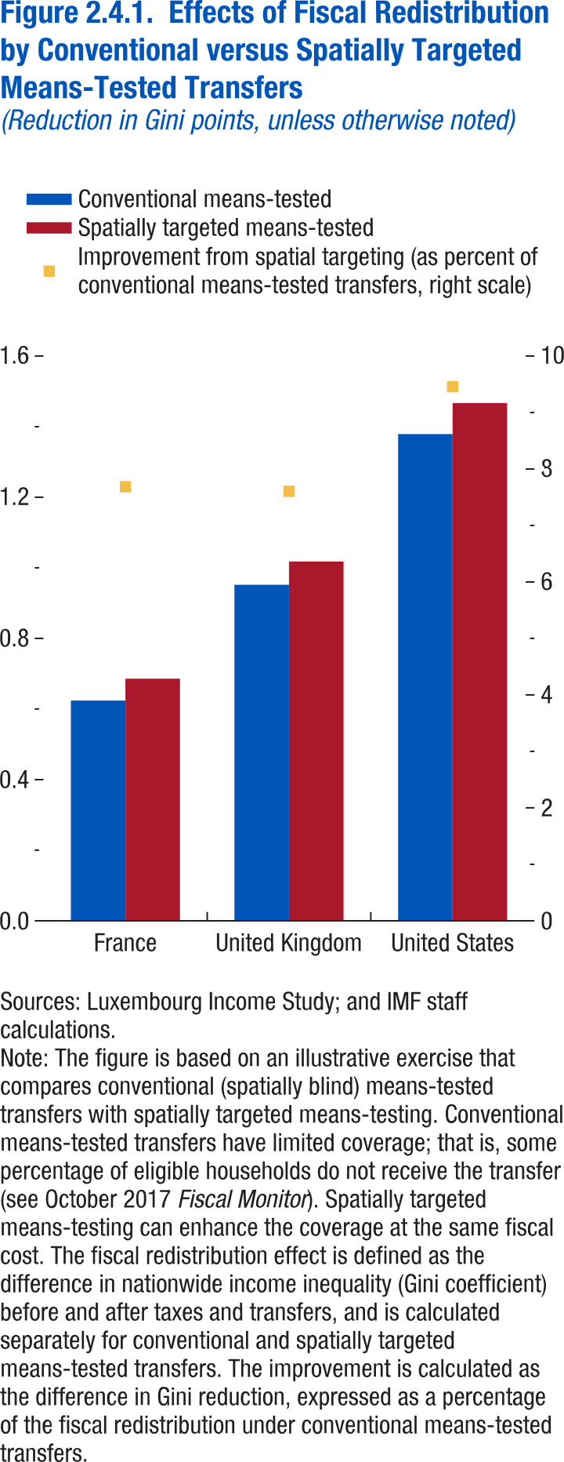
Figure 2.4.1. Effects of Fiscal Redistribution by Conventional versus Spatially Targeted Means-Tested Transfers
(Reduction in Gini points, unless otherwise noted)

Conventional means-tested | 0.624 | 0.952 | 1.379
Spatially targeted means-tested | 0.686 | 1.018 | 1.467
Improvement from spatial targeting (as percent of conventional means-tested transfers, right scale) | 7.685412 | 7.605848 | 9.458447

Annex Figure 2.3.1.
Figure 1.16. World Distribution of Tax-to-GDP Ratio, 2016
Revenue mobilization remains limited in low-income developing countries.
Source: IMF staff estimates.
Note: AEs = advanced economies; EMMIEs = emerging markets and middle-income economies; LIDCs = low-income developing economies.
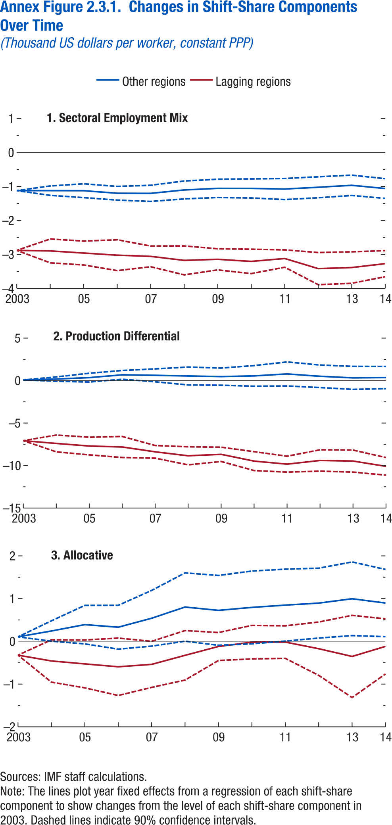
Annex Figure 2.3.1. Changes in Shift-Share Components Over Time
(Thousand US dollars per worker, constant PPP)

Panel 1 |  |  |  |  |  |  | Panel 2 |  |  |  |  |  |  | Panel 2
 | Other regions |  |  | Lagging regions |  |  |  | Other regions |  |  | Lagging regions |  |  |  | Other regions |  |  | Lagging regions
year | Estimate | Confidence interval - up | Confidence interval - down | Estimate | Confidence interval - up | Confidence interval - down | year | Estimate | Confidence interval - up | Confidence interval - down | Estimate | Confidence interval - up | Confidence interval - down | year | Estimate | Confidence interval - up | Confidence interval - down | Estimate | Confidence interval - up | Confidence interval - down
2003 | -1.123 | -1.123 | -1.123 | -2.881 | -2.881 | -2.881 | 2003 | 0.079 | 0.079 | 0.079 | -7.074 | -7.074 | -7.074 | 2003 | 0.106 | 0.106 | 0.106 | -0.323 | -0.323 | -0.323
2004 | -1.123 | -0.985 | -1.262 | -2.896 | -2.545 | -3.247 | 2004 | 0.181 | 0.436 | -0.074 | -7.399 | -6.408 | -8.389 | 2004 | 0.242 | 0.48 | 0.004 | -0.459 | 0.035 | -0.954
2005 | -1.125 | -0.922 | -1.328 | -2.959 | -2.608 | -3.31 | 2005 | 0.349 | 0.865 | -0.167 | -7.701 | -6.663 | -8.74 | 2005 | 0.391 | 0.842 | -0.059 | -0.528 | 0.032 | -1.088
2006 | -1.2 | -0.999 | -1.401 | -3.022 | -2.568 | -3.476 | 2006 | 0.675 | 1.191 | 0.16 | -7.815 | -6.576 | -9.055 | 2006 | 0.331 | 0.843 | -0.182 | -0.595 | 0.077 | -1.267
2007 | -1.203 | -0.965 | -1.44 | -3.057 | -2.753 | -3.362 | 2007 | 0.621 | 1.38 | -0.138 | -8.386 | -7.641 | -9.131 | 2007 | 0.54 | 1.192 | -0.112 | -0.539 | 0 | -1.078
2008 | -1.103 | -0.839 | -1.366 | -3.175 | -2.75 | -3.6 | 2008 | 0.542 | 1.595 | -0.511 | -8.852 | -7.788 | -9.917 | 2008 | 0.803 | 1.602 | 0.003 | -0.327 | 0.252 | -0.906
2009 | -1.056 | -0.787 | -1.324 | -3.144 | -2.833 | -3.455 | 2009 | 0.468 | 1.478 | -0.543 | -8.68 | -7.839 | -9.521 | 2009 | 0.725 | 1.542 | -0.092 | -0.12 | 0.207 | -0.448
2010 | -1.058 | -0.777 | -1.338 | -3.205 | -2.846 | -3.564 | 2010 | 0.553 | 1.768 | -0.662 | -9.477 | -8.364 | -10.59 | 2010 | 0.794 | 1.646 | -0.058 | -0.019 | 0.373 | -0.411
2011 | -1.076 | -0.765 | -1.386 | -3.12 | -2.865 | -3.376 | 2011 | 0.783 | 2.198 | -0.632 | -9.838 | -8.903 | -10.773 | 2011 | 0.848 | 1.69 | 0.006 | -0.017 | 0.364 | -0.398
2012 | -1.024 | -0.715 | -1.332 | -3.417 | -2.944 | -3.89 | 2012 | 0.507 | 1.834 | -0.819 | -9.403 | -8.146 | -10.659 | 2012 | 0.895 | 1.712 | 0.077 | -0.172 | 0.452 | -0.796
2013 | -0.966 | -0.667 | -1.265 | -3.386 | -2.923 | -3.849 | 2013 | 0.321 | 1.675 | -1.034 | -9.472 | -8.177 | -10.767 | 2013 | 0.997 | 1.859 | 0.135 | -0.353 | 0.609 | -1.315
2014 | -1.061 | -0.771 | -1.351 | -3.271 | -2.887 | -3.655 | 2014 | 0.358 | 1.666 | -0.95 | -10.096 | -9.059 | -11.133 | 2014 | 0.897 | 1.683 | 0.11 | -0.118 | 0.527 | -0.763

Annex Figure 2.5.1.
Figure 1.16. World Distribution of Tax-to-GDP Ratio, 2016
Revenue mobilization remains limited in low-income developing countries.
Source: IMF staff estimates.
Note: AEs = advanced economies; EMMIEs = emerging markets and middle-income economies; LIDCs = low-income developing economies.
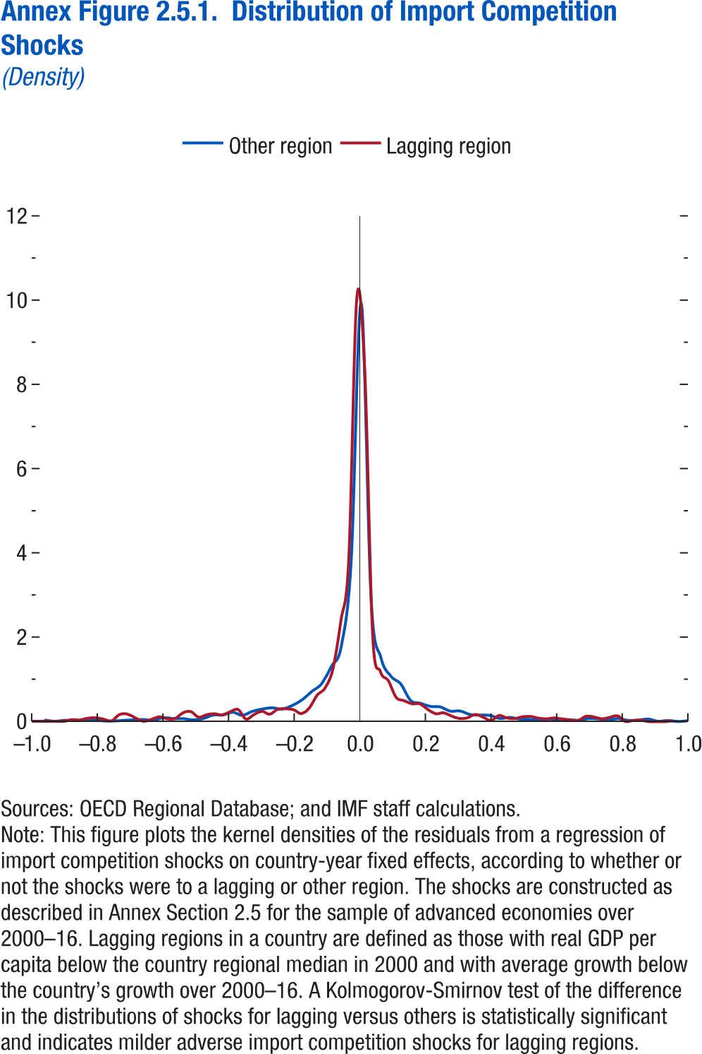
Annex Figure 2.5.1. Distribution of Import Competition Shocks
(Density)

Lagging region |  | Other region
Shock | Density | Shock | Density
-0.99772 | 0 | -0.99038 | 0.024449
-0.97361 | 0 | -0.96024 | 0.027886
-0.9495 | 0 | -0.9301 | 0
-0.9254 | 0 | -0.89996 | 0.022575
-0.90129 | 0.000358 | -0.86982 | 0.01713
-0.87718 | 0.039567 | -0.83968 | 0.018037
-0.85307 | 0.031266 | -0.80953 | 0.037011
-0.82897 | 0.073621 | -0.77939 | 0.011668
-0.80486 | 0.083548 | -0.74925 | 0.013745
-0.78075 | 0.050031 | -0.71911 | 0.027496
-0.75664 | 0.009167 | -0.68897 | 0.039587
-0.73254 | 0.159307 | -0.65883 | 0.046335
-0.70843 | 0.172469 | -0.62868 | 0.024667
-0.68432 | 0.082504 | -0.59854 | 0.0932
-0.66021 | 0 | -0.5684 | 0.068672
-0.63611 | 0.041412 | -0.53826 | 0.067247
-0.612 | 0.104536 | -0.50812 | 0.037224
-0.58789 | 0.059519 | -0.47798 | 0.066516
-0.56378 | 0.060482 | -0.44783 | 0.151117
-0.53967 | 0.197715 | -0.41769 | 0.153518
-0.51557 | 0.235244 | -0.38755 | 0.217615
-0.49146 | 0.09998 | -0.35741 | 0.146178
-0.46735 | 0.155827 | -0.32727 | 0.240768
-0.44324 | 0.180672 | -0.29712 | 0.294964
-0.41914 | 0.150983 | -0.26698 | 0.324256
-0.39503 | 0.228706 | -0.23684 | 0.293204
-0.37092 | 0.280509 | -0.2067 | 0.37613
-0.34681 | 0.052621 | -0.17656 | 0.510349
-0.32271 | 0.16067 | -0.14642 | 0.709137
-0.2986 | 0.240662 | -0.11627 | 0.893423
-0.27449 | 0.169191 | -0.08613 | 1.309087
-0.25038 | 0.284691 | -0.05599 | 1.796756
-0.22628 | 0.298521 | -0.02585 | 3.850139
-0.20217 | 0.277095 | 0.004292 | 9.927663
-0.17806 | 0.184437 | 0.034434 | 2.916768
-0.15395 | 0.318443 | 0.064575 | 1.511539
-0.12984 | 0.623933 | 0.094717 | 1.07888
-0.10574 | 0.795308 | 0.124859 | 0.890586
-0.08163 | 1.255697 | 0.155 | 0.49993
-0.05752 | 2.384705 | 0.185142 | 0.433241
-0.03341 | 3.867008 | 0.215284 | 0.358375
-0.00931 | 10.02147 | 0.245425 | 0.346877
0.014801 | 8.378947 | 0.275567 | 0.24649
0.038909 | 2.1333 | 0.305709 | 0.250802
0.063017 | 1.182145 | 0.335851 | 0.164954
0.087124 | 0.965902 | 0.365992 | 0.151955
0.111232 | 0.568337 | 0.396134 | 0.147585
0.13534 | 0.491208 | 0.426276 | 0.070325
0.159447 | 0.415772 | 0.456417 | 0.098651
0.183555 | 0.417292 | 0.486559 | 0.059848
0.207662 | 0.283374 | 0.516701 | 0.052537
0.23177 | 0.179714 | 0.546842 | 0.024861
0.255878 | 0.204285 | 0.576984 | 0.060604
0.279985 | 0.126014 | 0.607126 | 0.024345
0.304093 | 0.068003 | 0.637267 | 0.042596
0.328201 | 0.083556 | 0.667409 | 0.028829
0.352308 | 0.165266 | 0.697551 | 0.071034
0.376416 | 0.100967 | 0.727692 | 0.062659
0.400524 | 0.023787 | 0.757834 | 0.040178
0.424631 | 0.14443 | 0.787976 | 0.068437
0.448739 | 0.082578 | 0.818118 | 0.027262
0.472847 | 0.069844 | 0.848259 | 0.031478
0.496954 | 0.113855 | 0.878401 | 0.061641
0.521062 | 0.119101 | 0.908543 | 0.006998
0.54517 | 0.078961 | 0.938684 | 0.023627
0.569277 | 0.062876 | 0.968826 | 0.001143
0.593385 | 0.085274 | 0.998968 | 0.017146
0.617492 | 0.061712
0.6416 | 0.037618
0.665708 | 0.022291
0.689815 | 0.126473
0.713923 | 0.107738
0.738031 | 0.061808
0.762138 | 0.099973
0.786246 | 0.133247
0.810354 | 0
0.834461 | 0.029364
0.858569 | 0.031733
0.882677 | 0
0.906784 | 0
0.930892 | 0
0.955 | 0.025484
0.979107 | 0.077661

Annex Figure 2.5.2.
Figure 1.16. World Distribution of Tax-to-GDP Ratio, 2016
Revenue mobilization remains limited in low-income developing countries.
Source: IMF staff estimates.
Note: AEs = advanced economies; EMMIEs = emerging markets and middle-income economies; LIDCs = low-income developing economies.
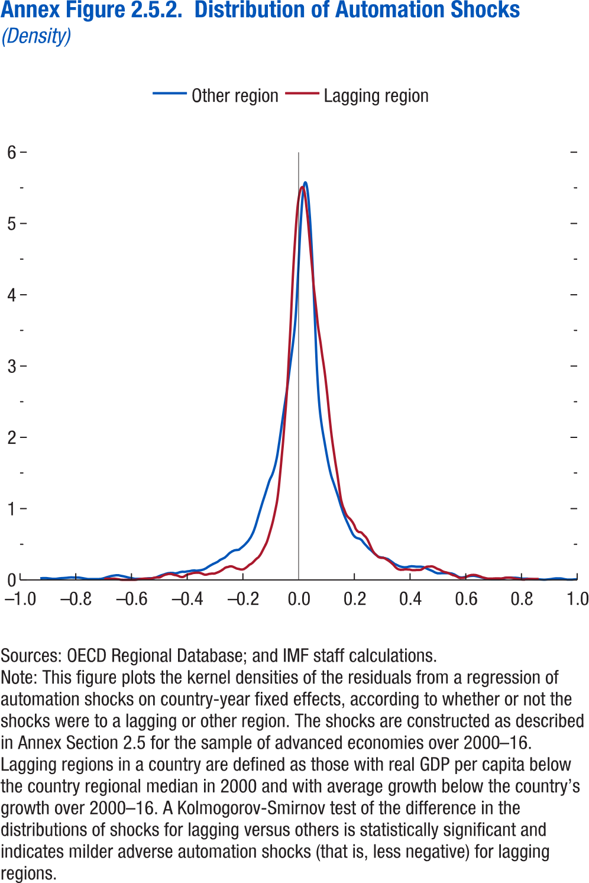
Annex Figure 2.5.2. Distribution of Automation Shocks
(Density)

Lagging region |  | Other region
Shock | Density | Shock | Density
-0.69702 | 0.015129 | -0.99201 | 0.009158
-0.69181 | 0.016965 | -0.9838 | 0.006555
-0.6866 | 0.018197 | -0.97559 | 0.00575
-0.68139 | 0.018824 | -0.96737 | 0.004266
-0.67617 | 0.018847 | -0.95916 | 0.003551
-0.67096 | 0.018265 | -0.95095 | 0.005175
-0.66575 | 0.017079 | -0.94274 | 0.010092
-0.66054 | 0.015288 | -0.93452 | 0.017889
-0.65533 | 0.012893 | -0.92631 | 0.022971
-0.65012 | 0.009893 | -0.9181 | 0.025337
-0.6449 | 0.006289 | -0.90989 | 0.024988
-0.63969 | 0.002081 | -0.90167 | 0.02223
-0.63448 | 0 | -0.89346 | 0.019059
-0.62927 | 0 | -0.88525 | 0.014578
-0.62406 | 0 | -0.87704 | 0.015333
-0.61885 | 0 | -0.86882 | 0.017849
-0.61363 | 0 | -0.86061 | 0.022649
-0.60842 | 0 | -0.8524 | 0.025537
-0.60321 | 0 | -0.84418 | 0.027443
-0.598 | 0 | -0.83597 | 0.030007
-0.59279 | 0 | -0.82776 | 0.033239
-0.58758 | 0 | -0.81955 | 0.035988
-0.58237 | 0.001636 | -0.81133 | 0.033734
-0.57715 | 0.005904 | -0.80312 | 0.035025
-0.57194 | 0.009567 | -0.79491 | 0.034324
-0.56673 | 0.012626 | -0.7867 | 0.030094
-0.56152 | 0.01508 | -0.77848 | 0.02432
-0.55631 | 0.01693 | -0.77027 | 0.018288
-0.5511 | 0.018175 | -0.76206 | 0.013209
-0.54588 | 0.018816 | -0.75385 | 0.013457
-0.54067 | 0.018853 | -0.74563 | 0.013745
-0.53546 | 0.018285 | -0.73742 | 0.012318
-0.53025 | 0.017263 | -0.72921 | 0.013528
-0.52504 | 0.023639 | -0.721 | 0.01412
-0.51983 | 0.0291 | -0.71278 | 0.019416
-0.51461 | 0.032748 | -0.70457 | 0.028681
-0.5094 | 0.034583 | -0.69636 | 0.039214
-0.50419 | 0.034604 | -0.68815 | 0.04903
-0.49898 | 0.035936 | -0.67993 | 0.05743
-0.49377 | 0.046078 | -0.67172 | 0.062596
-0.48856 | 0.05783 | -0.66351 | 0.067462
-0.48334 | 0.067793 | -0.65529 | 0.067451
-0.47813 | 0.074734 | -0.64708 | 0.059593
-0.47292 | 0.079008 | -0.63887 | 0.053508
-0.46771 | 0.084339 | -0.63066 | 0.045886
-0.4625 | 0.086043 | -0.62244 | 0.036873
-0.45729 | 0.08412 | -0.61423 | 0.029425
-0.45207 | 0.07857 | -0.60602 | 0.023809
-0.44686 | 0.070416 | -0.59781 | 0.017601
-0.44165 | 0.067873 | -0.58959 | 0.018034
-0.43644 | 0.062943 | -0.58138 | 0.019158
-0.43123 | 0.055595 | -0.57317 | 0.019386
-0.42602 | 0.045829 | -0.56496 | 0.021136
-0.4208 | 0.041457 | -0.55674 | 0.025235
-0.41559 | 0.042256 | -0.54853 | 0.02834
-0.41038 | 0.051871 | -0.54032 | 0.029734
-0.40517 | 0.065472 | -0.53211 | 0.033326
-0.39996 | 0.0758 | -0.52389 | 0.042605
-0.39475 | 0.082502 | -0.51568 | 0.057137
-0.38953 | 0.086812 | -0.50747 | 0.070834
-0.38432 | 0.092534 | -0.49926 | 0.080877
-0.37911 | 0.098543 | -0.49104 | 0.092942
-0.3739 | 0.100926 | -0.48283 | 0.101034
-0.36869 | 0.102534 | -0.47462 | 0.104488
-0.36348 | 0.102876 | -0.46641 | 0.103503
-0.35827 | 0.102215 | -0.45819 | 0.096549
-0.35305 | 0.097775 | -0.44998 | 0.103897
-0.34784 | 0.091787 | -0.44177 | 0.114699
-0.34263 | 0.081147 | -0.43355 | 0.120842
-0.33742 | 0.074253 | -0.42534 | 0.118816
-0.33221 | 0.076065 | -0.41713 | 0.125267
-0.327 | 0.081058 | -0.40892 | 0.128945
-0.32178 | 0.086824 | -0.4007 | 0.135594
-0.31657 | 0.089138 | -0.39249 | 0.139387
-0.31136 | 0.092108 | -0.38428 | 0.13455
-0.30615 | 0.090846 | -0.37607 | 0.138878
-0.30094 | 0.092766 | -0.36785 | 0.143002
-0.29573 | 0.101085 | -0.35964 | 0.15217
-0.29051 | 0.10768 | -0.35143 | 0.167776
-0.2853 | 0.117607 | -0.34322 | 0.191308
-0.28009 | 0.128521 | -0.335 | 0.210567
-0.27488 | 0.141069 | -0.32679 | 0.228677
-0.26967 | 0.155587 | -0.31858 | 0.243921
-0.26446 | 0.171444 | -0.31037 | 0.260311
-0.25924 | 0.180897 | -0.30215 | 0.286968
-0.25403 | 0.183991 | -0.29394 | 0.302462
-0.24882 | 0.190761 | -0.28573 | 0.318918
-0.24361 | 0.194195 | -0.27752 | 0.349149
-0.2384 | 0.190811 | -0.2693 | 0.382871
-0.23319 | 0.182349 | -0.26109 | 0.404772
-0.22797 | 0.172718 | -0.25288 | 0.420063
-0.22276 | 0.162384 | -0.24467 | 0.425779
-0.21755 | 0.158053 | -0.23645 | 0.429945
-0.21234 | 0.153044 | -0.22824 | 0.45874
-0.20713 | 0.149124 | -0.22003 | 0.485191
-0.20192 | 0.14844 | -0.21181 | 0.519165
-0.1967 | 0.15393 | -0.2036 | 0.558553
-0.19149 | 0.167291 | -0.19539 | 0.608365
-0.18628 | 0.181669 | -0.18718 | 0.675278
-0.18107 | 0.199833 | -0.17896 | 0.768783
-0.17586 | 0.217378 | -0.17075 | 0.882664
-0.17065 | 0.227284 | -0.16254 | 0.993249
-0.16543 | 0.243409 | -0.15433 | 1.102791
-0.16022 | 0.264311 | -0.14611 | 1.204138
-0.15501 | 0.285698 | -0.1379 | 1.31116
-0.1498 | 0.304399 | -0.12969 | 1.412247
-0.14459 | 0.31908 | -0.12148 | 1.480799
-0.13938 | 0.3458 | -0.11326 | 1.583439
-0.13417 | 0.377547 | -0.10505 | 1.727276
-0.12895 | 0.416087 | -0.09684 | 1.935885
-0.12374 | 0.456224 | -0.08863 | 2.167567
-0.11853 | 0.495137 | -0.08041 | 2.3972
-0.11332 | 0.542861 | -0.0722 | 2.614853
-0.10811 | 0.60713 | -0.06399 | 2.847689
-0.1029 | 0.675286 | -0.05578 | 3.105813
-0.09768 | 0.746174 | -0.04756 | 3.365723
-0.09247 | 0.824175 | -0.03935 | 3.70754
-0.08726 | 0.913457 | -0.03114 | 4.301196
-0.08205 | 1.01393 | -0.02292 | 4.947528
-0.07684 | 1.124665 | -0.01471 | 5.409095
-0.07163 | 1.28859 | -0.0065 | 5.581988
-0.06641 | 1.499634 | 0.001713 | 5.465419
-0.0612 | 1.715039 | 0.009925 | 5.087506
-0.05599 | 1.938492 | 0.018138 | 4.503634
-0.05078 | 2.197901 | 0.026351 | 3.745123
-0.04557 | 2.45648 | 0.034563 | 2.958951
-0.04036 | 2.76222 | 0.042776 | 2.456068
-0.03514 | 3.129601 | 0.050988 | 2.175128
-0.02993 | 3.510745 | 0.059201 | 1.97453
-0.02472 | 3.938793 | 0.067414 | 1.783227
-0.01951 | 4.354496 | 0.075626 | 1.6089
-0.0143 | 4.696822 | 0.083839 | 1.467352
-0.00909 | 4.993628 | 0.092051 | 1.367106
-0.00387 | 5.23745 | 0.100264 | 1.266567
0.001337 | 5.385692 | 0.108477 | 1.167249
0.006549 | 5.473528 | 0.116689 | 1.054426
0.011761 | 5.510397 | 0.124902 | 0.956134
0.016972 | 5.497301 | 0.133114 | 0.871521
0.022184 | 5.414682 | 0.141327 | 0.797183
0.027395 | 5.25507 | 0.14954 | 0.723519
0.032607 | 5.071295 | 0.157752 | 0.653965
0.037819 | 4.840484 | 0.165965 | 0.609927
0.04303 | 4.608106 | 0.174177 | 0.591148
0.048242 | 4.381877 | 0.18239 | 0.582155
0.053454 | 4.144363 | 0.190603 | 0.558168
0.058665 | 3.956359 | 0.198815 | 0.514254
0.063877 | 3.76691 | 0.207028 | 0.47921
0.069089 | 3.572898 | 0.21524 | 0.443187
0.0743 | 3.432446 | 0.223453 | 0.415756
0.079512 | 3.301786 | 0.231666 | 0.38261
0.084723 | 3.147561 | 0.239878 | 0.355401
0.089935 | 3.014248 | 0.248091 | 0.330008
0.095147 | 2.861082 | 0.256303 | 0.321783
0.100358 | 2.681215 | 0.264516 | 0.316909
0.10557 | 2.491404 | 0.272729 | 0.306806
0.110782 | 2.284066 | 0.280941 | 0.298442
0.115993 | 2.097597 | 0.289154 | 0.275306
0.121205 | 1.934678 | 0.297366 | 0.251314
0.126416 | 1.795027 | 0.305579 | 0.226636
0.131628 | 1.654342 | 0.313792 | 0.212252
0.13684 | 1.528381 | 0.322004 | 0.195916
0.142051 | 1.395185 | 0.330217 | 0.187318
0.147263 | 1.24714 | 0.338429 | 0.181987
0.152475 | 1.120892 | 0.346642 | 0.184057
0.157686 | 1.04396 | 0.354855 | 0.191637
0.162898 | 0.993256 | 0.363067 | 0.196821
0.168109 | 0.940225 | 0.37128 | 0.194626
0.173321 | 0.89986 | 0.379492 | 0.190464
0.178533 | 0.876314 | 0.387705 | 0.191994
0.183744 | 0.859565 | 0.395918 | 0.192099
0.188956 | 0.835094 | 0.40413 | 0.187034
0.194168 | 0.805996 | 0.412343 | 0.172492
0.199379 | 0.769804 | 0.420555 | 0.157099
0.204591 | 0.718171 | 0.428768 | 0.143149
0.209803 | 0.689389 | 0.436981 | 0.12853
0.215014 | 0.672922 | 0.445193 | 0.110083
0.220226 | 0.671491 | 0.453406 | 0.099212
0.225437 | 0.665832 | 0.461618 | 0.099877
0.230649 | 0.643343 | 0.469831 | 0.10151
0.235861 | 0.62165 | 0.478043 | 0.102252
0.241072 | 0.601421 | 0.486256 | 0.101846
0.246284 | 0.571606 | 0.494469 | 0.100298
0.251496 | 0.529797 | 0.502681 | 0.095747
0.256707 | 0.483561 | 0.510894 | 0.084476
0.261919 | 0.439083 | 0.519106 | 0.064777
0.26713 | 0.400783 | 0.527319 | 0.045418
0.272342 | 0.37336 | 0.535532 | 0.039438
0.277554 | 0.353624 | 0.543744 | 0.041614
0.282765 | 0.33348 | 0.551957 | 0.049281
0.287977 | 0.319038 | 0.560169 | 0.056929
0.293189 | 0.312272 | 0.568382 | 0.06146
0.2984 | 0.310265 | 0.576595 | 0.063133
0.303612 | 0.310768 | 0.584807 | 0.060619
0.308823 | 0.305031 | 0.59302 | 0.053986
0.314035 | 0.291627 | 0.601232 | 0.045187
0.319247 | 0.27945 | 0.609445 | 0.036299
0.324458 | 0.266155 | 0.617658 | 0.027926
0.32967 | 0.250148 | 0.62587 | 0.022811
0.334882 | 0.231576 | 0.634083 | 0.018315
0.340093 | 0.21388 | 0.642295 | 0.01483
0.345305 | 0.189644 | 0.650508 | 0.013632
0.350517 | 0.16889 | 0.658721 | 0.013276
0.355728 | 0.154642 | 0.666933 | 0.014461
0.36094 | 0.146961 | 0.675146 | 0.019991
0.366151 | 0.143565 | 0.683358 | 0.029008
0.371363 | 0.144353 | 0.691571 | 0.035859
0.376575 | 0.146831 | 0.699784 | 0.037958
0.381786 | 0.149697 | 0.707996 | 0.036337
0.386998 | 0.150308 | 0.716209 | 0.034642
0.39221 | 0.148402 | 0.724421 | 0.035854
0.397421 | 0.148555 | 0.732634 | 0.033089
0.402633 | 0.143536 | 0.740847 | 0.027218
0.407844 | 0.139812 | 0.749059 | 0.0228
0.413056 | 0.138561 | 0.757272 | 0.02254
0.418268 | 0.139819 | 0.765484 | 0.021465
0.423479 | 0.142286 | 0.773697 | 0.017675
0.428691 | 0.141377 | 0.78191 | 0.015195
0.433903 | 0.139875 | 0.790122 | 0.011829
0.439114 | 0.142532 | 0.798335 | 0.011266
0.444326 | 0.153854 | 0.806547 | 0.010226
0.449537 | 0.167904 | 0.81476 | 0.007827
0.454749 | 0.177088 | 0.822973 | 0.005949
0.459961 | 0.185421 | 0.831185 | 0.007581
0.465172 | 0.188211 | 0.839398 | 0.011168
0.470384 | 0.189131 | 0.84761 | 0.014315
0.475596 | 0.191853 | 0.855823 | 0.019836
0.480807 | 0.1903 | 0.864036 | 0.023691
0.486019 | 0.182147 | 0.872248 | 0.02483
0.491231 | 0.17165 | 0.880461 | 0.023253
0.496442 | 0.158922 | 0.888673 | 0.018961
0.501654 | 0.151742 | 0.896886 | 0.012194
0.506865 | 0.144132 | 0.905099 | 0.007137
0.512077 | 0.132367 | 0.913311 | 0.006298
0.517289 | 0.120602 | 0.921524 | 0.007547
0.5225 | 0.112602 | 0.929736 | 0.010286
0.527712 | 0.107962 | 0.937949 | 0.012345
0.532924 | 0.103039 | 0.946162 | 0.013045
0.538135 | 0.096156 | 0.954374 | 0.012388
0.543347 | 0.086996 | 0.962587 | 0.010373
0.548558 | 0.076995 | 0.970799 | 0.007
0.55377 | 0.068697 | 0.979012 | 0.003168
0.558982 | 0.063579 | 0.987225 | 0.001053
0.564193 | 0.056044 | 0.995437 | 0.003004
0.569405 | 0.046091
0.574617 | 0.03372
0.579828 | 0.027657
0.58504 | 0.029501
0.590251 | 0.028926
0.595463 | 0.031486
0.600675 | 0.040472
0.605886 | 0.051615
0.611098 | 0.060341
0.61631 | 0.066649
0.621521 | 0.070539
0.626733 | 0.072011
0.631945 | 0.071065
0.637156 | 0.067702
0.642368 | 0.06192
0.647579 | 0.054636
0.652791 | 0.048381
0.658003 | 0.039104
0.663214 | 0.033437
0.668426 | 0.029087
0.673638 | 0.022924
0.678849 | 0.019245
0.684061 | 0.018756
0.689272 | 0.018887
0.694484 | 0.018413
0.699696 | 0.018731
0.704907 | 0.021348
0.710119 | 0.022756
0.715331 | 0.022955
0.720542 | 0.021945
0.725754 | 0.019727
0.730965 | 0.022518
0.736177 | 0.027077
0.741389 | 0.030429
0.7466 | 0.032571
0.751812 | 0.033504
0.757024 | 0.033228
0.762235 | 0.031744
0.767447 | 0.02905
0.772659 | 0.025148
0.77787 | 0.020036
0.783082 | 0.016065
0.788293 | 0.013907
0.793505 | 0.011146
0.798717 | 0.007779
0.803928 | 0.00589
0.80914 | 0.006289
0.814352 | 0.009893
0.819563 | 0.012893
0.824775 | 0.015288
0.829986 | 0.017079
0.835198 | 0.018265
0.84041 | 0.018847
0.845621 | 0.018824
0.850833 | 0.018197
0.856045 | 0.016965
0.861256 | 0.015129

Annex Figure 2.6.1.
Figure 1.16. World Distribution of Tax-to-GDP Ratio, 2016
Revenue mobilization remains limited in low-income developing countries.
Source: IMF staff estimates.
Note: AEs = advanced economies; EMMIEs = emerging markets and middle-income economies; LIDCs = low-income developing economies.
Annex Figure 2.6.1. Dispersion in Allocative Efficiency is Correlated with Greater Regional Disparities
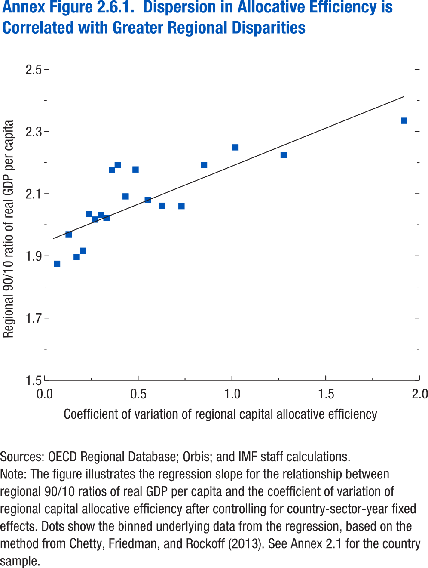

Coefficient of variation of regional allocative efficiency | 90/10 ratio of real GDP per capita
-0.05612 | 1.800946
0.06835 | 1.87468
0.12967 | 1.96953
0.172527 | 1.896227
0.207015 | 1.916584
0.238833 | 2.034668
0.27172 | 2.016914
0.301457 | 2.031679
0.331293 | 2.021789
0.360035 | 2.177506
0.39124 | 2.192722
0.433293 | 2.091596
0.486256 | 2.178313
0.551194 | 2.080497
0.627088 | 2.061488
0.731029 | 2.060149
0.851643 | 2.192462
1.018625 | 2.249371
1.275511 | 2.224608
1.917468 | 2.334952

