Figure 1.1.
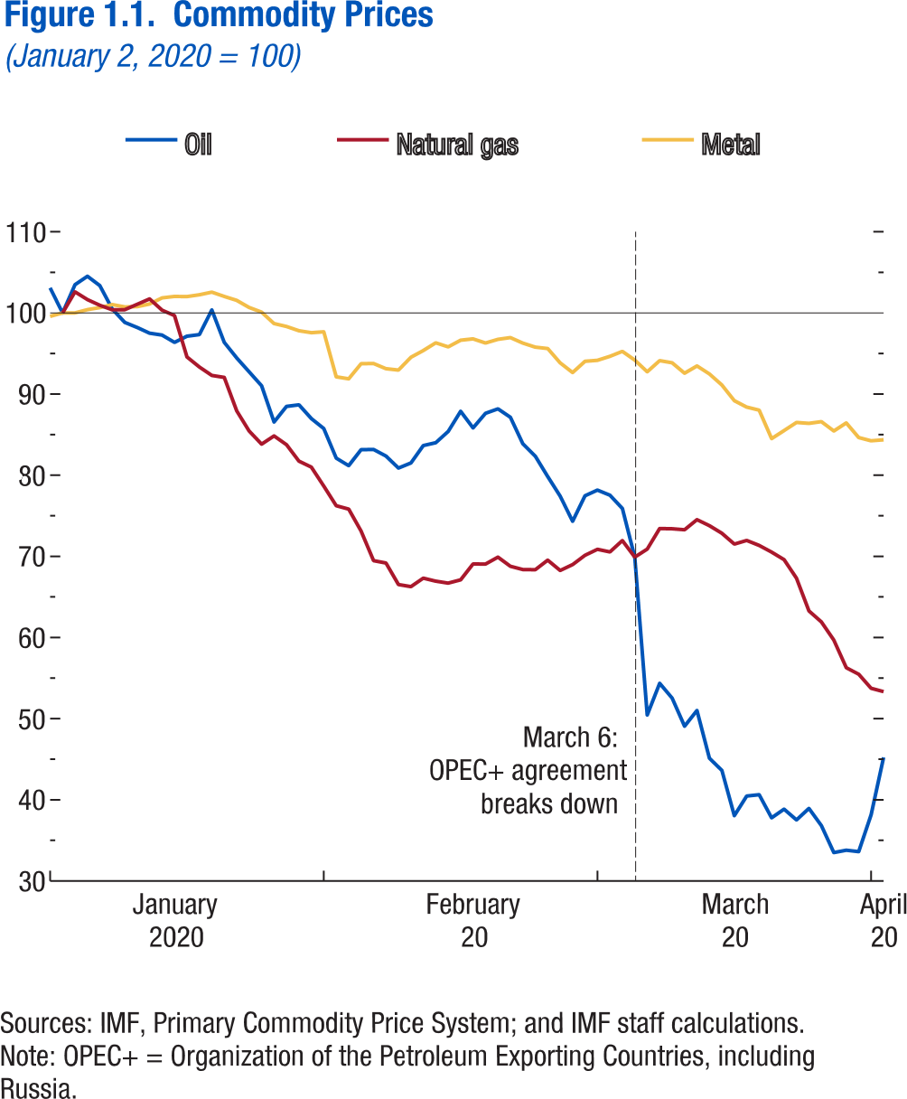
Figure 1.1. Commodity Prices
(January 2, 2020 = 100)

 | Metal | Oil | Natural gas
2020-01-01 | 99.58 | 103.09
2020-01-02 | 100.00 | 100.00 | 100.00
2020-01-03 | 100.01 | 103.49 | 102.60
2020-01-06 | 100.41 | 104.52 | 101.64
2020-01-07 | 100.66 | 103.36 | 100.93
2020-01-08 | 101.03 | 100.47 | 100.39
2020-01-09 | 100.74 | 98.83 | 100.40
2020-01-10 | 100.77 | 98.21 | 101.07
2020-01-13 | 101.10 | 97.50 | 101.73
2020-01-14 | 101.86 | 97.27 | 100.35
2020-01-15 | 102.04 | 96.37 | 99.68
2020-01-16 | 102.01 | 97.13 | 94.58
2020-01-17 | 102.24 | 97.33 | 93.34
2020-01-20 | 102.56 | 100.37 | 92.30
2020-01-21 | 102.03 | 96.36 | 92.06
2020-01-22 | 101.55 | 94.45 | 87.93
2020-01-23 | 100.67 | 92.75 | 85.45
2020-01-24 | 100.09 | 91.02 | 83.83
2020-01-27 | 98.69 | 86.56 | 84.84
2020-01-28 | 98.33 | 88.48 | 83.76
2020-01-29 | 97.80 | 88.68 | 81.73
2020-01-30 | 97.56 | 86.99 | 81.00
2020-01-31 | 97.68 | 85.75 | 78.66
2020-02-03 | 92.13 | 82.10 | 76.24
2020-02-04 | 91.88 | 81.18 | 75.83
2020-02-05 | 93.74 | 83.15 | 73.12
2020-02-06 | 93.77 | 83.17 | 69.47
2020-02-07 | 93.13 | 82.36 | 69.18
2020-02-10 | 92.96 | 80.89 | 66.53
2020-02-11 | 94.53 | 81.51 | 66.27
2020-02-12 | 95.37 | 83.65 | 67.32
2020-02-13 | 96.32 | 84.01 | 66.94
2020-02-14 | 95.82 | 85.39 | 66.71
2020-02-17 | 96.64 | 87.88 | 67.11
2020-02-18 | 96.80 | 85.83 | 69.07
2020-02-19 | 96.29 | 87.63 | 69.05
2020-02-20 | 96.75 | 88.18 | 69.91
2020-02-21 | 96.96 | 87.14 | 68.78
2020-02-24 | 96.28 | 83.88 | 68.38
2020-02-25 | 95.78 | 82.35 | 68.35
2020-02-26 | 95.61 | 79.84 | 69.54
2020-02-27 | 93.84 | 77.43 | 68.26
2020-02-28 | 92.65 | 74.33 | 68.99
2020-03-02 | 94.04 | 77.47 | 70.13
2020-03-03 | 94.16 | 78.17 | 70.87
2020-03-04 | 94.65 | 77.54 | 70.55
2020-03-05 | 95.26 | 75.91 | 71.95
2020-03-06 | 94.20 | 69.91 | 69.91
2020-03-09 | 92.75 | 50.45 | 70.89
2020-03-10 | 94.12 | 54.35 | 73.43
2020-03-11 | 93.86 | 52.53 | 73.41
2020-03-12 | 92.57 | 49.07 | 73.28
2020-03-13 | 93.47 | 51.01 | 74.52
2020-03-16 | 92.48 | 45.12 | 73.79
2020-03-17 | 91.12 | 43.62 | 72.85
2020-03-18 | 89.19 | 38.04 | 71.51
2020-03-19 | 88.40 | 40.47 | 71.97
2020-03-20 | 88.02 | 40.63 | 71.35
2020-03-23 | 84.51 | 37.77 | 70.53
2020-03-24 | 85.50 | 38.84 | 69.60
2020-03-25 | 86.50 | 37.52 | 67.31
2020-03-26 | 86.39 | 38.94 | 63.28
2020-03-27 | 86.61 | 36.82 | 61.91
2020-03-30 | 85.45 | 33.50 | 59.68
2020-03-31 | 86.45 | 33.79 | 56.28
2020-04-01 | 84.64 | 33.61 | 55.48
2020-04-02 | 84.24 | 38.16 | 53.74
2020-04-03 | 84.36 | 45.23 | 53.33

Figure 1.2.
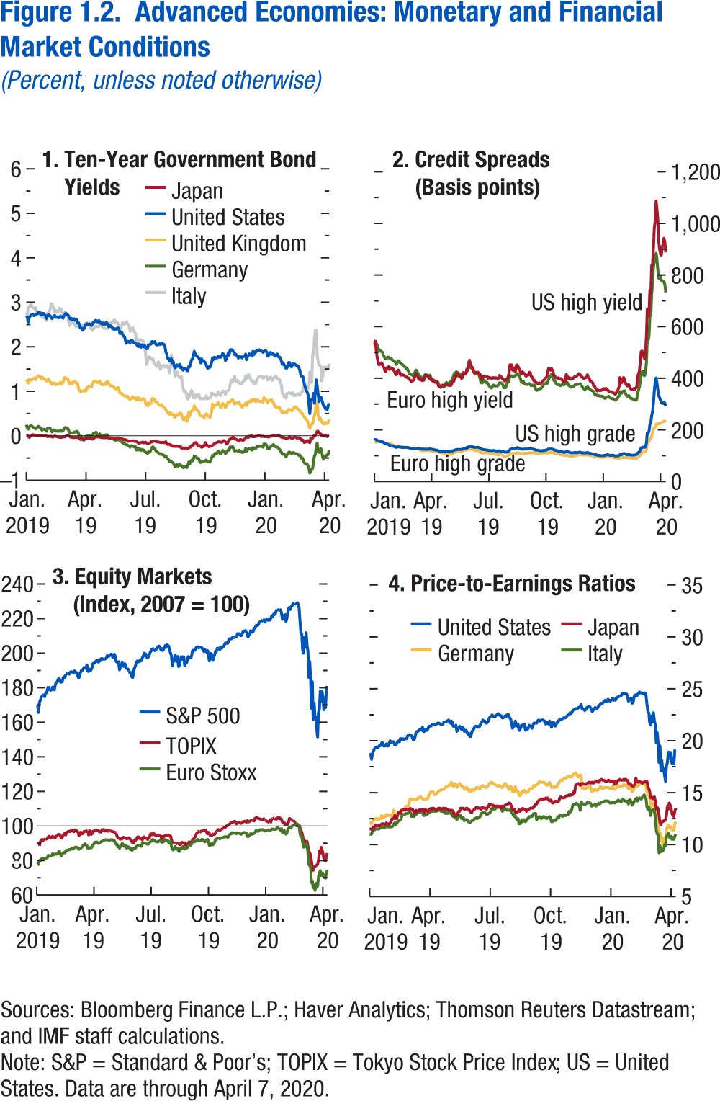
Figure 1.2. Advanced Economies: Monetary and Financial Market Conditions
(Percent, unless noted otherwise)

1. Ten-Year Government Bond Yields |  |  |  |  |  | 2. Credit Spreads | 3. Equity Markets |  |  |  |  | 4. Price-to-Earnings Ratio
 |  |  |  |  |  | (Basis points) | (Index, 2007 = 100)

 | Japan | United States | United Kingdom | Germany | Italy | Data not available |  | Euro Stoxx | S&P 500 | MSCI Emerging Market | TOPIX |  | Germany | Italy | Japan | U.S.
2019-01-01 | 0.00 | 2.69 | 1.27 | 0.25 | 2.77 |  | 2019-01-01 | ... | ... | 145.15 | ... | 2019-01-01 | 12.10 | 11.00 | 11.50 | 18.80
2019-01-02 | 0.00 | 2.66 | 1.23 | 0.17 | 2.71 |  | 2019-01-02 | 78.68 | 169.92 | 143.82 | ... | 2019-01-02 | 12.10 | 11.00 | 11.50 | 18.80
2019-01-03 | 0.00 | 2.55 | 1.18 | 0.15 | 2.88 |  | 2019-01-03 | 77.74 | 165.71 | 142.69 | ... | 2019-01-03 | 12.00 | 11.00 | 11.50 | 18.40
2019-01-04 | -0.04 | 2.66 | 1.27 | 0.21 | 2.91 |  | 2019-01-04 | 80.01 | 171.40 | 145.44 | 88.40 | 2019-01-04 | 12.30 | 11.30 | 11.40 | 19.00
2019-01-07 | -0.02 | 2.68 | 1.25 | 0.22 | 2.91 |  | 2019-01-07 | 80.03 | 172.60 | 146.86 | 90.88 | 2019-01-07 | 12.40 | 11.40 | 11.70 | 19.20
2019-01-08 | 0.00 | 2.72 | 1.27 | 0.23 | 2.96 |  | 2019-01-08 | 80.69 | 174.28 | 147.28 | 91.24 | 2019-01-08 | 12.40 | 11.40 | 11.70 | 19.40
2019-01-09 | 0.02 | 2.71 | 1.25 | 0.22 | 2.90 |  | 2019-01-09 | 81.25 | 174.99 | 149.73 | 92.24 | 2019-01-09 | 12.50 | 11.50 | 11.90 | 19.50
2019-01-10 | 0.03 | 2.73 | 1.28 | 0.20 | 2.90 |  | 2019-01-10 | 81.37 | 175.78 | 150.31 | 91.45 | 2019-01-10 | 12.50 | 11.50 | 11.80 | 19.50
2019-01-11 | 0.02 | 2.70 | 1.29 | 0.18 | 2.87 |  | 2019-01-11 | 81.22 | 175.76 | 150.51 | 91.92 | 2019-01-11 | 12.50 | 11.50 | 11.80 | 19.50
2019-01-14 | 0.02 | 2.71 | 1.30 | 0.18 | 2.85 |  | 2019-01-14 | 80.78 | 174.83 | 149.26 | ... | 2019-01-14 | 12.40 | 11.50 | 11.80 | 19.50
2019-01-15 | 0.01 | 2.72 | 1.25 | 0.15 | 2.88 |  | 2019-01-15 | 81.09 | 176.71 | 151.20 | 92.70 | 2019-01-15 | 12.50 | 11.50 | 11.90 | 19.70
2019-01-16 | 0.01 | 2.73 | 1.31 | 0.17 | 2.76 |  | 2019-01-16 | 81.57 | 177.10 | 152.14 | 92.40 | 2019-01-16 | 12.50 | 11.60 | 11.80 | 19.70
2019-01-17 | 0.01 | 2.75 | 1.33 | 0.19 | 2.78 |  | 2019-01-17 | 81.47 | 178.44 | 152.28 | 92.73 | 2019-01-17 | 12.50 | 11.60 | 11.90 | 19.80
2019-01-18 | 0.01 | 2.78 | 1.35 | 0.21 | 2.74 |  | 2019-01-18 | 83.05 | 180.80 | 153.92 | 93.59 | 2019-01-18 | 12.80 | 11.70 | 12.00 | 20.00
2019-01-21 | 0.01 | 2.78 | 1.33 | 0.21 | 2.76 |  | 2019-01-21 | 82.87 | ... | 154.24 | 94.12 | 2019-01-21 | 12.70 | 11.70 | 12.00 | 20.00
2019-01-22 | 0.00 | 2.73 | 1.33 | 0.18 | 2.75 |  | 2019-01-22 | 82.55 | 178.24 | 152.94 | 93.52 | 2019-01-22 | 12.60 | 11.60 | 12.00 | 19.60
2019-01-23 | 0.01 | 2.76 | 1.32 | 0.17 | 2.76 |  | 2019-01-23 | 82.59 | 178.63 | 153.14 | 92.96 | 2019-01-23 | 12.70 | 11.60 | 11.90 | 19.70
2019-01-24 | 0.01 | 2.71 | 1.27 | 0.12 | 2.66 |  | 2019-01-24 | 83.01 | 178.88 | 154.03 | 93.29 | 2019-01-24 | 12.70 | 11.70 | 11.90 | 19.70
2019-01-25 | 0.00 | 2.75 | 1.31 | 0.14 | 2.65 |  | 2019-01-25 | 83.92 | 180.39 | 155.62 | 94.10 | 2019-01-25 | 12.90 | 11.80 | 12.10 | 19.90
2019-01-28 | 0.00 | 2.75 | 1.28 | 0.15 | 2.67 |  | 2019-01-28 | 83.21 | 178.98 | 154.80 | 93.47 | 2019-01-28 | 12.80 | 11.70 | 12.00 | 19.70
2019-01-29 | 0.00 | 2.71 | 1.27 | 0.14 | 2.64 |  | 2019-01-29 | 83.62 | 178.72 | 154.91 | 93.56 | 2019-01-29 | 12.80 | 11.70 | 12.00 | 19.70
2019-01-30 | 0.01 | 2.70 | 1.25 | 0.13 | 2.61 |  | 2019-01-30 | 83.83 | 181.50 | 156.04 | 93.18 | 2019-01-30 | 12.80 | 11.70 | 11.90 | 20.00
2019-01-31 | 0.00 | 2.64 | 1.23 | 0.10 | 2.60 |  | 2019-01-31 | 83.67 | 183.06 | 157.77 | 94.19 | 2019-01-31 | 12.80 | 11.70 | 12.10 | 20.20
2019-02-01 | -0.02 | 2.69 | 1.25 | 0.17 | 2.76 |  | 2019-02-01 | 83.83 | 183.22 | 158.30 | 94.01 | 2019-02-01 | 12.80 | 11.70 | 12.20 | 20.00
2019-02-04 | -0.01 | 2.72 | 1.28 | 0.18 | 2.75 |  | 2019-02-04 | 83.78 | 184.46 | 158.33 | 95.02 | 2019-02-04 | 12.80 | 11.70 | 12.50 | 20.10
2019-02-05 | -0.01 | 2.70 | 1.22 | 0.17 | 2.80 |  | 2019-02-05 | 85.12 | 185.33 | 159.14 | 95.11 | 2019-02-05 | 13.00 | 11.80 | 12.50 | 20.10
2019-02-06 | -0.01 | 2.70 | 1.22 | 0.17 | 2.85 |  | 2019-02-06 | 85.19 | 184.92 | 158.62 | 95.07 | 2019-02-06 | 13.30 | 12.00 | 12.50 | 20.10
2019-02-07 | -0.01 | 2.65 | 1.18 | 0.11 | 2.97 |  | 2019-02-07 | 83.46 | 183.19 | 157.79 | 94.28 | 2019-02-07 | 13.00 | 12.10 | 12.80 | 19.80
2019-02-08 | -0.03 | 2.63 | 1.15 | 0.09 | 2.96 |  | 2019-02-08 | 82.81 | 183.31 | 157.26 | 92.50 | 2019-02-08 | 12.80 | 11.90 | 12.50 | 19.80
2019-02-11 | -0.03 | 2.66 | 1.18 | 0.12 | 2.90 |  | 2019-02-11 | 83.62 | 183.44 | 157.55 | ... | 2019-02-11 | 12.90 | 12.00 | 12.50 | 19.90
2019-02-12 | -0.01 | 2.69 | 1.19 | 0.13 | 2.85 |  | 2019-02-12 | 84.26 | 185.81 | 158.11 | 94.49 | 2019-02-12 | 13.00 | 12.20 | 12.80 | 20.10
2019-02-13 | -0.01 | 2.71 | 1.18 | 0.12 | 2.79 |  | 2019-02-13 | 84.64 | 186.37 | 158.17 | 95.50 | 2019-02-13 | 13.10 | 12.30 | 13.10 | 20.20
2019-02-14 | -0.01 | 2.66 | 1.14 | 0.10 | 2.82 |  | 2019-02-14 | 84.35 | 185.88 | 157.94 | 95.53 | 2019-02-14 | 13.10 | 12.30 | 13.10 | 20.10
2019-02-15 | -0.02 | 2.67 | 1.16 | 0.10 | 2.81 |  | 2019-02-15 | 85.71 | 187.90 | 156.45 | 94.78 | 2019-02-15 | 13.20 | 12.40 | 13.00 | 20.40
2019-02-18 | -0.02 | 2.67 | 1.17 | 0.11 | 2.77 |  | 2019-02-18 | 85.97 | ... | 157.26 | 96.26 | 2019-02-18 | 13.30 | 12.50 | 13.30 | 20.40
2019-02-19 | -0.03 | 2.65 | 1.17 | 0.10 | 2.79 |  | 2019-02-19 | 85.78 | 188.18 | 157.07 | 96.53 | 2019-02-19 | 13.20 | 12.90 | 13.30 | 20.40
2019-02-20 | -0.03 | 2.66 | 1.18 | 0.10 | 2.87 |  | 2019-02-20 | 86.31 | 188.51 | 158.33 | 96.95 | 2019-02-20 | 13.30 | 12.90 | 13.40 | 20.40
2019-02-21 | -0.04 | 2.69 | 1.21 | 0.13 | 2.84 |  | 2019-02-21 | 86.23 | 187.85 | 158.84 | 96.95 | 2019-02-21 | 13.30 | 12.90 | 13.40 | 20.30
2019-02-22 | -0.04 | 2.66 | 1.16 | 0.10 | 2.85 |  | 2019-02-22 | 86.41 | 189.05 | 160.35 | 96.71 | 2019-02-22 | 13.40 | 12.90 | 13.30 | 20.50
2019-02-25 | -0.03 | 2.68 | 1.17 | 0.11 | 2.77 |  | 2019-02-25 | 86.70 | 189.29 | 161.72 | 97.39 | 2019-02-25 | 13.70 | 13.00 | 13.40 | 20.50
2019-02-26 | -0.03 | 2.64 | 1.20 | 0.11 | 2.72 |  | 2019-02-26 | 86.87 | 189.14 | 161.33 | 97.17 | 2019-02-26 | 13.70 | 13.00 | 13.40 | 20.50
2019-02-27 | -0.02 | 2.70 | 1.28 | 0.15 | 2.79 |  | 2019-02-27 | 86.61 | 189.03 | 160.42 | 97.37 | 2019-02-27 | 13.70 | 13.00 | 13.40 | 20.70
2019-02-28 | -0.02 | 2.72 | 1.31 | 0.19 | 2.76 |  | 2019-02-28 | 87.03 | 188.50 | 159.18 | 96.60 | 2019-02-28 | 13.70 | 13.10 | 13.30 | 20.70
2019-03-01 | -0.01 | 2.76 | 1.30 | 0.19 | 2.74 |  | 2019-03-01 | 87.57 | 189.80 | 159.67 | 97.08 | 2019-03-01 | 14.30 | 13.10 | 13.40 | 20.80
2019-03-04 | 0.00 | 2.72 | 1.28 | 0.16 | 2.74 |  | 2019-03-04 | 87.70 | 189.06 | 160.66 | 97.80 | 2019-03-04 | 14.40 | 13.10 | 13.50 | 20.70
2019-03-05 | 0.00 | 2.72 | 1.28 | 0.16 | 2.72 |  | 2019-03-05 | 87.79 | 188.85 | 161.29 | 97.30 | 2019-03-05 | 14.40 | 12.70 | 13.40 | 20.70
2019-03-06 | 0.00 | 2.69 | 1.23 | 0.13 | 2.60 |  | 2019-03-06 | 87.64 | 187.62 | 161.38 | 97.06 | 2019-03-06 | 14.40 | 12.90 | 13.40 | 20.60
2019-03-07 | -0.01 | 2.64 | 1.17 | 0.07 | 2.48 |  | 2019-03-07 | 87.11 | 186.09 | 159.54 | 96.24 | 2019-03-07 | 14.30 | 12.80 | 13.30 | 20.30
2019-03-08 | -0.03 | 2.63 | 1.19 | 0.07 | 2.51 |  | 2019-03-08 | 86.46 | 185.70 | 157.57 | 94.48 | 2019-03-08 | 14.30 | 12.70 | 13.00 | 20.30
2019-03-11 | -0.03 | 2.64 | 1.17 | 0.06 | 2.57 |  | 2019-03-11 | 87.09 | 188.42 | 159.61 | 95.03 | 2019-03-11 | 14.30 | 12.90 | 13.10 | 20.60
2019-03-12 | -0.03 | 2.61 | 1.17 | 0.06 | 2.55 |  | 2019-03-12 | 87.10 | 188.98 | 160.67 | 96.47 | 2019-03-12 | 14.30 | 12.90 | 13.30 | 21.00
2019-03-13 | -0.04 | 2.63 | 1.20 | 0.07 | 2.56 |  | 2019-03-13 | 87.56 | 190.29 | 160.72 | 95.66 | 2019-03-13 | 14.30 | 13.00 | 13.20 | 21.10
2019-03-14 | -0.04 | 2.63 | 1.23 | 0.08 | 2.51 |  | 2019-03-14 | 88.10 | 190.12 | 160.45 | 95.44 | 2019-03-14 | 14.50 | 13.10 | 13.20 | 21.10
2019-03-15 | -0.04 | 2.59 | 1.22 | 0.09 | 2.50 |  | 2019-03-15 | 88.98 | 191.07 | 161.59 | 96.30 | 2019-03-15 | 14.50 | 13.10 | 13.30 | 21.20
2019-03-18 | -0.04 | 2.60 | 1.19 | 0.08 | 2.45 |  | 2019-03-18 | 89.14 | 191.78 | 163.53 | 96.96 | 2019-03-18 | 14.60 | 13.10 | 13.40 | 21.30
2019-03-19 | -0.04 | 2.61 | 1.20 | 0.10 | 2.50 |  | 2019-03-19 | 89.71 | 191.75 | 163.74 | 96.75 | 2019-03-19 | 14.60 | 13.20 | 13.30 | 21.30
2019-03-20 | -0.04 | 2.54 | 1.15 | 0.08 | 2.53 |  | 2019-03-20 | 88.78 | 191.19 | 163.22 | 97.00 | 2019-03-20 | 14.50 | 13.20 | 13.40 | 21.20
2019-03-21 | -0.04 | 2.54 | 1.06 | 0.04 | 2.46 |  | 2019-03-21 | 88.68 | 193.26 | 162.75 | ... | 2019-03-21 | 14.40 | 13.10 | 13.40 | 21.50
2019-03-22 | -0.07 | 2.46 | 1.01 | -0.03 | 2.45 |  | 2019-03-22 | 87.12 | 189.60 | 161.04 | 97.17 | 2019-03-22 | 14.40 | 12.80 | 13.40 | 21.20
2019-03-25 | -0.08 | 2.42 | 0.99 | -0.02 | 2.51 |  | 2019-03-25 | 86.89 | 189.44 | 159.47 | 94.78 | 2019-03-25 | 14.30 | 12.80 | 13.10 | 21.10
2019-03-26 | -0.06 | 2.43 | 1.01 | -0.01 | 2.47 |  | 2019-03-26 | 87.45 | 190.80 | 159.83 | 97.22 | 2019-03-26 | 14.40 | 12.90 | 13.40 | 21.30
2019-03-27 | -0.07 | 2.37 | 1.01 | -0.08 | 2.44 |  | 2019-03-27 | 87.52 | 189.91 | 159.07 | 96.71 | 2019-03-27 | 14.40 | 12.90 | 13.30 | 21.20
...

Figure 1.3.
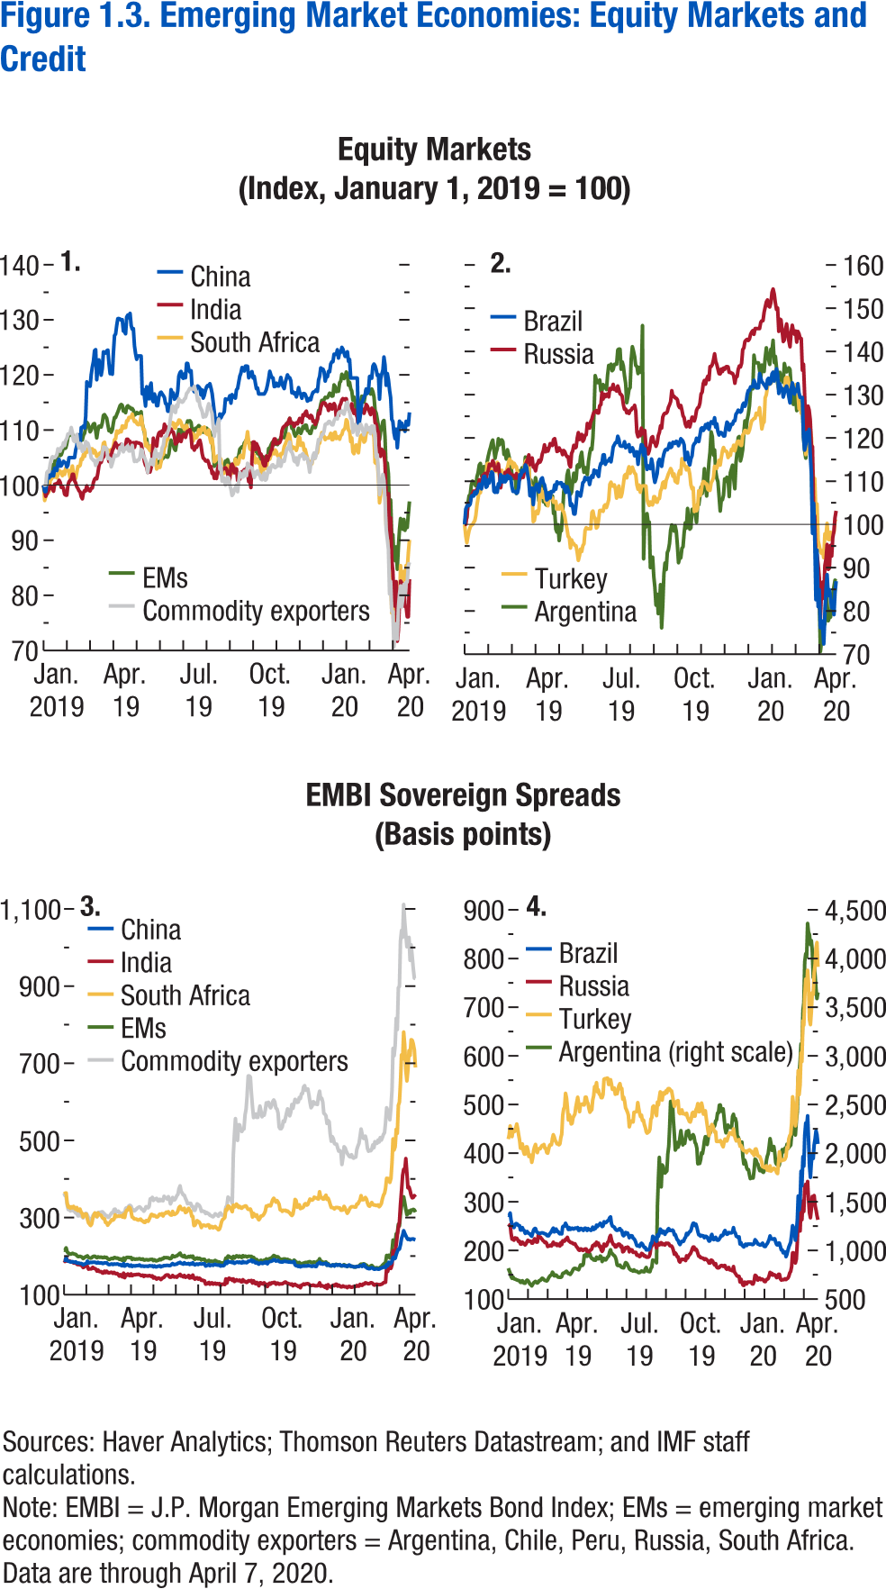
Figure 1.3. Emerging Market Economies: Equity Markets and Credit
(Percent change)

1. Equity Markets
(Index, January 1, 2019 = 100)

 | China | India | South Africa
2019-01-01 | 100.00 | 100.00 | 100.00
2019-01-02 | 98.85 | 99.00 | 97.21
2019-01-03 | 98.81 | 97.96 | 97.98
2019-01-04 | 100.84 | 98.46 | 98.99
2019-01-07 | 101.57 | 98.88 | 98.53
2019-01-08 | 101.30 | 99.25 | 98.92
2019-01-09 | 102.02 | 99.89 | 100.92
2019-01-10 | 101.65 | 99.59 | 101.01
2019-01-11 | 102.40 | 99.32 | 101.74
2019-01-14 | 101.68 | 98.89 | 101.42
2019-01-15 | 103.07 | 100.18 | 101.51
2019-01-16 | 103.07 | 100.18 | 101.99
2019-01-17 | 102.64 | 100.33 | 101.33
2019-01-18 | 104.10 | 100.36 | 101.89
2019-01-21 | 104.68 | 100.89 | 102.66
2019-01-22 | 103.44 | 100.52 | 102.54
2019-01-23 | 103.50 | 99.60 | 102.23
2019-01-24 | 103.93 | 99.84 | 101.71
2019-01-25 | 104.33 | 99.37 | 102.49
2019-01-28 | 104.14 | 98.35 | 101.95
2019-01-29 | 104.03 | 98.17 | 103.13
2019-01-30 | 103.28 | 98.17 | 102.64
2019-01-31 | 103.65 | 100.01 | 102.69
2019-02-01 | 105.00 | 100.59 | 102.26
2019-02-04 | 105.00 | 100.91 | 101.24
2019-02-05 | 105.00 | 101.00 | 102.79
2019-02-06 | 105.00 | 101.99 | 103.48
2019-02-07 | 105.00 | 101.98 | 102.18
2019-02-08 | 105.00 | 100.81 | 100.96
2019-02-11 | 106.43 | 100.39 | 101.27
2019-02-12 | 107.15 | 99.72 | 102.32
2019-02-13 | 109.13 | 99.39 | 103.43
2019-02-14 | 109.07 | 98.96 | 103.39
2019-02-15 | 107.57 | 98.77 | 103.59
...

Figure 1.4.
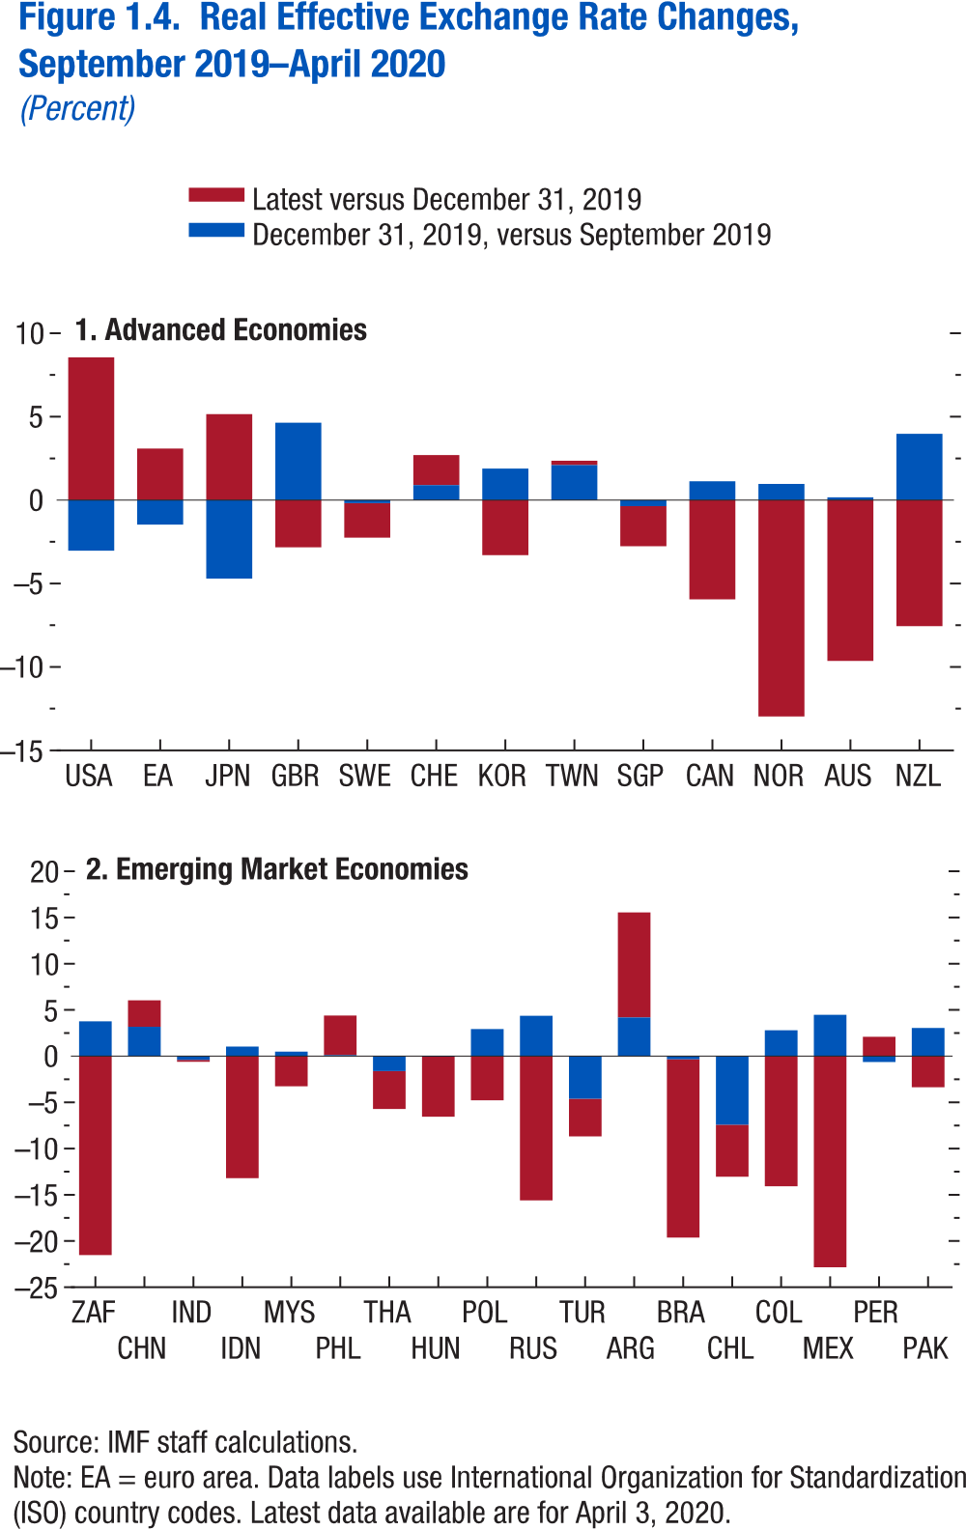
Figure 1.4. Real Effective Exchange Rate Changes: September 2019 - April 2020
(Percent)

1. Advanced Economies

 | December 31, 2019, versus September 2019 | Latest versus December 31, 2019
USA | -3.03 | 8.55
EA | -1.47 | 3.09
JPN | -4.71 | 5.15
GBR | 4.64 | -2.83
SWE | -0.18 | -2.07
CHE | 0.89 | 1.80
KOR | 1.89 | -3.30
TWN | 2.10 | 0.26
SGP | -0.37 | -2.40
CAN | 1.13 | -5.95
NOR | 0.97 | -12.97
AUS | 0.16 | -9.64
NZL | 3.97 | -7.56
...

Figure 1.5.
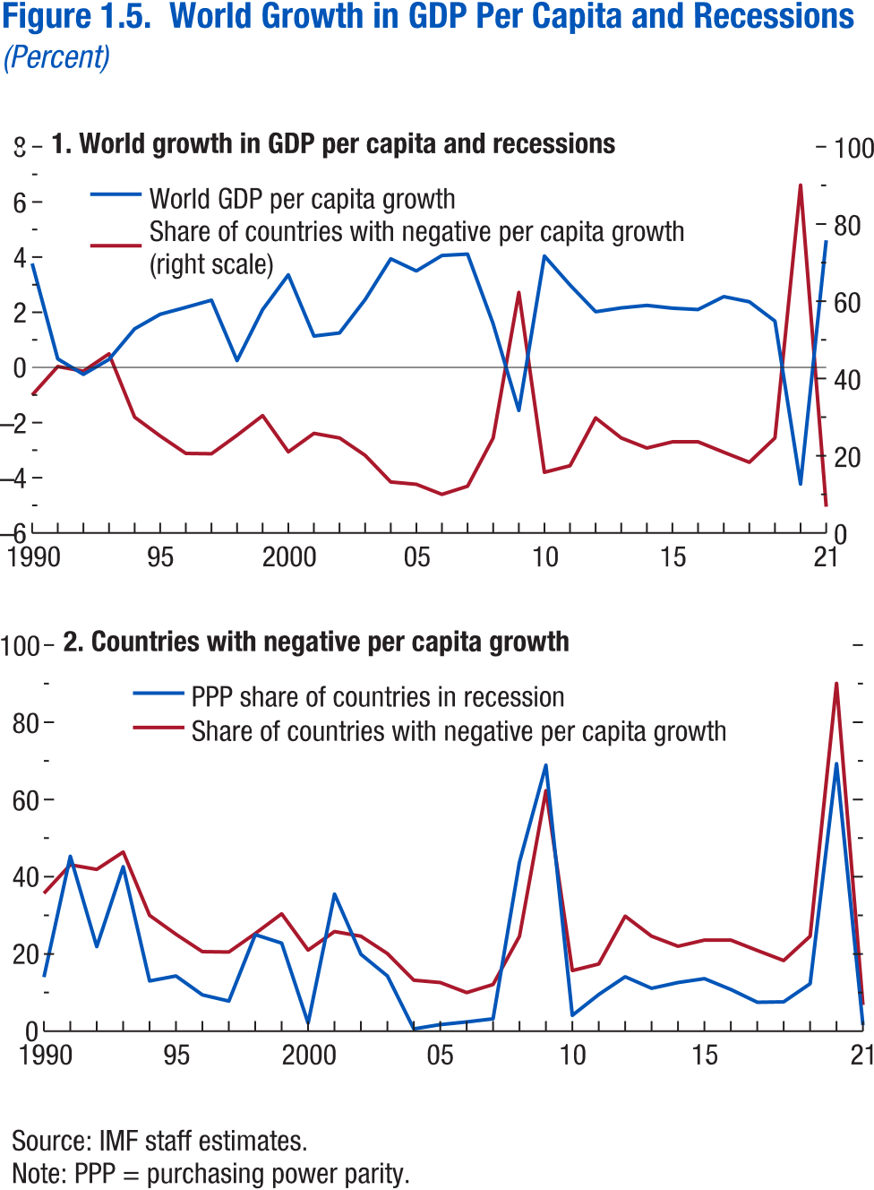
Figure 1.5. World Growth in GDP Per Capita and Recessions
(Percent)

1. World growth in GDP per capita and recessions

 | World GDP per capita growth | Share of countries with negative per capita growth (right scale)
1990 | 3.77 | 35.70
1991 | 0.31 | 43.10
1992 | -0.25 | 41.90
1993 | 0.29 | 46.40
1994 | 1.40 | 30.00
1995 | 1.93 | 25.10
1996 | 2.18 | 20.60
1997 | 2.44 | 20.50
1998 | 0.25 | 25.30
1999 | 2.10 | 30.40
2000 | 3.36 | 21.00
2001 | 1.14 | 25.80
2002 | 1.25 | 24.60
2003 | 2.46 | 20.10
2004 | 3.94 | 13.20
2005 | 3.50 | 12.60
2006 | 4.06 | 10.00
2007 | 4.11 | 12.10
2008 | 1.58 | 24.60
2009 | -1.56 | 62.30
2010 | 4.04 | 15.70
2011 | 2.99 | 17.40
2012 | 2.02 | 29.80
2013 | 2.16 | 24.60
2014 | 2.25 | 22.00
2015 | 2.15 | 23.60
2016 | 2.10 | 23.60
...

Figure 1.6.
2. Change in Fiscal Balance Ratio: 2015–16
(Percent of GDP)
… driven by declining revenues in commodity exporters.
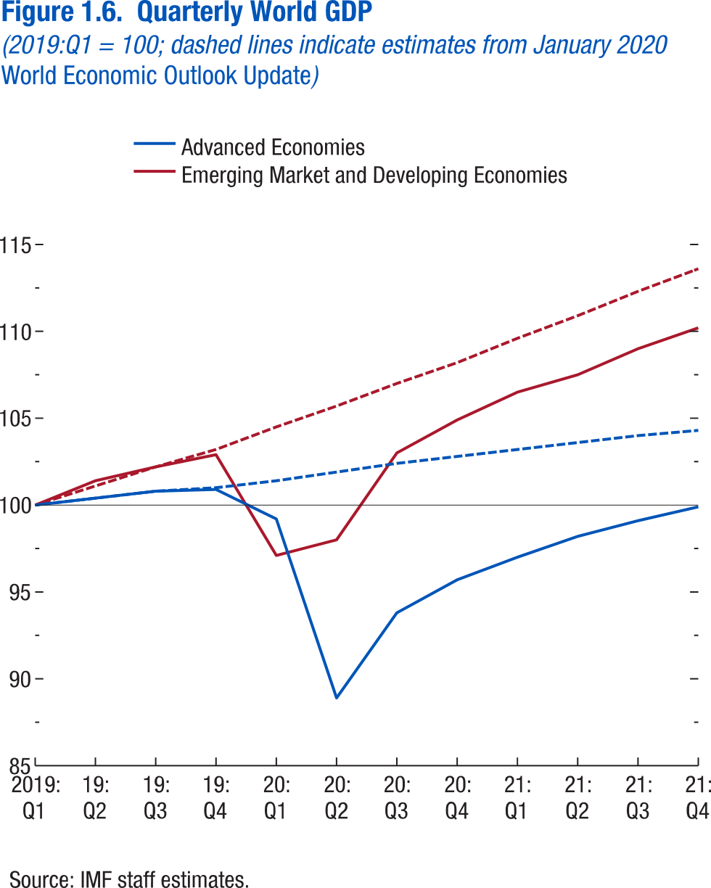
Figure 1.6. Quarterly World GDP
(2019: Q1 = 100; dashed lines indicated estimates from January 2020 World Economic Outlook Update)

 | Advanced Economies | Advanced Economies | Emerging Market and Developing Economies | Emerging Market and Developing Economies
 | April 2020 WEO | January 2020 WEO Update | April 2020 WEO | January 2020 WEO Update
2019: Q1 | 100.00 | 100.00 | 100.00 | 100.00
2019: Q2 | 100.40 | 100.40 | 101.40 | 101.10
2019: Q3 | 100.80 | 100.80 | 102.20
2019: Q4 | 100.90 | 101.00 | 102.90
2020: Q1 | 99.20 | 101.40 | 97.10
2020: Q2 | 88.90 | 101.90 | 98.00
2020: Q3 | 93.80 | 102.40 | 103.00
2020: Q4 | 95.70 | 102.80 | 104.90
2021: Q1 | 97.00 | 103.20 | 106.50
2021: Q2 | 98.20 | 103.60 | 107.50
2021: Q3 | 99.10 | 104.00 | 109.00
2021: Q4 | 99.90 | 104.30 | 110.20

Figure 1.7.
Sources: Baker, Bloom, and Davis 2016; www.PolicyUncertainty.com.
Note: The global index is calculated as the GDP-weighted average of monthly index values for sample of 18 advanced, emerging market, and middle-income economies. Each monthly national index value is proportional to the share of own-country newspaper articles that discussed economic policy uncertainty in that month.
Figure 1.7. Global Economic Policy Uncertainty Index, 2007–16
Uncertainty about future economic policies has reached a decade high.
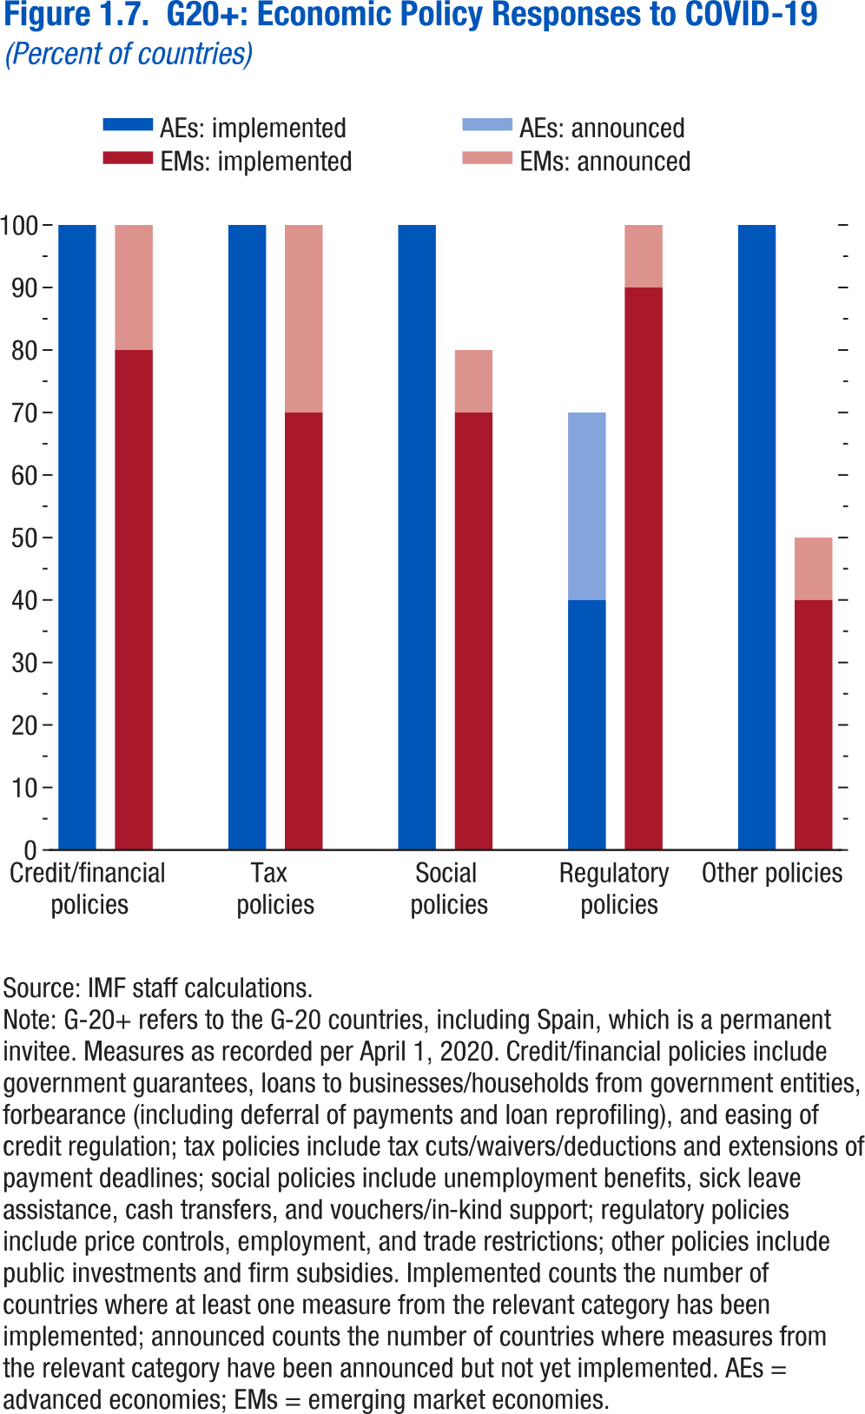
Figure 1.7. G20+: Economic Policy Responses to COVID-19
(Percent of countries)

 | Credit/financial policies | Tax policies | Social policies | Regulatory policies
Share of G20+s (AEs) with measures, percent | 100 | 100 | 100 | 70
Hereof,
Countries with implemented measures | 100 | 100 | 100 | 40
Countries only with announced measures | 0 | 0 | 0 | 30

Share of G20+s (EMs) with measures, percent | 100 | 100 | 80
Hereof,
Countries with implemented measures | 80 | 70 | 70
Countries only with announced measures | 20 | 30 | 10

Figure 1.SF.1.
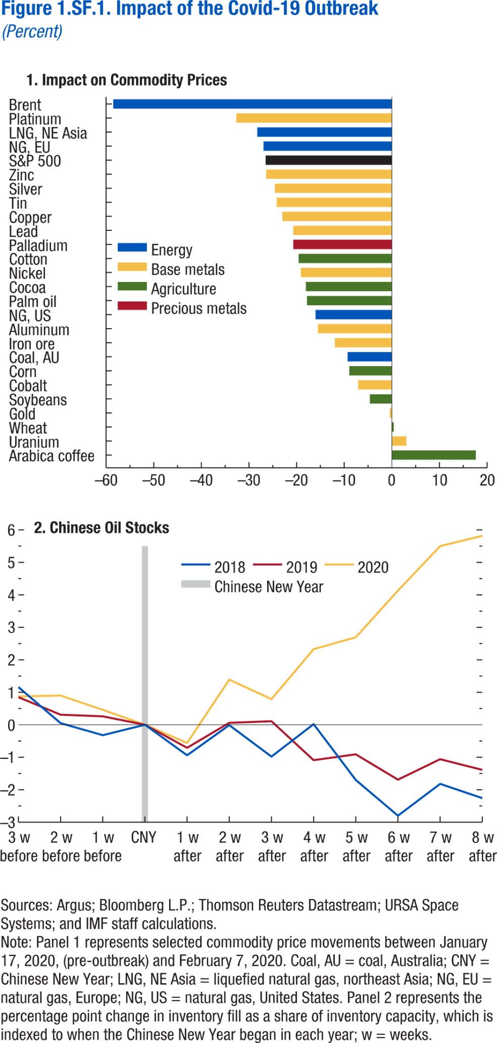
Figure 1.SF.1. Impact of the COVID-19 Outbreak
(Percent)

1. Impact on Commodity Prices |  | 2. Chinese Oil Stocks

Arabica coffee | 17.65
Uranium | 3.05 | 3 w before
Wheat | 0.40 | 2 w before
Gold | -0.44 | 1 w before
Soybeans | -4.62 | CNY
Cobalt | -7.08 | 1 w after
Corn | -8.94 | 2 w after
Coal, AU | -9.29 | 3 w after
Iron ore | -11.98 | 4 w after
Aluminum | -15.53 | 5 w after
NG, US | -16.02 | 6 w after
Palm oil | -17.83 | 7 w after
Cocoa | -18.05 | 8 w after
Nickel | -19.14
Cotton | -19.57
Palladium | -20.69
Lead | -20.69
Copper | -22.99
Tin | -24.18
Silver | -24.56
Zinc | -26.40
S&P 500 | -26.50
NG, EU | -26.94
LNG, NE Asia | -28.27
Platinum | -32.68
Brent | -58.51

Figure 1.SF.2.
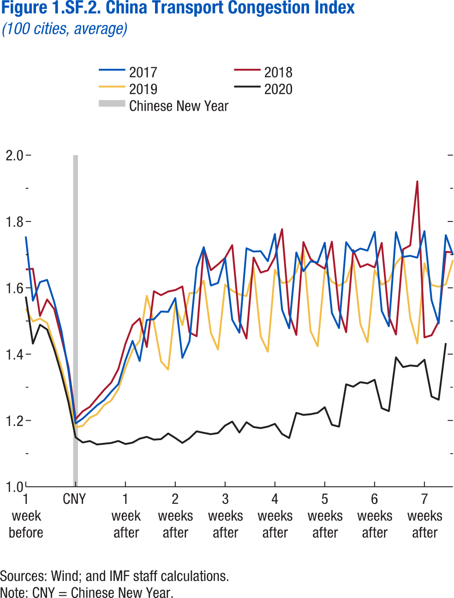
Figure 1.SF.2. China Transport Congestion Index
(100 cities, average)

 | 2017 | 2018 | 2019
1 week before | 1.75 | 1.66 | 1.54
1 week before | 1.56 | 1.66 | 1.5
1 week before | 1.62 | 1.52 | 1.51
1 week before | 1.62 | 1.56 | 1.49
1 week before | 1.56 | 1.54 | 1.43
CNY | 1.47 | 1.45 | 1.36
CNY | 1.35 | 1.36 | 1.28
CNY | 1.19 | 1.20 | 1.18
CNY | 1.21 | 1.23 | 1.18
CNY | 1.23 | 1.24 | 1.21
CNY | 1.25 | 1.27 | 1.22
CNY | 1.26 | 1.29 | 1.25
1 week after | 1.29 | 1.31 | 1.26
1 week after | 1.31 | 1.35 | 1.29
1 week after | 1.38 | 1.43 | 1.36
1 week after | 1.44 | 1.49 | 1.41
1 week after | 1.38 | 1.51 | 1.44
1 week after | 1.50 | 1.42 | 1.58
1 week after | 1.51 | 1.59 | 1.5
2 weeks after | 1.53 | 1.58 | 1.38
2 weeks after | 1.53 | 1.59 | 1.35
2 weeks after | 1.57 | 1.59 | 1.55
2 weeks after | 1.39 | 1.60 | 1.49
2 weeks after | 1.44 | 1.47 | 1.58
2 weeks after | 1.66 | 1.45 | 1.59
2 weeks after | 1.72 | 1.72 | 1.62
3 weeks after | 1.61 | 1.65 | 1.46
...

Figure 1.SF.3.
Figure 1.11. Measures of Infrastructure Access, 2015 or Latest Year Available
Better access to infrastructure, particularly among emerging market and
developing economies, is critical to support long-term growth.
Source: World Bank, World Development Indicator.
Note: Units vary to fit scale: Public education infrastructure is measured as secondary teachers per 1,000 persons; electricity production per capita as thousands of kilowatt-hours per person; roads per capita as kilometers per 1,000 persons; public health infrastructure as hospital beds per 1,000 persons; and access to treated water as percentage of the population. AEs = advanced economies; EMMIEs = emerging markets and middle-income economies; LIDCs = low-income developing economies.
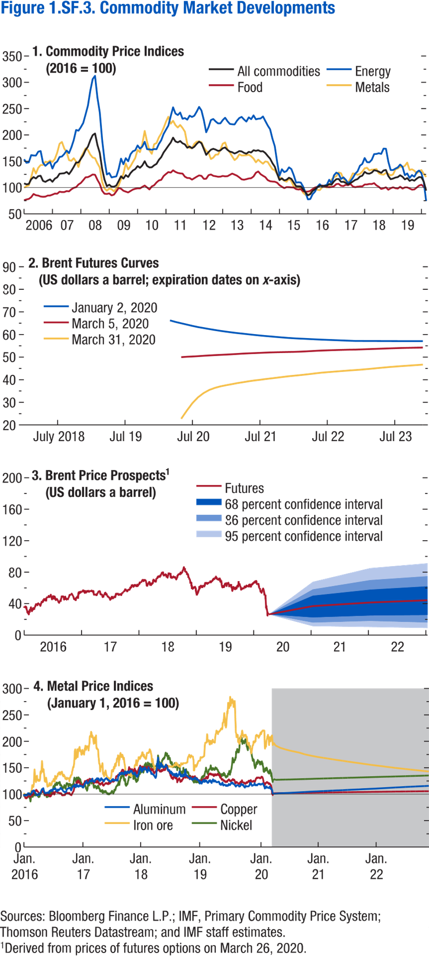
Figure 1.SF.3. Commodity Market Developments

1. Commodity Price Indices
(2016 = 100)

 | All commodities | Metals | Food
2006M1 | 107.91 | 99.70 | 75.85
2006M2 | 106.11 | 102.61 | 77.40
2006M3 | 106.83 | 104.00 | 78.34
2006M4 | 115.70 | 119.39 | 81.64
2006M5 | 119.89 | 136.90 | 87.82
2006M6 | 117.23 | 126.64 | 85.47
2006M7 | 121.71 | 137.66 | 84.69
2006M8 | 122.41 | 142.82 | 82.96
2006M9 | 112.61 | 142.88 | 82.46
2006M10 | 110.80 | 149.08 | 82.74
2006M11 | 113.44 | 148.02 | 84.74
2006M12 | 115.55 | 151.44 | 84.92
2007M1 | 110.95 | 148.68 | 86.57
2007M2 | 116.78 | 154.20 | 88.49
2007M3 | 119.50 | 166.32 | 88.28
2007M4 | 126.34 | 183.18 | 92.07
2007M5 | 126.75 | 186.78 | 91.34
2007M6 | 127.19 | 174.08 | 91.49
2007M7 | 129.72 | 167.72 | 93.30
2007M8 | 125.45 | 152.10 | 92.76
2007M9 | 131.78 | 150.84 | 96.64
2007M10 | 139.39 | 155.76 | 99.51
2007M11 | 147.67 | 149.16 | 100.74
2007M12 | 147.64 | 139.15 | 105.87
2008M1 | 154.45 | 156.90 | 108.71
2008M2 | 161.37 | 165.51 | 113.95
2008M3 | 171.38 | 174.41 | 119.46
2008M4 | 177.83 | 171.54 | 119.82
2008M5 | 189.89 | 162.70 | 122.03
2008M6 | 199.57 | 157.13 | 124.85
2008M7 | 202.80 | 155.87 | 124.28
2008M8 | 181.10 | 146.09 | 114.77
2008M9 | 165.92 | 138.07 | 106.98
2008M10 | 135.64 | 110.80 | 94.02
2008M11 | 115.08 | 98.34 | 88.27
2008M12 | 102.51 | 94.04 | 87.86
2009M1 | 105.37 | 97.94 | 88.88
2009M2 | 101.64 | 96.88 | 85.04
2009M3 | 101.66 | 92.76 | 86.55
2009M4 | 103.87 | 98.17 | 92.76
2009M5 | 112.43 | 104.04 | 99.23
2009M6 | 121.53 | 116.00 | 97.72
...

