WEO Chapter 2 Apr. 2020
 |  |  | 2020-04-14

International Monetary Fund
World Economic Outlook


April 2020

Chapter 2. Countering Future Recessions in Advanced Economies:
Cyclical Policies in an Era of Low Rates and High Debt

This datafile includes charts and underlying data from the Chapter 2 of the April 2020 World Economic Outlook. When using the data, please refer to the
IMF, World Economic Outlook, April 2020.

Disclaimer: Should there be any discrepancies with the print version, the latter represents the official version.

 | Please refer any questions to the WEO Data Forum: | https://forums.imf.org/

Figure 2.1.
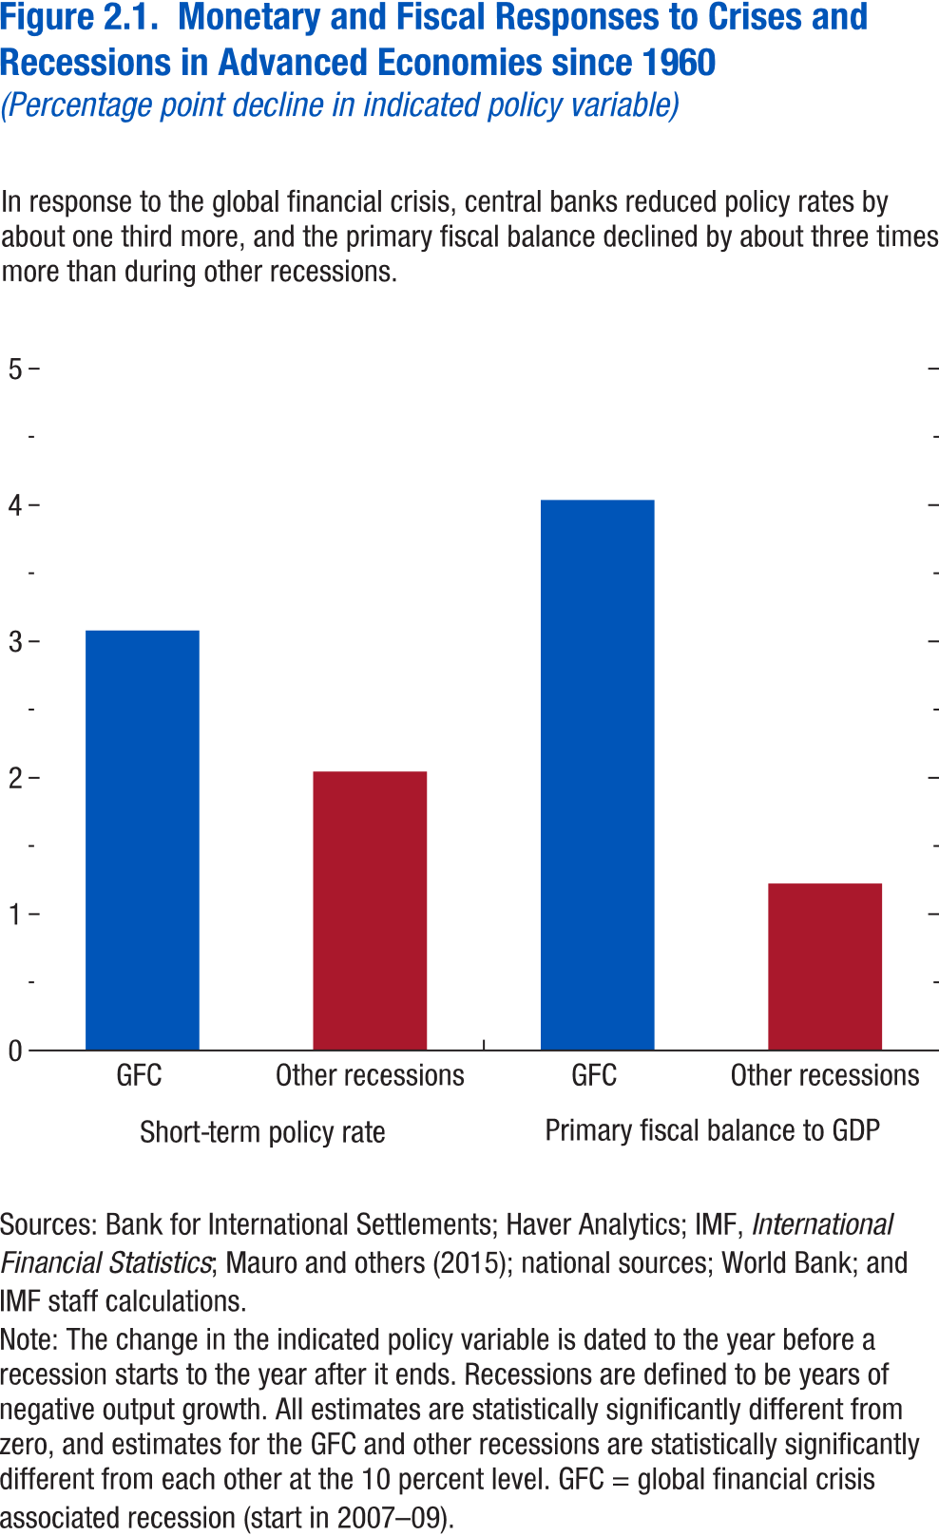
Figure 2.1. Monetary and Fiscal Responses to Crises and Recessions in Advanced Economies since 1960

Short-term policy rate |  | Primary fiscal balance to GDP
GFC | 3.080229 | GFC | 4.037257
Other recessions | 2.04565 | Other recessions | 1.224993

Figure 2.2.
Sources: Baker, Bloom, and Davis 2016; www.PolicyUncertainty.com.
Note: The global index is calculated as the GDP-weighted average of monthly index values for sample of 18 advanced, emerging market, and middle-income economies. Each monthly national index value is proportional to the share of own-country newspaper articles that discussed economic policy uncertainty in that month.
Figure 1.7. Global Economic Policy Uncertainty Index, 2007–16
Uncertainty about future economic policies has reached a decade high.
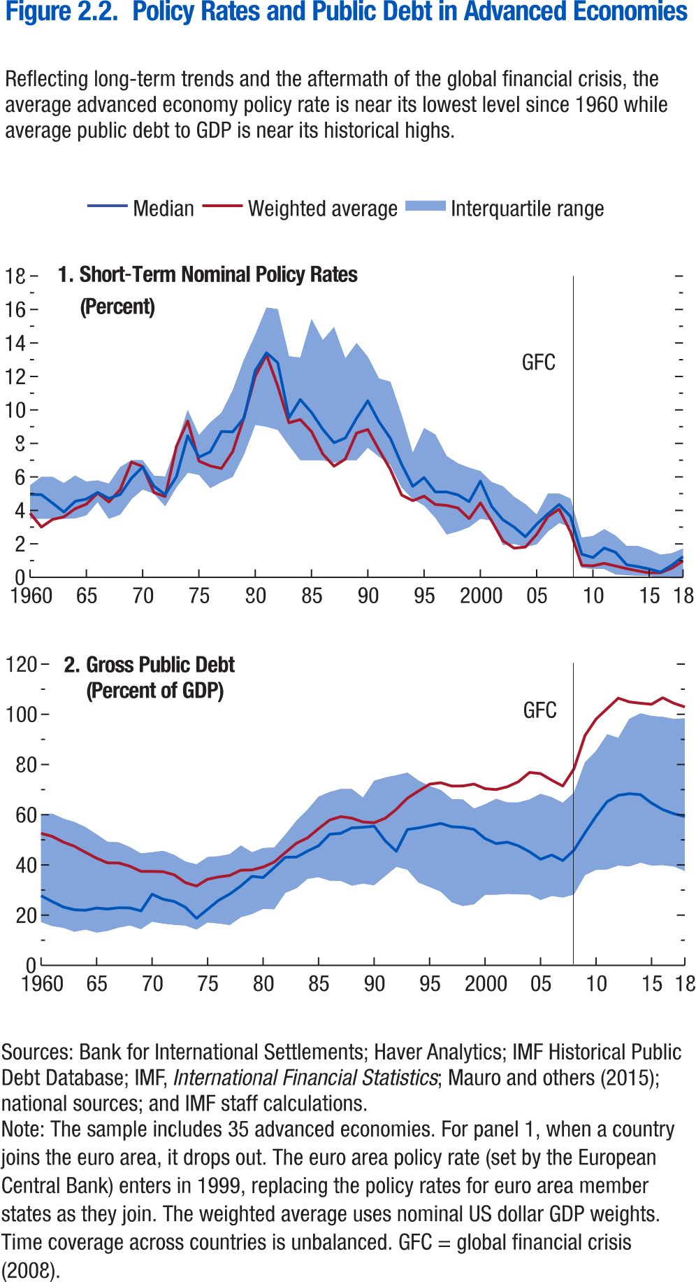
Figure 2.2. Policy Rates abd Public Debt in Advanced Economies

Panel 1 | Short-term policy rate |  |  |  |  | Panel 2 | Gross public debt
 | Time | Median | 25th percentile | 75th percentile | Weighted average |  | Time | Median | 25th percentile | 75th percentile | Weighted average
 | 1960 | 4.958333015 | 3.5 | 5.5 | 3.833774511 |  | 1960 | 27.7445755 | 17.29498482 | 59.94203568 | 52.57819366
 | 1961 | 4.9375 | 3.5 | 6 | 3.003858312 |  | 1961 | 25.41998291 | 15.68006229 | 60.45372009 | 51.37995529
 | 1962 | 4.43083334 | 3.5 | 6 | 3.463333724 |  | 1962 | 23.25475693 | 15 | 58 | 49.1031456
 | 1963 | 3.902500153 | 3.5 | 5.625 | 3.61160354 |  | 1963 | 22.15330315 | 13 | 57 | 47.43961334
 | 1964 | 4.541666985 | 3.520833254 | 6.083333492 | 4.102214396 |  | 1964 | 21.96205521 | 14 | 55 | 45.01345825
 | 1965 | 4.675000191 | 3.708333254 | 5.722499847 | 4.373612637 |  | 1965 | 22.84616089 | 13 | 52 | 42.67981339
 | 1966 | 5.073333263 | 4.5 | 5.791666508 | 5.034328294 |  | 1966 | 22.4324398 | 14 | 49 | 40.82961273
 | 1967 | 4.716666698 | 3.5 | 5.599999905 | 4.501543405 |  | 1967 | 22.96743011 | 15 | 49 | 40.77215576
 | 1968 | 4.945833206 | 3.75 | 6.583333492 | 5.242253441 |  | 1968 | 22.86610413 | 16 | 47 | 39.46578979
 | 1969 | 5.925833225 | 4.666666508 | 7 | 6.888028122 |  | 1969 | 21.69791794 | 14 | 45 | 37.43774414
 | 1970 | 6.599583626 | 5.25 | 7 | 6.623061622 |  | 1970 | 28.34085846 | 17 | 45 | 37.42796326
 | 1971 | 5.448744297 | 5 | 6.074999809 | 5.065854734 |  | 1971 | 26.33481979 | 17 | 46 | 37.30670166
 | 1972 | 4.945833206 | 4.25 | 6.020833492 | 4.828660686 |  | 1972 | 25.45642853 | 16 | 44 | 36.04699326
 | 1973 | 6.020833015 | 5.379452229 | 7.916666508 | 7.829060324 |  | 1973 | 23.15419769 | 16 | 41 | 32.96011353
 | 1974 | 8.455194473 | 6.25 | 10 | 9.339489567 |  | 1974 | 18.75752831 | 14 | 40 | 31.60261154
 | 1975 | 7.178424835 | 6.125 | 8.5 | 6.945319075 |  | 1975 | 22.3635273 | 17 | 43 | 34.31409836
 | 1976 | 7.5 | 5.333333492 | 9.25 | 6.657007969 |  | 1976 | 25.95764351 | 17 | 43 | 35.23122787
 | 1977 | 8.712499619 | 5.697500229 | 9.833333015 | 6.507882594 |  | 1977 | 28.44461632 | 16 | 44 | 35.81742096
 | 1978 | 8.689582825 | 6 | 11.17397213 | 8 |  | 1978 | 31.63625908 | 19 | 48 | 37.92224884
 | 1979 | 9.512499809 | 7.333333492 | 13 | 10 |  | 1979 | 35.47520447 | 20 | 45 | 38.02179337
 | 1980 | 12.35416603 | 9.110655785 | 14.49250031 | 12 |  | 1980 | 34.96902466 | 23 | 47 | 39.17185593
 | 1981 | 13 | 9 | 16 | 13 |  | 1981 | 38.95880127 | 22 | 47 | 41.15264511
 | 1982 | 13 | 9 | 16 | 11 |  | 1982 | 43.04984283 | 29 | 52 | 44.94797897
 | 1983 | 10 | 8 | 13 | 9 |  | 1983 | 43.15116501 | 31 | 58 | 48.65001678
 | 1984 | 11 | 7 | 13 | 9 |  | 1984 | 45.52066422 | 34 | 62 | 50.79547882
 | 1985 | 9.848958969 | 7 | 15.43424702 | 8.706061168 |  | 1985 | 47.65200806 | 35 | 67 | 54.45555496
 | 1986 | 8.842500687 | 7 | 14.16071415 | 7.364455486 |  | 1986 | 52.21840668 | 34 | 69 | 57.89627457
 | 1987 | 8.041666985 | 6.844166756 | 14.94999981 | 6.639470533 |  | 1987 | 52.5976181 | 34 | 70 | 59.24228287
 | 1988 | 8.322916031 | 7 | 13.0778656 | 7.067229509 |  | 1988 | 54.77830887 | 32 | 70 | 58.61940765
 | 1989 | 9.5 | 7 | 13.99708366 | 8.620792241 |  | 1989 | 54.98965073 | 33 | 67 | 57.12020874
 | 1990 | 10.54468727 | 7.75 | 13.17416668 | 8.833263168 |  | 1990 | 55.44883728 | 32 | 74 | 56.81550217
 | 1991 | 9.291666985 | 7.208333492 | 11.87397289 | 7.612751011 |  | 1991 | 49.60995483 | 36 | 75 | 58.60206223
 | 1992 | 8.305327415 | 6.729166508 | 11.6875 | 6.450508786 |  | 1992 | 45.42123413 | 39 | 76 | 62.1396637
 | 1993 | 6.75 | 5.375 | 9.708333015 | 4.918592599 |  | 1993 | 54.10829926 | 38 | 77 | 66.57507324
 | 1994 | 5.434583187 | 4.666666508 | 7.439725876 | 4.581807785 |  | 1994 | 54.75233078 | 33 | 74 | 69.44494629
 | 1995 | 5.959166527 | 4.289999962 | 8.916666985 | 4.851244618 |  | 1995 | 55.62566757 | 31 | 71 | 72.16732025
 | 1996 | 5.099999905 | 3.559999943 | 8.528688431 | 4.351117868 |  | 1996 | 56.55618286 | 29 | 70 | 72.75418854
 | 1997 | 5.104166508 | 2.5625 | 7.25 | 4.2991416 |  | 1997 | 55.21894836 | 25 | 66 | 71.41855621
 | 1998 | 4.927397251 | 2.75 | 6.808333397 | 4.144679272 |  | 1998 | 54.98575974 | 24 | 66 | 71.46874237
 | 1999 | 4.520833492 | 3 | 6.550000191 | 3.504092395 |  | 1999 | 54.14853668 | 24 | 62 | 72.21643829
 | 2000 | 5.75 | 3.5 | 6.345833302 | 4.447599848 |  | 2000 | 50.51711655 | 28 | 64 | 70.38522339
 | 2001 | 4.239583015 | 3.395833254 | 5.690833569 | 3.37376697 |  | 2001 | 48.5083046 | 28 | 66 | 70.02983093
 | 2002 | 3.435416698 | 1.9375 | 5.439166546 | 2.18623781 |  | 2002 | 49.08095932 | 28 | 65 | 71.13251495
 | 2003 | 3 | 2 | 4.8125 | 1.743050375 |  | 2003 | 47.64012146 | 28 | 65 | 73.15153503
 | 2004 | 2.427083492 | 1.818181872 | 4.369999886 | 1.81204955 |  | 2004 | 45.26107407 | 28 | 66 | 76.83956909
 | 2005 | 3.178333282 | 1.96875 | 3.747499943 | 2.566253328 |  | 2005 | 42.28384399 | 26 | 68 | 76.37206268
 | 2006 | 3.791666746 | 2.739043713 | 5 | 3.634264519 |  | 2006 | 43.96478653 | 28 | 67 | 73.74917603
 | 2007 | 4.354166508 | 3.25 | 5 | 4.072172827 |  | 2007 | 41.74383545 | 27 | 65 | 71.42059326
 | 2008 | 3.640000105 | 3 | 4.708333492 | 2.731650778 |  | 2008 | 45.86807251 | 28 | 69 | 78.22405243
 | 2009 | 1.385416746 | 0.572916627 | 2.375 | 0.720264678 |  | 2009 | 52.82619858 | 36 | 81 | 91.55950928
 | 2010 | 1.182291746 | 0.5 | 2.46875 | 0.68624984 |  | 2010 | 59.40029907 | 38 | 85 | 98.11562347
 | 2011 | 1.75 | 0.5 | 2.877500057 | 0.83966886 |  | 2011 | 65.22409058 | 38 | 92 | 102.2626266
 | 2012 | 1.5 | 0.180000007 | 2.5 | 0.678463459 |  | 2012 | 67.73256683 | 40 | 91 | 106.4237137
 | 2013 | 0.75 | 0.125 | 1.875 | 0.521219674 |  | 2013 | 68.36361694 | 39 | 98 | 104.9456787
 | 2014 | 0.639583349 | 0.100000001 | 1.875 | 0.384728592 |  | 2014 | 68.01298523 | 41 | 100 | 104.3983383
 | 2015 | 0.5 | 0.083333336 | 1.645833373 | 0.270697419 |  | 2015 | 64.63214874 | 40 | 99 | 103.984642
 | 2016 | 0.314999998 | 0.008333334 | 1.354166627 | 0.27513444 |  | 2016 | 62.05146027 | 40 | 99 | 106.6042557
 | 2017 | 0.722499967 | -0.050000001 | 1.4375 | 0.546948604 |  | 2017 | 60.406353 | 39 | 98 | 104.3983917
 | 2018 | 1.239583254 | -0.050000001 | 1.71875 | 0.978051462 |  | 2018 | 59.26198196 | 38 | 98 | 102.916626

 |  |  |  |  |  |  |  |  |  |  |  | 715 | 230
 |  |  |  |  |  |  |  |  |  |  |  | 685 | 228
 |  |  |  |  |  |  |  |  |  |  |  | 652 | 204
 |  |  |  |  |  |  |  |  |  |  |  | 667 | 204
 |  |  |  |  |  |  |  |  |  |  |  | 681 | 214
 |  |  |  |  |  |  |  |  |  |  |  | 761 | 234
 |  |  |  |  |  |  |  |  |  |  |  | 837 | 246
 |  |  |  |  |  |  |  |  |  |  |  | 759 | 232
 |  |  |  |  |  |  |  |  |  |  |  | 678 | 209
 |  |  |  |  |  |  |  |  |  |  |  | 755 | 220
 |  |  |  |  |  |  |  |  |  |  |  | 776 | 206
 |  |  |  |  |  |  |  |  |  |  |  | 814 | 179
 |  |  |  |  |  |  |  |  |  |  |  | 790 | 184
 |  |  |  |  |  |  |  |  |  |  |  | 711 | 168
 |  |  |  |  |  |  |  |  |  |  |  | 746 | 216
 |  |  |  |  |  |  |  |  |  |  |  | 673 | 211
 |  |  |  |  |  |  |  |  |  |  |  | 748 | 240
 |  |  |  |  |  |  |  |  |  |  |  | 738 | 267
 |  |  |  |  |  |  |  |  |  |  |  | 621 | 213
 |  |  |  |  |  |  |  |  |  |  |  | 558 | 190
 |  |  |  |  |  |  |  |  |  |  |  | 572 | 181
 |  |  |  |  |  |  |  |  |  |  |  | 563 | 184
 |  |  |  |  |  |  |  |  |  |  |  | 500 | 147
 |  |  |  |  |  |  |  |  |  |  |  | 496 | 153
 |  |  |  |  |  |  |  |  |  |  |  | 522 | 156
 |  |  |  |  |  |  |  |  |  |  |  | 601 | 200
 |  |  |  |  |  |  |  |  |  |  |  | 874 | 219
 |  |  |  |  |  |  |  |  |  |  |  | 803 | 191
 |  |  |  |  |  |  |  |  |  |  |  | 914 | 213
 |  |  |  |  |  |  |  |  |  |  |  | 762 | 200
 |  |  |  |  |  |  |  |  |  |  |  | 622 | 169
 |  |  |  |  |  |  |  |  |  |  |  | 615 | 183
 |  |  |  |  |  |  |  |  |  |  |  | 628 | 168
 |  |  |  |  |  |  |  |  |  |  |  | 576 | 170
 |  |  |  |  |  |  |  |  |  |  |  | 551 | 171
 |  |  |  |  |  |  |  |  |  |  |  | 465 | 132
 |  |  |  |  |  |  |  |  |  |  |  | 461 | 118
 |  |  |  |  |  |  |  |  |  |  |  | 458 | 120
 |  |  |  |  |  |  |  |  |  |  |  | 453 | 114
 |  |  |  |  |  |  |  |  |  |  |  | 408 | 94
 |  |  |  |  |  |  |  |  |  |  |  | 430 | 95
 |  |  |  |  |  |  |  |  |  |  |  | 408 | 87
 |  |  |  |  |  |  |  |  |  |  |  | 394 | 86
 |  |  |  |  |  |  |  |  |  |  |  | 347 | 86
 |  |  |  |  |  |  |  |  |  |  |  | 374 | 90
 |  |  |  |  |  |  |  |  |  |  |  | 384 | 87
 |  |  |  |  |  |  |  |  |  |  |  | 361 | 86
 |  |  |  |  |  |  |  |  |  |  |  | 412 | 89
 |  |  |  |  |  |  |  |  |  |  |  | 483 | 92
 |  |  |  |  |  |  |  |  |  |  |  | 450 | 83
 |  |  |  |  |  |  |  |  |  |  |  | 423 | 80
 |  |  |  |  |  |  |  |  |  |  |  | 372 | 74
 |  |  |  |  |  |  |  |  |  |  |  | 340 | 78
 |  |  |  |  |  |  |  |  |  |  |  | 337 | 81
 |  |  |  |  |  |  |  |  |  |  |  | 293 | 73
 |  |  |  |  |  |  |  |  |  |  |  | 264 | 69
 |  |  |  |  |  |  |  |  |  |  |  | 280 | 60
 |  |  |  |  |  |  |  |  |  |  |  | 247 | 59
 |  |  |  |  |  |  |  |  |  |  |  | 309 | 71
 |  |  |  |  |  |  |  |  |  |  |  | 352 | 72
 |  |  |  |  |  |  |  |  |  |  |  | 315 | 68
 |  |  |  |  |  |  |  |  |  |  |  | 298 | 60
 |  |  |  |  |  |  |  |  |  |  |  | 268 | 56
 |  |  |  |  |  |  |  |  |  |  |  | 307 | 65
 |  |  |  |  |  |  |  |  |  |  |  | 240 | 60
 |  |  |  |  |  |  |  |  |  |  |  | 261 | 74
 |  |  |  |  |  |  |  |  |  |  |  | 243 | 74
 |  |  |  |  |  |  |  |  |  |  |  | 257 | 80
 |  |  |  |  |  |  |  |  |  |  |  | 208 | 73
 |  |  |  |  |  |  |  |  |  |  |  | 185 | 67
 |  |  |  |  |  |  |  |  |  |  |  | 216 | 81
 |  |  |  |  |  |  |  |  |  |  |  | 205 | 79
 |  |  |  |  |  |  |  |  |  |  |  | 217 | 85
 |  |  |  |  |  |  |  |  |  |  |  | 242 | 95
 |  |  |  |  |  |  |  |  |  |  |  | 211 | 88
 |  |  |  |  |  |  |  |  |  |  |  | 211 | 87
 |  |  |  |  |  |  |  |  |  |  |  | 212 | 87
 |  |  |  |  |  |  |  |  |  |  |  | 197 | 79
 |  |  |  |  |  |  |  |  |  |  |  | 202 | 75
 |  |  |  |  |  |  |  |  |  |  |  | 156 | 66
 |  |  |  |  |  |  |  |  |  |  |  | 159 | 71
 |  |  |  |  |  |  |  |  |  |  |  | 182 | 69
 |  |  |  |  |  |  |  |  |  |  |  | 167 | 71
 |  |  |  |  |  |  |  |  |  |  |  | 158 | 68
 |  |  |  |  |  |  |  |  |  |  |  | 139 | 67
 |  |  |  |  |  |  |  |  |  |  |  | 156 | 74
 |  |  |  |  |  |  |  |  |  |  |  | 209 | 99
 |  |  |  |  |  |  |  |  |  |  |  | 203 | 97
 |  |  |  |  |  |  |  |  |  |  |  | 175 | 103
 |  |  |  |  |  |  |  |  |  |  |  | 167 | 96
 |  |  |  |  |  |  |  |  |  |  |  | 222 | 129
 |  |  |  |  |  |  |  |  |  |  |  | 210 | 143
 |  |  |  |  |  |  |  |  |  |  |  | 255 | 153
 |  |  |  |  |  |  |  |  |  |  |  | 267 | 161
 |  |  |  |  |  |  |  |  |  |  |  | 275 | 173
 |  |  |  |  |  |  |  |  |  |  |  | 220 | 164
 |  |  |  |  |  |  |  |  |  |  |  | 208 | 140
 |  |  |  |  |  |  |  |  |  |  |  | 250 | 171
 |  |  |  |  |  |  |  |  |  |  |  | 232 | 172
 |  |  |  |  |  |  |  |  |  |  |  | 248 | 168
 |  |  |  |  |  |  |  |  |  |  |  | 370 | 216
 |  |  |  |  |  |  |  |  |  |  |  | 627 | 423
 |  |  |  |  |  |  |  |  |  |  |  | 635 | 422
 |  |  |  |  |  |  |  |  |  |  |  | 590 | 414
 |  |  |  |  |  |  |  |  |  |  |  | 499 | 400
 |  |  |  |  |  |  |  |  |  |  |  | 555 | 374
 |  |  |  |  |  |  |  |  |  |  |  | 553 | 404
 |  |  |  |  |  |  |  |  |  |  |  | 475 | 303
 |  |  |  |  |  |  |  |  |  |  |  | 371 | 257
 |  |  |  |  |  |  |  |  |  |  |  | 384 | 259
 |  |  |  |  |  |  |  |  |  |  |  | 325 | 191
 |  |  |  |  |  |  |  |  |  |  |  | 320 | 224
 |  |  |  |  |  |  |  |  |  |  |  | 272 | 192
 |  |  |  |  |  |  |  |  |  |  |  | 261 | 196
 |  |  |  |  |  |  |  |  |  |  |  | 265 | 192
 |  |  |  |  |  |  |  |  |  |  |  | 200 | 146
 |  |  |  |  |  |  |  |  |  |  |  | 241 | 189
 |  |  |  |  |  |  |  |  |  |  |  | 238 | 176
 |  |  |  |  |  |  |  |  |  |  |  | 187 | 144
 |  |  |  |  |  |  |  |  |  |  |  | 197 | 159
 |  |  |  |  |  |  |  |  |  |  |  | 269 | 203
 |  |  |  |  |  |  |  |  |  |  |  | 287 | 211
 |  |  |  |  |  |  |  |  |  |  |  | 244 | 171
 |  |  |  |  |  |  |  |  |  |  |  | 261 | 170
 |  |  |  |  |  |  |  |  |  |  |  | 227 | 160
 |  |  |  |  |  |  |  |  |  |  |  | 192 | 136
 |  |  |  |  |  |  |  |  |  |  |  | 225 | 178
 |  |  |  |  |  |  |  |  |  |  |  | 190 | 149
 |  |  |  |  |  |  |  |  |  |  |  | 223 | 152
 |  |  |  |  |  |  |  |  |  |  |  | 209 | 158
 |  |  |  |  |  |  |  |  |  |  |  | 192 | 156
 |  |  |  |  |  |  |  |  |  |  |  | 199 | 162
 |  |  |  |  |  |  |  |  |  |  |  | 205 | 166
 |  |  |  |  |  |  |  |  |  |  |  | 199 | 149
 |  |  |  |  |  |  |  |  |  |  |  | 222 | 159
 |  |  |  |  |  |  |  |  |  |  |  | 267 | 192
 |  |  |  |  |  |  |  |  |  |  |  | 355 | 275
 |  |  |  |  |  |  |  |  |  |  |  | 302 | 217
 |  |  |  |  |  |  |  |  |  |  |  | 330 | 226
 |  |  |  |  |  |  |  |  |  |  |  | 346 | 221
 |  |  |  |  |  |  |  |  |  |  |  | 314 | 224
 |  |  |  |  |  |  |  |  |  |  |  | 293 | 195
 |  |  |  |  |  |  |  |  |  |  |  | 270 | 177
 |  |  |  |  |  |  |  |  |  |  |  | 271 | 187
 |  |  |  |  |  |  |  |  |  |  |  | 336 | 244
 |  |  |  |  |  |  |  |  |  |  |  | 294 | 202
 |  |  |  |  |  |  |  |  |  |  |  | 241 | 172
 |  |  |  |  |  |  |  |  |  |  |  | 234 | 158
 |  |  |  |  |  |  |  |  |  |  |  | 208 | 143
 |  |  |  |  |  |  |  |  |  |  |  | 214 | 127
 |  |  |  |  |  |  |  |  |  |  |  | 191 | 125
 |  |  |  |  |  |  |  |  |  |  |  | 178 | 114
 |  |  |  |  |  |  |  |  |  |  |  | 190 | 130
 |  |  |  |  |  |  |  |  |  |  |  | 202 | 141
 |  |  |  |  |  |  |  |  |  |  |  | 224 | 148
 |  |  |  |  |  |  |  |  |  |  |  | 204 | 133
 |  |  |  |  |  |  |  |  |  |  |  | 220 | 154
 |  |  |  |  |  |  |  |  |  |  |  | 269 | 183
 |  |  |  |  |  |  |  |  |  |  |  | 273 | 166
 |  |  |  |  |  |  |  |  |  |  |  | 322 | 185
 |  |  |  |  |  |  |  |  |  |  |  | 282 | 174
 |  |  |  |  |  |  |  |  |  |  |  | 264 | 162

 |  |  |  |  |  |  |  |  |  |  |  | 278 | 149
 |  |  |  |  |  |  |  |  |  |  |  | 295 | 176
 |  |  |  |  |  |  |  |  |  |  |  | 251 | 166
 |  |  |  |  |  |  |  |  |  |  |  | 267 | 155
 |  |  |  |  |  |  |  |  |  |  |  | 236 | 149
 |  |  |  |  |  |  |  |  |  |  |  | 222 | 132
 |  |  |  |  |  |  |  |  |  |  |  | 222 | 137
 |  |  |  |  |  |  |  |  |  |  |  | 215 | 132
 |  |  |  |  |  |  |  |  |  |  |  | 217 | 136
 |  |  |  |  |  |  |  |  |  |  |  | 241 | 142
 |  |  |  |  |  |  |  |  |  |  |  | 225 | 146

 |  |  |  |  |  |  |  |  |  |  |  | 238 | 170
 |  |  |  |  |  |  |  |  |  |  |  | 265 | 190
 |  |  |  |  |  |  |  |  |  |  |  | 251 | 150
 |  |  |  |  |  |  |  |  |  |  |  | 255 | 168
 |  |  |  |  |  |  |  |  |  |  |  | 255 | 165
 |  |  |  |  |  |  |  |  |  |  |  | 260 | 159
 |  |  |  |  |  |  |  |  |  |  |  | 265 | 166
 |  |  |  |  |  |  |  |  |  |  |  | 280 | 179
 |  |  |  |  |  |  |  |  |  |  |  | 319 | 187
 |  |  |  |  |  |  |  |  |  |  |  | 343 | 202
 |  |  |  |  |  |  |  |  |  |  |  | 287 | 178
 |  |  |  |  |  |  |  |  |  |  |  | 289 | 171
 |  |  |  |  |  |  |  |  |  |  |  | 317 | 175
 |  |  |  |  |  |  |  |  |  |  |  | 362 | 206
 |  |  |  |  |  |  |  |  |  |  |  | 353 | 199
 |  |  |  |  |  |  |  |  |  |  |  | 299 | 197
 |  |  |  |  |  |  |  |  |  |  |  | 281 | 183
 |  |  |  |  |  |  |  |  |  |  |  | 304 | 200
 |  |  |  |  |  |  |  |  |  |  |  | 293 | 200
 |  |  |  |  |  |  |  |  |  |  |  | 294 | 174
 |  |  |  |  |  |  |  |  |  |  |  | 258 | 153
 |  |  |  |  |  |  |  |  |  |  |  | 291 | 154
 |  |  |  |  |  |  |  |  |  |  |  | 282 | 155
 |  |  |  |  |  |  |  |  |  |  |  | 293 | 157
 |  |  |  |  |  |  |  |  |  |  |  | 276 | 159
 |  |  |  |  |  |  |  |  |  |  |  | 263 | 152
 |  |  |  |  |  |  |  |  |  |  |  | 242 | 130
 |  |  |  |  |  |  |  |  |  |  |  | 255 | 138
 |  |  |  |  |  |  |  |  |  |  |  | 254 | 138
 |  |  |  |  |  |  |  |  |  |  |  | 255 | 134
 |  |  |  |  |  |  |  |  |  |  |  | 255 | 132
 |  |  |  |  |  |  |  |  |  |  |  | 237 | 123
 |  |  |  |  |  |  |  |  |  |  |  | 244 | 130
 |  |  |  |  |  |  |  |  |  |  |  | 233 | 125
 |  |  |  |  |  |  |  |  |  |  |  | 237 | 109
 |  |  |  |  |  |  |  |  |  |  |  | 232 | 109
 |  |  |  |  |  |  |  |  |  |  |  | 232 | 108
 |  |  |  |  |  |  |  |  |  |  |  | 217 | 101
 |  |  |  |  |  |  |  |  |  |  |  | 226 | 120
 |  |  |  |  |  |  |  |  |  |  |  | 238 | 128
 |  |  |  |  |  |  |  |  |  |  |  | 242 | 130

Figure 2.3.
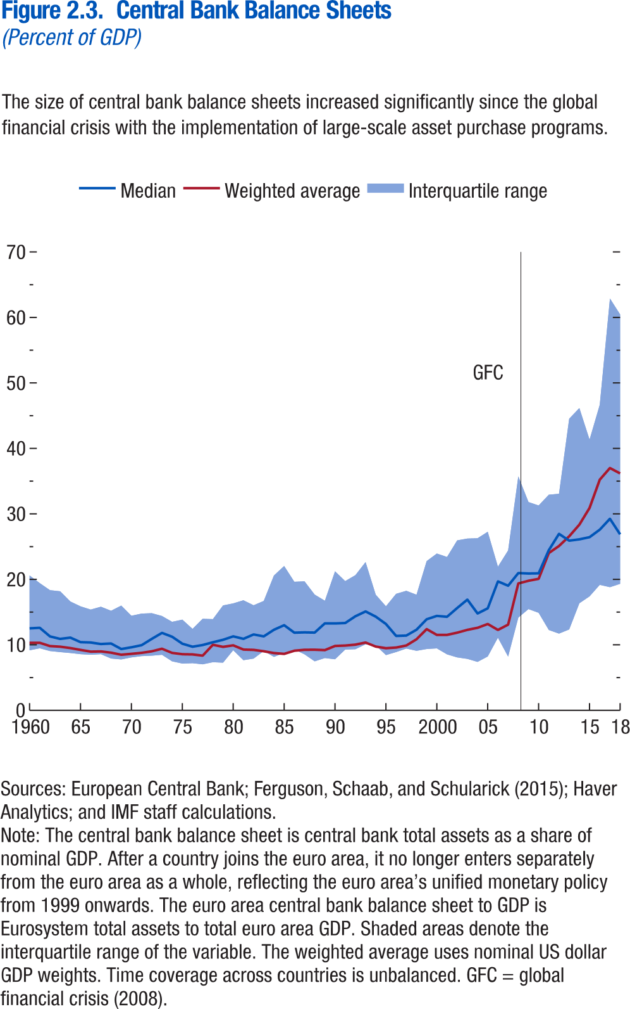
Figure 2.3. Central Bank Balance Sheets

Time | Median | 25th percentile | 75th percentile | Weighted average
1960 | 12.52321 | 9.175831 | 20.58799 | 10.31168
1961 | 12.59954 | 9.480175 | 19.43 | 10.32
1962 | 11.29314 | 9.059351 | 18.36 | 9.82
1963 | 10.90638 | 8.897892 | 18.18 | 9.72
1964 | 11.10772 | 8.759302 | 16.62 | 9.51
1965 | 10.41668 | 8.580505 | 15.88 | 9.23
1966 | 10.36089 | 8.487484 | 15.39 | 8.97
1967 | 10.13038 | 8.581543 | 15.82 | 9.00
1968 | 10.21165 | 7.921833 | 15.21 | 8.81
1969 | 9.364962 | 7.779929 | 16.00 | 8.49
1970 | 9.627872 | 8.083 | 14.44 | 8.63
1971 | 9.947767 | 8.284192 | 14.78 | 8.79
1972 | 10.9177 | 8.352188 | 14.84 | 9.02
1973 | 11.82836 | 8.485239 | 14.40 | 9.41
1974 | 11.243 | 7.488 | 13.52 | 8.77
1975 | 10.17403 | 7.146 | 13.85 | 8.57
1976 | 9.715963 | 7.202 | 12.45 | 8.54
1977 | 9.979748 | 7.03 | 13.98 | 8.36
1978 | 10.39499 | 7.3565 | 13.93 | 10.01
1979 | 10.77484 | 7.279037 | 16.02 | 9.69
1980 | 11.29715 | 9.19 | 16.33 | 9.93
1981 | 10.92 | 7.66 | 16.81 | 9.29
1982 | 11.59 | 7.90 | 16.05 | 9.23
1983 | 11.30 | 9.07 | 16.71 | 9.02
1984 | 12.31 | 8.18 | 20.59 | 8.75
1985 | 13.00354 | 8.759 | 22.046 | 8.621146
1986 | 11.86466 | 9.295 | 19.63492 | 9.105911
1987 | 11.91016 | 8.559 | 19.69812 | 9.245373
1988 | 11.87371 | 7.485213 | 17.67238 | 9.25675
1989 | 13.28346 | 7.986448 | 16.7377 | 9.201501
1990 | 13.26927 | 7.802145 | 21.234 | 9.835028
1991 | 13.3338 | 9.28536 | 19.7405 | 9.89688
1992 | 14.36698 | 9.338848 | 20.639 | 10.03505
1993 | 15.10184 | 10.08507 | 22.642 | 10.35824
1994 | 14.31423 | 9.928324 | 17.665 | 9.737242
1995 | 13.186 | 8.444 | 15.887 | 9.488211
1996 | 11.36534 | 8.903 | 17.79787 | 9.591129
1997 | 11.42346 | 9.442552 | 18.251 | 9.899919
1998 | 12.31 | 9.093347 | 17.658 | 10.85209
1999 | 13.913 | 9.369 | 22.795 | 12.4039
2000 | 14.421 | 9.46 | 23.945 | 11.52146
2001 | 14.29 | 8.546 | 23.4235 | 11.5257
2002 | 15.633 | 8.08 | 25.958 | 11.8614
2003 | 16.915 | 7.862 | 26.24 | 12.29622
2004 | 14.798 | 7.401 | 26.281 | 12.6062
2005 | 15.581 | 8.226 | 27.268 | 13.19203
2006 | 19.68649 | 11.104 | 21.931 | 12.28236
2007 | 19.0295 | 8.21 | 24.417 | 13.09078
2008 | 20.96628 | 14.167 | 35.73 | 19.38047
2009 | 20.89547 | 15.462 | 31.811 | 19.78798
2010 | 20.91858 | 14.89908 | 31.285 | 20.08348
2011 | 24.47217 | 12.27184 | 32.928 | 24.01953
2012 | 26.95432 | 11.725 | 33.068 | 25.09498
2013 | 25.915 | 12.35939 | 44.533 | 26.58089
2014 | 26.1165 | 16.35176 | 46.166 | 28.36356
2015 | 26.44905 | 17.40676 | 41.341 | 30.90556
2016 | 27.592 | 19.169 | 46.661 | 35.22477
2017 | 29.258 | 18.816 | 62.896 | 37.00538
2018 | 26.875 | 19.321 | 60.464 | 36.17737

Figure 2.4.
Figure 1.4. Fiscal Trends in Emerging Market and Middle-Income Economies
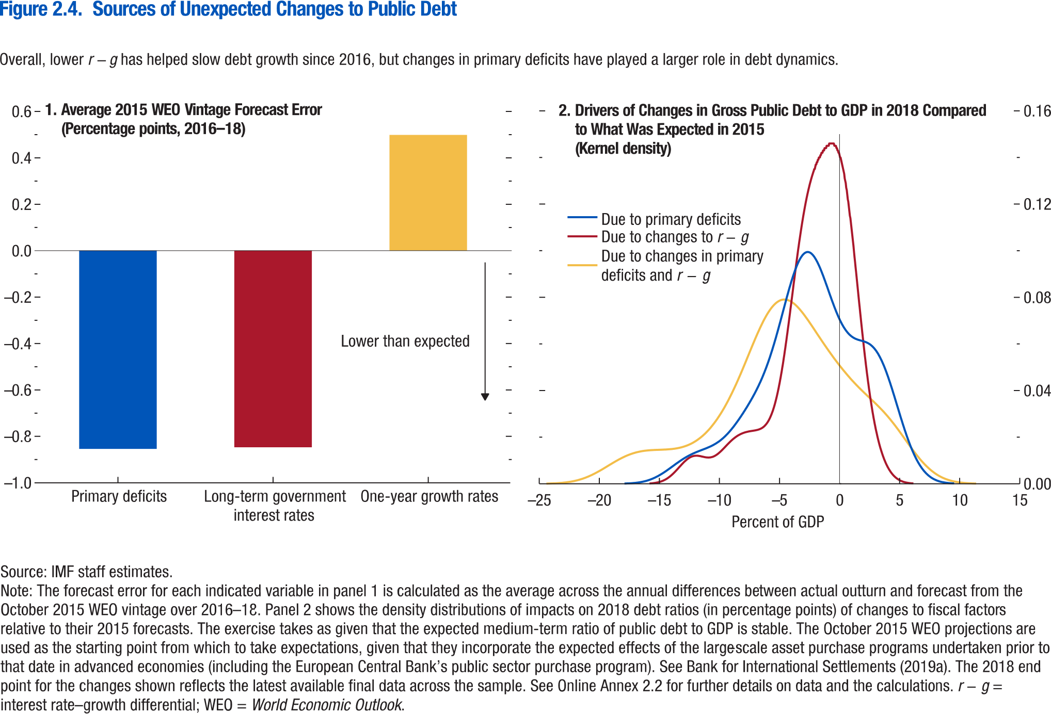
Figure 2.4. Sources of Unexpected Changes to Public Debt

2. Average Real GDP Growth: 2001–11 versus 2012–16
(Percent)
1. General Government Overall Balance, 2008–21
(Percent of GDP)

Panel 1 Average 2015 WEO vintage forecast error |  | Panel 2 Drivers of changes in gtod public debt to GDP in 2018 compared to what was expected in 2015
Primary deficits | -0.85396 | Due to primary deficits | surp.y | Due to changes to r − g | rmg.y | Due to changes in primary deficits and r − g | total.y
One-year growth rates | 0.499024 | -17.9062 | 0.0000907 | -15.8236 | 0.000127 | -24.4068 | 0.0000757
Long-term government interest rates | -0.84701 | -17.8525 | 0.0000994 | -15.7807 | 0.000141 | -24.3368 | 0.0000837
 |  | -17.7988 | 0.000109 | -15.7377 | 0.000156 | -24.2668 | 0.0000923
 |  | -17.7451 | 0.00012 | -15.6947 | 0.000174 | -24.1968 | 0.000102
 |  | -17.6914 | 0.000131 | -15.6517 | 0.000192 | -24.1268 | 0.000112
 |  | -17.6377 | 0.000143 | -15.6087 | 0.000212 | -24.0567 | 0.000123
 |  | -17.584 | 0.000156 | -15.5657 | 0.000234 | -23.9867 | 0.000136
 |  | -17.5303 | 0.000171 | -15.5227 | 0.000258 | -23.9167 | 0.000149
 |  | -17.4766 | 0.000186 | -15.4797 | 0.000284 | -23.8467 | 0.000163
 |  | -17.4228 | 0.000203 | -15.4367 | 0.000312 | -23.7767 | 0.000179
 |  | -17.3691 | 0.000221 | -15.3937 | 0.000343 | -23.7066 | 0.000196
 |  | -17.3154 | 0.00024 | -15.3508 | 0.000376 | -23.6366 | 0.000214
 |  | -17.2617 | 0.000261 | -15.3078 | 0.000412 | -23.5666 | 0.000234
4. Emerging Market and Middle-Income Economies: Decomposition of Change in Debt Ratio between 2014 and 2015²
(Percentage points)
3. Capital Flows in G20 Emerging Market and Middle-Income Economies¹, 2000–15
(Percent of GDP)
 |  | -17.208 | 0.000283 | -15.2648 | 0.000451 | -23.4966 | 0.000256
 |  | -17.1543 | 0.000307 | -15.2218 | 0.000493 | -23.4266 | 0.000279
 |  | -17.1006 | 0.000332 | -15.1788 | 0.000538 | -23.3565 | 0.000303
 |  | -17.0469 | 0.000359 | -15.1358 | 0.000587 | -23.2865 | 0.00033
 |  | -16.9932 | 0.000389 | -15.0928 | 0.000639 | -23.2165 | 0.000359
 |  | -16.9395 | 0.00042 | -15.0498 | 0.000694 | -23.1465 | 0.000389
 |  | -16.8858 | 0.000453 | -15.0068 | 0.000755 | -23.0764 | 0.000422
 |  | -16.8321 | 0.000489 | -14.9638 | 0.000819 | -23.0064 | 0.000457
 |  | -16.7784 | 0.000526 | -14.9208 | 0.000886 | -22.9364 | 0.000494
 |  | -16.7247 | 0.000566 | -14.8779 | 0.000959 | -22.8664 | 0.000535
 |  | -16.671 | 0.000609 | -14.8349 | 0.001037 | -22.7964 | 0.000578
 |  | -16.6173 | 0.000654 | -14.7919 | 0.001119 | -22.7263 | 0.000623
 |  | -16.5636 | 0.000701 | -14.7489 | 0.001206 | -22.6563 | 0.000671
 |  | -16.5099 | 0.000752 | -14.7059 | 0.001299 | -22.5863 | 0.000723
 |  | -16.4562 | 0.000806 | -14.6629 | 0.001397 | -22.5163 | 0.000777
 |  | -16.4025 | 0.000862 | -14.6199 | 0.0015 | -22.4463 | 0.000835
 |  | -16.3488 | 0.000922 | -14.5769 | 0.00161 | -22.3762 | 0.000896
5. Oil Exporters in 2015: Currency Depreciation versus Revenue Ratio Decline
6. Gulf Region: Sovereign Wealth Funds and Foreign Reserve Assets³
(U.S. dollars, billion)
 |  | -16.2951 | 0.000984 | -14.5339 | 0.001725 | -22.3062 | 0.00096
 |  | -16.2414 | 0.00105 | -14.4909 | 0.001844 | -22.2362 | 0.00103
 |  | -16.1877 | 0.00112 | -14.448 | 0.001972 | -22.1662 | 0.0011
 |  | -16.134 | 0.001192 | -14.405 | 0.002105 | -22.0962 | 0.001176
 |  | -16.0803 | 0.001268 | -14.362 | 0.002243 | -22.0261 | 0.001256
Sources: Sovereign Wealth Fund Institute; and IMF staff estimates.
Note: For a list of countries in the emerging market and middle-income economies, see Table A in the Methodological and Statistical Appendix. Data labels in the figure use International Organization for Standardization (ISO) country codes. EMMIEs = emerging market and middle-income economies; G20 = group of 20; Δdebt/y = annual change in gross debt to GDP; r minus g = Interest-growth rate differential.
¹ Capital inflows are net purchases of domestic assets by nonresidents. Capital outflows are net purchases of foreign assets by domestic residents. Emerging market and middle-income economies in the G20 include Argentina, Brazil, China, India, Indonesia, Mexico, Russia, Saudi Arabia, South Africa, and Turkey. 2015 figure includes data available up to Q3, and excludes Argentina due to unavailability of GDP figure. Numbers are aggregated over the sample of G20 EMMIEs using the simple average method.
² Average contributions over the sample of EMMIEs using the simple average method.
³ Gulf region includes Kuwait, Oman, Saudi Arabia, Qatar, and United Arab Emirates.
 |  | -16.0266 | 0.001349 | -14.319 | 0.00239 | -21.9561 | 0.00134
 |  | -15.9729 | 0.001432 | -14.276 | 0.002542 | -21.8861 | 0.001427
 |  | -15.9192 | 0.001519 | -14.233 | 0.002699 | -21.8161 | 0.001519
 |  | -15.8655 | 0.001612 | -14.19 | 0.002863 | -21.7461 | 0.001616
 |  | -15.8117 | 0.001707 | -14.147 | 0.003034 | -21.676 | 0.001717
 |  | -15.758 | 0.001805 | -14.104 | 0.003211 | -21.606 | 0.001821
 |  | -15.7043 | 0.00191 | -14.061 | 0.003393 | -21.536 | 0.001932
 |  | -15.6506 | 0.002017 | -14.018 | 0.003582 | -21.466 | 0.002046
 |  | -15.5969 | 0.002128 | -13.9751 | 0.003777 | -21.396 | 0.002164
 |  | -15.5432 | 0.002244 | -13.9321 | 0.003976 | -21.3259 | 0.002288
 |  | -15.4895 | 0.002364 | -13.8891 | 0.004183 | -21.2559 | 0.002417
 |  | -15.4358 | 0.002487 | -13.8461 | 0.004394 | -21.1859 | 0.002549
 |  | -15.3821 | 0.002616 | -13.8031 | 0.004609 | -21.1159 | 0.002687
 |  | -15.3284 | 0.002748 | -13.7601 | 0.00483 | -21.0458 | 0.00283
 |  | -15.2747 | 0.002884 | -13.7171 | 0.005056 | -20.9758 | 0.002976
 |  | -15.221 | 0.003026 | -13.6741 | 0.005284 | -20.9058 | 0.003128
 |  | -15.1673 | 0.00317 | -13.6311 | 0.005517 | -20.8358 | 0.003285
 |  | -15.1136 | 0.003318 | -13.5881 | 0.005753 | -20.7658 | 0.003445
 |  | -15.0599 | 0.003472 | -13.5452 | 0.005992 | -20.6957 | 0.003611
 |  | -15.0062 | 0.003628 | -13.5022 | 0.006232 | -20.6257 | 0.003781
 |  | -14.9525 | 0.003788 | -13.4592 | 0.006476 | -20.5557 | 0.003954
 |  | -14.8988 | 0.003953 | -13.4162 | 0.00672 | -20.4857 | 0.004133
 |  | -14.8451 | 0.00412 | -13.3732 | 0.006965 | -20.4157 | 0.004315
 |  | -14.7914 | 0.004291 | -13.3302 | 0.00721 | -20.3456 | 0.004501
 |  | -14.7377 | 0.004465 | -13.2872 | 0.007455 | -20.2756 | 0.004691
 |  | -14.684 | 0.004643 | -13.2442 | 0.007699 | -20.2056 | 0.004884
 |  | -14.6303 | 0.004823 | -13.2012 | 0.007941 | -20.1356 | 0.005081
 |  | -14.5766 | 0.005007 | -13.1582 | 0.008181 | -20.0656 | 0.005281
 |  | -14.5229 | 0.005193 | -13.1152 | 0.008419 | -19.9955 | 0.005484
 |  | -14.4692 | 0.005381 | -13.0723 | 0.008653 | -19.9255 | 0.00569
 |  | -14.4155 | 0.005573 | -13.0293 | 0.008883 | -19.8555 | 0.005897
 |  | -14.3618 | 0.005766 | -12.9863 | 0.009109 | -19.7855 | 0.006108
 |  | -14.3081 | 0.005961 | -12.9433 | 0.00933 | -19.7155 | 0.006321
 |  | -14.2544 | 0.006158 | -12.9003 | 0.009544 | -19.6454 | 0.006535
 |  | -14.2006 | 0.006356 | -12.8573 | 0.009753 | -19.5754 | 0.006751
 |  | -14.1469 | 0.006556 | -12.8143 | 0.009956 | -19.5054 | 0.006968
 |  | -14.0932 | 0.006757 | -12.7713 | 0.010149 | -19.4354 | 0.007186
 |  | -14.0395 | 0.006958 | -12.7283 | 0.010336 | -19.3654 | 0.007405
 |  | -13.9858 | 0.007161 | -12.6853 | 0.010515 | -19.2953 | 0.007624
 |  | -13.9321 | 0.007363 | -12.6424 | 0.010684 | -19.2253 | 0.007843
 |  | -13.8784 | 0.007566 | -12.5994 | 0.010844 | -19.1553 | 0.008063
 |  | -13.8247 | 0.007769 | -12.5564 | 0.010996 | -19.0853 | 0.008281
 |  | -13.771 | 0.007971 | -12.5134 | 0.011138 | -19.0153 | 0.008499
 |  | -13.7173 | 0.008173 | -12.4704 | 0.011267 | -18.9452 | 0.008716
 |  | -13.6636 | 0.008374 | -12.4274 | 0.011389 | -18.8752 | 0.008931
 |  | -13.6099 | 0.008574 | -12.3844 | 0.011501 | -18.8052 | 0.009145
 |  | -13.5562 | 0.008773 | -12.3414 | 0.011599 | -18.7352 | 0.009356
 |  | -13.5025 | 0.00897 | -12.2984 | 0.011689 | -18.6651 | 0.009565
 |  | -13.4488 | 0.009166 | -12.2554 | 0.011771 | -18.5951 | 0.009772
 |  | -13.3951 | 0.00936 | -12.2124 | 0.011837 | -18.5251 | 0.009977
 |  | -13.3414 | 0.009553 | -12.1695 | 0.011895 | -18.4551 | 0.010177
 |  | -13.2877 | 0.009742 | -12.1265 | 0.011945 | -18.3851 | 0.010376
 |  | -13.234 | 0.00993 | -12.0835 | 0.011982 | -18.315 | 0.01057
 |  | -13.1803 | 0.010115 | -12.0405 | 0.01201 | -18.245 | 0.01076
 |  | -13.1266 | 0.010297 | -11.9975 | 0.01203 | -18.175 | 0.010947
 |  | -13.0729 | 0.010477 | -11.9545 | 0.01204 | -18.105 | 0.01113
 |  | -13.0192 | 0.010654 | -11.9115 | 0.012041 | -18.035 | 0.011307
 |  | -12.9655 | 0.010828 | -11.8685 | 0.012035 | -17.9649 | 0.011481
 |  | -12.9118 | 0.010999 | -11.8255 | 0.012023 | -17.8949 | 0.011651
 |  | -12.8581 | 0.011166 | -11.7825 | 0.012001 | -17.8249 | 0.011814
 |  | -12.8044 | 0.01133 | -11.7396 | 0.011974 | -17.7549 | 0.011973
 |  | -12.7507 | 0.011492 | -11.6966 | 0.011943 | -17.6849 | 0.012129
 |  | -12.697 | 0.01165 | -11.6536 | 0.011905 | -17.6148 | 0.012277
 |  | -12.6433 | 0.011804 | -11.6106 | 0.011863 | -17.5448 | 0.01242
 |  | -12.5896 | 0.011955 | -11.5676 | 0.011819 | -17.4748 | 0.01256
 |  | -12.5358 | 0.012103 | -11.5246 | 0.011771 | -17.4048 | 0.012692
 |  | -12.4821 | 0.012247 | -11.4816 | 0.011721 | -17.3348 | 0.012819
 |  | -12.4284 | 0.012389 | -11.4386 | 0.011671 | -17.2647 | 0.012942
 |  | -12.3747 | 0.012527 | -11.3956 | 0.01162 | -17.1947 | 0.013059
 |  | -12.321 | 0.012661 | -11.3526 | 0.011569 | -17.1247 | 0.01317
 |  | -12.2673 | 0.012794 | -11.3096 | 0.01152 | -17.0547 | 0.013277
 |  | -12.2136 | 0.012923 | -11.2667 | 0.011473 | -16.9847 | 0.013377
 |  | -12.1599 | 0.013048 | -11.2237 | 0.011429 | -16.9146 | 0.013472
 |  | -12.1062 | 0.013172 | -11.1807 | 0.011389 | -16.8446 | 0.013563
 |  | -12.0525 | 0.013293 | -11.1377 | 0.011351 | -16.7746 | 0.013648
 |  | -11.9988 | 0.013411 | -11.0947 | 0.011321 | -16.7046 | 0.013728
 |  | -11.9451 | 0.013528 | -11.0517 | 0.011295 | -16.6345 | 0.013804
 |  | -11.8914 | 0.013642 | -11.0087 | 0.011275 | -16.5645 | 0.013875
 |  | -11.8377 | 0.013754 | -10.9657 | 0.011263 | -16.4945 | 0.01394
 |  | -11.784 | 0.013865 | -10.9227 | 0.011258 | -16.4245 | 0.014002
 |  | -11.7303 | 0.013974 | -10.8797 | 0.011261 | -16.3545 | 0.014059
 |  | -11.6766 | 0.014082 | -10.8368 | 0.011271 | -16.2844 | 0.014111
 |  | -11.6229 | 0.014189 | -10.7938 | 0.011293 | -16.2144 | 0.014161
 |  | -11.5692 | 0.014296 | -10.7508 | 0.011322 | -16.1444 | 0.014206
 |  | -11.5155 | 0.014401 | -10.7078 | 0.011359 | -16.0744 | 0.014247
 |  | -11.4618 | 0.014507 | -10.6648 | 0.011409 | -16.0044 | 0.014285
 |  | -11.4081 | 0.014612 | -10.6218 | 0.011468 | -15.9343 | 0.014321
 |  | -11.3544 | 0.014718 | -10.5788 | 0.011534 | -15.8643 | 0.014352
 |  | -11.3007 | 0.014825 | -10.5358 | 0.011615 | -15.7943 | 0.014381
 |  | -11.247 | 0.014932 | -10.4928 | 0.011704 | -15.7243 | 0.014408
 |  | -11.1933 | 0.01504 | -10.4498 | 0.011802 | -15.6543 | 0.014432
 |  | -11.1396 | 0.01515 | -10.4068 | 0.011911 | -15.5842 | 0.014453
 |  | -11.0859 | 0.015261 | -10.3639 | 0.012031 | -15.5142 | 0.014474
 |  | -11.0322 | 0.015375 | -10.3209 | 0.012159 | -15.4442 | 0.014492
 |  | -10.9785 | 0.01549 | -10.2779 | 0.012297 | -15.3742 | 0.014509
 |  | -10.9247 | 0.015608 | -10.2349 | 0.012446 | -15.3042 | 0.014524
 |  | -10.871 | 0.015729 | -10.1919 | 0.012602 | -15.2341 | 0.014539
 |  | -10.8173 | 0.015853 | -10.1489 | 0.012766 | -15.1641 | 0.014553
 |  | -10.7636 | 0.01598 | -10.1059 | 0.012941 | -15.0941 | 0.014566
 |  | -10.7099 | 0.016112 | -10.0629 | 0.013121 | -15.0241 | 0.014579
 |  | -10.6562 | 0.016247 | -10.0199 | 0.013308 | -14.9541 | 0.014592
 |  | -10.6025 | 0.016386 | -9.97694 | 0.013505 | -14.884 | 0.014605
 |  | -10.5488 | 0.01653 | -9.93395 | 0.013706 | -14.814 | 0.014619
 |  | -10.4951 | 0.016678 | -9.89096 | 0.013912 | -14.744 | 0.014633
 |  | -10.4414 | 0.016831 | -9.84797 | 0.014125 | -14.674 | 0.014648
 |  | -10.3877 | 0.016991 | -9.80498 | 0.014342 | -14.604 | 0.014664
 |  | -10.334 | 0.017155 | -9.76199 | 0.014562 | -14.5339 | 0.014682
 |  | -10.2803 | 0.017324 | -9.719 | 0.014787 | -14.4639 | 0.014701
 |  | -10.2266 | 0.017501 | -9.67601 | 0.015014 | -14.3939 | 0.014722
 |  | -10.1729 | 0.017682 | -9.63302 | 0.015243 | -14.3239 | 0.014746
 |  | -10.1192 | 0.01787 | -9.59003 | 0.015474 | -14.2538 | 0.014771
 |  | -10.0655 | 0.018065 | -9.54703 | 0.015707 | -14.1838 | 0.014799
 |  | -10.0118 | 0.018266 | -9.50404 | 0.01594 | -14.1138 | 0.01483
 |  | -9.95809 | 0.018473 | -9.46105 | 0.016173 | -14.0438 | 0.014864
 |  | -9.90439 | 0.018689 | -9.41806 | 0.016406 | -13.9738 | 0.0149
 |  | -9.85068 | 0.01891 | -9.37507 | 0.016637 | -13.9037 | 0.014941
 |  | -9.79698 | 0.019139 | -9.33208 | 0.016868 | -13.8337 | 0.014986
 |  | -9.74328 | 0.019376 | -9.28909 | 0.017096 | -13.7637 | 0.015034
 |  | -9.68957 | 0.019618 | -9.2461 | 0.017322 | -13.6937 | 0.015086
 |  | -9.63587 | 0.019868 | -9.20311 | 0.017545 | -13.6237 | 0.015144
 |  | -9.58217 | 0.020127 | -9.16012 | 0.017765 | -13.5536 | 0.015204
 |  | -9.52846 | 0.020391 | -9.11713 | 0.017981 | -13.4836 | 0.015271
 |  | -9.47476 | 0.020663 | -9.07414 | 0.018194 | -13.4136 | 0.015343
 |  | -9.42106 | 0.020944 | -9.03115 | 0.018404 | -13.3436 | 0.015419
 |  | -9.36735 | 0.02123 | -8.98816 | 0.018607 | -13.2736 | 0.015502
 |  | -9.31365 | 0.021523 | -8.94517 | 0.018806 | -13.2035 | 0.015591
 |  | -9.25995 | 0.021825 | -8.90218 | 0.019002 | -13.1335 | 0.015685
 |  | -9.20624 | 0.022132 | -8.85919 | 0.019191 | -13.0635 | 0.015785
 |  | -9.15254 | 0.022447 | -8.8162 | 0.019375 | -12.9935 | 0.015893
 |  | -9.09884 | 0.02277 | -8.77321 | 0.019554 | -12.9235 | 0.016007
 |  | -9.04513 | 0.023097 | -8.73022 | 0.019728 | -12.8534 | 0.016127
 |  | -8.99143 | 0.023432 | -8.68722 | 0.019895 | -12.7834 | 0.016256
 |  | -8.93773 | 0.023774 | -8.64423 | 0.020058 | -12.7134 | 0.016392
 |  | -8.88402 | 0.024121 | -8.60124 | 0.020214 | -12.6434 | 0.016533
 |  | -8.83032 | 0.024474 | -8.55825 | 0.020364 | -12.5734 | 0.016686
 |  | -8.77662 | 0.024834 | -8.51526 | 0.02051 | -12.5033 | 0.016845
 |  | -8.72291 | 0.025199 | -8.47227 | 0.02065 | -12.4333 | 0.017011
 |  | -8.66921 | 0.025569 | -8.42928 | 0.020782 | -12.3633 | 0.017188
 |  | -8.61551 | 0.025946 | -8.38629 | 0.02091 | -12.2933 | 0.017373
 |  | -8.5618 | 0.026326 | -8.3433 | 0.021034 | -12.2233 | 0.017565
 |  | -8.5081 | 0.026712 | -8.30031 | 0.02115 | -12.1532 | 0.017768
 |  | -8.4544 | 0.027104 | -8.25732 | 0.021261 | -12.0832 | 0.017981
 |  | -8.40069 | 0.027499 | -8.21433 | 0.021368 | -12.0132 | 0.0182
 |  | -8.34699 | 0.0279 | -8.17134 | 0.021469 | -11.9432 | 0.018432
 |  | -8.29329 | 0.028305 | -8.12835 | 0.021565 | -11.8731 | 0.018674
 |  | -8.23958 | 0.028714 | -8.08536 | 0.021656 | -11.8031 | 0.018923
 |  | -8.18588 | 0.029127 | -8.04237 | 0.021743 | -11.7331 | 0.019184
 |  | -8.13218 | 0.029545 | -7.99938 | 0.021824 | -11.6631 | 0.019456
 |  | -8.07847 | 0.029966 | -7.95639 | 0.021901 | -11.5931 | 0.019736
 |  | -8.02477 | 0.030392 | -7.9134 | 0.021975 | -11.523 | 0.020028
 |  | -7.97107 | 0.030822 | -7.87041 | 0.022043 | -11.453 | 0.020333
 |  | -7.91736 | 0.031255 | -7.82741 | 0.022108 | -11.383 | 0.020646
 |  | -7.86366 | 0.031693 | -7.78442 | 0.02217 | -11.313 | 0.020969
 |  | -7.80996 | 0.032135 | -7.74143 | 0.022227 | -11.243 | 0.021307
 |  | -7.75625 | 0.032581 | -7.69844 | 0.022281 | -11.1729 | 0.021654
 |  | -7.70255 | 0.033031 | -7.65545 | 0.022332 | -11.1029 | 0.022011
 |  | -7.64885 | 0.033486 | -7.61246 | 0.02238 | -11.0329 | 0.022383
 |  | -7.59514 | 0.033945 | -7.56947 | 0.022425 | -10.9629 | 0.022765
 |  | -7.54144 | 0.034409 | -7.52648 | 0.022469 | -10.8929 | 0.023156
 |  | -7.48774 | 0.034879 | -7.48349 | 0.02251 | -10.8228 | 0.023564
 |  | -7.43403 | 0.035353 | -7.4405 | 0.022548 | -10.7528 | 0.023981
 |  | -7.38033 | 0.035832 | -7.39751 | 0.022586 | -10.6828 | 0.024408
 |  | -7.32663 | 0.036319 | -7.35452 | 0.022623 | -10.6128 | 0.024852
 |  | -7.27292 | 0.03681 | -7.31153 | 0.022658 | -10.5428 | 0.025306
 |  | -7.21922 | 0.037308 | -7.26854 | 0.022693 | -10.4727 | 0.02577
 |  | -7.16552 | 0.037814 | -7.22555 | 0.022728 | -10.4027 | 0.02625
 |  | -7.11181 | 0.038326 | -7.18256 | 0.022764 | -10.3327 | 0.026742
 |  | -7.05811 | 0.038846 | -7.13957 | 0.0228 | -10.2627 | 0.027243
 |  | -7.00441 | 0.039376 | -7.09658 | 0.022837 | -10.1927 | 0.02776
 |  | -6.9507 | 0.039912 | -7.05359 | 0.022876 | -10.1226 | 0.02829
 |  | -6.897 | 0.040458 | -7.01059 | 0.022917 | -10.0526 | 0.02883
 |  | -6.8433 | 0.041016 | -6.9676 | 0.022961 | -9.98259 | 0.029384
 |  | -6.78959 | 0.04158 | -6.92461 | 0.023008 | -9.91257 | 0.029952
 |  | -6.73589 | 0.042157 | -6.88162 | 0.02306 | -9.84255 | 0.03053
 |  | -6.68219 | 0.042746 | -6.83863 | 0.023116 | -9.77253 | 0.031122
 |  | -6.62848 | 0.043343 | -6.79564 | 0.023176 | -9.70251 | 0.031729
 |  | -6.57478 | 0.043954 | -6.75265 | 0.023245 | -9.63249 | 0.032346
 |  | -6.52108 | 0.04458 | -6.70966 | 0.023319 | -9.56247 | 0.032975
 |  | -6.46737 | 0.045215 | -6.66667 | 0.023399 | -9.49245 | 0.033621
 |  | -6.41367 | 0.045864 | -6.62368 | 0.02349 | -9.42242 | 0.034276
 |  | -6.35997 | 0.04653 | -6.58069 | 0.023591 | -9.3524 | 0.034942
 |  | -6.30626 | 0.047206 | -6.5377 | 0.023699 | -9.28238 | 0.035626
 |  | -6.25256 | 0.047898 | -6.49471 | 0.02382 | -9.21236 | 0.036319
 |  | -6.19886 | 0.048608 | -6.45172 | 0.023954 | -9.14234 | 0.037022
 |  | -6.14516 | 0.049328 | -6.40873 | 0.024099 | -9.07232 | 0.037743
 |  | -6.09145 | 0.050066 | -6.36574 | 0.024258 | -9.0023 | 0.038473
 |  | -6.03775 | 0.050822 | -6.32275 | 0.024436 | -8.93228 | 0.039212
 |  | -5.98405 | 0.05159 | -6.27976 | 0.024627 | -8.86226 | 0.039967
 |  | -5.93034 | 0.052375 | -6.23677 | 0.024832 | -8.79224 | 0.040732
 |  | -5.87664 | 0.053178 | -6.19378 | 0.025064 | -8.72222 | 0.041505
 |  | -5.82294 | 0.053994 | -6.15078 | 0.025311 | -8.6522 | 0.042292
 |  | -5.76923 | 0.054827 | -6.10779 | 0.025575 | -8.58218 | 0.043089
 |  | -5.71553 | 0.055679 | -6.0648 | 0.025868 | -8.51216 | 0.043893
 |  | -5.66183 | 0.056542 | -6.02181 | 0.026183 | -8.44214 | 0.044709
 |  | -5.60812 | 0.057422 | -5.97882 | 0.026517 | -8.37212 | 0.045534
 |  | -5.55442 | 0.05832 | -5.93583 | 0.02688 | -8.30209 | 0.046366
 |  | -5.50072 | 0.059228 | -5.89284 | 0.027273 | -8.23207 | 0.047206
 |  | -5.44701 | 0.060153 | -5.84985 | 0.027688 | -8.16205 | 0.048055
 |  | -5.39331 | 0.061093 | -5.80686 | 0.028131 | -8.09203 | 0.048909
 |  | -5.33961 | 0.062043 | -5.76387 | 0.028613 | -8.02201 | 0.049769
 |  | -5.2859 | 0.063007 | -5.72088 | 0.029119 | -7.95199 | 0.050635
 |  | -5.2322 | 0.063985 | -5.67789 | 0.029652 | -7.88197 | 0.051505
 |  | -5.1785 | 0.06497 | -5.6349 | 0.030232 | -7.81195 | 0.052379
 |  | -5.12479 | 0.065967 | -5.59191 | 0.03084 | -7.74193 | 0.053256
 |  | -5.07109 | 0.066975 | -5.54892 | 0.031475 | -7.67191 | 0.054134
 |  | -5.01739 | 0.067988 | -5.50593 | 0.032157 | -7.60189 | 0.055014
 |  | -4.96368 | 0.06901 | -5.46294 | 0.032875 | -7.53187 | 0.055893
 |  | -4.90998 | 0.070038 | -5.41995 | 0.033622 | -7.46185 | 0.056772
 |  | -4.85628 | 0.07107 | -5.37696 | 0.034412 | -7.39183 | 0.057649
 |  | -4.80257 | 0.072106 | -5.33397 | 0.035245 | -7.32181 | 0.058522
 |  | -4.74887 | 0.073144 | -5.29097 | 0.03611 | -7.25179 | 0.059392
 |  | -4.69517 | 0.074182 | -5.24798 | 0.037013 | -7.18176 | 0.060258
 |  | -4.64146 | 0.075221 | -5.20499 | 0.037967 | -7.11174 | 0.061115
 |  | -4.58776 | 0.076256 | -5.162 | 0.038953 | -7.04172 | 0.061965
 |  | -4.53406 | 0.077289 | -5.11901 | 0.039971 | -6.9717 | 0.062809
 |  | -4.48035 | 0.078317 | -5.07602 | 0.041047 | -6.90168 | 0.06364
 |  | -4.42665 | 0.079336 | -5.03303 | 0.042156 | -6.83166 | 0.06446
 |  | -4.37295 | 0.08035 | -4.99004 | 0.043296 | -6.76164 | 0.065271
 |  | -4.31924 | 0.081352 | -4.94705 | 0.044486 | -6.69162 | 0.066066
 |  | -4.26554 | 0.082342 | -4.90406 | 0.045714 | -6.6216 | 0.066846
 |  | -4.21184 | 0.083321 | -4.86107 | 0.046973 | -6.55158 | 0.067614
 |  | -4.15813 | 0.084284 | -4.81808 | 0.048274 | -6.48156 | 0.068363
 |  | -4.10443 | 0.085228 | -4.77509 | 0.049617 | -6.41154 | 0.069091
 |  | -4.05073 | 0.086159 | -4.7321 | 0.050988 | -6.34152 | 0.069805
 |  | -3.99702 | 0.087068 | -4.68911 | 0.052393 | -6.2715 | 0.070498
 |  | -3.94332 | 0.087952 | -4.64612 | 0.053842 | -6.20148 | 0.071165
 |  | -3.88962 | 0.088819 | -4.60313 | 0.055316 | -6.13146 | 0.071814
 |  | -3.83591 | 0.089659 | -4.56014 | 0.056815 | -6.06143 | 0.072442
 |  | -3.78221 | 0.090469 | -4.51715 | 0.058357 | -5.99141 | 0.073038
 |  | -3.72851 | 0.091258 | -4.47415 | 0.059922 | -5.92139 | 0.073615
 |  | -3.6748 | 0.092015 | -4.43116 | 0.061507 | -5.85137 | 0.074169
 |  | -3.6211 | 0.092738 | -4.38817 | 0.063125 | -5.78135 | 0.074687
 |  | -3.5674 | 0.093437 | -4.34518 | 0.064763 | -5.71133 | 0.075183
 |  | -3.51369 | 0.094099 | -4.30219 | 0.066419 | -5.64131 | 0.075658
 |  | -3.45999 | 0.094722 | -4.2592 | 0.068096 | -5.57129 | 0.07609
 |  | -3.40629 | 0.095319 | -4.21621 | 0.069791 | -5.50127 | 0.076499
 |  | -3.35258 | 0.095874 | -4.17322 | 0.071498 | -5.43125 | 0.076886
 |  | -3.29888 | 0.096387 | -4.13023 | 0.073218 | -5.36123 | 0.077231
 |  | -3.24518 | 0.096872 | -4.08724 | 0.07495 | -5.29121 | 0.077549
 |  | -3.19147 | 0.097312 | -4.04425 | 0.076688 | -5.22119 | 0.077844
 |  | -3.13777 | 0.097708 | -4.00126 | 0.078431 | -5.15117 | 0.078099
 |  | -3.08407 | 0.098073 | -3.95827 | 0.080179 | -5.08115 | 0.078324
 |  | -3.03036 | 0.098391 | -3.91528 | 0.081927 | -5.01113 | 0.078525
 |  | -2.97666 | 0.098663 | -3.87229 | 0.083674 | -4.9411 | 0.078689
 |  | -2.92296 | 0.098903 | -3.8293 | 0.085418 | -4.87108 | 0.078821
 |  | -2.86925 | 0.099095 | -3.78631 | 0.087154 | -4.80106 | 0.078928
 |  | -2.81555 | 0.09924 | -3.74332 | 0.088884 | -4.73104 | 0.079002
 |  | -2.76185 | 0.099354 | -3.70033 | 0.090604 | -4.66102 | 0.079041
 |  | -2.70814 | 0.099418 | -3.65734 | 0.092308 | -4.591 | 0.079057
 |  | -2.65444 | 0.099436 | -3.61434 | 0.094001 | -4.52098 | 0.079043
 |  | -2.60074 | 0.099422 | -3.57135 | 0.095679 | -4.45096 | 0.078994
 |  | -2.54703 | 0.09936 | -3.52836 | 0.097332 | -4.38094 | 0.078923
 |  | -2.49333 | 0.099252 | -3.48537 | 0.098968 | -4.31092 | 0.078825
 |  | -2.43963 | 0.099114 | -3.44238 | 0.100587 | -4.2409 | 0.078692
 |  | -2.38592 | 0.098929 | -3.39939 | 0.102172 | -4.17088 | 0.078538
 |  | -2.33222 | 0.098701 | -3.3564 | 0.103735 | -4.10086 | 0.078362
 |  | -2.27852 | 0.098444 | -3.31341 | 0.105276 | -4.03084 | 0.078152
 |  | -2.22481 | 0.098143 | -3.27042 | 0.106782 | -3.96082 | 0.077923
 |  | -2.17111 | 0.097802 | -3.22743 | 0.108258 | -3.8908 | 0.077675
 |  | -2.11741 | 0.097435 | -3.18444 | 0.109709 | -3.82077 | 0.077395
 |  | -2.0637 | 0.097026 | -3.14145 | 0.111126 | -3.75075 | 0.077098
 |  | -2.01 | 0.096582 | -3.09846 | 0.112504 | -3.68073 | 0.076785
 |  | -1.9563 | 0.096113 | -3.05547 | 0.113855 | -3.61071 | 0.076444
 |  | -1.90259 | 0.095608 | -3.01248 | 0.115174 | -3.54069 | 0.076088
 |  | -1.84889 | 0.095072 | -2.96949 | 0.116447 | -3.47067 | 0.075717
 |  | -1.79519 | 0.094514 | -2.9265 | 0.117692 | -3.40065 | 0.075325
 |  | -1.74148 | 0.093926 | -2.88351 | 0.118908 | -3.33063 | 0.074918
 |  | -1.68778 | 0.09331 | -2.84052 | 0.120074 | -3.26061 | 0.074499
 |  | -1.63408 | 0.092677 | -2.79753 | 0.121209 | -3.19059 | 0.074063
 |  | -1.58037 | 0.092019 | -2.75453 | 0.122316 | -3.12057 | 0.073614
 |  | -1.52667 | 0.091338 | -2.71154 | 0.123378 | -3.05055 | 0.073155
 |  | -1.47297 | 0.090645 | -2.66855 | 0.124405 | -2.98053 | 0.072684
 |  | -1.41926 | 0.089931 | -2.62556 | 0.125404 | -2.91051 | 0.072201
 |  | -1.36556 | 0.089201 | -2.58257 | 0.126365 | -2.84049 | 0.071711
 |  | -1.31186 | 0.088461 | -2.53958 | 0.127286 | -2.77046 | 0.071212
 |  | -1.25815 | 0.087708 | -2.49659 | 0.128181 | -2.70044 | 0.070704
 |  | -1.20445 | 0.086944 | -2.4536 | 0.129046 | -2.63042 | 0.070191
 |  | -1.15075 | 0.086174 | -2.41061 | 0.129868 | -2.5604 | 0.069672
 |  | -1.09704 | 0.085396 | -2.36762 | 0.130666 | -2.49038 | 0.069146
 |  | -1.04334 | 0.084613 | -2.32463 | 0.131439 | -2.42036 | 0.068617
 |  | -0.98964 | 0.083828 | -2.28164 | 0.132172 | -2.35034 | 0.068084
 |  | -0.93594 | 0.083041 | -2.23865 | 0.132881 | -2.28032 | 0.067546
 |  | -0.88223 | 0.082254 | -2.19566 | 0.133568 | -2.2103 | 0.067007
 |  | -0.82853 | 0.081469 | -2.15267 | 0.134223 | -2.14028 | 0.066466
 |  | -0.77483 | 0.080687 | -2.10968 | 0.135 | -2.07026 | 0.065923
 |  | -0.72112 | 0.079911 | -2.06669 | 0.135 | -2.00024 | 0.06538
 |  | -0.66742 | 0.079139 | -2.0237 | 0.136 | -1.93022 | 0.064836
 |  | -0.61372 | 0.078375 | -1.98071 | 0.137 | -1.8602 | 0.064292
 |  | -0.56001 | 0.077622 | -1.93771 | 0.137 | -1.79018 | 0.063749
 |  | -0.50631 | 0.076876 | -1.89472 | 0.138 | -1.72016 | 0.063206
 |  | -0.45261 | 0.076143 | -1.85173 | 0.138 | -1.65013 | 0.062665
 |  | -0.3989 | 0.075424 | -1.80874 | 0.139 | -1.58011 | 0.062125
 |  | -0.3452 | 0.074716 | -1.76575 | 0.139 | -1.51009 | 0.061587
 |  | -0.2915 | 0.074024 | -1.72276 | 0.14 | -1.44007 | 0.061051
 |  | -0.23779 | 0.073349 | -1.67977 | 0.14 | -1.37005 | 0.060518
 |  | -0.18409 | 0.072687 | -1.63678 | 0.14 | -1.30003 | 0.059987
 |  | -0.13039 | 0.072045 | -1.59379 | 0.141 | -1.23001 | 0.059459
 |  | -0.07668 | 0.071423 | -1.5508 | 0.141 | -1.15999 | 0.058934
 |  | -0.02298 | 0.070814 | -1.50781 | 0.142 | -1.08997 | 0.058412
 |  | 0.030724 | 0.070229 | -1.46482 | 0.142 | -1.01995 | 0.057893
 |  | 0.084428 | 0.069665 | -1.42183 | 0.142 | -0.94993 | 0.057378
 |  | 0.138131 | 0.069116 | -1.37884 | 0.143 | -0.87991 | 0.056866
 |  | 0.191834 | 0.068592 | -1.33585 | 0.143 | -0.80989 | 0.056358
 |  | 0.245538 | 0.06809 | -1.29286 | 0.143 | -0.73987 | 0.055854
 |  | 0.299241 | 0.067604 | -1.24987 | 0.144 | -0.66985 | 0.055353
 |  | 0.352944 | 0.067144 | -1.20688 | 0.144 | -0.59983 | 0.054855
 |  | 0.406647 | 0.066706 | -1.16389 | 0.144 | -0.5298 | 0.054362
 |  | 0.460351 | 0.066285 | -1.1209 | 0.144 | -0.45978 | 0.053873
 |  | 0.514054 | 0.065889 | -1.0779 | 0.145 | -0.38976 | 0.053387
 |  | 0.567757 | 0.065516 | -1.03491 | 0.145 | -0.31974 | 0.052906
 |  | 0.621461 | 0.065158 | -0.99192 | 0.145 | -0.24972 | 0.052428
 |  | 0.675164 | 0.064825 | -0.94893 | 0.145 | -0.1797 | 0.051954
 |  | 0.728867 | 0.064514 | -0.90594 | 0.145 | -0.10968 | 0.051485
 |  | 0.782571 | 0.064218 | -0.86295 | 0.146 | -0.03966 | 0.05102
 |  | 0.836274 | 0.063944 | -0.81996 | 0.146 | 0.03036 | 0.050558
 |  | 0.889977 | 0.063691 | -0.77697 | 0.146 | 0.100381 | 0.050102
 |  | 0.94368 | 0.063451 | -0.73398 | 0.146 | 0.170402 | 0.049649
 |  | 0.997384 | 0.063232 | -0.69099 | 0.146 | 0.240422 | 0.0492
 |  | 1.051087 | 0.063031 | -0.648 | 0.146 | 0.310443 | 0.048755
 |  | 1.10479 | 0.062842 | -0.60501 | 0.146 | 0.380463 | 0.048316
 |  | 1.158494 | 0.062671 | -0.56202 | 0.146 | 0.450484 | 0.047879
 |  | 1.212197 | 0.062514 | -0.51903 | 0.146 | 0.520505 | 0.047447
 |  | 1.2659 | 0.062367 | -0.47604 | 0.146 | 0.590525 | 0.047021
 |  | 1.319604 | 0.062235 | -0.43305 | 0.145 | 0.660546 | 0.046598
 |  | 1.373307 | 0.062114 | -0.39006 | 0.145 | 0.730567 | 0.046179
 |  | 1.42701 | 0.062001 | -0.34707 | 0.145 | 0.800587 | 0.045765
 |  | 1.480713 | 0.061898 | -0.30408 | 0.145 | 0.870608 | 0.045355
 |  | 1.534417 | 0.061803 | -0.26109 | 0.144 | 0.940628 | 0.04495
 |  | 1.58812 | 0.061712 | -0.21809 | 0.144 | 1.010649 | 0.044549
 |  | 1.641823 | 0.061628 | -0.1751 | 0.143 | 1.08067 | 0.044153
 |  | 1.695527 | 0.061548 | -0.13211 | 0.143 | 1.15069 | 0.04376
 |  | 1.74923 | 0.061469 | -0.08912 | 0.142 | 1.220711 | 0.043372
 |  | 1.802933 | 0.061393 | -0.04613 | 0.142 | 1.290732 | 0.042989
 |  | 1.856637 | 0.061315 | -0.00314 | 0.141 | 1.360752 | 0.042608
 |  | 1.91034 | 0.061237 | 0.039848 | 0.14 | 1.430773 | 0.042233
 |  | 1.964043 | 0.061156 | 0.082839 | 0.14 | 1.500793 | 0.041861
 |  | 2.017746 | 0.06107 | 0.125829 | 0.139 | 1.570814 | 0.041492
 |  | 2.07145 | 0.06098 | 0.16882 | 0.138 | 1.640835 | 0.041129
 |  | 2.125153 | 0.060882 | 0.21181 | 0.137 | 1.710855 | 0.040768
 |  | 2.178856 | 0.060776 | 0.254801 | 0.136 | 1.780876 | 0.040409
 |  | 2.23256 | 0.060662 | 0.297791 | 0.135 | 1.850897 | 0.040055
 |  | 2.286263 | 0.060537 | 0.340782 | 0.134 | 1.920917 | 0.039703
 |  | 2.339966 | 0.060398 | 0.383772 | 0.133 | 1.990938 | 0.039353
 |  | 2.39367 | 0.060251 | 0.426763 | 0.131 | 2.060959 | 0.039006
 |  | 2.447373 | 0.060086 | 0.469753 | 0.13 | 2.130979 | 0.038661
 |  | 2.501076 | 0.059906 | 0.512744 | 0.129 | 2.201 | 0.038318
 |  | 2.554779 | 0.059713 | 0.555734 | 0.127 | 2.27102 | 0.037976
 |  | 2.608483 | 0.0595 | 0.598725 | 0.126 | 2.341041 | 0.037635
 |  | 2.662186 | 0.059268 | 0.641716 | 0.124 | 2.411062 | 0.037294
 |  | 2.715889 | 0.059022 | 0.684706 | 0.122 | 2.481082 | 0.036954
 |  | 2.769593 | 0.058752 | 0.727697 | 0.121 | 2.551103 | 0.036614
 |  | 2.823296 | 0.058461 | 0.770687 | 0.119 | 2.621124 | 0.036274
 |  | 2.876999 | 0.058153 | 0.813678 | 0.117 | 2.691144 | 0.035933
 |  | 2.930702 | 0.057819 | 0.856668 | 0.115 | 2.761165 | 0.035591
 |  | 2.984406 | 0.057463 | 0.899659 | 0.114 | 2.831185 | 0.035247
 |  | 3.038109 | 0.057089 | 0.942649 | 0.112 | 2.901206 | 0.034901
 |  | 3.091812 | 0.056686 | 0.98564 | 0.11 | 2.971227 | 0.034553
 |  | 3.145516 | 0.05626 | 1.02863 | 0.108 | 3.041247 | 0.034202
 |  | 3.199219 | 0.055816 | 1.071621 | 0.106 | 3.111268 | 0.033849
 |  | 3.252922 | 0.055342 | 1.114611 | 0.104 | 3.181289 | 0.03349
 |  | 3.306626 | 0.054844 | 1.157602 | 0.102 | 3.251309 | 0.033129
 |  | 3.360329 | 0.054328 | 1.200592 | 0.0995 | 3.32133 | 0.032765
 |  | 3.414032 | 0.053782 | 1.243583 | 0.0973 | 3.39135 | 0.032394
 |  | 3.467735 | 0.053213 | 1.286573 | 0.0952 | 3.461371 | 0.032019
 |  | 3.521439 | 0.052626 | 1.329564 | 0.093 | 3.531392 | 0.03164
 |  | 3.575142 | 0.05201 | 1.372554 | 0.0909 | 3.601412 | 0.031255
 |  | 3.628845 | 0.051371 | 1.415545 | 0.0887 | 3.671433 | 0.030864
 |  | 3.682549 | 0.050716 | 1.458535 | 0.0865 | 3.741454 | 0.030469
 |  | 3.736252 | 0.050034 | 1.501526 | 0.0843 | 3.811474 | 0.030067
 |  | 3.789955 | 0.049331 | 1.544516 | 0.0821 | 3.881495 | 0.029658
 |  | 3.843659 | 0.048612 | 1.587507 | 0.0799 | 3.951516 | 0.029245
 |  | 3.897362 | 0.047869 | 1.630497 | 0.0777 | 4.021536 | 0.028825
 |  | 3.951065 | 0.047108 | 1.673488 | 0.0756 | 4.091557 | 0.028397
 |  | 4.004768 | 0.046333 | 1.716478 | 0.073409 | 4.161577 | 0.027965
 |  | 4.058472 | 0.045536 | 1.759469 | 0.071269 | 4.231598 | 0.027527
 |  | 4.112175 | 0.044725 | 1.802459 | 0.06915 | 4.301619 | 0.02708
 |  | 4.165878 | 0.043901 | 1.84545 | 0.067048 | 4.371639 | 0.02663
 |  | 4.219582 | 0.04306 | 1.88844 | 0.064968 | 4.44166 | 0.026174
 |  | 4.273285 | 0.042207 | 1.931431 | 0.062921 | 4.511681 | 0.02571
 |  | 4.326988 | 0.041345 | 1.974421 | 0.060897 | 4.581701 | 0.025242
 |  | 4.380692 | 0.04047 | 2.017412 | 0.058897 | 4.651722 | 0.02477
 |  | 4.434395 | 0.039586 | 2.060402 | 0.056941 | 4.721742 | 0.02429
 |  | 4.488098 | 0.038696 | 2.103393 | 0.055014 | 4.791763 | 0.023807
 |  | 4.541801 | 0.037797 | 2.146383 | 0.053113 | 4.861784 | 0.023321
 |  | 4.595505 | 0.036892 | 2.189374 | 0.051261 | 4.931804 | 0.022829
 |  | 4.649208 | 0.035985 | 2.232364 | 0.049443 | 5.001825 | 0.022334
 |  | 4.702911 | 0.035073 | 2.275355 | 0.047657 | 5.071846 | 0.021836
 |  | 4.756615 | 0.03416 | 2.318345 | 0.045916 | 5.141866 | 0.021335
 |  | 4.810318 | 0.033246 | 2.361336 | 0.044218 | 5.211887 | 0.020832
 |  | 4.864021 | 0.032332 | 2.404326 | 0.042554 | 5.281908 | 0.020328
 |  | 4.917725 | 0.031421 | 2.447317 | 0.040931 | 5.351928 | 0.019822
 |  | 4.971428 | 0.030512 | 2.490307 | 0.03936 | 5.421949 | 0.019315
 |  | 5.025131 | 0.029607 | 2.533298 | 0.037822 | 5.491969 | 0.018808
 |  | 5.078834 | 0.028708 | 2.576288 | 0.03632 | 5.56199 | 0.018301
 |  | 5.132538 | 0.027814 | 2.619279 | 0.034877 | 5.632011 | 0.017796
 |  | 5.186241 | 0.026929 | 2.662269 | 0.033468 | 5.702031 | 0.017291
 |  | 5.239944 | 0.026052 | 2.70526 | 0.032092 | 5.772052 | 0.016788
 |  | 5.293648 | 0.025182 | 2.74825 | 0.03077 | 5.842073 | 0.016288
 |  | 5.347351 | 0.024324 | 2.791241 | 0.029487 | 5.912093 | 0.015791
 |  | 5.401054 | 0.023478 | 2.834231 | 0.028237 | 5.982114 | 0.015297
 |  | 5.454758 | 0.022641 | 2.877222 | 0.027033 | 6.052134 | 0.014808
 |  | 5.508461 | 0.02182 | 2.920212 | 0.025872 | 6.122155 | 0.014322
 |  | 5.562164 | 0.021012 | 2.963203 | 0.024742 | 6.192176 | 0.013841
 |  | 5.615867 | 0.020215 | 3.006193 | 0.02365 | 6.262196 | 0.013367
 |  | 5.669571 | 0.019437 | 3.049184 | 0.022605 | 6.332217 | 0.012898
 |  | 5.723274 | 0.018674 | 3.092174 | 0.021589 | 6.402238 | 0.012435
 |  | 5.776977 | 0.017922 | 3.135165 | 0.020604 | 6.472258 | 0.011981
 |  | 5.830681 | 0.017192 | 3.178155 | 0.019668 | 6.542279 | 0.011532
 |  | 5.884384 | 0.016478 | 3.221146 | 0.01876 | 6.612299 | 0.01109
 |  | 5.938087 | 0.015776 | 3.264136 | 0.017878 | 6.68232 | 0.010659
 |  | 5.991791 | 0.015098 | 3.307127 | 0.017039 | 6.752341 | 0.010234
 |  | 6.045494 | 0.014436 | 3.350118 | 0.01623 | 6.822361 | 0.009817
 |  | 6.099197 | 0.013789 | 3.393108 | 0.015446 | 6.892382 | 0.009411
 |  | 6.1529 | 0.013164 | 3.436099 | 0.014697 | 6.962403 | 0.009014
 |  | 6.206604 | 0.012557 | 3.479089 | 0.013979 | 7.032423 | 0.008624
 |  | 6.260307 | 0.011965 | 3.52208 | 0.013284 | 7.102444 | 0.008246
 |  | 6.31401 | 0.011395 | 3.56507 | 0.012616 | 7.172465 | 0.007878
 |  | 6.367714 | 0.010844 | 3.608061 | 0.011982 | 7.242485 | 0.007518
 |  | 6.421417 | 0.010307 | 3.651051 | 0.011369 | 7.312506 | 0.007169
 |  | 6.47512 | 0.009793 | 3.694042 | 0.010777 | 7.382526 | 0.006832
 |  | 6.528824 | 0.009297 | 3.737032 | 0.010219 | 7.452547 | 0.006502
 |  | 6.582527 | 0.008814 | 3.780023 | 0.00968 | 7.522568 | 0.006184
 |  | 6.63623 | 0.008355 | 3.823013 | 0.00916 | 7.592588 | 0.005877
 |  | 6.689933 | 0.007912 | 3.866004 | 0.008668 | 7.662609 | 0.005579
 |  | 6.743637 | 0.007483 | 3.908994 | 0.008196 | 7.73263 | 0.005291
 |  | 6.79734 | 0.007075 | 3.951985 | 0.007742 | 7.80265 | 0.005015
 |  | 6.851043 | 0.006684 | 3.994975 | 0.00731 | 7.872671 | 0.004748
 |  | 6.904747 | 0.006306 | 4.037966 | 0.006899 | 7.942691 | 0.00449
 |  | 6.95845 | 0.005948 | 4.080956 | 0.006503 | 8.012712 | 0.004245
 |  | 7.012153 | 0.005605 | 4.123947 | 0.006126 | 8.082733 | 0.004008
 |  | 7.065857 | 0.005275 | 4.166937 | 0.00577 | 8.152753 | 0.003779
 |  | 7.11956 | 0.004963 | 4.209928 | 0.005428 | 8.222774 | 0.003563
 |  | 7.173263 | 0.004666 | 4.252918 | 0.0051 | 8.292795 | 0.003355
 |  | 7.226966 | 0.004379 | 4.295909 | 0.004794 | 8.362815 | 0.003155
 |  | 7.28067 | 0.004111 | 4.338899 | 0.0045 | 8.432836 | 0.002966
 |  | 7.334373 | 0.003855 | 4.38189 | 0.004218 | 8.502856 | 0.002786
 |  | 7.388076 | 0.003609 | 4.42488 | 0.003954 | 8.572877 | 0.002612
 |  | 7.44178 | 0.00338 | 4.467871 | 0.003703 | 8.642898 | 0.002449
 |  | 7.495483 | 0.003162 | 4.510861 | 0.003462 | 8.712918 | 0.002293
 |  | 7.549186 | 0.002952 | 4.553852 | 0.003236 | 8.782939 | 0.002144
 |  | 7.60289 | 0.002758 | 4.596842 | 0.003024 | 8.85296 | 0.002004
 |  | 7.656593 | 0.002573 | 4.639833 | 0.00282 | 8.92298 | 0.001872
 |  | 7.710296 | 0.002397 | 4.682823 | 0.002628 | 8.993001 | 0.001745
 |  | 7.763999 | 0.002233 | 4.725814 | 0.002449 | 9.063022 | 0.001626
 |  | 7.817703 | 0.002079 | 4.768804 | 0.002279 | 9.133042 | 0.001515
 |  | 7.871406 | 0.001931 | 4.811795 | 0.002116 | 9.203063 | 0.001408
 |  | 7.925109 | 0.001795 | 4.854785 | 0.001967 | 9.273083 | 0.001308
 |  | 7.978813 | 0.001667 | 4.897776 | 0.001826 | 9.343104 | 0.001215
 |  | 8.032516 | 0.001544 | 4.940766 | 0.001691 | 9.413125 | 0.001127
 |  | 8.086219 | 0.001432 | 4.983757 | 0.001567 | 9.483145 | 0.001043
 |  | 8.139922 | 0.001326 | 5.026747 | 0.00145 | 9.553166 | 0.000966
 |  | 8.193626 | 0.001225 | 5.069738 | 0.001339 | 9.623187 | 0.000893
 |  | 8.247329 | 0.001133 | 5.112728 | 0.001236 | 9.693207 | 0.000825
 |  | 8.301032 | 0.001047 | 5.155719 | 0.001141 | 9.763228 | 0.000762
 |  | 8.354736 | 0.000965 | 5.198709 | 0.001051 | 9.833248 | 0.000702
 |  | 8.408439 | 0.00089 | 5.2417 | 0.000966 | 9.903269 | 0.000646
 |  | 8.462142 | 0.00082 | 5.28469 | 0.000889 | 9.97329 | 0.000595
 |  | 8.515846 | 0.000754 | 5.327681 | 0.000817 | 10.04331 | 0.000547
 |  | 8.569549 | 0.000694 | 5.370671 | 0.000748 | 10.11333 | 0.000502
 |  | 8.623252 | 0.000638 | 5.413662 | 0.000687 | 10.18335 | 0.000461
 |  | 8.676955 | 0.000585 | 5.456652 | 0.000629 | 10.25337 | 0.000423
 |  | 8.730659 | 0.000537 | 5.499643 | 0.000574 | 10.32339 | 0.000386
 |  | 8.784362 | 0.000492 | 5.542633 | 0.000525 | 10.39341 | 0.000354
 |  | 8.838065 | 0.00045 | 5.585624 | 0.000479 | 10.46343 | 0.000323
 |  | 8.891769 | 0.000412 | 5.628614 | 0.000436 | 10.53345 | 0.000295
 |  | 8.945472 | 0.000377 | 5.671605 | 0.000397 | 10.60348 | 0.000269
 |  | 8.999175 | 0.000344 | 5.714595 | 0.000362 | 10.6735 | 0.000245
 |  | 9.052879 | 0.000314 | 5.757586 | 0.000328 | 10.74352 | 0.000223
 |  | 9.106582 | 0.000286 | 5.800576 | 0.000298 | 10.81354 | 0.000203
 |  | 9.160285 | 0.00026 | 5.843567 | 0.00027 | 10.88356 | 0.000184
 |  | 9.213988 | 0.000237 | 5.886557 | 0.000244 | 10.95358 | 0.000167
 |  | 9.267692 | 0.000216 | 5.929548 | 0.000221 | 11.0236 | 0.000151
 |  | 9.321395 | 0.000196 | 5.972538 | 0.0002 | 11.09362 | 0.000137
 |  | 9.375098 | 0.000178 | 6.015529 | 0.00018 | 11.16364 | 0.000124
 |  | 9.428802 | 0.000161 | 6.05852 | 0.000162 | 11.23366 | 0.000112
 |  | 9.482505 | 0.000146 | 6.10151 | 0.000146 | 11.30368 | 0.000101
 |  | 9.536208 | 0.000132 | 6.144501 | 0.000131 | 11.3737 | 0.0000913

Figure 2.5.
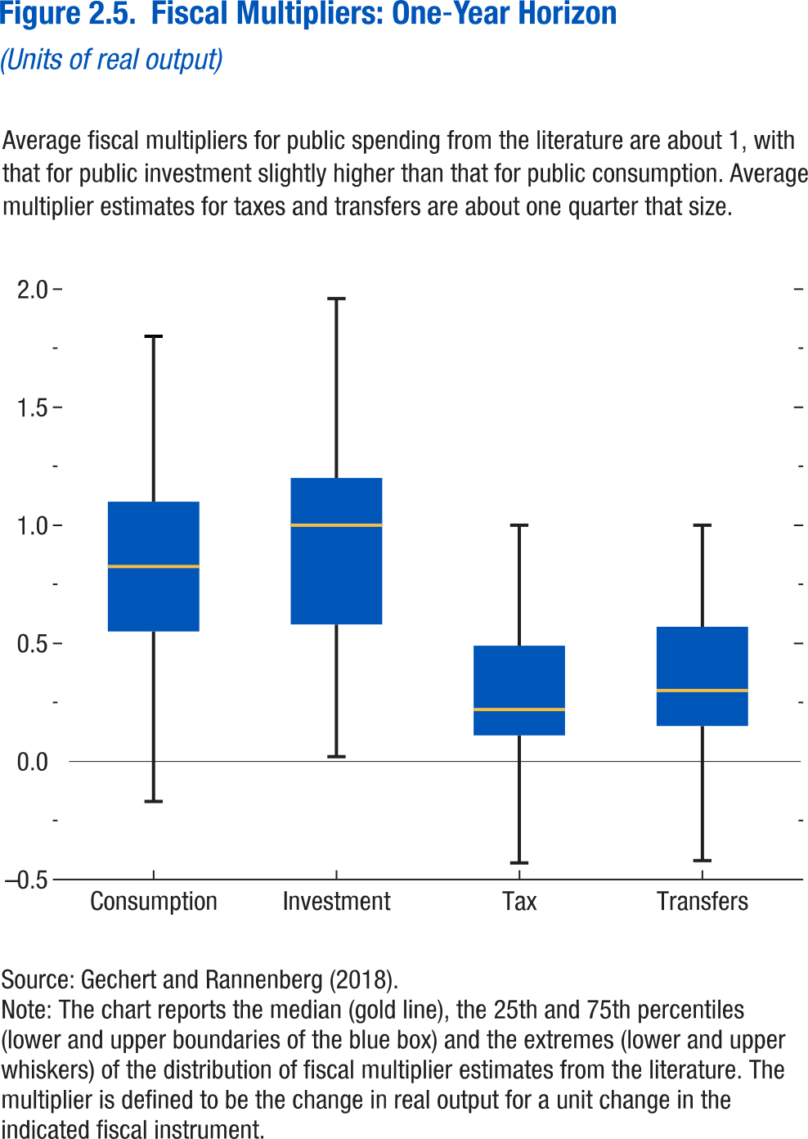
Figure 2.5. Fiscal Multipliers: One-Year Horizon

 | Min | 25th percentile | 50th percentile | 75th percentile | Max
Consumption | -0.17 | 0.55 | 0.825 | 1.1 | 1.8
Investment | 0.02 | 0.58 | 1 | 1.2 | 1.96
Tax | -0.43 | 0.11 | 0.22 | 0.49 | 1
Transfers | -0.42 | 0.15 | 0.3 | 0.57 | 1

Figure 2.6.
1. Overall Fiscal Balance and Gross Debt, 2009–22
(Percent of GDP)
Fiscal deficits have continued to increase in 2016 …
Figure 1.6. Fiscal Trends in Low-Income Developing Countries
3. Interest Expenditure of the General Government, 2009–16¹
This has pushed up borrowing costs in recent years...
Sources: Dealogic; and IMF staff estimates.
Note: Frontier markets include Bangladesh, Bolivia, Côte d’Ivoire, Ghana, Kenya, Mongolia, Mozambique, Nigeria, Papua New Guinea, Senegal, Tanzania, Uganda, Vietnam, and Zambia. LIDC = low-income developing country.
¹ The coupon rate is based on the dollar-denominated government bonds issued by the following countries: Bolivia, Côte d’Ivoire, Ghana, Kenya, Mongolia, Mozambique, Rwanda, Senegal, Tanzania, Vietnam, and Zambia. It is calculated based on weighted averages using the face value of issued bonds.
4. Expected Change in Fiscal Balance Ratio, 2016–17
(Percent of GDP)
...but deficits are expected to stabilize in 2017 as commodity markets improve.
2. Change in Fiscal Balance Ratio: 2015–16
(Percent of GDP)
… driven by declining revenues in commodity exporters.
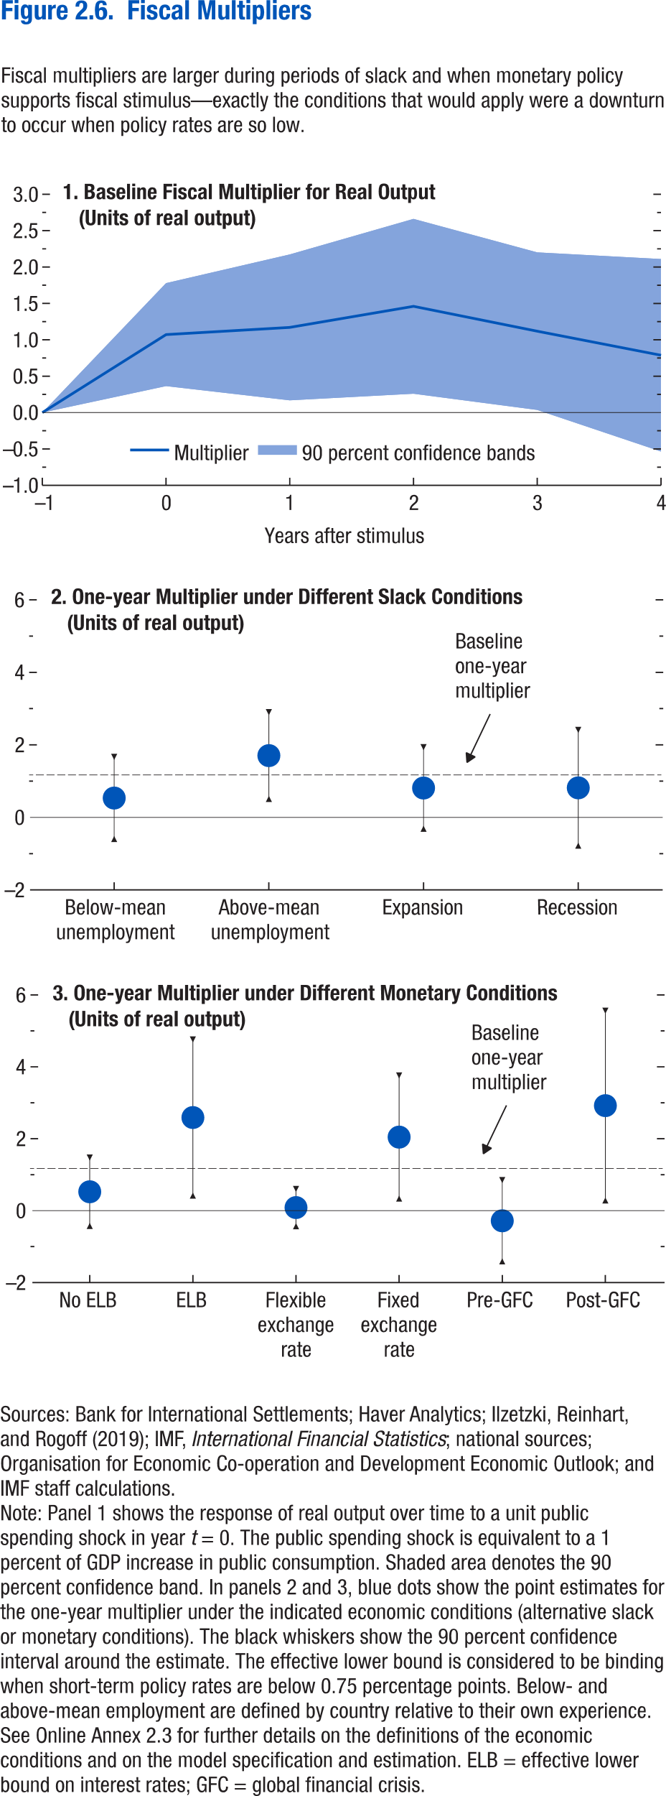
Figure 2.6. Fiscal Multipliers

Panel 1 | Baseline fiscal multiplier for real output |  |  | Panel 2 | One-year multiplier under different slack conditions |  |  |  | Panel 3 | One-year multiplier under different monetary conditions
Time | Multiplier | 10th percentile | 90th percentile | Label | 90th percentile | 10th percentile | Estimate | Difference | label | 90th percentile | 10th percentile | Estimate | Difference
-1 | 0 | 0 | 0 | Below-mean unemployment | 1.668922 | -0.5966 | 0.536162 | 1.13276 | No ELB | 1.478894 | -0.42495 | 0.526974 | 0.95192
0 | 1.07133 | 0.364043 | 1.778617 | Above-mean unemployment | 2.903187 | 0.509637 | 1.706412 | 1.196775 | ELB | 4.761994 | 0.418773 | 2.590383 | 2.17161
1 | 1.17087 | 0.168393 | 2.173347 | Expansion | 1.937886 | -0.31312 | 0.812382 | 1.125504 | Flexible exchange rate | 0.604651 | -0.43156 | 0.086543 | 0.518108
2 | 1.460651 | 0.259398 | 2.661904 | Recession | 2.412844 | -0.77944 | 0.816704 | 1.59614 | Fixed exchange rate | 3.760615 | 0.334336 | 2.047475 | 1.71314
3 | 1.118851 | 0.036163 | 2.20154 | Baseline one-year multiplier | 1.17087 |  |  |  | Pre-GFC | 0.850788 | -1.41015 | -0.27968 | 1.130468
4 | 0.787818 | -0.53476 | 2.110391 |  |  |  |  |  | Post-GFC | 5.561161 | 0.282952 | 2.922056 | 2.639104

Figure 2.7.
Sources: Baker, Bloom, and Davis 2016; www.PolicyUncertainty.com.
Note: The global index is calculated as the GDP-weighted average of monthly index values for sample of 18 advanced, emerging market, and middle-income economies. Each monthly national index value is proportional to the share of own-country newspaper articles that discussed economic policy uncertainty in that month.
Figure 1.7. Global Economic Policy Uncertainty Index, 2007–16
Uncertainty about future economic policies has reached a decade high.
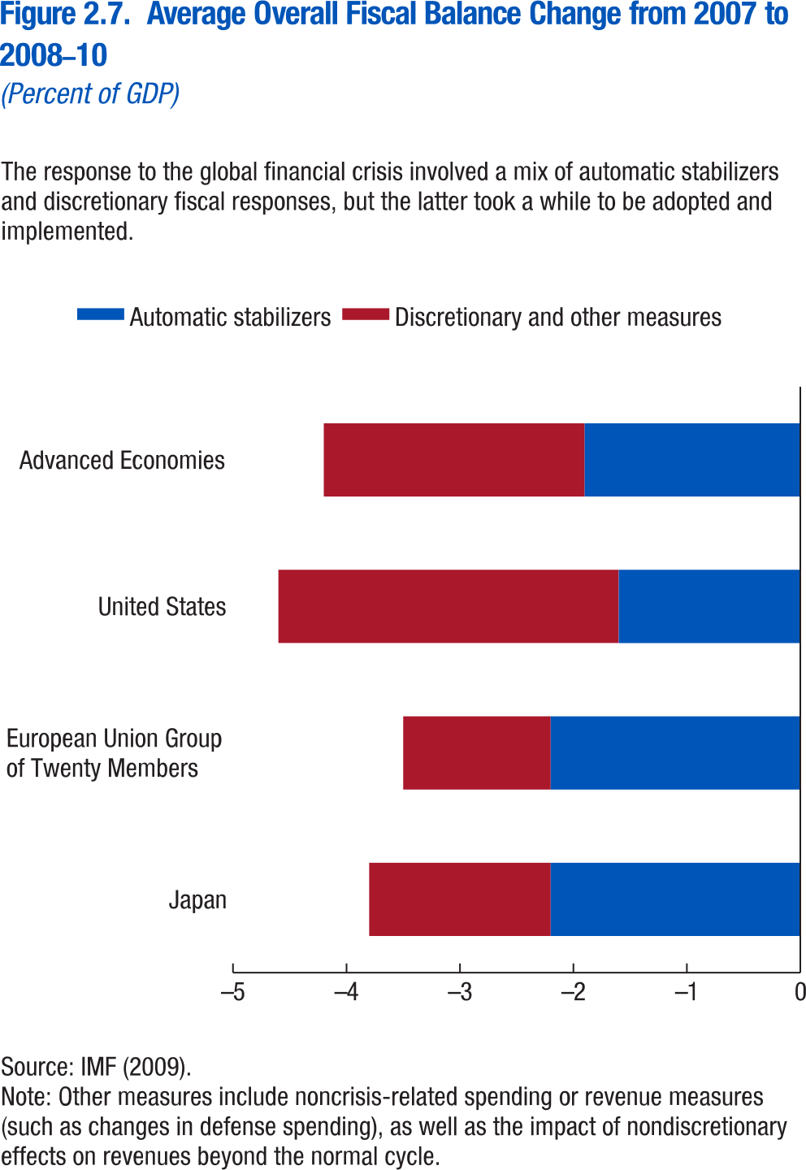
Figure 2.7. Average Overall Fiscal Balance Change from 2008 to 2008-10

 | Automatic stabilizers | Discretionary and other measures
Japan | -2.2 | -1.6
European Union Group of Twenty Members | -2.2 | -1.3
United States | -1.6 | -3
Advanced Economies | -1.9 | -2.3

Figure 2.8.
Figure 1.8. Selected Advanced Economies: Current Deleveraging Episodes (Weighted average)
3. Public Debt
(Percent of GDP)
1. Private Debt
(Percent of GDP)
Sources: Bank for International Settlements; IMF, World Economic Outlook; and IMF staff estimates.
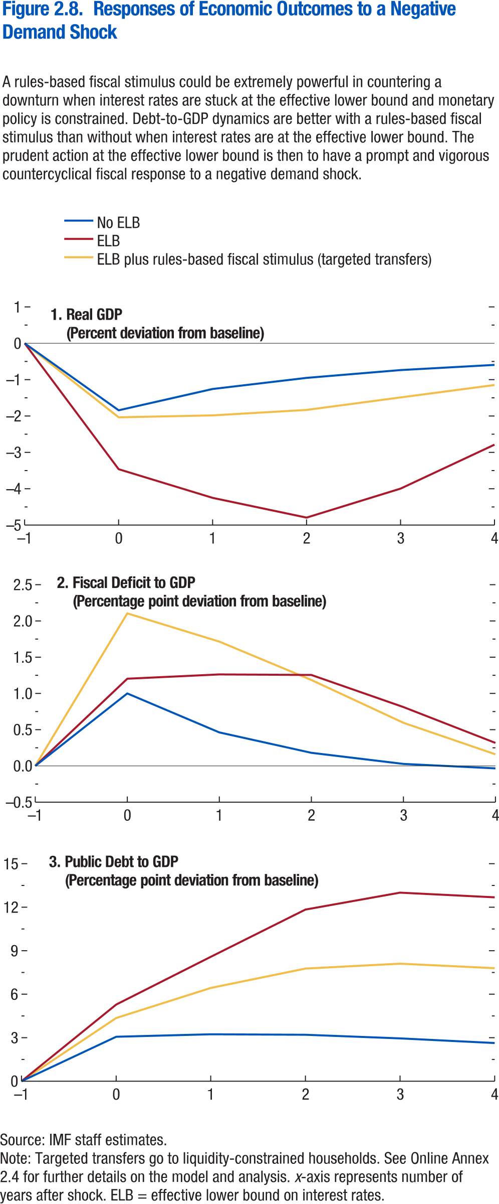
Figure 2.8. Responses of Economic Outcomes to a Negative Demand Shock

Panel 1 | Real GDP |  |  |  | Panel 2 | Fiscal Deficit |  |  |  | Panel 3 | Public Debt
 | Horizon | No ELB | ELB | ELB plus rules-based fiscal stimulus (targeted transfers) |  | Horizon | No ELB | ELB | ELB plus rules-based fiscal stimulus (targeted transfers) |  | Horizon | No ELB | ELB | ELB plus rules-based fiscal stimulus (targeted transfers)
 | -1 | 0 | 0 | 0 |  | -1 | 0 | 0 | 0 |  | -1 | 0 | 0 | 0
 | 0 | -1.84263 | -3.463 | -2.04 |  | 0 | 1.000314 | 1.20320643 | 2.10458883 |  | 0 | 3.067134 | 5.28474 | 4.360142
 | 1 | -1.25657 | -4.251 | -1.98 |  | 1 | 0.462453 | 1.26250077 | 1.71507618 |  | 1 | 3.236406 | 8.581347 | 6.434076
 | 2 | -0.95093 | -4.794 | -1.83 |  | 2 | 0.181167 | 1.25466539 | 1.18596558 |  | 2 | 3.202387 | 11.83899 | 7.769366
 | 3 | -0.73652 | -3.996 | -1.49 |  | 3 | 0.027731 | 0.812207 | 0.5951246 |  | 3 | 2.952917 | 13.007 | 8.106147
 | 4 | -0.59372 | -2.7878 | -1.15 |  | 4 | -0.03384 | 0.31740398 | 0.16017579 |  | 4 | 2.631506 | 12.68404 | 7.794472

Figure 2.9.
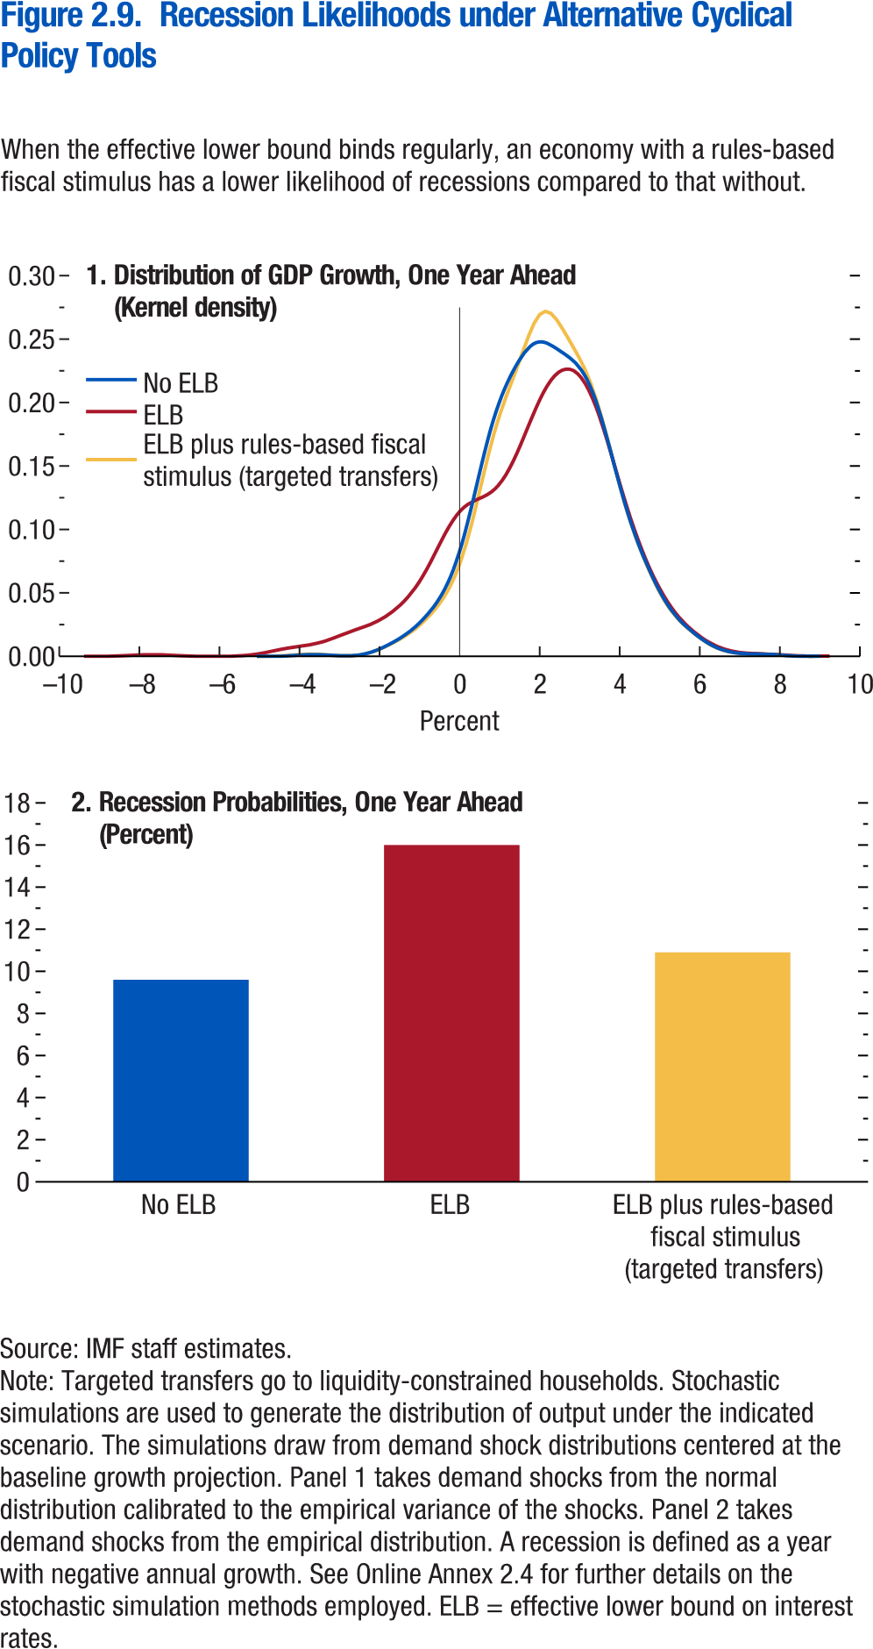
Figure 2.9. Recession Likelihoods under Alternative Cyclical Policy Tools

Panel 1 | Distribution of GDP growth, one year ahead |  |  |  |  | Panel 2 | Recession probabilities, one year ahead
No ELB |  | ELB |  | ELB plus rules-based fiscal stimulus (targeted transfers) |  | No ELB | ELB | ELB plus rules-based fiscal stimulus (targeted transfers)
x | y | x | y | x | y | 9.6 | 16 | 10.900
-5.0656 | 0 | -9.3806 | 0.000 | -5.0665 | 0
-4.9233 | 0 | -9.1925 | 0.000 | -4.9251 | 0
-4.7811 | 0.0001 | -9.0044 | 0.000 | -4.7838 | 0.0001
-4.6389 | 0.0002 | -8.8162 | 0.000 | -4.6425 | 0.0002
-4.4966 | 0.0003 | -8.6281 | 0.000 | -4.5011 | 0.0004
-4.3544 | 0.0005 | -8.44 | 0.001 | -4.3598 | 0.0006
-4.2122 | 0.0008 | -8.2518 | 0.001 | -4.2184 | 0.0009
-4.0699 | 0.0011 | -8.0637 | 0.001 | -4.0771 | 0.0012
-3.9277 | 0.0014 | -7.8756 | 0.001 | -3.9358 | 0.0015
-3.7855 | 0.0016 | -7.6874 | 0.001 | -3.7944 | 0.0017
-3.6432 | 0.0017 | -7.4993 | 0.0013 | -3.6531 | 0.0017
-3.501 | 0.0016 | -7.3112 | 0.0011 | -3.5118 | 0.0016
-3.3588 | 0.0014 | -7.123 | 0.0008 | -3.3704 | 0.0013
-3.2165 | 0.0011 | -6.9349 | 0.0005 | -3.2291 | 0.001
-3.0743 | 0.0009 | -6.7468 | 0.0003 | -3.0877 | 0.0007
-2.9321 | 0.0007 | -6.5586 | 0.0001 | -2.9464 | 0.0005
-2.7899 | 0.0007 | -6.3705 | 0.0001 | -2.8051 | 0.0005
-2.6476 | 0.0009 | -6.1824 | 0 | -2.6637 | 0.0006
-2.5054 | 0.0013 | -5.9942 | 0.0001 | -2.5224 | 0.001
-2.3632 | 0.0022 | -5.8061 | 0.0001 | -2.3811 | 0.0018
-2.2209 | 0.0034 | -5.6179 | 0.0003 | -2.2397 | 0.0029
-2.0787 | 0.005 | -5.4298 | 0.0006 | -2.0984 | 0.0044
-1.9365 | 0.0069 | -5.2417 | 0.0011 | -1.957 | 0.0062
-1.7942 | 0.0091 | -5.0535 | 0.0019 | -1.8157 | 0.0082
-1.652 | 0.0115 | -4.8654 | 0.0029 | -1.6744 | 0.0104
-1.5098 | 0.0141 | -4.6773 | 0.0042 | -1.533 | 0.0128
-1.3675 | 0.0171 | -4.4891 | 0.0054 | -1.3917 | 0.0154
-1.2253 | 0.0204 | -4.301 | 0.0065 | -1.2504 | 0.0183
-1.0831 | 0.0242 | -4.1129 | 0.0074 | -1.109 | 0.0216
-0.9408 | 0.0285 | -3.9247 | 0.0083 | -0.9677 | 0.0254
-0.7986 | 0.0334 | -3.7366 | 0.0092 | -0.8263 | 0.0297
-0.6564 | 0.039 | -3.5485 | 0.0105 | -0.685 | 0.0345
-0.5141 | 0.0455 | -3.3603 | 0.0121 | -0.5437 | 0.0398
-0.3719 | 0.0533 | -3.1722 | 0.0142 | -0.4023 | 0.0461
-0.2297 | 0.0629 | -2.9841 | 0.0165 | -0.261 | 0.0537
-0.0874 | 0.0747 | -2.7959 | 0.0187 | -0.1197 | 0.063
0.0548 | 0.0888 | -2.6078 | 0.0209 | 0.0217 | 0.0746
0.197 | 0.1053 | -2.4197 | 0.023 | 0.163 | 0.0886
0.3393 | 0.1236 | -2.2315 | 0.0252 | 0.3044 | 0.1049
0.4815 | 0.1426 | -2.0434 | 0.028 | 0.4457 | 0.123
0.6237 | 0.1611 | -1.8553 | 0.0314 | 0.587 | 0.1418
0.766 | 0.1782 | -1.6671 | 0.0356 | 0.7284 | 0.1601
0.9082 | 0.1929 | -1.479 | 0.0407 | 0.8697 | 0.1767
1.0504 | 0.2054 | -1.2908 | 0.0469 | 1.011 | 0.1912
1.1927 | 0.2159 | -1.1027 | 0.0544 | 1.1524 | 0.2039
1.3349 | 0.225 | -0.9146 | 0.0636 | 1.2937 | 0.2158
1.4771 | 0.2329 | -0.7264 | 0.0744 | 1.4351 | 0.2277
1.6194 | 0.2395 | -0.5383 | 0.0861 | 1.5764 | 0.2401
1.7616 | 0.2445 | -0.3502 | 0.0975 | 1.7177 | 0.2521
1.9038 | 0.2474 | -0.162 | 0.1075 | 1.8591 | 0.2624
2.0461 | 0.2481 | 0.0261 | 0.1151 | 2.0004 | 0.2694
2.1883 | 0.247 | 0.2142 | 0.1201 | 2.1417 | 0.272
2.3305 | 0.2446 | 0.4024 | 0.1233 | 2.2831 | 0.2703
2.4728 | 0.2417 | 0.5905 | 0.1259 | 2.4244 | 0.2653
2.615 | 0.2387 | 0.7786 | 0.1294 | 2.5658 | 0.2584
2.7572 | 0.2354 | 0.9668 | 0.1349 | 2.7071 | 0.2509
2.8995 | 0.2314 | 1.1549 | 0.1431 | 2.8484 | 0.2431
3.0417 | 0.2258 | 1.343 | 0.1542 | 2.9898 | 0.2351
3.1839 | 0.2182 | 1.5312 | 0.1674 | 3.1311 | 0.2261
3.3261 | 0.2081 | 1.7193 | 0.1818 | 3.2724 | 0.2154
3.4684 | 0.1953 | 1.9074 | 0.1958 | 3.4138 | 0.2026
3.6106 | 0.1804 | 2.0956 | 0.2082 | 3.5551 | 0.1877
3.7528 | 0.1641 | 2.2837 | 0.2178 | 3.6965 | 0.1711
3.8951 | 0.1472 | 2.4718 | 0.224 | 3.8378 | 0.1538
4.0373 | 0.1308 | 2.66 | 0.2265 | 3.9791 | 0.1367
4.1795 | 0.1155 | 2.8481 | 0.2253 | 4.1205 | 0.1207
4.3218 | 0.1016 | 3.0362 | 0.2198 | 4.2618 | 0.1062
4.464 | 0.0891 | 3.2244 | 0.2101 | 4.4031 | 0.0933
4.6062 | 0.0779 | 3.4125 | 0.1962 | 4.5445 | 0.0817
4.7485 | 0.0676 | 3.6007 | 0.1788 | 4.6858 | 0.0711
4.8907 | 0.0581 | 3.7888 | 0.1592 | 4.8272 | 0.0612
5.0329 | 0.0495 | 3.9769 | 0.1389 | 4.9685 | 0.0522
5.1752 | 0.0419 | 4.1651 | 0.1192 | 5.1098 | 0.0442
5.3174 | 0.0355 | 4.3532 | 0.1011 | 5.2512 | 0.0374
5.4596 | 0.0301 | 4.5413 | 0.085 | 5.3925 | 0.0317
5.6019 | 0.0255 | 4.7295 | 0.0707 | 5.5338 | 0.0269
5.7441 | 0.0215 | 4.9176 | 0.0582 | 5.6752 | 0.0228
5.8863 | 0.0178 | 5.1057 | 0.0475 | 5.8165 | 0.019
6.0286 | 0.0144 | 5.2939 | 0.0384 | 5.9579 | 0.0155
6.1708 | 0.0114 | 5.482 | 0.0308 | 6.0992 | 0.0123
6.313 | 0.0088 | 5.6701 | 0.0245 | 6.2405 | 0.0095
6.4553 | 0.0067 | 5.8583 | 0.0193 | 6.3819 | 0.0072
6.5975 | 0.0051 | 6.0464 | 0.0148 | 6.5232 | 0.0054
6.7397 | 0.0039 | 6.2345 | 0.011 | 6.6645 | 0.0041
6.882 | 0.0031 | 6.4227 | 0.008 | 6.8059 | 0.0032
7.0242 | 0.0026 | 6.6108 | 0.0058 | 6.9472 | 0.0026
7.1664 | 0.0023 | 6.7989 | 0.0042 | 7.0886 | 0.0023
7.3087 | 0.0021 | 6.9871 | 0.0031 | 7.2299 | 0.0022
7.4509 | 0.002 | 7.1752 | 0.0025 | 7.3712 | 0.0021
7.5931 | 0.0019 | 7.3633 | 0.0022 | 7.5126 | 0.002
7.7354 | 0.0017 | 7.5515 | 0.0019 | 7.6539 | 0.0018
7.8776 | 0.0015 | 7.7396 | 0.0016 | 7.7952 | 0.0016
8.0198 | 0.0012 | 7.9278 | 0.0013 | 7.9366 | 0.0013
8.1621 | 0.0008 | 8.1159 | 0.001 | 8.0779 | 0.0009
8.3043 | 0.0006 | 8.304 | 0.0006 | 8.2193 | 0.0006
8.4465 | 0.0003 | 8.4922 | 0.0004 | 8.3606 | 0.0004
8.5888 | 0.0002 | 8.6803 | 0.0002 | 8.5019 | 0.0002
8.731 | 0.0001 | 8.8684 | 0.0001 | 8.6433 | 0.0001
8.8732 | 0 | 9.0566 | 0 | 8.7846 | 0
9.0155 | 0 | 9.2447 | 0 | 8.9259 | 0

Figure 2.10.
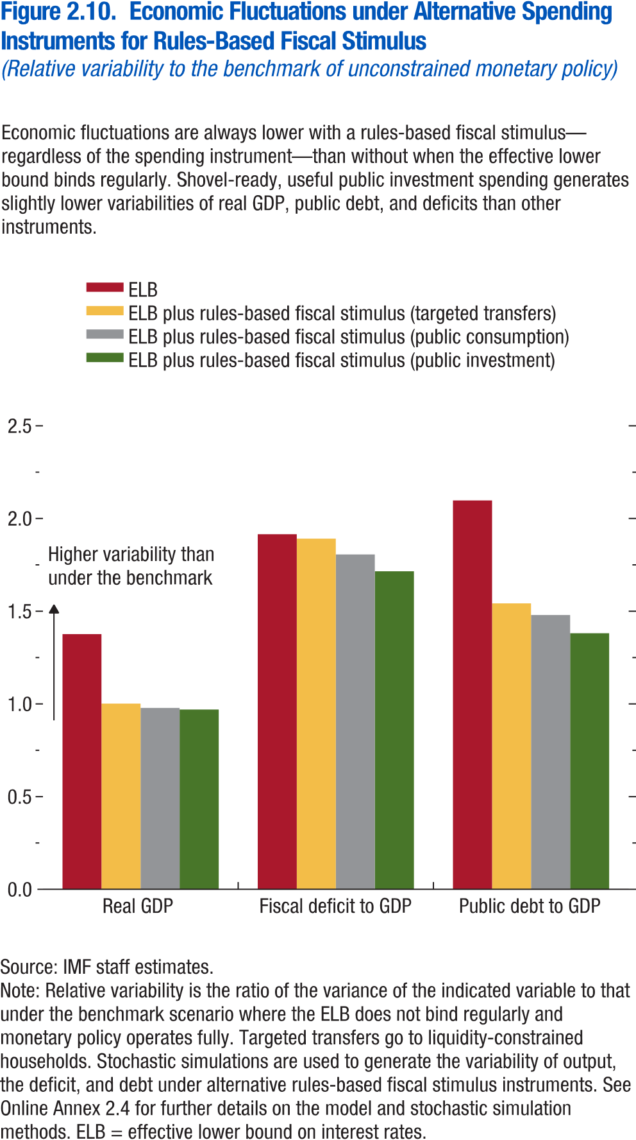
Figure 2.10. Economic Fluctuations under Alternative Spending Instruments for Rules-Based Fiscal Stimulus

 | Real GDP | Fiscal deficit to GDP | Public debt to GDP
Base (neg+no zlb) | 1 | 1 | 1
ELB | 1.3764 | 1.9152 | 2.0975
ELB plus rules-based fiscal stimulus (public consumption) | 0.9781 | 1.8061 | 1.4795
ELB plus rules-based fiscal stimulus (public investment) | 0.9694 | 1.7153 | 1.3813
ELB plus rules-based fiscal stimulus (targeted transfers) | 1.0018 | 1.8918 | 1.5422

Figure 2.1.1.
Figure 1.16. World Distribution of Tax-to-GDP Ratio, 2016
Revenue mobilization remains limited in low-income developing countries.
Source: IMF staff estimates.
Note: AEs = advanced economies; EMMIEs = emerging markets and middle-income economies; LIDCs = low-income developing economies.
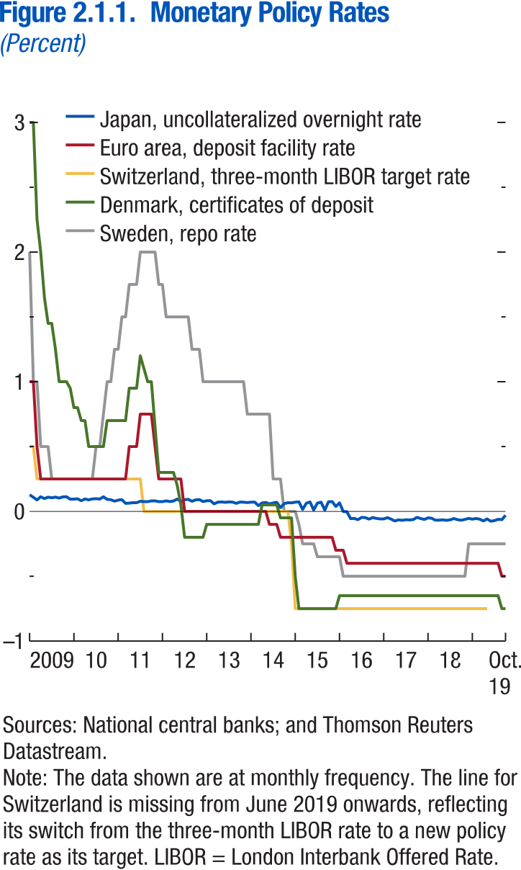
Figure 2.1.1 Monetary Policy Rates

Year | Month | Denmark, certificates of deposit | Sweden, repo rate | Switzerland, three-month LIBOR target rate | Japan, uncollateralized overnight rate | Euro area, deposit facility rate
2009 | 1 | 3 | 2 | 0.5 | 0.128 | 1
2009 | 2 | 3 | 1 | 0.5 | 0.109 | 1
2009 | 3 | 2.25 | 1.000 | 0.250 | 0.088 | 0.5
2009 | 4 | 2 | 0.500 | 0.250 | 0.113 | 0.25
2009 | 5 | 1.65 | 0.500 | 0.250 | 0.099 | 0.25
2009 | 6 | 1.45 | 0.5 | 0.25 | 0.11 | 0.25
2009 | 7 | 1.45 | 0.25 | 0.25 | 0.105 | 0.25
2009 | 8 | 1.25 | 0.25 | 0.25 | 0.11 | 0.25
2009 | 9 | 1 | 0.25 | 0.25 | 0.103 | 0.25
2009 | 10 | 1 | 0.25 | 0.25 | 0.112 | 0.25
2009 | 11 | 1 | 0.25 | 0.25 | 0.113 | 0.25
2009 | 12 | 0.95 | 0.25 | 0.25 | 0.094 | 0.25
2010 | 1 | 0.8 | 0.25 | 0.25 | 0.095 | 0.25
2010 | 2 | 0.8 | 0.25 | 0.25 | 0.097 | 0.25
2010 | 3 | 0.7 | 0.25 | 0.25 | 0.082 | 0.25
2010 | 4 | 0.7 | 0.25 | 0.25 | 0.096 | 0.25
2010 | 5 | 0.5 | 0.25 | 0.25 | 0.089 | 0.25
2010 | 6 | 0.5 | 0.25 | 0.25 | 0.096 | 0.25
2010 | 7 | 0.5 | 0.5 | 0.25 | 0.098 | 0.25
2010 | 8 | 0.5 | 0.5 | 0.25 | 0.095 | 0.25
2010 | 9 | 0.5 | 0.75 | 0.25 | 0.113 | 0.25
2010 | 10 | 0.7 | 1 | 0.25 | 0.093 | 0.25
2010 | 11 | 0.7 | 1 | 0.25 | 0.09 | 0.25
2010 | 12 | 0.7 | 1.25 | 0.25 | 0.079 | 0.25
2011 | 1 | 0.7 | 1.25 | 0.25 | 0.087 | 0.25
2011 | 2 | 0.7 | 1.5 | 0.25 | 0.091 | 0.25
2011 | 3 | 0.7 | 1.5 | 0.25 | 0.062 | 0.25
2011 | 4 | 0.95 | 1.75 | 0.25 | 0.064 | 0.5
2011 | 5 | 0.95 | 1.75 | 0.25 | 0.067 | 0.5
2011 | 6 | 0.95 | 1.75 | 0.25 | 0.067 | 0.5
2011 | 7 | 1.2 | 2 | 0.25 | 0.078 | 0.75
2011 | 8 | 1.1 | 2 | 0 | 0.075 | 0.75
2011 | 9 | 1 | 2 | 0 | 0.075 | 0.75
2011 | 10 | 1 | 2 | 0 | 0.081 | 0.75
2011 | 11 | 0.65 | 2 | 0 | 0.081 | 0.5
2011 | 12 | 0.3 | 1.75 | 0 | 0.075 | 0.25
2012 | 1 | 0.3 | 1.75 | 0 | 0.075 | 0.25
2012 | 2 | 0.3 | 1.5 | 0 | 0.081 | 0.25
2012 | 3 | 0.3 | 1.5 | 0 | 0.076 | 0.25
2012 | 4 | 0.3 | 1.5 | 0 | 0.08 | 0.25
2012 | 5 | 0.2 | 1.5 | 0 | 0.095 | 0.25
2012 | 6 | 0.05 | 1.5 | 0 | 0.076 | 0.25
2012 | 7 | -0.2 | 1.5 | 0 | 0.09 | 0
2012 | 8 | -0.2 | 1.5 | 0 | 0.093 | 0
2012 | 9 | -0.2 | 1.25 | 0 | 0.078 | 0
2012 | 10 | -0.2 | 1.25 | 0 | 0.089 | 0
2012 | 11 | -0.2 | 1.25 | 0 | 0.091 | 0
2012 | 12 | -0.2 | 1 | 0 | 0.076 | 0
2013 | 1 | -0.1 | 1 | 0 | 0.082 | 0
2013 | 2 | -0.1 | 1 | 0 | 0.083 | 0
2013 | 3 | -0.1 | 1 | 0 | 0.058 | 0
2013 | 4 | -0.1 | 1 | 0 | 0.071 | 0
2013 | 5 | -0.1 | 1 | 0 | 0.073 | 0
2013 | 6 | -0.1 | 1 | 0 | 0.07 | 0
2013 | 7 | -0.1 | 1 | 0 | 0.073 | 0
2013 | 8 | -0.1 | 1 | 0 | 0.072 | 0
2013 | 9 | -0.1 | 1 | 0 | 0.062 | 0
2013 | 10 | -0.1 | 1 | 0 | 0.072 | 0
2013 | 11 | -0.1 | 1 | 0 | 0.071 | 0
2013 | 12 | -0.1 | 0.75 | 0 | 0.068 | 0
2014 | 1 | -0.1 | 0.75 | 0 | 0.071 | 0
2014 | 2 | -0.1 | 0.75 | 0 | 0.072 | 0
2014 | 3 | -0.1 | 0.75 | 0 | 0.044 | 0
2014 | 4 | 0.05 | 0.75 | 0 | 0.065 | 0
2014 | 5 | 0.05 | 0.75 | 0 | 0.069 | 0
2014 | 6 | 0.05 | 0.75 | 0 | 0.058 | -0.1
2014 | 7 | 0.05 | 0.25 | 0 | 0.065 | -0.1
2014 | 8 | 0.05 | 0.25 | 0 | 0.07 | -0.1
2014 | 9 | -0.05 | 0.25 | 0 | 0.029 | -0.2
2014 | 10 | -0.05 | 0 | 0 | 0.06 | -0.2
2014 | 11 | -0.05 | 0 | 0 | 0.067 | -0.2
2014 | 12 | -0.05 | 0 | -0.25 | 0.066 | -0.2
2015 | 1 | -0.5 | 0 | -0.75 | 0.071 | -0.2
2015 | 2 | -0.75 | -0.1 | -0.75 | 0.074 | -0.2
2015 | 3 | -0.75 | -0.25 | -0.75 | 0.015 | -0.2
2015 | 4 | -0.75 | -0.25 | -0.75 | 0.063 | -0.2
2015 | 5 | -0.75 | -0.25 | -0.75 | 0.073 | -0.2
2015 | 6 | -0.75 | -0.25 | -0.75 | 0.011 | -0.2
2015 | 7 | -0.75 | -0.35 | -0.75 | 0.064 | -0.2
2015 | 8 | -0.75 | -0.35 | -0.75 | 0.071 | -0.2
2015 | 9 | -0.75 | -0.35 | -0.75 | 0.01 | -0.2
2015 | 10 | -0.75 | -0.35 | -0.75 | 0.074 | -0.2
2015 | 11 | -0.75 | -0.35 | -0.75 | 0.076 | -0.2
2015 | 12 | -0.75 | -0.35 | -0.75 | 0.038 | -0.3
2016 | 1 | -0.65 | -0.35 | -0.75 | 0.066 | -0.3
2016 | 2 | -0.65 | -0.5 | -0.75 | -0.001 | -0.3
2016 | 3 | -0.65 | -0.5 | -0.75 | -0.002 | -0.4
2016 | 4 | -0.65 | -0.5 | -0.75 | -0.056 | -0.4
2016 | 5 | -0.65 | -0.5 | -0.75 | -0.054 | -0.4
2016 | 6 | -0.65 | -0.5 | -0.75 | -0.064 | -0.4
2016 | 7 | -0.65 | -0.5 | -0.75 | -0.046 | -0.4
2016 | 8 | -0.65 | -0.5 | -0.75 | -0.048 | -0.4
2016 | 9 | -0.65 | -0.5 | -0.75 | -0.06 | -0.4
2016 | 10 | -0.65 | -0.5 | -0.75 | -0.047 | -0.4
2016 | 11 | -0.65 | -0.5 | -0.75 | -0.054 | -0.4
2016 | 12 | -0.65 | -0.5 | -0.75 | -0.058 | -0.4
2017 | 1 | -0.65 | -0.5 | -0.75 | -0.058 | -0.4
2017 | 2 | -0.65 | -0.5 | -0.75 | -0.048 | -0.4
2017 | 3 | -0.65 | -0.5 | -0.75 | -0.06 | -0.4
2017 | 4 | -0.65 | -0.5 | -0.75 | -0.074 | -0.4
2017 | 5 | -0.65 | -0.5 | -0.75 | -0.065 | -0.4
2017 | 6 | -0.65 | -0.5 | -0.75 | -0.069 | -0.4
2017 | 7 | -0.65 | -0.5 | -0.75 | -0.064 | -0.4
2017 | 8 | -0.65 | -0.5 | -0.75 | -0.066 | -0.4
2017 | 9 | -0.65 | -0.5 | -0.75 | -0.063 | -0.4
2017 | 10 | -0.65 | -0.5 | -0.75 | -0.046 | -0.4
2017 | 11 | -0.65 | -0.5 | -0.75 | -0.055 | -0.4
2017 | 12 | -0.65 | -0.5 | -0.75 | -0.062 | -0.4
2018 | 1 | -0.65 | -0.5 | -0.75 | -0.05 | -0.4
2018 | 2 | -0.65 | -0.5 | -0.75 | -0.053 | -0.4
2018 | 3 | -0.65 | -0.5 | -0.75 | -0.068 | -0.4
2018 | 4 | -0.65 | -0.5 | -0.75 | -0.068 | -0.4
2018 | 5 | -0.65 | -0.5 | -0.75 | -0.065 | -0.4
2018 | 6 | -0.65 | -0.5 | -0.75 | -0.069 | -0.4
2018 | 7 | -0.65 | -0.5 | -0.75 | -0.065 | -0.4
2018 | 8 | -0.65 | -0.5 | -0.75 | -0.055 | -0.4
2018 | 9 | -0.65 | -0.5 | -0.75 | -0.064 | -0.4
2018 | 10 | -0.65 | -0.5 | -0.75 | -0.068 | -0.4
2018 | 11 | -0.65 | -0.5 | -0.75 | -0.062 | -0.4
2018 | 12 | -0.65 | -0.25 | -0.75 | -0.054 | -0.4
2019 | 1 | -0.65 | -0.25 | -0.75 | -0.06 | -0.4
2019 | 2 | -0.65 | -0.25 | -0.75 | -0.055 | -0.4
2019 | 3 | -0.65 | -0.25 | -0.75 | -0.06 | -0.4
2019 | 4 | -0.65 | -0.25 | -0.75 | -0.074 | -0.4
2019 | 5 | -0.65 | -0.25 | -0.75 | -0.058 | -0.4
2019 | 6 | -0.65 | -0.25 |  | -0.076 | -0.4
2019 | 7 | -0.65 | -0.25 |  | -0.071 | -0.4
2019 | 8 | -0.65 | -0.25 |  | -0.061 | -0.4
2019 | 9 | -0.75 | -0.25 |  | -0.064 | -0.5
2019 | 10 | -0.75 | -0.25 |  | -0.03 | -0.5

Figure 2.1.2.
Figure 1.16. World Distribution of Tax-to-GDP Ratio, 2016
Revenue mobilization remains limited in low-income developing countries.
Source: IMF staff estimates.
Note: AEs = advanced economies; EMMIEs = emerging markets and middle-income economies; LIDCs = low-income developing economies.
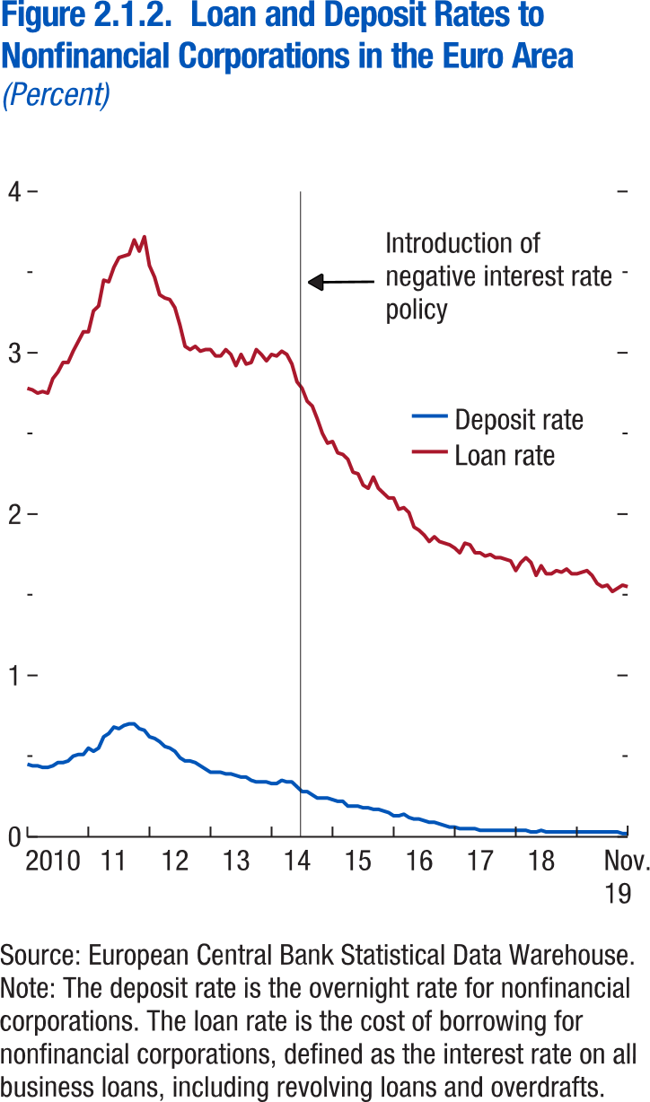
Figure 2.1.2. Loan and Deposit Rates to Nonfinancial Corporations in the Euro Area

Year | Month | Deposit rate | Loan rate
2010 | 1 | 0.45 | 2.78
2010 | 2 | 0.44 | 2.770
2010 | 3 | 0.44 | 2.750
2010 | 4 | 0.43 | 2.760
2010 | 5 | 0.43 | 2.75
2010 | 6 | 0.44 | 2.84
2010 | 7 | 0.46 | 2.88
2010 | 8 | 0.46 | 2.94
2010 | 9 | 0.47 | 2.94
2010 | 10 | 0.5 | 3.01
2010 | 11 | 0.51 | 3.07
2010 | 12 | 0.51 | 3.13
2011 | 1 | 0.55 | 3.13
2011 | 2 | 0.53 | 3.26
2011 | 3 | 0.55 | 3.29
2011 | 4 | 0.62 | 3.45
2011 | 5 | 0.64 | 3.44
2011 | 6 | 0.68 | 3.53
2011 | 7 | 0.67 | 3.59
2011 | 8 | 0.69 | 3.6
2011 | 9 | 0.7 | 3.61
2011 | 10 | 0.7 | 3.7
2011 | 11 | 0.67 | 3.63
2011 | 12 | 0.66 | 3.72
2012 | 1 | 0.62 | 3.54
2012 | 2 | 0.61 | 3.47
2012 | 3 | 0.59 | 3.36
2012 | 4 | 0.56 | 3.34
2012 | 5 | 0.55 | 3.33
2012 | 6 | 0.53 | 3.28
2012 | 7 | 0.49 | 3.17
2012 | 8 | 0.47 | 3.04
2012 | 9 | 0.47 | 3.02
2012 | 10 | 0.46 | 3.04
2012 | 11 | 0.44 | 3.01
2012 | 12 | 0.42 | 3.02
2013 | 1 | 0.4 | 3.02
2013 | 2 | 0.4 | 2.98
2013 | 3 | 0.4 | 2.98
2013 | 4 | 0.39 | 3.02
2013 | 5 | 0.39 | 2.99
2013 | 6 | 0.38 | 2.92
2013 | 7 | 0.37 | 2.99
2013 | 8 | 0.37 | 2.93
2013 | 9 | 0.35 | 2.94
2013 | 10 | 0.34 | 3.02
2013 | 11 | 0.34 | 2.99
2013 | 12 | 0.34 | 2.95
2014 | 1 | 0.33 | 2.99
2014 | 2 | 0.33 | 2.98
2014 | 3 | 0.35 | 3.01
2014 | 4 | 0.34 | 2.99
2014 | 5 | 0.34 | 2.93
2014 | 6 | 0.31 | 2.82
2014 | 7 | 0.28 | 2.78
2014 | 8 | 0.28 | 2.7
2014 | 9 | 0.26 | 2.67
2014 | 10 | 0.24 | 2.59
2014 | 11 | 0.24 | 2.5
2014 | 12 | 0.24 | 2.44
2015 | 1 | 0.23 | 2.45
2015 | 2 | 0.22 | 2.38
2015 | 3 | 0.22 | 2.37
2015 | 4 | 0.19 | 2.34
2015 | 5 | 0.19 | 2.26
2015 | 6 | 0.19 | 2.25
2015 | 7 | 0.18 | 2.18
2015 | 8 | 0.18 | 2.16
2015 | 9 | 0.17 | 2.23
2015 | 10 | 0.17 | 2.16
2015 | 11 | 0.16 | 2.13
2015 | 12 | 0.15 | 2.1
2016 | 1 | 0.13 | 2.1
2016 | 2 | 0.13 | 2.03
2016 | 3 | 0.14 | 2.04
2016 | 4 | 0.12 | 2.01
2016 | 5 | 0.11 | 1.92
2016 | 6 | 0.11 | 1.9
2016 | 7 | 0.1 | 1.87
2016 | 8 | 0.09 | 1.83
2016 | 9 | 0.09 | 1.86
2016 | 10 | 0.08 | 1.83
2016 | 11 | 0.07 | 1.82
2016 | 12 | 0.06 | 1.81
2017 | 1 | 0.06 | 1.79
2017 | 2 | 0.05 | 1.76
2017 | 3 | 0.05 | 1.82
2017 | 4 | 0.05 | 1.81
2017 | 5 | 0.05 | 1.76
2017 | 6 | 0.04 | 1.76
2017 | 7 | 0.04 | 1.74
2017 | 8 | 0.04 | 1.75
2017 | 9 | 0.04 | 1.73
2017 | 10 | 0.04 | 1.73
2017 | 11 | 0.04 | 1.72
2017 | 12 | 0.04 | 1.71
2018 | 1 | 0.04 | 1.65
2018 | 2 | 0.04 | 1.7
2018 | 3 | 0.04 | 1.73
2018 | 4 | 0.03 | 1.7
2018 | 5 | 0.03 | 1.62
2018 | 6 | 0.04 | 1.68
2018 | 7 | 0.03 | 1.63
2018 | 8 | 0.03 | 1.63
2018 | 9 | 0.03 | 1.65
2018 | 10 | 0.03 | 1.64
2018 | 11 | 0.03 | 1.66
2018 | 12 | 0.03 | 1.63
2019 | 1 | 0.03 | 1.63
2019 | 2 | 0.03 | 1.64
2019 | 3 | 0.03 | 1.65
2019 | 4 | 0.03 | 1.62
2019 | 5 | 0.03 | 1.57
2019 | 6 | 0.03 | 1.55
2019 | 7 | 0.03 | 1.56
2019 | 8 | 0.03 | 1.52
2019 | 9 | 0.03 | 1.54
2019 | 10 | 0.02 | 1.56
2019 | 11 | 0.02 | 1.55

Figure 2.2.1.
Figure 1.16. World Distribution of Tax-to-GDP Ratio, 2016
Revenue mobilization remains limited in low-income developing countries.
Source: IMF staff estimates.
Note: AEs = advanced economies; EMMIEs = emerging markets and middle-income economies; LIDCs = low-income developing economies.
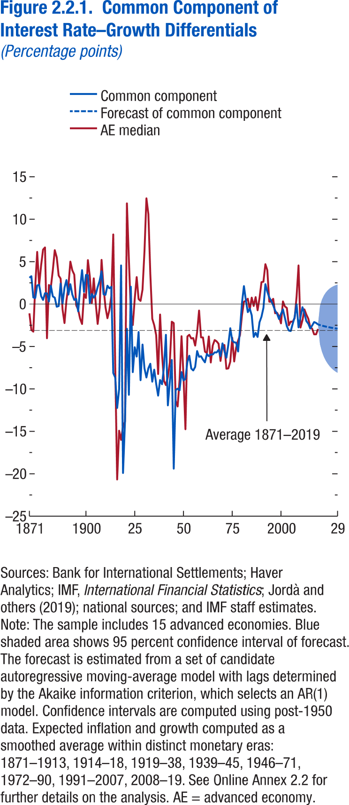
Figure 2.2.1. Common Component of Interest Rate-Growth Differentials

Year | Common component | AE median | 95 percent confidence interval: low | 95 percent confidence interval: high | Forecast of common component | Average 1871-2019
1871 | 3.103562 | -1.0927 |  |  |  | -3.10515
1872 | 3.286385 | -3.03939 |  |  |  | -3.10515
1873 | 0.781479 | -3.24881 |  |  |  | -3.10515
1874 | 0.719994 | 2.123679 |  |  |  | -3.10515
1875 | 2.202373 | 6.157237 |  |  |  | -3.10515
1876 | 2.26184 | 2.201945 |  |  |  | -3.10515
1877 | 0.931114 | 4.55563 |  |  |  | -3.10515
1878 | 0.488087 | 6.421652 |  |  |  | -3.10515
1879 | 1.279502 | 6.676775 |  |  |  | -3.10515
1880 | 1.266589 | -4.02941 |  |  |  | -3.10515
1881 | 0.291844 | 2.255062 |  |  |  | -3.10515
1882 | 2.148796 | 1.989151 |  |  |  | -3.10515
1883 | 0.901278 | 4.013071 |  |  |  | -3.10515
1884 | 0.759206 | 6.359979 |  |  |  | -3.10515
1885 | -0.31356 | 5.509534 |  |  |  | -3.10515
1886 | -0.23308 | 3.362761 |  |  |  | -3.10515
1887 | 2.423287 | 3.009204 |  |  |  | -3.10515
1888 | 0.068155 | -0.63506 |  |  |  | -3.10515
1889 | 1.937767 | -2.2379 |  |  |  | -3.10515
1890 | 2.834698 | 0.454832 |  |  |  | -3.10515
1891 | 1.114837 | 2.092621 |  |  |  | -3.10515
1892 | 2.348339 | 5.010031 |  |  |  | -3.10515
1893 | 1.13161 | 3.977143 |  |  |  | -3.10515
1894 | 0.487691 | 3.474286 |  |  |  | -3.10515
1895 | 0.613181 | -0.15041 |  |  |  | -3.10515
1896 | -0.86184 | -0.65375 |  |  |  | -3.10515
1897 | 1.887756 | -1.72368 |  |  |  | -3.10515
1898 | 4.008062 | -2.34976 |  |  |  | -3.10515
1899 | 1.432802 | 1.214008 |  |  |  | -3.10515
1900 | 3.444148 | 0.718169 |  |  |  | -3.10515
1901 | 3.400859 | 5.189032 |  |  |  | -3.10515
1902 | 0.127237 | 3.230321 |  |  |  | -3.10515
1903 | 1.185755 | 0.130605 |  |  |  | -3.10515
1904 | 0.765137 | 3.033453 |  |  |  | -3.10515
1905 | 1.144981 | 0.110372 |  |  |  | -3.10515
1906 | 2.013378 | -2.34133 |  |  |  | -3.10515
1907 | 2.742587 | -0.45448 |  |  |  | -3.10515
1908 | 3.865891 | 5.217981 |  |  |  | -3.10515
1909 | 1.161241 | 1.967025 |  |  |  | -3.10515
1910 | 1.090276 | -0.35172 |  |  |  | -3.10515
1911 | 2.169871 | -1.66805 |  |  |  | -3.10515
1912 | 1.859097 | -0.71486 |  |  |  | -3.10515
1913 | 2.034402 | 0.941136 |  |  |  | -3.10515
1914 | -8.12535 | 8.210805 |  |  |  | -3.10515
1915 | -8.64728 | -7.29359 |  |  |  | -3.10515
1916 | -12.2497 | -20.6769 |  |  |  | -3.10515
1917 | -10.0573 | -14.9201 |  |  |  | -3.10515
1918 | 4.562378 | -16.011 |  |  |  | -3.10515
1919 | -19.9106 | -14.3717 |  |  |  | -3.10515
1920 | -13.8307 | -13.8575 |  |  |  | -3.10515
1921 | -2.90908 | 11.87659 |  |  |  | -3.10515
1922 | -10.6929 | 5.266326 |  |  |  | -3.10515
1923 | 2.057122 | -0.85439 |  |  |  | -3.10515
1924 | -8.02709 | -2.47222 |  |  |  | -3.10515
1925 | -5.07291 | 0.640033 |  |  |  | -3.10515
1926 | -6.1881 | 3.18642 |  |  |  | -3.10515
1927 | -3.28696 | 0.59044 |  |  |  | -3.10515
1928 | -8.97377 | 0.376259 |  |  |  | -3.10515
1929 | -4.76589 | 1.71655 |  |  |  | -3.10515
1930 | -7.56357 | 6.229627 |  |  |  | -3.10515
1931 | -8.65296 | 12.46994 |  |  |  | -3.10515
1932 | -7.56416 | 10.62896 |  |  |  | -3.10515
1933 | -7.03105 | 3.563091 |  |  |  | -3.10515
1934 | -9.14701 | -1.72504 |  |  |  | -3.10515
1935 | -7.72572 | -2.48861 |  |  |  | -3.10515
1936 | -9.40474 | -3.6636 |  |  |  | -3.10515
1937 | -10.7943 | -8.24897 |  |  |  | -3.10515
1938 | -8.94795 | -1.22336 |  |  |  | -3.10515
1939 | -9.44909 | -5.93103 |  |  |  | -3.10515
1940 | -7.40422 | -9.05348 |  |  |  | -3.10515
1941 | -3.61649 | -9.54989 |  |  |  | -3.10515
1942 | -11.9425 | -8.58684 |  |  |  | -3.10515
1943 | -9.20513 | -6.91089 |  |  |  | -3.10515
1944 | -6.58056 | -2.07605 |  |  |  | -3.10515
1945 | -19.4002 | -2.23811 |  |  |  | -3.10515
1946 | -10.1241 | -11.3985 |  |  |  | -3.10515
1947 | -9.96224 | -12.0708 |  |  |  | -3.10515
1948 | -10.1594 | -8.94682 |  |  |  | -3.10515
1949 | -8.0116 | -3.77966 |  |  |  | -3.10515
1950 | -8.99788 | -8.43982 |  |  |  | -3.10515
1951 | -8.81556 | -14.7541 |  |  |  | -3.10515
1952 | -6.80998 | -3.80844 |  |  |  | -3.10515
1953 | -6.08572 | -3.6185 |  |  |  | -3.10515
1954 | -7.59374 | -4.05325 |  |  |  | -3.10515
1955 | -7.82304 | -4.00439 |  |  |  | -3.10515
1956 | -7.41085 | -4.8927 |  |  |  | -3.10515
1957 | -5.53266 | -3.3175 |  |  |  | -3.10515
1958 | -6.21639 | -0.75645 |  |  |  | -3.10515
1959 | -6.14702 | -3.92144 |  |  |  | -3.10515
1960 | -6.54317 | -3.93048 |  |  |  | -3.10515
1961 | -6.86582 | -5.60625 |  |  |  | -3.10515
1962 | -5.8771 | -5.76369 |  |  |  | -3.10515
1963 | -6.13717 | -3.80891 |  |  |  | -3.10515
1964 | -5.92981 | -6.88832 |  |  |  | -3.10515
1965 | -5.94699 | -4.8858 |  |  |  | -3.10515
1966 | -5.68573 | -4.23603 |  |  |  | -3.10515
1967 | -5.70223 | -4.39285 |  |  |  | -3.10515
1968 | -5.40283 | -4.67083 |  |  |  | -3.10515
1969 | -6.12863 | -6.70455 |  |  |  | -3.10515
1970 | -4.62927 | -4.98196 |  |  |  | -3.10515
1971 | -5.54434 | -4.82179 |  |  |  | -3.10515
1972 | -6.32387 | -7.62167 |  |  |  | -3.10515
1973 | -4.78114 | -7.58143 |  |  |  | -3.10515
1974 | -2.84325 | -6.792 |  |  |  | -3.10515
1975 | -4.29895 | -3.96205 |  |  |  | -3.10515
1976 | -4.50754 | -6.76725 |  |  |  | -3.10515
1977 | -4.54392 | -5.12502 |  |  |  | -3.10515
1978 | -5.5888 | -4.30658 |  |  |  | -3.10515
1979 | -2.93983 | -3.6574 |  |  |  | -3.10515
1980 | 0.138 | -1.31572 |  |  |  | -3.10515
1981 | 2.121657 | 0.281558 |  |  |  | -3.10515
1982 | 0.432999 | 0.384768 |  |  |  | -3.10515
1983 | -0.94876 | 0.631874 |  |  |  | -3.10515
1984 | -0.52414 | -0.65713 |  |  |  | -3.10515
1985 | -1.32018 | 0.763898 |  |  |  | -3.10515
1986 | -3.86887 | -0.22681 |  |  |  | -3.10515
1987 | -3.38602 | 0.825661 |  |  |  | -3.10515
1988 | -3.87396 | -0.73452 |  |  |  | -3.10515
1989 | -2.12778 | 0.733608 |  |  |  | -3.10515
1990 | -1.48916 | 2.586977 |  |  |  | -3.10515
1991 | -0.44668 | 2.63774 |  |  |  | -3.10515
1992 | 2.354058 | 4.706478 |  |  |  | -3.10515
1993 | 1.466725 | 4.006126 |  |  |  | -3.10515
1994 | 0.781175 | 0.278259 |  |  |  | -3.10515
1995 | 0.379151 | 0.277271 |  |  |  | -3.10515
1996 | -0.14275 | 0.621443 |  |  |  | -3.10515
1997 | -0.7757 | -1.0853 |  |  |  | -3.10515
1998 | -1.13804 | -1.02088 |  |  |  | -3.10515
1999 | -1.76407 | -1.44323 |  |  |  | -3.10515
2000 | -1.15342 | -2.27369 |  |  |  | -3.10515
2001 | -0.6221 | 0.318687 |  |  |  | -3.10515
2002 | -1.62316 | -0.28205 |  |  |  | -3.10515
2003 | -2.60452 | -0.44784 |  |  |  | -3.10515
2004 | -3.11641 | -2.49835 |  |  |  | -3.10515
2005 | -3.17817 | -2.05957 |  |  |  | -3.10515
2006 | -2.32432 | -2.08215 |  |  |  | -3.10515
2007 | -1.54203 | -1.66109 |  |  |  | -3.10515
2008 | -0.02018 | 0.877696 |  |  |  | -3.10515
2009 | -2.7444 | 4.559407 |  |  |  | -3.10515
2010 | -1.5366 | -2.76909 |  |  |  | -3.10515
2011 | -0.36761 | -1.91144 |  |  |  | -3.10515
2012 | -1.09594 | -0.62215 |  |  |  | -3.10515
2013 | -2.00295 | -1.23267 |  |  |  | -3.10515
2014 | -2.30676 | -1.72439 |  |  |  | -3.10515
2015 | -2.88502 | -2.70366 |  |  |  | -3.10515
2016 | -2.51855 | -2.9071 |  |  |  | -3.10515
2017 | -2.11615 | -3.56722 |  |  |  | -3.10515
2018 | -2.2196 | -3.56318 |  |  |  | -3.10515
2019 | -2.40611 | -2.93596 | -2.40611 | -2.40611 | -2.40611 | -3.10515
2020 |  |  | -4.73089 | -0.22071 | -2.4758 | -3.10515
2021 |  |  | -5.60577 | 0.525808 | -2.53998 | -3.10515
2022 |  |  | -6.21267 | 1.014493 | -2.59909 | -3.10515
2023 |  |  | -6.67367 | 1.366617 | -2.65353 | -3.10515
2024 |  |  | -7.03889 | 1.631552 | -2.70367 | -3.10515
2025 |  |  | -7.33538 | 1.835691 | -2.74984 | -3.10515
2026 |  |  | -7.57999 | 1.995239 | -2.79237 | -3.10515
2027 |  |  | -7.7841 | 2.121019 | -2.83154 | -3.10515
2028 |  |  | -7.9559 | 2.220669 | -2.86762 | -3.10515
2029 |  |  | -8.10147 | 2.299794 | -2.90084 | -3.10515

Figure 2.2.2.
Figure 1.16. World Distribution of Tax-to-GDP Ratio, 2016
Revenue mobilization remains limited in low-income developing countries.
Source: IMF staff estimates.
Note: AEs = advanced economies; EMMIEs = emerging markets and middle-income economies; LIDCs = low-income developing economies.
Figure 2.2.2. Drivers of the Common Component of Interest Rate-Growth Differentials

Panel 1 Explained Variation by Driver of r − g |  |  |  |  | Panel 2 TFP growth |  | Panel 3 Global share of population age 40-64 Population Aged 40–64 |  | Panel 4 EMDE share of world output |  | Panel 5 Interest cost of reserves
Global share of population aged 40–64 | EMDE share of world output | TFP growth | Interest cost of reserves | Residuals | 1950 | 3.780912 | 1950 | 21.52068 | 1950 | 39.32749 | 1950 | 0.09
27.73145 | 26.15086 | 12.53494 | 11.37338 | 22.20936 | 1951 | 4.482874 | 1951 | 21.43948 | 1951 | 38.98137 | 1951 | 0.1
 |  |  |  |  | 1952 | 2.43888 | 1952 | 21.37898 | 1952 | 39.24315 | 1952 | 0.1
 |  |  |  |  | 1953 | 3.352783 | 1953 | 21.34268 | 1953 | 39.6775 | 1953 | 0.1
 |  |  |  |  | 1954 | 3.182103 | 1954 | 21.32232 | 1954 | 39.6449 | 1954 | 0.08
 |  |  |  |  | 1955 | 3.306911 | 1955 | 21.30415 | 1955 | 39.21637 | 1955 | 0.08
 |  |  |  |  | 1956 | 2.575943 | 1956 | 21.15612 | 1956 | 39.38795 | 1956 | 0.12
 |  |  |  |  | 1957 | 2.343696 | 1957 | 21.0336 | 1957 | 39.38929 | 1957 | 0.12
 |  |  |  |  | 1958 | 0.393678 | 1958 | 20.92512 | 1958 | 39.81823 | 1958 | 0.06
 |  |  |  |  | 1959 | 3.498823 | 1959 | 20.83007 | 1959 | 38.72136 | 1959 | 0.12
 |  |  |  |  | 1960 | 3.721988 | 1960 | 20.7525 | 1960 | 43.46061 | 1960 | 0.11
 |  |  |  |  | 1961 | 3.804991 | 1961 | 20.64868 | 1961 | 43.19627 | 1961 | 0.06
 |  |  |  |  | 1962 | 3.293451 | 1962 | 20.54826 | 1962 | 43.12456 | 1962 | 0.09
 |  |  |  |  | 1963 | 2.843444 | 1963 | 20.463 | 1963 | 43.29413 | 1963 | 0.1
 |  |  |  |  | 1964 | 4.271482 | 1964 | 20.40532 | 1964 | 43.3279 | 1964 | 0.1
 |  |  |  |  | 1965 | 2.931744 | 1965 | 20.37532 | 1965 | 43.39943 | 1965 | 0.12
 |  |  |  |  | 1966 | 2.14081 | 1966 | 20.27947 | 1966 | 43.11043 | 1966 | 0.14
 |  |  |  |  | 1967 | 3.362868 | 1967 | 20.2226 | 1967 | 43.27323 | 1967 | 0.12
 |  |  |  |  | 1968 | 3.933288 | 1968 | 20.19107 | 1968 | 43.07518 | 1968 | 0.15
 |  |  |  |  | 1969 | 3.861895 | 1969 | 20.16726 | 1969 | 43.30456 | 1969 | 0.22
 |  |  |  |  | 1970 | 3.289883 | 1970 | 20.14346 | 1970 | 44.85255 | 1970 | 0.19
 |  |  |  |  | 1971 | 2.289573 | 1971 | 20.06367 | 1971 | 45.41621 | 1971 | 0.12
 |  |  |  |  | 1972 | 3.981004 | 1972 | 19.99805 | 1972 | 45.31369 | 1972 | 0.11
 |  |  |  |  | 1973 | 3.875588 | 1973 | 19.94765 | 1973 | 47.88792 | 1973 | 0.2
 |  |  |  |  | 1974 | 0.437186 | 1974 | 19.91938 | 1974 | 49.43162 | 1974 | 0.25
 |  |  |  |  | 1975 | -0.7189 | 1975 | 19.9165 | 1975 | 50.28892 | 1975 | 0.12
 |  |  |  |  | 1976 | 2.339061 | 1976 | 19.87759 | 1976 | 49.95193 | 1976 | 0.09
 |  |  |  |  | 1977 | 1.677154 | 1977 | 19.87028 | 1977 | 49.72347 | 1977 | 0.09
 |  |  |  |  | 1978 | 1.951265 | 1978 | 19.8841 | 1978 | 49.38734 | 1978 | 0.13
 |  |  |  |  | 1979 | 1.986468 | 1979 | 19.90288 | 1979 | 49.28897 | 1979 | 0.18
 |  |  |  |  | 1980 | 0.978841 | 1980 | 19.91598 | 1980 | 49.64164 | 1980 | 0.2
 |  |  |  |  | 1981 | 0.950344 | 1981 | 19.8811 | 1981 | 50.12959 | 1981 | 0.21
 |  |  |  |  | 1982 | 0.802544 | 1982 | 19.84238 | 1982 | 50.88202 | 1982 | 0.15
 |  |  |  |  | 1983 | 1.471678 | 1983 | 19.80947 | 1983 | 51.01293 | 1983 | 0.1
 |  |  |  |  | 1984 | 2.069154 | 1984 | 19.79607 | 1984 | 51.07425 | 1984 | 0.09
 |  |  |  |  | 1985 | 2.077032 | 1985 | 19.8089 | 1985 | 51.54219 | 1985 | 0.08
 |  |  |  |  | 1986 | 1.693943 | 1986 | 19.77728 | 1986 | 50.84541 | 1986 | 0.07
 |  |  |  |  | 1987 | 1.072004 | 1987 | 19.77805 | 1987 | 50.69615 | 1987 | 0.08
 |  |  |  |  | 1988 | 1.69937 | 1988 | 19.81638 | 1988 | 50.17726 | 1988 | 0.09
 |  |  |  |  | 1989 | 2.015202 | 1989 | 19.90217 | 1989 | 49.72933 | 1989 | 0.1
 |  |  |  |  | 1990 | 0.523826 | 1990 | 20.04123 | 1990 | 49.56051 | 1990 | 0.08
 |  |  |  |  | 1991 | 1.295213 | 1991 | 20.16004 | 1991 | 49.2095 | 1991 | 0.05
 |  |  |  |  | 1992 | 1.238622 | 1992 | 20.35467 | 1992 | 49.33111 | 1992 | 0.03
 |  |  |  |  | 1993 | 0.979718 | 1993 | 20.60014 | 1993 | 49.28255 | 1993 | 0.02
 |  |  |  |  | 1994 | 2.330178 | 1994 | 20.86074 | 1994 | 48.86361 | 1994 | 0.03
 |  |  |  |  | 1995 | 1.390046 | 1995 | 21.11576 | 1995 | 49.03989 | 1995 | 0.04
 |  |  |  |  | 1996 | 1.193684 | 1996 | 21.3604 | 1996 | 49.41425 | 1996 | 0.03
 |  |  |  |  | 1997 | 1.735594 | 1997 | 21.58731 | 1997 | 48.95611 | 1997 | 0.03
 |  |  |  |  | 1998 | 0.949128 | 1998 | 21.81289 | 1998 | 47.9378 | 1998 | 0.03
 |  |  |  |  | 1999 | 1.0251 | 1999 | 22.06297 | 1999 | 47.82126 | 1999 | 0.02
 |  |  |  |  | 2000 | 1.923969 | 2000 | 22.3481 | 2000 | 48.40282 | 2000 | 0.02
 |  |  |  |  | 2001 | 0.595891 | 2001 | 22.58679 | 2001 | 48.88601 | 2001 | 0.01
 |  |  |  |  | 2002 | 0.542387 | 2002 | 22.85956 | 2002 | 49.85287 | 2002 | 0.01
 |  |  |  |  | 2003 | 0.623699 | 2003 | 23.16468 | 2003 | 50.79069 | 2003 | 0
 |  |  |  |  | 2004 | 1.539473 | 2004 | 23.49652 | 2004 | 52.02655 | 2004 | 0
 |  |  |  |  | 2005 | 1.061082 | 2005 | 23.85024 | 2005 | 53.60031 | 2005 | 0.01
 |  |  |  |  | 2006 | 1.113799 | 2006 | 24.18697 | 2006 | 54.99089 | 2006 | 0.02
 |  |  |  |  | 2007 | 0.803285 | 2007 | 24.54547 | 2007 | 56.3574 | 2007 | 0.01
 |  |  |  |  | 2008 | -1.04541 | 2008 | 24.91104 | 2008 | 58.06023 | 2008 | 0.01
 |  |  |  |  | 2009 | -2.74776 | 2009 | 25.27017 | 2009 | 59.17962 | 2009 | 0
 |  |  |  |  | 2010 | 2.135966 | 2010 | 25.61387 | 2010 | 61.13267 | 2010 | 0
 |  |  |  |  | 2011 | 0.528053 | 2011 | 25.89612 | 2011 | 62.86656 | 2011 | 0
 |  |  |  |  | 2012 | -0.26829 | 2012 | 26.17362 | 2012 | 63.34102 | 2012 | 0
 |  |  |  |  | 2013 | 0.362744 | 2013 | 26.4346 | 2013 | 63.5985 | 2013 | 0
 |  |  |  |  | 2014 | 0.369211 | 2014 | 26.66364 | 2014 | 63.96181 | 2014 | 0
 |  |  |  |  | 2015 | 0.88933 | 2015 | 26.85355 | 2015 | 64.19935 | 2015 | 0
 |  |  |  |  | 2016 | 0.854295 | 2016 | 26.97071 | 2016 | 64.38421 | 2016 | 0
 |  |  |  |  | 2017 | 0.857461 | 2017 | 27.05633 | 2017 | 65.43992 | 2017 | 0
 |  |  |  |  | 2018 | 0.294835 | 2018 | 27.12696 | 2018 | 65.4151 | 2018 | 0

Annex Figure 2.1.1.
Figure 1.16. World Distribution of Tax-to-GDP Ratio, 2016
Revenue mobilization remains limited in low-income developing countries.
Source: IMF staff estimates.
Note: AEs = advanced economies; EMMIEs = emerging markets and middle-income economies; LIDCs = low-income developing economies.
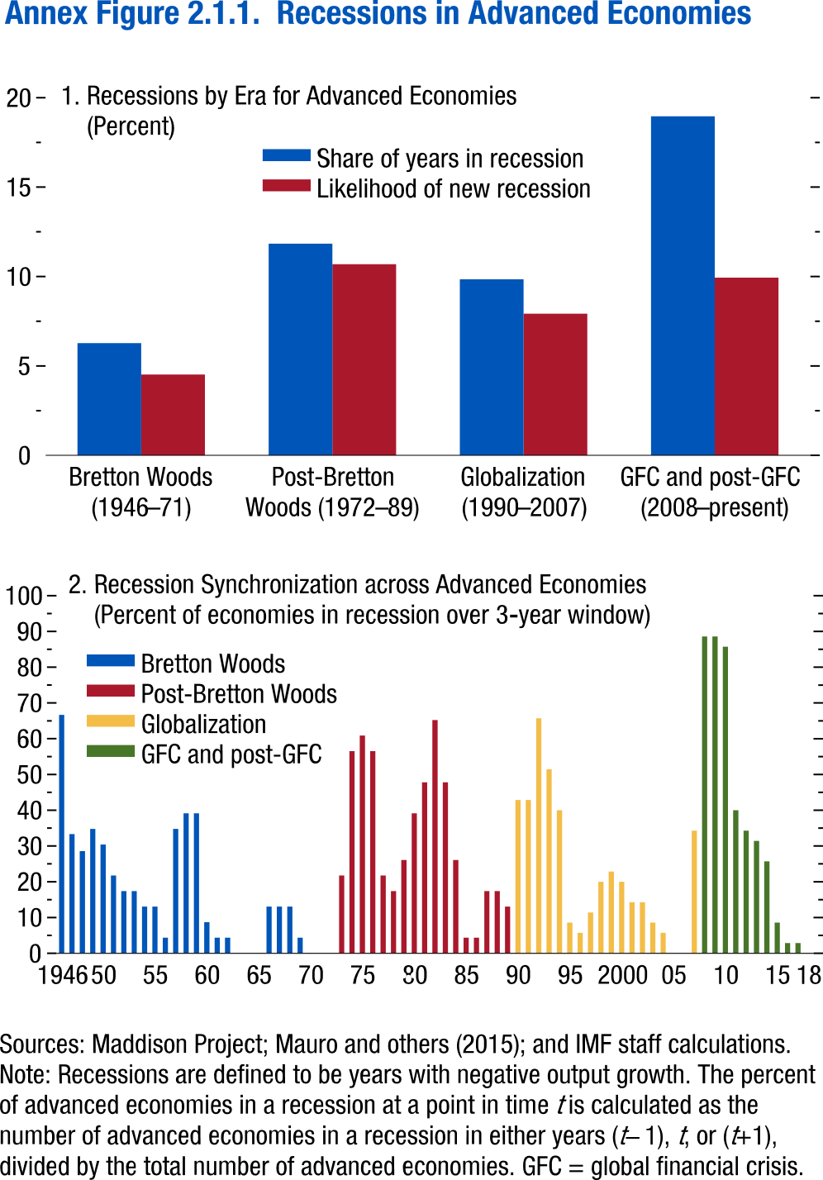
Annex Figure 2.1.1. Recessions in Advanced Economies

Panel 1 | Recessions by era for advanced economies
 | era |  | Gold Standard (1870-1912) | WWI (1913-19) | Interwar (1920-38) | WWII (1939-45) | Bretton Woods (1946–71) | Post-Bretton Woods (1972–89) | Globalization (1990–2007) | GFC and post-GFC (2008–present)
 | Share of years in recession |  | 23.13953 | 47.85714 | 28.1407 | 46.2585 | 6.271186 | 11.83575 | 9.841269 | 18.96104
 | Likelihood of new recession |  | 21.93646 | 45.20548 | 19.93007 | 35.44304 | 4.520796 | 10.68493 | 7.922535 | 9.935898

Panel 2 | Recession synchronization across advanced economies
 | Year | sync_share | Bretton Woods | Post-Bretton Woods | Globalization | GFC and post-GFC
 | 1946 | 66.66666 | 66.66666
 | 1947 | 33.33333 | 33.33333
 | 1948 | 28.57143 | 28.57143
 | 1949 | 34.78261 | 34.78261
 | 1950 | 30.43478 | 30.43478
 | 1951 | 21.73913 | 21.73913
 | 1952 | 17.3913 | 17.3913
 | 1953 | 17.3913 | 17.3913
 | 1954 | 13.04348 | 13.04348
 | 1955 | 13.04348 | 13.04348
 | 1956 | 4.347826 | 4.347826
 | 1957 | 34.78261 | 34.78261
 | 1958 | 39.13044 | 39.13044
 | 1959 | 39.13044 | 39.13044
 | 1960 | 8.695652 | 8.695652
 | 1961 | 4.347826 | 4.347826
 | 1962 | 4.347826 | 4.347826
 | 1963 | 0 | 0
 | 1964 | 0 | 0
 | 1965 | 0 | 0
 | 1966 | 13.04348 | 13.04348
 | 1967 | 13.04348 | 13.04348
 | 1968 | 13.04348 | 13.04348
 | 1969 | 4.347826 | 4.347826
 | 1970 | 0 | 0
 | 1971 | 0 | 0
 | 1972 | 0 |  | 0
 | 1973 | 21.73913 |  | 21.73913
 | 1974 | 56.52174 |  | 56.52174
 | 1975 | 60.86956 |  | 60.86956
 | 1976 | 56.52174 |  | 56.52174
 | 1977 | 21.73913 |  | 21.73913
 | 1978 | 17.3913 |  | 17.3913
 | 1979 | 26.08696 |  | 26.08696
 | 1980 | 39.13044 |  | 39.13044
 | 1981 | 47.82609 |  | 47.82609
 | 1982 | 65.21739 |  | 65.21739
 | 1983 | 47.82609 |  | 47.82609
 | 1984 | 26.08696 |  | 26.08696
 | 1985 | 4.347826 |  | 4.347826
 | 1986 | 4.347826 |  | 4.347826
 | 1987 | 17.3913 |  | 17.3913
 | 1988 | 17.3913 |  | 17.3913
 | 1989 | 13.04348 |  | 13.04348
 | 1990 | 42.85714 |  |  | 42.85714
 | 1991 | 42.85714 |  |  | 42.85714
 | 1992 | 65.71429 |  |  | 65.71429
 | 1993 | 51.42857 |  |  | 51.42857
 | 1994 | 40 |  |  | 40
 | 1995 | 8.571428 |  |  | 8.571428
 | 1996 | 5.714286 |  |  | 5.714286
 | 1997 | 11.42857 |  |  | 11.42857
 | 1998 | 20 |  |  | 20
 | 1999 | 22.85714 |  |  | 22.85714
 | 2000 | 20 |  |  | 20
 | 2001 | 14.28571 |  |  | 14.28571
 | 2002 | 14.28571 |  |  | 14.28571
 | 2003 | 8.571428 |  |  | 8.571428
 | 2004 | 5.714286 |  |  | 5.714286
 | 2005 | 0 |  |  | 0
 | 2006 | 0 |  |  | 0
 | 2007 | 34.28571 |  |  | 34.28571
 | 2008 | 88.57143 |  |  |  | 88.57143
 | 2009 | 88.57143 |  |  |  | 88.57143
 | 2010 | 85.71429 |  |  |  | 85.71429
 | 2011 | 40 |  |  |  | 40
 | 2012 | 34.28571 |  |  |  | 34.28571
 | 2013 | 31.42857 |  |  |  | 31.42857
 | 2014 | 25.71428 |  |  |  | 25.71428
 | 2015 | 8.571428 |  |  |  | 8.571428
 | 2016 | 2.857143 |  |  |  | 2.857143
 | 2017 | 2.857143 |  |  |  | 2.857143
 | 2018 | 0 |  |  |  | 0

Annex Figure 2.2.1.
Figure 1.16. World Distribution of Tax-to-GDP Ratio, 2016
Revenue mobilization remains limited in low-income developing countries.
Source: IMF staff estimates.
Note: AEs = advanced economies; EMMIEs = emerging markets and middle-income economies; LIDCs = low-income developing economies.
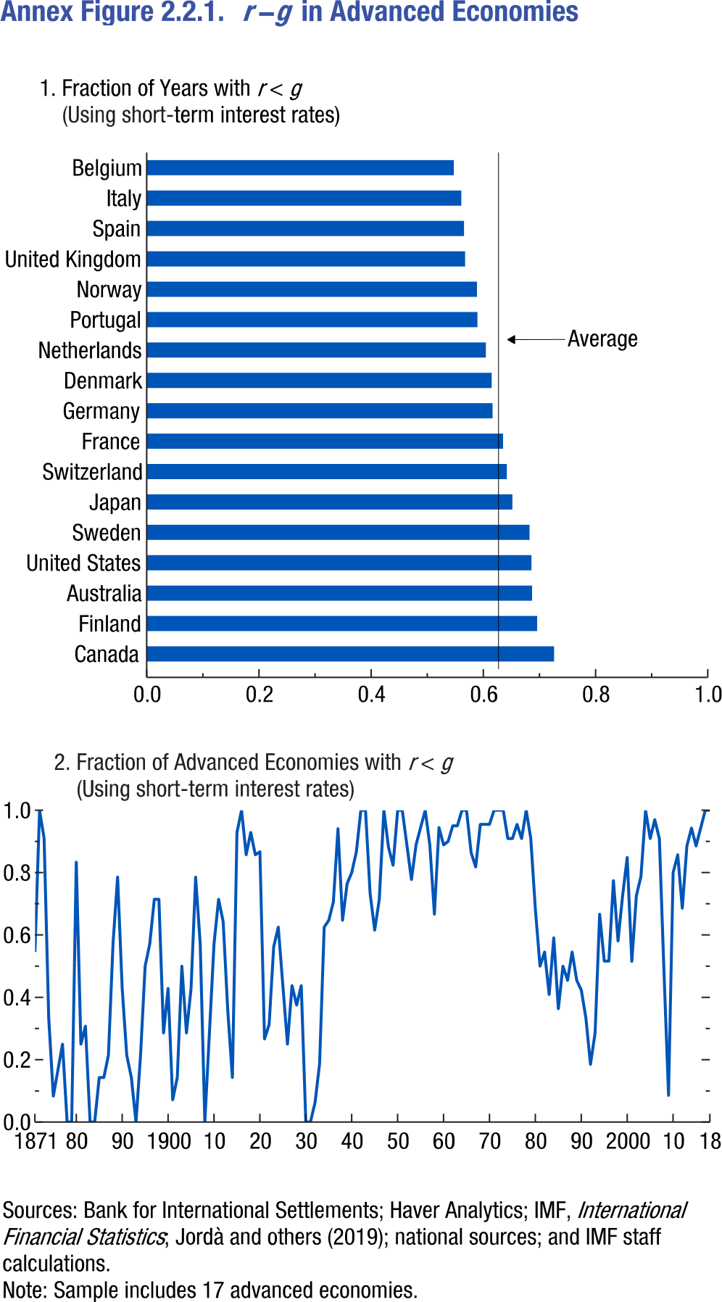
Annex Figure 2.2.1. r-g in Advanced Economies

Panel 1 | Fraction of years with r<g | Panel 2 | Fractions of advanced economies with r<g
Counrty | r-g | Year | r-g
Canada | 0.726190448 | 1871 | 0.545455
Finland | 0.695945919 | 1872 | 1
Australia | 0.686868668 | 1873 | 0.909091
United States | 0.685714304 | 1874 | 0.333333
Sweden | 0.682432413 | 1875 | 0.083333
Japan | 0.651851833 | 1876 | 0.166667
Switzerland | 0.641891897 | 1877 | 0.25
France | 0.635135114 | 1878 | 0
Germany | 0.616438329 | 1879 | 0
Denmark | 0.614864886 | 80 | 0.833333
Netherlands | 0.604477584 |  | 0.25
Portugal | 0.589552224 |  | 0.307692
Norway | 0.588652492 |  | 0
United Kingdom | 0.567567587 |  | 0
Spain | 0.565517247 |  | 0.142857
Italy | 0.560810804 |  | 0.142857
Belgium | 0.547297299 |  | 0.214286
 |  |  | 0.571429
 |  |  | 0.785714
 |  | 90 | 0.428571
 |  |  | 0.214286
 |  |  | 0.142857
 |  |  | 0
 |  |  | 0.214286
 |  |  | 0.5
 |  |  | 0.571429
 |  |  | 0.714286
 |  |  | 0.714286
 |  |  | 0.285714
 |  | 1900 | 0.428571
 |  |  | 0.071429
 |  |  | 0.142857
 |  |  | 0.5
 |  |  | 0.285714
 |  |  | 0.428571
 |  |  | 0.785714
 |  |  | 0.571429
 |  |  | 0
 |  |  | 0.285714
 |  | 10 | 0.571429
 |  |  | 0.714286
 |  |  | 0.642857
 |  |  | 0.357143
 |  |  | 0.142857
 |  |  | 0.928571
 |  |  | 1
 |  |  | 0.857143
 |  |  | 0.928571
 |  |  | 0.857143
 |  | 20 | 0.866667
 |  |  | 0.266667
 |  |  | 0.3125
 |  |  | 0.5625
 |  |  | 0.625
 |  |  | 0.4375
 |  |  | 0.25
 |  |  | 0.4375
 |  |  | 0.375
 |  |  | 0.4375
 |  | 30 | 0
 |  |  | 0
 |  |  | 0.0625
 |  |  | 0.1875
 |  |  | 0.625
 |  |  | 0.647059
 |  |  | 0.705882
 |  |  | 0.941176
 |  |  | 0.647059
 |  |  | 0.764706
 |  | 40 | 0.8
 |  |  | 0.866667
 |  |  | 1
 |  |  | 1
 |  |  | 0.733333
 |  |  | 0.615385
 |  |  | 0.714286
 |  |  | 1
 |  |  | 0.882353
 |  |  | 0.823529
 |  | 50 | 1
 |  |  | 1
 |  |  | 0.888889
 |  |  | 0.777778
 |  |  | 0.888889
 |  |  | 0.944444
 |  |  | 1
 |  |  | 0.888889
 |  |  | 0.666667
 |  |  | 0.944444
 |  | 60 | 0.888889
 |  |  | 0.9
 |  |  | 0.95
 |  |  | 0.95
 |  |  | 1
 |  |  | 1
 |  |  | 0.863636
 |  |  | 0.818182
 |  |  | 0.954545
 |  |  | 0.954545
 |  | 70 | 0.954545
 |  |  | 1
 |  |  | 1
 |  |  | 1
 |  |  | 0.909091
 |  |  | 0.909091
 |  |  | 0.954545
 |  |  | 0.909091
 |  |  | 1
 |  |  | 0.909091
 |  | 80 | 0.681818
 |  |  | 0.5
 |  |  | 0.545455
 |  |  | 0.409091
 |  |  | 0.590909
 |  |  | 0.363636
 |  |  | 0.5
 |  |  | 0.454545
 |  |  | 0.545455
 |  |  | 0.454545
 |  | 90 | 0.423077
 |  |  | 0.333333
 |  |  | 0.185185
 |  |  | 0.285714
 |  |  | 0.666667
 |  |  | 0.516129
 |  |  | 0.516129
 |  |  | 0.774194
 |  |  | 0.580645
 |  |  | 0.727273
 |  | 2000 | 0.848485
 |  |  | 0.515152
 |  |  | 0.727273
 |  |  | 0.787879
 |  |  | 1
 |  |  | 0.909091
 |  |  | 0.969697
 |  |  | 0.909091
 |  |  | 0.485714
 |  |  | 0.085714
 |  | 10 | 0.8
 |  |  | 0.857143
 |  |  | 0.685714
 |  |  | 0.885714
 |  |  | 0.942857
 |  |  | 0.885714
 |  |  | 0.942857
 |  |  | 1
 |  | 18 | 1

Annex Figure 2.2.2.
Figure 1.16. World Distribution of Tax-to-GDP Ratio, 2016
Revenue mobilization remains limited in low-income developing countries.
Source: IMF staff estimates.
Note: AEs = advanced economies; EMMIEs = emerging markets and middle-income economies; LIDCs = low-income developing economies.
Annex Figure 2.2.2. Interest Rate-Growth Differentials in Advanced Economies

FIN | FRA | GBR | ITA | JPN | NLD | NOR | PRT | SWE | USA
-1.5809 | 6.822807 | -5.20787 | 4.174953 |  | -1.0927 | 0.62497 |  | -2.13778
-3.03939 | -0.29205 | -2.00507 | -1.87046 |  | -9.29771 | -9.93318 |  | -9.77128
-5.33049 | 8.028638 | -0.04864 | -6.47224 |  | -3.13239 | -9.57041 |  | -11.005
-4.79479 | -3.02873 | 4.258726 | 3.147537 |  | 6.36619 | -3.43512 |  | -2.59212
3.680637 | 3.061283 | 5.340284 | 19.02805 |  | 6.181983 | 8.295897 |  | 9.065816
-2.04596 | 9.557366 | 3.916116 | 6.576933 |  | 2.733407 | 2.124191 |  | -1.01223
8.00362 | -1.8916 | 3.991856 | -7.64561 |  | 0.02527 | 6.240304 |  | 7.996191
18.77581 | 4.821906 | 6.402814 | 5.22183 |  | 8.411329 | 17.70115 |  | 15.57488
10.06478 | 10.66297 | 6.016212 | 7.996289 |  | 8.497106 | 11.72313 |  | 6.742383
-5.95213 | -7.85407 | -3.86333 | -2.27836 |  | -4.99572 | -4.19549 |  | 1.442433
3.801589 | -0.3118 | 1.4686 | 5.649602 |  | 2.048402 | 1.782778 |  | -0.82398
-2.30958 | -1.40981 | 0.885774 | 1.855225 | 15.52679 | -0.50948 | 1.989151 |  | 6.102462
3.220982 | 5.2212 | 3.42098 | 9.021247 | 13.68855 | 5.845157 | 5.874121 |  | 0.20772
6.24859 | 7.44885 | 6.119367 | 7.635863 | 2.926271 | 4.214666 | 8.414171 |  | 6.359979
6.299486 | 6.576505 | 5.12346 | -1.86349 | -3.97513 | 6.881647 | 10.34275 | 2.755157 | 5.804072
6.633125 | 2.498006 | 2.343785 | -0.88898 | 5.746993 | 3.894288 | 6.3698 | -0.03572 | 9.506401
4.247016 | 3.325059 | -0.96955 | 8.982838 | 4.532795 | -1.76517 | 5.462733 | 2.693348 | 8.531635
-0.68428 | 0.956544 | -0.94273 | 6.218815 | 7.704859 | -0.77168 | -4.06815 | -0.83555 | -1.43723
-6.84172 | -3.74077 | -2.05161 | 1.005574 | -2.42418 | -2.49444 | -4.8982 | 3.120291 | -3.54302
-1.38654 | -2.47655 | 2.052353 | 1.073282 | -18.4678 | 2.502392 | 2.422127 | 6.202335 | 0.561779
-0.41684 | 1.606885 | 3.221258 | 5.746805 | 14.31632 | 1.620176 | 2.154487 | 5.876544 | -1.05107
...

Annex Figure 2.2.3.
Figure 1.16. World Distribution of Tax-to-GDP Ratio, 2016
Revenue mobilization remains limited in low-income developing countries.
Source: IMF staff estimates.
Note: AEs = advanced economies; EMMIEs = emerging markets and middle-income economies; LIDCs = low-income developing economies.
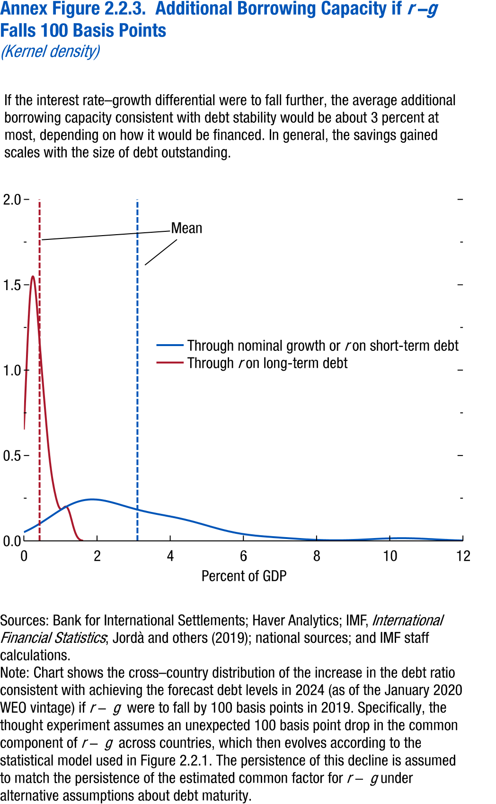
Annex Figure 2.2.3. Additional Borrowing Capacity if r-g Falls 100 Basis Points

Through nominal growth or r on short-term debt | g.y | Through r on long-term debt | r.y
0 | 0.051319 | 0 | 0.65195
0.02525 | 0.053715 | 0.003168 | 0.666724
0.0505 | 0.056161 | 0.006336 | 0.681645
0.07575 | 0.05868 | 0.009504 | 0.696754
0.101 | 0.061282 | 0.012671 | 0.711944
0.12625 | 0.063931 | 0.015839 | 0.727333
0.1515 | 0.066659 | 0.019007 | 0.742814
0.17675 | 0.069458 | 0.022175 | 0.758407
0.202 | 0.072304 | 0.025343 | 0.774144
0.22725 | 0.07523 | 0.028511 | 0.78994
0.2525 | 0.078216 | 0.031679 | 0.805875
0.27775 | 0.081246 | 0.034847 | 0.821873
0.303 | 0.084355 | 0.038014 | 0.837943
0.32825 | 0.087513 | 0.041182 | 0.8541
0.353501 | 0.09071 | 0.04435 | 0.870291
0.378751 | 0.093982 | 0.047518 | 0.886551
0.404001 | 0.097291 | 0.050686 | 0.902837
0.429251 | 0.100636 | 0.053854 | 0.919151
0.454501 | 0.104044 | 0.057022 | 0.935484
0.479751 | 0.107479 | 0.06019 | 0.95182
0.505001 | 0.110947 | 0.063357 | 0.968152
0.530251 | 0.11446 | 0.066525 | 0.984464
0.555501 | 0.117993 | 0.069693 | 1.000758
0.580751 | 0.121551 | 0.072861 | 1.016994
0.606001 | 0.125137 | 0.076029 | 1.033201
0.631251 | 0.128735 | 0.079197 | 1.049325
0.656501 | 0.132348 | 0.082365 | 1.065379
0.681751 | 0.135971 | 0.085533 | 1.081368
0.707001 | 0.139597 | 0.0887 | 1.097215
0.732251 | 0.143225 | 0.091868 | 1.112998
0.757501 | 0.146848 | 0.095036 | 1.128621
0.782751 | 0.150465 | 0.098204 | 1.144119
0.808001 | 0.154066 | 0.101372 | 1.159509
0.833251 | 0.157648 | 0.10454 | 1.174667
...

Annex Figure 2.2.4.
Figure 1.16. World Distribution of Tax-to-GDP Ratio, 2016
Revenue mobilization remains limited in low-income developing countries.
Source: IMF staff estimates.
Note: AEs = advanced economies; EMMIEs = emerging markets and middle-income economies; LIDCs = low-income developing economies.
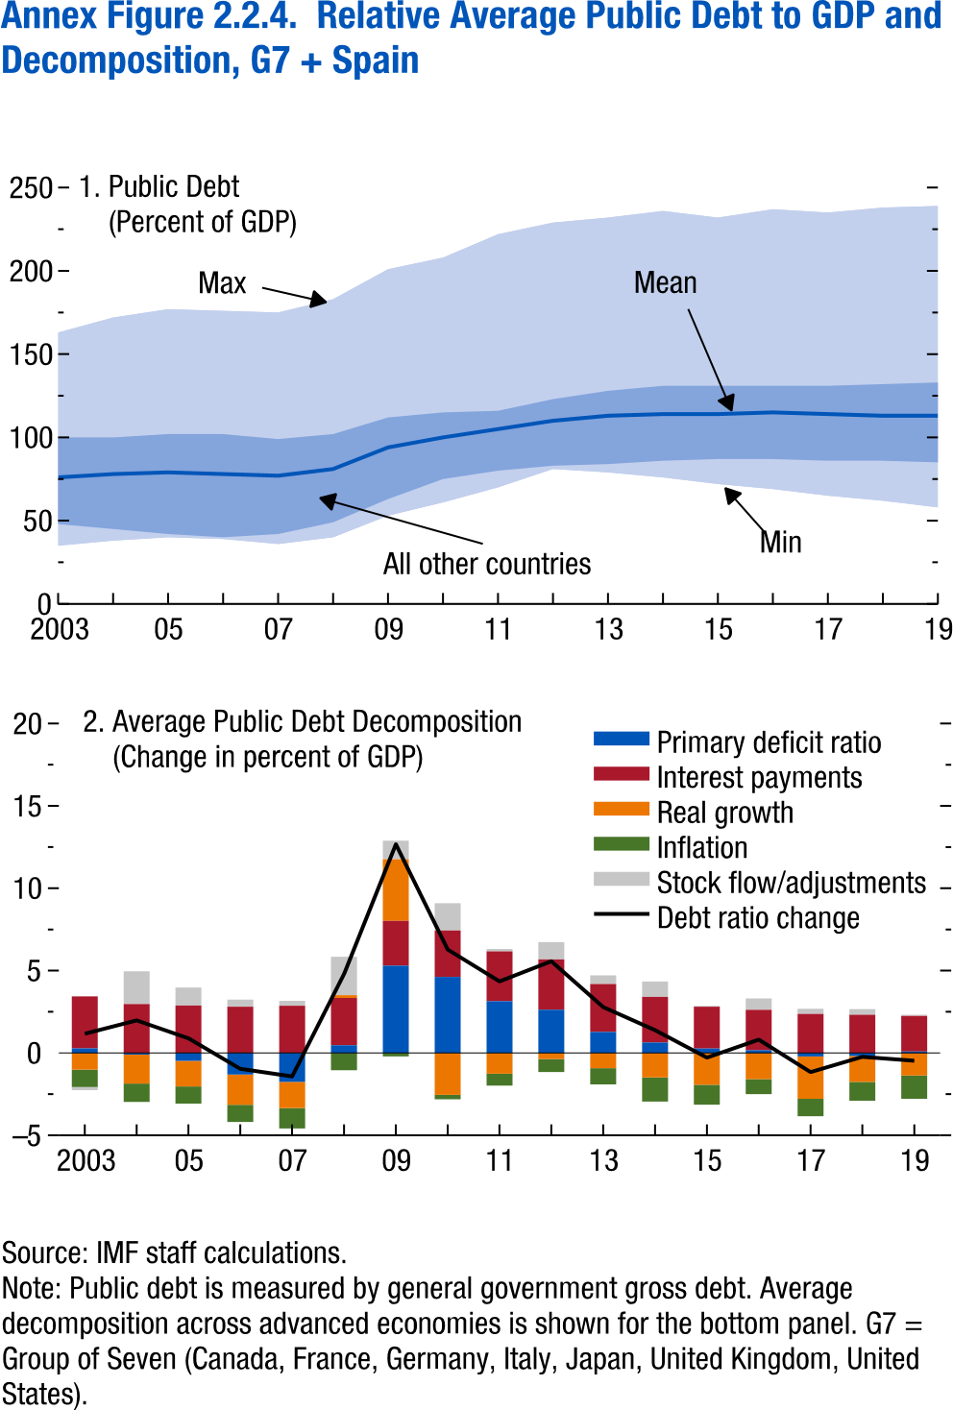
Annex Figure 2.2.4. Relative Average Public Debt to GDP and Decomposition, G7 + Spain

Panel 1 Publicj Debt
Year | 2003 | 4 | 5
G7 + ESP Debt Ratio | 76 | 78 | 79
10th percentile | 35 | 38 | 40
25th percentile | 48 | 45 | 42
75th percentile | 100 | 100 | 102
90th percentile | 163 | 172 | 177

Panel 2 Average public debt decomposition
Debt ratio change | 1.17 | 1.98 | 0.89
Primary deficit ratio | 0.28 | -0.1 | -0.48
Interest payments | 3.16 | 2.97 | 2.88
Real growth | -1.01 | -1.76 | -1.55
Inflation | -1.06 | -1.11 | -1.04
Stock flow/adjustments | -0.19 | 1.99 | 1.09

Annex Figure 2.2.5.
Figure 1.16. World Distribution of Tax-to-GDP Ratio, 2016
Revenue mobilization remains limited in low-income developing countries.
Source: IMF staff estimates.
Note: AEs = advanced economies; EMMIEs = emerging markets and middle-income economies; LIDCs = low-income developing economies.
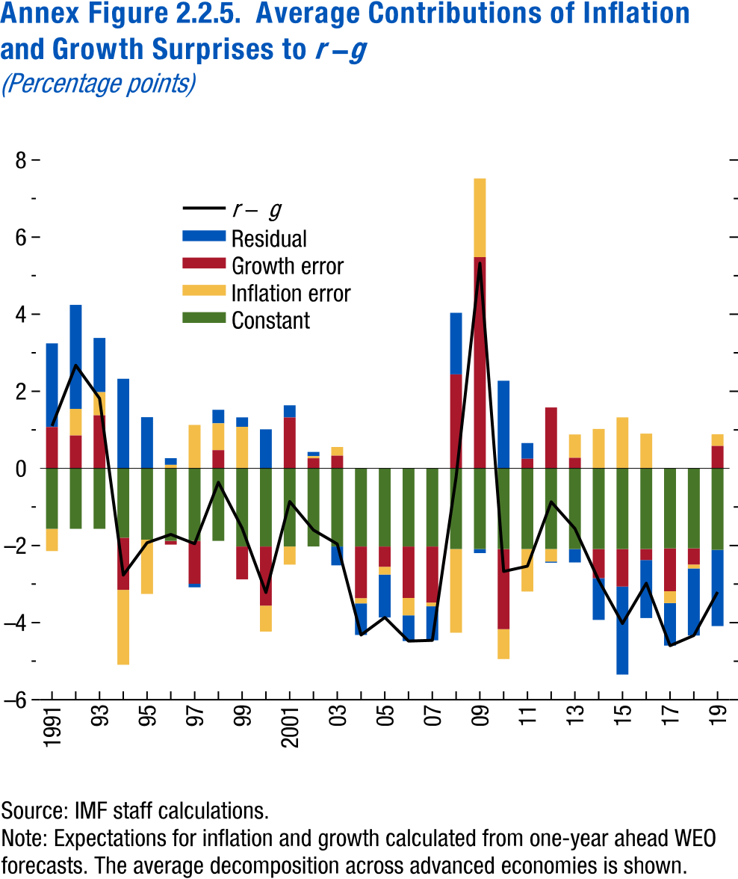
Annex Figure 2.2.5. Average Contributions of Inflation and Growth Surprises to r-g

Year | Residual | Growth error | Inflation error
1991 | 2.168485 | 1.07555 | -0.57465
1992 | 2.697533 | 0.853361 | 0.692112
1993 | 1.407359 | 1.376502 | 0.601311
1994 | 2.326339 | -1.35154 | -1.94433
1995 | 1.316778 | 0.013741 | -1.409
1996 | 0.171421 | -0.09501 | 0.092597
1997 | -0.09195 | -1.11039 | 1.129262
1998 | 0.352085 | 0.473453 | 0.694632
1999 | 0.245682 | -0.85142 | 1.079104
2000 | 1.014191 | -1.53378 | -0.67197
2001 | 0.31514 | 1.322209 | -0.46997
2002 | 0.109065 | 0.263558 | 0.054402
2003 | -0.48972 | 0.329891 | 0.226191
2004 | -0.81921 | -1.33797 | -0.13628
2005 | -1.11192 | -0.52523 | -0.20257
2006 | -0.6684 | -1.334 | -0.44983
2007 | -0.88084 | -1.45484 | -0.09653
2008 | 1.599377 | 2.438503 | -2.17085
2009 | -0.10502 | 5.481547 | 2.039365
2010 | 2.275256 | -2.07771 | -0.77635
2011 | 0.408403 | 0.250432 | -1.10065
2012 | -0.03046 | 1.579514 | -0.32412
2013 | -0.34812 | 0.27583 | 0.603829
2014 | -1.08231 | -0.75496 | 1.022998
2015 | -2.28314 | -0.9729 | 1.325812
...

Annex Figure 2.2.6.
Figure 1.16. World Distribution of Tax-to-GDP Ratio, 2016
Revenue mobilization remains limited in low-income developing countries.
Source: IMF staff estimates.
Note: AEs = advanced economies; EMMIEs = emerging markets and middle-income economies; LIDCs = low-income developing economies.
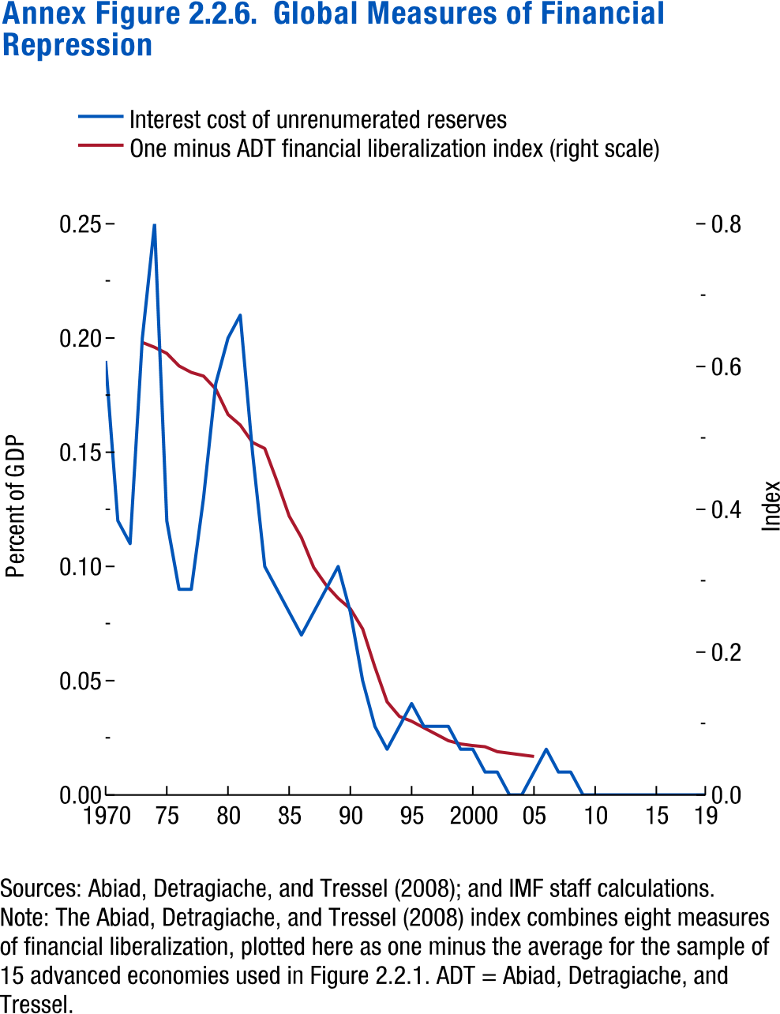
Annex Figure 2.2.6. Global Measures of Financial Repression

Year | Interest cost of unrenumerated reserves | One minus ADT financial liberalization index (right scale)
1970 | 0.19
1971 | 0.12
1972 | 0.11
1973 | 0.2 | 0.633787
1974 | 0.25 | 0.626984
1975 | 0.12 | 0.618481
1976 | 0.09 | 0.600907
1977 | 0.09 | 0.591837
1978 | 0.13 | 0.586735
1979 | 0.18 | 0.568594
1980 | 0.2 | 0.53288
1981 | 0.21 | 0.518141
1982 | 0.15 | 0.493764
1983 | 0.1 | 0.485261
1984 | 0.09 | 0.439342
1985 | 0.08 | 0.39059
1986 | 0.07 | 0.360544
1987 | 0.08 | 0.318594
1988 | 0.09 | 0.294218
1989 | 0.1 | 0.27551
1990 | 0.08 | 0.260771
1991 | 0.05 | 0.232426
1992 | 0.03 | 0.179138
1993 | 0.02 | 0.130385
1994 | 0.03 | 0.109977
1995 | 0.04 | 0.103175
1996 | 0.03 | 0.094104
...

Annex Figure 2.3.1.
Figure 1.16. World Distribution of Tax-to-GDP Ratio, 2016
Revenue mobilization remains limited in low-income developing countries.
Source: IMF staff estimates.
Note: AEs = advanced economies; EMMIEs = emerging markets and middle-income economies; LIDCs = low-income developing economies.
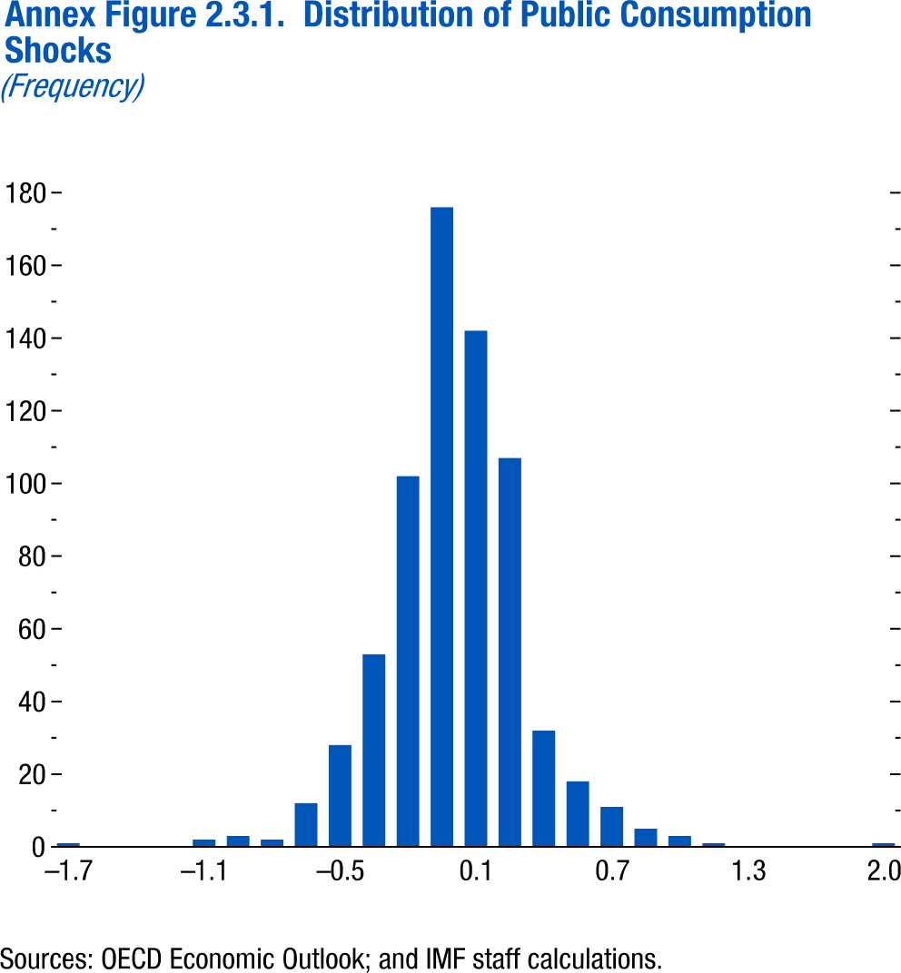
Annex Figure 2.3.1. Distribution of Public Consumption Shocks

Shock | Frequency
-2 | 0
-1.85 | 0
-1.7 | 1
-1.55 | 0
-1.4 | 0
-1.25 | 0
-1.1 | 2
-0.95 | 3
-0.8 | 2
-0.65 | 12
-0.5 | 28
-0.35 | 53
-0.2 | 102
-0.05 | 176
0.1 | 142
0.25 | 107
0.4 | 32
0.55 | 18
0.7 | 11
0.85 | 5
1 | 3
1.15 | 1
1.3 | 0
...

Annex Figure 2.3.2.
Figure 1.16. World Distribution of Tax-to-GDP Ratio, 2016
Revenue mobilization remains limited in low-income developing countries.
Source: IMF staff estimates.
Note: AEs = advanced economies; EMMIEs = emerging markets and middle-income economies; LIDCs = low-income developing economies.
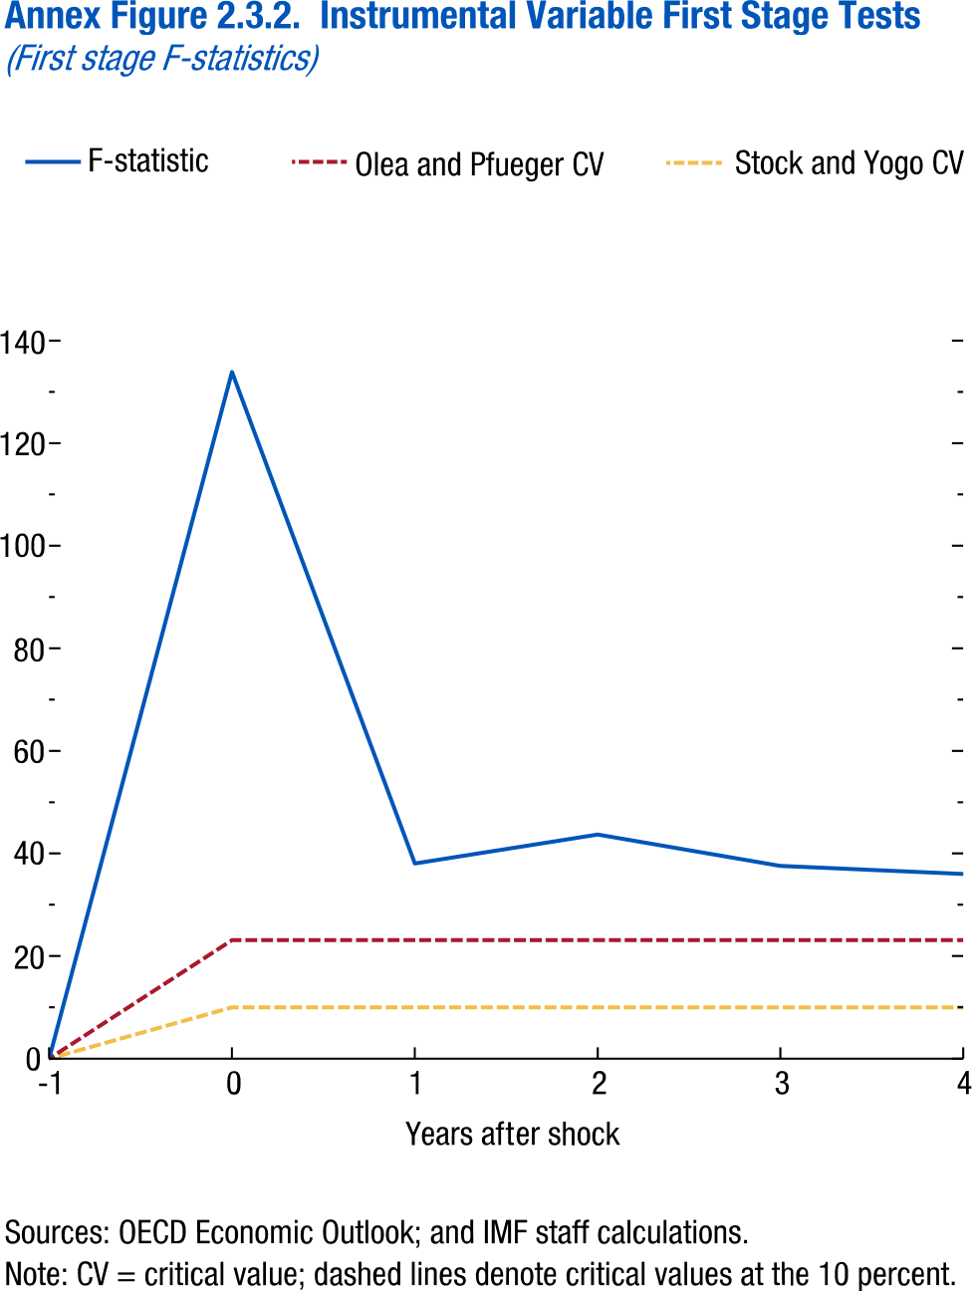
Annex Figure 2.3.2. Instrumental Variable First Stage Tests

time | F-statistic | Stock and Yogo CV | Olea and Pflueger CV
-1 | 0 | 0 | 0
0 | 133.8836 | 10 | 23.10851
1 | 38.03543 | 10 | 23.10851
2 | 43.68876 | 10 | 23.10851
3 | 37.58247 | 10 | 23.10851
4 | 36.01434 | 10 | 23.10851

Annex Figure 2.3.3.
Figure 1.16. World Distribution of Tax-to-GDP Ratio, 2016
Revenue mobilization remains limited in low-income developing countries.
Source: IMF staff estimates.
Note: AEs = advanced economies; EMMIEs = emerging markets and middle-income economies; LIDCs = low-income developing economies.
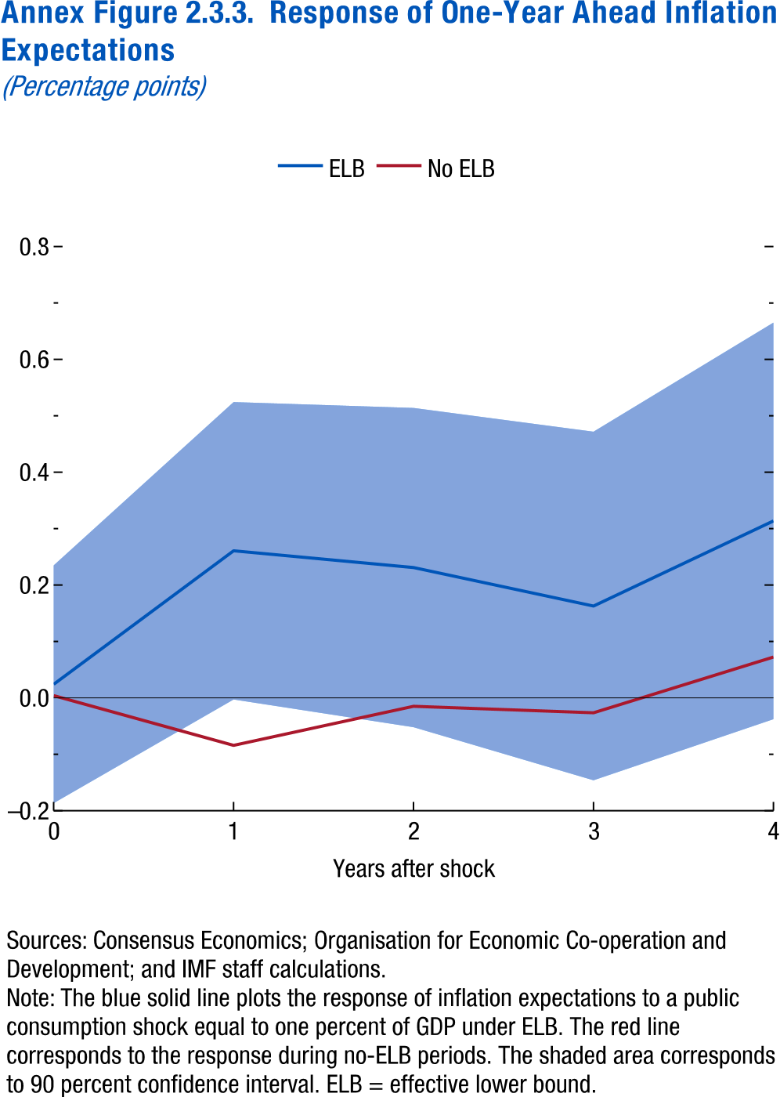
Annex Figure 2.3.3. Response of One-Year Ahead Inflation Expectations
(Thousand US dollars per worker, constant PPP)

Time | ELB | No ELB | 90 percent confidence interval: high
0 | 0.024167546 | 0.004027222 | 0.234855
1 | 0.260799721 | -0.084108343 | 0.524382
2 | 0.231069164 | -0.014874431 | 0.514009
3 | 0.162906022 | -0.02640007 | 0.471876
4 | 0.313797201 | 0.072469861 | 0.665278

Annex Figure 2.3.4.
Figure 1.16. World Distribution of Tax-to-GDP Ratio, 2016
Revenue mobilization remains limited in low-income developing countries.
Source: IMF staff estimates.
Note: AEs = advanced economies; EMMIEs = emerging markets and middle-income economies; LIDCs = low-income developing economies.
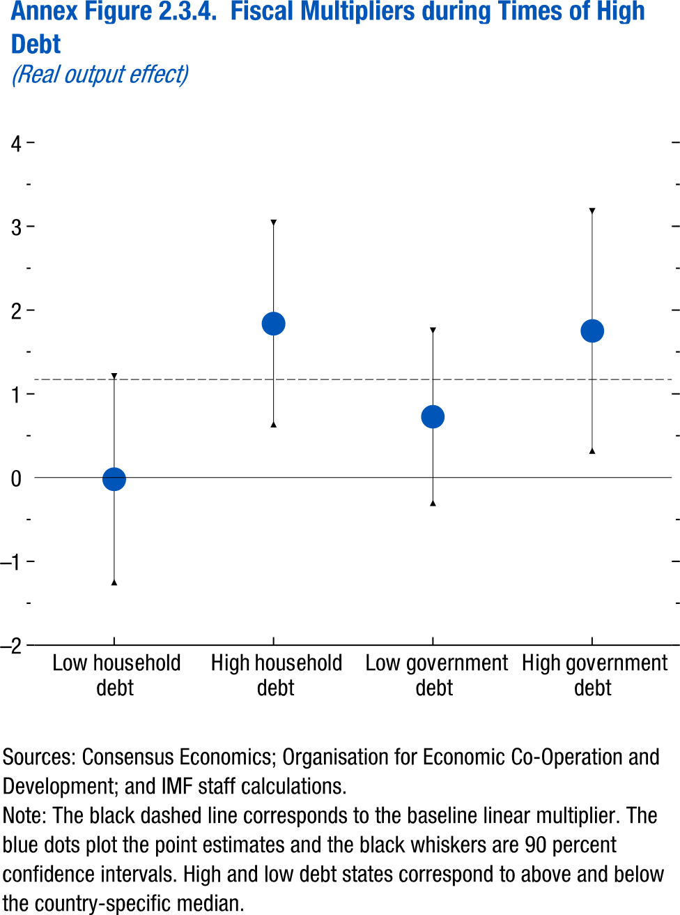
Annex Figure 2.3.4. Fiscal Multipliers during Times of High Debt

 | 90 percent confidence interval: high | 90 percent confidence interval: low | Estimate
Low household debt | 1.209778 | -1.24907 | -0.01964
High household debt | 3.041635 | 0.635853 | 1.838744
Low government debt | 1.75447 | -0.30195 | 0.72626
High government debt | 3.180854 | 0.320947 | 1.750901
Baseline one-year multiplier | 1.17087

Annex Figure 2.4.1.
Figure 1.16. World Distribution of Tax-to-GDP Ratio, 2016
Revenue mobilization remains limited in low-income developing countries.
Source: IMF staff estimates.
Note: AEs = advanced economies; EMMIEs = emerging markets and middle-income economies; LIDCs = low-income developing economies.
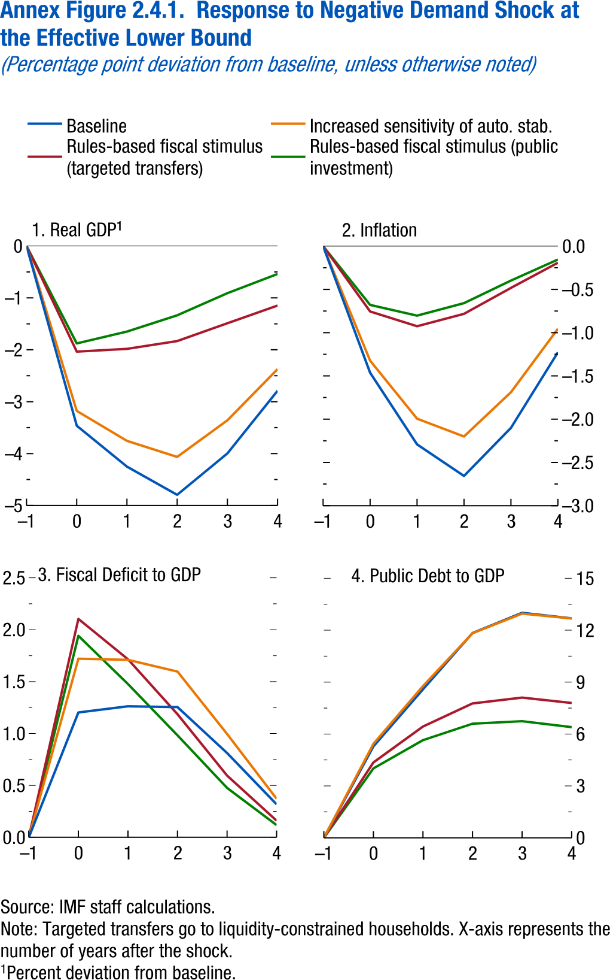
Annex Figure 2.4.1. Response to Negative Demand Shock at the Effective Lower Bound

Panel 1 | Real GDP
Horizon | Baseline ELB | Increased sensitivity of auto. stab. | Rules-based fiscal stimulus (targeted transfers)
-1 | 0 | 0 | 0
0 | -3.46308 | -3.1774 | -2.0353
1 | -4.25107 | -3.75379 | -1.98203
2 | -4.79389 | -4.06298 | -1.83236
3 | -3.99603 | -3.35826 | -1.48881
4 | -2.7878 | -2.37266 | -1.14734

Annex Figure 2.4.2.
Figure 1.16. World Distribution of Tax-to-GDP Ratio, 2016
Revenue mobilization remains limited in low-income developing countries.
Source: IMF staff estimates.
Note: AEs = advanced economies; EMMIEs = emerging markets and middle-income economies; LIDCs = low-income developing economies.
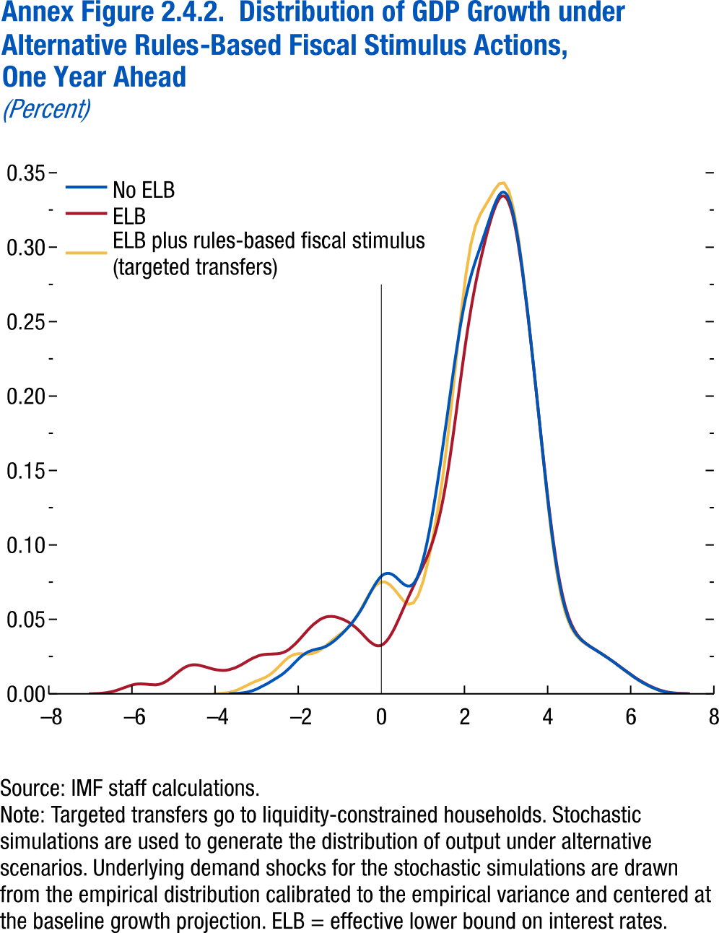
Annex Figure 2.4.2. Distribution of GDP Growth under Alternative Rules-Based Fiscal Stimulus Actions, One Year Ahead

No ELB |  | ELB
x | y | x | y
-3.664 | 0 | -7.035 | 0
-3.5524 | 0.0001 | -6.8889 | 0.0001
-3.4408 | 0.0003 | -6.7428 | 0.0003
-3.3292 | 0.0006 | -6.5968 | 0.0008
-3.2177 | 0.0012 | -6.4507 | 0.0016
-3.1061 | 0.002 | -6.3047 | 0.0029
-2.9945 | 0.0032 | -6.1586 | 0.0044
-2.8829 | 0.0048 | -6.0126 | 0.0058
-2.7713 | 0.0064 | -5.8665 | 0.0066
-2.6598 | 0.0082 | -5.7205 | 0.0066
-2.5482 | 0.0101 | -5.5744 | 0.0062
-2.4366 | 0.0121 | -5.4284 | 0.006
-2.325 | 0.0144 | -5.2823 | 0.0069
-2.2134 | 0.0172 | -5.1363 | 0.0091
-2.1019 | 0.0204 | -4.9902 | 0.0123
-1.9903 | 0.0235 | -4.8441 | 0.0156
-1.8787 | 0.0262 | -4.6981 | 0.0182
-1.7671 | 0.0282 | -4.552 | 0.0194
-1.6555 | 0.0294 | -4.406 | 0.0193
-1.544 | 0.0302 | -4.2599 | 0.0183
-1.4324 | 0.0309 | -4.1139 | 0.0171
-1.3208 | 0.0321 | -3.9678 | 0.0161
-1.2092 | 0.034 | -3.8218 | 0.0157
-1.0976 | 0.0364 | -3.6757 | 0.0161
-0.986 | 0.0393 | -3.5297 | 0.0173
-0.8745 | 0.0424 | -3.3836 | 0.0192
...

