Figure 3.1.
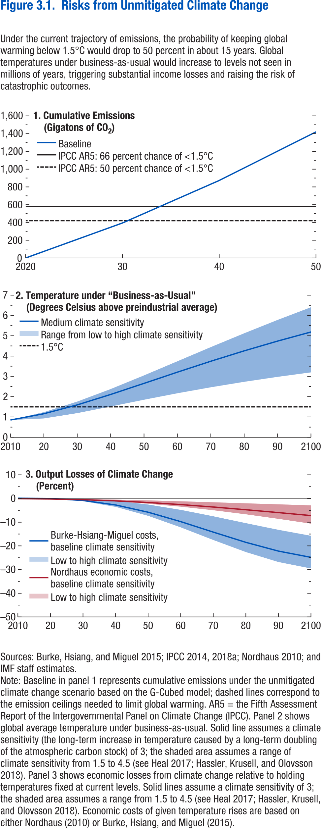
Figure 3.1. Risks from Unmitigated Climate Change

1. Cumulative Emissions |  |  |  | 2. Temperature under “Business-As-Usual” |  |  |  | 3. Output Losses of Climate Change
(Gigaton CO2) |  |  |  | (Degrees Celsius above preindustrial average) |  |  |  | (Percent)
Year | Baseline | IPCC AR5: 66 percent chance of <1.5°C | IPCC AR5: 50 percent chance of <1.5°C | Year | High climate sensitivity | Medium climate sensitivity | Low climate sensitivity | Year | Nordhaus economic costs, high climate sensitivity | Nordhaus economic costs, baseline climate sensitivity | Nordhaus economic costs, low climate sensitivity | Burke-Hsiang-Miguel costs, high climate sensitivity | Burke-Hsiang-Miguel costs, baseline climate sensitivity | Burke-Hsiang-Miguel costs, low climate sensitivity
2020 | 0 | 420 | 580 | 2010 | 0.85 | 0.85 | 0.85 | 2010 | 0.00 | 0.00 | 0.00 | 0.20 | 0.20 | 0.20
2030 | 394.04 | 420 | 580 | 2020 | 1.24 | 1.16 | 0.93 | 2020 | -0.17 | -0.13 | -0.03 | 0.02 | 0.09 | 0.27
2040 | 872.52 | 420 | 580 | 2030 | 1.76 | 1.59 | 1.19 | 2030 | -0.55 | -0.43 | -0.16 | -1.05 | -0.75 | -0.01
2050 | 1419.55 | 420 | 580 | 2040 | 2.37 | 2.11 | 1.52 | 2040 | -1.20 | -0.92 | -0.40 | -3.45 | -2.66 | -0.88
 |  |  |  | 2050 | 3.05 | 2.65 | 1.85 | 2050 | -2.13 | -1.62 | -0.72 | -7.24 | -5.72 | -2.47
 |  |  |  | 2060 | 3.74 | 3.21 | 2.17 | 2060 | -3.37 | -2.49 | -1.10 | -12.12 | -9.70 | -4.72
 |  |  |  | 2070 | 4.44 | 3.74 | 2.46 | 2070 | -4.87 | -3.52 | -1.52 | -17.46 | -14.13 | -7.44
 |  |  |  | 2080 | 5.12 | 4.26 | 2.73 | 2080 | -6.61 | -4.66 | -1.95 | -22.56 | -18.45 | -10.34
 |  |  |  | 2090 | 5.78 | 4.74 | 2.98 | 2090 | -8.52 | -5.88 | -2.39 | -26.77 | -22.16 | -13.17
 |  |  |  | 2100 | 6.41 | 5.19 | 3.20 | 2100 | -10.57 | -7.14 | -2.82 | -29.50 | -24.81 | -15.69

Figure 3.2.
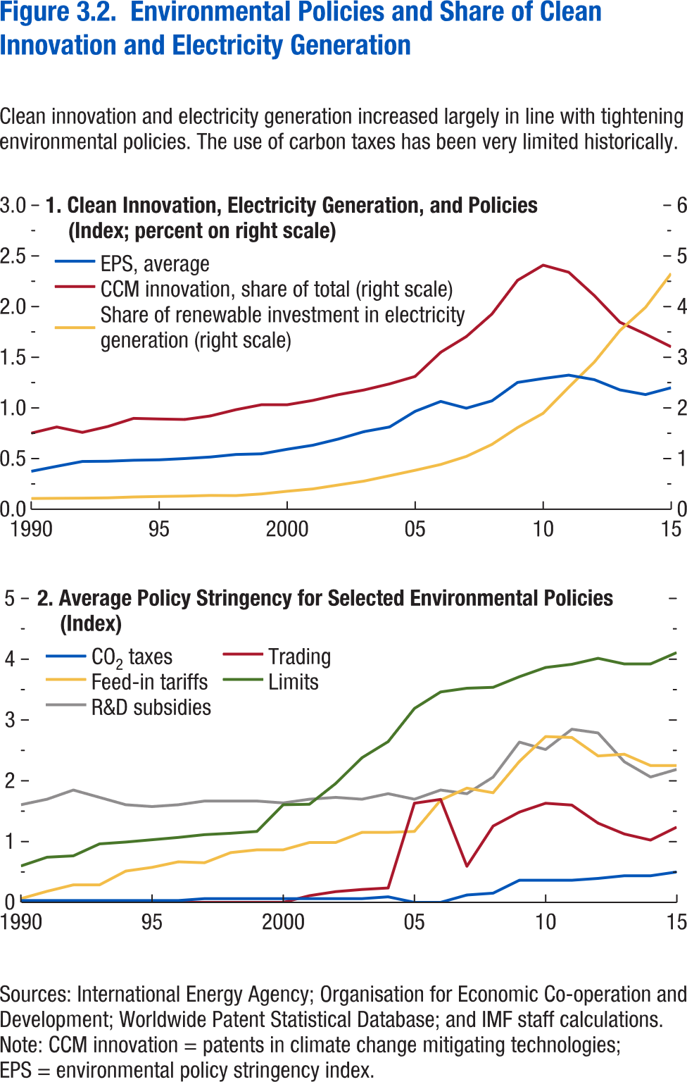
Figure 3.2. Environmental Policies and Share of Clean Innovation and Electricity Generation

1. Clean Innovation, Electricity Generation, and Policies |  |  |  | 2. Average Policy Stringency for Selected Environmental Policies
(Index; percent on right scale) |  |  |  | (Index)
Year | EPS, average | Share of renewable investment in electricity generation (right scale) | CCM innovation, share of total (right scale) | Year | CO2 taxes | Trading | Feed-in tariffs | Limits | R&D subsidies
1990 | 0.75 | 0.21 | 1.50 | 1990 | 0.03 | 0.00 | 0.06 | 0.60 | 1.61
1991 | 0.85 | 0.22 | 1.62 | 1991 | 0.03 | 0.00 | 0.18 | 0.74 | 1.70
1992 | 0.94 | 0.22 | 1.52 | 1992 | 0.03 | 0.00 | 0.29 | 0.77 | 1.85
1993 | 0.95 | 0.22 | 1.63 | 1993 | 0.03 | 0.00 | 0.29 | 0.96 | 1.73
1994 | 0.97 | 0.24 | 1.79 | 1994 | 0.03 | 0.00 | 0.52 | 0.99 | 1.61
1995 | 0.97 | 0.25 | 1.78 | 1995 | 0.03 | 0.00 | 0.58 | 1.03 | 1.58
1996 | 1.00 | 0.26 | 1.77 | 1996 | 0.03 | 0.00 | 0.67 | 1.07 | 1.61
1997 | 1.03 | 0.27 | 1.84 | 1997 | 0.06 | 0.00 | 0.65 | 1.11 | 1.67
1998 | 1.08 | 0.27 | 1.96 | 1998 | 0.06 | 0.00 | 0.82 | 1.14 | 1.67
1999 | 1.09 | 0.30 | 2.06 | 1999 | 0.06 | 0.00 | 0.86 | 1.17 | 1.67
2000 | 1.18 | 0.35 | 2.06 | 2000 | 0.06 | 0.00 | 0.86 | 1.61 | 1.64
2001 | 1.26 | 0.40 | 2.15 | 2001 | 0.06 | 0.11 | 0.98 | 1.61 | 1.70
2002 | 1.39 | 0.48 | 2.26 | 2002 | 0.06 | 0.18 | 0.98 | 1.95 | 1.73
2003 | 1.53 | 0.55 | 2.35 | 2003 | 0.06 | 0.21 | 1.15 | 2.38 | 1.70
2004 | 1.62 | 0.66 | 2.47 | 2004 | 0.09 | 0.24 | 1.15 | 2.64 | 1.79
2005 | 1.93 | 0.77 | 2.62 | 2005 | 0.00 | 1.63 | 1.17 | 3.19 | 1.70
2006 | 2.13 | 0.88 | 3.10 | 2006 | 0.00 | 1.69 | 1.68 | 3.46 | 1.85
2007 | 1.99 | 1.04 | 3.41 | 2007 | 0.12 | 0.59 | 1.88 | 3.52 | 1.79
2008 | 2.14 | 1.28 | 3.85 | 2008 | 0.15 | 1.25 | 1.80 | 3.54 | 2.06
2009 | 2.50 | 1.61 | 4.52 | 2009 | 0.36 | 1.48 | 2.32 | 3.71 | 2.64
2010 | 2.58 | 1.89 | 4.82 | 2010 | 0.36 | 1.63 | 2.73 | 3.86 | 2.52
2011 | 2.65 | 2.41 | 4.68 | 2011 | 0.36 | 1.60 | 2.71 | 3.92 | 2.85
2012 | 2.56 | 2.90 | 4.22 | 2012 | 0.39 | 1.30 | 2.41 | 4.02 | 2.79
2013 | 2.36 | 3.53 | 3.69 | 2013 | 0.44 | 1.13 | 2.44 | 3.92 | 2.31
2014 | 2.26 | 3.98 | 3.46 | 2014 | 0.44 | 1.03 | 2.25 | 3.92 | 2.06
2015 | 2.40 | 4.65 | 3.21 | 2015 | 0.50 | 1.24 | 2.25 | 4.11 | 2.19

Figure 3.3.
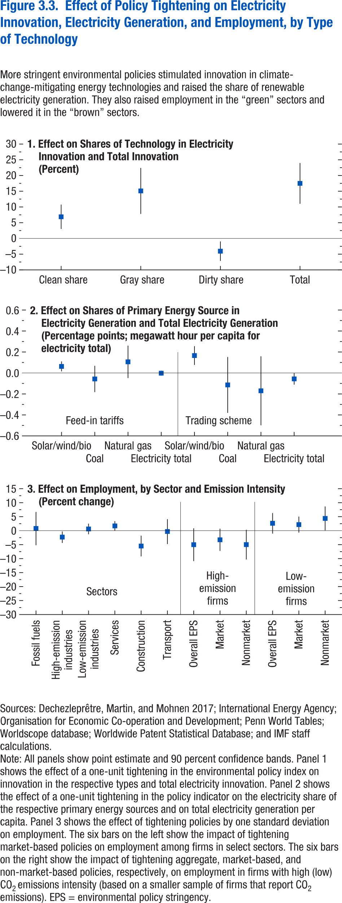
Figure 3.3. Effect of Policy Tightening on Electricity Innovation, Electricity Generation and Employment, by Type of Technology

1. Effect on Shares of Technology in Electricity Innovation and Total Innovation |  |  |  | 2. Effect on Shares of Primary Energy Source in Electricity Generation and Total Electricity Generation |  |  |  |  | 3. Effect on Employment, by Sector and Emission Intensity
(Percent) |  |  |  | (Percentage points; megawatt hour per capita for electricity total) |  |  |  |  | (Percent change)

 | Max | Min | Median |  |  | Max | Min | Median |  |  | Max | Min | Median

Clean share | 10.75 | 3.01 | 6.88 | Feed-in tariffs | Solar/wind/bio | 0.11 | 0.01 | 0.06 | Services | Fossil fuels | 6.7 | -5.2 | 0.8
Grey share | 22.41 | 7.79 | 15.10 |  | Coal | 0.07 | -0.18 | -0.06 |  | High emission industries | -0.3 | -4.4 | -2.3
Dirty share | -0.95 | -7.15 | -4.05 |  | Natural gas | 0.26 | -0.05 | 0.11 |  | Low emission industries | 2.5 | -1.3 | 0.6
Total | 23.98 | 11.02 | 17.50 |  | Electricity total | 0.02 | -0.02 | 0.00 |  | Services | 3.4 | 0 | 1.7
 |  |  |  | Trading scheme | Solar/wind/bio | 0.26 | 0.08 | 0.17 |  | Construction | -1.8 | -9.2 | -5.5
 |  |  |  |  | Coal | 0.15 | -0.38 | -0.11 |  | Transport | 4.1 | -4.8 | -0.3
 |  |  |  |  | Natural gas | 0.16 | -0.50 | -0.17 | High emission firms | Overall EPS | 0.84 | -10.89 | -5.02
 |  |  |  |  | Electricity total | 0.00 | -0.11 | -0.06 |  | Market | 0.71 | -7.26 | -3.27
 |  |  |  |  |  |  |  |  |  | Nonmarket | 0.31 | -10.31 | -4.99
 |  |  |  |  |  |  |  |  | Low emission firms | Overall EPS | 6.31 | -1.05 | 2.63
 |  |  |  |  |  |  |  |  |  | Market | 5.03 | -0.7 | 2.17
 |  |  |  |  |  |  |  |  |  | Nonmarket | 8.64 | 0.1 | 4.38

Figure 3.4.
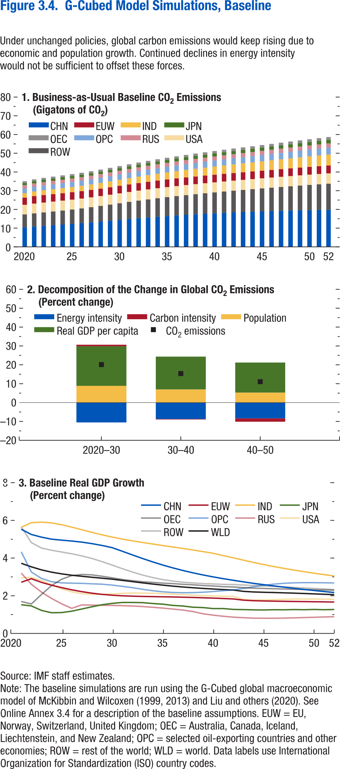
Figure 3.4. G-Cubed Model Simulations, Baseline

1. Business-as-Usual Baseline CO2 Emissions |  |  |  |  |  |  |  |  |  | 2. Decomposition of the Change in Global CO2 Emissions |  |  |  |  |  | 3. Baseline Real GDP Growth
(Gigatons of CO2) |  |  |  |  |  |  |  |  |  | (Percent change) |  |  |  |  |  | (Percent change)
Year | CHN | EUW | IND | JPN | OEC | OPC | ROW | RUS | USA | Year | Carbon intensity | CO2 emissions | Energy intensity | Population | Real GDP per capita | Year | CHN | EUW | IND | JPN | OEC | OPC | ROW | RUS | USA | WLD

2020 | 10.42 | 3.86 | 2.31 | 1.12 | 0.97 | 2.55 | 6.92 | 1.78 | 5.13 | 2020–30 | 0.83 | 20.13 | -10.52 | 8.86 | 20.96 | 2020
2021 | 10.87 | 3.99 | 2.46 | 1.18 | 1.00 | 2.55 | 7.01 | 1.78 | 5.23 | 2030–40 | -0.29 | 15.38 | -8.68 | 6.94 | 17.41 | 2021 | 5.53 | 2.72 | 5.63 | 1.52 | 1.70 | 4.33 | 5.66 | 3.20 | 2.95 | 3.72
2022 | 11.24 | 4.00 | 2.54 | 1.23 | 1.01 | 2.59 | 7.17 | 1.79 | 5.26 | 2040–50 | -1.82 | 11.06 | -8.33 | 5.26 | 15.96 | 2022 | 5.25 | 2.90 | 5.88 | 1.46 | 1.56 | 3.26 | 4.82 | 2.61 | 2.97 | 3.53
2023 | 11.59 | 4.00 | 2.62 | 1.26 | 1.03 | 2.62 | 7.33 | 1.81 | 5.27 |  |  |  |  |  |  | 2023 | 5.11 | 2.71 | 5.91 | 1.22 | 2.07 | 2.92 | 4.53 | 2.19 | 2.81 | 3.37
2024 | 11.94 | 3.99 | 2.69 | 1.28 | 1.03 | 2.65 | 7.49 | 1.84 | 5.27 |  |  |  |  |  |  | 2024 | 5.00 | 2.56 | 5.87 | 1.10 | 2.54 | 2.74 | 4.42 | 1.86 | 2.58 | 3.25
2025 | 12.31 | 3.98 | 2.76 | 1.28 | 1.04 | 2.69 | 7.66 | 1.87 | 5.27 |  |  |  |  |  |  | 2025 | 4.95 | 2.43 | 5.77 | 1.11 | 2.88 | 2.68 | 4.32 | 1.57 | 2.37 | 3.16
2026 | 12.71 | 3.98 | 2.84 | 1.29 | 1.05 | 2.72 | 7.84 | 1.89 | 5.26 |  |  |  |  |  |  | 2026 | 4.90 | 2.32 | 5.64 | 1.18 | 3.07 | 2.67 | 4.23 | 1.33 | 2.21 | 3.09
2027 | 13.14 | 3.98 | 2.93 | 1.30 | 1.06 | 2.75 | 8.05 | 1.91 | 5.27 |  |  |  |  |  |  | 2027 | 4.85 | 2.22 | 5.50 | 1.30 | 3.13 | 2.66 | 4.12 | 1.51 | 2.11 | 3.03
2028 | 13.58 | 3.99 | 3.02 | 1.31 | 1.07 | 2.79 | 8.28 | 1.93 | 5.28 |  |  |  |  |  |  | 2028 | 4.77 | 2.14 | 5.36 | 1.41 | 3.11 | 2.63 | 3.98 | 1.50 | 2.07 | 2.98
2029 | 14.04 | 4.01 | 3.12 | 1.33 | 1.09 | 2.82 | 8.54 | 1.95 | 5.29 |  |  |  |  |  |  | 2029 | 4.67 | 2.07 | 5.23 | 1.52 | 3.04 | 2.61 | 3.81 | 1.49 | 2.08 | 2.93
2030 | 14.49 | 4.03 | 3.22 | 1.36 | 1.11 | 2.86 | 8.81 | 1.98 | 5.31 |  |  |  |  |  |  | 2030 | 4.55 | 2.03 | 5.12 | 1.59 | 2.95 | 2.57 | 3.63 | 1.49 | 2.10 | 2.88
2031 | 14.93 | 4.04 | 3.33 | 1.38 | 1.13 | 2.90 | 9.08 | 2.00 | 5.32 |  |  |  |  |  |  | 2031 | 4.36 | 2.00 | 5.01 | 1.64 | 2.87 | 2.50 | 3.44 | 1.48 | 2.13 | 2.82
2032 | 15.35 | 4.06 | 3.43 | 1.41 | 1.14 | 2.93 | 9.35 | 2.02 | 5.34 |  |  |  |  |  |  | 2032 | 4.17 | 1.98 | 4.92 | 1.64 | 2.80 | 2.43 | 3.26 | 1.46 | 2.15 | 2.75
2033 | 15.75 | 4.08 | 3.54 | 1.44 | 1.16 | 2.97 | 9.61 | 2.04 | 5.35 |  |  |  |  |  |  | 2033 | 3.98 | 1.96 | 4.83 | 1.63 | 2.74 | 2.34 | 3.10 | 1.43 | 2.14 | 2.68
2034 | 16.13 | 4.09 | 3.65 | 1.47 | 1.18 | 3.01 | 9.85 | 2.06 | 5.36 |  |  |  |  |  |  | 2034 | 3.80 | 1.95 | 4.75 | 1.59 | 2.71 | 2.27 | 2.97 | 1.39 | 2.13 | 2.62
2035 | 16.48 | 4.10 | 3.76 | 1.50 | 1.20 | 3.04 | 10.08 | 2.08 | 5.36 |  |  |  |  |  |  | 2035 | 3.63 | 1.95 | 4.67 | 1.55 | 2.67 | 2.21 | 2.86 | 1.35 | 2.11 | 2.56
2036 | 16.81 | 4.10 | 3.87 | 1.52 | 1.22 | 3.08 | 10.30 | 2.09 | 5.36 |  |  |  |  |  |  | 2036 | 3.48 | 1.94 | 4.59 | 1.49 | 2.65 | 2.18 | 2.78 | 1.30 | 2.09 | 2.51
2037 | 17.12 | 4.10 | 3.99 | 1.55 | 1.24 | 3.11 | 10.52 | 2.11 | 5.37 |  |  |  |  |  |  | 2037 | 3.34 | 1.92 | 4.51 | 1.45 | 2.61 | 2.16 | 2.72 | 1.24 | 2.06 | 2.47
2038 | 17.41 | 4.10 | 4.11 | 1.57 | 1.26 | 3.14 | 10.73 | 2.13 | 5.36 |  |  |  |  |  |  | 2038 | 3.22 | 1.91 | 4.43 | 1.39 | 2.58 | 2.17 | 2.68 | 1.16 | 2.03 | 2.43
2039 | 17.69 | 4.10 | 4.24 | 1.59 | 1.28 | 3.18 | 10.94 | 2.14 | 5.36 |  |  |  |  |  |  | 2039 | 3.10 | 1.89 | 4.34 | 1.37 | 2.54 | 2.19 | 2.65 | 1.04 | 2.01 | 2.39
2040 | 17.94 | 4.10 | 4.36 | 1.62 | 1.30 | 3.21 | 11.16 | 2.15 | 5.36 |  |  |  |  |  |  | 2040 | 3.00 | 1.87 | 4.25 | 1.32 | 2.52 | 2.22 | 2.63 | 0.97 | 1.99 | 2.36
2041 | 18.19 | 4.10 | 4.49 | 1.64 | 1.32 | 3.25 | 11.37 | 2.16 | 5.35 |  |  |  |  |  |  | 2041 | 2.91 | 1.85 | 4.13 | 1.32 | 2.48 | 2.27 | 2.60 | 0.91 | 1.97 | 2.33
2042 | 18.42 | 4.10 | 4.62 | 1.67 | 1.34 | 3.28 | 11.60 | 2.17 | 5.35 |  |  |  |  |  |  | 2042 | 2.82 | 1.83 | 4.01 | 1.27 | 2.47 | 2.31 | 2.60 | 0.86 | 1.97 | 2.30
2043 | 18.62 | 4.09 | 4.74 | 1.68 | 1.35 | 3.32 | 11.81 | 2.18 | 5.36 |  |  |  |  |  |  | 2043 | 2.74 | 1.77 | 3.89 | 1.26 | 2.43 | 2.39 | 2.57 | 0.84 | 1.80 | 2.23
2044 | 18.81 | 4.09 | 4.86 | 1.70 | 1.37 | 3.36 | 12.02 | 2.18 | 5.37 |  |  |  |  |  |  | 2044 | 2.66 | 1.74 | 3.77 | 1.25 | 2.40 | 2.48 | 2.55 | 0.81 | 1.77 | 2.20
2045 | 18.98 | 4.09 | 4.99 | 1.72 | 1.39 | 3.40 | 12.24 | 2.18 | 5.39 |  |  |  |  |  |  | 2045 | 2.59 | 1.72 | 3.65 | 1.25 | 2.39 | 2.56 | 2.53 | 0.81 | 1.78 | 2.18
2046 | 19.15 | 4.10 | 5.11 | 1.75 | 1.41 | 3.44 | 12.47 | 2.19 | 5.41 |  |  |  |  |  |  | 2046 | 2.52 | 1.71 | 3.55 | 1.26 | 2.37 | 2.62 | 2.50 | 0.81 | 1.79 | 2.17
2047 | 19.30 | 4.11 | 5.23 | 1.77 | 1.43 | 3.49 | 12.70 | 2.19 | 5.43 |  |  |  |  |  |  | 2047 | 2.46 | 1.70 | 3.45 | 1.25 | 2.36 | 2.66 | 2.47 | 0.81 | 1.81 | 2.16
2048 | 19.44 | 4.12 | 5.36 | 1.80 | 1.45 | 3.54 | 12.93 | 2.19 | 5.45 |  |  |  |  |  |  | 2048 | 2.39 | 1.70 | 3.36 | 1.27 | 2.34 | 2.69 | 2.44 | 0.83 | 1.82 | 2.14
2049 | 19.56 | 4.13 | 5.48 | 1.82 | 1.47 | 3.59 | 13.17 | 2.20 | 5.48 |  |  |  |  |  |  | 2049 | 2.33 | 1.69 | 3.28 | 1.26 | 2.33 | 2.70 | 2.42 | 0.84 | 1.83 | 2.12
2050 | 19.67 | 4.15 | 5.60 | 1.85 | 1.49 | 3.64 | 13.41 | 2.20 | 5.50 |  |  |  |  |  |  | 2050 | 2.28 | 1.68 | 3.20 | 1.27 | 2.32 | 2.69 | 2.39 | 0.86 | 1.82 | 2.10
2051 | 19.77 | 4.16 | 5.72 | 1.88 | 1.51 | 3.69 | 13.66 | 2.20 | 5.52 |  |  |  |  |  |  | 2051 | 2.22 | 1.67 | 3.12 | 1.26 | 2.31 | 2.69 | 2.36 | 0.87 | 1.82 | 2.08
2052 | 19.85 | 4.17 | 5.84 | 1.91 | 1.53 | 3.74 | 13.90 | 2.20 | 5.54 |  |  |  |  |  |  | 2052 | 2.17 | 1.67 | 3.05 | 1.27 | 2.29 | 2.68 | 2.33 | 0.89 | 1.81 | 2.06

Figure 3.5.
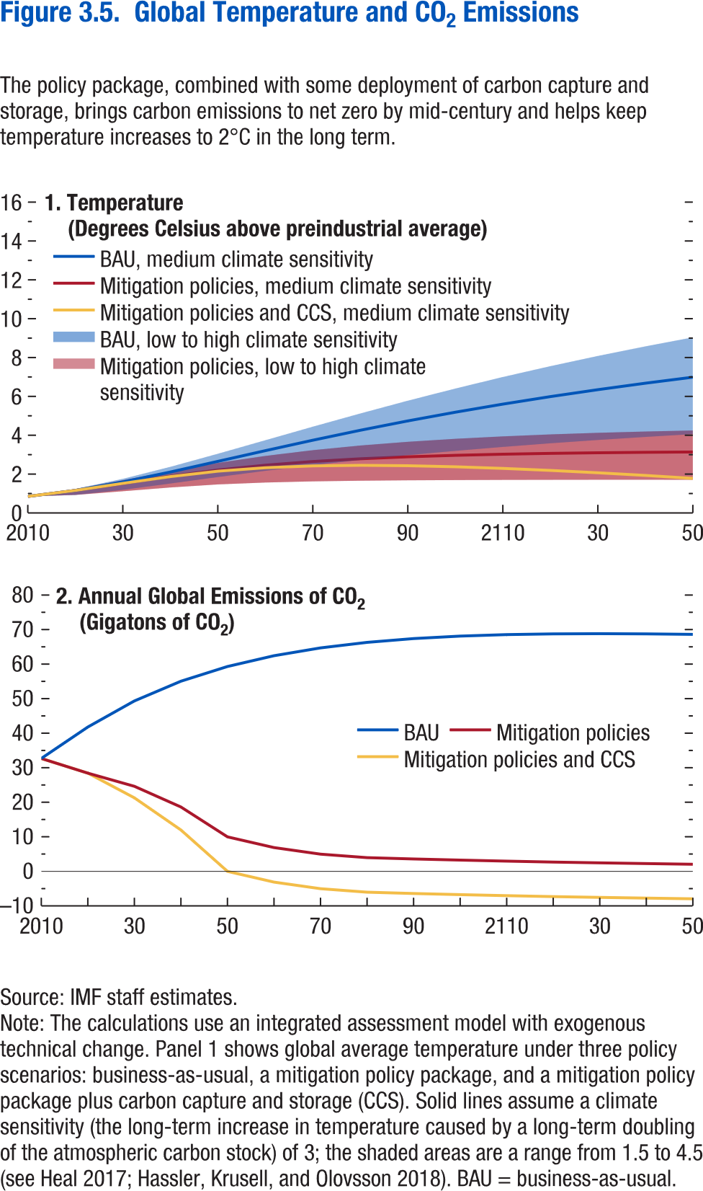
Figure 3.5. Global Temperature and CO2 Emissions

1. Temperature |  |  |  |  |  |  |  | 2. Annual Global Emissions of CO2
(Degrees Celsius above preindustrial average) |  |  |  |  |  |  |  | (Gigatons of CO2)
 | BAU, high climate sensitivity | BAU, medium climate sensitivity | BAU, low climate sensitivity | Carbon tax, high climate sensitivity | Carbon tax, medium climate sensitivity | Carbon tax, low climate sensitivity | Carbon tax and CCS |  | BAU | Carbon tax | Carbon tax and CCS
2010 | 0.85 | 0.85 | 0.85 | 0.85 | 0.85 | 0.85 | 0.85 | 2010 | 32.66 | 32.66 | 32.66
2020 | 1.24 | 1.16 | 0.93 | 1.24 | 1.16 | 0.93 | 1.16 | 2020 | 41.78 | 28.42 | 28.42
2030 | 1.76 | 1.59 | 1.19 | 1.69 | 1.52 | 1.12 | 1.52 | 2030 | 49.32 | 24.62 | 21.28
2040 | 2.37 | 2.11 | 1.52 | 2.15 | 1.89 | 1.31 | 1.87 | 2040 | 55.04 | 18.63 | 11.96
2050 | 3.05 | 2.65 | 1.85 | 2.58 | 2.21 | 1.47 | 2.15 | 2050 | 59.29 | 9.97 | -0.03
2060 | 3.74 | 3.21 | 2.17 | 2.94 | 2.46 | 1.57 | 2.33 | 2060 | 62.42 | 6.88 | -3.12
2070 | 4.44 | 3.74 | 2.46 | 3.23 | 2.65 | 1.63 | 2.42 | 2070 | 64.69 | 4.96 | -5.04
2080 | 5.12 | 4.26 | 2.73 | 3.47 | 2.79 | 1.66 | 2.45 | 2080 | 66.29 | 3.96 | -6.04
2090 | 5.78 | 4.74 | 2.98 | 3.66 | 2.89 | 1.68 | 2.43 | 2090 | 67.39 | 3.58 | -6.42
2100 | 6.41 | 5.19 | 3.20 | 3.82 | 2.97 | 1.69 | 2.38 | 2100 | 68.11 | 3.24 | -6.76
2110 | 7.00 | 5.60 | 3.40 | 3.94 | 3.02 | 1.70 | 2.29 | 2110 | 68.53 | 2.94 | -7.06
2120 | 7.56 | 5.99 | 3.59 | 4.04 | 3.07 | 1.71 | 2.19 | 2120 | 68.75 | 2.68 | -7.32
2130 | 8.08 | 6.35 | 3.76 | 4.13 | 3.10 | 1.71 | 2.07 | 2130 | 68.80 | 2.44 | -7.56
2140 | 8.58 | 6.68 | 3.91 | 4.19 | 3.12 | 1.71 | 1.93 | 2140 | 68.74 | 2.23 | -7.77
2150 | 9.04 | 6.99 | 4.06 | 4.25 | 3.14 | 1.71 | 1.78 | 2150 | 68.60 | 2.04 | -7.96

Figure 3.6.
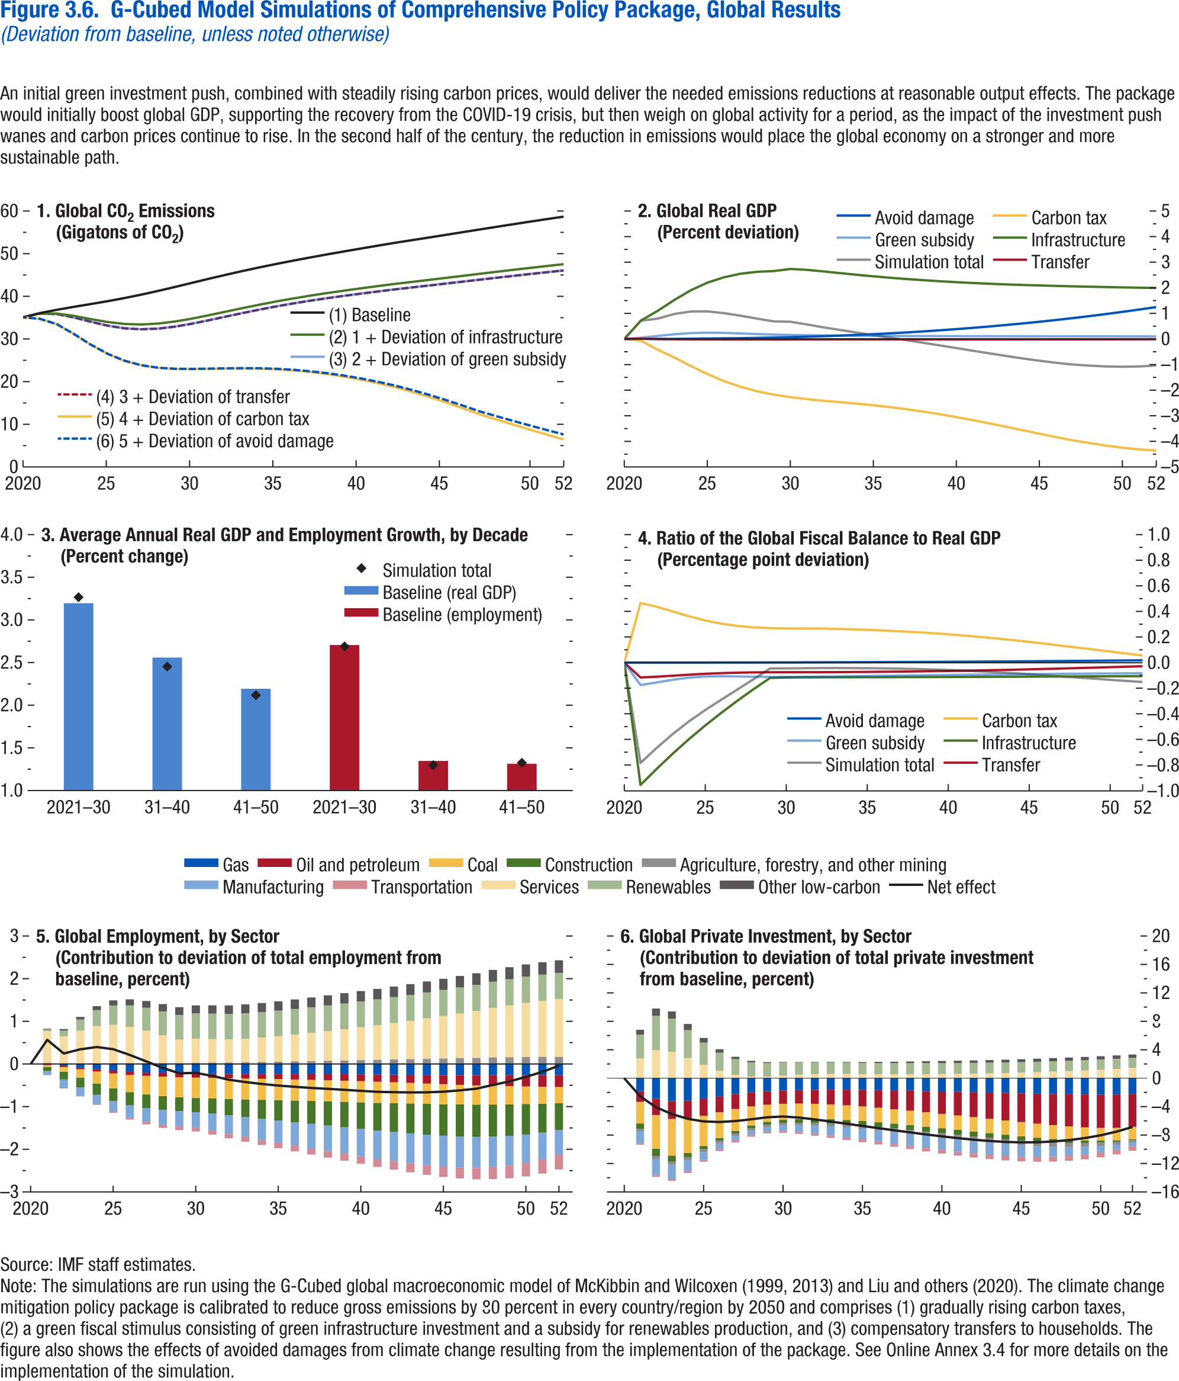
Figure 3.6. G-Cubed Model Simulations of Comprehensive Policy Package, Global Results
(Deviation from baseline, unless noted otherwise)

1. Global CO2 Emissions |  |  |  |  |  |  | 2. Global Real GDP |  |  |  |  |  |  | 3. Average Annual Real GDP and Employment Growth, by Decade |  |  |  |  | 4. Ratio of the Global Fiscal Balance to Real GDP |  |  |  |  |  |  | 5. Global Employment, by Sector |  |  |  |  |  |  |  |  |  |  |  | 6. Global Private Investment, by Sector
(Gigatons of CO2) |  |  |  |  |  |  | (Percent deviation) |  |  |  |  |  |  | (Percent change) |  |  |  |  | (Percentage point deviation) |  |  |  |  |  |  | (Contribution to deviation of total employment from baseline, percent) |  |  |  |  |  |  |  |  |  |  |  | (Contribution to deviation of total private investment from baseline, percent)
Year | (1) Baseline | (2) 1 + Deviation of infrastructure | (3) 2 + Deviation of green subsidy | (4) 3 + Deviation of transfer | (5) 4 + Deviation of carbon tax | (6) 5 + Deviation of avoid damage | Year | Avoid damage | Carbon tax | Green subsidy | Infrastructure | Simulation total | Transfer | Decade | Real GDP (baseline) | Simulation Total | Employment (baseline) | Simulation Total | Year | Avoid damage | Carbon tax | Green subsidy | Infrastructure | Simulation total | Transfer |  | Agriculture, forestry and other mining | Coal | Construction | Gas | Manufacturing | Oil and petroleum | Other low-carbon | Renewables | Services | Transportation | Net effect |  | Agriculture, forestry and other mining | Coal | Construction | Gas | Manufacturing | Oil and petroleum | Other low-carbon | Renewables | Services | Transportation | Net effect
 |  |  |  |  |  |  |  |  |  |  |  |  |  | 21-30 | 3.20 | 3.27 | 2.71 | 2.69
2020 | 35.07 | 35.07 | 35.07 | 35.07 | 35.07 | 35.07 | 2020 | 0.00 | 0.00 | 0.00 | 0.00 | 0.00 | 0.00 | 31-40 | 2.56 | 2.45 | 1.35 | 1.30 | 2020 | 0.00 | 0.00 | 0.00 | 0.00 | 0.00 | 0.00 | 2020 | 0.00 | 0.00 | 0.00 | 0.00 | 0.00 | 0.00 | 0.00 | 0.00 | 0.00 | 0.00 | 0.00 | 2020 | 0.00 | 0.00 | 0.00 | 0.00 | 0.00 | 0.00 | 0.00 | 0.00 | 0.00 | 0.00 | 0.00
2021 | 36.07 | 35.97 | 35.97 | 35.97 | 34.72 | 34.72 | 2021 | 0.01 | -0.07 | 0.05 | 0.72 | 0.72 | 0.01 | 41-50 | 2.19 | 2.12 | 1.31 | 1.33 | 2021 | 0.00 | 0.47 | -0.18 | -0.96 | -0.78 | -0.12 | 2021 | 0.01 | -0.05 | -0.09 | -0.02 | -0.09 | -0.01 | 0.02 | 0.04 | 0.74 | 0.02 | 0.57 | 2021 | -0.32 | -3.03 | -0.76 | -1.84 | -1.72 | -1.50 | 0.69 | 3.34 | 2.78 | -0.19 | -2.54
2022 | 36.83 | 35.96 | 35.82 | 35.82 | 33.46 | 33.47 | 2022 | 0.00 | -0.42 | 0.12 | 1.09 | 0.79 | 0.00 |  |  |  |  |  | 2022 | 0.00 | 0.44 | -0.16 | -0.83 | -0.67 | -0.11 | 2022 | -0.02 | -0.11 | -0.18 | -0.05 | -0.19 | -0.03 | 0.03 | 0.14 | 0.65 | 0.00 | 0.25 | 2022 | -0.41 | -4.75 | -1.02 | -2.92 | -2.28 | -2.26 | 1.02 | 4.84 | 3.94 | -0.25 | -4.08
2023 | 37.52 | 35.42 | 35.06 | 35.05 | 31.17 | 31.18 | 2023 | 0.00 | -0.72 | 0.18 | 1.52 | 0.98 | -0.01 |  |  |  |  |  | 2023 | 0.00 | 0.40 | -0.13 | -0.71 | -0.56 | -0.10 | 2023 | 0.00 | -0.20 | -0.23 | -0.09 | -0.20 | -0.04 | 0.06 | 0.26 | 0.78 | -0.01 | 0.34 | 2023 | -0.41 | -5.14 | -0.87 | -3.24 | -2.03 | -2.50 | 1.01 | 4.70 | 3.69 | -0.26 | -5.05
2024 | 38.18 | 34.67 | 34.05 | 34.04 | 28.69 | 28.70 | 2024 | 0.01 | -1.05 | 0.23 | 1.90 | 1.08 | -0.01 |  |  |  |  |  | 2024 | 0.00 | 0.36 | -0.12 | -0.60 | -0.46 | -0.09 | 2024 | 0.01 | -0.28 | -0.26 | -0.12 | -0.22 | -0.05 | 0.09 | 0.37 | 0.88 | -0.02 | 0.40 | 2024 | -0.40 | -4.85 | -0.63 | -3.15 | -1.54 | -2.51 | 0.86 | 3.93 | 2.84 | -0.26 | -5.72
2025 | 38.85 | 33.97 | 33.14 | 33.12 | 26.52 | 26.54 | 2025 | 0.02 | -1.37 | 0.25 | 2.20 | 1.08 | -0.02 |  |  |  |  |  | 2025 | 0.00 | 0.33 | -0.11 | -0.49 | -0.37 | -0.09 | 2025 | 0.02 | -0.35 | -0.29 | -0.16 | -0.25 | -0.06 | 0.12 | 0.45 | 0.90 | -0.03 | 0.35 | 2025 | -0.39 | -4.26 | -0.45 | -2.87 | -1.11 | -2.41 | 0.67 | 3.14 | 1.86 | -0.26 | -6.08
2026 | 39.58 | 33.52 | 32.52 | 32.50 | 24.89 | 24.91 | 2026 | 0.02 | -1.65 | 0.24 | 2.41 | 1.01 | -0.02 |  |  |  |  |  | 2026 | 0.00 | 0.30 | -0.11 | -0.39 | -0.29 | -0.08 | 2026 | 0.02 | -0.40 | -0.31 | -0.18 | -0.29 | -0.07 | 0.14 | 0.50 | 0.85 | -0.05 | 0.21 | 2026 | -0.38 | -3.62 | -0.37 | -2.54 | -0.81 | -2.25 | 0.48 | 2.57 | 1.03 | -0.27 | -6.16
2027 | 40.39 | 33.40 | 32.29 | 32.27 | 23.82 | 23.85 | 2027 | 0.03 | -1.87 | 0.22 | 2.55 | 0.91 | -0.02 |  |  |  |  |  | 2027 | 0.00 | 0.29 | -0.11 | -0.30 | -0.21 | -0.08 | 2027 | 0.02 | -0.43 | -0.32 | -0.20 | -0.32 | -0.08 | 0.16 | 0.54 | 0.76 | -0.06 | 0.06 | 2027 | -0.36 | -3.08 | -0.36 | -2.24 | -0.65 | -2.10 | 0.33 | 2.22 | 0.47 | -0.27 | -6.03
2028 | 41.26 | 33.61 | 32.44 | 32.42 | 23.23 | 23.26 | 2028 | 0.04 | -2.04 | 0.19 | 2.62 | 0.80 | -0.02 |  |  |  |  |  | 2028 | 0.00 | 0.27 | -0.11 | -0.21 | -0.13 | -0.08 | 2028 | 0.01 | -0.46 | -0.32 | -0.21 | -0.35 | -0.08 | 0.17 | 0.56 | 0.66 | -0.08 | -0.09 | 2028 | -0.34 | -2.67 | -0.38 | -2.00 | -0.60 | -1.97 | 0.21 | 2.04 | 0.20 | -0.27 | -5.78
2029 | 42.20 | 34.09 | 32.92 | 32.89 | 22.98 | 23.02 | 2029 | 0.06 | -2.18 | 0.17 | 2.65 | 0.69 | -0.02 |  |  |  |  |  | 2029 | 0.00 | 0.27 | -0.11 | -0.12 | -0.05 | -0.08 | 2029 | 0.02 | -0.47 | -0.32 | -0.22 | -0.36 | -0.09 | 0.18 | 0.58 | 0.56 | -0.09 | -0.22 | 2029 | -0.32 | -2.41 | -0.41 | -1.83 | -0.63 | -1.89 | 0.13 | 1.93 | 0.21 | -0.27 | -5.50
2030 | 43.16 | 34.77 | 33.60 | 33.58 | 22.93 | 22.98 | 2030 | 0.07 | -2.27 | 0.16 | 2.74 | 0.67 | -0.02 |  |  |  |  |  | 2030 | 0.00 | 0.27 | -0.11 | -0.12 | -0.05 | -0.08 | 2030 | 0.03 | -0.48 | -0.33 | -0.23 | -0.36 | -0.09 | 0.19 | 0.59 | 0.57 | -0.09 | -0.21 | 2030 | -0.32 | -2.26 | -0.47 | -1.73 | -0.76 | -1.87 | 0.08 | 1.86 | 0.35 | -0.28 | -5.39
2031 | 44.11 | 35.56 | 34.41 | 34.39 | 22.98 | 23.04 | 2031 | 0.09 | -2.35 | 0.15 | 2.70 | 0.57 | -0.02 |  |  |  |  |  | 2031 | 0.00 | 0.27 | -0.11 | -0.12 | -0.04 | -0.08 | 2031 | 0.03 | -0.48 | -0.35 | -0.23 | -0.39 | -0.10 | 0.20 | 0.60 | 0.55 | -0.10 | -0.28 | 2031 | -0.33 | -2.17 | -0.53 | -1.67 | -0.94 | -1.90 | 0.05 | 1.77 | 0.48 | -0.29 | -5.54
2032 | 45.04 | 36.40 | 35.26 | 35.24 | 23.04 | 23.11 | 2032 | 0.11 | -2.42 | 0.14 | 2.64 | 0.45 | -0.02 |  |  |  |  |  | 2032 | 0.00 | 0.27 | -0.11 | -0.12 | -0.04 | -0.08 | 2032 | 0.03 | -0.49 | -0.38 | -0.23 | -0.43 | -0.10 | 0.20 | 0.60 | 0.54 | -0.11 | -0.37 | 2032 | -0.35 | -2.12 | -0.59 | -1.64 | -1.13 | -1.97 | 0.05 | 1.69 | 0.57 | -0.31 | -5.80
2033 | 45.93 | 37.23 | 36.10 | 36.08 | 23.07 | 23.16 | 2033 | 0.13 | -2.47 | 0.13 | 2.57 | 0.35 | -0.02 |  |  |  |  |  | 2033 | 0.00 | 0.26 | -0.11 | -0.12 | -0.04 | -0.07 | 2033 | 0.04 | -0.49 | -0.41 | -0.23 | -0.46 | -0.11 | 0.21 | 0.60 | 0.55 | -0.11 | -0.42 | 2033 | -0.37 | -2.08 | -0.63 | -1.62 | -1.28 | -2.07 | 0.07 | 1.64 | 0.60 | -0.34 | -6.10
2034 | 46.78 | 38.04 | 36.91 | 36.89 | 23.03 | 23.13 | 2034 | 0.16 | -2.53 | 0.13 | 2.51 | 0.25 | -0.02 |  |  |  |  |  | 2034 | 0.00 | 0.26 | -0.11 | -0.11 | -0.04 | -0.07 | 2034 | 0.05 | -0.49 | -0.45 | -0.24 | -0.49 | -0.11 | 0.21 | 0.60 | 0.57 | -0.12 | -0.47 | 2034 | -0.41 | -2.06 | -0.65 | -1.62 | -1.41 | -2.19 | 0.09 | 1.61 | 0.59 | -0.36 | -6.41
2035 | 47.59 | 38.80 | 37.66 | 37.64 | 22.89 | 23.01 | 2035 | 0.19 | -2.59 | 0.12 | 2.45 | 0.15 | -0.02 |  |  |  |  |  | 2035 | 0.00 | 0.26 | -0.11 | -0.11 | -0.04 | -0.07 | 2035 | 0.05 | -0.49 | -0.48 | -0.24 | -0.52 | -0.12 | 0.22 | 0.60 | 0.60 | -0.13 | -0.51 | 2035 | -0.44 | -2.04 | -0.66 | -1.64 | -1.50 | -2.33 | 0.13 | 1.60 | 0.56 | -0.39 | -6.72
2036 | 48.37 | 39.50 | 38.35 | 38.33 | 22.63 | 22.78 | 2036 | 0.22 | -2.66 | 0.12 | 2.39 | 0.05 | -0.02 |  |  |  |  |  | 2036 | 0.00 | 0.25 | -0.10 | -0.11 | -0.05 | -0.07 | 2036 | 0.06 | -0.49 | -0.51 | -0.24 | -0.55 | -0.13 | 0.22 | 0.60 | 0.63 | -0.14 | -0.53 | 2036 | -0.48 | -2.03 | -0.67 | -1.67 | -1.57 | -2.49 | 0.17 | 1.59 | 0.54 | -0.42 | -7.03
2037 | 49.11 | 40.15 | 38.99 | 38.97 | 22.25 | 22.43 | 2037 | 0.26 | -2.75 | 0.12 | 2.34 | -0.05 | -0.02 |  |  |  |  |  | 2037 | 0.00 | 0.24 | -0.10 | -0.11 | -0.05 | -0.07 | 2037 | 0.07 | -0.49 | -0.54 | -0.24 | -0.57 | -0.13 | 0.23 | 0.60 | 0.66 | -0.15 | -0.56 | 2037 | -0.51 | -2.03 | -0.68 | -1.71 | -1.62 | -2.65 | 0.20 | 1.58 | 0.54 | -0.45 | -7.33
2038 | 49.83 | 40.76 | 39.58 | 39.56 | 21.77 | 21.98 | 2038 | 0.30 | -2.84 | 0.11 | 2.30 | -0.15 | -0.02 |  |  |  |  |  | 2038 | 0.00 | 0.24 | -0.10 | -0.11 | -0.05 | -0.07 | 2038 | 0.08 | -0.50 | -0.57 | -0.24 | -0.60 | -0.14 | 0.24 | 0.60 | 0.70 | -0.15 | -0.58 | 2038 | -0.54 | -2.03 | -0.69 | -1.76 | -1.67 | -2.81 | 0.24 | 1.57 | 0.54 | -0.48 | -7.62
2039 | 50.52 | 41.33 | 40.13 | 40.11 | 21.17 | 21.42 | 2039 | 0.34 | -2.94 | 0.11 | 2.25 | -0.25 | -0.02 |  |  |  |  |  | 2039 | 0.01 | 0.23 | -0.10 | -0.11 | -0.05 | -0.07 | 2039 | 0.08 | -0.50 | -0.59 | -0.24 | -0.62 | -0.15 | 0.24 | 0.60 | 0.73 | -0.16 | -0.61 | 2039 | -0.57 | -2.03 | -0.70 | -1.81 | -1.71 | -2.98 | 0.27 | 1.56 | 0.56 | -0.51 | -7.91
2040 | 51.20 | 41.87 | 40.65 | 40.63 | 20.46 | 20.75 | 2040 | 0.39 | -3.06 | 0.11 | 2.22 | -0.36 | -0.02 |  |  |  |  |  | 2040 | 0.01 | 0.22 | -0.10 | -0.11 | -0.06 | -0.07 | 2040 | 0.09 | -0.50 | -0.62 | -0.24 | -0.64 | -0.16 | 0.24 | 0.60 | 0.77 | -0.18 | -0.63 | 2040 | -0.59 | -2.02 | -0.71 | -1.86 | -1.73 | -3.15 | 0.30 | 1.55 | 0.58 | -0.54 | -8.18
2041 | 51.87 | 42.39 | 41.15 | 41.13 | 19.64 | 19.97 | 2041 | 0.44 | -3.18 | 0.11 | 2.19 | -0.46 | -0.02 |  |  |  |  |  | 2041 | 0.01 | 0.21 | -0.10 | -0.11 | -0.06 | -0.06 | 2041 | 0.10 | -0.50 | -0.65 | -0.25 | -0.66 | -0.17 | 0.25 | 0.61 | 0.81 | -0.19 | -0.65 | 2041 | -0.61 | -2.02 | -0.71 | -1.91 | -1.75 | -3.33 | 0.33 | 1.53 | 0.61 | -0.56 | -8.43
2042 | 52.53 | 42.90 | 41.65 | 41.62 | 18.71 | 19.09 | 2042 | 0.49 | -3.30 | 0.11 | 2.16 | -0.56 | -0.02 |  |  |  |  |  | 2042 | 0.01 | 0.20 | -0.09 | -0.11 | -0.07 | -0.06 | 2042 | 0.11 | -0.49 | -0.68 | -0.25 | -0.68 | -0.18 | 0.25 | 0.61 | 0.86 | -0.20 | -0.66 | 2042 | -0.62 | -2.02 | -0.71 | -1.96 | -1.75 | -3.50 | 0.35 | 1.52 | 0.64 | -0.59 | -8.65
2043 | 53.15 | 43.37 | 42.09 | 42.07 | 17.64 | 18.07 | 2043 | 0.55 | -3.44 | 0.11 | 2.13 | -0.67 | -0.02 |  |  |  |  |  | 2043 | 0.01 | 0.19 | -0.09 | -0.11 | -0.08 | -0.06 | 2043 | 0.11 | -0.48 | -0.70 | -0.25 | -0.70 | -0.19 | 0.25 | 0.61 | 0.90 | -0.21 | -0.67 | 2043 | -0.63 | -2.02 | -0.69 | -2.02 | -1.74 | -3.68 | 0.37 | 1.51 | 0.67 | -0.61 | -8.83
2044 | 53.77 | 43.84 | 42.54 | 42.51 | 16.46 | 16.94 | 2044 | 0.61 | -3.57 | 0.11 | 2.11 | -0.76 | -0.02 |  |  |  |  |  | 2044 | 0.01 | 0.18 | -0.09 | -0.11 | -0.08 | -0.06 | 2044 | 0.12 | -0.48 | -0.72 | -0.26 | -0.72 | -0.20 | 0.26 | 0.61 | 0.95 | -0.23 | -0.66 | 2044 | -0.63 | -2.01 | -0.67 | -2.07 | -1.70 | -3.86 | 0.39 | 1.50 | 0.72 | -0.63 | -8.96
2045 | 54.39 | 44.31 | 42.99 | 42.97 | 15.18 | 15.73 | 2045 | 0.67 | -3.71 | 0.11 | 2.09 | -0.85 | -0.02 |  |  |  |  |  | 2045 | 0.01 | 0.16 | -0.09 | -0.11 | -0.09 | -0.05 | 2045 | 0.13 | -0.47 | -0.74 | -0.26 | -0.73 | -0.21 | 0.26 | 0.61 | 1.00 | -0.24 | -0.65 | 2045 | -0.62 | -2.00 | -0.63 | -2.13 | -1.63 | -4.04 | 0.41 | 1.49 | 0.78 | -0.65 | -9.03
2046 | 55.02 | 44.79 | 43.45 | 43.42 | 13.80 | 14.42 | 2046 | 0.74 | -3.84 | 0.11 | 2.07 | -0.93 | -0.02 |  |  |  |  |  | 2046 | 0.01 | 0.15 | -0.09 | -0.11 | -0.10 | -0.05 | 2046 | 0.14 | -0.46 | -0.75 | -0.26 | -0.73 | -0.23 | 0.27 | 0.61 | 1.05 | -0.25 | -0.62 | 2046 | -0.61 | -1.98 | -0.58 | -2.18 | -1.54 | -4.21 | 0.43 | 1.48 | 0.84 | -0.67 | -9.01
2047 | 55.65 | 45.26 | 43.91 | 43.88 | 12.35 | 13.05 | 2047 | 0.82 | -3.96 | 0.10 | 2.06 | -1.00 | -0.02 |  |  |  |  |  | 2047 | 0.01 | 0.13 | -0.09 | -0.11 | -0.11 | -0.05 | 2047 | 0.14 | -0.45 | -0.75 | -0.26 | -0.73 | -0.24 | 0.27 | 0.61 | 1.10 | -0.27 | -0.58 | 2047 | -0.59 | -1.95 | -0.52 | -2.22 | -1.41 | -4.37 | 0.44 | 1.47 | 0.92 | -0.68 | -8.90
2048 | 56.27 | 45.74 | 44.36 | 44.34 | 11.14 | 11.92 | 2048 | 0.89 | -4.07 | 0.10 | 2.04 | -1.04 | -0.01 |  |  |  |  |  | 2048 | 0.01 | 0.12 | -0.09 | -0.11 | -0.12 | -0.04 | 2048 | 0.15 | -0.44 | -0.75 | -0.26 | -0.71 | -0.25 | 0.28 | 0.61 | 1.16 | -0.28 | -0.49 | 2048 | -0.56 | -1.89 | -0.45 | -2.26 | -1.27 | -4.51 | 0.45 | 1.46 | 1.00 | -0.68 | -8.71
2049 | 56.89 | 46.20 | 44.81 | 44.78 | 9.94 | 10.80 | 2049 | 0.98 | -4.17 | 0.10 | 2.03 | -1.07 | -0.01 |  |  |  |  |  | 2049 | 0.01 | 0.10 | -0.09 | -0.11 | -0.13 | -0.04 | 2049 | 0.16 | -0.43 | -0.74 | -0.26 | -0.70 | -0.26 | 0.28 | 0.61 | 1.22 | -0.30 | -0.41 | 2049 | -0.52 | -1.83 | -0.37 | -2.29 | -1.11 | -4.62 | 0.46 | 1.45 | 1.09 | -0.68 | -8.42
2050 | 57.50 | 46.66 | 45.24 | 45.22 | 8.76 | 9.72 | 2050 | 1.06 | -4.25 | 0.10 | 2.02 | -1.08 | -0.01 |  |  |  |  |  | 2050 | 0.02 | 0.09 | -0.09 | -0.11 | -0.13 | -0.04 | 2050 | 0.16 | -0.41 | -0.72 | -0.26 | -0.67 | -0.26 | 0.29 | 0.62 | 1.27 | -0.31 | -0.30 | 2050 | -0.47 | -1.79 | -0.28 | -2.31 | -0.92 | -4.68 | 0.47 | 1.44 | 1.19 | -0.68 | -8.03
2051 | 58.09 | 47.10 | 45.67 | 45.64 | 7.59 | 8.65 | 2051 | 1.15 | -4.32 | 0.10 | 2.00 | -1.07 | -0.01 |  |  |  |  |  | 2051 | 0.02 | 0.07 | -0.08 | -0.11 | -0.14 | -0.03 | 2051 | 0.17 | -0.40 | -0.68 | -0.26 | -0.63 | -0.27 | 0.29 | 0.62 | 1.31 | -0.33 | -0.18 | 2051 | -0.41 | -1.75 | -0.19 | -2.30 | -0.73 | -4.68 | 0.48 | 1.43 | 1.31 | -0.66 | -7.52
2052 | 58.67 | 47.53 | 46.07 | 46.05 | 6.44 | 7.61 | 2052 | 1.25 | -4.36 | 0.10 | 1.99 | -1.03 | -0.01 |  |  |  |  |  | 2052 | 0.02 | 0.06 | -0.08 | -0.11 | -0.15 | -0.03 | 2052 | 0.17 | -0.38 | -0.63 | -0.26 | -0.58 | -0.28 | 0.30 | 0.62 | 1.35 | -0.34 | -0.04 | 2052 | -0.36 | -1.73 | -0.11 | -2.26 | -0.54 | -4.57 | 0.48 | 1.42 | 1.44 | -0.63 | -6.86

Figure 3.7.
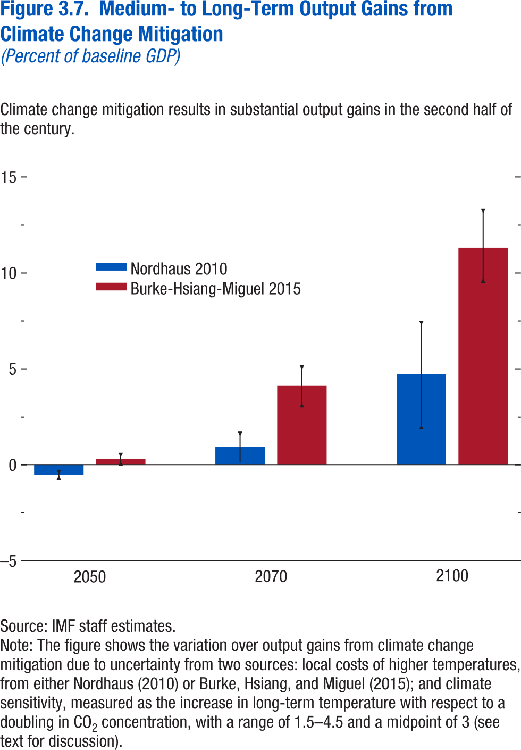
Figure 3.7. Medium- to Long-Term Output Gains from Climate Change Mitigation
(Percent of baseline GDP)

Year | Cost type | Diff. in mean | Diff. in min | Diff. in max

2050 | Nordhaus 2010 | -0.51 | -0.67 | -0.37
2050 | Burke-Hsiang-Miguel 2015 | 0.31 | 0.07 | 0.52

2070 | Nordhaus 2010 | 0.93 | 0.13 | 1.62
2070 | Burke-Hsiang-Miguel 2015 | 4.14 | 3.10 | 5.08

2100 | Nordhaus 2010 | 4.74 | 1.98 | 7.39
2100 | Burke-Hsiang-Miguel 2015 | 11.32 | 9.60 | 13.22

Figure 3.8.
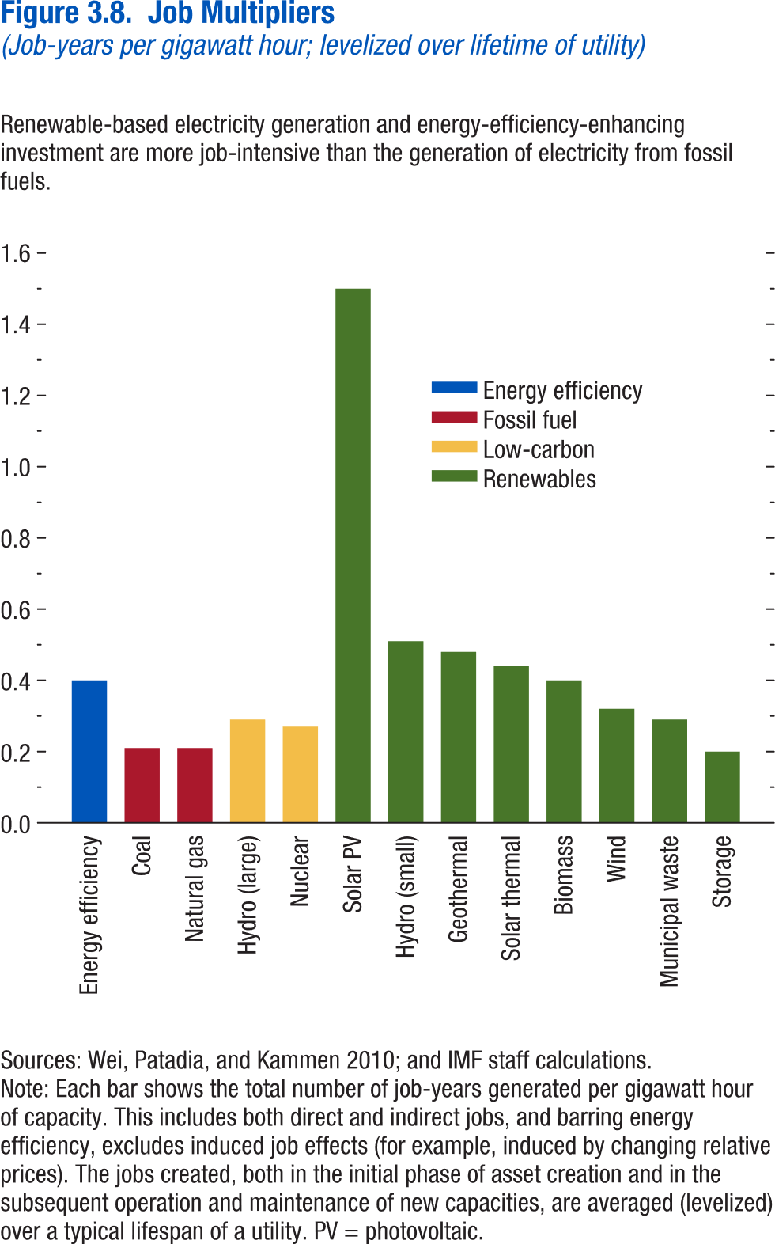
Figure 3.8. Job Multipliers
(Job-years per gigawatt hour; levelized over lifetime of utility)

Energy Efficiency | 0.4
Solar PV | 1.5
Hydro (Small) | 0.51
Geothermal | 0.48
Solar Thermal | 0.44
Biomass | 0.4
Wind | 0.32
Municipal Waste | 0.29
Storage | 0.2
Large hydro | 0.29
Nuclear | 0.27
Coal | 0.21
Natural Gas | 0.21

Figure 3.9.
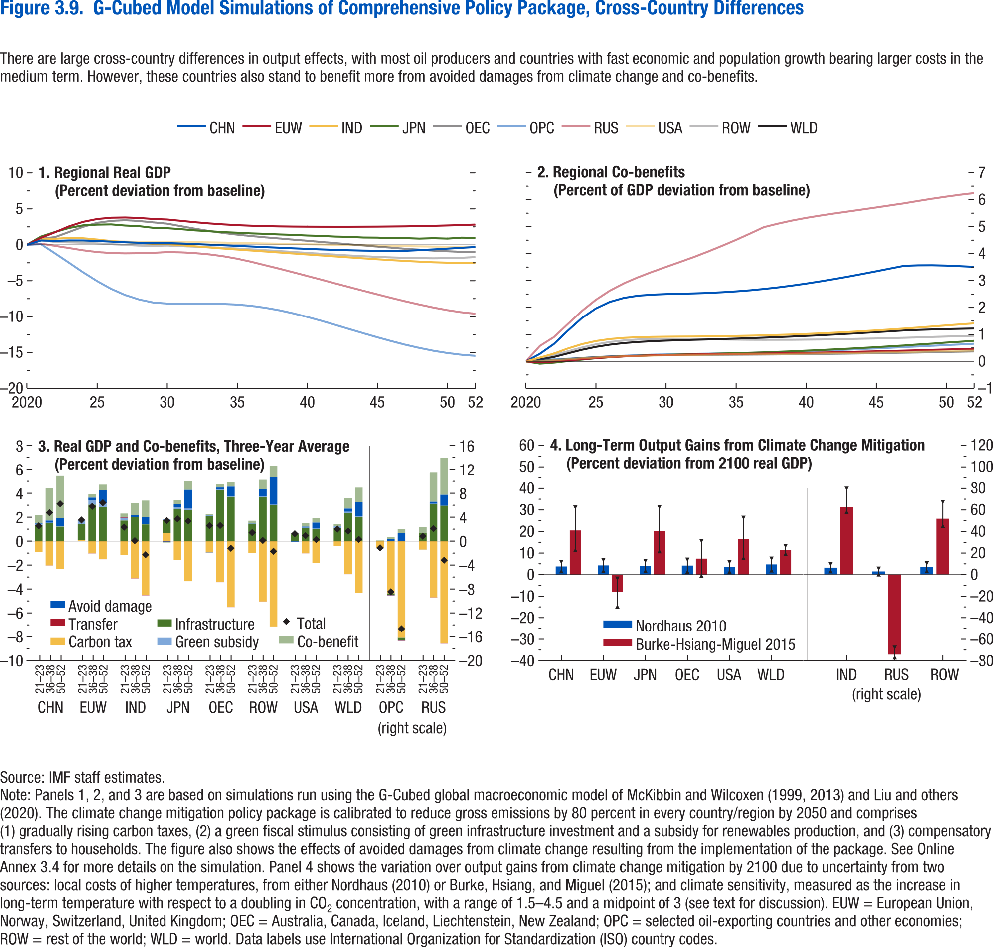
Figure 3.9. G-Cubed Model Simulations of Comprehensive Policy Package, Cross-Country Differences

1. Regional Real GDP |  |  |  |  |  |  |  |  |  | 2. Regional Co-benefits |  |  |  |  |  |  |  |  |  |  | 3. Real GDP and Co-benefits, Three-Year Average |  |  |  |  |  |  |  |  | 4. Long-Term Output Gains from Climate Change Mitigation
(Percent deviation from baseline) |  |  |  |  |  |  |  |  |  | (Percent of GDP deviation from baseline) |  |  |  |  |  |  |  |  |  |  | (Percent deviation from baseline) |  |  |  |  |  |  |  |  | (Percent deviation from 2100 real GDP)
Year | CHN | EUW | IND | JPN | OEC | OPC | ROW | RUS | USA | Year | CHN | EUW | IND | JPN | OEC | OPC | ROW | RUS | USA | WLD | Region | Years | Avoid damage | Carbon tax | Cobenefit | Green subsidy | Infrastructure | Transfer | Total | Region | Cost Type | Diff. in mean | Diff. in min | Diff. in max

2020 | 0.00 | 0.00 | 0.00 | 0.00 | 0.00 | 0.00 | 0.00 | 0.00 | 0.00 | 2020 | 0.00 | 0.00 | 0.00 | 0.00 | 0.00 | 0.00 | 0.00 | 0.00 | 0.00 | 0.00 | CHN | 21–23 | 0.05 | -0.89 | 0.69 | 0.06 | 1.36 | 0.00 | 1.27 | CHN | Nordhaus 2010 | 3.78 | 1.61 | 5.85
2021 | 0.60 | 0.97 | 0.79 | 1.14 | 0.84 | 0.09 | 0.66 | 0.16 | 0.63 | 2021 | 0.28 | -0.04 | 0.14 | -0.08 | 0.03 | 0.06 | 0.13 | 0.57 | 0.02 | 0.07 | CHN | 36–38 | 0.17 | -2.03 | 2.69 | 0.04 | 1.50 | -0.01 | 2.37 | CHN | Burke-Hsiang-Miguel 2015 | 20.51 | 11.42 | 31.11
2022 | 0.55 | 1.75 | 0.84 | 1.79 | 1.07 | -1.20 | 0.39 | -0.14 | 0.53 | 2022 | 0.65 | -0.01 | 0.29 | -0.05 | 0.05 | 0.08 | 0.23 | 0.90 | 0.04 | 0.17 | CHN | 50–52 | 0.67 | -2.32 | 3.53 | 0.03 | 1.21 | -0.01 | 3.11
2023 | 0.60 | 2.57 | 0.96 | 2.34 | 1.79 | -2.50 | 0.34 | -0.45 | 0.56 | 2023 | 1.14 | 0.04 | 0.48 | 0.01 | 0.09 | 0.10 | 0.37 | 1.39 | 0.08 | 0.30 |  |  |  |  |  |  |  |  |  | EUW | Nordhaus 2010 | 4.27 | 1.71 | 6.73
2024 | 0.60 | 3.20 | 0.91 | 2.71 | 2.50 | -3.83 | 0.28 | -0.77 | 0.58 | 2024 | 1.61 | 0.08 | 0.64 | 0.07 | 0.13 | 0.13 | 0.52 | 1.87 | 0.11 | 0.43 | EUW | 21–23 | 0.00 | 0.08 | 0.00 | 0.37 | 1.32 | -0.01 | 1.76 | EUW | Burke-Hsiang-Miguel 2015 | -8.10 | -14.78 | -1.87
2025 | 0.53 | 3.59 | 0.73 | 2.80 | 3.06 | -5.06 | 0.20 | -1.00 | 0.56 | 2025 | 1.97 | 0.12 | 0.76 | 0.12 | 0.16 | 0.16 | 0.63 | 2.29 | 0.14 | 0.54 | EUW | 36–38 | 0.23 | -1.02 | 0.29 | 0.37 | 3.04 | -0.01 | 2.90
2026 | 0.44 | 3.76 | 0.53 | 2.84 | 3.33 | -6.14 | 0.09 | -1.14 | 0.50 | 2026 | 2.21 | 0.16 | 0.83 | 0.16 | 0.19 | 0.19 | 0.72 | 2.63 | 0.17 | 0.62 | EUW | 50–52 | 1.09 | -1.51 | 0.46 | 0.36 | 2.82 | 0.00 | 3.21 | JPN | Nordhaus 2010 | 4.09 | 1.77 | 6.30
2027 | 0.35 | 3.80 | 0.37 | 2.68 | 3.43 | -6.99 | -0.01 | -1.19 | 0.45 | 2027 | 2.36 | 0.19 | 0.88 | 0.19 | 0.20 | 0.21 | 0.78 | 2.90 | 0.19 | 0.68 |  |  |  |  |  |  |  |  |  | JPN | Burke-Hsiang-Miguel 2015 | 20.25 | 10.87 | 31.21
2028 | 0.28 | 3.73 | 0.24 | 2.59 | 3.31 | -7.62 | -0.11 | -1.16 | 0.40 | 2028 | 2.44 | 0.21 | 0.90 | 0.21 | 0.22 | 0.23 | 0.82 | 3.12 | 0.20 | 0.72 | IND | 21–23 | 0.03 | -1.14 | 0.30 | 0.21 | 1.72 | 0.05 | 1.17
2029 | 0.22 | 3.59 | 0.14 | 2.36 | 3.12 | -8.04 | -0.15 | -1.12 | 0.36 | 2029 | 2.48 | 0.22 | 0.91 | 0.23 | 0.23 | 0.25 | 0.83 | 3.32 | 0.22 | 0.75 | IND | 36–38 | 0.18 | -3.10 | 0.97 | 0.01 | 1.99 | -0.01 | 0.04 | OEC | Nordhaus 2010 | 4.19 | 1.35 | 6.92
2030 | 0.24 | 3.52 | 0.10 | 2.31 | 2.94 | -8.18 | -0.11 | -1.01 | 0.43 | 2030 | 2.50 | 0.24 | 0.92 | 0.25 | 0.23 | 0.26 | 0.84 | 3.51 | 0.23 | 0.77 | IND | 50–52 | 0.62 | -4.50 | 1.37 | 0.00 | 1.39 | -0.03 | -1.14 | OEC | Burke-Hsiang-Miguel 2015 | 7.41 | -0.52 | 15.54
2031 | 0.18 | 3.33 | -0.05 | 2.17 | 2.59 | -8.23 | -0.18 | -1.05 | 0.42 | 2031 | 2.51 | 0.25 | 0.92 | 0.26 | 0.24 | 0.27 | 0.84 | 3.69 | 0.24 | 0.79
2032 | 0.10 | 3.14 | -0.21 | 2.01 | 2.24 | -8.23 | -0.26 | -1.16 | 0.38 | 2032 | 2.52 | 0.26 | 0.93 | 0.27 | 0.24 | 0.28 | 0.83 | 3.88 | 0.25 | 0.80 | JPN | 21–23 | -0.06 | 0.67 | -0.04 | 0.09 | 1.08 | -0.02 | 1.72 | USA | Nordhaus 2010 | 3.62 | 1.35 | 5.79
2033 | 0.02 | 2.98 | -0.37 | 1.89 | 1.92 | -8.21 | -0.34 | -1.33 | 0.34 | 2033 | 2.54 | 0.26 | 0.93 | 0.28 | 0.24 | 0.29 | 0.82 | 4.08 | 0.25 | 0.82 | JPN | 36–38 | 0.28 | -1.58 | 0.34 | 0.13 | 2.70 | 0.00 | 1.86 | USA | Burke-Hsiang-Miguel 2015 | 16.53 | 7.68 | 26.35
2034 | -0.06 | 2.84 | -0.52 | 1.77 | 1.65 | -8.23 | -0.43 | -1.59 | 0.30 | 2034 | 2.57 | 0.27 | 0.94 | 0.29 | 0.25 | 0.30 | 0.82 | 4.29 | 0.26 | 0.83 | JPN | 50–52 | 1.57 | -3.35 | 0.73 | 0.13 | 2.59 | 0.00 | 1.67
2035 | -0.15 | 2.73 | -0.66 | 1.68 | 1.42 | -8.32 | -0.52 | -1.94 | 0.26 | 2035 | 2.60 | 0.28 | 0.95 | 0.31 | 0.25 | 0.31 | 0.81 | 4.51 | 0.26 | 0.85 |  |  |  |  |  |  |  |  |  | WLD | Nordhaus 2010 | 4.74 | 1.98 | 7.39
2036 | -0.24 | 2.66 | -0.79 | 1.59 | 1.22 | -8.50 | -0.63 | -2.36 | 0.22 | 2036 | 2.64 | 0.28 | 0.96 | 0.32 | 0.25 | 0.32 | 0.80 | 4.74 | 0.27 | 0.86 | OEC | 21–23 | -0.02 | -0.94 | 0.06 | 0.08 | 2.11 | 0.00 | 1.29 | WLD | Burke-Hsiang-Miguel 2015 | 11.32 | 9.60 | 13.22
2037 | -0.32 | 2.60 | -0.93 | 1.53 | 1.04 | -8.77 | -0.75 | -2.85 | 0.19 | 2037 | 2.69 | 0.29 | 0.97 | 0.34 | 0.26 | 0.33 | 0.80 | 4.98 | 0.27 | 0.88 | OEC | 36–38 | 0.16 | -3.42 | 0.26 | 0.07 | 4.25 | -0.01 | 1.31
2038 | -0.41 | 2.56 | -1.07 | 1.44 | 0.88 | -9.12 | -0.87 | -3.33 | 0.15 | 2038 | 2.75 | 0.30 | 0.98 | 0.36 | 0.26 | 0.34 | 0.80 | 5.11 | 0.28 | 0.90 | OEC | 50–52 | 0.79 | -5.50 | 0.36 | 0.06 | 3.70 | -0.01 | -0.60 | IND (right scale) | Nordhaus 2010 | 6.32 | 3.03 | 9.51
2039 | -0.49 | 2.54 | -1.21 | 1.38 | 0.72 | -9.55 | -1.00 | -3.83 | 0.11 | 2039 | 2.81 | 0.31 | 1.00 | 0.38 | 0.27 | 0.36 | 0.81 | 5.23 | 0.29 | 0.92 |  |  |  |  |  |  |  |  |  | IND (right scale) | Burke-Hsiang-Miguel 2015 | 62.69 | 57.98 | 79.61
2040 | -0.57 | 2.52 | -1.35 | 1.29 | 0.57 | -10.04 | -1.12 | -4.34 | 0.08 | 2040 | 2.89 | 0.32 | 1.02 | 0.40 | 0.27 | 0.38 | 0.81 | 5.32 | 0.29 | 0.95 | ROW | 21–23 | 0.06 | -0.97 | 0.25 | -0.02 | 1.40 | -0.01 | 0.71
2041 | -0.64 | 2.51 | -1.48 | 1.24 | 0.40 | -10.58 | -1.25 | -4.86 | 0.04 | 2041 | 2.97 | 0.33 | 1.04 | 0.42 | 0.28 | 0.40 | 0.82 | 5.41 | 0.30 | 0.97 | ROW | 36–38 | 0.57 | -5.04 | 0.80 | 0.06 | 3.69 | -0.03 | 0.05 | RUS (right scale) | Nordhaus 2010 | 2.78 | 0.10 | 5.36
2042 | -0.71 | 2.51 | -1.62 | 1.14 | 0.24 | -11.15 | -1.37 | -5.37 | 0.00 | 2042 | 3.05 | 0.34 | 1.07 | 0.45 | 0.28 | 0.42 | 0.82 | 5.49 | 0.30 | 1.00 | ROW | 50–52 | 2.31 | -7.13 | 0.94 | 0.05 | 3.00 | -0.01 | -0.85 | RUS (right scale) | Burke-Hsiang-Miguel 2015 | -74.37 | -76.95 | -67.98
2043 | -0.76 | 2.51 | -1.75 | 1.10 | 0.07 | -11.74 | -1.49 | -5.89 | -0.03 | 2043 | 3.15 | 0.35 | 1.09 | 0.47 | 0.29 | 0.44 | 0.83 | 5.56 | 0.31 | 1.03
2044 | -0.81 | 2.52 | -1.89 | 1.01 | -0.08 | -12.31 | -1.59 | -6.40 | -0.07 | 2044 | 3.24 | 0.36 | 1.12 | 0.50 | 0.30 | 0.46 | 0.84 | 5.63 | 0.32 | 1.06 | USA | 21–23 | -0.04 | 0.00 | 0.05 | 0.05 | 0.57 | 0.00 | 0.62 | ROW (right scale) | Nordhaus 2010 | 6.80 | 3.16 | 10.36
2045 | -0.84 | 2.53 | -2.01 | 1.00 | -0.25 | -12.88 | -1.68 | -6.90 | -0.11 | 2045 | 3.34 | 0.37 | 1.15 | 0.53 | 0.31 | 0.48 | 0.85 | 5.71 | 0.33 | 1.09 | USA | 36–38 | 0.08 | -1.02 | 0.27 | 0.06 | 1.08 | -0.01 | 0.46 | ROW (right scale) | Burke-Hsiang-Miguel 2015 | 51.79 | 45.05 | 67.17
2046 | -0.85 | 2.55 | -2.13 | 0.92 | -0.40 | -13.41 | -1.76 | -7.40 | -0.15 | 2046 | 3.45 | 0.39 | 1.19 | 0.56 | 0.31 | 0.51 | 0.87 | 5.79 | 0.34 | 1.12 | USA | 50–52 | 0.50 | -1.81 | 0.39 | 0.05 | 1.00 | -0.01 | 0.13
2047 | -0.83 | 2.57 | -2.24 | 0.93 | -0.56 | -13.92 | -1.82 | -7.87 | -0.19 | 2047 | 3.55 | 0.40 | 1.22 | 0.59 | 0.32 | 0.53 | 0.88 | 5.86 | 0.35 | 1.15
2048 | -0.74 | 2.60 | -2.34 | 0.86 | -0.67 | -14.36 | -1.85 | -8.32 | -0.22 | 2048 | 3.57 | 0.41 | 1.26 | 0.63 | 0.33 | 0.56 | 0.89 | 5.95 | 0.36 | 1.17 | WLD | 21–23 | 0.00 | -0.40 | 0.18 | 0.12 | 1.11 | 0.00 | 1.01
2049 | -0.64 | 2.64 | -2.43 | 0.92 | -0.81 | -14.76 | -1.87 | -8.74 | -0.25 | 2049 | 3.57 | 0.43 | 1.30 | 0.66 | 0.34 | 0.58 | 0.91 | 6.04 | 0.37 | 1.19 | WLD | 36–38 | 0.26 | -2.75 | 0.88 | 0.12 | 2.34 | -0.02 | 0.83
2050 | -0.53 | 2.69 | -2.49 | 0.86 | -0.90 | -15.07 | -1.85 | -9.10 | -0.27 | 2050 | 3.56 | 0.44 | 1.34 | 0.70 | 0.35 | 0.61 | 0.92 | 6.11 | 0.38 | 1.20 | WLD | 50–52 | 1.15 | -4.31 | 1.21 | 0.10 | 2.00 | -0.01 | 0.15
2051 | -0.42 | 2.75 | -2.53 | 0.99 | -0.98 | -15.31 | -1.81 | -9.40 | -0.27 | 2051 | 3.54 | 0.46 | 1.38 | 0.73 | 0.36 | 0.63 | 0.94 | 6.18 | 0.39 | 1.21
2052 | -0.31 | 2.81 | -2.52 | 0.96 | -1.01 | -15.46 | -1.69 | -9.60 | -0.26 | 2052 | 3.51 | 0.47 | 1.41 | 0.77 | 0.37 | 0.66 | 0.95 | 6.25 | 0.41 | 1.22 | OPC (right scale) | 21–23 | 0.01 | -1.15 | 0.08 | -0.05 | -0.03 | 0.02 | -1.12
 |  |  |  |  |  |  |  |  |  |  |  |  |  |  |  |  |  |  |  |  | OPC (right scale) | 36–38 | 0.32 | -8.73 | 0.33 | -0.08 | -0.26 | -0.05 | -8.47
 |  |  |  |  |  |  |  |  |  |  |  |  |  |  |  |  |  |  |  |  | OPC (right scale) | 50–52 | 1.39 | -16.14 | 0.63 | -0.10 | -0.39 | -0.04 | -14.65

 |  |  |  |  |  |  |  |  |  |  |  |  |  |  |  |  |  |  |  |  | RUS (right scale) | 21–23 | -0.03 | -1.41 | 0.96 | -0.09 | 1.38 | 0.00 | 0.81
 |  |  |  |  |  |  |  |  |  |  |  |  |  |  |  |  |  |  |  |  | RUS (right scale) | 36–38 | 0.33 | -9.39 | 4.95 | 0.03 | 6.22 | -0.03 | 2.10
 |  |  |  |  |  |  |  |  |  |  |  |  |  |  |  |  |  |  |  |  | RUS (right scale) | 50–52 | 1.84 | -17.05 | 6.18 | -0.03 | 5.91 | -0.03 | -3.19

Figure 3.10.
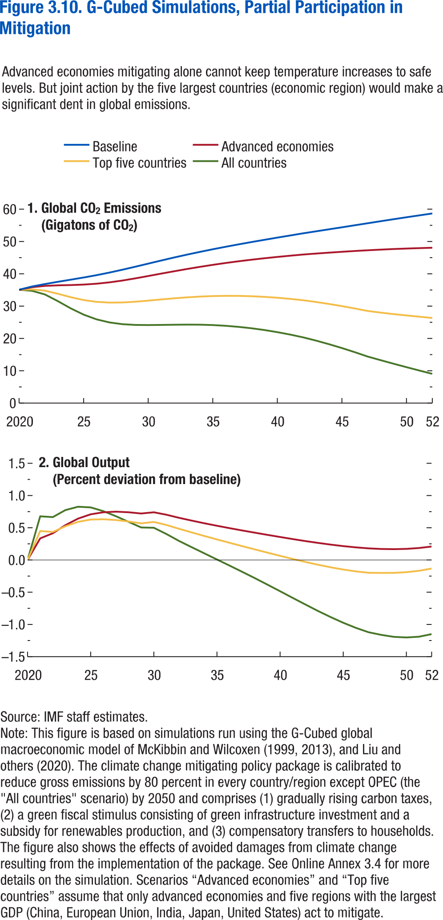
Figure 3.10. G-Cubed Model Simulations, Partial Participation in Mitigation

1. Global CO2 Emissions |  |  |  |  | 2. Global Output
(Gigatons of CO2) |  |  |  |  | (Percent deviation from baseline)
Year | Advanced economies | Aggregate | Baseline | Top 5 emitters | Year | Advanced economies | Aggregate | Top 5 emitters

2020 | 35.07 | 35.07 | 35.07 | 35.07 | 2020 | 0.00 | 0.00 | 0.00
2021 | 35.85 | 34.73 | 36.07 | 35.17 | 2021 | 0.34 | 0.68 | 0.45
2022 | 36.26 | 33.61 | 36.83 | 34.79 | 2022 | 0.41 | 0.67 | 0.44
2023 | 36.43 | 31.55 | 37.52 | 33.83 | 2023 | 0.54 | 0.77 | 0.52
2024 | 36.52 | 29.31 | 38.18 | 32.76 | 2024 | 0.64 | 0.83 | 0.59
2025 | 36.67 | 27.37 | 38.85 | 31.88 | 2025 | 0.71 | 0.82 | 0.63
2026 | 36.93 | 25.91 | 39.58 | 31.32 | 2026 | 0.74 | 0.76 | 0.63
2027 | 37.36 | 24.95 | 40.39 | 31.09 | 2027 | 0.75 | 0.68 | 0.62
2028 | 37.92 | 24.41 | 41.26 | 31.13 | 2028 | 0.74 | 0.59 | 0.60
2029 | 38.58 | 24.18 | 42.20 | 31.36 | 2029 | 0.72 | 0.50 | 0.57
2030 | 39.31 | 24.14 | 43.16 | 31.70 | 2030 | 0.74 | 0.50 | 0.59
2031 | 40.06 | 24.19 | 44.11 | 32.06 | 2031 | 0.70 | 0.40 | 0.54
2032 | 40.78 | 24.24 | 45.04 | 32.41 | 2032 | 0.65 | 0.30 | 0.48
2033 | 41.49 | 24.28 | 45.93 | 32.71 | 2033 | 0.61 | 0.20 | 0.43
2034 | 42.15 | 24.25 | 46.78 | 32.95 | 2034 | 0.57 | 0.10 | 0.37
2035 | 42.77 | 24.14 | 47.59 | 33.11 | 2035 | 0.53 | 0.01 | 0.32
2036 | 43.35 | 23.92 | 48.37 | 33.18 | 2036 | 0.49 | -0.09 | 0.27
2037 | 43.88 | 23.58 | 49.11 | 33.17 | 2037 | 0.46 | -0.18 | 0.21
2038 | 44.36 | 23.15 | 49.83 | 33.06 | 2038 | 0.42 | -0.28 | 0.16
2039 | 44.81 | 22.60 | 50.52 | 32.87 | 2039 | 0.39 | -0.38 | 0.11
2040 | 45.22 | 21.95 | 51.20 | 32.59 | 2040 | 0.36 | -0.48 | 0.06
2041 | 45.61 | 21.19 | 51.87 | 32.24 | 2041 | 0.32 | -0.59 | 0.02
2042 | 45.97 | 20.33 | 52.53 | 31.82 | 2042 | 0.29 | -0.69 | -0.03
2043 | 46.27 | 19.33 | 53.15 | 31.28 | 2043 | 0.26 | -0.79 | -0.07
2044 | 46.55 | 18.22 | 53.77 | 30.67 | 2044 | 0.24 | -0.89 | -0.11
2045 | 46.81 | 17.03 | 54.39 | 30.00 | 2045 | 0.22 | -0.97 | -0.15
2046 | 47.06 | 15.74 | 55.02 | 29.27 | 2046 | 0.20 | -1.05 | -0.18
2047 | 47.28 | 14.38 | 55.65 | 28.50 | 2047 | 0.18 | -1.12 | -0.20
2048 | 47.49 | 13.27 | 56.27 | 28.00 | 2048 | 0.17 | -1.16 | -0.20
2049 | 47.66 | 12.18 | 56.89 | 27.54 | 2049 | 0.17 | -1.19 | -0.20
2050 | 47.82 | 11.11 | 57.50 | 27.12 | 2050 | 0.17 | -1.20 | -0.19
2051 | 47.95 | 10.06 | 58.09 | 26.72 | 2051 | 0.19 | -1.19 | -0.17
2052 | 48.07 | 9.04 | 58.67 | 26.34 | 2052 | 0.21 | -1.15 | -0.13

Figure 3.11.
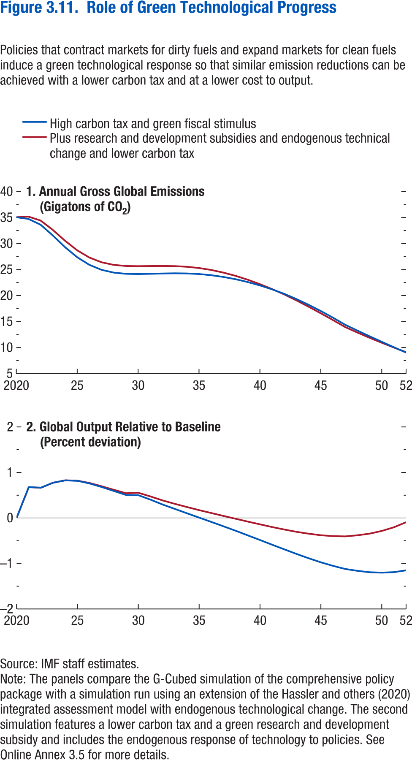
Figure 3.11. Role of Green Technological Progress

1. Annual Gross Global Emissions |  |  | 2. Global Output Relative to Baseline
(Gigatons of CO2) |  |  | (Percent deviation)
Year | High carbon tax and green fiscal stimulus | Plus subsidies and endogenous technical change and lower carbon tax | Year | High carbon tax and green fiscal stimulus | Plus subsidies and endogenous technical change and lower carbon tax

2020 | 35.07 | 35.07 | 2020 | 0.00 | 0.00
2021 | 34.73 | 35.18 | 2021 | 0.68 | 0.68
2022 | 33.61 | 34.42 | 2022 | 0.67 | 0.66
2023 | 31.55 | 32.61 | 2023 | 0.77 | 0.77
2024 | 29.31 | 30.54 | 2024 | 0.83 | 0.83
2025 | 27.37 | 28.70 | 2025 | 0.82 | 0.82
2026 | 25.91 | 27.31 | 2026 | 0.76 | 0.77
2027 | 24.95 | 26.40 | 2027 | 0.68 | 0.70
2028 | 24.41 | 25.90 | 2028 | 0.59 | 0.62
2029 | 24.18 | 25.69 | 2029 | 0.50 | 0.54
2030 | 24.14 | 25.65 | 2030 | 0.50 | 0.55
2031 | 24.19 | 25.68 | 2031 | 0.40 | 0.47
2032 | 24.24 | 25.69 | 2032 | 0.30 | 0.38
2033 | 24.28 | 25.66 | 2033 | 0.20 | 0.31
2034 | 24.25 | 25.54 | 2034 | 0.10 | 0.24
2035 | 24.14 | 25.30 | 2035 | 0.01 | 0.17
2036 | 23.92 | 24.93 | 2036 | -0.09 | 0.11
2037 | 23.58 | 24.42 | 2037 | -0.18 | 0.04
2038 | 23.15 | 23.79 | 2038 | -0.28 | -0.02
2039 | 22.60 | 23.05 | 2039 | -0.38 | -0.08
2040 | 21.95 | 22.20 | 2040 | -0.48 | -0.14
2041 | 21.19 | 21.25 | 2041 | -0.59 | -0.20
2042 | 20.33 | 20.22 | 2042 | -0.69 | -0.25
2043 | 19.33 | 19.07 | 2043 | -0.79 | -0.30
2044 | 18.22 | 17.86 | 2044 | -0.89 | -0.35
2045 | 17.03 | 16.59 | 2045 | -0.97 | -0.38
2046 | 15.74 | 15.28 | 2046 | -1.05 | -0.40
2047 | 14.38 | 13.95 | 2047 | -1.12 | -0.41
2048 | 13.27 | 12.89 | 2048 | -1.16 | -0.38
2049 | 12.18 | 11.89 | 2049 | -1.19 | -0.34
2050 | 11.11 | 10.93 | 2050 | -1.20 | -0.29
2051 | 10.06 | 10.01 | 2051 | -1.19 | -0.20
2052 | 9.04 | 9.12 | 2052 | -1.15 | -0.09

Figure 3.12.
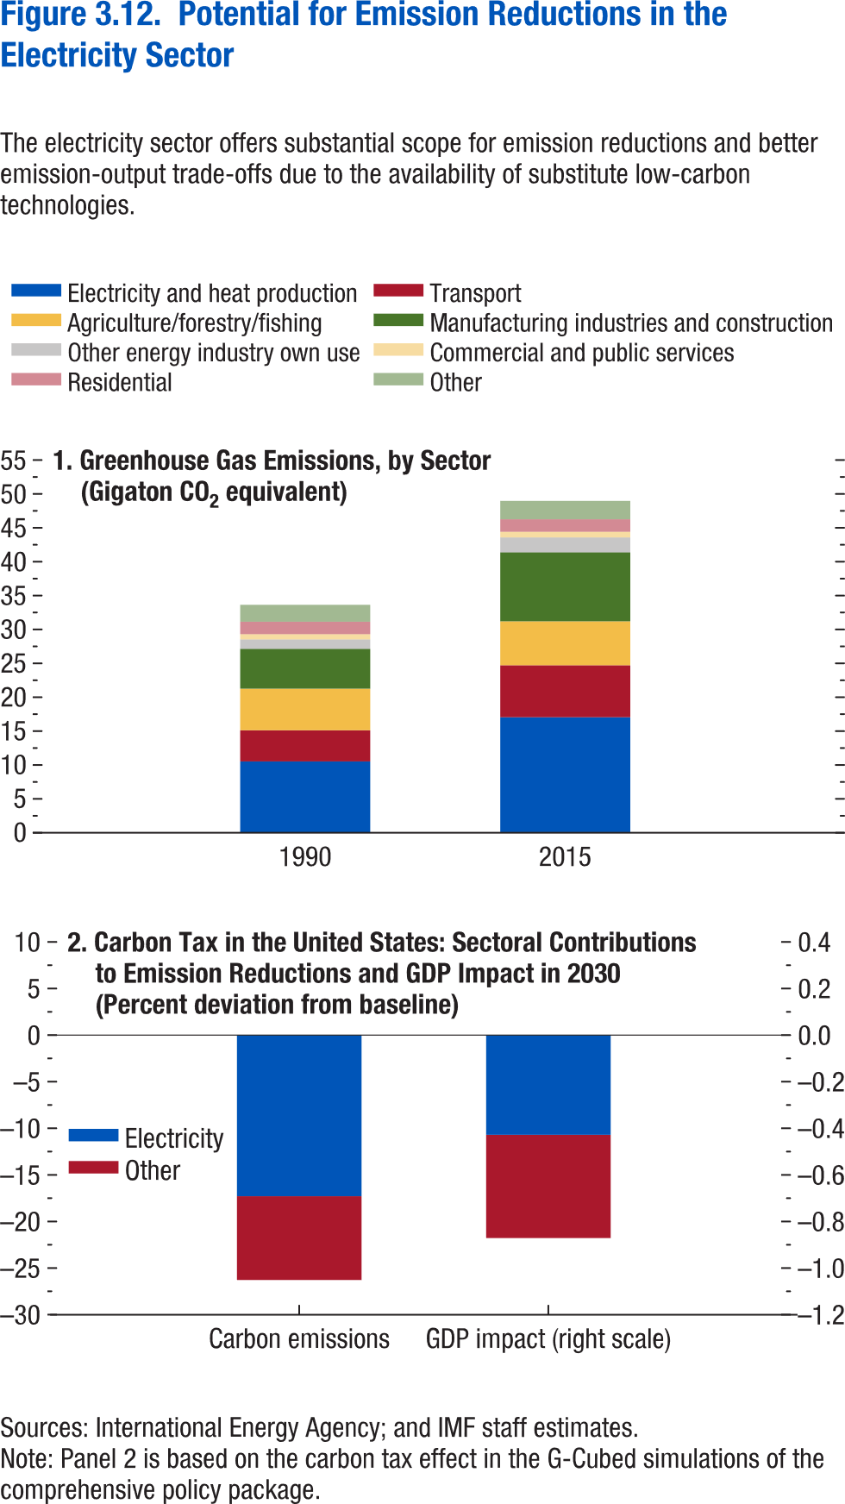
Figure 3.12. Potential for Emission Reductions in the Electricity Sector

1. Greenhouse Gas Emissions, by Sector |  |  |  |  |  |  |  |  | 2. Carbon Tax in the United States: Sectoral Contributions to Emission Reductions and GDP Impact in 2030
(Gigaton CO2 equivalent) |  |  |  |  |  |  |  |  | (Percent deviation from baseline)
Year | Agriculture/forestry/fishing | Commercial and public services | Electricity and heat production | Other | Other energy industry own use | Residential | Manufacturing industries and construction | Transport |  | Electricity | Other

1990 | 6.14 | 0.77 | 10.53 | 2.49 | 1.41 | 1.84 | 5.86 | 4.60 | Carbon emissions | -17.28 | -9
2015 | 6.49 | 0.83 | 16.98 | 2.72 | 2.21 | 1.85 | 10.18 | 7.69 | GDP impact | -0.43 | -0.44

Figure 3.13.
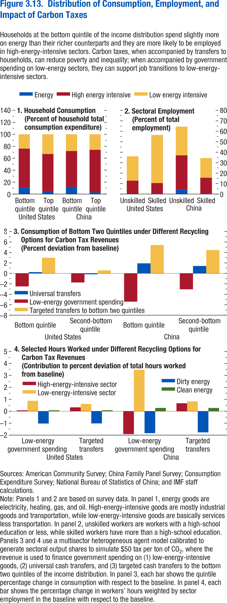
Figure 3.13. Distribution of Consumption, Employment, and Impact of Carbon Taxes

1. Household Consumption |  |  |  |  | 2. Sectoral Employment |  |  |  |  | 3. Consumption of Bottom Two Quintiles under Different Recycling Options for Carbon Tax Revenues |  |  |  |  |  | 4. Selected Hours Worked under Different Recycling Options for Carbon Tax Revenues
(Percent of household total consumption expenditure) |  |  |  |  | (Percent of total employment) |  |  |  |  | (Percent deviation from baseline) |  |  |  |  |  | (Contribution to percent deviation of total hours worked from baseline)
 |  | Energy | High-energy-intensive goods | Low-energy-intensive goods |  |  | Energy | High-energy-intensive | Low-energy-intensive |  |  | Low-energy government spending | Universal transfers | Targeted to bottom two quintiles |  |  | Clean energy | Low-energy-intensive sector | High-energy-intensive sector | Dirty energy
United States | Bottom quintile | 11 | 65 | 24 | United States | Unskilled | 0.31 | 12.48 | 23.28 | United States | Q1 | -2.49 | 0.24 | 2.99 | United States | Low-energy government spending | 0.08 | 0.88 | 0.07 | -1.03
 | Top quintile | 5 | 62 | 33 |  | Skilled | 0.44 | 10.06 | 46.03 | United States | Q2 | -1.74 | -0.18 | 0.58 |  | Targeted transfers | 0.08 | 0.61 | 0.32 | -1.02
China | Bottom quintile | 12 | 60 | 28 | China | Unskilled | 4.38 | 32.62 | 27.46 | China | Q1 | -5.41 | 1.91 | 5.41 | China | Low-energy government spending | 0.28 | 3.47 | -1.91 | -1.84
 | Top quintile | 3 | 71 | 26 |  | Skilled | 0.53 | 15.05 | 18.82 | China | Q2 | -3.05 | 1.41 | 4.46 |  | Targeted transfers | 0.27 | 0.83 | 0.67 | -1.77

Figure 3.14.
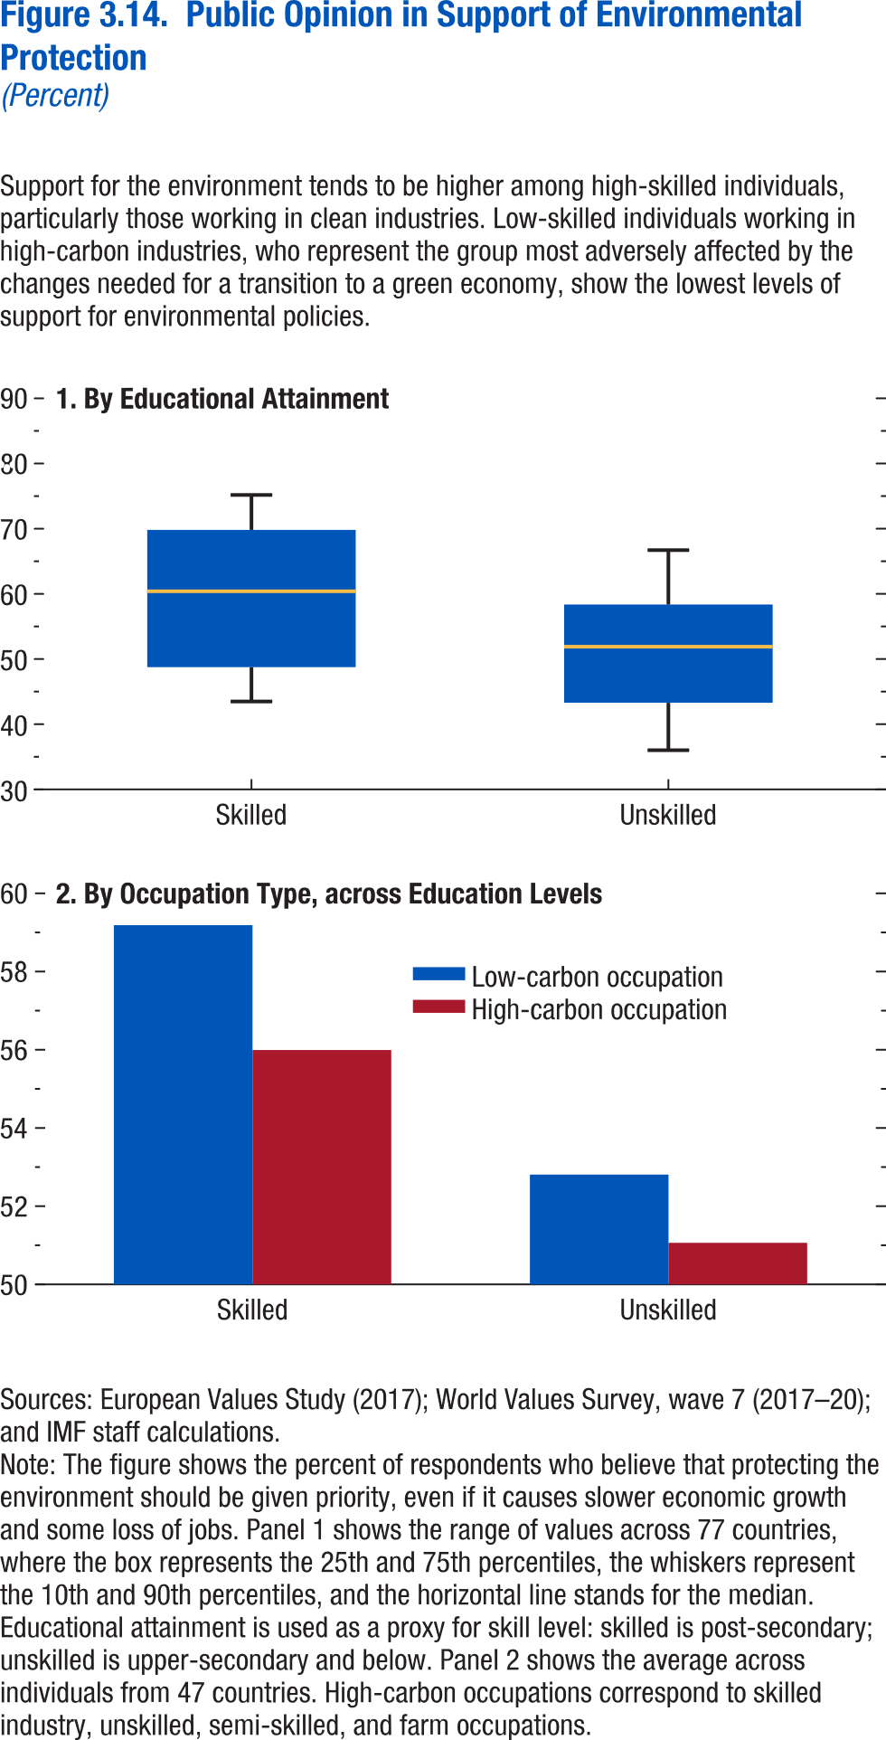
Figure 3.14. Public Opinion in Support of Environmental Protection
(Percent)

1. By Educational Attainment |  |  |  |  |  | 2. By Occupation Type, across Education Levels

 | 10th percentile | 25th percentile | Median | 75th percentile | 90th percentile |  | Low-carbon occupation | High-carbon occupation
Skilled | 43.47826 | 48.75189 | 60.39445 | 69.81764 | 75.17157 | Skilled | 59.18587 | 55.99352
Unskilled | 36 | 43.28587 | 51.88659 | 58.35365 | 66.70048 | Unskilled | 52.808 | 51.06343

Figure 3.15.
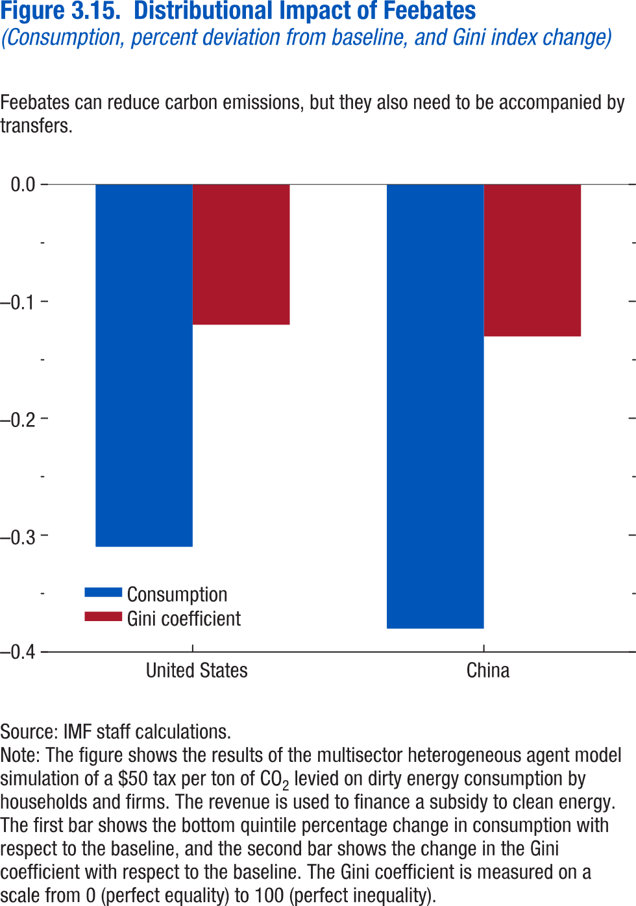
Figure 3.15. Distributional Impact of Feebates
(Consumption, percent deviation from baseline, and Gini index change)

 | Consumption | Gini coefficient
United States | -0.31 | -0.12
China | -0.38 | -0.13

Annex Figure 3.1.1.
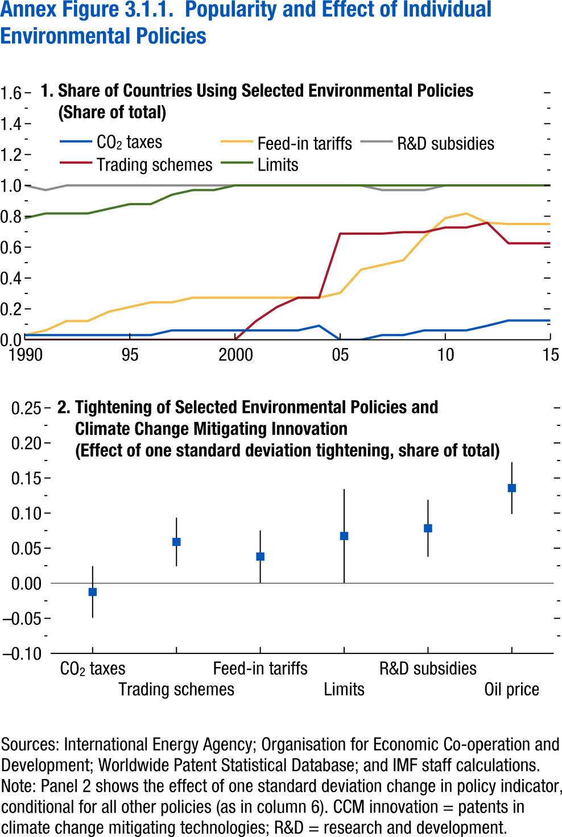
Annex Figure 3.1.1. Popularity and Effect of Individual Environmental Policies

1. Share of Countries Using Selected Environmental Policies |  |  |  |  |  | 2. Tightening of Selected Environmental Policies and Climate Change Mitigating Innovation
(Share of total) |  |  |  |  |  | (Effect of one standard deviation tightening, share of total)
Year | CO2 taxes | Trading schemes | Feed-in tariffs | Limits | R&D subsidies |  | Max | Min | Median
1990 | 0.030 | 0.000 | 0.030 | 0.788 | 1.000 | CO2 taxes | 0.025 | -0.049 | -0.012
1991 | 0.030 | 0.000 | 0.061 | 0.818 | 0.970 | Trading schemes | 0.094 | 0.024 | 0.059
1992 | 0.030 | 0.000 | 0.121 | 0.818 | 1.000 | Feed-in tariffs | 0.076 | 0.001 | 0.038
1993 | 0.030 | 0.000 | 0.121 | 0.818 | 1.000 | Limits | 0.134 | 0.000 | 0.067
1994 | 0.030 | 0.000 | 0.182 | 0.848 | 1.000 | R&D subsidies | 0.119 | 0.038 | 0.078
1995 | 0.030 | 0.000 | 0.212 | 0.879 | 1.000 | Oil price | 0.173 | 0.099 | 0.136
1996 | 0.030 | 0.000 | 0.242 | 0.879 | 1.000
1997 | 0.061 | 0.000 | 0.242 | 0.939 | 1.000
1998 | 0.061 | 0.000 | 0.273 | 0.970 | 1.000
1999 | 0.061 | 0.000 | 0.273 | 0.970 | 1.000
2000 | 0.061 | 0.000 | 0.273 | 1.000 | 1.000
2001 | 0.061 | 0.121 | 0.273 | 1.000 | 1.000
2002 | 0.061 | 0.212 | 0.273 | 1.000 | 1.000
2003 | 0.061 | 0.273 | 0.273 | 1.000 | 1.000
2004 | 0.091 | 0.273 | 0.273 | 1.000 | 1.000
2005 | 0.000 | 0.688 | 0.303 | 1.000 | 1.000
2006 | 0.000 | 0.688 | 0.455 | 1.000 | 1.000
2007 | 0.030 | 0.688 | 0.485 | 1.000 | 0.970
2008 | 0.030 | 0.697 | 0.515 | 1.000 | 0.970
2009 | 0.061 | 0.697 | 0.667 | 1.000 | 0.970
2010 | 0.061 | 0.727 | 0.788 | 1.000 | 1.000
2011 | 0.061 | 0.727 | 0.818 | 1.000 | 1.000
2012 | 0.091 | 0.758 | 0.758 | 1.000 | 1.000
2013 | 0.125 | 0.625 | 0.750 | 1.000 | 1.000
2014 | 0.125 | 0.625 | 0.750 | 1.000 | 1.000
2015 | 0.125 | 0.625 | 0.750 | 1.000 | 1.000

Annex Figure 3.1.2.
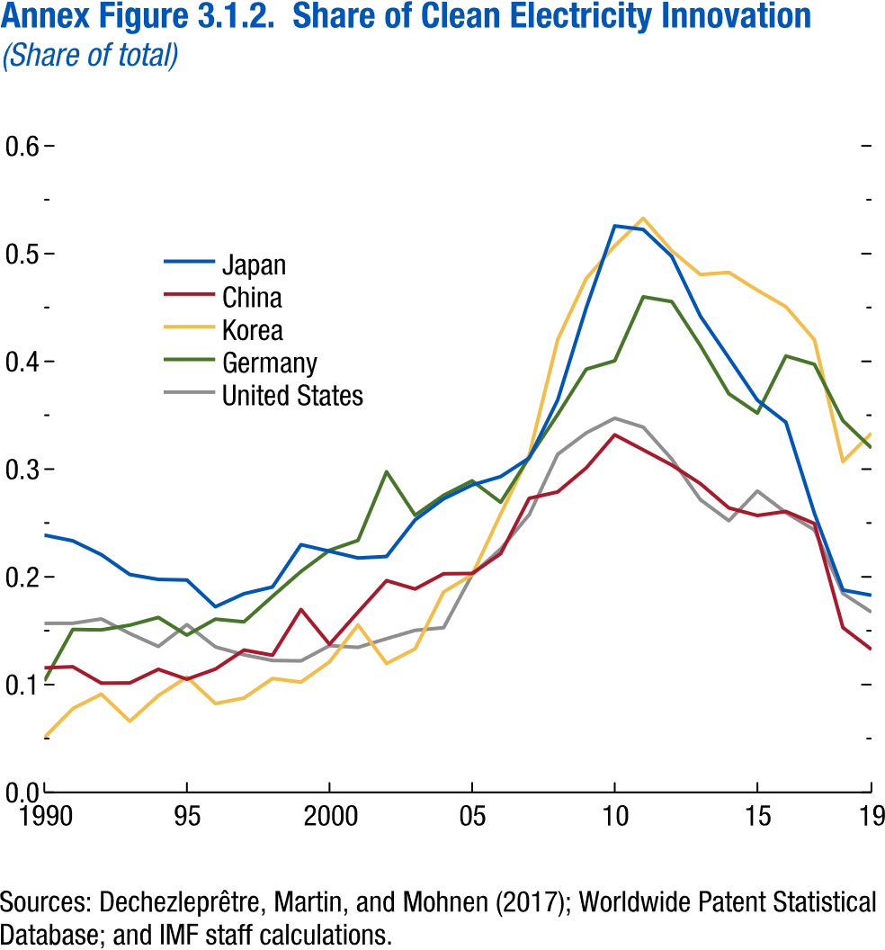
Annex Figure 3.1.2. Share of Clean Electricity Innovation
(Share of total)

Year | Japan | China | Germany | Korea | United States
1990 | 0.238755 | 0.115566 | 0.103266 | 0.050926 | 0.156863
1991 | 0.233453 | 0.116559 | 0.151185 | 0.077778 | 0.156918
1992 | 0.220625 | 0.101346 | 0.150788 | 0.091139 | 0.160956
1993 | 0.202169 | 0.101563 | 0.155188 | 0.06599 | 0.147381
1994 | 0.197607 | 0.114193 | 0.162316 | 0.089796 | 0.135439
1995 | 0.197035 | 0.104991 | 0.145935 | 0.107034 | 0.155642
1996 | 0.172262 | 0.114389 | 0.160772 | 0.082441 | 0.135056
1997 | 0.184364 | 0.132063 | 0.158271 | 0.087582 | 0.127707
1998 | 0.190598 | 0.127252 | 0.181945 | 0.10566 | 0.122387
1999 | 0.229877 | 0.169731 | 0.204985 | 0.102319 | 0.122054
2000 | 0.223767 | 0.137405 | 0.22469 | 0.121104 | 0.136201
2001 | 0.217507 | 0.167233 | 0.233846 | 0.155366 | 0.13459
2002 | 0.218905 | 0.196533 | 0.297514 | 0.119559 | 0.142657
2003 | 0.252843 | 0.188713 | 0.257148 | 0.133201 | 0.150385
2004 | 0.272426 | 0.202849 | 0.275666 | 0.185954 | 0.152822
2005 | 0.285266 | 0.203123 | 0.28907 | 0.202059 | 0.20213
2006 | 0.293073 | 0.221541 | 0.269198 | 0.258262 | 0.225947
2007 | 0.310279 | 0.2729 | 0.310851 | 0.313019 | 0.257748
2008 | 0.364188 | 0.278823 | 0.350618 | 0.420163 | 0.313772
2009 | 0.449799 | 0.301145 | 0.392687 | 0.476933 | 0.333628
2010 | 0.525705 | 0.331778 | 0.400516 | 0.507237 | 0.347287
2011 | 0.522372 | 0.317869 | 0.459891 | 0.532795 | 0.338942
2012 | 0.497333 | 0.303715 | 0.455421 | 0.502648 | 0.309246
2013 | 0.442079 | 0.286558 | 0.414717 | 0.480583 | 0.271669
2014 | 0.403218 | 0.263978 | 0.369918 | 0.482521 | 0.252086
2015 | 0.363948 | 0.256937 | 0.351964 | 0.466012 | 0.279675
2016 | 0.343445 | 0.260689 | 0.404983 | 0.450742 | 0.259652
...

Annex Figure 3.3.1.
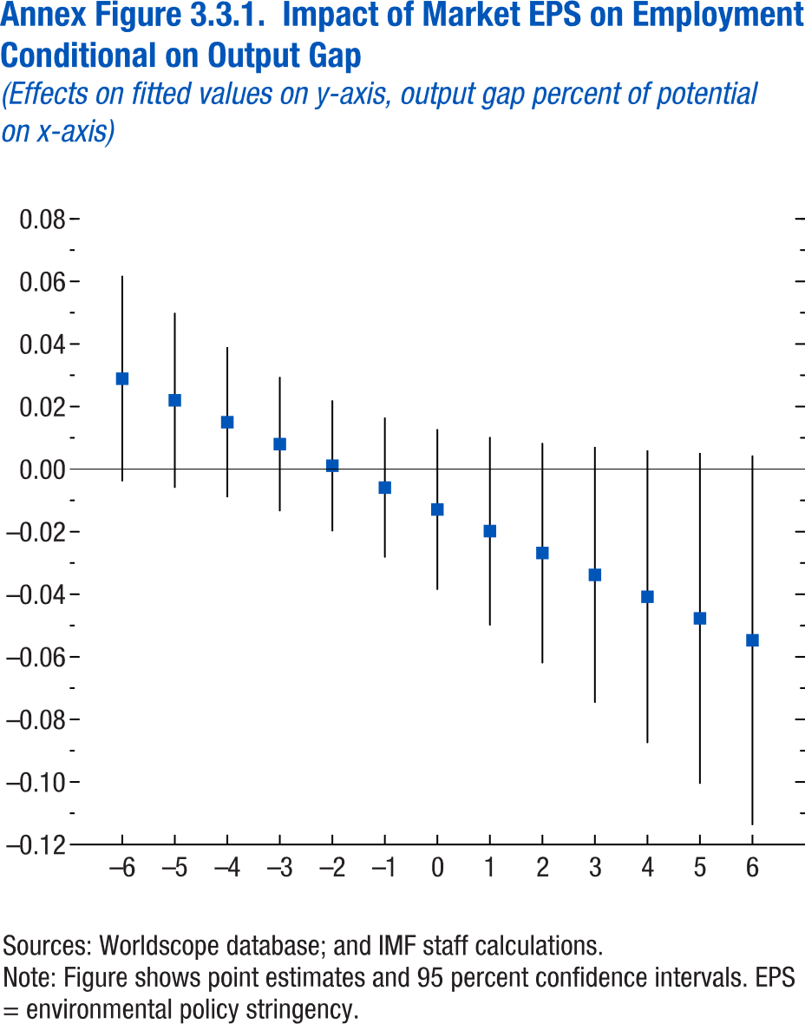
Annex Figure 3.3.1. Impact of Market EPS on Employment Conditional on Output Gap
(Effects on fitted values on y-axis, output gap percent of potential on x-axis)

 | Max | Min
-6 | 0.0618 | -0.0039
-5 | 0.05 | -0.006
-4 | 0.039 | -0.009
-3 | 0.0295 | -0.0135
-2 | 0.022 | -0.0199
-1 | 0.0165 | -0.0283
0 | 0.0128 | -0.0386
1 | 0.0103 | -0.05
2 | 0.0084 | -0.0621
3 | 0.0071 | -0.0747
4 | 0.006 | -0.0876
5 | 0.0052 | -0.1006
6 | 0.0044 | -0.1138

Annex Figure 3.3.2.
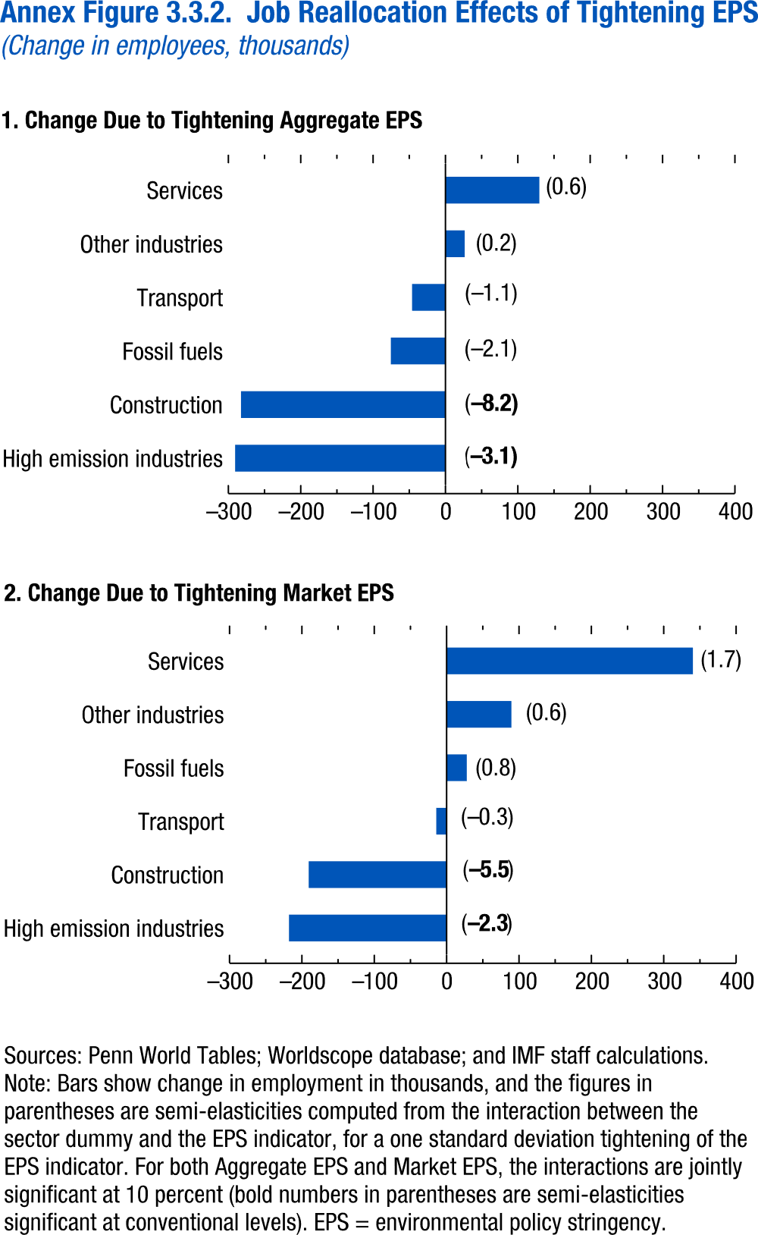
Annex Figure 3.3.2. Job Reallocation Effects of Tightening EPS
(Change in employees, thousands)

1. Change Due to Tightening Aggregate EPS
Change in employment | Change in employees (thousands) | % change due to 1-sd tightening in EPS
High emission industries | -290.7 | -3.1
Construction | -282.6 | -8.2
Fossil fuels | -75.5 | -2.1
Transport | -46.2 | -1.1
Other industries | 26.5 | 0.2
Services | 129.7 | 0.6

Annex Figure 3.3.3.
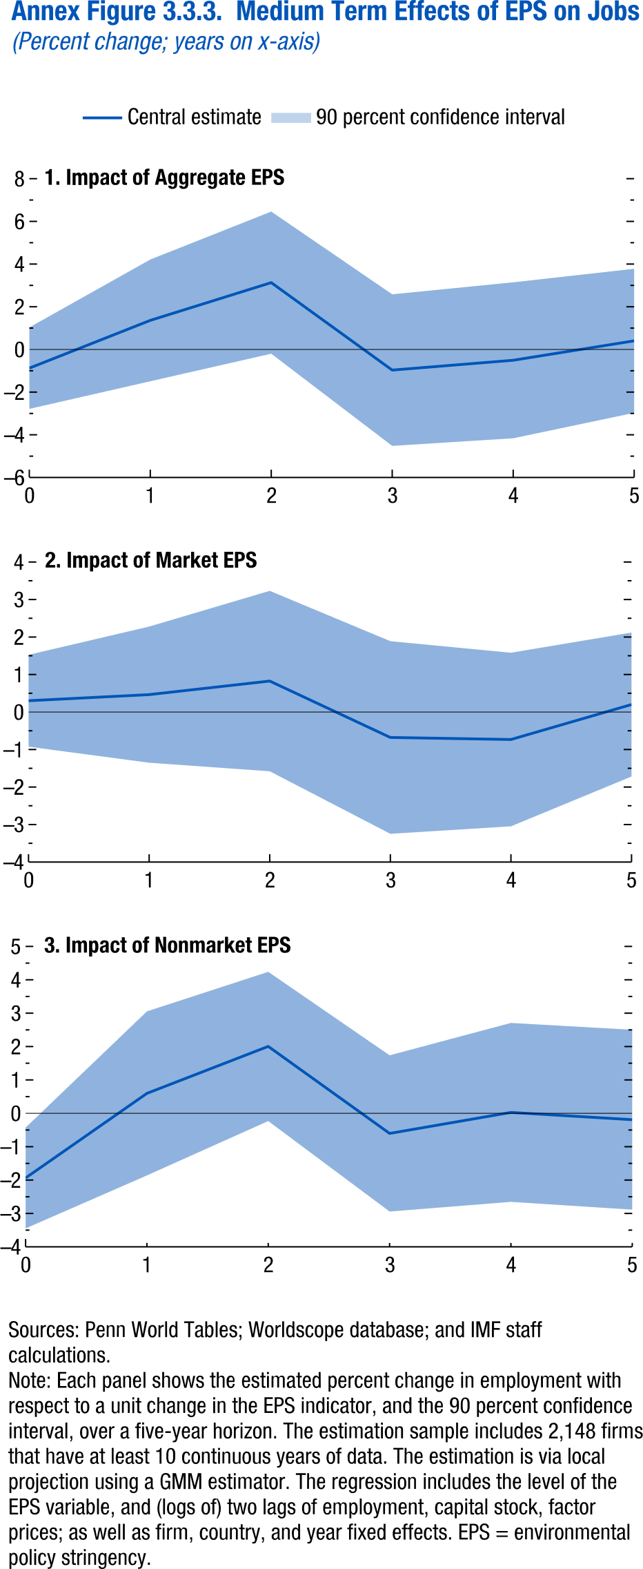
Annex Figure 3.3.3. Medium Term Effects of EPS on Jobs
(Percent change; years on x-axis)

1. Impact of Aggregate EPS
 | Central estimate | Upper CI
0 | -0.8771 | 1.0314
1 | 1.3613 | 4.2132
2 | 3.1299 | 6.4591
3 | -0.9679 | 2.5823
4 | -0.5077 | 3.1455
5 | 0.4037 | 3.7782

Annex Figure 3.4.1.
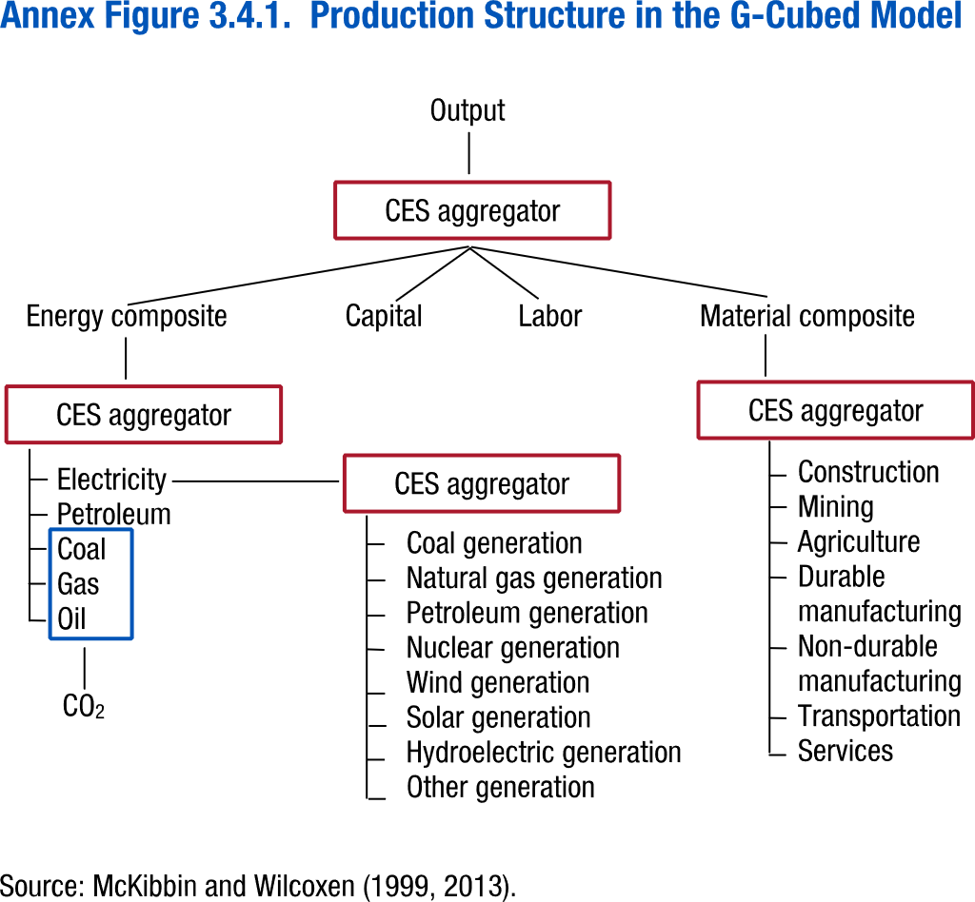
Annex Figure 3.4.1. Production Structure in the G-Cubed Model

No data

Annex Figure 3.4.2.
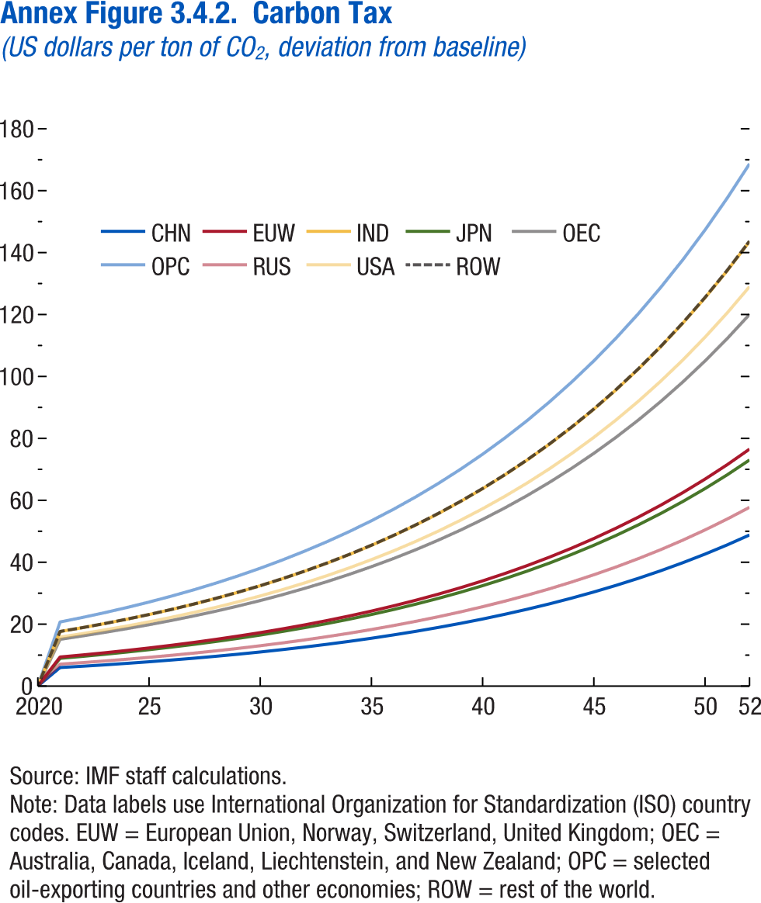
Annex Figure 3.4.2. Carbon Tax
(US dollars per ton of CO2, deviation from baseline)

Year | CHN | EUW | IND
2020 | 0.00 | 0.00 | 0.00
2021 | 5.99 | 9.40 | 17.63
2022 | 6.41 | 10.05 | 18.86
2023 | 6.86 | 10.76 | 20.18
2024 | 7.34 | 11.51 | 21.60
2025 | 7.85 | 12.32 | 23.11
2026 | 8.40 | 13.18 | 24.72
2027 | 8.99 | 14.10 | 26.46
2028 | 9.62 | 15.09 | 28.31
2029 | 10.30 | 16.14 | 30.29
2030 | 11.02 | 17.27 | 32.41
2031 | 11.79 | 18.48 | 34.68
2032 | 12.61 | 19.78 | 37.10
2033 | 13.50 | 21.16 | 39.70
2034 | 14.44 | 22.64 | 42.48
2035 | 15.45 | 24.23 | 45.46
2036 | 16.53 | 25.92 | 48.64
2037 | 17.69 | 27.74 | 52.04
2038 | 18.93 | 29.68 | 55.68
2039 | 20.25 | 31.76 | 59.58
2040 | 21.67 | 33.98 | 63.75
2041 | 23.19 | 36.36 | 68.22
2042 | 24.81 | 38.90 | 72.99
2043 | 26.55 | 41.63 | 78.10
2044 | 28.41 | 44.54 | 83.57
2045 | 30.40 | 47.66 | 89.42
...

Annex Figure 3.5.1.
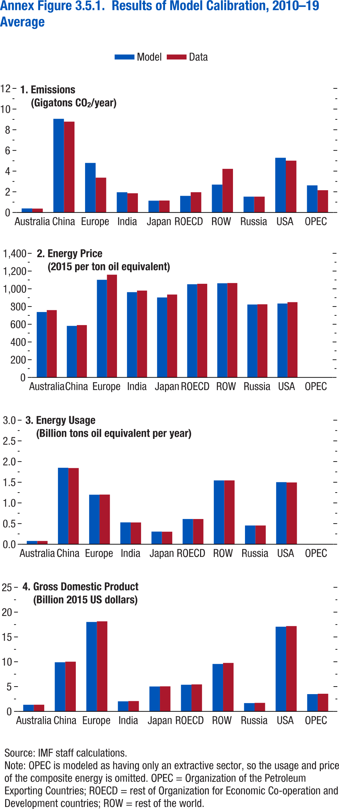
Annex Figure 3.5.1. Results of Model Calibration, 2010–19 Average

1. Emissions
(Gigatons CO2/year)
Region | Model | Data
Australia | 0.3897935 | 0.3773926
China | 9.057338 | 8.786376
Europe | 4.792846 | 3.368246
India | 1.95586 | 1.857832
Japan | 1.140375 | 1.156737
ROECD | 1.60591 | 1.960388
ROW | 2.69486 | 4.220112
Russia | 1.533269 | 1.531897
USA | 5.290563 | 5.011236
OPEC | 2.620969 | 2.153471

Annex Figure 3.6.1.
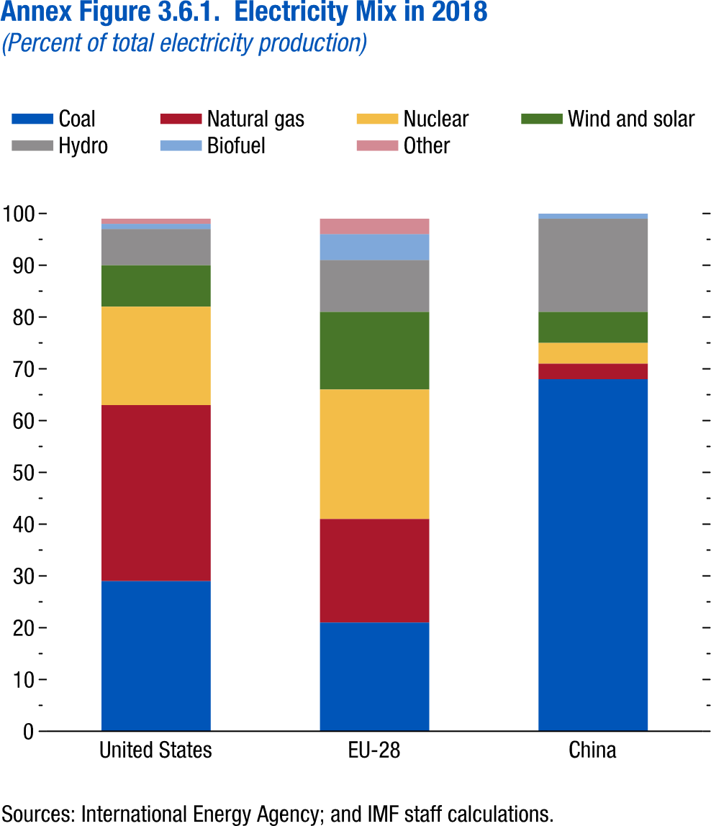
Annex Figure 3.6.1. Electricity Mix in 2018
(Percent of total electricity production)

1. United States |  | 2. European Union

 | Share
Coal | 29 | Coal
Natural gas | 34 | Natural gas
Nuclear | 19 | Nuclear
Wind and solar | 8 | Wind and solar
Hydro | 7 | Hydro
Biofuel | 1 | Biofuel
Other | 1 | Other

Annex Figure 3.6.2.
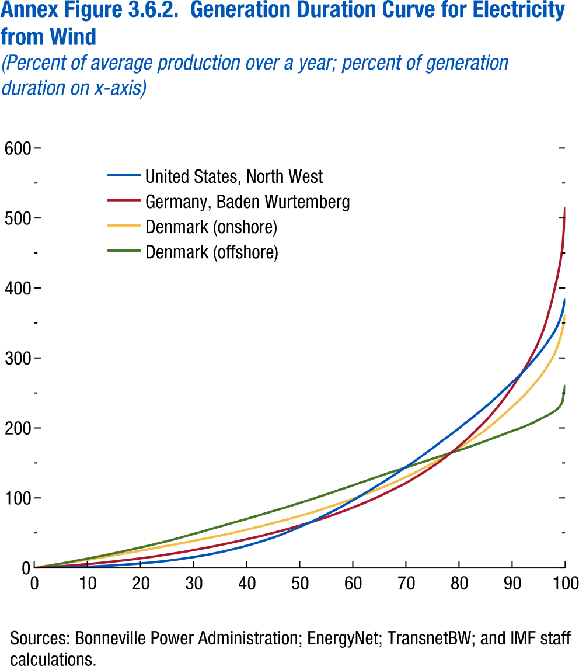
Annex Figure 3.6.2. Generation Duration Curve for Electricity from Wind
(Percent of average production over a year; percent of generation duration on x-axis)

 | United States, North West | Germany, Baden Wurtemberg | Denmark (offshore)
0.0 | 0.00 | 0.00 | 0.00
0.5 | 0.00 | 0.00 | 0.23
1.0 | 0.07 | 0.21 | 0.77
1.5 | 0.12 | 0.52 | 1.44
2.0 | 0.17 | 0.81 | 2.13
2.5 | 0.24 | 1.07 | 2.78
3.0 | 0.31 | 1.33 | 3.43
3.5 | 0.36 | 1.58 | 4.12
4.0 | 0.42 | 1.86 | 4.82
4.5 | 0.49 | 2.13 | 5.50
5.0 | 0.56 | 2.41 | 6.14
5.5 | 0.64 | 2.69 | 6.80
6.0 | 0.73 | 2.97 | 7.50
6.5 | 0.82 | 3.25 | 8.22
7.0 | 0.92 | 3.56 | 8.90
7.5 | 1.04 | 3.84 | 9.64
8.0 | 1.15 | 4.15 | 10.41
8.5 | 1.28 | 4.47 | 11.13
9.0 | 1.43 | 4.79 | 11.82
9.5 | 1.58 | 5.10 | 12.53
10.0 | 1.73 | 5.46 | 13.25
10.5 | 1.89 | 5.80 | 14.00
11.0 | 2.06 | 6.13 | 14.75
11.5 | 2.23 | 6.50 | 15.52
12.0 | 2.42 | 6.86 | 16.26
...

Annex Figure 3.6.3.
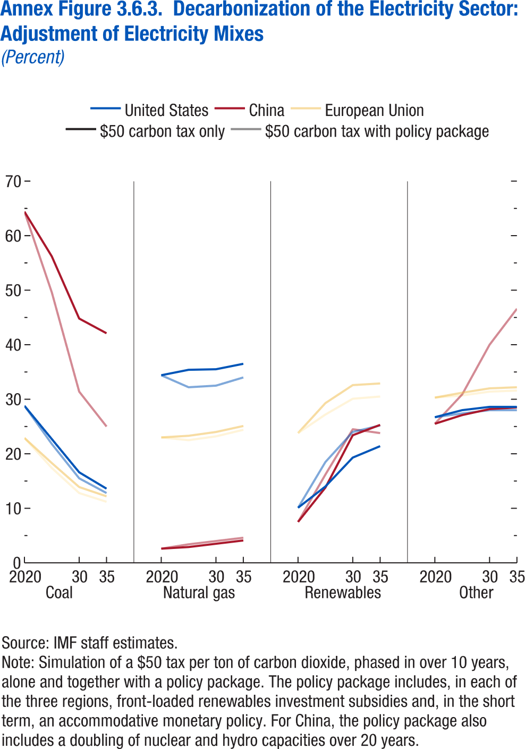
Annex Figure 3.6.3. Decarbonization of the Electricity Sector: Adjustment of Electricity Mixes
(Percent)

 |  | Carbon tax only
 | Year | United States | China
Coal | 2020 | 28.8 | 64.4
 | 2025 | 22.7 | 56.2
 | 2030 | 16.6 | 44.8
 | 2035 | 13.6 | 42.1

Natural Gas | 2020 | 34.4 | 2.6
 | 2025 | 35.4 | 2.9
 | 2030 | 35.5 | 3.5
 | 2035 | 36.5 | 4.1

Renewables | 2020 | 10.1 | 7.5
 | 2025 | 14 | 13.8
 | 2030 | 19.3 | 23.4
 | 2035 | 21.4 | 25.3

Other | 2020 | 26.7 | 25.5
 | 2025 | 28 | 27.1
 | 2030 | 28.6 | 28.2
 | 2035 | 28.6 | 28.5

Annex Figure 3.6.4.
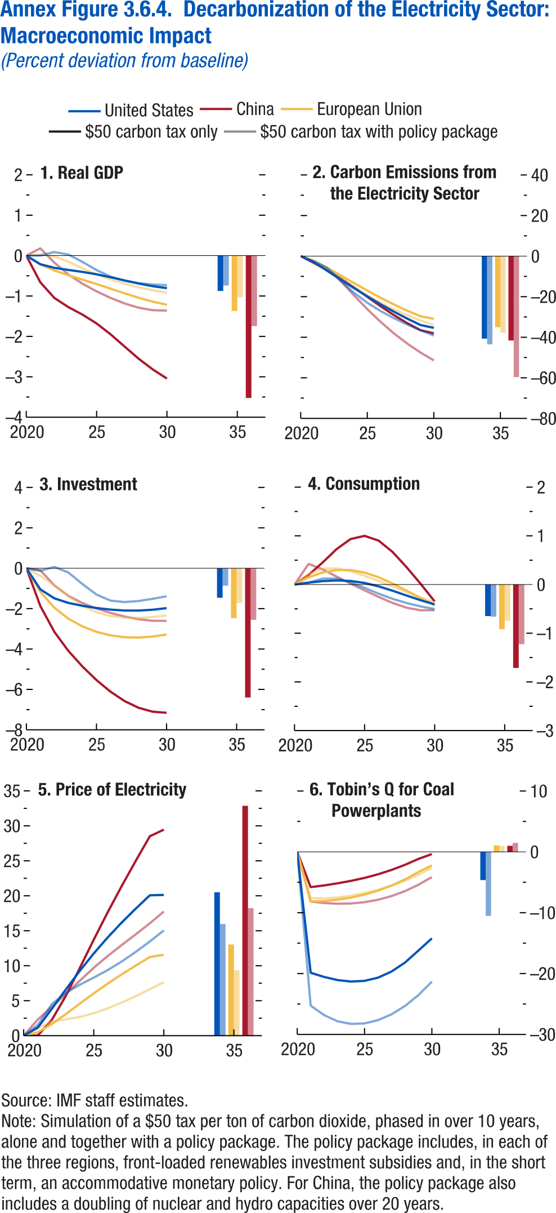
Annex Figure 3.6.4. Decarbonization of the Electricity Sector: Macroeconomic Impact
(Percent deviation from baseline)

1. Real GDP
Year | United States (carbon tax only) | United States (with policy package) | European Union (carbon tax only)
2020 | 0 | 0 | 0
2021 | -0.21299 | 0.000806 | -0.21534
2022 | -0.30288 | 0.089678 | -0.36781
2023 | -0.35487 | 0.025708 | -0.48651
2024 | -0.40332 | -0.15671 | -0.59432
2025 | -0.46277 | -0.35939 | -0.70404
2026 | -0.53521 | -0.52072 | -0.81887
2027 | -0.61487 | -0.62185 | -0.93506
2028 | -0.69235 | -0.68171 | -1.04511
2029 | -0.75723 | -0.71539 | -1.14021
2030 | -0.80539 | -0.73166 | -1.21674

2035 | -0.8746 | -0.73982 | -1.36902

Annex Figure 3.7.1.
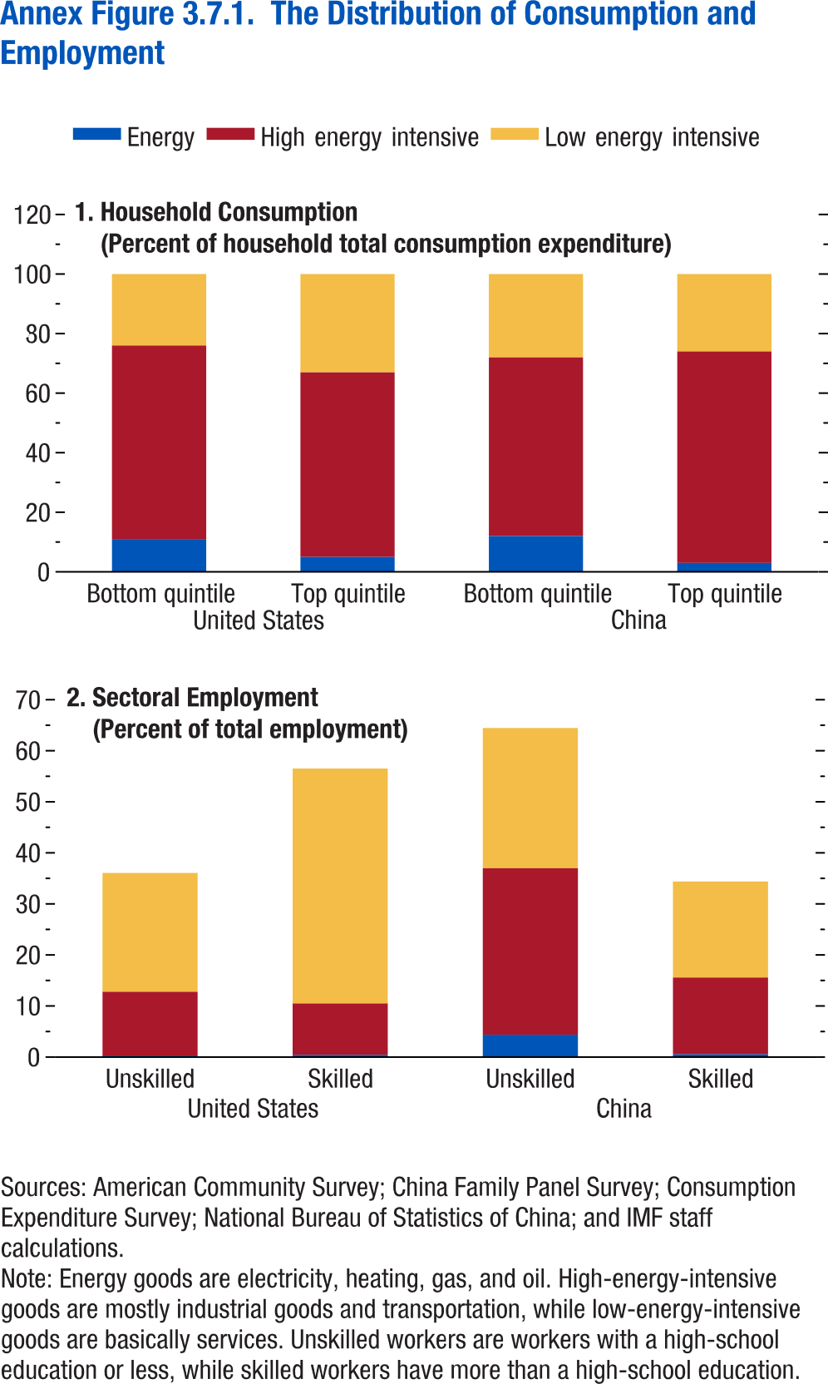
Annex Figure 3.7.1. The Distribution of Consumption and Employment

1. Household Consumption
(Percent of household total consumption expenditure)
 |  | Energy | High-energy-intensive goods
United States | Bottom quintile | 11 | 65
 | Top quintile | 5 | 62
China | Bottom quintile | 12 | 60
 | Top quintile | 3 | 71

Annex Figure 3.7.2.
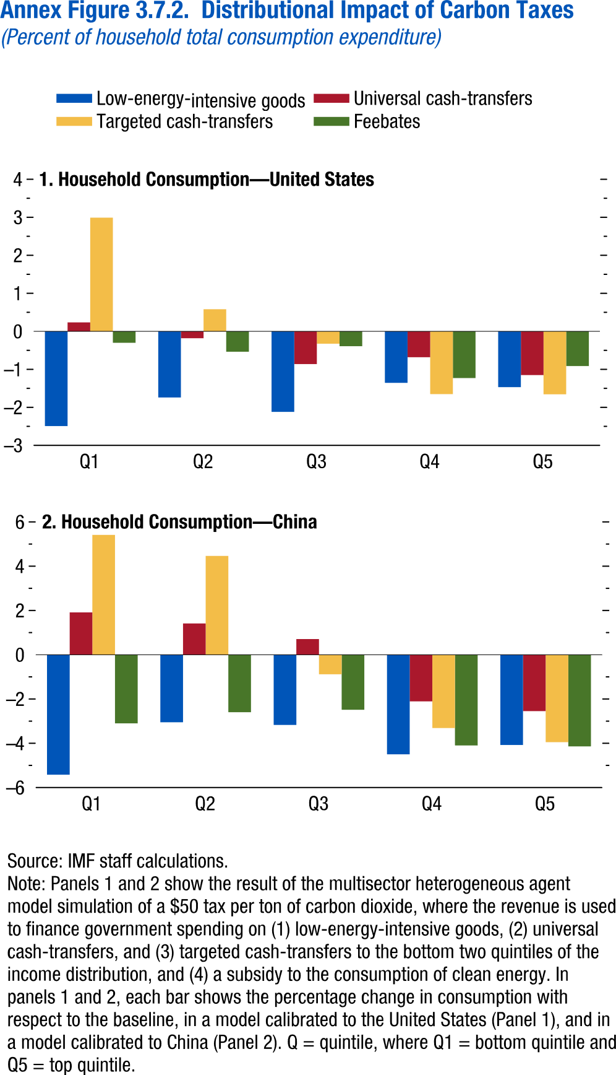
Annex Figure 3.7.2. Distributional Impact of Carbon Taxes
(Percent of household total consumption expenditure)

1. Household Consumption—United States

 | Low-energy-intensive goods | Universal cash-transfers | Targeted cash-transfers
Q1 | -2.49161 | 0.235112 | 2.99051
Q2 | -1.73968 | -0.18031 | 0.581966
Q3 | -2.11776 | -0.86173 | -0.32512
Q4 | -1.35535 | -0.68162 | -1.6506
Q5 | -1.4678 | -1.15007 | -1.656

