WEO Update June 2020
 |  |  | 2020-06-24

International Monetary Fund
World Economic Outlook
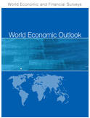

June 2020

World Economic Outlook Update

This datafile includes tables, charts, and underlying data from the June 2020 World Economic Outlook Update. When using the data, please refer to the
IMF, World Economic Outlook Update, June 2020.

Disclaimer: Should there be any discrepancies with the print version, the latter represents the official version.

 | Please submit any questions using | WEO Data Question Form

Figure 1.
World Economic Outlook, June 2020 Update

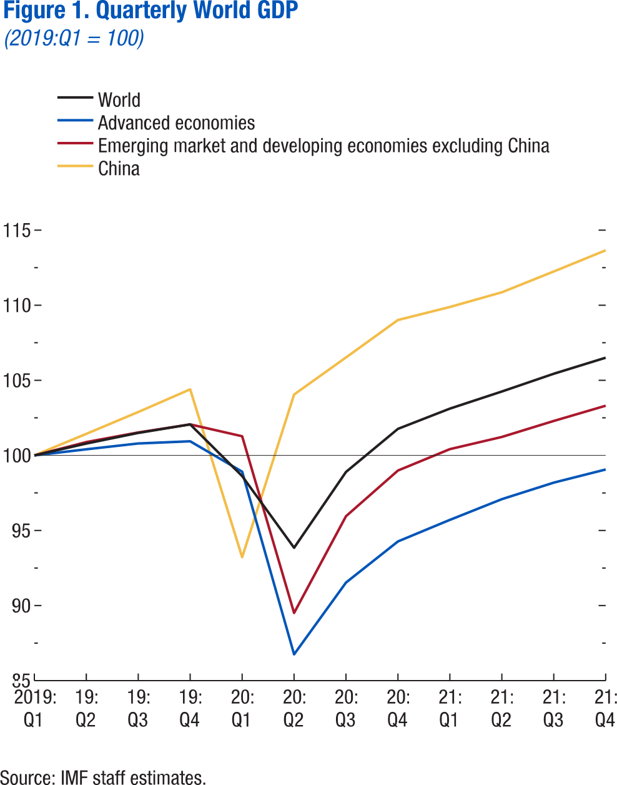
 | Figure 1. Quarterly World GDP
 | (2019:Q1 = 100)

 |  | World | Advanced Economies | Emerging market and developing economies excluding China | China
 | 2019:Q1 | 100.0 | 100.0 | 100.0 | 100.0
 | 2019:Q2 | 100.8 | 100.4 | 100.9 | 101.4
 | 2019:Q3 | 101.5 | 100.8 | 101.5 | 102.9
 | 2019:Q4 | 102.1 | 100.9 | 102.1 | 104.4
 | 2020:Q1 | 98.6 | 98.9 | 101.3 | 93.2
 | 2020:Q2 | 93.8 | 86.8 | 89.5 | 104.1
 | 2020:Q3 | 98.9 | 91.5 | 96.0 | 106.5
 | 2020:Q4 | 101.8 | 94.3 | 99.0 | 109.0
 | 2021:Q1 | 103.1 | 95.7 | 100.4 | 109.9
 | 2021:Q2 | 104.3 | 97.1 | 101.2 | 110.9
 | 2021:Q3 | 105.4 | 98.2 | 102.3 | 112.2
 | 2021:Q4 | 106.5 | 99.1 | 103.3 | 113.7

Annex Figure 1.
World Economic Outlook, June 2020 Update

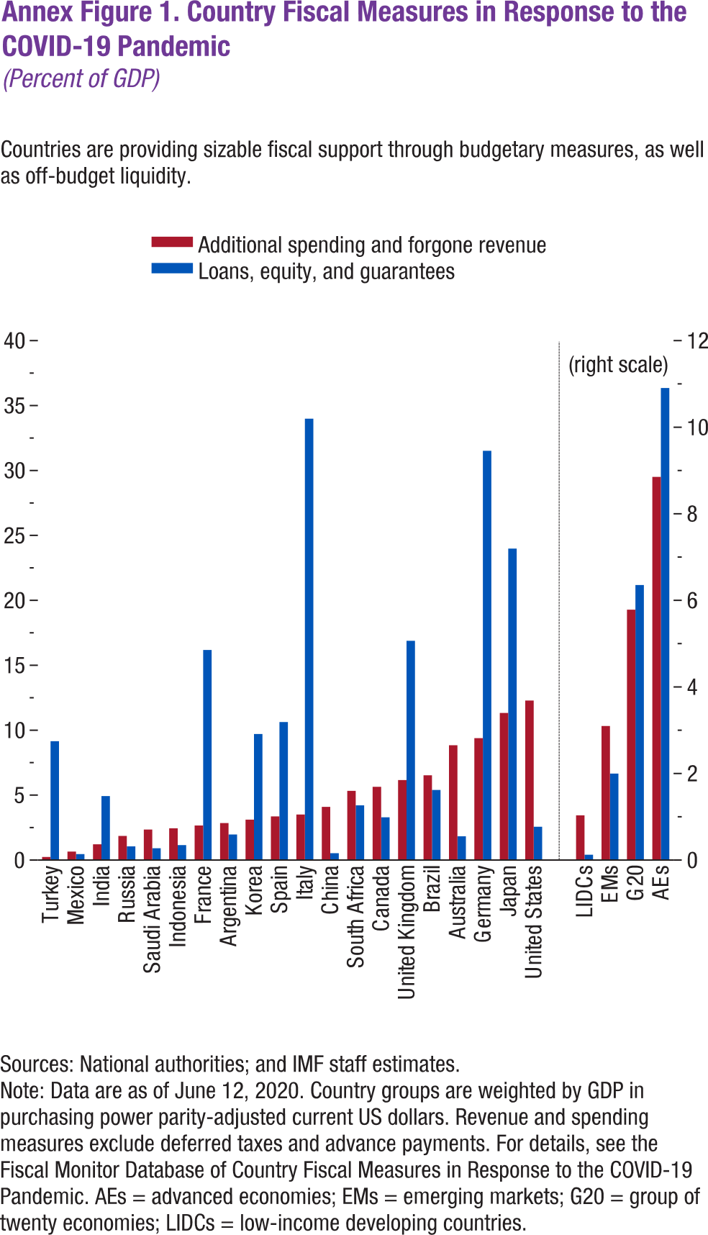
 | Annex Figure 1. Country Fiscal Measures in Response to the COVID-19 Pandemic
 | (Percent of GDP)

 |  | Additional spending and forgone revenue | Loans, equity, and guarantees
 | Turkey | 0.2 | 9.1
 | Mexico | 0.7 | 0.5
 | India | 1.2 | 4.9
 | Russia | 1.9 | 1.1
 | Saudi Arabia | 2.3 | 0.9
 | Indonesia | 2.4 | 1.1
 | France | 2.7 | 16.2
 | Argentina | 2.8 | 2.0
 | Korea | 3.1 | 9.7
 | Spain | 3.4 | 10.6
 | Italy | 3.5 | 34.0
 | China | 4.1 | 0.5
 | South Africa | 5.33 | 4.21
 | Canada | 5.64 | 3.29
 | United Kingdom | 6.16 | 16.88
 | Brazil | 6.53 | 5.40
 | Australia | 8.84 | 1.83
 | Germany | 9.39 | 31.51
 | Japan | 11.33 | 23.99
 | United States | 12.28 | 2.56

 | LIDCs | 1.03 | 0.12
 | EMs | 3.10 | 2.00
 | G20 | 5.78 | 6.35
 | AEs | 8.85 | 10.91

Annex Figure 2.
World Economic Outlook, June 2020 Update
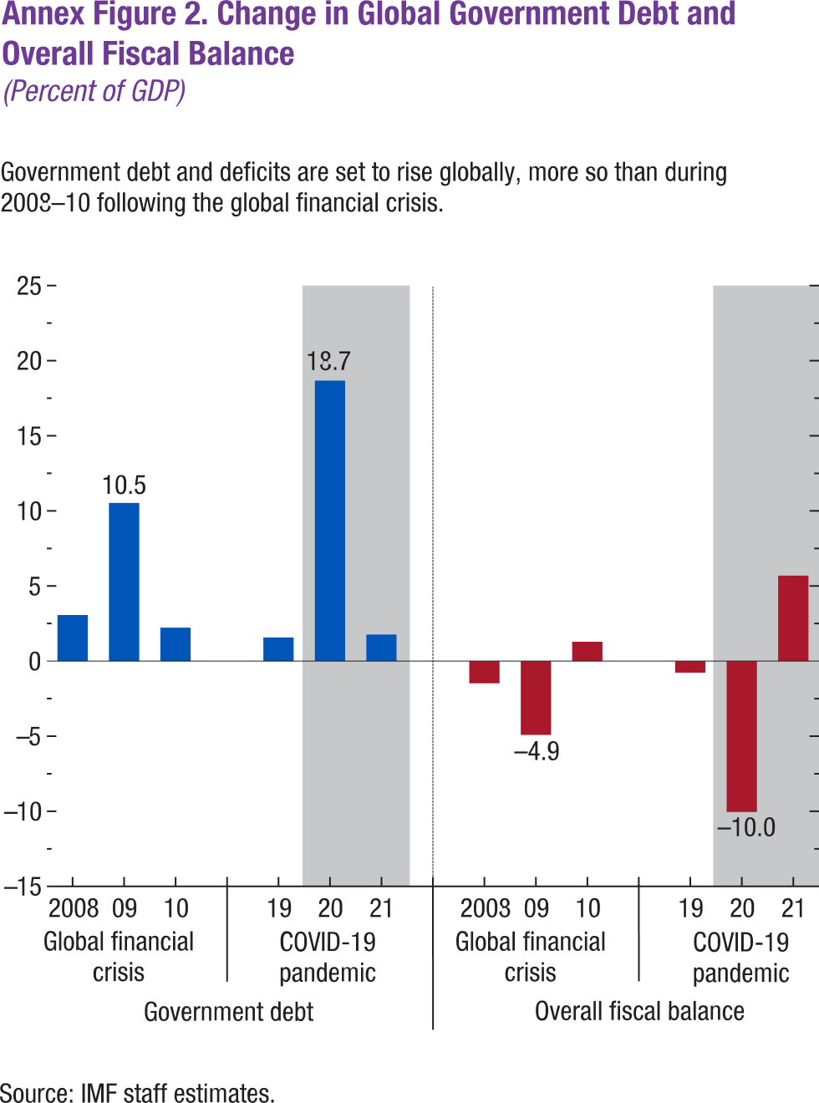
 | Annex Figure 2. Change in Global Government Debt and Overall Fiscal Balance
 | (Percent of GDP)

 |  |  | Government debt | Overall fiscal balance
 | Global Financial Crisis | 2008 | 3.1 | -1.5
 | Global Financial Crisis | 2009 | 10.5 | -4.9
 | Global Financial Crisis | 2010 | 2.2 | 1.3

 | COVID-19 Pandemic | 2019 | 1.6 | -0.77
 | COVID-19 Pandemic | 2020 | 18.7 | -10.05
 | COVID-19 Pandemic | 2021 | 1.8 | 5.69

