WEO Chapter 1 Oct. 2021
 |  |  | 2021-10-12

International Monetary Fund
World Economic Outlook


October 2021

Chapter 1. Global Prospects and Policies

This datafile includes the tables, charts, and underlying data from the Chapter 1 of the October 2021 World Economic Outlook. When using the data, please refer to the
IMF, World Economic Outlook, October 2021.

Disclaimer: Should there be any discrepancies with the print version, the latter represents the official version.

 | Please submit any questions using | WEO Data Question Form

Figure 1.1
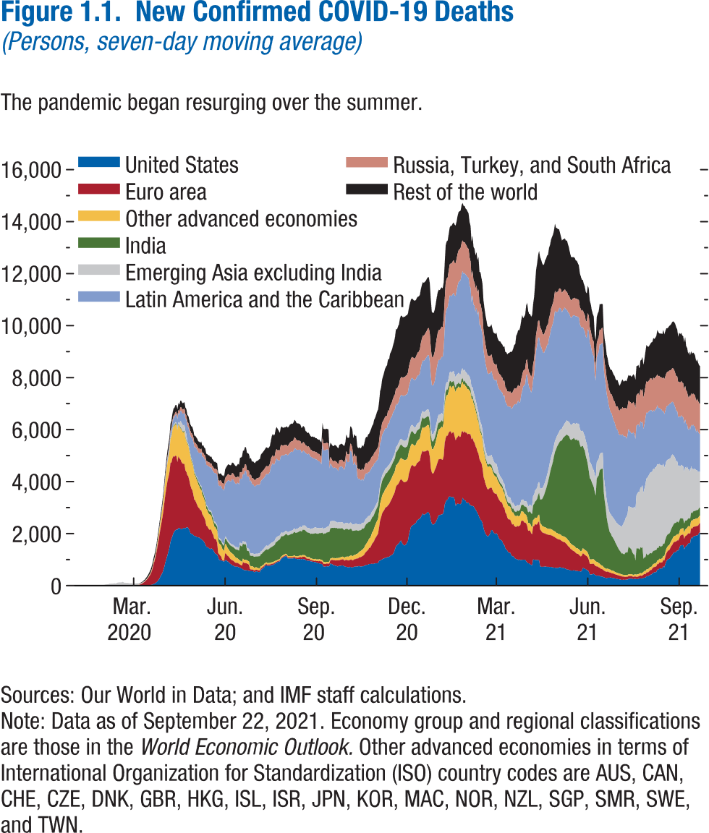
Figure 1.1. New Confirmed COVID-19 Deaths
(Persons, seven-day moving average)

 | United States | Euro Area | Other advanced economies | India | Emerging Asia excluding India | Latin America and the Caribbean | Russia, Turkey, and South Africa | Rest of the World
2020-02-01 | 0.00 | 0.00 | 0.00 | 0.00 | 43.57 | 0.00 | 0.00 | 0.00
2020-02-02 | 0.00 | 0.00 | 0.00 | 0.00 | 49.00 | 0.00 | 0.00 | 0.00
2020-02-03 | 0.00 | 0.00 | 0.14 | 0.00 | 51.43 | 0.00 | 0.00 | 0.00
2020-02-04 | 0.00 | 0.00 | 0.14 | 0.00 | 61.43 | 0.00 | 0.00 | 0.00
2020-02-05 | 0.00 | 0.00 | 0.14 | 0.00 | 66.00 | 0.00 | 0.00 | 0.00
2020-02-06 | 0.00 | 0.00 | 0.14 | 0.00 | 72.14 | 0.00 | 0.00 | 0.00
2020-02-07 | 0.00 | 0.00 | 0.14 | 0.00 | 78.00 | 0.00 | 0.00 | 0.00
2020-02-08 | 0.00 | 0.00 | 0.14 | 0.00 | 77.57 | 0.00 | 0.00 | 0.00
2020-02-09 | 0.00 | 0.00 | 0.14 | 0.00 | 83.71 | 0.00 | 0.00 | 0.00
2020-02-10 | 0.00 | 0.00 | 0.00 | 0.00 | 88.71 | 0.00 | 0.00 | 0.00
2020-02-11 | 0.00 | 0.00 | 0.00 | 0.00 | 79.14 | 0.00 | 0.00 | 0.00
2020-02-12 | 0.00 | 0.00 | 0.14 | 0.00 | 105.14 | 0.00 | 0.00 | 0.00
2020-02-13 | 0.00 | 0.00 | 0.14 | 0.00 | 114.71 | 0.00 | 0.00 | 0.00
2020-02-14 | 0.00 | 0.14 | 0.14 | 0.00 | 122.57 | 0.00 | 0.00 | 0.00
2020-02-15 | 0.00 | 0.14 | 0.29 | 0.00 | 123.00 | 0.00 | 0.00 | 0.00
2020-02-16 | 0.00 | 0.14 | 0.29 | 0.00 | 121.71 | 0.00 | 0.00 | 0.00
2020-02-17 | 0.00 | 0.14 | 0.43 | 0.00 | 127.29 | 0.00 | 0.00 | 0.00
2020-02-18 | 0.00 | 0.14 | 0.57 | 0.00 | 142.57 | 0.00 | 0.00 | 0.00
2020-02-19 | 0.00 | 0.14 | 0.57 | 0.00 | 124.00 | 0.00 | 0.00 | 0.00
2020-02-20 | 0.00 | 0.29 | 0.72 | 0.00 | 102.29 | 0.00 | 0.00 | 0.00
2020-02-21 | 0.00 | 0.29 | 0.72 | 0.00 | 111.29 | 0.00 | 0.00 | 0.00
2020-02-22 | 0.00 | 0.43 | 1.14 | 0.00 | 96.86 | 0.00 | 0.00 | 0.00
2020-02-23 | 0.00 | 1.00 | 1.43 | 0.00 | 104.29 | 0.00 | 0.00 | 1.71
2020-02-24 | 0.00 | 1.43 | 1.72 | 0.00 | 94.43 | 0.00 | 0.00 | 2.29
2020-02-25 | 0.00 | 1.86 | 1.86 | 0.00 | 85.86 | 0.00 | 0.00 | 2.43
2020-02-26 | 0.00 | 2.57 | 2.00 | 0.00 | 72.57 | 0.00 | 0.00 | 3.43
2020-02-27 | 0.00 | 3.00 | 2.00 | 0.00 | 78.86 | 0.00 | 0.00 | 4.29
2020-02-28 | 0.14 | 4.00 | 2.57 | 0.00 | 56.29 | 0.00 | 0.00 | 5.43
2020-02-29 | 0.14 | 4.57 | 2.29 | 0.00 | 61.14 | 0.00 | 0.00 | 6.57
2020-03-01 | 0.86 | 6.72 | 3.57 | 0.00 | 45.71 | 0.00 | 0.00 | 7.71
2020-03-02 | 1.00 | 10.43 | 3.14 | 0.00 | 40.43 | 0.00 | 0.00 | 8.71
2020-03-03 | 1.57 | 14.14 | 4.14 | 0.00 | 38.14 | 0.00 | 0.00 | 10.72
2020-03-04 | 1.71 | 19.86 | 4.00 | 0.00 | 38.57 | 0.00 | 0.00 | 11.86
2020-03-05 | 2.00 | 27.00 | 5.14 | 0.00 | 36.43 | 0.00 | 0.00 | 13.29
2020-03-06 | 2.29 | 32.72 | 4.86 | 0.00 | 33.71 | 0.00 | 0.00 | 15.14
2020-03-07 | 2.86 | 52.72 | 6.00 | 0.00 | 32.43 | 0.14 | 0.00 | 21.00
2020-03-08 | 2.29 | 66.57 | 5.43 | 0.00 | 29.71 | 0.14 | 0.00 | 25.43
2020-03-09 | 3.00 | 88.71 | 7.29 | 0.00 | 27.29 | 0.14 | 0.00 | 32.00
2020-03-10 | 3.14 | 118.43 | 7.43 | 0.14 | 25.43 | 0.43 | 0.00 | 38.86
2020-03-11 | 4.43 | 139.29 | 9.72 | 0.14 | 22.57 | 0.57 | 0.00 | 48.72
2020-03-12 | 5.29 | 184.14 | 9.72 | 0.29 | 20.29 | 0.57 | 0.00 | 58.43
2020-03-13 | 5.86 | 214.29 | 14.29 | 0.29 | 18.71 | 0.86 | 0.00 | 69.86
2020-03-14 | 7.00 | 261.14 | 17.14 | 0.29 | 16.71 | 1.00 | 0.00 | 78.86
2020-03-15 | 10.71 | 312.14 | 22.57 | 0.29 | 15.57 | 1.00 | 0.00 | 91.43
2020-03-16 | 15.14 | 367.14 | 27.14 | 0.43 | 15.43 | 2.00 | 0.14 | 103.43
2020-03-17 | 23.00 | 417.71 | 35.14 | 0.29 | 16.86 | 3.00 | 0.14 | 116.57
2020-03-18 | 31.86 | 501.57 | 44.14 | 0.43 | 16.86 | 4.86 | 0.57 | 128.00
2020-03-19 | 45.86 | 608.86 | 53.43 | 0.43 | 16.86 | 6.86 | 0.71 | 138.43
2020-03-20 | 59.57 | 762.43 | 65.00 | 0.29 | 17.14 | 8.29 | 1.43 | 143.43
2020-03-21 | 76.14 | 871.57 | 71.86 | 0.71 | 20.00 | 12.00 | 4.43 | 149.15
2020-03-22 | 99.29 | 1007.00 | 86.43 | 1.14 | 19.86 | 15.43 | 5.43 | 152.43
2020-03-23 | 128.43 | 1159.43 | 111.72 | 1.00 | 20.72 | 19.43 | 6.29 | 153.15
2020-03-24 | 167.86 | 1354.86 | 142.72 | 1.29 | 18.14 | 23.72 | 8.72 | 155.72
2020-03-25 | 217.00 | 1533.72 | 174.00 | 2.29 | 21.57 | 27.00 | 10.57 | 161.86
2020-03-26 | 276.00 | 1701.14 | 220.43 | 2.14 | 23.57 | 31.72 | 13.14 | 164.58
2020-03-27 | 357.43 | 1847.14 | 265.57 | 2.86 | 26.00 | 40.29 | 14.72 | 174.15
2020-03-28 | 423.71 | 1990.86 | 305.14 | 2.86 | 25.43 | 46.43 | 15.72 | 178.29
2020-03-29 | 498.29 | 2143.57 | 361.86 | 3.14 | 26.86 | 53.71 | 20.29 | 185.15
2020-03-30 | 618.43 | 2289.43 | 412.29 | 3.57 | 28.43 | 65.15 | 27.29 | 195.72
2020-03-31 | 752.43 | 2492.00 | 496.71 | 6.57 | 32.43 | 75.43 | 34.86 | 205.00
2020-04-01 | 909.43 | 2620.29 | 582.43 | 7.43 | 32.86 | 95.14 | 44.71 | 211.86
2020-04-02 | 1036.29 | 2760.71 | 664.29 | 7.43 | 36.29 | 106.57 | 53.00 | 220.43
2020-04-03 | 1170.00 | 2856.43 | 705.14 | 8.86 | 35.43 | 126.00 | 62.86 | 232.86
2020-04-04 | 1318.57 | 2856.71 | 770.86 | 10.29 | 35.00 | 139.43 | 69.86 | 246.86
2020-04-05 | 1465.14 | 2893.86 | 811.43 | 14.86 | 36.00 | 157.14 | 75.43 | 257.86
2020-04-06 | 1677.71 | 3040.29 | 929.14 | 16.43 | 36.14 | 175.29 | 80.00 | 265.72
2020-04-07 | 1803.43 | 2933.00 | 993.86 | 17.14 | 35.43 | 203.00 | 83.86 | 268.57
2020-04-08 | 1903.43 | 2999.14 | 1073.00 | 22.00 | 39.57 | 225.58 | 87.29 | 269.72
2020-04-09 | 2015.00 | 2967.43 | 1134.72 | 24.86 | 40.14 | 249.57 | 93.71 | 275.15
2020-04-10 | 2090.57 | 2865.43 | 1186.29 | 28.86 | 44.14 | 259.29 | 97.00 | 272.01
2020-04-11 | 2127.71 | 2875.29 | 1196.29 | 33.14 | 55.72 | 279.43 | 103.29 | 271.29
2020-04-12 | 2162.71 | 2816.86 | 1214.29 | 31.71 | 59.00 | 293.43 | 109.00 | 266.58
2020-04-13 | 2146.00 | 2608.00 | 1219.72 | 34.71 | 67.43 | 323.00 | 114.86 | 265.29
2020-04-14 | 2208.43 | 2769.72 | 1217.86 | 32.43 | 66.71 | 341.86 | 122.43 | 264.44
2020-04-15 | 2206.00 | 2689.57 | 1219.14 | 31.71 | 64.71 | 354.57 | 131.57 | 263.01
2020-04-16 | 2195.29 | 2666.14 | 1189.86 | 34.29 | 250.71 | 384.00 | 138.29 | 258.29
2020-04-17 | 2167.00 | 2593.43 | 1243.15 | 33.29 | 247.71 | 423.00 | 146.14 | 251.58
2020-04-18 | 2180.86 | 2514.86 | 1215.43 | 32.57 | 242.00 | 430.72 | 154.14 | 250.00
2020-04-19 | 2218.29 | 2469.00 | 1202.72 | 33.43 | 239.57 | 448.86 | 161.71 | 251.43
2020-04-20 | 2219.14 | 2458.71 | 1239.14 | 36.00 | 233.14 | 466.72 | 167.57 | 246.86
2020-04-21 | 2202.29 | 2230.86 | 1237.86 | 39.43 | 234.29 | 485.29 | 172.00 | 250.43
2020-04-22 | 2236.14 | 2136.86 | 1177.29 | 39.00 | 232.00 | 546.29 | 171.14 | 253.86
2020-04-23 | 2245.43 | 2001.86 | 1204.15 | 42.00 | 47.00 | 593.57 | 171.71 | 259.58
2020-04-24 | 2214.57 | 1991.43 | 1156.15 | 43.43 | 50.29 | 625.43 | 174.00 | 263.72
2020-04-25 | 2132.29 | 1911.57 | 1138.14 | 46.00 | 45.86 | 661.29 | 172.43 | 255.15
2020-04-26 | 2025.29 | 1832.14 | 1107.43 | 49.57 | 46.43 | 718.57 | 168.71 | 257.00
2020-04-27 | 1992.29 | 1742.57 | 1053.72 | 51.86 | 44.29 | 805.29 | 168.43 | 267.00
2020-04-28 | 1981.57 | 1683.86 | 1034.57 | 56.86 | 45.57 | 867.43 | 171.71 | 271.00
2020-04-29 | 1945.29 | 1552.00 | 1031.14 | 61.86 | 43.71 | 894.29 | 175.57 | 270.86
2020-04-30 | 1907.14 | 1399.14 | 980.43 | 63.29 | 38.00 | 937.43 | 178.43 | 263.72
2021-05-20 | 1908.71 | 1368.28 | 936.72 | 71.14 | 38.00 | 1000.86 | 172.57 | 265.72
2020-05-02 | 1878.14 | 1300.86 | 920.72 | 72.86 | 36.00 | 1063.57 | 167.00 | 263.15
2020-05-03 | 1861.29 | 1227.43 | 921.57 | 89.57 | 36.00 | 1080.57 | 167.29 | 264.72
2020-05-04 | 1858.29 | 1150.00 | 879.86 | 97.86 | 35.00 | 1097.72 | 166.72 | 261.29
2020-05-05 | 1847.29 | 1127.29 | 844.43 | 100.86 | 35.00 | 1157.43 | 159.71 | 266.43
2020-05-06 | 1809.86 | 1091.57 | 806.14 | 105.00 | 42.29 | 1214.57 | 153.86 | 265.86
2020-05-07 | 1788.14 | 1117.86 | 788.86 | 108.86 | 43.57 | 1280.00 | 149.57 | 275.29
2020-05-08 | 1750.14 | 995.57 | 747.72 | 111.14 | 39.86 | 1303.00 | 153.00 | 273.72
2020-05-09 | 1720.43 | 965.15 | 736.14 | 117.29 | 42.86 | 1375.29 | 155.29 | 288.43
2020-05-10 | 1671.86 | 936.43 | 698.86 | 104.00 | 42.29 | 1416.71 | 157.29 | 280.29
2020-05-11 | 1584.71 | 930.00 | 674.00 | 103.14 | 46.00 | 1505.29 | 156.72 | 275.43
2020-05-12 | 1499.29 | 811.00 | 647.57 | 109.43 | 48.14 | 1533.57 | 158.43 | 266.43
2020-05-13 | 1478.71 | 806.29 | 623.00 | 108.57 | 44.14 | 1562.72 | 160.43 | 272.57
2020-05-14 | 1465.29 | 746.43 | 580.72 | 109.71 | 48.86 | 1639.57 | 161.43 | 264.57
2020-05-15 | 1427.00 | 724.72 | 590.14 | 110.00 | 50.14 | 1678.57 | 163.14 | 267.57
2020-05-16 | 1403.86 | 756.29 | 563.71 | 116.14 | 55.57 | 1628.86 | 162.86 | 258.43
2020-05-17 | 1431.14 | 718.00 | 546.71 | 123.14 | 60.43 | 1675.72 | 160.43 | 264.15
2020-05-18 | 1410.43 | 610.14 | 517.29 | 126.71 | 61.29 | 1719.14 | 161.71 | 265.86
2020-05-19 | 1378.43 | 580.57 | 491.86 | 126.14 | 58.14 | 1768.72 | 164.29 | 264.00
2020-05-20 | 1294.43 | 506.00 | 472.00 | 133.57 | 60.43 | 1865.72 | 166.71 | 262.15
2020-05-21 | 1231.57 | 565.43 | 450.29 | 139.00 | 63.14 | 1883.14 | 171.71 | 262.72
2020-05-22 | 1214.29 | 545.72 | 422.57 | 142.43 | 64.29 | 1906.86 | 172.71 | 262.15
2020-05-23 | 1187.29 | 460.29 | 465.29 | 142.71 | 60.43 | 1953.14 | 182.14 | 267.00
2020-05-24 | 1097.29 | 155.29 | 460.72 | 145.14 | 57.14 | 1989.29 | 186.29 | 264.00
2020-05-25 | 986.71 | 221.14 | 415.57 | 148.86 | 57.72 | 1994.86 | 197.14 | 265.72
2020-05-26 | 980.14 | 178.57 | 424.71 | 157.14 | 65.43 | 2039.29 | 202.57 | 268.15
2020-05-27 | 966.71 | 155.86 | 436.72 | 161.00 | 64.29 | 2043.00 | 209.00 | 270.00
2020-05-28 | 952.57 | 43.57 | 434.00 | 179.14 | 62.29 | 2054.14 | 221.71 | 284.43
2020-05-29 | 934.57 | 28.72 | 416.29 | 188.14 | 67.72 | 2075.72 | 230.00 | 302.43
2020-05-30 | 931.43 | 30.71 | 363.71 | 197.71 | 72.72 | 2057.00 | 229.43 | 313.72
2020-05-31 | 955.71 | 288.15 | 350.00 | 205.14 | 73.72 | 2025.43 | 233.43 | 335.72
2020-06-01 | 999.00 | 227.57 | 358.00 | 212.14 | 74.43 | 2086.00 | 234.71 | 352.14
2020-06-02 | 935.29 | 224.57 | 324.29 | 222.00 | 72.29 | 2222.29 | 236.86 | 370.14
2020-06-03 | 921.71 | 216.14 | 282.29 | 236.00 | 74.14 | 2321.29 | 239.14 | 376.29
2020-06-04 | 887.86 | 207.14 | 274.00 | 238.43 | 76.29 | 2353.57 | 228.86 | 387.72
2020-06-05 | 843.29 | 191.86 | 267.86 | 251.57 | 74.57 | 2379.00 | 232.14 | 389.86
2020-06-06 | 820.71 | 184.29 | 266.14 | 257.00 | 76.29 | 2400.43 | 232.14 | 398.00
2020-06-07 | 783.57 | 185.86 | 264.57 | 266.43 | 80.29 | 2510.72 | 233.86 | 403.29
2020-06-08 | 773.14 | 191.14 | 246.43 | 274.43 | 83.86 | 2513.14 | 236.29 | 409.15
2020-06-09 | 754.57 | 177.57 | 231.43 | 287.71 | 84.29 | 2476.57 | 242.43 | 422.00
2020-06-10 | 730.00 | 163.29 | 217.71 | 305.00 | 86.86 | 2437.29 | 245.00 | 439.58
2020-06-11 | 721.14 | 151.14 | 192.00 | 319.29 | 90.86 | 2427.43 | 251.57 | 434.86
2020-06-12 | 735.00 | 147.29 | 182.71 | 321.29 | 95.86 | 2450.29 | 242.29 | 448.29
2020-06-13 | 718.43 | 143.29 | 174.57 | 330.43 | 94.43 | 2502.00 | 240.57 | 484.58
2020-06-14 | 702.71 | 131.72 | 163.43 | 346.71 | 98.57 | 2434.00 | 245.71 | 518.15
2020-06-15 | 688.71 | 120.86 | 155.43 | 593.29 | 98.57 | 2460.72 | 245.14 | 553.44
2020-06-16 | 669.00 | 119.14 | 149.28 | 590.71 | 100.00 | 2478.00 | 242.43 | 579.43
2020-06-17 | 649.71 | 120.86 | 144.72 | 582.14 | 103.43 | 2510.57 | 242.86 | 609.44
2020-06-18 | 621.43 | 285.29 | 133.43 | 580.57 | 100.72 | 2570.57 | 247.14 | 649.29
2020-06-19 | 595.29 | 280.14 | 125.57 | 579.86 | 100.86 | 2585.72 | 251.71 | 674.15
2020-06-20 | 591.86 | 274.43 | 125.57 | 597.00 | 101.43 | 2724.43 | 250.86 | 667.29
2020-06-21 | 593.00 | 271.71 | 123.29 | 587.29 | 97.00 | 2747.86 | 241.00 | 658.86
2020-06-22 | 584.14 | 264.00 | 129.43 | 367.57 | 96.43 | 2762.86 | 244.43 | 650.29
2020-06-23 | 583.86 | 248.43 | 120.43 | 379.57 | 96.29 | 2768.00 | 247.14 | 651.72
2020-06-24 | 562.00 | 241.29 | 128.72 | 389.71 | 94.14 | 2760.00 | 237.57 | 643.57
2020-06-25 | 561.86 | 75.00 | 130.86 | 391.00 | 97.43 | 2743.86 | 229.71 | 641.15
2020-06-26 | 554.86 | 65.86 | 123.00 | 405.86 | 93.29 | 2799.86 | 236.71 | 632.43
2020-06-27 | 554.29 | 65.29 | 122.14 | 396.57 | 91.86 | 2656.86 | 233.14 | 635.43
2020-06-28 | 551.43 | 65.29 | 122.00 | 411.71 | 95.71 | 2664.29 | 233.57 | 649.85
2020-06-29 | 523.86 | 63.29 | 104.57 | 417.71 | 104.14 | 2635.14 | 234.57 | 657.00
2020-06-30 | 518.57 | 70.43 | 101.29 | 420.00 | 105.71 | 2592.14 | 241.00 | 661.00
2020-07-01 | 543.14 | 68.86 | 94.14 | 416.00 | 105.86 | 2614.71 | 249.57 | 674.29
2020-07-02 | 549.14 | 64.14 | 83.71 | 424.29 | 103.29 | 2648.00 | 258.14 | 668.72
2020-07-03 | 521.71 | 67.14 | 82.43 | 453.29 | 104.71 | 2644.57 | 255.71 | 674.00
2020-07-04 | 523.14 | 65.43 | 79.57 | 459.71 | 113.29 | 2633.86 | 279.43 | 694.72
2020-07-05 | 521.86 | 64.14 | 79.00 | 466.57 | 115.29 | 2640.72 | 290.71 | 691.14
2020-07-06 | 608.14 | 58.57 | 75.72 | 463.14 | 112.72 | 2696.29 | 306.57 | 712.86
2020-07-07 | 625.57 | 58.43 | 70.00 | 470.71 | 112.43 | 2728.57 | 302.00 | 714.14
2020-07-08 | 669.71 | 56.86 | 64.72 | 484.43 | 112.71 | 2718.43 | 309.57 | 715.00
2020-07-09 | 690.29 | 53.57 | 66.14 | 495.43 | 118.00 | 2717.43 | 314.43 | 726.85
2020-07-10 | 749.43 | 50.43 | 63.86 | 486.43 | 120.57 | 2717.29 | 322.86 | 729.29
2020-07-11 | 770.29 | 50.29 | 63.72 | 497.29 | 139.86 | 2741.14 | 313.00 | 729.72
2020-07-12 | 780.29 | 49.57 | 62.00 | 509.71 | 144.43 | 2750.57 | 306.43 | 722.00
2020-07-13 | 745.43 | 44.72 | 59.57 | 523.86 | 139.14 | 2759.86 | 300.71 | 703.43
2020-07-14 | 768.14 | 52.14 | 54.72 | 540.71 | 143.43 | 2750.29 | 298.71 | 698.72
2020-07-15 | 758.57 | 51.29 | 55.72 | 571.14 | 150.00 | 2774.57 | 311.86 | 689.71
2020-07-16 | 774.29 | 50.00 | 56.29 | 592.86 | 152.57 | 2924.57 | 312.14 | 697.71
2020-07-17 | 792.57 | 49.00 | 56.29 | 591.86 | 166.00 | 2993.29 | 306.86 | 795.29
2020-07-18 | 794.43 | 47.72 | 57.15 | 617.57 | 157.86 | 3039.00 | 298.14 | 826.29
2020-07-19 | 810.86 | 48.43 | 58.29 | 622.14 | 157.29 | 2946.00 | 301.86 | 825.43
2020-07-20 | 835.14 | 45.71 | 57.29 | 631.86 | 161.86 | 2962.14 | 301.43 | 829.86
2020-07-21 | 869.71 | 34.00 | 54.29 | 706.71 | 170.00 | 2998.29 | 369.43 | 834.72
2020-07-22 | 886.29 | 32.57 | 51.72 | 714.14 | 177.29 | 3030.72 | 357.14 | 850.58
2020-07-23 | 912.00 | 32.43 | 51.29 | 726.43 | 174.43 | 2914.15 | 368.72 | 836.87
2020-07-24 | 922.71 | 32.28 | 53.14 | 749.14 | 160.14 | 2912.15 | 396.00 | 733.01
2020-07-25 | 929.29 | 34.57 | 54.14 | 753.43 | 150.72 | 2874.00 | 397.72 | 681.57
2020-07-26 | 1010.00 | 29.14 | 54.57 | 760.86 | 145.00 | 2972.57 | 420.29 | 685.00
2020-07-27 | 1045.14 | 34.29 | 52.29 | 780.14 | 141.71 | 2945.29 | 418.57 | 706.71
2020-07-28 | 1071.57 | 34.86 | 57.72 | 727.71 | 132.57 | 2985.29 | 370.72 | 693.86
2020-07-29 | 1095.57 | 33.00 | 58.00 | 731.00 | 127.00 | 2959.14 | 390.71 | 681.15
2020-07-30 | 1114.57 | 33.00 | 54.71 | 736.14 | 129.43 | 2958.86 | 383.72 | 682.72
2020-07-31 | 1136.71 | 33.00 | 56.14 | 757.71 | 128.57 | 2939.29 | 353.43 | 685.00
2020-08-01 | 1123.43 | 30.57 | 56.29 | 766.29 | 119.00 | 2952.86 | 366.72 | 721.58
2020-08-02 | 1045.71 | 40.00 | 57.00 | 790.00 | 123.57 | 2948.14 | 348.29 | 719.15
2020-08-03 | 1039.00 | 39.57 | 57.72 | 800.29 | 130.57 | 2986.72 | 370.14 | 687.43
2020-08-04 | 1043.57 | 41.15 | 52.86 | 820.57 | 128.14 | 3003.86 | 391.57 | 698.15
2020-08-05 | 1043.71 | 39.43 | 53.71 | 838.14 | 126.00 | 3038.86 | 388.14 | 688.43
2020-08-06 | 1044.57 | 40.57 | 52.43 | 858.14 | 122.00 | 3038.86 | 397.86 | 677.58
2020-08-07 | 1042.14 | 42.71 | 50.86 | 859.29 | 127.86 | 3012.43 | 424.14 | 665.00
2020-08-08 | 1054.00 | 43.29 | 52.00 | 893.00 | 138.57 | 3016.00 | 422.43 | 671.72
2020-08-09 | 1061.29 | 47.86 | 56.00 | 902.71 | 134.14 | 3085.15 | 426.14 | 666.00
2020-08-10 | 1024.14 | 44.43 | 57.00 | 899.43 | 129.29 | 3108.71 | 393.00 | 669.15
2020-08-11 | 1033.29 | 47.57 | 57.29 | 904.86 | 145.86 | 3033.29 | 369.29 | 656.43
2020-08-12 | 1008.57 | 56.29 | 57.86 | 922.14 | 145.29 | 3031.72 | 364.86 | 653.72
2020-08-13 | 1022.00 | 58.00 | 58.57 | 931.14 | 143.43 | 3009.86 | 362.43 | 650.72
2020-08-14 | 1012.00 | 79.57 | 60.71 | 943.00 | 158.57 | 2977.57 | 335.86 | 653.57
2020-08-15 | 1025.43 | 80.29 | 63.86 | 933.57 | 160.43 | 2955.86 | 330.14 | 628.58
2020-08-16 | 1005.29 | 73.72 | 59.57 | 934.29 | 161.00 | 2872.43 | 319.00 | 627.86
2020-08-17 | 1034.29 | 81.86 | 61.29 | 971.00 | 163.14 | 2846.57 | 341.29 | 616.71
2020-08-18 | 1010.14 | 97.57 | 63.14 | 976.14 | 163.00 | 2886.14 | 325.86 | 616.57
2020-08-19 | 1016.00 | 95.14 | 60.71 | 972.71 | 173.00 | 2828.00 | 314.14 | 618.15
2020-08-20 | 979.71 | 98.57 | 63.29 | 965.43 | 184.72 | 2805.57 | 302.00 | 546.00
2020-08-21 | 966.71 | 77.00 | 63.29 | 960.86 | 174.72 | 2832.29 | 305.71 | 541.71
2020-08-22 | 956.86 | 77.00 | 60.86 | 945.86 | 171.57 | 2828.29 | 293.57 | 527.58
2020-08-23 | 954.43 | 78.14 | 63.00 | 941.86 | 175.43 | 2861.00 | 288.43 | 526.72
2020-08-24 | 953.86 | 79.29 | 64.00 | 924.14 | 182.43 | 2828.71 | 268.43 | 527.14
2020-08-25 | 929.29 | 47.57 | 63.43 | 943.71 | 186.71 | 2788.28 | 272.86 | 518.43
2020-08-26 | 930.43 | 50.14 | 64.57 | 954.29 | 195.71 | 2752.14 | 265.86 | 509.29
2020-08-27 | 915.00 | 46.43 | 64.57 | 965.14 | 205.00 | 2717.43 | 254.71 | 572.87
2020-08-28 | 916.00 | 45.57 | 65.29 | 970.29 | 213.00 | 2675.00 | 269.29 | 561.15
2020-08-29 | 901.00 | 45.29 | 69.14 | 989.57 | 225.00 | 2668.29 | 268.29 | 552.00
2020-08-30 | 910.43 | 53.86 | 69.14 | 985.43 | 226.72 | 2607.00 | 277.57 | 540.86
2020-08-31 | 882.43 | 57.43 | 62.00 | 996.57 | 226.00 | 2631.43 | 276.43 | 537.86
2020-09-01 | 869.57 | 77.71 | 61.72 | 986.29 | 216.14 | 2605.86 | 270.43 | 544.00
2020-09-02 | 857.71 | 76.86 | 70.14 | 991.86 | 211.43 | 2575.72 | 279.71 | 547.43
2020-09-03 | 855.14 | 95.57 | 69.14 | 1001.57 | 199.86 | 2558.29 | 283.71 | 551.14
2020-09-04 | 832.43 | 98.14 | 67.29 | 1018.29 | 196.00 | 2508.43 | 266.29 | 560.01
2020-09-05 | 836.43 | 99.00 | 62.57 | 1024.71 | 191.86 | 2452.71 | 275.86 | 563.72
2020-09-06 | 803.86 | 102.43 | 62.00 | 1069.57 | 193.86 | 3186.14 | 272.14 | 561.58
2020-09-07 | 722.43 | 106.00 | 71.14 | 1079.57 | 193.43 | 3028.72 | 268.14 | 564.72
2020-09-08 | 734.71 | 105.86 | 69.43 | 1098.00 | 199.57 | 2994.43 | 267.00 | 556.72
2020-09-09 | 719.29 | 110.72 | 61.14 | 1114.14 | 200.71 | 3002.29 | 259.14 | 551.00
2020-09-10 | 747.43 | 106.43 | 60.29 | 1130.14 | 199.86 | 2992.14 | 256.86 | 545.57
2020-09-11 | 740.71 | 106.29 | 62.00 | 1137.14 | 219.00 | 2969.43 | 249.43 | 541.43
2020-09-12 | 734.86 | 107.57 | 62.57 | 1154.29 | 217.72 | 2953.14 | 241.43 | 532.57
2020-09-13 | 752.00 | 109.29 | 64.57 | 1143.00 | 254.86 | 2179.86 | 234.14 | 542.58
2020-09-14 | 858.00 | 124.15 | 61.29 | 1168.00 | 261.43 | 2225.57 | 249.00 | 546.43
2020-09-15 | 829.14 | 155.29 | 68.29 | 1162.29 | 263.29 | 2157.72 | 246.00 | 565.72
2020-09-16 | 819.86 | 175.43 | 71.43 | 1157.29 | 261.00 | 2079.00 | 245.14 | 578.43
2020-09-17 | 782.00 | 194.57 | 75.86 | 1163.86 | 265.86 | 2035.43 | 246.29 | 593.43
2020-09-18 | 784.86 | 198.43 | 79.43 | 1166.57 | 254.86 | 2058.15 | 257.57 | 604.86
2020-09-19 | 761.86 | 202.43 | 80.72 | 1165.71 | 255.86 | 2065.00 | 255.43 | 615.57
2020-09-20 | 760.43 | 216.00 | 84.86 | 1165.57 | 223.57 | 2059.72 | 256.43 | 609.00
2020-09-21 | 736.00 | 235.71 | 86.00 | 1136.29 | 229.00 | 2031.43 | 254.57 | 608.57
2020-09-22 | 751.00 | 225.14 | 88.15 | 1135.86 | 229.86 | 1977.00 | 261.43 | 607.43
2020-09-23 | 756.86 | 219.71 | 94.57 | 1131.14 | 230.00 | 2120.86 | 264.57 | 598.57
2020-09-24 | 764.29 | 225.29 | 96.14 | 1108.57 | 233.57 | 2147.00 | 254.43 | 605.01
2020-09-25 | 769.86 | 233.86 | 96.43 | 1107.29 | 231.14 | 2150.72 | 255.72 | 614.14
2020-09-26 | 776.71 | 236.57 | 100.00 | 1094.29 | 231.14 | 2127.43 | 260.86 | 613.29
2020-09-27 | 767.00 | 243.71 | 100.72 | 1054.71 | 229.43 | 2093.00 | 280.14 | 626.43
2020-09-28 | 743.43 | 212.14 | 110.29 | 1068.14 | 229.86 | 2098.29 | 274.43 | 639.57
2020-09-29 | 728.00 | 253.86 | 116.72 | 1075.57 | 232.14 | 2192.14 | 274.57 | 633.57
2020-09-30 | 723.86 | 267.57 | 121.00 | 1069.00 | 230.14 | 2486.14 | 284.14 | 642.57
2020-10-01 | 711.43 | 266.86 | 140.00 | 1066.14 | 232.71 | 2339.14 | 296.00 | 643.15
2020-10-02 | 699.14 | 266.57 | 145.86 | 1039.86 | 225.14 | 2373.29 | 290.00 | 639.01
2020-10-03 | 707.57 | 269.43 | 154.14 | 1020.43 | 233.14 | 2378.43 | 291.86 | 650.72
2020-10-04 | 725.71 | 266.72 | 156.29 | 1035.86 | 240.86 | 2768.57 | 277.43 | 659.72
2020-10-05 | 700.29 | 309.57 | 161.57 | 1008.29 | 234.71 | 2732.29 | 280.29 | 673.58
2020-10-06 | 695.00 | 273.00 | 159.57 | 978.29 | 233.00 | 2672.72 | 293.29 | 706.15
2020-10-07 | 712.43 | 270.14 | 164.57 | 959.57 | 246.57 | 2273.43 | 298.57 | 736.72
2020-10-08 | 728.86 | 288.00 | 158.29 | 939.14 | 246.00 | 2407.00 | 313.00 | 748.72
2020-10-09 | 725.43 | 292.29 | 168.14 | 936.00 | 253.57 | 2275.00 | 329.57 | 773.29
2020-10-10 | 739.29 | 298.57 | 172.86 | 923.57 | 252.72 | 2251.86 | 344.43 | 784.72
2020-10-11 | 727.29 | 314.86 | 181.00 | 898.14 | 241.00 | 1834.00 | 351.86 | 801.29
2020-10-12 | 743.71 | 305.57 | 195.29 | 861.57 | 239.43 | 1756.14 | 372.00 | 808.00
2020-10-13 | 753.71 | 336.86 | 215.29 | 820.00 | 243.29 | 1752.86 | 374.57 | 826.72
2020-10-14 | 731.71 | 358.86 | 225.57 | 810.14 | 231.57 | 1703.14 | 389.29 | 833.00
2020-10-15 | 728.14 | 377.57 | 240.00 | 797.43 | 224.00 | 1677.72 | 385.29 | 869.72
2020-10-16 | 743.43 | 390.43 | 251.43 | 813.86 | 222.43 | 1701.29 | 386.71 | 899.15
2020-10-17 | 746.29 | 405.85 | 256.29 | 780.00 | 214.72 | 1633.29 | 388.29 | 916.29
2020-10-18 | 758.29 | 430.14 | 268.72 | 763.00 | 220.86 | 1683.57 | 388.00 | 947.14
2020-10-19 | 776.14 | 485.57 | 285.00 | 761.14 | 219.00 | 1745.29 | 393.57 | 974.15
2020-10-20 | 795.57 | 505.71 | 301.86 | 764.29 | 217.00 | 1743.43 | 400.86 | 998.57
2020-10-21 | 803.29 | 538.71 | 320.43 | 735.00 | 215.86 | 1664.86 | 394.29 | 1035.00
2020-10-22 | 806.00 | 575.71 | 342.14 | 708.29 | 235.14 | 1690.57 | 399.86 | 1057.01
2020-10-23 | 832.86 | 621.28 | 355.14 | 643.29 | 232.29 | 1673.29 | 404.14 | 1083.43
2020-10-24 | 828.57 | 627.14 | 379.14 | 629.14 | 232.00 | 1732.72 | 405.14 | 1098.01
2020-10-25 | 835.71 | 692.43 | 394.86 | 615.00 | 236.71 | 1712.72 | 415.14 | 1129.58
2020-10-26 | 842.43 | 772.72 | 429.29 | 585.14 | 234.86 | 1718.14 | 405.43 | 1159.29
2020-10-27 | 829.57 | 825.43 | 446.57 | 558.71 | 229.86 | 1682.15 | 407.14 | 1225.43
2020-10-28 | 845.71 | 874.86 | 477.00 | 540.57 | 225.43 | 1735.29 | 410.71 | 1270.43
2020-10-29 | 859.14 | 959.14 | 500.57 | 526.43 | 204.43 | 1669.15 | 423.86 | 1315.15
2020-10-30 | 855.00 | 1013.86 | 538.86 | 511.00 | 199.14 | 1660.57 | 428.14 | 1365.72
2020-10-31 | 861.57 | 1075.43 | 552.00 | 513.29 | 192.14 | 1626.43 | 445.86 | 1428.14
2020-11-01 | 867.14 | 1138.14 | 569.72 | 513.57 | 187.72 | 1609.00 | 451.00 | 1444.01
2020-11-02 | 953.71 | 1296.14 | 596.57 | 514.43 | 194.57 | 1536.14 | 459.86 | 1512.58
2020-11-03 | 964.29 | 1534.43 | 652.43 | 541.14 | 197.00 | 1581.14 | 464.14 | 1549.15
2020-11-04 | 987.29 | 1642.43 | 670.57 | 556.43 | 198.29 | 1500.72 | 461.00 | 1600.44
2020-11-05 | 1011.29 | 1763.43 | 684.14 | 560.14 | 202.57 | 1566.43 | 465.14 | 1668.15
2020-11-06 | 1034.86 | 1811.00 | 699.57 | 572.86 | 202.71 | 1546.72 | 469.57 | 1725.58
2020-11-07 | 1044.43 | 1852.14 | 702.57 | 572.00 | 208.72 | 1558.86 | 460.71 | 1793.86
2020-11-08 | 1073.43 | 1910.00 | 712.72 | 566.00 | 215.29 | 1550.86 | 461.72 | 1851.29
2020-11-09 | 1050.29 | 1969.57 | 738.00 | 565.71 | 205.71 | 1531.14 | 468.29 | 1898.29
2020-11-10 | 1097.14 | 1940.57 | 760.43 | 543.71 | 198.57 | 1513.29 | 477.57 | 1946.86
2020-11-11 | 1103.43 | 1992.00 | 796.57 | 526.14 | 193.86 | 1647.43 | 494.71 | 1961.86
2020-11-12 | 1099.86 | 2027.43 | 803.14 | 518.00 | 192.71 | 1570.71 | 501.43 | 1986.86
2020-11-13 | 1136.57 | 2066.00 | 805.15 | 502.00 | 195.43 | 1689.86 | 508.29 | 2013.72
2020-11-14 | 1166.00 | 2115.14 | 806.43 | 494.14 | 191.00 | 1691.43 | 520.71 | 2011.15
2020-11-15 | 1174.57 | 2175.14 | 815.57 | 494.29 | 176.57 | 1695.00 | 533.71 | 2027.86
2020-11-16 | 1216.71 | 2241.00 | 805.72 | 488.86 | 184.14 | 1713.86 | 549.43 | 2044.43
2020-11-17 | 1285.29 | 2233.00 | 807.72 | 493.86 | 194.86 | 1710.00 | 566.00 | 2084.43
2020-11-18 | 1406.00 | 2229.00 | 789.43 | 499.14 | 202.29 | 1656.86 | 582.14 | 2202.86
2020-11-19 | 1514.57 | 2294.29 | 811.71 | 505.43 | 197.71 | 1683.00 | 598.29 | 2272.58
2020-11-20 | 1554.00 | 2311.00 | 786.00 | 513.14 | 201.57 | 1566.29 | 620.86 | 2296.86
2020-11-21 | 1590.86 | 2304.71 | 811.86 | 524.00 | 211.14 | 1573.43 | 638.00 | 2314.29
2020-11-22 | 1628.86 | 2332.43 | 804.72 | 528.43 | 224.14 | 1557.29 | 653.14 | 2323.57
2020-11-23 | 1688.86 | 2353.57 | 809.15 | 529.43 | 222.86 | 1646.72 | 667.86 | 2367.15
2020-11-24 | 1738.14 | 2356.00 | 815.72 | 520.71 | 219.00 | 1683.00 | 681.43 | 2375.71
2020-11-25 | 1642.86 | 2416.00 | 827.29 | 507.57 | 224.29 | 1708.71 | 693.14 | 2347.72
2020-11-26 | 1584.86 | 2426.14 | 839.43 | 496.29 | 236.71 | 1701.86 | 703.00 | 2322.44
2020-11-27 | 1548.14 | 2430.00 | 863.71 | 495.57 | 245.43 | 1735.72 | 711.71 | 2321.00
2020-11-28 | 1548.71 | 2431.43 | 837.86 | 485.86 | 255.71 | 1738.86 | 723.29 | 2315.86
2020-11-29 | 1583.43 | 2416.00 | 843.29 | 486.14 | 255.43 | 1762.29 | 728.72 | 2318.01
2020-11-30 | 1642.57 | 2370.14 | 840.57 | 489.00 | 262.43 | 1751.28 | 742.86 | 2294.43
2020-12-01 | 1722.29 | 2362.00 | 863.29 | 489.29 | 258.14 | 1746.43 | 750.57 | 2276.00
2020-12-02 | 1943.71 | 2369.57 | 846.00 | 496.14 | 258.72 | 1750.71 | 757.29 | 2271.00
2020-12-03 | 2107.00 | 2325.43 | 832.29 | 500.00 | 259.43 | 1773.86 | 779.71 | 2276.29
2020-12-04 | 2249.57 | 2325.43 | 821.86 | 498.00 | 247.86 | 1794.43 | 787.43 | 2274.43
2020-12-05 | 2295.43 | 2330.14 | 828.57 | 490.57 | 241.72 | 1804.29 | 802.71 | 2251.15
2020-12-06 | 2332.00 | 2304.00 | 808.29 | 476.71 | 239.72 | 1807.86 | 814.57 | 2234.57
2020-12-07 | 2342.86 | 2233.29 | 812.29 | 462.57 | 247.71 | 1813.72 | 827.14 | 2226.01
2020-12-08 | 2394.71 | 2198.14 | 788.86 | 446.29 | 252.43 | 1820.15 | 836.71 | 2225.72
2020-12-09 | 2402.86 | 2213.00 | 809.00 | 428.14 | 253.86 | 1835.72 | 853.57 | 2185.15
2020-12-10 | 2504.29 | 2206.72 | 823.43 | 418.29 | 251.29 | 1821.00 | 871.00 | 2167.15
2020-12-11 | 2520.57 | 2213.00 | 848.43 | 405.29 | 257.43 | 1834.57 | 889.72 | 2144.58
2020-12-12 | 2559.71 | 2220.57 | 836.86 | 397.43 | 254.43 | 1826.86 | 902.29 | 2130.86
2020-12-13 | 2566.86 | 2231.29 | 861.00 | 393.00 | 257.14 | 1853.00 | 924.14 | 2097.29
2020-12-14 | 2633.29 | 2366.86 | 854.71 | 390.86 | 255.00 | 1885.72 | 933.14 | 2079.72
2020-12-15 | 2704.29 | 2422.86 | 890.14 | 382.71 | 253.86 | 1889.29 | 945.29 | 2073.43
2020-12-16 | 2776.86 | 2413.57 | 912.00 | 372.00 | 248.86 | 1940.43 | 953.71 | 2055.57
2020-12-17 | 2713.86 | 2431.00 | 912.86 | 358.29 | 245.29 | 1985.00 | 966.57 | 2035.00
2020-12-18 | 2742.57 | 2427.14 | 920.43 | 351.14 | 245.71 | 1990.29 | 986.57 | 2020.86
2020-12-19 | 2756.14 | 2404.15 | 952.43 | 350.71 | 259.14 | 2023.00 | 990.43 | 1989.43
2020-12-20 | 2791.86 | 2411.14 | 947.14 | 343.14 | 264.43 | 2043.57 | 1005.43 | 1994.86
2020-12-21 | 2836.57 | 2367.29 | 980.29 | 335.43 | 262.14 | 2082.00 | 1024.29 | 1971.57
2020-12-22 | 2800.14 | 2365.86 | 998.57 | 329.29 | 262.71 | 2100.57 | 1055.14 | 1958.29
2020-12-23 | 2713.57 | 2259.00 | 983.15 | 329.00 | 263.43 | 2061.72 | 1084.14 | 1938.14
2020-12-24 | 2498.14 | 2037.14 | 967.00 | 315.29 | 277.86 | 1993.14 | 1081.00 | 1849.72
2020-12-25 | 2385.57 | 1961.00 | 920.00 | 306.43 | 272.71 | 1871.14 | 1078.57 | 1738.58
2020-12-26 | 2343.43 | 1957.71 | 929.57 | 298.71 | 273.86 | 1886.57 | 1094.72 | 1704.00
2020-12-27 | 2358.00 | 1978.71 | 965.86 | 291.71 | 274.57 | 1878.14 | 1112.00 | 1640.72
2020-12-28 | 2389.43 | 2058.14 | 945.71 | 285.00 | 284.86 | 1906.15 | 1134.43 | 1620.43
2020-12-29 | 2442.14 | 2087.86 | 1000.14 | 283.14 | 303.86 | 1994.86 | 1148.43 | 1581.58
2020-12-30 | 2518.14 | 2119.86 | 1061.14 | 271.71 | 309.29 | 2074.14 | 1155.57 | 1572.44
2020-12-31 | 2615.00 | 2147.57 | 1104.86 | 304.43 | 298.71 | 2085.15 | 1163.71 | 1565.00
2021-01-01 | 2710.14 | 2152.00 | 1143.43 | 259.00 | 308.86 | 2113.57 | 1145.86 | 1546.43
2021-01-02 | 2713.00 | 2149.72 | 1163.00 | 249.71 | 295.29 | 2103.43 | 1157.43 | 1534.15
2021-01-03 | 2726.14 | 2157.86 | 1177.86 | 242.43 | 288.57 | 2136.00 | 1162.00 | 1534.57
2021-01-04 | 2736.29 | 2115.57 | 1273.14 | 239.29 | 283.86 | 2161.71 | 1149.43 | 1516.00
2021-01-05 | 2750.71 | 2086.86 | 1231.00 | 228.29 | 267.72 | 2212.14 | 1172.57 | 1481.43
2021-01-06 | 2833.00 | 2158.14 | 1317.29 | 225.14 | 270.14 | 2311.72 | 1154.29 | 1399.86
2021-01-07 | 3113.29 | 2379.00 | 1439.14 | 156.57 | 277.72 | 2477.14 | 1166.29 | 1391.72
2021-01-08 | 3220.29 | 2456.00 | 1543.86 | 223.43 | 276.29 | 2757.86 | 1181.86 | 1433.29
2021-01-09 | 3300.43 | 2469.71 | 1555.86 | 215.86 | 276.86 | 2827.57 | 1162.57 | 1434.72
2021-01-10 | 3301.14 | 2467.00 | 1563.14 | 211.00 | 282.57 | 2878.43 | 1150.00 | 1417.86
2021-01-11 | 3411.14 | 2468.43 | 1586.29 | 202.14 | 307.14 | 2936.86 | 1183.57 | 1420.00
2021-01-12 | 3425.57 | 2503.57 | 1729.57 | 198.71 | 341.43 | 2956.86 | 1193.29 | 1421.72
2021-01-13 | 3420.29 | 2518.57 | 1744.86 | 192.57 | 354.71 | 2922.58 | 1237.43 | 1453.14
2021-01-14 | 3393.71 | 2445.43 | 1744.29 | 217.57 | 372.43 | 2961.86 | 1249.57 | 1457.29
2021-01-15 | 3409.86 | 2483.29 | 1775.43 | 182.14 | 382.00 | 2971.29 | 1262.71 | 1456.43
2021-01-16 | 3393.14 | 2498.86 | 1796.29 | 179.86 | 387.14 | 3008.00 | 1252.86 | 1455.00
2021-01-17 | 3316.14 | 2433.14 | 1800.14 | 175.57 | 398.29 | 3043.29 | 1245.71 | 1473.72
2021-01-18 | 3065.71 | 2523.72 | 1851.71 | 169.86 | 390.14 | 3136.43 | 1264.86 | 1447.00
2021-01-19 | 3125.57 | 2549.43 | 1903.14 | 163.14 | 371.00 | 3228.72 | 1232.43 | 1434.15
2021-01-20 | 3156.86 | 2560.72 | 1878.71 | 159.14 | 382.86 | 3398.43 | 1226.86 | 1460.86
2021-01-21 | 3144.14 | 2639.43 | 1878.72 | 155.86 | 370.00 | 3490.43 | 1221.71 | 1471.15
2021-01-22 | 3137.86 | 2581.29 | 1885.71 | 152.14 | 366.57 | 3584.86 | 1229.86 | 1461.29
2021-01-23 | 3132.71 | 2595.57 | 1875.00 | 150.14 | 366.00 | 3627.29 | 1234.43 | 1446.43
2021-01-24 | 3191.86 | 2720.29 | 1874.57 | 147.29 | 371.86 | 3660.29 | 1214.14 | 1457.43
2021-01-25 | 3379.86 | 2563.86 | 1898.14 | 143.71 | 378.00 | 3735.00 | 1183.43 | 1441.00
2021-01-26 | 3313.14 | 2560.00 | 1821.43 | 139.71 | 399.57 | 3755.71 | 1206.00 | 1409.00
2021-01-27 | 3288.29 | 2650.00 | 1816.71 | 139.71 | 417.00 | 3715.57 | 1184.57 | 1392.57
2021-01-28 | 3262.71 | 2622.57 | 1782.29 | 137.57 | 410.43 | 3753.00 | 1168.86 | 1368.86
2021-01-29 | 3180.14 | 2703.86 | 1753.86 | 133.57 | 411.86 | 3745.43 | 1135.14 | 1405.00
2021-01-30 | 3179.86 | 2636.86 | 1741.29 | 131.71 | 427.43 | 3753.29 | 1120.29 | 1401.86
2021-01-31 | 3195.14 | 2649.86 | 1702.14 | 128.43 | 423.57 | 3735.29 | 1114.86 | 1367.86
2021-02-01 | 3109.00 | 2719.86 | 1670.57 | 124.57 | 414.57 | 3503.43 | 1090.43 | 1360.14
2021-02-02 | 3099.86 | 2716.43 | 1599.29 | 122.29 | 385.29 | 3522.00 | 1028.29 | 1365.43
2021-02-03 | 3062.00 | 2564.28 | 1535.71 | 116.14 | 347.57 | 3272.57 | 976.29 | 1349.72
2021-02-04 | 3065.00 | 2621.00 | 1498.86 | 110.14 | 349.72 | 3529.57 | 939.43 | 1348.14
2021-02-05 | 3049.14 | 2507.72 | 1445.71 | 103.14 | 341.43 | 3347.86 | 929.00 | 1295.57
2021-02-06 | 2988.86 | 2508.00 | 1405.57 | 98.29 | 324.14 | 3448.71 | 904.43 | 1284.29
2021-02-07 | 2922.14 | 2446.71 | 1375.72 | 96.00 | 317.14 | 3379.00 | 889.86 | 1279.00
2021-02-08 | 2869.14 | 2414.71 | 1306.29 | 93.71 | 302.57 | 3699.15 | 864.14 | 1275.43
2021-02-09 | 2786.71 | 2360.00 | 1259.43 | 93.86 | 304.43 | 3609.57 | 845.14 | 1258.86
2021-02-10 | 2710.57 | 2365.29 | 1200.29 | 89.14 | 302.57 | 3886.29 | 843.86 | 1242.72
2021-02-11 | 2605.57 | 2263.57 | 1143.57 | 90.29 | 307.72 | 3598.43 | 838.00 | 1220.00
2021-02-12 | 2535.86 | 2240.43 | 1103.72 | 92.29 | 314.29 | 3746.72 | 818.00 | 1201.85
2021-02-13 | 2497.43 | 2214.72 | 1074.71 | 93.14 | 315.29 | 3635.86 | 811.14 | 1181.57
2021-02-14 | 2404.43 | 2112.57 | 1068.86 | 93.57 | 300.00 | 3663.29 | 809.29 | 1165.14
2021-02-15 | 2218.29 | 1987.71 | 1012.57 | 94.43 | 293.71 | 3435.29 | 772.86 | 1152.72
2021-02-16 | 2088.43 | 1977.57 | 954.71 | 93.43 | 289.29 | 3394.29 | 746.14 | 1131.15
2021-02-17 | 1988.43 | 1918.86 | 918.72 | 94.86 | 291.00 | 3335.29 | 733.14 | 1122.58
2021-02-18 | 1944.86 | 1867.00 | 888.71 | 94.57 | 295.86 | 3283.58 | 706.43 | 1118.15
2021-02-19 | 1893.43 | 1820.43 | 858.14 | 94.29 | 310.86 | 3204.72 | 691.29 | 1115.72
2021-02-20 | 1902.86 | 1797.71 | 861.57 | 93.29 | 301.86 | 3182.43 | 692.00 | 1125.57
2021-02-21 | 1953.00 | 1790.43 | 852.00 | 92.86 | 303.29 | 3167.29 | 668.14 | 1130.86
2021-02-22 | 2028.57 | 1732.15 | 806.14 | 93.43 | 318.86 | 3193.86 | 666.86 | 1137.43
2021-02-23 | 2141.00 | 1638.57 | 756.00 | 98.71 | 405.57 | 3212.43 | 645.43 | 1158.71
2021-02-24 | 2129.43 | 1557.29 | 732.71 | 102.00 | 409.86 | 3173.29 | 627.14 | 1156.57
2021-02-25 | 2051.43 | 1546.86 | 698.57 | 103.71 | 418.14 | 3151.00 | 615.14 | 1159.57
2021-02-26 | 2006.29 | 1550.86 | 677.00 | 107.00 | 394.43 | 3176.57 | 619.14 | 1179.43
2021-02-27 | 1985.43 | 1544.43 | 661.29 | 110.29 | 397.00 | 3180.86 | 603.29 | 1194.43
2021-02-28 | 2014.14 | 1528.57 | 645.14 | 112.14 | 392.14 | 3239.00 | 599.57 | 1208.43
2021-03-01 | 1966.43 | 1477.86 | 617.43 | 111.29 | 375.86 | 3179.00 | 591.86 | 1226.85
2021-03-02 | 1866.14 | 1485.00 | 636.00 | 104.29 | 281.00 | 3243.86 | 598.00 | 1233.57
2021-03-03 | 1793.14 | 1493.43 | 625.86 | 103.29 | 259.86 | 3264.00 | 594.71 | 1261.72
2021-03-04 | 1753.71 | 1473.14 | 609.86 | 102.57 | 255.71 | 3326.29 | 596.00 | 1275.00
2021-03-05 | 1752.00 | 1463.43 | 585.14 | 100.71 | 245.86 | 3304.57 | 584.43 | 1279.14
2021-03-06 | 1696.43 | 1462.71 | 583.86 | 99.43 | 239.14 | 3337.43 | 580.00 | 1274.00
2021-03-07 | 1585.14 | 1433.57 | 586.57 | 97.43 | 256.57 | 3299.86 | 591.71 | 1321.57
2021-03-08 | 1565.71 | 1427.29 | 569.57 | 102.43 | 254.14 | 3411.86 | 563.71 | 1320.00
2021-03-09 | 1435.57 | 1387.86 | 515.43 | 107.71 | 249.14 | 3366.43 | 568.14 | 1355.57
2021-03-10 | 1383.57 | 1370.71 | 511.72 | 108.29 | 249.43 | 3397.29 | 565.00 | 1389.86
2021-03-11 | 1346.71 | 1279.00 | 509.72 | 112.86 | 233.57 | 3418.86 | 564.00 | 1426.43
2021-03-12 | 1278.29 | 1271.57 | 508.71 | 121.57 | 234.14 | 3487.86 | 569.43 | 1472.72
2021-03-13 | 1261.43 | 1285.14 | 495.57 | 124.57 | 234.00 | 3466.57 | 578.71 | 1505.29
2021-03-14 | 1263.14 | 1273.43 | 491.00 | 132.29 | 216.72 | 3515.72 | 578.43 | 1523.00
2021-03-15 | 1173.71 | 1257.29 | 474.57 | 140.14 | 213.86 | 3541.43 | 599.57 | 1580.00
2021-03-16 | 1124.71 | 1219.71 | 467.43 | 146.71 | 213.14 | 3650.14 | 590.00 | 1614.29
2021-03-17 | 1137.29 | 1233.29 | 444.43 | 152.00 | 222.00 | 3717.43 | 591.86 | 1621.57
2021-03-18 | 1077.57 | 1216.71 | 422.29 | 158.86 | 216.14 | 3862.14 | 623.86 | 1679.14
2021-03-19 | 1036.00 | 1233.29 | 410.00 | 164.00 | 212.86 | 3927.86 | 611.43 | 1695.15
2021-03-20 | 1022.14 | 1230.71 | 403.72 | 177.43 | 211.00 | 3918.43 | 608.00 | 2040.00
2021-03-21 | 1018.29 | 1291.57 | 396.29 | 187.14 | 213.29 | 3921.29 | 607.86 | 2057.44
2021-03-22 | 974.86 | 1297.57 | 392.57 | 199.57 | 210.14 | 4044.43 | 602.86 | 2106.86
2021-03-23 | 1015.29 | 1288.86 | 378.00 | 210.86 | 209.57 | 3934.00 | 616.14 | 2168.86
2021-03-24 | 980.14 | 1340.57 | 371.86 | 225.57 | 197.86 | 3953.72 | 628.14 | 2241.58
2021-03-25 | 983.57 | 1505.71 | 365.86 | 240.29 | 189.00 | 4049.00 | 597.29 | 2268.00
2021-03-26 | 991.57 | 1503.43 | 352.57 | 256.71 | 201.43 | 4182.57 | 604.57 | 2312.14
2021-03-27 | 996.86 | 1502.14 | 347.72 | 268.00 | 198.00 | 4345.15 | 604.71 | 2020.86
2021-03-28 | 994.43 | 1432.57 | 346.57 | 278.29 | 197.72 | 4443.29 | 595.29 | 2058.86
2021-03-29 | 995.57 | 1430.00 | 322.72 | 289.57 | 202.86 | 4504.29 | 598.86 | 2087.29
2021-03-30 | 933.86 | 1462.43 | 316.71 | 319.29 | 214.72 | 4816.57 | 592.00 | 2118.29
2021-03-31 | 887.71 | 1408.00 | 313.00 | 349.57 | 226.43 | 4950.29 | 577.14 | 2166.14
2021-04-01 | 859.57 | 1247.28 | 300.57 | 410.00 | 224.86 | 4737.29 | 577.14 | 2210.85
2021-04-02 | 853.14 | 1271.86 | 286.86 | 438.71 | 226.14 | 4541.14 | 576.00 | 2256.43
2021-04-03 | 820.57 | 1287.86 | 277.71 | 465.43 | 275.29 | 4433.57 | 585.86 | 2298.57
2021-04-04 | 792.14 | 1222.57 | 271.00 | 490.43 | 278.29 | 4364.57 | 592.43 | 2324.71
2021-04-05 | 788.86 | 1183.71 | 259.86 | 529.86 | 333.14 | 4449.58 | 591.43 | 2272.86
2021-04-06 | 1005.43 | 1269.14 | 252.86 | 562.14 | 351.29 | 4455.72 | 607.43 | 2323.14
2021-04-07 | 998.43 | 1294.29 | 246.86 | 606.57 | 356.14 | 4592.29 | 618.29 | 2400.72
2021-04-08 | 989.43 | 1377.72 | 248.71 | 618.00 | 416.29 | 4888.29 | 630.00 | 2447.86
2021-04-09 | 983.86 | 1362.71 | 258.71 | 664.57 | 437.14 | 5314.57 | 644.57 | 2482.72
2021-04-10 | 985.00 | 1366.86 | 258.71 | 725.43 | 421.71 | 5475.29 | 654.29 | 2505.01
2021-04-11 | 980.57 | 1451.29 | 258.72 | 787.29 | 451.29 | 5583.14 | 655.71 | 2533.43
2021-04-12 | 976.43 | 1497.29 | 259.57 | 844.00 | 413.72 | 5554.86 | 661.43 | 2669.15
2021-04-13 | 742.43 | 1418.57 | 256.00 | 894.43 | 412.72 | 5546.15 | 664.71 | 2707.00
2021-04-14 | 725.00 | 1386.14 | 253.43 | 952.29 | 431.71 | 5446.43 | 676.72 | 2663.29
2021-04-15 | 723.29 | 1327.00 | 246.43 | 1030.43 | 402.57 | 5332.86 | 686.86 | 2656.72
2021-04-16 | 721.71 | 1311.43 | 245.00 | 1125.00 | 390.57 | 5173.15 | 694.72 | 2665.29
2021-04-17 | 726.57 | 1289.00 | 239.72 | 1227.14 | 390.86 | 5074.00 | 707.57 | 2704.15
2021-04-18 | 729.86 | 1282.29 | 237.86 | 1353.14 | 381.43 | 5077.43 | 729.57 | 2713.72
2021-04-19 | 731.57 | 1251.15 | 241.43 | 1495.43 | 390.43 | 5000.14 | 755.00 | 2710.29
2021-04-20 | 717.86 | 1247.57 | 233.72 | 1647.71 | 403.29 | 5005.00 | 763.57 | 2675.29
2021-04-21 | 726.71 | 1241.86 | 226.14 | 1801.71 | 398.86 | 4879.71 | 769.00 | 2683.29
2021-04-22 | 712.29 | 1228.43 | 232.72 | 1985.00 | 407.86 | 4955.14 | 773.43 | 2700.15
2021-04-23 | 719.43 | 1235.00 | 228.43 | 2165.86 | 423.57 | 4878.86 | 782.00 | 2670.86
2021-04-24 | 712.86 | 1220.71 | 235.43 | 2336.29 | 420.14 | 4936.29 | 777.72 | 2663.86
2021-04-25 | 711.86 | 1213.00 | 228.29 | 2480.57 | 423.14 | 4920.43 | 783.29 | 2649.44
2021-04-26 | 684.86 | 1212.57 | 223.72 | 2662.00 | 415.14 | 4900.14 | 773.71 | 2631.00
2021-04-27 | 700.29 | 1178.85 | 218.29 | 2882.14 | 409.72 | 4885.71 | 768.29 | 2617.43
2021-04-28 | 687.29 | 1170.57 | 225.14 | 3058.57 | 422.14 | 5018.86 | 759.71 | 2583.15
2021-04-29 | 683.29 | 1147.43 | 214.43 | 3187.00 | 417.29 | 4845.86 | 759.29 | 2502.86
2021-04-30 | 678.29 | 1127.43 | 214.14 | 3318.71 | 410.14 | 4787.14 | 763.00 | 2462.00
2021-05-21 | 685.00 | 1105.57 | 213.57 | 3405.14 | 411.57 | 4717.43 | 761.72 | 2403.15
2021-05-02 | 686.43 | 1082.72 | 210.43 | 3502.00 | 415.86 | 4754.43 | 757.72 | 2311.00
2021-05-03 | 718.14 | 1053.72 | 205.00 | 3571.57 | 429.57 | 4711.85 | 749.57 | 2148.58
2021-05-04 | 693.43 | 1044.57 | 212.00 | 3619.43 | 445.14 | 4619.29 | 747.43 | 2045.00
2021-05-05 | 682.14 | 1028.86 | 199.57 | 3679.00 | 447.29 | 4471.71 | 743.29 | 2014.72
2021-05-06 | 683.43 | 1004.00 | 213.71 | 3773.86 | 450.57 | 4472.86 | 730.86 | 1992.14
2021-05-07 | 671.29 | 1000.43 | 211.28 | 3829.29 | 469.14 | 4465.72 | 706.43 | 1971.29
2021-05-08 | 658.29 | 1003.14 | 211.28 | 3879.57 | 500.43 | 4443.86 | 702.43 | 1958.14
2021-05-09 | 645.71 | 976.29 | 219.14 | 3940.57 | 519.86 | 4301.00 | 698.86 | 1960.14
2021-05-10 | 618.86 | 968.28 | 223.86 | 4001.29 | 547.86 | 4263.14 | 691.43 | 1973.86
2021-05-11 | 615.14 | 912.14 | 222.72 | 4021.29 | 545.43 | 4194.00 | 676.71 | 1952.43
2021-05-12 | 610.71 | 886.71 | 226.57 | 4033.43 | 554.14 | 4177.86 | 670.43 | 1845.00
2021-05-13 | 596.14 | 855.57 | 208.14 | 3991.00 | 574.86 | 4160.00 | 674.29 | 1753.57
2021-05-14 | 577.43 | 816.57 | 207.57 | 3991.00 | 576.86 | 4124.43 | 675.86 | 1688.43
2021-05-15 | 581.43 | 803.72 | 202.71 | 4039.14 | 568.57 | 4124.14 | 672.57 | 1635.86
2021-05-16 | 579.14 | 764.14 | 202.00 | 4103.86 | 579.57 | 4153.86 | 661.43 | 1593.86
2021-05-17 | 591.00 | 732.00 | 211.00 | 4150.14 | 576.43 | 4133.43 | 656.72 | 1582.72
2021-05-18 | 577.86 | 724.29 | 205.14 | 4115.00 | 605.86 | 4170.43 | 675.72 | 1519.57
2021-05-19 | 565.14 | 686.86 | 202.15 | 4144.86 | 622.43 | 4122.14 | 674.43 | 1485.29
2021-05-20 | 559.29 | 671.86 | 206.72 | 4188.29 | 636.85 | 4108.00 | 673.71 | 1451.72
2021-05-21 | 559.00 | 662.43 | 205.57 | 4140.29 | 648.43 | 4105.29 | 675.14 | 1402.72
2021-05-22 | 547.71 | 648.00 | 206.29 | 4190.00 | 639.43 | 4091.57 | 667.14 | 1337.72
2021-05-23 | 554.86 | 594.57 | 201.43 | 4073.14 | 621.86 | 4008.29 | 660.86 | 1312.86
2021-05-24 | 535.29 | 584.14 | 189.72 | 4020.00 | 608.14 | 4028.71 | 664.14 | 1256.00
2021-05-25 | 578.43 | 579.86 | 189.71 | 4016.14 | 587.86 | 3953.57 | 647.14 | 1215.14
2021-05-26 | 676.14 | 568.57 | 193.86 | 3937.71 | 574.72 | 4004.43 | 649.00 | 1157.00
2021-05-27 | 668.57 | 553.57 | 189.57 | 3855.29 | 573.57 | 4007.29 | 641.43 | 1122.57
2021-05-28 | 645.00 | 535.43 | 191.57 | 3815.14 | 574.00 | 4007.71 | 632.57 | 1099.43
2021-05-29 | 636.00 | 521.72 | 189.57 | 3625.71 | 594.71 | 3994.29 | 618.72 | 1112.15
2021-05-30 | 594.14 | 539.86 | 189.29 | 3523.43 | 597.15 | 4089.57 | 623.57 | 1083.15
2021-05-31 | 596.57 | 489.57 | 176.00 | 3387.71 | 588.29 | 4630.29 | 613.29 | 1061.57
2021-06-01 | 536.57 | 456.57 | 171.29 | 3250.57 | 605.43 | 4754.43 | 605.29 | 1043.58
2021-06-02 | 430.43 | 409.86 | 176.57 | 3115.29 | 620.29 | 4591.57 | 588.72 | 1037.43
2021-06-03 | 425.29 | 405.57 | 174.29 | 3081.43 | 623.14 | 4519.15 | 567.00 | 1030.86
2021-06-04 | 432.71 | 404.71 | 171.86 | 2969.57 | 624.71 | 4423.29 | 563.86 | 1010.43
2021-06-05 | 438.00 | 402.86 | 171.86 | 2869.43 | 628.00 | 4375.14 | 564.43 | 998.43
2021-06-06 | 461.57 | 380.14 | 172.57 | 2773.43 | 638.86 | 4397.72 | 551.14 | 982.00
2021-06-07 | 417.43 | 368.57 | 183.57 | 2632.29 | 658.00 | 3827.43 | 549.43 | 1013.43
2021-06-08 | 402.00 | 344.43 | 185.57 | 2530.86 | 642.00 | 3772.57 | 549.14 | 1018.72
2021-06-09 | 375.43 | 366.29 | 172.43 | 3196.71 | 623.71 | 4030.43 | 551.57 | 1010.43
2021-06-10 | 393.14 | 341.28 | 166.86 | 3285.57 | 628.57 | 4082.00 | 567.29 | 999.58
2021-06-11 | 380.14 | 323.00 | 161.71 | 3375.00 | 625.00 | 4122.86 | 567.57 | 994.72
2021-06-12 | 371.86 | 313.00 | 159.00 | 3588.43 | 613.72 | 4242.43 | 564.43 | 989.14
2021-06-13 | 352.29 | 296.15 | 152.00 | 3674.57 | 616.71 | 4162.28 | 571.43 | 989.29
2021-06-14 | 349.29 | 288.86 | 136.71 | 3720.71 | 612.72 | 4210.43 | 584.00 | 939.72
2021-06-15 | 338.71 | 287.71 | 130.14 | 3742.57 | 619.29 | 4213.29 | 582.29 | 908.00
2021-06-16 | 317.71 | 262.72 | 121.14 | 2915.86 | 637.72 | 4107.29 | 582.29 | 914.15
2021-06-17 | 310.43 | 252.00 | 117.29 | 2579.43 | 630.00 | 4093.57 | 579.86 | 909.72
2021-06-18 | 293.14 | 248.00 | 113.29 | 2332.00 | 643.86 | 4112.86 | 591.14 | 908.01
2021-06-19 | 289.57 | 243.28 | 109.71 | 1975.71 | 671.14 | 4071.72 | 613.29 | 906.14
2021-06-20 | 303.43 | 240.00 | 108.43 | 1753.00 | 686.86 | 4102.29 | 616.71 | 927.29
2021-06-21 | 304.43 | 216.43 | 115.86 | 1583.86 | 706.00 | 4017.43 | 649.14 | 916.43
2021-06-22 | 305.00 | 201.57 | 111.72 | 1439.71 | 730.72 | 4002.86 | 674.14 | 928.00
2021-06-23 | 313.43 | 185.00 | 110.72 | 1402.86 | 739.86 | 3910.14 | 701.86 | 937.57
2021-06-24 | 298.86 | 177.00 | 104.15 | 1336.57 | 769.43 | 3936.00 | 735.86 | 942.15
2021-06-25 | 295.71 | 171.14 | 101.72 | 1291.86 | 779.71 | 3838.29 | 758.29 | 973.43
2021-06-26 | 294.00 | 169.86 | 99.57 | 1227.86 | 797.14 | 3762.71 | 779.00 | 988.14
2021-06-27 | 276.43 | 161.43 | 95.00 | 1190.71 | 807.15 | 3739.14 | 810.14 | 985.72
2021-06-28 | 275.00 | 158.72 | 86.43 | 1113.43 | 838.43 | 3646.00 | 814.29 | 1009.72
2021-06-29 | 256.43 | 157.72 | 79.72 | 1068.29 | 854.86 | 3596.71 | 859.57 | 1020.57
2021-06-30 | 251.43 | 155.86 | 78.00 | 1000.29 | 898.86 | 3608.57 | 905.00 | 1005.72
2021-07-01 | 248.29 | 145.00 | 82.57 | 936.71 | 930.00 | 3502.72 | 928.57 | 1003.29
2021-07-02 | 238.43 | 143.00 | 77.43 | 893.43 | 963.14 | 3466.57 | 941.00 | 962.57
2021-07-03 | 232.71 | 139.43 | 75.43 | 856.86 | 988.43 | 3523.43 | 979.29 | 971.29
2021-07-04 | 217.86 | 136.71 | 73.43 | 806.29 | 1019.86 | 3515.43 | 1009.43 | 1090.44
2021-07-05 | 221.14 | 128.28 | 71.29 | 822.43 | 1075.72 | 3504.00 | 1052.00 | 1060.86
2021-07-06 | 227.43 | 119.00 | 68.14 | 795.57 | 1183.57 | 3348.71 | 1064.71 | 1039.72
2021-07-07 | 220.29 | 115.57 | 70.72 | 803.86 | 1261.71 | 3274.00 | 1085.71 | 1038.29
2021-07-08 | 224.71 | 111.43 | 68.29 | 870.71 | 1313.57 | 3145.43 | 1103.00 | 1050.72
2021-07-09 | 233.00 | 109.57 | 70.72 | 862.14 | 1379.72 | 3003.00 | 1122.57 | 1075.15
2021-07-10 | 232.14 | 108.29 | 72.72 | 862.29 | 1471.29 | 3030.29 | 1107.43 | 1097.14
2021-07-11 | 260.00 | 104.29 | 68.72 | 1071.86 | 1549.43 | 2970.29 | 1101.86 | 976.57
2021-07-12 | 262.43 | 102.14 | 68.71 | 1027.86 | 1577.86 | 2903.86 | 1134.14 | 991.86
2021-07-13 | 268.14 | 99.29 | 71.00 | 994.43 | 1590.15 | 2887.29 | 1147.71 | 1023.29
2021-07-14 | 271.86 | 94.57 | 72.71 | 941.71 | 1627.29 | 2842.71 | 1144.00 | 1035.28
2021-07-15 | 256.00 | 92.14 | 74.15 | 849.43 | 1713.72 | 2872.57 | 1156.71 | 1061.57
2021-07-16 | 246.57 | 91.14 | 75.00 | 795.57 | 1793.00 | 2902.72 | 1165.71 | 1065.29
2021-07-17 | 262.29 | 91.57 | 74.72 | 763.43 | 1846.86 | 2773.43 | 1167.00 | 1086.14
2021-07-18 | 258.29 | 91.43 | 78.15 | 528.29 | 1956.14 | 2727.86 | 1178.29 | 1106.14
2021-07-19 | 249.00 | 88.29 | 84.71 | 1010.57 | 2039.14 | 2680.29 | 1173.57 | 1118.43
2021-07-20 | 249.57 | 92.86 | 88.72 | 999.71 | 2112.86 | 2636.57 | 1184.43 | 1086.29
2021-07-21 | 256.14 | 96.43 | 89.57 | 991.29 | 2171.86 | 2602.29 | 1193.43 | 1093.43
2021-07-22 | 275.29 | 99.72 | 89.14 | 911.29 | 2223.00 | 2500.57 | 1201.57 | 1048.57
2021-07-23 | 282.00 | 105.43 | 96.29 | 991.71 | 2300.14 | 2559.00 | 1223.43 | 1100.00
2021-07-24 | 268.43 | 106.72 | 95.57 | 979.86 | 2330.43 | 2468.14 | 1248.43 | 1190.86
2021-07-25 | 277.00 | 116.29 | 95.71 | 985.71 | 2383.00 | 2455.43 | 1244.86 | 1232.86
2021-07-26 | 298.57 | 122.43 | 99.86 | 506.00 | 2535.29 | 2458.57 | 1205.57 | 1264.86
2021-07-27 | 306.00 | 145.57 | 115.71 | 525.00 | 2637.57 | 2467.14 | 1217.43 | 1298.00
2021-07-28 | 305.29 | 132.57 | 116.29 | 535.29 | 2807.43 | 2528.86 | 1231.57 | 1345.57
2021-07-29 | 357.57 | 146.15 | 118.29 | 620.00 | 2872.14 | 2543.86 | 1202.86 | 1396.00
2021-07-30 | 362.43 | 149.71 | 115.71 | 542.86 | 2980.86 | 2476.86 | 1192.43 | 1384.86
2021-07-31 | 367.00 | 151.29 | 121.29 | 543.71 | 3027.14 | 2468.71 | 1183.43 | 1319.42
2021-08-01 | 393.14 | 165.29 | 123.14 | 544.71 | 3057.29 | 2427.86 | 1195.43 | 1329.86
2021-08-02 12:00:00 | 413.86 | 184.29 | 124.43 | 533.57 | 3094.57 | 2394.00 | 1239.72 | 1320.72
2021-08-03 | 429.00 | 174.43 | 115.43 | 518.29 | 3127.57 | 2387.71 | 1223.14 | 1379.00
2021-08-04 | 460.00 | 203.00 | 116.29 | 505.29 | 3112.57 | 2278.86 | 1218.86 | 1482.15
2021-08-05 | 497.29 | 208.86 | 122.28 | 508.71 | 3157.57 | 2255.72 | 1255.71 | 1521.43
2021-08-06 | 508.29 | 207.14 | 129.86 | 501.57 | 3121.86 | 2233.00 | 1251.00 | 1533.29
2021-08-07 | 515.43 | 212.71 | 128.86 | 505.14 | 3194.43 | 2220.29 | 1237.86 | 1522.01
2021-08-08 | 522.43 | 215.28 | 134.72 | 498.14 | 3186.43 | 2244.00 | 1247.57 | 1554.29
2021-08-09 | 621.43 | 214.86 | 137.57 | 488.86 | 3214.57 | 2255.72 | 1195.29 | 1706.14
2021-08-10 | 601.57 | 221.72 | 136.29 | 482.71 | 3197.14 | 2186.43 | 1219.71 | 1703.86
2021-08-11 | 665.57 | 225.29 | 141.14 | 500.00 | 3153.57 | 2154.86 | 1228.57 | 1633.57
2021-08-12 | 653.71 | 227.00 | 142.57 | 480.14 | 3138.86 | 2143.57 | 1226.43 | 1677.71
2021-08-13 | 657.00 | 234.00 | 140.43 | 480.43 | 3115.43 | 2156.57 | 1230.71 | 1687.29
2021-08-14 | 664.57 | 237.14 | 149.29 | 476.14 | 3086.29 | 2091.43 | 1269.29 | 1696.43
2021-08-15 | 744.29 | 246.00 | 148.72 | 485.29 | 3064.29 | 2046.29 | 1280.43 | 1825.43
2021-08-16 | 703.57 | 261.00 | 158.29 | 477.14 | 2937.86 | 2055.86 | 1343.14 | 1727.29
2021-08-17 | 821.00 | 285.86 | 168.71 | 482.86 | 2876.14 | 2079.43 | 1321.14 | 1750.14
2021-08-18 | 926.71 | 304.43 | 176.57 | 476.43 | 2890.57 | 2084.29 | 1307.14 | 1732.72
2021-08-19 | 986.29 | 318.43 | 181.43 | 461.71 | 2887.57 | 2083.29 | 1295.86 | 1682.43
2021-08-20 | 1024.57 | 328.14 | 186.00 | 448.86 | 2866.15 | 2069.72 | 1309.43 | 1696.58
2021-08-21 | 1026.43 | 342.00 | 187.57 | 444.86 | 2873.43 | 2102.57 | 1294.57 | 1717.15
2021-08-22 | 1072.29 | 366.14 | 193.72 | 433.00 | 2813.72 | 2115.72 | 1281.29 | 1742.15
2021-08-23 | 1131.00 | 386.14 | 198.29 | 462.71 | 2794.43 | 2063.43 | 1260.14 | 1769.57
2021-08-24 | 1176.14 | 390.57 | 213.72 | 473.71 | 2790.00 | 2030.29 | 1287.00 | 1778.29
2021-08-25 | 1245.43 | 398.00 | 220.71 | 467.43 | 2699.57 | 2016.57 | 1303.00 | 1817.86
2021-08-26 | 1279.43 | 402.14 | 225.14 | 486.57 | 2577.29 | 1990.14 | 1320.86 | 1853.71
2021-08-27 | 1284.43 | 402.43 | 229.72 | 494.71 | 2483.00 | 1961.57 | 1323.29 | 1887.85
2021-08-28 | 1300.00 | 396.57 | 233.00 | 493.43 | 2343.00 | 1944.29 | 1329.71 | 1896.86
2021-08-29 | 1354.71 | 388.57 | 240.00 | 492.86 | 2318.57 | 1918.71 | 1343.43 | 1805.29
2021-08-30 | 1347.86 | 386.00 | 220.86 | 466.00 | 2166.29 | 1878.57 | 1355.71 | 1751.14
2021-08-31 | 1421.57 | 380.14 | 228.43 | 452.00 | 2145.57 | 1895.29 | 1324.00 | 1886.29
2021-09-01 | 1526.29 | 385.43 | 236.86 | 433.43 | 1977.72 | 1906.29 | 1333.57 | 1869.29
2021-09-02 | 1553.57 | 392.00 | 238.43 | 407.86 | 2055.86 | 1907.00 | 1322.43 | 1849.43
2021-09-03 | 1551.57 | 404.71 | 241.29 | 386.14 | 2025.86 | 1880.57 | 1314.14 | 1823.14
2021-09-04 | 1562.57 | 408.43 | 241.14 | 363.14 | 2020.86 | 1886.72 | 1308.00 | 1799.28
2021-09-05 | 1386.86 | 414.57 | 229.57 | 354.57 | 1986.29 | 1853.72 | 1306.43 | 1832.29
2021-09-06 | 1493.00 | 406.57 | 255.14 | 341.57 | 2065.14 | 1834.14 | 1288.14 | 1883.57
2021-09-07 | 1514.86 | 409.00 | 259.43 | 317.14 | 2015.86 | 1699.86 | 1287.43 | 1708.15
2021-09-08 | 1555.43 | 399.71 | 265.29 | 302.00 | 2056.72 | 1621.57 | 1248.43 | 1693.86
2021-09-09 | 1614.00 | 392.43 | 274.57 | 298.86 | 1889.14 | 1502.72 | 1242.71 | 1706.14
2021-09-10 | 1638.29 | 376.86 | 276.86 | 303.14 | 1878.43 | 1621.00 | 1234.71 | 1670.29
2021-09-11 | 1625.14 | 369.86 | 275.86 | 303.14 | 1803.57 | 1607.57 | 1237.29 | 1635.29
2021-09-12 | 1857.00 | 360.15 | 291.00 | 310.14 | 1772.29 | 1592.86 | 1212.00 | 1619.57
2021-09-13 | 1805.57 | 383.29 | 294.14 | 298.00 | 1707.29 | 1631.86 | 1213.00 | 1584.71
2021-09-14 | 1878.57 | 372.14 | 289.00 | 311.29 | 1626.14 | 1714.57 | 1198.00 | 1580.01
2021-09-15 | 1903.71 | 366.43 | 279.14 | 319.86 | 1614.14 | 1654.00 | 1218.00 | 1572.14
2021-09-16 | 1908.29 | 359.72 | 290.14 | 316.00 | 1613.71 | 1622.00 | 1206.14 | 1542.00
2021-09-17 | 1925.86 | 362.29 | 296.29 | 311.86 | 1547.43 | 1445.29 | 1204.00 | 1537.29
2021-09-18 | 1927.86 | 362.86 | 295.72 | 322.71 | 1532.72 | 1561.72 | 1191.00 | 1509.28
2021-09-19 | 1947.43 | 361.29 | 289.14 | 310.29 | 1459.29 | 1546.00 | 1187.00 | 1477.57
2021-09-20 | 2031.43 | 344.00 | 289.86 | 324.43 | 1400.43 | 1457.00 | 1169.72 | 1463.29
2021-09-21 | 2047.00 | 360.72 | 286.72 | 303.14 | 1374.43 | 1450.72 | 1166.29 | 1451.00
2021-09-22 | 2047.00 | 360.72 | 286.72 | 303.14 | 1374.43 | 1450.72 | 1166.29 | 1451.00

Figure 1.2.
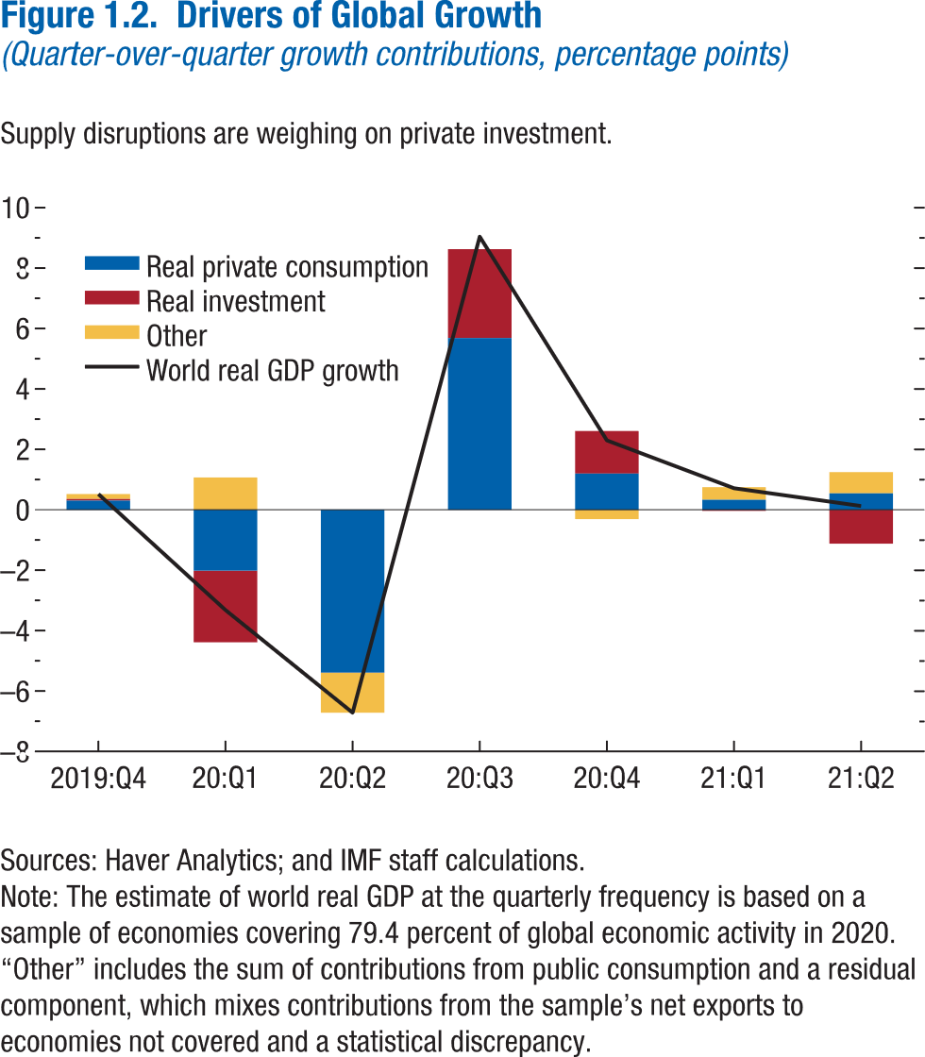
Figure 1.2. Drivers of Global Growth
(Quarter-over-quarter growth contributions, percentage points)

 | World real GDP growth | Real private consumption | Real investment | Other
2019Q4 | 0.52 | 0.30 | 0.05 | 0.16
2020Q1 | -3.32 | -2.02 | -2.37 | 1.07
2020Q2 | -6.72 | -5.39 | -0.01 | -1.32
2020Q3 | 9.04 | 5.68 | 2.94 | 0.41
2020Q4 | 2.30 | 1.20 | 1.41 | -0.31
2021Q1 | 0.71 | 0.33 | -0.04 | 0.42
2021Q2 | 0.12 | 0.54 | -1.12 | 0.70

Figure 1.3.
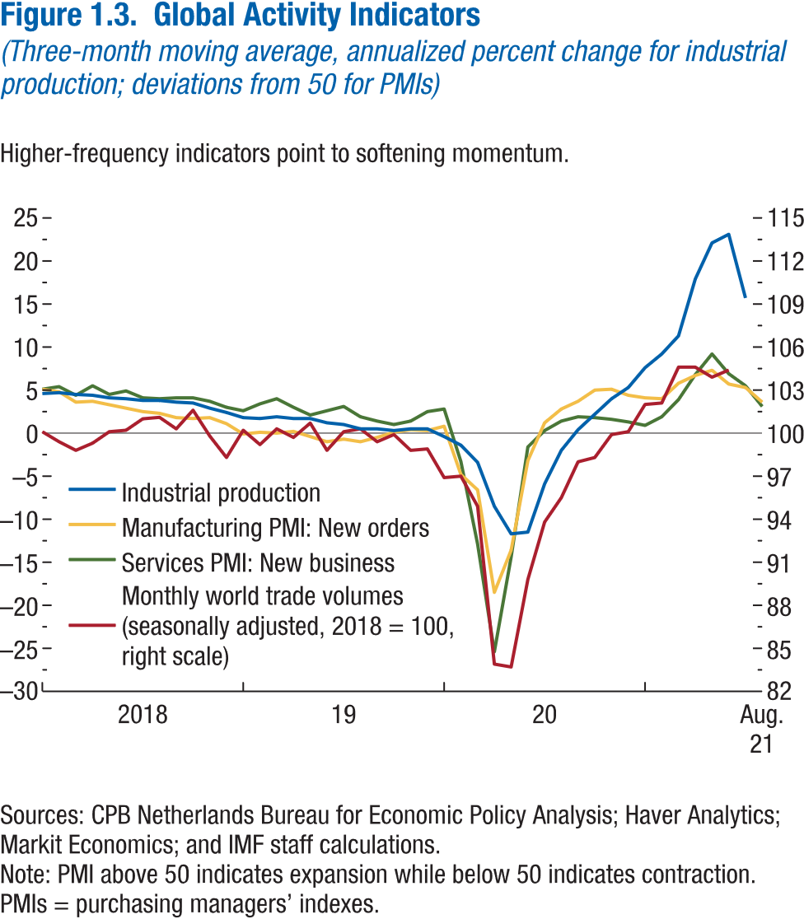
Figure 1.3. Global Activity Indicators
(Three-month moving average, annualized percent change for industrial production; deviations from 50 for PMIs)

 | Industrial production | Manufacturing PMI: New orders | Services PMI: New business | Monthly world trade volumes (seasonally adjusted, 2018 = 100)
2018M1 | 4.62 | 5.12 | 5.05 | 100.05
2018M2 | 4.68 | 4.83 | 5.37 | 99.42
2018M3 | 4.49 | 3.62 | 4.37 | 98.77
2018M4 | 4.38 | 3.66 | 5.52 | 99.30
2018M5 | 4.10 | 3.29 | 4.55 | 100.12
2018M6 | 3.97 | 2.89 | 4.86 | 100.21
2018M7 | 3.82 | 2.47 | 4.13 | 100.99
2018M8 | 3.78 | 2.33 | 4.04 | 101.12
2018M9 | 3.59 | 1.83 | 4.10 | 100.34
2018M10 | 3.47 | 1.70 | 4.06 | 101.57
2018M11 | 2.94 | 1.76 | 3.70 | 99.81
2018M12 | 2.36 | 1.10 | 2.99 | 98.31
2019M1 | 1.82 | -0.05 | 2.59 | 100.25
2019M2 | 1.66 | 0.08 | 3.43 | 99.19
2019M3 | 1.90 | 0.05 | 3.97 | 100.25
2019M4 | 1.68 | 0.24 | 3.02 | 99.69
2019M5 | 1.73 | -0.44 | 2.05 | 100.67
2019M6 | 1.24 | -0.95 | 2.62 | 98.84
2019M7 | 1.05 | -0.72 | 3.11 | 100.11
2019M8 | 0.54 | -0.99 | 1.91 | 100.29
2019M9 | 0.53 | -0.52 | 1.36 | 99.42
2019M10 | 0.29 | 0.11 | 0.98 | 99.91
2019M11 | 0.46 | 0.43 | 1.42 | 98.80
2019M12 | 0.48 | 0.27 | 2.49 | 98.87
2020M1 | -0.41 | 0.79 | 2.84 | 96.87
2020M2 | -1.41 | -4.77 | -3.32 | 97.05
2020M3 | -3.36 | -6.62 | -12.89 | 94.94
2020M4 | -8.46 | -18.49 | -25.37 | 83.93
2020M5 | -11.69 | -13.57 | -14.37 | 83.70
2020M6 | -11.51 | -3.17 | -1.64 | 89.81
2020M7 | -5.93 | 1.20 | 0.31 | 93.77
2020M8 | -1.99 | 2.83 | 1.36 | 95.51
2020M9 | 0.36 | 3.75 | 1.91 | 97.97
2020M10 | 2.22 | 5.00 | 1.84 | 98.28
2020M11 | 4.02 | 5.12 | 1.62 | 99.88
2020M12 | 5.29 | 4.41 | 1.34 | 100.15
2021M1 | 7.57 | 4.13 | 0.91 | 101.99
2021M2 | 9.21 | 4.00 | 1.93 | 102.13
2021M3 | 11.27 | 5.77 | 3.89 | 104.65
2021M4 | 17.89 | 6.73 | 6.75 | 104.64
2021M5 | 22.08 | 7.32 | 9.20 | 103.87
2021M6 | 23.06 | 5.73 | 6.87 | 104.38
2021M7 | 15.96 | 5.30 | 5.54
2021M8 |  | 3.61 | 3.10

Figure 1.4.
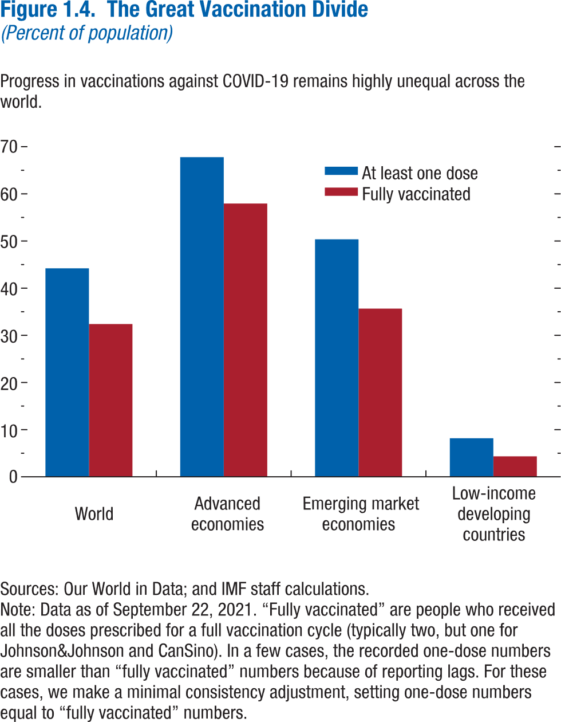
Figure 1.4. The Great Vaccination Divide
(Percent of population)

 | At least one dose | Fully vaccinated
World | 44.21 | 32.39
Advanced economies | 67.78 | 57.95
Emerging market economies | 50.36 | 35.66
Low-income developing countries | 8.17 | 4.34

Figure 1.5.
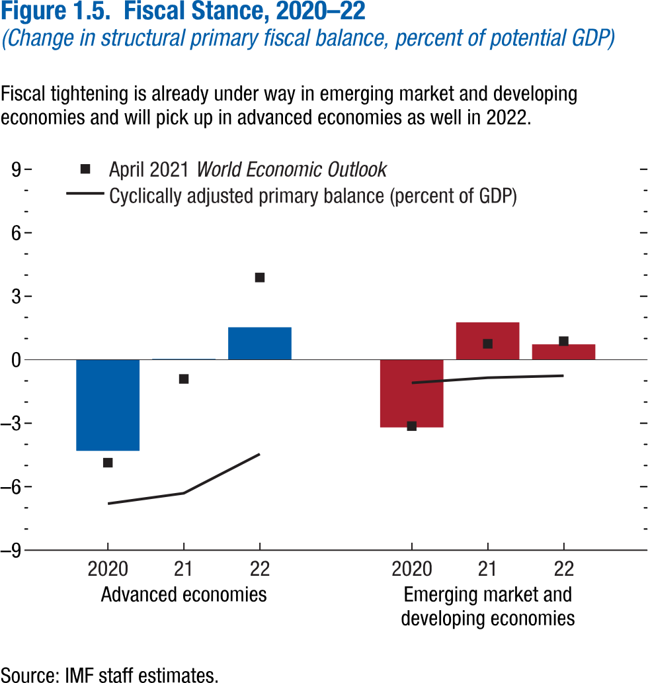
Figure 1.5. Fiscal Stance, 2020–22
(Change in structural primary fiscal balance, percent of potential GDP)

 |  | October 2021 World Economic Outlook | April 2021 World Economic Outlook | Oct. 2021 WEO Cyclically adjusted primary balance (percent of GDP)
Advanced economies | 2020 | -4.31 | -4.86 | -6.80
 | 2021 | 0.04 | -0.91 | -6.31
 | 2022 | 1.53 | 3.89 | -4.46

Emerging market and | 2020 | -3.20 | -3.14 | -1.09
developing economies | 2021 | 1.77 | 0.75 | -0.85
 | 2022 | 0.73 | 0.88 | -0.76

Figure 1.6.
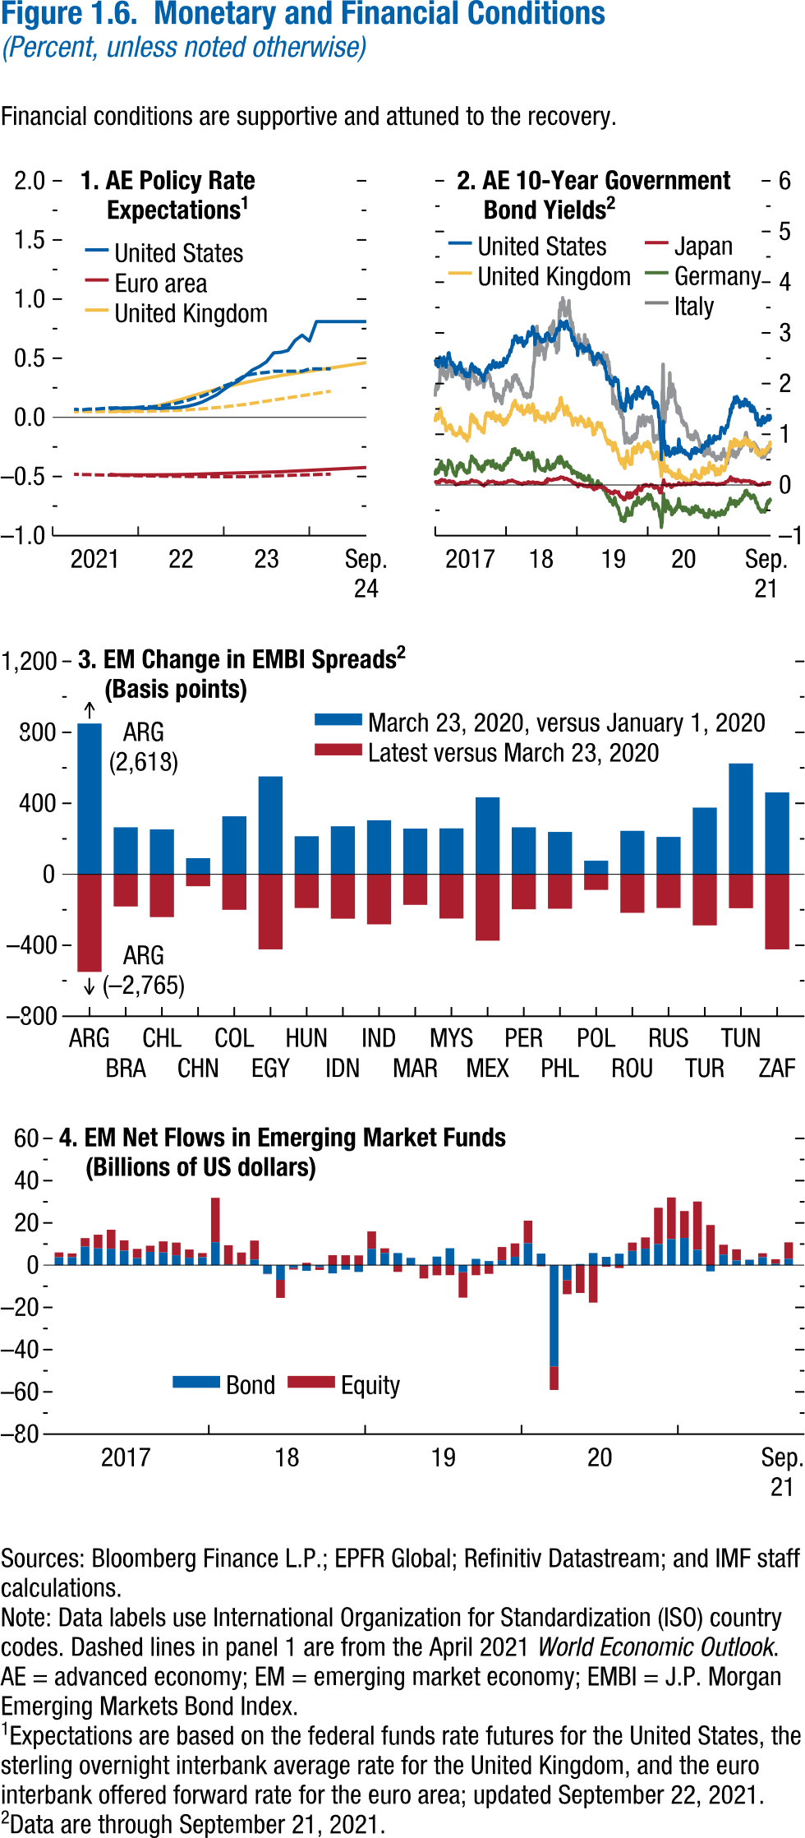
Figure 1.6. Monetary and Financial Conditions
(Percent, unless noted otherwise)

1. AE Policy Rate Expectations | 2. AE 10-Year Government Bond Yields | 3. EM Change in EMBI Spreads |  |  | 4. EM Net Flows in Emerging Market Funds
 |  | (Basis points) |  |  | (Billions of US dollars)
Data not available | Data not available |  | March 23, 2020, versus January 1, 2020 | Latest versus March 23, 2020 |  | Bond | Equity
 |  | ARG | 2618 | -2765 | 2017M1 | 3.72 | 2.32
 |  | BRA | 265 | -181 | 2017M2 | 3.80 | 1.75
 |  | CHL | 253 | -241 | 2017M3 | 8.79 | 4.04
 |  | CHN | 91 | -67 | 2017M4 | 7.95 | 6.47
 |  | COL | 327 | -200 | 2017M5 | 7.76 | 9.03
 |  | EGY | 552 | -423 | 2017M6 | 6.87 | 4.91
 |  | HUN | 215 | -190 | 2017M7 | 3.34 | 4.36
 |  | IDN | 271 | -250 | 2017M8 | 6.31 | 2.91
 |  | IND | 305 | -282 | 2017M9 | 6.01 | 5.25
 |  | MAR | 258 | -172 | 2017M10 | 4.65 | 6.05
 |  | MYS | 259 | -249 | 2017M11 | 3.50 | 3.92
 |  | MEX | 434 | -374 | 2017M12 | 3.74 | 1.99
 |  | PER | 265 | -197 | 2018M1 | 10.87 | 21.02
 |  | PHL | 239 | -194 | 2018M2 | 0.30 | 9.15
 |  | POL | 77 | -88 | 2018M3 | 0.24 | 5.72
 |  | ROU | 245 | -217 | 2018M4 | 2.67 | 8.98
 |  | RUS | 211 | -190 | 2018M5 | -4.05 | -0.22
 |  | TUR | 376 | -288 | 2018M6 | -6.97 | -8.53
 |  | TUN | 625 | -191 | 2018M7 | -1.23 | -0.86
 |  | ZAF | 462 | -423 | 2018M8 | -2.67 | 1.10
 |  |  |  |  | 2018M9 | -0.90 | -1.37
 |  |  |  |  | 2018M10 | -3.89 | 4.75
 |  |  |  |  | 2018M11 | -2.15 | 4.68
 |  |  |  |  | 2018M12 | -3.21 | 4.61
 |  |  |  |  | 2019M1 | 7.74 | 8.23
 |  |  |  |  | 2019M2 | 5.78 | 2.22
 |  |  |  |  | 2019M3 | 5.71 | -3.20
 |  |  |  |  | 2019M4 | 3.42 | 0.15
 |  |  |  |  | 2019M5 | -0.33 | -5.97
 |  |  |  |  | 2019M6 | 4.07 | -4.80
 |  |  |  |  | 2019M7 | 8.03 | -4.73
 |  |  |  |  | 2019M8 | -3.32 | -12.04
 |  |  |  |  | 2019M9 | 2.99 | -4.76
 |  |  |  |  | 2019M10 | 1.96 | -4.11
 |  |  |  |  | 2019M11 | 2.35 | 6.23
 |  |  |  |  | 2019M12 | 3.92 | 6.39
 |  |  |  |  | 2020M1 | 10.41 | 10.68
 |  |  |  |  | 2020M2 | 5.47 | -0.53
 |  |  |  |  | 2020M3 | -47.91 | -11.15
 |  |  |  |  | 2020M4 | -7.06 | -6.68
 |  |  |  |  | 2020M5 | 0.57 | -13.17
 |  |  |  |  | 2020M6 | 5.75 | -17.73
 |  |  |  |  | 2020M7 | 3.93 | -0.78
 |  |  |  |  | 2020M8 | 5.44 | -1.36
 |  |  |  |  | 2020M9 | 6.74 | 3.96
 |  |  |  |  | 2020M10 | 7.81 | 5.31
 |  |  |  |  | 2020M11 | 10.03 | 17.15
 |  |  |  |  | 2020M12 | 12.34 | 19.72
 |  |  |  |  | 2021M1 | 12.87 | 12.78
 |  |  |  |  | 2021M2 | 7.29 | 22.86
 |  |  |  |  | 2021M3 | -2.92 | 19.01
 |  |  |  |  | 2021M4 | 5.00 | 4.66
 |  |  |  |  | 2021M5 | 2.24 | 5.27
 |  |  |  |  | 2021M6 | 2.53 | 0.11
 |  |  |  |  | 2021M7 | 3.80 | 1.86
 |  |  |  |  | 2021M8 | 0.73 | 2.08
 |  |  |  |  | 2021M9 | 3.03 | 7.79

Figure 1.7.
Sources: Baker, Bloom, and Davis 2016; www.PolicyUncertainty.com.
Note: The global index is calculated as the GDP-weighted average of monthly index values for sample of 18 advanced, emerging market, and middle-income economies. Each monthly national index value is proportional to the share of own-country newspaper articles that discussed economic policy uncertainty in that month.
Figure 1.7. Global Economic Policy Uncertainty Index, 2007–16
Uncertainty about future economic policies has reached a decade high.
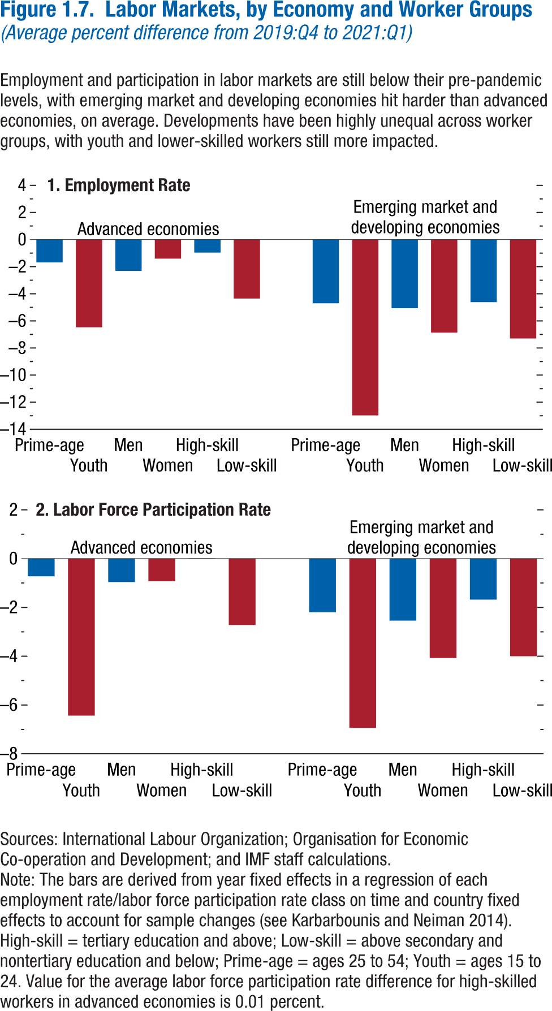
Figure 1.7. Labor Markets, by Economy and Worker Groups
(Average percent difference from 2019:Q4 to 2021:Q1)

1. Employment Rate |  |  |  | 2. Labor Force Participation Rate

Advanced economies | Age | Prime-age | -1.69 | Advanced economies | Age | Prime-age | -0.72
 |  | Youth | -6.48 |  |  | Youth | -6.43
 | Gender | Men | -2.31 |  | Gender | Men | -0.96
 |  | Women | -1.41 |  |  | Women | -0.93
 | Skill | High-skill | -0.96 |  | Skill | High-skill | 0.01
 |  | Low-skill | -4.35 |  |  | Low-skill | -2.72

Emerging market and | Age | Prime-age | -4.70 | Emerging market and | Age | Prime-age | -2.19
developing economies |  | Youth | -12.97 | developing economies |  | Youth | -6.94
 | Gender | Men | -5.06 |  | Gender | Men | -2.54
 |  | Women | -6.87 |  |  | Women | -4.07
 | Skill | High-skill | -4.62 |  | Skill | High-skill | -1.68
 |  | Low-skill | -7.30 |  |  | Low-skill | -4.00

Figure 1.8.
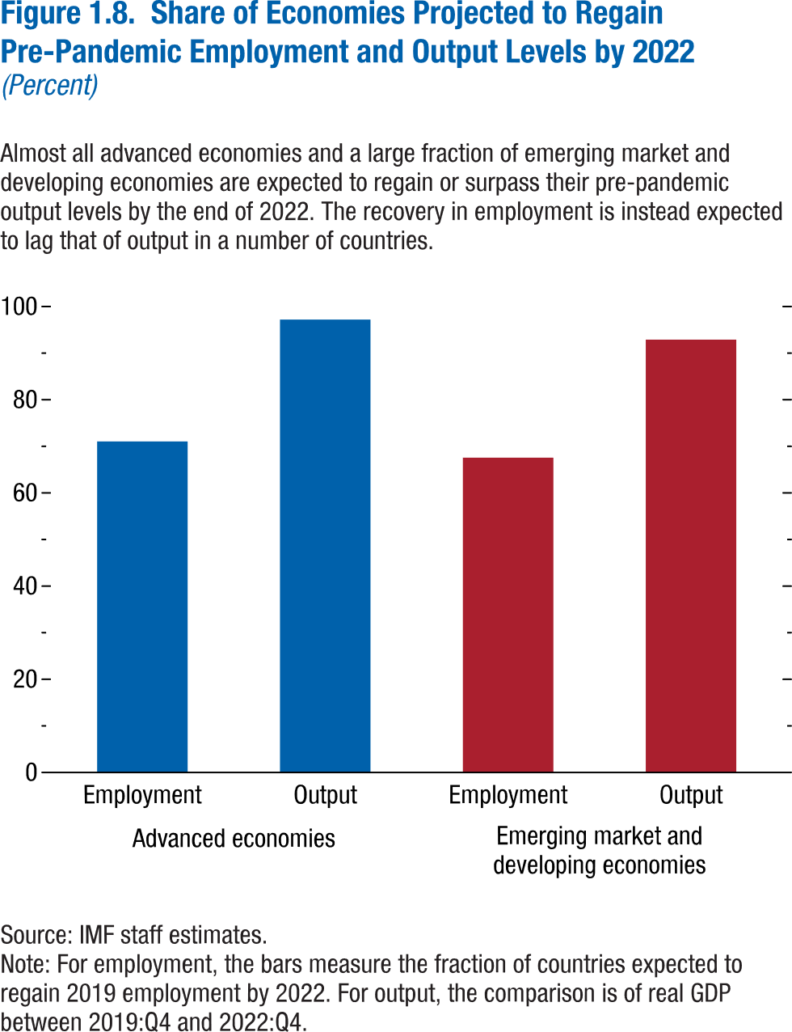
Figure 1.8. Share of Economies Projected to Regain Pre-Pandemic Employment and Output Levels by 2022
(Percent)

Advanced economies | Employment | 71.05
 | Output | 97.22
Emerging market and | Employment | 67.57
developing economies | Output | 92.86

 |  |  | 2019-07-01 | -0.15 | 2.03 | 0.81 | -0.36 | 1.95 | 2019-07-02 | 100.63 | 121.39 | 110.92 | 97.89
 |  |  | 2019-07-02 | -0.14 | 1.98 | 0.73 | -0.37 | 1.84 | 2019-07-03 | 101.67 | 122.32 | 110.84 | 97.26
 |  |  | 2019-07-03 | -0.17 | 1.95 | 0.69 | -0.38 | 1.60 | 2019-07-04 | 101.84 |  | 110.96 | 97.89
 |  |  | 2019-07-04 | -0.17 | 1.95 | 0.67 | -0.40 | 1.68 | 2019-07-05 | 101.28 | 122.10 | 110.64 | 98.06
 |  |  | 2019-07-05 | -0.18 | 2.04 | 0.75 | -0.36 | 1.75 | 2019-07-08 | 101.08 | 121.51 | 109.27 | 97.19
 |  |  | 2019-07-08 | -0.16 | 2.05 | 0.70 | -0.37 | 1.78 | 2019-07-09 | 100.56 | 121.66 | 108.98 | 96.97
 |  |  | 2019-07-09 | -0.16 | 2.06 | 0.71 | -0.36 | 1.74 | 2019-07-10 | 100.39 | 122.21 | 109.38 | 96.75
 |  |  | 2019-07-10 | -0.13 | 2.06 | 0.75 | -0.31 | 1.74 | 2019-07-11 | 100.30 | 122.49 | 109.61 | 97.20
 |  |  | 2019-07-11 | -0.14 | 2.12 | 0.84 | -0.26 | 1.72 | 2019-07-12 | 100.46 | 123.06 | 109.27 | 97.06
 |  |  | 2019-07-12 | -0.12 | 2.11 | 0.84 | -0.25 | 1.73 | 2019-07-15 | 100.77 | 123.08 | 109.83
 |  |  | 2019-07-15 | -0.12 | 2.09 | 0.80 | -0.30 | 1.65 | 2019-07-16 | 101.25 | 122.66 | 110.08 | 96.59
 |  |  | 2019-07-16 | -0.12 | 2.12 | 0.81 | -0.29 | 1.62 | 2019-07-17 | 100.65 | 121.86 | 109.87 | 96.51
 |  |  | 2019-07-17 | -0.13 | 2.06 | 0.76 | -0.33 | 1.60 | 2019-07-18 | 100.11 | 122.30 | 109.26 | 94.47
 |  |  | 2019-07-18 | -0.14 | 2.04 | 0.76 | -0.35 | 1.56 | 2019-07-19 | 100.09 | 121.54 | 109.53 | 96.30
 |  |  | 2019-07-19 | -0.14 | 2.05 | 0.74 | -0.37 | 1.61 | 2019-07-22 | 100.37 | 121.88 | 108.86 | 95.83
 |  |  | 2019-07-22 | -0.14 | 2.04 | 0.71 | -0.39 | 1.66 | 2019-07-23 | 101.58 | 122.72 | 109.33 | 96.60
 |  |  | 2019-07-23 | -0.15 | 2.07 | 0.69 | -0.40 | 1.61 | 2019-07-24 | 101.80 | 123.29 | 109.55 | 96.98
 |  |  | 2019-07-24 | -0.15 | 2.05 | 0.68 | -0.42 | 1.50 | 2019-07-25 | 101.23 | 122.65 | 109.63 | 97.15
 |  |  | 2019-07-25 | -0.15 | 2.07 | 0.71 | -0.41 | 1.52 | 2019-07-26 | 101.52 | 123.55 | 109.39 | 96.76
 |  |  | 2019-07-26 | -0.15 | 2.08 | 0.69 | -0.42 | 1.58 | 2019-07-29 | 101.34 | 123.35 | 109.23 | 96.58
 |  |  | 2019-07-29 | -0.15 | 2.05 | 0.65 | -0.43 | 1.57 | 2019-07-30 | 99.57 | 123.03 | 108.87 | 97.01
 |  |  | 2019-07-30 | -0.15 | 2.06 | 0.64 | -0.44 | 1.58 | 2019-07-31 | 99.73 | 121.69 | 108.17 | 96.37
 |  |  | 2019-07-31 | -0.16 | 2.01 | 0.61 | -0.48 | 1.54 | 2019-08-01 | 100.44 | 120.60 | 107.19 | 96.51
 |  |  | 2019-08-01 | -0.13 | 1.89 | 0.59 | -0.45 | 1.58 | 2019-08-02 | 97.56 | 119.72 | 105.43 | 94.42
 |  |  | 2019-08-02 | -0.17 | 1.84 | 0.56 | -0.49 | 1.55 | 2019-08-05 | 95.60 | 116.16 | 102.73 | 92.72
 |  |  | 2019-08-05 | -0.20 | 1.74 | 0.51 | -0.51 | 1.57 | 2019-08-06 | 95.13 | 117.67 | 102.99 | 92.31
 |  |  | 2019-08-06 | -0.19 | 1.74 | 0.52 | -0.54 | 1.52 | 2019-08-07 | 95.58 | 117.76 | 103.13 | 92.35
 |  |  | 2019-08-07 | -0.20 | 1.68 | 0.48 | -0.58 | 1.41 | 2019-08-08 | 97.34 | 119.97 | 104.26 | 92.28
 |  |  | 2019-08-08 | -0.20 | 1.71 | 0.53 | -0.56 | 1.55 | 2019-08-09 | 96.17 | 119.17 | 103.82 | 92.60
 |  |  | 2019-08-09 | -0.22 | 1.73 | 0.48 | -0.58 | 1.82 | 2019-08-12 | 95.84 | 117.75 | 102.63
 |  |  | 2019-08-12 | -0.22 | 1.64 | 0.49 | -0.59 | 1.73 | 2019-08-13 | 96.49 | 119.49 | 102.36 | 91.53
 |  |  | 2019-08-13 | -0.24 | 1.68 | 0.49 | -0.61 | 1.62 | 2019-08-14 | 94.49 | 115.99 | 101.75 | 92.33
 |  |  | 2019-08-14 | -0.22 | 1.58 | 0.45 | -0.65 | 1.51 | 2019-08-15 | 94.12 | 116.27 | 101.81 | 91.36
 |  |  | 2019-08-15 | -0.24 | 1.53 | 0.41 | -0.70 | 1.34 | 2019-08-16 | 95.47 | 117.95 | 102.53 | 91.45
 |  |  | 2019-08-16 | -0.24 | 1.54 | 0.46 | -0.68 | 1.41 | 2019-08-19 | 96.69 | 119.38 | 103.66 | 92.01
 |  |  | 2019-08-19 | -0.23 | 1.60 | 0.48 | -0.65 | 1.44 | 2019-08-20 | 95.95 | 118.43 | 103.75 | 92.78
 |  |  | 2019-08-20 | -0.24 | 1.56 | 0.46 | -0.69 | 1.37 | 2019-08-21 | 97.35 | 119.41 | 103.94 | 92.21
 |  |  | 2019-08-21 | -0.24 | 1.58 | 0.47 | -0.67 | 1.34 | 2019-08-22 | 96.77 | 119.35 | 103.28 | 92.24
 |  |  | 2019-08-22 | -0.25 | 1.61 | 0.52 | -0.64 | 1.31 | 2019-08-23 | 95.74 | 116.25 | 102.92 | 92.50
 |  |  | 2019-08-23 | -0.24 | 1.53 | 0.50 | -0.67 | 1.31 | 2019-08-26 | 96.06 | 117.53 | 102.25 | 91.01
 |  |  | 2019-08-26 | -0.28 | 1.55 | 0.50 | -0.67 | 1.34 | 2019-08-27 | 96.75 | 117.15 | 102.41 | 91.72
 |  |  | 2019-08-27 | -0.27 | 1.49 | 0.43 | -0.70 | 1.15 | 2019-08-28 | 96.48 | 117.92 | 102.39 | 91.77
 |  |  | 2019-08-28 | -0.28 | 1.47 | 0.37 | -0.72 | 1.05 | 2019-08-29 | 97.73 | 119.42 | 103.13 | 91.75
 |  |  | 2019-08-29 | -0.29 | 1.52 | 0.36 | -0.69 | 0.99 | 2019-08-30 | 98.39 | 119.49 | 104.02 | 93.09
 |  |  | 2019-08-30 | -0.28 | 1.51 | 0.40 | -0.71 | 1.01 | 2019-09-02 | 98.57 |  | 104.20 | 92.68
 |  |  | 2019-09-02 | -0.27 | 1.51 | 0.35 | -0.70 | 0.97 | 2019-09-03 | 98.20 | 118.67 | 103.14 | 93.02
 |  |  | 2019-09-03 | -0.28 | 1.47 | 0.33 | -0.72 | 0.87 | 2019-09-04 | 99.19 | 119.95 | 104.66 | 92.78
 |  |  | 2019-09-04 | -0.29 | 1.46 | 0.43 | -0.68 | 0.82 | 2019-09-05 | 100.18 | 121.52 | 105.81 | 94.48
 |  |  | 2019-09-05 | -0.27 | 1.57 | 0.53 | -0.59 | 0.93 | 2019-09-06 | 100.42 | 121.63 | 106.06 | 94.64
 |  |  | 2019-09-06 | -0.25 | 1.55 | 0.43 | -0.63 | 0.89 | 2019-09-09 | 100.41 | 121.61 | 106.26 | 95.51
 |  |  | 2019-09-09 | -0.26 | 1.62 | 0.52 | -0.58 | 0.95 | 2019-09-10 | 100.50 | 121.65 | 106.03 | 95.93
 |  |  | 2019-09-10 | -0.23 | 1.70 | 0.56 | -0.55 | 1.03 | 2019-09-11 | 100.98 | 122.53 | 106.96 | 97.51
 |  |  | 2019-09-11 | -0.21 | 1.73 | 0.56 | -0.57 | 0.98 | 2019-09-12 | 101.52 | 122.89 | 107.17 | 98.21
 |  |  | 2019-09-12 | -0.21 | 1.79 | 0.57 | -0.54 | 0.85 | 2019-09-13 | 101.87 | 122.80 | 107.56 | 99.12
 |  |  | 2019-09-13 | -0.16 | 1.90 | 0.68 | -0.45 | 0.89 | 2019-09-16 | 101.05 | 122.41 | 107.47
 |  |  | 2019-09-16 | -0.16 | 1.84 | 0.62 | -0.47 | 0.85 | 2019-09-17 | 101.00 | 122.73 | 106.91 | 99.41
 |  |  | 2019-09-17 | -0.15 | 1.81 | 0.61 | -0.47 | 0.93 | 2019-09-18 | 101.13 | 122.77 | 106.98 | 98.92
 |  |  | 2019-09-18 | -0.19 | 1.78 | 0.57 | -0.51 | 0.88 | 2019-09-19 | 101.77 | 122.77 | 106.41 | 99.48
 |  |  | 2019-09-19 | -0.23 | 1.77 | 0.56 | -0.51 | 0.90 | 2019-09-20 | 102.01 | 122.17 | 106.94 | 99.52
 |  |  | 2019-09-20 | -0.22 | 1.75 | 0.55 | -0.52 | 0.93 | 2019-09-23 | 100.99 | 122.16 | 106.20
 |  |  | 2019-09-23 | -0.22 | 1.71 | 0.47 | -0.58 | 0.84 | 2019-09-24 | 100.93 | 121.13 | 105.60 | 99.93
 |  |  | 2019-09-24 | -0.24 | 1.64 | 0.45 | -0.60 | 0.83 | 2019-09-25 | 100.35 | 121.88 | 105.40 | 99.75
 |  |  | 2019-09-25 | -0.26 | 1.73 | 0.44 | -0.58 | 0.84 | 2019-09-26 | 100.95 | 121.58 | 105.76 | 99.95
 |  |  | 2019-09-26 | -0.25 | 1.69 | 0.45 | -0.58 | 0.83 | 2019-09-27 | 101.42 | 120.93 | 105.00 | 98.78
 |  |  | 2019-09-27 | -0.24 | 1.67 | 0.42 | -0.58 | 0.83 | 2019-09-30 | 101.93 | 121.55 | 105.04 | 97.77
 |  |  | 2019-09-30 | -0.22 | 1.67 | 0.40 | -0.57 | 0.83 | 2019-10-01 | 100.71 | 120.06 | 104.60 | 98.70
 |  |  | 2019-10-01 | -0.15 | 1.64 | 0.48 | -0.56 | 0.86 | 2019-10-02 | 97.91 | 117.91 | 103.89 | 98.29
 |  |  | 2019-10-02 | -0.19 | 1.60 | 0.50 | -0.54 | 0.90 | 2019-10-03 | 97.99 | 118.85 | 104.24 | 96.60
 |  |  | 2019-10-03 | -0.22 | 1.54 | 0.48 | -0.58 | 0.83 | 2019-10-04 | 98.88 | 120.54 | 104.46 | 96.85
 |  |  | 2019-10-04 | -0.23 | 1.51 | 0.44 | -0.59 | 0.84 | 2019-10-07 | 99.57 | 120.00 | 104.10 | 96.84
 |  |  | 2019-10-07 | -0.25 | 1.55 | 0.45 | -0.58 | 0.85 | 2019-10-08 | 98.40 | 118.13 | 103.58 | 97.69
 |  |  | 2019-10-08 | -0.23 | 1.54 | 0.41 | -0.60 | 0.85 | 2019-10-09 | 99.13 | 119.20 | 103.71 | 97.39
 |  |  | 2019-10-09 | -0.23 | 1.59 | 0.46 | -0.56 | 0.87 | 2019-10-10 | 99.96 | 119.97 | 104.25 | 97.37
 |  |  | 2019-10-10 | -0.23 | 1.66 | 0.55 | -0.49 | 0.96 | 2019-10-11 | 101.98 | 121.28 | 105.95 | 98.23
 |  |  | 2019-10-11 | -0.20 | 1.75 | 0.72 | -0.44 | 0.95 | 2019-10-14 | 101.68 | 121.11 | 106.01
 |  |  | 2019-10-14 | -0.20 | 1.71 | 0.64 | -0.46 | 0.92 | 2019-10-15 | 102.80 | 122.32 | 106.49 | 99.76
 |  |  | 2019-10-15 | -0.17 | 1.77 | 0.69 | -0.42 | 0.93 | 2019-10-16 | 102.80 | 122.07 | 106.94 | 100.46
 |  |  | 2019-10-16 | -0.16 | 1.74 | 0.70 | -0.39 | 0.93 | 2019-10-17 | 102.61 | 122.41 | 107.19 | 100.00
 |  |  | 2019-10-17 | -0.16 | 1.76 | 0.69 | -0.40 | 0.90 | 2019-10-18 | 102.25 | 121.93 | 106.63 | 99.87
 |  |  | 2019-10-18 | -0.15 | 1.75 | 0.71 | -0.39 | 0.93 | 2019-10-21 | 102.82 | 122.77 | 106.94 | 100.28
 |  |  | 2019-10-21 | -0.14 | 1.79 | 0.75 | -0.34 | 0.99 | 2019-10-22 | 102.85 | 122.33 | 106.84
 |  |  | 2019-10-22 | -0.14 | 1.77 | 0.71 | -0.37 | 0.93 | 2019-10-23 | 102.86 | 122.68 | 106.63 | 100.86
 |  |  | 2019-10-23 | -0.14 | 1.77 | 0.68 | -0.39 | 0.94 | 2019-10-24 | 103.30 | 122.92 | 107.41 | 101.21
 |  |  | 2019-10-24 | -0.15 | 1.77 | 0.63 | -0.40 | 0.91 | 2019-10-25 | 103.47 | 123.42 | 107.23 | 101.50
 |  |  | 2019-10-25 | -0.14 | 1.80 | 0.66 | -0.37 | 0.95 | 2019-10-28 | 103.68 | 124.10 | 107.95 | 101.50
 |  |  | 2019-10-28 | -0.13 | 1.85 | 0.73 | -0.33 | 1.01 | 2019-10-29 | 103.62 | 124.00 | 107.97 | 102.38
 |  |  | 2019-10-29 | -0.11 | 1.83 | 0.71 | -0.36 | 0.99 | 2019-10-30 | 103.57 | 124.40 | 107.94 | 102.57
 |  |  | 2019-10-30 | -0.12 | 1.80 | 0.68 | -0.36 | 1.00 | 2019-10-31 | 103.13 | 124.03 | 107.89 | 102.64
 |  |  | 2019-10-31 | -0.14 | 1.69 | 0.63 | -0.40 | 0.93 | 2019-11-01 | 103.85 | 125.23 | 108.51 | 102.61
 |  |  | 2019-11-01 | -0.18 | 1.73 | 0.67 | -0.38 | 1.00 | 2019-11-04 | 105.04 | 125.69 | 110.01
 |  |  | 2019-11-04 | -0.18 | 1.79 | 0.72 | -0.35 | 1.00 | 2019-11-05 | 105.33 | 125.54 | 110.59 | 104.31
 |  |  | 2019-11-05 | -0.14 | 1.87 | 0.76 | -0.32 | 1.02 | 2019-11-06 | 105.56 | 125.63 | 110.46 | 104.33
 |  |  | 2019-11-06 | -0.09 | 1.81 | 0.73 | -0.32 | 1.03 | 2019-11-07 | 106.11 | 125.97 | 111.39 | 104.56
 |  |  | 2019-11-07 | -0.09 | 1.93 | 0.77 | -0.25 | 1.16 | 2019-11-08 | 105.86 | 126.30 | 110.57 | 104.84
 |  |  | 2019-11-08 | -0.06 | 1.94 | 0.78 | -0.26 | 1.19 | 2019-11-11 | 105.77 | 126.05 | 109.56 | 104.92
 |  |  | 2019-11-11 | -0.06 | 1.94 | 0.81 | -0.25 | 1.26 | 2019-11-12 | 106.20 | 126.25 | 109.69 | 105.27
...

Figure 1.9.
Figure 1.8. Selected Advanced Economies: Current Deleveraging Episodes (Weighted average)
3. Public Debt
(Percent of GDP)
1. Private Debt
(Percent of GDP)
Sources: Bank for International Settlements; IMF, World Economic Outlook; and IMF staff estimates.
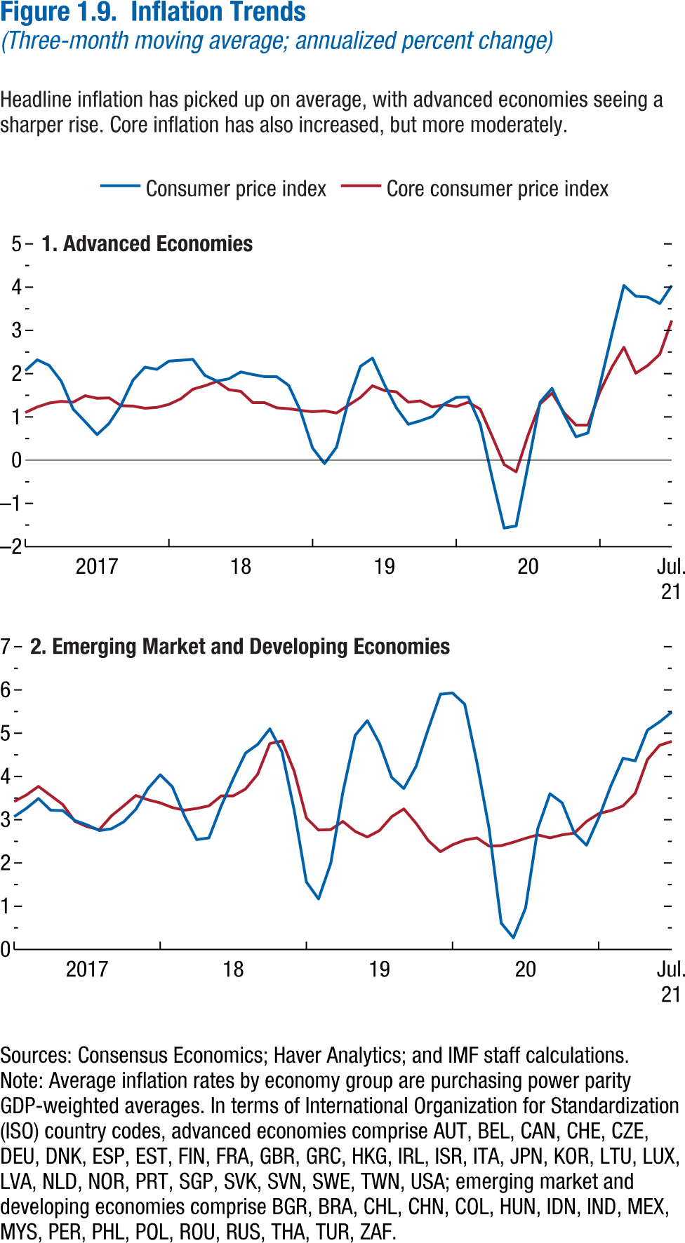
Figure 1.9. Inflation Trends
(Three-month moving average; annualized percent change)

1. Advanced Economies
 | Consumer price index | Core consumer price index
2017M1 | 2.07 | 1.10
2017M2 | 2.32 | 1.23
2017M3 | 2.19 | 1.32
2017M4 | 1.83 | 1.36
2017M5 | 1.18 | 1.34
2017M6 | 0.90 | 1.49
2017M7 | 0.59 | 1.43
2017M8 | 0.85 | 1.44
2017M9 | 1.27 | 1.26
2017M10 | 1.85 | 1.25
2017M11 | 2.15 | 1.20
2017M12 | 2.10 | 1.22
2018M1 | 2.29 | 1.29
2018M2 | 2.31 | 1.42
2018M3 | 2.33 | 1.64
2018M4 | 1.96 | 1.72
2018M5 | 1.83 | 1.82
2018M6 | 1.88 | 1.63
2018M7 | 2.04 | 1.59
2018M8 | 1.98 | 1.33
2018M9 | 1.93 | 1.33
2018M10 | 1.93 | 1.21
2018M11 | 1.73 | 1.19
2018M12 | 1.14 | 1.16
2019M1 | 0.28 | 1.12
2019M2 | -0.08 | 1.14
2019M3 | 0.30 | 1.10
2019M4 | 1.38 | 1.28
2019M5 | 2.17 | 1.45
2019M6 | 2.36 | 1.72
2019M7 | 1.75 | 1.61
2019M8 | 1.21 | 1.58
2019M9 | 0.83 | 1.34
2019M10 | 0.91 | 1.37
2019M11 | 1.01 | 1.23
2019M12 | 1.30 | 1.28
2020M1 | 1.45 | 1.24
...

Figure 1.10.
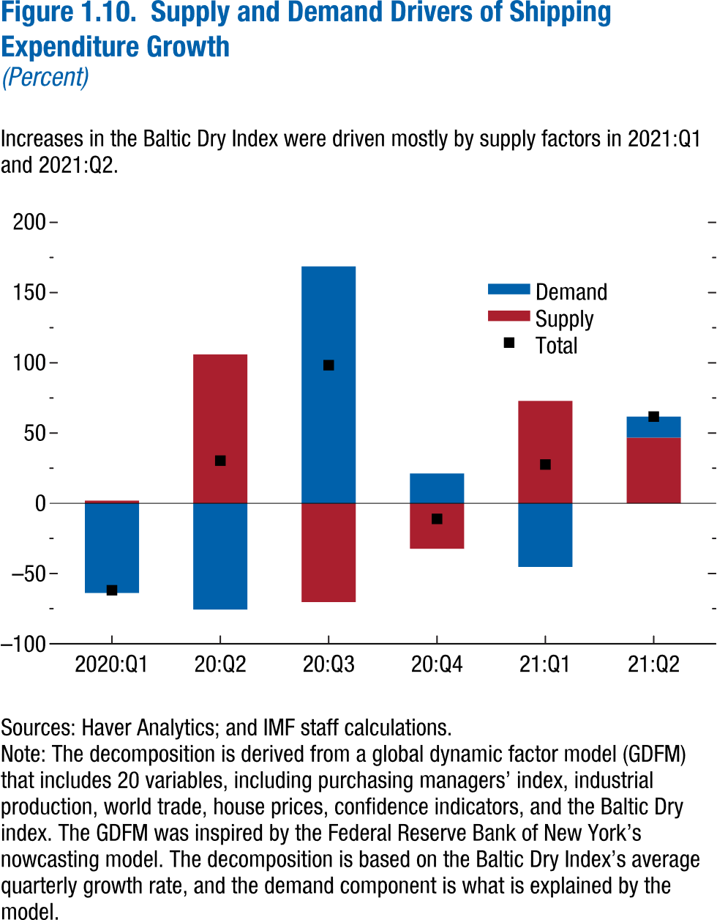
Figure 1.10. Supply and Demand Drivers of Shipping Expenditure Growth
(Percent)

 | Demand | Supply | Total
2020Q1 | -63.83 | 1.94 | -61.89
2020Q2 | -75.63 | 106.03 | 30.40
2020Q3 | 168.68 | -70.33 | 98.35
2020Q4 | 21.29 | -32.36 | -11.08
2021Q1 | -45.28 | 72.92 | 27.65
2021Q2 | 14.95 | 46.80 | 61.75

Figure 1.11.
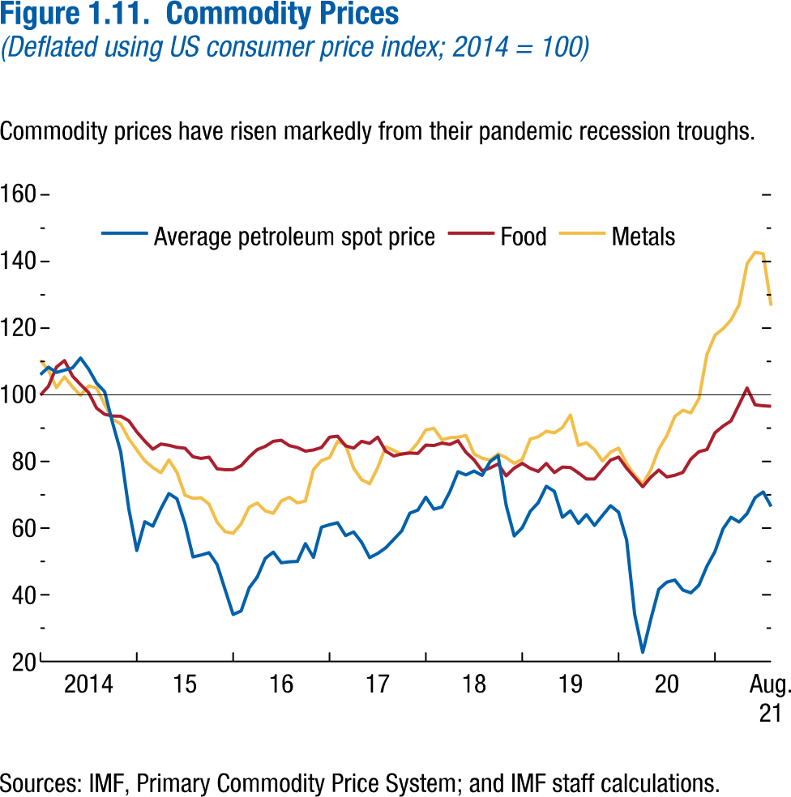
Figure 1.11. Commodity Prices
(Deflated using US consumer price index; 2014 = 100)

 | Average petroleum spot price | Food | Metals
2014M1 | 106.06 | 99.89 | 110.40
2014M2 | 108.28 | 102.57 | 107.33
2014M3 | 106.72 | 108.32 | 102.15
2014M4 | 107.40 | 110.26 | 105.38
2014M5 | 108.06 | 105.63 | 102.35
2014M6 | 111.05 | 103.07 | 99.83
2014M7 | 107.72 | 100.67 | 102.68
2014M8 | 103.47 | 95.99 | 102.04
2014M9 | 100.94 | 94.15 | 97.10
2014M10 | 91.46 | 93.62 | 92.63
2014M11 | 82.94 | 93.58 | 91.29
2014M12 | 65.91 | 92.24 | 86.81
2015M1 | 53.29 | 88.88 | 83.47
2015M2 | 61.93 | 86.11 | 80.18
2015M3 | 60.59 | 83.70 | 78.18
2015M4 | 65.83 | 85.24 | 76.61
2015M5 | 70.37 | 84.86 | 80.45
2015M6 | 68.81 | 84.24 | 76.76
2015M7 | 61.41 | 83.98 | 69.90
2015M8 | 51.35 | 81.41 | 68.92
2015M9 | 51.92 | 80.92 | 69.14
2015M10 | 52.63 | 81.29 | 67.22
2015M11 | 49.10 | 77.79 | 61.75
2015M12 | 41.54 | 77.53 | 58.94
...

Figure 1.12.
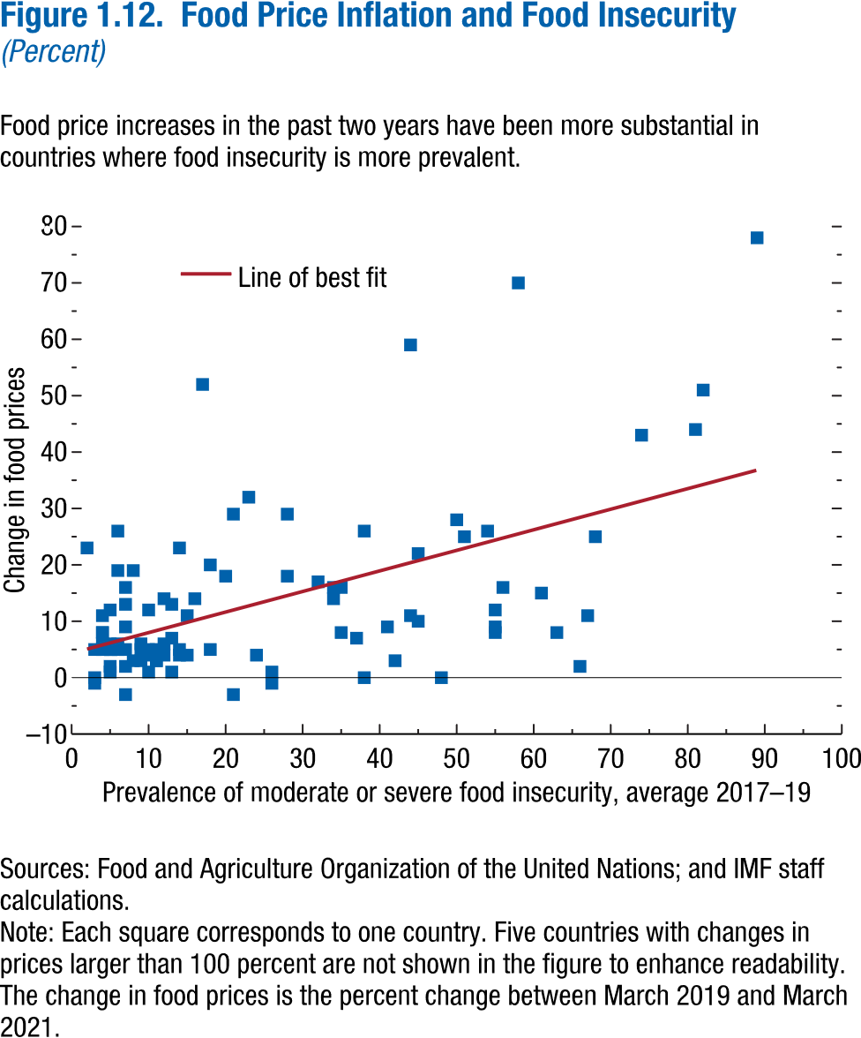
Figure 1.12. Food Price Inflation and Food Insecurity
(Percent)

 | Prevalence of moderate or severe food insecurity, average 2017-2019 | Change in food prices
AFG | 60.80 | 14.97
ALB | 37.10 | 7.12
ARM | 34.90 | 8.04
AUS | 13.50 | 22.56
AUT | 3.60 | 4.68
AZE | 9.60 | 12.38
BEL | 10.80 | 2.92
BFA | 47.70 | 0.09
BGD | 31.50 | 17.12
BGR | 12.50 | 12.76
BIH | 9.20 | 3.10
BRA | 20.60 | 28.75
BWA | 66.70 | 11.02
CHE | 2.70 | -0.83
CHL | 15.60 | 14.20
CPV | 37.70 | 0.05
CRI | 25.50 | 1.26
CZE | 3.70 | 8.14
DEU | 3.50 | 5.75
DNK | 5.20 | 1.76
DZA | 17.60 | 5.00
EGY | 34.20 | 14.35
ESP | 8.60 | 4.97
EST | 7.40 | 5.06
ETH | 57.90 | 70.49
FIN | 7.70 | 3.15
FRA | 6.00 | 5.47
...

Figure 1.13.
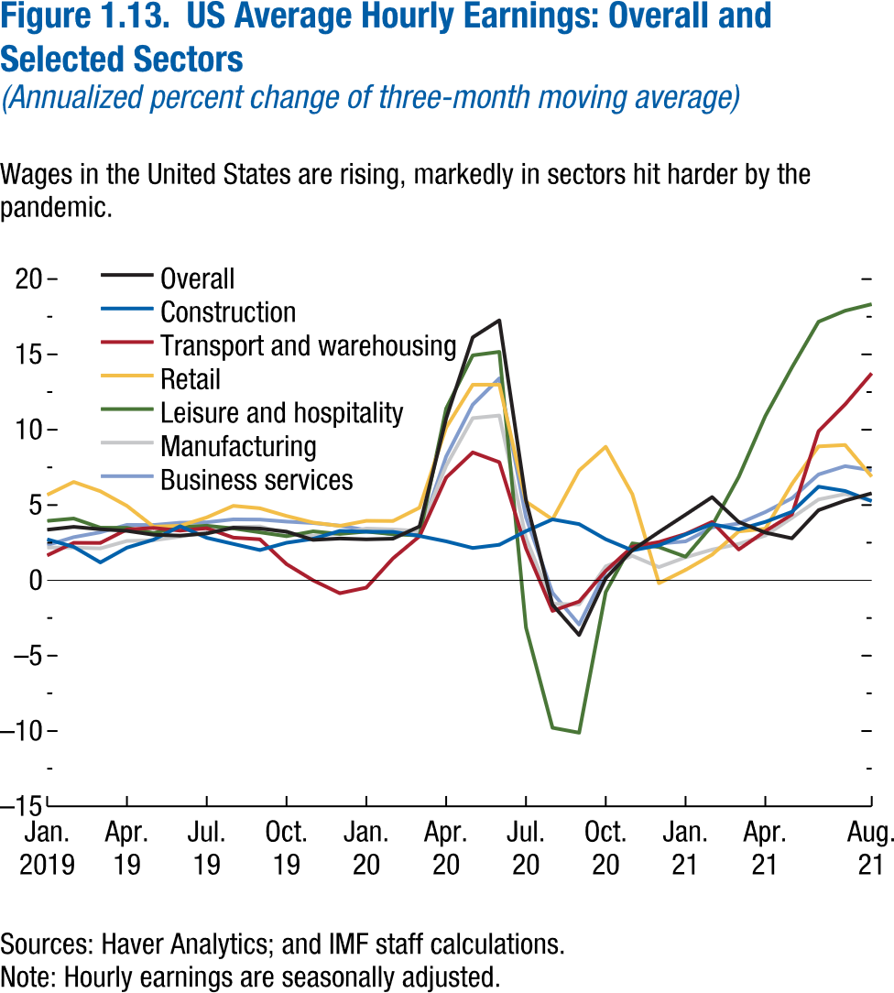
Figure 1.13. US Average Hourly Earnings: Overall and Selected Sectors
(Annualized percent change of three-month moving average)

 | Overall | Construction | Transport and warehousing
2019M1 | 3.36 | 2.73 | 1.66
2019M2 | 3.55 | 2.22 | 2.49
2019M3 | 3.39 | 1.19 | 2.49
2019M4 | 3.29 | 2.17 | 3.38
2019M5 | 3.03 | 2.70 | 3.48
2019M6 | 2.97 | 3.60 | 3.30
2019M7 | 3.11 | 2.83 | 3.46
2019M8 | 3.50 | 2.42 | 2.84
2019M9 | 3.44 | 2.01 | 2.73
2019M10 | 3.23 | 2.50 | 1.08
2019M11 | 2.69 | 2.76 | 0.00
2019M12 | 2.78 | 3.28 | -0.86
2020M1 | 2.72 | 3.23 | -0.48
2020M2 | 2.77 | 3.22 | 1.46
2020M3 | 3.58 | 2.95 | 2.93
2020M4 | 10.75 | 2.59 | 6.82
2020M5 | 16.13 | 2.15 | 8.49
2020M6 | 17.26 | 2.36 | 7.85
2020M7 | 5.33 | 3.27 | 2.13
2020M8 | -1.62 | 4.05 | -2.03
2020M9 | -3.63 | 3.73 | -1.41
2020M10 | 0.14 | 2.73 | 0.63
2020M11 | 2.01 | 1.99 | 2.23
2020M12 | 3.21 | 2.33 | 2.54
2021M1 | 4.36 | 3.05 | 3.08
2021M2 | 5.53 | 3.73 | 3.88
...

Figure 1.14.
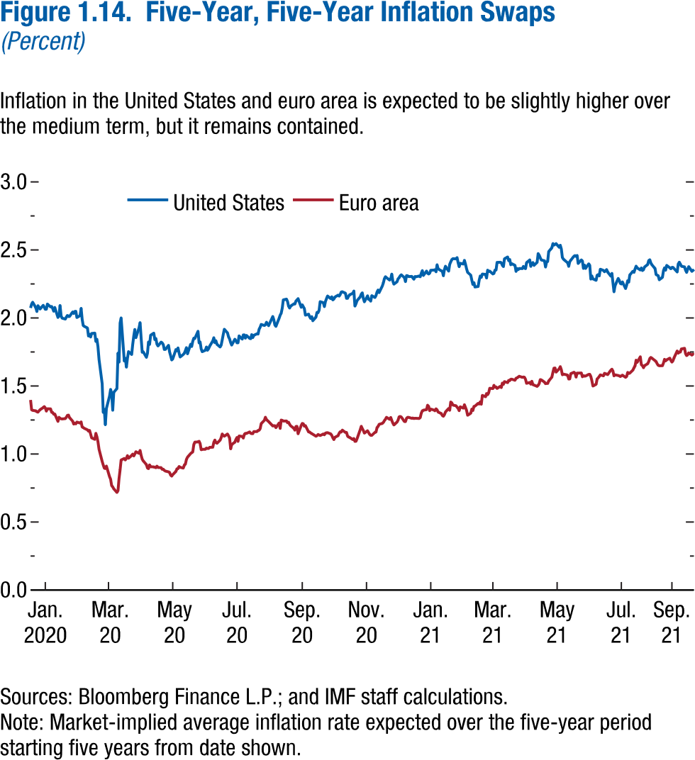
Figure 1.14. Five-Year, Five-Year Inflation Swaps
(Percent)

Data not available

Figure 1.15.
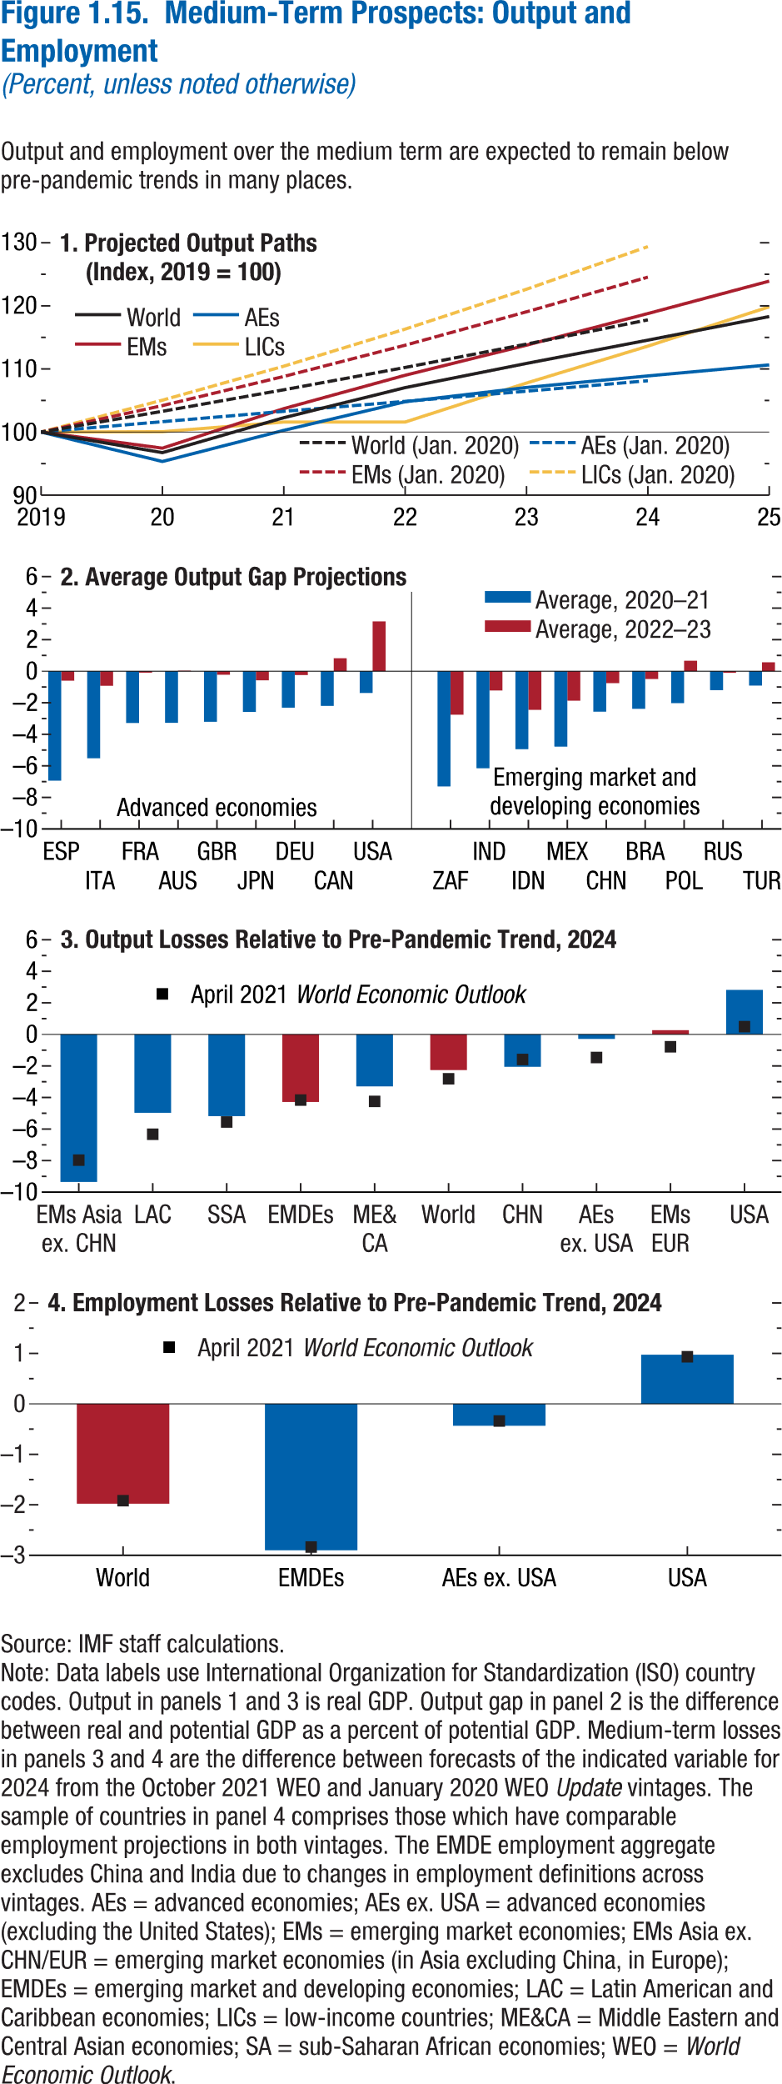
Figure 1.15. Medium-Term Prospects: Output and Employment
(Percent, unless noted otherwise)

1. Projected Output Paths
(Index, 2019 = 100)
 | World | AEs | EMs
2019 | 100.00 | 100.00 | 100.00
2020 | 96.74 | 95.33 | 97.44
2021 | 102.28 | 100.27 | 103.71
2022 | 107.04 | 104.80 | 109.00
2023 | 110.88 | 107.06 | 113.77
2024 | 114.57 | 108.90 | 118.78
2025 | 118.30 | 110.64 | 123.92
...

Figure 1.16.
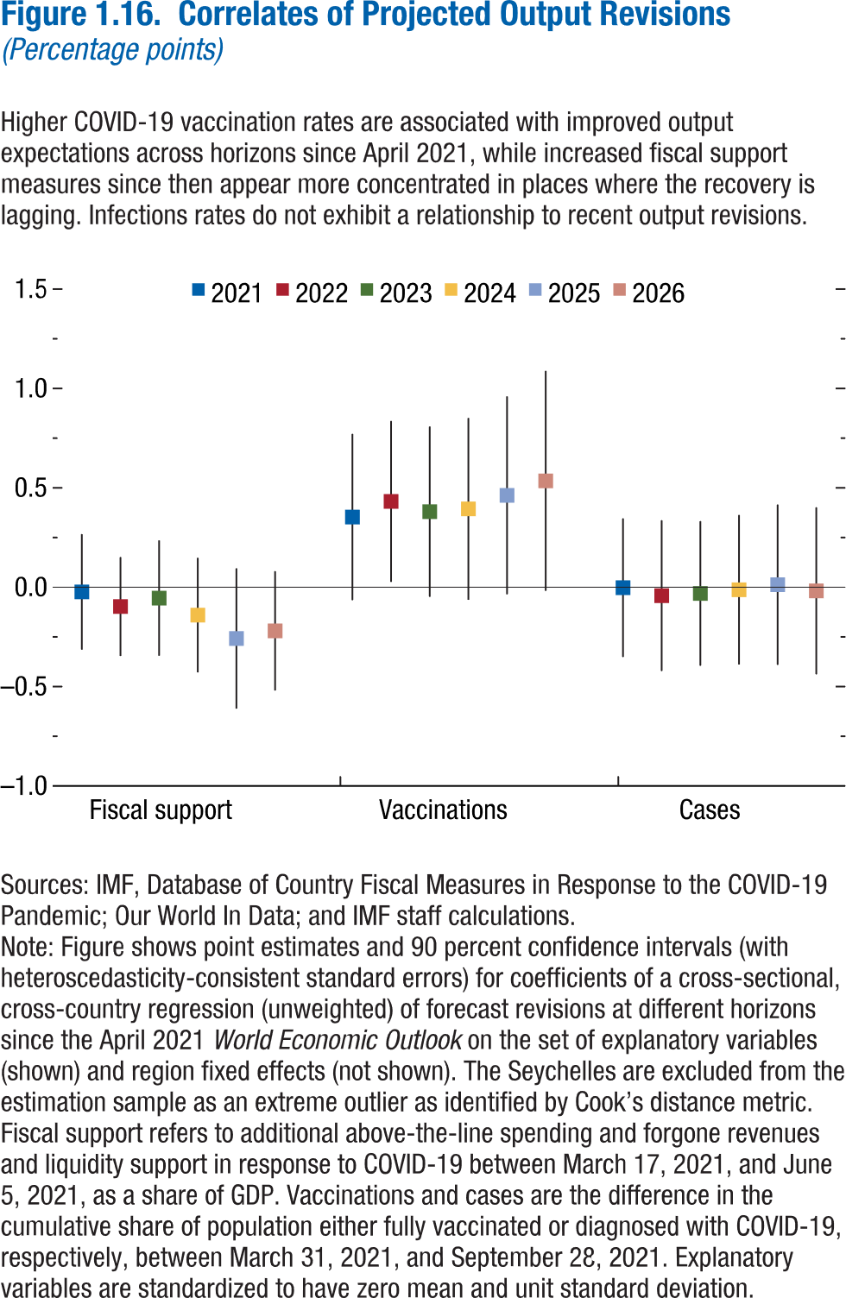
Figure 1.16. World Distribution of Tax-to-GDP Ratio, 2016
Revenue mobilization remains limited in low-income developing countries.
Source: IMF staff estimates.
Note: AEs = advanced economies; EMMIEs = emerging markets and middle-income economies; LIDCs = low-income developing economies.
Figure 1.16. Correlates of Projected Output Revisions
(Percentage points)

 |  | Coefficient | Upper CI
Fiscal support | 2021 | -0.02 | 0.27
 | 2022 | -0.10 | 0.15
 | 2023 | -0.06 | 0.24
 | 2024 | -0.14 | 0.15
 | 2025 | -0.26 | 0.10
 | 2026 | -0.22 | 0.08

Vaccinations | 2021 | 0.35 | 0.77
 | 2022 | 0.43 | 0.84
 | 2023 | 0.38 | 0.81
 | 2024 | 0.39 | 0.85
 | 2025 | 0.46 | 0.96
 | 2026 | 0.54 | 1.09

Cases | 2021 | 0.00 | 0.35
 | 2022 | -0.04 | 0.34
 | 2023 | -0.03 | 0.33
 | 2024 | -0.01 | 0.36
 | 2025 | 0.01 | 0.42
 | 2026 | -0.02 | 0.40

Figure 1.17.
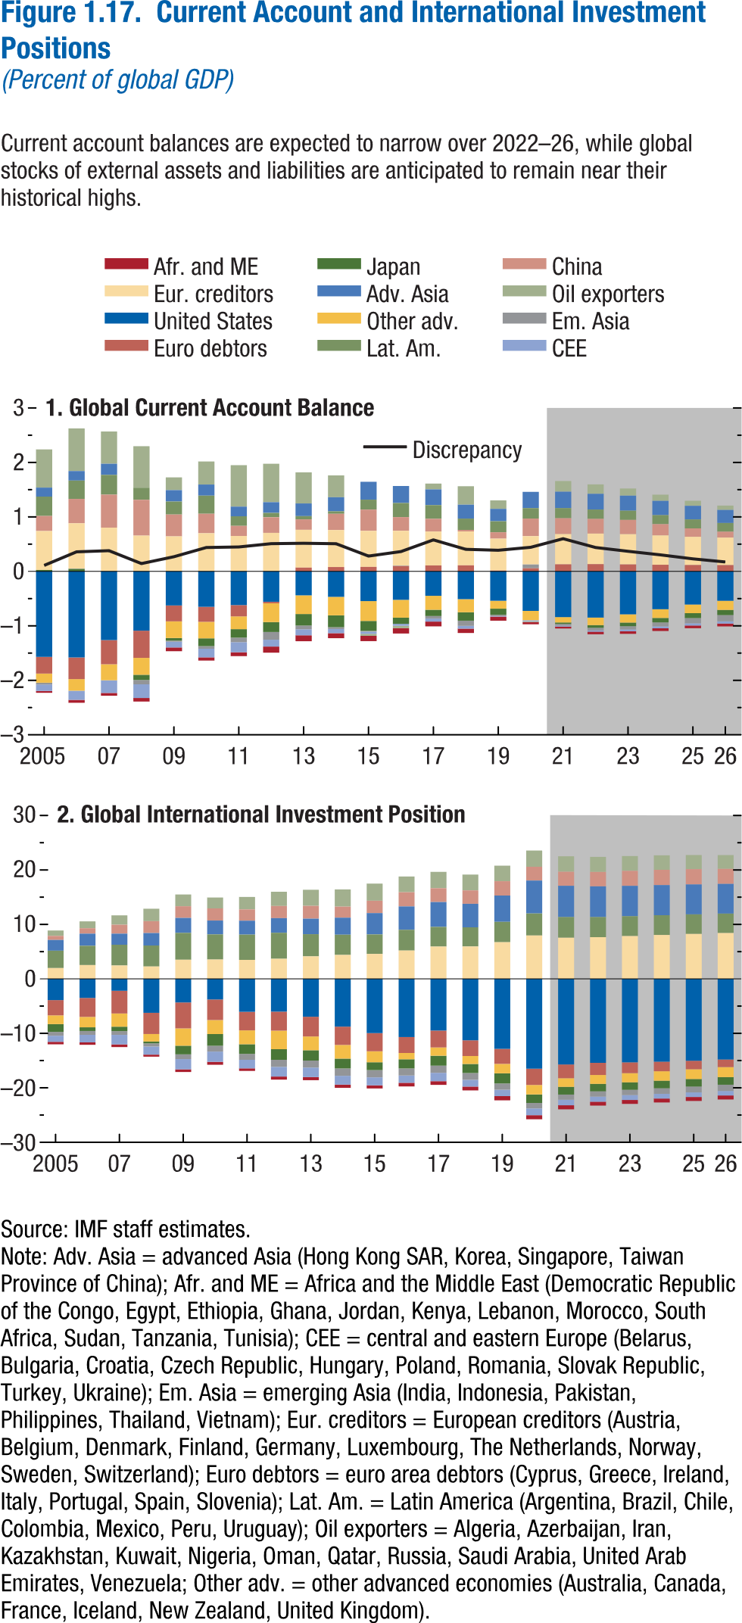
Figure 1.17. Current Account and International Investment Positions
(Percent of global GDP)

1. Global Current Account Balance

 | Afr. and ME | Eur. creditors | United States
2005 | -0.03 | 0.72 | -1.57
2006 | -0.05 | 0.83 | -1.58
2007 | -0.05 | 0.80 | -1.26
2008 | -0.07 | 0.66 | -1.09
2009 | -0.07 | 0.64 | -0.63
2010 | -0.06 | 0.70 | -0.65
2011 | -0.07 | 0.65 | -0.62
2012 | -0.11 | 0.71 | -0.56
2013 | -0.11 | 0.69 | -0.44
2014 | -0.09 | 0.68 | -0.47
2015 | -0.10 | 0.66 | -0.55
2016 | -0.10 | 0.64 | -0.52
2017 | -0.09 | 0.62 | -0.45
2018 | -0.08 | 0.62 | -0.51
2019 | -0.08 | 0.59 | -0.54
2020 | -0.04 | 0.52 | -0.73
2021 | -0.04 | 0.55 | -0.84
2022 | -0.05 | 0.56 | -0.85
2023 | -0.05 | 0.56 | -0.79
2024 | -0.05 | 0.54 | -0.69
2025 | -0.05 | 0.52 | -0.61
2026 | -0.05 | 0.51 | -0.54

Figure 1.18.
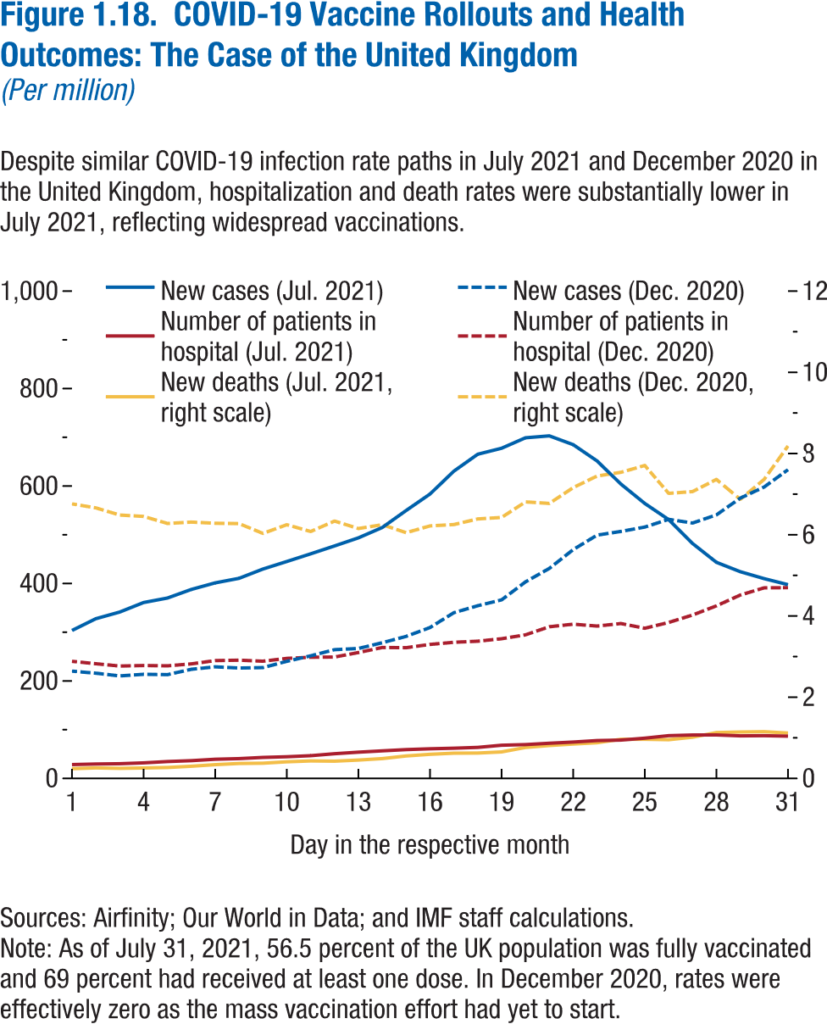
Figure 1.18. COVID-19 Vaccine Rollouts and Health Outcomes: The Case of the United Kingdom
(Per million)

Day | New cases (Jul. 2021) | New cases (Dec. 2020) | Number of patients in hospital (Jul. 2021)
1 | 303.56 | 220.16 | 28.37
2 | 327.74 | 215.90 | 29.52
3 | 341.46 | 210.41 | 30.17
4 | 360.95 | 213.70 | 31.92
5 | 370.17 | 213.04 | 34.65
6 | 387.78 | 224.00 | 36.44
7 | 401.23 | 228.94 | 39.32
8 | 410.60 | 226.60 | 40.60
9 | 429.58 | 227.44 | 43.10
10 | 445.09 | 240.30 | 44.50
11 | 460.84 | 251.67 | 46.64
12 | 477.06 | 264.25 | 50.67
13 | 493.62 | 266.71 | 53.84
14 | 514.92 | 278.50 | 56.51
15 | 549.74 | 291.51 | 59.16
16 | 583.54 | 309.74 | 60.81
17 | 630.57 | 340.19 | 61.96
18 | 665.22 | 354.45 | 63.64
19 | 677.55 | 366.43 | 68.11
20 | 698.99 | 403.35 | 69.43
21 | 702.99 | 431.00 | 72.18
22 | 684.87 | 469.64 | 74.66
23 | 651.50 | 499.28 | 77.67
24 | 604.03 | 506.89 | 78.65
25 | 564.23 | 515.82 | 82.59
26 | 531.11 | 531.69 | 87.77
27 | 482.10 | 524.13 | 89.11
28 | 443.45 | 540.85 | 89.22
...

Figure 1.19.
Figure 1.15. Net Present Value of Future Pension Obligations in Advanced Economies, 2015–50
(Percent of GDP)
In advanced economies, future pension obligations have declined by 25 percent of GDP in the past six years, on average.
Source: IMF staff estimates.
Note: Future obligations are measured as the net present value of future increases in pension spending relative to 2015. For net present value calculations, a discount rate of 1 percent a year in excess of GDP growth is used. To ensure consistency in comparing the data from the two Fiscal Monitor reports, the 2011 estimate is recalculated to cover the same period as the 2016 report, and the 2011 projections are rescaled to start at the same 2015 pension spending value. Data labels in the figure use International Organization for Standardization (ISO) country abbreviations; see “Country Abbreviations” for definitions.
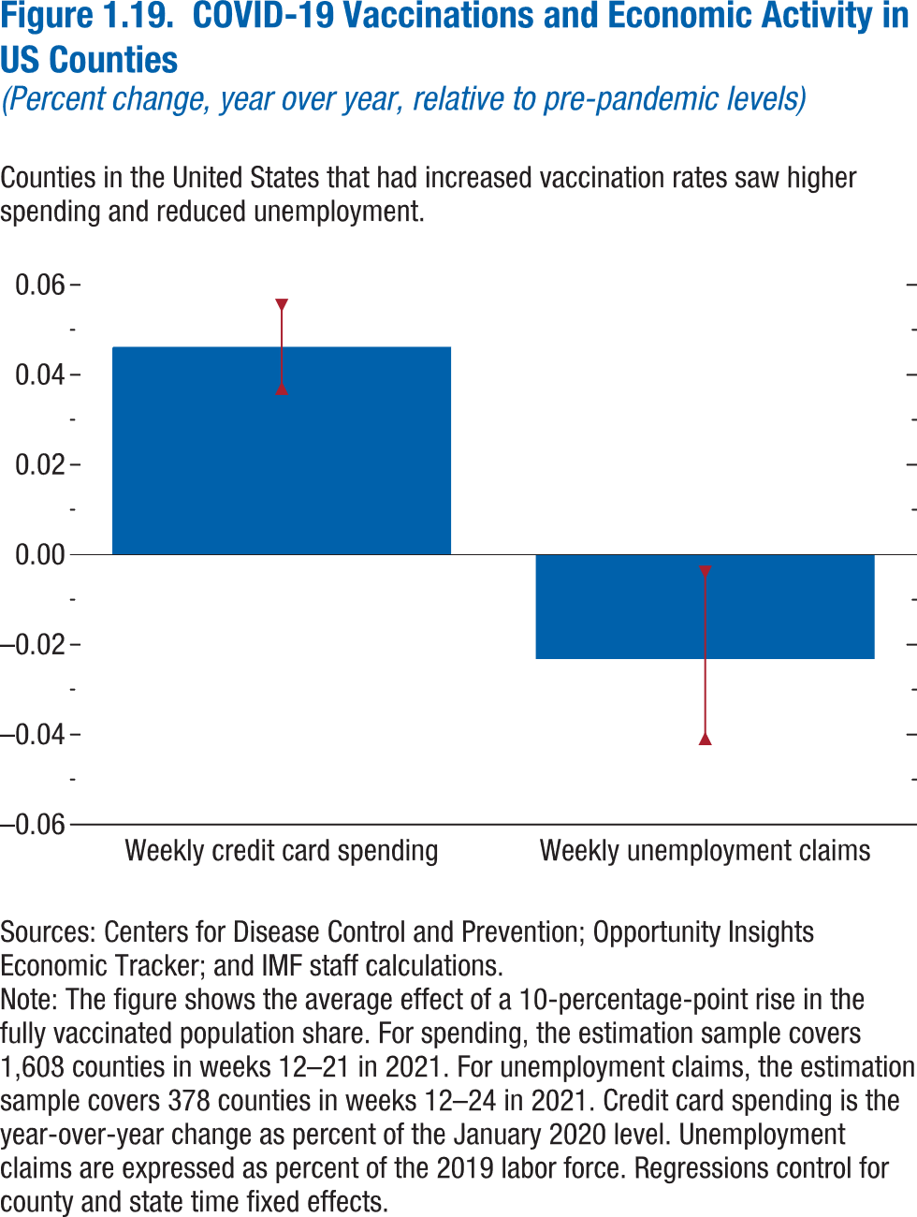
Figure 1.19. COVID-19 Vaccinations and Economic Activity in US Counties
(Percent change, year over year, relative to pre-pandemic levels)

 | Estimate | Upper CI | Lower CI
Weekly credit card spending | 0.046 | 0.055 | 0.037
Weekly unemployment claims | -0.022 | -0.004 | -0.041

Figure 1.20.
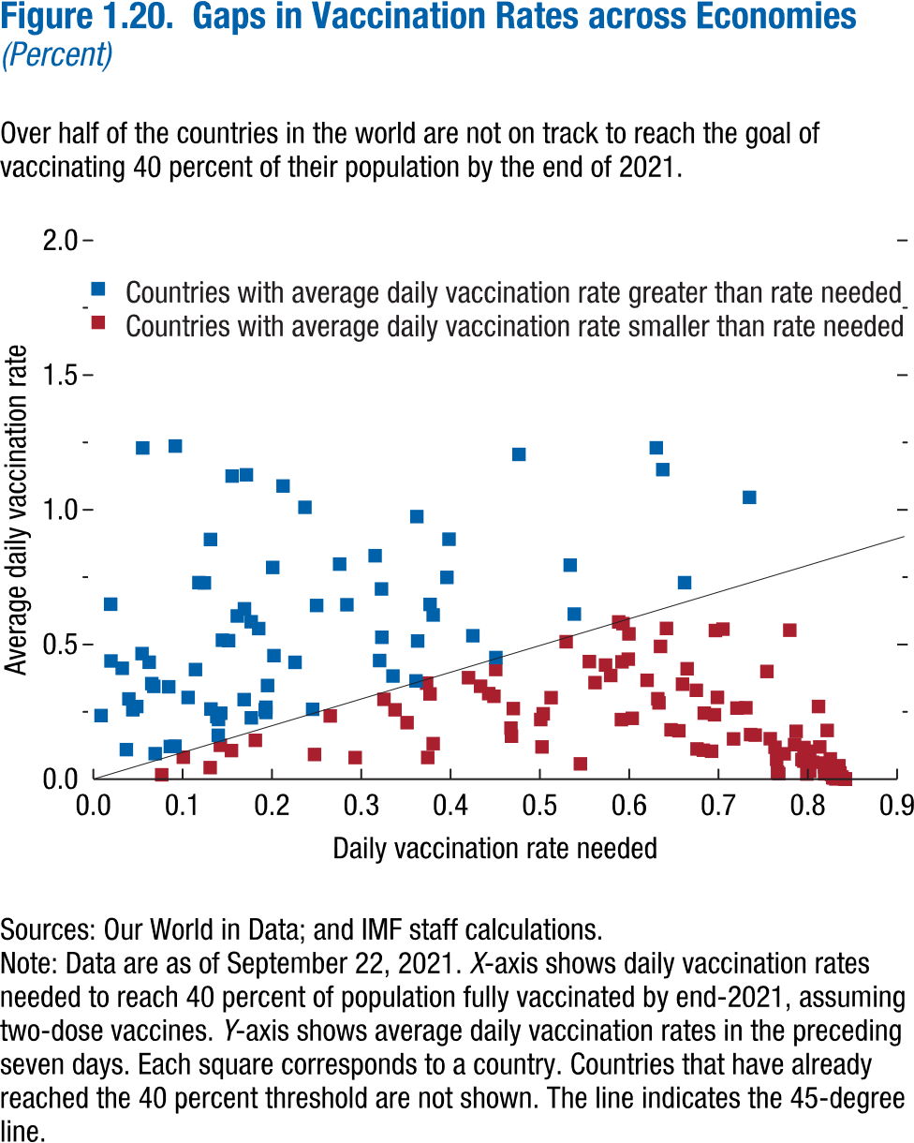
Figure 1.20. Gaps in Vaccination Rates across Economies
(Percent)

 | Countries with average daily vaccination rate greater than rate needed
Country code | Daily vaccination rate needed | Average daily vaccination rate
AND | 0.14 | 0.16
ATG | 0.36 | 0.37
ARG | 0.17 | 0.63
AUS | 0.21 | 1.09
AZE | 0.36 | 0.51
BEL | 0.07 | 0.10
BLZ | 0.36 | 0.98
BIH | 0.64 | 1.15
BRA | 0.12 | 0.73
BRN | 0.24 | 1.01
KHM | 0.06 | 1.23
CAN | 0.04 | 0.26
CPV | 0.32 | 0.71
CHL | 0.03 | 0.41
CHN | 0.04 | 0.30
CRI | 0.17 | 1.13
CUB | 0.05 | 2.42
CYP | 0.14 | 0.22
DNK | 0.04 | 0.11
ECU | 0.19 | 0.26
SLV | 0.20 | 0.46
EST | 0.25 | 0.26
SWZ | 0.66 | 0.73
FJI | 0.16 | 3.13
FIN | 0.06 | 0.44
FRA | 0.07 | 0.35
DEU | 0.14 | 0.23
...

Figure 1.21.
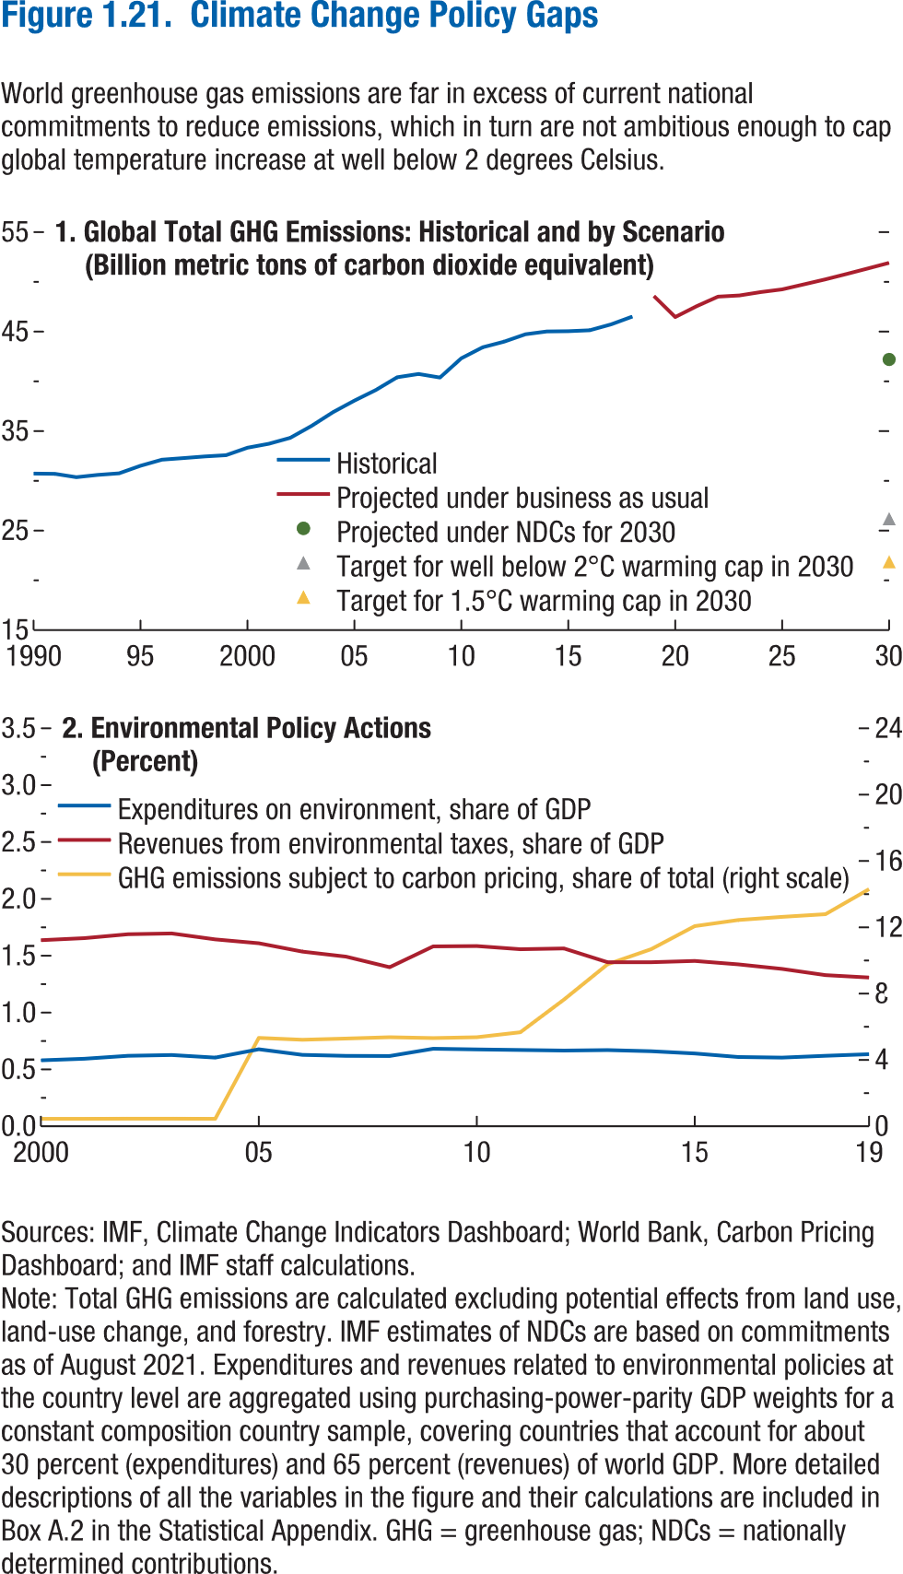
Figure 1.21. Climate Change Policy Gaps

1. Global Total GHG Emissions: Historical and by Scenario
(Billion metric tons of carbon dioxide equivalent)

 | Historical | Projected under business as usual | Projected under NDCs for 2030
1990 | 30.73
1991 | 30.70
1992 | 30.37
1993 | 30.60
1994 | 30.76
1995 | 31.52
1996 | 32.13
1997 | 32.29
1998 | 32.45
1999 | 32.58
2000 | 33.33
2001 | 33.73
2002 | 34.32
2003 | 35.53
2004 | 36.90
2005 | 38.06
2006 | 39.13
2007 | 40.41
2008 | 40.74
2009 | 40.38
2010 | 42.32
2011 | 43.42
2012 | 43.99
2013 | 44.73
2014 | 45.02
2015 | 45.04
2016 | 45.13
2017 | 45.73
2018 | 46.52
2019 |  | 48.58
2020 |  | 46.46
2021 |  | 47.55
2022 |  | 48.51
...

Figure 1.22.
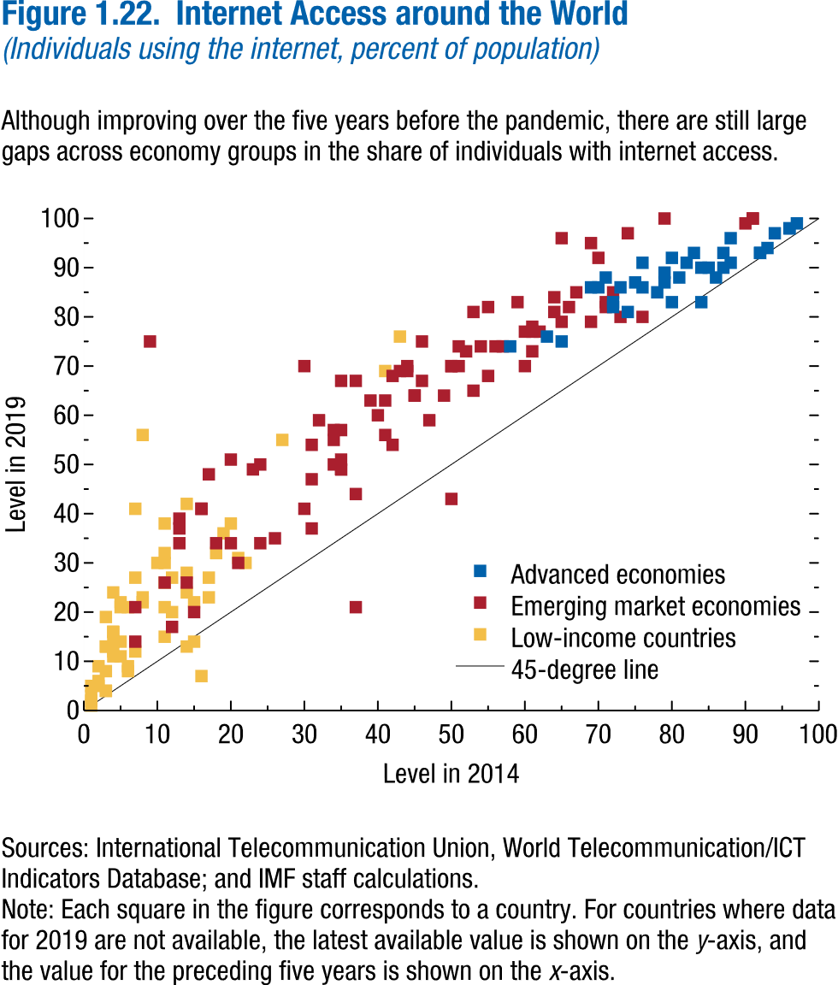
Figure 1.22. Internet Access around the World
(Individuals using the internet, percent of population)

Advanced economies
Country Code | Level in 2014 | Level in 2019
AUS | 79.00 | 86.55
AUT | 81.00 | 87.75
BEL | 85.00 | 90.37
CAN | 83.00 | 92.70
CYP | 69.33 | 86.06
CZE | 74.23 | 80.87
DNK | 95.99 | 98.05
EST | 84.24 | 89.53
FIN | 86.53 | 89.61
FRA | 83.75 | 83.34
DEU | 86.19 | 88.14
GRC | 63.21 | 75.67
HKG | 79.87 | 91.74
ISL | 96.55 | 99.01
IRL | 78.25 | 84.52
ISR | 75.02 | 86.79
ITA | 58.46 | 74.39
JPN | 88.22 | 91.28
KOR | 87.56 | 96.16
LVA | 75.83 | 86.14
LTU | 72.13 | 81.58
LUX | 93.78 | 97.06
MAC | 69.78 | 86.47
MLT | 73.17 | 85.78
NLD | 91.67 | 93.29
NZL | 81.64 | 90.81
...

Figure 1.23.
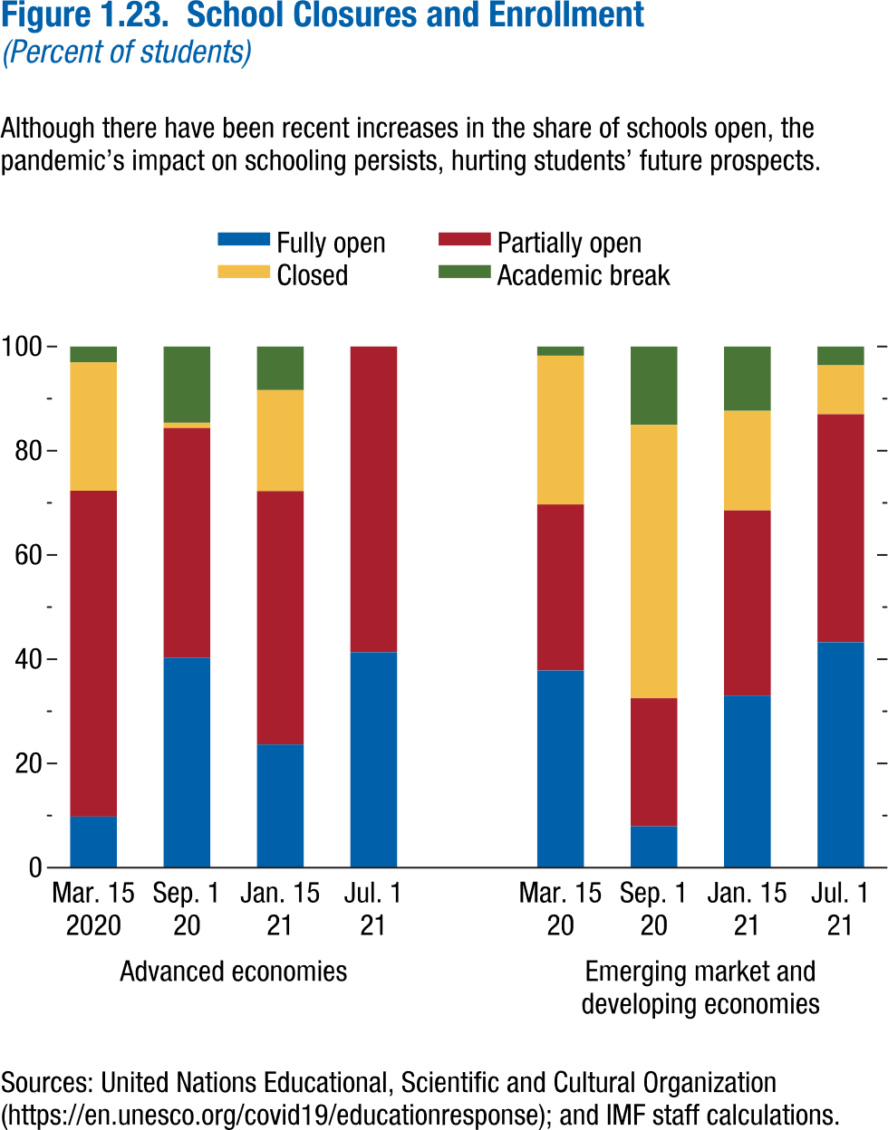
Figure 1.23. School Closures and Enrollment
(Percent of students)

 | Advanced economies
 | 2020-03-15 | 2020-09-01 | 2021-01-15
Fully open | 9.82 | 40.31 | 23.66
Partially open | 62.51 | 44.07 | 48.61
Closed | 24.65 | 1.01 | 19.38
Academic break | 3.03 | 14.62 | 8.36

Scenario Figure 1.2.
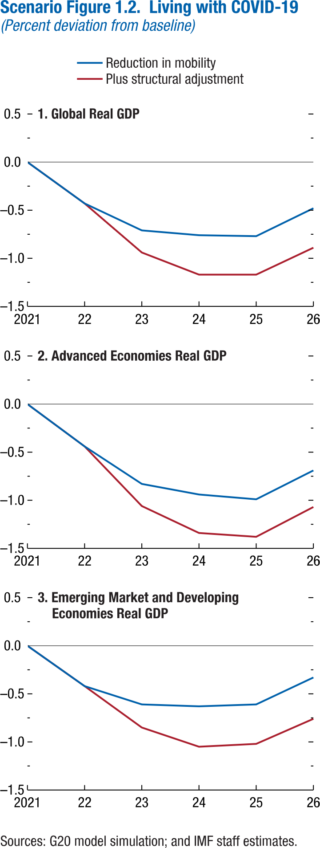
Scenario Figure 1.2. Living with COVID-19
(Percent deviation from baseline)

1. Global Real GDP

 | Reduction in mobility
2021 | 0.00
2022 | -0.43
2023 | -0.71
2024 | -0.76
2025 | -0.77
2026 | -0.48

Figure 1.1.1.
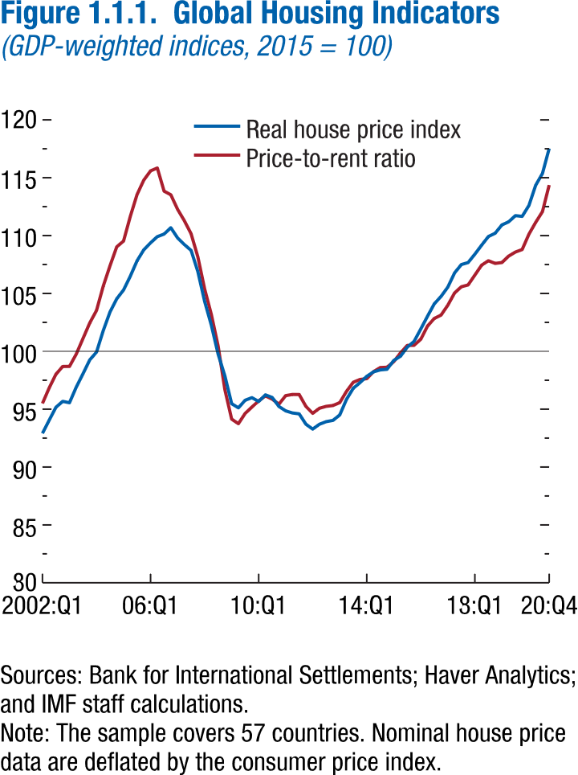
Figure 1.1.1. Global Housing Indicators
(GDP-weighted indices, 2015 = 100)

 | Real house price index
2002Q1 | 92.91
2002Q2 | 94.05
2002Q3 | 95.17
2002Q4 | 95.68
2003Q1 | 95.56
2003Q2 | 96.90
2003Q3 | 98.06
2003Q4 | 99.26
2004Q1 | 99.93
2004Q2 | 101.79
2004Q3 | 103.40
2004Q4 | 104.54
2005Q1 | 105.30
2005Q2 | 106.49
2005Q3 | 107.82
2005Q4 | 108.77
2006Q1 | 109.38
2006Q2 | 109.91
2006Q3 | 110.13
2006Q4 | 110.68
2007Q1 | 109.80
2007Q2 | 109.23
2007Q3 | 108.72
...

Figure 1.1.2.
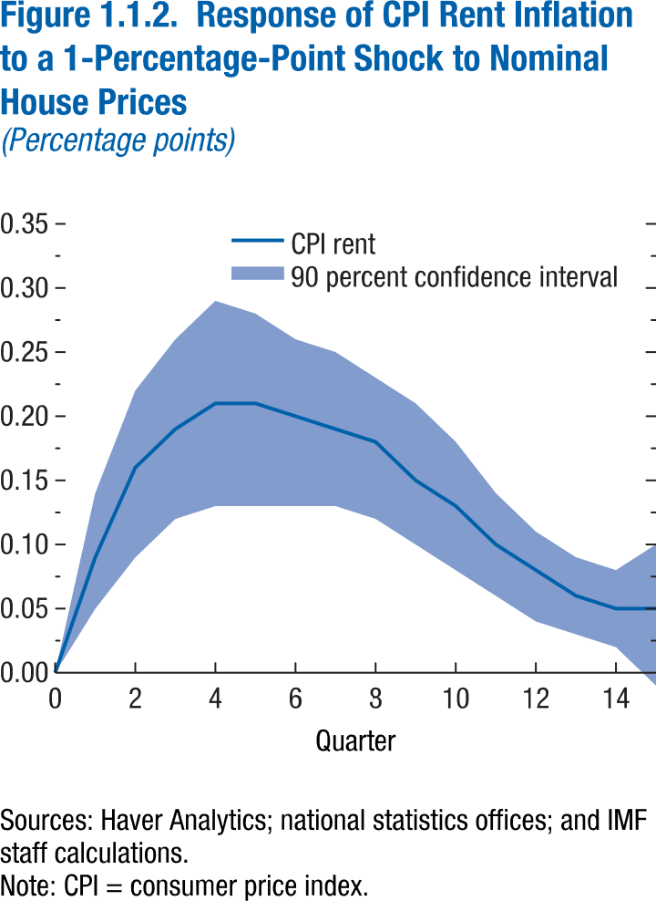
...

Figure 1.2.1.
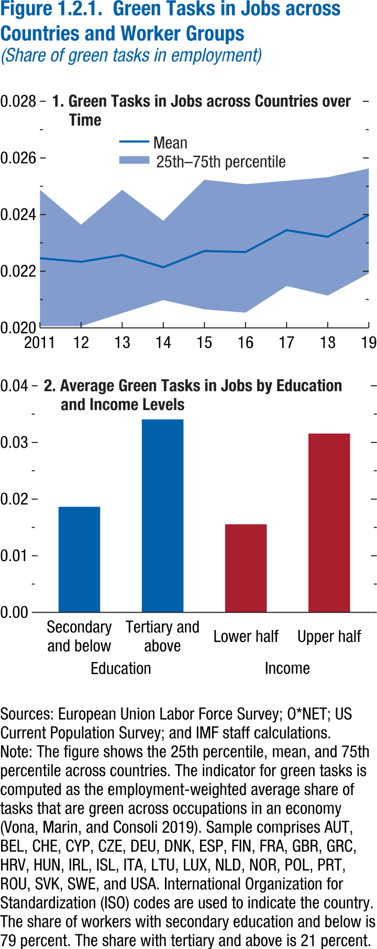
Figure 1.2.1. Green Tasks in Jobs across Countries and Worker Groups
(Share of green tasks in employment)

1. Green Tasks in Jobs across Countries over Time

 | Mean
2011 | 0.023
2012 | 0.022
2013 | 0.023
2014 | 0.022
2015 | 0.023
2016 | 0.023
2017 | 0.024
2018 | 0.023
2019 | 0.024

Figure 1.2.2.
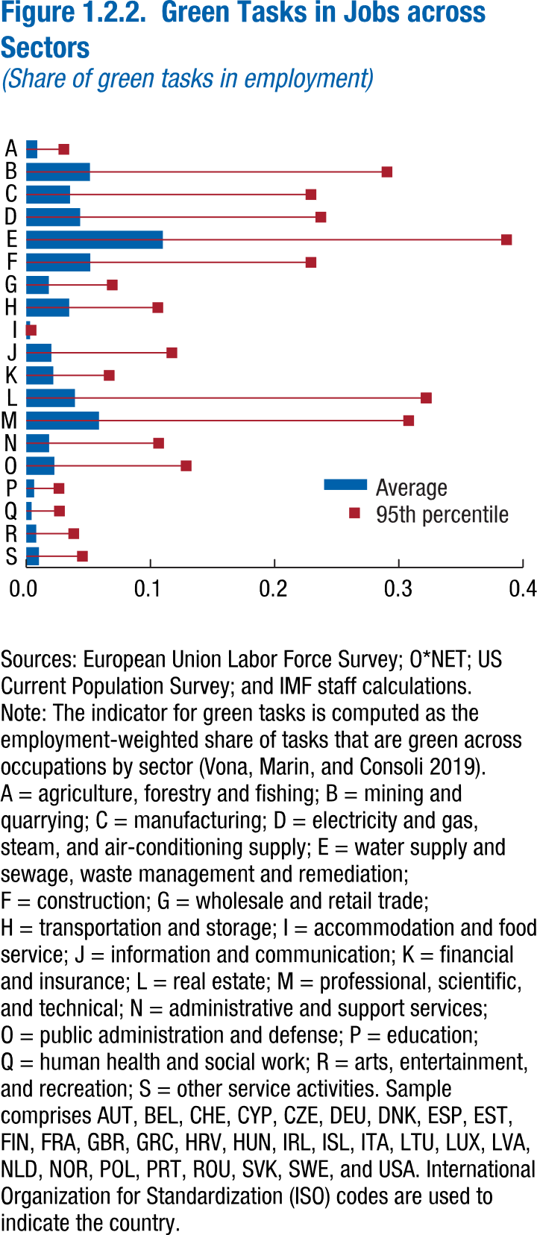
Figure 1.2.2. Green Tasks in Jobs across Sectors
(Share of green tasks in employment)

Sector
A | agriculture, forestry and fishing
B | mining and quarrying
C | manufacturing
D | electricity and gas, steam, and air-conditioning supply
E | water supply and sewage, waste management and remediation
F | construction
G | wholesale and retail trade
H | transportation and storage
I | accommodation and food service
J | information and communication
K | financial and insurance
L | real estate
M | professional, scientific, and technical
N | administrative and support services
O | public administration and defence
P | education
Q | human health and social work
R | arts, entertainment, and recreation
S | other service activities

Figure 1.3.1
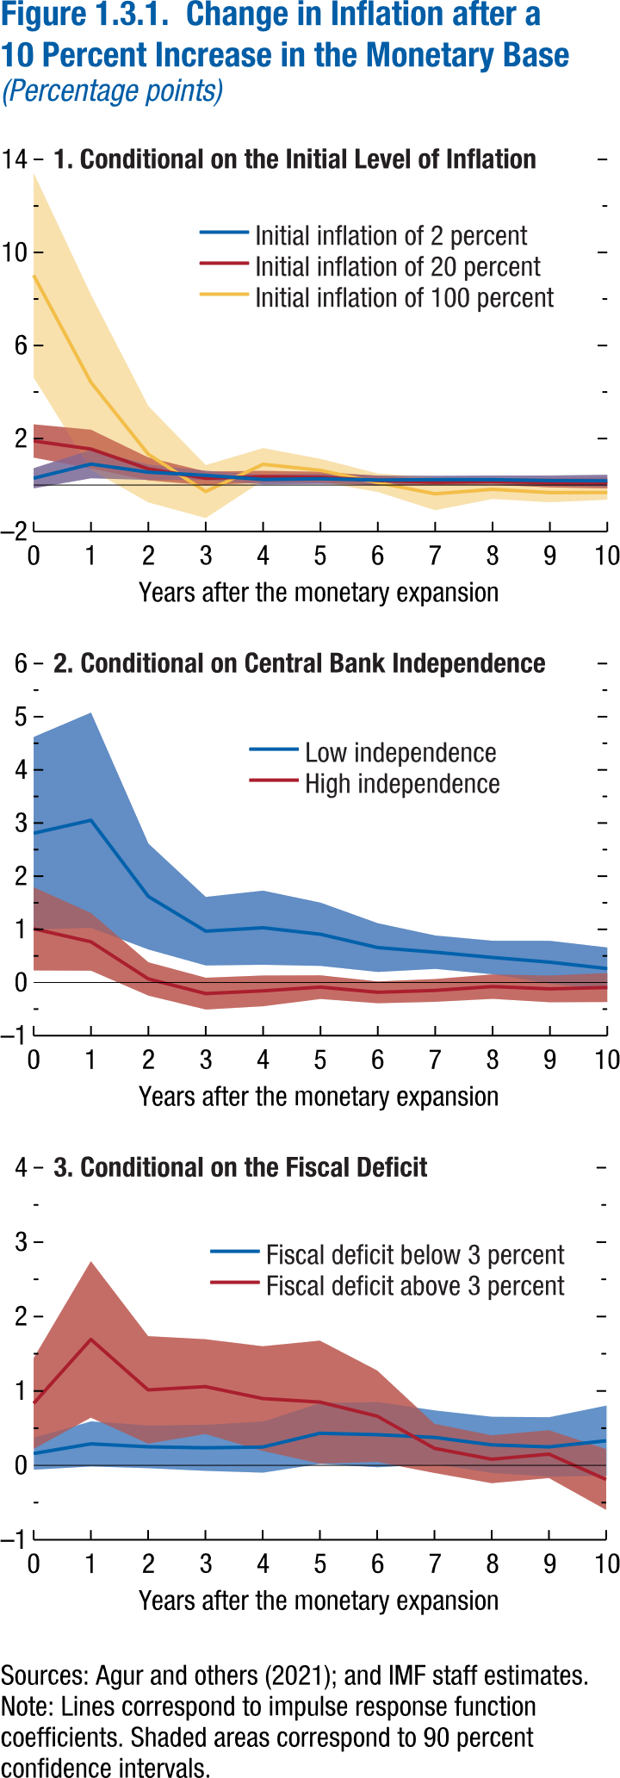
Figure 1.3.1. Change in Inflation after a 10 Percent Increase in the Monetary Base
(Percentage points)

1. Conditional on the Initial Level of Inflation

Years after the monetary expansion | Initial inflation of 2 percent
 | Coefficient
0 | 0.29
1 | 0.90
2 | 0.55
3 | 0.42
4 | 0.24
5 | 0.27
6 | 0.22
7 | 0.23
8 | 0.23
9 | 0.19
10 | 0.18

Figure 1.SF.1.
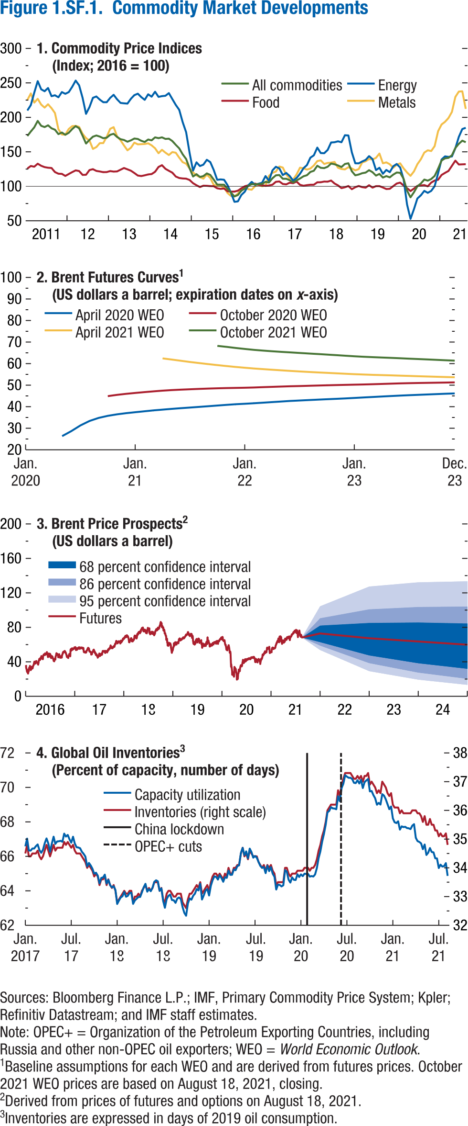
Figure 1.SF.1. Commodity Market Developments

1. Commodity Price Indices
(Index, 2016 = 100)

 | All commodities | Metals | Food
2011M1 | 172.98 | 225.06 | 125.78
2011M2 | 179.47 | 234.69 | 129.47
2011M3 | 185.47 | 221.39 | 128.42
2011M4 | 194.87 | 226.95 | 132.80
2011M5 | 187.74 | 218.57 | 129.80
2011M6 | 185.94 | 214.19 | 127.85
2011M7 | 188.47 | 219.01 | 126.96
2011M8 | 184.13 | 213.30 | 126.56
2011M9 | 182.11 | 206.27 | 120.64
2011M10 | 175.68 | 182.79 | 118.25
2011M11 | 178.04 | 175.18 | 118.06
2011M12 | 174.76 | 174.89 | 115.08
2012M1 | 177.62 | 183.22 | 117.84
2012M2 | 183.13 | 187.27 | 120.59
2012M3 | 187.23 | 187.70 | 123.10
2012M4 | 184.23 | 186.18 | 122.17
2012M5 | 173.35 | 176.15 | 116.53
2012M6 | 162.08 | 169.98 | 116.76
2012M7 | 167.31 | 166.36 | 123.56
2012M8 | 171.97 | 154.21 | 124.88
2012M9 | 173.71 | 156.92 | 122.34
2012M10 | 172.10 | 162.63 | 121.51
2012M11 | 169.75 | 162.69 | 120.53
2012M12 | 170.54 | 171.85 | 120.67
2013M1 | 174.69 | 183.41 | 122.10
2013M2 | 176.18 | 185.81 | 121.34
2013M3 | 171.59 | 172.56 | 121.60
2013M4 | 168.32 | 166.77 | 124.08
2013M5 | 167.17 | 159.24 | 126.58
2013M6 | 164.70 | 152.21 | 124.60
2013M7 | 166.67 | 155.92 | 122.61
2013M8 | 169.31 | 163.36 | 119.29
2013M9 | 168.68 | 160.86 | 115.60
2013M10 | 166.01 | 161.12 | 114.90
2013M11 | 164.30 | 161.39 | 115.96
2013M12 | 167.89 | 162.38 | 117.22
2014M1 | 166.69 | 159.43 | 117.76
2014M2 | 170.99 | 155.16 | 121.05
2014M3 | 169.83 | 147.98 | 128.10
2014M4 | 171.00 | 152.95 | 130.64
2014M5 | 168.76 | 148.83 | 125.38
2014M6 | 169.07 | 145.35 | 122.51
2014M7 | 165.68 | 149.67 | 119.79
2014M8 | 160.14 | 148.72 | 114.20
...

Figure 1.SF.2.
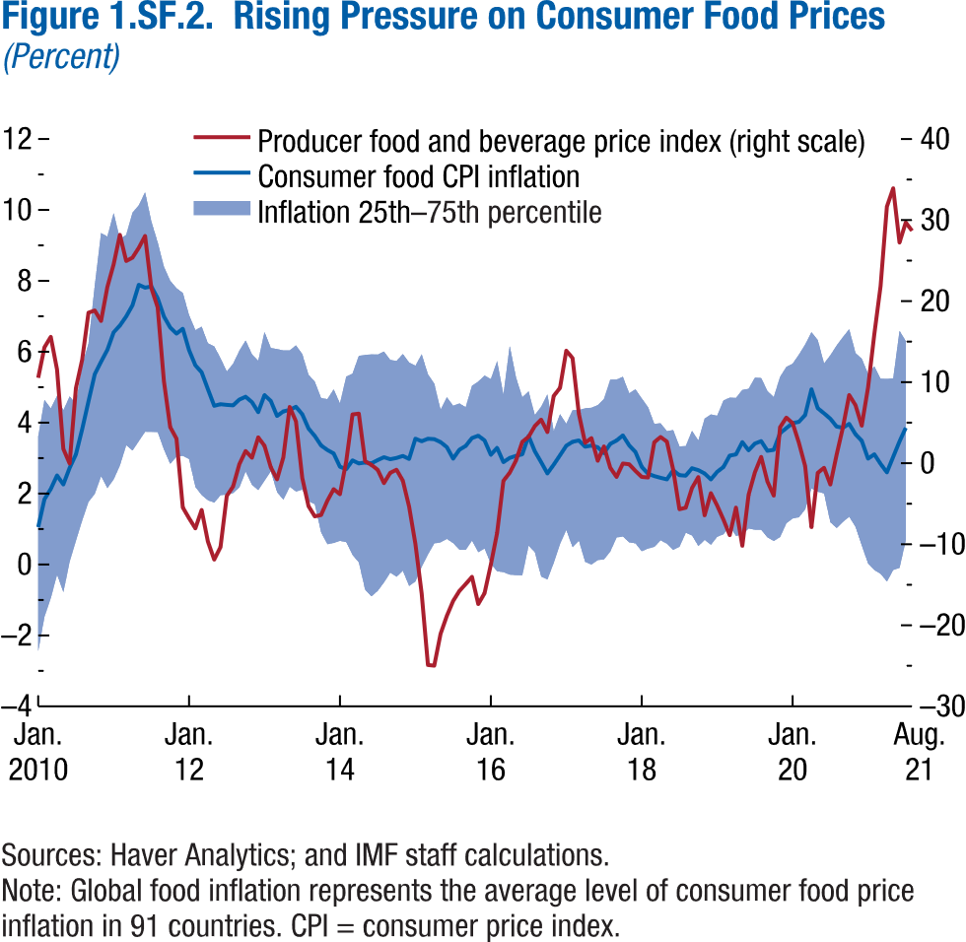
Figure 1.SF.2. Rising Pressure on Consumer Food Prices
(Percent)

Date | Producer food and beverage price index | Consumer food CPI inflation | 75 percentile of inflation
2010M1 | 10.54 | 1.05 | 3.61
2010M2 | 14.30 | 1.84 | 4.64
2010M3 | 15.59 | 2.13 | 4.40
2010M4 | 11.56 | 2.51 | 4.76
2010M5 | 1.77 | 2.26 | 4.35
2010M6 | -0.04 | 2.72 | 4.74
2010M7 | 9.26 | 3.10 | 4.54
2010M8 | 12.78 | 3.82 | 5.62
2010M9 | 18.57 | 4.60 | 6.24
2010M10 | 18.84 | 5.37 | 7.87
2010M11 | 17.55 | 5.72 | 9.35
2010M12 | 21.74 | 6.05 | 9.25
2011M1 | 24.53 | 6.55 | 9.91
2011M2 | 28.17 | 6.74 | 9.19
2011M3 | 24.95 | 7.00 | 9.30
2011M4 | 25.36 | 7.31 | 9.92
2011M5 | 26.57 | 7.89 | 10.13
2011M6 | 28.04 | 7.81 | 10.50
2011M7 | 21.61 | 7.84 | 9.67
2011M8 | 19.23 | 7.51 | 9.09
2011M9 | 10.12 | 6.99 | 8.40
2011M10 | 4.45 | 6.69 | 8.00
2011M11 | 3.03 | 6.51 | 7.79
...

Figure 1.SF.3.
Figure 1.11. Measures of Infrastructure Access, 2015 or Latest Year Available
Better access to infrastructure, particularly among emerging market and
developing economies, is critical to support long-term growth.
Source: World Bank, World Development Indicator.
Note: Units vary to fit scale: Public education infrastructure is measured as secondary teachers per 1,000 persons; electricity production per capita as thousands of kilowatt-hours per person; roads per capita as kilometers per 1,000 persons; public health infrastructure as hospital beds per 1,000 persons; and access to treated water as percentage of the population. AEs = advanced economies; EMMIEs = emerging markets and middle-income economies; LIDCs = low-income developing economies.
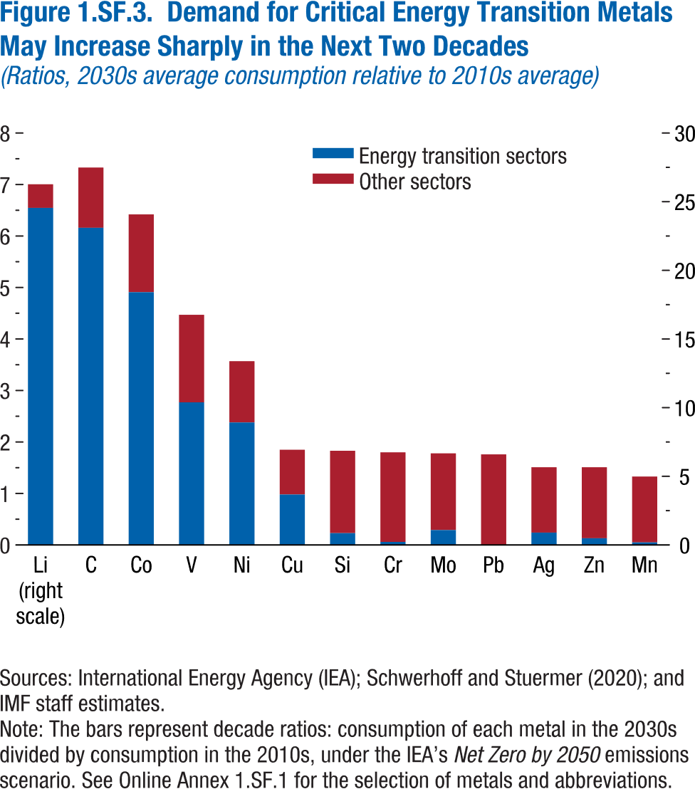
Figure 1.SF.3. Demand for Critical Energy Transition Metals May Increase Sharply in the Next Two Decades
(Ratios, 2030s average consumption relative to 2010s average)

Metal abbreviation | Energy transition sectors | Other sectors
Li | 24.6 | 1.7
C | 6.2 | 1.2
Co | 4.9 | 1.5
V | 2.8 | 1.7
Ni | 2.4 | 1.2
Cu | 1.0 | 0.9
Si | 0.2 | 1.6
Cr | 0.1 | 1.7
Mo | 0.3 | 1.5
Pb | 0.0 | 1.8
Ag | 0.2 | 1.3
Zn | 0.1 | 1.4
Mn | 0.1 | 1.3

Figure 1.SF.4.
Figure 1.11. Measures of Infrastructure Access, 2015 or Latest Year Available
Better access to infrastructure, particularly among emerging market and
developing economies, is critical to support long-term growth.
Source: World Bank, World Development Indicator.
Note: Units vary to fit scale: Public education infrastructure is measured as secondary teachers per 1,000 persons; electricity production per capita as thousands of kilowatt-hours per person; roads per capita as kilometers per 1,000 persons; public health infrastructure as hospital beds per 1,000 persons; and access to treated water as percentage of the population. AEs = advanced economies; EMMIEs = emerging markets and middle-income economies; LIDCs = low-income developing economies.
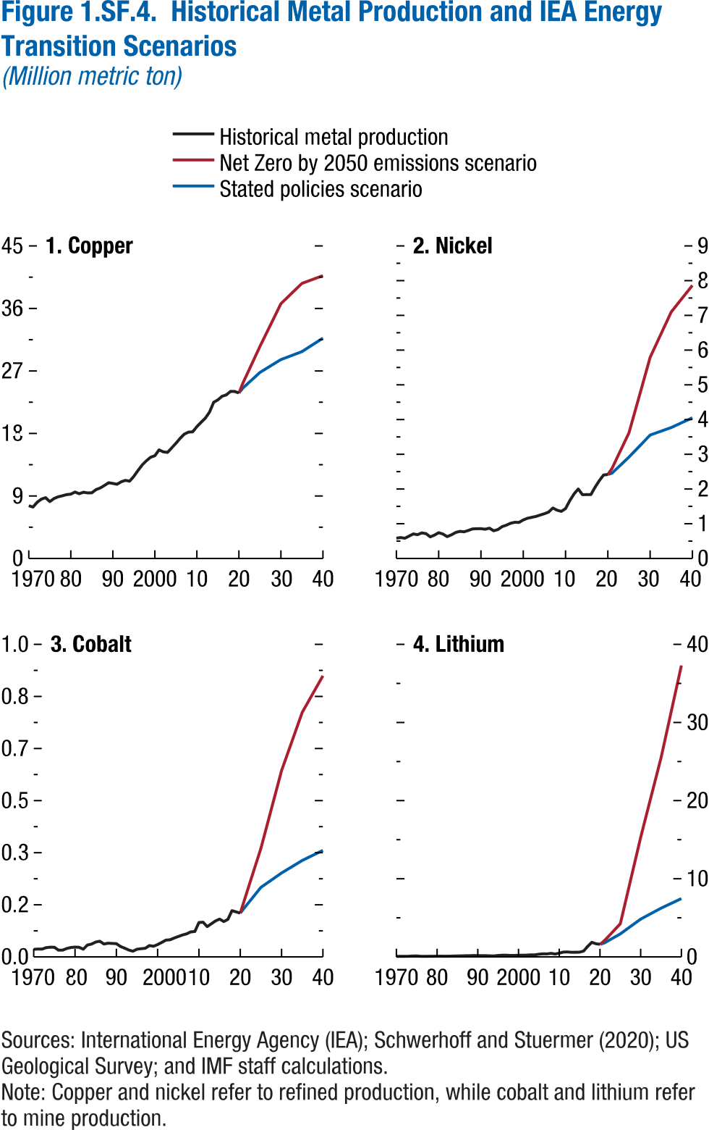
Figure 1.SF.4. Historical Metal Production and IEA Energy Transition Scenarios

Data not available

Figure 1.SF.5.
Figure 1.11. Measures of Infrastructure Access, 2015 or Latest Year Available
Better access to infrastructure, particularly among emerging market and
developing economies, is critical to support long-term growth.
Source: World Bank, World Development Indicator.
Note: Units vary to fit scale: Public education infrastructure is measured as secondary teachers per 1,000 persons; electricity production per capita as thousands of kilowatt-hours per person; roads per capita as kilometers per 1,000 persons; public health infrastructure as hospital beds per 1,000 persons; and access to treated water as percentage of the population. AEs = advanced economies; EMMIEs = emerging markets and middle-income economies; LIDCs = low-income developing economies.
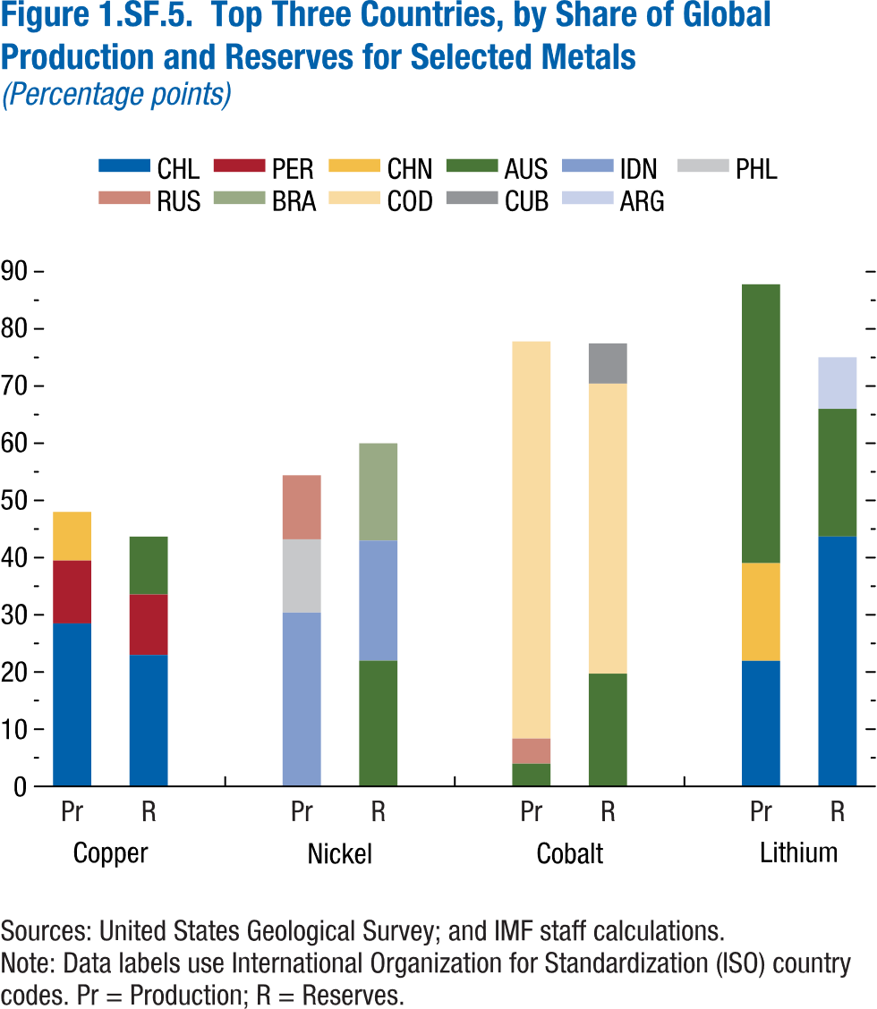
Figure 1.SF.5. Top Three Countries by Share of Global Production and Reserves for Selected Metals
(Percentage points)

Copper
Production |  | Reserves
Country code | Value | Country code | Value
CHL | 28.50 | CHL | 22.99
PER | 11.00 | PER | 10.57
CHN | 8.50 | AUS | 10.11

Figure 1.SF.6.
Figure 1.11. Measures of Infrastructure Access, 2015 or Latest Year Available
Better access to infrastructure, particularly among emerging market and
developing economies, is critical to support long-term growth.
Source: World Bank, World Development Indicator.
Note: Units vary to fit scale: Public education infrastructure is measured as secondary teachers per 1,000 persons; electricity production per capita as thousands of kilowatt-hours per person; roads per capita as kilometers per 1,000 persons; public health infrastructure as hospital beds per 1,000 persons; and access to treated water as percentage of the population. AEs = advanced economies; EMMIEs = emerging markets and middle-income economies; LIDCs = low-income developing economies.
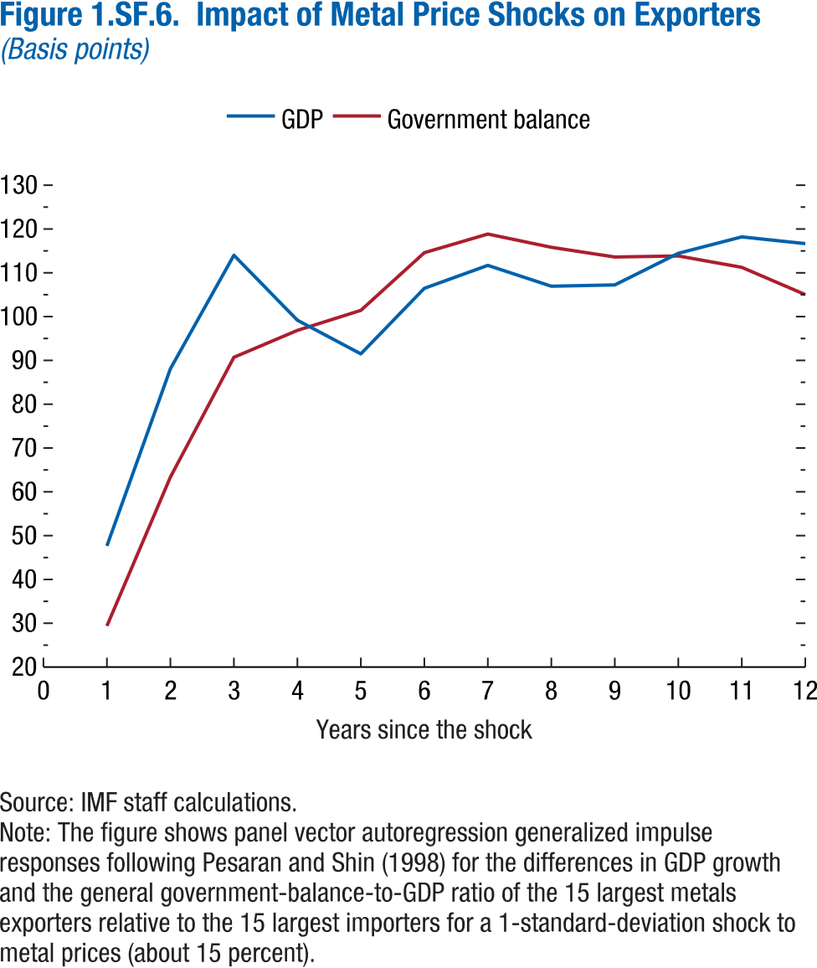
Figure 1.SF.6. Impact of Metal Price Shocks on Exporters
(Basis points)

Years since the shock | GDP | Government balance
1 | 47.65 | 29.38
2 | 88.09 | 63.36
3 | 114.01 | 90.71
4 | 99.18 | 96.85
5 | 91.49 | 101.43
6 | 106.46 | 114.59
7 | 111.70 | 118.84
8 | 106.94 | 115.82
9 | 107.24 | 113.61
10 | 114.46 | 113.84
11 | 118.20 | 111.25
12 | 116.66 | 105.02

Figure 1.SF.7.
Figure 1.11. Measures of Infrastructure Access, 2015 or Latest Year Available
Better access to infrastructure, particularly among emerging market and
developing economies, is critical to support long-term growth.
Source: World Bank, World Development Indicator.
Note: Units vary to fit scale: Public education infrastructure is measured as secondary teachers per 1,000 persons; electricity production per capita as thousands of kilowatt-hours per person; roads per capita as kilometers per 1,000 persons; public health infrastructure as hospital beds per 1,000 persons; and access to treated water as percentage of the population. AEs = advanced economies; EMMIEs = emerging markets and middle-income economies; LIDCs = low-income developing economies.
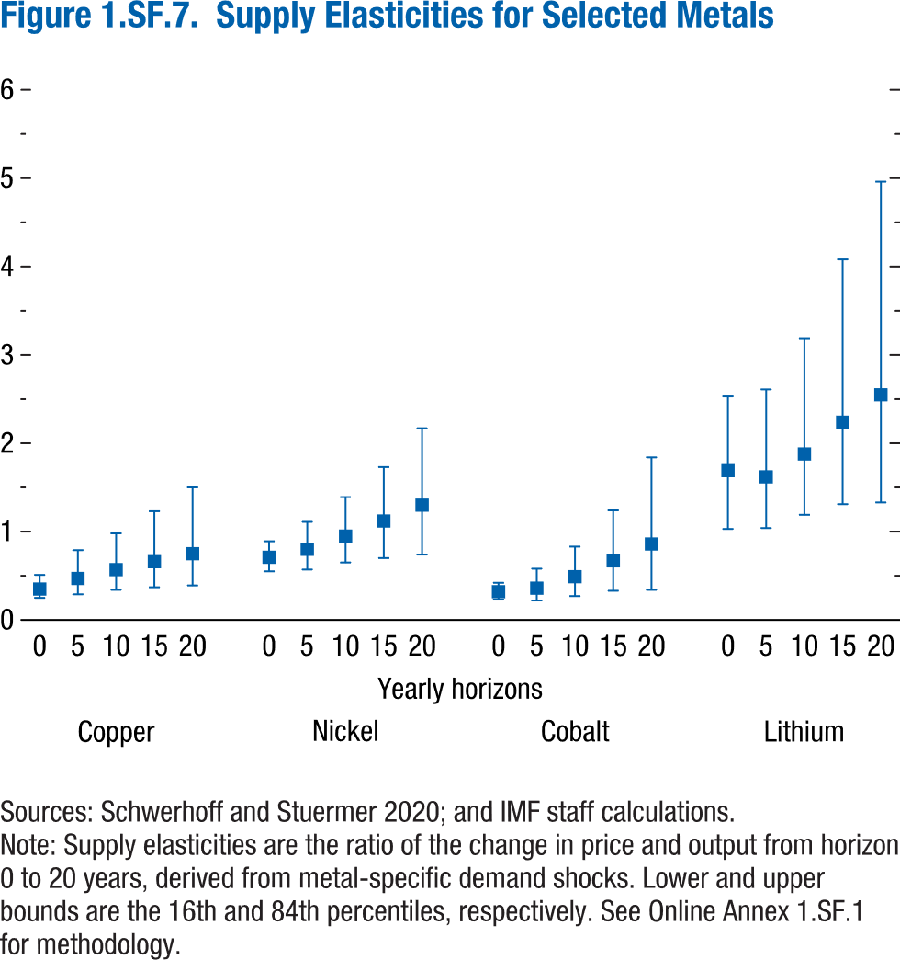
Figure 1.SF.7. Supply Elasticities for Selected Metals

 | Copper
Yearly horizons | Median | Upper bound | Lower bound
0 | 0.35 | 0.51 | 0.25
5 | 0.47 | 0.79 | 0.29
10 | 0.57 | 0.98 | 0.34
15 | 0.66 | 1.23 | 0.37
20 | 0.75 | 1.50 | 0.39

Figure 1.SF.8.
Figure 1.11. Measures of Infrastructure Access, 2015 or Latest Year Available
Better access to infrastructure, particularly among emerging market and
developing economies, is critical to support long-term growth.
Source: World Bank, World Development Indicator.
Note: Units vary to fit scale: Public education infrastructure is measured as secondary teachers per 1,000 persons; electricity production per capita as thousands of kilowatt-hours per person; roads per capita as kilometers per 1,000 persons; public health infrastructure as hospital beds per 1,000 persons; and access to treated water as percentage of the population. AEs = advanced economies; EMMIEs = emerging markets and middle-income economies; LIDCs = low-income developing economies.
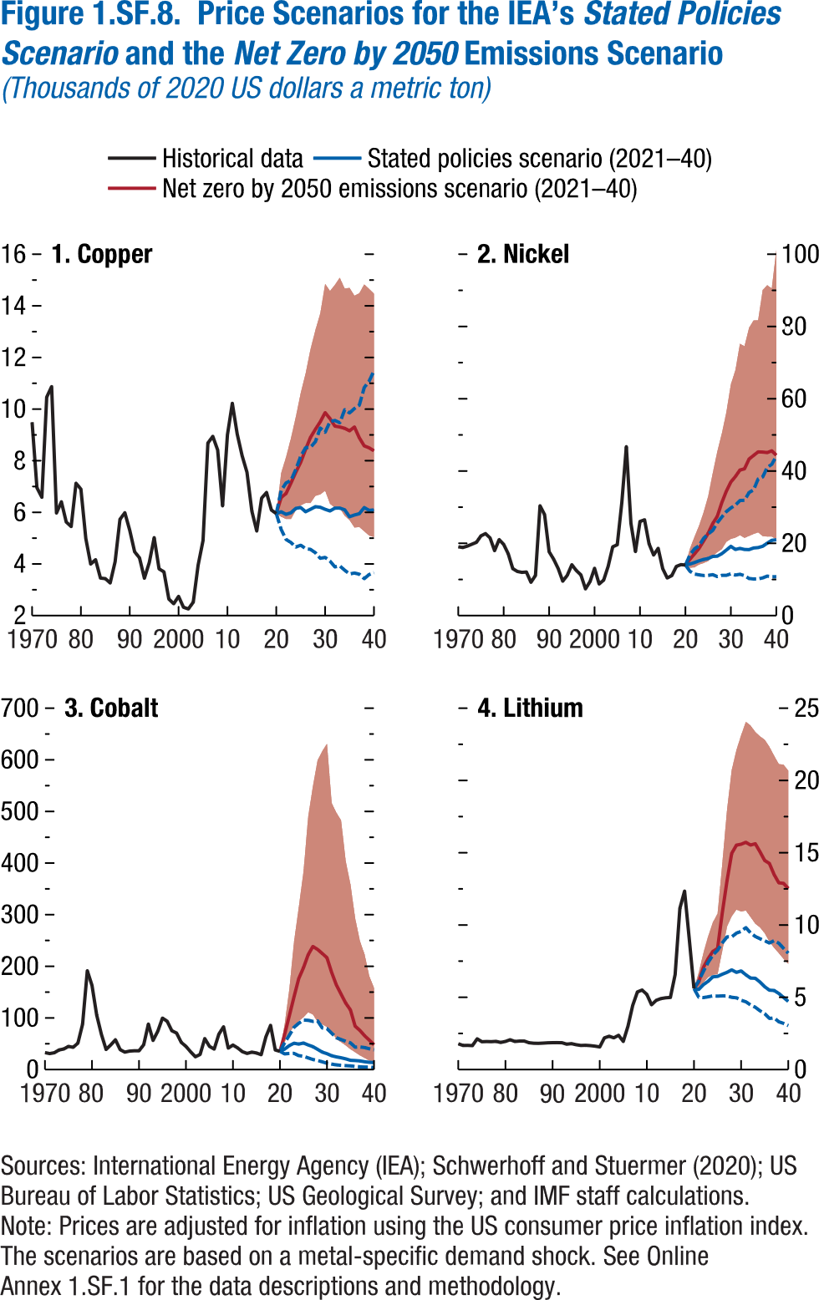
Figure 1.SF.8. Price Scenarios for the IEA's Stated Policies Scenario and the Net Zero Emissions Scenario
(Thousands of 2020 US dollars a metric ton)

1. Copper

 | Historical price | Net zero emissions scenario (2021-2040)
Year |  | Price
1970 | 9.49
1971 | 6.95
1972 | 6.58
1973 | 10.46
1974 | 10.87
1975 | 5.97
1976 | 6.41
1977 | 5.62
1978 | 5.45
1979 | 7.13
1980 | 6.90
1981 | 4.99
1982 | 4.00
1983 | 4.16
1984 | 3.45
1985 | 3.43
1986 | 3.26
1987 | 4.09
1988 | 5.73
1989 | 5.98
1990 | 5.30
1991 | 4.47
1992 | 4.24
1993 | 3.45
1994 | 4.06
1995 | 5.02
1996 | 3.81
1997 | 3.69
1998 | 2.64
1999 | 2.46
2000 | 2.74
...

