WEO Update January 2021
 |  |  | 2021-01-26

International Monetary Fund
World Economic Outlook
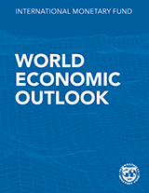

January 2021

World Economic Outlook Update

This datafile includes tables, charts, and underlying data from the January 2021 World Economic Outlook Update. When using the data, please refer to the
IMF, World Economic Outlook Update, January 2021.

 | Please submit any questions using | WEO Data Question Form

Figure 1
World Economic Outlook, January 2021 Update

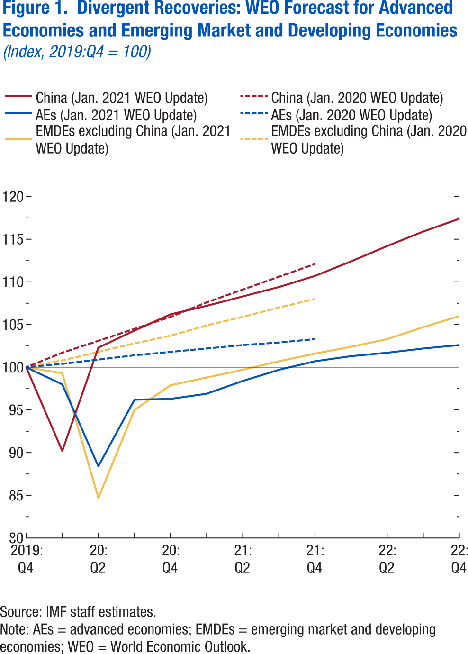
 | Figure 1. Divergent Recoveries: WEO Forecast for Advanced Economies and Emerging Market and Developing Economies
 | (Index, 2019:Q4 = 100)

 |  | China (Jan. 2021 WEO Update) | China (Jan. 2020 WEO Update) | AEs (Jan. 2021 WEO Update) | AEs (Jan. 2020 WEO Update) | EMDEs excluding China (Jan. 2021 WEO Update) | EMDEs excluding China (Jan. 2020 WEO Update)
 | 2019:Q4 | 100.0 | 100.0 | 100.0 | 100.0 | 100.0 | 100.0
 | 2020:Q1 | 90.2 | 101.7 | 98.0 | 100.4 | 99.3 | 100.8
 | 2020:Q2 | 102.3 | 103.1 | 88.4 | 100.9 | 84.7 | 101.8
 | 2020:Q3 | 104.3 | 104.5 | 96.2 | 101.4 | 95.0 | 102.8
 | 2020:Q4 | 106.2 | 105.9 | 96.3 | 101.8 | 97.9 | 103.7
 | 2021:Q1 | 107.2 | 107.6 | 96.9 | 102.2 | 98.8 | 104.9
 | 2021:Q2 | 108.3 | 109.1 | 98.4 | 102.6 | 99.7 | 105.9
 | 2021:Q3 | 109.4 | 110.6 | 99.7 | 102.9 | 100.7 | 107.0
 | 2021:Q4 | 110.7 | 112.1 | 100.7 | 103.3 | 101.6 | 108.0
 | 2022:Q1 | 112.4 |  | 101.3 |  | 102.4
 | 2022:Q2 | 114.2 |  | 101.7 |  | 103.3
 | 2022:Q3 | 115.9 |  | 102.2 |  | 104.7
 | 2022:Q4 | 117.4 |  | 102.6 |  | 106.0

Figure 2
World Economic Outlook, January 2021 Update

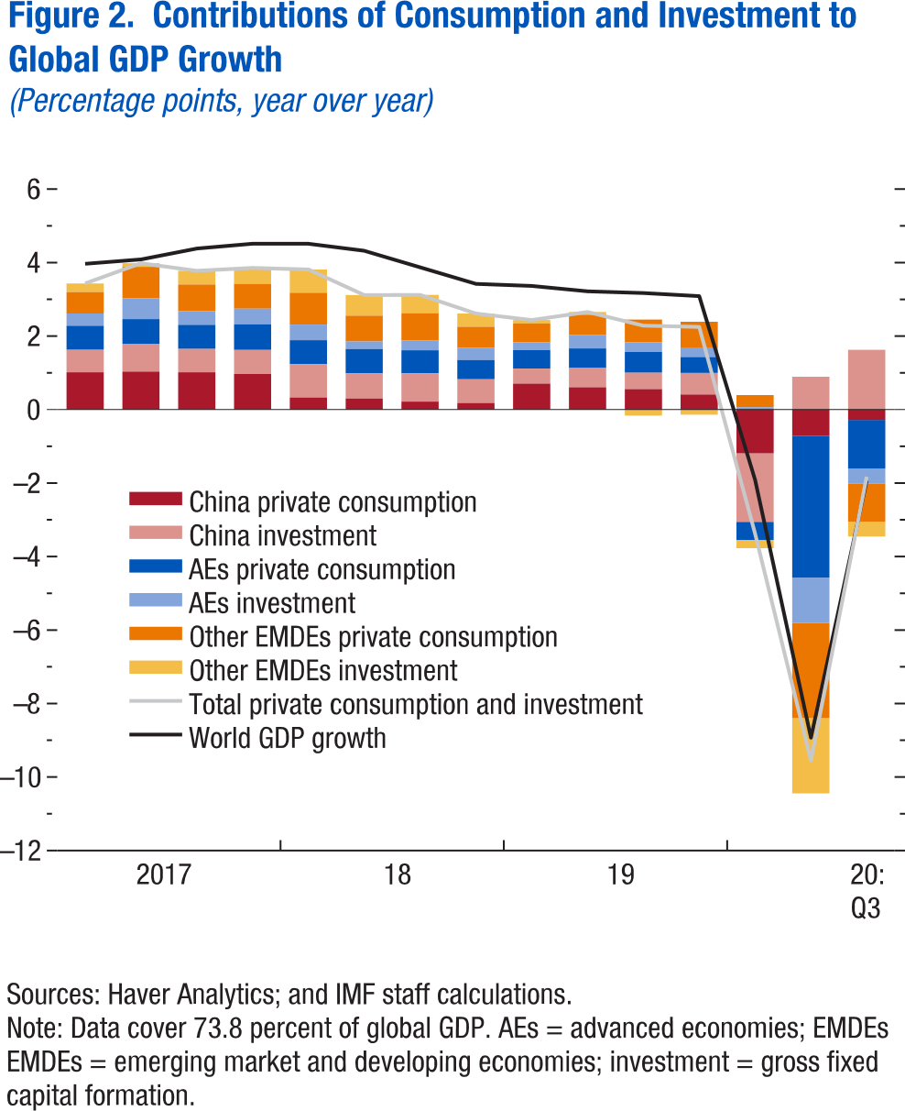
 | Figure 2. Contributions of Consumption and Investment to Global GDP Growth
 | (Percentage points, year over year)

 |  | China private consumption | China investment | AEs private consumption | AEs investment | Other EMDEs private consumption | Other EMDEs investment | Total private consumption and investment | World GDP growth
 | 2017:Q1 | 1.013 | 0.614 | 0.655 | 0.333 | 0.583 | 0.235 | 3.433 | 3.968
 | 2017:Q2 | 1.032 | 0.760 | 0.669 | 0.566 | 0.856 | 0.100 | 3.984 | 4.087
 | 2017:Q3 | 1.014 | 0.635 | 0.655 | 0.377 | 0.722 | 0.374 | 3.778 | 4.384
 | 2017:Q4 | 0.967 | 0.657 | 0.698 | 0.425 | 0.676 | 0.434 | 3.856 | 4.514
 | 2018:Q1 | 0.330 | 0.908 | 0.650 | 0.424 | 0.867 | 0.633 | 3.812 | 4.513
 | 2018:Q2 | 0.299 | 0.691 | 0.658 | 0.205 | 0.702 | 0.560 | 3.116 | 4.322
 | 2018:Q3 | 0.216 | 0.770 | 0.627 | 0.271 | 0.739 | 0.498 | 3.120 | 3.872
 | 2018:Q4 | 0.179 | 0.646 | 0.523 | 0.334 | 0.570 | 0.361 | 2.614 | 3.422
 | 2019:Q1 | 0.707 | 0.408 | 0.501 | 0.211 | 0.517 | 0.095 | 2.438 | 3.365
 | 2019:Q2 | 0.605 | 0.525 | 0.533 | 0.371 | 0.545 | 0.076 | 2.655 | 3.219
 | 2019:Q3 | 0.555 | 0.445 | 0.567 | 0.262 | 0.620 | -0.165 | 2.284 | 3.171
 | 2019:Q4 | 0.408 | 0.589 | 0.433 | 0.261 | 0.700 | -0.141 | 2.250 | 3.089
 | 2020:Q1 | -1.191 | -1.864 | -0.492 | 0.064 | 0.331 | -0.226 | -3.378 | -1.911
 | 2020:Q2 | -0.719 | 0.894 | -3.851 | -1.243 | -2.583 | -2.050 | -9.551 | -8.931
 | 2020:Q3 | -0.284 | 1.627 | -1.320 | -0.408 | -1.040 | -0.403 | -1.827 | -1.935

Figure 3
World Economic Outlook, January 2021 Update

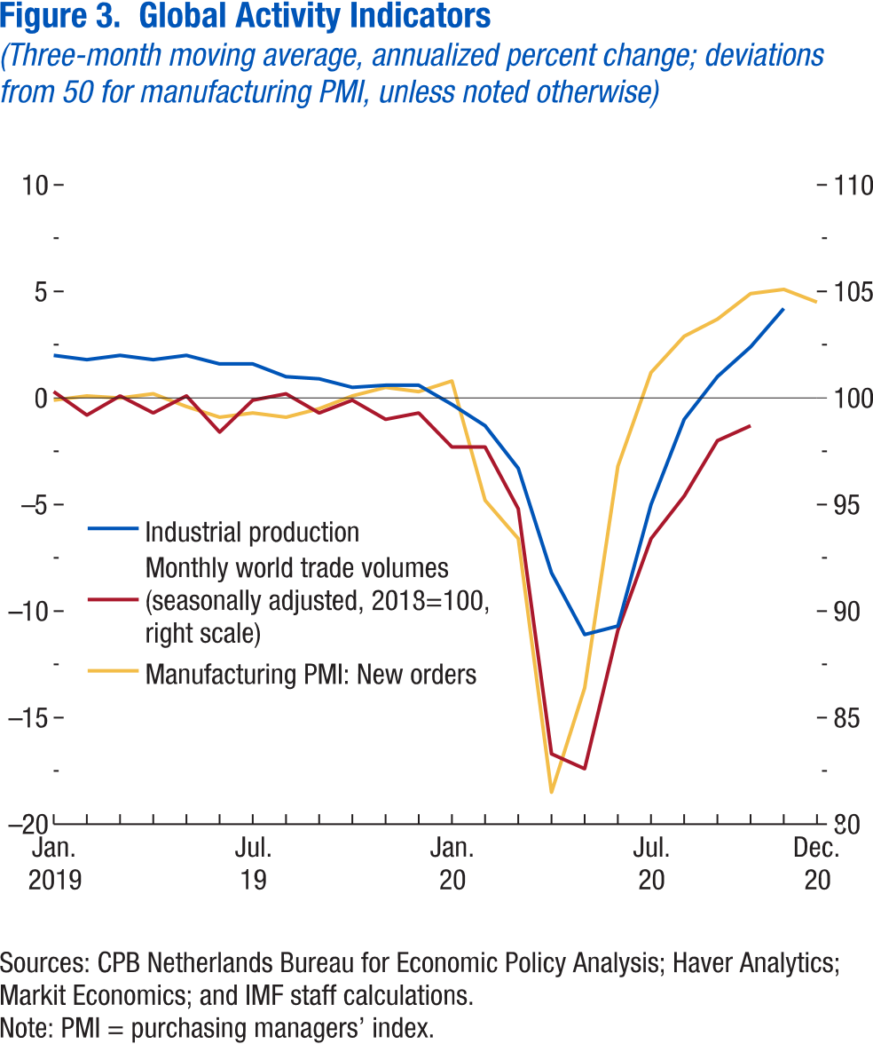
 | Figure 3. Global Activity Indicators
 | (Three-month moving average, annualized percent change; deviations from 50 for manufacturing PMI, unless noted otherwise)

 |  | Industrial production | Monthly world trade volumes (seasonally adjusted, 2018=100, right scale) | Manufacturing PMI: New orders
 | 2019m1 | 2.0 | 100.3 | -0.1
 | 2019m2 | 1.8 | 99.2 | 0.1
 | 2019m3 | 2.0 | 100.1 | 0.0
 | 2019m4 | 1.8 | 99.3 | 0.2
 | 2019m5 | 2.0 | 100.1 | -0.4
 | 2019m6 | 1.6 | 98.4 | -0.9
 | 2019m7 | 1.6 | 99.9 | -0.7
 | 2019m8 | 1.0 | 100.2 | -0.9
 | 2019m9 | 0.9 | 99.3 | -0.5
 | 2019m10 | 0.5 | 99.9 | 0.1
 | 2019m11 | 0.6 | 99.0 | 0.5
 | 2019m12 | 0.6 | 99.3 | 0.3
 | 2020m1 | -0.3 | 97.7 | 0.8
 | 2020m2 | -1.3 | 97.7 | -4.8
 | 2020m3 | -3.3 | 94.8 | -6.6
 | 2020m4 | -8.2 | 83.3 | -18.5
 | 2020m5 | -11.1 | 82.6 | -13.6
 | 2020m6 | -10.7 | 89.1 | -3.2
 | 2020m7 | -5.0 | 93.4 | 1.2
 | 2020m8 | -1.0 | 95.4 | 2.9
 | 2020m9 | 1.0 | 98.0 | 3.7
 | 2020m10 | 2.4 | 98.7 | 4.9
 | 2020m11 | 4.2 |  | 5.1
 | 2020m12 |  |  | 4.5

Figure 4
World Economic Outlook, January 2021 Update

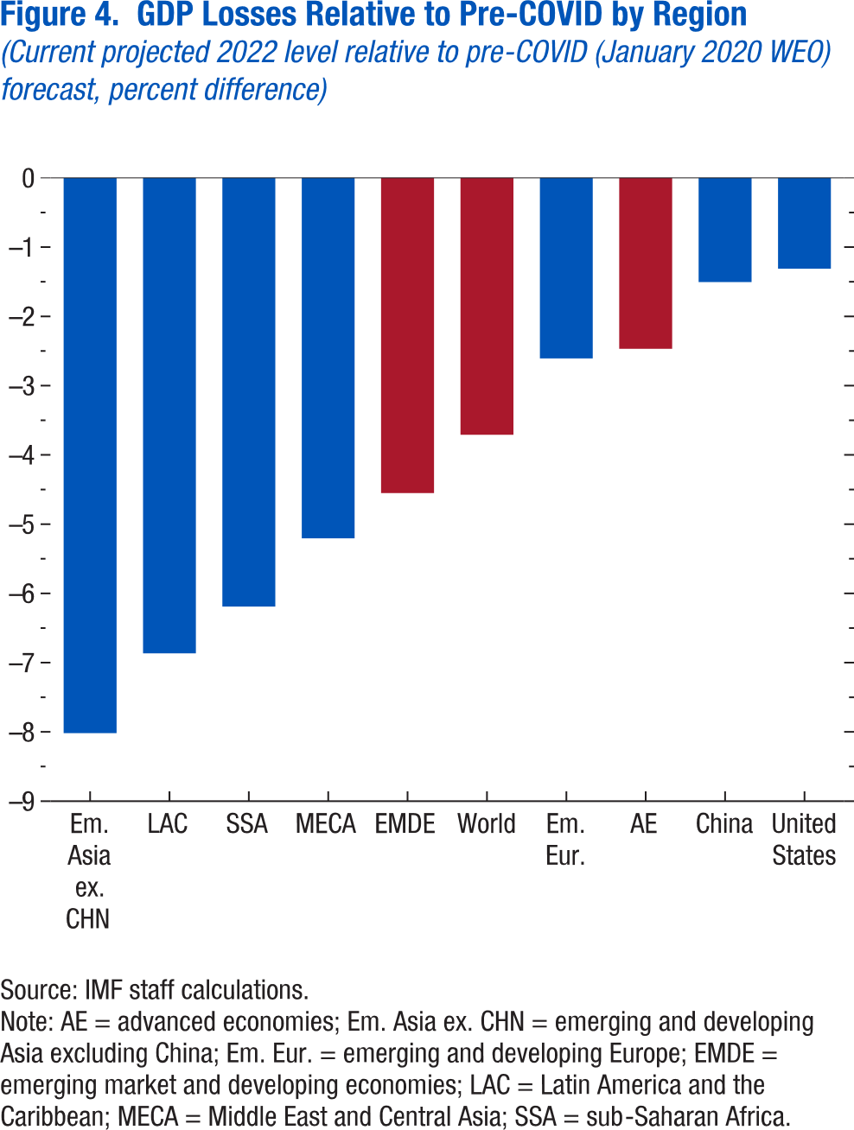
 | Figure 4. GDP Losses Relative to Pre-COVID by Region
 | (Current projected 2022 level relative to pre-COVID (January 2020 WEO) forecast, percent difference)

 | Em. Asia ex. CHN | -8.018
 | LAC | -6.866
 | SSA | -6.191
 | MECA | -5.206
 | EMDE | -4.552
 | World | -3.709
 | Em. Eur. | -2.608
 | AE | -2.469
 | China | -1.505
 | United States | -1.312

Figure 5
World Economic Outlook, January 2021 Update

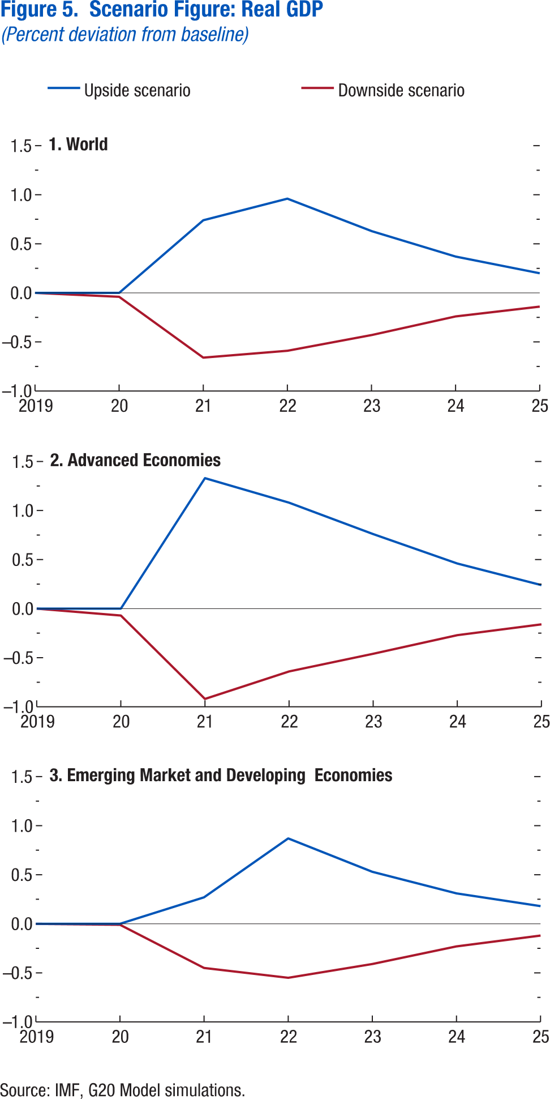
 | Figure 5. Scenario Figure: Real GDP
 | (Percent deviation from baseline)

 | 1. World |  |  | 2. Advanced Economies |  |  | 3. Emerging Economies

 |  | Upside scenario | Downside scenario |  | Upside scenario | Downside scenario |  | Upside scenario | Downside scenario
 | 2019 | 0.00 | 0.00 | 2019 | 0.00 | 0.00 | 2019 | 0.00 | 0.00
 | 2020 | 0.00 | -0.04 | 2020 | 0.00 | -0.07 | 2020 | 0.00 | -0.01
 | 2021 | 0.74 | -0.66 | 2021 | 1.33 | -0.92 | 2021 | 0.27 | -0.45
 | 2022 | 0.96 | -0.59 | 2022 | 1.08 | -0.64 | 2022 | 0.87 | -0.55
 | 2023 | 0.63 | -0.43 | 2023 | 0.76 | -0.46 | 2023 | 0.53 | -0.41
 | 2024 | 0.37 | -0.24 | 2024 | 0.46 | -0.27 | 2024 | 0.31 | -0.23
 | 2025 | 0.20 | -0.14 | 2025 | 0.24 | -0.16 | 2025 | 0.18 | -0.12

Figure 6
World Economic Outlook, January 2021 Update

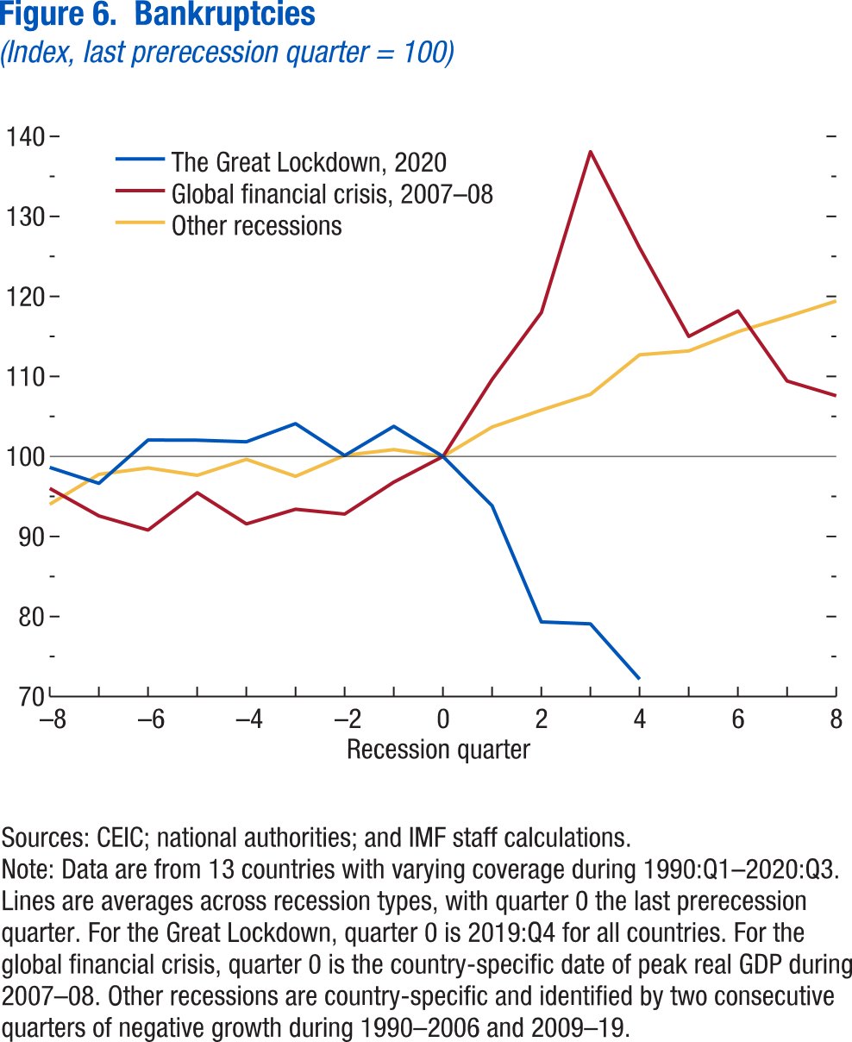
 | Figure 6. Bankruptcies
 | (Index, last prerecession quarter = 100)

 |  | The Great Lockdown, 2020 | Global financial crisis, 2007–08 | Other recessions
 | -8 | 98.63 | 96.01 | 94.02
 | -7 | 96.64 | 92.58 | 97.77
 | -6 | 102.06 | 90.81 | 98.57
 | -5 | 102.04 | 95.48 | 97.65
 | -4 | 101.83 | 91.57 | 99.64
 | -3 | 104.10 | 93.40 | 97.52
 | -2 | 100.12 | 92.81 | 100.14
 | -1 | 103.77 | 96.80 | 100.86
 | 0 | 100.00 | 100.00 | 100.00
 | 1 | 93.83 | 109.64 | 103.68
 | 2 | 79.32 | 117.97 | 105.79
 | 3 | 79.08 | 138.09 | 107.77
 | 4 | 72.17 | 126.08 | 112.71
 | 5 |  | 115.00 | 113.19
 | 6 |  | 118.19 | 115.59
 | 7 |  | 109.43 | 117.47
 | 8 |  | 107.59 | 119.43

