Figure 2.1.
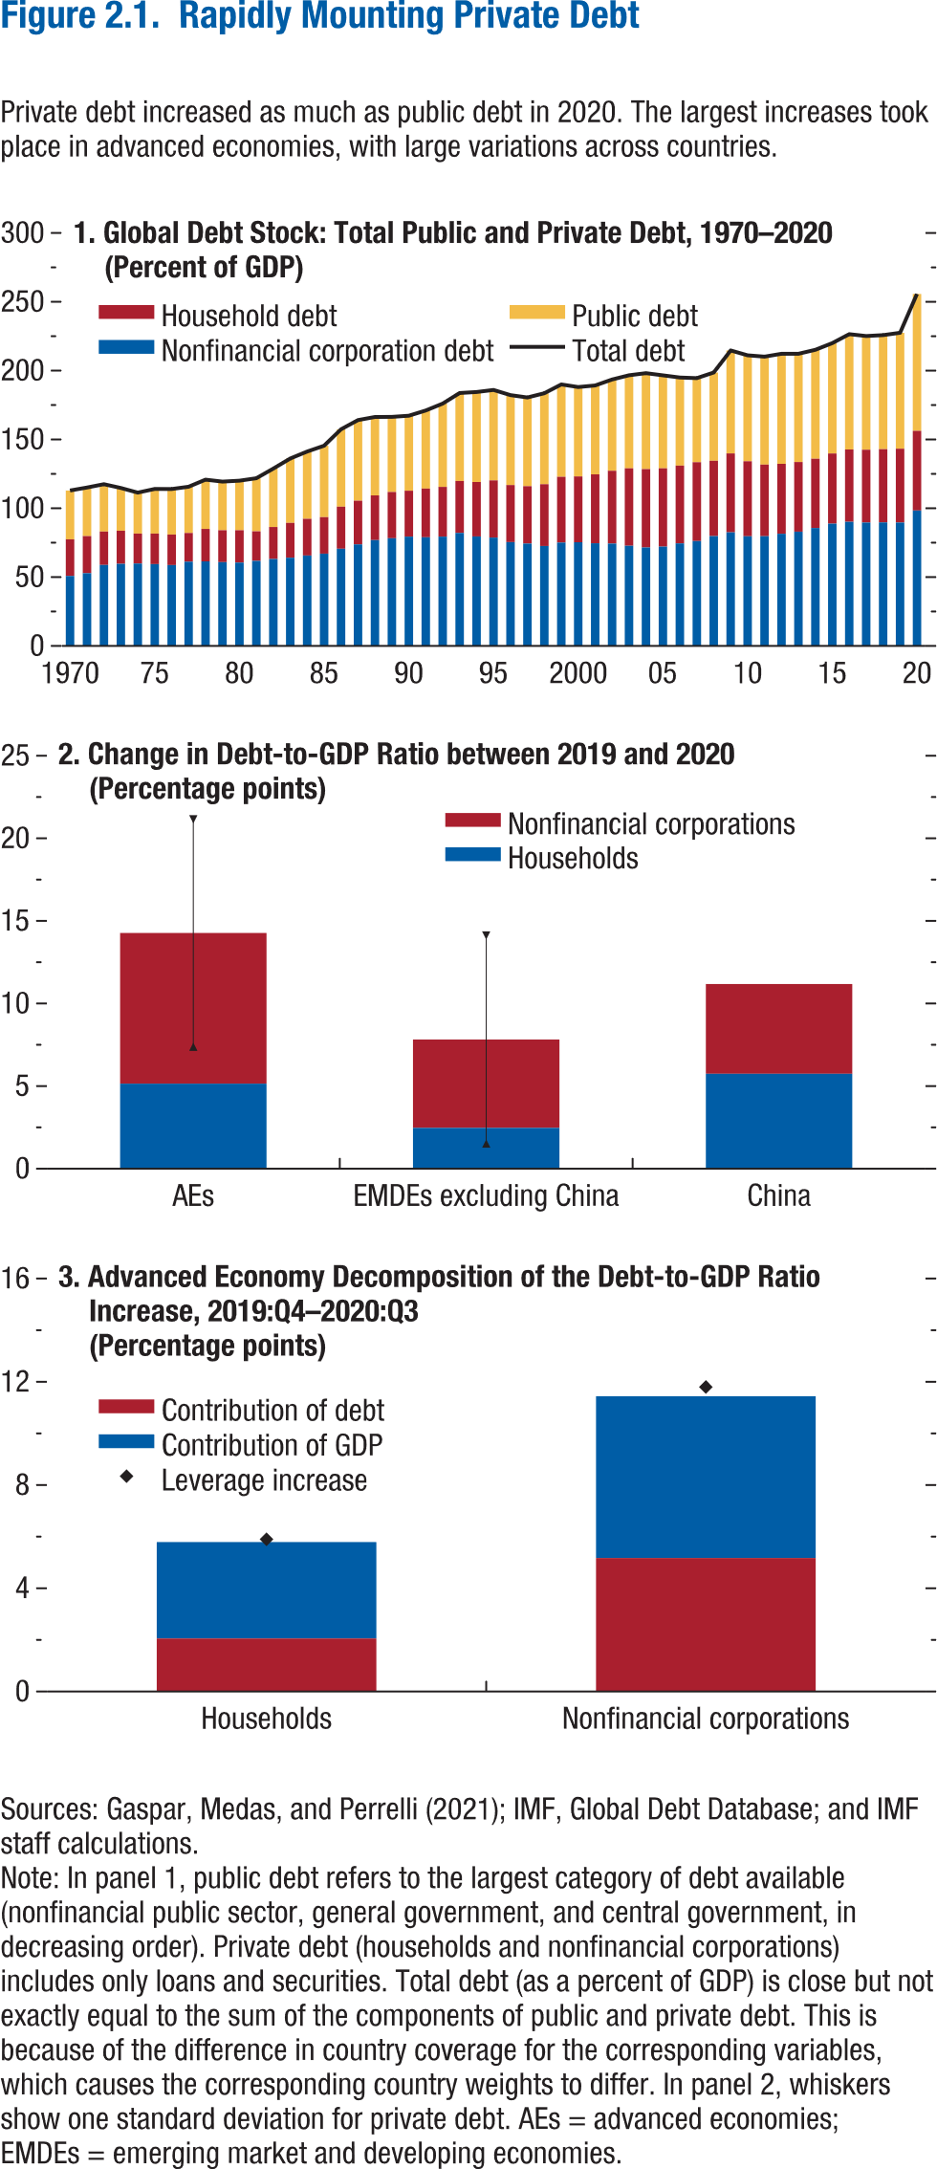
Figure 2.1. Rapidly Mounting Private Debt

1. Global Debt Stock: Total Public and Private Debt, 1970–2020 |  |  |  |  | 2. Change in Debt-to-GDP Ratio between 2019 and 2020 |  |  |  |  | 3. Advanced Economy Decomposition of the Debt-to-GDP Ratio Increase, 2019:Q4–2020:Q3
(Percent of GDP) |  |  |  |  | (Percentage points) |  |  |  |  | (Percentage points)

Year | Household debt | Nonfinancial corporation debt | Public debt | Total debt |  | Nonfinancial corporations | Households | Low | High |  | Leverage increase | Contribution of debt | Contribution of GDP
1970 | 26.61 | 50.85 | 35.45 | 112.92 | AEs | 9.12 | 5.15 | 7.38 | 21.15 | Households | 5.90 | 2.06 | 3.73
1971 | 27.01 | 52.82 | 35.25 | 115.08 | EMDEs excluding China | 5.35 | 2.47 | 1.52 | 14.12 | Nonfinancial corporations | 11.80 | 5.18 | 6.26
1972 | 24.27 | 58.85 | 34.39 | 117.51 | China | 5.43 | 5.75
1973 | 24.03 | 59.68 | 31.04 | 114.75
1974 | 21.74 | 59.89 | 29.73 | 111.36
1975 | 22.17 | 59.45 | 32.43 | 114.05
1976 | 22.20 | 58.74 | 33.07 | 114.00
1977 | 20.87 | 61.20 | 33.60 | 115.67
1978 | 23.59 | 61.40 | 35.82 | 120.81
1979 | 23.21 | 60.87 | 35.31 | 119.39
1980 | 23.50 | 60.57 | 35.98 | 120.06
1981 | 21.45 | 61.84 | 38.56 | 121.85
1982 | 23.22 | 63.18 | 42.44 | 128.83
1983 | 25.33 | 64.08 | 46.78 | 136.18
1984 | 26.66 | 65.69 | 48.87 | 141.22
1985 | 26.50 | 67.04 | 51.92 | 145.47
1986 | 30.57 | 70.60 | 56.18 | 157.35
1987 | 31.74 | 73.75 | 58.61 | 164.10
1988 | 32.51 | 76.89 | 56.92 | 166.32
1989 | 33.63 | 78.22 | 54.56 | 166.40
1990 | 33.36 | 79.40 | 54.48 | 167.24
1991 | 35.36 | 78.95 | 56.75 | 171.05
1992 | 36.15 | 79.38 | 60.52 | 176.06
1993 | 37.74 | 82.11 | 63.91 | 183.77
1994 | 39.53 | 79.56 | 65.37 | 184.46
1995 | 41.58 | 78.69 | 65.68 | 185.95
1996 | 41.42 | 75.44 | 65.36 | 182.22
1997 | 41.68 | 74.37 | 64.46 | 180.51
1998 | 44.90 | 72.58 | 66.11 | 183.58
1999 | 47.75 | 75.12 | 67.08 | 189.94
2000 | 47.82 | 75.32 | 64.94 | 188.08
2001 | 50.08 | 74.57 | 64.55 | 189.20
2002 | 52.91 | 74.37 | 66.25 | 193.54
2003 | 56.26 | 72.77 | 67.60 | 196.63
2004 | 56.95 | 71.52 | 69.70 | 198.17
2005 | 56.93 | 72.15 | 67.52 | 196.60
2006 | 56.50 | 74.50 | 64.01 | 195.01
2007 | 57.26 | 76.21 | 61.06 | 194.54
2008 | 54.76 | 79.78 | 64.08 | 198.62
2009 | 57.34 | 82.53 | 74.78 | 214.65
2010 | 54.51 | 79.67 | 76.93 | 211.11
2011 | 52.07 | 79.70 | 78.39 | 210.15
2012 | 50.84 | 81.46 | 79.96 | 212.26
2013 | 50.57 | 83.01 | 78.65 | 212.24
2014 | 50.36 | 85.63 | 79.12 | 215.12
2015 | 50.98 | 88.82 | 80.19 | 219.98
2016 | 52.53 | 90.20 | 83.77 | 226.50
2017 | 52.90 | 89.64 | 82.58 | 225.12
2018 | 53.20 | 89.74 | 82.87 | 225.81
2019 | 53.64 | 89.66 | 84.18 | 227.49
2020 | 57.89 | 98.40 | 99.43 | 255.72

Figure 2.2.
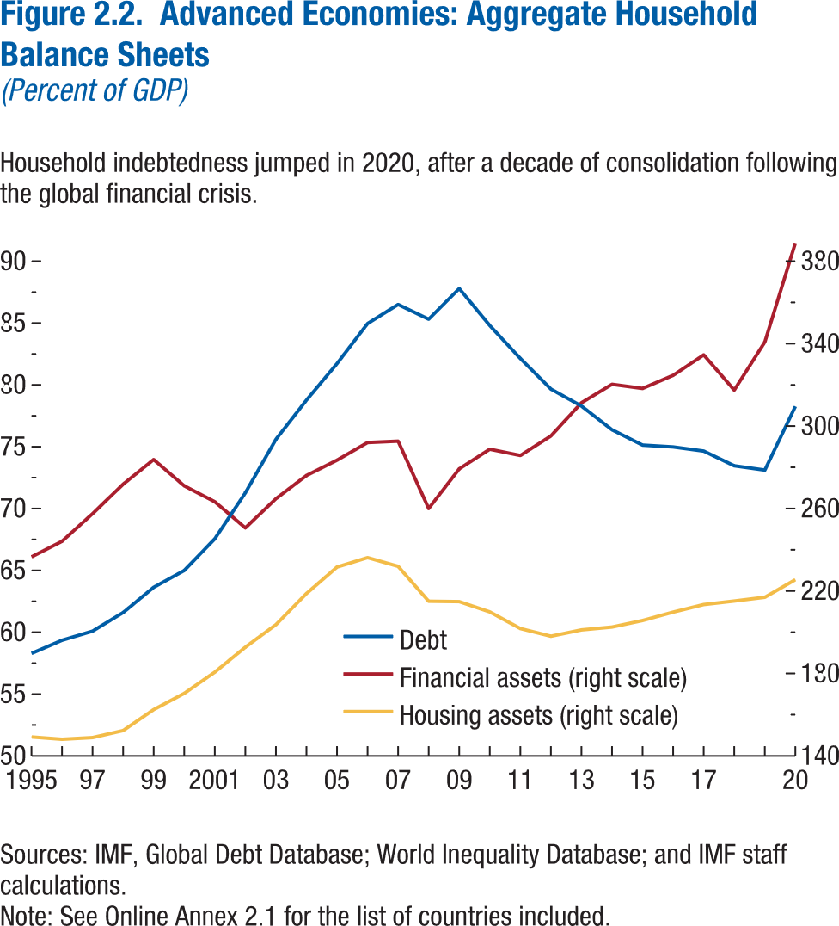
Figure 2.2. Advanced Economies: Aggregate Household Balance Sheets
(Percent of GDP)

Year | Debt | Financial assets (right scale) | Housing assets (right scale)
1995 | 58.29 | 236.55 | 149.20
1996 | 59.35 | 244.12 | 148.07
1997 | 60.09 | 257.52 | 148.90
1998 | 61.59 | 271.80 | 152.28
1999 | 63.63 | 283.78 | 162.46
2000 | 64.99 | 271.02 | 170.32
2001 | 67.55 | 263.30 | 180.63
2002 | 71.27 | 250.61 | 192.75
2003 | 75.60 | 264.80 | 203.70
2004 | 78.77 | 276.04 | 218.78
2005 | 81.72 | 283.48 | 231.62
2006 | 84.96 | 292.02 | 236.19
2007 | 86.50 | 292.70 | 231.96
2008 | 85.31 | 260.03 | 215.03
2009 | 87.79 | 279.26 | 214.85
2010 | 84.80 | 288.78 | 209.85
2011 | 82.13 | 285.74 | 201.78
2012 | 79.66 | 295.22 | 198.07
2013 | 78.29 | 311.30 | 201.14
2014 | 76.37 | 320.26 | 202.51
2015 | 75.13 | 318.27 | 205.66
2016 | 74.98 | 324.62 | 209.76
2017 | 74.65 | 334.56 | 213.42
2018 | 73.46 | 317.47 | 215.12
2019 | 73.11 | 340.82 | 216.98
2020 | 78.26 | 388.84 | 225.51

Figure 2.3.
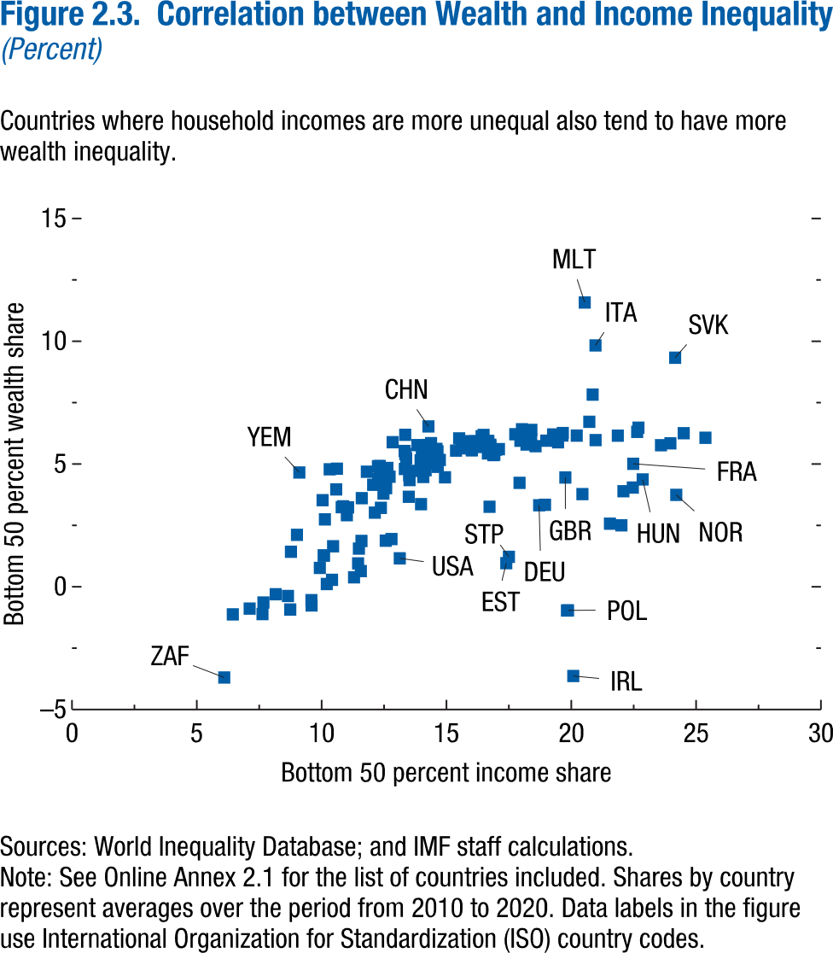
Figure 2.3. Correlation between Wealth and Income Inequality
(Percent)

Country ISO3 code | Bottom 50 percent income share | Bottom 50 percent wealth share
AFG | 18.20 | 5.80
AGO | 10.08 | 1.27
ALB | 19.27 | 6.21
ARE | 11.30 | 0.38
ARG | 16.70 | 5.53
ARM | 18.28 | 6.16
AUS | 16.49 | 6.18
AUT | 22.01 | 2.50
AZE | 20.22 | 6.16
BDI | 14.15 | 5.12
BEL | 20.85 | 7.83
BEN | 11.59 | 1.87
BFA | 14.73 | 5.17
BGD | 16.75 | 5.78
BGR | 17.96 | 5.95
BHR | 10.04 | 3.53
BHS | 12.28 | 4.38
BIH | 18.25 | 6.23
BLR | 21.86 | 6.16
BLZ | 12.28 | 4.25
BOL | 12.28 | 4.38
BRA | 10.41 | 0.28
BRN | 19.47 | 5.89
BTN | 14.60 | 5.62
BWA | 7.67 | -0.64
CAF | 7.63 | -1.11
CAN | 16.14 | 5.88
CHE | 22.46 | 4.04
CHL | 9.60 | -0.76
CHN | 14.28 | 6.53
CIV | 12.63 | 4.84
CMR | 10.80 | 3.24
COD | 12.56 | 4.76
COG | 9.93 | 0.77
COL | 10.58 | 3.97
COM | 11.06 | 3.23
CPV | 12.06 | 4.15
CRI | 10.86 | 3.28
CYP | 18.57 | 5.73
CZE | 25.37 | 6.07
DEU | 18.71 | 3.32
DJI | 12.58 | 4.02
DNK | 22.09 | 3.89
DOM | 12.28 | 4.37
DZA | 19.00 | 5.95
ECU | 15.62 | 5.93
EGY | 14.65 | 4.89
ERI | 16.02 | 5.57
ESP | 20.72 | 6.72
EST | 17.40 | 0.96
ETH | 16.02 | 5.56
FIN | 21.55 | 2.57
FRA | 22.48 | 5.01
GAB | 14.01 | 5.58
GBR | 19.76 | 4.45
GEO | 13.84 | 5.77
GHA | 12.33 | 4.92
GIN | 16.06 | 5.78
GMB | 14.17 | 4.75
GNB | 9.59 | -0.55
GNQ | 11.61 | 3.61
GRC | 19.83 | -0.97
GTM | 12.28 | 4.37
GUY | 12.28 | 4.37
HND | 12.28 | 4.37
HRV | 18.40 | 6.39
HTI | 12.28 | 4.37
HUN | 22.86 | 4.37
IDN | 14.20 | 5.46
IND | 13.35 | 6.19
IRL | 20.08 | -3.63
IRN | 13.76 | 4.72
IRQ | 12.57 | 1.88
ISL | 24.50 | 6.25
ISR | 12.47 | 4.63
ITA | 20.97 | 9.83
JAM | 12.28 | 4.37
JOR | 13.96 | 5.14
JPN | 16.76 | 5.75
KAZ | 16.99 | 5.59
KEN | 12.72 | 4.48
KGZ | 18.39 | 6.00
KHM | 13.32 | 5.53
KOR | 15.94 | 5.64
KWT | 11.49 | 1.55
LAO | 13.35 | 5.40
LBN | 10.21 | 0.11
LBR | 15.80 | 5.77
LBY | 16.42 | 5.70
LKA | 14.07 | 4.47
LSO | 10.13 | 2.75
LTU | 18.02 | 6.42
LUX | 20.44 | 3.77
LVA | 17.93 | 4.23
MAC | 14.28 | 5.78
MAR | 13.52 | 4.35
MDA | 17.75 | 6.21
MDG | 12.47 | 3.80
MDV | 16.92 | 5.38
MEX | 8.65 | -0.38
MKD | 19.66 | 6.26
MLI | 16.34 | 5.90
MLT | 20.54 | 11.58
MMR | 13.98 | 3.36
MNE | 16.41 | 6.13
MNG | 14.38 | 5.85
MOZ | 8.74 | -0.93
MRT | 16.55 | 5.92
MUS | 14.50 | 5.03
MWI | 11.57 | 0.64
MYS | 16.66 | 5.43
NAM | 6.44 | -1.12
NER | 15.98 | 5.73
NGA | 14.31 | 5.43
NIC | 12.28 | 4.36
NLD | 22.64 | 6.31
NOR | 24.20 | 3.74
NPL | 16.44 | 5.82
NZL | 19.64 | 6.16
OMN | 8.77 | 1.43
PAK | 17.10 | 5.61
PAN | 12.28 | 4.36
PER | 10.09 | 1.27
PHL | 13.33 | 4.80
PNG | 12.84 | 5.89
POL | 19.87 | -0.96
PRT | 18.95 | 3.34
PRY | 12.28 | 4.37
QAT | 9.01 | 2.12
ROU | 16.11 | 5.93
RUS | 16.72 | 3.26
RWA | 11.46 | 0.95
SAU | 10.46 | 1.65
SDN | 15.73 | 5.64
SEN | 13.39 | 5.23
SGP | 16.88 | 5.36
SLE | 15.38 | 5.55
SLV | 10.61 | 4.81
SOM | 14.94 | 4.46
SRB | 15.51 | 6.04
STP | 17.50 | 1.22
SUR | 12.28 | 4.36
SVK | 24.16 | 9.33
SVN | 22.69 | 6.48
SWE | 23.97 | 5.84
SWZ | 8.16 | -0.30
SYC | 12.13 | 3.02
SYR | 10.32 | 4.79
TCD | 12.31 | 4.62
TGO | 11.81 | 4.69
THA | 12.80 | 1.94
TJK | 15.96 | 5.91
TKM | 12.25 | 4.91
TLS | 16.68 | 5.94
TTO | 12.28 | 4.36
TUN | 16.29 | 5.87
TUR | 13.49 | 3.67
TWN | 20.97 | 5.97
TZA | 13.51 | 4.54
UGA | 12.37 | 3.21
UKR | 23.59 | 5.77
URY | 18.30 | 5.86
USA | 13.13 | 1.16
UZB | 14.64 | 5.52
VEN | 12.28 | 4.36
VNM | 14.25 | 5.64
YEM | 9.11 | 4.65
ZAF | 6.10 | -3.69
ZMB | 7.12 | -0.89
ZWE | 11.01 | 2.92

Figure 2.4.
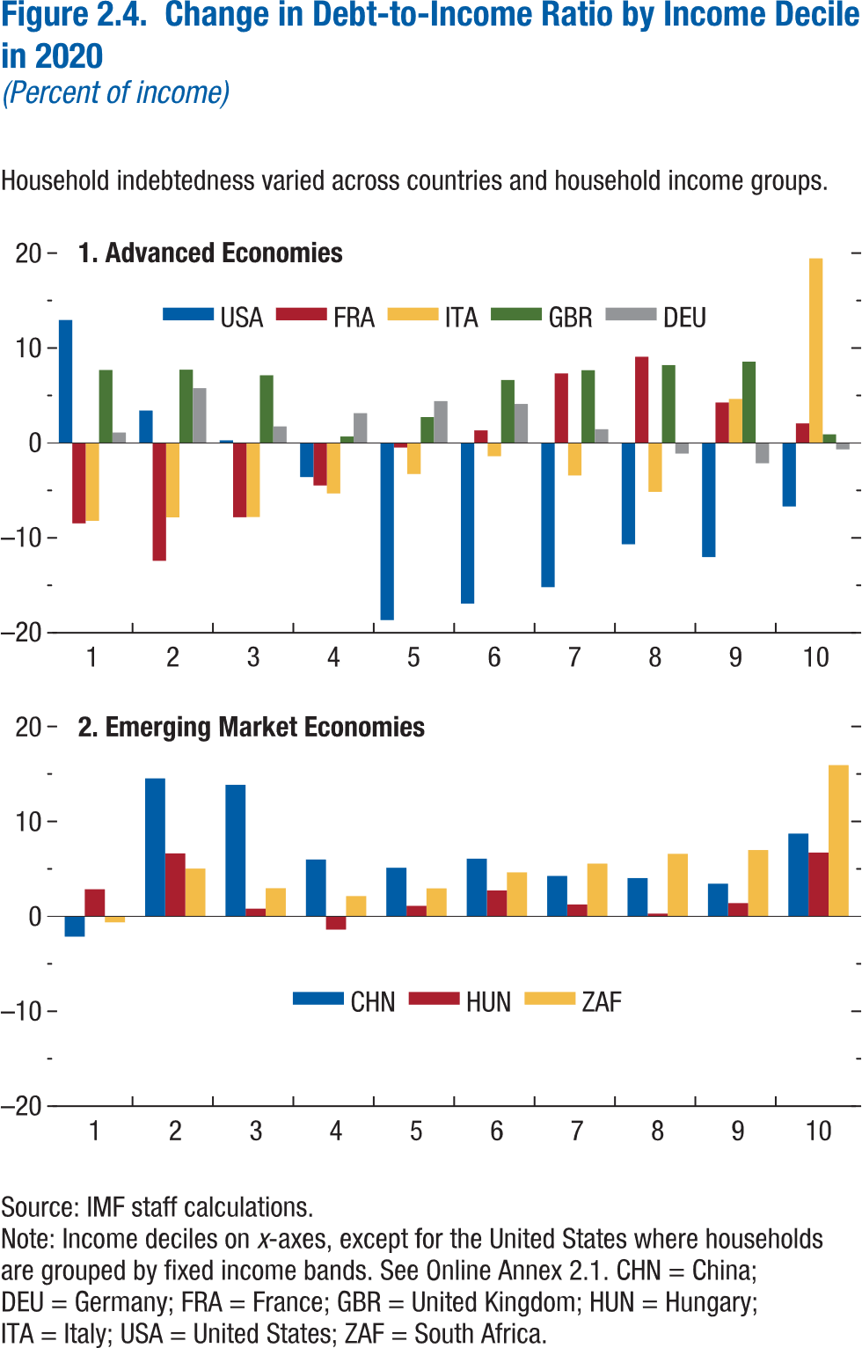
Figure 2.4. Change in Debt-to-Income Ratio by Income Decile in 2020
(Percent of income)

1. Advanced Economies |  |  |  |  |  | 2. Emerging Market Economies

Income decile | USA | FRA | ITA | GBR | DEU | Income decile | CHN | HUN | ZAF
1 | 12.96 | -8.47 | -8.20 | 7.69 | 1.10 | 1 | -2.13 | 2.86 | -0.63
2 | 3.41 | -12.42 | -7.84 | 7.72 | 5.77 | 2 | 14.54 | 6.63 | 5.04
3 | 0.27 | -7.83 | -7.81 | 7.13 | 1.75 | 3 | 13.86 | 0.81 | 2.97
4 | -3.59 | -4.48 | -5.32 | 0.68 | 3.14 | 4 | 5.99 | -1.40 | 2.14
5 | -18.66 | -0.48 | -3.27 | 2.73 | 4.41 | 5 | 5.12 | 1.11 | 2.95
6 | -16.93 | 1.32 | -1.40 | 6.63 | 4.11 | 6 | 6.09 | 2.73 | 4.64
7 | -15.19 | 7.33 | -3.43 | 7.66 | 1.45 | 7 | 4.26 | 1.25 | 5.56
8 | -10.67 | 9.09 | -5.15 | 8.20 | -1.12 | 8 | 4.04 | 0.30 | 6.59
9 | -12.02 | 4.26 | 4.64 | 8.56 | -2.14 | 9 | 3.44 | 1.40 | 6.99
10 | -6.69 | 2.06 | 19.45 | 0.91 | -0.68 | 10 | 8.72 | 6.72 | 15.93

Figure 2.5.
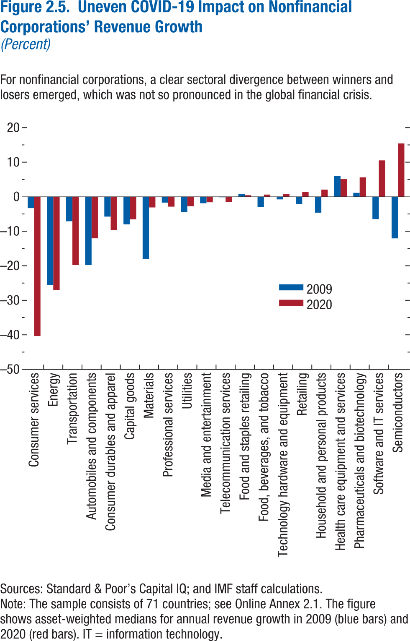
Figure 2.5. Uneven COVID-19 Impact on Nonfinancial Corporations’ Revenue Growth
(Percent)

Industries | 2009 | 2020
Consumer services | -3.31 | -40.35
Energy | -25.60 | -27.10
Transportation | -7.11 | -19.79
Automobiles and components | -19.71 | -12.05
Consumer durables and apparel | -5.76 | -9.67
Capital goods | -7.99 | -6.54
Materials | -18.05 | -3.11
Professional services | -1.70 | -2.87
Utilities | -4.45 | -2.73
Media and entertainment | -1.90 | -1.61
Telecommunication services | -0.17 | -1.56
Food and staples retailing | 0.77 | 0.43
Food, beverage, and tobacco | -2.99 | 0.62
Technology hardware and equipment | -0.77 | 0.80
Retailing | -2.10 | 1.38
Household and personal products | -4.61 | 2.07
Health care equipment and services | 5.99 | 5.09
Pharmaceuticals and biotechnology | 1.13 | 5.61
Software and IT services | -6.48 | 10.52
Semiconductors | -12.07 | 15.44

Figure 2.6.
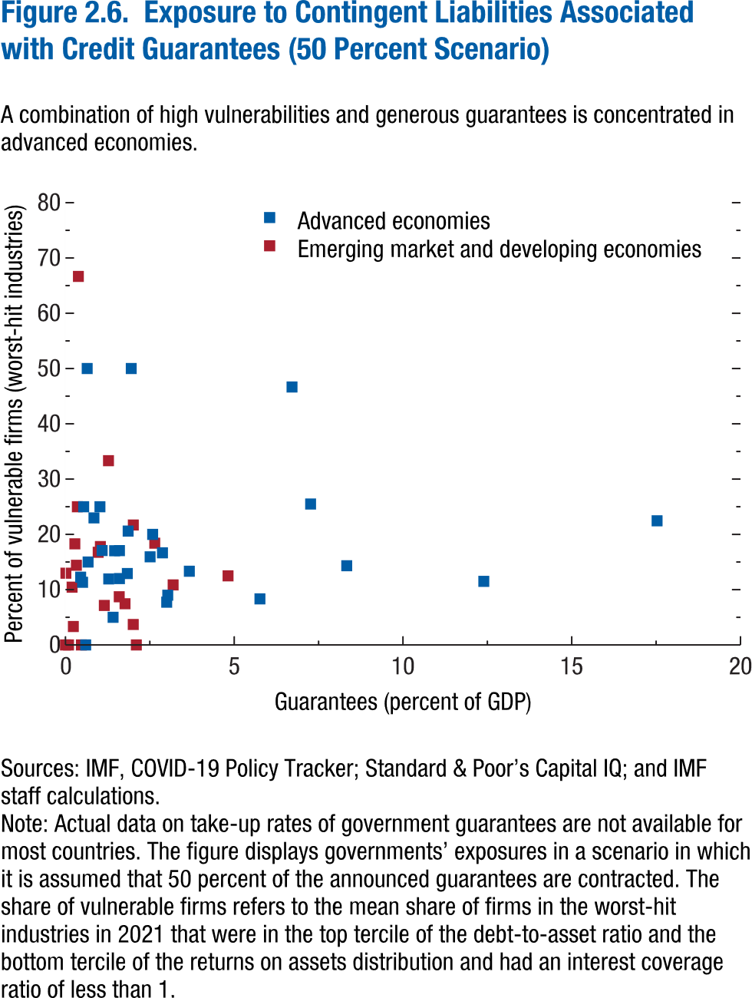
Figure 2.6. Exposure to Contingent Liabilities Associated with Credit Guarantees (50 Percent Scenario)

Country | Guarantees (percent of GDP) | Percent of vulnerable firms (worst-hit industries) | Advanced economies | Emerging market and developing economies
Argentina | 1.15 | 7.14 | 0 | 1
Australia | 0.51 | 11.33 | 1 | 0
Austria | 1.41 | 5.00 | 1 | 0
Bahrain | 0.38 | 66.67 | 0 | 1
Belgium | 5.76 | 8.33 | 1 | 0
Botswana | 0.35 | 25.00 | 0 | 1
Canada | 1.86 | 20.60 | 1 | 0
China | 0.19 | 10.45 | 0 | 1
Colombia | 1.28 | 33.33 | 0 | 1
Croatia | 0.97 | 16.76 | 0 | 1
Cyprus | 3.67 | 13.33 | 1 | 0
Estonia | 0.64 | 50.00 | 1 | 0
Finland | 2.58 | 20.00 | 1 | 0
France | 7.26 | 25.49 | 1 | 0
Germany | 12.39 | 11.50 | 1 | 0
Greece | 0.84 | 22.98 | 1 | 0
Hong Kong SAR | 1.60 | 17.06 | 1 | 0
Hungary | 2.10 | 0.00 | 0 | 1
Iceland | 0.54 | 25.00 | 1 | 0
India | 2.65 | 18.41 | 0 | 1
Indonesia | 0.32 | 14.41 | 0 | 1
Ireland | 0.67 | 15.00 | 1 | 0
Israel | 1.60 | 12.01 | 1 | 0
Italy | 17.53 | 22.46 | 1 | 0
Japan | 1.46 | 17.04 | 1 | 0
Korea | 1.83 | 12.92 | 1 | 0
Latvia | 0.60 | 0.00 | 1 | 0
Lithuania | 1.02 | 25.00 | 1 | 0
Luxembourg | 1.95 | 50.00 | 1 | 0
Malaysia | 1.76 | 7.46 | 0 | 1
Malta | 3.00 | 7.74 | 1 | 0
Mexico | 0.01 | 12.98 | 0 | 1
New Zealand | 0.45 | 12.26 | 1 | 0
Norway | 1.28 | 11.94 | 1 | 0
Oman | 0.00 | 0.00 | 0 | 1
Peru | 4.82 | 12.50 | 0 | 1
Philippines | 0.28 | 18.29 | 0 | 1
Poland | 1.59 | 8.72 | 0 | 1
Portugal | 2.87 | 16.67 | 1 | 0
Qatar | 0.47 | 0.00 | 0 | 1
Romania | 2.01 | 3.70 | 0 | 1
Russia | 0.23 | 3.33 | 0 | 1
South Africa | 2.01 | 21.69 | 0 | 1
Spain | 6.71 | 46.67 | 1 | 0
Sweden | 2.51 | 15.94 | 1 | 0
Switzerland | 3.03 | 9.00 | 1 | 0
Thailand | 1.04 | 17.80 | 0 | 1
Tunisia | 0.09 | 0.00 | 0 | 1
Turkey | 3.19 | 10.86 | 0 | 1
United Kingdom | 8.33 | 14.33 | 1 | 0
United States | 1.09 | 17.08 | 1 | 0

Figure 2.7.
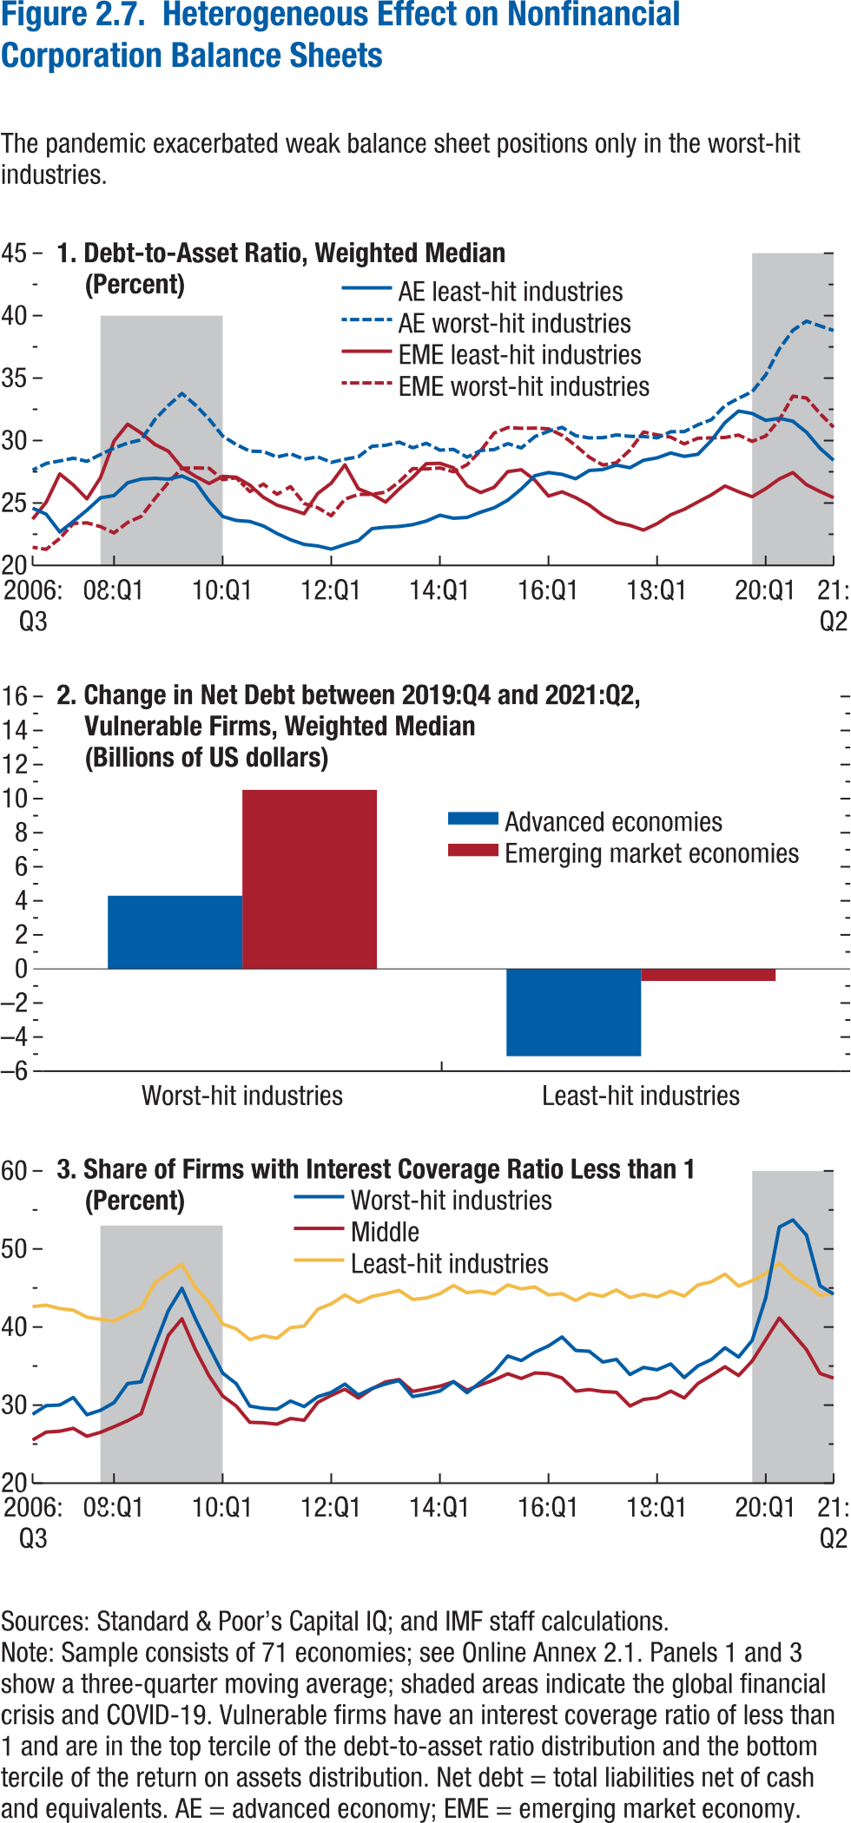
Figure 2.7. Heterogeneous Effect on Nonfinancial Corporation Balance Sheets

1. Debt-to-Asset Ratio, Weighted Median |  |  |  |  | 2. Change in Net Debt between 2019:Q4 and 2021:Q2, Vulnerable Firms, Weighted Median |  |  | 3. Share of Firms with Interest Coverage Ratio Less than 1
(Percent) |  |  |  |  | (Billions of US dollars) |  |  | (Percent)

Date | AE worst-hit industries | AE least-hit industries | EME worst-hit industries | EME least-hit industries |  | Advanced economies | Emerging market economies | Date | Worst-hit industries | Middle | Least-hit industries
2006Q3 | 27.63 | 24.59 | 21.46 | 23.71 | Worst-hit industries | 4.30 | 10.51 | 2006Q3 | 28.82 | 25.53 | 42.61
2006Q4 | 28.17 | 24.10 | 21.29 | 25.06 | Least-hit industries | -5.12 | -0.71 | 2006Q4 | 29.93 | 26.54 | 42.80
2007Q1 | 28.37 | 22.67 | 22.17 | 27.33 |  |  |  | 2007Q1 | 30.01 | 26.65 | 42.37
2007Q2 | 28.59 | 23.53 | 23.36 | 26.44 |  |  |  | 2007Q2 | 30.97 | 27.02 | 42.16
2007Q3 | 28.34 | 24.42 | 23.41 | 25.33 |  |  |  | 2007Q3 | 28.77 | 26.01 | 41.27
2007Q4 | 28.88 | 25.42 | 23.11 | 27.03 |  |  |  | 2007Q4 | 29.33 | 26.52 | 40.98
2008Q1 | 29.40 | 25.60 | 22.60 | 29.96 |  |  |  | 2008Q1 | 30.31 | 27.22 | 40.77
2008Q2 | 29.80 | 26.62 | 23.45 | 31.31 |  |  |  | 2008Q2 | 32.76 | 28.00 | 41.62
2008Q3 | 30.06 | 26.92 | 23.93 | 30.60 |  |  |  | 2008Q3 | 32.98 | 28.89 | 42.42
2008Q4 | 31.68 | 26.98 | 25.35 | 29.70 |  |  |  | 2008Q4 | 37.58 | 34.01 | 45.65
2009Q1 | 32.81 | 26.91 | 26.64 | 29.15 |  |  |  | 2009Q1 | 42.10 | 38.94 | 46.90
2009Q2 | 33.77 | 27.17 | 27.78 | 27.82 |  |  |  | 2009Q2 | 44.96 | 41.05 | 48.06
2009Q3 | 32.84 | 26.67 | 27.81 | 27.14 |  |  |  | 2009Q3 | 41.04 | 37.08 | 45.06
2009Q4 | 31.71 | 25.15 | 27.79 | 26.56 |  |  |  | 2009Q4 | 37.49 | 33.74 | 43.13
2010Q1 | 30.36 | 23.92 | 26.87 | 27.13 |  |  |  | 2010Q1 | 34.09 | 31.17 | 40.40
2010Q2 | 29.68 | 23.61 | 27.02 | 27.06 |  |  |  | 2010Q2 | 32.74 | 29.88 | 39.76
2010Q3 | 29.15 | 23.52 | 25.92 | 26.43 |  |  |  | 2010Q3 | 29.87 | 27.79 | 38.38
2010Q4 | 29.12 | 23.17 | 26.51 | 25.45 |  |  |  | 2010Q4 | 29.58 | 27.74 | 38.89
2011Q1 | 28.68 | 22.56 | 25.70 | 24.83 |  |  |  | 2011Q1 | 29.47 | 27.55 | 38.56
2011Q2 | 28.94 | 22.06 | 26.31 | 24.50 |  |  |  | 2011Q2 | 30.52 | 28.28 | 39.92
2011Q3 | 28.51 | 21.68 | 24.96 | 24.14 |  |  |  | 2011Q3 | 29.81 | 28.06 | 40.12
2011Q4 | 28.70 | 21.56 | 24.63 | 25.76 |  |  |  | 2011Q4 | 31.08 | 30.34 | 42.27
2012Q1 | 28.26 | 21.31 | 23.97 | 26.59 |  |  |  | 2012Q1 | 31.63 | 31.25 | 42.97
2012Q2 | 28.51 | 21.67 | 25.31 | 28.05 |  |  |  | 2012Q2 | 32.69 | 32.03 | 44.10
2012Q3 | 28.70 | 22.00 | 25.69 | 26.13 |  |  |  | 2012Q3 | 31.30 | 30.90 | 43.15
2012Q4 | 29.54 | 22.94 | 25.70 | 25.70 |  |  |  | 2012Q4 | 32.13 | 32.09 | 43.91
2013Q1 | 29.62 | 23.06 | 25.88 | 25.07 |  |  |  | 2013Q1 | 32.71 | 32.97 | 44.27
2013Q2 | 29.87 | 23.12 | 26.70 | 26.13 |  |  |  | 2013Q2 | 33.15 | 33.27 | 44.69
2013Q3 | 29.42 | 23.27 | 27.76 | 27.06 |  |  |  | 2013Q3 | 31.09 | 31.74 | 43.54
2013Q4 | 29.78 | 23.56 | 27.73 | 28.15 |  |  |  | 2013Q4 | 31.39 | 32.08 | 43.71
2014Q1 | 29.23 | 24.02 | 27.81 | 28.18 |  |  |  | 2014Q1 | 31.80 | 32.42 | 44.27
2014Q2 | 29.30 | 23.78 | 27.50 | 27.82 |  |  |  | 2014Q2 | 33.01 | 32.99 | 45.32
2014Q3 | 28.67 | 23.84 | 28.07 | 26.39 |  |  |  | 2014Q3 | 31.58 | 31.91 | 44.40
2014Q4 | 29.21 | 24.27 | 29.19 | 25.83 |  |  |  | 2014Q4 | 32.95 | 32.60 | 44.61
2015Q1 | 29.28 | 24.62 | 30.60 | 26.26 |  |  |  | 2015Q1 | 34.24 | 33.23 | 44.24
2015Q2 | 29.76 | 25.22 | 31.04 | 27.52 |  |  |  | 2015Q2 | 36.29 | 34.01 | 45.40
2015Q3 | 29.41 | 26.13 | 30.98 | 27.67 |  |  |  | 2015Q3 | 35.71 | 33.41 | 44.88
2015Q4 | 30.32 | 27.19 | 31.00 | 26.83 |  |  |  | 2015Q4 | 36.79 | 34.12 | 45.14
2016Q1 | 30.75 | 27.44 | 30.94 | 25.55 |  |  |  | 2016Q1 | 37.58 | 34.02 | 44.11
2016Q2 | 31.06 | 27.29 | 30.42 | 25.89 |  |  |  | 2016Q2 | 38.72 | 33.48 | 44.28
2016Q3 | 30.39 | 26.94 | 29.60 | 25.43 |  |  |  | 2016Q3 | 37.00 | 31.79 | 43.40
2016Q4 | 30.22 | 27.60 | 28.67 | 24.84 |  |  |  | 2016Q4 | 36.90 | 31.99 | 44.29
2017Q1 | 30.23 | 27.68 | 28.04 | 24.01 |  |  |  | 2017Q1 | 35.52 | 31.74 | 43.95
2017Q2 | 30.45 | 28.03 | 28.23 | 23.44 |  |  |  | 2017Q2 | 35.86 | 31.64 | 44.76
2017Q3 | 30.34 | 27.82 | 29.25 | 23.20 |  |  |  | 2017Q3 | 33.92 | 29.88 | 43.77
2017Q4 | 30.33 | 28.42 | 30.69 | 22.83 |  |  |  | 2017Q4 | 34.83 | 30.72 | 44.21
2018Q1 | 30.22 | 28.62 | 30.46 | 23.35 |  |  |  | 2018Q1 | 34.52 | 30.93 | 43.85
2018Q2 | 30.71 | 29.01 | 30.28 | 24.06 |  |  |  | 2018Q2 | 35.27 | 31.79 | 44.59
2018Q3 | 30.72 | 28.73 | 29.73 | 24.50 |  |  |  | 2018Q3 | 33.53 | 30.91 | 43.96
2018Q4 | 31.26 | 28.90 | 30.19 | 25.08 |  |  |  | 2018Q4 | 35.02 | 32.76 | 45.38
2019Q1 | 31.68 | 30.02 | 30.22 | 25.65 |  |  |  | 2019Q1 | 35.83 | 33.81 | 45.79
2019Q2 | 32.80 | 31.45 | 30.25 | 26.37 |  |  |  | 2019Q2 | 37.34 | 34.91 | 46.77
2019Q3 | 33.39 | 32.36 | 30.44 | 25.90 |  |  |  | 2019Q3 | 36.15 | 33.79 | 45.25
2019Q4 | 33.91 | 32.17 | 29.93 | 25.50 |  |  |  | 2019Q4 | 38.29 | 35.65 | 45.93
2020Q1 | 35.27 | 31.61 | 30.37 | 26.15 |  |  |  | 2020Q1 | 43.73 | 38.39 | 46.87
2020Q2 | 37.34 | 31.79 | 31.66 | 26.92 |  |  |  | 2020Q2 | 52.80 | 41.15 | 48.19
2020Q3 | 38.83 | 31.55 | 33.56 | 27.44 |  |  |  | 2020Q3 | 53.72 | 39.14 | 46.47
2020Q4 | 39.56 | 30.67 | 33.41 | 26.46 |  |  |  | 2020Q4 | 51.77 | 37.11 | 45.39
2021Q1 | 39.18 | 29.38 | 32.16 | 25.92 |  |  |  | 2021Q1 | 45.28 | 34.05 | 44.06
2021Q2 | 38.81 | 28.41 | 31.06 | 25.43 |  |  |  | 2021Q2 | 44.20 | 33.46 | 44.28

Figure 2.8.
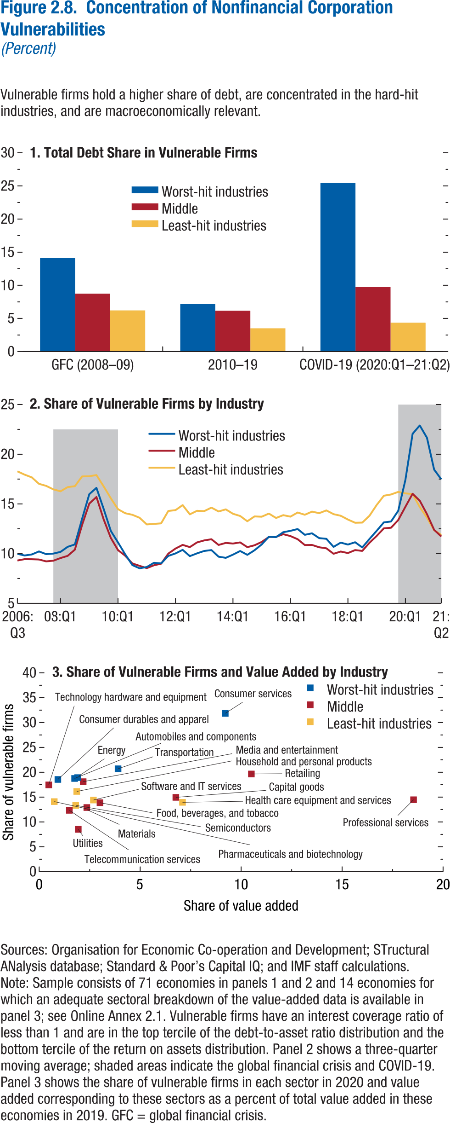
Figure 2.8. Concentration of Nonfinancial Corporation Vulnerabilities
(Percent)

1. Total Debt Share in Vulnerable Firms |  |  |  | 2. Share of Vulnerable Firms by Industry |  |  |  | 3. Share of Vulnerable Firms and Value Added by Industry

 | Worst-hit industries | Middle | Least-hit industries | Date | Worst-hit industries | Middle | Least-hit industries | Industry | Industry group | Share of value added | Share of vulnerable firms
GFC (2008–09) | 14.16 | 8.75 | 6.21 | 2006Q3 | 9.98 | 9.31 | 18.28 | Automobiles and components | Worst-hit industries | 1.75 | 18.75
2010–19 | 7.20 | 6.18 | 3.51 | 2006Q4 | 9.81 | 9.44 | 17.95 | Consumer services | Worst-hit industries | 9.21 | 31.84
COVID-19 (2020:Q1–21:Q2) | 25.43 | 9.79 | 4.38 | 2007Q1 | 9.92 | 9.43 | 17.67 | Consumer durables and apparel | Worst-hit industries | 0.92 | 18.55
 |  |  |  | 2007Q2 | 10.22 | 9.41 | 17.02 | Transportation | Worst-hit industries | 3.91 | 20.70
 |  |  |  | 2007Q3 | 9.95 | 9.22 | 16.81 | Energy | Worst-hit industries | 1.90 | 18.93
 |  |  |  | 2007Q4 | 10.01 | 9.29 | 16.47 | Utilities | Middle | 1.93 | 8.52
 |  |  |  | 2008Q1 | 10.17 | 9.56 | 16.27 | Food, beverage, and tobacco | Middle | 3.01 | 13.88
 |  |  |  | 2008Q2 | 10.69 | 9.78 | 16.69 | Materials | Middle | 2.36 | 12.90
 |  |  |  | 2008Q3 | 10.92 | 10.40 | 16.78 | Professional services | Middle | 18.54 | 14.47
 |  |  |  | 2008Q4 | 13.50 | 12.89 | 17.77 | Media and entertainment | Middle | 2.18 | 18.10
 |  |  |  | 2009Q1 | 15.98 | 15.03 | 17.78 | Technology hardware and equipment | Middle | 0.47 | 17.46
 |  |  |  | 2009Q2 | 16.62 | 15.70 | 17.90 | Telecommunication services | Middle | 1.49 | 12.34
 |  |  |  | 2009Q3 | 14.50 | 13.45 | 16.76 | Retailing | Middle | 10.50 | 19.65
 |  |  |  | 2009Q4 | 12.28 | 11.58 | 15.57 | Capital goods | Middle | 6.77 | 14.95
 |  |  |  | 2010Q1 | 11.12 | 10.35 | 14.47 | Health care equipment and services | Least-hit industries | 7.09 | 13.95
 |  |  |  | 2010Q2 | 9.93 | 9.79 | 14.07 | Software and IT services | Least-hit industries | 2.68 | 14.41
 |  |  |  | 2010Q3 | 8.85 | 9.01 | 13.91 | Household and personal products | Least-hit industries | 1.86 | 16.13
 |  |  |  | 2010Q4 | 8.52 | 8.77 | 13.61 | Semiconductors | Least-hit industries | 1.81 | 13.34
 |  |  |  | 2011Q1 | 8.65 | 8.54 | 12.94 | Pharmaceuticals and biotechnology | Least-hit industries | 0.75 | 14.10
 |  |  |  | 2011Q2 | 9.08 | 8.83 | 12.99
 |  |  |  | 2011Q3 | 9.02 | 8.99 | 13.05
 |  |  |  | 2011Q4 | 9.77 | 10.00 | 14.29
 |  |  |  | 2012Q1 | 10.02 | 10.51 | 14.38
 |  |  |  | 2012Q2 | 10.38 | 10.88 | 14.88
 |  |  |  | 2012Q3 | 9.75 | 10.66 | 13.95
 |  |  |  | 2012Q4 | 10.03 | 11.13 | 14.31
 |  |  |  | 2013Q1 | 10.27 | 11.33 | 14.28
 |  |  |  | 2013Q2 | 10.36 | 11.45 | 14.63
 |  |  |  | 2013Q3 | 9.69 | 10.87 | 14.24
 |  |  |  | 2013Q4 | 9.58 | 11.08 | 14.45
 |  |  |  | 2014Q1 | 9.90 | 11.01 | 14.01
 |  |  |  | 2014Q2 | 10.26 | 11.13 | 13.78
 |  |  |  | 2014Q3 | 9.88 | 10.65 | 13.26
 |  |  |  | 2014Q4 | 10.34 | 10.84 | 13.74
 |  |  |  | 2015Q1 | 10.92 | 11.18 | 13.71
 |  |  |  | 2015Q2 | 11.70 | 11.68 | 14.03
 |  |  |  | 2015Q3 | 11.66 | 11.69 | 13.58
 |  |  |  | 2015Q4 | 12.16 | 11.96 | 13.87
 |  |  |  | 2016Q1 | 12.29 | 11.77 | 13.72
 |  |  |  | 2016Q2 | 12.47 | 11.45 | 14.14
 |  |  |  | 2016Q3 | 11.89 | 10.86 | 13.91
 |  |  |  | 2016Q4 | 12.04 | 10.87 | 14.22
 |  |  |  | 2017Q1 | 11.56 | 10.64 | 14.07
 |  |  |  | 2017Q2 | 11.49 | 10.53 | 14.35
 |  |  |  | 2017Q3 | 10.68 | 9.99 | 13.97
 |  |  |  | 2017Q4 | 11.11 | 10.21 | 13.81
 |  |  |  | 2018Q1 | 10.91 | 10.06 | 13.43
 |  |  |  | 2018Q2 | 11.14 | 10.36 | 13.11
 |  |  |  | 2018Q3 | 10.62 | 10.27 | 13.12
 |  |  |  | 2018Q4 | 11.47 | 11.09 | 13.81
 |  |  |  | 2019Q1 | 12.29 | 11.78 | 14.89
...

Figure 2.9.
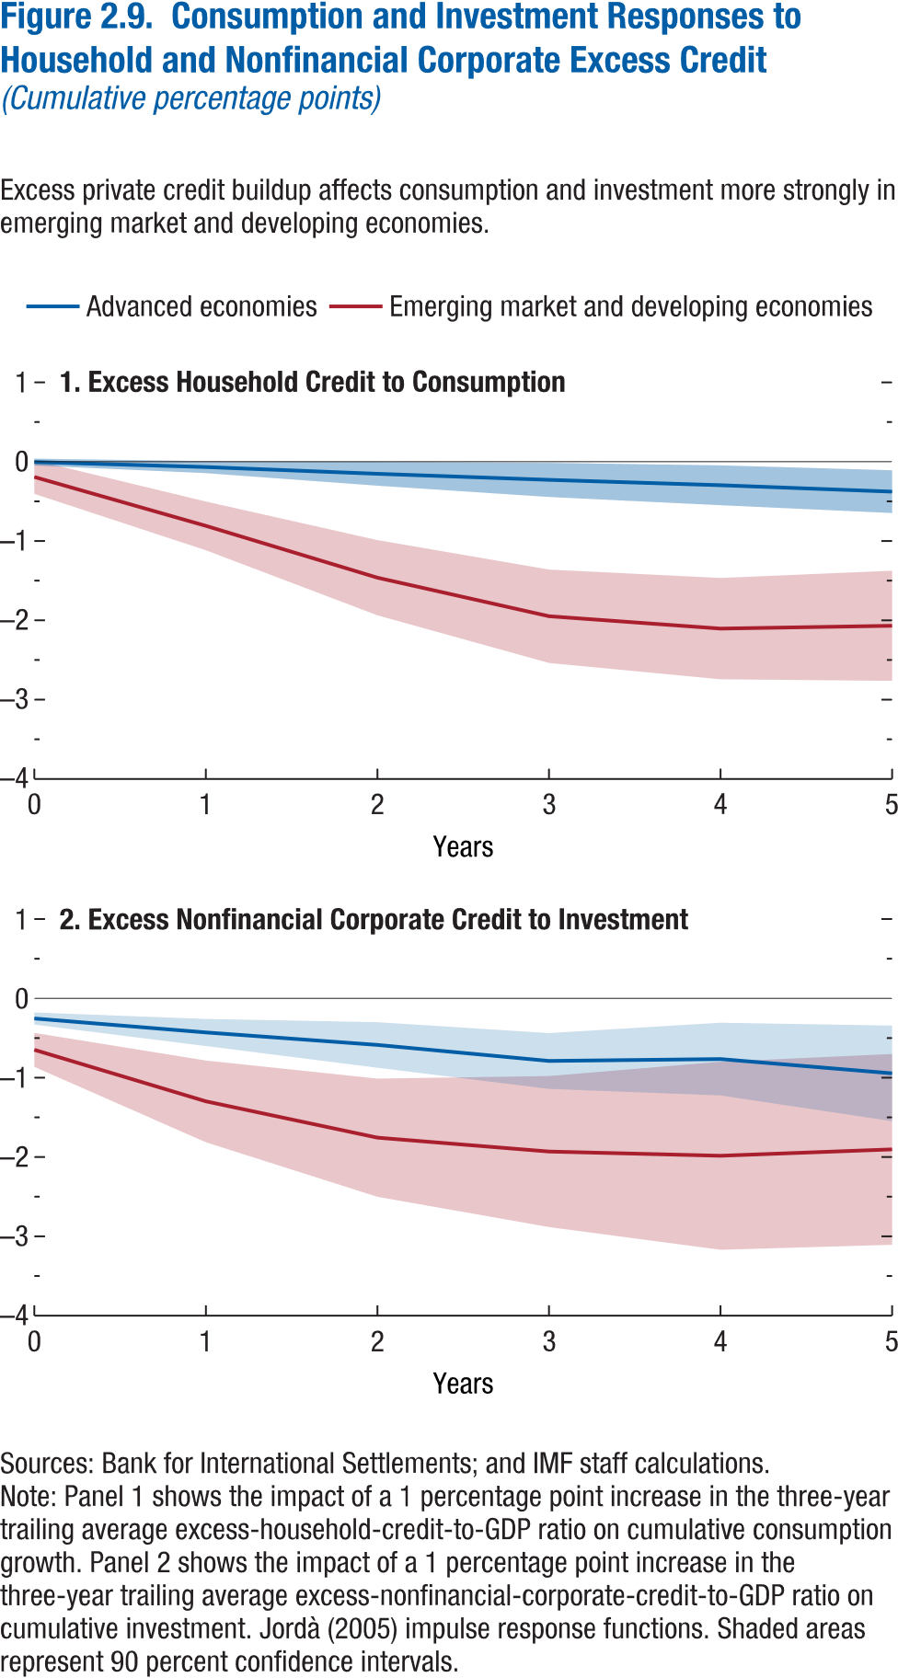
Figure 2.9. Consumption and Investment Responses to Household and Nonfinancial Corporate Excess Credit
(Cumulative percentage points)

1. Excess Household Credit to Consumption

Years | Advanced economies | CI lower | CI upper
0 | 0.00 | -0.05 | 0.04
1 | -0.07 | -0.14 | 0.01
2 | -0.15 | -0.30 | 0.00
3 | -0.23 | -0.44 | -0.01
4 | -0.30 | -0.55 | -0.05
5 | -0.38 | -0.65 | -0.11

Figure 2.10.
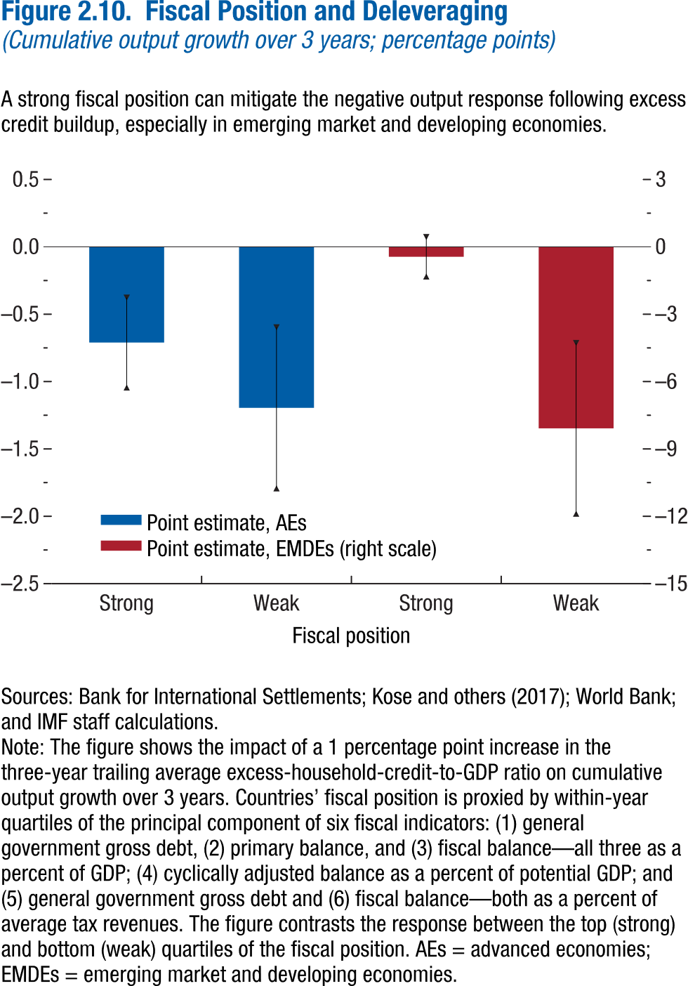
Figure 2.10. Fiscal Position and Deleveraging
(Cumulative percentage points)

 | Point estimate AEs | CI lower | CI upper
Strong | -0.71 | -1.04 | -0.38
Weak | -1.20 | -1.79 | -0.60

Figure 2.11.
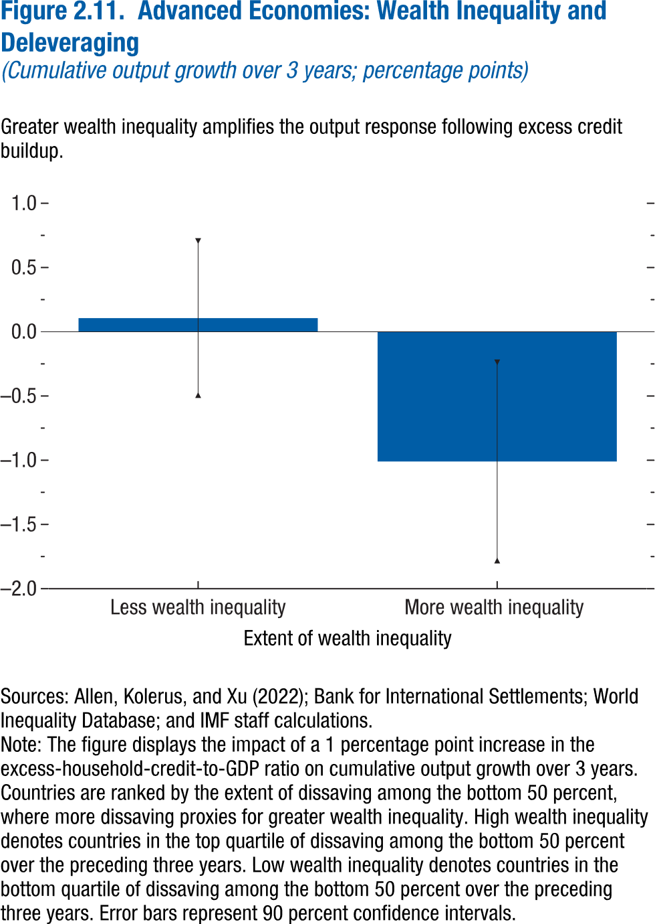
Figure 2.11. Advanced Economies: Wealth Inequality and Deleveraging
(Cumulative percentage points)

 | Point estimate | CI lower | CI upper
Less wealth inequality | 0.11 | -0.49 | 0.71
More wealth inequality | -1.01 | -1.78 | -0.24

Figure 2.12.
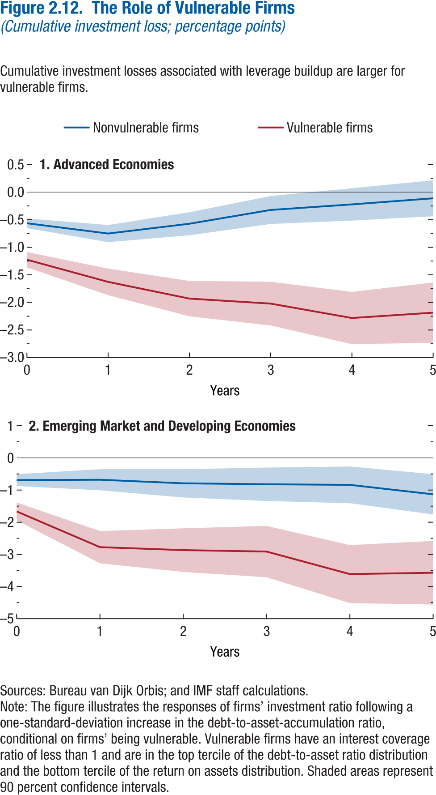
Figure 2.12. The Role of Vulnerable Firms
(Cumulative percentage points)

1. Advanced Economies

Years | Nonvulnerable firms | CI lower | CI upper
0 | -0.56 | -0.65 | -0.48
1 | -0.75 | -0.91 | -0.60
2 | -0.57 | -0.78 | -0.36
3 | -0.32 | -0.58 | -0.07
4 | -0.22 | -0.52 | 0.07
5 | -0.11 | -0.44 | 0.21

Figure 2.13.
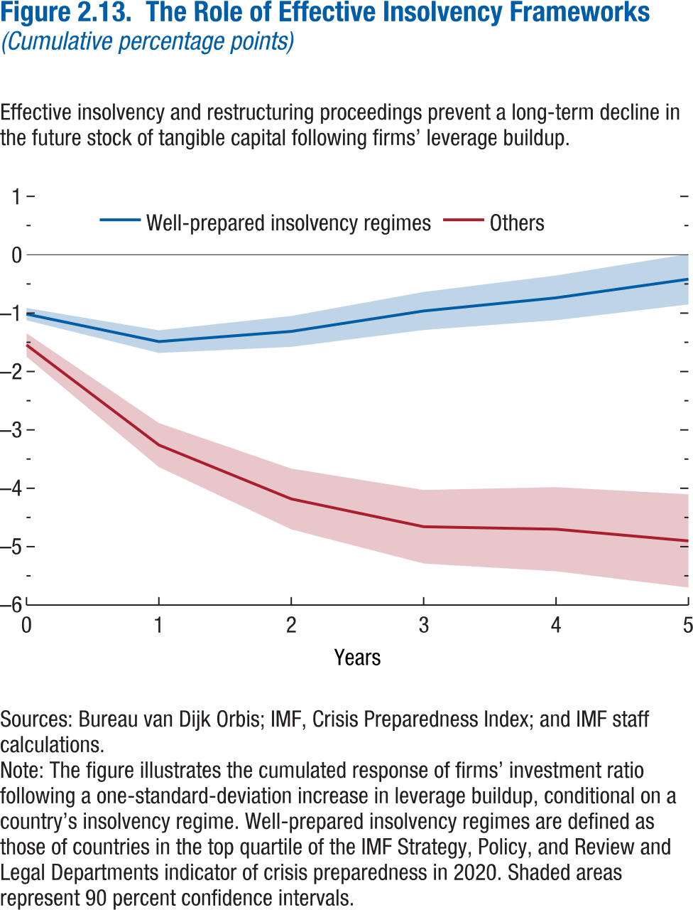
Figure 2.13. The Role of Effective Insolvency Frameworks
(Cumulative percentage points)

Years | Well-prepared insolvency regimes | CI lower | CI upper
0 | -1.02 | -1.12 | -0.91
1 | -1.49 | -1.68 | -1.29
2 | -1.31 | -1.58 | -1.05
3 | -0.96 | -1.29 | -0.64
4 | -0.74 | -1.12 | -0.35
5 | -0.42 | -0.85 | 0.01

Figure 2.14.
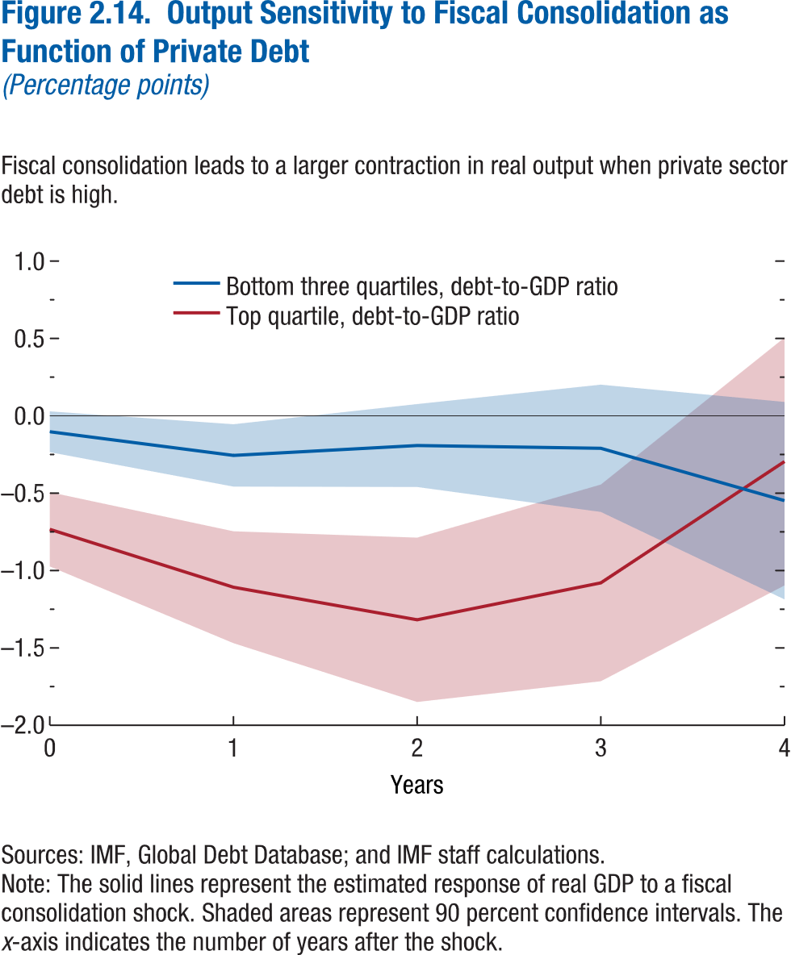
Figure 2.14. Output Sensitivity to Fiscal Consolidation as Function of Private Debt
(Percentage points)

Years | Bottom three quartiles, debt-to-GDP ratio | CI lower | CI upper
0 | -0.10 | -0.23 | 0.03
1 | -0.26 | -0.46 | -0.05
2 | -0.19 | -0.46 | 0.08
3 | -0.21 | -0.62 | 0.20
4 | -0.55 | -1.19 | 0.09

Figure 2.15.
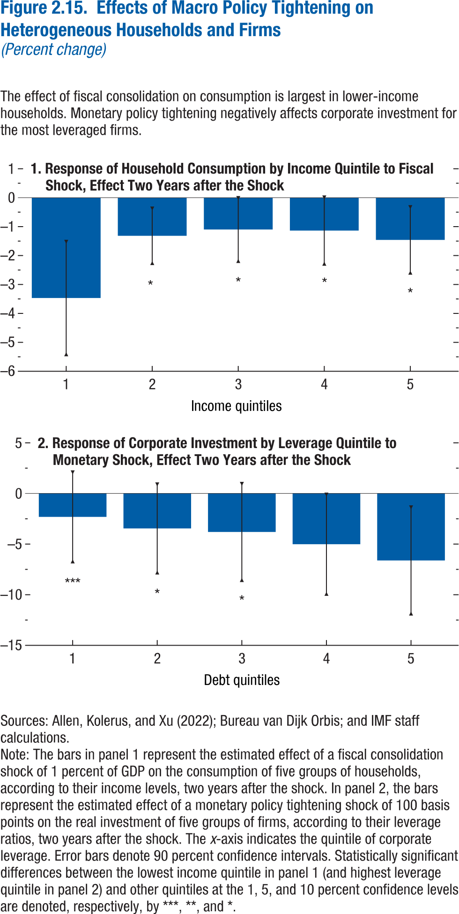
Figure 2.15. Effects of Macro Policy Tightening on Heterogeneous Households and Firms
(Percent change)

1. Response of Household Consumption by Income Quintile to Fiscal Shock, Effect Two Years after the Shock

Income quintiles | Response | CI lower | CI upper
1 | -3.47 | -5.41 | -1.52
2 | -1.32 | -2.26 | -0.38
3 | -1.10 | -2.19 | -0.01
4 | -1.14 | -2.28 | 0.01
5 | -1.46 | -2.59 | -0.33

Figure 2.1.1.
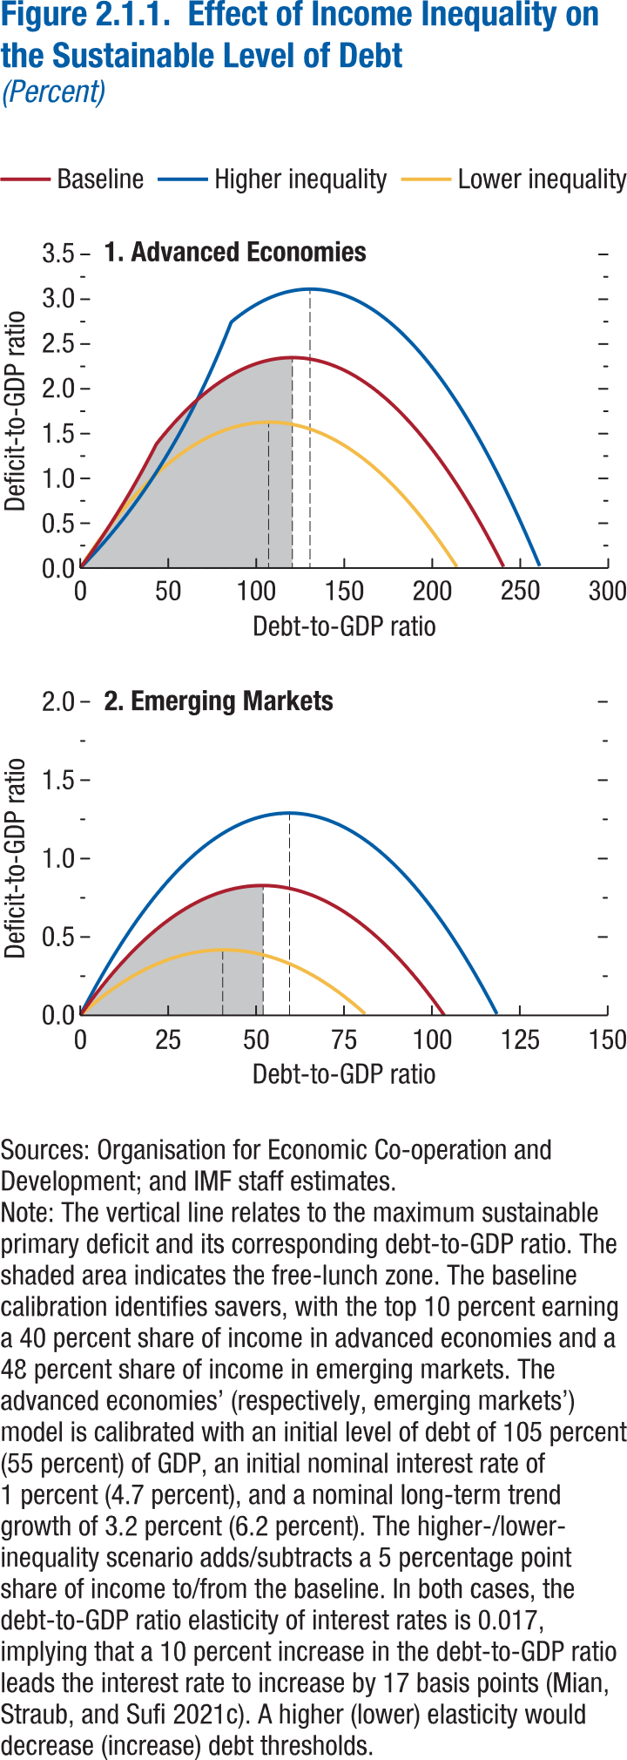
Figure 2.1.1. Effect of Income Inequality on the Sustainable Level of Debt
(Percent)

1. Advanced Economies

Debt-to-GDP ratio | Baseline
0.0 | 0.00
0.5 | 0.01
1.0 | 0.03
1.5 | 0.04
2.0 | 0.05
2.5 | 0.07
3.0 | 0.08
3.5 | 0.09
4.0 | 0.11
4.5 | 0.12
5.0 | 0.14
5.5 | 0.15
6.0 | 0.16
6.5 | 0.18
7.0 | 0.19
7.5 | 0.21
8.0 | 0.22
8.5 | 0.23
9.0 | 0.25
9.5 | 0.26
10.0 | 0.28
10.5 | 0.29
11.0 | 0.31
11.5 | 0.32
12.0 | 0.33
12.5 | 0.35
13.0 | 0.36
13.5 | 0.38
14.0 | 0.39
14.5 | 0.41
15.0 | 0.42
15.5 | 0.44
16.0 | 0.45
16.5 | 0.47
17.0 | 0.48
17.5 | 0.50
18.0 | 0.51
18.5 | 0.53
19.0 | 0.55
...

Figure 2.1.2.
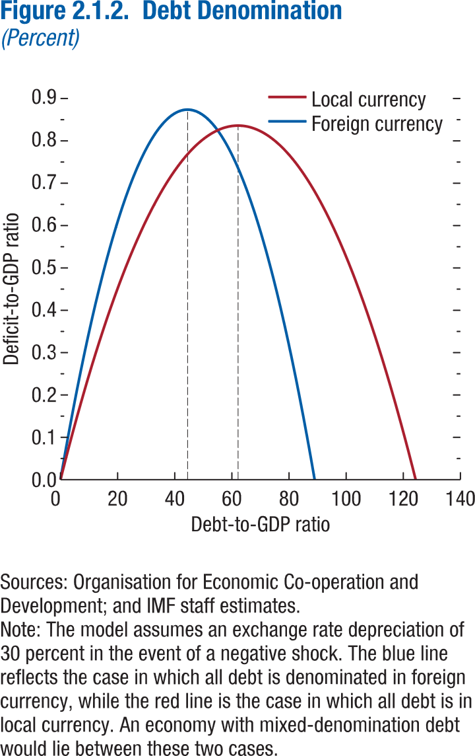
Figure 2.1.2. Debt Denomination
(Percent)

Debt-to-GDP ratio | Local Currency
0.00 | 0.00
0.05 | 0.00
0.10 | 0.00
0.15 | 0.00
0.20 | 0.01
0.25 | 0.01
0.30 | 0.01
0.35 | 0.01
0.40 | 0.01
0.45 | 0.01
0.50 | 0.01
0.55 | 0.01
0.60 | 0.02
0.65 | 0.02
0.70 | 0.02
0.75 | 0.02
0.80 | 0.02
0.85 | 0.02
0.90 | 0.02
0.95 | 0.03
1.00 | 0.03
1.05 | 0.03
1.10 | 0.03
1.15 | 0.03
...

Figure 2.2.1.
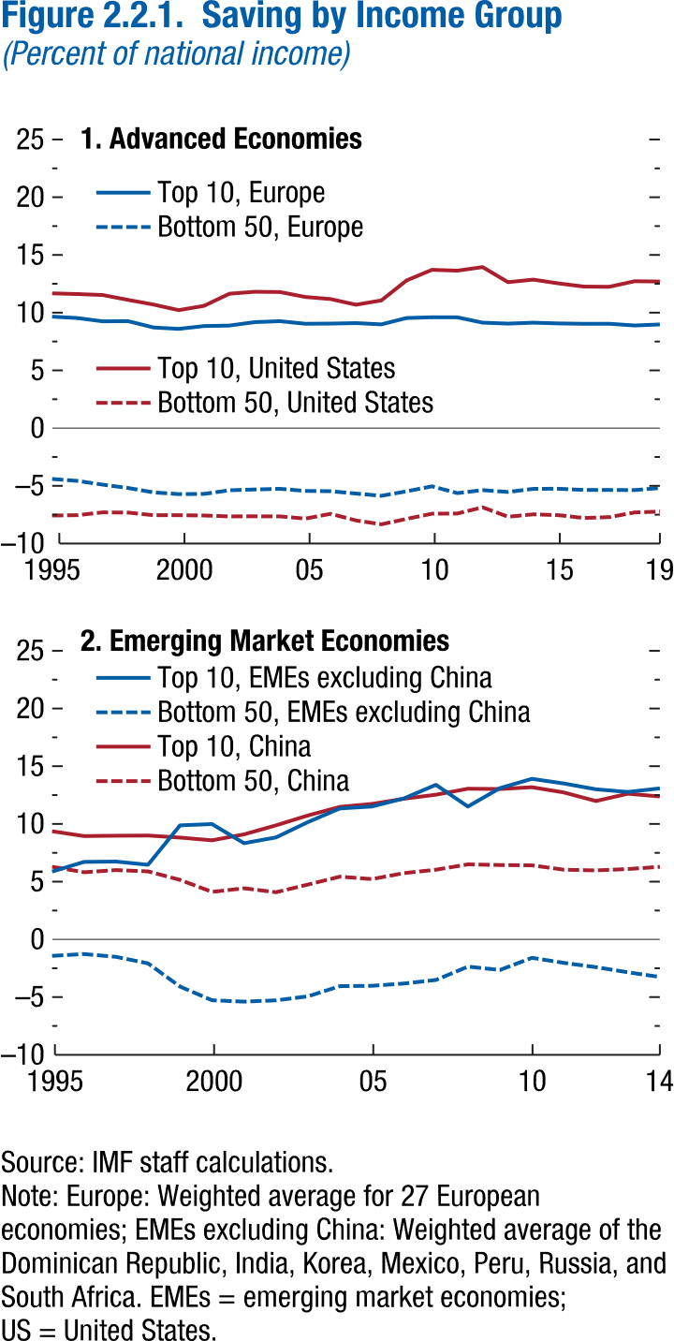
Figure 2.2.1. Saving by Income Group
(Percent of national income)

1. Advanced Economies

Year | Top 10, Europe
1995 | 9.66
1996 | 9.53
1997 | 9.25
1998 | 9.26
1999 | 8.72
2000 | 8.59
2001 | 8.84
2002 | 8.88
2003 | 9.18
2004 | 9.26
2005 | 9.04
2006 | 9.06
2007 | 9.10
2008 | 8.99
2009 | 9.54
2010 | 9.60
2011 | 9.59
2012 | 9.13
2013 | 9.05
2014 | 9.13
2015 | 9.07
2016 | 9.04
2017 | 9.04
2018 | 8.89
2019 | 8.98

Figure 2.2.2.
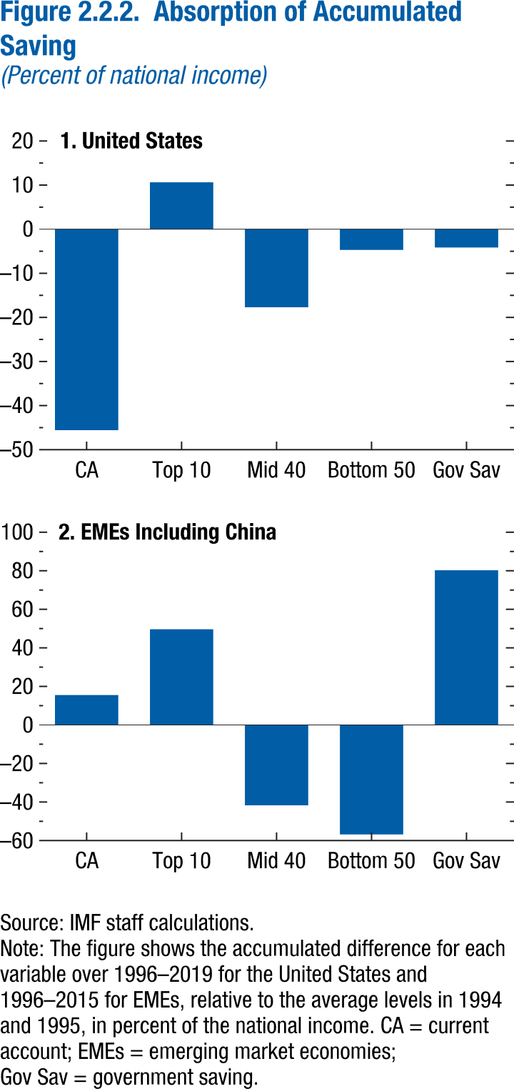
Figure 2.2.2. Absorption of Accumulated Saving
(Percent of national income)

1. United States

CA | -45.57
Top 10 | 10.64
Mid 40 | -17.71
Bottom 50 | -4.70
Gov Sav | -4.15

Annex Figure 2.2.1.
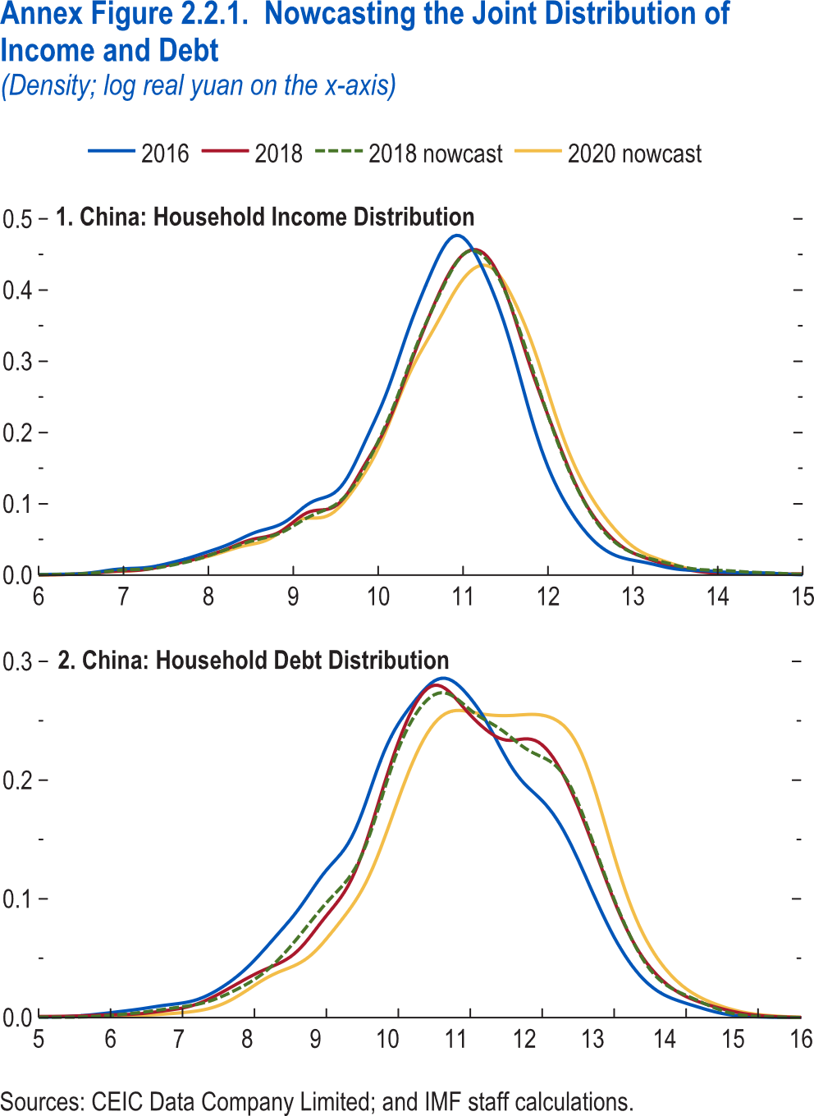
Annex Figure 2.2.1. Nowcasting the Joint Distribution of Income and Debt
(Density; log real yuan on the x-axis)

1. China: Household Income Distribution

Log real yuan | 2016 | 2018 | 2018 nowcast
6.00 | 0.00 | 0.00 | 0.00
6.04 | 0.00 | 0.00 | 0.00
6.08 | 0.00 | 0.00 | 0.00
6.12 | 0.00 | 0.00 | 0.00
6.16 | 0.00 | 0.00 | 0.00
6.20 | 0.00 | 0.00 | 0.00
6.24 | 0.00 | 0.00 | 0.00
6.28 | 0.00 | 0.00 | 0.00
6.32 | 0.00 | 0.00 | 0.00
6.36 | 0.00 | 0.00 | 0.00
6.40 | 0.00 | 0.00 | 0.00
6.44 | 0.00 | 0.00 | 0.00
6.48 | 0.00 | 0.00 | 0.00
6.52 | 0.00 | 0.00 | 0.00
6.56 | 0.00 | 0.00 | 0.00
6.60 | 0.00 | 0.00 | 0.00
6.64 | 0.00 | 0.00 | 0.00
6.68 | 0.00 | 0.00 | 0.00
6.72 | 0.00 | 0.00 | 0.00
6.76 | 0.01 | 0.00 | 0.00
6.80 | 0.01 | 0.00 | 0.00
6.84 | 0.01 | 0.00 | 0.01
6.88 | 0.01 | 0.01 | 0.01
6.92 | 0.01 | 0.01 | 0.01
6.96 | 0.01 | 0.01 | 0.01
7.00 | 0.01 | 0.01 | 0.01
7.04 | 0.01 | 0.01 | 0.01
...

Annex Figure 2.3.1.
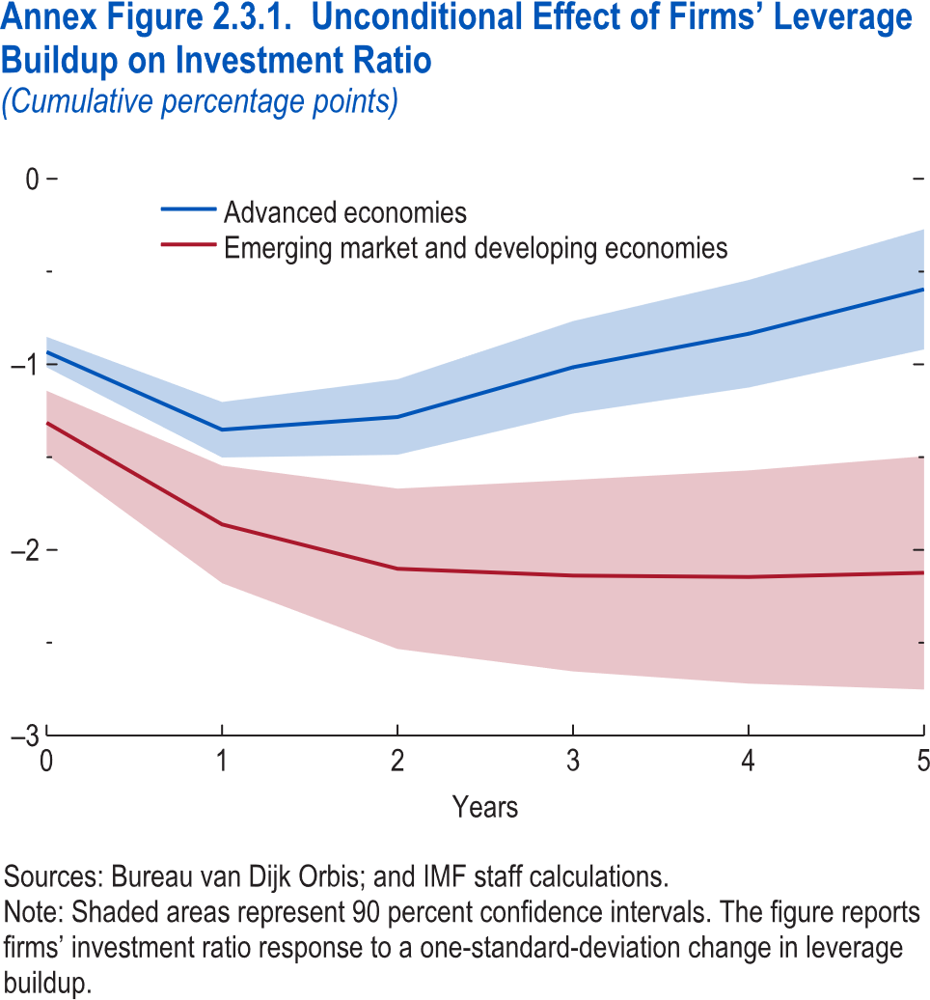
Annex Figure 2.3.1. Unconditional Effect of Firms’ Leverage Buildup on Investment Ratio
(Cumulative percentage points)

Years | Emerging market and developing economies | CI lower | CI upper
0 | -1.31 | -1.49 | -1.14
1 | -1.86 | -2.18 | -1.55
2 | -2.10 | -2.53 | -1.67
3 | -2.14 | -2.65 | -1.62
4 | -2.15 | -2.72 | -1.57
5 | -2.12 | -2.75 | -1.49

Annex Figure 2.5.1.
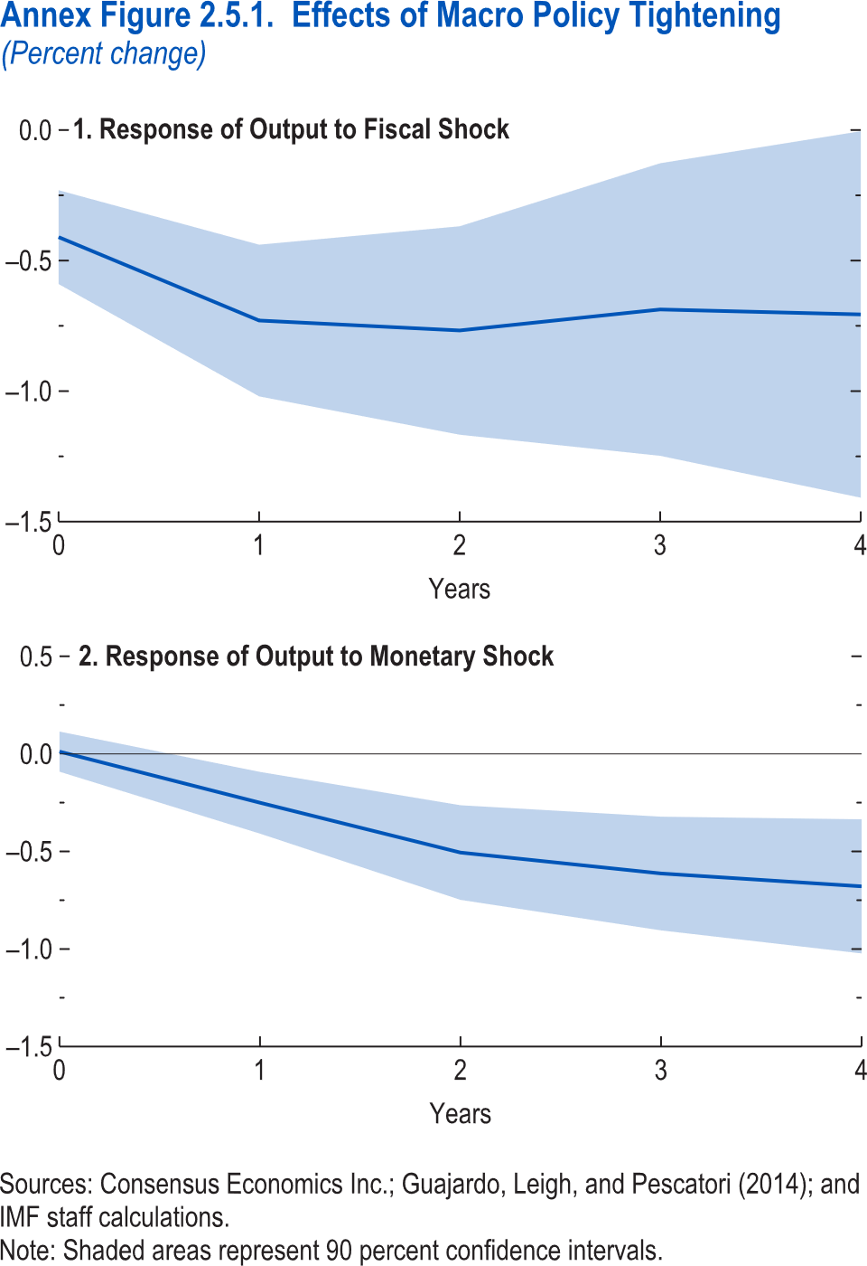
Annex Figure 2.5.1. Effects of Macro Policy Tightening
(Percent change)

1. Response of Output to Fiscal Shock

Years | Response | CI lower | CI upper
0 | -0.41 | -0.59 | -0.23
1 | -0.73 | -1.02 | -0.44
2 | -0.77 | -1.17 | -0.37
3 | -0.69 | -1.25 | -0.13
4 | -0.71 | -1.41 | 0.00

Annex Figure 2.5.2.
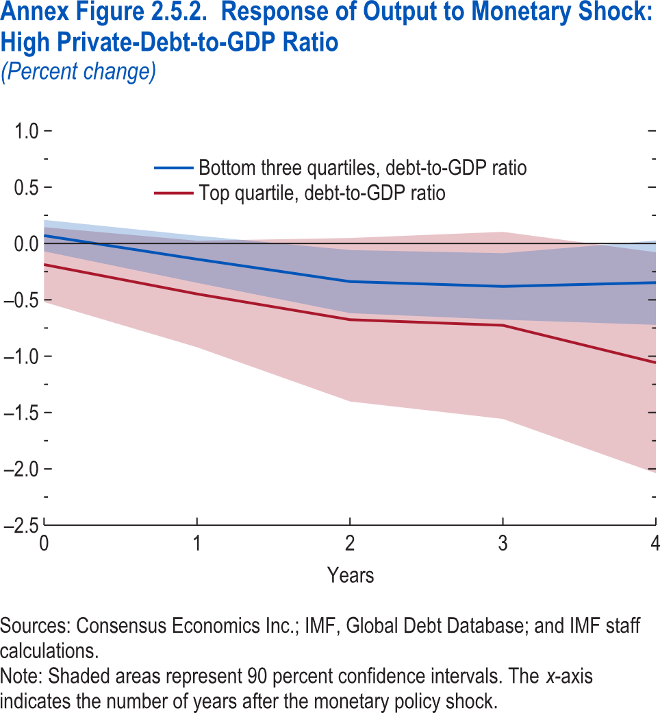
Annex Figure 2.5.2. Response of Output to Monetary Shock: High Private-Debt-to-GDP Ratio
(Percent change)

Years | Bottom three quartiles, debt-to-GDP ratio | CI lower | CI upper
0 | 0.07 | -0.07 | 0.21
1 | -0.14 | -0.35 | 0.07
2 | -0.34 | -0.62 | -0.06
3 | -0.38 | -0.68 | -0.09
4 | -0.35 | -0.72 | 0.03

Annex Figure 2.5.3.
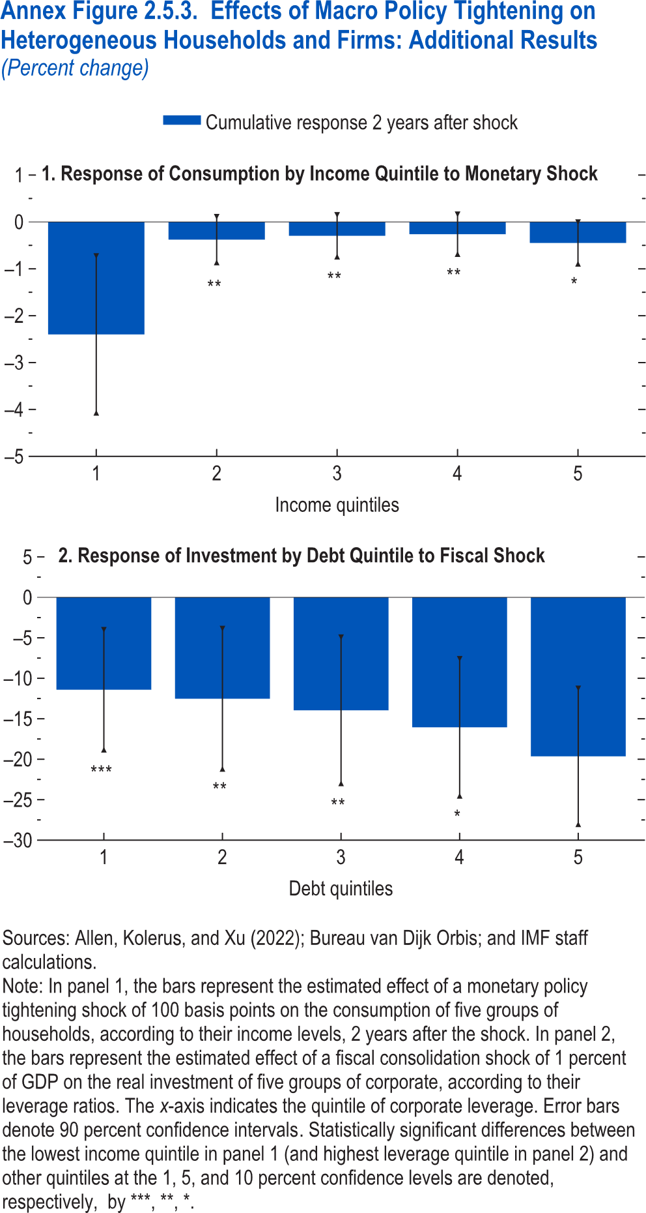
Annex Figure 2.5.3. Effects of Macro Policy Tightening on Heterogeneous Households and Firms: Additional Results
(Percent change)

1. Response of Consumption by Income Quintile to Monetary Shock

Income quintiles | Response | CI lower | CI upper
1 | -2.40 | -4.07 | -0.73
2 | -0.38 | -0.86 | 0.11
3 | -0.30 | -0.74 | 0.15
4 | -0.26 | -0.69 | 0.16
5 | -0.45 | -0.89 | 0.00

Annex Figure 2.5.4.
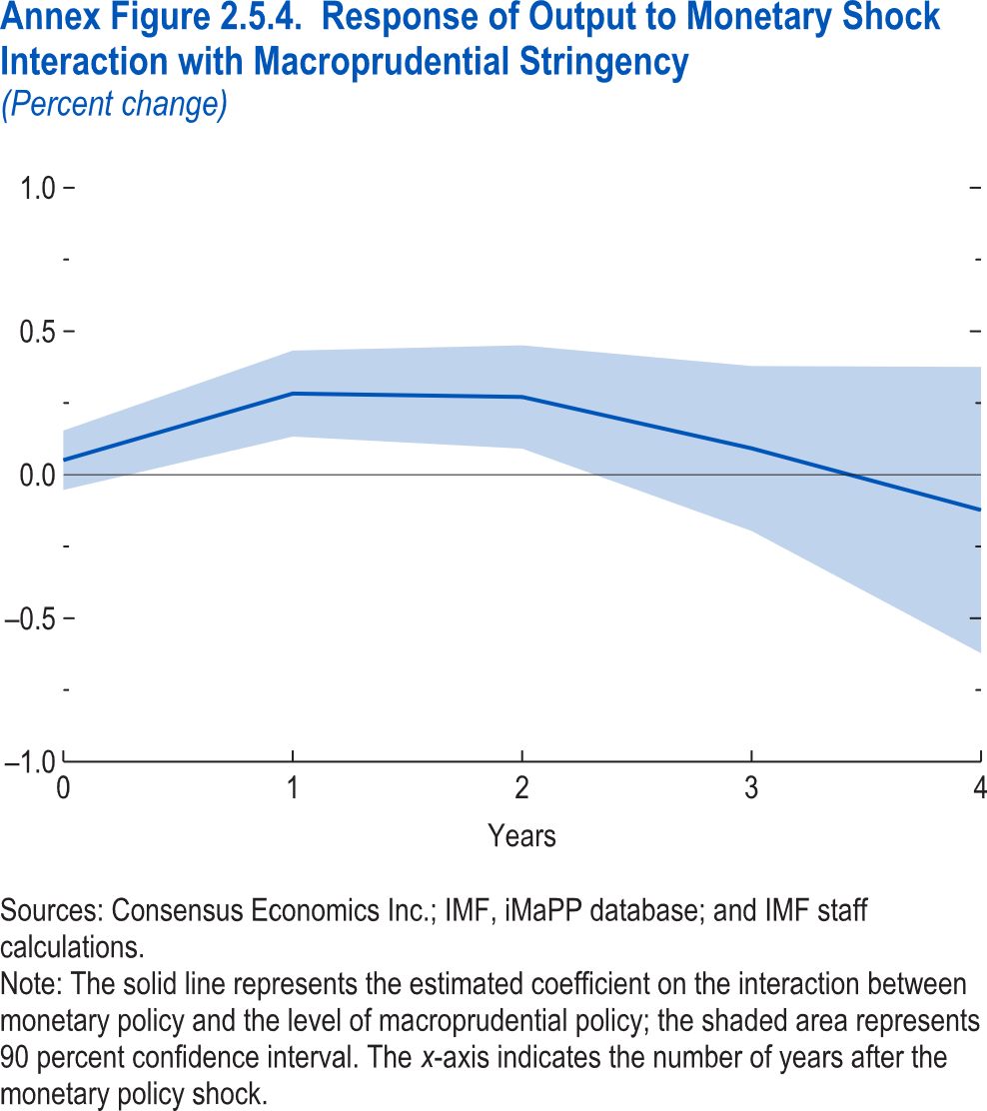
Annex Figure 2.5.4. Response of Output to Monetary Shock Interaction with Macroprudential Stringency
(Percent change)

Years | Response | CI lower | CI upper
0 | 0.05 | -0.05 | 0.15
1 | 0.28 | 0.13 | 0.43
2 | 0.27 | 0.09 | 0.45
3 | 0.09 | -0.20 | 0.38
4 | -0.12 | -0.62 | 0.38

