Figure 3.1
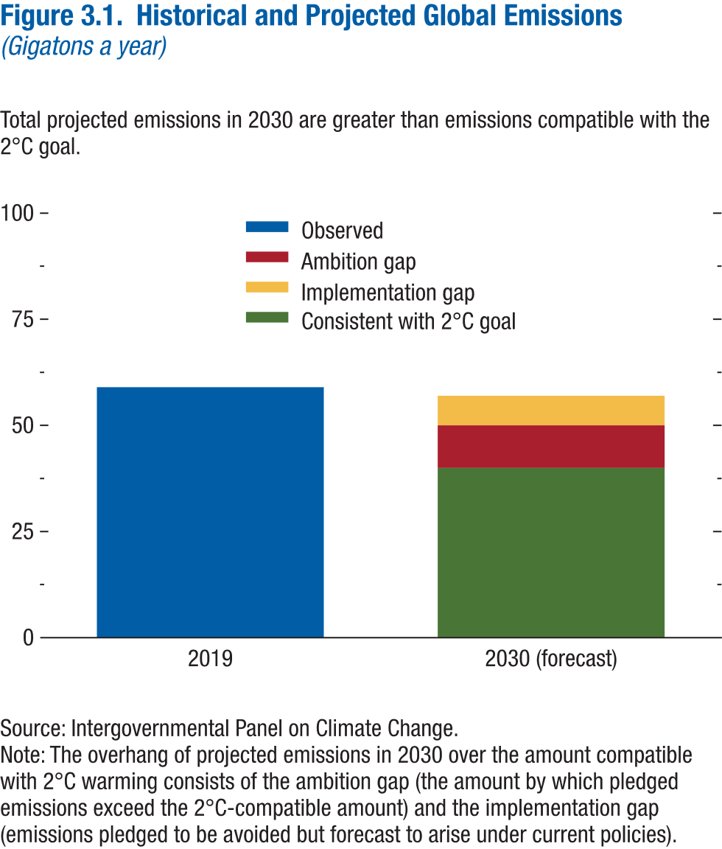
Figure 3.1. Historical and Projected Global Emissions
(Gigatons a year)

Year | Observed | Consistent with 2ºC | Implementation gap | Ambition gap
2019 | 59
2030 (forecast) |  | 40 | 7 | 10

Figure 3.2
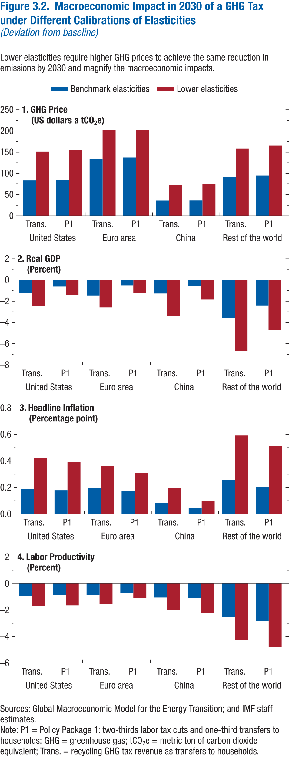
Figure 3.2. Macroeconomic Impact in 2030 of a GHG Tax Under Different Calibrations of Elasticities
(Deviation from baseline)

1. GHG Price |  |  |  | 2. Real GDP |  |  |  | 3. Headline Inflation |  |  |  | 4. Labor Productivity
(US dollars a tCO2e) |  |  |  | (Percent) |  |  |  | (Percentage Points) |  |  |  | (Percent)

Country |  | Benchmark elasticities | Lower elasticities | Country |  | Benchmark elasticities | Lower elasticities | Country |  | Benchmark elasticities | Lower elasticities | Country |  | Benchmark elasticities | Lower elasticities
United States | Trans. | 83.14 | 151.11 | United States | Trans. | -1.19 | -2.46 | United States | Trans. | 0.19 | 0.42 | United States | Trans. | -0.92 | -1.70
 | P1 | 85.02 | 154.78 |  | P1 | -0.62 | -1.42 |  | P1 | 0.18 | 0.39 |  | P1 | -0.88 | -1.64
Euro area | Trans. | 134.62 | 202.01 | Euro area | Trans. | -1.46 | -2.58 | Euro area | Trans. | 0.20 | 0.36 | Euro area | Trans. | -0.85 | -1.56
 | P1 | 137.06 | 202.7 |  | P1 | -0.51 | -1.19 |  | P1 | 0.17 | 0.31 |  | P1 | -0.72 | -1.09
China | Trans. | 35.88 | 73.17 | China | Trans. | -1.27 | -3.35 | China | Trans. | 0.08 | 0.20 | China | Trans. | -1.05 | -2.00
 | P1 | 35.97 | 74.99 |  | P1 | -0.57 | -1.84 |  | P1 | 0.05 | 0.10 |  | P1 | -1.10 | -2.20
Rest of the World | Trans. | 91.72 | 158.31 | Rest of the World | Trans. | -3.59 | -6.70 | Rest of the World | Trans. | 0.26 | 0.59 | Rest of the World | Trans. | -2.53 | -4.24
 | P1 | 94.92 | 165.6 |  | P1 | -2.40 | -4.72 |  | P1 | 0.21 | 0.51 |  | P1 | -2.81 | -4.78

Figure 3.3
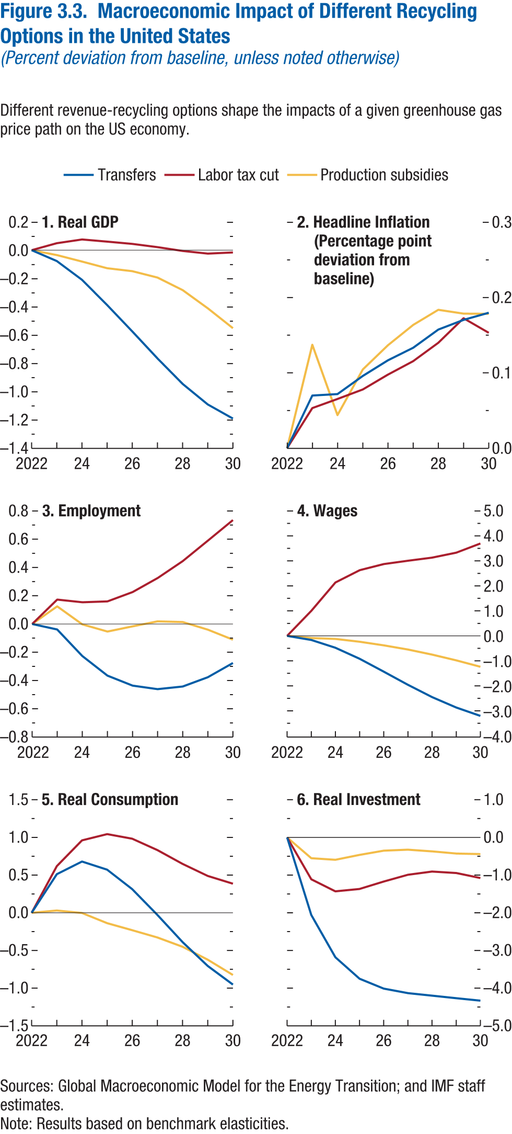
Figure 3.3. Macroeconomic Impact of Different Recycling Options in the United States
(Percent deviation from baseline, unless noted otherwise)

1. Real GDP |  |  |  | 2. Headline Inflation |  |  |  | 3. Employment |  |  |  | 4. Wages |  |  |  | 5. Real Consumption |  |  |  | 6. Real Investment
 |  |  |  | (Percentage point deviation from baseline)

Year | Transfers | Labor tax cut | Production subsidies | Year | Transfers | Labor tax cut | Production subsidies | Year | Transfers | Labor tax cut | Production subsidies | Year | Transfers | Labor tax cut | Production subsidies | Year | Transfers | Labor tax cut | Production subsidies | Year | Transfers | Labor tax cut | Production subsidies
2022 | 0.00 | 0.00 | 0.00 | 2022 | 0.00 | 0.00 | 0.00 | 2022 | 0.00 | 0.00 | 0.00 | 2022 | 0.00 | 0.00 | 0.00 | 2022 | 0.00 | 0.00 | 0.00 | 2022 | 0.00 | 0.00 | 0.00
2023 | -0.08 | 0.05 | -0.03 | 2023 | 0.07 | 0.05 | 0.14 | 2023 | -0.04 | 0.17 | 0.12 | 2023 | -0.17 | 1.00 | -0.09 | 2023 | 0.51 | 0.62 | 0.03 | 2023 | -2.06 | -1.11 | -0.55
2024 | -0.21 | 0.08 | -0.08 | 2024 | 0.07 | 0.07 | 0.04 | 2024 | -0.23 | 0.15 | 0.00 | 2024 | -0.48 | 2.14 | -0.12 | 2024 | 0.68 | 0.96 | 0.00 | 2024 | -3.18 | -1.43 | -0.59
2025 | -0.39 | 0.06 | -0.13 | 2025 | 0.10 | 0.08 | 0.10 | 2025 | -0.37 | 0.16 | -0.05 | 2025 | -0.92 | 2.63 | -0.24 | 2025 | 0.57 | 1.04 | -0.14 | 2025 | -3.75 | -1.37 | -0.46
2026 | -0.57 | 0.04 | -0.15 | 2026 | 0.12 | 0.10 | 0.14 | 2026 | -0.44 | 0.23 | -0.02 | 2026 | -1.43 | 2.87 | -0.38 | 2026 | 0.31 | 0.98 | -0.23 | 2026 | -4.01 | -1.17 | -0.35
2027 | -0.76 | 0.02 | -0.19 | 2027 | 0.13 | 0.12 | 0.16 | 2027 | -0.46 | 0.33 | 0.02 | 2027 | -1.96 | 3.01 | -0.55 | 2027 | -0.03 | 0.83 | -0.33 | 2027 | -4.13 | -0.99 | -0.33
2028 | -0.94 | -0.01 | -0.28 | 2028 | 0.16 | 0.14 | 0.18 | 2028 | -0.44 | 0.44 | 0.01 | 2028 | -2.45 | 3.13 | -0.75 | 2028 | -0.39 | 0.65 | -0.45 | 2028 | -4.20 | -0.91 | -0.37
2029 | -1.09 | -0.02 | -0.41 | 2029 | 0.17 | 0.17 | 0.18 | 2029 | -0.38 | 0.59 | -0.04 | 2029 | -2.87 | 3.33 | -0.98 | 2029 | -0.71 | 0.49 | -0.62 | 2029 | -4.27 | -0.94 | -0.43
2030 | -1.19 | -0.02 | -0.55 | 2030 | 0.18 | 0.15 | 0.18 | 2030 | -0.28 | 0.74 | -0.11 | 2030 | -3.20 | 3.70 | -1.24 | 2030 | -0.95 | 0.39 | -0.83 | 2030 | -4.33 | -1.08 | -0.44

Figure 3.4
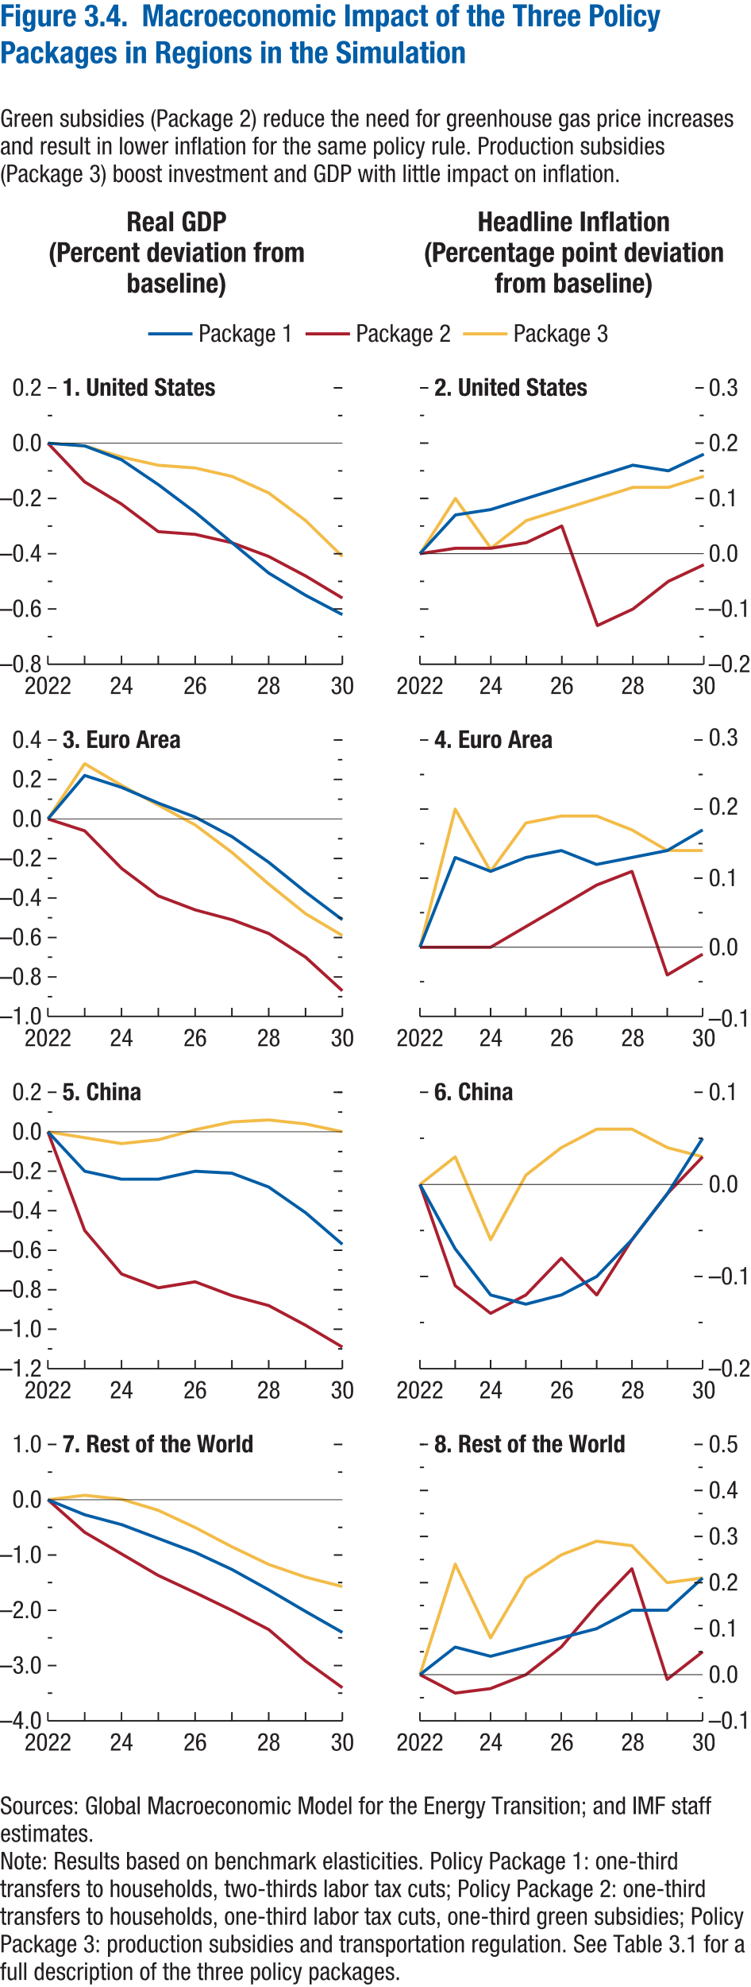
Figure 3.4. Macroeconomic Impact of the Three Policy Packages in Selected Economies

Real GDP |  |  |  |  |  |  |  |  |  |  |  |  |  |  |  | Headline Inflation
(Percent deviation from baseline) |  |  |  |  |  |  |  |  |  |  |  |  |  |  |  | (Percentage point deviation from baseline)

1. United States |  |  |  | 3. Euro Area |  |  |  | 5. China |  |  |  | 7. Rest of the World |  |  |  | 2. United States |  |  |  | 4. Euro Area |  |  |  | 6. China |  |  |  | 8. Rest of the World

Year | Package 1 | Package 2 | Package 3 | Year | Package 1 | Package 2 | Package 3 | Year | Package 1 | Package 2 | Package 3 | Year | Package 1 | Package 2 | Package 3 | Year | Package 1 | Package 2 | Package 3 | Year | Package 1 | Package 2 | Package 3 | Year | Package 1 | Package 2 | Package 3 | Year | Package 1 | Package 2 | Package 3
2022 | 0.00 | 0.00 | 0.00 | 2022 | 0.00 | 0.00 | 0.00 | 2022 | 0.00 | 0.00 | 0.00 | 2022 | 0.00 | 0.00 | 0.00 | 2022 | 0.00 | 0.00 | 0.00 | 2022 | 0.00 | 0.00 | 0.00 | 2022 | 0.00 | 0.00 | 0.00 | 2022 | 0.00 | 0.00 | 0.00
2023 | -0.01 | -0.14 | -0.01 | 2023 | 0.22 | -0.06 | 0.28 | 2023 | -0.20 | -0.50 | -0.03 | 2023 | -0.27 | -0.59 | 0.08 | 2023 | -0.01 | -0.14 | -0.01 | 2023 | 0.13 | 0.00 | 0.20 | 2023 | -0.07 | -0.11 | 0.03 | 2023 | 0.06 | -0.04 | 0.24
2024 | -0.06 | -0.22 | -0.05 | 2024 | 0.16 | -0.25 | 0.17 | 2024 | -0.24 | -0.72 | -0.06 | 2024 | -0.45 | -0.98 | 0.01 | 2024 | -0.06 | -0.22 | -0.05 | 2024 | 0.11 | 0.00 | 0.11 | 2024 | -0.12 | -0.14 | -0.06 | 2024 | 0.04 | -0.03 | 0.08
2025 | -0.15 | -0.32 | -0.08 | 2025 | 0.08 | -0.39 | 0.07 | 2025 | -0.24 | -0.79 | -0.04 | 2025 | -0.70 | -1.37 | -0.19 | 2025 | -0.15 | -0.32 | -0.08 | 2025 | 0.13 | 0.03 | 0.18 | 2025 | -0.13 | -0.12 | 0.01 | 2025 | 0.06 | 0.00 | 0.21
2026 | -0.25 | -0.33 | -0.09 | 2026 | 0.01 | -0.46 | -0.03 | 2026 | -0.20 | -0.76 | 0.01 | 2026 | -0.95 | -1.68 | -0.50 | 2026 | -0.25 | -0.33 | -0.09 | 2026 | 0.14 | 0.06 | 0.19 | 2026 | -0.12 | -0.08 | 0.04 | 2026 | 0.08 | 0.06 | 0.26
2027 | -0.36 | -0.36 | -0.12 | 2027 | -0.09 | -0.51 | -0.17 | 2027 | -0.21 | -0.83 | 0.05 | 2027 | -1.26 | -2.00 | -0.85 | 2027 | -0.36 | -0.36 | -0.12 | 2027 | 0.12 | 0.09 | 0.19 | 2027 | -0.10 | -0.12 | 0.06 | 2027 | 0.10 | 0.15 | 0.29
2028 | -0.47 | -0.41 | -0.18 | 2028 | -0.22 | -0.58 | -0.33 | 2028 | -0.28 | -0.88 | 0.06 | 2028 | -1.63 | -2.35 | -1.17 | 2028 | -0.47 | -0.41 | -0.18 | 2028 | 0.13 | 0.11 | 0.17 | 2028 | -0.06 | -0.06 | 0.06 | 2028 | 0.14 | 0.23 | 0.28
2029 | -0.55 | -0.48 | -0.28 | 2029 | -0.37 | -0.70 | -0.48 | 2029 | -0.41 | -0.98 | 0.04 | 2029 | -2.02 | -2.92 | -1.40 | 2029 | -0.55 | -0.48 | -0.28 | 2029 | 0.14 | -0.04 | 0.14 | 2029 | -0.01 | -0.01 | 0.04 | 2029 | 0.14 | -0.01 | 0.20
2030 | -0.62 | -0.56 | -0.41 | 2030 | -0.51 | -0.87 | -0.59 | 2030 | -0.57 | -1.09 | 0.00 | 2030 | -2.40 | -3.40 | -1.57 | 2030 | -0.62 | -0.56 | -0.41 | 2030 | 0.17 | -0.01 | 0.14 | 2030 | 0.05 | 0.03 | 0.03 | 2030 | 0.21 | 0.05 | 0.21

Figure 3.5
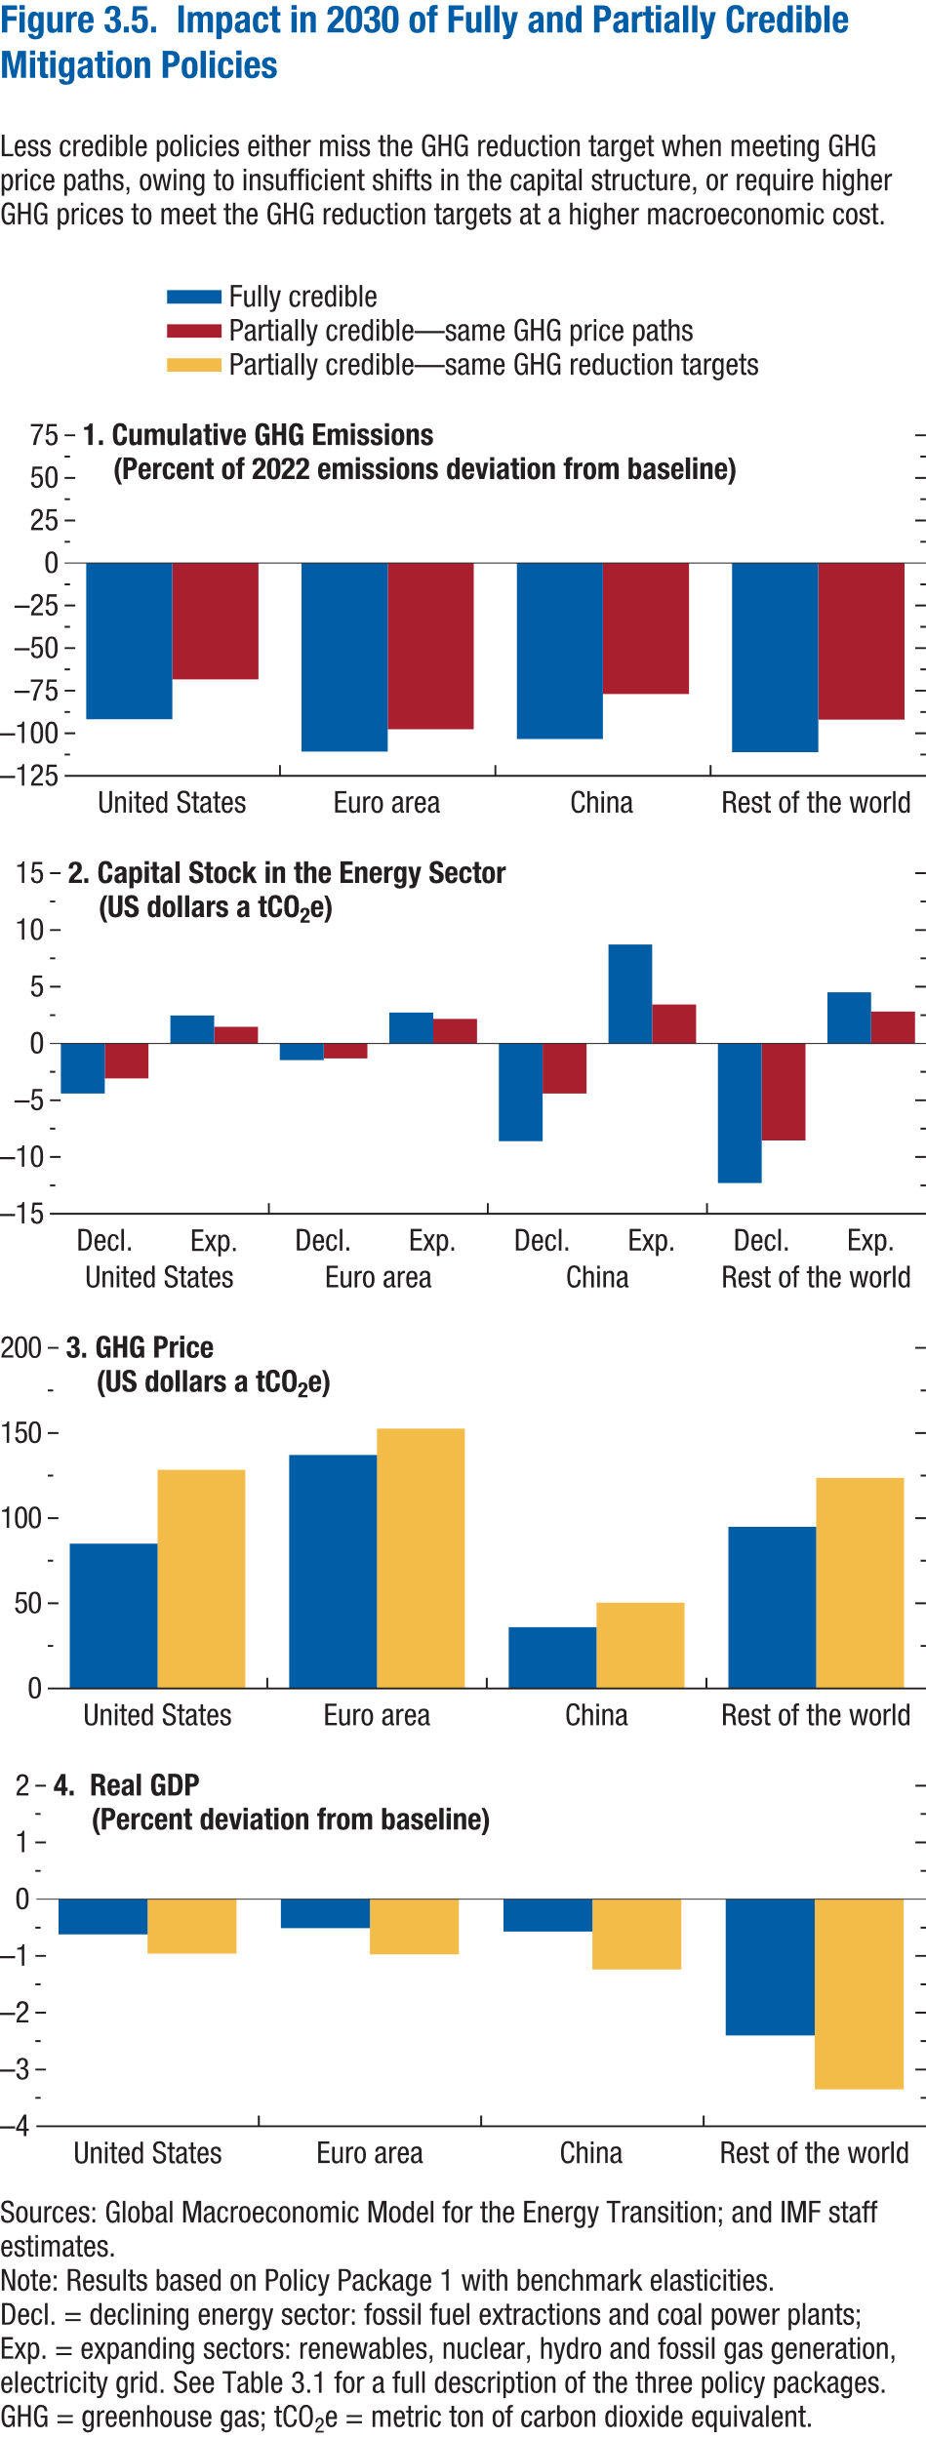
Figure 3.5. Impact in 2030 of Fully and Partially Credible Mitigation Policies

1. Cumulative GHG Emissions |  |  | 2. Capital Stock in the Energy Sector |  |  |  | 3 GHG Price |  |  | 4. Real GDP
(Percent of 2022 emissions deviation from baseline) |  |  | (US dollars a tCO2e) |  |  |  | (US dollars a tCO2e) |  |  | (Percent deviation from baseline)

Country | Fully credible | Partially credible — same GHG price paths | Country | Sector | Fully credible | Partially credible — same GHG price paths | Country | Fully credible | Partially credible — same GHG reduction targets | Country | Fully credible | Partially credible — same GHG reduction targets
United States | -91.83 | -68.32 | United States | Decl. | -4.42 | -3.07 | United States | 85.02 | 128.37 | United States | -0.62 | -0.96
Euro area | -110.78 | -97.67 |  | Exp. | 2.47 | 1.46 | Euro area | 137.06 | 152.51 | Euro area | -0.51 | -0.97
China | -103.38 | -76.95 | Euro area | Decl. | -1.47 | -1.31 | China | 35.97 | 50.35 | China | -0.57 | -1.24
Rest of the World | -111.13 | -92.00 |  | Exp. | 2.73 | 2.16 | Rest of the World | 94.92 | 123.67 | Rest of the World | -2.40 | -3.35
 |  |  | China | Decl. | -8.60 | -4.41
 |  |  |  | Exp. | 8.71 | 3.43
 |  |  | Rest of the World | Decl. | -12.29 | -8.54
 |  |  |  | Exp. | 4.50 | 2.81

Figure 3.6
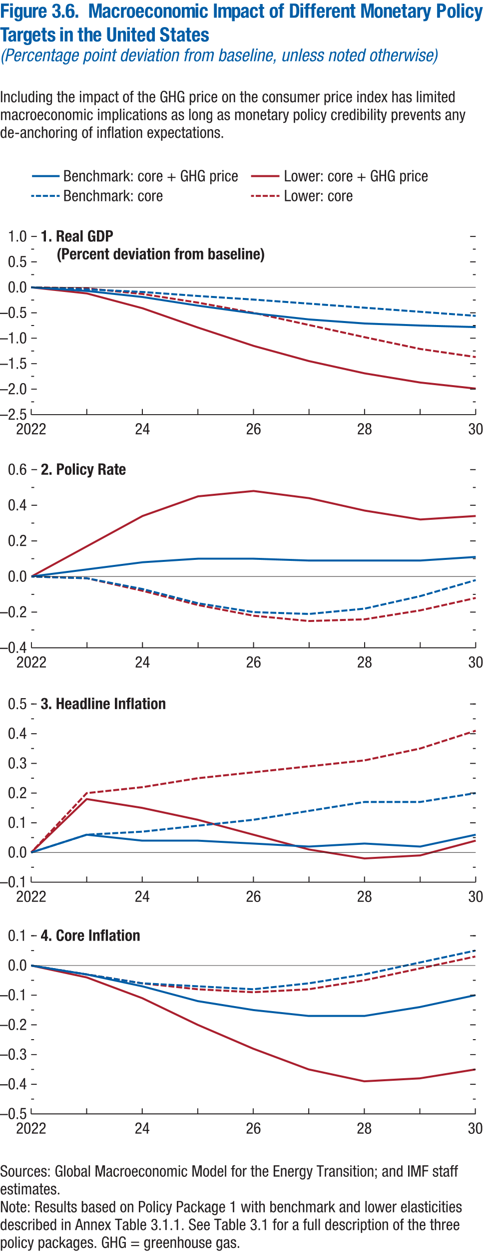
Figure 3.6. Macroeconomic Impact of Different Monetary Policy Targets in the United States
(Percentage point deviation from baseline, unless noted otherwise)

1. Real GDP |  |  |  |  | 2. Policy Rate |  |  |  |  | 3. Headline Inflation |  |  |  |  | 4. Core Inflation
(Percent deviation from baseline)

Year | Benchmark: Core + GHG price | Benchmark: Core | Lower: Core + GHG price | Lower: Core | Year | Benchmark: Core + GHG price | Benchmark: Core | Lower: Core + GHG price | Lower: Core | Year | Benchmark: Core + GHG price | Benchmark: Core | Lower: Core + GHG price | Lower: Core | Year | Benchmark: Core + GHG price | Benchmark: Core | Lower: Core + GHG price | Lower: Core
2022 | 0.00 | 0.00 | 0.00 | 0.00 | 2022 | 0.00 | 0.00 | 0.00 | 0.00 | 2022 | 0.00 | 0.00 | 0.00 | 0.00 | 2022 | 0.00 | 0.00 | 0.00 | 0.00
2023 | -0.07 | -0.04 | -0.12 | -0.02 | 2023 | 0.04 | -0.01 | 0.17 | -0.01 | 2023 | 0.06 | 0.06 | 0.18 | 0.20 | 2023 | -0.03 | -0.03 | -0.04 | -0.03
2024 | -0.19 | -0.09 | -0.41 | -0.13 | 2024 | 0.08 | -0.07 | 0.34 | -0.08 | 2024 | 0.04 | 0.07 | 0.15 | 0.22 | 2024 | -0.07 | -0.06 | -0.11 | -0.06
2025 | -0.36 | -0.17 | -0.79 | -0.30 | 2025 | 0.10 | -0.15 | 0.45 | -0.16 | 2025 | 0.04 | 0.09 | 0.11 | 0.25 | 2025 | -0.12 | -0.07 | -0.20 | -0.08
2026 | -0.51 | -0.24 | -1.15 | -0.50 | 2026 | 0.10 | -0.20 | 0.48 | -0.22 | 2026 | 0.03 | 0.11 | 0.06 | 0.27 | 2026 | -0.15 | -0.08 | -0.28 | -0.09
2027 | -0.63 | -0.32 | -1.45 | -0.74 | 2027 | 0.09 | -0.21 | 0.44 | -0.25 | 2027 | 0.02 | 0.14 | 0.01 | 0.29 | 2027 | -0.17 | -0.06 | -0.35 | -0.08
2028 | -0.71 | -0.40 | -1.69 | -0.98 | 2028 | 0.09 | -0.18 | 0.37 | -0.24 | 2028 | 0.03 | 0.17 | -0.02 | 0.31 | 2028 | -0.17 | -0.03 | -0.39 | -0.05
2029 | -0.75 | -0.48 | -1.87 | -1.21 | 2029 | 0.09 | -0.11 | 0.32 | -0.19 | 2029 | 0.02 | 0.17 | -0.01 | 0.35 | 2029 | -0.14 | 0.01 | -0.38 | -0.01
2030 | -0.78 | -0.56 | -1.99 | -1.37 | 2030 | 0.11 | -0.02 | 0.34 | -0.12 | 2030 | 0.06 | 0.20 | 0.04 | 0.41 | 2030 | -0.10 | 0.05 | -0.35 | 0.03

Figure 3.7
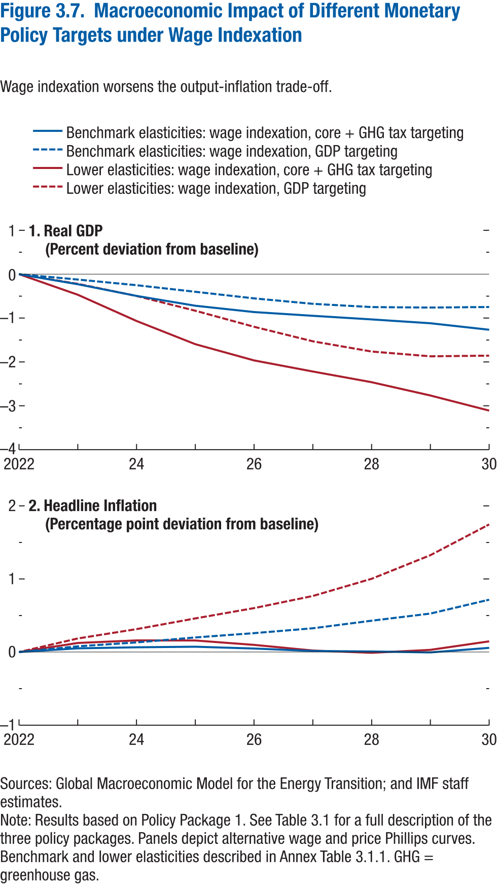
Figure 3.7. Macroeconomic Impact of Different Monetary Policy Targets under Wage Indexation

1. Real GDP |  |  |  |  | 2. Headline Inflation
(Percent deviation from baseline) |  |  |  |  | (Percentage point deviation from baseline)

Year | Benchmark elasticities: wage indexation, core + GHG tax targeting | Benchmark elasticities: wage indexation, GDP targeting | Lower elasticities: wage indexation, core + GHG tax targeting | Lower elasticities: wage indexation, GDP targeting | Year | Benchmark elasticities: wage indexation, core + GHG tax targeting | Benchmark elasticities: wage indexation, GDP targeting | Lower elasticities: wage indexation, core + GHG tax targeting | Lower elasticities: wage indexation, GDP targeting
2022 | 0.00 | 0.00 | 0.00 | 0.00 | 2022 | 0.00 | 0.00 | 0.00 | 0.00
2023 | -0.23 | -0.12 | -0.47 | -0.22 | 2023 | 0.05 | 0.08 | 0.12 | 0.19
2024 | -0.49 | -0.25 | -1.07 | -0.50 | 2024 | 0.07 | 0.13 | 0.16 | 0.31
2025 | -0.72 | -0.40 | -1.59 | -0.83 | 2025 | 0.07 | 0.20 | 0.16 | 0.46
2026 | -0.86 | -0.55 | -1.96 | -1.20 | 2026 | 0.05 | 0.26 | 0.10 | 0.60
2027 | -0.95 | -0.67 | -2.22 | -1.53 | 2027 | 0.02 | 0.33 | 0.02 | 0.77
2028 | -1.03 | -0.75 | -2.46 | -1.76 | 2028 | 0.01 | 0.43 | -0.01 | 1.00
2029 | -1.12 | -0.76 | -2.76 | -1.87 | 2029 | 0.00 | 0.53 | 0.03 | 1.33
2030 | -1.27 | -0.75 | -3.11 | -1.86 | 2030 | 0.06 | 0.72 | 0.15 | 1.75

Figure 3.8
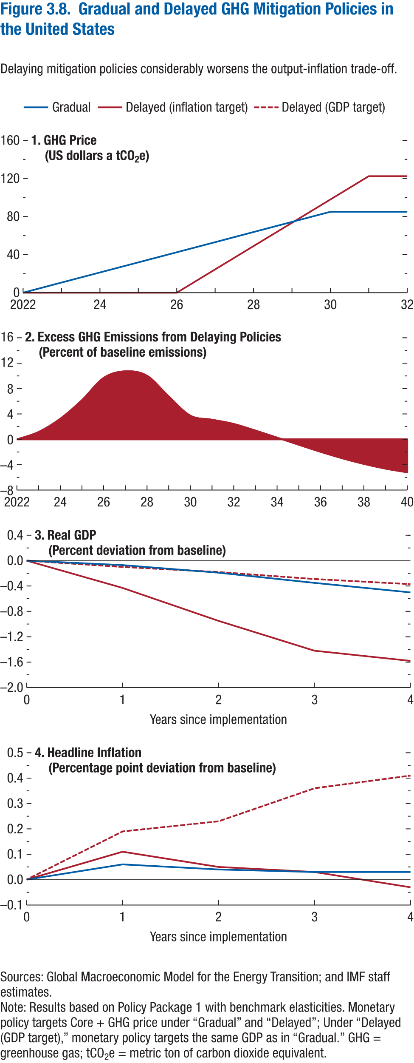
Figure 3.8. Gradual and Delayed GHG Mitigation Policies in the United States

1. GHG Price |  |  | 2. Excess GHG Emissions from Delaying Policies |  | 3. Real GDP |  |  |  | 4. Headline Inflation
(US dollars a tCO2e) |  |  | (Percent of baseline emissions) |  | (Percent deviation from baseline) |  |  |  | (Percentage point deviation from baseline)

Year | Gradual | Delayed (inflation target) | Year | Gradual | Years since implementation | Gradual | Delay (headline) | Delay (GDP) | Years since implementation | Gradual | Delay (headline) | Delayed (GDP)
2022 | 0.00 | 0.00 | 2022 | 0.00 | 0 | 0.00 | 0.00 | 0.00 | 0 | 0.00 | 0.00 | 0.00
2023 | 10.62 | 0.00 | 2023 | 1.16 | 1 | -0.07 | -0.43 | -0.10 | 1 | 0.06 | 0.11 | 0.19
2024 | 21.25 | 0.00 | 2024 | 3.25 | 2 | -0.19 | -0.95 | -0.18 | 2 | 0.04 | 0.05 | 0.23
2025 | 31.87 | 0.00 | 2025 | 6.18 | 3 | -0.35 | -1.42 | -0.29 | 3 | 0.03 | 0.03 | 0.36
2026 | 42.49 | 0.00 | 2026 | 9.68 | 4 | -0.50 | -1.58 | -0.37 | 4 | 0.03 | -0.03 | 0.41
2027 | 53.11 | 24.47 | 2027 | 10.73
2028 | 63.74 | 48.94 | 2028 | 10.02
2029 | 74.36 | 73.42 | 2029 | 6.76
2030 | 84.98 | 97.89 | 2030 | 3.72
2031 | 84.98 | 122.36 | 2031 | 3.10
2032 | 84.98 | 122.36 | 2032 | 2.43
 |  |  | 2033 | 1.38
 |  |  | 2034 | 0.27
 |  |  | 2035 | -0.86
 |  |  | 2036 | -1.97
 |  |  | 2037 | -2.99
 |  |  | 2038 | -3.88
 |  |  | 2039 | -4.62
 |  |  | 2040 | -5.20

Figure 3.1.1
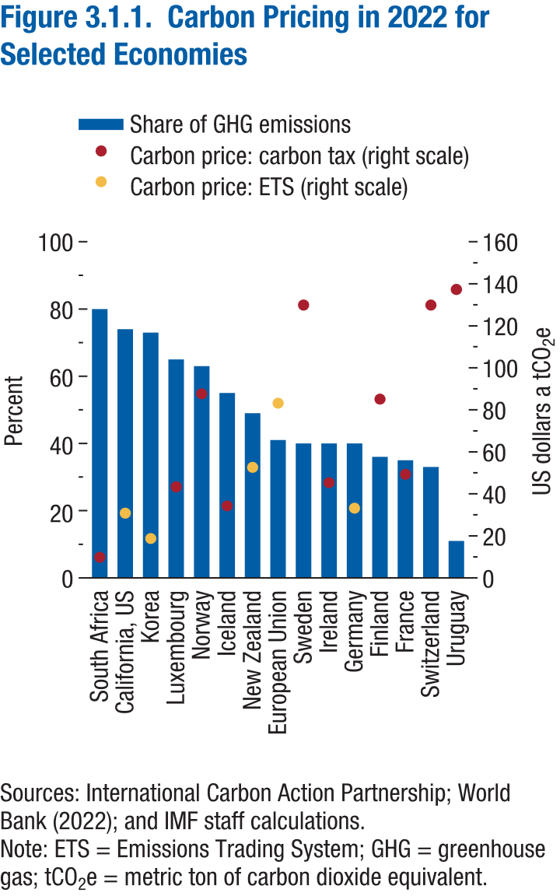
Figure 3.1.1. Carbon Pricing in 2022 for Selected Economies

Country | Carbon price: carbon tax | Carbon price: ETS | Share of GHG emssisions
South Africa | 9.84 |  | 80.00
California, US |  | 30.82 | 74.00
Korea |  | 18.75 | 73.00
Luxembourg | 43.35 |  | 65.00
Norway | 87.61 |  | 63.00
Iceland | 34.25 |  | 55.00
New Zealand |  | 52.62 | 49.00
European Union |  | 83.15 | 41.00
Sweden | 129.89 |  | 40.00
Ireland | 45.31 |  | 40.00
Germany |  | 33.16 | 40.00
Finland | 85.10 |  | 36.00
France | 49.29 |  | 35.00
Switzerland | 129.86 |  | 33.00
Uruguay | 137.30 |  | 11.00

Figure 3.2.1
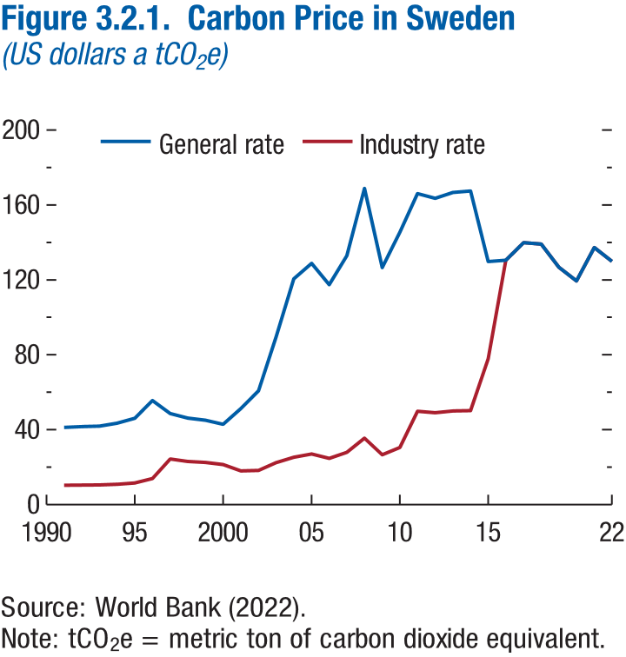
Figure 3.2.1. Carbon Price in Sweden
(US dollars a tCO2 e)

Year | General rate | Industry rate
1991 | 41.22 | 10.30
1992 | 41.65 | 10.41
1993 | 41.96 | 10.49
1994 | 43.49 | 10.87
1995 | 46.13 | 11.53
1996 | 55.55 | 13.89
1997 | 48.65 | 24.32
1998 | 46.15 | 23.08
1999 | 45.02 | 22.51
2000 | 42.85 | 21.42
2001 | 51.34 | 17.97
2002 | 60.81 | 18.24
2003 | 89.65 | 22.41
2004 | 120.53 | 25.31
2005 | 128.80 | 27.05
2006 | 117.46 | 24.67
2007 | 132.90 | 27.91
2008 | 168.83 | 35.45
2009 | 126.58 | 26.58
2010 | 145.48 | 30.55
2011 | 166.07 | 49.82
2012 | 163.52 | 49.06
2013 | 166.64 | 49.99
2014 | 167.42 | 50.23
2015 | 129.81 | 77.89
2016 | 130.50 | 130.50
2017 | 139.84 | 139.84
2018 | 139.11 | 139.11
2019 | 126.78 | 126.78
2020 | 119.43 | 119.43
2021 | 137.24 | 137.24
2022 | 129.89 | 129.89

Figure 3.2.2
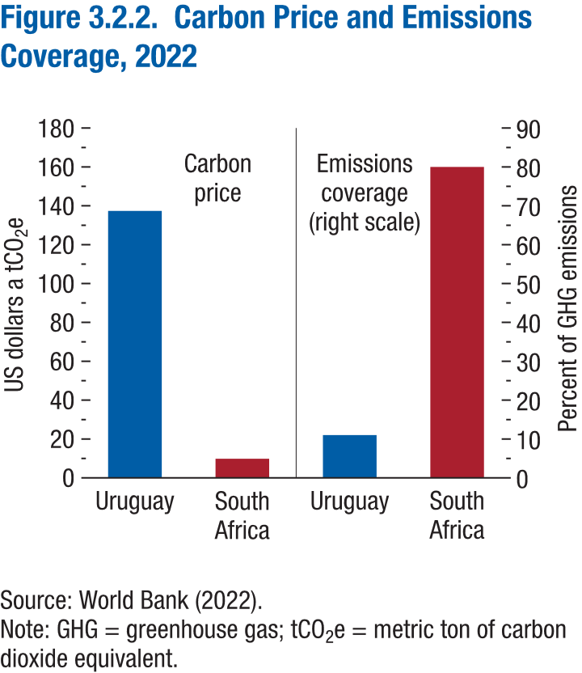
Figure 3.2.2. Carbon Price and Emissions Coverage, 2022

Country | Uruguay | South Africa | Uruguay | South Africa
Carbon Taxes | 137.30 | 9.84
Emissions Coverage |  |  | 11.00 | 80.00

Figure 3.3.1
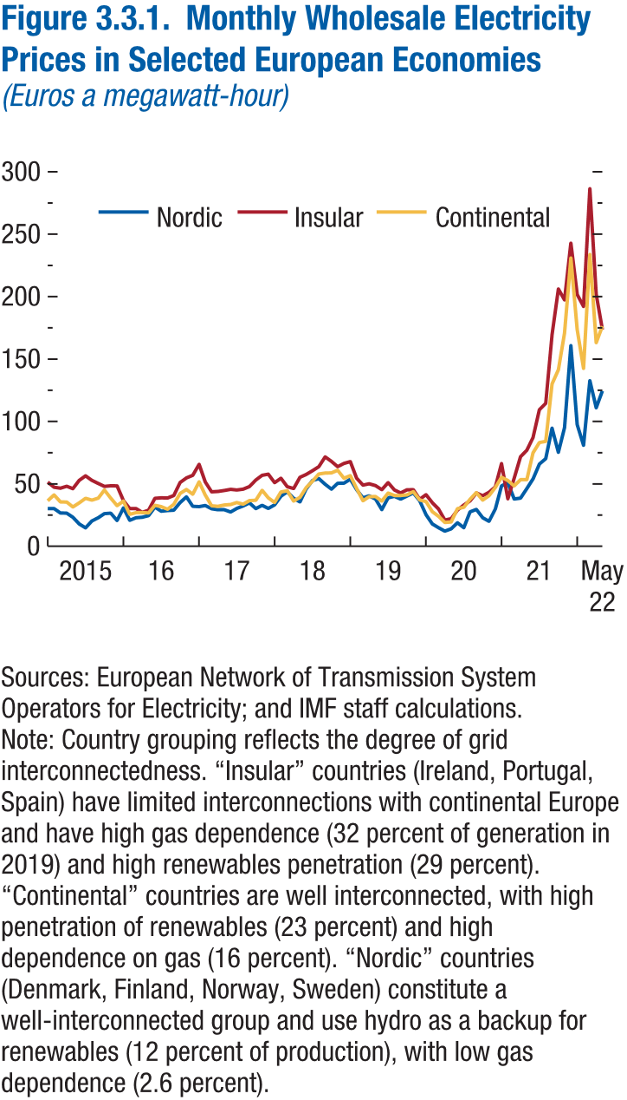
Figure 3.3.1. Monthly Wholesale Electricity Prices in Selected European Economies
(Euros a megawatt-hour)

Time | Continental | Insular | Nordic
2015M1 | 36.58 | 51.35 | 30.19
2015M2 | 41.23 | 47.42 | 30.23
2015M3 | 35.63 | 46.64 | 26.77
2015M4 | 35.51 | 48.19 | 26.64
2015M5 | 31.59 | 46.18 | 23.33
2015M6 | 34.84 | 52.90 | 17.97
2015M7 | 38.48 | 56.55 | 14.82
2015M8 | 37.05 | 52.83 | 20.35
2015M9 | 38.60 | 50.34 | 22.97
2015M10 | 45.20 | 47.98 | 26.20
2015M11 | 38.66 | 48.54 | 26.60
2015M12 | 32.58 | 48.45 | 20.66
2016M1 | 36.24 | 36.66 | 30.75
2016M2 | 25.73 | 30.21 | 20.89
2016M3 | 26.95 | 30.31 | 22.93
2016M4 | 27.10 | 27.27 | 23.30
2016M5 | 26.73 | 28.93 | 24.60
2016M6 | 32.90 | 38.48 | 31.45
2016M7 | 31.86 | 38.91 | 28.17
2016M8 | 29.77 | 38.72 | 28.66
2016M9 | 33.60 | 40.72 | 29.00
2016M10 | 42.44 | 51.13 | 35.13
2016M11 | 45.52 | 54.88 | 39.67
2016M12 | 41.68 | 56.96 | 32.08
2017M1 | 51.65 | 65.67 | 31.86
2017M2 | 41.16 | 51.52 | 32.69
2017M3 | 32.42 | 43.77 | 30.06
2017M4 | 32.08 | 43.90 | 29.28
2017M5 | 33.11 | 44.76 | 29.38
2017M6 | 33.47 | 45.64 | 27.55
2017M7 | 35.14 | 45.12 | 30.33
2017M8 | 33.73 | 45.77 | 32.28
2017M9 | 36.60 | 47.82 | 34.83
2017M10 | 36.87 | 53.09 | 30.28
2017M11 | 44.82 | 56.88 | 32.92
2017M12 | 38.85 | 57.84 | 30.37
2018M1 | 35.04 | 50.97 | 33.19
2018M2 | 43.60 | 54.58 | 40.15
2018M3 | 44.45 | 47.71 | 43.65
2018M4 | 36.28 | 46.27 | 38.48
2018M5 | 39.25 | 55.31 | 35.61
2018M6 | 46.94 | 57.59 | 45.91
2018M7 | 52.16 | 60.62 | 52.76
2018M8 | 57.93 | 63.88 | 54.29
2018M9 | 58.79 | 71.69 | 49.66
2018M10 | 58.87 | 68.05 | 45.84
2018M11 | 60.91 | 63.80 | 50.44
2018M12 | 54.51 | 66.39 | 50.60
2019M1 | 56.64 | 67.89 | 53.76
2019M2 | 46.27 | 54.52 | 45.37
2019M3 | 36.53 | 49.10 | 38.90
2019M4 | 39.84 | 50.16 | 40.47
2019M5 | 39.98 | 48.68 | 37.98
2019M6 | 36.30 | 45.36 | 29.42
2019M7 | 42.65 | 51.07 | 38.82
2019M8 | 40.73 | 45.16 | 40.02
2019M9 | 40.63 | 42.79 | 37.82
2019M10 | 41.21 | 45.21 | 40.25
2019M11 | 43.80 | 45.44 | 42.85
2019M12 | 37.18 | 37.64 | 36.46
2020M1 | 35.87 | 41.35 | 25.40
2020M2 | 27.73 | 34.97 | 18.00
2020M3 | 24.12 | 29.97 | 14.96
2020M4 | 19.12 | 21.11 | 12.18
2020M5 | 19.47 | 22.11 | 14.07
2020M6 | 30.21 | 29.09 | 18.83
2020M7 | 31.29 | 33.11 | 14.93
2020M8 | 37.73 | 36.41 | 27.58
2020M9 | 43.00 | 42.73 | 29.53
2020M10 | 37.04 | 40.60 | 22.97
2020M11 | 40.62 | 43.34 | 20.02
2020M12 | 47.27 | 47.61 | 29.96
2021M1 | 55.33 | 66.37 | 48.42
2021M2 | 52.68 | 38.12 | 50.95
2021M3 | 48.37 | 54.58 | 37.97
2021M4 | 53.33 | 71.85 | 38.64
2021M5 | 53.45 | 77.02 | 46.33
2021M6 | 74.91 | 87.22 | 54.01
2021M7 | 83.15 | 109.46 | 65.97
2021M8 | 84.09 | 114.56 | 70.26
2021M9 | 130.04 | 169.61 | 94.68
2021M10 | 141.40 | 206.13 | 75.29
2021M11 | 170.98 | 197.39 | 95.12
2021M12 | 231.03 | 242.81 | 160.75
2022M1 | 173.44 | 201.73 | 97.43
2022M2 | 142.45 | 192.12 | 80.90
2022M3 | 233.81 | 286.50 | 132.71
2022M4 | 163.16 | 201.89 | 110.99
2022M5 | 176.29 | 173.54 | 124.53

Figure 3.3.2
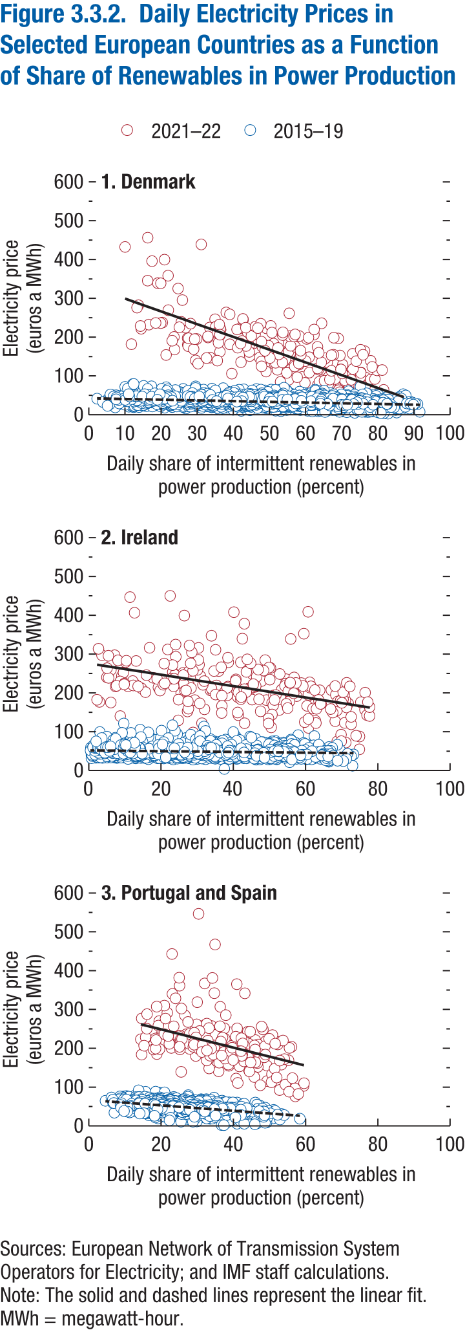
Figure 3.3.2. Daily Electricity Prices in Selected European Countries as a Function of Share of Renewables in Power Production

1. Denmark |  |  |  |  |  | 2. Ireland |  |  |  |  |  | 3. Portugal and Spain

Year | Month | Day | Electricity price | Share of intermittent renewables (2015-2019) | Share of intermittent renewables (2021-2022) | Year | Month | Day | Electricity price | Share of intermittent renewables (2015-2019) | Share of intermittent renewables (2021-2022) | Year | Month | Day | Electricity price | Share of intermittent renewables (2015-2019) | Share of intermittent renewables (2021-2022)
2015 | 1 | 1 | 15.66 | 67.35 |  | 2015 | 1 | 1 | 49.45 | 55.23 |  | 2015 | 1 | 1 | 46.5875 | 17.83043
2015 | 1 | 2 | 8.79 | 70.28 |  | 2015 | 1 | 2 | 65.28 | 40.58 |  | 2015 | 1 | 2 | 54.52042 | 10.7804
2015 | 1 | 3 | 15.79 | 61.98 |  | 2015 | 1 | 3 | 52.11 | 15.01 |  | 2015 | 1 | 3 | 53.2875 | 15.43074
2015 | 1 | 4 | 22.11 | 53.85 |  | 2015 | 1 | 4 | 48.26 | 22.63 |  | 2015 | 1 | 4 | 46.63729 | 17.20822
2015 | 1 | 5 | 38.26 | 22.12 |  | 2015 | 1 | 5 | 55.89 | 38.57 |  | 2015 | 1 | 5 | 59.85625 | 8.140089
2015 | 1 | 6 | 29.61 | 43.06 |  | 2015 | 1 | 6 | 47.41 | 31.29 |  | 2015 | 1 | 6 | 53.39292 | 10.73439
2015 | 1 | 7 | 30.64 | 47.71 |  | 2015 | 1 | 7 | 55.40 | 51.13 |  | 2015 | 1 | 7 | 64.75708 | 4.587053
2015 | 1 | 8 | 26.50 | 57.31 |  | 2015 | 1 | 8 | 45.98 | 41.10 |  | 2015 | 1 | 8 | 65.64125 | 9.727466
2015 | 1 | 9 | 26.11 | 60.20 |  | 2015 | 1 | 9 | 43.42 | 49.00 |  | 2015 | 1 | 9 | 63.1925 | 14.57496
2015 | 1 | 10 | 20.85 | 57.44 |  | 2015 | 1 | 10 | 43.65 | 51.07 |  | 2015 | 1 | 10 | 56.98563 | 15.66299
2015 | 1 | 11 | 15.42 | 67.57 |  | 2015 | 1 | 11 | 48.58 | 52.38 |  | 2015 | 1 | 11 | 46.73625 | 24.39488
2015 | 1 | 12 | 19.61 | 66.85 |  | 2015 | 1 | 12 | 53.94 | 42.28 |  | 2015 | 1 | 12 | 58.20833 | 21.13475
2015 | 1 | 13 | 27.40 | 45.00 |  | 2015 | 1 | 13 | 46.64 | 30.84 |  | 2015 | 1 | 13 | 57.10271 | 22.60681
2015 | 1 | 14 | 25.75 | 49.87 |  | 2015 | 1 | 14 | 42.28 | 43.00 |  | 2015 | 1 | 14 | 61.12083 | 19.84314
2015 | 1 | 15 | 23.69 | 61.34 |  | 2015 | 1 | 15 | 54.17 | 44.61 |  | 2015 | 1 | 15 | 47.53333 | 34.17391
2015 | 1 | 16 | 24.03 | 58.25 |  | 2015 | 1 | 16 | 55.96 | 21.72 |  | 2015 | 1 | 16 | 52.6625 | 31.73734
2015 | 1 | 17 | 27.97 | 50.03 |  | 2015 | 1 | 17 | 50.08 | 14.42 |  | 2015 | 1 | 17 | 46.59583 | 24.49473
2015 | 1 | 18 | 27.77 | 26.12 |  | 2015 | 1 | 18 | 51.55 | 30.90 |  | 2015 | 1 | 18 | 42.88667 | 23.35986
2015 | 1 | 19 | 34.40 | 8.47 |  | 2015 | 1 | 19 | 53.08 | 18.48 |  | 2015 | 1 | 19 | 52.52 | 26.1353
2015 | 1 | 20 | 40.45 | 12.49 |  | 2015 | 1 | 20 | 48.95 | 19.80 |  | 2015 | 1 | 20 | 61.13 | 16.21939
2015 | 1 | 21 | 41.57 | 2.29 |  | 2015 | 1 | 21 | 44.73 | 17.70 |  | 2015 | 1 | 21 | 51.27958 | 29.12943
2015 | 1 | 22 | 42.01 | 2.30 |  | 2015 | 1 | 22 | 75.26 | 7.85 |  | 2015 | 1 | 22 | 50.83042 | 31.34087
2015 | 1 | 23 | 40.02 | 21.53 |  | 2015 | 1 | 23 | 46.22 | 41.01 |  | 2015 | 1 | 23 | 53.73188 | 28.38722
2015 | 1 | 24 | 28.01 | 45.89 |  | 2015 | 1 | 24 | 52.11 | 25.86 |  | 2015 | 1 | 24 | 46.76583 | 31.8236
2015 | 1 | 25 | 28.63 | 23.66 |  | 2015 | 1 | 25 | 46.99 | 42.43 |  | 2015 | 1 | 25 | 40.7375 | 35.97406
2015 | 1 | 26 | 28.51 | 42.69 |  | 2015 | 1 | 26 | 61.66 | 28.11 |  | 2015 | 1 | 26 | 58.05667 | 24.07668
2015 | 1 | 27 | 29.18 | 39.47 |  | 2015 | 1 | 27 | 50.28 | 26.22 |  | 2015 | 1 | 27 | 55.60437 | 27.26535
2015 | 1 | 28 | 26.80 | 57.39 |  | 2015 | 1 | 28 | 45.13 | 50.28 |  | 2015 | 1 | 28 | 57.55458 | 26.88694
2015 | 1 | 29 | 27.03 | 46.71 |  | 2015 | 1 | 29 | 48.92 | 49.06 |  | 2015 | 1 | 29 | 43.38625 | 43.12561
2015 | 1 | 30 | 30.37 | 8.38 |  | 2015 | 1 | 30 | 46.32 | 41.87 |  | 2015 | 1 | 30 | 33.05333 | 46.66908
2015 | 1 | 31 | 28.00 | 19.48 |  | 2015 | 1 | 31 | 42.89 | 51.40 |  | 2015 | 1 | 31 | 18.96583 | 47.60936
2015 | 2 | 1 | 27.76 | 32.64 |  | 2015 | 2 | 1 | 53.08 | 18.41 |  | 2015 | 2 | 1 | 17.88375 | 40.62955
2015 | 2 | 2 | 33.88 | 21.63 |  | 2015 | 2 | 2 | 56.81 | 1.38 |  | 2015 | 2 | 2 | 47.47625 | 31.66114
2015 | 2 | 3 | 38.74 | 20.44 |  | 2015 | 2 | 3 | 53.98 | 14.05 |  | 2015 | 2 | 3 | 43.43042 | 35.99419
2015 | 2 | 4 | 44.11 | 16.49 |  | 2015 | 2 | 4 | 50.79 | 10.22 |  | 2015 | 2 | 4 | 39.30292 | 38.84713
2015 | 2 | 5 | 39.96 | 9.47 |  | 2015 | 2 | 5 | 55.28 | 9.85 |  | 2015 | 2 | 5 | 43.23542 | 34.40297
2015 | 2 | 6 | 34.19 | 28.52 |  | 2015 | 2 | 6 | 55.33 | 7.74 |  | 2015 | 2 | 6 | 46.63583 | 25.55807
2015 | 2 | 7 | 23.86 | 64.06 |  | 2015 | 2 | 7 | 51.81 | 16.20 |  | 2015 | 2 | 7 | 52.9575 | 15.01374
2015 | 2 | 8 | 17.86 | 59.95 |  | 2015 | 2 | 8 | 52.17 | 3.20 |  | 2015 | 2 | 8 | 39.54542 | 32.9792
2015 | 2 | 9 | 26.72 | 57.30 |  | 2015 | 2 | 9 | 60.92 | 5.61 |  | 2015 | 2 | 9 | 52.30563 | 29.28756
2015 | 2 | 10 | 29.84 | 51.23 |  | 2015 | 2 | 10 | 60.73 | 5.57 |  | 2015 | 2 | 10 | 60.18187 | 14.89814
2015 | 2 | 11 | 40.22 | 17.61 |  | 2015 | 2 | 11 | 84.03 | 5.31 |  | 2015 | 2 | 11 | 64.28709 | 9.555964
2015 | 2 | 12 | 41.83 | 9.52 |  | 2015 | 2 | 12 | 62.78 | 23.02 |  | 2015 | 2 | 12 | 65.34417 | 7.986952
2015 | 2 | 13 | 34.79 | 18.00 |  | 2015 | 2 | 13 | 57.30 | 29.97 |  | 2015 | 2 | 13 | 50.73208 | 25.47757
2015 | 2 | 14 | 28.61 | 35.02 |  | 2015 | 2 | 14 | 71.72 | 13.19 |  | 2015 | 2 | 14 | 38.44417 | 40.77465
2015 | 2 | 15 | 26.33 | 57.78 |  | 2015 | 2 | 15 | 55.80 | 37.25 |  | 2015 | 2 | 15 | 29.55625 | 38.25037
2015 | 2 | 16 | 27.60 | 52.08 |  | 2015 | 2 | 16 | 63.30 | 22.23 |  | 2015 | 2 | 16 | 51.06166 | 27.72514
2015 | 2 | 17 | 35.34 | 29.77 |  | 2015 | 2 | 17 | 59.37 | 33.51 |  | 2015 | 2 | 17 | 39.37708 | 40.47978
2015 | 2 | 18 | 27.26 | 60.54 |  | 2015 | 2 | 18 | 57.08 | 48.40 |  | 2015 | 2 | 18 | 46.70813 | 29.18388
2015 | 2 | 19 | 25.91 | 63.72 |  | 2015 | 2 | 19 | 61.26 | 29.32 |  | 2015 | 2 | 19 | 56.29583 | 15.10205
2015 | 2 | 20 | 25.79 | 49.90 |  | 2015 | 2 | 20 | 53.76 | 20.22 |  | 2015 | 2 | 20 | 52.08708 | 17.29973
2015 | 2 | 21 | 25.89 | 21.72 |  | 2015 | 2 | 21 | 49.52 | 33.66 |  | 2015 | 2 | 21 | 33.83 | 38.12593
2015 | 2 | 22 | 25.43 | 45.14 |  | 2015 | 2 | 22 | 49.37 | 47.14 |  | 2015 | 2 | 22 | 16.93396 | 42.11277
2015 | 2 | 23 | 24.80 | 52.55 |  | 2015 | 2 | 23 | 54.91 | 50.64 |  | 2015 | 2 | 23 | 29.12958 | 43.39782
2015 | 2 | 24 | 25.85 | 54.95 |  | 2015 | 2 | 24 | 56.46 | 42.33 |  | 2015 | 2 | 24 | 26.90875 | 43.46974
2015 | 2 | 25 | 30.20 | 29.81 |  | 2015 | 2 | 25 | 56.23 | 39.01 |  | 2015 | 2 | 25 | 34.2275 | 40.96305
2015 | 2 | 26 | 26.99 | 47.08 |  | 2015 | 2 | 26 | 53.14 | 44.46 |  | 2015 | 2 | 26 | 40.78708 | 36.13511
2015 | 2 | 27 | 26.77 | 16.98 |  | 2015 | 2 | 27 | 53.34 | 32.73 |  | 2015 | 2 | 27 | 39.33916 | 36.60964
2015 | 2 | 28 | 26.19 | 49.05 |  | 2015 | 2 | 28 | 47.23 | 41.23 |  | 2015 | 2 | 28 | 35.02083 | 32.51532
2015 | 3 | 1 | 15.33 | 62.60 |  | 2015 | 3 | 1 | 55.85 | 42.26 |  | 2015 | 3 | 1 | 25.24354 | 36.86957
2015 | 3 | 2 | 25.24 | 47.46 |  | 2015 | 3 | 2 | 55.95 | 36.74 |  | 2015 | 3 | 2 | 44.10583 | 23.58828
2015 | 3 | 3 | 25.62 | 40.89 |  | 2015 | 3 | 3 | 50.77 | 35.58 |  | 2015 | 3 | 3 | 54.21583 | 12.88203
2015 | 3 | 4 | 26.41 | 34.19 |  | 2015 | 3 | 4 | 60.30 | 24.25 |  | 2015 | 3 | 4 | 33.99208 | 35.27082
2015 | 3 | 5 | 32.45 | 31.96 |  | 2015 | 3 | 5 | 56.12 | 39.75 |  | 2015 | 3 | 5 | 27.45583 | 40.52636
2015 | 3 | 6 | 27.43 | 45.74 |  | 2015 | 3 | 6 | 44.24 | 49.28 |  | 2015 | 3 | 6 | 48.23792 | 20.64248
2015 | 3 | 7 | 22.39 | 67.12 |  | 2015 | 3 | 7 | 39.50 | 50.56 |  | 2015 | 3 | 7 | 45.58042 | 16.52856
2015 | 3 | 8 | 21.10 | 61.57 |  | 2015 | 3 | 8 | 58.08 | 27.64 |  | 2015 | 3 | 8 | 37.11083 | 20.37683
2015 | 3 | 9 | 31.95 | 31.05 |  | 2015 | 3 | 9 | 45.07 | 45.06 |  | 2015 | 3 | 9 | 46.71208 | 14.24828
2015 | 3 | 10 | 24.34 | 61.95 |  | 2015 | 3 | 10 | 66.71 | 19.80 |  | 2015 | 3 | 10 | 53.50458 | 9.513147
2015 | 3 | 11 | 30.56 | 34.66 |  | 2015 | 3 | 11 | 59.54 | 36.75 |  | 2015 | 3 | 11 | 48.5 | 12.75031
2015 | 3 | 12 | 33.89 | 12.42 |  | 2015 | 3 | 12 | 61.35 | 30.90 |  | 2015 | 3 | 12 | 46.20417 | 19.04704
2015 | 3 | 13 | 26.52 | 37.36 |  | 2015 | 3 | 13 | 71.24 | 4.12 |  | 2015 | 3 | 13 | 42.05042 | 29.61833
2015 | 3 | 14 | 24.26 | 46.14 |  | 2015 | 3 | 14 | 56.00 | 9.06 |  | 2015 | 3 | 14 | 40.76333 | 31.21132
2015 | 3 | 15 | 23.99 | 50.71 |  | 2015 | 3 | 15 | 54.97 | 14.04 |  | 2015 | 3 | 15 | 41.54583 | 20.82419
2015 | 3 | 16 | 24.42 | 59.96 |  | 2015 | 3 | 16 | 66.60 | 8.49 |  | 2015 | 3 | 16 | 54.13458 | 13.75517
2015 | 3 | 17 | 25.26 | 43.95 |  | 2015 | 3 | 17 | 55.57 | 4.41 |  | 2015 | 3 | 17 | 46.43458 | 21.56449
2015 | 3 | 18 | 35.06 | 21.54 |  | 2015 | 3 | 18 | 58.90 | 0.58 |  | 2015 | 3 | 18 | 46.34583 | 22.50906
...

Annex Figure 3.2.1
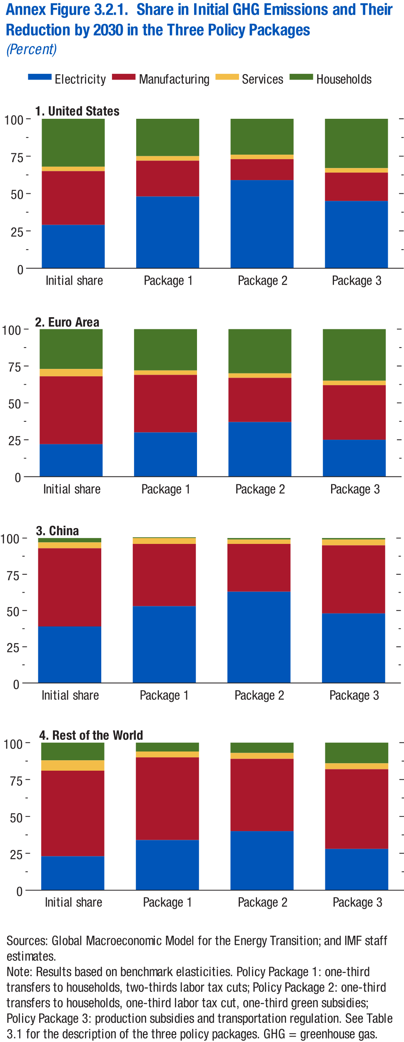
Annex Figure 3.2.1. Share in Initial GHG Emissions and Their Reduction by 2030 in the Three Policy Packages
(Percent)

1. United States

 | Electricity | Manufactiring | Services
Initial share | 29.00 | 36.00 | 3.00
Package 1 | 48.00 | 24.00 | 3.00
Package 2 | 59.00 | 14.00 | 3.00
Package 3 | 45.00 | 19.00 | 3.00

Annex Figure 3.2.2
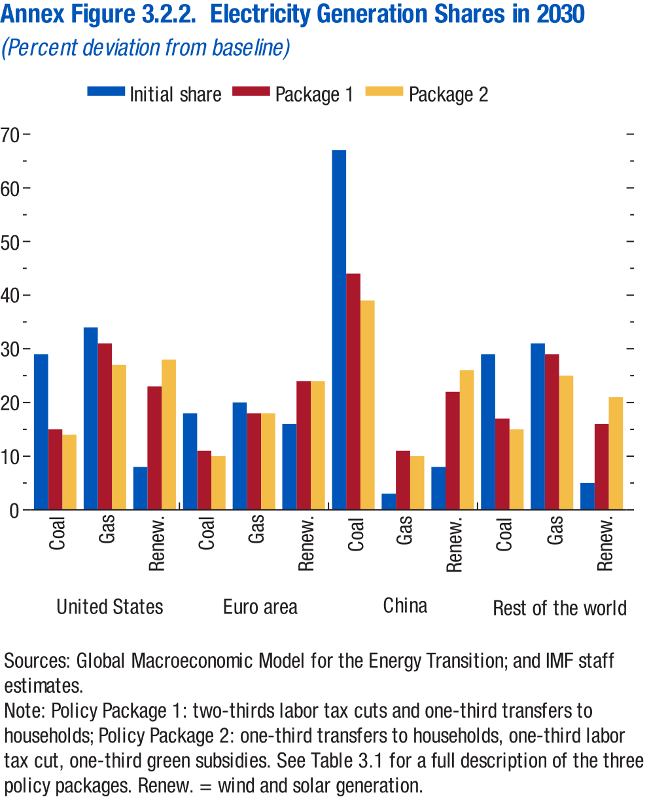
Annex Figure 3.2.2. Electricity Generation Shares in 2030
(Percent deviation from baseline)

 |  | Initial share | Package 1
United States | Coal | 29 | 15
 | Gas | 34 | 31
 | Renew. | 8 | 23
Euro area | Coal | 18 | 11
 | Gas | 20 | 18
 | Renew. | 16 | 24
China | Coal | 67 | 44
 | Gas | 3 | 11
 | Renew. | 8 | 22
Rest of the world | Coal | 29 | 17
 | Gas | 31 | 29
 | Renew. | 5 | 16

Annex Figure 3.2.3
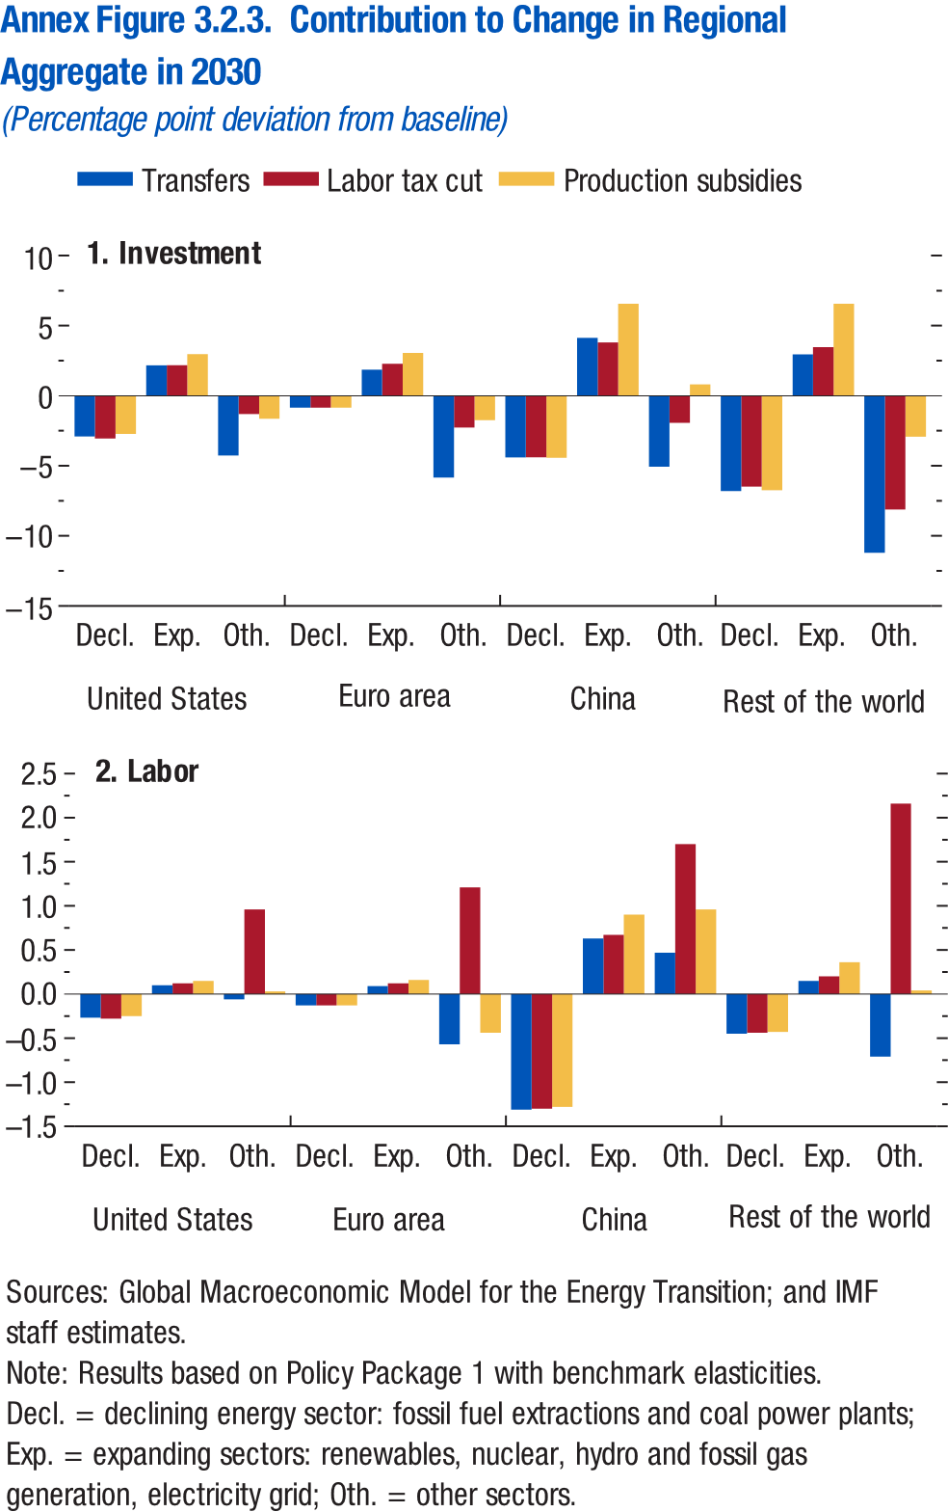
Annex Figure 3.2.3. Contribution to Change in Regional Aggregate in 2030
(Percentage point deviation from baseline)

1. Investment

Country | Sector | Transfers | Labor tax cut
United States | Decl. | -2.91 | -3.05
 | Exp. | 2.16 | 2.18
 | Oth. | -4.27 | -1.31
Euro area | Decl. | -0.86 | -0.86
 | Exp. | 1.86 | 2.28
 | Oth. | -5.84 | -2.27
China | Decl. | -4.40 | -4.39
 | Exp. | 4.13 | 3.80
 | Oth. | -5.07 | -1.94
Rest of the world | Decl. | -6.80 | -6.49
 | Exp. | 2.95 | 3.47
 | Oth. | -11.21 | -8.12

Annex Figure 3.3.1
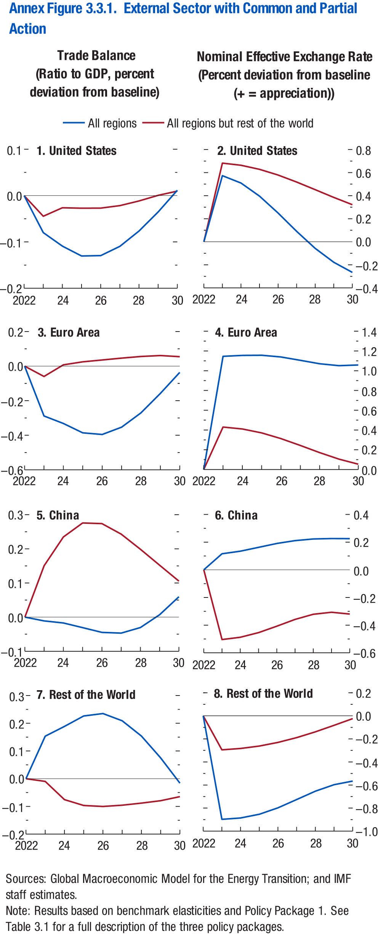
Annex Figure 3.3.1. External Sector with Common and Partial Action

1. United States: Trade Balance
(Ratio to GDP, percent deviation from baseline)

Year | All Regions | All regions but rest of the world
2022 | 0.00 | 0.00
2023 | -0.08 | -0.04
2024 | -0.11 | -0.03
2025 | -0.13 | -0.03
2026 | -0.13 | -0.03
2027 | -0.11 | -0.02
2028 | -0.08 | -0.01
2029 | -0.04 | 0.00
2030 | 0.01 | 0.01

Annex Figure 3.3.2
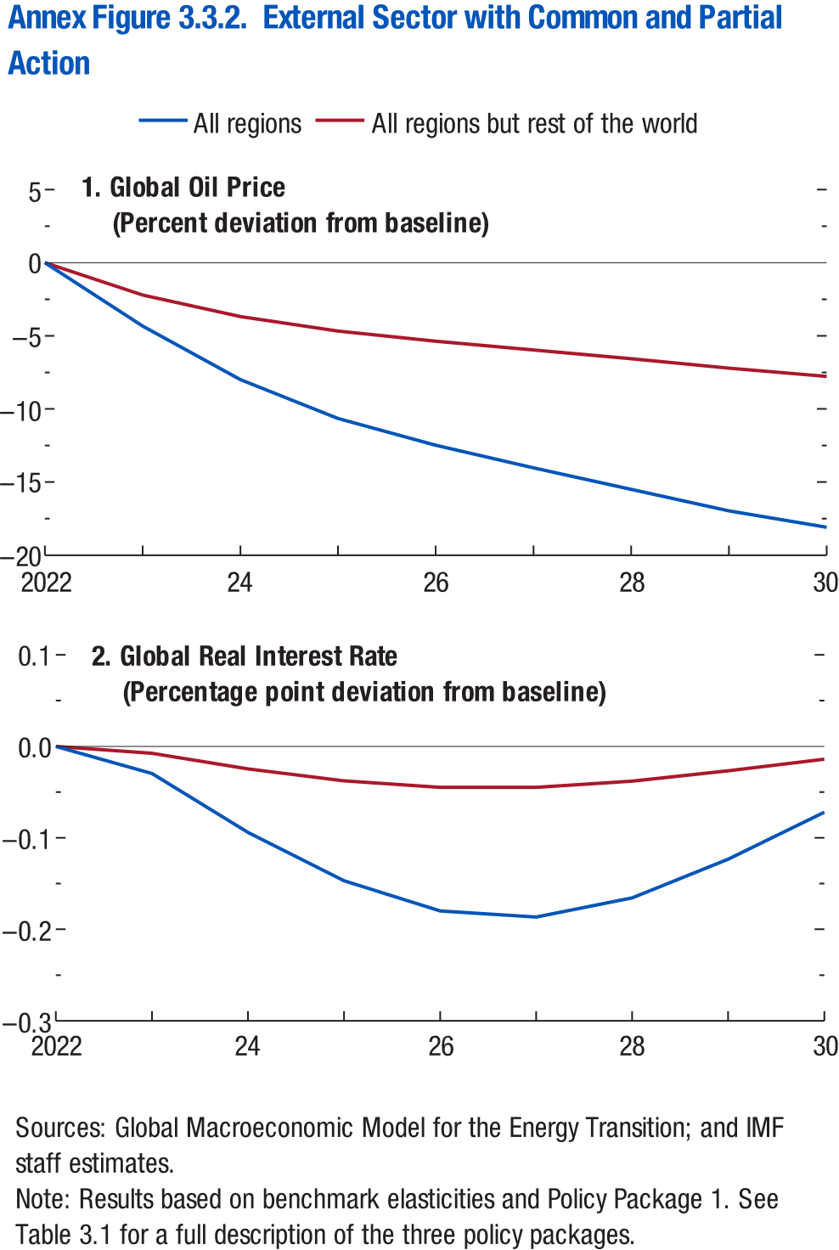
Annex Figure 3.3.2. External Sector with Common and Partial Action

1. Global Oil Price
(Percent deviation from baseline)

 | All regions | All regions but rest of the world
2022 | 0.00 | 0.00
2023 | -4.33 | -2.20
2024 | -7.99 | -3.68
2025 | -10.65 | -4.67
2026 | -12.48 | -5.36
2027 | -14.03 | -5.97
2028 | -15.50 | -6.56
2029 | -16.96 | -7.21
2030 | -18.09 | -7.77

Annex Figure 3.3.3
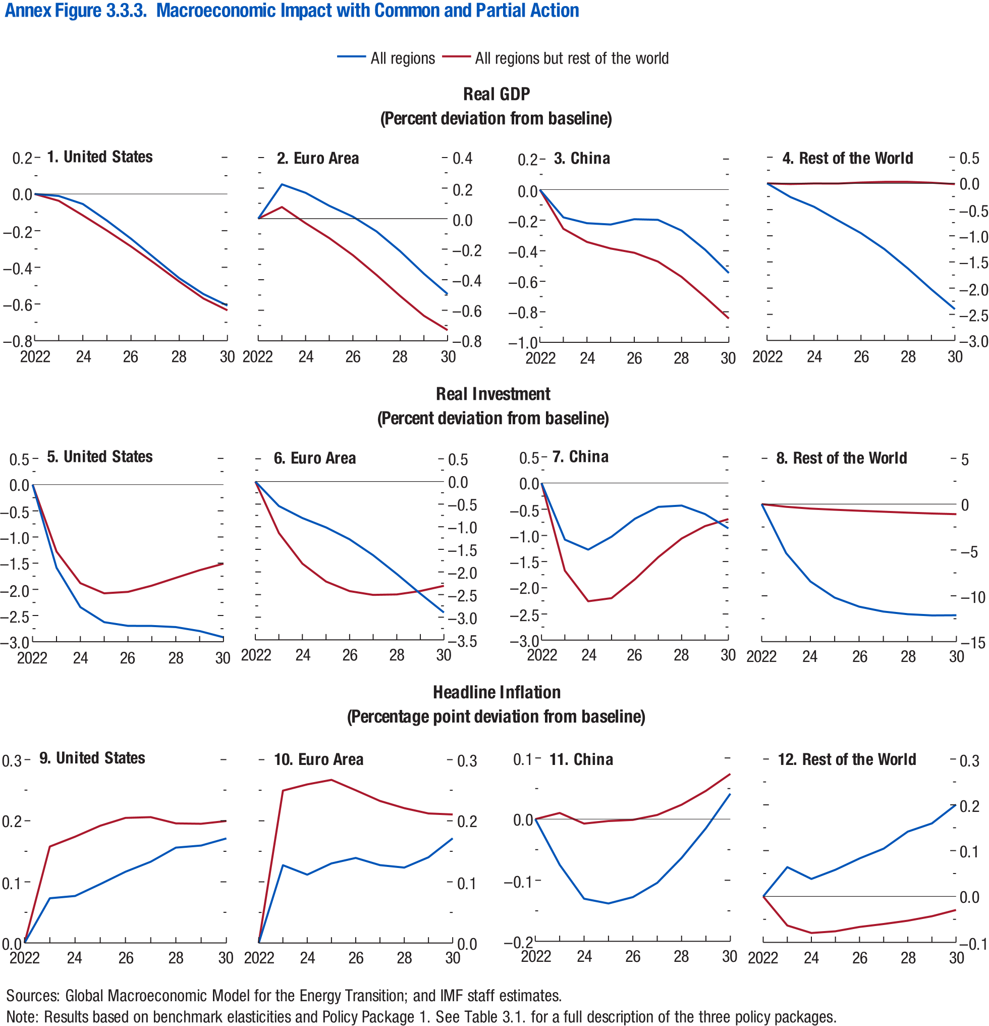
Annex Figure 3.3.3. Macroeconomic Impact with Common and Partial Action

1. United States: Real GDP
(Percent deviation from baseline)

Year | All Regions | All regions but rest of the world
2022 | 0.00 | 0.00
2023 | -0.01 | -0.04
2024 | -0.05 | -0.12
2025 | -0.15 | -0.20
2026 | -0.24 | -0.29
2027 | -0.35 | -0.38
2028 | -0.46 | -0.48
2029 | -0.55 | -0.57
2030 | -0.61 | -0.63

Annex Figure 3.4.1
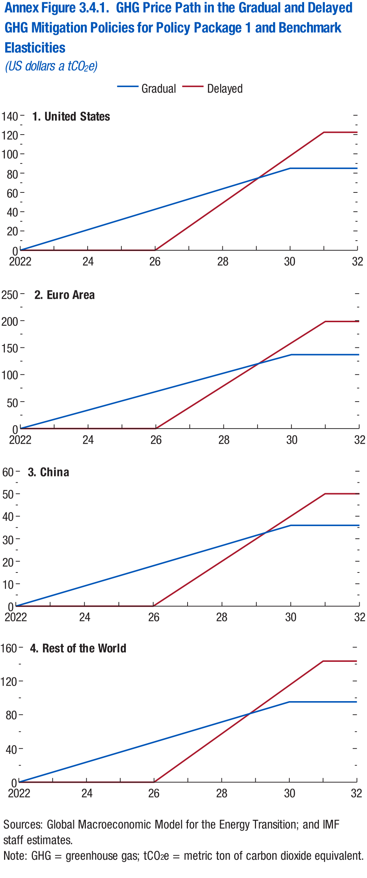
Annex Figure 3.4.1. GHG Price Path in the Gradual and Delayed GHG Mitigation Policies for Policy Package 1 and Benchmark Elasticities
(US dollars a tCO2e)

1. United States

Year | Gradual | Delayed
2022 | 0.00 | 0.00
2023 | 10.62 | 0.00
2024 | 21.25 | 0.00
2025 | 31.87 | 0.00
2026 | 42.49 | 0.00
2027 | 53.11 | 24.47
2028 | 63.74 | 48.94
2029 | 74.36 | 73.42
2030 | 84.98 | 97.89
2031 | 84.98 | 122.36
2032 | 84.98 | 122.36

Annex Figure 3.4.2
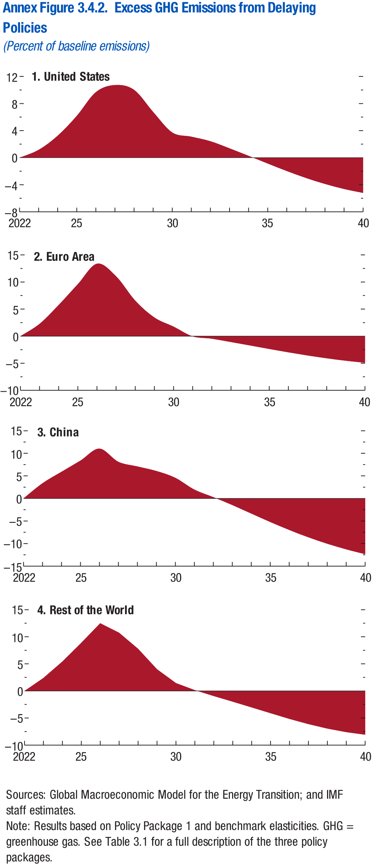
Annex Figure 3.4.2. Excess GHG Emissions from Delaying Policies
(Percent of baseline emissions)

1. United States |  | 2. Euro Area

Year | Gradual | Year
2022 | 0.00 | 2022
2023 | 1.16 | 2023
2024 | 3.25 | 2024
2025 | 6.18 | 2025
2026 | 9.68 | 2026
2027 | 10.73 | 2027
2028 | 10.02 | 2028
2029 | 6.76 | 2029
2030 | 3.72 | 2030
2031 | 3.10 | 2031
2032 | 2.43 | 2032
2033 | 1.38 | 2033
2034 | 0.27 | 2034
2035 | -0.86 | 2035
2036 | -1.97 | 2036
2037 | -2.99 | 2037
2038 | -3.88 | 2038
2039 | -4.62 | 2039
2040 | -5.20 | 2040

Annex Figure 3.4.3
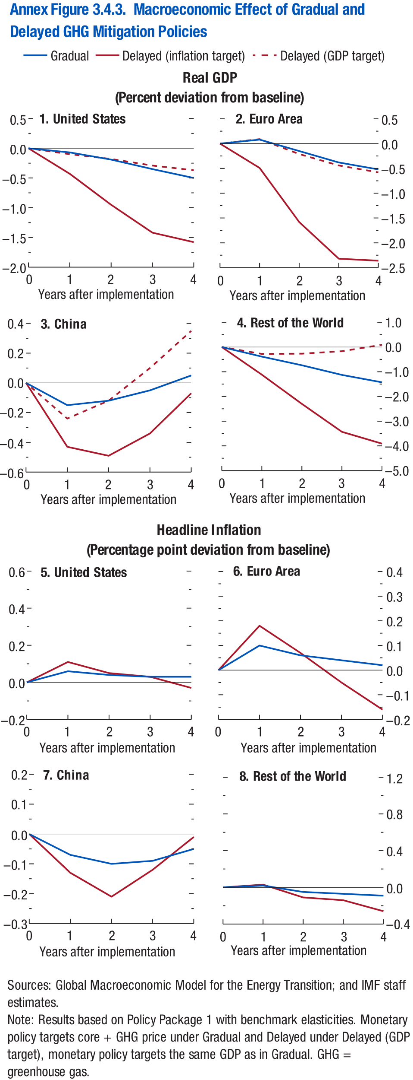
Annex Figure 3.4.3. Macroeconomic Effect of Gradual and Delayed GHG Mitigation Policies

1. United States: Real GDP
(Percent deviation from baseline)

Year after implementation | Gradual | Delay (headline) | Delay (GDP)
0 | 0.00 | 0.00 | 0.00
1 | -0.15 | -0.43 | -0.24
2 | -0.12 | -0.49 | -0.12
3 | -0.05 | -0.34 | 0.10
4 | 0.05 | -0.07 | 0.35

