WEO Update January 2022
 |  |  | 2022-01-25

International Monetary Fund
World Economic Outlook
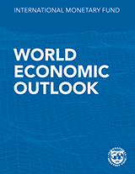

January 2022

World Economic Outlook Update

This datafile includes tables, charts, and underlying data from the January 2022 World Economic Outlook Update. When using the data, please refer to the
IMF, World Economic Outlook Update, January 2022.

 | Please submit any questions using | WEO Data Question Form

Figure 1.3
Sources: Baker, Bloom, and Davis 2016; www.PolicyUncertainty.com.
Note: The global index is calculated as the GDP-weighted average of monthly index values for sample of 18 advanced, emerging market, and middle-income economies. Each monthly national index value is proportional to the share of own-country newspaper articles that discussed economic policy uncertainty in that month.
World Economic Outlook, January 2022 Update
 | Figure 1.3. Market Expectations for Two-Year-ahead Policy Rates
 | (Percent, from swaps)

 | Data not available

