WEO Update July 2022
 |  |  | 2022-07-26

International Monetary Fund
World Economic Outlook
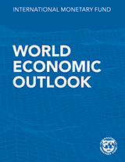

July 2022

World Economic Outlook Update

This datafile includes tables, charts, and underlying data from the July 2022 World Economic Outlook Update. When using the data, please refer to the
IMF, World Economic Outlook Update, July 2022.

 | Please submit any questions using | WEO Data Question Form

Figure 1
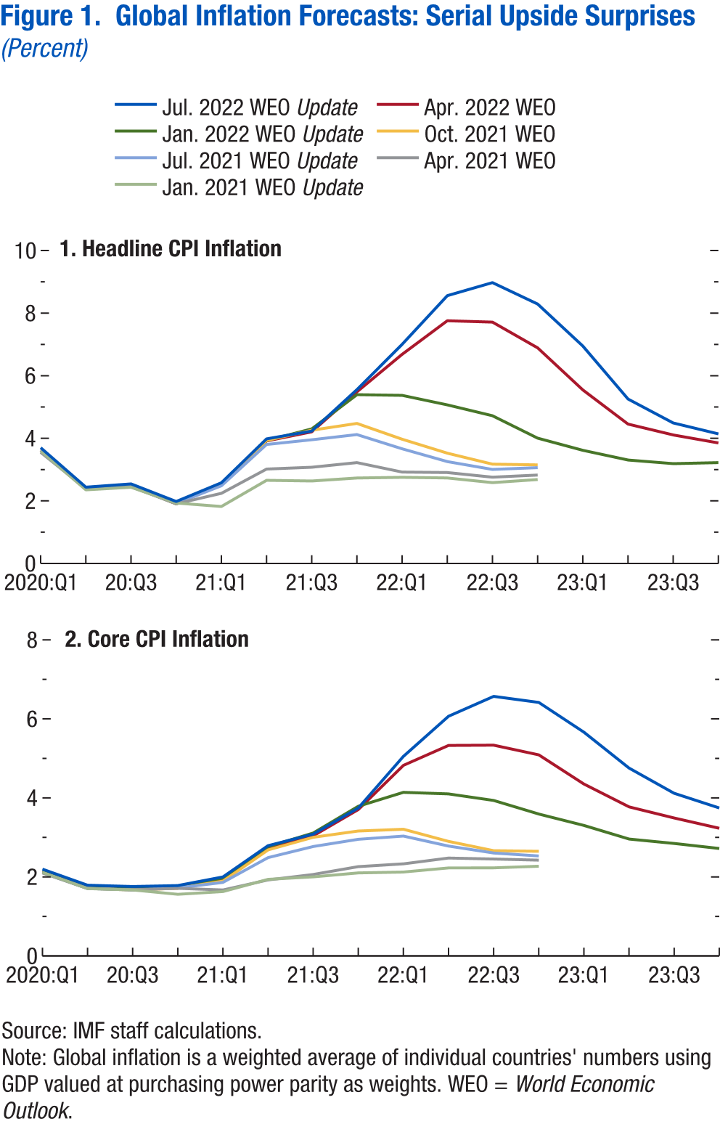
World Economic Outlook, July 2022 Update
 | Figure 1. Global Inflation Forecasts: Serial Upside Surprises
 | (Percent)

 | 1. Headline CPI Inflation |  |  |  |  |  |  |  | 2. Core CPI Inflation

 |  | Jan. 2021 WEO Update | Apr. 2021 WEO | Jul. 2021 WEO Update | Oct. 2021 WEO | Jan. 2022 WEO Update | Apr. 2022 WEO | Jul. 2022 WEO Update |  | Jan. 2021 WEO Update | Apr. 2021 WEO | Jul. 2021 WEO Update | Oct. 2021 WEO | Jan. 2022 WEO Update | Apr. 2022 WEO | Jul. 2022 WEO Update
 | 2020Q1 | 3.6 | 3.6 | 3.6 | 3.6 | 3.6 | 3.6 | 3.7 | 2020Q1 | 2.1 | 2.1 | 2.1 | 2.1 | 2.1 | 2.1 | 2.2
 | 2020Q2 | 2.4 | 2.4 | 2.4 | 2.4 | 2.4 | 2.4 | 2.4 | 2020Q2 | 1.7 | 1.7 | 1.7 | 1.7 | 1.7 | 1.7 | 1.8
 | 2020Q3 | 2.4 | 2.5 | 2.5 | 2.5 | 2.5 | 2.5 | 2.5 | 2020Q3 | 1.7 | 1.7 | 1.7 | 1.7 | 1.7 | 1.7 | 1.8
 | 2020Q4 | 1.9 | 1.9 | 1.9 | 1.9 | 1.9 | 1.9 | 2.0 | 2020Q4 | 1.6 | 1.7 | 1.7 | 1.7 | 1.7 | 1.7 | 1.8
 | 2021Q1 | 1.8 | 2.2 | 2.5 | 2.5 | 2.5 | 2.5 | 2.6 | 2021Q1 | 1.6 | 1.7 | 1.9 | 1.9 | 2.0 | 1.9 | 2.0
 | 2021Q2 | 2.7 | 3.0 | 3.8 | 3.9 | 3.9 | 3.9 | 4.0 | 2021Q2 | 1.9 | 1.9 | 2.5 | 2.7 | 2.8 | 2.7 | 2.8
 | 2021Q3 | 2.6 | 3.1 | 4.0 | 4.3 | 4.3 | 4.2 | 4.2 | 2021Q3 | 2.0 | 2.1 | 2.8 | 3.0 | 3.1 | 3.0 | 3.1
 | 2021Q4 | 2.7 | 3.2 | 4.1 | 4.5 | 5.4 | 5.5 | 5.6 | 2021Q4 | 2.1 | 2.3 | 3.0 | 3.2 | 3.8 | 3.7 | 3.7
 | 2022Q1 | 2.8 | 2.9 | 3.7 | 4.0 | 5.4 | 6.7 | 7.0 | 2022Q1 | 2.1 | 2.3 | 3.0 | 3.2 | 4.1 | 4.8 | 5.1
 | 2022Q2 | 2.7 | 2.9 | 3.3 | 3.5 | 5.1 | 7.8 | 8.6 | 2022Q2 | 2.2 | 2.5 | 2.8 | 2.9 | 4.1 | 5.3 | 6.1
 | 2022Q3 | 2.6 | 2.8 | 3.0 | 3.2 | 4.7 | 7.7 | 9.0 | 2022Q3 | 2.2 | 2.5 | 2.6 | 2.7 | 3.9 | 5.3 | 6.6
 | 2022Q4 | 2.7 | 2.8 | 3.1 | 3.2 | 4.0 | 6.9 | 8.3 | 2022Q4 | 2.3 | 2.4 | 2.5 | 2.6 | 3.6 | 5.1 | 6.4
 | 2023Q1 |  |  |  |  | 3.6 | 5.5 | 6.9 | 2023Q1 |  |  |  |  | 3.3 | 4.4 | 5.7
 | 2023Q2 |  |  |  |  | 3.3 | 4.5 | 5.3 | 2023Q2 |  |  |  |  | 3.0 | 3.8 | 4.8
 | 2023Q3 |  |  |  |  | 3.2 | 4.1 | 4.5 | 2023Q3 |  |  |  |  | 2.8 | 3.5 | 4.1
 | 2023Q4 |  |  |  |  | 3.2 | 3.9 | 4.1 | 2023Q4 |  |  |  |  | 2.7 | 3.2 | 3.7

Figure 2
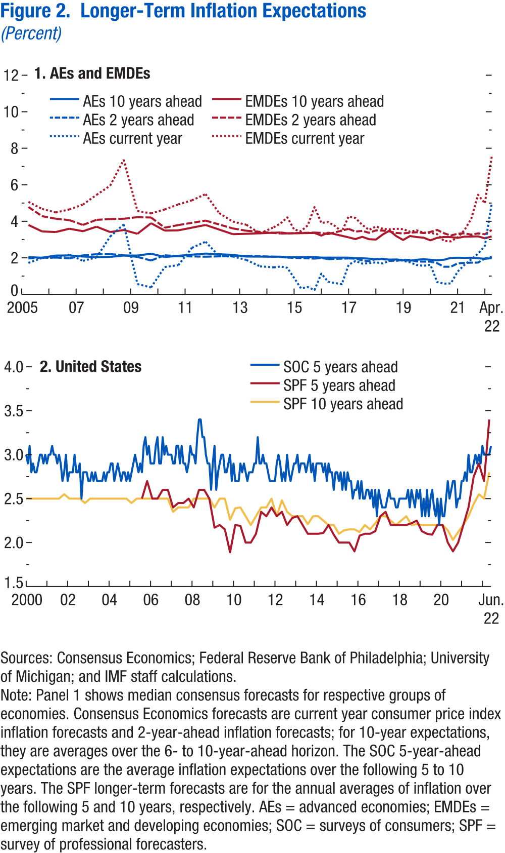
World Economic Outlook, July 2022 Update
 | Figure 2. Longer-Term Inflation Expectations
 | (Percent)

 | 1. AEs and EMDEs |  |  |  |  |  |  | 2. United States

 |  | AEs current year | EMDEs current year | AEs 10 years ahead | EMDEs 10 years ahead | AEs 2 years ahead | EMDEs 2 years ahead | Data not available
 | 2005-04-01 | 1.7 | 5.1 | 2.0 | 3.8 | 2.0 | 4.8
 | 2005-10-01 | 2.0 | 4.7 | 2.0 | 3.4 | 2.0 | 4.3
 | 2006-04-01 | 2.0 | 4.5 | 2.1 | 3.4 | 2.0 | 4.1
 | 2006-10-01 | 2.2 | 4.6 | 2.1 | 3.6 | 2.0 | 4.1
 | 2007-04-01 | 1.8 | 4.9 | 2.1 | 3.5 | 2.1 | 3.8
 | 2007-10-01 | 2.0 | 5.4 | 2.0 | 3.7 | 2.2 | 4.1
 | 2008-04-01 | 3.2 | 6.0 | 2.1 | 3.4 | 2.2 | 4.1
 | 2008-10-01 | 3.8 | 7.4 | 2.1 | 3.5 | 2.1 | 4.1
 | 2009-04-01 | 0.6 | 4.6 | 2.1 | 3.3 | 2.0 | 4.2
 | 2009-10-01 | 0.4 | 4.4 | 2.2 | 3.9 | 1.9 | 4.2
 | 2010-04-01 | 1.5 | 4.6 | 2.0 | 3.5 | 2.1 | 3.6
 | 2010-10-01 | 1.6 | 4.9 | 2.1 | 3.5 | 2.1 | 3.8
 | 2011-04-01 | 2.6 | 5.1 | 2.2 | 3.5 | 2.1 | 3.8
 | 2011-10-01 | 2.9 | 5.5 | 2.2 | 3.8 | 2.1 | 4.0
 | 2012-04-01 | 2.1 | 4.4 | 2.1 | 3.4 | 2.1 | 3.6
 | 2012-10-01 | 2.1 | 4.0 | 2.2 | 3.3 | 2.1 | 3.6
 | 2013-04-01 | 1.9 | 3.8 | 2.1 | 3.3 | 2.1 | 3.5
 | 2013-10-01 | 1.5 | 3.3 | 2.1 | 3.3 | 2.1 | 3.4
 | 2014-04-01 | 1.5 | 3.7 | 2.1 | 3.4 | 2.0 | 3.4
 | 2014-07-01 | 1.5 | 3.9 | 2.1 | 3.4 | 2.0 | 3.3
 | 2014-10-01 | 1.5 | 4.2 | 2.0 | 3.3 | 2.0 | 3.3
 | 2015-01-01 | 0.9 | 3.6 | 2.0 | 3.5 | 2.0 | 3.3
 | 2015-04-01 | 0.3 | 3.5 | 2.0 | 3.4 | 2.0 | 3.3
 | 2015-07-01 | 0.4 | 3.8 | 2.0 | 3.2 | 2.0 | 3.2
 | 2015-10-01 | 0.2 | 4.8 | 2.0 | 3.4 | 2.0 | 3.4
 | 2016-01-01 | 1.1 | 3.9 | 2.0 | 3.2 | 2.0 | 3.4
 | 2016-04-01 | 0.7 | 4.0 | 2.0 | 3.4 | 1.9 | 3.3
 | 2016-07-01 | 0.6 | 3.7 | 2.0 | 3.3 | 1.9 | 3.4
 | 2016-10-01 | 0.6 | 3.4 | 2.0 | 3.3 | 1.8 | 3.3
 | 2017-01-01 | 1.6 | 4.3 | 2.0 | 3.1 | 2.0 | 3.6
 | 2017-04-01 | 1.8 | 4.2 | 2.0 | 3.0 | 2.0 | 3.4
 | 2017-07-01 | 1.7 | 3.8 | 2.0 | 3.2 | 1.9 | 3.5
 | 2017-10-01 | 1.7 | 3.5 | 2.0 | 3.0 | 1.8 | 3.4
 | 2018-01-01 | 1.8 | 3.7 | 1.9 | 3.0 | 1.9 | 3.5
 | 2018-04-01 | 1.7 | 3.6 | 1.9 | 3.3 | 1.9 | 3.5
 | 2018-07-01 | 1.8 | 3.6 | 1.9 | 3.5 | 1.8 | 3.4
 | 2018-10-01 | 1.9 | 3.6 | 1.9 | 3.2 | 1.8 | 3.4
 | 2019-01-01 | 1.8 | 3.6 | 1.9 | 3.0 | 1.9 | 3.3
 | 2019-04-01 | 1.7 | 3.4 | 1.8 | 3.2 | 1.9 | 3.4
 | 2019-07-01 | 1.6 | 3.5 | 1.9 | 3.1 | 1.8 | 3.4
 | 2019-10-01 | 1.6 | 3.4 | 1.9 | 3.1 | 1.8 | 3.4
 | 2020-01-01 | 1.6 | 3.4 | 1.9 | 3.0 | 1.8 | 3.4
 | 2020-04-01 | 0.7 | 3.3 | 1.9 | 3.1 | 1.7 | 3.5
 | 2020-07-01 | 0.6 | 2.9 | 1.9 | 3.1 | 1.5 | 3.3
 | 2020-10-01 | 0.6 | 2.9 | 2.0 | 3.1 | 1.5 | 3.2
 | 2021-01-01 | 1.2 | 3.1 | 2.0 | 3.1 | 1.7 | 3.3
 | 2021-04-01 | 1.6 | 3.5 | 2.0 | 3.2 | 1.7 | 3.3
 | 2021-07-01 | 1.9 | 4.1 | 2.0 | 3.2 | 1.7 | 3.3
 | 2021-10-01 | 2.2 | 5.5 | 2.0 | 3.2 | 1.7 | 3.3
 | 2022-01-01 | 2.6 | 5.0 | 1.9 | 3.1 | 2.0 | 3.3
 | 2022-04-01 | 5.0 | 7.5 | 2.0 | 3.2 | 2.1 | 3.5

Figure 3
World Economic Outlook, July 2022 Update
 | Figure 3. China: COVID-19 Outbreaks and Supply Chain Disruptions
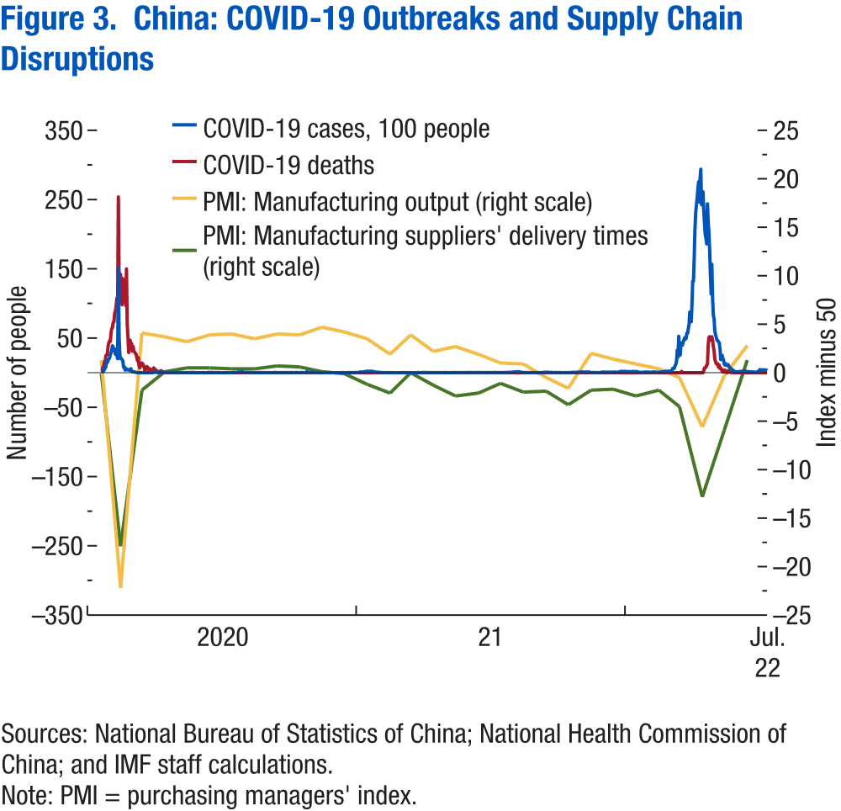

 |  | COVID-19 cases, 100 people | COVID-19 deaths | PMI: Manufacturing output | PMI: Manufacturing suppliers' delivery times
 | 2020-01-20 | 0.77 |  | Data not available | Data not available
 | 2020-01-21 | 1.49 | 3
 | 2020-01-22 | 1.31 | 8
 | 2020-01-23 | 2.59 | 8
 | 2020-01-24 | 4.44 | 16
 | 2020-01-25 | 6.88 | 15
 | 2020-01-26 | 7.69 | 24
 | 2020-01-27 | 17.71 | 26
 | 2020-01-28 | 14.59 | 26
 | 2020-01-29 | 17.37 | 38
 | 2020-01-30 | 19.82 | 43
 | 2020-01-31 | 21.02 | 46
 | 2020-02-01 | 25.90 | 45
 | 2020-02-02 | 28.29 | 57
 | 2020-02-03 | 32.35 | 64
 | 2020-02-04 | 38.87 | 65
 | 2020-02-05 | 36.94 | 73
 | 2020-02-06 | 31.43 | 73
 | 2020-02-07 | 33.99 | 86
 | 2020-02-08 | 26.56 | 89
 | 2020-02-09 | 30.62 | 97
 | 2020-02-10 | 24.78 | 108
 | 2020-02-11 | 20.15 | 97
 | 2020-02-12 | 151.52 | 254
 | 2020-02-13 | 50.90 | 121
 | 2020-02-14 | 26.41 | 143
 | 2020-02-15 | 20.09 | 142
 | 2020-02-16 | 20.48 | 105
 | 2020-02-17 | 18.86 | 98
 | 2020-02-18 | 17.49 | 136
 | 2020-02-19 | 8.20 | 114
 | 2020-02-20 | 8.89 | 118
 | 2020-02-21 | 3.97 | 109
 | 2020-02-22 | 6.48 | 97
 | 2020-02-23 | 4.09 | 150
 | 2020-02-24 | 5.08 | 71
 | 2020-02-25 | 4.06 | 52
 | 2020-02-26 | 4.33 | 29
 | 2020-02-27 | 3.27 | 44
 | 2020-02-28 | 4.27 | 47
 | 2020-02-29 | 5.73 | 35
 | 2020-03-01 | 2.02 | 42
 | 2020-03-02 | 1.25 | 31
 | 2020-03-03 | 1.19 | 38
 | 2020-03-04 | 1.37 | 31
 | 2020-03-05 | 1.27 | 30
 | 2020-03-06 | 0.75 | 28
 | 2020-03-07 | 0.41 | 27
 | 2020-03-08 | 0.36 | 22
 | 2020-03-09 | 0.17 | 17
 | 2020-03-10 | 0.14 | 22
 | 2020-03-11 | 0.09 | 11
 | 2020-03-12 | 0.05 | 7
 | 2020-03-13 | 0.04 | 13
 | 2020-03-14 | 0.04 | 10
 | 2020-03-15 | 0.04 | 14
 | 2020-03-16 | 0.01 | 13
 | 2020-03-17 | 0.01 | 11
 | 2020-03-18 | 0.00 | 8
 | 2020-03-19 | 0.00 | 3
 | 2020-03-20 | 0.00 | 7
 | 2020-03-21 | 0.01 | 6
 | 2020-03-22 | 0.00 | 9
 | 2020-03-23 | 0.04 | 7
 | 2020-03-24 | 0.00 | 4
 | 2020-03-25 | 0.00 | 6
 | 2020-03-26 | 0.01 | 5
 | 2020-03-27 | 0.00 | 3
 | 2020-03-28 | 0.01 | 5
 | 2020-03-29 | 0.01 | 4
 | 2020-03-30 | 0.00 | 1
 | 2020-03-31 | 1.31 | 7
 | 2020-04-01 | 0.55 | 6
 | 2020-04-02 | 0.62 | 4
 | 2020-04-03 | 0.65 | 4
 | 2020-04-04 | 0.52 | 3
 | 2020-04-05 | 0.79 | 1
 | 2020-04-06 | 0.30 | 0
 | 2020-04-07 | 1.40 | 2
 | 2020-04-08 | 0.58 | 2
 | 2020-04-09 | 0.51 | 1
 | 2020-04-10 | 0.38 | 3
 | 2020-04-11 | 0.65 | 0
 | 2020-04-12 | 0.71 | 2
 | 2020-04-13 | 0.57 | 0
 | 2020-04-14 | 0.67 | 1
 | 2020-04-15 | 0.76 | 0
 | 2020-04-16 | 0.77 | 0
 | 2020-04-17 | 0.64 | 0
 | 2020-04-18 | 0.51 | 0
 | 2020-04-19 | 0.53 | 0
 | 2020-04-20 | 0.44 | 0
 | 2020-04-21 | 0.49 | 0
 | 2020-04-22 | 0.31 | 0
 | 2020-04-23 | 0.38 | 0
 | 2020-04-24 | 0.30 | 0
 | 2020-04-25 | 0.36 | 0
 | 2020-04-26 | 0.26 | 0
 | 2020-04-27 | 0.43 | 0
 | 2020-04-28 | 0.27 | 0
 | 2020-04-29 | 0.33 | 0
 | 2020-04-30 | 0.31 | 0
 | 2020-05-01 | 0.20 | 0
 | 2020-05-02 | 0.13 | 0
 | 2020-05-03 | 0.13 | 0
 | 2020-05-04 | 0.15 | 0
 | 2020-05-05 | 0.20 | 0
 | 2020-05-06 | 0.06 | 0
 | 2020-05-07 | 0.17 | 0
 | 2020-05-08 | 0.15 | 0
 | 2020-05-09 | 0.32 | 0
 | 2020-05-10 | 0.22 | 0
 | 2020-05-11 | 0.15 | 0
 | 2020-05-12 | 0.14 | 0
 | 2020-05-13 | 0.15 | 0
 | 2020-05-14 | 0.15 | 0
 | 2020-05-15 | 0.15 | 0
 | 2020-05-16 | 0.15 | 0
 | 2020-05-17 | 0.21 | 0
 | 2020-05-18 | 0.20 | 0
 | 2020-05-19 | 0.20 | 0
 | 2020-05-20 | 0.32 | 0
 | 2020-05-21 | 0.37 | 0
 | 2020-05-22 | 0.28 | 0
 | 2020-05-23 | 0.37 | 0
 | 2020-05-24 | 0.40 | 0
 | 2020-05-25 | 0.29 | 0
 | 2020-05-26 | 0.28 | 0
 | 2020-05-27 | 0.23 | 0
 | 2020-05-28 | 0.05 | 0
 | 2020-05-29 | 0.04 | 0
 | 2020-05-30 | 0.03 | 0
 | 2020-05-31 | 0.16 | 0
 | 2020-06-01 | 0.10 | 0
 | 2020-06-02 | 0.04 | 0
 | 2020-06-03 | 0.04 | 0
 | 2020-06-04 | 0.03 | 0
 | 2020-06-05 | 0.02 | 0
 | 2020-06-06 | 0.06 | 0
 | 2020-06-07 | 0.02 | 0
 | 2020-06-08 | 0.21 | 0
 | 2020-06-09 | 0.05 | 0
 | 2020-06-10 | 0.04 | 0
 | 2020-06-11 | 0.02 | 0
 | 2020-06-12 | 0.13 | 0
 | 2020-06-13 | 0.47 | 0
 | 2020-06-14 | 0.57 | 0
 | 2020-06-15 | 0.38 | 0
 | 2020-06-16 | 0.44 | 0
 | 2020-06-17 | 0.32 | 0
 | 2020-06-18 | 0.33 | 0
 | 2020-06-19 | 0.30 | 0
 | 2020-06-20 | 0.31 | 0
 | 2020-06-21 | 0.18 | 0
 | 2020-06-22 | 0.20 | 0
 | 2020-06-23 | 0.12 | 0
 | 2020-06-24 | 0.15 | 0
 | 2020-06-25 | 0.16 | 0
 | 2020-06-26 | 0.29 | 0
 | 2020-06-27 | 0.21 | 0
 | 2020-06-28 | 0.13 | 0
 | 2020-06-29 | 0.12 | 0
 | 2020-06-30 | 0.06 | 0
 | 2020-07-01 | 0.03 | 0
 | 2020-07-02 | 0.06 | 0
 | 2020-07-03 | 0.05 | 0
 | 2020-07-04 | 0.09 | 0
 | 2020-07-05 | 0.12 | 0
 | 2020-07-06 | 0.15 | 0
 | 2020-07-07 | 0.06 | 0
 | 2020-07-08 | 0.06 | 0
 | 2020-07-09 | 0.03 | 0
 | 2020-07-10 | 0.04 | 0
 | 2020-07-11 | 0.05 | 0
 | 2020-07-12 | 0.06 | 0
 | 2020-07-13 | 0.05 | 0
 | 2020-07-14 | 0.04 | 0
 | 2020-07-15 | 0.02 | 0
 | 2020-07-16 | 0.06 | 0
 | 2020-07-17 | 0.30 | 0
 | 2020-07-18 | 0.55 | 0
 | 2020-07-19 | 0.30 | 0
 | 2020-07-20 | 0.14 | 0
 | 2020-07-21 | 0.31 | 0
 | 2020-07-22 | 0.50 | 0
 | 2020-07-23 | 0.58 | 0
 | 2020-07-24 | 1.03 | 0
 | 2020-07-25 | 1.03 | 0
 | 2020-07-26 | 1.01 | 0
 | 2020-07-27 | 0.98 | 0
 | 2020-07-28 | 1.25 | 0
 | 2020-07-29 | 1.23 | 0
 | 2020-07-30 | 1.34 | 0
 | 2020-07-31 | 0.62 | 0
 | 2020-08-01 | 0.53 | 0
 | 2020-08-02 | 0.47 | 0
 | 2020-08-03 | 0.51 | 0
 | 2020-08-04 | 0.46 | 0
 | 2020-08-05 | 0.50 | 0
 | 2020-08-06 | 0.41 | 0
 | 2020-08-07 | 0.39 | 0
 | 2020-08-08 | 0.26 | 0
 | 2020-08-09 | 0.45 | 0
 | 2020-08-10 | 0.30 | 0
 | 2020-08-11 | 0.29 | 0
 | 2020-08-12 | 0.28 | 0
 | 2020-08-13 | 0.36 | 0
 | 2020-08-14 | 0.28 | 0
 | 2020-08-15 | 0.20 | 0
 | 2020-08-16 | 0.37 | 0
 | 2020-08-17 | 0.17 | 0
 | 2020-08-18 | 0.14 | 0
 | 2020-08-19 | 0.22 | 0
 | 2020-08-20 | 0.23 | 0
 | 2020-08-21 | 0.34 | 0
 | 2020-08-22 | 0.15 | 0
 | 2020-08-23 | 0.27 | 0
 | 2020-08-24 | 0.16 | 0
 | 2020-08-25 | 0.14 | 0
 | 2020-08-26 | 0.19 | 0
 | 2020-08-27 | 0.16 | 0
 | 2020-08-28 | 0.10 | 0
 | 2020-08-29 | 0.04 | 0
 | 2020-08-30 | 0.19 | 0
 | 2020-08-31 | 0.34 | 0
 | 2020-09-01 | 0.19 | 0
 | 2020-09-02 | 0.12 | 0
 | 2020-09-03 | 0.26 | 0
 | 2020-09-04 | 0.08 | 0
 | 2020-09-05 | 0.17 | 0
 | 2020-09-06 | 0.17 | 0
 | 2020-09-07 | 0.13 | 0
 | 2020-09-08 | 0.08 | 0
 | 2020-09-09 | 0.15 | 0
...

Figure 4
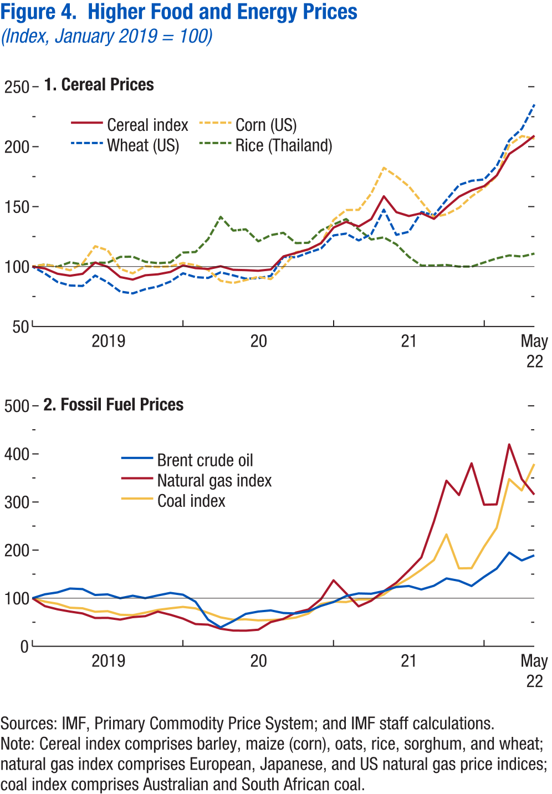
World Economic Outlook, July 2022 Update
 | Figure 4. Higher Food and Energy Prices
 | (Index, January 2019 = 100)

 | 1. Cereal Prices

 |  | Cereal index | Wheat (US) | Corn (US)
 | 2019M1 | 100 | 100 | 100
 | 2019M2 | 98 | 94 | 102
 | 2019M3 | 94 | 87 | 100
 | 2019M4 | 92 | 84 | 97
 | 2019M5 | 94 | 84 | 103
 | 2019M6 | 103 | 93 | 117
 | 2019M7 | 100 | 87 | 114
 | 2019M8 | 91 | 79 | 98
 | 2019M9 | 89 | 78 | 94
 | 2019M10 | 93 | 81 | 100
 | 2019M11 | 94 | 83 | 100
 | 2019M12 | 96 | 88 | 100
 | 2020M1 | 101 | 94 | 103
 | 2020M2 | 99 | 91 | 101
 | 2020M3 | 98 | 91 | 97
 | 2020M4 | 100 | 95 | 88
 | 2020M5 | 97 | 93 | 86
 | 2020M6 | 97 | 90 | 89
 | 2020M7 | 97 | 90 | 92
 | 2020M8 | 98 | 92 | 90
 | 2020M9 | 109 | 108 | 100
 | 2020M10 | 111 | 108 | 112
 | 2020M11 | 114 | 112 | 114
 | 2020M12 | 120 | 115 | 119
 | 2021M1 | 133 | 126 | 139
 | 2021M2 | 137 | 128 | 147
 | 2021M3 | 133 | 122 | 147
 | 2021M4 | 140 | 127 | 161
 | 2021M5 | 159 | 147 | 182
 | 2021M6 | 145 | 126 | 175
...

Figure 5
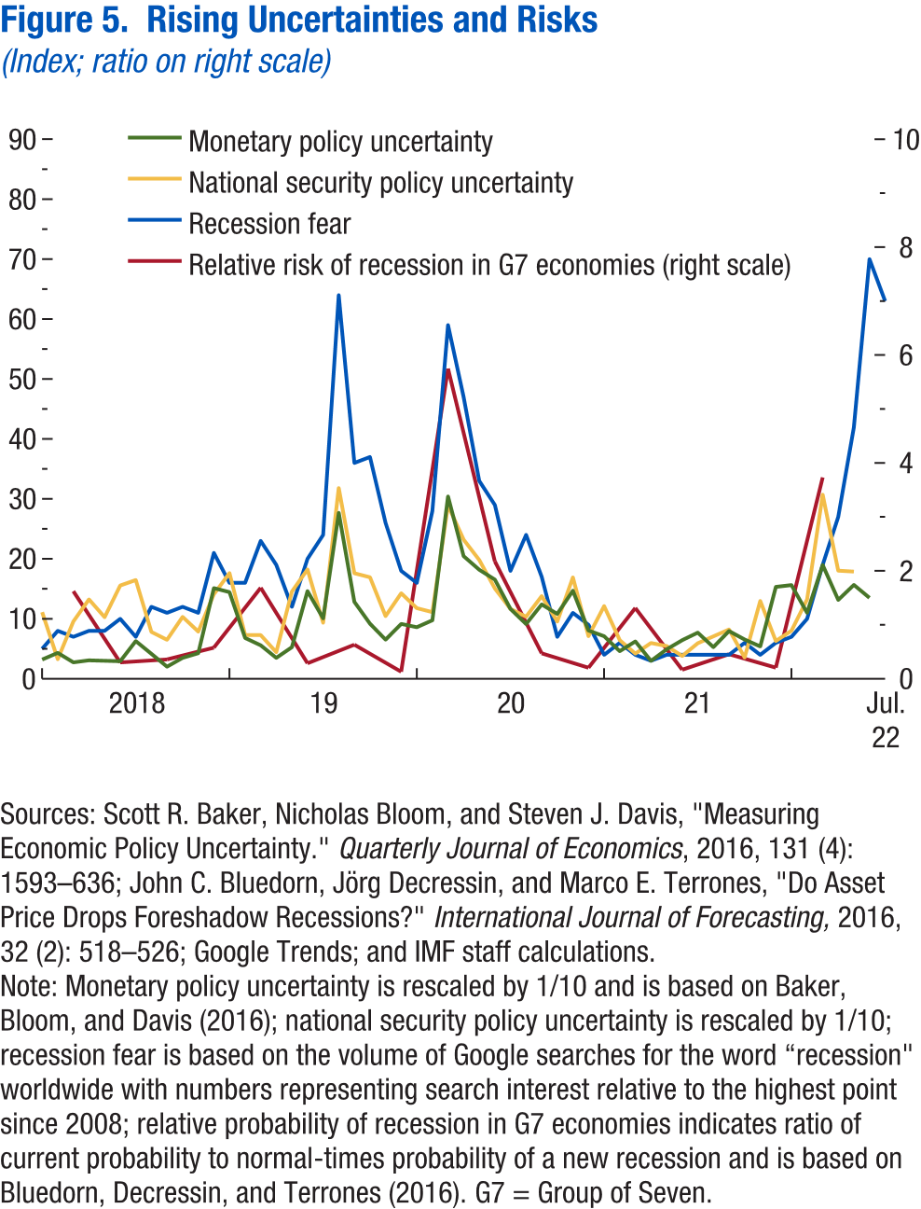
World Economic Outlook, July 2022 Update
 | Figure 5. Rising Uncertainties and Risks
 | (Index; ratio)

 |  | Monetary policy uncertainty | National security policy uncertainty | Recession fear
 | 2018M1 | 3.2 | 11.1 | 5
 | 2018M2 | 4.3 | 3.3 | 8
 | 2018M3 | 2.7 | 9.6 | 7
 | 2018M4 | 3.1 | 13.2 | 8
 | 2018M5 | 3.0 | 10.3 | 8
 | 2018M6 | 2.9 | 15.6 | 10
 | 2018M7 | 6.3 | 16.5 | 7
 | 2018M8 | 4.2 | 7.8 | 12
 | 2018M9 | 2.0 | 6.5 | 11
 | 2018M10 | 3.5 | 10.3 | 12
 | 2018M11 | 4.3 | 7.9 | 11
 | 2018M12 | 15.1 | 14.1 | 21
 | 2019M1 | 14.4 | 17.6 | 16
 | 2019M2 | 6.8 | 7.3 | 16
 | 2019M3 | 5.6 | 7.3 | 23
 | 2019M4 | 3.5 | 4.4 | 19
 | 2019M5 | 5.3 | 14.6 | 12
 | 2019M6 | 14.6 | 18.2 | 20
 | 2019M7 | 10.1 | 9.4 | 24
 | 2019M8 | 27.7 | 31.8 | 64
 | 2019M9 | 12.8 | 17.6 | 36
 | 2019M10 | 9.2 | 16.9 | 37
 | 2019M11 | 6.5 | 10.5 | 26
 | 2019M12 | 9.2 | 14.3 | 18
 | 2020M1 | 8.6 | 11.8 | 16
 | 2020M2 | 9.8 | 11.1 | 28
 | 2020M3 | 30.4 | 28.9 | 59
...

Figure 6
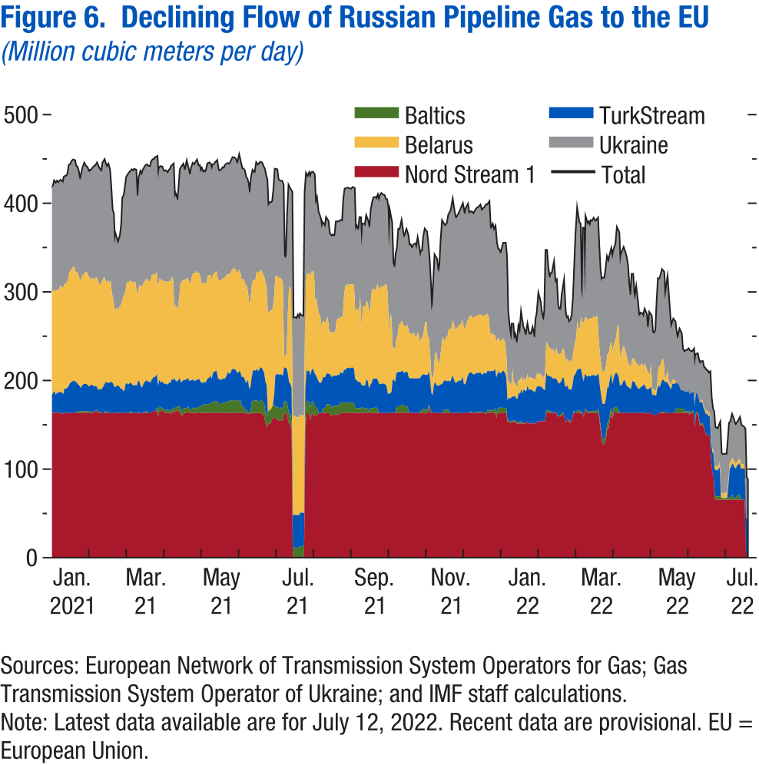
World Economic Outlook, July 2022 Update
 | Figure 6. Declining Flow of Russian Pipeline Gas to the EU
 | (Million cubic meters per day)

 | Data not available

Figure 7
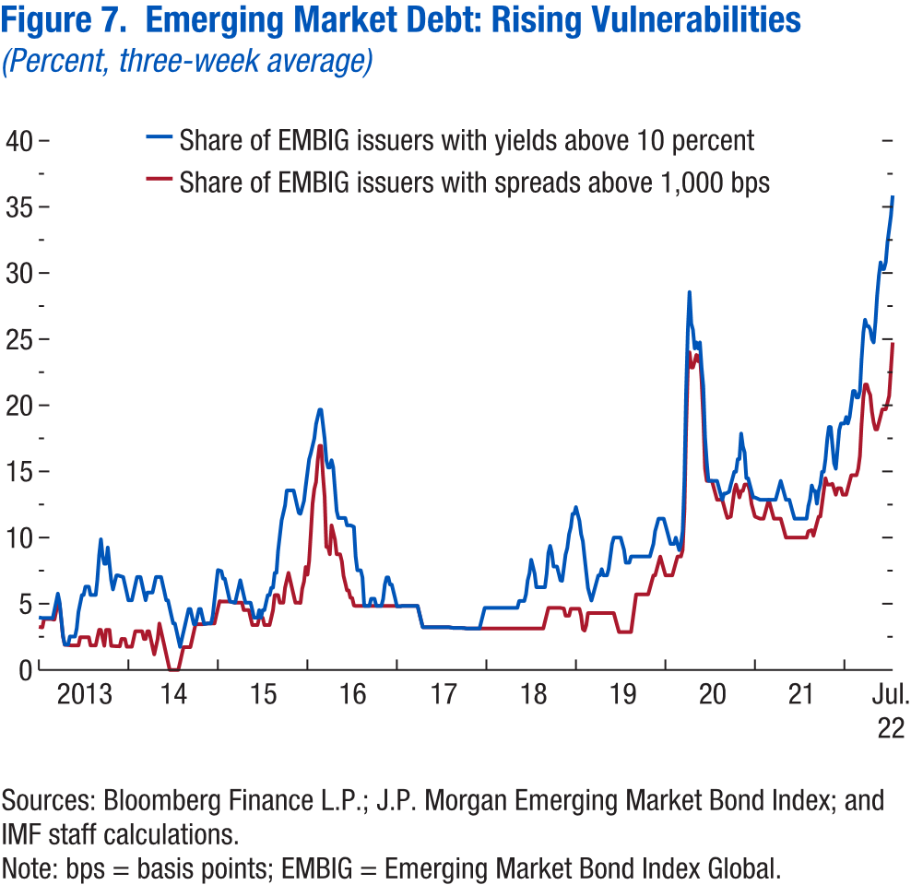
World Economic Outlook, July 2022 Update
 | Figure 7. Emerging Market Debt: Rising Vulnerabilities
 | (Percent, three-week average)

 |  | Share of EMBIG issuers with yields above 10 percent | Share of EMBIG issuers with spreads above 1,000 bps
 | 2013-01-04 | 4.0 | 3.3
 | 2013-01-11 | 4.0 | 3.2
 | 2013-01-18 | 3.9 | 3.2
 | 2013-01-25 | 3.9 | 3.9
 | 2013-02-01 | 3.9 | 3.9
 | 2013-02-08 | 3.9 | 3.9
 | 2013-02-15 | 3.9 | 3.9
 | 2013-02-22 | 3.9 | 3.9
 | 2013-03-01 | 3.9 | 3.8
 | 2013-03-08 | 4.5 | 3.8
 | 2013-03-15 | 5.1 | 4.4
 | 2013-03-22 | 5.8 | 5.0
 | 2013-03-29 | 5.1 | 5.0
 | 2013-04-05 | 3.9 | 3.8
 | 2013-04-12 | 2.6 | 2.5
 | 2013-04-19 | 1.9 | 1.9
 | 2013-04-26 | 1.9 | 1.9
 | 2013-05-03 | 1.9 | 1.9
 | 2013-05-10 | 2.5 | 1.9
 | 2013-05-17 | 2.5 | 1.9
 | 2013-05-24 | 2.5 | 1.9
...

Figure 8
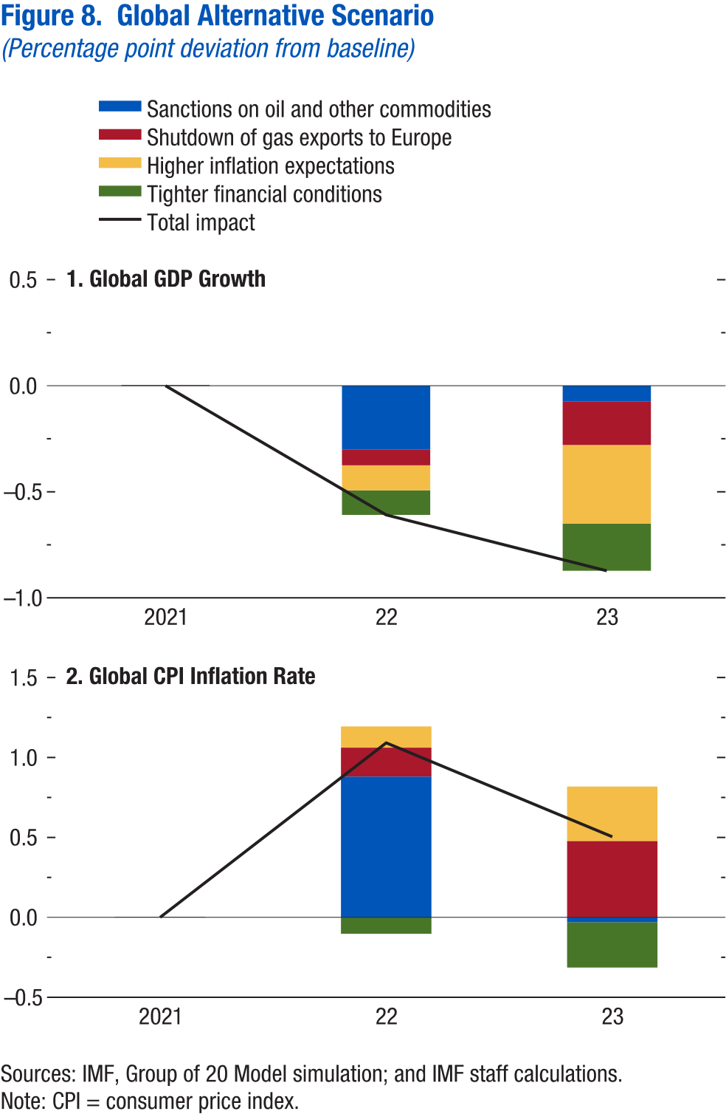
World Economic Outlook, July 2022 Update
 | Figure 8. Global Alternative Scenario
 | (Percentage point deviation from baseline)

 | 1. Global GDP Growth

 |  | 2021 | 2022 | 2023
 | Sanctions on oil and other commodities | 0 | -0.3 | -0.1
 | Shutdown of gas exports to Europe | 0 | -0.1 | -0.2
 | Higher inflation expectations | 0 | -0.1 | -0.4
 | Tighter financial conditions | 0 | -0.1 | -0.2
 | Total impact | 0 | -0.6 | -0.9

Figure 1.1
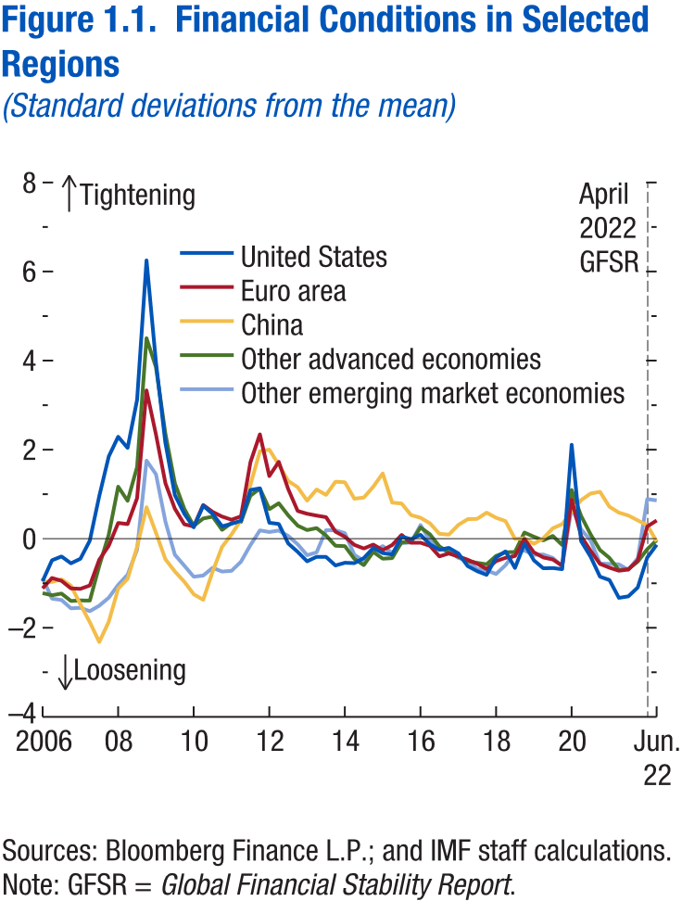
World Economic Outlook, July 2022 Update
 | Figure 1.1. Financial Conditions in Selected Regions
 | (Standard deviations from the mean)

 |  | United States
 | 2006-03-31 | -1.0
 | 2006-06-30 | -0.5
 | 2006-09-29 | -0.4
 | 2006-12-29 | -0.6
 | 2007-03-30 | -0.5
 | 2007-06-29 | 0.0
 | 2007-09-28 | 1.0
 | 2007-12-31 | 1.8
 | 2008-03-31 | 2.3
 | 2008-06-30 | 2.0
 | 2008-09-30 | 3.1
 | 2008-12-31 | 6.3
 | 2009-03-31 | 4.0
 | 2009-06-30 | 2.1
 | 2009-09-30 | 1.0
 | 2009-12-31 | 0.6
 | 2010-03-31 | 0.3
 | 2010-06-30 | 0.7
 | 2010-09-30 | 0.6
 | 2010-12-31 | 0.3
 | 2011-03-31 | 0.3
 | 2011-06-30 | 0.4
...

Figure 1.2
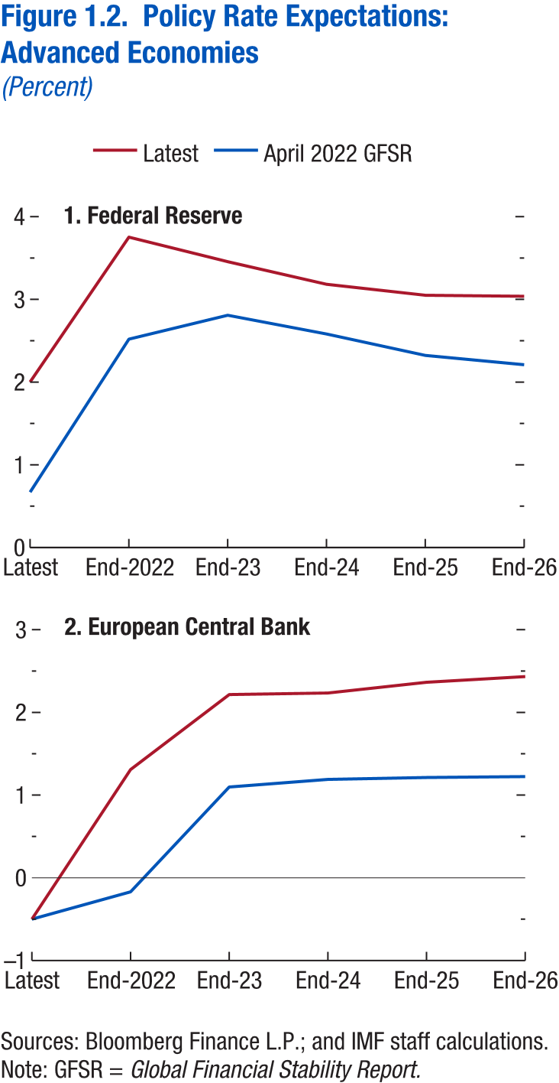
World Economic Outlook, July 2022 Update
 | Figure 1.2. Policy Rate Expectations: Advanced Economies
 | (Percent)

 | 1. Federal Reserve

 | Data not available

Figure 1.3
Sources: Baker, Bloom, and Davis 2016; www.PolicyUncertainty.com.
Note: The global index is calculated as the GDP-weighted average of monthly index values for sample of 18 advanced, emerging market, and middle-income economies. Each monthly national index value is proportional to the share of own-country newspaper articles that discussed economic policy uncertainty in that month.
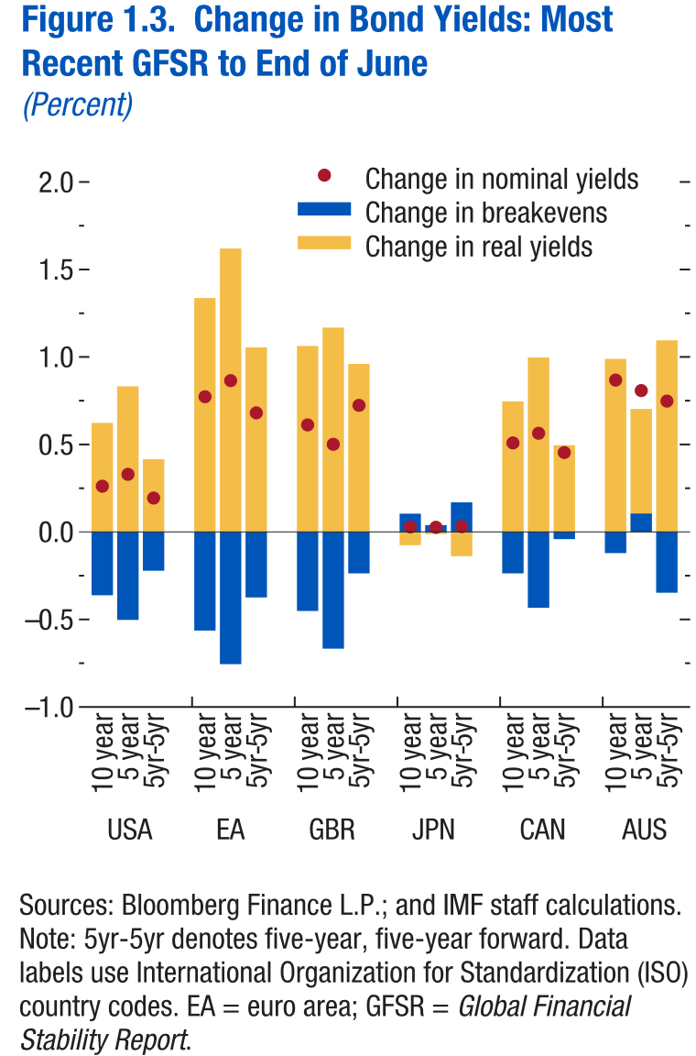
World Economic Outlook, July 2022 Update
 | Figure 1.3. Change in Bond Yields: Most Recent GFSR to End of June
 | (Percent)

 | Data not available

Figure 1.4
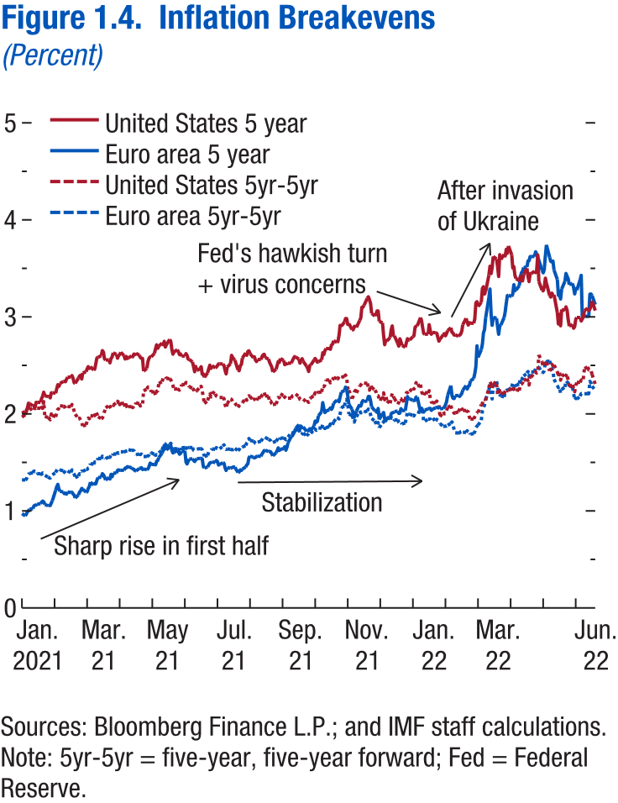
World Economic Outlook, July 2022 Update
 | Figure 1.4. Inflation Breakevens
 | (Percent)

 | Data not available

Figure 1.5
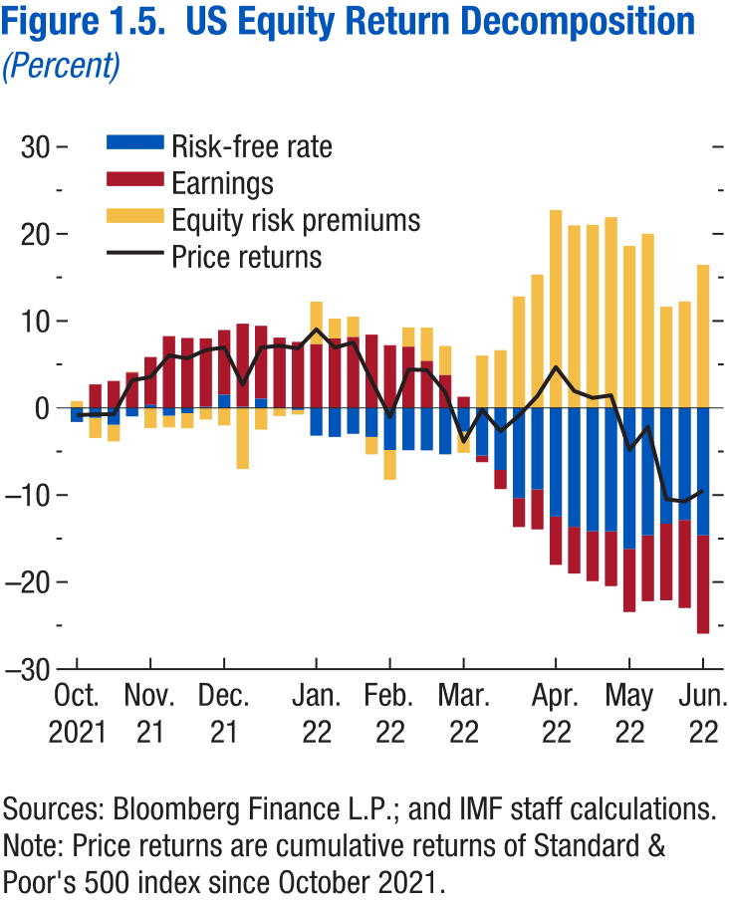
World Economic Outlook, July 2022 Update
 | Figure 1.5. US Equity Return Decomposition
 | (Percent)

 | Data not available

Figure 1.6
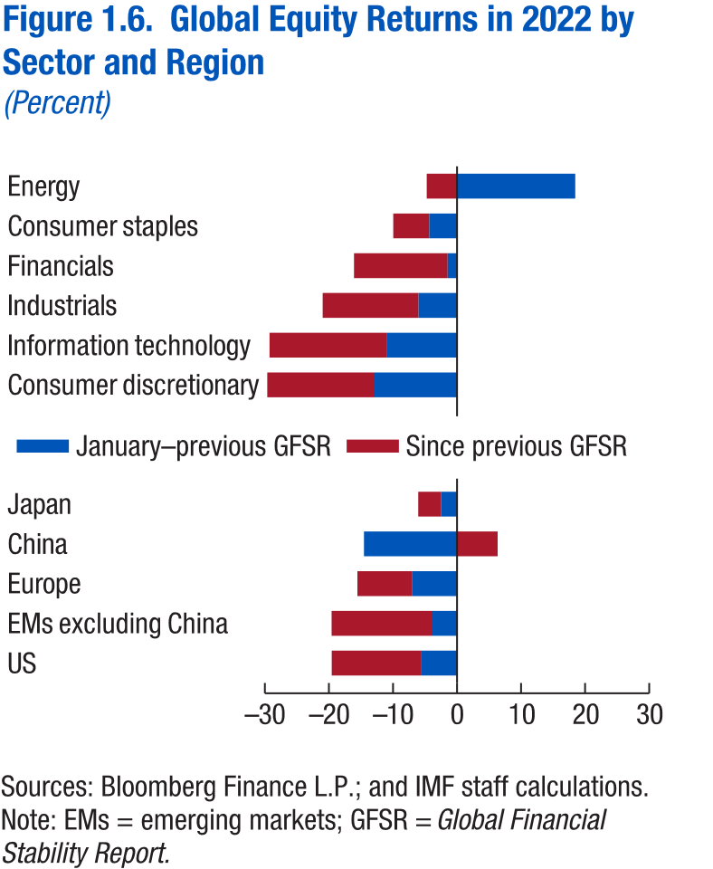
World Economic Outlook, July 2022 Update
 | Figure 1.6. Global Equity Returns in 2022 by Sector and Region
 | (Percent)

 | Data not available

Figure 1.7
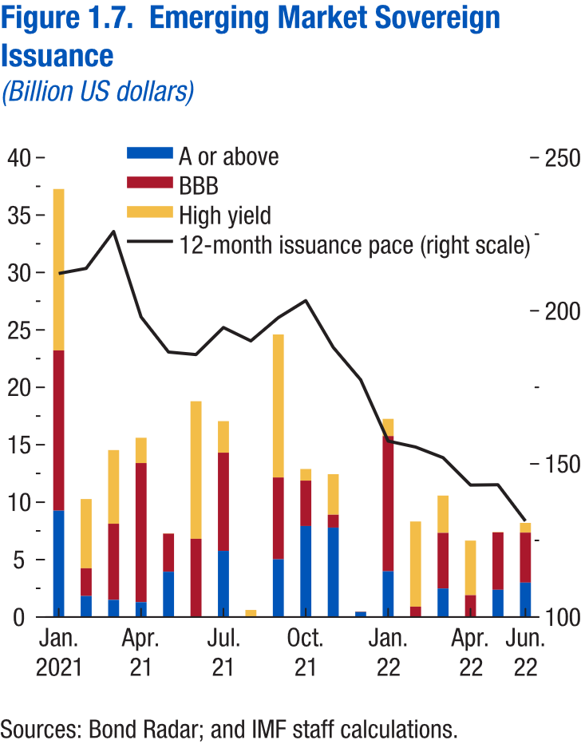
World Economic Outlook, July 2022 Update
 | Figure 1.7. Emerging Markets Sovereign Issuance
 | (Billion US dollars)

 | Data not available

