Figure 3.1.
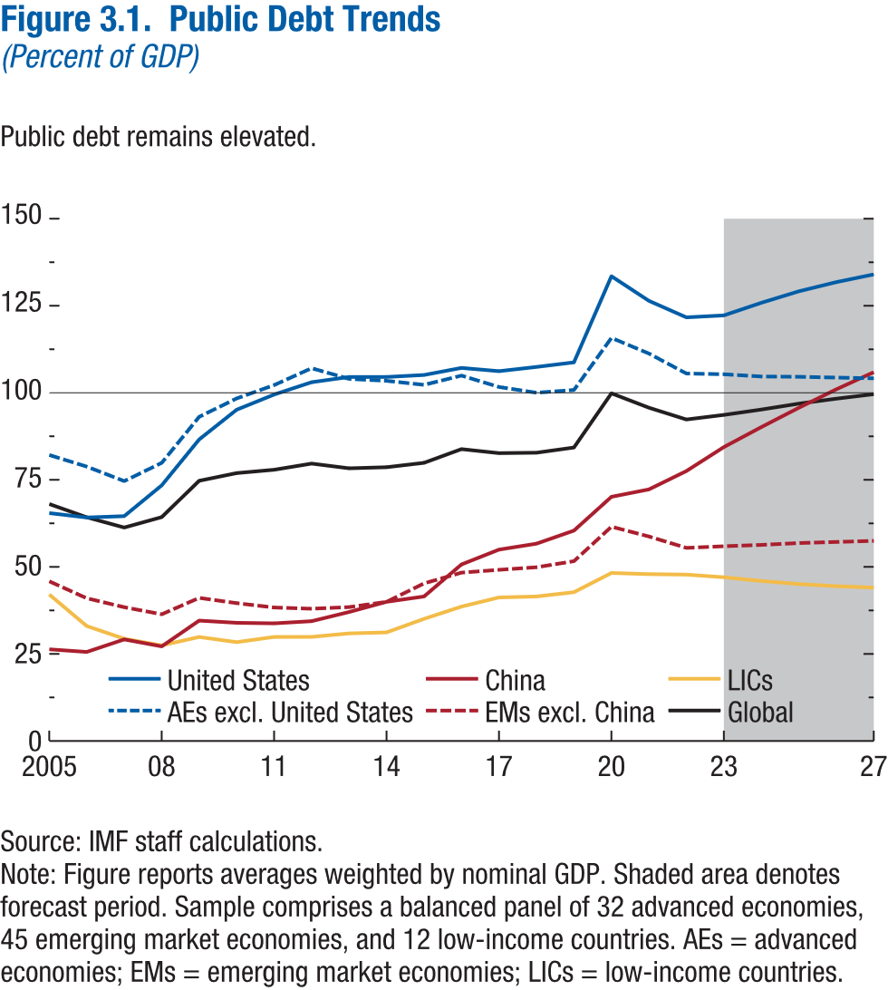
Figure 3.1. Public Debt Trends
(Percent of GDP)

year | United States | AEs excl. United States | China | EMs excl. China | LICs | Global
2005 | 65.44 | 82.17 | 26.31 | 45.85 | 42.02 | 68.07
2006 | 64.18 | 78.84 | 25.57 | 40.99 | 32.97 | 64.27
2007 | 64.57 | 74.67 | 29.16 | 38.42 | 29.45 | 61.32
2008 | 73.42 | 79.92 | 27.16 | 36.40 | 27.52 | 64.31
2009 | 86.59 | 93.14 | 34.57 | 41.10 | 29.86 | 74.73
2010 | 95.15 | 98.38 | 33.92 | 39.59 | 28.38 | 76.95
2011 | 99.48 | 102.22 | 33.77 | 38.34 | 29.87 | 77.89
2012 | 103.04 | 107.07 | 34.39 | 37.97 | 29.89 | 79.67
2013 | 104.54 | 103.99 | 37.04 | 38.44 | 30.88 | 78.30
2014 | 104.54 | 103.45 | 39.97 | 39.95 | 31.18 | 78.61
2015 | 105.12 | 102.30 | 41.49 | 45.23 | 35.06 | 79.87
2016 | 107.15 | 104.95 | 50.70 | 48.30 | 38.59 | 83.80
2017 | 106.21 | 101.68 | 54.95 | 49.09 | 41.22 | 82.64
2018 | 107.44 | 100.03 | 56.66 | 49.82 | 41.50 | 82.75
2019 | 108.74 | 100.82 | 60.40 | 51.55 | 42.61 | 84.25
2020 | 133.48 | 115.80 | 70.12 | 61.43 | 48.05 | 99.80
2021 | 126.43 | 111.28 | 72.25 | 58.63 | 47.88 | 95.69
2022 | 121.66 | 105.54 | 77.52 | 55.22 | 47.90 | 92.26
2023 | 122.23 | 105.18 | 84.41 | 55.66 | 47.63 | 93.57
2024 | 125.85 | 104.55 | 90.15 | 56.05 | 46.27 | 95.13
2025 | 129.16 | 104.41 | 95.70 | 56.60 | 45.33 | 96.82
2026 | 131.79 | 104.12 | 100.98 | 56.91 | 44.53 | 98.23
2027 | 134.00 | 103.84 | 105.91 | 57.23 | 43.84 | 99.49

Figure 3.2.
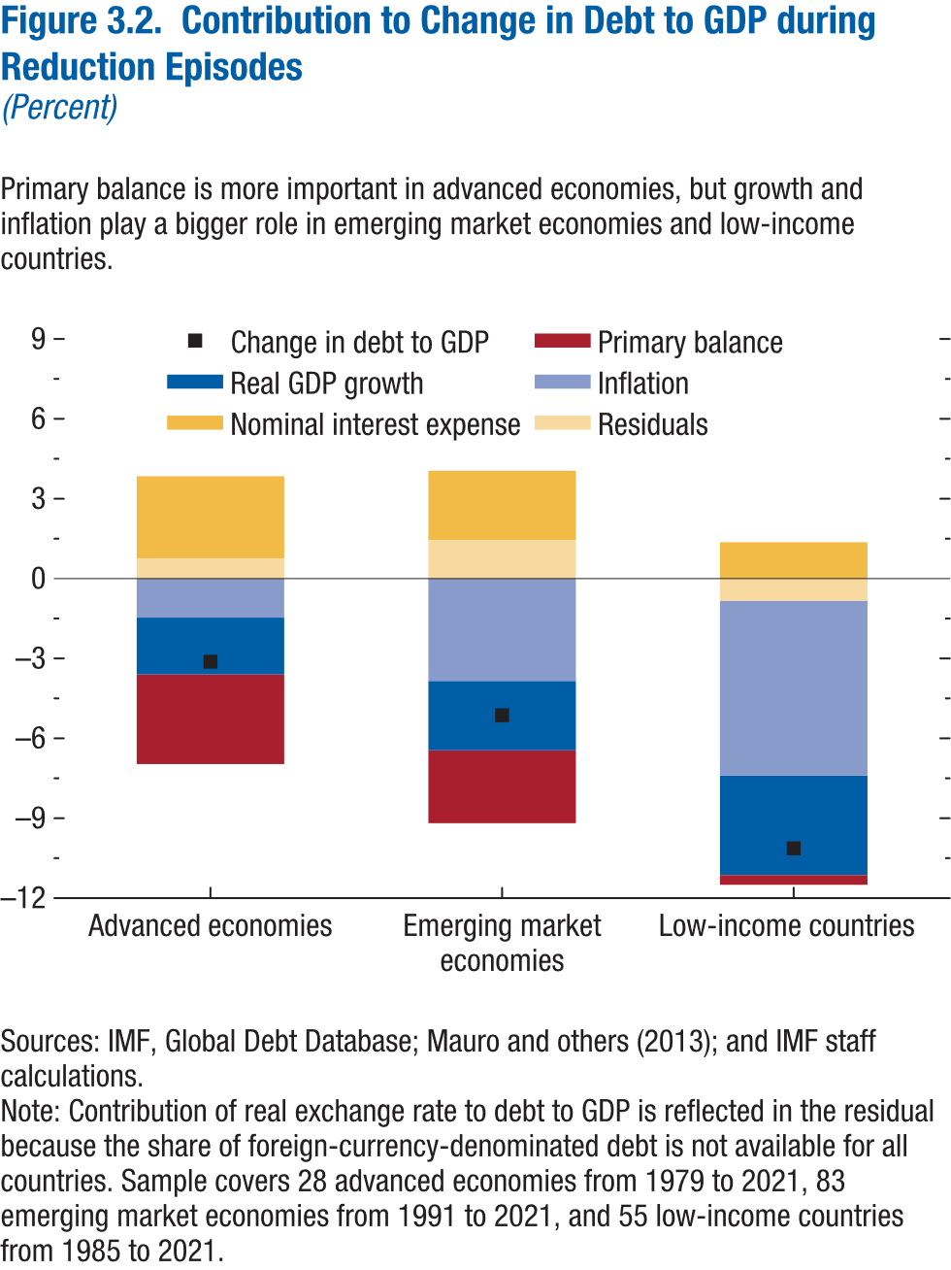
Figure 3.2. Contribution to Change in Debt to GDP during Reduction Episodes
(Percent)

Income group | Change in debt to GDP | Primary balance | Real GDP growth | Nominal interest expense | Inflation | Residuals
Advanced economies | -3.14 | -3.3667595089 | -2.13 | 3.0754193161 | -1.48 | 0.76
Emerging market economies | -5.19 | -2.7499103123 | -2.59 | 2.5590001414 | -3.87 | 1.45
Low-income countries | -10.18 | -0.43370059177 | -3.75 | 1.360279689 | -6.57 | -0.79

Figure 3.3.
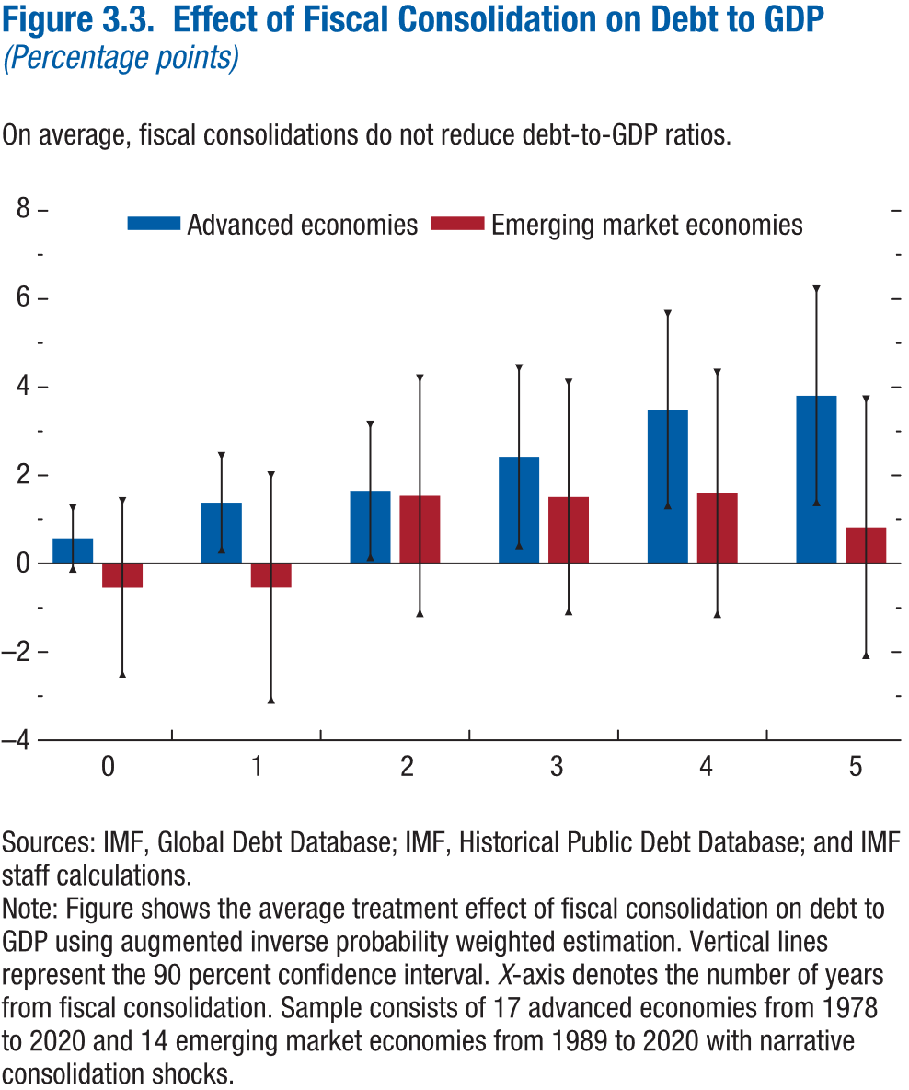
Figure 3.3. Effect of Fiscal Consolidation on Debt to GDP
(Percentage points)

 | Advanced economies |  |  | Emerging market economies
Horizon | Coefficient | Lower bound | Upper bound | Coefficient | Lower bound | Upper bound
0 | 0.58 | -0.11 | 1.27 | -0.55 | -2.51 | 1.42
1 | 1.38 | 0.32 | 2.45 | -0.54 | -3.09 | 2.00
2 | 1.65 | 0.15 | 3.15 | 1.54 | -1.12 | 4.20
3 | 2.43 | 0.42 | 4.43 | 1.51 | -1.08 | 4.10
4 | 3.49 | 1.32 | 5.66 | 1.60 | -1.14 | 4.33
5 | 3.81 | 1.39 | 6.22 | 0.83 | -2.07 | 3.73

Figure 3.4.
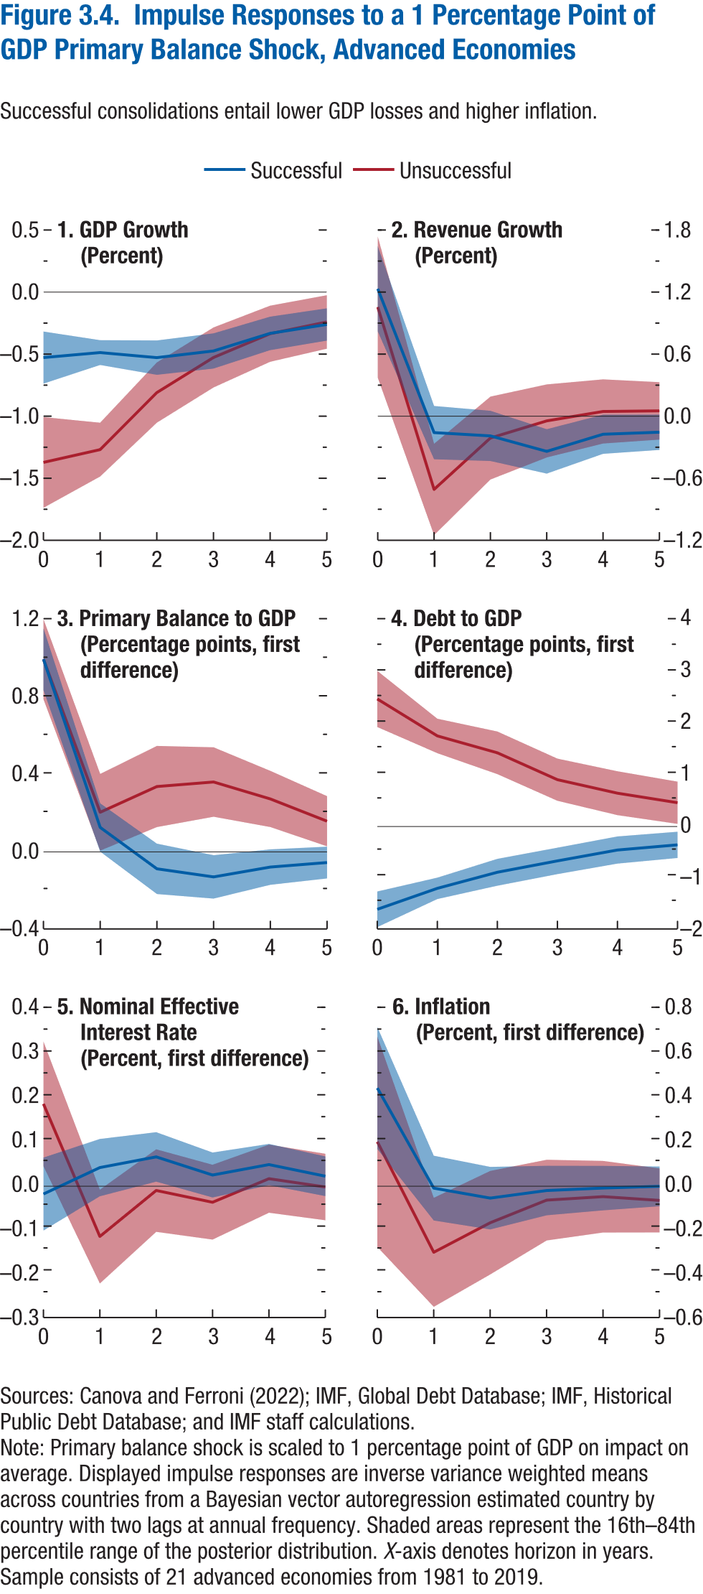
Figure 3.4. Impulse Responses to 1 Percentage Point of GDP Primary Balance Shock, Advanced Economies

1. GDP Growth |  |  |  |  |  |  | 2. Revenue Growth |  |  |  |  |  |  | 3. Primary Balance to GDP |  |  |  |  |  |  | 4. Debt to GDP |  |  |  |  |  |  | 5. Nominal Effective Interest Rate |  |  |  |  |  |  | 6. Inflation
(Percent) |  |  |  |  |  |  | (Percent) |  |  |  |  |  |  | (Percentage points, first difference) |  |  |  |  |  |  | (Percentage points, first difference) |  |  |  |  |  |  | (Percent, first difference) |  |  |  |  |  |  | (Percent, first difference)

 | Successful |  |  | Unsuccessful |  |  |  | Successful |  |  | Unsuccessful |  |  |  | Successful |  |  | Unsuccessful |  |  |  | Successful |  |  | Unsuccessful |  |  |  | Successful |  |  | Unsuccessful |  |  |  | Successful |  |  | Unsuccessful
Horizon | Median | Lower bound | Upper bound | Median | Lower bound | Upper bound | Horizon | Median | Lower bound | Upper bound | Median | Lower bound | Upper bound | Horizon | Median | Lower bound | Upper bound | Median | Lower bound | Upper bound | Horizon | Median | Lower bound | Upper bound | Median | Lower bound | Upper bound | Horizon | Median | Lower bound | Upper bound | Median | Lower bound | Upper bound | Horizon | Median | Lower bound | Upper bound | Median | Lower bound | Upper bound
0 | -0.53 | -0.74 | -0.32 | -1.37 | -1.74 | -1.01 | 0 | 1.23 | 0.82 | 1.64 | 1.06 | 0.37 | 1.74 | 0 | 1.00 | 0.84 | 1.16 | 1.00 | 0.79 | 1.21 | 0 | -1.62 | -1.96 | -1.27 | 2.49 | 1.94 | 3.04 | 0 | -0.02 | -0.10 | 0.07 | 0.19 | 0.05 | 0.33 | 0 | 0.45 | 0.17 | 0.73 | 0.20 | -0.28 | 0.68
1 | -0.49 | -0.59 | -0.39 | -1.27 | -1.49 | -1.05 | 1 | -0.16 | -0.42 | 0.10 | -0.71 | -1.15 | -0.27 | 1 | 0.13 | 0.00 | 0.25 | 0.21 | 0.01 | 0.40 | 1 | -1.21 | -1.42 | -1.00 | 1.77 | 1.43 | 2.11 | 1 | 0.04 | -0.02 | 0.11 | -0.11 | -0.22 | -0.01 | 1 | -0.01 | -0.16 | 0.14 | -0.30 | -0.55 | -0.05
2 | -0.53 | -0.67 | -0.39 | -0.81 | -1.05 | -0.57 | 2 | -0.19 | -0.43 | 0.05 | -0.21 | -0.61 | 0.19 | 2 | -0.09 | -0.22 | 0.04 | 0.34 | 0.13 | 0.55 | 2 | -0.89 | -1.15 | -0.63 | 1.44 | 1.02 | 1.86 | 2 | 0.07 | 0.01 | 0.12 | -0.01 | -0.10 | 0.08 | 2 | -0.05 | -0.20 | 0.09 | -0.17 | -0.40 | 0.07
3 | -0.47 | -0.62 | -0.33 | -0.53 | -0.77 | -0.28 | 3 | -0.34 | -0.55 | -0.13 | -0.05 | -0.40 | 0.31 | 3 | -0.13 | -0.24 | -0.02 | 0.36 | 0.18 | 0.54 | 3 | -0.67 | -0.93 | -0.41 | 0.91 | 0.50 | 1.33 | 3 | 0.03 | -0.03 | 0.08 | -0.04 | -0.12 | 0.05 | 3 | -0.02 | -0.13 | 0.09 | -0.06 | -0.25 | 0.12
4 | -0.33 | -0.47 | -0.20 | -0.34 | -0.56 | -0.11 | 4 | -0.17 | -0.36 | 0.01 | 0.05 | -0.26 | 0.36 | 4 | -0.08 | -0.17 | 0.01 | 0.27 | 0.13 | 0.42 | 4 | -0.46 | -0.72 | -0.19 | 0.65 | 0.22 | 1.08 | 4 | 0.05 | 0.00 | 0.10 | 0.02 | -0.06 | 0.09 | 4 | -0.01 | -0.11 | 0.09 | -0.05 | -0.21 | 0.12
5 | -0.26 | -0.39 | -0.13 | -0.24 | -0.46 | -0.03 | 5 | -0.16 | -0.33 | 0.02 | 0.05 | -0.23 | 0.33 | 5 | -0.06 | -0.14 | 0.03 | 0.16 | 0.03 | 0.29 | 5 | -0.36 | -0.61 | -0.10 | 0.47 | 0.05 | 0.88 | 5 | 0.02 | -0.02 | 0.07 | 0.00 | -0.08 | 0.07 | 5 | 0.00 | -0.09 | 0.09 | -0.06 | -0.21 | 0.08

Figure 3.5.
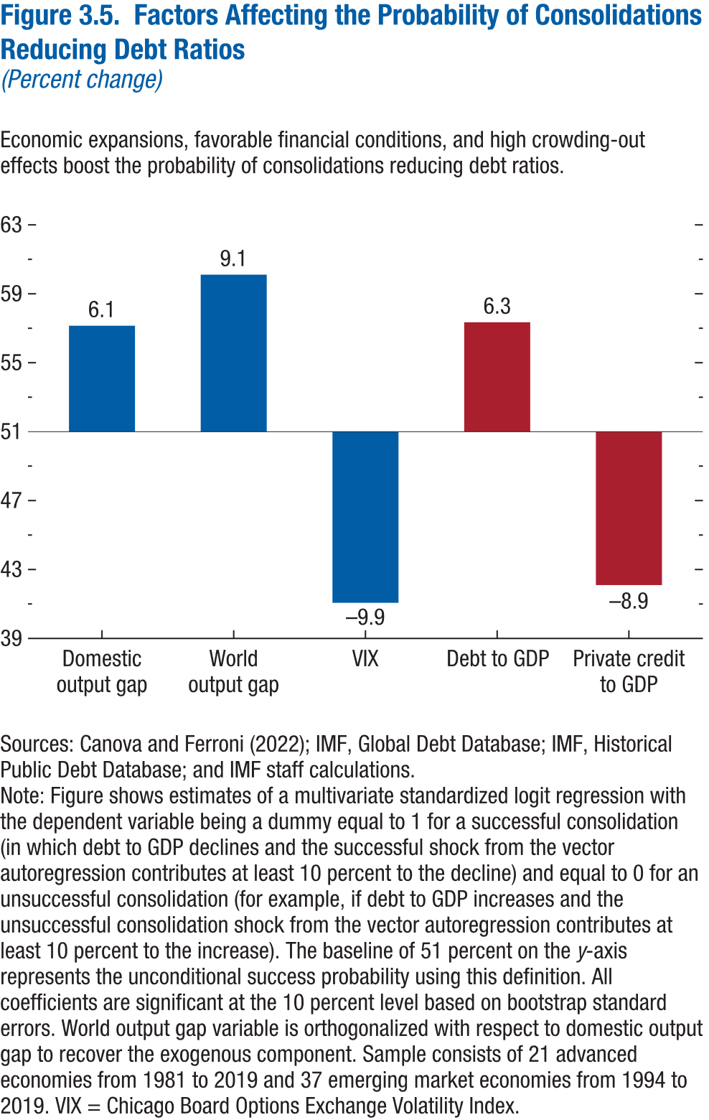
Figure 3.5. Factors Affecting the Probability of Consolidations Reducing Debt Ratios
(Percent change)

Factor | Probability
Domestic outptut gap | 57.15
World output gap | 60.11
VIX | 41.07
Debt to GDP | 57.35
Private credit to GDP | 42.10

Figure 3.6.
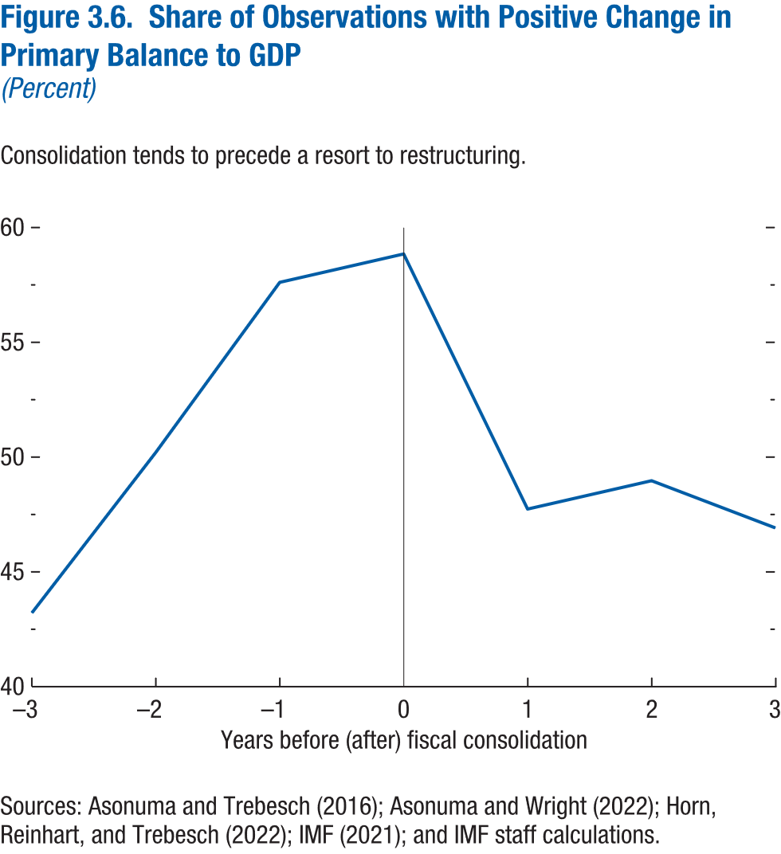
Figure 3.6. Share of Observations with Positive Change in Primary Balance to GDP
(Percent)

Horizon | Share
-3 | 42.62
-2 | 50.41
-1 | 57.79
0 | 59.43
1 | 47.95
2 | 49.18
3 | 47.13

Figure 3.7.
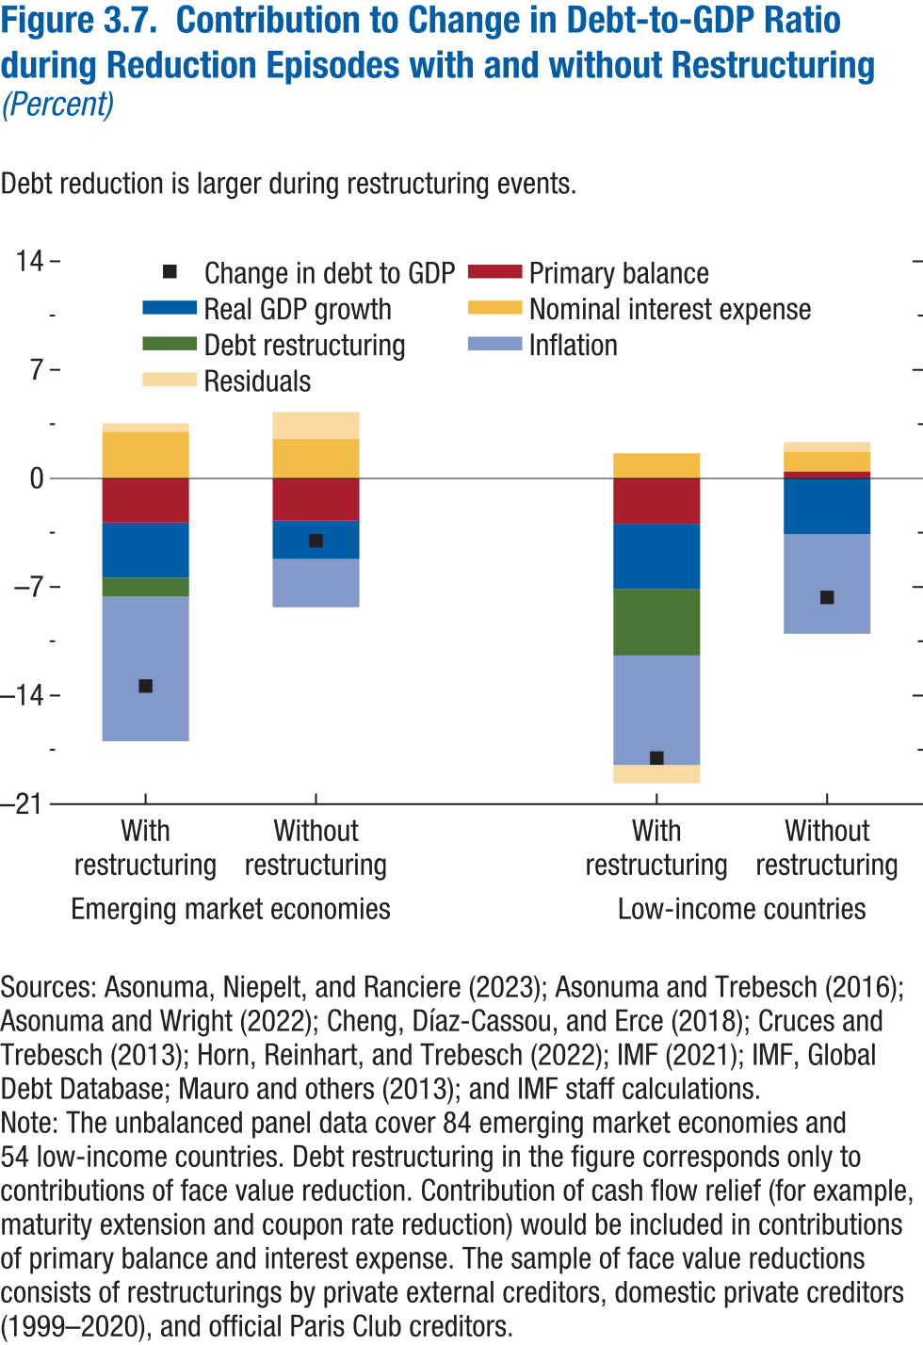
Figure 3.7. Contribution to Change in Debt-to-GDP Ratio during Reduction Episodes with and without Restructuring
(Percent)

Income group | Restructuring | Change in debt to GDP | Primary balance | Real GDP growth | Nominal interest expense | Debt restructuring | Inflation | Residuals
Emerging market economies | With restructuring | -13.16 | -2.83 | -3.58 | 2.96 | -1.22 | -9.25 | 0.76
 | Without restructuring | -4.12 | -2.74 | -2.45 | 2.50 | 0.00 | -3.14 | 1.71

Low-income countries | With restructuring | -18.13 | -3.18 | -4.21 | 1.61 | -4.29 | -7.07 | -0.98
 | Without restructuring | -7.71 | 0.42 | -3.60 | 1.28 | 0.00 | -6.42 | 0.61

Figure 3.8.
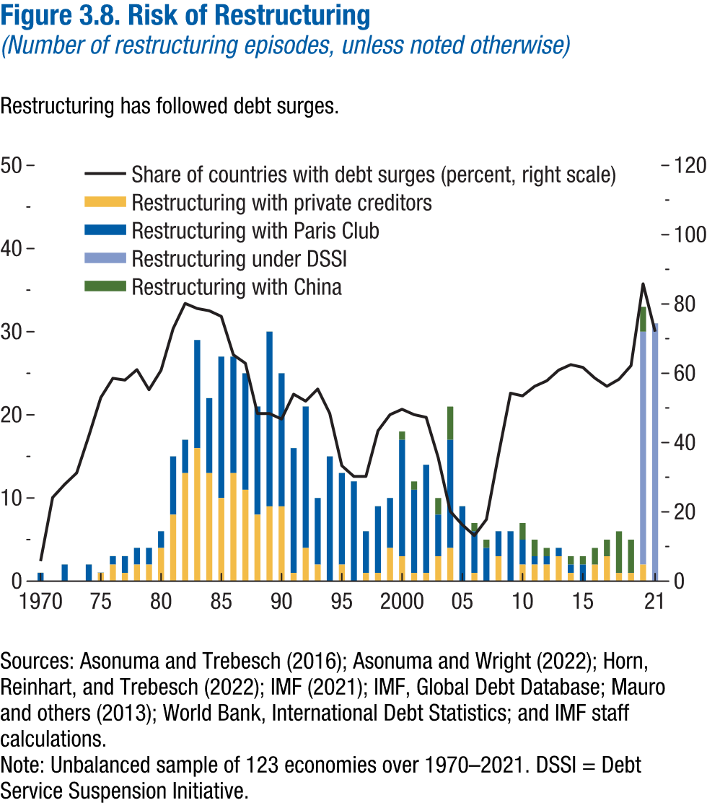
Figure 3.8. Risk of Restructuring
(Number of restructuring episodes, unless noted otherwise)

Year | Share of countries with debt surges (percent) | Private creditors | Paris Club | DSSI | China
1970 | 5.77 | 0.00 | 1.00 |  | 0.00
1971 | 24.14 | 0.00 | 0.00 |  | 0.00
1972 | 27.94 | 0.00 | 2.00 |  | 0.00
1973 | 31.25 | 0.00 | 0.00 |  | 0.00
1974 | 41.86 | 0.00 | 2.00 |  | 0.00
1975 | 53.00 | 1.00 | 0.00 |  | 0.00
1976 | 58.56 | 2.00 | 1.00 |  | 0.00
1977 | 58.04 | 1.00 | 2.00 |  | 0.00
1978 | 61.06 | 2.00 | 2.00 |  | 0.00
1979 | 55.26 | 2.00 | 2.00 |  | 0.00
1980 | 60.87 | 4.00 | 2.00 |  | 0.00
1981 | 72.88 | 8.00 | 7.00 |  | 0.00
1982 | 80.17 | 13.00 | 4.00 |  | 0.00
1983 | 78.69 | 16.00 | 13.00 |  | 0.00
1984 | 78.05 | 13.00 | 9.00 |  | 0.00
1985 | 76.42 | 10.00 | 17.00 |  | 0.00
1986 | 65.32 | 13.00 | 14.00 |  | 0.00
1987 | 62.90 | 11.00 | 14.00 |  | 0.00
1988 | 48.39 | 8.00 | 13.00 |  | 0.00
1989 | 48.39 | 9.00 | 21.00 |  | 0.00
1990 | 46.77 | 9.00 | 16.00 |  | 0.00
1991 | 53.97 | 1.00 | 15.00 |  | 0.00
1992 | 51.97 | 4.00 | 17.00 |  | 0.00
1993 | 55.47 | 2.00 | 8.00 |  | 0.00
1994 | 48.44 | 0.00 | 15.00 |  | 0.00
1995 | 33.33 | 2.00 | 11.00 |  | 0.00
1996 | 30.23 | 0.00 | 12.00 |  | 0.00
1997 | 30.23 | 1.00 | 5.00 |  | 0.00
1998 | 43.41 | 1.00 | 8.00 |  | 0.00
1999 | 48.06 | 4.00 | 6.00 |  | 0.00
2000 | 49.61 | 3.00 | 14.00 |  | 1.00
2001 | 48.06 | 1.00 | 10.00 |  | 1.00
2002 | 47.29 | 1.00 | 13.00 |  | 0.00
2003 | 35.66 | 3.00 | 5.00 |  | 2.00
2004 | 20.16 | 4.00 | 13.00 |  | 4.00
2005 | 16.28 | 0.00 | 9.00 |  | 0.00
2006 | 13.18 | 1.00 | 5.00 |  | 1.00
2007 | 17.83 | 0.00 | 4.00 |  | 1.00
2008 | 36.43 | 3.00 | 3.00 |  | 0.00
2009 | 54.26 | 0.00 | 6.00 |  | 0.00
2010 | 53.49 | 2.00 | 3.00 |  | 2.00
2011 | 56.25 | 2.00 | 1.00 |  | 2.00
2012 | 57.81 | 2.00 | 1.00 |  | 1.00
2013 | 60.94 | 3.00 | 1.00 |  | 0.00
2014 | 62.50 | 1.00 | 1.00 |  | 1.00
2015 | 61.72 | 0.00 | 2.00 |  | 1.00
2016 | 58.59 | 2.00 | 0.00 |  | 2.00
2017 | 56.25 | 3.00 | 0.00 |  | 2.00
2018 | 58.27 | 1.00 | 0.00 |  | 5.00
2019 | 62.20 | 1.00 | 0.00 |  | 4.00
2020 | 85.83 | 2.00 |  | 28.00 | 3.00
2021 | 72.00 | 0.00 |  | 31.00 | 0.00

Figure 3.9.
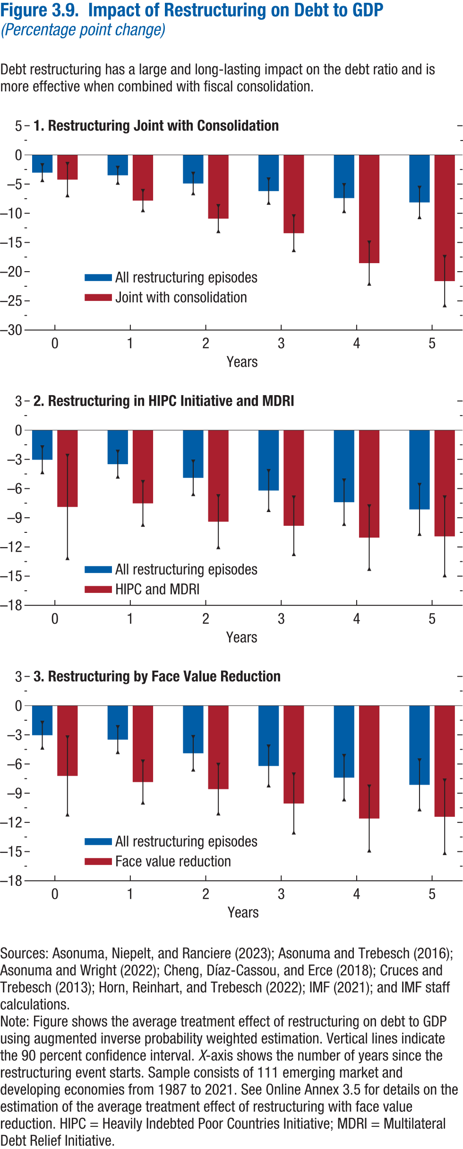
Figure 3.9. Impact of Restructuring on Debt to GDP
(Percentage point change)

1. Restructuring Joint with Consolidation |  |  |  |  |  |  | 2. Restructuring in HIPC and MDRI |  |  |  |  |  |  | 3. Restructuring by Face Value Reduction

 | All restructuring |  |  | Joint with consolidation |  |  |  | All restructuring |  |  | HIPC and MDRI |  |  |  | All restructuring |  |  | Face value reduction
Horizon | ATE | Lower bound | Upper bound | ATE | Lower bound | Upper bound | Horizon | ATE | Lower bound | Upper bound | ATE | Lower bound | Upper bound | Horizon | ATE | Lower bound | Upper bound | ATE | Lower bound | Upper bound
0 | -3.04 | -4.32 | -1.76 | -4.23 | -6.92 | -1.54 | 0 | -3.04 | -4.32 | -1.76 | -7.89 | -13.14 | -2.63 | 0 | -3.04 | -4.32 | -1.76 | -7.23 | -11.19 | -3.26
1 | -3.49 | -4.77 | -2.21 | -7.82 | -9.47 | -6.18 | 1 | -3.49 | -4.77 | -2.21 | -7.52 | -9.72 | -5.32 | 1 | -3.49 | -4.77 | -2.21 | -7.85 | -9.96 | -5.74
2 | -4.90 | -6.57 | -3.23 | -10.91 | -13.06 | -8.77 | 2 | -4.90 | -6.57 | -3.23 | -9.40 | -12.02 | -6.79 | 2 | -4.90 | -6.57 | -3.23 | -8.58 | -11.08 | -6.08
3 | -6.20 | -8.20 | -4.20 | -13.41 | -16.31 | -10.52 | 3 | -6.20 | -8.20 | -4.20 | -9.82 | -12.73 | -6.92 | 3 | -6.20 | -8.20 | -4.20 | -10.06 | -13.04 | -7.08
4 | -7.40 | -9.63 | -5.17 | -18.54 | -22.06 | -15.02 | 4 | -7.40 | -9.63 | -5.17 | -11.04 | -14.25 | -7.83 | 4 | -7.40 | -9.63 | -5.17 | -11.60 | -14.89 | -8.32
5 | -8.14 | -10.66 | -5.63 | -21.62 | -25.76 | -17.47 | 5 | -8.14 | -10.66 | -5.63 | -10.91 | -14.92 | -6.90 | 5 | -8.14 | -10.66 | -5.63 | -11.42 | -15.15 | -7.70

Figure 3.10.
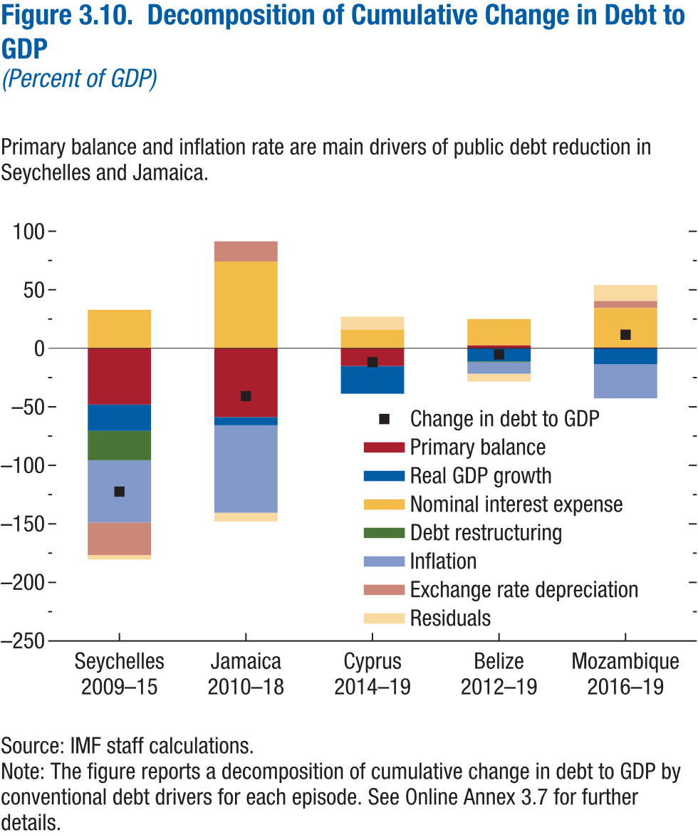
Figure 3.10. Decomposition of Cumulative Change in Debt to GDP
(Percent of GDP)

Case | Change in debt to GDP | Primary balance | Real GDP growth | Nominal interest expense | Debt restructuring | Inflation | Exchange rate depreciation | Residuals
Seychelles 2009–15 | -122.43 | -48.06 | -22.45 | 32.90 | -25.10 | -53.20 | -27.82 | -3.81
Jamaica 2010–18 | -40.80 | -58.70 | -7.00 | 74.20 | 0.00 | -74.70 | 17.20 | -7.50
Cyprus 2014–19 | -11.83 | -15.08 | -23.66 | 16.00 | 0.00 | -0.20 | 0.00 | 11.11
Belize 2012–19 | -5.20 | 2.50 | -11.20 | 22.50 | -0.80 | -9.70 | 0.00 | -6.70
Mozambique 2016–19 | 11.62 | 0.76 | -13.65 | 33.70 | 0.00 | -29.10 | 6.00 | 13.75

Figure 3.1.1.
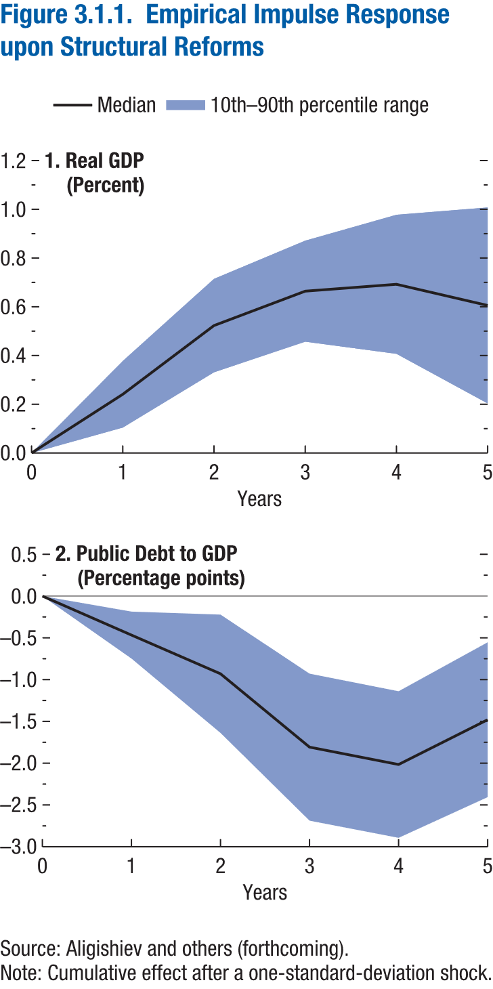
Figure 3.1.1. Empirical Impulse Response upon Structural Reforms

1. Real GDP |  |  |  | 2. Public Debt to GDP
(Percent) |  |  |  | (Percentage points)

Horizon | Median | Lower bound | Upper bound | Horizon | Median | Lower bound | Upper bound
0 | 0.00 | 0.00 | 0.00 | 0 | 0.00 | 0.00 | 0.00
1 | 0.24 | 0.10 | 0.38 | 1 | -0.47 | -0.75 | -0.19
2 | 0.52 | 0.33 | 0.71 | 2 | -0.93 | -1.64 | -0.22
3 | 0.66 | 0.46 | 0.87 | 3 | -1.81 | -2.69 | -0.93
4 | 0.69 | 0.41 | 0.98 | 4 | -2.02 | -2.89 | -1.14
5 | 0.61 | 0.20 | 1.01 | 5 | -1.48 | -2.41 | -0.55

Figure 3.2.1.
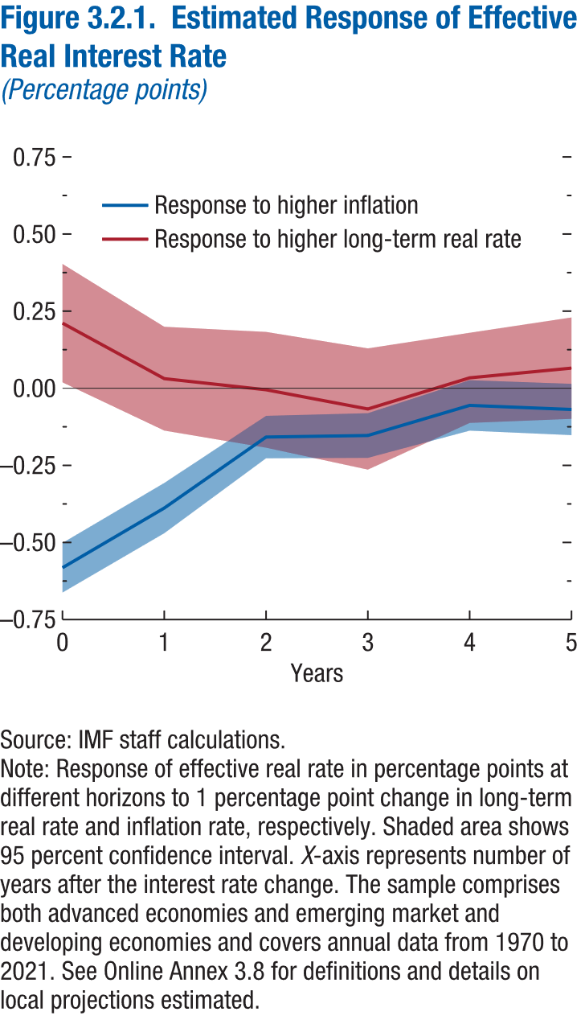
Figure 3.2.1. Estimated Response of Effective Real Interest Rate
(Percentage points)

 | Response to higher inflation |  |  | Response to higher long-term real rate
Horizon | Coefficient | Lower bound | Upper bound | Coefficient | Lower bound | Upper bound
0 | -0.58 | -0.66 | -0.50 | 0.21 | 0.02 | 0.40
1 | -0.39 | -0.47 | -0.31 | 0.03 | -0.14 | 0.20
2 | -0.16 | -0.23 | -0.09 | 0.00 | -0.19 | 0.18
3 | -0.15 | -0.23 | -0.08 | -0.07 | -0.26 | 0.13
4 | -0.06 | -0.14 | 0.03 | 0.03 | -0.11 | 0.18
5 | -0.07 | -0.15 | 0.01 | 0.07 | -0.10 | 0.23

Annex Figure 3.1.1.
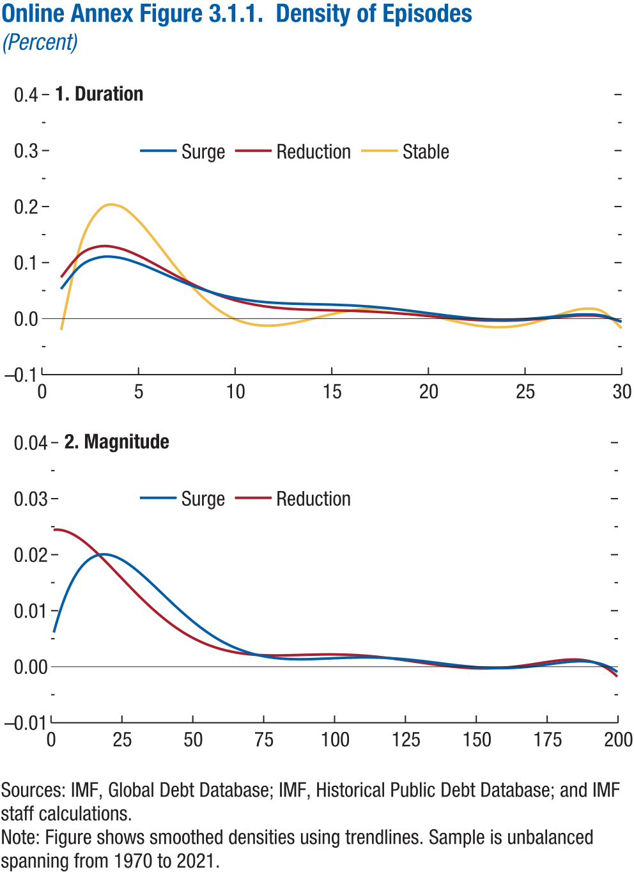
Online Annex Figure 3.1.1. Density of Episodes
(Percent)

1. Duration |  |  |  | 2. Magnitude

Duration | Surge | Reduction | Stable | Magnitude | Surge | Reduction
0 |  |  |  | 0
1 | 0.05 | 0.07 | -0.02 | 1 | 0.01 | 0.02
2 | 0.09 | 0.12 | 0.13 | 2 | 0.01 | 0.02
3 | 0.11 | 0.13 | 0.20 | 3 | 0.01 | 0.02
4 | 0.11 | 0.13 | 0.20 | 4 | 0.01 | 0.02
5 | 0.10 | 0.11 | 0.17 | 5 | 0.01 | 0.02
6 | 0.08 | 0.09 | 0.13 | 6 | 0.01 | 0.02
7 | 0.07 | 0.08 | 0.09 | 7 | 0.01 | 0.02
8 | 0.06 | 0.06 | 0.05 | 8 | 0.02 | 0.02
9 | 0.04 | 0.04 | 0.02 | 9 | 0.02 | 0.02
10 | 0.04 | 0.03 | 0.00 | 10 | 0.02 | 0.02
11 | 0.03 | 0.02 | -0.01 | 11 | 0.02 | 0.02
12 | 0.03 | 0.02 | -0.01 | 12 | 0.02 | 0.02
13 | 0.03 | 0.02 | -0.01 | 13 | 0.02 | 0.02
14 | 0.03 | 0.02 | 0.00 | 14 | 0.02 | 0.02
15 | 0.03 | 0.01 | 0.01 | 15 | 0.02 | 0.02
16 | 0.02 | 0.01 | 0.01 | 16 | 0.02 | 0.02
17 | 0.02 | 0.01 | 0.02 | 17 | 0.02 | 0.02
18 | 0.02 | 0.01 | 0.02 | 18 | 0.02 | 0.02
19 | 0.01 | 0.01 | 0.01 | 19 | 0.02 | 0.02
20 | 0.01 | 0.00 | 0.01 | 20 | 0.02 | 0.02
21 | 0.01 | 0.00 | 0.00 | 21 | 0.02 | 0.02
22 | 0.00 | 0.00 | -0.01 | 22 | 0.02 | 0.02
23 | 0.00 | 0.00 | -0.01 | 23 | 0.02 | 0.02
24 | 0.00 | 0.00 | -0.02 | 24 | 0.02 | 0.02
25 | 0.00 | 0.00 | -0.01 | 25 | 0.02 | 0.02
26 | 0.00 | 0.00 | 0.00 | 26 | 0.02 | 0.02
27 | 0.01 | 0.00 | 0.01 | 27 | 0.02 | 0.01
28 | 0.01 | 0.01 | 0.02 | 28 | 0.02 | 0.01
29 | 0.01 | 0.00 | 0.01 | 29 | 0.02 | 0.01
30 | -0.01 | -0.01 | -0.02 | 30 | 0.02 | 0.01
 |  |  |  | 31 | 0.02 | 0.01
 |  |  |  | 32 | 0.02 | 0.01
 |  |  |  | 33 | 0.02 | 0.01
 |  |  |  | 34 | 0.02 | 0.01
 |  |  |  | 35 | 0.02 | 0.01
 |  |  |  | 36 | 0.01 | 0.01
 |  |  |  | 37 | 0.01 | 0.01
 |  |  |  | 38 | 0.01 | 0.01
 |  |  |  | 39 | 0.01 | 0.01
 |  |  |  | 40 | 0.01 | 0.01
 |  |  |  | 41 | 0.01 | 0.01
 |  |  |  | 42 | 0.01 | 0.01
 |  |  |  | 43 | 0.01 | 0.01
 |  |  |  | 44 | 0.01 | 0.01
 |  |  |  | 45 | 0.01 | 0.01
 |  |  |  | 46 | 0.01 | 0.01
 |  |  |  | 47 | 0.01 | 0.01
 |  |  |  | 48 | 0.01 | 0.01
 |  |  |  | 49 | 0.01 | 0.01
 |  |  |  | 50 | 0.01 | 0.01
 |  |  |  | 51 | 0.01 | 0.00
 |  |  |  | 52 | 0.01 | 0.00
 |  |  |  | 53 | 0.01 | 0.00
 |  |  |  | 54 | 0.01 | 0.00
 |  |  |  | 55 | 0.01 | 0.00
 |  |  |  | 56 | 0.01 | 0.00
 |  |  |  | 57 | 0.01 | 0.00
 |  |  |  | 58 | 0.01 | 0.00
 |  |  |  | 59 | 0.00 | 0.00
 |  |  |  | 60 | 0.00 | 0.00
 |  |  |  | 61 | 0.00 | 0.00
 |  |  |  | 62 | 0.00 | 0.00
 |  |  |  | 63 | 0.00 | 0.00
 |  |  |  | 64 | 0.00 | 0.00
 |  |  |  | 65 | 0.00 | 0.00
 |  |  |  | 66 | 0.00 | 0.00
 |  |  |  | 67 | 0.00 | 0.00
 |  |  |  | 68 | 0.00 | 0.00
 |  |  |  | 69 | 0.00 | 0.00
 |  |  |  | 70 | 0.00 | 0.00
 |  |  |  | 71 | 0.00 | 0.00
 |  |  |  | 72 | 0.00 | 0.00
 |  |  |  | 73 | 0.00 | 0.00
 |  |  |  | 74 | 0.00 | 0.00
 |  |  |  | 75 | 0.00 | 0.00
 |  |  |  | 76 | 0.00 | 0.00
 |  |  |  | 77 | 0.00 | 0.00
 |  |  |  | 78 | 0.00 | 0.00
 |  |  |  | 79 | 0.00 | 0.00
 |  |  |  | 80 | 0.00 | 0.00
 |  |  |  | 81 | 0.00 | 0.00
 |  |  |  | 82 | 0.00 | 0.00
 |  |  |  | 83 | 0.00 | 0.00
 |  |  |  | 84 | 0.00 | 0.00
 |  |  |  | 85 | 0.00 | 0.00
 |  |  |  | 86 | 0.00 | 0.00
 |  |  |  | 87 | 0.00 | 0.00
 |  |  |  | 88 | 0.00 | 0.00
 |  |  |  | 89 | 0.00 | 0.00
 |  |  |  | 90 | 0.00 | 0.00
 |  |  |  | 91 | 0.00 | 0.00
 |  |  |  | 92 | 0.00 | 0.00
 |  |  |  | 93 | 0.00 | 0.00
 |  |  |  | 94 | 0.00 | 0.00
 |  |  |  | 95 | 0.00 | 0.00
 |  |  |  | 96 | 0.00 | 0.00
 |  |  |  | 97 | 0.00 | 0.00
 |  |  |  | 98 | 0.00 | 0.00
 |  |  |  | 99 | 0.00 | 0.00
 |  |  |  | 100 | 0.00 | 0.00
 |  |  |  | 101 | 0.00 | 0.00
 |  |  |  | 102 | 0.00 | 0.00
 |  |  |  | 103 | 0.00 | 0.00
 |  |  |  | 104 | 0.00 | 0.00
 |  |  |  | 105 | 0.00 | 0.00
 |  |  |  | 106 | 0.00 | 0.00
 |  |  |  | 107 | 0.00 | 0.00
 |  |  |  | 108 | 0.00 | 0.00
 |  |  |  | 109 | 0.00 | 0.00
 |  |  |  | 110 | 0.00 | 0.00
 |  |  |  | 111 | 0.00 | 0.00
 |  |  |  | 112 | 0.00 | 0.00
 |  |  |  | 113 | 0.00 | 0.00
 |  |  |  | 114 | 0.00 | 0.00
 |  |  |  | 115 | 0.00 | 0.00
 |  |  |  | 116 | 0.00 | 0.00
 |  |  |  | 117 | 0.00 | 0.00
 |  |  |  | 118 | 0.00 | 0.00
 |  |  |  | 119 | 0.00 | 0.00
 |  |  |  | 120 | 0.00 | 0.00
 |  |  |  | 121 | 0.00 | 0.00
 |  |  |  | 122 | 0.00 | 0.00
 |  |  |  | 123 | 0.00 | 0.00
 |  |  |  | 124 | 0.00 | 0.00
 |  |  |  | 125 | 0.00 | 0.00
 |  |  |  | 126 | 0.00 | 0.00
 |  |  |  | 127 | 0.00 | 0.00
 |  |  |  | 128 | 0.00 | 0.00
 |  |  |  | 129 | 0.00 | 0.00
 |  |  |  | 130 | 0.00 | 0.00
 |  |  |  | 131 | 0.00 | 0.00
 |  |  |  | 132 | 0.00 | 0.00
 |  |  |  | 133 | 0.00 | 0.00
 |  |  |  | 134 | 0.00 | 0.00
 |  |  |  | 135 | 0.00 | 0.00
 |  |  |  | 136 | 0.00 | 0.00
 |  |  |  | 137 | 0.00 | 0.00
 |  |  |  | 138 | 0.00 | 0.00
 |  |  |  | 139 | 0.00 | 0.00
 |  |  |  | 140 | 0.00 | 0.00
 |  |  |  | 141 | 0.00 | 0.00
 |  |  |  | 142 | 0.00 | 0.00
 |  |  |  | 143 | 0.00 | 0.00
 |  |  |  | 144 | 0.00 | 0.00
 |  |  |  | 145 | 0.00 | 0.00
 |  |  |  | 146 | 0.00 | 0.00
 |  |  |  | 147 | 0.00 | 0.00
 |  |  |  | 148 | 0.00 | 0.00
 |  |  |  | 149 | 0.00 | 0.00
 |  |  |  | 150 | 0.00 | 0.00
 |  |  |  | 151 | 0.00 | 0.00
 |  |  |  | 152 | 0.00 | 0.00
 |  |  |  | 153 | 0.00 | 0.00
 |  |  |  | 154 | 0.00 | 0.00
 |  |  |  | 155 | 0.00 | 0.00
 |  |  |  | 156 | 0.00 | 0.00
 |  |  |  | 157 | 0.00 | 0.00
 |  |  |  | 158 | 0.00 | 0.00
 |  |  |  | 159 | 0.00 | 0.00
 |  |  |  | 160 | 0.00 | 0.00
 |  |  |  | 161 | 0.00 | 0.00
 |  |  |  | 162 | 0.00 | 0.00
 |  |  |  | 163 | 0.00 | 0.00
 |  |  |  | 164 | 0.00 | 0.00
 |  |  |  | 165 | 0.00 | 0.00
 |  |  |  | 166 | 0.00 | 0.00
 |  |  |  | 167 | 0.00 | 0.00
 |  |  |  | 168 | 0.00 | 0.00
 |  |  |  | 169 | 0.00 | 0.00
 |  |  |  | 170 | 0.00 | 0.00
 |  |  |  | 171 | 0.00 | 0.00
 |  |  |  | 172 | 0.00 | 0.00
 |  |  |  | 173 | 0.00 | 0.00
 |  |  |  | 174 | 0.00 | 0.00
 |  |  |  | 175 | 0.00 | 0.00
 |  |  |  | 176 | 0.00 | 0.00
 |  |  |  | 177 | 0.00 | 0.00
 |  |  |  | 178 | 0.00 | 0.00
 |  |  |  | 179 | 0.00 | 0.00
 |  |  |  | 180 | 0.00 | 0.00
 |  |  |  | 181 | 0.00 | 0.00
 |  |  |  | 182 | 0.00 | 0.00
 |  |  |  | 183 | 0.00 | 0.00
 |  |  |  | 184 | 0.00 | 0.00
 |  |  |  | 185 | 0.00 | 0.00
 |  |  |  | 186 | 0.00 | 0.00
 |  |  |  | 187 | 0.00 | 0.00
 |  |  |  | 188 | 0.00 | 0.00
 |  |  |  | 189 | 0.00 | 0.00
 |  |  |  | 190 | 0.00 | 0.00
 |  |  |  | 191 | 0.00 | 0.00
 |  |  |  | 192 | 0.00 | 0.00
 |  |  |  | 193 | 0.00 | 0.00
 |  |  |  | 194 | 0.00 | 0.00
 |  |  |  | 195 | 0.00 | 0.00
 |  |  |  | 196 | 0.00 | 0.00
 |  |  |  | 197 | 0.00 | 0.00
 |  |  |  | 198 | 0.00 | 0.00
 |  |  |  | 199 | 0.00 | 0.00
 |  |  |  | 200 | 0.00 | 0.00

Annex Figure 3.3.1.
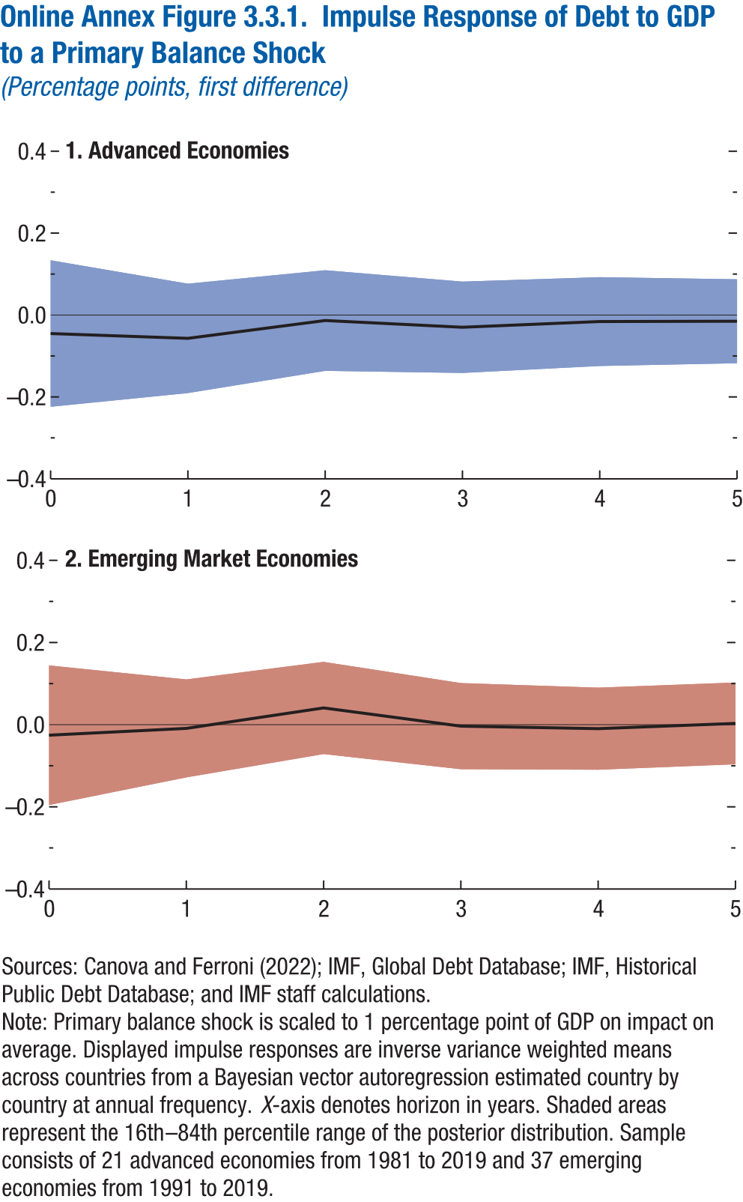
Online Annex Figure 3.3.1. Impulse Response of Debt to GDP to a Primary Balance Shock
(Percentage points, first difference)

1. Advanced Economies |  |  |  | 2. Emerging Market Economies

Horizon | Median | Lower bound | Upper bound | Horizon | Median | Lower bound | Upper bound
0 | -0.05 | -0.22 | 0.13 | 0 | -0.03 | -0.20 | 0.14
1 | -0.06 | -0.19 | 0.08 | 1 | -0.01 | -0.13 | 0.11
2 | -0.01 | -0.14 | 0.11 | 2 | 0.04 | -0.07 | 0.15
3 | -0.03 | -0.14 | 0.08 | 3 | 0.00 | -0.11 | 0.10
4 | -0.02 | -0.12 | 0.09 | 4 | -0.01 | -0.11 | 0.09
5 | -0.02 | -0.12 | 0.09 | 5 | 0.00 | -0.10 | 0.10

Annex Figure 3.3.2.
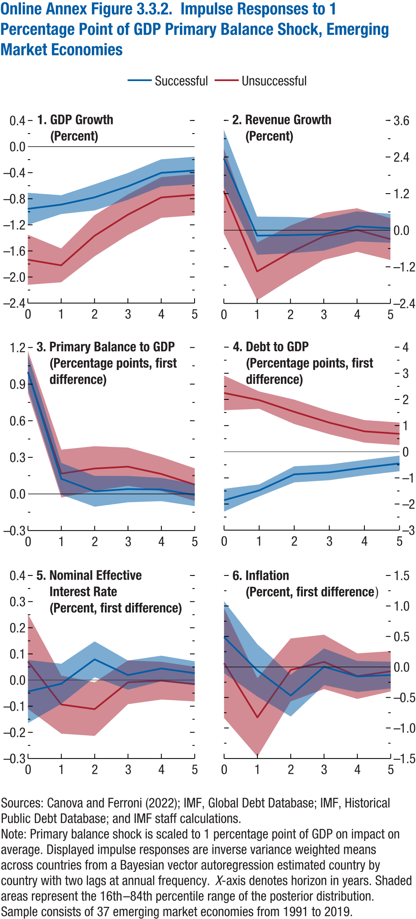
Online Annex Figure 3.3.2. Impulse Responses to 1 Percentage Point of GDP Primary Balance Shock, Emerging Market Economies

1. GDP Growth |  |  |  |  |  |  | 2. Revenue Growth |  |  |  |  |  |  | 3. Primary Balance to GDP |  |  |  |  |  |  | 4. Debt to GDP |  |  |  |  |  |  | 5. Nominal Effective Interest Rate |  |  |  |  |  |  | 6. Inflation
(Percent) |  |  |  |  |  |  | (Percent) |  |  |  |  |  |  | (Percentage points, first difference) |  |  |  |  |  |  | (Percentage points, first difference) |  |  |  |  |  |  | (Percent, first difference) |  |  |  |  |  |  | (Percent, first difference)

 | Successful |  |  | Unsuccessful |  |  |  | Successful |  |  | Unsuccessful |  |  |  | Successful |  |  | Unsuccessful |  |  |  | Successful |  |  | Unsuccessful |  |  |  | Successful |  |  | Unsuccessful |  |  |  | Successful |  |  | Unsuccessful
Horizon | Median | Lower bound | Upper bound | Median | Lower bound | Upper bound | Horizon | Median | Lower bound | Upper bound | Median | Lower bound | Upper bound | Horizon | Median | Lower bound | Upper bound | Median | Lower bound | Upper bound | Horizon | Median | Lower bound | Upper bound | Median | Lower bound | Upper bound | Horizon | Median | Lower bound | Upper bound | Median | Lower bound | Upper bound | Horizon | Median | Lower bound | Upper bound | Median | Lower bound | Upper bound
0 | -0.95 | -1.20 | -0.71 | -1.73 | -2.12 | -1.35 | 0 | 2.35 | 1.41 | 3.30 | 1.29 | -0.11 | 2.68 | 0 | 1.00 | 0.86 | 1.14 | 1.00 | 0.83 | 1.17 | 0 | -1.85 | -2.29 | -1.42 | 2.25 | 1.59 | 2.91 | 0 | -0.04 | -0.16 | 0.08 | 0.07 | -0.11 | 0.25 | 0 | 0.49 | -0.10 | 1.08 | 0.06 | -0.84 | 0.96
1 | -0.89 | -1.03 | -0.75 | -1.82 | -2.08 | -1.56 | 1 | -0.18 | -0.80 | 0.45 | -1.35 | -2.30 | -0.40 | 1 | 0.12 | -0.01 | 0.25 | 0.17 | -0.03 | 0.36 | 1 | -1.48 | -1.71 | -1.25 | 1.97 | 1.64 | 2.31 | 1 | -0.01 | -0.09 | 0.06 | -0.09 | -0.20 | 0.02 | 1 | -0.06 | -0.48 | 0.37 | -0.83 | -1.47 | -0.18
2 | -0.78 | -0.98 | -0.58 | -1.37 | -1.68 | -1.05 | 2 | -0.16 | -0.75 | 0.44 | -0.72 | -1.60 | 0.15 | 2 | 0.02 | -0.10 | 0.15 | 0.21 | 0.03 | 0.39 | 2 | -0.86 | -1.17 | -0.56 | 1.53 | 1.06 | 1.99 | 2 | 0.08 | 0.01 | 0.15 | -0.11 | -0.21 | -0.01 | 2 | -0.47 | -0.81 | -0.13 | -0.05 | -0.56 | 0.47
3 | -0.61 | -0.82 | -0.40 | -1.04 | -1.35 | -0.73 | 3 | -0.14 | -0.67 | 0.39 | -0.20 | -0.97 | 0.57 | 3 | 0.04 | -0.07 | 0.15 | 0.22 | 0.07 | 0.38 | 3 | -0.79 | -1.09 | -0.49 | 1.11 | 0.67 | 1.55 | 3 | 0.02 | -0.04 | 0.07 | -0.01 | -0.09 | 0.08 | 3 | 0.00 | -0.30 | 0.30 | 0.08 | -0.36 | 0.53
4 | -0.40 | -0.61 | -0.20 | -0.78 | -1.09 | -0.47 | 4 | 0.13 | -0.37 | 0.62 | 0.01 | -0.71 | 0.72 | 4 | 0.04 | -0.06 | 0.13 | 0.16 | 0.02 | 0.30 | 4 | -0.61 | -0.90 | -0.31 | 0.78 | 0.35 | 1.21 | 4 | 0.04 | 0.00 | 0.09 | 0.00 | -0.07 | 0.07 | 4 | -0.16 | -0.41 | 0.10 | -0.15 | -0.52 | 0.22
5 | -0.37 | -0.58 | -0.16 | -0.74 | -1.05 | -0.42 | 5 | 0.06 | -0.41 | 0.54 | -0.29 | -0.98 | 0.39 | 5 | -0.01 | -0.10 | 0.08 | 0.08 | -0.06 | 0.21 | 5 | -0.45 | -0.75 | -0.15 | 0.68 | 0.25 | 1.12 | 5 | 0.03 | -0.02 | 0.07 | -0.02 | -0.08 | 0.05 | 5 | -0.13 | -0.35 | 0.09 | -0.07 | -0.40 | 0.26

Annex Figure 3.3.3.
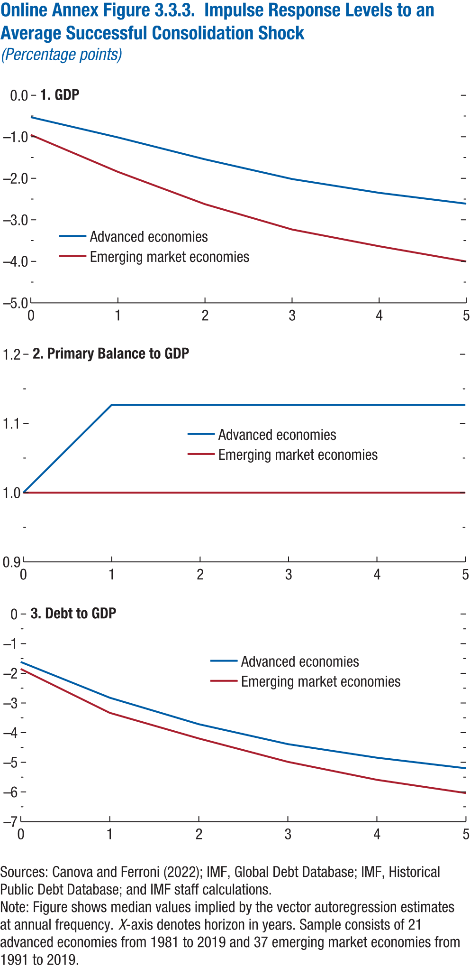
Online Annex Figure 3.3.3. Impulse Response Levels to an Average Successful Consolidation Shock
(Percentage points)

1. GDP |  |  | 2. Primary Balance to GDP |  |  | 3. Debt to GDP

Horizon | Advanced economies | Emerging market economies | Horizon | Advanced economies | Emerging market economies | Horizon | Advanced economies | Emerging market economies
0 | -0.53 | -0.95 | 0 | 1.00 | 1.00 | 0 | -1.62 | -1.85
1 | -1.01 | -1.84 | 1 | 1.13 | 1.00 | 1 | -2.82 | -3.33
2 | -1.54 | -2.62 | 2 | 1.13 | 1.00 | 2 | -3.72 | -4.20
3 | -2.02 | -3.23 | 3 | 1.13 | 1.00 | 3 | -4.39 | -4.98
4 | -2.35 | -3.64 | 4 | 1.13 | 1.00 | 4 | -4.84 | -5.59
5 | -2.61 | -4.00 | 5 | 1.13 | 1.00 | 5 | -5.20 | -6.04

Annex Figure 3.3.4.
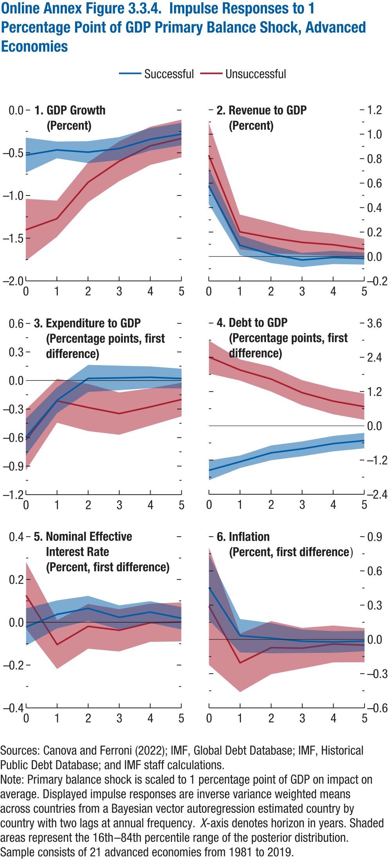
Online Annex Figure 3.3.4. Impulse Responses to 1 Percentage Point of GDP Primary Balance Shock, Advanced Economies

1. GDP Growth |  |  |  |  |  |  | 2. Revenue to GDP |  |  |  |  |  |  | 3. Expenditure to GDP |  |  |  |  |  |  | 4. Debt to GDP |  |  |  |  |  |  | 5. Nominal Effective Interest Rate |  |  |  |  |  |  | 6. Inflation
(Percent) |  |  |  |  |  |  | (Percent) |  |  |  |  |  |  | (Percentage points, first difference) |  |  |  |  |  |  | (Percentage points, first difference) |  |  |  |  |  |  | (Percent, first difference) |  |  |  |  |  |  | (Percent, first difference)

 | Successful |  |  | Unsuccessful |  |  |  | Successful |  |  | Unsuccessful |  |  |  | Successful |  |  | Unsuccessful |  |  |  | Successful |  |  | Unsuccessful |  |  |  | Successful |  |  | Unsuccessful |  |  |  | Successful |  |  | Unsuccessful
Horizon | Median | Lower bound | Upper bound | Median | Lower bound | Upper bound | Horizon | Median | Lower bound | Upper bound | Median | Lower bound | Upper bound | Horizon | Median | Lower bound | Upper bound | Median | Lower bound | Upper bound | Horizon | Median | Lower bound | Upper bound | Median | Lower bound | Upper bound | Horizon | Median | Lower bound | Upper bound | Median | Lower bound | Upper bound | Horizon | Median | Lower bound | Upper bound | Median | Lower bound | Upper bound
0 | -0.53 | -0.73 | -0.32 | -1.37 | -1.75 | -0.99 | 0 | 0.58 | 0.43 | 0.73 | 0.83 | 0.56 | 1.09 | 0 | -0.60 | -0.79 | -0.40 | -0.63 | -0.94 | -0.31 | 0 | -1.56 | -1.91 | -1.22 | 2.41 | 1.83 | 2.99 | 0 | -0.02 | -0.11 | 0.07 | 0.13 | -0.03 | 0.28 | 0 | 0.45 | 0.17 | 0.74 | 0.29 | -0.22 | 0.80
1 | -0.47 | -0.56 | -0.37 | -1.24 | -1.46 | -1.01 | 1 | 0.09 | 0.01 | 0.17 | 0.20 | 0.06 | 0.34 | 1 | -0.21 | -0.34 | -0.07 | -0.21 | -0.44 | 0.02 | 1 | -1.26 | -1.48 | -1.04 | 1.96 | 1.58 | 2.33 | 1 | 0.04 | -0.03 | 0.10 | -0.10 | -0.22 | 0.01 | 1 | 0.03 | -0.11 | 0.18 | -0.21 | -0.46 | 0.05
2 | -0.49 | -0.62 | -0.36 | -0.79 | -1.03 | -0.54 | 2 | 0.02 | -0.05 | 0.09 | 0.15 | 0.03 | 0.28 | 2 | 0.02 | -0.12 | 0.16 | -0.28 | -0.53 | -0.04 | 2 | -0.95 | -1.21 | -0.69 | 1.64 | 1.20 | 2.08 | 2 | 0.07 | 0.01 | 0.12 | -0.02 | -0.12 | 0.09 | 2 | 0.01 | -0.12 | 0.14 | -0.07 | -0.31 | 0.16
3 | -0.45 | -0.58 | -0.32 | -0.53 | -0.77 | -0.28 | 3 | -0.03 | -0.09 | 0.03 | 0.12 | 0.02 | 0.21 | 3 | 0.03 | -0.10 | 0.16 | -0.35 | -0.57 | -0.13 | 3 | -0.81 | -1.07 | -0.55 | 1.16 | 0.72 | 1.60 | 3 | 0.02 | -0.03 | 0.08 | -0.04 | -0.14 | 0.06 | 3 | -0.02 | -0.12 | 0.09 | -0.08 | -0.25 | 0.10
4 | -0.34 | -0.47 | -0.21 | -0.34 | -0.57 | -0.10 | 4 | -0.01 | -0.06 | 0.05 | 0.10 | 0.00 | 0.19 | 4 | 0.03 | -0.08 | 0.15 | -0.28 | -0.47 | -0.08 | 4 | -0.62 | -0.90 | -0.35 | 0.86 | 0.41 | 1.32 | 4 | 0.05 | 0.00 | 0.10 | 0.00 | -0.09 | 0.09 | 4 | -0.02 | -0.12 | 0.07 | -0.04 | -0.20 | 0.12
5 | -0.28 | -0.41 | -0.15 | -0.25 | -0.48 | -0.02 | 5 | -0.02 | -0.07 | 0.03 | 0.06 | -0.02 | 0.14 | 5 | 0.02 | -0.08 | 0.12 | -0.20 | -0.38 | -0.02 | 5 | -0.52 | -0.79 | -0.25 | 0.67 | 0.21 | 1.13 | 5 | 0.02 | -0.03 | 0.07 | 0.00 | -0.09 | 0.09 | 5 | -0.01 | -0.10 | 0.07 | -0.05 | -0.20 | 0.10

Annex Figure 3.3.5.
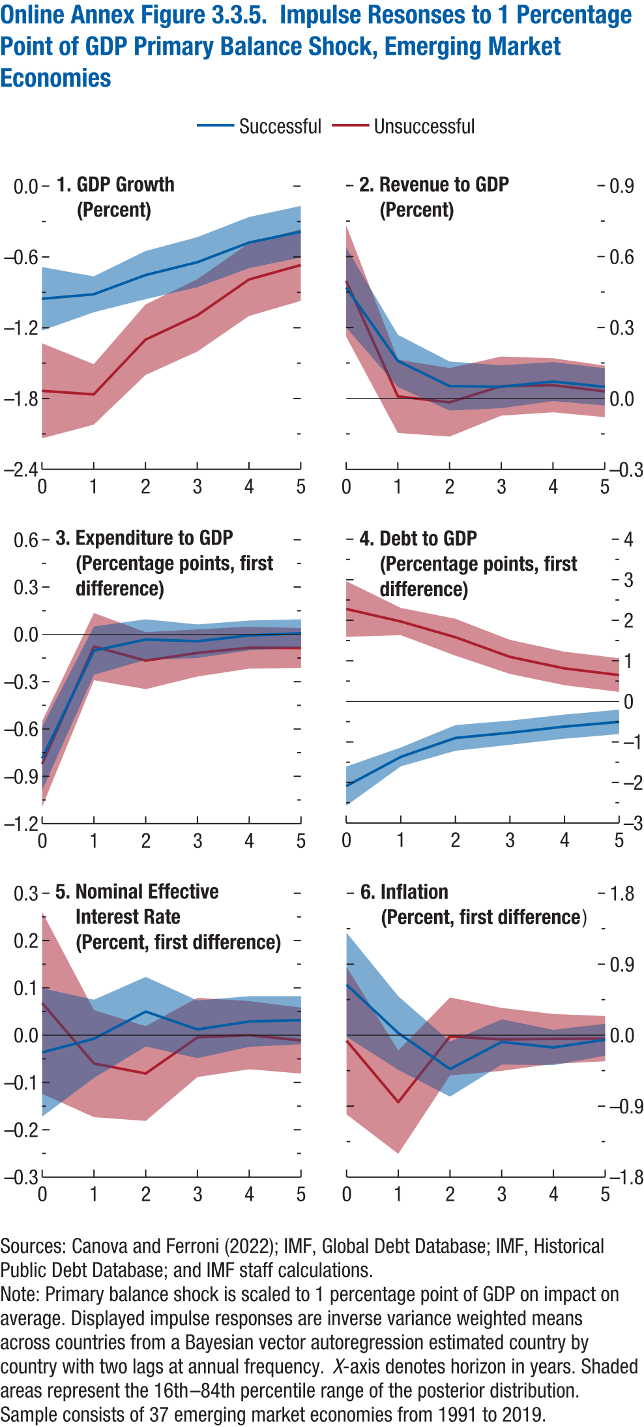
Online Annex Figure 3.3.5. Impulse Responses to 1 Percentage Point of GDP Primary Balance Shock, Emerging Market Economies

1. GDP Growth |  |  |  |  |  |  | 2. Revenue to GDP |  |  |  |  |  |  | 3. Expenditure to GDP |  |  |  |  |  |  | 4. Debt to GDP |  |  |  |  |  |  | 5. Nominal Effective Interest Rate |  |  |  |  |  |  | 6. Inflation
(Percent) |  |  |  |  |  |  | (Percent) |  |  |  |  |  |  | (Percentage points, first difference) |  |  |  |  |  |  | (Percentage points, first difference) |  |  |  |  |  |  | (Percent, first difference) |  |  |  |  |  |  | (Percent, first difference)

 | Successful |  |  | Unsuccessful |  |  |  | Successful |  |  | Unsuccessful |  |  |  | Successful |  |  | Unsuccessful |  |  |  | Successful |  |  | Unsuccessful |  |  |  | Successful |  |  | Unsuccessful |  |  |  | Successful |  |  | Unsuccessful
Horizon | Median | Lower bound | Upper bound | Median | Lower bound | Upper bound | Horizon | Median | Lower bound | Upper bound | Median | Lower bound | Upper bound | Horizon | Median | Lower bound | Upper bound | Median | Lower bound | Upper bound | Horizon | Median | Lower bound | Upper bound | Median | Lower bound | Upper bound | Horizon | Median | Lower bound | Upper bound | Median | Lower bound | Upper bound | Horizon | Median | Lower bound | Upper bound | Median | Lower bound | Upper bound
0 | -0.95 | -1.22 | -0.69 | -1.73 | -2.14 | -1.33 | 0 | 0.47 | 0.30 | 0.64 | 0.50 | 0.26 | 0.73 | 0 | -0.79 | -0.99 | -0.58 | -0.82 | -1.09 | -0.55 | 0 | -2.09 | -2.57 | -1.61 | 2.28 | 1.59 | 2.97 | 0 | -0.04 | -0.17 | 0.10 | 0.07 | -0.12 | 0.26 | 0 | 0.64 | -0.02 | 1.30 | -0.07 | -1.00 | 0.86
1 | -0.92 | -1.07 | -0.76 | -1.77 | -2.02 | -1.51 | 1 | 0.16 | 0.05 | 0.27 | 0.01 | -0.15 | 0.16 | 1 | -0.10 | -0.26 | 0.05 | -0.08 | -0.29 | 0.14 | 1 | -1.37 | -1.60 | -1.14 | 1.97 | 1.63 | 2.31 | 1 | -0.01 | -0.09 | 0.07 | -0.06 | -0.17 | 0.05 | 1 | 0.03 | -0.44 | 0.49 | -0.85 | -1.50 | -0.20
2 | -0.75 | -0.96 | -0.55 | -1.30 | -1.60 | -1.00 | 2 | 0.05 | -0.05 | 0.16 | -0.02 | -0.16 | 0.13 | 2 | -0.03 | -0.16 | 0.10 | -0.17 | -0.35 | 0.01 | 2 | -0.90 | -1.22 | -0.59 | 1.58 | 1.13 | 2.04 | 2 | 0.05 | -0.02 | 0.12 | -0.08 | -0.18 | 0.02 | 2 | -0.43 | -0.78 | -0.08 | -0.02 | -0.51 | 0.48
3 | -0.64 | -0.86 | -0.43 | -1.10 | -1.40 | -0.79 | 3 | 0.05 | -0.04 | 0.14 | 0.05 | -0.07 | 0.18 | 3 | -0.04 | -0.15 | 0.06 | -0.12 | -0.27 | 0.03 | 3 | -0.77 | -1.07 | -0.47 | 1.10 | 0.68 | 1.52 | 3 | 0.01 | -0.05 | 0.07 | 0.00 | -0.09 | 0.08 | 3 | -0.09 | -0.37 | 0.20 | -0.05 | -0.45 | 0.35
4 | -0.48 | -0.70 | -0.26 | -0.79 | -1.10 | -0.48 | 4 | 0.07 | -0.01 | 0.15 | 0.06 | -0.06 | 0.17 | 4 | -0.01 | -0.10 | 0.09 | -0.08 | -0.22 | 0.05 | 4 | -0.62 | -0.92 | -0.33 | 0.81 | 0.40 | 1.23 | 4 | 0.03 | -0.02 | 0.08 | 0.00 | -0.07 | 0.07 | 4 | -0.16 | -0.38 | 0.07 | -0.05 | -0.36 | 0.27
5 | -0.39 | -0.60 | -0.17 | -0.67 | -0.97 | -0.37 | 5 | 0.05 | -0.03 | 0.13 | 0.03 | -0.08 | 0.14 | 5 | 0.01 | -0.08 | 0.10 | -0.09 | -0.21 | 0.04 | 5 | -0.51 | -0.81 | -0.21 | 0.65 | 0.23 | 1.06 | 5 | 0.03 | -0.02 | 0.08 | -0.01 | -0.08 | 0.06 | 5 | -0.06 | -0.26 | 0.14 | -0.04 | -0.33 | 0.24

Annex Figure 3.3.6.
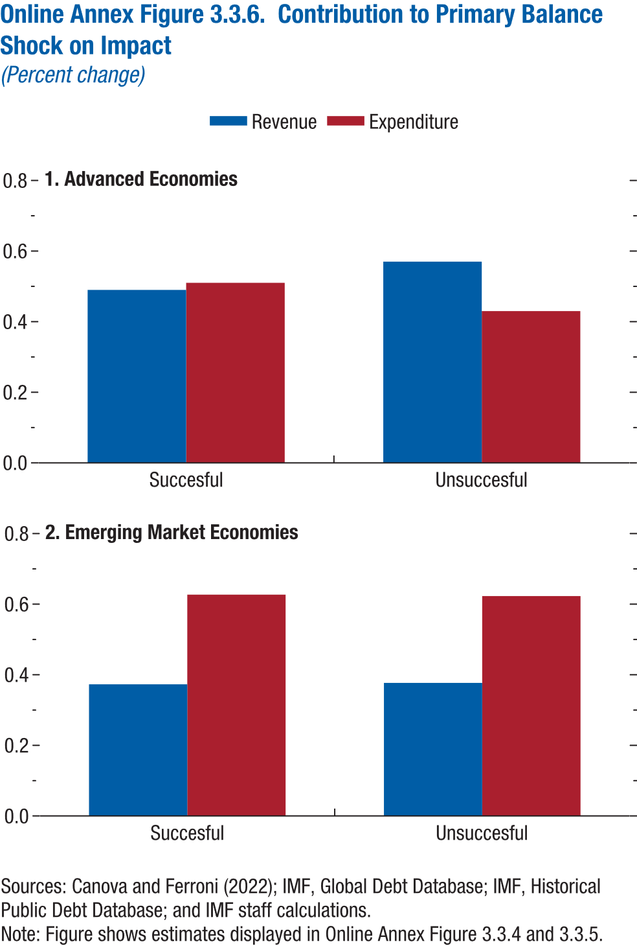
Online Annex Figure 3.3.6. Contribution to Primary Balance Shock on Impact
(Percent change)

1. Advanced Economies |  |  | 2. Emerging Market Economies

Consolidation outcome | Revenue | Expenditure | Consolidation outcome | Revenue | Expenditure
Succesful | 0.49 | 0.51 | Succesful | 0.37 | 0.63
Unsuccesful | 0.57 | 0.43 | Unsuccesful | 0.38 | 0.62

Annex Figure 3.3.7.
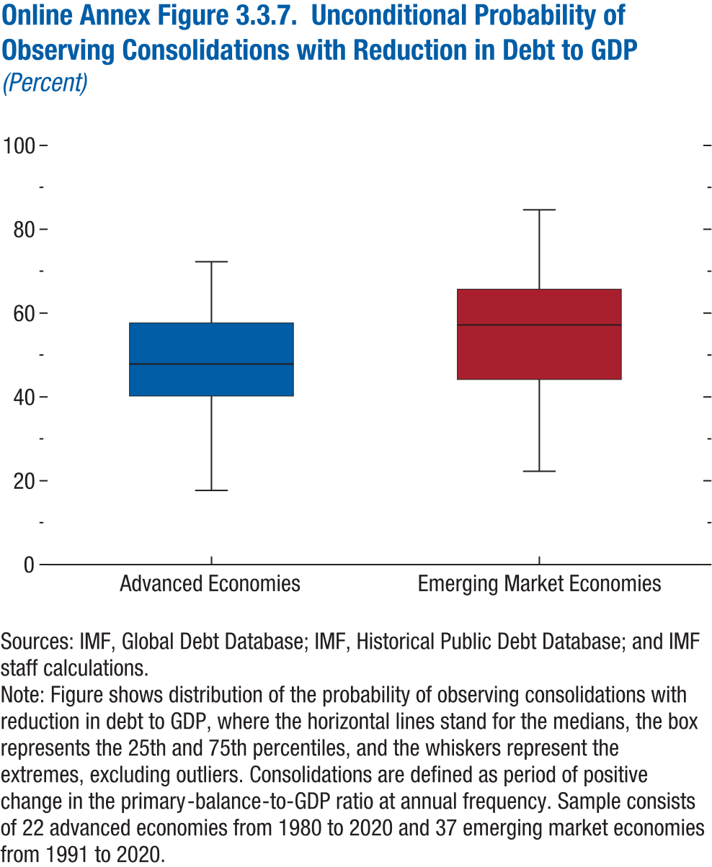
Online Annex Figure 3.3.7. Unconditional Probability of Observing Consolidations with Reduction in Debt to GDP
(Percent)

Income group | min | p25 | p50 | p75 | max
Advanced economies | 17.65 | 40.21 | 47.83 | 57.63 | 72.22
Emerging market economies | 22.22 | 44.16 | 57.14 | 65.69 | 84.62

Annex Figure 3.5.1.
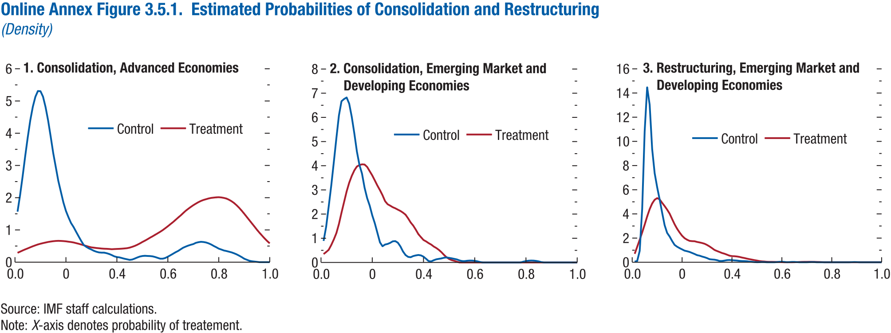
Online Annex Figure 3.5.1. Estimated Probabilities of Consolidation and Restructuring
(Density)

1. Consolidation, Advanced Economies |  |  | 2. Consolidation, Emerging Market and Developing Economies |  |  | 3. Restructuring, Emerging Market and Developing Economies |  |  | 4.

Probability | Control | Treatment | Probability | Control | Treatment | Probability | Control | Treatment
0.00 |  |  | 0.00 |  |  | 0.00
0.01 | 1.57 | 0.29 | 0.01 | 0.89 | 0.35 | 0.01 | 0.05 | 0.70
0.02 | 2.08 | 0.33 | 0.02 | 1.48 | 0.43 | 0.02 | 0.11 | 1.28
0.03 | 2.66 | 0.36 | 0.03 | 2.32 | 0.52 | 0.03 | 0.94 | 1.86
0.04 | 3.28 | 0.40 | 0.04 | 3.19 | 0.72 | 0.04 | 4.44 | 2.47
0.05 | 3.87 | 0.43 | 0.05 | 4.16 | 0.95 | 0.05 | 10.82 | 3.11
0.06 | 4.40 | 0.46 | 0.06 | 5.15 | 1.22 | 0.06 | 14.47 | 3.79
0.07 | 4.82 | 0.49 | 0.07 | 6.09 | 1.59 | 0.07 | 13.04 | 4.39
0.08 | 5.13 | 0.52 | 0.08 | 6.67 | 2.06 | 0.08 | 9.37 | 4.86
0.09 | 5.31 | 0.55 | 0.09 | 6.76 | 2.50 | 0.09 | 7.37 | 5.17
0.10 | 5.30 | 0.57 | 0.10 | 6.82 | 2.94 | 0.10 | 6.20 | 5.30
0.11 | 5.14 | 0.59 | 0.11 | 6.57 | 3.30 | 0.11 | 5.21 | 5.21
0.12 | 4.81 | 0.61 | 0.12 | 6.02 | 3.58 | 0.12 | 4.11 | 4.92
0.13 | 4.40 | 0.63 | 0.13 | 5.34 | 3.81 | 0.13 | 3.07 | 4.65
0.14 | 3.90 | 0.64 | 0.14 | 4.59 | 3.97 | 0.14 | 2.43 | 4.36
0.15 | 3.39 | 0.65 | 0.15 | 4.03 | 4.03 | 0.15 | 2.13 | 4.02
0.16 | 2.96 | 0.66 | 0.16 | 3.67 | 4.06 | 0.16 | 1.76 | 3.57
0.17 | 2.52 | 0.66 | 0.17 | 3.09 | 4.05 | 0.17 | 1.44 | 3.15
0.18 | 2.19 | 0.66 | 0.18 | 2.66 | 3.95 | 0.18 | 1.29 | 2.77
0.19 | 1.85 | 0.65 | 0.19 | 2.35 | 3.77 | 0.19 | 1.17 | 2.47
0.20 | 1.59 | 0.65 | 0.20 | 1.95 | 3.60 | 0.20 | 1.07 | 2.19
0.21 | 1.39 | 0.63 | 0.21 | 1.62 | 3.39 | 0.21 | 0.96 | 1.99
0.22 | 1.21 | 0.62 | 0.22 | 1.23 | 3.18 | 0.22 | 0.91 | 1.86
0.23 | 1.09 | 0.61 | 0.23 | 0.83 | 2.99 | 0.23 | 0.85 | 1.77
0.24 | 0.94 | 0.59 | 0.24 | 0.67 | 2.78 | 0.24 | 0.77 | 1.75
0.25 | 0.80 | 0.57 | 0.25 | 0.74 | 2.53 | 0.25 | 0.69 | 1.74
0.26 | 0.66 | 0.55 | 0.26 | 0.76 | 2.41 | 0.26 | 0.59 | 1.68
0.27 | 0.53 | 0.52 | 0.27 | 0.81 | 2.35 | 0.27 | 0.54 | 1.64
0.28 | 0.47 | 0.50 | 0.28 | 0.87 | 2.28 | 0.28 | 0.47 | 1.59
0.29 | 0.43 | 0.48 | 0.29 | 0.88 | 2.24 | 0.29 | 0.42 | 1.53
0.30 | 0.39 | 0.46 | 0.30 | 0.82 | 2.18 | 0.30 | 0.35 | 1.44
0.31 | 0.35 | 0.45 | 0.31 | 0.66 | 2.13 | 0.31 | 0.25 | 1.31
0.32 | 0.32 | 0.44 | 0.32 | 0.45 | 2.06 | 0.32 | 0.23 | 1.17
0.33 | 0.30 | 0.43 | 0.33 | 0.30 | 1.97 | 0.33 | 0.21 | 1.02
0.34 | 0.30 | 0.42 | 0.34 | 0.23 | 1.82 | 0.34 | 0.17 | 0.93
0.35 | 0.30 | 0.42 | 0.35 | 0.22 | 1.65 | 0.35 | 0.11 | 0.85
0.36 | 0.28 | 0.41 | 0.36 | 0.26 | 1.52 | 0.36 | 0.11 | 0.77
0.37 | 0.25 | 0.41 | 0.37 | 0.29 | 1.35 | 0.37 | 0.14 | 0.71
0.38 | 0.22 | 0.40 | 0.38 | 0.31 | 1.17 | 0.38 | 0.18 | 0.63
0.39 | 0.18 | 0.41 | 0.39 | 0.29 | 1.05 | 0.39 | 0.18 | 0.55
...

Annex Figure 3.5.2.
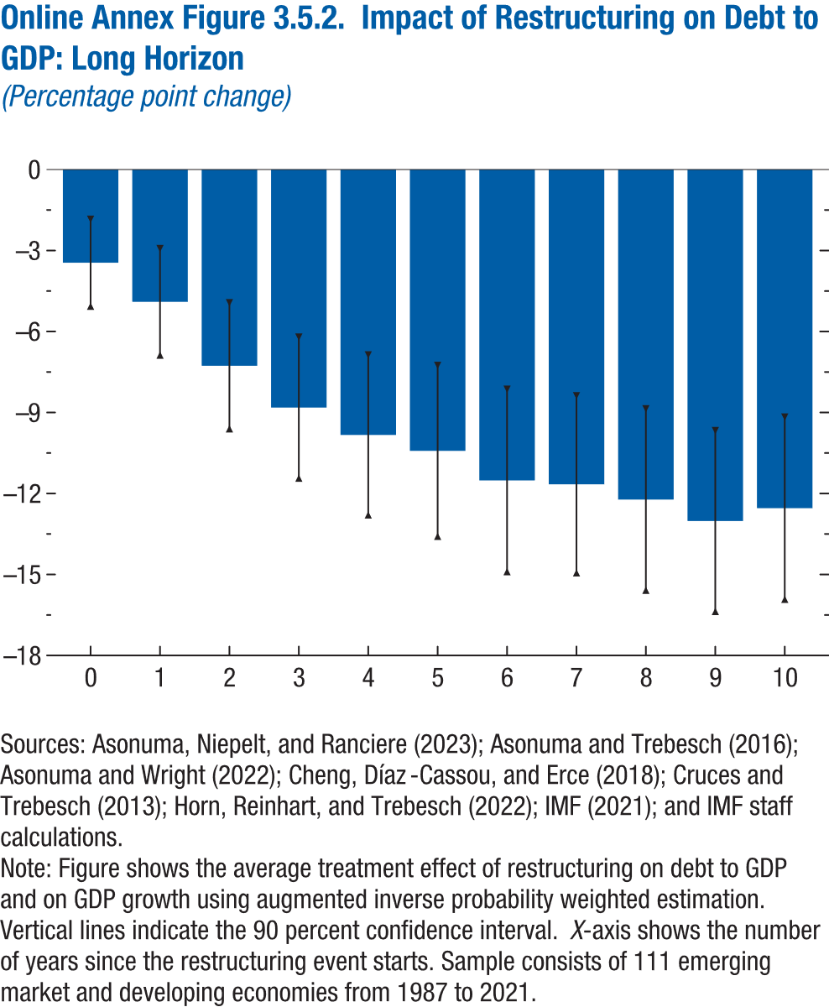
Online Annex Figure 3.5.2. Impact of Restructuring on Debt to GDP: Long Horizon
(Percentage point change)

Horizon | ATE | Lower bound | Upper bound
0 | -3.45 | -5.06 | -1.84
1 | -4.90 | -6.87 | -2.93
2 | -7.27 | -9.60 | -4.93
3 | -8.82 | -11.43 | -6.21
4 | -9.83 | -12.79 | -6.87
5 | -10.42 | -13.59 | -7.25
6 | -11.52 | -14.89 | -8.14
7 | -11.66 | -14.94 | -8.38
8 | -12.22 | -15.58 | -8.86
9 | -13.02 | -16.37 | -9.67
10 | -12.54 | -15.92 | -9.17

Annex Figure 3.7.1.
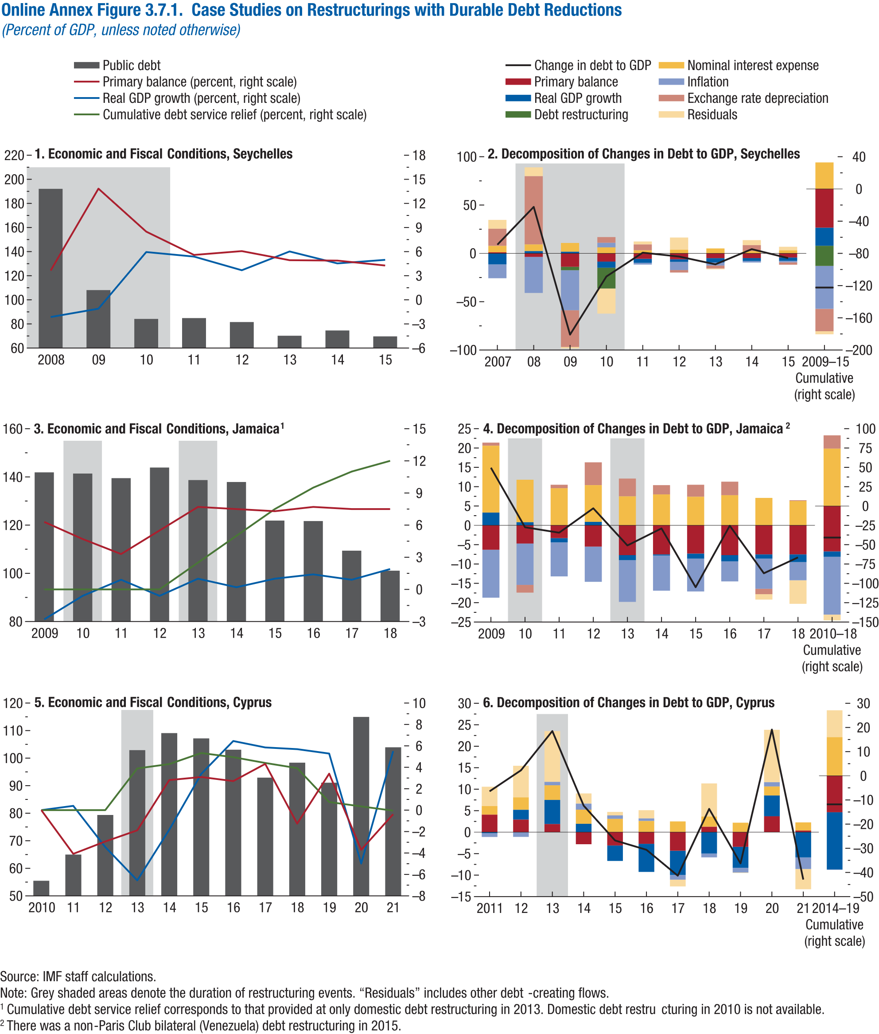
Online Annex Figure 3.7.1. Case Studies on Restructurings with Durable Debt Reductions
(Percent of GDP, unless noted otherwise)

1. Economic and Fiscal Conditions, Seychelles

Year | Public debt | Primary balance (percent) | Real GDP growth (percent)
2008 | 192.10 | 3.64 | -2.14
2009 | 108.08 | 13.84 | -1.11
2010 | 84.15 | 8.49 | 5.95
2011 | 84.86 | 5.59 | 5.38
2012 | 81.57 | 6.06 | 3.68
2013 | 70.21 | 4.93 | 6.02
2014 | 74.57 | 4.88 | 4.53
2015 | 69.67 | 4.27 | 4.98
...

Annex Figure 3.7.2.
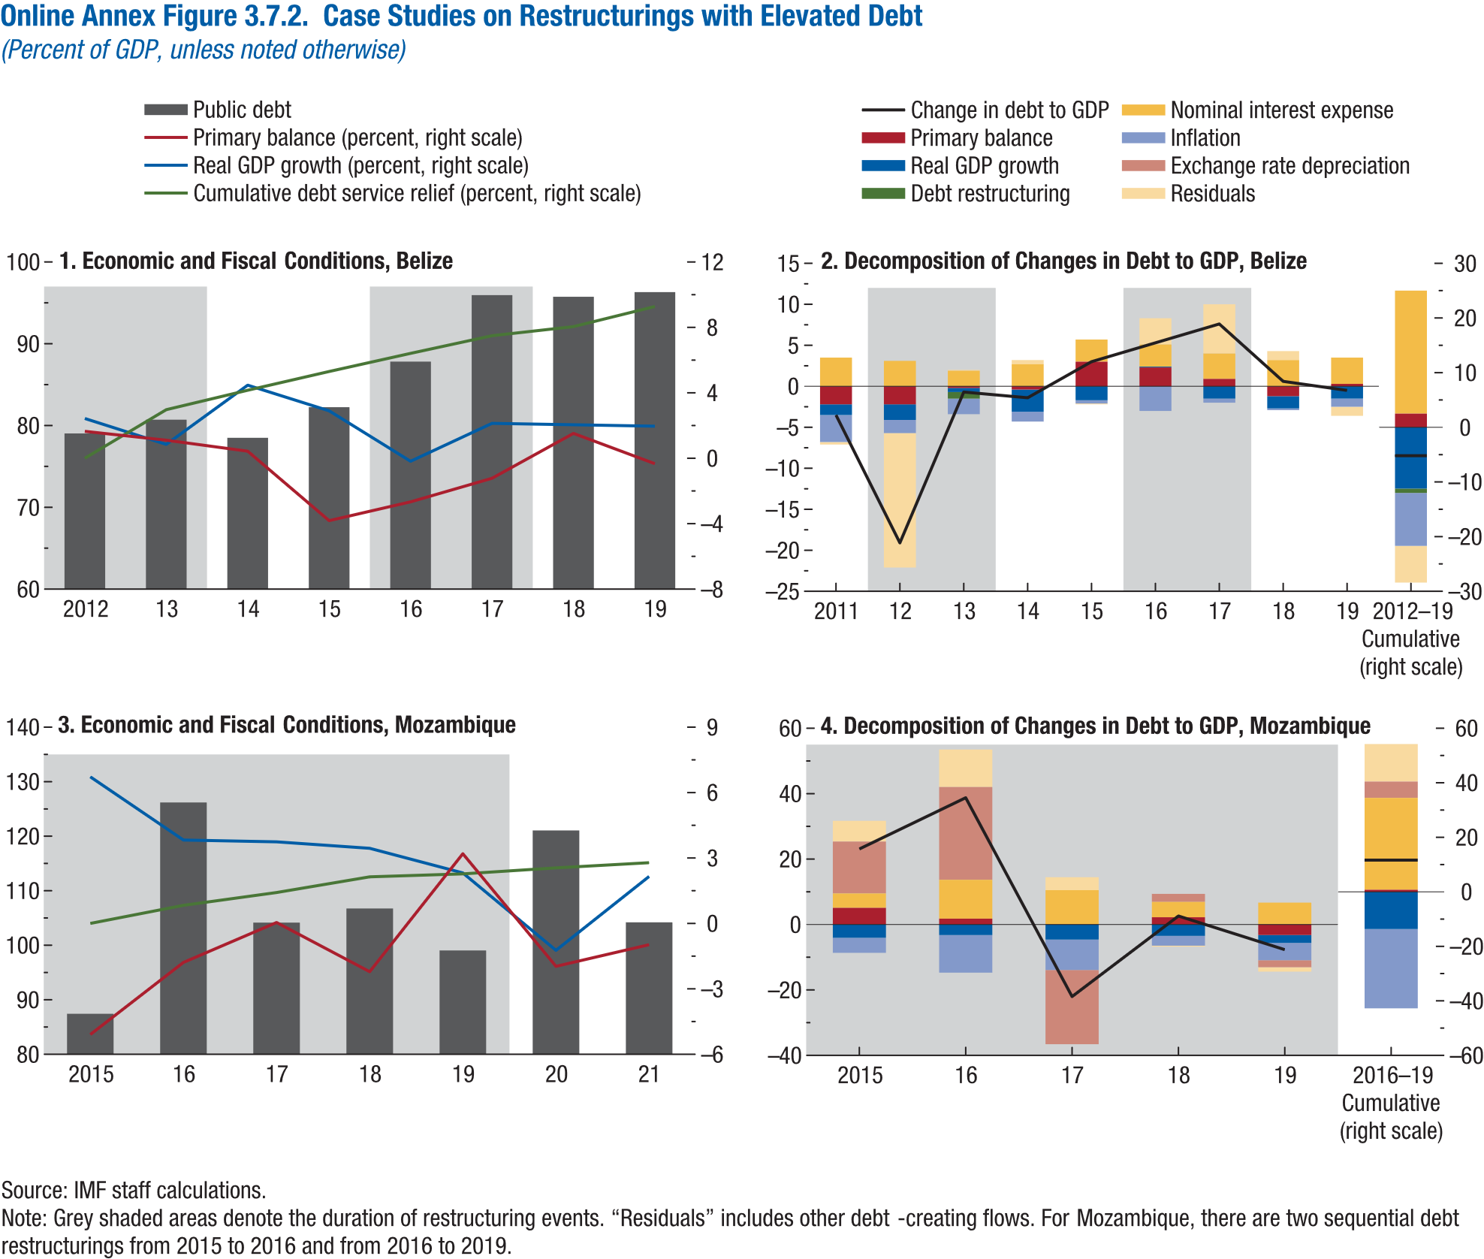
Online Annex Figure 3.7.2. Case Studies on Restructurings with Elevated Debt
(Percent of GDP, unless noted otherwise)

1. Economic and Fiscal Conditions, Jamaica

Year | Public debt | Primary balance (percent) | Real GDP growth (percent)
2012 | 79.04 | 1.64 | 2.43
2013 | 80.71 | 1.10 | 0.85
2014 | 78.50 | 0.43 | 4.47
2015 | 82.24 | -3.82 | 2.90
2016 | 87.81 | -2.67 | -0.19
2017 | 95.95 | -1.23 | 2.13
2018 | 95.75 | 1.52 | 2.05
2019 | 96.31 | -0.33 | 1.96
...

