WEO Chapter 4 Apr 2023
 |  |  | 2023-04-05

International Monetary Fund
World Economic Outlook
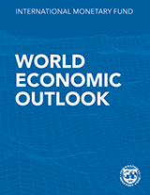

April 2023

Chapter 4. Geoeconomic Fragmentation and Foreign Direct Investment

This datafile includes charts and underlying data from the Chapter 4 of the April 2023 World Economic Outlook. When using the data, please refer to the
IMF, World Economic Outlook, April 2023.

Disclaimer: Should there be any discrepancies with the print version, the latter represents the official version.

 | Please submit any questions using | WEO Data Question Form

Figure 4.1.
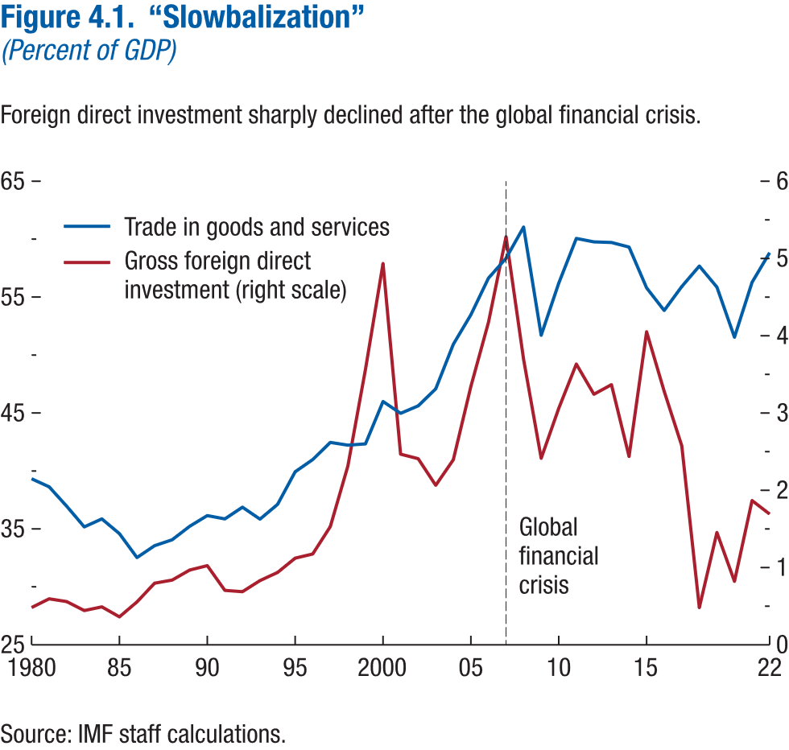
Figure 4.1. “Slowbalization”
(Percent of GDP)

year | Trade in goods and services | Gross foreign direct investment (right scale) | Event
1980 | 39.33 | 0.48
1981 | 38.63 | 0.60
1982 | 36.96 | 0.56
1983 | 35.17 | 0.44
1984 | 35.86 | 0.49
1985 | 34.59 | 0.36
1986 | 32.53 | 0.56
1987 | 33.55 | 0.80
1988 | 34.06 | 0.84
1989 | 35.23 | 0.97
1990 | 36.15 | 1.02
1991 | 35.87 | 0.70
1992 | 36.87 | 0.69
1993 | 35.84 | 0.83
1994 | 37.12 | 0.94
1995 | 39.93 | 1.12
1996 | 40.99 | 1.18
1997 | 42.46 | 1.53
1998 | 42.23 | 2.31
1999 | 42.34 | 3.56
2000 | 46.00 | 4.93
2001 | 44.97 | 2.47
2002 | 45.62 | 2.41
2003 | 47.08 | 2.06
2004 | 50.93 | 2.40
2005 | 53.48 | 3.34
2006 | 56.64 | 4.17
2007 | 58.36 | 5.28 | Global financial crisis
2008 | 61.04 | 3.69
2009 | 51.71 | 2.41
2010 | 56.20 | 3.06
2011 | 60.06 | 3.63
2012 | 59.77 | 3.24
2013 | 59.72 | 3.37
2014 | 59.32 | 2.44
2015 | 55.80 | 4.05
2016 | 53.85 | 3.28
2017 | 55.91 | 2.58
2018 | 57.68 | 0.48
2019 | 55.86 | 1.45
2020 | 51.54 | 0.82
2021 | 56.28 | 1.87
2022 | 58.84 | 1.69

Figure 4.2.
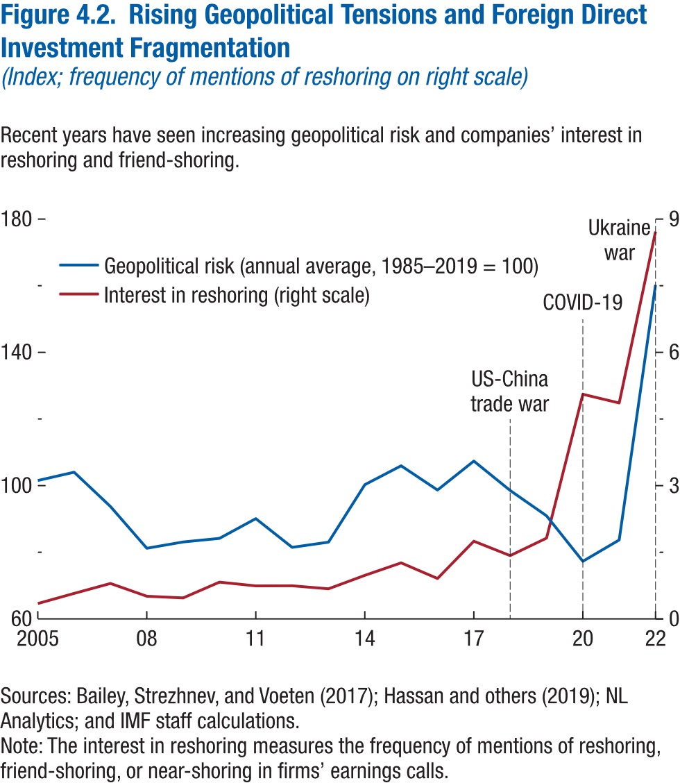
Figure 4.2. Rising Geopolitical Tensions and Foreign Direct Investment Fragmentation
(Index; frequency of mentions of reshoring on right scale)

year | Geopolitical risk (annual average, 1985–2019 = 100) | Interest in reshoring (right scale) | Event
2005 | 101.54 | 0.35
2006 | 104.04 | 0.57
2007 | 93.74 | 0.80
2008 | 81.20 | 0.51
2009 | 83.10 | 0.47
2010 | 84.17 | 0.83
2011 | 90.10 | 0.74
2012 | 81.48 | 0.75
2013 | 83.04 | 0.68
2014 | 100.29 | 0.98
2015 | 105.95 | 1.26
2016 | 98.68 | 0.91
2017 | 107.38 | 1.75
2018 | 98.55 | 1.43 | US-China trade war
2019 | 90.95 | 1.82
2020 | 77.29 | 5.06 | COVID-19
2021 | 83.70 | 4.86
2022 | 160.28 | 8.72 | Ukraine war

Figure 4.3.
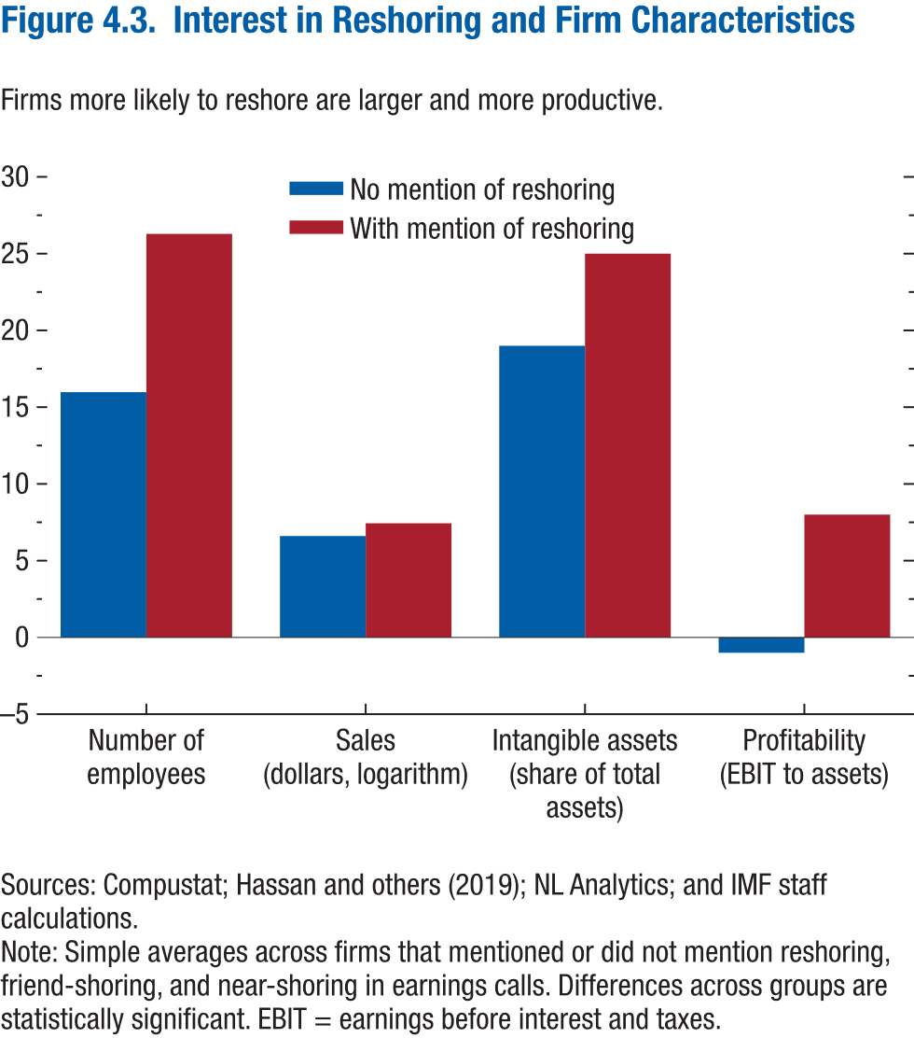
Figure 4.3. Interest in Reshoring and Firm Characteristics

 | No mention of reshoring | With mention of reshoring
Number of employees | 15.98 | 26.29
Sales (dollars, logarithm) | 6.60 | 7.44
Intangible assets (share of total assets) | 18.76 | 24.60
Profitability (EBIT to assets) | -1.20 | 8.04

Figure 4.4.
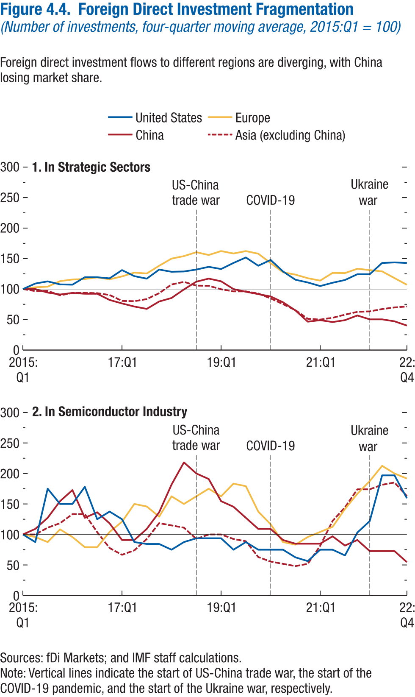
Figure 4.4. Foreign Direct Investment Fragmentation
(Number of investments, four-quarter moving average, 2015:Q1 = 100)

1. In Strategic Sectors |  |  |  |  |  | 2. Decomposition of Nominal Wage Growth, Advanced Economies

 | United States | Europe | China | Asia (excluding China) | Event |  | United States | Europe | China | Asia (excluding China) | Event
2015q1 | 100.00 | 100.00 | 100.00 | 100.00 |  | 2015q1 | 100.00 | 100.00 | 100.00 | 100.00
2015q2 | 109.01 | 102.97 | 100.00 | 96.77 |  | 2015q2 | 87.50 | 95.83 | 109.09 | 100.00
2015q3 | 112.61 | 103.95 | 94.27 | 97.04 |  | 2015q3 | 175.00 | 87.50 | 127.27 | 111.11
2015q4 | 107.66 | 113.01 | 91.08 | 89.78 |  | 2015q4 | 150.00 | 108.33 | 154.55 | 118.52
2016q1 | 107.21 | 115.65 | 93.63 | 93.55 |  | 2016q1 | 150.00 | 95.83 | 172.73 | 133.33
2016q2 | 119.37 | 116.47 | 92.36 | 93.82 |  | 2016q2 | 178.13 | 79.17 | 127.27 | 133.33
2016q3 | 119.37 | 119.11 | 92.36 | 93.28 |  | 2016q3 | 125.00 | 79.17 | 136.36 | 103.70
2016q4 | 117.57 | 115.98 | 82.17 | 90.32 |  | 2016q4 | 137.50 | 104.17 | 118.18 | 77.78
2017q1 | 131.08 | 120.76 | 76.43 | 80.65 |  | 2017q1 | 125.00 | 120.83 | 90.91 | 66.67
2017q2 | 121.17 | 127.02 | 71.34 | 80.11 |  | 2017q2 | 87.50 | 150.00 | 90.91 | 74.07
2017q3 | 117.12 | 125.54 | 67.52 | 83.60 |  | 2017q3 | 84.38 | 145.83 | 109.09 | 92.59
2017q4 | 131.98 | 138.22 | 79.62 | 93.28 |  | 2017q4 | 84.38 | 129.17 | 136.36 | 118.52
2018q1 | 128.38 | 149.92 | 85.35 | 107.53 |  | 2018q1 | 75.00 | 162.50 | 181.82 | 114.81
2018q2 | 128.83 | 154.04 | 99.36 | 111.83 |  | 2018q2 | 87.50 | 150.00 | 218.18 | 111.11
2018q3 | 131.98 | 160.46 | 112.10 | 105.65 |  | 2018q3 | 93.75 | 162.50 | 200.00 | 92.59
2018q4 | 136.49 | 155.85 | 117.20 | 105.38 | US-China trade war | 2018q4 | 93.75 | 175.00 | 190.91 | 100.00 | US-China trade war
2019q1 | 132.88 | 162.27 | 112.74 | 99.73 |  | 2019q1 | 93.75 | 162.50 | 154.55 | 100.00
2019q2 | 142.79 | 158.32 | 100.00 | 96.24 |  | 2019q2 | 75.00 | 183.33 | 145.45 | 92.59
2019q3 | 151.80 | 162.27 | 95.54 | 96.24 |  | 2019q3 | 87.50 | 179.17 | 127.27 | 88.89
2019q4 | 138.29 | 157.99 | 91.72 | 92.74 |  | 2019q4 | 75.00 | 137.50 | 109.09 | 62.96
2020q1 | 147.75 | 142.67 | 87.90 | 84.68 | COVID-19 | 2020q1 | 75.00 | 116.67 | 109.09 | 55.56 | COVID-19
2020q2 | 128.83 | 127.51 | 78.34 | 75.27 |  | 2020q2 | 75.00 | 87.50 | 90.91 | 51.85
2020q3 | 115.32 | 123.72 | 64.97 | 65.32 |  | 2020q3 | 62.50 | 83.33 | 84.85 | 48.15
2020q4 | 110.81 | 117.79 | 46.50 | 51.34 |  | 2020q4 | 56.25 | 95.83 | 84.85 | 51.85
2021q1 | 104.96 | 113.84 | 49.04 | 50.00 |  | 2021q1 | 75.00 | 104.17 | 84.85 | 81.48
2021q2 | 110.36 | 126.52 | 45.86 | 52.96 |  | 2021q2 | 75.00 | 112.50 | 96.97 | 122.22
2021q3 | 114.86 | 126.19 | 49.04 | 58.06 |  | 2021q3 | 65.63 | 141.67 | 81.82 | 144.44
2021q4 | 124.32 | 133.28 | 56.69 | 62.63 |  | 2021q4 | 103.13 | 166.67 | 90.91 | 174.07
2022q1 | 124.32 | 131.14 | 50.32 | 63.44 | Ukraine war | 2022q1 | 121.88 | 187.50 | 72.73 | 174.07 | Ukraine war
2022q2 | 142.79 | 129.00 | 50.32 | 67.20 |  | 2022q2 | 196.88 | 212.50 | 72.73 | 181.48
2022q3 | 143.69 | 117.96 | 47.13 | 69.89 |  | 2022q3 | 196.88 | 200.00 | 72.73 | 185.19
2022q4 | 142.79 | 107.08 | 40.13 | 71.51 |  | 2022q4 | 159.38 | 191.67 | 54.55 | 162.96

Figure 4.5.
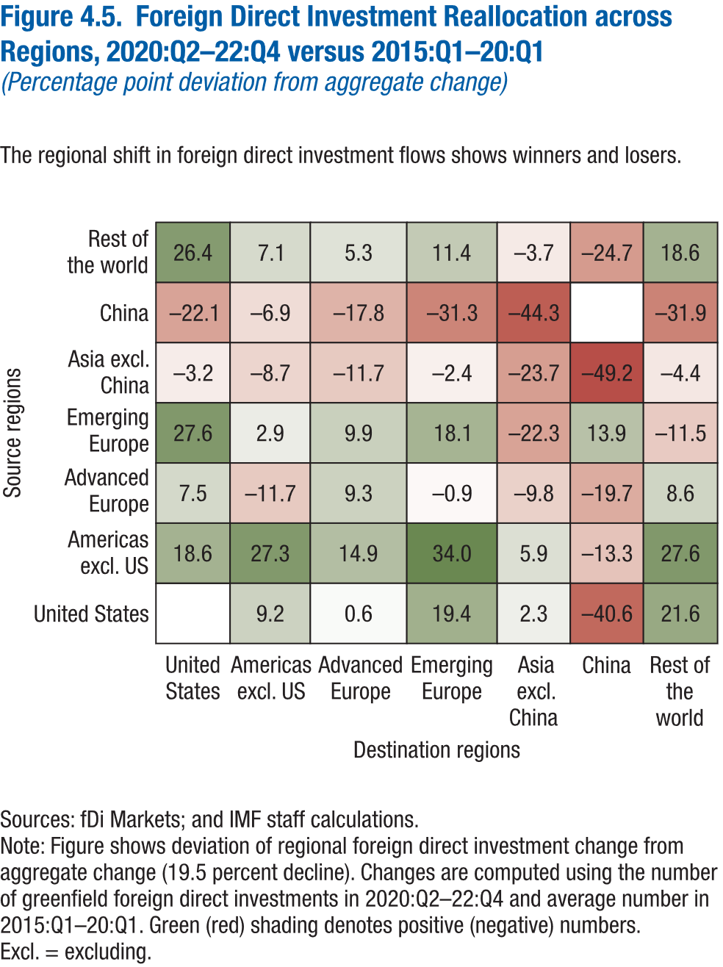
Figure 4.5. Foreign Direct Investment Reallocation across Regions, 2020:Q2–22:Q4 versus 2015:Q1–20:Q1
(Percentage point deviation from aggregate change)

Source regions | Destination regions | Foreign direct investment reallocation
Rest of the world | United States | 26.39
Rest of the world | Americas excl. US | 7.06
Rest of the world | Advanced Europe | 5.32
Rest of the world | Emerging Europe | 11.45
Rest of the world | Asia excl. China | -3.71
Rest of the world | China | -24.68
Rest of the world | Rest of the world | 18.57
China | United States | -22.09
China | Americas excl. US | -6.95
China | Advanced Europe | -17.84
China | Emerging Europe | -31.30
China | Asia excl. China | -44.29
China | China
China | Rest of the world | -31.93
Asia excl. China | United States | -3.20
Asia excl. China | Americas excl. US | -8.72
Asia excl. China | Advanced Europe | -11.68
Asia excl. China | Emerging Europe | -2.37
Asia excl. China | Asia excl. China | -23.66
Asia excl. China | China | -49.23
Asia excl. China | Rest of the world | -4.38
Emerging Europe | United States | 27.65
Emerging Europe | Americas excl. US | 2.92
Emerging Europe | Advanced Europe | 9.88
Emerging Europe | Emerging Europe | 18.07
Emerging Europe | Asia excl. China | -22.30
Emerging Europe | China | 13.89
Emerging Europe | Rest of the world | -11.50
Advanced Europe | United States | 7.52
Advanced Europe | Americas excl. US | -11.72
Advanced Europe | Advanced Europe | 9.29
Advanced Europe | Emerging Europe | -0.85
Advanced Europe | Asia excl. China | -9.84
Advanced Europe | China | -19.68
Advanced Europe | Rest of the world | 8.61
Americas excl. US | United States | 18.55
Americas excl. US | Americas excl. US | 27.35
Americas excl. US | Advanced Europe | 14.87
Americas excl. US | Emerging Europe | 34.00
Americas excl. US | Asia excl. China | 5.90
Americas excl. US | China | -13.33
Americas excl. US | Rest of the world | 27.64
United States | United States
United States | Americas excl. US | 9.21
United States | Advanced Europe | 0.59
United States | Emerging Europe | 19.41
United States | Asia excl. China | 2.26
United States | China | -40.61
United States | Rest of the world | 21.64

Figure 4.6.
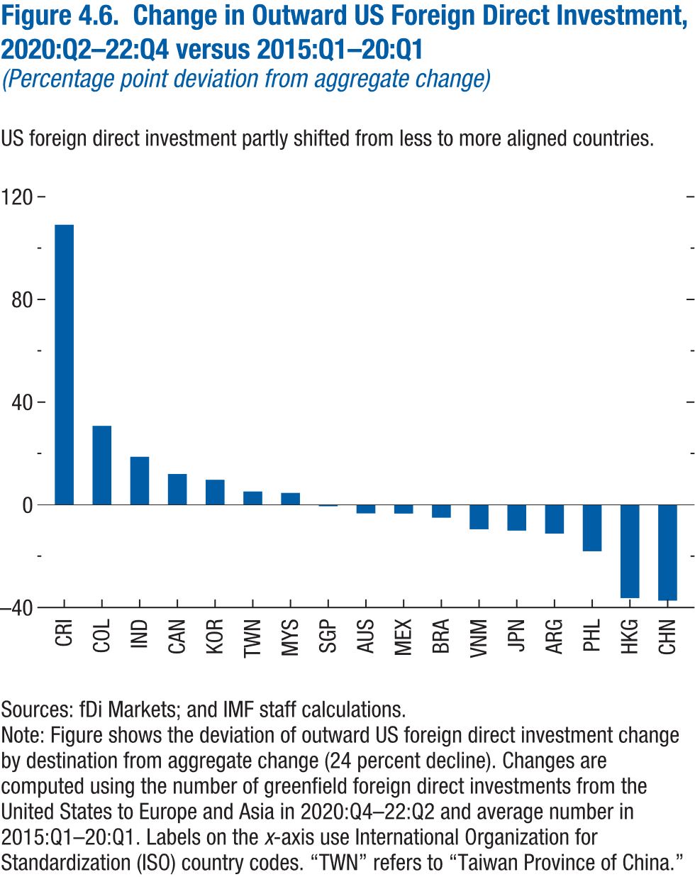
Figure 4.6. Change in Outward US Foreign Direct Investment, 2020:Q2–22:Q4 versus 2015:Q1–20:Q1
(Percentage point deviation from aggregate change)

Destination | Change in outward US foreign direct investment
CRI | 109.12
COL | 30.78
IND | 18.72
CAN | 12.03
KOR | 9.77
TWN | 5.20
MYS | 4.65
SGP | -0.57
AUS | -3.34
MEX | -3.41
BRA | -5.01
VNM | -9.53
JPN | -10.04
ARG | -11.22
PHL | -18.09
HKG | -36.33
CHN | -37.34

Figure 4.7.
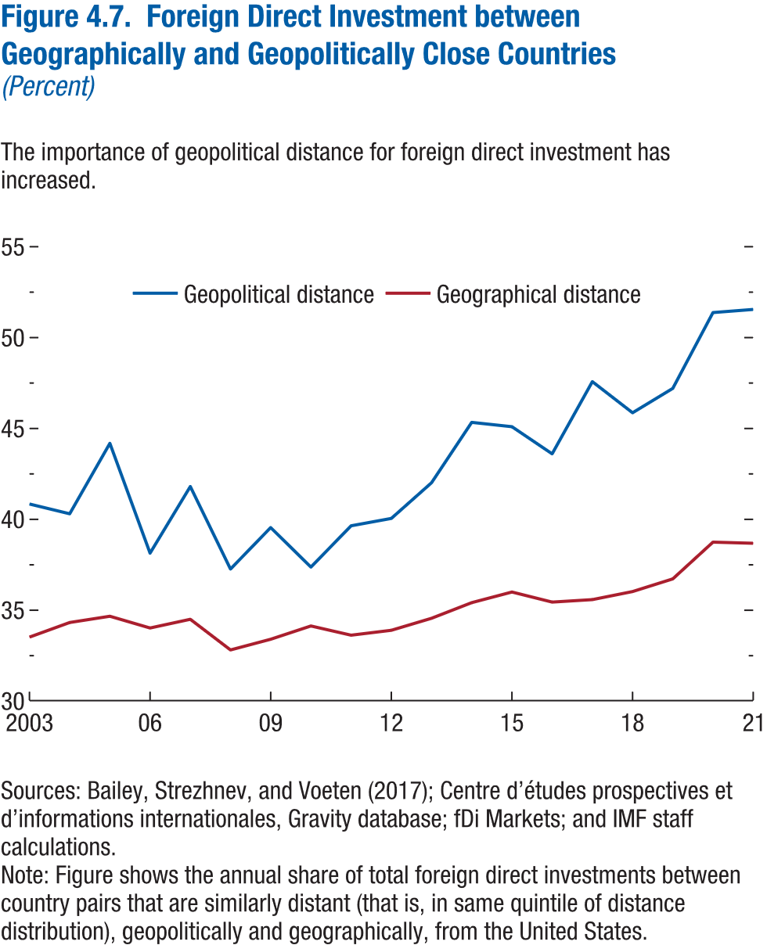
Figure 4.7. Foreign Direct Investment between Geographically and Geopolitically Close Countries
(Percent)

year | Geopolitical distance | Geographical distance
2003 | 0.41 | 0.34
2004 | 0.40 | 0.34
2005 | 0.44 | 0.35
2006 | 0.38 | 0.34
2007 | 0.42 | 0.35
2008 | 0.37 | 0.33
2009 | 0.40 | 0.33
2010 | 0.37 | 0.34
2011 | 0.40 | 0.34
2012 | 0.40 | 0.34
2013 | 0.42 | 0.35
2014 | 0.45 | 0.35
2015 | 0.45 | 0.36
2016 | 0.44 | 0.35
2017 | 0.48 | 0.36
2018 | 0.46 | 0.36
2019 | 0.47 | 0.37
2020 | 0.51 | 0.39
2021 | 0.52 | 0.39

Figure 4.8.
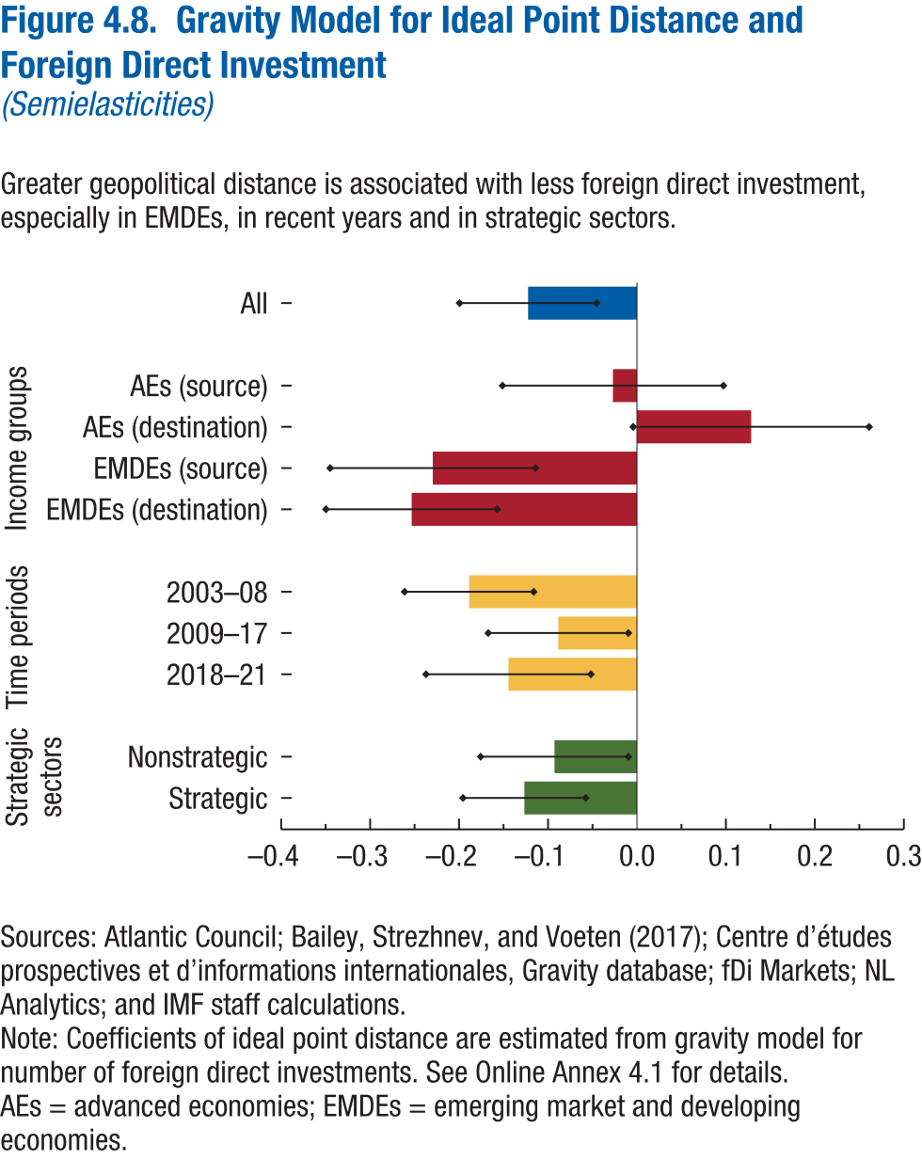
Figure 4.8. Gravity Model for Ideal Point Distance and Foreign Direct Investment
(Semielasticities)

 | Coefficient | Lower bound | Upper bound
Strategic | -0.13 | -0.20 | -0.06
Nonstrategic | -0.09 | -0.18 | -0.01
2018-21 | -0.14 | -0.24 | -0.05
2009-17 | -0.09 | -0.17 | -0.01
2003-08 | -0.19 | -0.26 | -0.12
EMDEs (destination) | -0.25 | -0.35 | -0.16
EMDEs (source) | -0.23 | -0.34 | -0.11
AEs (destination) | 0.13 | 0.00 | 0.26
AEs (source) | -0.03 | -0.15 | 0.10
All | -0.12 | -0.20 | -0.05

Figure 4.9.
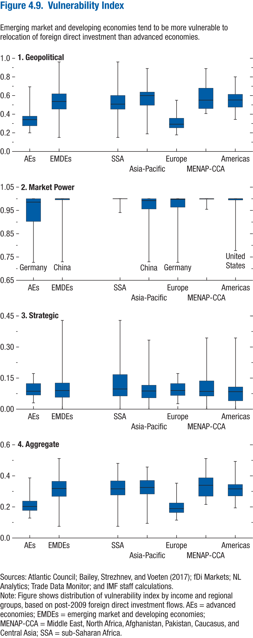
Figure 4.9. Vulnerability Index

1. Geopolitical |  |  |  |  |  |  | 2. Market Power |  |  |  |  |  |  | 3. Strategic |  |  |  |  |  |  | 4. Aggregate

 |  | min | p25 | p50 | p75 | max |  |  | min | p25 | p50 | p75 | max |  |  | min | p25 | p50 | p75 | max |  |  | min | p25 | p50 | p75 | max
Income groups | AEs | 0.20 | 0.28 | 0.34 | 0.38 | 0.69 | Income groups | AEs | 0.73 | 0.90 | 0.99 | 1.00 | 1.00 | Income groups | AEs | 0.03 | 0.07 | 0.09 | 0.12 | 0.17 | Income groups | AEs | 0.13 | 0.18 | 0.20 | 0.24 | 0.39
 | EMDEs | 0.15 | 0.45 | 0.54 | 0.62 | 0.96 |  | EMDEs | 0.73 | 1.00 | 1.00 | 1.00 | 1.00 |  | EMDEs | 0.00 | 0.06 | 0.09 | 0.13 | 0.43 |  | EMDEs | 0.08 | 0.27 | 0.32 | 0.36 | 0.51

Regional groups | SSA | 0.15 | 0.45 | 0.51 | 0.60 | 0.96 | Regional groups | SSA | 0.94 | 1.00 | 1.00 | 1.00 | 1.00 | Regional groups | SSA | 0.00 | 0.06 | 0.10 | 0.17 | 0.43 | Regional groups | SSA | 0.08 | 0.28 | 0.32 | 0.37 | 0.48
 | Asia-Pacific | 0.19 | 0.50 | 0.60 | 0.64 | 0.89 |  | Asia-Pacific | 0.73 | 0.96 | 0.99 | 1.00 | 1.00 |  | Asia-Pacific | 0.00 | 0.05 | 0.09 | 0.12 | 0.33 |  | Asia-Pacific | 0.09 | 0.28 | 0.33 | 0.37 | 0.46
 | Europe | 0.18 | 0.25 | 0.29 | 0.36 | 0.55 |  | Europe | 0.73 | 0.96 | 1.00 | 1.00 | 1.00 |  | Europe | 0.03 | 0.07 | 0.09 | 0.12 | 0.17 |  | Europe | 0.11 | 0.16 | 0.19 | 0.23 | 0.35
 | MENAP-CCA | 0.41 | 0.46 | 0.55 | 0.68 | 0.89 |  | MENAP-CCA | 0.95 | 1.00 | 1.00 | 1.00 | 1.00 |  | MENAP-CCA | 0.00 | 0.06 | 0.09 | 0.14 | 0.34 |  | MENAP-CCA | 0.22 | 0.27 | 0.34 | 0.39 | 0.51
 | Americas | 0.34 | 0.48 | 0.55 | 0.61 | 0.80 |  | Americas | 0.78 | 0.99 | 1.00 | 1.00 | 1.00 |  | Americas | 0.00 | 0.04 | 0.08 | 0.11 | 0.34 |  | Americas | 0.19 | 0.27 | 0.32 | 0.34 | 0.49

Figure 4.10.
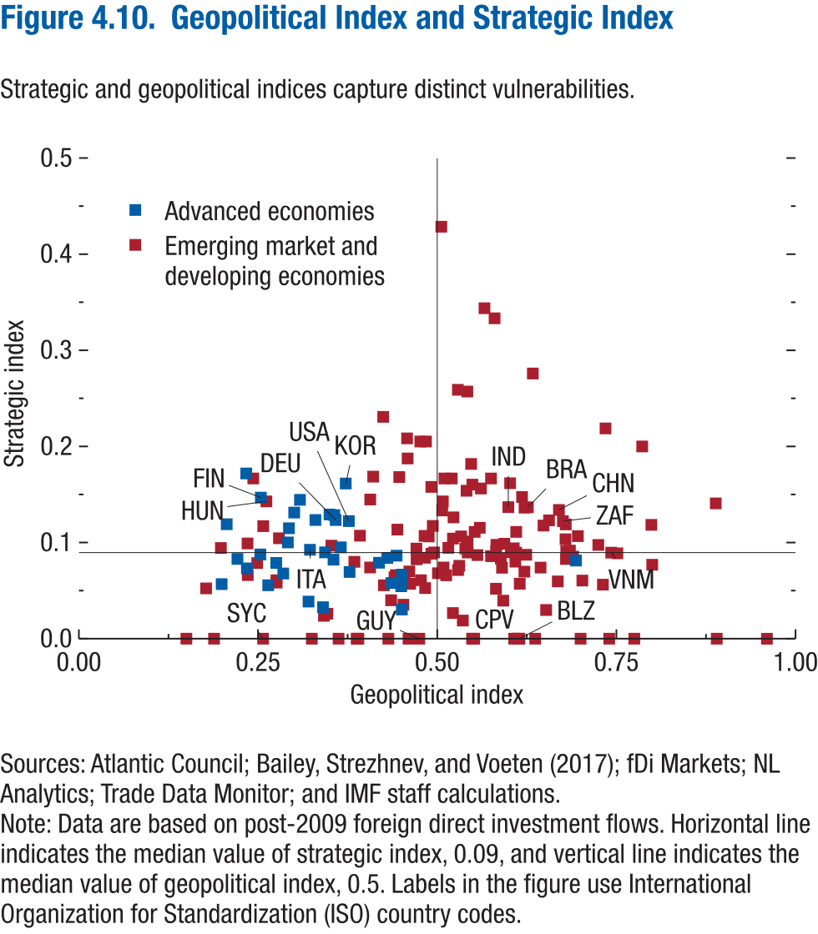
Figure 4.10. Geopolitical Index and Strategic Index

Country ISO-3 code | IMF income group | Geopolitical index | Strategic index
AUS | AE | 0.38 | 0.07
CAN | AE | 0.34 | 0.09
DEU | AE | 0.36 | 0.12
ESP | AE | 0.29 | 0.10
FRA | AE | 0.37 | 0.10
GBR | AE | 0.42 | 0.08
NLD | AE | 0.36 | 0.08
SGP | AE | 0.69 | 0.08
USA | AE | 0.38 | 0.12
BEL | AE | 0.30 | 0.13
CHE | AE | 0.43 | 0.08
CZE | AE | 0.25 | 0.09
FIN | AE | 0.25 | 0.15
IRL | AE | 0.45 | 0.07
ITA | AE | 0.32 | 0.09
JPN | AE | 0.44 | 0.09
KOR | AE | 0.37 | 0.16
AUT | AE | 0.35 | 0.13
DNK | AE | 0.29 | 0.11
LTU | AE | 0.28 | 0.08
NZL | AE | 0.45 | 0.05
PRT | AE | 0.29 | 0.07
SVK | AE | 0.21 | 0.12
SWE | AE | 0.33 | 0.12
GRC | AE | 0.32 | 0.04
ISR | AE | 0.36 | 0.13
LUX | AE | 0.34 | 0.03
NOR | AE | 0.31 | 0.14
EST | AE | 0.22 | 0.08
LVA | AE | 0.20 | 0.06
SVN | AE | 0.23 | 0.17
CYP | AE | 0.45 | 0.03
MLT | AE | 0.44 | 0.06
AND | AE | 0.26 | 0.06
ISL | AE | 0.23 | 0.07
ARE | EMDE | 0.69 | 0.09
BRA | EMDE | 0.63 | 0.14
CHN | EMDE | 0.67 | 0.13
IND | EMDE | 0.60 | 0.14
MEX | EMDE | 0.58 | 0.10
POL | EMDE | 0.24 | 0.10
ROU | EMDE | 0.24 | 0.07
RUS | EMDE | 0.55 | 0.16
VNM | EMDE | 0.74 | 0.09
ARG | EMDE | 0.54 | 0.15
COL | EMDE | 0.54 | 0.09
HUN | EMDE | 0.26 | 0.14
IDN | EMDE | 0.70 | 0.11
MYS | EMDE | 0.66 | 0.12
PHL | EMDE | 0.60 | 0.09
SAU | EMDE | 0.51 | 0.13
THA | EMDE | 0.62 | 0.15
TUR | EMDE | 0.41 | 0.14
ZAF | EMDE | 0.68 | 0.12
BGR | EMDE | 0.25 | 0.08
CHL | EMDE | 0.61 | 0.09
CRI | EMDE | 0.54 | 0.09
EGY | EMDE | 0.68 | 0.08
KEN | EMDE | 0.59 | 0.10
MAR | EMDE | 0.69 | 0.09
MMR | EMDE | 0.54 | 0.10
NGA | EMDE | 0.52 | 0.10
PER | EMDE | 0.47 | 0.08
QAT | EMDE | 0.58 | 0.09
UKR | EMDE | 0.28 | 0.06
BHR | EMDE | 0.45 | 0.06
GHA | EMDE | 0.49 | 0.12
HRV | EMDE | 0.18 | 0.05
IRQ | EMDE | 0.61 | 0.08
KAZ | EMDE | 0.60 | 0.16
KHM | EMDE | 0.59 | 0.04
KWT | EMDE | 0.45 | 0.04
LKA | EMDE | 0.56 | 0.12
MOZ | EMDE | 0.64 | 0.07
OMN | EMDE | 0.53 | 0.08
PAK | EMDE | 0.48 | 0.11
PAN | EMDE | 0.52 | 0.09
TUN | EMDE | 0.75 | 0.09
TZA | EMDE | 0.49 | 0.09
AZE | EMDE | 0.68 | 0.12
BGD | EMDE | 0.62 | 0.09
BIH | EMDE | 0.28 | 0.06
BLR | EMDE | 0.53 | 0.11
CIV | EMDE | 0.56 | 0.09
DOM | EMDE | 0.65 | 0.03
DZA | EMDE | 0.73 | 0.22
ETH | EMDE | 0.45 | 0.17
GEO | EMDE | 0.41 | 0.07
JOR | EMDE | 0.48 | 0.06
MKD | EMDE | 0.26 | 0.12
UGA | EMDE | 0.50 | 0.07
URY | EMDE | 0.58 | 0.09
UZB | EMDE | 0.53 | 0.26
ZMB | EMDE | 0.44 | 0.11
AGO | EMDE | 0.70 | 0.06
ARM | EMDE | 0.44 | 0.06
CMR | EMDE | 0.52 | 0.13
ECU | EMDE | 0.73 | 0.06
GTM | EMDE | 0.46 | 0.07
HND | EMDE | 0.48 | 0.08
IRN | EMDE | 0.89 | 0.14
LAO | EMDE | 0.50 | 0.09
LBN | EMDE | 0.67 | 0.06
NAM | EMDE | 0.49 | 0.16
NIC | EMDE | 0.80 | 0.08
RWA | EMDE | 0.44 | 0.07
SEN | EMDE | 0.61 | 0.09
SLV | EMDE | 0.59 | 0.07
ZWE | EMDE | 0.72 | 0.10
ALB | EMDE | 0.20 | 0.09
BOL | EMDE | 0.80 | 0.12
BWA | EMDE | 0.48 | 0.21
COD | EMDE | 0.41 | 0.17
GAB | EMDE | 0.49 | 0.11
JAM | EMDE | 0.58 | 0.05
LBY | EMDE | 0.54 | 0.02
MDA | EMDE | 0.35 | 0.03
MNE | EMDE | 0.28 | 0.10
MNG | EMDE | 0.61 | 0.11
MUS | EMDE | 0.52 | 0.03
NPL | EMDE | 0.51 | 0.14
PNG | EMDE | 0.62 | 0.07
PRY | EMDE | 0.51 | 0.07
TJK | EMDE | 0.59 | 0.08
BDI | EMDE | 0.58 | 0.17
BFA | EMDE | 0.54 | 0.26
BRN | EMDE | 0.53 | 0.07
COG | EMDE | 0.46 | 0.06
FJI | EMDE | 0.62 | 0.06
GIN | EMDE | 0.52 | 0.17
KGZ | EMDE | 0.57 | 0.34
LBR | EMDE | 0.47 | 0.09
LCA | EMDE | 0.39 | 0.11
MDG | EMDE | 0.68 | 0.09
MDV | EMDE | 0.34 | 0.02
MLI | EMDE | 0.63 | 0.28
MWI | EMDE | 0.35 | 0.10
SDN | EMDE | 0.48 | 0.21
TGO | EMDE | 0.55 | 0.18
TKM | EMDE | 0.68 | 0.10
TTO | EMDE | 0.56 | 0.16
AFG | EMDE | 0.43 | 0.00
BEN | EMDE | 0.38 | 0.08
BHS | EMDE | 0.55 | 0.00
BLZ | EMDE | 0.61 | 0.00
BTN | EMDE | 0.19 | 0.00
CPV | EMDE | 0.61 | 0.00
DJI | EMDE | 0.46 | 0.00
GNQ | EMDE | 0.65 | 0.12
GUY | EMDE | 0.48 | 0.00
HTI | EMDE | 0.44 | 0.04
LSO | EMDE | 0.51 | 0.43
MRT | EMDE | 0.62 | 0.14
SLE | EMDE | 0.51 | 0.07
SOM | EMDE | 0.46 | 0.21
SWZ | EMDE | 0.46 | 0.19
SYC | EMDE | 0.26 | 0.00
TCD | EMDE | 0.48 | 0.05
YEM | EMDE | 0.43 | 0.06
ATG | EMDE | 0.79 | 0.20
BRB | EMDE | 0.61 | 0.00
CAF | EMDE | 0.55 | 0.00
COM | EMDE | 0.15 | 0.00
DMA | EMDE | 0.39 | 0.00
ERI | EMDE | 0.96 | 0.00
FSM | EMDE | 0.78 | 0.00
GMB | EMDE | 0.36 | 0.00
GNB | EMDE | 0.24 | 0.17
GRD | EMDE | 0.55 | 0.11
KIR | EMDE | 0.89 | 0.00
KNA | EMDE | 0.39 | 0.00
NER | EMDE | 0.42 | 0.23
SLB | EMDE | 0.58 | 0.33
STP | EMDE | 0.74 | 0.00
SUR | EMDE | 0.51 | 0.17
VCT | EMDE | 0.70 | 0.00
VUT | EMDE | 0.33 | 0.00
WSM | EMDE | 0.64 | 0.00

Figure 4.11.
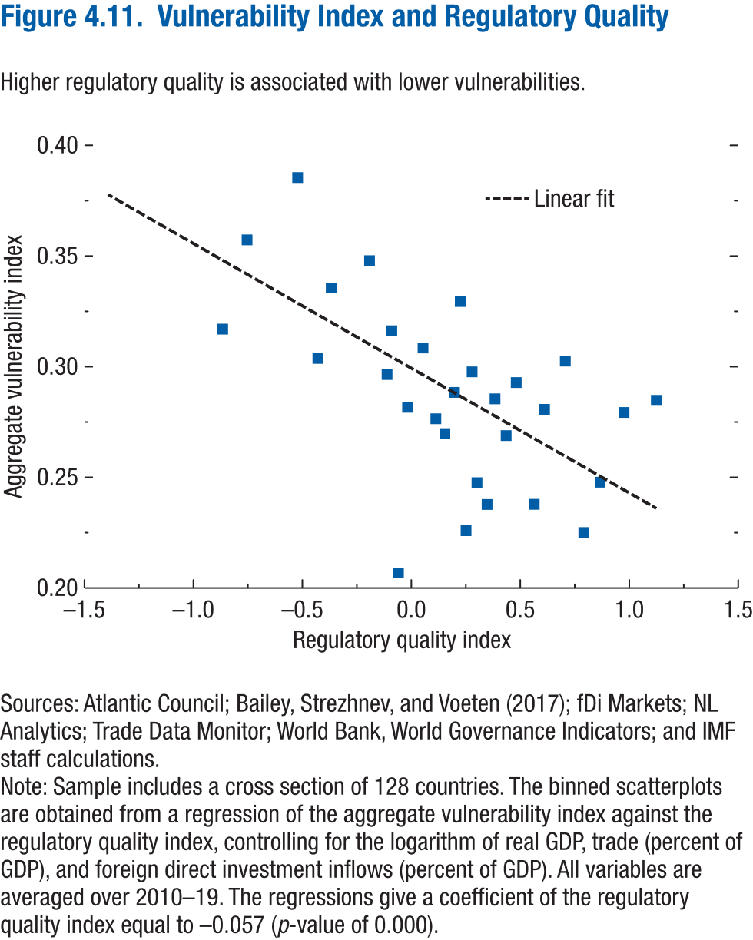
Figure 4.11. Vulnerability Index and Regulatory Quality

Regulatory quality index | Aggregate vulnerability index
-1.39 | 0.42
-0.87 | 0.32
-0.75 | 0.36
-0.52 | 0.39
-0.43 | 0.30
-0.37 | 0.34
-0.19 | 0.35
-0.11 | 0.30
-0.09 | 0.32
-0.06 | 0.21
-0.02 | 0.28
0.05 | 0.31
0.11 | 0.28
0.15 | 0.27
0.20 | 0.29
0.22 | 0.33
0.25 | 0.23
0.28 | 0.30
0.30 | 0.25
0.35 | 0.24
0.38 | 0.29
0.43 | 0.27
0.48 | 0.29
0.56 | 0.24
0.61 | 0.28
0.71 | 0.30
0.79 | 0.23
0.87 | 0.25
0.98 | 0.28
1.12 | 0.28

Figure 4.12.
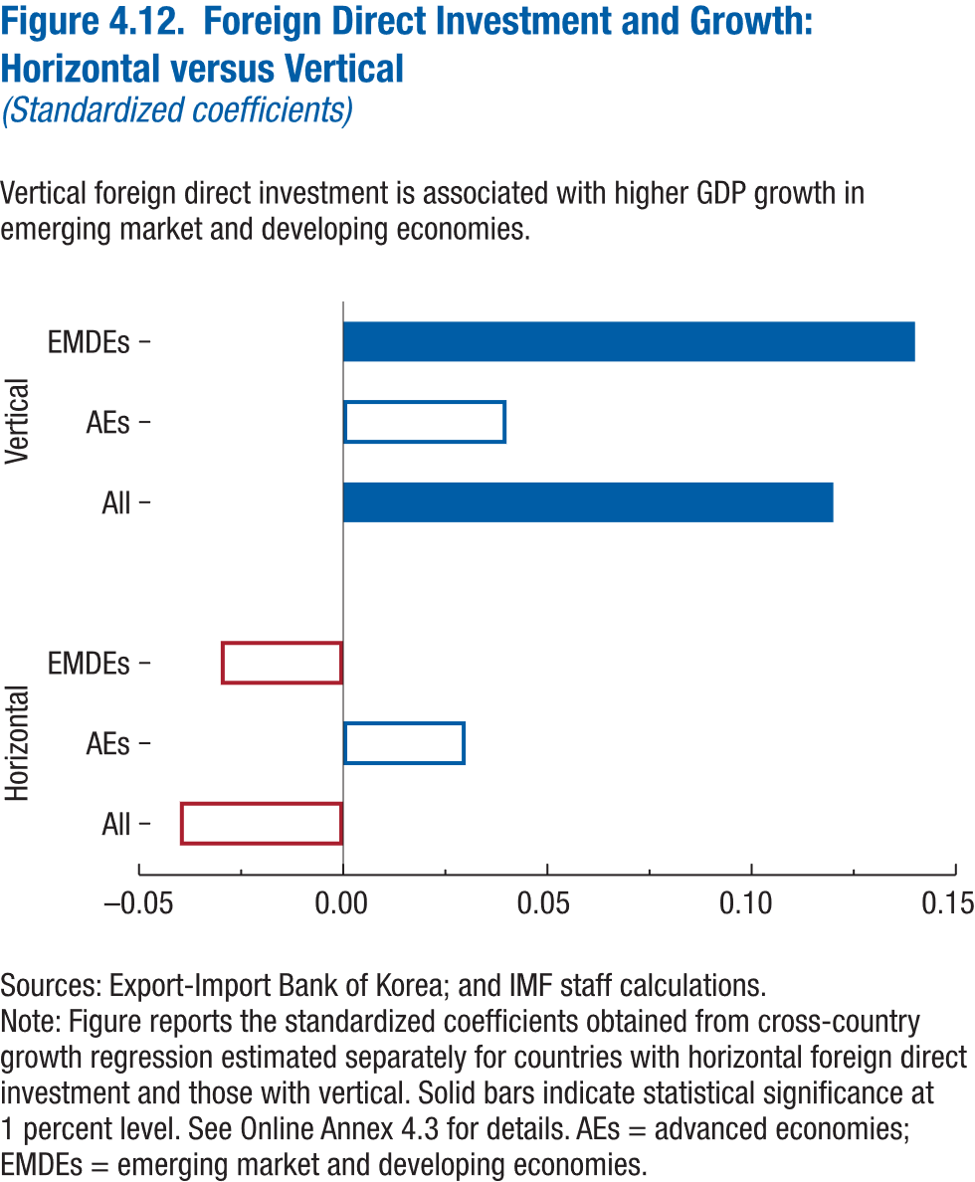
Figure 4.12. Foreign Direct Investment and Growth: Horizontal versus Vertical
(Standardized coefficients)

 |  | Coefficient | Statistical significance
Horizontal | All | -0.04
 | AEs | 0.03
 | EMDEs | -0.03

Vertical | All | 0.12 | significant
 | AEs | 0.04
 | EMDEs | 0.14 | significant

Figure 4.13.
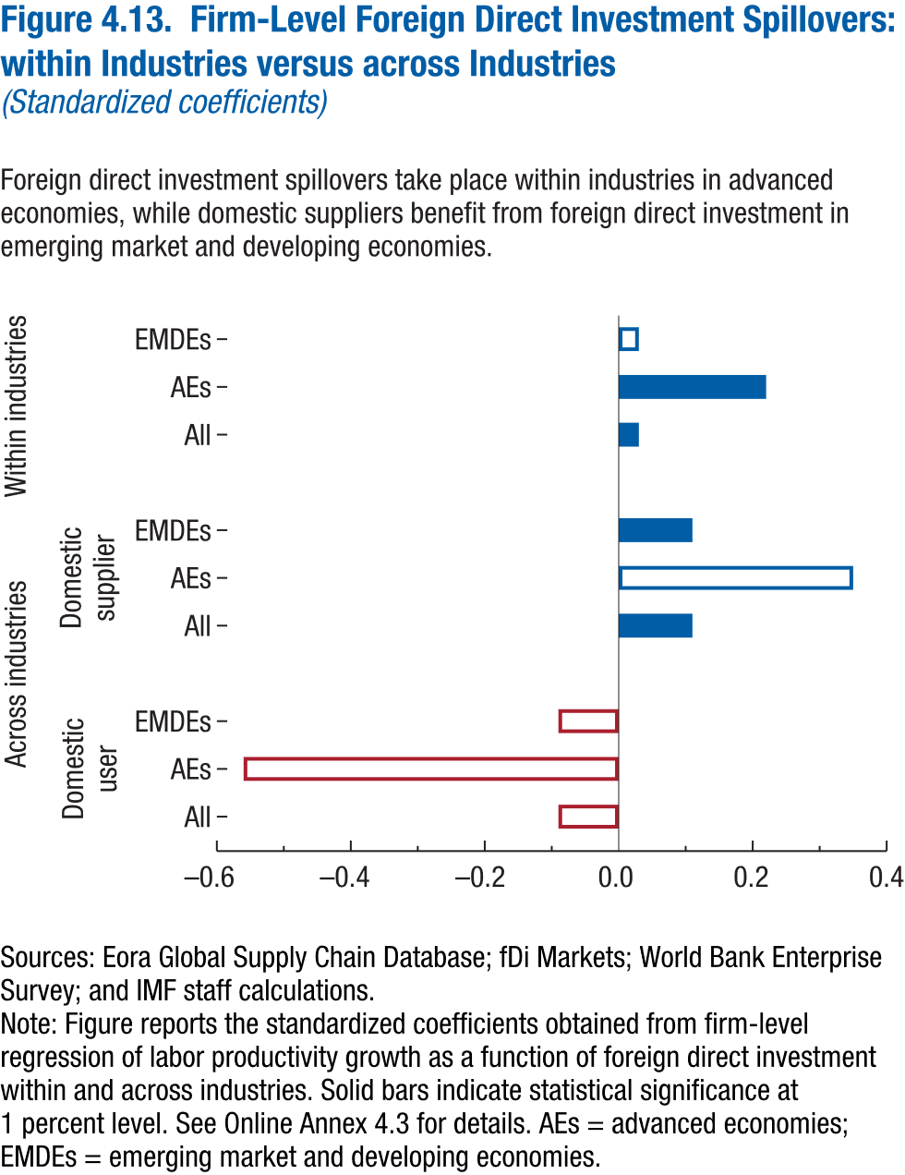
Figure 4.13. Firm-Level Foreign Direct Investment Spillovers: within Industries versus across Industries
(Standardized coefficients)

 |  |  | Coefficient | Statistical significance
Within industries |  | All | 0.03 | significant
 |  | AEs | 0.22 | significant
 |  | EMDEs | 0.03

Across industries | Domestic-user | All | -0.09
 |  | AEs | -0.56
 |  | EMDEs | -0.09

 | Domestic-supplier | All | 0.11 | significant
 |  | AEs | 0.35
 |  | EMDEs | 0.11 | significant

Figure 4.14.
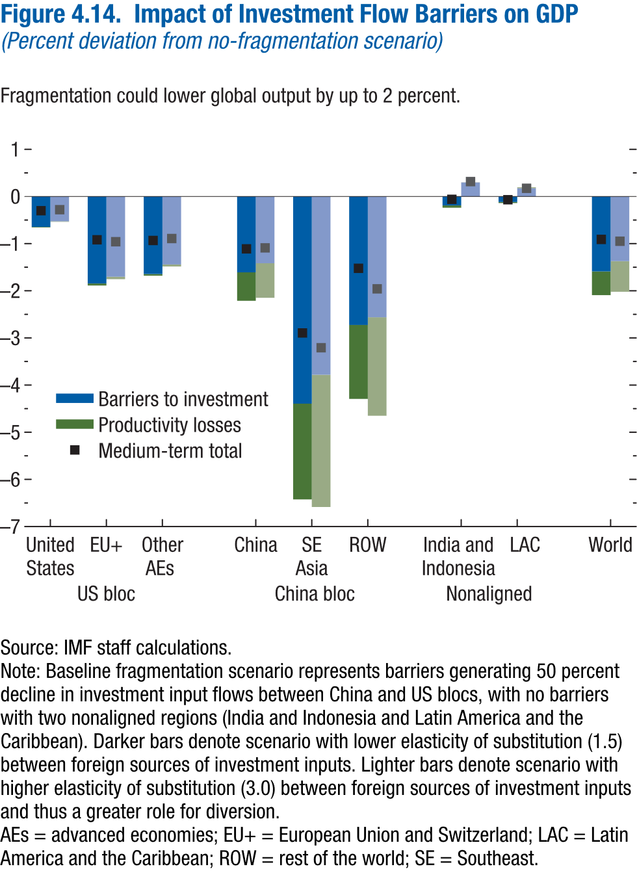
Figure 4.14. Impact of Investment Flow Barriers on GDP
(Percent deviation from no-fragmentation scenario)

 |  | Lower elasticity of substitution |  |  | Higher elasticity of substitution
 |  | Barriers to Investment | Productivity losses | Medium-term total | Barriers to Investment | Productivity losses | Medium-term total
US bloc | United States | -0.65 | -0.01 | -0.30 | -0.53 | -0.01 | -0.28
 | EU+ | -1.85 | -0.04 | -0.92 | -1.70 | -0.05 | -0.96
 | Other AEs | -1.64 | -0.04 | -0.93 | -1.44 | -0.04 | -0.89

China bloc | China | -1.61 | -0.60 | -1.11 | -1.42 | -0.73 | -1.09
 | SE Asia | -4.39 | -2.03 | -2.89 | -3.78 | -2.80 | -3.21
 | ROW | -2.72 | -1.57 | -1.52 | -2.56 | -2.09 | -1.96

Nonaligned | India and Indonesia | -0.19 | -0.05 | -0.06 | 0.30 | 0.00 | 0.32
 | LAC | -0.12 | -0.02 | -0.07 | 0.17 | 0.02 | 0.17

 | World | -1.59 | -0.50 | -0.91 | -1.37 | -0.65 | -0.95

Figure 4.15.
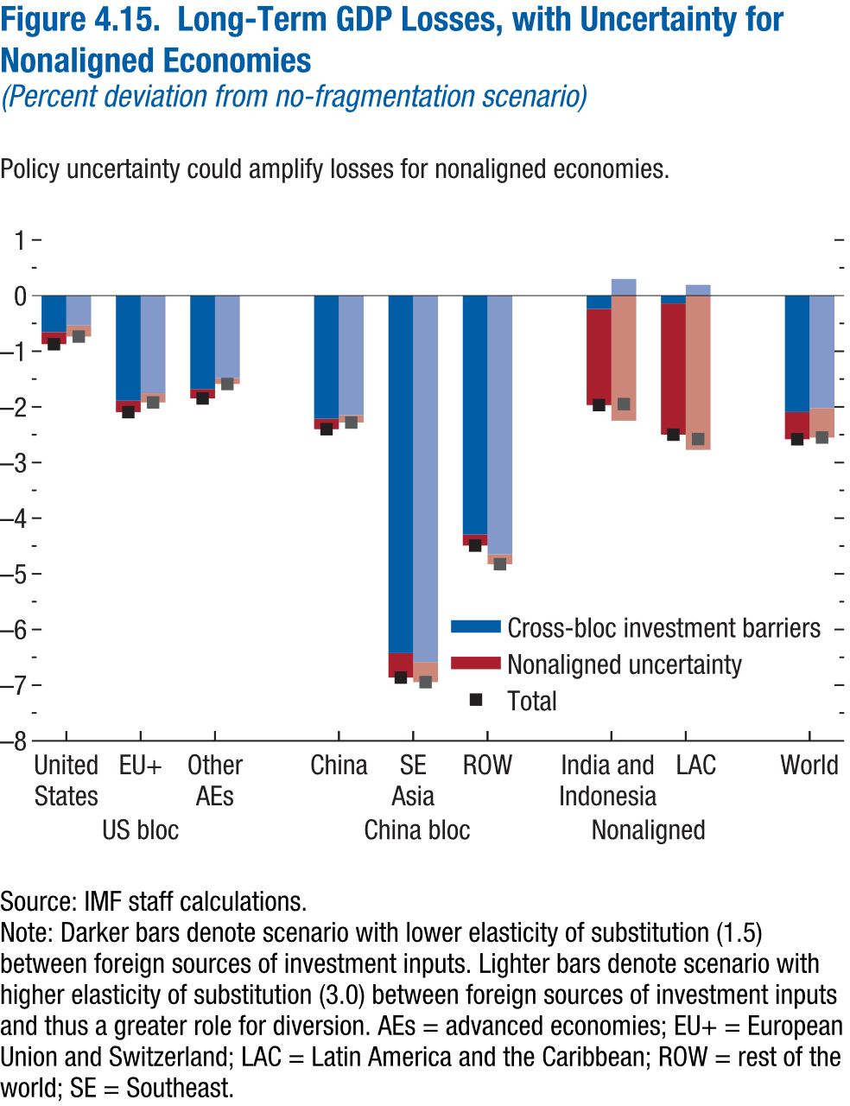
Figure 4.15. Long-Term GDP Losses, with Uncertainty for Nonaligned Economies
(Percent deviation from no-fragmentation scenario)

 |  | Lower elasticity of substitution |  |  | Higher elasticity of substitution
 |  | Cross-bloc investment barriers | Nonaligned uncertainty | Total | Cross-bloc investment barriers | Nonaligned uncertainty | Total
US bloc | United States | -0.66 | -0.22 | -0.87 | -0.54 | -0.20 | -0.74
 | EU+ | -1.89 | -0.21 | -2.09 | -1.75 | -0.17 | -1.92
 | Other AEs | -1.68 | -0.17 | -1.85 | -1.49 | -0.10 | -1.59

China bloc | China | -2.21 | -0.19 | -2.40 | -2.15 | -0.13 | -2.28
 | SE Asia | -6.42 | -0.44 | -6.86 | -6.59 | -0.36 | -6.95
 | ROW | -4.29 | -0.20 | -4.49 | -4.65 | -0.17 | -4.83

Nonaligned | India and Indonesia | -0.24 | -1.73 | -1.97 | 0.30 | -2.25 | -1.95
 | LAC | -0.14 | -2.36 | -2.50 | 0.19 | -2.77 | -2.58

 | World | -2.09 | -0.49 | -2.58 | -2.02 | -0.53 | -2.55

Figure 4.16.
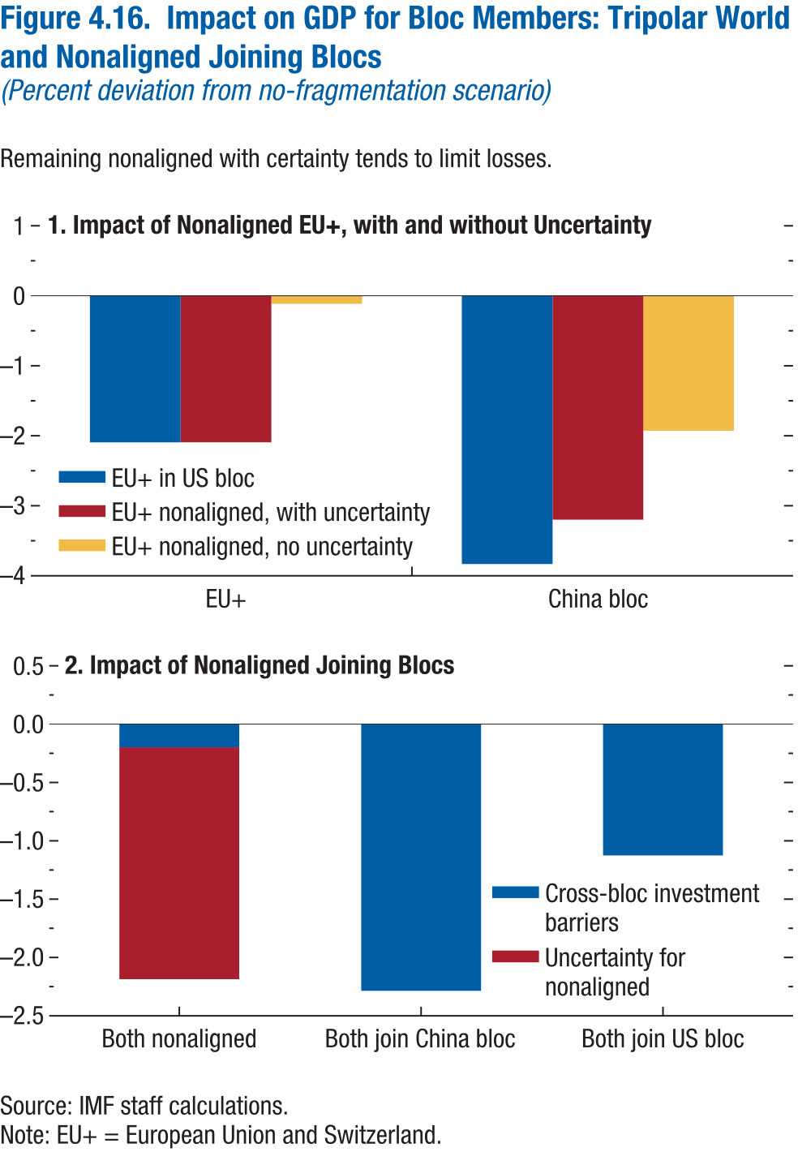
Figure 4.16. Impact on GDP for Bloc Members: Tripolar World and Nonaligned Joining Blocs
(Percent deviation from no-fragmentation scenario)

1. Impact of Nonaligned EU+, with and without Uncertainty |  |  |  | 2. Impact of Nonaligned Joining Blocs

 | EU+ in US bloc | EU+ nonaligned, with uncertainty | EU+ nonaligned, no uncertainty |  | Cross-bloc investment barriers | Uncertainty for nonaligned
EU+ | -2.09 | -2.09 | -0.11 | Both nonaligned | -0.20 | -1.99
China bloc | -3.83 | -3.20 | -1.93 | Both join China bloc | -2.29
 |  |  |  | Both join US bloc | -1.13

Figure 4.17.
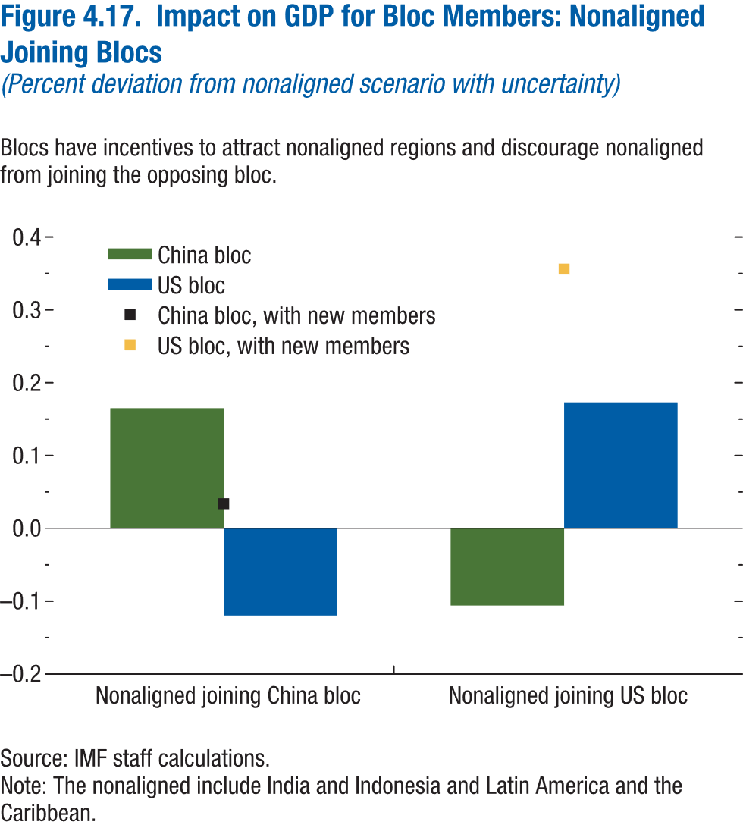
Figure 4.17. Impact on GDP for Bloc Members: Nonaligned Joining Blocs
(Percent deviation from nonaligned scenario with uncertainty)

 | China bloc | China bloc, with new members | US bloc | US bloc, with new members
Nonaligned joining China bloc | 0.16 | 0.03 | -0.12
Nonaligned joining US bloc | -0.11 |  | 0.17 | 0.36

Figure 4.2.1.
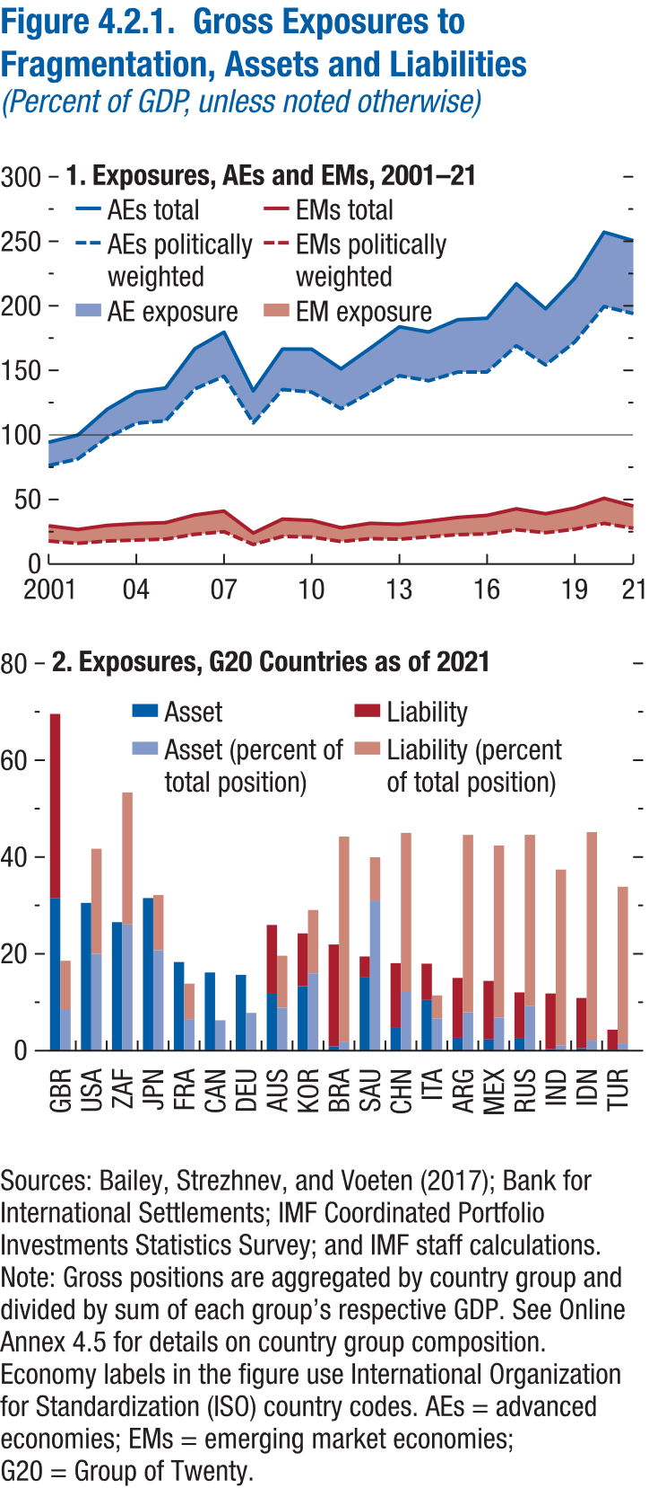
Figure 4.2.1. Gross Exposures to Fragmentation, Assets and Liabilities
(Percent of GDP, unless noted otherwise)

1. Exposures, AEs and EMs, 2001–21 |  |  |  | 2. Exposures, G20 Countries as of 2021

year | IMF income group | Total | Politically weighted |  |  | Asset | Liability
2001 | AE | 94.31 | 76.29 | GBR | Share of GDP | 31.46 | 38.10
2002 | AE | 99.85 | 81.44 |  | Share of total position | 7.35 | 8.90
2003 | AE | 119.80 | 97.97 | USA | Share of GDP | 30.53 | 0.00
2004 | AE | 133.19 | 109.07 |  | Share of total position | 17.49 | 19.01
2005 | AE | 136.37 | 110.93 | ZAF | Share of GDP | 26.55 | 27.78
2006 | AE | 166.73 | 135.62 |  | Share of total position | 22.82 | 23.87
2007 | AE | 179.59 | 145.47 | JPN | Share of GDP | 31.53 | 17.27
2008 | AE | 134.10 | 109.29 |  | Share of total position | 18.18 | 9.96
2009 | AE | 166.52 | 135.17 | FRA | Share of GDP | 18.31 | 20.55
2010 | AE | 166.44 | 133.16 |  | Share of total position | 5.71 | 6.41
2011 | AE | 151.16 | 120.37 | CAN | Share of GDP | 16.16 | 11.61
2012 | AE | 167.15 | 132.81 |  | Share of total position | 5.50 | 3.95
2013 | AE | 183.73 | 145.88 | DEU | Share of GDP | 15.67 | 11.06
2014 | AE | 179.69 | 141.92 |  | Share of total position | 6.83 | 4.82
2015 | AE | 189.26 | 148.72 | AUS | Share of GDP | 11.77 | 14.21
2016 | AE | 190.35 | 148.75 |  | Share of total position | 7.77 | 9.39
2017 | AE | 217.09 | 169.12 | KOR | Share of GDP | 13.31 | 10.93
2018 | AE | 197.65 | 154.22 |  | Share of total position | 13.97 | 11.47
2019 | AE | 221.31 | 172.08 | BRA | Share of GDP | 0.86 | 21.08
2020 | AE | 257.04 | 199.47 |  | Share of total position | 1.52 | 37.19
2021 | AE | 250.48 | 193.97 | SAU | Share of GDP | 15.12 | 4.34
2001 | EME | 29.59 | 17.86 |  | Share of total position | 27.17 | 7.80
2002 | EME | 26.75 | 16.07 | CHN | Share of GDP | 4.87 | 13.22
2003 | EME | 29.91 | 17.83 |  | Share of total position | 10.60 | 28.76
2004 | EME | 31.29 | 18.57 | ITA | Share of GDP | 10.48 | 7.50
2005 | EME | 31.99 | 19.30 |  | Share of total position | 5.82 | 4.17
2006 | EME | 37.98 | 23.04 | ARG | Share of GDP | 2.66 | 12.36
2007 | EME | 40.99 | 25.04 |  | Share of total position | 6.92 | 32.10
2008 | EME | 23.94 | 15.13 | MEX | Share of GDP | 2.33 | 12.10
2009 | EME | 34.79 | 21.43 |  | Share of total position | 5.98 | 31.10
2010 | EME | 33.77 | 20.89 | RUS | Share of GDP | 2.48 | 9.56
2011 | EME | 28.04 | 17.44 |  | Share of total position | 8.03 | 30.99
2012 | EME | 31.55 | 19.69 | IND | Share of GDP | 0.35 | 11.47
2013 | EME | 30.75 | 19.21 |  | Share of total position | 0.97 | 31.77
2014 | EME | 33.27 | 21.11 | IDN | Share of GDP | 0.50 | 10.39
2015 | EME | 36.07 | 22.77 |  | Share of total position | 1.82 | 37.68
2016 | EME | 37.69 | 23.35 | TUR | Share of GDP | 0.19 | 4.14
...

Figure 4.3.1.
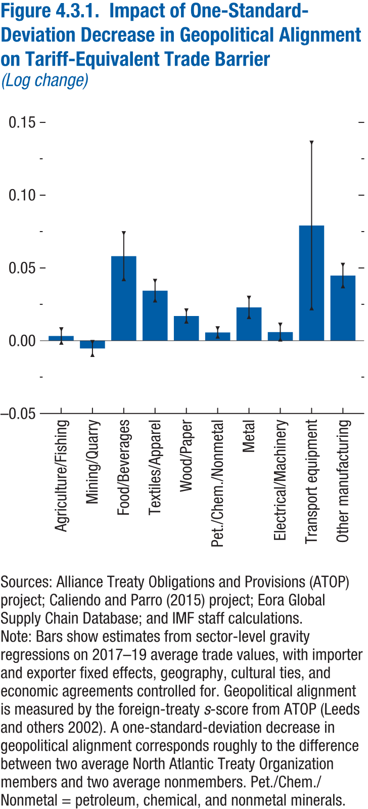
Figure 4.3.1. Impact of One-Standard-Deviation Decrease in Geopolitical Alignment on Tariff-Equivalent Trade Barrier
(Log change)

Sectors | Impact on trade barrier
Agriculture/Fishing | 0.00
Mining/Quarry | -0.01
Food/Beverages | 0.06
Textiles/Apparel | 0.03
Wood/Paper | 0.02
Pet./Chem./Nonmetal | 0.01
Metal | 0.02
Electrical/Machinery | 0.01
Transport equipment | 0.08
Other manufacturing | 0.04

Figure 4.3.2.
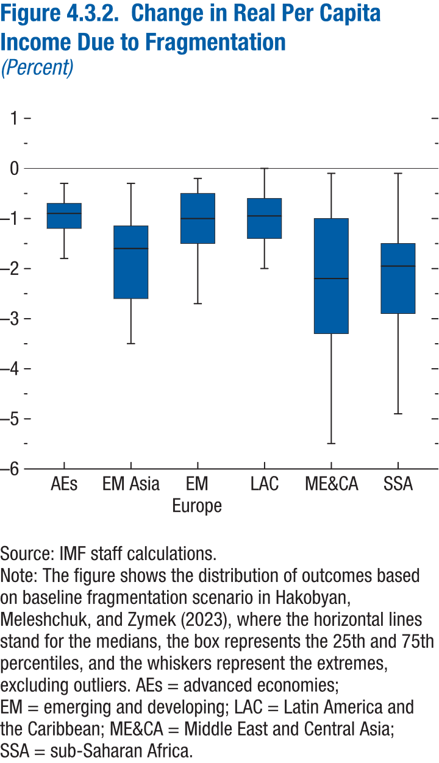
Figure 4.3.2. Change in Real Per Capita Income Due to Fragmentation
(Percent)

 | min
AEs | -1.80
EM Asia | -3.50
EM Europe | -2.70
LAC | -2.00
ME&CA | -5.50
SSA | -4.90

Annex Figure 4.1.1.
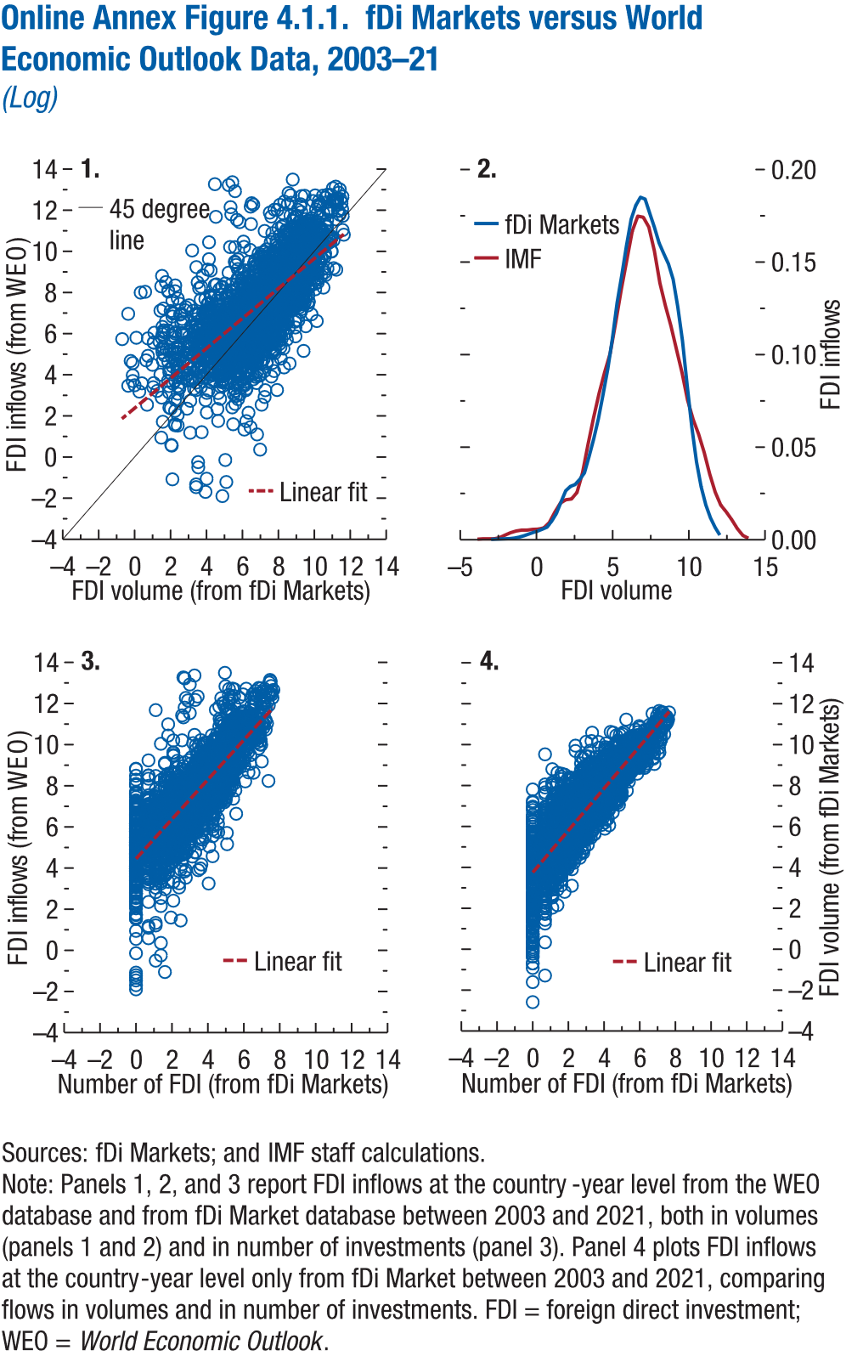
Online Annex Figure 4.1.1. fDi Markets versus World Economic Outlook Data, 2003–21
(Log)

1. |  | 2.

 |  | fDi Markets
FDI volume (from fDi Markets) | FDI inflows (from WEO) | FDI inflows
 | 11.62 | 0.00
10.31 | 11.67 | 0.00
10.35 | 12.27 | 0.00
10.50 | 11.87 | 0.00
10.61 | 12.61 | 0.00
10.74 | 12.76 | 0.00
10.96 | 12.74 | 0.00
11.31 | 11.99 | 0.00
11.03 | 12.48 | 0.00
11.24 | 12.48 | 0.00
11.10 | 12.43 | 0.00
11.25 | 12.57 | 0.01
11.11 | 12.44 | 0.01
11.19 | 13.14 | 0.01
11.03 | 13.07 | 0.01
11.37 | 12.85 | 0.02
11.23 | 12.28 | 0.03
11.57 | 12.66 | 0.03
10.92 | 11.91 | 0.03
11.42 | 13.01 | 0.03
 | 11.39 | 0.04
9.95 | 10.49 | 0.05
10.00 | 11.38 | 0.05
9.93 | 12.45 | 0.07
10.31 | 12.25 | 0.08
10.20 | 12.25 | 0.09
11.09 | 12.49 | 0.11
11.08 | 9.18 | 0.13
10.27 | 11.09 | 0.14
10.54 | 10.19 | 0.16
...

Annex Figure 4.1.2.
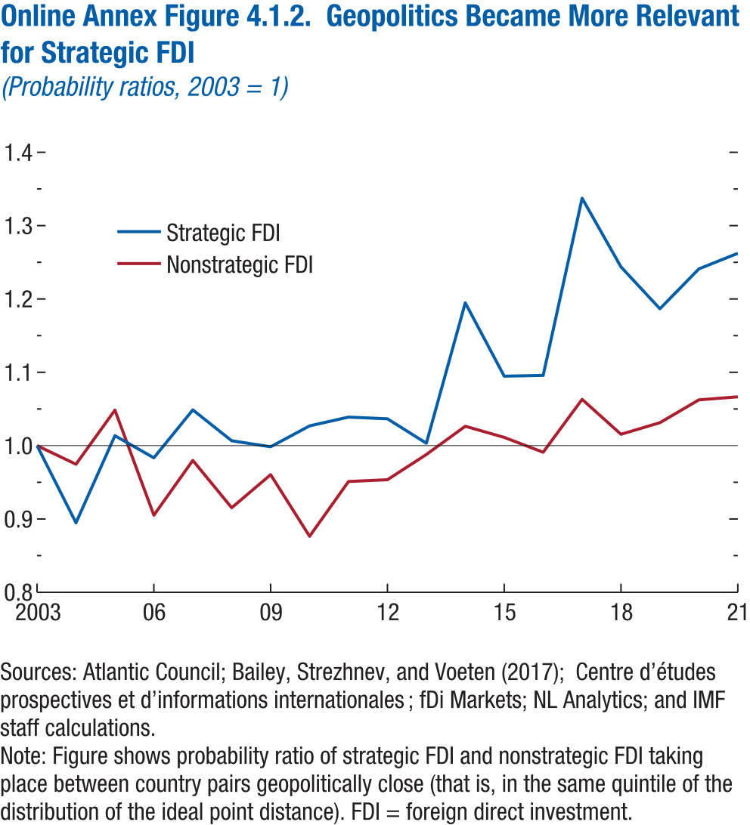
Online Annex Figure 4.1.2. Geopolitics Became More Relevant for Strategic FDI
(Probability ratios, 2003 = 1)

year | Strategic FDI | Nonstrategic FDI
2003 | 1.00 | 1.00
2004 | 0.89 | 0.97
2005 | 1.01 | 1.05
2006 | 0.98 | 0.91
2007 | 1.05 | 0.98
2008 | 1.01 | 0.92
2009 | 1.00 | 0.96
2010 | 1.03 | 0.88
2011 | 1.04 | 0.95
2012 | 1.04 | 0.95
2013 | 1.00 | 0.99
2014 | 1.19 | 1.03
2015 | 1.09 | 1.01
2016 | 1.10 | 0.99
2017 | 1.34 | 1.06
2018 | 1.24 | 1.02
2019 | 1.19 | 1.03
2020 | 1.24 | 1.06
2021 | 1.26 | 1.07

Annex Figure 4.1.3.
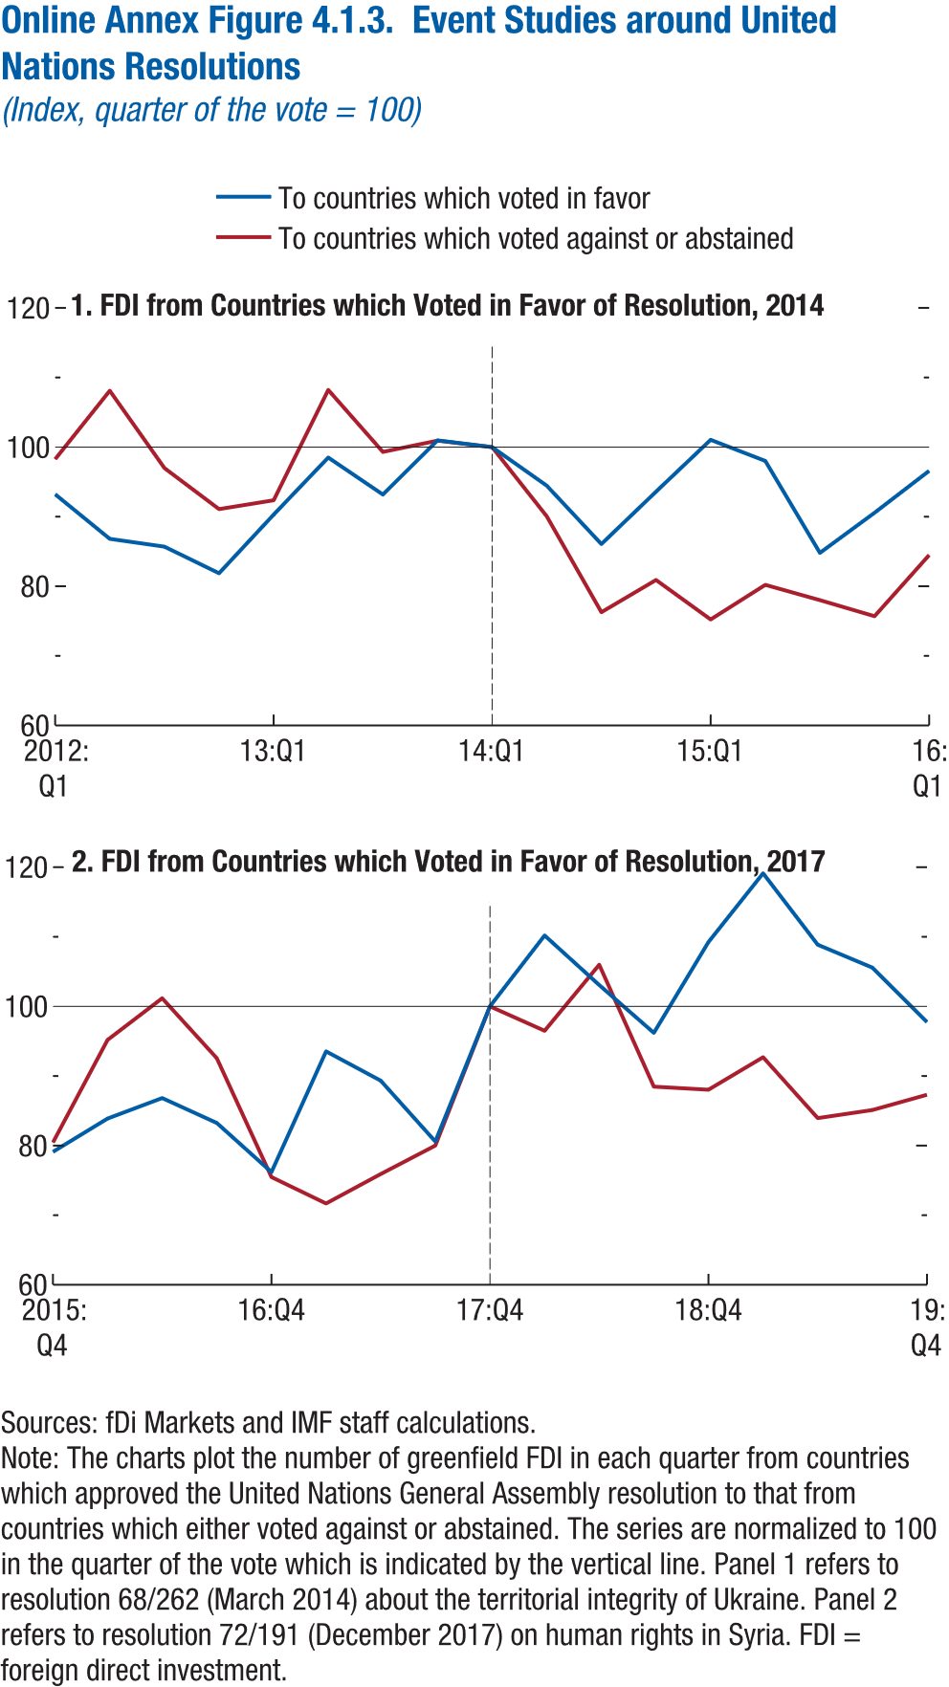
Online Annex Figure 4.1.3. Event Studies around United Nations Resolutions
(Index, quarter of the vote = 100)

1. FDI from Countries which Voted in Favor of Resolution, 2014

time | To countries which voted in favor | To countries which voted against or abstained | Event
2012q1 | 93.22 | 98.26
2012q2 | 86.82 | 108.10
2012q3 | 85.69 | 96.99
2012q4 | 81.87 | 91.09
2013q1 | 90.30 | 92.36
2013q2 | 98.50 | 108.22
2013q3 | 93.18 | 99.31
2013q4 | 100.97 | 100.93
2014q1 | 100.00 | 100.00 | Resolution 68/262
2014q2 | 94.46 | 90.05
2014q3 | 86.07 | 76.27
2014q4 | 93.60 | 80.90
2015q1 | 101.05 | 75.23
2015q2 | 98.01 | 80.21
2015q3 | 84.79 | 78.01
2015q4 | 90.56 | 75.69
2016q1 | 96.59 | 84.49

Annex Figure 4.1.4.
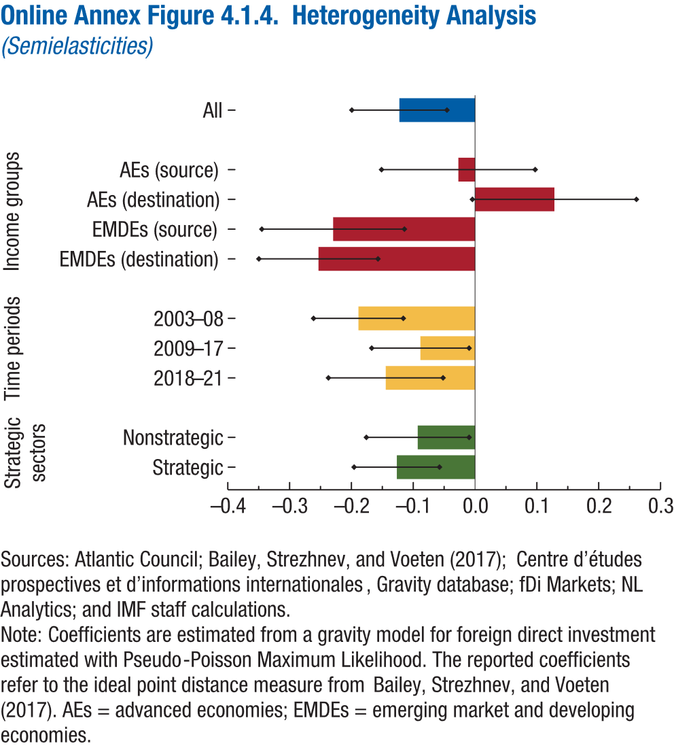
Online Annex Figure 4.1.4. Heterogeneity Analysis
(Semielasticities)

 | Coefficient | Lower bound | Upper bound
Strategic | -0.13 | -0.20 | -0.06
Nonstrategic | -0.09 | -0.18 | -0.01
2018-21 | -0.14 | -0.24 | -0.05
2009-17 | -0.09 | -0.17 | -0.01
2003-08 | -0.19 | -0.26 | -0.12
EMDEs (destination) | -0.25 | -0.35 | -0.16
EMDEs (source) | -0.23 | -0.34 | -0.11
AEs (destination) | 0.13 | 0.00 | 0.26
AEs (source) | -0.03 | -0.15 | 0.10
All | -0.12 | -0.20 | -0.05

Annex Figure 4.1.5.
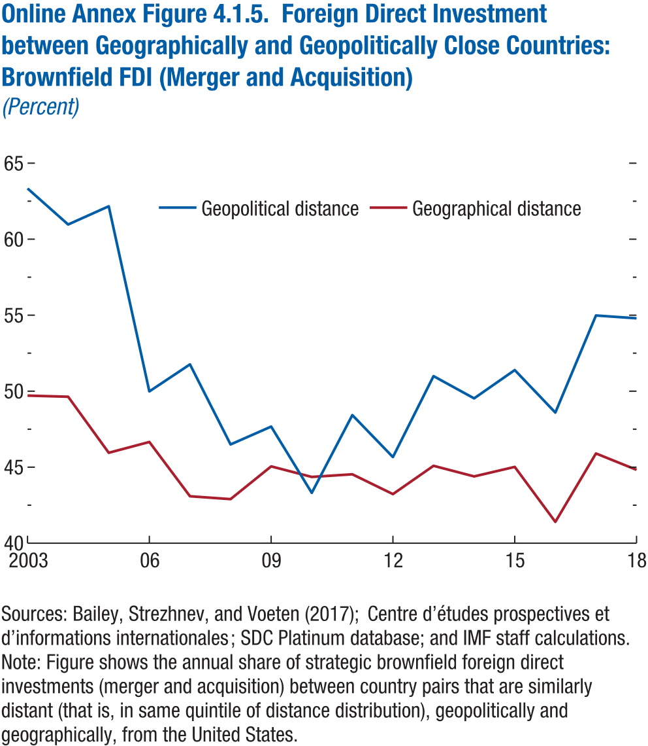
Online Annex Figure 4.1.5. Foreign Direct Investment between Geographically and Geopolitically Close Countries: Brownfield FDI (Merger and Acquisition)
(Percent)

year | Geopolitical distance | Geographical distance
2003 | 63.34 | 49.71
2004 | 60.97 | 49.63
2005 | 62.16 | 45.95
2006 | 49.99 | 46.66
2007 | 51.76 | 43.09
2008 | 46.49 | 42.90
2009 | 47.67 | 45.05
2010 | 43.31 | 44.36
2011 | 48.43 | 44.53
2012 | 45.67 | 43.23
2013 | 50.99 | 45.09
2014 | 49.53 | 44.39
2015 | 51.39 | 45.02
2016 | 48.59 | 41.40
2017 | 54.98 | 45.90
2018 | 54.79 | 44.83

Annex Figure 4.4.2.
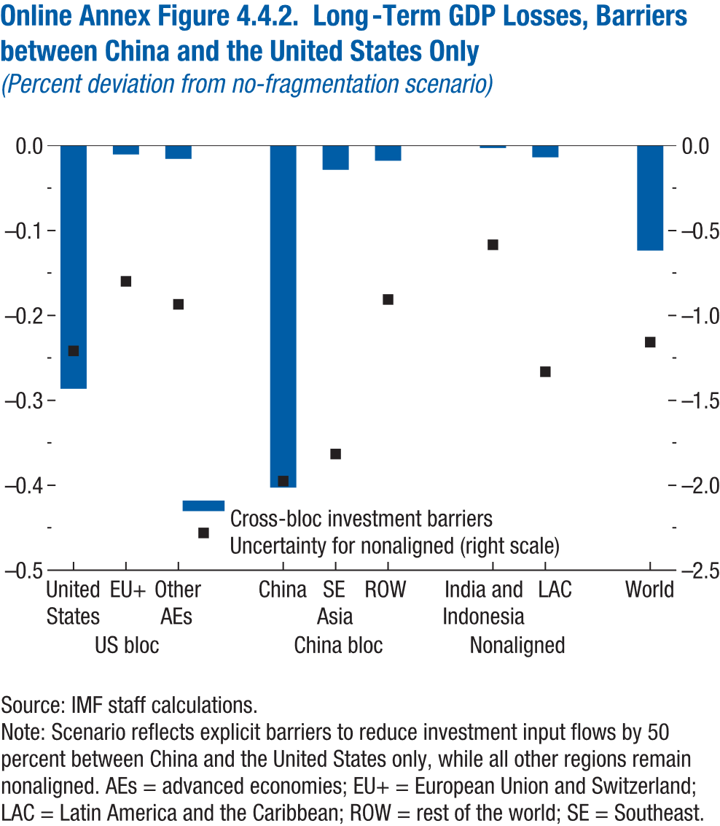
Online Annex Figure 4.4.2. Long-Term GDP Losses, Barriers between China and the United States Only
(Percent deviation from no-fragmentation scenario)

 |  | Cross-bloc investment barriers | Uncertainty for nonaligned (right scale)
US bloc | United States | -0.29 | -1.21
 | EU+ | -0.01 | -0.80
 | Other AEs | -0.02 | -0.93

China bloc | China | -0.40 | -1.98
 | SE Asia | -0.03 | -1.82
 | ROW | -0.02 | -0.91

Nonaligned | India and Indonesia | 0.00 | -0.58
 | LAC | -0.01 | -1.33

 | World | -0.12 | -1.16

Annex Figure 4.4.3.
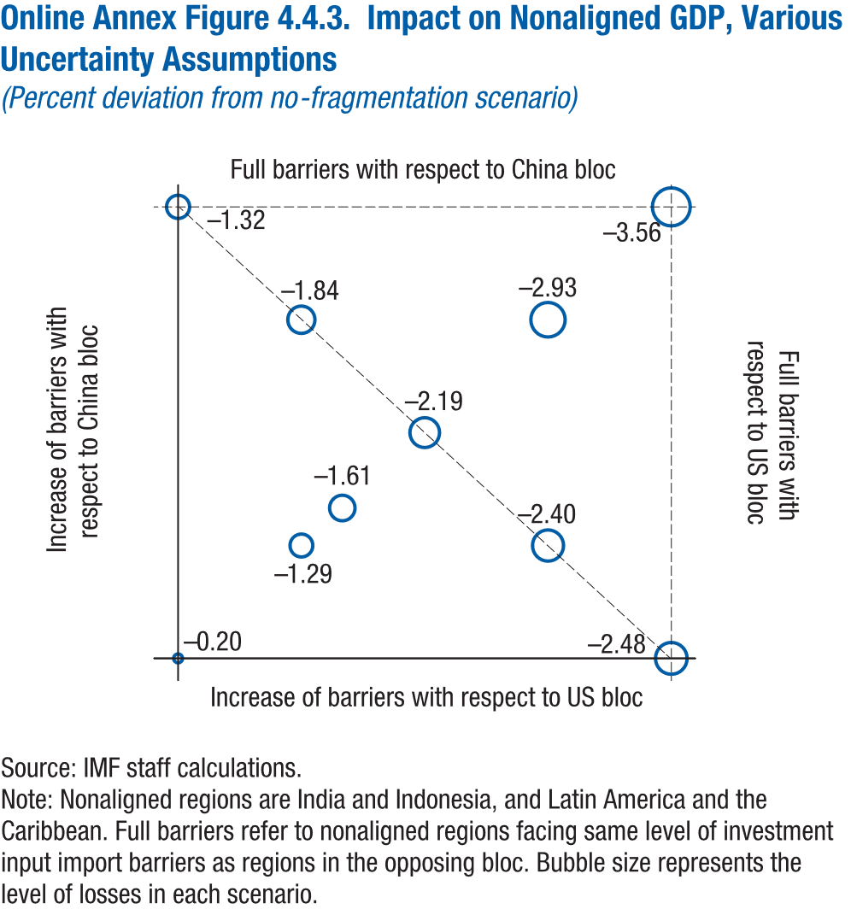
Online Annex Figure 4.4.3. Impact on Nonaligned GDP, Various Uncertainty Assumptions
(Percent deviation from no-fragmentation scenario)

Increase of barriers with respect to US bloc | Increase of barriers with respect to China bloc | Level of losses
0.00 | 0.00 | -0.20
0.00 | 10.00 | -1.32
2.50 | 2.50 | -1.29
2.50 | 7.50 | -1.84
5.00 | 5.00 | -2.19
7.50 | 2.50 | -2.40
7.50 | 7.50 | -2.93
10.00 | 0.00 | -2.48
10.00 | 10.00 | -3.56
3.33 | 3.33 | -1.61

Annex Figure 4.5.1.
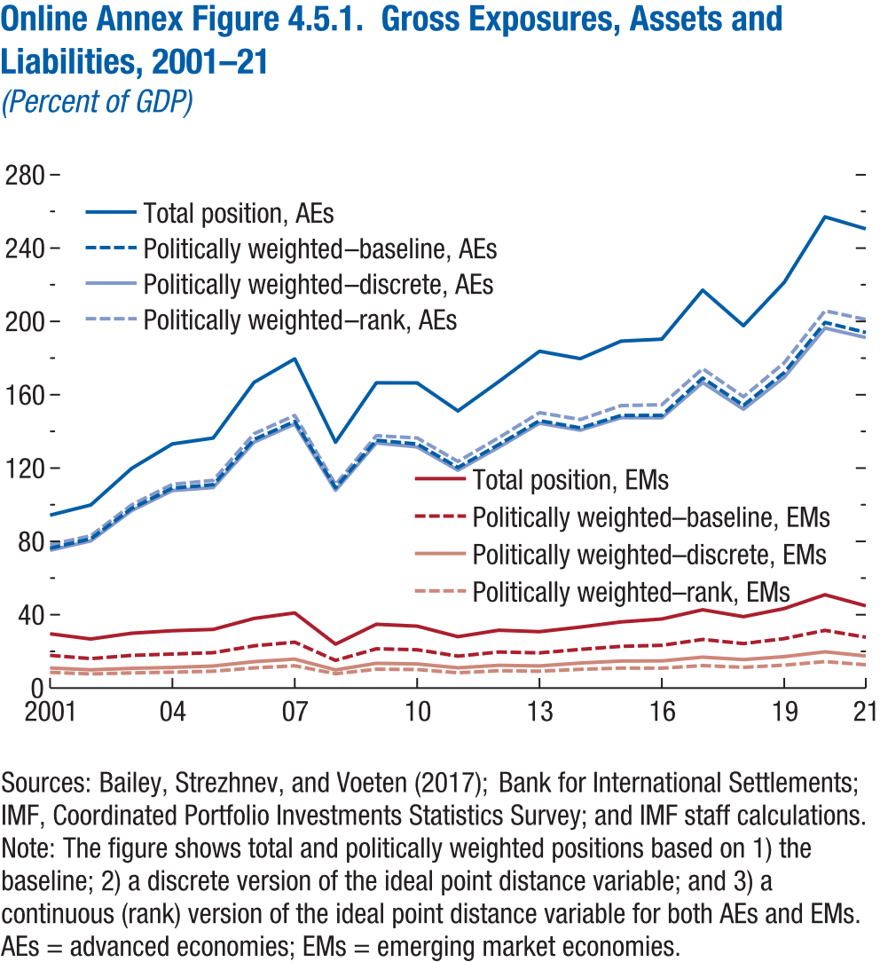
Online Annex Figure 4.5.1. Gross Exposures, Assets and Liabilities, 2001–21
(Percent of GDP)

year | Total position, AEs | Politically weighted–baseline, AEs | Politically weighted–discrete, AEs
2001 | 94.31 | 76.29 | 75.15
2002 | 99.85 | 81.44 | 80.30
2003 | 119.80 | 97.97 | 96.79
2004 | 133.19 | 109.07 | 107.74
2005 | 136.37 | 110.93 | 109.40
2006 | 166.73 | 135.62 | 134.14
2007 | 179.59 | 145.47 | 144.04
2008 | 134.10 | 109.29 | 107.85
2009 | 166.52 | 135.17 | 133.69
2010 | 166.44 | 133.16 | 131.53
2011 | 151.16 | 120.37 | 118.84
2012 | 167.15 | 132.81 | 131.32
2013 | 183.73 | 145.88 | 144.47
2014 | 179.69 | 141.92 | 140.68
2015 | 189.26 | 148.72 | 147.47
2016 | 190.35 | 148.75 | 147.41
2017 | 217.09 | 169.12 | 166.67
2018 | 197.65 | 154.22 | 152.10
2019 | 221.31 | 172.08 | 169.57
2020 | 257.04 | 199.47 | 196.35
2021 | 250.48 | 193.97 | 191.22

Annex Figure 4.5.2.
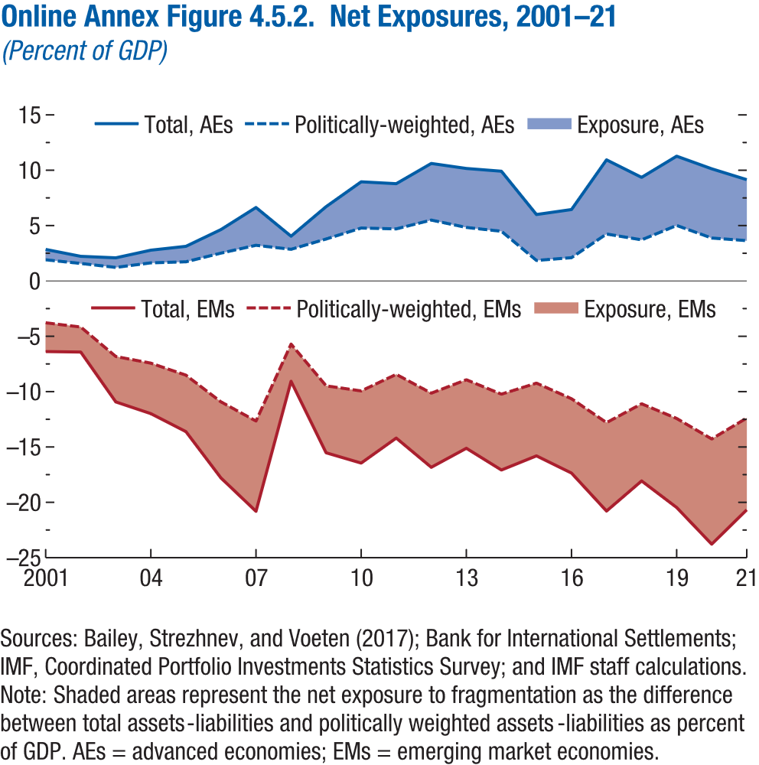
Online Annex Figure 4.5.2. Net Exposures, 2001–21
(Percent of GDP)

year | Total, AEs | Politically-weighted, AEs | Total, EMs
2001 | 2.85 | 1.91 | -6.38
2002 | 2.23 | 1.58 | -6.42
2003 | 2.09 | 1.22 | -10.93
2004 | 2.78 | 1.64 | -11.99
2005 | 3.13 | 1.73 | -13.61
2006 | 4.64 | 2.51 | -17.79
2007 | 6.64 | 3.22 | -20.81
2008 | 4.04 | 2.86 | -9.07
2009 | 6.71 | 3.79 | -15.52
2010 | 8.96 | 4.78 | -16.45
2011 | 8.78 | 4.71 | -14.19
2012 | 10.61 | 5.50 | -16.84
2013 | 10.16 | 4.83 | -15.12
2014 | 9.91 | 4.49 | -17.08
2015 | 6.00 | 1.85 | -15.80
2016 | 6.45 | 2.10 | -17.36
2017 | 10.94 | 4.24 | -20.79
2018 | 9.36 | 3.72 | -18.07
2019 | 11.27 | 5.01 | -20.47
2020 | 10.13 | 3.88 | -23.78
2021 | 9.15 | 3.65 | -20.68

Annex Figure 4.5.3.
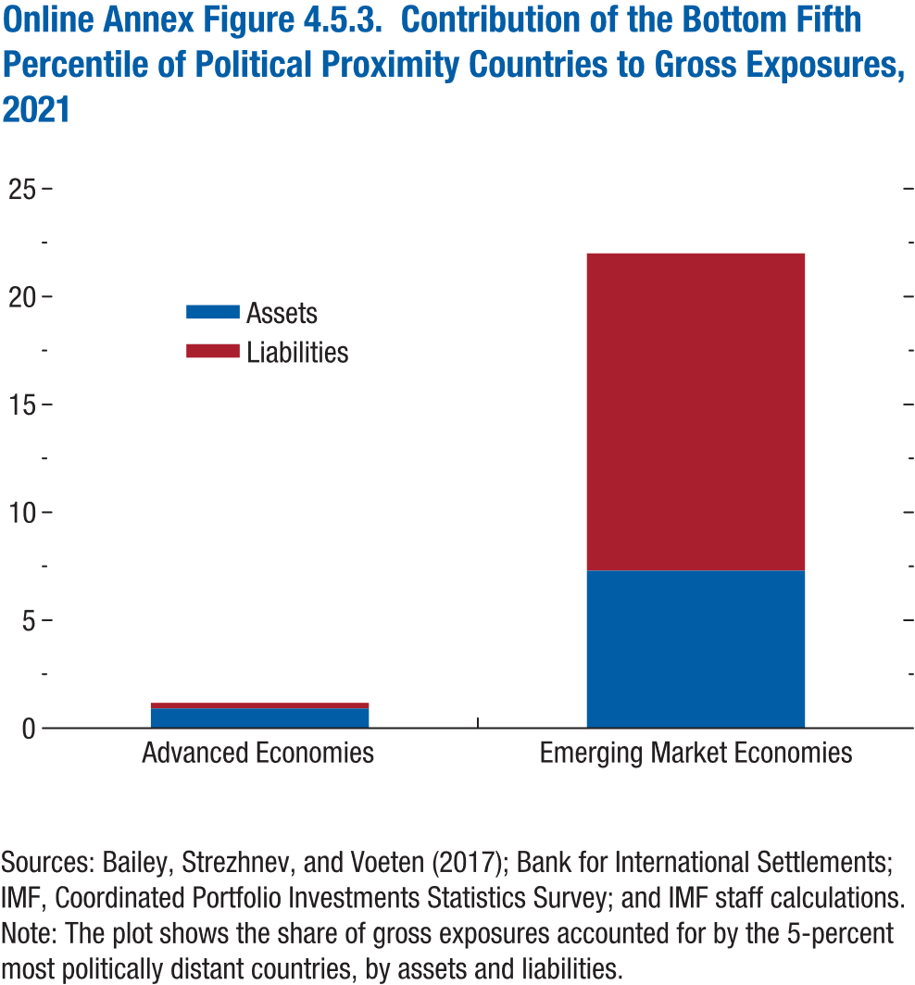
Online Annex Figure 4.5.3. Contribution of the Bottom Fifth Percentile of Political Proximity Countries to Gross Exposures, 2021
(Percent of GDP)

 | Assets | Liabilities
Advanced Economies | 0.91 | 0.26
Emerging Market Economies | 7.30 | 14.70

Annex Figure 4.5.4.
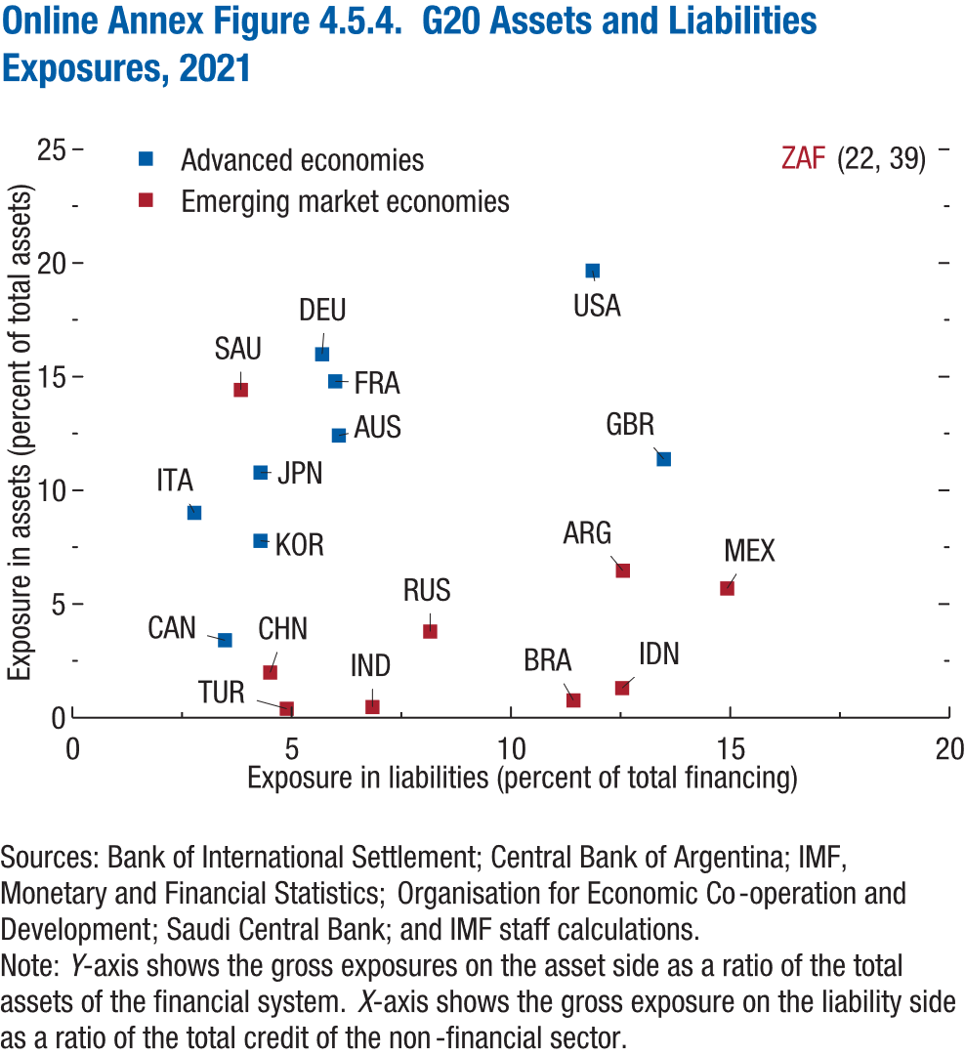
Online Annex Figure 4.5.4. G20 Assets and Liabilities Exposures, 2021

iso3code | Exposure in liabilities (percent of total financing) | Exposure in assets (percent of total assets)
BRA | 11.43 | 0.76
ARG | 12.55 | 6.46
AUS | 6.08 | 12.41
CAN | 3.48 | 3.41
CHN | 4.51 | 1.99
DEU | 5.69 | 15.99
FRA | 5.99 | 14.79
GBR | 13.49 | 11.37
IDN | 12.54 | 1.30
IND | 6.84 | 0.47
ITA | 2.78 | 9.01
JPN | 4.29 | 10.78
KOR | 4.29 | 7.78
MEX | 14.93 | 5.69
RUS | 8.16 | 3.79
SAU | 3.84 | 14.42
TUR | 4.89 | 0.39
USA | 11.86 | 19.66
ZAF | 21.94 | 38.57

