WEO Update July 2023
 |  |  | 2023-07-25

International Monetary Fund
World Economic Outlook
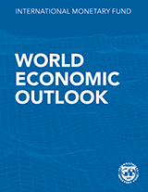

July 2023

World Economic Outlook Update

This datafile includes tables, charts, and underlying data from the July 2023 World Economic Outlook Update. When using the data, please refer to the
IMF, World Economic Outlook Update, July 2023.

 | Please submit any questions using | WEO Data Question Form

Figure 1
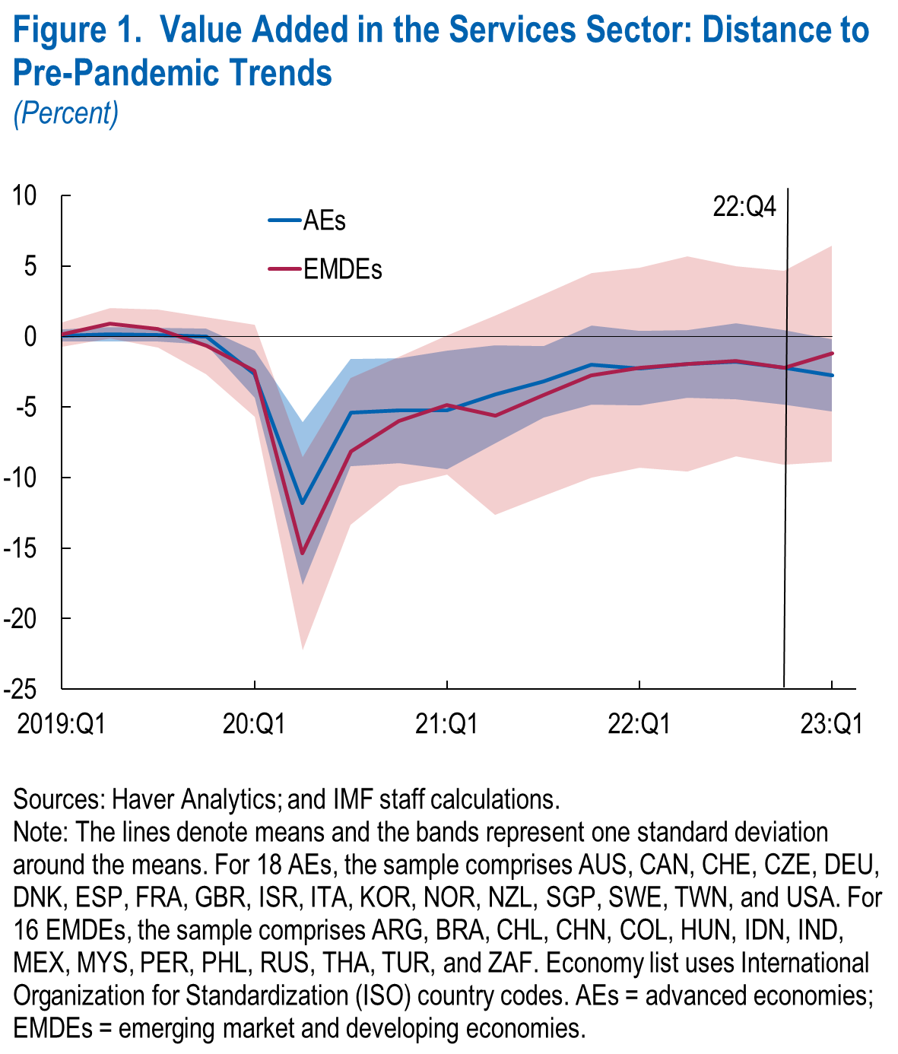
World Economic Outlook, July 2023 Update
 | Figure 1. Value Added in the Services Sector: Distance to Pre-Pandemic Trends
 | (Percent, year over year)

 |  | Advanced Economies |  |  | Emerging Market and Developing Economies
 |  | Means | Upper | Lower | Means | Upper | Lower
 | 2019:Q1 | 0.1 | 0.5 | -0.4 | 0.1 | 1.0 | -0.7
 | 2019:Q2 | 0.2 | 0.7 | -0.3 | 0.9 | 2.0 | -0.2
 | 2019:Q3 | 0.1 | 0.6 | -0.4 | 0.5 | 1.9 | -0.8
 | 2019:Q4 | 0.0 | 0.5 | -0.6 | -0.6 | 1.4 | -2.7
 | 2020:Q1 | -2.7 | -1.0 | -4.4 | -2.5 | 0.8 | -5.7
 | 2020:Q2 | -11.8 | -6.1 | -17.6 | -15.4 | -8.5 | -22.2
 | 2020:Q3 | -5.4 | -1.6 | -9.2 | -8.2 | -2.9 | -13.4
 | 2020:Q4 | -5.3 | -1.5 | -9.0 | -6.0 | -1.4 | -10.6
 | 2021:Q1 | -5.2 | -1.0 | -9.4 | -4.9 | 0.1 | -9.8
 | 2021:Q2 | -4.1 | -0.7 | -7.6 | -5.6 | 1.4 | -12.7
 | 2021:Q3 | -3.2 | -0.7 | -5.7 | -4.2 | 3.0 | -11.3
 | 2021:Q4 | -2.0 | 0.8 | -4.8 | -2.8 | 4.5 | -10.0
 | 2022:Q1 | -2.3 | 0.4 | -4.9 | -2.2 | 4.9 | -9.3
 | 2022:Q2 | -1.9 | 0.5 | -4.3 | -2.0 | 5.7 | -9.6
 | 2022:Q3 | -1.8 | 0.9 | -4.4 | -1.7 | 5.0 | -8.5
 | 2022:Q4 | -2.2 | 0.5 | -4.9 | -2.2 | 4.7 | -9.1
 | 2023:Q1 | -2.7 | -0.2 | -5.3 | -1.2 | 6.4 | -8.9

Figure1.1
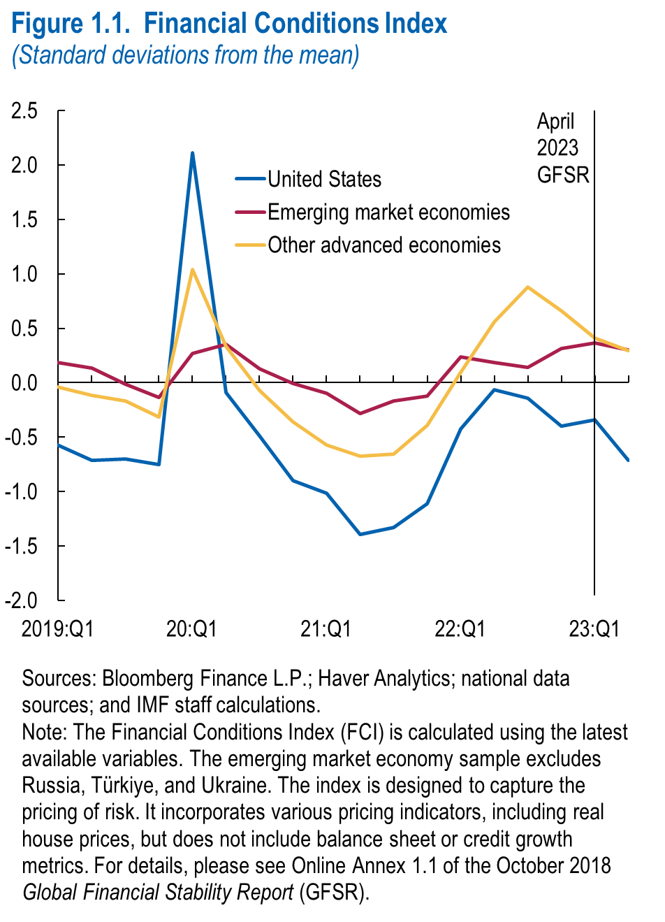
World Economic Outlook, July 2023 Update
 | Figure 1.1. Financial Conditions Index
 | (Standard deviations from mean)

 |  | United States | Emerging market economies | Other advanced economies
 | 2019:Q1 | -0.57 | 0.19 | -0.04
 | 2019:Q2 | -0.71 | 0.13 | -0.12
 | 2019:Q3 | -0.70 | -0.01 | -0.16
 | 2019:Q4 | -0.75 | -0.13 | -0.32
 | 2020:Q1 | 2.11 | 0.27 | 1.04
 | 2020:Q2 | -0.09 | 0.35 | 0.34
 | 2020:Q3 | -0.49 | 0.13 | -0.07
 | 2020:Q4 | -0.90 | -0.01 | -0.36
 | 2021:Q1 | -1.02 | -0.09 | -0.57
 | 2021:Q2 | -1.39 | -0.28 | -0.67
 | 2021:Q3 | -1.33 | -0.17 | -0.65
 | 2021:Q4 | -1.11 | -0.12 | -0.39
 | 2022:Q1 | -0.43 | 0.23 | 0.09
 | 2022:Q2 | -0.07 | 0.18 | 0.56
 | 2022:Q3 | -0.14 | 0.14 | 0.88
 | 2022:Q4 | -0.40 | 0.32 | 0.66
 | 2023:Q1 | -0.34 | 0.36 | 0.41
 | 2023:Q2 | -0.71 | 0.30 | 0.30

Figure1.2
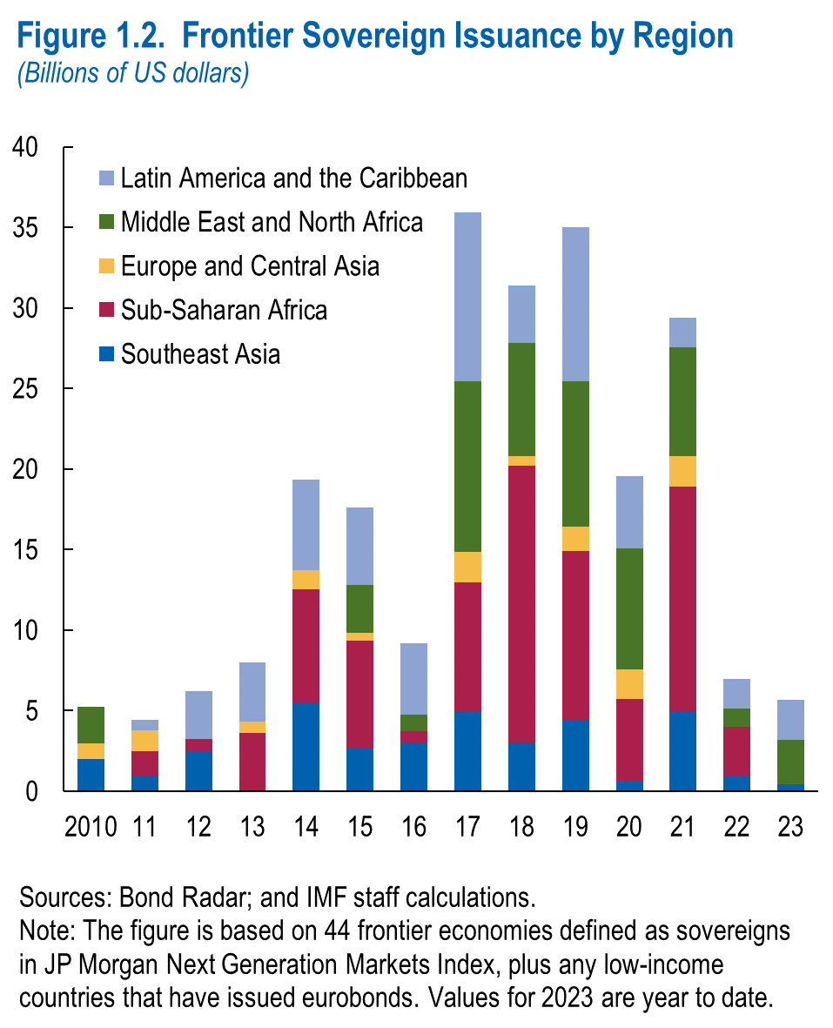
World Economic Outlook, July 2023 Update
 | Figure 1.2. Frontier Soveriegn Issuance by Region
 | (Billions of US dollars)

 | Not available

