Figure 3.1
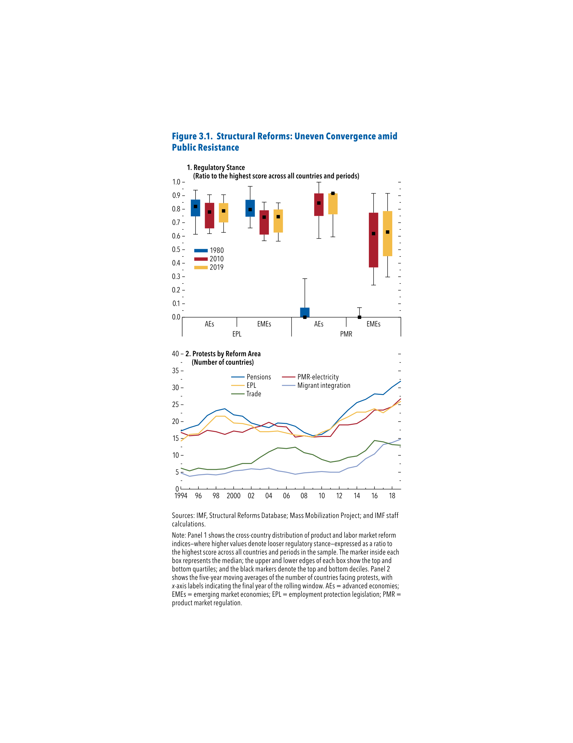
Figure 3.1. Structural Reforms: Uneven Convergence amid Public Resistance

1. Regulatory Stance |  |  |  |  |  |  | 2. Protests by Reform ara
 |  | Year | q1 | median | q3 | iqr | Year | Pensions | PMR-Electricity | EPL | Migrant Integration | Trade
 |  | 1980 | 0.75 | 0.82 | 0.87 | 0.12 | 1994 | 17.20 | 16.80 | 14.20 | 4.80 | 6.20
EPL | AEs | 2010 | 0.66 | 0.78 | 0.85 | 0.19 | 1995 | 18.20 | 15.80 | 16.20 | 3.80 | 5.40
 |  | 2019 | 0.70 | 0.79 | 0.85 | 0.14 | 1996 | 19.00 | 16.00 | 16.40 | 4.20 | 6.20
 |  |  |  |  |  |  | 1997 | 21.80 | 17.40 | 19.00 | 4.40 | 5.80
 |  | 1980 | 0.74 | 0.80 | 0.87 | 0.13 | 1998 | 23.20 | 17.00 | 21.60 | 4.20 | 5.80
 | EMEs | 2010 | 0.61 | 0.74 | 0.79 | 0.18 | 1999 | 23.80 | 16.20 | 21.60 | 4.60 | 6.00
 |  | 2019 | 0.63 | 0.74 | 0.80 | 0.17 | 2000 | 22.00 | 17.20 | 19.60 | 5.40 | 6.80
 |  |  |  |  |  |  | 2001 | 21.60 | 16.80 | 19.40 | 5.60 | 7.60
 |  | 1980 | 0.00 | 0.00 | 0.07 | 0.07 | 2002 | 19.60 | 18.00 | 18.80 | 6.00 | 7.60
PMR | AEs | 2010 | 0.75 | 0.85 | 0.92 | 0.17 | 2003 | 18.80 | 18.60 | 17.00 | 5.80 | 9.40
 |  | 2019 | 0.76 | 0.92 | 0.92 | 0.16 | 2004 | 18.20 | 19.80 | 17.00 | 6.20 | 11.00
 |  |  |  |  |  |  | 2005 | 19.60 | 18.60 | 17.20 | 5.40 | 12.20
 |  | 1980 | 0.00 | 0.00 | 0.00 | 0.00 | 2006 | 19.40 | 18.40 | 16.60 | 5.00 | 12.00
 | EMEs | 2010 | 0.37 | 0.62 | 0.77 | 0.41 | 2007 | 18.60 | 15.40 | 16.00 | 4.40 | 12.40
 |  | 2019 | 0.45 | 0.63 | 0.79 | 0.33 | 2008 | 16.80 | 15.80 | 15.80 | 4.80 | 10.80
 |  |  |  |  |  |  | 2009 | 15.80 | 15.40 | 15.40 | 5.00 | 10.20
 |  |  |  |  |  |  | 2010 | 16.20 | 15.60 | 16.80 | 5.20 | 8.80
 |  |  |  |  |  |  | 2011 | 17.80 | 15.60 | 17.80 | 5.00 | 8.00
 |  |  |  |  |  |  | 2012 | 20.80 | 19.00 | 20.20 | 5.00 | 8.40
 |  |  |  |  |  |  | 2013 | 23.40 | 19.00 | 21.40 | 6.20 | 9.40
 |  |  |  |  |  |  | 2014 | 25.60 | 19.40 | 22.80 | 6.80 | 9.80
 |  |  |  |  |  |  | 2015 | 26.60 | 21.00 | 22.80 | 9.00 | 11.40
 |  |  |  |  |  |  | 2016 | 28.20 | 23.40 | 23.80 | 10.40 | 14.40
 |  |  |  |  |  |  | 2017 | 28.00 | 23.40 | 22.60 | 13.20 | 14.00
 |  |  |  |  |  |  | 2018 | 30.20 | 24.40 | 24.40 | 13.80 | 13.20
 |  |  |  |  |  |  | 2019 | 32.00 | 26.80 | 26.00 | 14.80 | 13.00

Figure 3.2
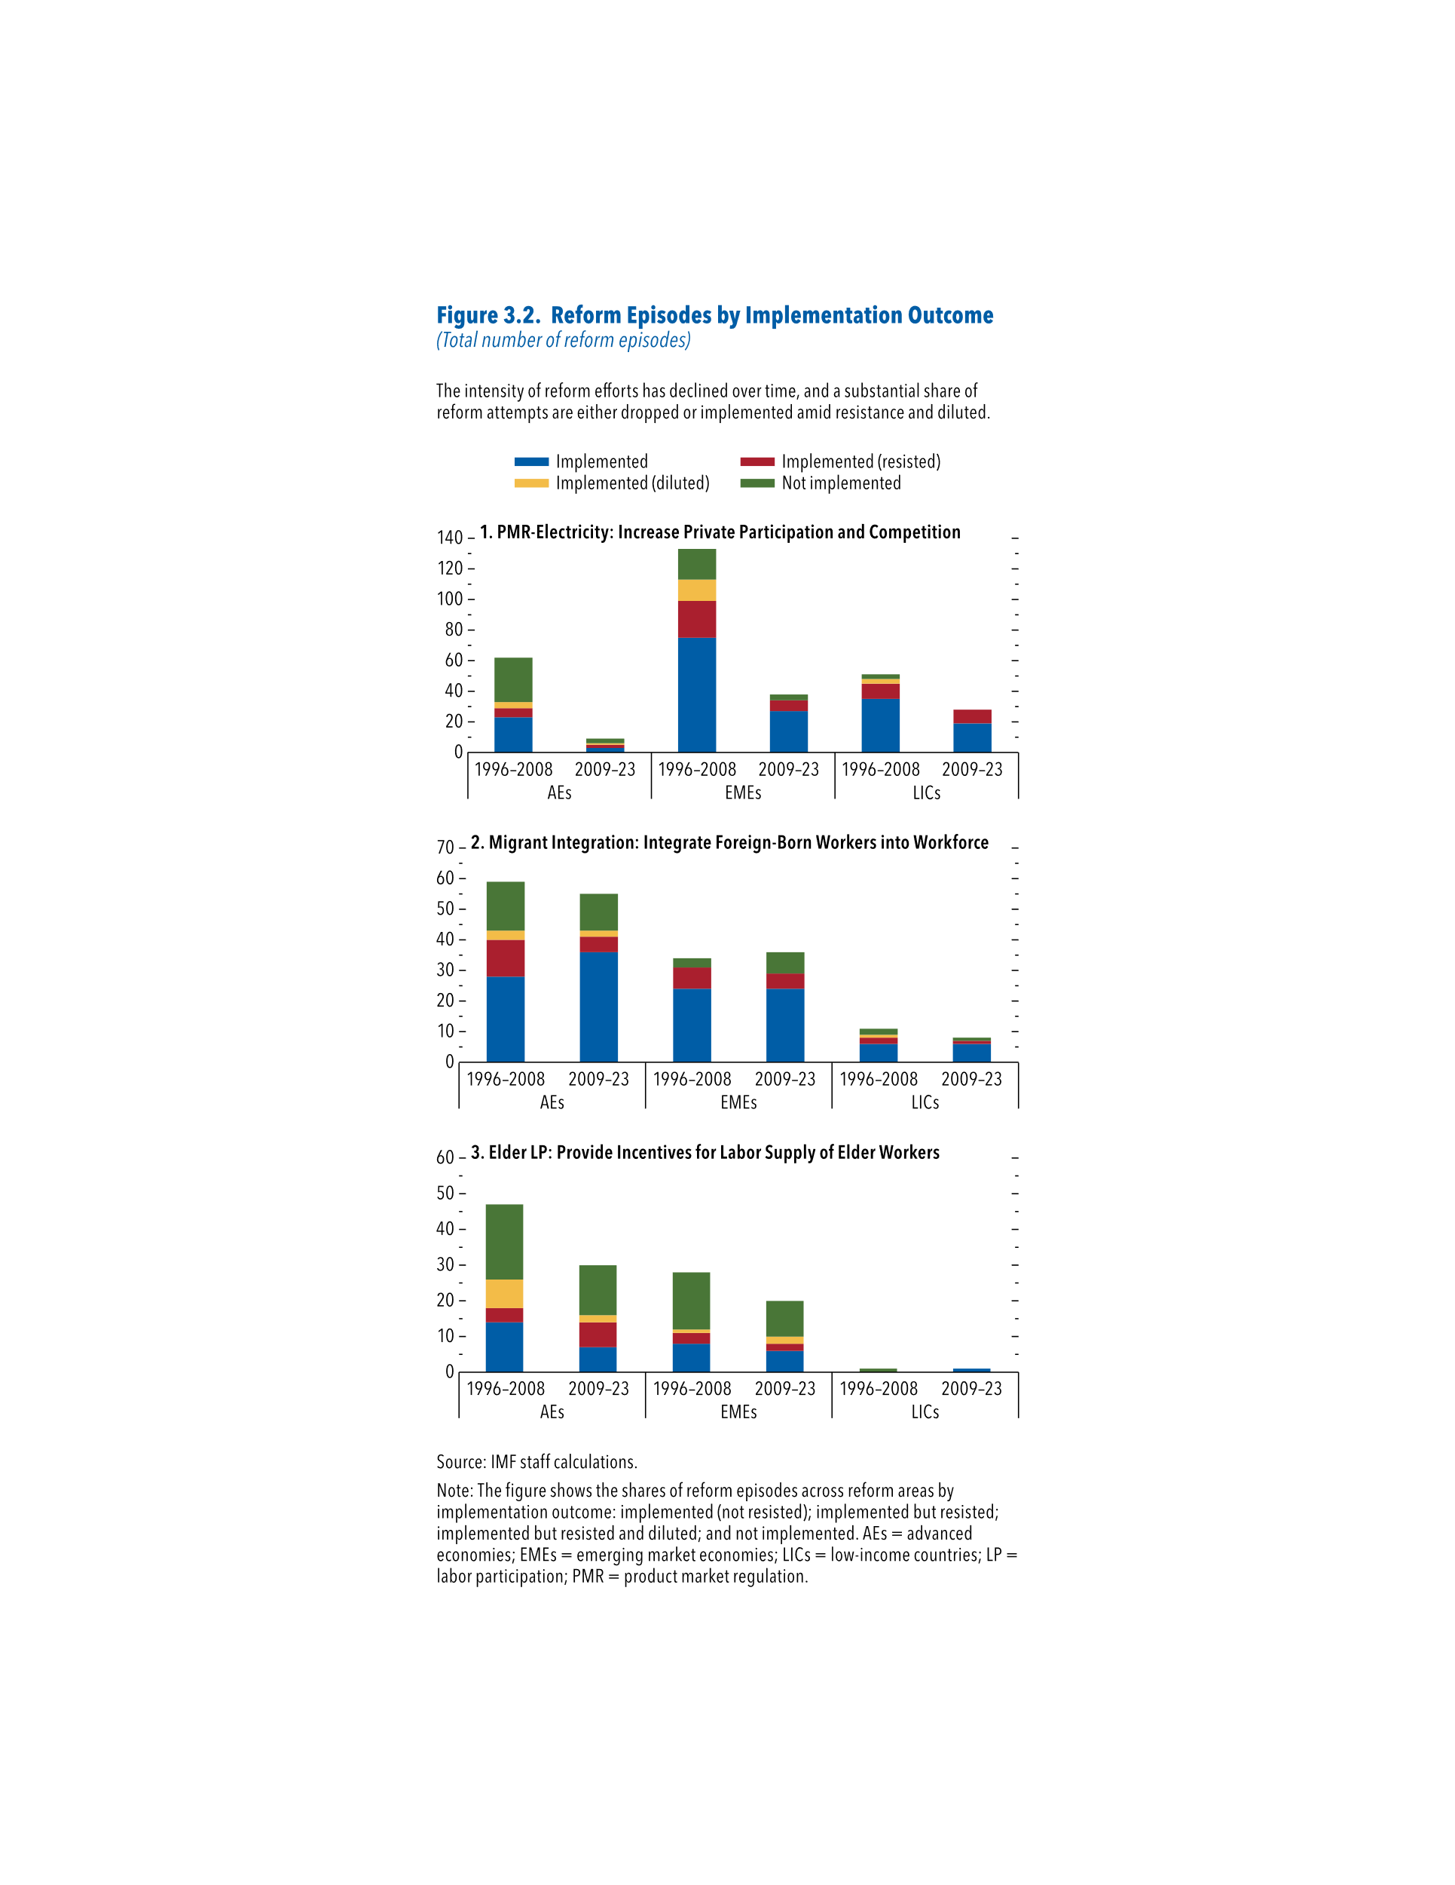
Figure 3.2. Reform Episodes by Implementation Outcome
(Total number of reform episodes)

1. PMR-Electricity: Increase Private Participation and Competition |  |  |  |  |  | 2. Migrant Integration: Integrate Foreign Born Workers into Workforce |  |  |  |  |  | 3. Elder LP: Provide Incentives for Labor Supply of Elder Workers
 | period | Implemented | Implemented (resisted) | Implemented (diluted) | Not implemented |  | period | Implemented | Implemented (resisted) | Implemented (diluted) | Not implemented |  | period | Implemented | Implemented (resisted) | Implemented (diluted) | Not implemented
AE | 1996–2008 | 23 | 6 | 4 | 29 | AE | 1996–2008 | 28 | 12 | 3 | 16 | AE | 1996–2008 | 14 | 4 | 8 | 21
 | 2009–23 | 3 | 2 | 1 | 3 |  | 2009–23 | 36 | 5 | 2 | 12 |  | 2009–23 | 7 | 7 | 2 | 14
EM | 1996–2008 | 75 | 24 | 14 | 20 | EM | 1996–2008 | 24 | 7 | 0 | 3 | EM | 1996–2008 | 8 | 3 | 1 | 16
 | 2009–23 | 27 | 7 | 0 | 4 |  | 2009–23 | 24 | 5 | 0 | 7 |  | 2009–23 | 6 | 2 | 2 | 10
LIC | 1996–2008 | 35 | 10 | 3 | 3 | LIC | 1996–2008 | 6 | 2 | 1 | 2 | LIC | 1996–2008 | 0 | 0 | 0 | 1
 | 2009–23 | 19 | 9 | 0 | 0 |  | 2009–23 | 6 | 1 | 0 | 1 |  | 2009–23 | 1 | 0 | 0 | 0

Figure 3.4
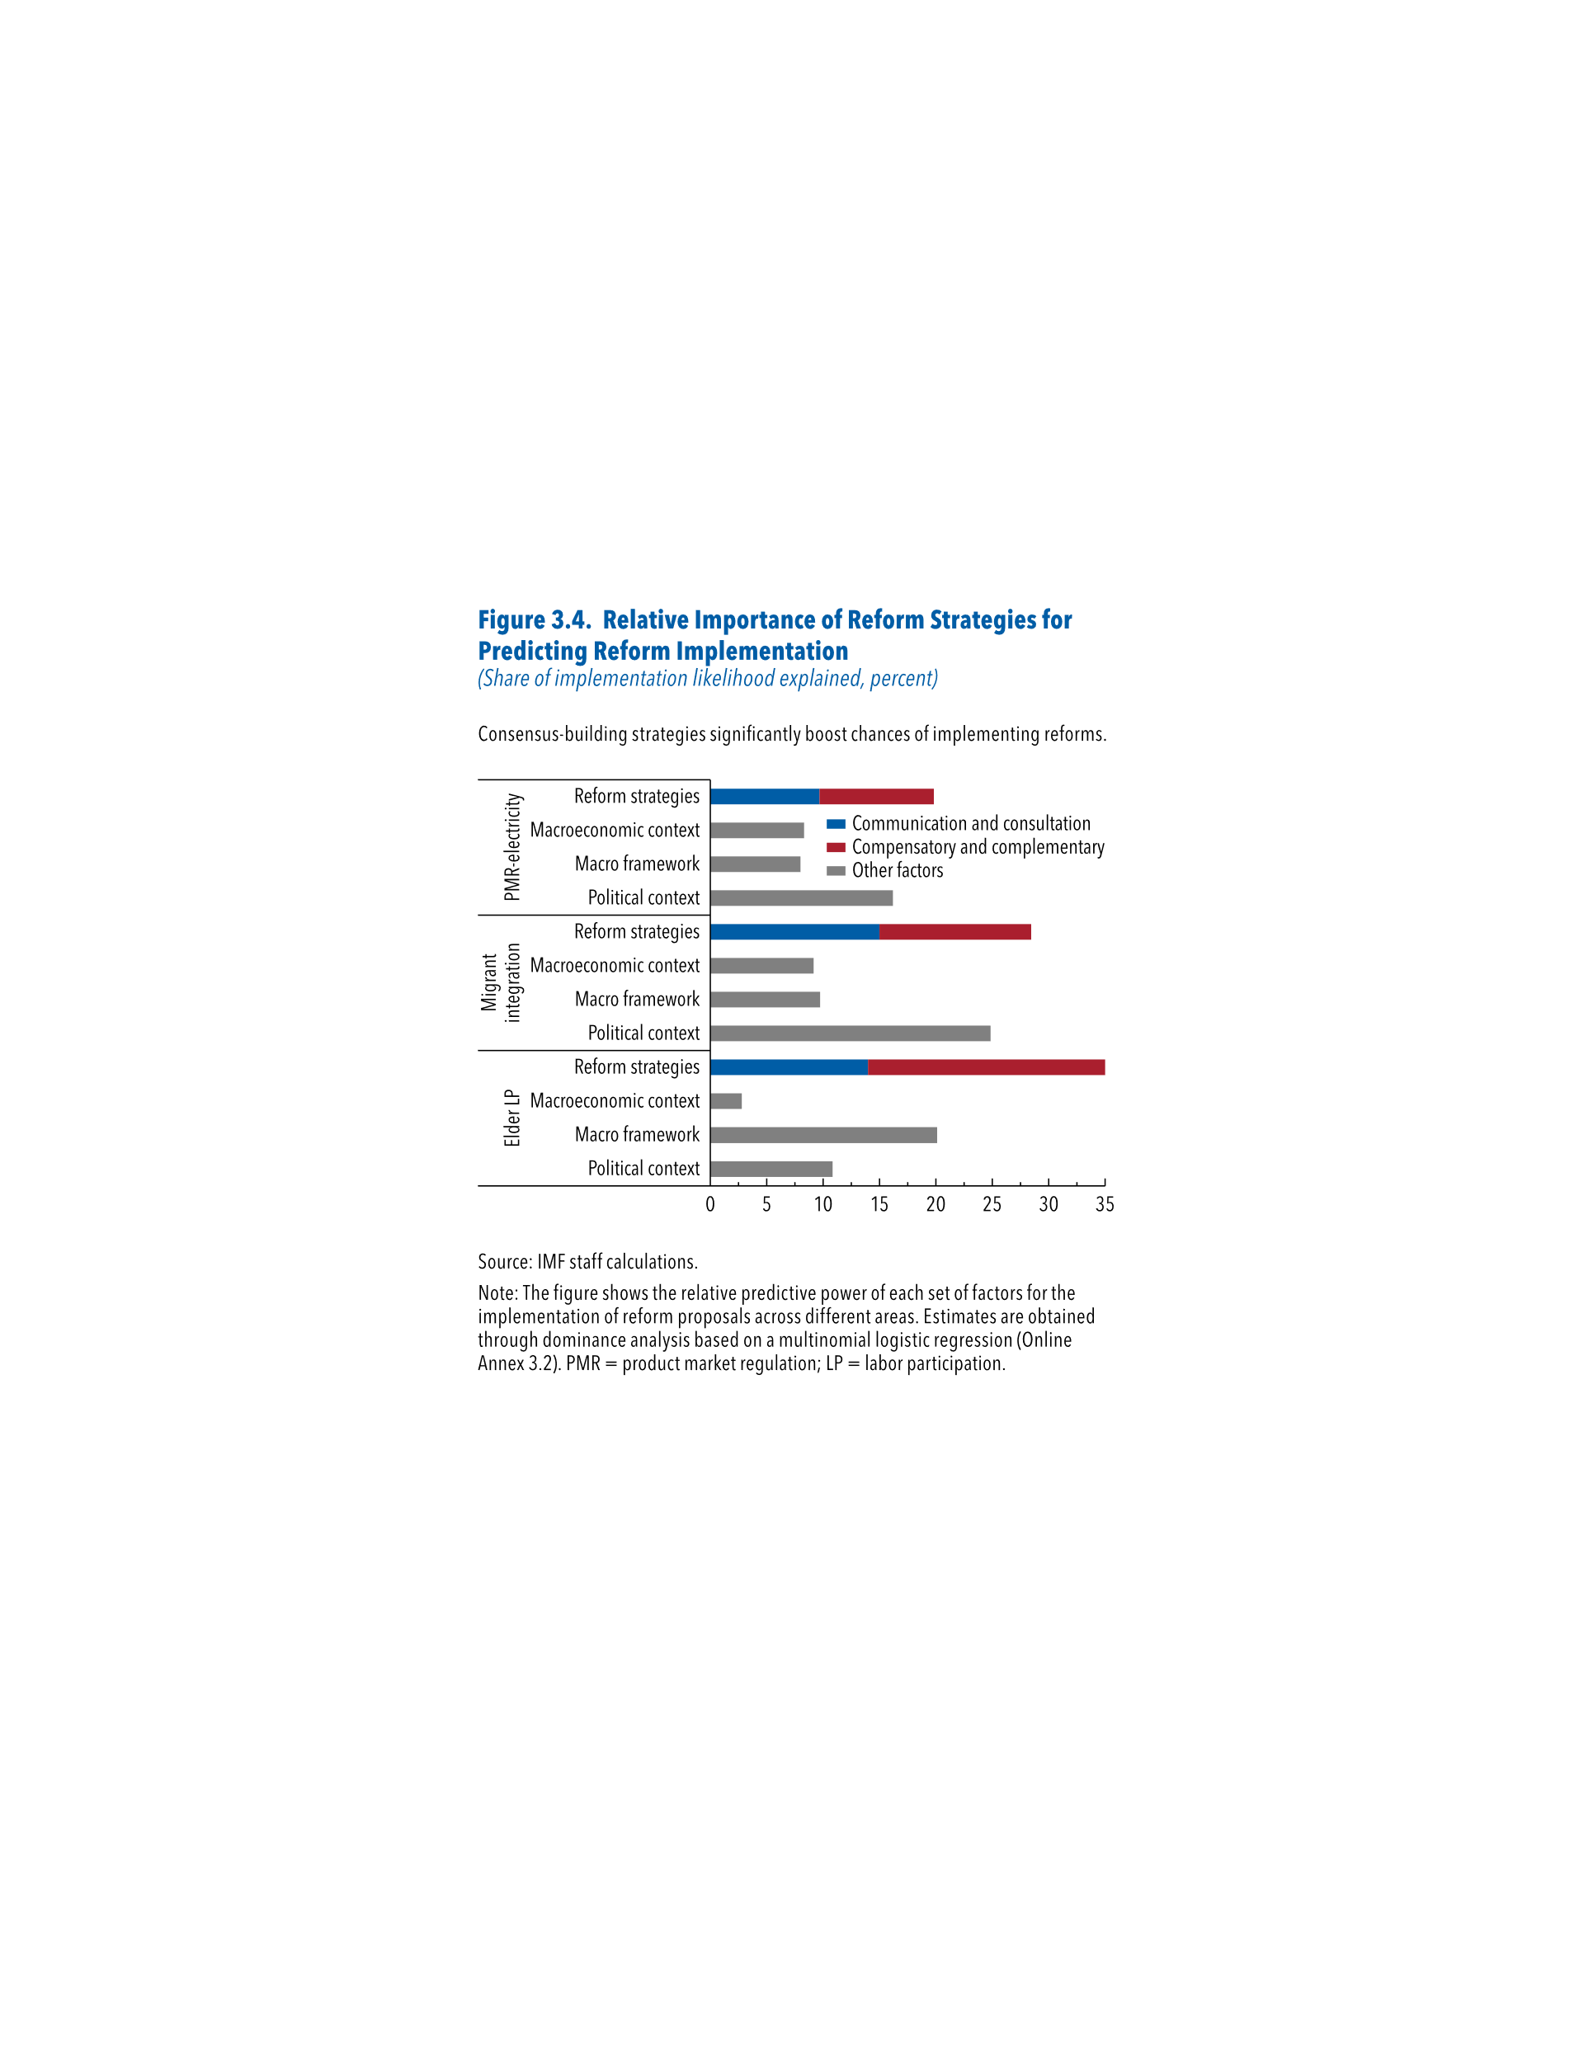
Figure 3.4. Reform Trends, by Area
(Scale, 0–1; higher score indicates greater liberalization)

 |  | Communication and consultation | Compensatory and complementary | Other factors
PMR- Electricity | Reform strategies | 9.68 | 10.15
 | Macroeconomic context |  |  | 8.31
 | Macro framework |  |  | 7.98
 | Political context |  |  | 16.18
Migrant Integration | Reform strategies | 14.99 | 13.47
 | Macroeconomic context |  |  | 9.16
 | Macro framework |  |  | 9.73
 | Political context |  |  | 24.84
Elder LP | Reform strategies | 13.99 | 21.49
 | Macroeconomic context |  |  | 2.79
 | Macro framework |  |  | 20.11
 | Political context |  |  | 10.85

Figure 3.5
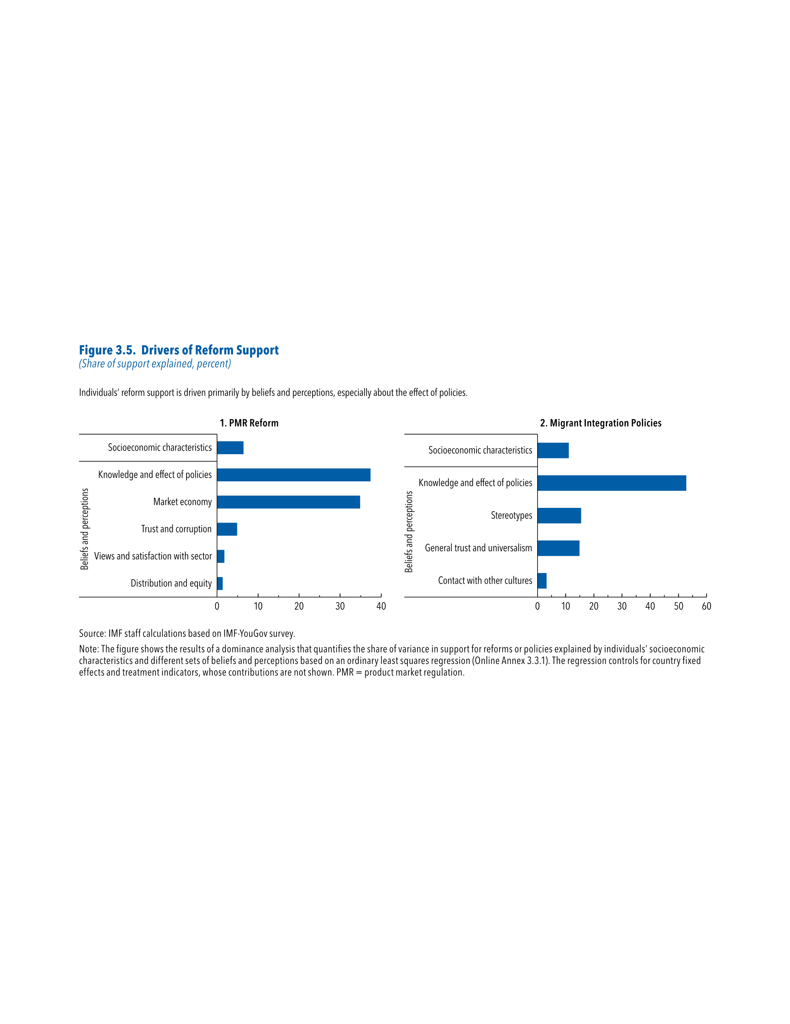
Figure 3.5. Drivers of Reform Support
(Share of support explained, percent)

1. PMR Reform |  | 2. Migrant Integration

Socioeconomic characteristics | 6.46 | Socioeconomic characteristics | 11.11
Knowledge and effect of policies | 37.38 | Knowledge and effect of policies | 52.8
Market economy | 34.88 | Stereotypes | 15.5
Country fixed effects | 10.03 | General trust and universalism | 14.89
Trust and corruption | 4.88 | Contact with other cultures | 3.21
Views and satisfaction with sector | 1.79
Distribution and equity | 1.40

Figure 3.6
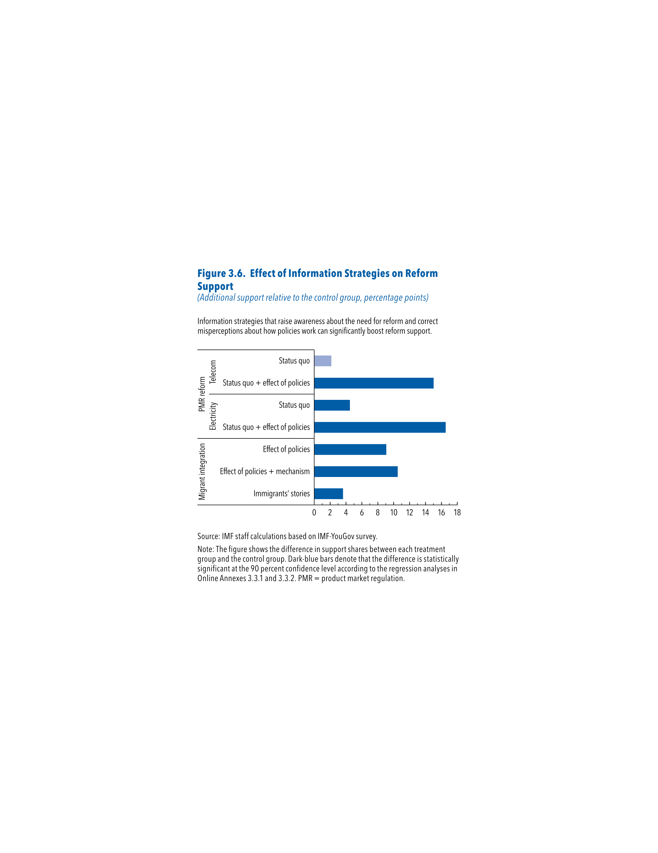
Figure 3.6. Effect of Information Strategies on Reform Support
(Additional support relative to the control group, percentage points)

PMR Reform | Telecom | Staus quo | 2.15
 |  | Status quo + effect of policies | 15.03
 | Electricity | Status quo | 4.49
 |  | Status quo + effect of policies | 16.53
Migrant Integration |  | Effect of policies | 9.07
 |  | Effect of policies + mechanism | 10.51
 |  | Immigrants’ stories | 3.62

Figure 3.7
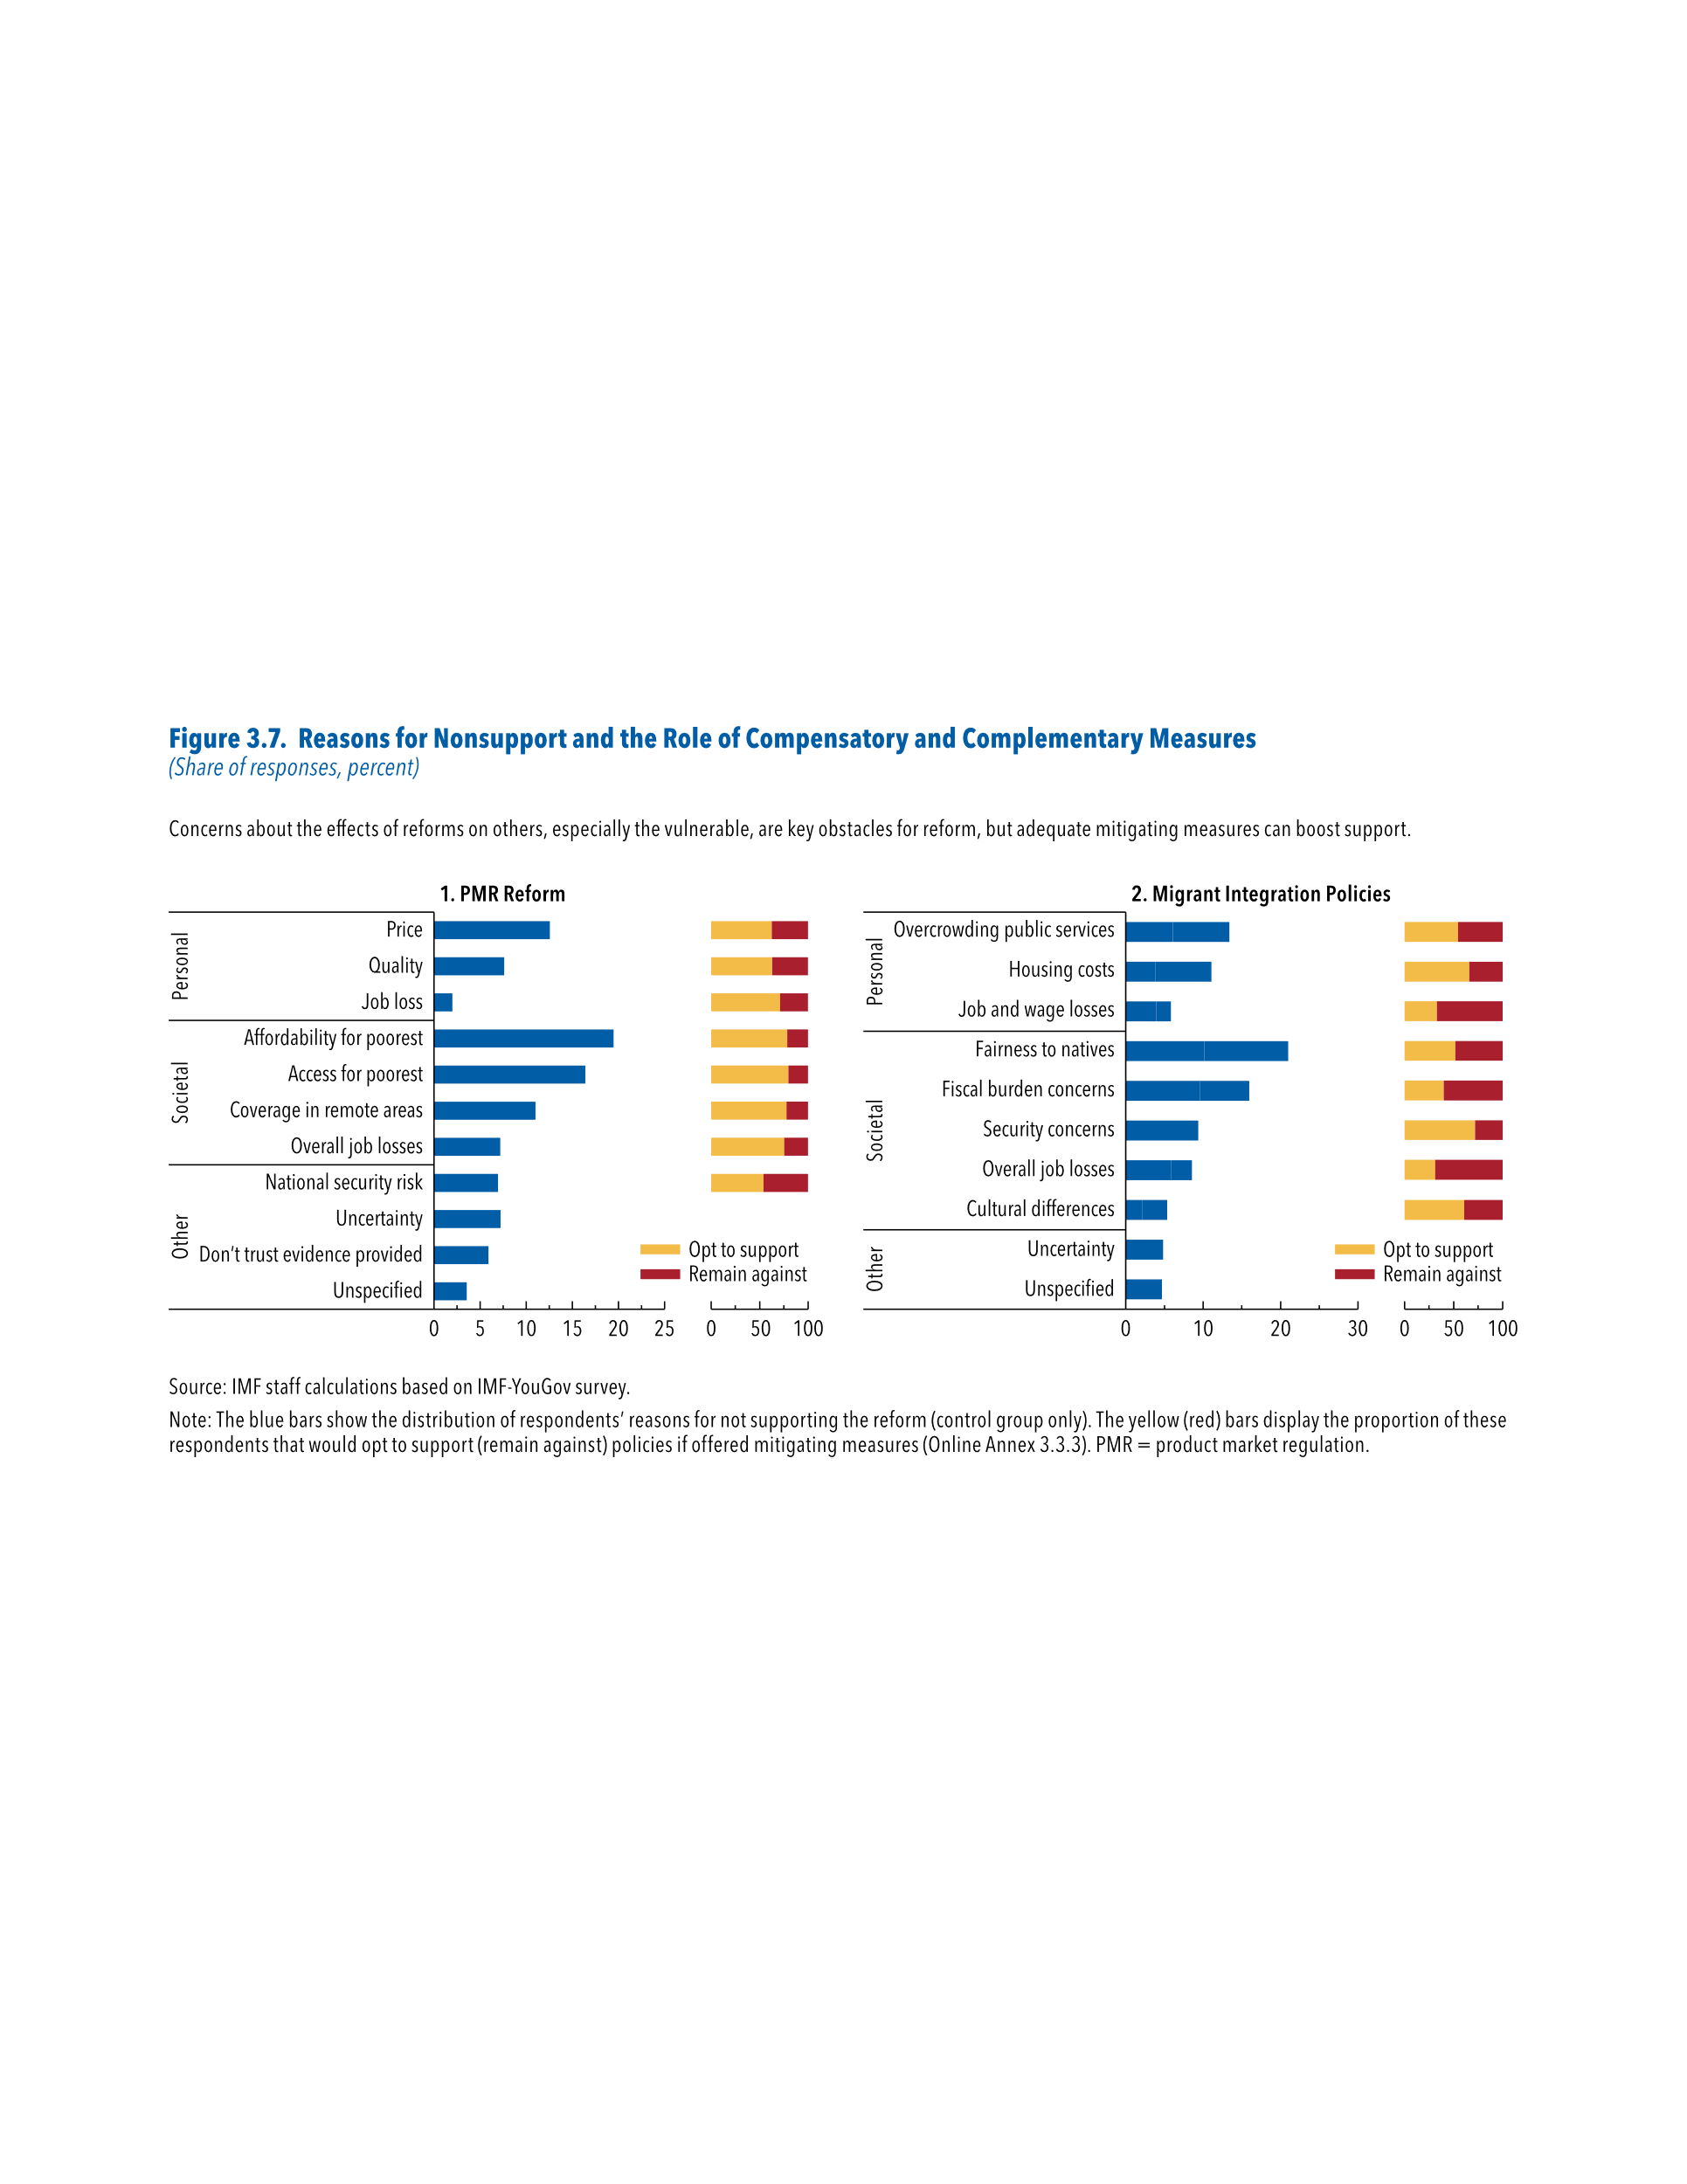
Figure 3.7. Reasons for Nonsupport and the Role of Compensatory and Complementary Measures
(Share of responses, percent)

1. PMR Reform |  |  |  |  | 2. Migrant Integration

 |  | Will support policy if additional measures are taken | Opt to support | Remain against |  |  | Will support policy if additional measures are taken | Opt to support | Remain against
Personal | Affordabilty for poorest | 19.47 | 78.37 | 21.63 | Personal | Overcrowding public services | 7.27 | 54.41 | 45.59
 | Job loss | 2.01 | 71.21 | 28.79 |  | Housing costs | 7.27 | 65.78 | 34.22
 | Quality | 7.63 | 62.80 | 37.20 |  | Job and wage losses | 1.92 | 32.77 | 67.23
 | Price | 12.57 | 62.62 | 37.38 | Societal | Fairness to natives | 10.86 | 51.76 | 48.24
Societal | Overall job losses | 7.20 | 75.42 | 24.58 |  | Fiscal burden concerns | 6.39 | 40.00 | 60.00
 | Coverage in remote areas | 11.02 | 77.56 | 22.44 |  | Security concerns | 6.73 | 71.73 | 28.27
 | Access for poorest | 16.42 | 79.55 | 20.45 |  | Overall job losses | 2.65 | 31.03 | 68.97
Other | Unspecified | 3.57 |  |  |  | Culture differences | 3.24 | 60.55 | 39.45
 | Don’t trust evidence provided | 5.92 |  |  | Other | Uncertainty | 4.82
 | Uncertainty | 7.23 |  |  |  | Unspecified | 4.67
 | National security risk | 6.96 | 53.95 | 46.05

Annex Figure 3.2.1
Online Annex Figure 3.2.1. Reform Resistance and Likelihood of Reversals
(Percent of reform epidsodes)
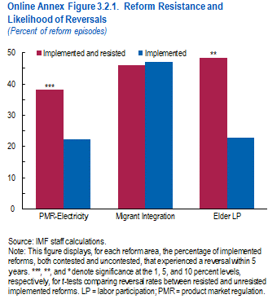

Reform Area | Implemented and resisted | Implemented
PMR-Electricity | 38.27 | 22.40
Migrant Integration | 45.95 | 47.11
Elder LP | 48.28 | 22.86

Annex Figure 3.2.2
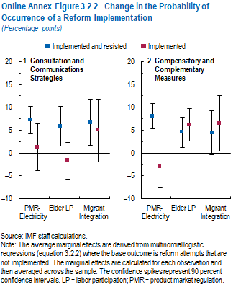
Online Annex Figure 3.2.2. Change in the Probability of Occurrence of a Reform Implementation
(Percentage points)

1. Consultation and Communications Strategies |  |  |  |  | 2. Compensatory and Complementary Measures

Reform Area |  |  | Positive Error | Negative Error |  |  | Mean | Positive Error | Negative Error
PMR- Electricity |  |  |  |  | PMR- Electricity
 | Implemented (resisted/diluted) | 7.20 | 3.04 | 3.04 |  | Implemented (resisted/diluted) | 8.09 | 2.71 | 2.71
 | Implemented | 1.26 | 5.14 | 5.14 |  | Implemented | -3.01 | 4.59 | 4.59

Elder LP |  |  |  |  | Elder LP
 | Implemented (resisted/diluted) | 5.85 | 4.35 | 4.35 |  | Implemented (resisted/diluted) | 4.56 | 3.31 | 3.31
 | Implemented | -1.70 | 4.02 | 4.02 |  | Implemented | 6.13 | 3.52 | 3.52

Migrant Integration |  |  |  |  | Migrant Integration
 | Implemented (resisted/diluted) | 6.71 | 5.06 | 5.06 |  | Implemented (resisted/diluted) | 4.45 | 4.81 | 4.81
 | Implemented | 4.92 | 6.81 | 6.81 |  | Implemented | 6.48 | 6.13 | 6.13

Annex Figure 3.3.1
Online Annex Figure 3.3.1. Stereotypes
(Share of respondents, percent)
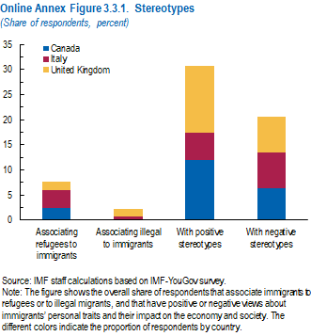

 | Associating refugees to immigrants | Associating illegal to immigrants | With positive stereotypes | With negative stereotypes
United Kingdom | 1.78 | 1.38 | 13.29 | 7.24
Canada | 2.41 | 0.06 | 12.02 | 6.30
Italy | 3.49 | 0.71 | 5.37 | 7.10

Annex Figure 3.3.2
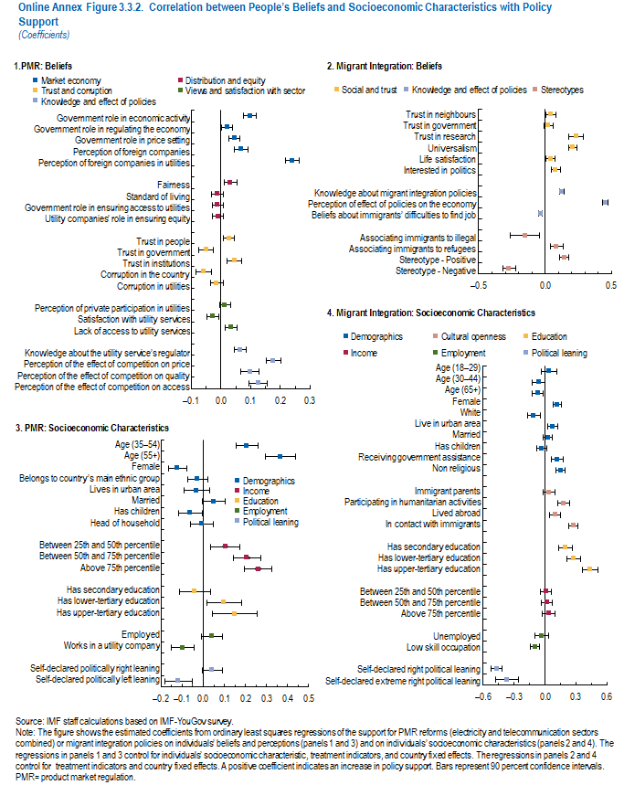
Online Annex Figure 3.3.2. Correlation between People’s Beliefs and Socioeconomic Characteristics with Policy Support
(Coefficients)

1. PMR: Beliefs |  |  |  |  | 2. Migrant Integration: Beliefs |  |  |  |  | 3. PMR: Socioeconomic Characteristics |  |  |  |  | 4. Migrant Integration: Socioeconomic Characteristics
 |  | Estimated coefficient | Positive error | Negative error |  |  | Estimated coefficient | Positive error | Negative error |  |  | Estimated coefficient | Positive error | Negative error |  |  | Estimated coefficient | Positive error | Negative error
Market economy | Government role in economic activity | 0.10 | 0.02 | 0.02 | Social & Trust | Trust in neighbours | 0.04 | 0.04 | 0.04 | Demographics | Age (35-54) | 0.21 | 0.05 | 0.05 | Demographics | Age (18-29) | 0.04 | 0.08 | 0.08
 | Government role in regulating the economy | 0.02 | 0.02 | 0.02 |  | Trust in government | 0.02 | 0.04 | 0.04 |  | Age (55+) | 0.37 | 0.07 | 0.07 |  | Age (30-44) | -0.06 | 0.06 | 0.06
 | Government role in price setting | 0.05 | 0.02 | 0.02 |  | Trust in research | 0.24 | 0.05 | 0.05 |  | Female | -0.12 | 0.05 | 0.05 |  | Age (65 and above) | -0.07 | 0.06 | 0.06
 | Perception of foreign companies | 0.07 | 0.02 | 0.02 |  | Universalism | 0.21 | 0.03 | 0.03 |  | Belongs to country's main ethnic group | -0.03 | 0.05 | 0.05 |  | Female | 0.12 | 0.04 | 0.04
 | Perception of foreign companies in utilities | 0.24 | 0.02 | 0.02 |  | Life satisfaction | 0.04 | 0.04 | 0.04 |  | Lives in urban area | -0.03 | 0.06 | 0.06 |  | White | -0.11 | 0.06 | 0.06
 |  |  |  |  |  | Interested in politics | 0.08 | 0.04 | 0.04 |  | Married | 0.05 | 0.05 | 0.05 |  | Lives in urban area | 0.08 | 0.05 | 0.05
Distribution and equity | Fairness | 0.03 | 0.02 | 0.02 |  |  |  |  |  |  | Has children | -0.06 | 0.06 | 0.06 |  | Married | 0.03 | 0.04 | 0.04
 | Standard of living | -0.01 | 0.02 | 0.02 | Knowledge and effect of policies | Knowledge about migrant-integration policies | 0.13 | 0.02 | 0.02 |  | Head of household | -0.01 | 0.05 | 0.05 |  | Have children | -0.03 | 0.05 | 0.05
 | Government role in ensuring access to utilities | -0.01 | 0.02 | 0.02 |  | Perception of effect of policies on the economy and crime | 0.45 | 0.02 | 0.02 |  |  |  |  |  |  | Receiving government assistance | 0.12 | 0.06 | 0.06
 | Utility companies' role in ensuring equity | -0.01 | 0.02 | 0.02 |  | Beliefs about Immigrants' difficulties to find job | -0.03 | 0.01 | 0.01 | Income | Between 25th and 50th percentile | 0.10 | 0.07 | 0.07 |  | Non religious | 0.15 | 0.04 | 0.04
 |  |  |  |  |  |  |  |  |  |  | Between 50th and 75th percentile | 0.21 | 0.06 | 0.06
Trust and corruption | Trust in people | 0.03 | 0.02 | 0.02 | Stereotypes | Associating immigrants to illigal | -0.15 | 0.11 | 0.11 |  | Above 75th percentile | 0.26 | 0.06 | 0.06 | Cultural openness | Immigrant parents | 0.04 | 0.05 | 0.05
 | Trust in government | -0.05 | 0.03 | 0.03 |  | Associating immigrants to refugees | 0.09 | 0.05 | 0.05 |  |  |  |  |  |  | Participating in humanitarian activities | 0.18 | 0.06 | 0.06
 | Trust in institutions | 0.05 | 0.02 | 0.02 |  | Stereotype - Positive | 0.14 | 0.03 | 0.03 | Education | Has secondary education | -0.04 | 0.07 | 0.07 |  | Lived abroad | 0.10 | 0.05 | 0.05
 | Corruption in the country | -0.06 | 0.03 | 0.03 |  | Stereotype - Negative | -0.27 | 0.05 | 0.05 |  | Has lower-tertiary education | 0.10 | 0.08 | 0.08 |  | In contact with immigrants | 0.28 | 0.04 | 0.04
 | Corruption in utilities | -0.01 | 0.02 | 0.02 |  |  |  |  |  |  | Has upper-tertiary education | 0.15 | 0.11 | 0.11
 |  |  |  |  | Politics | Self-declared extreme right political orientation | -0.12 | 0.05 | 0.05 |  |  |  |  |  | Education | Has secondary education | 0.20 | 0.07 | 0.07
Views and satisfaction with sector | Perception of private participation in utilities | 0.01 | 0.02 | 0.02 |  | Self-declared right political orientation | -0.19 | 0.08 | 0.08 | Employment Status | Is employed | 0.04 | 0.05 | 0.05 |  | Has lower-tertiary education | 0.28 | 0.07 | 0.07
 | Satisfaction with utility services | -0.03 | 0.02 | 0.02 |  |  |  |  |  |  | Works in a utility company | -0.10 | 0.05 | 0.05 |  | Has upper-tertiary education | 0.44 | 0.08 | 0.08
 | Lack of access to utility services | 0.03 | 0.02 | 0.02
 |  |  |  |  |  |  |  |  |  | Economic Leaning | Self-declared politically right leaning | 0.04 | 0.05 | 0.05 | Income | Between 25th and 50th percentile | 0.01 | 0.05 | 0.05
Knowledge and effect of policies | Knowledge about the utility service's regulator | 0.07 | 0.02 | 0.02 |  |  |  |  |  |  | Self-declared politically left leaning | -0.12 | 0.06 | 0.06 |  | Between 50th and 75th percentile | 0.02 | 0.05 | 0.05
 | Perception of the effect of competition on price | 0.18 | 0.03 | 0.03 |  |  |  |  |  |  |  |  |  |  |  | Above 75th percentile | 0.03 | 0.06 | 0.06
 | Perception of the effect of competition on quality | 0.10 | 0.03 | 0.03
 | Perception of the effect of competition on access | 0.13 | 0.03 | 0.03 |  |  |  |  |  |  |  |  |  |  | Employment | Unemployed | -0.03 | 0.06 | 0.06
 |  |  |  |  |  |  |  |  |  |  |  |  |  |  |  | Low skill occupation | -0.10 | 0.05 | 0.05

 |  |  |  |  |  |  |  |  |  |  |  |  |  |  | Political Leaning | Self-declared right political orientation | -0.47 | 0.06 | 0.06
 |  |  |  |  |  |  |  |  |  |  |  |  |  |  |  | Self-declared extreme right political orientation | -0.37 | 0.11 | 0.11

