Figure 1
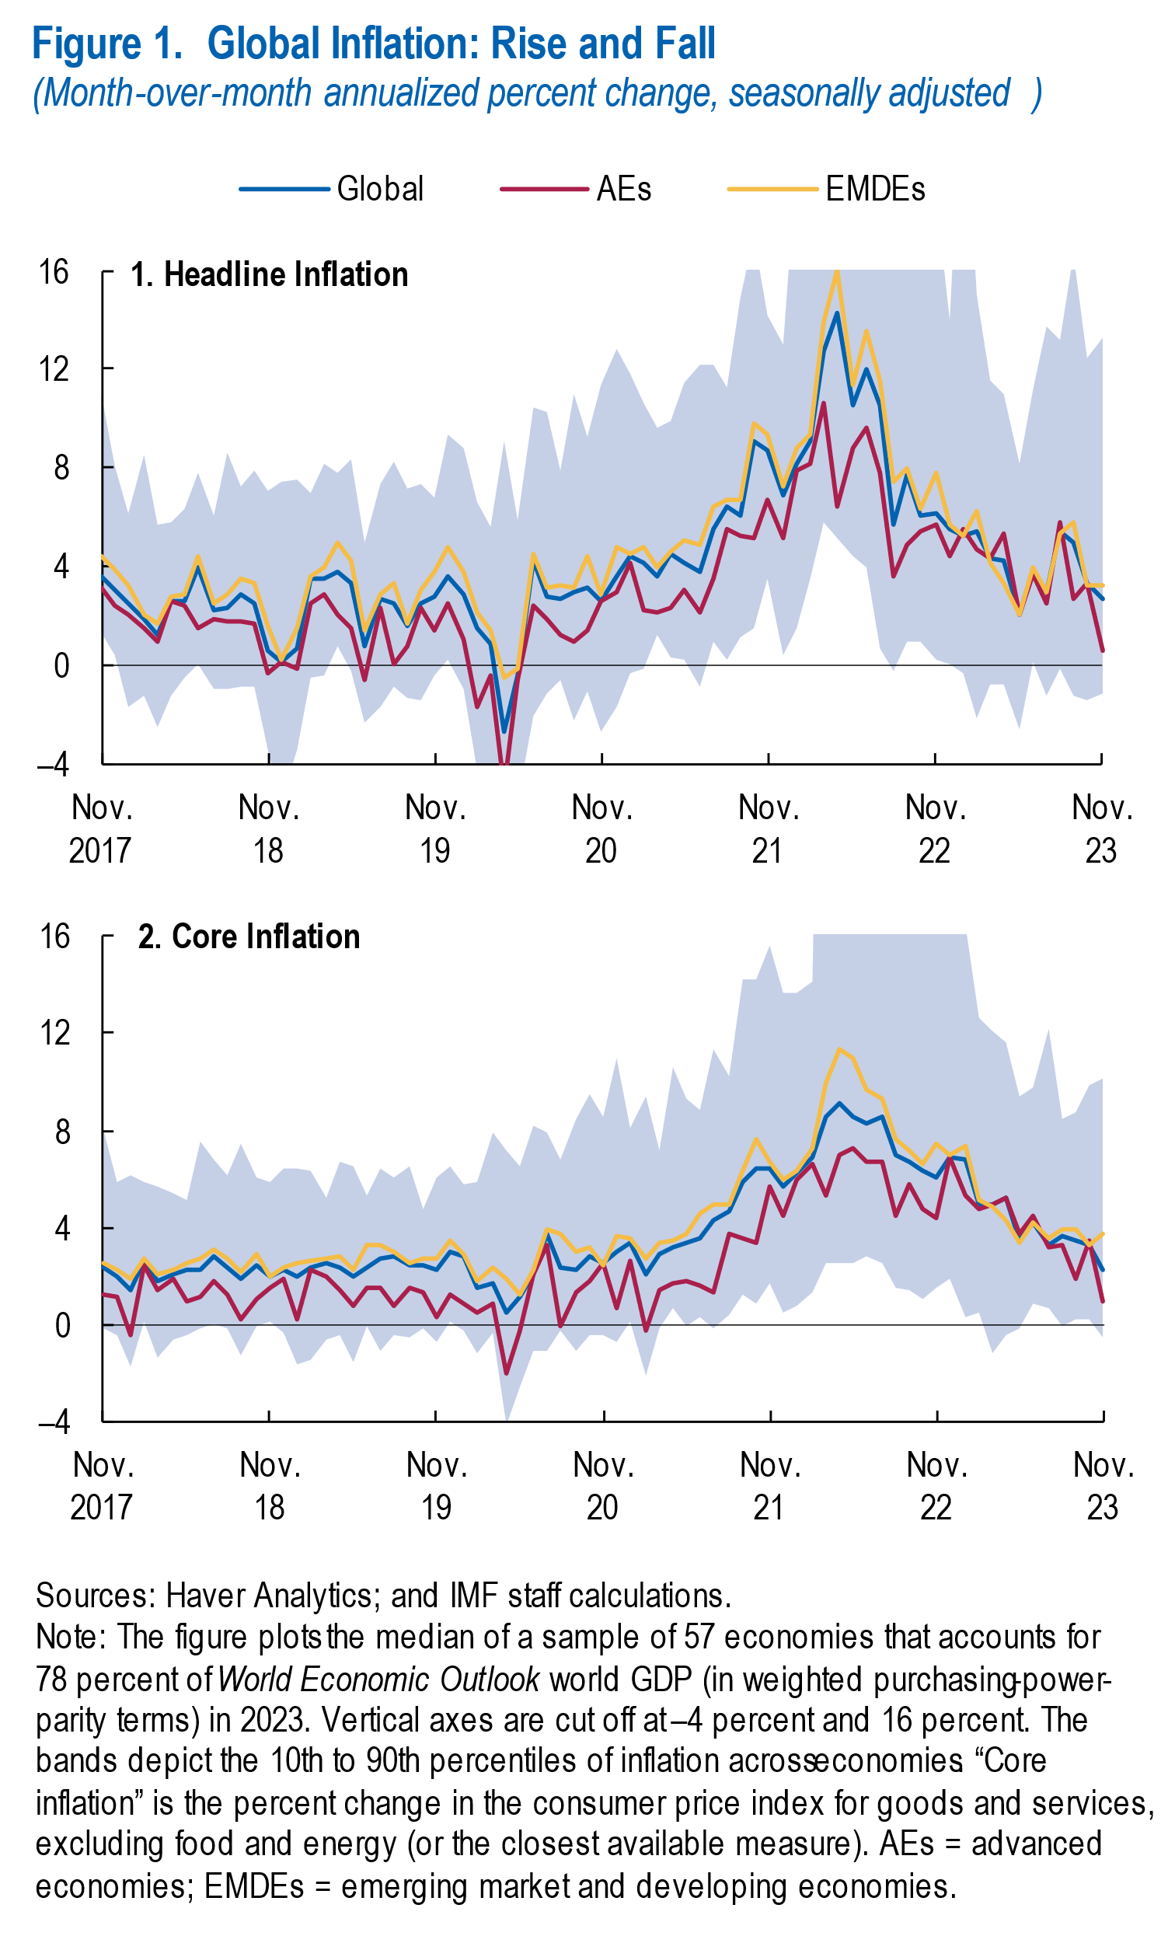
World Economic Outlook, January 2024 Update
 | Figure 1. Global Inflation: Rise and Fall
 | (Month-over-month annualized percent change, seasonally adjusted)

 |  | Headline inflation |  |  |  |  | Core inflation
 |  | Global | AEs | EMDEs | 90th | 10th | Global | AEs | EMDEs | 90th | 10th
 | 2017M11 | 3.6 | 3.1 | 4.4 | 11.0 | 1.4 | 2.4 | 1.3 | 2.6 | 8.0 | -0.1
 | 2017M12 | 3.1 | 2.4 | 3.9 | 8.1 | 0.4 | 2.0 | 1.1 | 2.2 | 5.9 | -0.4
 | 2018M1 | 2.5 | 2.1 | 3.2 | 6.2 | -1.7 | 1.4 | -0.4 | 1.8 | 6.1 | -1.8
 | 2018M2 | 1.9 | 1.5 | 2.0 | 8.5 | -1.3 | 2.7 | 2.4 | 2.7 | 5.9 | 0.2
 | 2018M3 | 1.3 | 1.0 | 1.7 | 5.7 | -2.5 | 1.8 | 1.4 | 2.1 | 5.7 | -1.4
 | 2018M4 | 2.6 | 2.6 | 2.8 | 5.8 | -1.2 | 2.1 | 1.9 | 2.3 | 5.4 | -0.6
 | 2018M5 | 2.6 | 2.4 | 2.9 | 6.3 | -0.5 | 2.3 | 0.9 | 2.5 | 5.2 | -0.4
 | 2018M6 | 4.0 | 1.5 | 4.4 | 7.8 | 0.0 | 2.2 | 1.1 | 2.7 | 7.6 | -0.2
 | 2018M7 | 2.2 | 1.8 | 2.5 | 6.1 | -1.0 | 2.9 | 1.8 | 3.1 | 6.8 | 0.0
 | 2018M8 | 2.4 | 1.8 | 2.9 | 8.6 | -1.0 | 2.3 | 1.2 | 2.7 | 6.2 | -0.1
 | 2018M9 | 2.9 | 1.8 | 3.5 | 7.2 | -0.8 | 1.9 | 0.2 | 2.2 | 7.5 | -1.3
 | 2018M10 | 2.5 | 1.7 | 3.3 | 7.9 | -0.8 | 2.4 | 1.0 | 2.9 | 6.0 | 0.0
 | 2018M11 | 0.6 | -0.3 | 1.6 | 7.1 | -3.5 | 2.0 | 1.5 | 2.0 | 5.8 | 0.1
 | 2018M12 | 0.2 | 0.1 | 0.2 | 7.5 | -5.5 | 2.3 | 1.9 | 2.3 | 6.5 | -0.4
 | 2019M1 | 0.7 | -0.1 | 1.5 | 7.5 | -3.4 | 2.0 | 0.3 | 2.5 | 6.4 | -1.6
 | 2019M2 | 3.5 | 2.5 | 3.6 | 7.0 | -0.5 | 2.4 | 2.2 | 2.6 | 6.3 | -1.4
 | 2019M3 | 3.5 | 2.8 | 3.9 | 8.2 | -0.4 | 2.5 | 2.0 | 2.7 | 5.2 | -0.7
 | 2019M4 | 3.8 | 2.0 | 5.0 | 7.8 | 0.8 | 2.4 | 1.4 | 2.8 | 6.7 | -0.4
 | 2019M5 | 3.3 | 1.5 | 4.3 | 8.3 | -0.2 | 2.0 | 0.8 | 2.2 | 6.5 | -1.6
 | 2019M6 | 0.8 | -0.6 | 1.4 | 5.0 | -2.3 | 2.3 | 1.5 | 3.3 | 5.3 | 0.0
 | 2019M7 | 2.7 | 2.4 | 2.8 | 7.3 | -1.7 | 2.7 | 1.5 | 3.3 | 6.5 | -1.1
 | 2019M8 | 2.5 | 0.1 | 3.3 | 8.3 | -0.8 | 2.8 | 0.8 | 3.0 | 6.1 | -0.5
 | 2019M9 | 1.6 | 0.7 | 1.7 | 7.2 | -1.3 | 2.5 | 1.5 | 2.5 | 6.5 | -0.6
 | 2019M10 | 2.5 | 2.4 | 3.1 | 7.3 | -1.4 | 2.4 | 1.4 | 2.7 | 4.8 | -0.2
 | 2019M11 | 2.8 | 1.4 | 3.8 | 6.8 | -0.4 | 2.3 | 0.3 | 2.8 | 6.0 | -0.7
 | 2019M12 | 3.6 | 2.5 | 4.8 | 9.3 | 0.2 | 3.0 | 1.2 | 3.4 | 6.5 | 0.1
 | 2020M1 | 2.8 | 1.0 | 3.8 | 8.8 | -1.0 | 2.8 | 0.9 | 2.9 | 5.8 | -0.2
 | 2020M2 | 1.5 | -1.7 | 2.2 | 6.6 | -4.2 | 1.6 | 0.5 | 1.8 | 5.9 | -1.2
 | 2020M3 | 0.8 | -0.4 | 1.4 | 5.6 | -5.0 | 1.7 | 0.9 | 2.4 | 8.0 | -0.3
 | 2020M4 | -2.7 | -5.0 | -0.5 | 9.1 | -9.6 | 0.5 | -2.0 | 1.9 | 7.1 | -4.2
 | 2020M5 | -0.4 | -0.6 | -0.2 | 5.9 | -5.5 | 1.1 | -0.2 | 1.2 | 6.5 | -2.6
 | 2020M6 | 4.2 | 2.4 | 4.5 | 10.5 | -2.1 | 2.1 | 2.1 | 2.3 | 8.2 | -1.1
 | 2020M7 | 2.7 | 1.8 | 3.1 | 10.3 | -1.2 | 3.7 | 3.2 | 4.0 | 7.9 | -1.0
 | 2020M8 | 2.7 | 1.3 | 3.3 | 7.9 | -0.6 | 2.4 | -0.1 | 3.7 | 6.8 | -0.2
 | 2020M9 | 3.0 | 1.0 | 3.1 | 11.0 | -2.3 | 2.3 | 1.3 | 3.0 | 8.5 | -1.1
 | 2020M10 | 3.1 | 1.4 | 4.5 | 9.2 | -1.1 | 2.8 | 1.8 | 3.2 | 9.5 | -0.5
 | 2020M11 | 2.6 | 2.6 | 2.9 | 11.4 | -2.7 | 2.5 | 2.5 | 2.4 | 8.6 | -0.5
 | 2020M12 | 3.6 | 3.0 | 4.8 | 12.8 | -1.7 | 3.0 | 0.7 | 3.7 | 11.0 | -0.7
 | 2021M1 | 4.5 | 4.1 | 4.6 | 11.8 | -0.3 | 3.4 | 2.6 | 3.5 | 8.1 | 0.2
 | 2021M2 | 4.1 | 2.2 | 4.8 | 10.6 | -0.1 | 2.1 | -0.3 | 2.7 | 9.4 | -2.1
 | 2021M3 | 3.6 | 2.2 | 4.0 | 9.6 | 1.3 | 2.9 | 1.4 | 3.4 | 7.2 | -0.2
 | 2021M4 | 4.5 | 2.4 | 4.6 | 9.9 | 0.3 | 3.2 | 1.7 | 3.5 | 10.6 | 0.7
 | 2021M5 | 4.2 | 3.1 | 5.0 | 11.4 | 0.3 | 3.4 | 1.8 | 3.7 | 9.3 | -0.1
 | 2021M6 | 3.8 | 2.1 | 4.9 | 12.2 | -0.9 | 3.5 | 1.6 | 4.6 | 8.8 | 0.3
 | 2021M7 | 5.5 | 3.5 | 6.4 | 12.2 | 0.9 | 4.3 | 1.4 | 4.9 | 11.3 | -0.2
 | 2021M8 | 6.4 | 5.6 | 6.7 | 11.3 | 0.2 | 4.7 | 3.8 | 4.9 | 10.2 | 0.4
 | 2021M9 | 6.1 | 5.2 | 6.7 | 14.9 | 1.1 | 5.9 | 3.5 | 6.3 | 14.3 | 1.2
 | 2021M10 | 9.1 | 5.1 | 9.8 | 17.4 | 1.5 | 6.4 | 3.4 | 7.7 | 14.3 | 0.8
 | 2021M11 | 8.7 | 6.7 | 9.3 | 14.2 | 3.5 | 6.4 | 5.7 | 6.7 | 15.6 | 1.7
 | 2021M12 | 6.9 | 5.2 | 7.2 | 13.0 | 0.4 | 5.7 | 4.4 | 6.0 | 13.7 | 0.5
 | 2022M1 | 8.2 | 7.9 | 8.8 | 20.5 | 1.5 | 6.3 | 6.0 | 6.4 | 13.7 | 0.8
 | 2022M2 | 9.1 | 8.2 | 9.4 | 19.9 | 3.5 | 6.9 | 6.6 | 7.3 | 14.2 | 1.3
 | 2022M3 | 12.7 | 10.7 | 13.9 | 52.3 | 5.8 | 8.6 | 5.3 | 10.0 | 43.8 | 2.5
 | 2022M4 | 14.3 | 6.5 | 16.0 | 32.8 | 5.2 | 9.1 | 7.0 | 11.4 | 26.5 | 2.5
 | 2022M5 | 10.5 | 8.8 | 11.4 | 24.9 | 4.5 | 8.6 | 7.3 | 10.9 | 21.5 | 2.5
 | 2022M6 | 12.0 | 9.6 | 13.5 | 22.8 | 3.9 | 8.3 | 6.7 | 9.6 | 24.4 | 2.8
 | 2022M7 | 10.5 | 7.8 | 11.5 | 23.3 | 0.7 | 8.5 | 6.7 | 9.3 | 20.9 | 2.6
 | 2022M8 | 5.7 | 3.6 | 7.4 | 21.5 | -0.3 | 7.0 | 4.5 | 7.6 | 23.0 | 1.5
 | 2022M9 | 7.7 | 4.9 | 8.0 | 23.9 | 0.9 | 6.7 | 5.8 | 7.2 | 22.2 | 1.5
 | 2022M10 | 6.0 | 5.5 | 6.4 | 23.8 | 1.0 | 6.4 | 4.7 | 6.6 | 21.3 | 1.0
 | 2022M11 | 6.1 | 5.7 | 7.8 | 18.9 | 0.2 | 6.1 | 4.4 | 7.5 | 16.7 | 1.5
 | 2022M12 | 5.5 | 4.4 | 5.7 | 14.0 | 0.0 | 6.9 | 6.9 | 7.0 | 16.5 | 1.9
 | 2023M1 | 5.3 | 5.5 | 5.2 | 24.9 | -0.3 | 6.8 | 5.3 | 7.3 | 16.4 | 0.3
 | 2023M2 | 5.4 | 4.7 | 6.2 | 15.0 | -2.2 | 5.0 | 4.8 | 5.1 | 12.7 | 0.5
 | 2023M3 | 4.3 | 4.3 | 4.1 | 11.6 | -0.8 | 5.0 | 5.0 | 4.9 | 12.1 | -1.2
 | 2023M4 | 4.3 | 5.3 | 3.3 | 11.0 | -0.8 | 5.2 | 5.3 | 4.3 | 11.6 | -0.4
 | 2023M5 | 2.1 | 2.1 | 2.1 | 8.2 | -2.6 | 3.4 | 3.7 | 3.4 | 9.4 | -0.2
 | 2023M6 | 3.9 | 3.7 | 4.0 | 11.2 | 0.1 | 4.2 | 4.5 | 4.2 | 9.8 | 0.9
 | 2023M7 | 2.9 | 2.5 | 3.0 | 13.7 | -1.2 | 3.2 | 3.2 | 3.6 | 12.2 | 0.6
 | 2023M8 | 5.4 | 5.8 | 5.4 | 13.2 | -0.2 | 3.7 | 3.3 | 3.9 | 8.4 | 0.0
 | 2023M9 | 5.0 | 2.7 | 5.8 | 16.7 | -1.2 | 3.4 | 1.8 | 4.0 | 8.7 | 0.2
 | 2023M10 | 3.3 | 3.3 | 3.2 | 12.5 | -1.4 | 3.3 | 3.4 | 3.3 | 9.8 | 0.2
 | 2023M11 | 2.7 | 0.6 | 3.3 | 13.3 | -1.1 | 2.3 | 0.9 | 3.7 | 10.2 | -0.5

Figure1.1
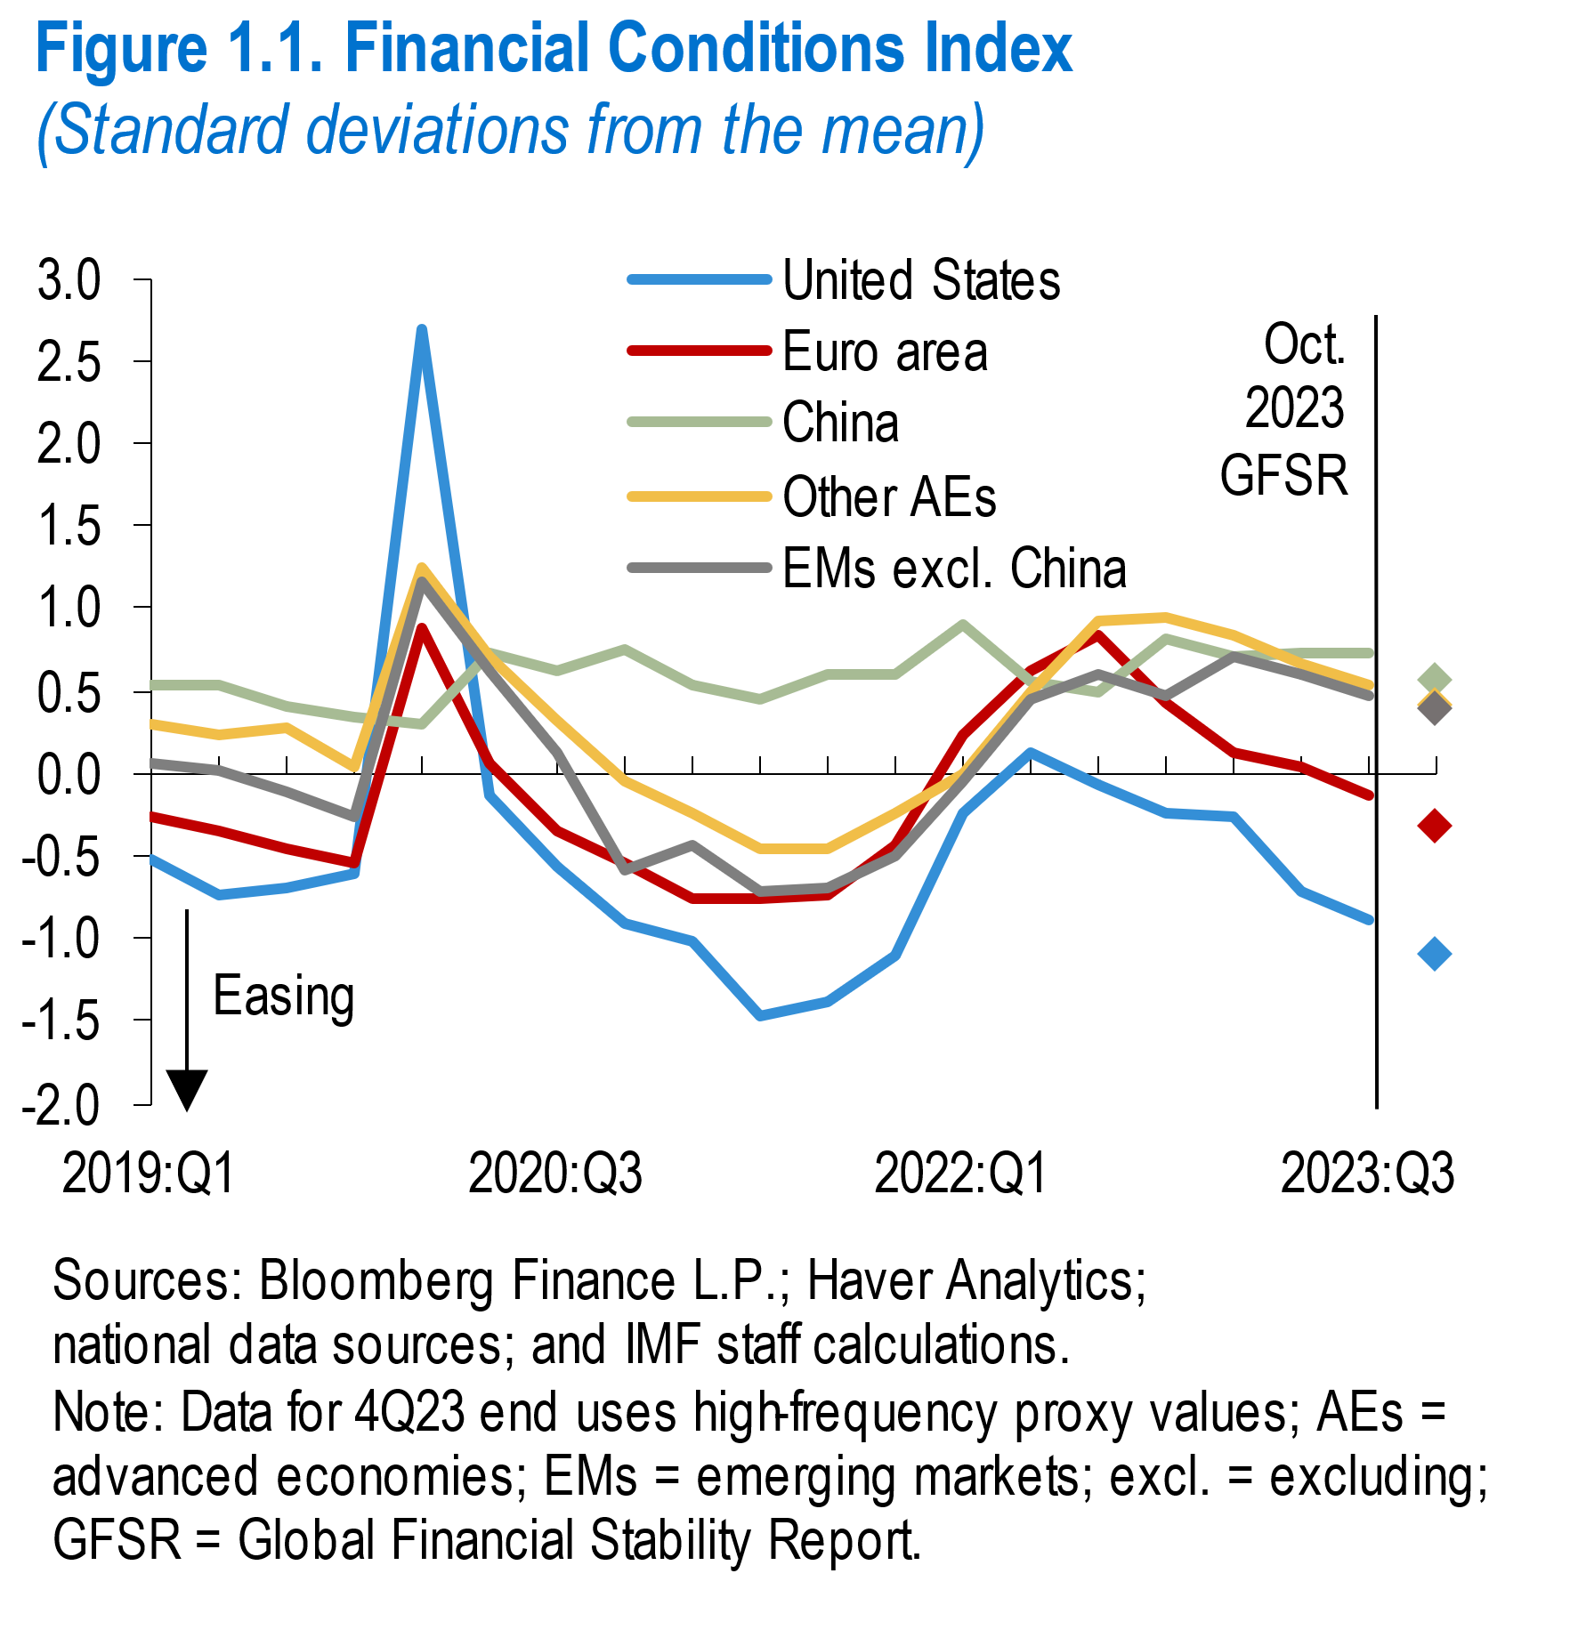
World Economic Outlook, January 2024 Update
 | Figure 1.1. Financial Conditions Index
 | (Standard deviations from mean)

 |  | United States | Euro area | China | Other advanced economies | Emerging markets excluding China
 | 2019Q1 | -0.52 | -0.26 | 0.54 | 0.29 | 0.06
 | 2019Q2 | -0.73 | -0.34 | 0.53 | 0.23 | 0.01
 | 2019Q3 | -0.70 | -0.46 | 0.40 | 0.27 | -0.11
 | 2019Q4 | -0.61 | -0.55 | 0.35 | 0.05 | -0.26
 | 2020Q1 | 2.69 | 0.88 | 0.30 | 1.24 | 1.16
 | 2020Q2 | -0.14 | 0.07 | 0.72 | 0.70 | 0.62
 | 2020Q3 | -0.56 | -0.35 | 0.63 | 0.33 | 0.13
 | 2020Q4 | -0.91 | -0.55 | 0.74 | -0.04 | -0.58
 | 2021Q1 | -1.02 | -0.75 | 0.54 | -0.24 | -0.44
 | 2021Q2 | -1.47 | -0.75 | 0.45 | -0.46 | -0.70
 | 2021Q3 | -1.39 | -0.73 | 0.60 | -0.45 | -0.69
 | 2021Q4 | -1.10 | -0.44 | 0.60 | -0.23 | -0.51
 | 2022Q1 | -0.25 | 0.23 | 0.90 | 0.00 | -0.05
 | 2022Q2 | 0.13 | 0.63 | 0.57 | 0.49 | 0.45
 | 2022Q3 | -0.07 | 0.84 | 0.49 | 0.93 | 0.60
 | 2022Q4 | -0.23 | 0.43 | 0.83 | 0.95 | 0.48
 | 2023Q1 | -0.26 | 0.13 | 0.70 | 0.85 | 0.72
 | 2023Q2 | -0.71 | 0.04 | 0.73 | 0.67 | 0.61
 | 2023Q3 | -0.88 | -0.13 | 0.74 | 0.53 | 0.48
 | 2023Q4 | -1.10 | -0.33 | 0.56 | 0.41 | 0.39

Figure1.2
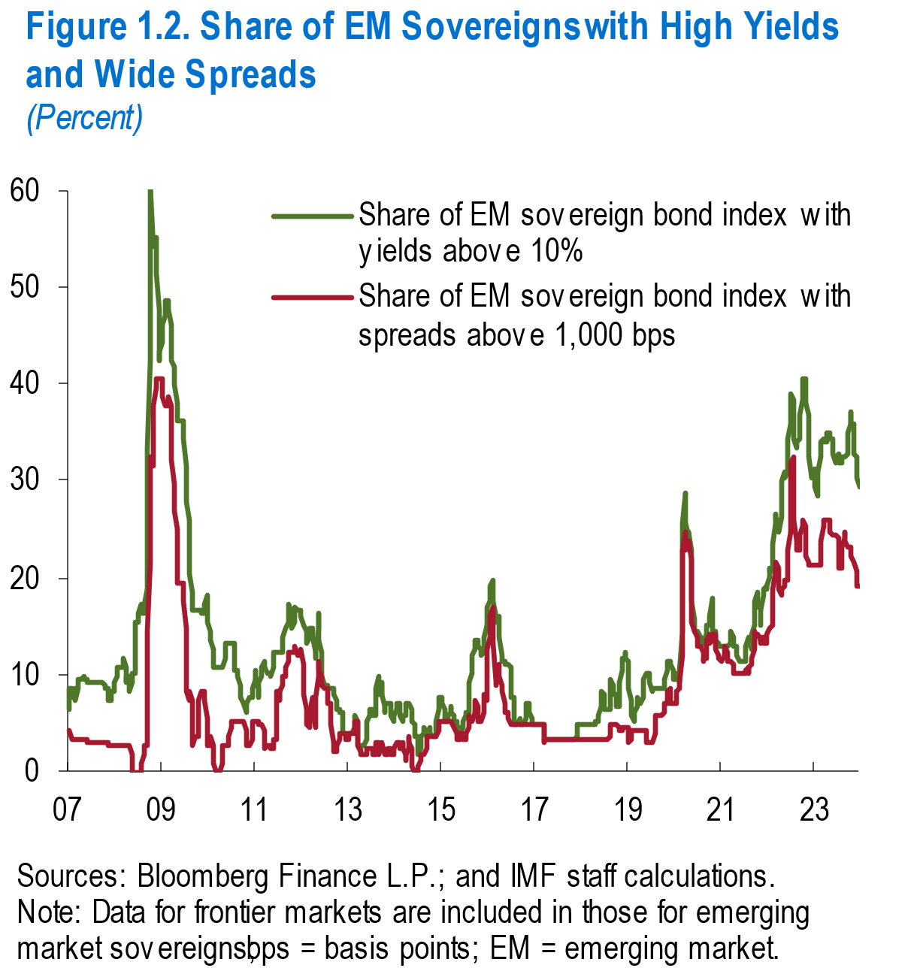
World Economic Outlook, January 2024 Update
 | Figure 1.2. Share of EM Sovereigns with High Yields and Wide Spreads
 | (Percent)

 |  | Share of EM sovereign bond index with yields above 10% | Share of EM sovereign bond index with spreads above 1,000 bps
 | 26-Jan-2007 | 6.3 | 4.3
 | 02-Feb-2007 | 7.4 | 4.3
 | 09-Feb-2007 | 8.5 | 4.3
 | 16-Feb-2007 | 8.6 | 3.2
 | 23-Feb-2007 | 7.5 | 3.2
 | 02-Mar-2007 | 7.5 | 3.2
 | 09-Mar-2007 | 8.6 | 3.2
 | 16-Mar-2007 | 8.6 | 3.2
 | 23-Mar-2007 | 7.5 | 3.2
 | 30-Mar-2007 | 7.4 | 3.2
 | 06-Apr-2007 | 8.4 | 3.2
 | 13-Apr-2007 | 9.4 | 3.1
 | 20-Apr-2007 | 9.4 | 3.1
 | 27-Apr-2007 | 9.4 | 3.1
 | 04-May-2007 | 9.5 | 3.2
 | 11-May-2007 | 9.6 | 3.2
 | 18-May-2007 | 9.7 | 3.2
 | 25-May-2007 | 9.7 | 3.2
 | 01-Jun-2007 | 9.6 | 3.2
 | 08-Jun-2007 | 9.5 | 3.2
 | 15-Jun-2007 | 9.4 | 3.1
 | 22-Jun-2007 | 9.4 | 3.1
 | 29-Jun-2007 | 9.3 | 3.1
 | 06-Jul-2007 | 9.2 | 3.1
 | 13-Jul-2007 | 9.1 | 3.0
 | 20-Jul-2007 | 9.1 | 3.0
 | 27-Jul-2007 | 9.1 | 3.0
 | 03-Aug-2007 | 9.1 | 3.0
 | 10-Aug-2007 | 9.1 | 3.0
 | 17-Aug-2007 | 9.1 | 3.0
 | 24-Aug-2007 | 9.1 | 3.0
 | 31-Aug-2007 | 9.1 | 3.0
 | 07-Sep-2007 | 9.1 | 3.0
 | 14-Sep-2007 | 9.1 | 3.0
 | 21-Sep-2007 | 9.1 | 3.0
 | 28-Sep-2007 | 9.1 | 3.0
 | 05-Oct-2007 | 9.1 | 3.0
 | 12-Oct-2007 | 9.1 | 3.0
 | 19-Oct-2007 | 9.1 | 3.0
 | 26-Oct-2007 | 9.1 | 3.0
 | 02-Nov-2007 | 8.9 | 3.0
 | 09-Nov-2007 | 8.7 | 2.9
 | 16-Nov-2007 | 8.6 | 2.9
 | 23-Nov-2007 | 8.6 | 2.9
 | 30-Nov-2007 | 8.5 | 2.8
 | 07-Dec-2007 | 8.4 | 2.8
 | 14-Dec-2007 | 7.4 | 2.8
 | 21-Dec-2007 | 7.4 | 2.8
 | 28-Dec-2007 | 7.4 | 2.8
 | 04-Jan-2008 | 8.3 | 2.8
 | 11-Jan-2008 | 8.2 | 2.7
 | 18-Jan-2008 | 8.1 | 2.7
 | 25-Jan-2008 | 9.0 | 2.7
 | 01-Feb-2008 | 9.9 | 2.7
 | 08-Feb-2008 | 10.8 | 2.7
 | 15-Feb-2008 | 10.8 | 2.7
 | 22-Feb-2008 | 10.8 | 2.7
 | 29-Feb-2008 | 10.8 | 2.7
 | 07-Mar-2008 | 10.8 | 2.7
 | 14-Mar-2008 | 10.8 | 2.7
 | 21-Mar-2008 | 10.8 | 2.7
 | 28-Mar-2008 | 11.7 | 2.7
 | 04-Apr-2008 | 11.7 | 2.7
 | 11-Apr-2008 | 10.8 | 2.7
 | 18-Apr-2008 | 9.0 | 2.7
 | 25-Apr-2008 | 9.9 | 2.7
 | 02-May-2008 | 9.9 | 2.7
 | 09-May-2008 | 9.9 | 2.7
 | 16-May-2008 | 8.1 | 2.7
 | 23-May-2008 | 8.1 | 2.7
 | 30-May-2008 | 9.0 | 1.8
 | 06-Jun-2008 | 9.1 | 0.9
 | 13-Jun-2008 | 10.1 | 0.0
 | 20-Jun-2008 | 10.2 | 0.0
 | 27-Jun-2008 | 13.0 | 0.0
 | 04-Jul-2008 | 13.8 | 0.0
 | 11-Jul-2008 | 15.5 | 0.0
 | 18-Jul-2008 | 15.3 | 0.0
 | 25-Jul-2008 | 16.2 | 0.0
 | 01-Aug-2008 | 16.2 | 0.0
 | 08-Aug-2008 | 17.1 | 0.0
 | 15-Aug-2008 | 17.1 | 0.0
 | 22-Aug-2008 | 17.1 | 0.0
 | 29-Aug-2008 | 16.2 | 0.9
 | 05-Sep-2008 | 16.2 | 1.8
 | 12-Sep-2008 | 16.2 | 2.7
 | 19-Sep-2008 | 17.1 | 2.7
 | 26-Sep-2008 | 18.9 | 2.7
 | 03-Oct-2008 | 25.2 | 7.2
 | 10-Oct-2008 | 33.3 | 14.4
 | 17-Oct-2008 | 42.3 | 21.6
 | 24-Oct-2008 | 55.0 | 28.8
 | 31-Oct-2008 | 58.6 | 30.6
 | 07-Nov-2008 | 60.4 | 32.4
 | 14-Nov-2008 | 54.1 | 31.5
 | 21-Nov-2008 | 54.1 | 35.1
 | 28-Nov-2008 | 55.0 | 37.8
 | 05-Dec-2008 | 55.0 | 39.6
 | 12-Dec-2008 | 55.0 | 39.6
 | 19-Dec-2008 | 51.4 | 40.5
 | 26-Dec-2008 | 47.7 | 40.5
 | 02-Jan-2009 | 44.1 | 40.5
 | 09-Jan-2009 | 42.3 | 40.5
 | 16-Jan-2009 | 43.2 | 40.5
 | 23-Jan-2009 | 44.1 | 40.5
 | 30-Jan-2009 | 45.9 | 39.6
 | 06-Feb-2009 | 45.9 | 38.7
 | 13-Feb-2009 | 46.8 | 37.8
 | 20-Feb-2009 | 47.7 | 37.8
 | 27-Feb-2009 | 48.6 | 37.8
 | 06-Mar-2009 | 48.6 | 37.8
 | 13-Mar-2009 | 48.6 | 37.8
 | 20-Mar-2009 | 48.6 | 38.7
 | 27-Mar-2009 | 47.7 | 38.7
 | 03-Apr-2009 | 45.9 | 37.8
 | 10-Apr-2009 | 43.6 | 35.4
 | 17-Apr-2009 | 42.2 | 32.1
 | 24-Apr-2009 | 41.7 | 29.6
 | 01-May-2009 | 41.7 | 27.8
 | 08-May-2009 | 39.8 | 26.9
 | 15-May-2009 | 38.0 | 25.0
 | 22-May-2009 | 36.1 | 22.2
 | 29-May-2009 | 36.1 | 20.4
 | 05-Jun-2009 | 36.1 | 19.4
 | 12-Jun-2009 | 36.1 | 19.4
 | 19-Jun-2009 | 36.1 | 19.4
 | 26-Jun-2009 | 36.1 | 19.4
 | 03-Jul-2009 | 36.1 | 19.4
 | 10-Jul-2009 | 36.1 | 19.4
 | 17-Jul-2009 | 36.1 | 19.4
 | 24-Jul-2009 | 34.3 | 17.6
 | 31-Jul-2009 | 31.5 | 14.8
 | 07-Aug-2009 | 28.7 | 10.2
 | 14-Aug-2009 | 27.8 | 8.3
 | 21-Aug-2009 | 25.9 | 7.4
 | 28-Aug-2009 | 24.1 | 8.3
 | 04-Sep-2009 | 20.4 | 8.3
 | 11-Sep-2009 | 18.5 | 7.4
 | 18-Sep-2009 | 16.7 | 5.6
 | 25-Sep-2009 | 16.7 | 3.7
 | 02-Oct-2009 | 16.7 | 2.8
 | 09-Oct-2009 | 16.7 | 3.7
 | 16-Oct-2009 | 16.7 | 3.7
 | 23-Oct-2009 | 16.7 | 3.7
 | 30-Oct-2009 | 16.7 | 3.7
 | 06-Nov-2009 | 16.7 | 5.6
 | 13-Nov-2009 | 16.7 | 7.4
 | 20-Nov-2009 | 16.7 | 8.3
 | 27-Nov-2009 | 16.7 | 8.3
 | 04-Dec-2009 | 16.5 | 8.3
 | 11-Dec-2009 | 16.4 | 8.2
 | 18-Dec-2009 | 16.2 | 8.1
 | 25-Dec-2009 | 16.2 | 8.1
 | 01-Jan-2010 | 17.1 | 7.2
 | 08-Jan-2010 | 18.0 | 5.4
 | 15-Jan-2010 | 17.1 | 3.6
 | 22-Jan-2010 | 15.3 | 2.7
 | 29-Jan-2010 | 14.4 | 2.7
 | 05-Feb-2010 | 14.4 | 3.6
 | 12-Feb-2010 | 14.4 | 3.6
 | 19-Feb-2010 | 13.5 | 3.6
 | 26-Feb-2010 | 12.6 | 2.7
 | 05-Mar-2010 | 11.7 | 1.8
 | 12-Mar-2010 | 10.8 | 0.9
 | 19-Mar-2010 | 10.8 | 0.0
 | 26-Mar-2010 | 10.8 | 0.0
 | 02-Apr-2010 | 10.8 | 0.0
 | 09-Apr-2010 | 10.8 | 0.0
 | 16-Apr-2010 | 10.8 | 0.0
 | 23-Apr-2010 | 10.8 | 0.0
 | 30-Apr-2010 | 10.8 | 0.0
 | 07-May-2010 | 10.8 | 0.9
 | 14-May-2010 | 10.8 | 1.8
 | 21-May-2010 | 10.8 | 2.7
 | 28-May-2010 | 11.6 | 2.7
 | 04-Jun-2010 | 12.4 | 2.7
 | 11-Jun-2010 | 13.2 | 2.6
 | 18-Jun-2010 | 13.2 | 2.6
 | 25-Jun-2010 | 13.2 | 2.6
 | 02-Jul-2010 | 13.2 | 3.5
 | 09-Jul-2010 | 13.2 | 3.5
 | 16-Jul-2010 | 13.2 | 4.4
 | 23-Jul-2010 | 13.2 | 4.4
 | 30-Jul-2010 | 13.2 | 5.3
 | 06-Aug-2010 | 13.2 | 5.3
 | 13-Aug-2010 | 12.3 | 5.3
 | 20-Aug-2010 | 11.4 | 5.3
 | 27-Aug-2010 | 10.5 | 5.3
 | 03-Sep-2010 | 10.5 | 5.3
 | 10-Sep-2010 | 10.5 | 5.3
 | 17-Sep-2010 | 9.6 | 5.3
 | 24-Sep-2010 | 8.8 | 5.3
 | 01-Oct-2010 | 7.8 | 5.2
 | 08-Oct-2010 | 7.8 | 5.2
 | 15-Oct-2010 | 6.8 | 5.1
 | 22-Oct-2010 | 6.8 | 5.1
 | 29-Oct-2010 | 6.8 | 5.1
 | 05-Nov-2010 | 6.8 | 5.1
...

