WEO Update July 2026
 |  | 2026-07-08

International Monetary Fund
World Economic Outlook
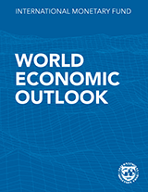

July 2026
World Economic Outlook Update

This includes numbers underlying the figures and tables from the July 2026 World Economic Outlook Update.
When reusing the contents of this file, please refer the source as
IMF, World Economic Outlook Update, July 2026
Further information on copyright and usage can be found at
www.imf.org/external/terms.htm
Disclaimer: Should there be any discrepancies with the PDF report, the latter represents the official version.
There is no accompanying database for January/July Updates.
Please submit any questions specific to this file using | WEO Data Question Form.

Latest available database is April 2026 WEO found in IMF Data Portal
WEO database on IMF Data Portal
Questions while using the Portal including API should be addressed to
datahelp@imf.org

