Figure 1
Figure 1. Global energy subsidies, 2011-2015
 | 2011 | 2012 | 2013 | 2014 | 2015
Percent GDP
Total Pretax subsidies | 0.7 | 0.8 | 0.7 | 0.6 | 0.4
Total Posttax subsidies | 5.8 | 6.3 | 6.5 | 6.7 | 6.5

US$ billions
Dollars, pretax | $0.52 | $0.60 | $0.54 | $0.48 | $0.33
Dollars, posttax | $4.16 | $4.58 | $4.86 | $5.17 | $5.30

 | Post-tax subsidies | blank | Pre-tax subsidies
 | 5.8 | 7 | 0.7
 | 6.3 |  | 0.8
 | 6.5 |  | 0.7
 | 6.7 |  | 0.6
 | 6.5 |  | 0.4

Figure 2
Figure 2. Global Energy Subsidies by component, 2015 US$ billions
 |  | 2015
 | Global warming | 1268
 | Pre-tax subsidies | 333
 | Local pollution | 2734
 | Vehicle externalities | 654
 | Congestion | 359
 | Accidents | 271
 | Road damage | 24
 | Foregone revenue | 313

Global warming | 1268
Pre-tax subsidies | 333
Local pollution | 2734
Vehicle externalities | 654
Foregone revenue | 313

Figure 3
Figure 3. Global energy subsidies by product, 2015 US$ billions
 | 2015
Petroleum | 1497
Natural gas | 510
Electricity | 148
Coal | 3147

Figure 4
Russia $0.3
trillion
Figure 4. Energy subsidies around the world
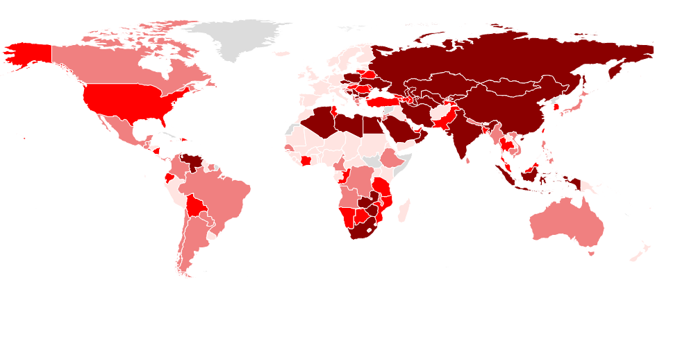

EU $0.3
trillion

USA $0.7
trillion
Japan $0.2 trillion

China $2.3
trillion

India $0.3
trillion

Figure 5
Figure 5. Fossil fuel related air emissions deaths reduction 2015, percent
 | 2015 | Global reduction
Emerging Europe | 63.18 | 57.38
E.D. Asia | 61.26 | 57.38
CIS | 57.61 | 57.38
MENAP | 50.08 | 57.38
S.S. Africa | 48.48 | 57.38
Advanced | 27.80 | 57.38
LAC | 21.02 | 57.38

Figure 6
Figure 6. Fossil fuel related CO2 emissions reduction 2015, percent
 | 2015 | Global reduction
MENAP | 35.35 | 23.68
E.D. Asia | 26.45 | 23.68
LAC | 22.16 | 23.68
CIS | 20.09 | 23.68
S.S. Africa | 18.32 | 23.68
Emerging Europe | 15.83 | 23.68
Advanced | 15.19 | 23.68

Figure 7
Figure 7. Fiscal impact 2013, percent of GDP
 | 2013 revenue gain | Public Health Spending | Corporate tax revenue
Advanced | 1.74 | 6.65 | 2.94
Emerging | 7.77 | 3.09 | 4.18
Low-income and developing | 3.84 | 2.75 | 2.57

Fiscal gain

