Read Me (As of July 30, 2020)
Financial Access COVID-19 Policy Tracker Last Update: August 3, 2020
Objective: The Financial Access Survey (FAS) collects annual data on access to and use of financial services, including digital finance and SME finance. The FAS data is public and can be accessed at https://data.imf.org/FAS. This COVID-19 policy response tracker documents policies taken by policymakers across the world, mainly focusing on two areas: - Steps taken to facilitate SMEs lending, to counteract the economic distress caused by the pandemic; - Measures to facilitate a move away from cash to mobile money transactions by lowering the usage costs. The information in this tracker is taken from publicly available sources, inputs from other departments of the IMF as well as feedback received from country authorities. While the focus of the tracker is on mobile money ('Mobile money' tab) and SMEs ('SMEs' tab), some authorities have also shared information on policy responses in the areas of other digital financial services ('Other digital financial service' tab). This tracker is a living document and is updated on a regular basis. This version of the tracker was updated on July 30, 2020. The information therein, may not be exhaustive. | 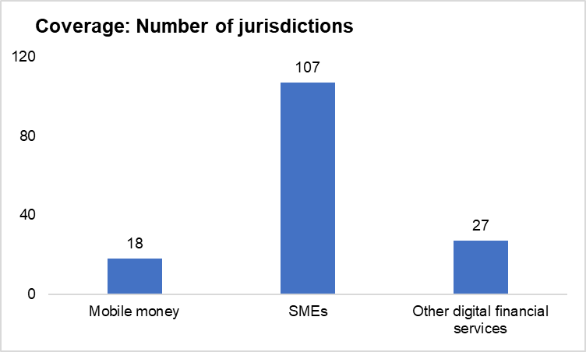
Authors: The tracker is maintained by the Statistics Department of the IMF. If you have any questions or suggestions, please write to stafas@imf.org.

Key definitions as per the guidelines of the Financial Access Survey (FAS):
Mobile money: Mobile money is a financial service offered to its clients by a mobile network operator or another entity that partners with mobile network operators, independent of the traditional banking network. Please note that the services that offer mobile phone as just another channel to access a traditional banking product are not considered mobile money. A bank account is not required to use mobile money services—the only pre-requisite is a basic mobile phone.
Mobile and internet banking: Mobile and internet banking is the facility which enables customers of a financial institution to execute financial transactions (such as deposits, account transfers, bill payments, online shopping) electronically via the internet, either using a mobile phone or another electronic device.

